sản phẩm
STT | Tên sản phẩm | Loại sản phẩm | Hãng sản suất | Hình ảnh | Mô tả ngắn | Thông số kỹ thuật |  |  |  |  |  |  |  |  |  |  |  |  |  |  |  |  | link sản phảm trên web hãng
 |  |  |  |  |  | Brand | Model Number | Energy Used | Incandescent/Halogen Equivalent | Volts | Base | Bulb Shape | Bulb Color | CRI | Color temperature | Brightness | Blub Finish | Bulb Technology | Average Rated Life | Length | Diameter | Osram Sylvania
1 | Litetronics 12, 22, 33W 3Way CFL Bulb, Spiral E26 Base | Bulbs | Litetronics | 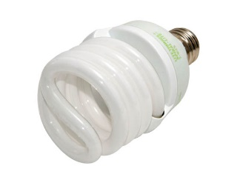 | Energy efficient replacement for a conventional 50/100/150 watt bulb Estimated life of 9.1 years based on 3 hours use per day | Litetronics | 12/22/33 Watt 3-Way CFL Spiral | 12/22/33 Watts | 50/100/150 Watts | 120 | Medium (E26) | Spiral | Warm White | 82 | 2700 | 700/1500/2245 | Opaque | CFL | 10000 | 5.375 | 2.75 | 29351 - CF28EL/3WAY/TWIST/BL | http://www.bulbs.com/product/12-22-33-WATT-3-WAY-CFL-SPIRAL
2 | Bulbrite 60W 130V A19 Rough Service Bulb, 2 Pack E26 Base | Bulbs | Bulbrite | 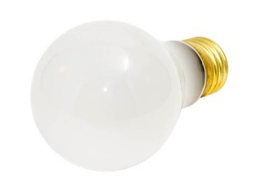 | Estimated life of 4.6 years based on 3 hours use per day | Bulbrite | 60A/RS-2PK | 60 Watts |  | 130 | Medium (E26) | A-19 | Warm White | 100 | 2700 | 560 | Frosted | Incandescent | 5000 | 4.25 | 2.375 | 12421 - 60A/RS/RP | http://www.bulbs.com/product/60A-RS-2PK?RefId=116
3 | Bulbrite 60W 120V ST18 Nostalgic Decorative Bulb, E26 Base | Bulbs | Bulbrite | 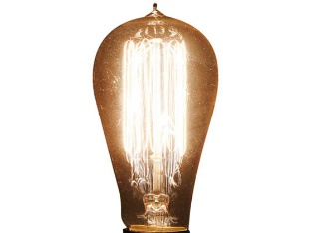 | Estimated life of 2.7 years based on 3 hours use per day | Bulbrite | NOS60-1910 | 60 Watts |  | 120 | Medium (E26) | ST-18 | Warm White |  | 2000 | 200 | Clear | Incandescent | 3000 | 5.2 | 2.1 |  | http://www.bulbs.com/product/NOS60-1910?RefId=116
4 | Bulbrite 40W 130V A15 Safety Coated Bulb, E26 Base | Bulbs | Bulbrite | 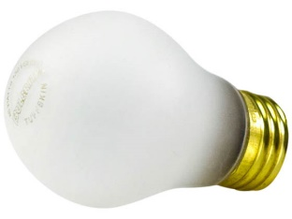 | Estimated life of 2.3 years based on 3 hours use per day | Bulbrite |  | 40 Watts |  | 130 | Medium (E26) | A-15 | Warm White | 100 | 2700 | 280 | Frosted | Incandescent | 2500 | 3.5 | 1.9 |  | http://www.bulbs.com/product/40A15-TF-SAFETY?RefId=116
5 | Philips 175W Clear ED17 Metal Halide Bulb | Bulbs | Philips | 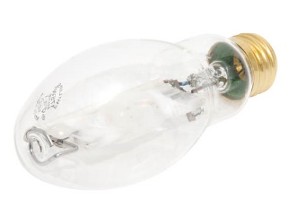 | Estimated life of 9.1 years based on 3 hours use per day | Philips Lighting | MH175/U/M | 175 Watts |  |  | Medium (E26) | ED-17 | Cool White | 65 | 4000 | 9100 | Clear | Metal Halide | 10000 | 5.44 | 2.125 | 64479 - M175/U/M | http://www.bulbs.com/product/MH175-U-M?RefId=112
6 | LEDlux Alsace Dimmable 3 Light Spotlight in Brushed Chrome | Spot Lights | Lucci LEDlux | 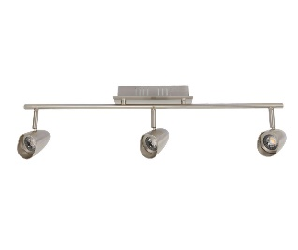 | The LEDlux Alsace is a modern stylish dimmable spotlight that can be wall or ceiling mounted. It presents a sophisticated, low energy LED alternative to halogen spotlights.This fitting is dimmable and has been tested with the Clipsal 32E450LM, 32E450TM, 32E450UDM and LUCCI SKU 290998 dimmer. | Lucci LEDlux |  |  |  |  |  |  |  |  |  |  |  |  |  |  |  |  | https://www.beaconlighting.com.au/ledlux-alsace-3-light-spotlight-in-brushed-chrome.html
7 | Milan Adjustable LED White Switch Spotlight in Warm White | Spot Lights | MFL | 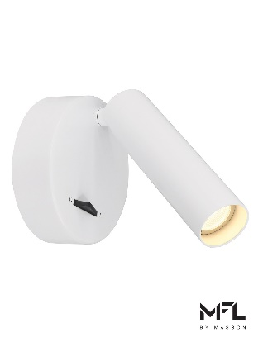 | This fitting is for indoor use only and is not dimmable. This spot light has an on\off switch located on the facia but still needs to be installed by an electrician. |  |  |  |  |  |  |  |  |  |  |  |  |  |  |  |  |  | https://www.beaconlighting.com.au/milan-adjustable-led-white-switch-spotlight-in-warm-white.html
8 | LEDlux Alsace Dimmable 1 Light Spotlight in Brushed Chrome | Spot Lights | Lucci LEDlux | 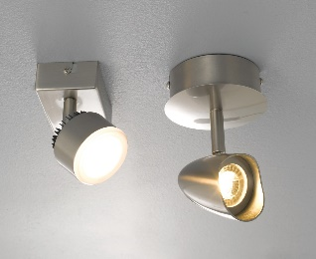 | The LEDlux Alsace is a modern stylish dimmable spotlight that can be wall or ceiling mounted. It presents a sophisticated, low energy LED alternative to halogen spotlights. This fitting is dimmable and has been tested with the Clipsal 32E450LM, 32E450TM, 32E450UDM and LUCCI SKU 290998 dimmer. |  |  |  |  |  |  |  |  |  |  |  |  |  |  |  |  |  | https://www.beaconlighting.com.au/ledlux-alsace-1-light-spotlight-in-brushed-chrome.html
9 | Nevada 1 Light Track Spot in Grey | Spot Lights | Lucci Maison | 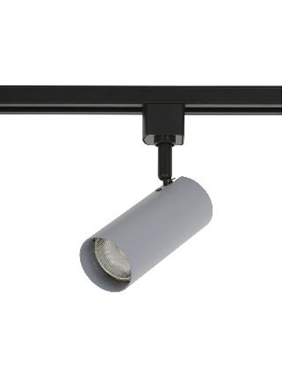 | Modern with a slender design, the Nevada’s are the perfect track spot range. The Nevada track spot comes in a range colours including brushed brass, polished copper, chrome, grey and mint, white and black. This Nevada can be mounted on a ceiling and is adjustable to direct light wherever you need it and is dimmable if using a dimmable GU10 globe. |  |  |  |  |  |  |  |  |  |  |  |  |  |  |  |  |  | https://www.beaconlighting.com.au/nevada-1-light-track-spot-in-grey.html
10 | LEDlux Alsace Dimmable 3 Light Spotlight in White | Spot Lights | Lucci LEDlux | 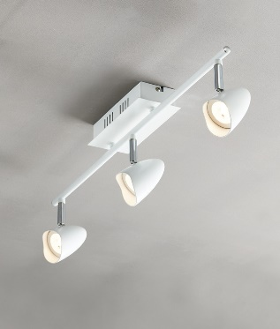 | The LEDlux Alsace is a modern stylish dimmable spotlight that can be wall or ceiling mounted. It presents a sophisticated, low energy LED alternative to halogen spotlights. This fitting is dimmable and has been tested with the Clipsal 32E450LM, 32E450TM, 32E450UDM and LUCCI SKU 290998 dimmer.
11 | Washer Quattro AC XB RGBW | Decoration lights | 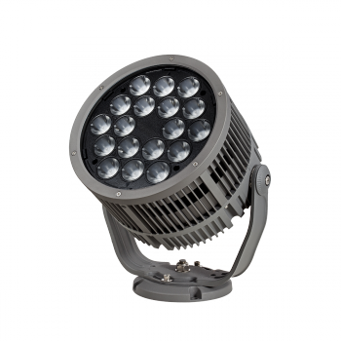 OSRAM |  | Intelligent - DMX control with Remote Device Management, with easy configuration and auto-addressing capabilities. Powerful – Flood illumination with super consistent light and close-field color mixing of 16.7 million RGB plus W colors. Longer lifetime – Through active over-temperature protection |  |  |  |  |  |  |  |  |  |  |  |  |  |  |  |  |  | http://www2.traxontechnologies.com/lighting_solutions/product_details/10386/
12 |  | Decoration lights
13 |  | Decoration lights
14 |  | Decoration lights
15 |  | Decoration lights
16 | Philips - Hue Lightstrip Plus Dimmable LED Smart Light - Multicolor | Smart lights | Philips | 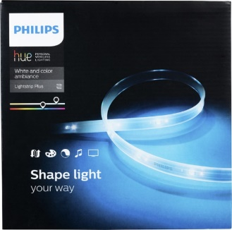 | Add a creative glow to any corner of your space with this 6.6-foot Philips Hue LED light strip. Its multicolored, dimmable lights suit any desired ambience, and it lets you sync its movement with music or movies via third-party apps. Bend, shape and cut this Philips Hue LED light strip for flexible customization. |  |  |  |  |  |  |  |  |  |  |  |  |  |  |  |  |  | https://www.bestbuy.com/site/philips-hue-lightstrip-plus-dimmable-led-smart-light-multicolor/4373913.p?skuId=4373913
17 | ilumi - A19 Bluetooth LED Smartbulb - Multicolor | Smart lights | Ilumi | 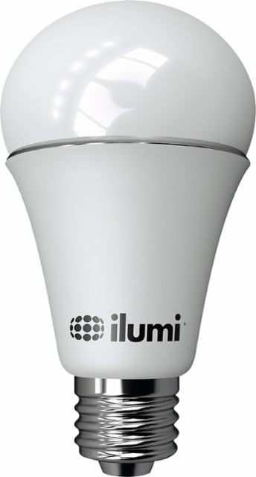 | Achieve the lighting you desire in your home with this smart light bulb, which connects to your compatible Bluetooth-enabled device via an app to allow dimming control and simple adjustments. With a range of warm and cool color temperatures, the bulb helps you achieve the ideal conditions. |  |  |  |  |  |  |  |  |  |  |  |  |  |  |  |  |  | https://www.bestbuy.com/site/ilumi-a19-bluetooth-led-smartbulb-multicolor/4571516.p?skuId=4571516
18 | Philips - Hue White A19 Smart LED Bulb - White Only | Smart lights | Philips | 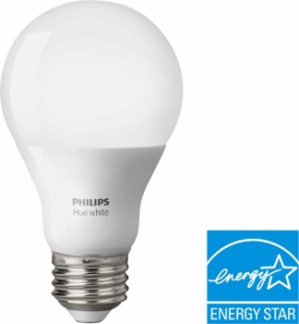 | Provide smart illumination for your space with this Philips Hue white light bulb. The equivalent to a 60W standard bulb, this advanced bulb can be used as a regular LED light or to enhance your enjoyment with the Philips Hue app. This Philips Hue white light bulb is compatible with Alexa, Apple HomeKit and Google Assistant. |  |  |  |  |  |  |  |  |  |  |  |  |  |  |  |  |  | https://www.bestbuy.com/site/philips-hue-white-a19-smart-led-bulb-white-only/4374300.p?skuId=4374300
19 |  | Smart lights
20 |  | Smart lights

1. em tìm 20 sản phẩm thuộc 4 loại, mỗi loại 5 sản phẩm
2. Mỗi SP tìm 2-3 ảnh vuông, trong đó có 1 ảnh tối thiểu 1000px, ảnh còn loại trên 200px. Copy file ảnh vào thư mục picture, để tên theo cấu trúc "[hãng]_[Loại]_[tên sản phẩm]" rồi điền tên file ảnh vào cột hình ảnh tương ứng
3. tất cả em viết bằng tiếng Anh

