img
 |  | 電流pattern: 使用" Standard Price"或類似圖面, 截圖不加busy (圖面擷取請如下範例圖, 波形圖儘量充滿畫面以check peak值)
 |  | Sampling rate 請以"100us/pt"設定/ EPD畫面請以掃瞄方式記錄以利於清楚評估是否會有blur問題.

EX. | 1 |  | 2 | 3 | 4 | 5

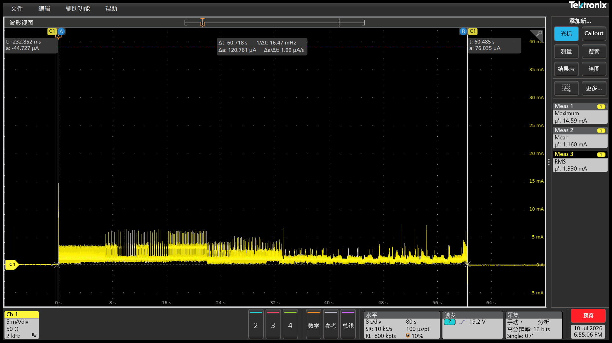


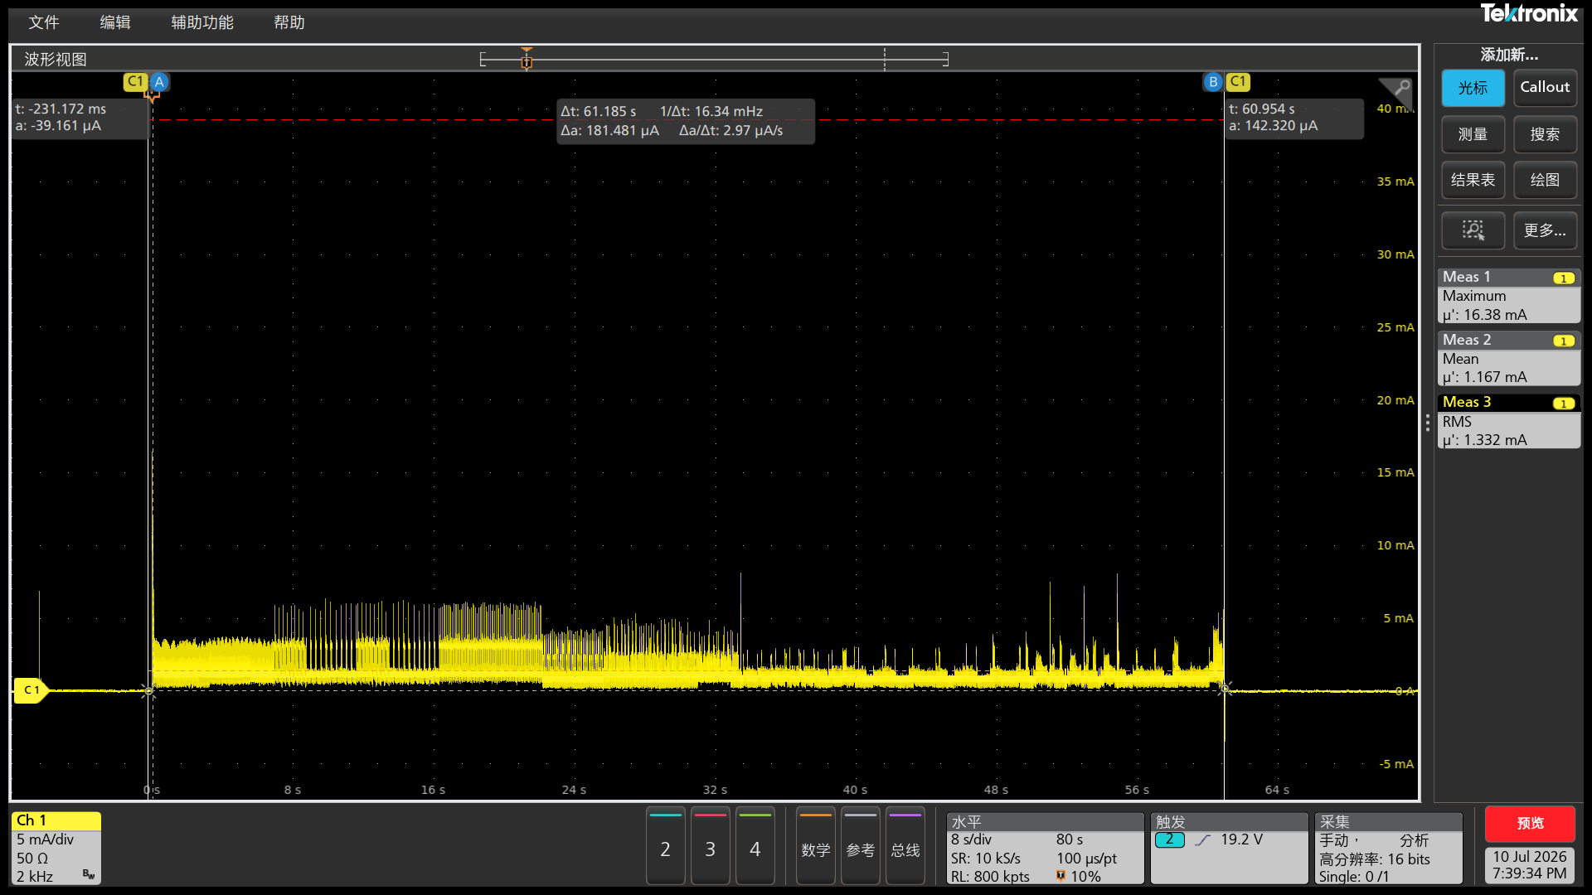

0C | 1 |  | 2 | 3 | 4 | 5






10C | 1 |  | 2 | 3 | 4 | 5

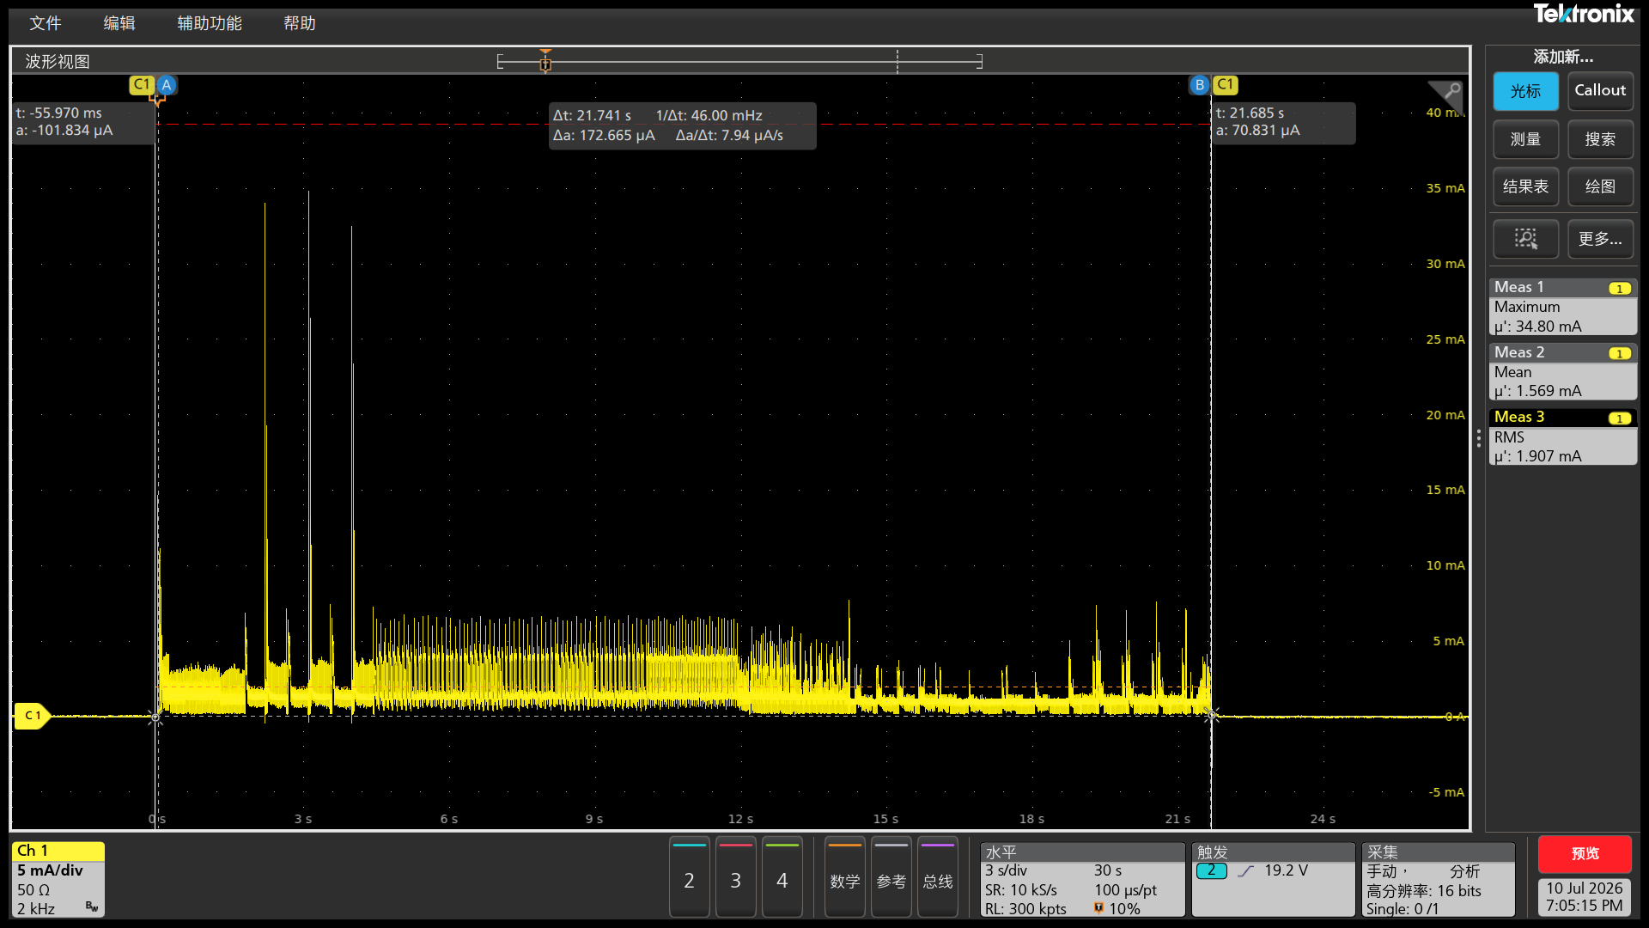
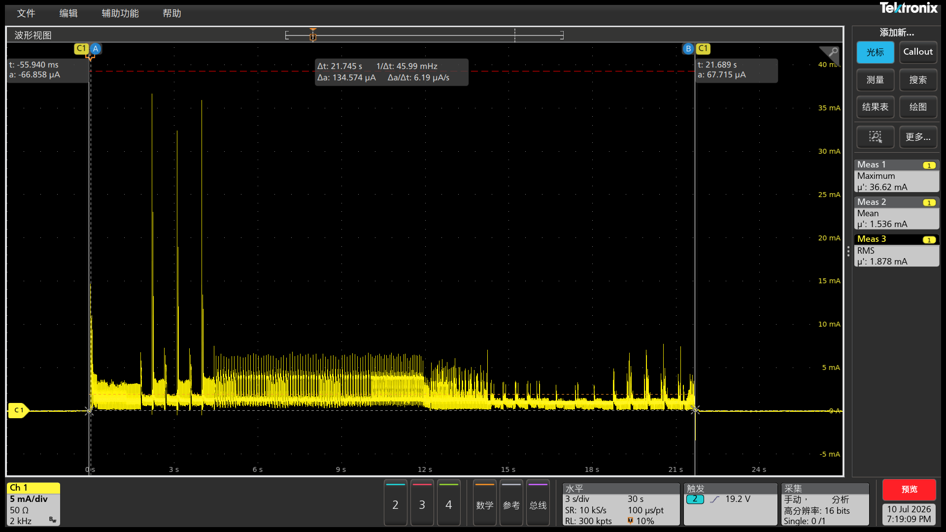



333333333
25C | 1 |  | 2 | 3 | 4 | 5

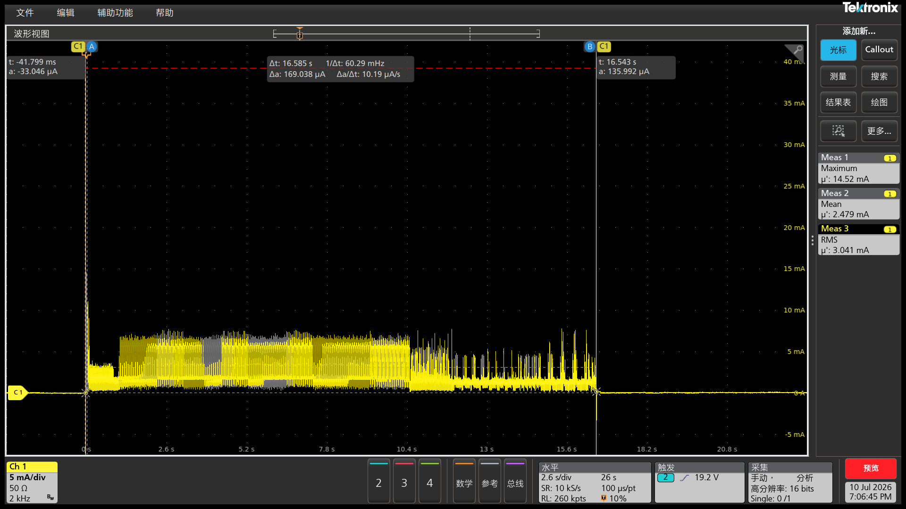
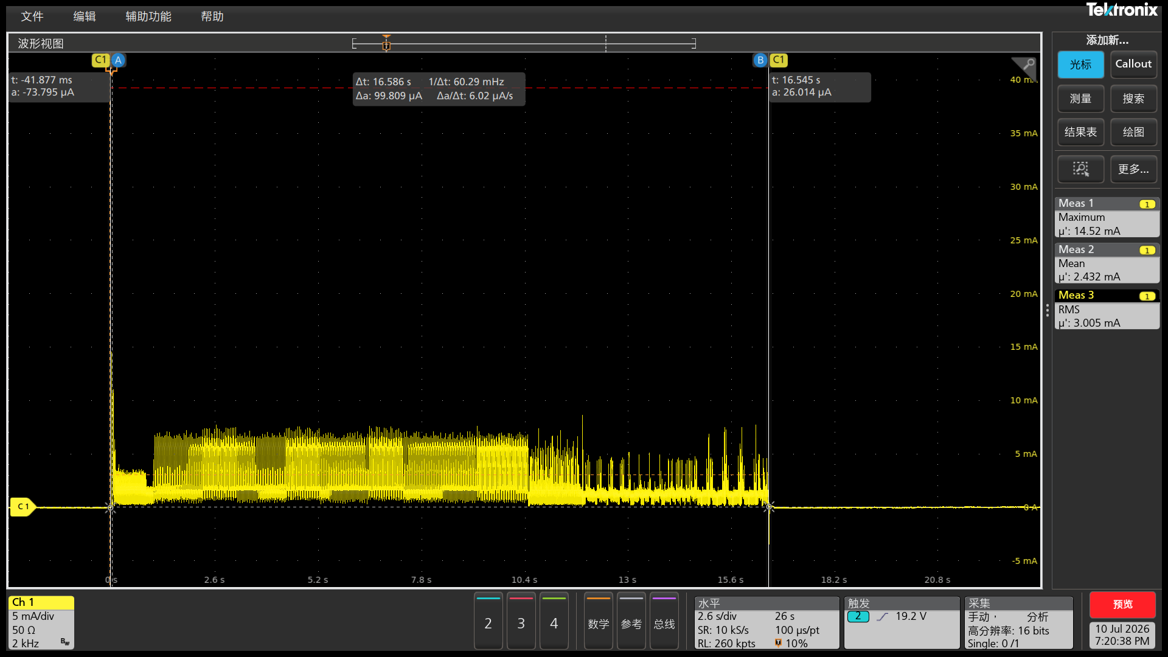



40C | 1 |  | 2 | 3 | 4 | 5

 | 1 |  | 2 | 3 | 4 | 5

