UI-Search Page
 | Given The application under test (AUT): https://openweathermap.org/ Feature: Search weather in your city Precondition: Launch the browser and navigate to url: https://openweathermap.org/

UI-Search Page
Test Case ID | TestCase Name | Parts | Test Data | Pre-condition | Step # | Steps | Expected results | Actual results | Priority | Status | Auto | Notes
1 | Verify the UI of Search Page | Search Page | -Ho chi minh -London -Tokyo | Open AUT and search with valid value | 1 | Input text data into searchbox | Text is displayed in searchbox
 |  |  |  |  |  |  |  |  | High
 |  |  |  |  | 2 | Press Enter | 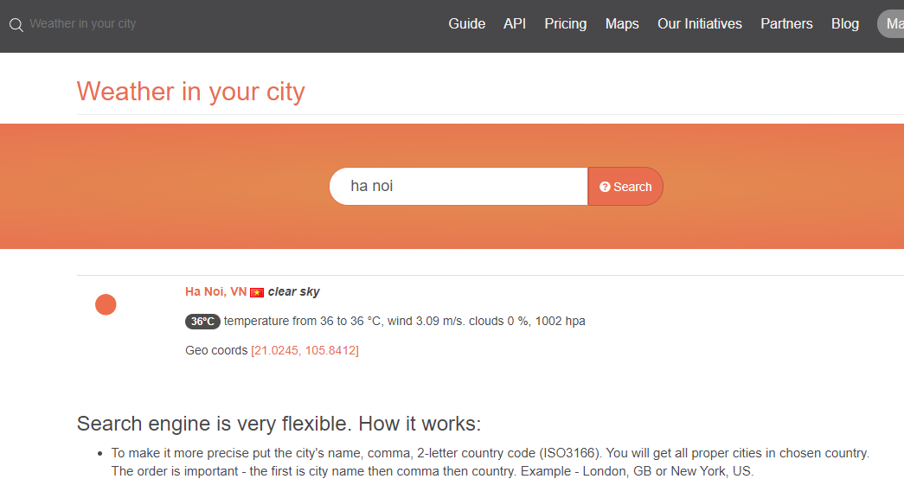 Weather page is displayed with city weather data will be displayed: - Keyword retains in result search box - Weather icon, City name, Country flag, Weather description show on first line -Temp, Temp Min, Temp Max, Wind, Cloud, HPA show on second line - Geo coords show on third line -Guideline below the result list as designed -Weather search box in middle of the page as designed

2 | Veriy search funtion work correctly when user click search icon | Search Page |  | Open AUT and search with any value | 1 | Input any text into searchbox | Text is displayed in searchbox |  | High

 |  |  |  |  | 2 | Click search icon | The Search page should be displayed

3 | Veriy search funtion work correctly when user press Enter | Search Page |  | Open AUT and search with any value | 1 | Input any text into searchbox | Text is displayed in searchbox |  | High

 |  |  |  |  | 2 | Press Enter | The Search page should be displayed

4 | Verify Weather page is displayed with correct infomation when user input City is latin characters | Search Page | -Ho chi minh -London -Tokyo | Open AUT and search with any value | 1 | Input text data into searchbox | Text is displayed in searchbox |  | High

 |  |  |  |  | 2 | Press Enter | Weather page is displayed with city weather data will be displayed: - Keyword retains in result search box - Weather icon, City name, Country flag, Weather description show on first line -Temp, Temp Min, Temp Max, Wind, Cloud, HPA show on second line - Geo coords show on third line

5 | Verify Weather page is displayed with correct infomation when user input City is NOT latin characters | Search Page | -Hồ Chí Minh -東京都 -กรุงเทพมหานคร | Open AUT and search with any value | 1 | Input text data into searchbox | Text is displayed in searchbox |  | High

 |  |  |  |  | 2 | Press Enter | Weather page is displayed with city weather data will be displayed: - Keyword retains in result search box - Weather icon, City name, Country flag, Weather description show on first line -Temp, Temp Min, Temp Max, Wind, Cloud, HPA show on second line - Geo coords show on third line

6 | Verify Weather page is displayed "Not found" when user input Number | Search Page |  | Open AUT and search with any value | 1 | Input text data into searchbox | Text is displayed in searchbox |  | Medium

 |  |  |  |  | 2 | Press Enter | Weather page "Not found" is displayed

7 | Verify Weather page is displayed "Not found" when user special character | Search Page | -Space, !,@,#,$,%,^,&<* | Open AUT and search with any value | 1 | Input text data into searchbox | Text is displayed in searchbox |  | Medium

 |  |  |  |  | 2 | Press Enter | Weather page "Not found" is displayed

8 | Verify Weather page is displayed with correct infomation when user input City then comma then country (city and country correct) | Search Page | Ho Chi Minh, VN | Open AUT and search with any value | 1 | Input text data into searchbox | Text is displayed in searchbox |  | High

 |  |  |  |  | 2 | Press Enter | Weather page is displayed with city weather data will be displayed: - Keyword retains in result search box - Weather icon, City name, Country flag, Weather description show on first line -Temp, Temp Min, Temp Max, Wind, Cloud, HPA show on second line - Geo coords show on third line

9 | Verify Weather page is displayed "Not found" when user input City then comma then country (city and country incorrect) | Search Page | -Ho chi minh, US | Open AUT and search with any value | 1 | Input text data into searchbox | Text is displayed in searchbox |  | Medium

 |  |  |  |  | 2 | Press Enter | Weather page "Not found" is displayed

10 | Verify Weather page is displayed "Not found" when user input country then comma then city | Search Page | -VN, Ho chi minh | Open AUT and search with any value | 1 | Input text data into searchbox | Text is displayed in searchbox |  | Medium

 |  |  |  |  | 2 | Press Enter | Weather page "Not found" is displayed

11 | Verify Weather page is displayed "Not found" when user input missing comma between city and country | Search Page | - Ho chi minh VN | Open AUT and search with any value | 1 |  |  |  | Medium
 |  |  |  |  |  | Input text data into searchbox | Text is displayed in searchbox
 |  |  |  |  | 2 | Press Enter | Weather page "Not found" is displayed

12 | Verify Weather page is displayed correct infomation when User input City is uppercase characters | Search Page | HO CHI MINH, VN | Open AUT and search with any value | 1 | Input text data into searchbox | Text is displayed in searchbox |  | Low

 |  |  |  |  | 2 | Press Enter | Weather page is displayed with city weather data will be displayed: - Keyword retains in result search box - Weather icon, City name, Country flag, Weather description show on first line -Temp, Temp Min, Temp Max, Wind, Cloud, HPA show on second line - Geo coords show on third line

13 | Verify Weather page is displayed correct infomation when User input City is lowercase characters | Search Page | ho chi minh, vn | Open AUT and search with any value | 1 | Input text data into searchbox | Text is displayed in searchbox |  | Low

 |  |  |  |  | 2 | Press Enter | Weather page is displayed with city weather data will be displayed: - Keyword retains in result search box - Weather icon, City name, Country flag, Weather description show on first line -Temp, Temp Min, Temp Max, Wind, Cloud, HPA show on second line - Geo coords show on third line

14 | Verify Weather page is displayed correct infomation when use input city with max length | Search Page |  | Open AUT and search with any value | 1 | Input text data into searchbox | Text is displayed in searchbox |  | Low

 |  |  |  |  | 2 | Press Enter | Weather page is displayed with city weather data will be displayed: - Keyword retains in result search box - Weather icon, City name, Country flag, Weather description show on first line -Temp, Temp Min, Temp Max, Wind, Cloud, HPA show on second line - Geo coords show on third line

15 | Verify Weather page is NOT displayed correct infomation when user leave EMPTY into searchbox | Search Page |  | Open AUT and search with any value | 1 | Leave EMPTY into searchbox and press Enter | Weather page is NOT displayed |  | Low

