Sheet1
--WPF: QUẢN LÝ PHONE STORE- LAPTOP ----
Role
Role | View | Order | List Order | Add customer | Add item | Add saler | revenue

Customer | v | v
Saler | v | v | v | v
Manager | v | v | v | v | v | v | v

Models |  |  |  |  |  |  |  | Screen
Customer |  |  |  |  | Login |  |  |  | Sign Up




Saler

Product

Order

Event

 |  |  |  | UI for admin

 |  | Dashbroad

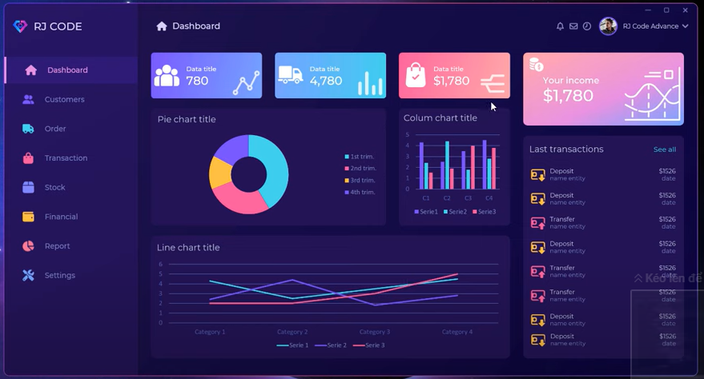
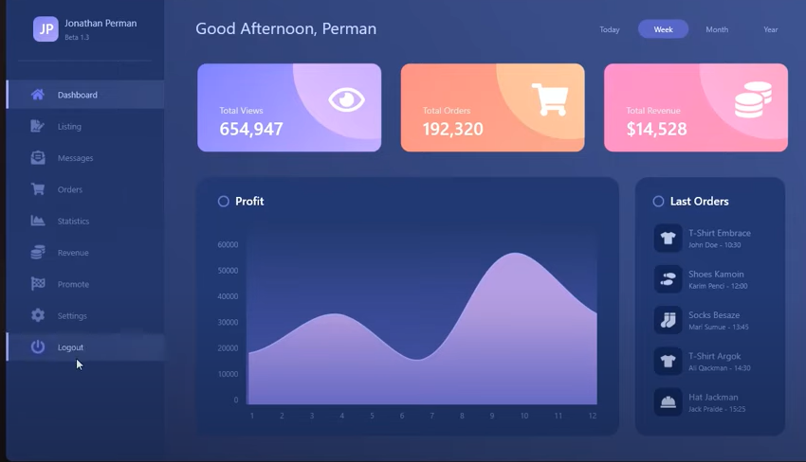

 |  | List Saler
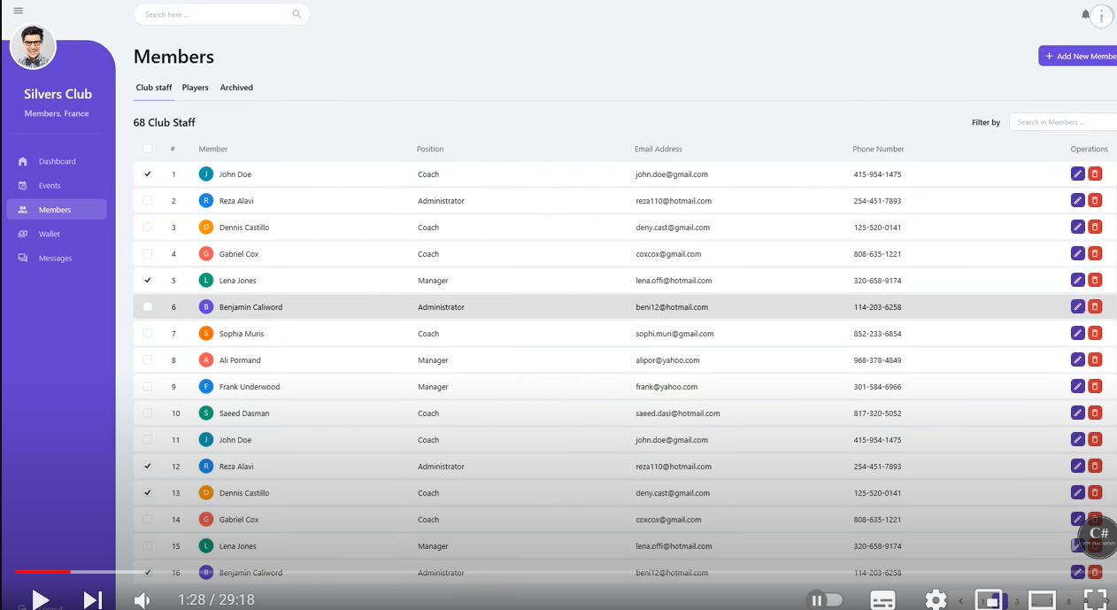

 |  | UI for user

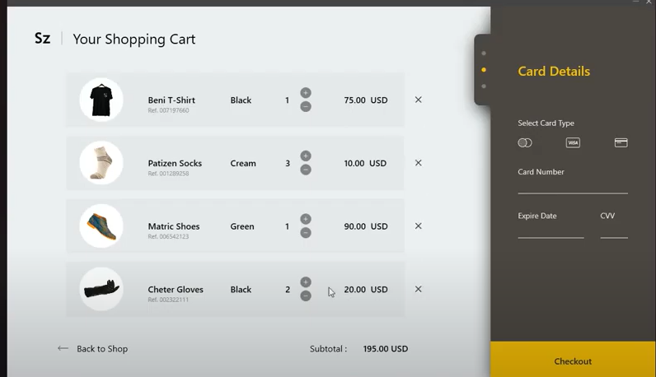
 |  | Cart

 |  | View Products
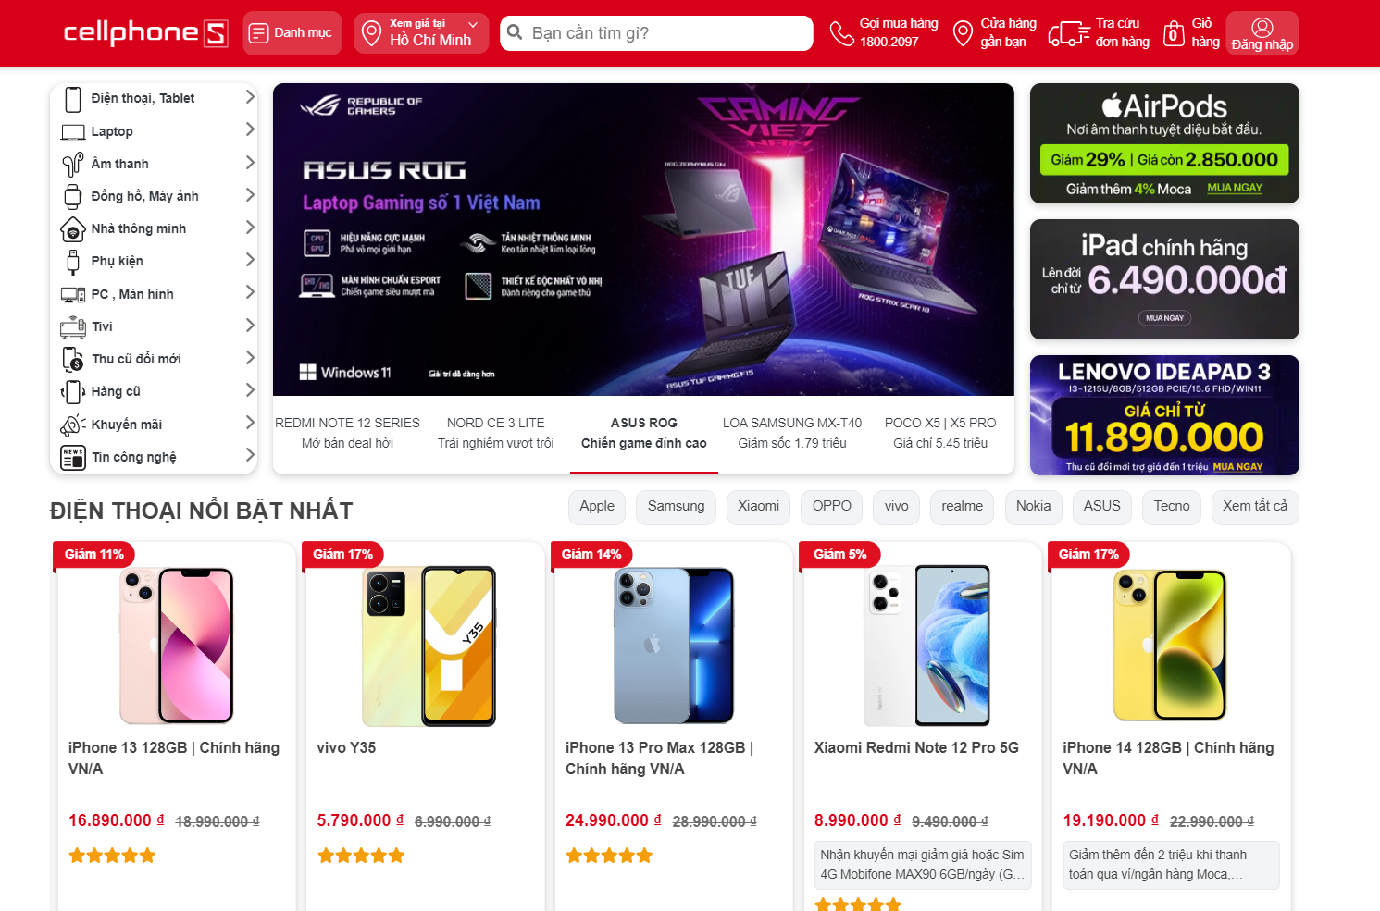

 |  |  |  |  |  |  |  |  |  | event

