TEST CLAIM FOR TWO SAMPLES
Vaccine rate

Việt Nam | Philippines | UAE | USA | Russia | Based on the conclusion of the CI problem, we have the hypotheses:
0 | 0 | 146.45 | 49.35 | 0 | - Claim 1: Vietnam's vaccines rate is higher than USA's vaccines rate
35.73 | 0 | 0 | 68.45 | 110.31 | - Claim 2: Vietnam's vaccines rate is lower than UAE's vaccines rate
0 | 0 | 242.02 | 0 | 0 | - Claim 3: Philippines's vaccines rate is equal to Russia's vaccines rate
29.83 | 37.29 | 0 | 125.03 | 22.55 | - Claim 4: Vietnam's vaccines rate is higher than Philippines's vaccines rate
202.35 | 0 | 224.27 | 166.97 | 0 | - Claim 5: Vietnam's vaccines rate is equal to Russia's vaccines rate
3.94 | 52.42 | 0 | 0 | 0.02 | - Claim 6: Russia's vaccines rate is equal to USA's vaccines rate
0.03 | 97.74 | 168.11 | 160.3 | 0
4.16 | 0 | 220.75 | 135.14 | 32.44
18.87 | 33.97 | 85.87 | 164.83 | 91.27 | Claim 1: Vietnam's vaccines rate higher than USA's vaccines rate
32.9 | 1.58 | 99.09 | 0.92 | 0 |  |  |  |  | 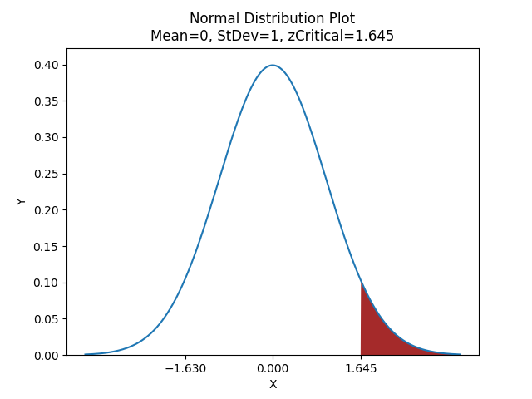
153.75 | 120.97 | 0 | 0 | 85.73 | H0: 𝜇Vn ≤ 𝜇USA | z-Test: Two Sample for Means
0 | 0 | 0 | 37.56 | 0 | H1: 𝜇Vn > 𝜇USA (right - tailed) |  | Việt Nam | USA
105.51 | 97.74 | 219.67 | 0.37 | 0 |  | Mean | 41.0538 | 61.9546
163.02 | 4.67 | 0 | 124.78 | 0 | We have z < z Critical | Known Variance | 4321.776083 | 3899.309
17.69 | 0 | 0 | 159.86 | 12.02 | ➪ Fail to reject H0, reject claim 1 | Observations | 50 | 50
202.99 | 0 | 0 | 51.69 | 0 | ➪ At the 5% significance level, there is no evidence to support the claim the mean amount of Vietnam's vaccines rate higher than USA's vaccines rate | Hypothesized Mean Difference | 0
19.51 | 97.74 | 241.27 | 91.98 | 98.48 |  | z | -1.629983996
0 | 44.06 | 0 | 0 | 80.43 |  | P(Z<=z) one-tail | 0.05155244
0 | 0 | 0 | 119.65 | 0 | Reason: | z Critical one-tail | 1.644853627
124.36 | 0 | 242.02 | 103.11 | 0.69 | Although America's vaccination is lagging behind other rich countries, we can't deny that the US can produce the earliest vaccine, and Vietnam still has to depend on many sources of funded vaccines. | P(Z<=z) two-tail | 0.10310488
0 | 120.97 | 0 | 0 | 97.46 |  | z Critical two-tail | 1.959963985
0 | 60.98 | 224.27 | 127.99 | 0.69
120.98 | 56.26 | 0 | 87.92 | 0
1.24 | 68.08 | 147.49 | 0 | 14.8 | Claim 2 : Vietnam's vaccines rate lower than UAE's vaccines rate
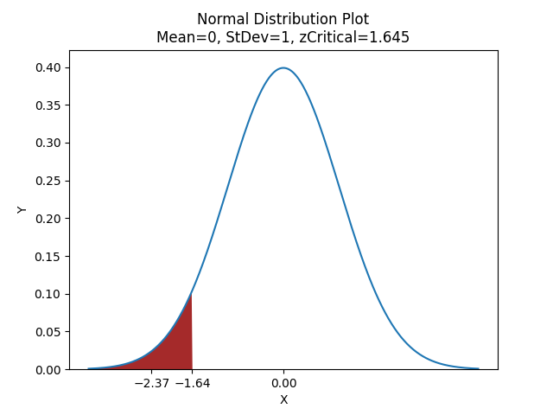
20.34 | 0 | 0 | 106.47 | 0
1.68 | 0 | 50.1 | 4.66 | 0 | H0: 𝜇Vn ≥ 𝜇UAE | z-Test: Two Sample for Means
5.63 | 0 | 217.76 | 0 | 0 | H1: 𝜇Vn < 𝜇UAE (left - tailed) |  | Việt Nam | UAE
0 | 0 | 0 | 163.77 | 5.73 |  | Mean | 41.0538 | 79.3254
189.2 | 0 | 0 | 0 | 0 | We have z < - z Critical | Known Variance | 4321.776 | 8733.236
70.09 | 0.83 | 77.37 | 0 | 0 | ➪ Reject H0, fail to reject claim 2 | Observations | 50 | 50
0 | 0 | 0 | 0 | 78.13 | ➪ At the 5% significance level, there is sufficient evidence to support the claim the mean amount of Vietnam's vaccines rate lower than UAE's vaccines rate | Hypothesized Mean Difference | 0
0 | 0 | 0 | 108.19 | 0 |  | z | -2.3685
91.29 | 1.75 | 222.01 | 0 | 89.28 |  | P(Z<=z) one-tail | 0.00893
0.05 | 28.31 | 0 | 101.12 | 25.34 | Reason: | z Critical one-tail | 1.644854
87.93 | 0 | 0 | 104.12 | 61.69 | The UAE has the best vaccination program in the world, because the UAE is at the top of the wealthiest countries, it is understandable to have a large source of vaccines. | P(Z<=z) two-tail | 0.01786
1.12 | 26.23 | 0 | 0 | 45.4 |  | z Critical two-tail | 1.959964
0 | 0 | 146.45 | 0 | 71.32
1.03 | 115.7 | 154.42 | 5.06 | 39.28
0 | 0 | 111.37 | 116.71 | 65.71 | Claim 3 : Philippines's vaccines rate is equal to Russia's vaccines rate
1.58 | 0 | 201.39 | 118.72 | 0 |  |  |  |  | 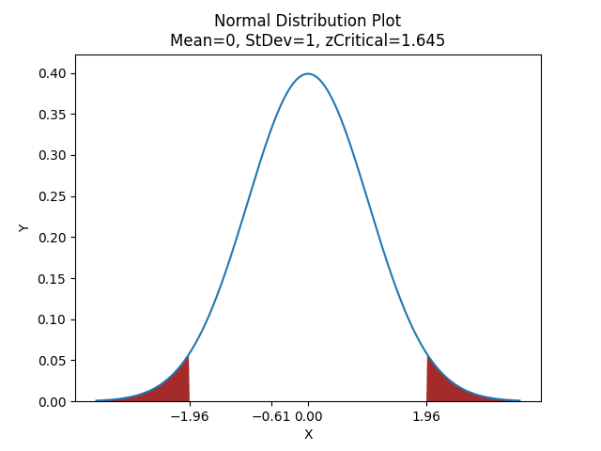
0 | 52.42 | 0 | 0 | 82.08 | H0: 𝜇Phil = 𝜇Rus | z-Test: Two Sample for Means
0 | 114.32 | 96.1 | 0 | 82.08 | H1: 𝜇Phil ≠ 𝜇Rus (two - tailed) |  | Philippines | Russia
105.51 | 0 | 0 | 139.06 | 105.14 |  | Mean | 25.3402 | 29.7754
9.58 | 0 | 0 | 0 | 0.69 | We have z < zCritical | Known Variance | 1372.152 | 1252.364
160.68 | 2.17 | 0 | 0 | 0 | ➪ Fail to reject H0, Fail to reject Claim 3 | Observations | 50 | 50
0 | 0 | 0 | 0 | 0 | ➪ At the 5% significance level, there is sufficient evidence to support the claim the mean amount of Philippines's vaccines rate is equal to Russia's vaccines rate | Hypothesized Mean Difference | 0
38.28 | 30.35 | 0 | 100.66 | 89.28 |  | z | -0.61217
31.84 | 0.46 | 90.13 | 166.2 | 0 |  | P(Z<=z) one-tail | 0.270212
0 | 0 | 159.3 | 0 | 0.04 | Reason: | z Critical one-tail | 1.644854
0 | 0 | 178.59 | 87.09 | 0.69 | The gap between developed and developing is really big. But it's not right in this case at least in vaccination. Almost the vaccine is used in Russia is Sputnik V, so high pressure exists on production. With the Philippines, they have to borrow $400 mil from ADB to buy vaccines in other countries | P(Z<=z) two-tail | 0.540424
 |  |  |  |  |  | z Critical two-tail | 1.959964

 |  |  |  |  | Claim 4: Vietnam's vaccines rate is lower than Philippines's vaccines rate
 |  |  |  |  |  |  |  |  | 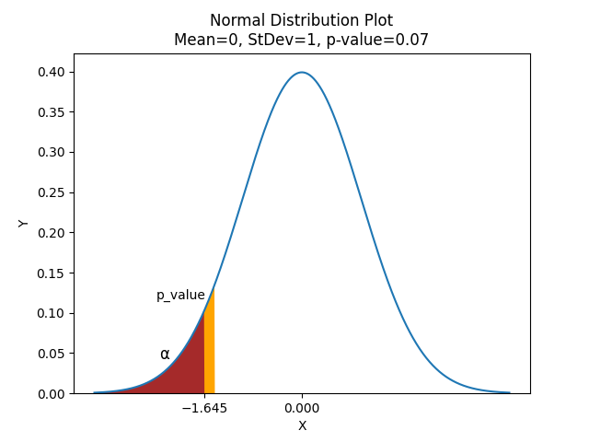
 |  |  |  |  | H0: 𝜇Vn ≥ 𝜇Phil | z-Test: Two Sample for Means
 |  |  |  |  | H1: 𝜇Vn < 𝜇Phil (Left - tailed) |  | Việt Nam | Philippines
 |  |  |  |  |  | Mean | 41.0538 | 25.3402
 |  |  |  |  | We have P(value) > alpha(0.05) | Known Variance | 4321.77608 | 1372.151799
 |  |  |  |  | ➪ Fail to reject H0, reject Claim 4 | Observations | 50 | 50
 |  |  |  |  | ➪ At the 5% significance level, there is no evidence to support the claim the mean amount of Vietnam's vaccines rate is higher than Philippines's vaccines rate | Hypothesized Mean Difference | 0
 |  |  |  |  |  | z | 1.472498
 |  |  |  |  |  | P(Z<=z) one-tail | 0.07044322
 |  |  |  |  | Reason: | z Critical one-tail | 1.64485363
 |  |  |  |  | Although Vietnam and the Philippines are developing countries. But in terms of "vaccine diplomacy', Vietnam is really well. They buy vaccines from the USA, China, US, Russia,... and Vietnamese people use every Vaccine as they can if they have | P(Z<=z) two-tail | 0.14088645
 |  |  |  |  |  | z Critical two-tail | 1.95996398

 |  |  |  |  | Claim 5: Vietnam's vaccines rate is equal to Russia's vaccines rate
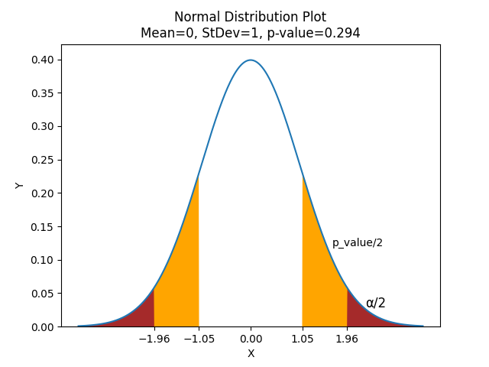
 |  |  |  |  | H0: 𝜇Vn = 𝜇Rus | z-Test: Two Sample for Means
 |  |  |  |  | H1: 𝜇Vn ≠ 𝜇Rus (two - tailed) |  | Việt Nam | Russia
 |  |  |  |  |  | Mean | 41.0538 | 29.7754
 |  |  |  |  | We have P(value) > alpha(0.05) | Known Variance | 4321.77608 | 1452.363637
 |  |  |  |  | ➪ Fail to reject H0, Fail to reject Claim 5 | Observations | 50 | 50
 |  |  |  |  | ➪ At the 5% significance level, there is sufficient evidence to support the claim the mean amount of Vietnam's vaccines rate is equal to Russia's vaccines rate | Hypothesized Mean Difference | 0
 |  |  |  |  |  | z | 1.04951549
 |  |  |  |  |  | P(Z<=z) one-tail | 0.14697047
 |  |  |  |  | Reason: | z Critical one-tail | 1.64485363
 |  |  |  |  | Russia is a developing country, but this country is suffered a lot of punishment from the EU, Nato, USA. So not very much the kind of vaccines, only sputnik V is popular but it still has the limit from production. In terms of population, Russia is pretty larger than Vietnam | P(Z<=z) two-tail | 0.29394093
 |  |  |  |  |  | z Critical two-tail | 1.95996398

 |  |  |  |  | Claim 6: Russia's vaccines rate is equal to USA's vaccines rate
 |  |  |  |  |  |  |  |  | 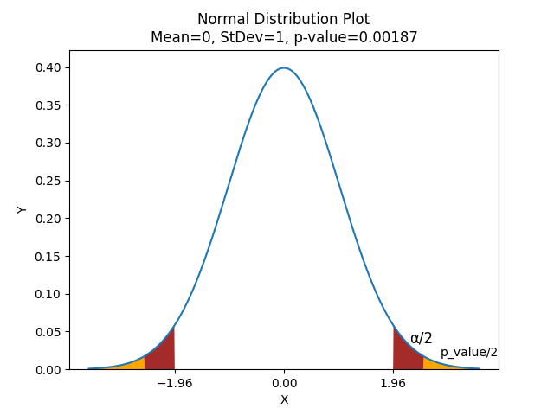
 |  |  |  |  | H0: 𝜇Rus = 𝜇USA | z-Test: Two Sample for Means
 |  |  |  |  | H1: 𝜇Rus ≠ 𝜇USA (two - tailed) |  | Russia | USA
 |  |  |  |  |  | Mean | 29.7754 | 61.9546
 |  |  |  |  | We have P(value) < alpha(0.05) | Known Variance | 1452.36364 | 3899.309046
 |  |  |  |  | ➪ Reject H0, Reject Claim 6 | Observations | 50 | 50
 |  |  |  |  | ➪ At the 5% significance level, there is no evidence to support the claim the mean amount of Russia's vaccines rate is equal to USA's vaccines rate | Hypothesized Mean Difference | 0
 |  |  |  |  |  | z | -3.1103945
 |  |  |  |  |  | P(Z<=z) one-tail | 0.00093419
 |  |  |  |  | Reason: | z Critical one-tail | 1.64485363
 |  |  |  |  | All are developed countries but exists the "BIAS" in punishments. Same reason in claim 5, so we're easy to understand the gap between 2 means of 2 countries | P(Z<=z) two-tail | 0.00186838
 |  |  |  |  |  | z Critical two-tail | 1.95996398

 |  |  |  |  | Vaccines rate : Philippines <= USA <= Russia <= Vietnam < UAE

 |  |  |  |  | Conclusion: Combined with the CI problem, we can conclude that the correlation between
 |  |  |  |  | the deaths rate and the vaccines rate is: inverse proportion
 |  |  |  |  | On another hand, the USA has a high vaccine rate but the death rate range is really high in all
 |  |  |  |  | development countries. We still have the exceptions about death rate range and vaccine rate

REGRESSION 1
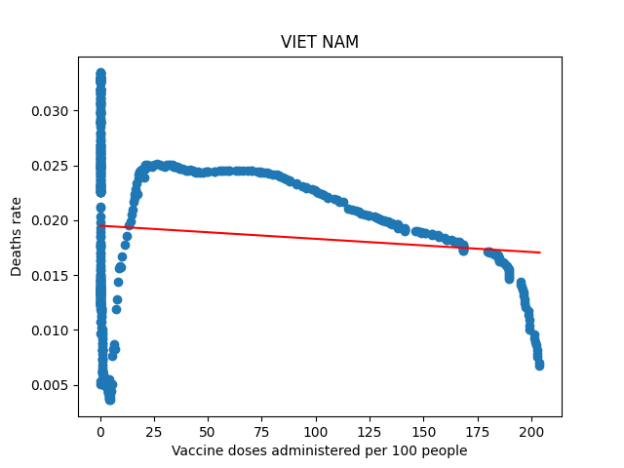 |  |  | 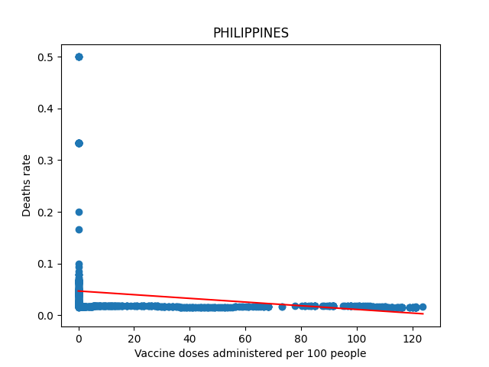 |  |  | 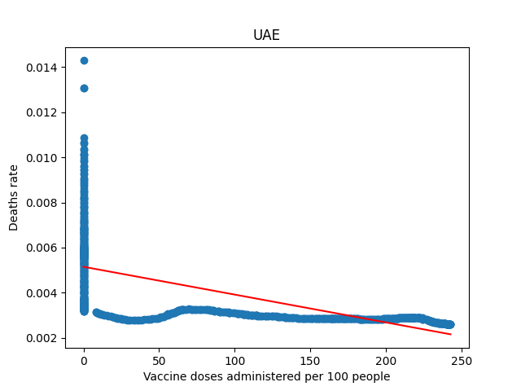 |  | 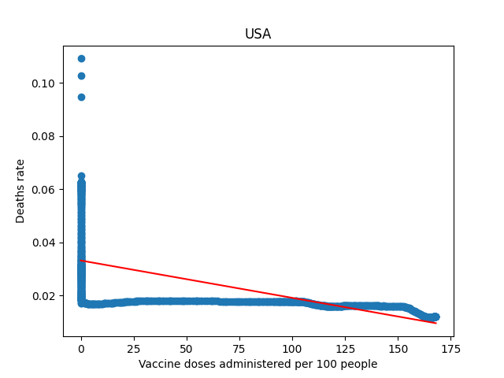 | 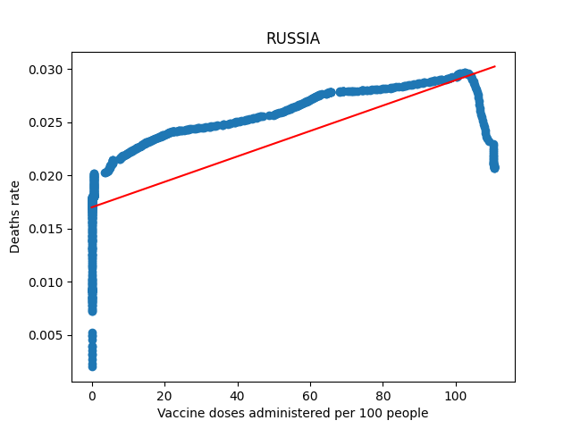

Việt Nam |  |  | Philippines |  |  | UAE |  | USA | Russia

 | Việt Nam | Philippines | UAE | USA | Russia |  | - The coefficient of correlation for the 5 countries is generally low (the lowest is Vietnam with only about 1%)
Regression SS | 0.000381 | 0.128624 | 0.000936 | 0.056867 | 0.01496
Total SS | 0.038214 | 3.653255 | 0.00239 | 0.159886 | 0.027161 |  | - It happens because the long time period when the vaccine has not appeared. At that time, the mortality rate completely did not depend on the vaccine but on other factors such as epidemic prevention, people's awareness, the speed of virus spread, ...
R square (%) | 0.9961 | 3.5208 | 39.1571 | 35.5672 | 55.0805

So we try to remove all rows of data with vaccine doses administered per 100 people = 0

 | Việt Nam | Philippines | UAE | USA | Russia |  | - Most of the correlation coefficients increase a lot after re-filtering the data (only Russia has a slight decrease in R square by about 1%)
Regression SS | 0.001449 | 0.000129 | 0.000005 | 0.0008 | 0.003108
Total SS | 0.017423 | 0.000629 | 0.000011 | 0.001616 | 0.005756 |  | - So we use this data to estimate the dependence of the deaths rate on vaccines rate (estimate the regression line)
R square (%) | 8.3191 | 20.5378 | 47.2485 | 49.5366 | 53.9873
R square increase (%) | 7.323 | 17.017 | 8.0914 | 13.9694 | -1.0932

REGRESSION 2
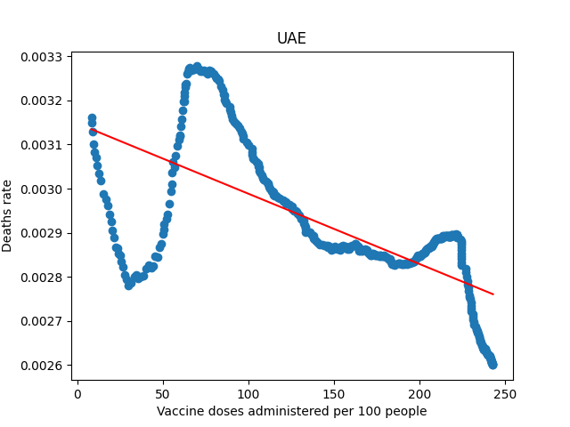
UAE |  |  |  | SUMMARY OUTPUT

 |  |  |  | Regression Statistics
 |  |  |  | Multiple R | 0.687375
 |  |  |  | R Square | 0.472485
 |  |  |  | Adjusted R Square | 0.471258
 |  |  |  | Standard Error | 0.000116
 |  |  |  | Observations | 432

 |  |  |  | ANOVA
 |  |  |  |  | df | SS | MS | F | Significance F
 |  |  |  | Regression | 1 | 5.18E-06 | 5.18E-06 | 385.1424 | 1.06E-61
 |  |  |  | Residual | 430 | 5.78E-06 | 1.34E-08
 |  |  |  | Total | 431 | 1.10E-05

 |  |  |  |  | Coefficients | Standard Error | t Stat | P-value | Lower 95% | Upper 95% | Lower 95.0% | Upper 95.0%
 |  |  |  | Intercept | 0.003148 | 1.39E-05 | 226.8154 | 0 | 0.00312 | 0.003175 | 0.00312 | 0.003175
 |  |  |  | x | -1.60E-06 | 8.11E-08 | -19.625 | 1.06E-61 | -1.80E-06 | -1.40E-06 | -1.80E-06 | -1.40E-06

 | - R square = 47.25%, a pretty good number to predict by estimated regression line | SO | 1. The estimated regression line have formula: Y = 0.003148 - 0.0000016*X
 |  |  | 2. βo = 0.003148 so if there is no vaccine, the deaths rate in UAE is about 0.31%.
 |  |  | 3. β1 = -0.0000016 reveal that for each 1 million doses of new vaccine injected, the deaths rate of our country will decrease about 0.016%

USA | 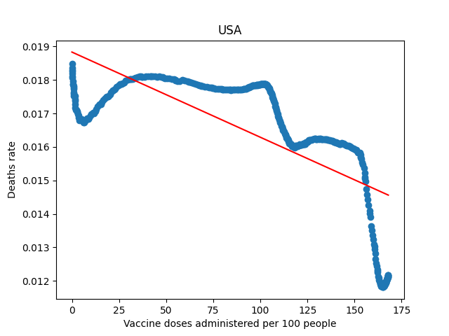 |  |  | SUMMARY OUTPUT

 |  |  |  | Regression Statistics
 |  |  |  | Multiple R | 0.703822
 |  |  |  | R Square | 0.495366
 |  |  |  | Adjusted R Square | 0.494252
 |  |  |  | Standard Error | 0.001342
 |  |  |  | Observations | 455

 |  |  |  | ANOVA
 |  |  |  |  | df | SS | MS | F | Significance F
 |  |  |  | Regression | 1 | 0.0008 | 0.0008 | 444.6804 | 2.81E-69
 |  |  |  | Residual | 453 | 0.000815 | 1.80E-06
 |  |  |  | Total | 454 | 0.001616

 |  |  |  |  | Coefficients | Standard Error | t Stat | P-value | Lower 95% | Upper 95% | Lower 95.0% | Upper 95.0%
 |  |  |  | Intercept | 0.018837 | 0.000133 | 141.6518 | 0 | 0.018576 | 0.019099 | 0.018576 | 0.019099
 |  |  |  | x | -2.50E-05 | 1.21E-06 | -21.0874 | 2.81E-69 | -2.80E-05 | -2.30E-05 | -2.80E-05 | -2.30E-05

 | - R square = 49.43%, a nice number to predict by estimated regression line | SO | 1. The estimated regression line have formula: Y = 0.018837 - 0.000025*X
 |  |  | 2. βo = 0.018837 so if there is no vaccine, the deaths rate in USA is about 1.9%.
 |  |  | 3. β1 = -0.000025 reveal that for each 1 million doses of new vaccine injected, the deaths rate of our country will decrease about 0.25%

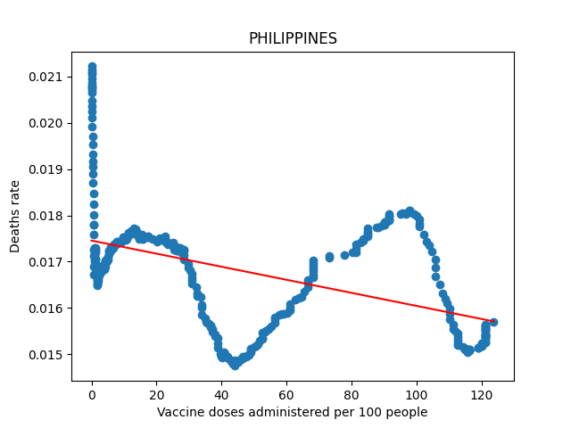
Philippines |  |  |  | SUMMARY OUTPUT

 |  |  |  | Regression Statistics
 |  |  |  | Multiple R | 0.453186
 |  |  |  | R Square | 0.205378
 |  |  |  | Adjusted R Square | 0.203242
 |  |  |  | Standard Error | 0.001159
 |  |  |  | Observations | 374

 |  |  |  | ANOVA
 |  |  |  |  | df | SS | MS | F | Significance F
 |  |  |  | Regression | 1 | 0.000129 | 0.000129 | 96.14697 | 2.43E-20
 |  |  |  | Residual | 372 | 0.0005 | 1.34E-06
 |  |  |  | Total | 373 | 0.000629

 |  |  |  |  | Coefficients | Standard Error | t Stat | P-value | Lower 95% | Upper 95% | Lower 95.0% | Upper 95.0%
 |  |  |  | Intercept | 0.017434 | 8.76E-05 | 199.1188 | 0 | 0.017262 | 0.017607 | 0.017262 | 0.017607
 |  |  |  | x | -1.40E-05 | 1.41E-06 | -9.80546 | 2.43E-20 | -1.70E-05 | -1.10E-05 | -1.70E-05 | -1.10E-05

 | - R square = 20.54% is small but enough to predict deaths rate through vaccine rate | SO | 1. The estimated regression line have formula: Y = 0.017434 - 0.000014*X
 |  |  | 2. βo = 0.017434 so if there is no vaccine, the deaths rate in Philippines is about 1.7%
 |  |  | 3. β1 = -0.000014 reveal that for each 1 million doses of new vaccine injected, the deaths rate of our country will decrease about 0.14%

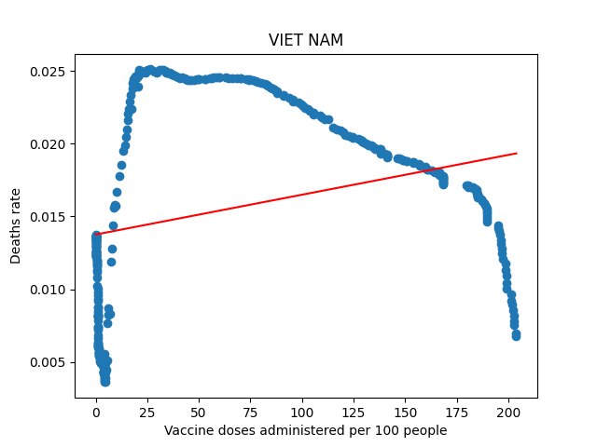
Việt Nam |  |  |  | SUMMARY OUTPUT

 |  |  |  | Regression Statistics
 |  |  |  | Multiple R | 0.288429
 |  |  |  | R Square | 0.083191
 |  |  |  | Adjusted R Square | 0.080673
 |  |  |  | Standard Error | 0.006624
 |  |  |  | Observations | 366

 |  |  |  | ANOVA
 |  |  |  |  | df | SS | MS | F | Significance F
 |  |  |  | Regression | 1 | 0.001449 | 0.001449 | 33.02936 | 1.92E-08
 |  |  |  | Residual | 364 | 0.015973 | 4.39E-05
 |  |  |  | Total | 365 | 0.017423

 |  |  |  |  | Coefficients | Standard Error | t Stat | P-value | Lower 95% | Upper 95% | Lower 95.0% | Upper 95.0%
 |  |  |  | Intercept | 0.013759 | 0.000469 | 29.3594 | 5.18E-98 | 0.012837 | 0.01468 | 0.012837 | 0.01468
 |  |  |  | x | 2.74E-05 | 4.76E-06 | 5.747117 | 1.92E-08 | 1.80E-05 | 3.67E-05 | 1.80E-05 | 3.67E-05

 | - R square = 8.3% is too small to predict deaths rate by regression line | SO | 1. Use mean = 0.015574 to predict deaths rate. Y = 0.015574
 |  |  | 2. This happened because the first phase of vaccination coincided with a huge outbreak in Ho Chi Minh City. So even though vaccination is still going on, it can't keep up with the number of deaths. Thereby distorting the model

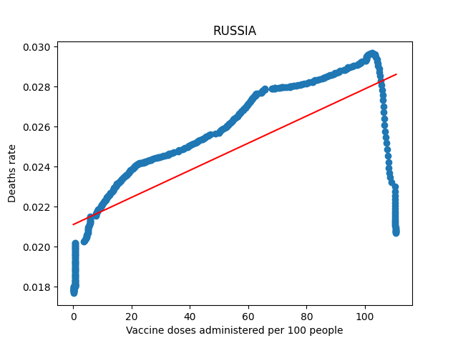
Russia |  |  |  | SUMMARY OUTPUT

 |  |  |  | Regression Statistics
 |  |  |  | Multiple R | 0.73476
 |  |  |  | R Square | 0.539873
 |  |  |  | Adjusted R Square | 0.538853
 |  |  |  | Standard Error | 0.002423
 |  |  |  | Observations | 453

 |  |  |  | ANOVA
 |  |  |  |  | df | SS | MS | F | Significance F
 |  |  |  | Regression | 1 | 0.003108 | 0.003108 | 529.164 | 4.86E-78
 |  |  |  | Residual | 451 | 0.002649 | 5.87E-06
 |  |  |  | Total | 452 | 0.005756

 |  |  |  |  | Coefficients | Standard Error | t Stat | P-value | Lower 95% | Upper 95% | Lower 95.0% | Upper 95.0%
 |  |  |  | Intercept | 0.021125 | 0.000178 | 118.5587 | 0 | 0.020775 | 0.021475 | 0.020775 | 0.021475
 |  |  |  | x | 6.75E-05 | 2.94E-06 | 23.00357 | 4.86E-78 | 6.18E-05 | 7.33E-05 | 6.18E-05 | 7.33E-05

 | - R square = 54% is very nice to predict deaths rate by regression line but β1 = 0.0000675, that mean when the vaccination rates in Russia increase, the death rate also increase. What happend? | Why? | 1. Russia's vaccination rate is slow, so far it has only received about more than 100 doses per 100 people, can't keep up with the spread of corona (On October 22, 2021, Russia admitted that they had the worst vaccination in Europe through a press conferenc)

 |  |  | 2. People's awareness: according to a survey cited by vnexpress, 55% of Russians are not afraid of positive with corona virus and 52% of them are not interested in vaccinations

