Loading Geometry
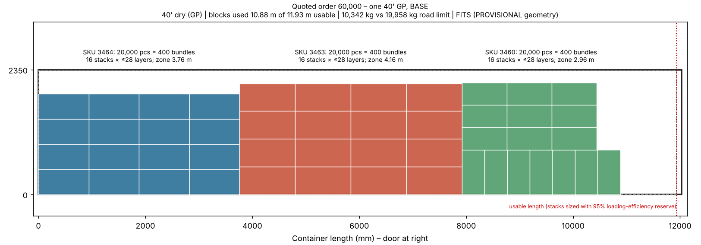
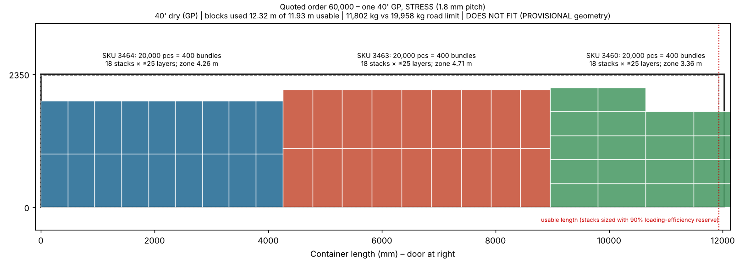
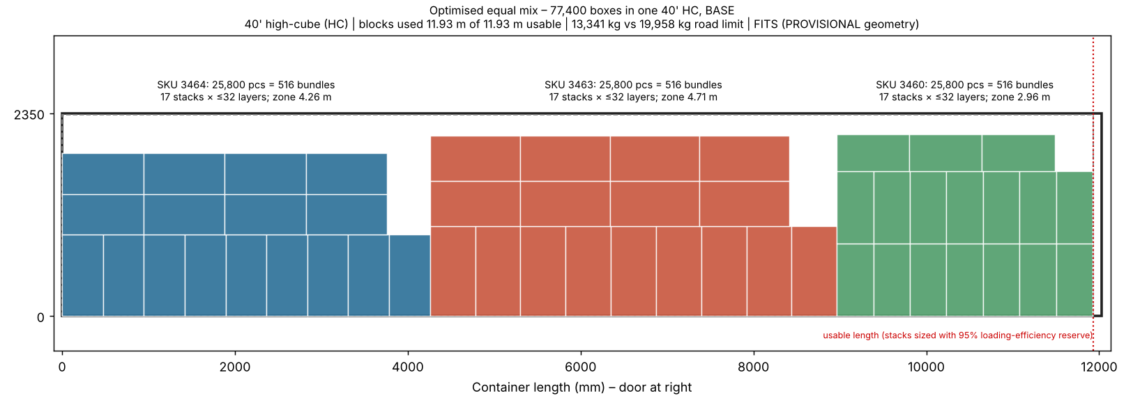
Loading Geometry – PROVISIONAL physical model (formula-driven)
Blank sizes are a calibrated die-line ESTIMATE (2L + k·H by W + 2H + allowance), not NFC data. Replace with NFC die-lines/bundle data (RFQ 1). Orange = value written by scripts/loading_model.py.

A. Flat blank and bundle per SKU and scenario
SKU | Scenario | Scen# | L mm | W mm | H mm | k (×H) | W allow | Blank L mm | Blank W mm | Bounding m² | Net factor | g/m² | Blank kg | Wrap mm | Bundle a mm | Bundle b mm | Blanks/bundle | Pitch mm | Bundle h mm | Bundle kg | Bundle m³ | m³ per box | kg per box
3464 | LOW | 1 | 355 | 355 | 50 | 4.50 | 13 | 935 | 468 | 0.4376 | 0.92 | 400 | 0.1610 | 5 | 940 | 473 | 50 | 1.50 | 75.0 | 8.151 | 0.03335 | 0.0006669 | 0.16303
3464 | BASE | 2 | 355 | 355 | 50 | 4.50 | 13 | 935 | 468 | 0.4376 | 0.92 | 420 | 0.1691 | 5 | 940 | 473 | 50 | 1.60 | 80.0 | 8.554 | 0.03557 | 0.0007114 | 0.17108
3464 | STRESS | 3 | 355 | 355 | 50 | 4.50 | 13 | 935 | 468 | 0.4376 | 0.92 | 480 | 0.1932 | 5 | 940 | 473 | 50 | 1.80 | 90.0 | 9.762 | 0.04002 | 0.0008003 | 0.19524
3463 | LOW | 1 | 405 | 405 | 50 | 4.50 | 13 | 1035 | 518 | 0.5361 | 0.92 | 400 | 0.1973 | 5 | 1040 | 523 | 50 | 1.50 | 75.0 | 9.965 | 0.04079 | 0.0008159 | 0.19930
3463 | BASE | 2 | 405 | 405 | 50 | 4.50 | 13 | 1035 | 518 | 0.5361 | 0.92 | 420 | 0.2072 | 5 | 1040 | 523 | 50 | 1.60 | 80.0 | 10.458 | 0.04351 | 0.0008703 | 0.20916
3463 | STRESS | 3 | 405 | 405 | 50 | 4.50 | 13 | 1035 | 518 | 0.5361 | 0.92 | 480 | 0.2368 | 5 | 1040 | 523 | 50 | 1.80 | 90.0 | 11.938 | 0.04895 | 0.0009791 | 0.23876
3460 | LOW | 1 | 305 | 305 | 50 | 4.50 | 13 | 835 | 418 | 0.3490 | 0.92 | 400 | 0.1284 | 5 | 840 | 423 | 50 | 1.50 | 75.0 | 6.522 | 0.02665 | 0.0005330 | 0.13044
3460 | BASE | 2 | 305 | 305 | 50 | 4.50 | 13 | 835 | 418 | 0.3490 | 0.92 | 420 | 0.1349 | 5 | 840 | 423 | 50 | 1.60 | 80.0 | 6.843 | 0.02843 | 0.0005685 | 0.13687
3460 | STRESS | 3 | 305 | 305 | 50 | 4.50 | 13 | 835 | 418 | 0.3490 | 0.92 | 480 | 0.1541 | 5 | 840 | 423 | 50 | 1.80 | 90.0 | 7.807 | 0.03198 | 0.0006396 | 0.15613

B. Usable container envelope by scenario
Ctr | Scenario | Scen# | Inside L | Inside W | Inside H | Door H | Len ded | Wid ded | Top clr | Usable L | Usable W | Usable H | Road kg | Cube m³ | Efficiency
20GP | LOW | 1 | 5,900 | 2,350 | 2,390 | 2,280 | 100 | 20 | 90 | 5,800 | 2,330 | 2,280 | 17,237 | 33.2 | 97.0%
20GP | BASE | 2 | 5,900 | 2,350 | 2,390 | 2,280 | 100 | 20 | 90 | 5,800 | 2,330 | 2,280 | 17,237 | 33.2 | 95.0%
20GP | STRESS | 3 | 5,900 | 2,350 | 2,390 | 2,280 | 100 | 20 | 90 | 5,800 | 2,330 | 2,280 | 17,237 | 33.2 | 90.0%
40GP | LOW | 1 | 12,030 | 2,350 | 2,390 | 2,280 | 100 | 20 | 90 | 11,930 | 2,330 | 2,280 | 19,958 | 67.7 | 97.0%
40GP | BASE | 2 | 12,030 | 2,350 | 2,390 | 2,280 | 100 | 20 | 90 | 11,930 | 2,330 | 2,280 | 19,958 | 67.7 | 95.0%
40GP | STRESS | 3 | 12,030 | 2,350 | 2,390 | 2,280 | 100 | 20 | 90 | 11,930 | 2,330 | 2,280 | 19,958 | 67.7 | 90.0%
40HC | LOW | 1 | 12,030 | 2,350 | 2,700 | 2,580 | 100 | 20 | 90 | 11,930 | 2,330 | 2,580 | 19,958 | 76.4 | 97.0%
40HC | BASE | 2 | 12,030 | 2,350 | 2,700 | 2,580 | 100 | 20 | 90 | 11,930 | 2,330 | 2,580 | 19,958 | 76.4 | 95.0%
40HC | STRESS | 3 | 12,030 | 2,350 | 2,700 | 2,580 | 100 | 20 | 90 | 11,930 | 2,330 | 2,580 | 19,958 | 76.4 | 90.0%

C. Single-SKU capacity per container (row-mix floor pattern; exact guillotine DP shown for validation)
SKU | Ctr | Scenario | Scen# | a mm | b mm | h mm | Bundle kg | Bundle m³ | Blanks/bdl | Usable L | Usable W | Usable H | Layers | Pos n2=0 | Pos n2=1 | Pos n2=2 | Floor positions | Best n2 | Theo bundles | Theo units | Efficiency | Oper. bundles | Oper. units | Road kg | Weight-limit bdl | Weight-limit units | REALISTIC units | Binding constraint | Cargo kg | Cube util | Payload util | DP positions (script) | Validation
3464 | 20GP | LOW | 1 | 940 | 473 | 75.0 | 8.151 | 0.03335 | 50 | 5,800 | 2,330 | 2,280 | 30 | 24 | 24 | 24 | 24 | 0 | 720 | 36,000 | 97.0% | 698 | 34,900 | 17,237 | 2,114 | 105,700 | 34,900 | Volume / geometry | 5,690 | 70.1% | 33.0% | 24 | OK – pattern = DP optimum
3464 | 20GP | BASE | 2 | 940 | 473 | 80.0 | 8.554 | 0.03557 | 50 | 5,800 | 2,330 | 2,280 | 28 | 24 | 24 | 24 | 24 | 0 | 672 | 33,600 | 95.0% | 638 | 31,900 | 17,237 | 2,015 | 100,750 | 31,900 | Volume / geometry | 5,457 | 68.4% | 31.7% | 24 | OK – pattern = DP optimum
3464 | 20GP | STRESS | 3 | 940 | 473 | 90.0 | 9.762 | 0.04002 | 50 | 5,800 | 2,330 | 2,280 | 25 | 24 | 24 | 24 | 24 | 0 | 600 | 30,000 | 90.0% | 540 | 27,000 | 17,237 | 1,765 | 88,250 | 27,000 | Volume / geometry | 5,271 | 65.1% | 30.6% | 24 | OK – pattern = DP optimum
3464 | 40GP | LOW | 1 | 940 | 473 | 75.0 | 8.151 | 0.03335 | 50 | 11,930 | 2,330 | 2,280 | 30 | 48 | 49 | 50 | 50 | 2 | 1,500 | 75,000 | 97.0% | 1,455 | 72,750 | 19,958 | 2,448 | 122,400 | 72,750 | Volume / geometry | 11,860 | 71.7% | 59.4% | 50 | OK – pattern = DP optimum
3464 | 40GP | BASE | 2 | 940 | 473 | 80.0 | 8.554 | 0.03557 | 50 | 11,930 | 2,330 | 2,280 | 28 | 48 | 49 | 50 | 50 | 2 | 1,400 | 70,000 | 95.0% | 1,330 | 66,500 | 19,958 | 2,333 | 116,650 | 66,500 | Volume / geometry | 11,377 | 69.9% | 57.0% | 50 | OK – pattern = DP optimum
3464 | 40GP | STRESS | 3 | 940 | 473 | 90.0 | 9.762 | 0.04002 | 50 | 11,930 | 2,330 | 2,280 | 25 | 48 | 49 | 50 | 50 | 2 | 1,250 | 62,500 | 90.0% | 1,125 | 56,250 | 19,958 | 2,044 | 102,200 | 56,250 | Volume / geometry | 10,982 | 66.5% | 55.0% | 50 | OK – pattern = DP optimum
3464 | 40HC | LOW | 1 | 940 | 473 | 75.0 | 8.151 | 0.03335 | 50 | 11,930 | 2,330 | 2,580 | 34 | 48 | 49 | 50 | 50 | 2 | 1,700 | 85,000 | 97.0% | 1,649 | 82,450 | 19,958 | 2,448 | 122,400 | 82,450 | Volume / geometry | 13,442 | 72.0% | 67.4% | 50 | OK – pattern = DP optimum
3464 | 40HC | BASE | 2 | 940 | 473 | 80.0 | 8.554 | 0.03557 | 50 | 11,930 | 2,330 | 2,580 | 32 | 48 | 49 | 50 | 50 | 2 | 1,600 | 80,000 | 95.0% | 1,520 | 76,000 | 19,958 | 2,333 | 116,650 | 76,000 | Volume / geometry | 13,002 | 70.8% | 65.1% | 50 | OK – pattern = DP optimum
3464 | 40HC | STRESS | 3 | 940 | 473 | 90.0 | 9.762 | 0.04002 | 50 | 11,930 | 2,330 | 2,580 | 28 | 48 | 49 | 50 | 50 | 2 | 1,400 | 70,000 | 90.0% | 1,260 | 63,000 | 19,958 | 2,044 | 102,200 | 63,000 | Volume / geometry | 12,300 | 66.0% | 61.6% | 50 | OK – pattern = DP optimum
3463 | 20GP | LOW | 1 | 1040 | 523 | 75.0 | 9.965 | 0.04079 | 50 | 5,800 | 2,330 | 2,280 | 30 | 20 | 21 | 22 | 22 | 2 | 660 | 33,000 | 97.0% | 640 | 32,000 | 17,237 | 1,729 | 86,450 | 32,000 | Volume / geometry | 6,377 | 78.6% | 37.0% | 22 | OK – pattern = DP optimum
3463 | 20GP | BASE | 2 | 1040 | 523 | 80.0 | 10.458 | 0.04351 | 50 | 5,800 | 2,330 | 2,280 | 28 | 20 | 21 | 22 | 22 | 2 | 616 | 30,800 | 95.0% | 585 | 29,250 | 17,237 | 1,648 | 82,400 | 29,250 | Volume / geometry | 6,118 | 76.7% | 35.5% | 22 | OK – pattern = DP optimum
3463 | 20GP | STRESS | 3 | 1040 | 523 | 90.0 | 11.938 | 0.04895 | 50 | 5,800 | 2,330 | 2,280 | 25 | 20 | 21 | 22 | 22 | 2 | 550 | 27,500 | 90.0% | 495 | 24,750 | 17,237 | 1,443 | 72,150 | 24,750 | Volume / geometry | 5,909 | 73.0% | 34.3% | 22 | OK – pattern = DP optimum
3463 | 40GP | LOW | 1 | 1040 | 523 | 75.0 | 9.965 | 0.04079 | 50 | 11,930 | 2,330 | 2,280 | 30 | 44 | 44 | 44 | 44 | 0 | 1,320 | 66,000 | 97.0% | 1,280 | 64,000 | 19,958 | 2,002 | 100,100 | 64,000 | Volume / geometry | 12,755 | 77.1% | 63.9% | 44 | OK – pattern = DP optimum
3463 | 40GP | BASE | 2 | 1040 | 523 | 80.0 | 10.458 | 0.04351 | 50 | 11,930 | 2,330 | 2,280 | 28 | 44 | 44 | 44 | 44 | 0 | 1,232 | 61,600 | 95.0% | 1,170 | 58,500 | 19,958 | 1,908 | 95,400 | 58,500 | Volume / geometry | 12,236 | 75.2% | 61.3% | 44 | OK – pattern = DP optimum
3463 | 40GP | STRESS | 3 | 1040 | 523 | 90.0 | 11.938 | 0.04895 | 50 | 11,930 | 2,330 | 2,280 | 25 | 44 | 44 | 44 | 44 | 0 | 1,100 | 55,000 | 90.0% | 990 | 49,500 | 19,958 | 1,671 | 83,550 | 49,500 | Volume / geometry | 11,818 | 71.6% | 59.2% | 44 | OK – pattern = DP optimum
3463 | 40HC | LOW | 1 | 1040 | 523 | 75.0 | 9.965 | 0.04079 | 50 | 11,930 | 2,330 | 2,580 | 34 | 44 | 44 | 44 | 44 | 0 | 1,496 | 74,800 | 97.0% | 1,451 | 72,550 | 19,958 | 2,002 | 100,100 | 72,550 | Volume / geometry | 14,459 | 77.5% | 72.4% | 44 | OK – pattern = DP optimum
3463 | 40HC | BASE | 2 | 1040 | 523 | 80.0 | 10.458 | 0.04351 | 50 | 11,930 | 2,330 | 2,580 | 32 | 44 | 44 | 44 | 44 | 0 | 1,408 | 70,400 | 95.0% | 1,337 | 66,850 | 19,958 | 1,908 | 95,400 | 66,850 | Volume / geometry | 13,982 | 76.1% | 70.1% | 44 | OK – pattern = DP optimum
3463 | 40HC | STRESS | 3 | 1040 | 523 | 90.0 | 11.938 | 0.04895 | 50 | 11,930 | 2,330 | 2,580 | 28 | 44 | 44 | 44 | 44 | 0 | 1,232 | 61,600 | 90.0% | 1,108 | 55,400 | 19,958 | 1,671 | 83,550 | 55,400 | Volume / geometry | 13,227 | 71.0% | 66.3% | 44 | OK – pattern = DP optimum
3460 | 20GP | LOW | 1 | 840 | 423 | 75.0 | 6.522 | 0.02665 | 50 | 5,800 | 2,330 | 2,280 | 30 | 30 | 31 | 32 | 32 | 2 | 960 | 48,000 | 97.0% | 931 | 46,550 | 17,237 | 2,642 | 132,100 | 46,550 | Volume / geometry | 6,072 | 74.7% | 35.2% | 32 | OK – pattern = DP optimum
3460 | 20GP | BASE | 2 | 840 | 423 | 80.0 | 6.843 | 0.02843 | 50 | 5,800 | 2,330 | 2,280 | 28 | 30 | 31 | 32 | 32 | 2 | 896 | 44,800 | 95.0% | 851 | 42,550 | 17,237 | 2,518 | 125,900 | 42,550 | Volume / geometry | 5,824 | 72.9% | 33.8% | 32 | OK – pattern = DP optimum
3460 | 20GP | STRESS | 3 | 840 | 423 | 90.0 | 7.807 | 0.03198 | 50 | 5,800 | 2,330 | 2,280 | 25 | 30 | 31 | 32 | 32 | 2 | 800 | 40,000 | 90.0% | 720 | 36,000 | 17,237 | 2,208 | 110,400 | 36,000 | Volume / geometry | 5,621 | 69.4% | 32.6% | 32 | OK – pattern = DP optimum
3460 | 40GP | LOW | 1 | 840 | 423 | 75.0 | 6.522 | 0.02665 | 50 | 11,930 | 2,330 | 2,280 | 30 | 70 | 70 | 70 | 70 | 0 | 2,100 | 105,000 | 97.0% | 2,037 | 101,850 | 19,958 | 3,060 | 153,000 | 101,850 | Volume / geometry | 13,286 | 80.2% | 66.6% | 70 | OK – pattern = DP optimum
3460 | 40GP | BASE | 2 | 840 | 423 | 80.0 | 6.843 | 0.02843 | 50 | 11,930 | 2,330 | 2,280 | 28 | 70 | 70 | 70 | 70 | 0 | 1,960 | 98,000 | 95.0% | 1,862 | 93,100 | 19,958 | 2,916 | 145,800 | 93,100 | Volume / geometry | 12,742 | 78.2% | 63.8% | 70 | OK – pattern = DP optimum
3460 | 40GP | STRESS | 3 | 840 | 423 | 90.0 | 7.807 | 0.03198 | 50 | 11,930 | 2,330 | 2,280 | 25 | 70 | 70 | 70 | 70 | 0 | 1,750 | 87,500 | 90.0% | 1,575 | 78,750 | 19,958 | 2,556 | 127,800 | 78,750 | Volume / geometry | 12,295 | 74.4% | 61.6% | 70 | OK – pattern = DP optimum
3460 | 40HC | LOW | 1 | 840 | 423 | 75.0 | 6.522 | 0.02665 | 50 | 11,930 | 2,330 | 2,580 | 34 | 70 | 70 | 70 | 70 | 0 | 2,380 | 119,000 | 97.0% | 2,308 | 115,400 | 19,958 | 3,060 | 153,000 | 115,400 | Volume / geometry | 15,053 | 80.5% | 75.4% | 70 | OK – pattern = DP optimum
3460 | 40HC | BASE | 2 | 840 | 423 | 80.0 | 6.843 | 0.02843 | 50 | 11,930 | 2,330 | 2,580 | 32 | 70 | 70 | 70 | 70 | 0 | 2,240 | 112,000 | 95.0% | 2,128 | 106,400 | 19,958 | 2,916 | 145,800 | 106,400 | Volume / geometry | 14,562 | 79.2% | 73.0% | 70 | OK – pattern = DP optimum
3460 | 40HC | STRESS | 3 | 840 | 423 | 90.0 | 7.807 | 0.03198 | 50 | 11,930 | 2,330 | 2,580 | 28 | 70 | 70 | 70 | 70 | 0 | 1,960 | 98,000 | 90.0% | 1,764 | 88,200 | 19,958 | 2,556 | 127,800 | 88,200 | Volume / geometry | 13,771 | 73.8% | 69.0% | 70 | OK – pattern = DP optimum

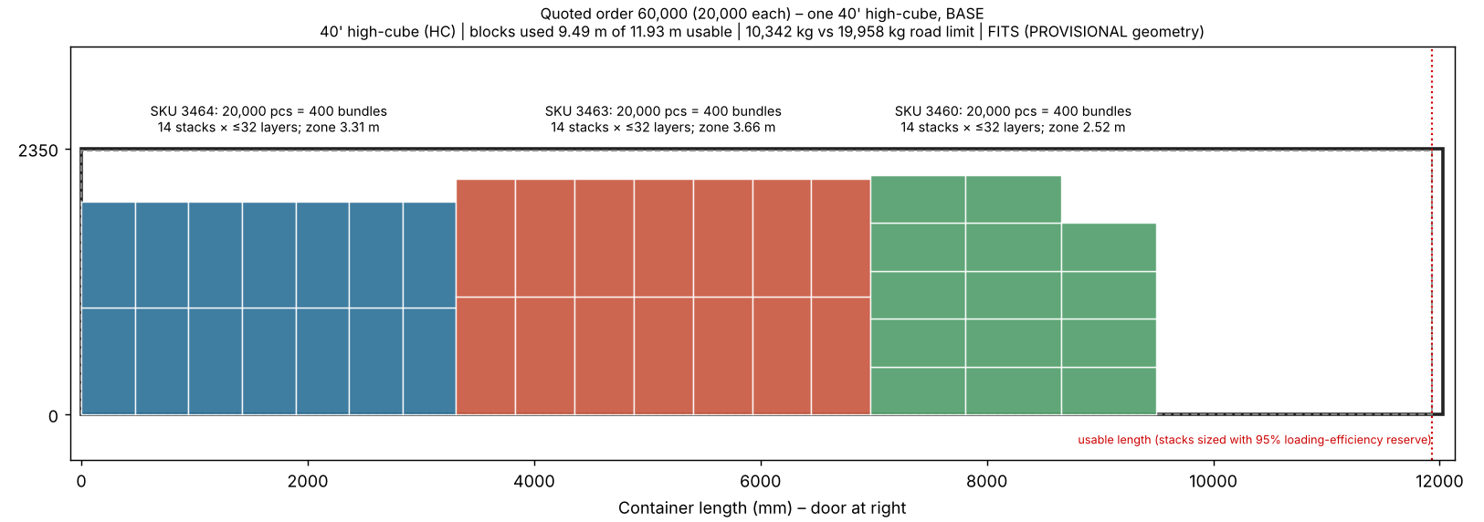
D. Loading schematics (top view, BASE scenario, produced by scripts/loading_model.py – illustrative, not a verified load plan)

