confidence_interval
PROB:1
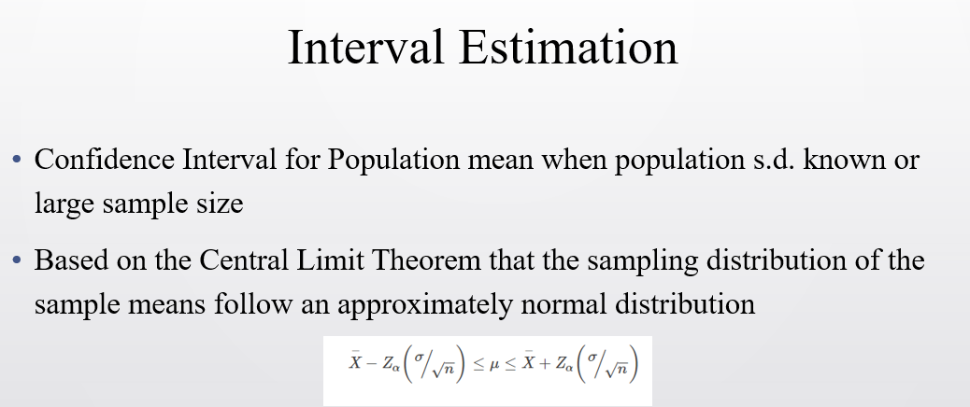
sample mean | 78000 | TO CALCULATE T SCOR OR Z SCORE , WE CONSIDER norm.inv or t.inv
pop std dev | 10000
confidence limit | 90% | to calculate z score on positive side , we will take 90% + 5% from left
sample size | 36 | assuming standard normal distribution, we will consider mean=0, std dev = 1
z alpha | 1.644853627
lower | 75258.577288 | mean - z-alpha*std dev/sqrt(sample size)
upper | 80741.422712 | mean + z-alpha*std dev/sqrt(sample size)

PROB:1 for T distribution

sample mean | 81000
sample s.d. | 10000 | to calculate z score on positive side , we will take 90% + 5% from left | t-score | on positive side , we will take 90% + 5% from left
confidence interval | 90% | assuming standard normal distribution, we will consider mean=0, std dev = 1
sample size | 15
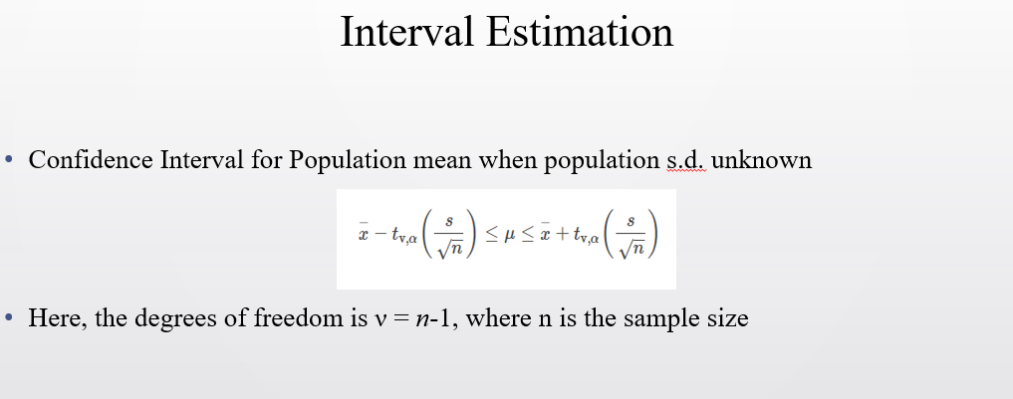
t alpha | 1.7613101358 | we will consider sample size - 1 , to calculate t-alpha
lower | 76452.316784 | mean - t-alpha*std dev/sqrt(sample size)
upper | 85547.683216 | mean + t-alpha*std dev/sqrt(sample size)

