Invoice Bill
AMRITA INSTITUTE OF MEDICAL SCIENCES & RESEARCH CENTRE
Mata Amritanandamayi Marg, Sector-88, Faridabad, Haryana – 121002

INVOICE

 | Invoice No. | [Party Code] – [XX/YY-ZZ]
 | Invoice Date | [DD.MM.YYYY]

 | TO:
 | [Referring Party Name – Hospital / Doctor / Clinic]
 | [Address Line 1, Sector, City]
 | [State – Pincode]

 | SERVICES RENDERED
 | Description |  | Amount (₹)
 | "Lab Test Service" – For the period [Month] [Year] |  | [₹ Amount]

 | Total Amount |  | [₹ Amount]
 | Other Charges |  | ₹0

 | Amount in Words:
 | [Amount in words – e.g., Rupees Three Thousand Three Hundred Sixty Only]

 | NOTES
 | Invoice Period: 1st [Month] [Year] to [Last Day] [Month] [Year]
 | Payment Terms: 30 Days After Receipt of Invoice

 | BANK DETAILS FOR PAYMENT
 | Payment in Favour of | AMRITA INSTITUTE OF MEDICAL SCIENCES & RESEARCH CENTRE
 | Bank Name | Dhanlaxmi Bank
 | Account Number | 019600100024481
 | IFSC Code | DLXB0000196
 | MICR Code | 110048011
 | SCAN & PAY – UPI / BHIM Payment
 | 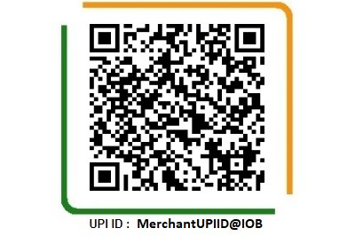

 | Authorised Signatory – Amrita Hospital | Head – Clinical Labs | DMC 40022
 | Signature: ___________________________ | Dr. Anubhav Pandey
 | Date: ________________________________ | Amrita Institute of Medical Sciences

This invoice is issued by Amrita Institute of Medical Sciences & Research Centre, Faridabad. For queries, contact the Clinical Lab Billing Team.

