Invoice Bill
AMRITA INSTITUTE OF MEDICAL SCIENCES & RESEARCH CENTRE
Mata Amritanandamayi Marg, Sector-88, Faridabad, Haryana – 121002

INVOICE

 | Invoice No. | Kashi-04/26-27
 | Invoice Date | 13.01.2026

 | TO:
 | Kashi Healthcare
 | E-423, ST No.7, Near Govinda School, Dabua Colony
 | Faridabad

 | SERVICES RENDERED
 | Description |  | Amount (₹)
 | "Lab Test Service" – For the period Mar'26 |  | 5510

 | Total Amount |  | ₹5,510
 | Other Charges |  | ₹0

 | Amount in Words:
 | Rupees Five Thousand Five Hundred And Ten Only

 | NOTES
 | 1st Mar'26 to 31 Mar'26
 | Payment Terms: 30 Days After Receipt of Invoice

 | BANK DETAILS FOR PAYMENT
 | Payment in Favour of | AMRITA INSTITUTE OF MEDICAL SCIENCES & RESEARCH CENTRE
 | Bank Name | Dhanlaxmi Bank
 | Account Number | 019600100024481
 | IFSC Code | DLXB0000196
 | MICR Code | 110048011
 | SCAN & PAY – UPI / BHIM Payment
 | 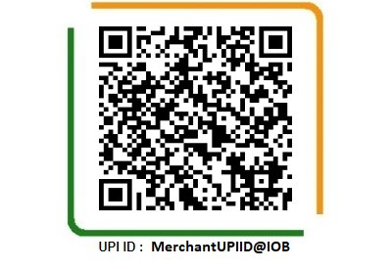

 | Authorised Signatory – Amrita Hospital | Head – Clinical Labs | DMC 40022
 | Signature: ___________________________ | Dr. Anubhav Pandey
 | Date: ________________________________ | Amrita Institute of Medical Sciences

This invoice is issued by Amrita Institute of Medical Sciences & Research Centre, Faridabad. For queries, contact the Clinical Lab Billing Team.

