Sheet1
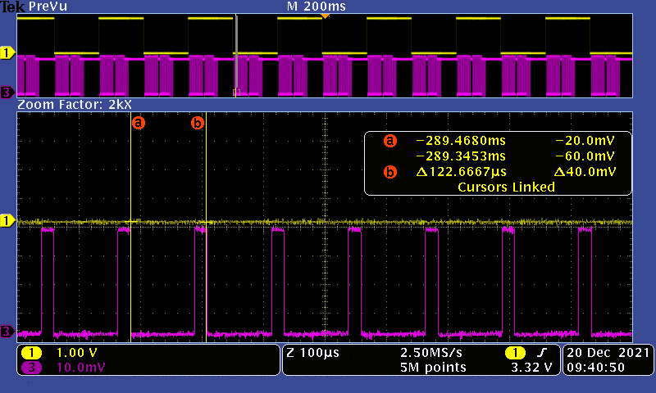
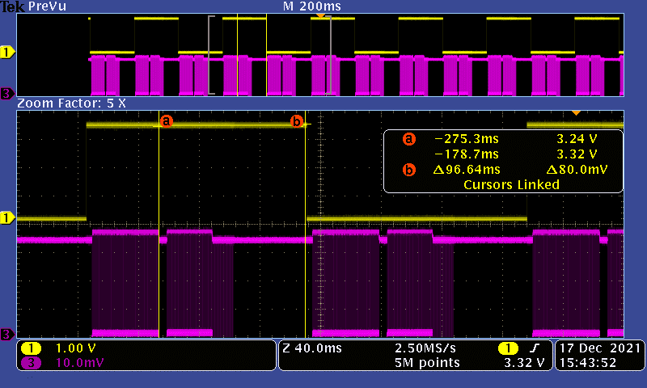
 | Unet Highres |  | Start Capture to ro img_rcv ms | loading each row to cnn ms | waiting for next row to be ready | NO CNN loading waiting for next row to be ready | TFT one row 565 ms | TFT one row DIV=5 | Max speed: start to row ready: 7m waiting for next row: 352* .176 or .337 exec start capture: .48 TOTAL: 96ms per frame
 | Camera | OV7692 | 14.2 | 0.158 | 0.026 => 0.032 => 0.224 | .176=>.176=>.373 | 0.63 | 170us | MAX Speed with 14MHz, no disp or inference:
 | Clock | 10m | 7 if no other | 0.148 if xor 0x808080 |  |  |  |  | about 60msec loading cnn + about 4msec from start capture to first row ready = 64msec per frame
 | prescaler | 1 |  | 0.128 after RGB888 | remove PT rate+2: | 0.69=>0.069=>.122
 | res | 352x352 |  | 0.119 after cmaer 12MHz
 | Format | 565 |  | .106 move *addr after mem[i] is ready + 14MHz cam
 | TFT |  |  | 15MHZ: 102usec
 |  |  |  |  |  |  |  |  | main while loop:
 |  |  |  |  |  |  |  |  |  | ms
 |  |  |  |  |  |  |  |  | load_input_camera(); | 96
 |  |  |  |  |  |  |  |  | camera_start_capture_image(); | 0.023
 |  |  |  |  |  |  |  |  | cnn_start() | 9.6
 |  |  |  |  |  |  |  |  | display_camera | 95ms
 |  |  |  |  |  |  |  |  | WFI wait | 0.002

 |  |  |  |  |  |  |  | TOTAL |  | 190ms
 |  |  |  |  |  |  |  |  | after cmaera 14MHz and implementing camera sleep: | 160m (about 3.5m of that from start capture to first row ready)
 |  |  |  |  |  |  |  |  | load input camera: | 60m
 |  |  |  |  |  |  |  |  | after changing scale factor of camera, total : | 144m
 |  |  |  |  |  |  |  |  | load input camera: | 43m

Toggles for one frame processing
Toggles for reading&loading one row to CNN or TFT

 | Frame rate (loading + inf + TFT during inf): 145msec |  |  |  |  | Loading one row to CNN: 102usec



 | Camera hsync to provide one row: 122usec |  |  |  |  | Inference time (one slice of TFT is updated as well): 96msec

