OOAD
S.No |  | Question | Answer
1 | Composite Reuse Principle | Lets say you have to design a payroll system for an organization. The company has three types of employees: Permanent, Temporary and Part-time The system should offer these capabilities : (a) Bonus - As of now, all employees will be given same bonus ammount regardless of the employee's post/designation. In future company may change it policy towards bonus, meaning differet type of employees might get different kind of bonuses. Bonues rate may or may not be same for various type of employees (b) Insurance coverage : System should be able to provide insuarnce coverage to different types of employess. Permanent will have a lot more coverage than temporary employee and their approval process is also different. (c) Leave Benefits : Different employees are entitled for different # of leaves and their approval chanels are different as well. | 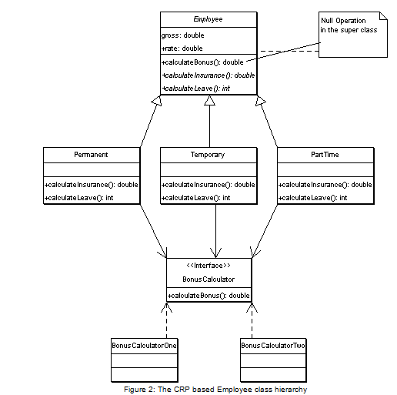

2 |  | Calendar is an abstract class. The getInstance() method tries to instantiate GregorianCalendar() i.e. Parent class is instantiating a drived class. This looks like a non-Object oriented design ??? Can you explain why it is so??? | Calendar class is an abstract class. This is true. However the point is that the getInstance() method returns the Calendar using the default timezone and locale. In this case, it is GregorianCalendar which IS A Calendar. This follows the “IS-A” relationship which is perfect object oriented design.So what you get from getInstance() is a class that does some specialized work based on default locale.

3 |  | Define "coupling" and "cohesion". What is "tight" coupling?

3 |  | Parking Lot | Parking lot has multiple levels. Each level will have multiple rows of the spots Can park Bikes, Cars, Buses Multiple Spots Bike Spot (Bike only ), Car Spot (Bike and Car), Bus Spot (Bike, Car and Bus)

Design Pattern_Software Design
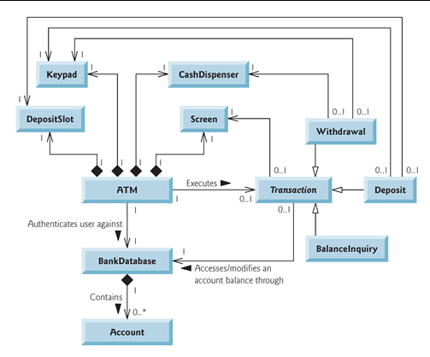
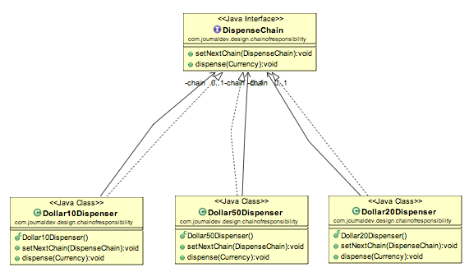
S.No |  | Question | Answer
1 | Chain Of Responsibility | How would you design a software for ATM Machine ? How would you go about designing the object model, their relationships with eachother etc. Also the ATM dispenser has to be designed in a way that user enters the amount to be dispensed and the machine dispense amount in terms of defined currency bills such as 50$, 20$, 10$ etc. If the user enters an amount that is not multiples of 10, it throws error | for designing financial system one must requirement is that they should work as expected in all situation. so no matter whether its power outage ATM should maintain correct state (transactions), think about locking, transaction, error condition, boundary condition etc. even if you not able to come up exact design but if you be able to point out non functional requirement, raise some question , think about boundary condition will be good progress. Design Pattern for designing the ATM Dispenser : Chain of Responsibility pattern to implement this solution http://pages.cpsc.ucalgary.ca/~mmoniruz/233/DesignExercise.pdf http://www.journaldev.com/1617/chain-of-responsibility-design-pattern-in-java-example-tutorial In Java, exception handling is designed using Chain of Responsibility

2 | State Pattern | How would you design a Vending Machine which can accept different coins and deliver different products. | http://www.go4expert.com/articles/design-pattern-simple-examples-t5127

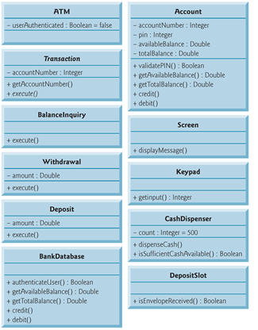

3 | Chain Of Responsibility | Imgine you are being part of a Production support team where you have to support application 24x7 on a rotational basis. Developers X 5 Product Lead X 1 (You) Product Manager X 1 Incomming Production call must be allocated to a developer who is free. If he can not handle the call, then call must be esclated to the Product Lead (you) and if you also can not handle the call, you need to esclate it to the Product Manager. How would you design such a system. | public interface CallChain { void setNextChain(CallChain nextChain); void handleOrForward(Employee emp); } class DeveloperHandler implements CallChain{ private CallChain chain; void handleOrForward(Call call){ int s = call.getSeverity(); 1= dev will handle, 2=lead will handle 3=PM will handle if(s==3){ // dev will handle the call call.getDetails(); }else{ this.chain.handleOrForward(call); } } } Similar Handler classes for Lead and Product Manager. Create the chain public class ProductionSupportChain { private CallChain c1; public ProductionSupportChain() { // initialize the chain this.c1 = new DeveloperHandler(); CallChain c2 = new ProductLeadHandler(); CallChain c3 = new ProductManagerHandler(); // set the chain of responsibility c1.setNextChain(c2); c2.setNextChain(c3); } public static void main(String[] args) { ProductionSupportChain prodSupportChain = new ProductionSupportChain(); // Let the call keep coming... while (true) { System.out.println("There is a PROD Call which needs to be handled"); // process the request prodSupportChain.c1.handleOrForward(new Call("1", "This is the most critical issue within the product and shud be addressed ASAP")); } } }

4 | Strategy Design Pattern | Let’s say, you have to design a shopping cart for an online portal. Online portal supports multiple payment methods (a) Credit Card (b) Debit Card (c) Paypal (d) Net Banking etc Client, during the checkout time will decide which payment method to use. How would you design such a shopping cart ? | Strategy pattern is used when we have multiple algorithms for a specific task and client decides implementation to be used at runtime. CreditCardStrategy DebitCardStrategy PaypalStrategy NetbankingStrategy Item item1 = new Item("1234",10); Item item2 = new Item("5678",40); ShoppingCart cart = new ShoppingCart(); cart.addItem(item1); cart.addItem(item2); //pay by paypal cart.pay(new PaypalStrategy("myemail@example.com", "mypwd"));

5 | Strategy Design Pattern | What kind of deign pattern java’s Arrays.sort(arryObj, sortStrategyAlgo) uses ???? | Strategy Design Pattern

6 | Flyweight | What is Flyweight Design Pattern. Can you tell me a scenario where you would use it ? | Flyweight is used when there is a need to create high number of objects of almost similar nature. High number of objects consumes high memory and flyweight design pattern gives a solution to reduce the load on memory by sharing objects. It is achieved by segregating object properties into two types intrinsic and extrinsic.
7 | Flyweight | Let's say, you are going to develop an image editor, where you can draw various shapes like Rectable, Square, Circle, Oval of various colors, sizes etc. There is no limit to howmany shapes a user can draw on the image editor. How would you design it? | 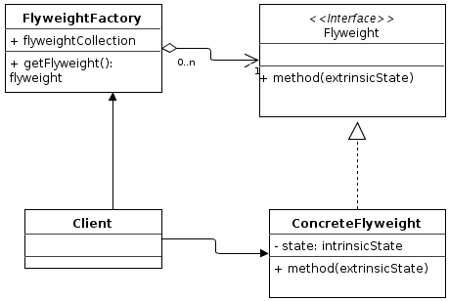 interface MyShape class MyOval implements MyShape class MyRectangle implements MyShape class ShapeFactory

8 | Flyweight | What is the underlying design pattern being used in the String class implementation. String objects are pooled. For example, String str = “MyString” | Flyweight Design Pattern

9 | Adapter | What is the intent of the Adapter pattern? | The intent of the Adapter is to match an existing object that is beyond your control to a particular interface

9 | Abstract Factory | What are the key strategies you need to keep in mind while applying Abstract Factory to a problem statement ? | Find what varies and encapsulate it Favor aggregation over inheritance Design to interfaces, not to implementations

10 | Decorator | Give me an example of Decorator design pattern used in Java? | Java IO Streams (FileInputStream, BufferedInputStream etc)

11 | Observer | What is the intent of the Observer pattern? | Intent of the Observer pattern is to "define a one-to-many dependency between objects so that when one object changes state, all its dependents are notified and updated automatically

12 | Observer | Can you give me some real life example of Observer Pattern ? | Radio station: It broadcasts its signal; anyone who is interested can tune in and listen when they want to

1 | How to use singleton object in cluster environment ?
 | To achieve clustering across JVM’s, one can use multiple techniques (JMS, DB, Custom API, 3rd party tools), but each of them have an impact on the business logic. If the requirement for JVM clustering is realized later in the game, then change to business logic will be huge. In case, the requirement to have singleton across JVM’s is realized later, then tools like Terracotta, Oracle Coherence are good options. These work on the concept of providing an in memory replication of objects across JVMs in effect providing you singleton view or making use of any of the cluster-aware cache provider’s like SwarmCache or JBoss TreeCache should work as cache entries are singletons and clustering is built in. Also, there is product called JGroups – which uses multi-cast comm. (TCP/UDP). It allows to form a group and Applications (JVM’s) can participate and JGroups will send messages to everyone in the group so that they can be in sync. Application server’s also provide some level of custom API’s to circumvent this problem. JBoss has HASingleton Service ( based on MBeans) which is meant to solve this problem. Check here and here Weblogic has the concept of Singleton Service – where only instance runs within the cluster and all clients will look up to the same instance. WebSphere supports the concept of singleton across cluster in the WebSphere XD version of the application server as the partition facility – ObjectGrid http://www.techspot.co.in/2009/07/singleton-in-cluster.html

 | What design pattern exception handler uses ?
 | Chain of resposibility

 | How command pattern is different from chain of responsibility

 | What are differences between aspects oriented programming and OOP?
 | Object-oriented programming (OOP) is a programming paradigm using "objects" – data structures consisting of data fields and methods together with their interactions – to design applications using Abstraction, Encapsulation, inheritance and polymorphism. Aspect-Oriented Programming (AOP) : complements Object-Oriented Programming (OOP) and allows users to implement custom aspects for cross cutting concerns such as Transaction management, logging, security and exception handling. In spring framework it provides declarative enterprise services, especially as a replacement for EJB declarative services. Actions are taken at a particular join point such as "around," "before" and "after" advice to implement custom aspects.

 | What distinguishes "good architecture" from "bad architecture"?
 | This is an open-ended question. There are few aspects of "good" architecture: Shall address functional product requirements Shall address non-functional product requirements, Scalability and capacity planning - considered for high user load High Availability - downtime and uptime of system Reliability and Usability -bug free system and easy to use Maintainability and Extensibility - quality code, standard routines and upgradable, new releases Performance - Response, processing and tun around time of application Shall be simple and comprehendible (to support maintainability and extensibility) Shall be well structured (support multiple tiers, parallel development etc.) Shall be detailed enough to share with different levels of organizational structure (marketing, sales, development, management) "Bad" architecture is basically opposite to "good" architecture.

SOA
http://www.mastertheboss.com/soa-cloud/jboss-soa/soa-interview-questions?showall=&start=1
How do I integrate my Legacy applications with SOA ?

What are the different Integration Style
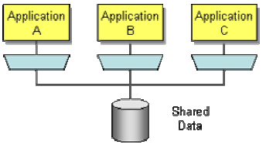 File Transfer - Shared Database - Remote Procedure Invocation - Messaging -

Point to Point v/s Hub-Spoke v/s Bus Architecture | yes

What is SOA ?
Service-Oriented Architecture (SOA) is an architectural style that supports service-orientation. Service-orientation is a way of thinking in terms of services and service-based development and the outcomes of services. A service is a logical representation of a repeatable business activity that has a specified outcome (e.g., check customer credit; provide weather data, consolidate drilling reports, etc.) and: Is self-contained May be composed of other services Is a “black box” to consumers of the service An architectural style is the combination of distinctive features in which architecture is performed or expressed.

Common pitfalls of SOA ?

SOA Governance ?
Service-Oriented Architecture (SOA) governance is a concept used for activities related to exercising control over services in an SOA. Some key activities that are often mentioned as being part of SOA governance are: (a) Managing the portfolio of services: This includes planning development of new services and updating current services. (b) Managing the service lifecycle: This is meant to ensure that updates of services do not disturb current services to the consumers. (c) Using policies to restrict behavior: Consistency of services can be ensured by having the rules applied to all the created services. (d) Monitoring performance of services: The consequences of service downtime or underperformance can be severe because of service composition. Therefore action can be taken instantly when a problem occurs by monitoring service performance and availability.

What is service end point virtualization?

Tell me some of the important characteristics of ESB ?
Invocation: – It support for synchronous and asynchronous transport protocols, service mapping (locating and binding). Routing: – Routing means addressability, static/deterministic routing, content-based routing, rules-based routing, and policy-based routing. Mediation: – In metadata and data warehouse, a data transformation convert’s data from a source data format into destination data. Data transformation can be divided into two steps: • Data mapping maps data elements from the source to the destination and captures any transformation that must occur. • Code generation that creates the actual transformation program. The functions of mediation are adapters, protocol transformation and service mapping. Process choreography: – It is the implementation of complex business processes. Service orchestration: – It is the coordination of multiple implementation services exposed as a single, aggregate service. Complex event processing: – The functions are event-interpretation, correlation and pattern-matching. Other quality services:- It ensure security (encryption and signing), reliable delivery,transaction management Management: – Services provide the management categories are monitoring, audit, logging, metering, admin console, BAM (BAM is not a management capability in other words the ESB doesn’t react to a specific threshold. It is a business service capability surfaced to end users. ). Agnosticism: – In general agnosticism to operating-systems and programming-languages; for example, it should enable interoperability between Java and .NET applications. Protocol Conversion/Bridging: - comprehensive support for topical communication protocols service standards. Message Exchange Patterns:- It support for various MEPs (Message Exchange Patterns) (for example: synchronous request/response, asynchronous request/response, send-and-forget, publish/subscribe) Adapters:- Adapters helps for supporting integration with legacy systems, po

http://ofmxperts.blogspot.com/2012/11/
What is Dehydration store in soa 11g? What are the Tables for that?
Dehydration store is the database where the instances get stored when it gets dehydrated by the process on the occurrence of non-idempotent activities and also stores the information on the long running processes Oracle BPEL PM utilizes a database to store metadata and instance data during runtime. The process of updating process state in the database is called Dehydration. This data is stored in what is known as the Dehydration store, which is simply a database schema The Dehydration Store database is used to store process status data, especially for asynchronous BPEL processes, like BPEL’s metadata and instance data. This exists in x_SOAINFRA schema created by running RCU The Dehydration Store database is used to store process status data, especially for asynchronous BPEL processes. A very important to remember if a BPEL process fails without reaching a dehydration point then the instance will not show up on the BPEL console. This instance never gets stored to the database. Dehydration Tables : 1.CUBE_INSTANCE 2.CUBE_SCOPE 3.AUDIT_TRAIL 4.AUDIT_DETAILS 5.DLV_MESSAGE 6.DLV_MESSAGE_BIN 7.INVOKE_MESSAGE 8.INVOKE_MESSAGE_BIN 9.DLV_SUBSCRIPTION 10.TASK 11.WORK_ITEM

What is Canonical modeling? Have you ever done it by yourself ?

What is the difference between Tier and Layer systems ??

