DesignCalc_Analogip_Txmtr
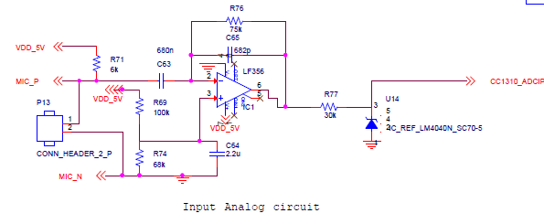

 | AS per reference of tidu765.pdf design

 | For reference microphone Part No: | POM-3535P-R
 |  |  | Selected parameters from microphone datasheet[2]
 |  |  | Parameter | Value (Units)
 |  |  | Sensitivity | -35 +/- 4 dBV
 |  |  | Standard Operating Voltage | 2 Vdc
 |  |  | Current Consumption (Max) | 0.5 mA
 |  |  | Impedance | 2.2 kOhm
 |  |  | Signal to Noise Ratio (Min) | 68 dB

 |  | sensitivity | 17.7827941 | mvolts per Pascal of air pressure

 |  | The output current per Pascal of air pressure
 |  |  | 8.0830882274 | μA/Pa
 | Imic | microphone output current for 2Pa Air pressure
 |  |  | 16.166176455 | μA
 |  | V(volt) | 1.228 | (considering)
 |  | R76 = V/Imic
 |  | R76 | 75 | kOhm

 |  | C65 | use for compansates for parasitic capacitance at the op amp inverting input which can cause instability. Capacitor C2 also forms a pole with resistor R2 in the response of the pre-amplifier. The frequency of this pole must be high enough to not affect the microphone transfer function within the audible bandwidth. For this design, a response deviation of -0.1dB at 500Hz is acceptable.

 |  | The location of the pole can be calculated using the relative gain at 500Hz



 |  | fp | 3343.1245886 | Hz
 |  | C65 | 1/(2*PI*fp*R76)
 |  | C65 | 6.3475525715E-07 | nF | 682 | pF

 | Microphone Bias Resistor and Coupling Capacitor

 | R71 | (Vcc - Vmic)/Is

 | R71 | 6 | kOhm

 | For HPF : cuttoff freq | fc | 50 | Hz
 | C63 | 1/(2*PI*R71*fc) | 0.00053051647697 | 530.51647697 | 680 | nF

 | VDD | 5 | V
 | R69 | 100 | k
 | R74 | 68 | k

 | Vref ( at +terminal on opamp) | 2.0238095238 | V

 | iD | 0.029761904762 | 29.761904762 | uA

 | C64 | use to filter thermal noise created by the resister |  | 2.2 | uF

 | fc | 1.7873015 | Hz

 | Noise gain | 13.5

Simulation results

DesignCalc_Analogop_Rxver
 |  |  |  |  |  | ref by datasheet
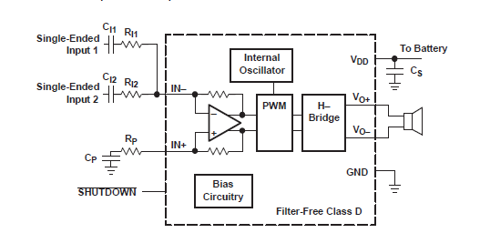

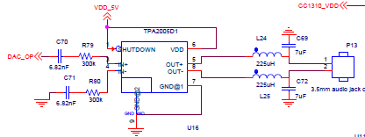

 | Gain | 1
 | R79 | 300 | k
 | R80 | 300 | k |  | Application Schematic With TPA2005D1 Summing Two Single-Ended Inputs
 | fc1 | 150 | Hz | considering
 | C70 | 3.5367765132E-09 | F
 |  | 3.5367765132 | nF |  | TPA2005D1 1.4-W MONO Filter-Free Class-D Audio Power Amplifier
 | C71 | 3.5367765132 | nF
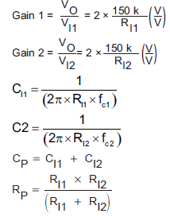

 | RBTL | 4 | ohm | considering
 | f | 4000 | hz BW
L25 | L24 | 225.07907904 | uH
C72 | C69 | 7.03372122 | uF

 |  |  |  |  | OP of Class D amplifier

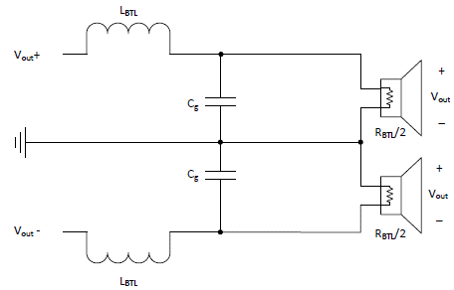

 |  |  |  |  | Type-2 Filter Equivalent Circuit
 |  |  |  |  | as per reference: SLAA701A–October 2016–Revised November 2016

 |  |  |  |  | RL = RBTL

