Test Cases
TEST CASE NUMBER | DATE | PAGE | TOPIC | IMPORTANCE LEVEL | TEST CASE TITLE | PRECONDITION | STEPS TO REPRODUCE | TEST DATA | EXPECTED OUTPUT | ACTUAL OUTPUT | STATUS | BUG | PRIORITY | SEVERITY | NOTES | SCREENSHOTS
TC-1001 | 01.12.2024 | 1. Product Catalogue | 1.1 Cart Functionality | 1 | Add Single Item to the Cart | User is on the homepage. | 1. Add 1 unit of "Broccoli" to the cart. 2. Click to "cart" in navigation page | Broccoli - 1 Kg | "Broccoli" appears in the cart with quantity 1. | "Broccoli" appears in the cart with quantity 1. | PASSED
TC-1002 | 01.12.2024 | 1. Product Catalogue | 1.1 Cart Functionality | 2 | Persist Cart After Refresh | "Broccoli" is already added to the cart. | 1. Refresh the page 2. Click to "cart" in navigation page |  | Items in the cart remain unchanged after refresh. | Items are removed! | FAILED | B-1001 | MEDIUM | MINOR
TC-1003 | 01.12.2024 | 1. Product Catalogue | 1.1 Cart Functionality | 1 | Increase and Verify Quantity | User is on the homepage. | 1. Increase the quantity of "Cucumber" to 2. 2. Add to the cart. 3. Click to "cart" in navigation page | Cucumber - 1 Kg | "Cucumber" is displayed with a quantity of 2 in the cart. | "Cucumber" is displayed with a quantity of 2 in the cart. | PASSED
TC-1004 | 01.12.2024 | 1. Product Catalogue | 1.1 Cart Functionality | 1 | Increase, Decrease, and Verify Quantity | User is on the homepage. | 1. Increase the quantity of "Beetroor" to 10, then decrease to 3. 2. Add to the cart. 3. Click to "cart" in navigation page | Beetroot - 1 Kg | "Beetroot" is displayed with a quantity of 3 in the cart. | "Beetroot" is displayed with a quantity of 3 in the cart. | PASSED
TC-1005 | 01.12.2024 | 1. Product Catalogue | 1.1 Cart Functionality | 1 | Increase Different Items and Verify Quantity | User is on the homepage. | 1. Increase the quantity of "Carrot" to 10, 2. Increase the quantity of "Tomato" to 10 3. Add "Carrot" to the cart. Wait for orange "added" pop up dissappears. 4. Add "Tomato" to the cart. 5. Click to "cart" in navigation page | Carrot - 1 Kg Tomato - 1 Kg | "Carrot" is displayed with a quantity of 10 in the cart. "Tomato" is displayed with a quantity of 10 in the cart. | "Carrot" is displayed with a quantity of 10 in the cart. "Tomato" is displayed with a quantity of 1 in the cart. | FAILED | B-1002 | MEDIUM | MODERATE | orange "added" pop-up effects the process. If it is on, then quantity is accepted, when it is gone, quantities turn back to 1 even if they are shown as 10 in UI. | 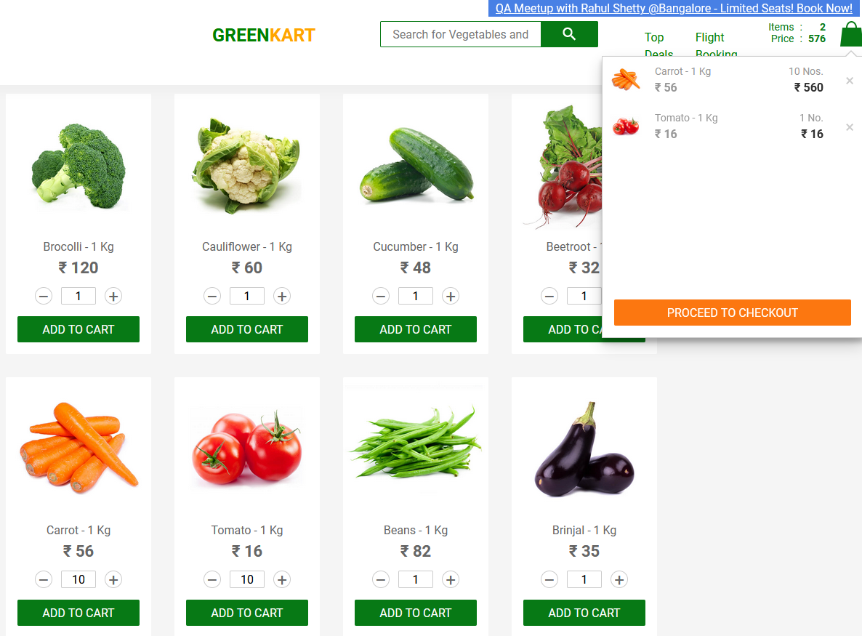
TC-1006 | 01.12.2024 | 1. Product Catalogue | 1.1 Cart Functionality | 1 | Empty Cart and Verify | Items are added to the cart. | 1. Remove all items from the cart. 2. Verify the "Proceed to Checkout" button is disabled and inactive. 3. Verify the "Your cart is empty" message is displayed. |  | "Proceed to Checkout" button is disabled and inactive. Correct empty cart message is shown as "Your cart is empty!". | "Proceed to Checkout" button is disabled and but IT IS STILL CLICKABLE. Also empty cart message is WRONG! It says "You cart is empty!" instead of "Your cart is empty!" Letter "R" is missing! | FAILED | B-1003 | LOW | MINOR
TC-1007 | 01.12.2024 | 1. Product Catalogue | 1.2 Price Calculation | 1 | Verify Item Prices in Cart | Empty cart | 1. Add 1 kg of "Broccoli" to the cart. 2. Verify the price displayed for "Broccoli" in the cart is 120. | Broccoli - 1 Kg | Correct price is displayed. | Correct price is displayed. | PASSED
TC-1008 | 01.12.2024 | 1. Product Catalogue | 1.2 Price Calculation | 1 | Verify Cart Totals | Empty cart | 1. Add 3 units of "Broccoli" (120 * 3 = 360) and 1 unit of "Cauliflower" (180). 2. Navigate to the cart. 3. Proceed to checkout. | Broccoli - 1 Kg Cauliflower - 1 Kg | Total price is correctly calculated and displayed as 540. | Total price is correctly calculated and displayed as 540. | PASSED
TC-1009 | 01.12.2024 | 1. Product Catalogue | 1.2 Price Calculation | 1 | Verify Price Updates After Quantity Change | Add 3 units of "Broccoli" (120 * 3 = 360) and 1 unit of "Cauliflower" (180). | 1. Update the quantity of each to 4 units. 2. Verify the updated prices in the cart. |  | Correct prices and totals are displayed after the update. | There is no option to change the quantities after adding the items to the cart. | FAILED | B-1004 | MEDIUM | MODERATE
TC-1010 | 01.12.2024 | 1. Product Catalogue | 1.3 Search Functionality | 2 | Search Partial Keyword | User is on the homepage. | 1. Enter "cu" in the search bar. 2. Verify the results displayed include all item that includes "cu"; namely "Cucumber" and "Capsicum" | "cu" | Search results are accurate and match the query. | Search results are accurate and match the query. | PASSED
TC-1011 | 03.12.2024 | 1. Product Catalogue | 1.3 Search Functionality | 2 | Search with No Matches | User is on the homepage. | 1. Enter "?" in the search bar. 2. Verify no items are displayed. 3. Verify the message "Sorry, no products matched your search!" is displayed. | "?" | No items are shown, and the correct message is displayed: "Sorry, no products matched your search!" | No items are shown, and the correct message is displayed: "Sorry, no products matched your search!" | PASSED
TC-1012 | 03.12.2024 | 1. Product Catalogue | 1.4 Navigation Bar | 2 | Verify Navigation Links 1 - Limited Offer | User is on the homepage. | 1. Click on "Limited Offer". 2. Verify it redirects to the QA Summit page. |  | Navigation links function correctly. | Navigation links function correctly. | PASSED
TC-1013 | 03.12.2024 | 1. Product Catalogue | 1.4 Navigation Bar | 2 | Verify Navigation Links 2 - Top Deals | User is on the homepage. | 1. Click on "Top Deals". 2.Verify it redirects to the Deals page. |  | Navigation links function correctly. | Navigation links function correctly. | PASSED
TC-1014 | 03.12.2024 | 1. Product Catalogue | 1.4 Navigation Bar | 2 | Verify Navigation Links 3 - Flight Booking | User is on the homepage. | 1. Click on the "Flight Booking" link. 2. Verify it redirects to the Booking page. |  | Navigation links function correctly. | Navigation links function correctly. | PASSED
TC-1015 | 03.12.2024 | 1. Product Catalogue | 1.5 User Interface | 2 | Verify Orange "ADDED" Pop-up | User is on the homepage. | 1. Add 1 unit of "Broccoli" to the cart. 2. Verify orange "ADDED" pop-up appeared and then dissappeared in 5 seconds. |  | Orange "added" pop-up is shown as expected. | Orange "added" pop-up is shown as expected. | PASSED
TC-1016 | 03.12.2024 | 1. Product Catalogue | 1.5 User Interface | 1 | Verify Logo Visibility and Functionality | User is on the homepage. | 1. Check that the website logo is visible. 2. Click on the logo. 3. Verify it redirects to the homepage. |  | Logo is visible and redirects to the homepage. | Logo is visible and BUT IT DOES NOT REDIRECTS to the homepage. | FAILED | B-1005 | MEDIUM | MAJOR

