02_Design
Study design — data, feature pool, training/test units, evaluation

Item | Setting
Leaves | 2264 (378 healthy, 1886 diseased); 48 plots; 4 dates, 3 growth stages and 3 varieties pooled
Feature pool | 4150 features = K1 reflectance 2039 + K2 continuum removal 30 + K3 vegetation indices 30 (MTVI1 = mCARI1 removed) + K4 first-derivative bands 2031 + K4 edge parameters 20 (identical to Part C)
Extra feature space (CWT) | Mexican-hat continuous wavelet transform of the K1 spectrum, scales [2, 4, 8, 16, 32, 64, 128, 256] nm, 5-nm grid: 3368 wavelet features (2505 outside the cone of influence and the detector joins)
Training / test units | 20 units: the 10 plot-grouped folds of the first V3 repeat (StratifiedGroupKFold, seed 101) and the 10 V4 splits (30 % of plots held out: 4 healthy + 11 diseased plots). No plot is ever in both training and test leaves.
Where selection happens | Every method runs inside each training set only (no information from test plots; Ambroise & McLachlan 2002). A separate run on all leaves gives the reported feature lists.
Feature budget k | 5, 10, 15 and 20 features from each method's ranking; headline comparisons at k = 10
Redundancy control | Plain top-k (as published for most methods) and redundancy-controlled top-k: a candidate correlated |r| ≥ 0.95 with an already chosen feature is skipped (cf. the 20-nm minimum distance of Wei et al. 2021)
Classifiers on held-out plots | QDA with equal priors (Tier 4 of Das et al. 2020), LDA with equal priors, Balanced Random Forest (300 trees, k = 10)
Imbalance handling | equal priors (QDA/LDA), balanced class weights (CART, SVM, LASSO, gradient boosting), class-balanced bootstrap (Balanced RF, Boruta, RF-RFE), class-balanced Monte-Carlo sub-samples (CARS, MC-UVE), class-balanced instance sampling (ReliefF)
Inner validation (methods that tune themselves) | plot-grouped 5-fold (SPA length, CARS subset, PLS components, CART pruning) or 3-fold (LASSO C, SFFS and GA criterion) inside the training set
Stability | Kuncheva (2007) index and Jaccard similarity of the 20 top-10 lists; tolerant Jaccard counts a feature of the same series within ±10 nm as the same
Separability | multivariate Jeffries–Matusita distance (0–2) of the top-10 set chosen on all leaves (Tier 3)
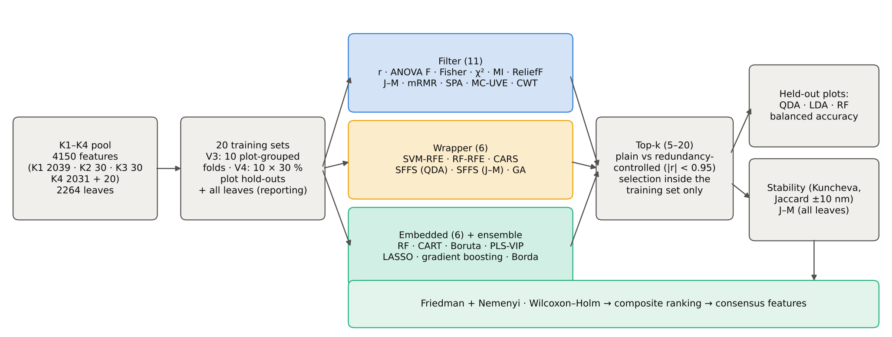
Method comparison | Friedman test over the 20 units and Nemenyi critical difference (Demšar 2006); paired Wilcoxon tests against the best method with Holm correction
Composite ranking | mean of the ranks for QDA balanced accuracy, RF balanced accuracy, stability (Jaccard ±10 nm) and J–M
Training leaves per unit | V4: 1528–1595; V3: about 2040

05_F1_Univariate
Filter 1 — Pearson r, ANOVA F, Fisher score, chi-square, mutual information, univariate J–M
Each feature is scored on its own; the top of the list is then dominated by neighbouring bands of the same region (see sheet 22).
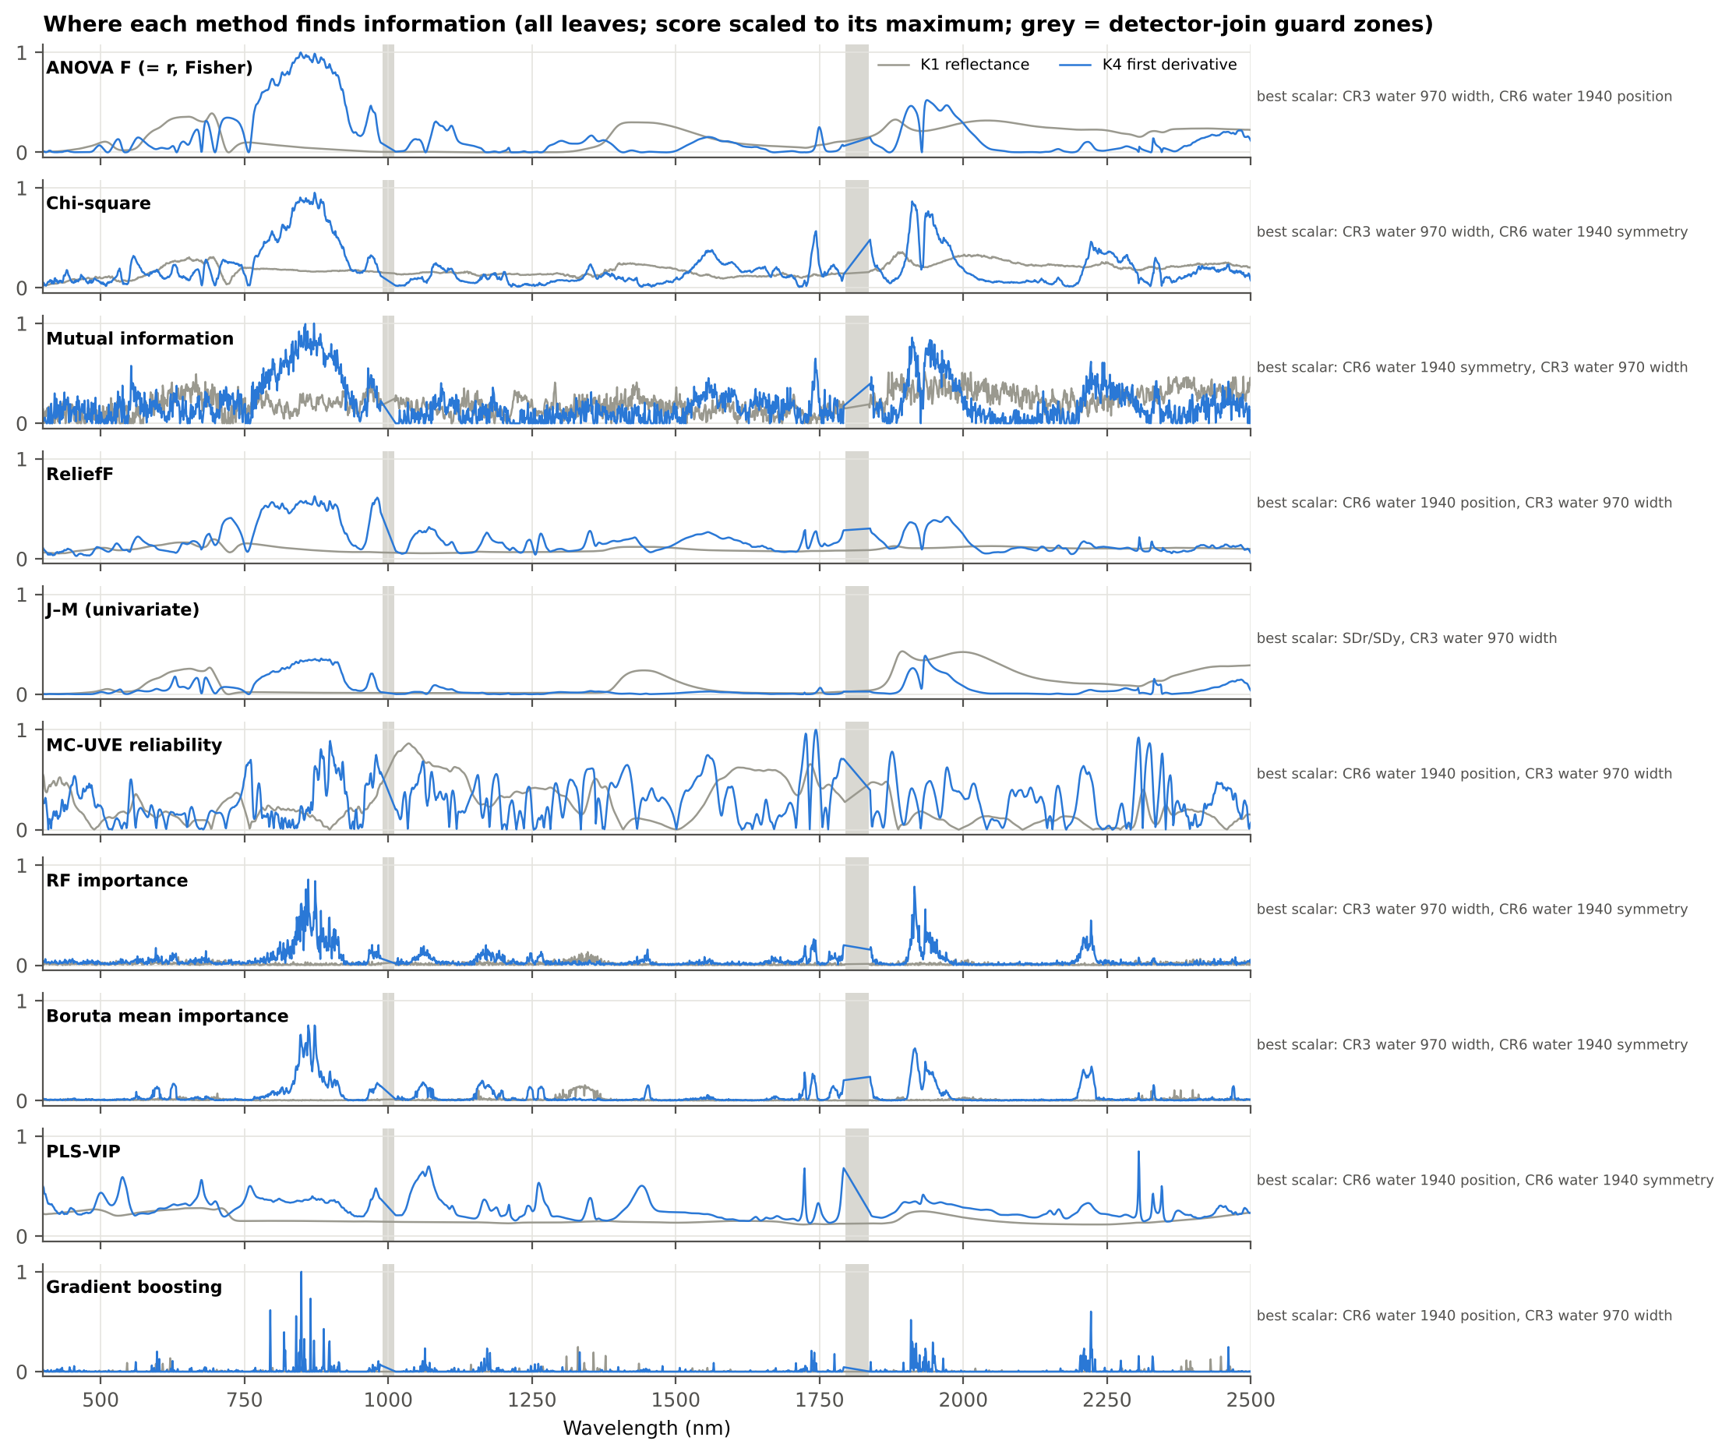

Top 20 — ANOVA F (identical order by |r| and by Fisher score)
Rank | Feature | Type | Wavelength (nm) | F | r | Fisher score | Rank by |r| | Rank by Fisher
1 | D1_848 | K4 first-derivative band | 848 | 257.05 | 0.3194 | 0.1136 | 1 | 1
2 | D1_847 | K4 first-derivative band | 847 | 255.88 | 0.3188 | 0.1131 | 2 | 2
3 | D1_849 | K4 first-derivative band | 849 | 254.38 | 0.3179 | 0.1125 | 3 | 3
4 | D1_872 | K4 first-derivative band | 872 | 253.98 | 0.3177 | 0.1123 | 4 | 4
5 | D1_873 | K4 first-derivative band | 873 | 252.84 | 0.3171 | 0.1118 | 5 | 5
6 | D1_850 | K4 first-derivative band | 850 | 250.77 | 0.3159 | 0.1109 | 6 | 6
7 | D1_857 | K4 first-derivative band | 857 | 250.56 | 0.3158 | 0.1108 | 7 | 7
8 | D1_846 | K4 first-derivative band | 846 | 250.45 | 0.3157 | 0.1107 | 8 | 8
9 | D1_858 | K4 first-derivative band | 858 | 249.69 | 0.3153 | 0.1104 | 9 | 9
10 | D1_871 | K4 first-derivative band | 871 | 249.29 | 0.3151 | 0.1102 | 10 | 10
11 | D1_856 | K4 first-derivative band | 856 | 247.90 | 0.3143 | 0.1096 | 11 | 11
12 | D1_851 | K4 first-derivative band | 851 | 247.88 | 0.3143 | 0.1096 | 12 | 12
13 | D1_861 | K4 first-derivative band | 861 | 247.20 | 0.3139 | 0.1093 | 13 | 13
14 | D1_874 | K4 first-derivative band | 874 | 246.82 | 0.3137 | 0.1091 | 14 | 14
15 | D1_862 | K4 first-derivative band | 862 | 246.37 | 0.3134 | 0.1089 | 15 | 15
16 | D1_860 | K4 first-derivative band | 860 | 245.77 | 0.3131 | 0.1087 | 16 | 16
17 | D1_859 | K4 first-derivative band | 859 | 245.72 | 0.3130 | 0.1086 | 17 | 17
18 | D1_845 | K4 first-derivative band | 845 | 245.27 | 0.3128 | 0.1084 | 18 | 18
19 | D1_852 | K4 first-derivative band | 852 | 244.90 | 0.3126 | 0.1083 | 19 | 19
20 | D1_883 | K4 first-derivative band | 883 | 244.40 | 0.3123 | 0.1080 | 20 | 20

Top 20 — Chi-square
Rank | Feature | Type | Wavelength (nm) | χ²
1 | CR3 water 970 width | K2 continuum removal |  | 404.76
2 | D1_872 | K4 first-derivative band | 872 | 385.47
3 | CR6 water 1940 symmetry | K2 continuum removal |  | 382.88
4 | D1_873 | K4 first-derivative band | 873 | 380.97
5 | D1_871 | K4 first-derivative band | 871 | 366.83
6 | D1_874 | K4 first-derivative band | 874 | 366.52
7 | D1_847 | K4 first-derivative band | 847 | 366.20
8 | D1_857 | K4 first-derivative band | 857 | 363.39
9 | D1_848 | K4 first-derivative band | 848 | 361.38
10 | D1_883 | K4 first-derivative band | 883 | 358.21
11 | D1_870 | K4 first-derivative band | 870 | 357.57
12 | D1_849 | K4 first-derivative band | 849 | 356.47
13 | D1_858 | K4 first-derivative band | 858 | 356.35
14 | D1_861 | K4 first-derivative band | 861 | 354.36
15 | D1_862 | K4 first-derivative band | 862 | 353.77
16 | D1_852 | K4 first-derivative band | 852 | 353.35
17 | D1_850 | K4 first-derivative band | 850 | 353.32
18 | D1_846 | K4 first-derivative band | 846 | 352.56
19 | D1_860 | K4 first-derivative band | 860 | 352.52
20 | D1_856 | K4 first-derivative band | 856 | 351.99

Top 20 — Mutual information
Rank | Feature | Type | Wavelength (nm) | MI (nats)
1 | D1_871 | K4 first-derivative band | 871 | 0.0966
2 | D1_856 | K4 first-derivative band | 856 | 0.0961
3 | D1_854 | K4 first-derivative band | 854 | 0.0929
4 | D1_855 | K4 first-derivative band | 855 | 0.0895
5 | D1_860 | K4 first-derivative band | 860 | 0.0890
6 | D1_845 | K4 first-derivative band | 845 | 0.0889
7 | D1_882 | K4 first-derivative band | 882 | 0.0864
8 | D1_849 | K4 first-derivative band | 849 | 0.0847
9 | D1_1911 | K4 first-derivative band | 1911 | 0.0831
10 | D1_880 | K4 first-derivative band | 880 | 0.0826
11 | D1_865 | K4 first-derivative band | 865 | 0.0816
12 | D1_1942 | K4 first-derivative band | 1942 | 0.0806
13 | D1_1944 | K4 first-derivative band | 1944 | 0.0801
14 | D1_847 | K4 first-derivative band | 847 | 0.0799
15 | D1_875 | K4 first-derivative band | 875 | 0.0798
16 | D1_872 | K4 first-derivative band | 872 | 0.0796
17 | D1_839 | K4 first-derivative band | 839 | 0.0795
18 | D1_1945 | K4 first-derivative band | 1945 | 0.0794
19 | D1_834 | K4 first-derivative band | 834 | 0.0793
20 | D1_858 | K4 first-derivative band | 858 | 0.0791

Top 20 — J–M (univariate)
Rank | Feature | Type | Wavelength (nm) | J–M
1 | SDr/SDy | K4 edge parameter |  | 1.1141
2 | CR3 water 970 width | K2 continuum removal |  | 0.5571
3 | R1894 | K1 band reflectance | 1894 | 0.4792
4 | R1895 | K1 band reflectance | 1895 | 0.4785
5 | R1893 | K1 band reflectance | 1893 | 0.4785
6 | R1896 | K1 band reflectance | 1896 | 0.4767
7 | R1892 | K1 band reflectance | 1892 | 0.4763
8 | R1897 | K1 band reflectance | 1897 | 0.4740
9 | R1891 | K1 band reflectance | 1891 | 0.4724
10 | R1999 | K1 band reflectance | 1999 | 0.4711
11 | R1998 | K1 band reflectance | 1998 | 0.4710
12 | R2000 | K1 band reflectance | 2000 | 0.4710
13 | R1997 | K1 band reflectance | 1997 | 0.4709
14 | R2001 | K1 band reflectance | 2001 | 0.4709
15 | R1996 | K1 band reflectance | 1996 | 0.4707
16 | R2002 | K1 band reflectance | 2002 | 0.4706
17 | R1898 | K1 band reflectance | 1898 | 0.4705
18 | R1995 | K1 band reflectance | 1995 | 0.4703
19 | R2003 | K1 band reflectance | 2003 | 0.4703
20 | R1994 | K1 band reflectance | 1994 | 0.4699

References: Pearson 1895; Duda et al. 2001; Abdulridha et al. 2023 (χ², ANOVA F); Kraskov et al. 2004; Das et al. 2020 (J–M)

08_F4_CWT_Scalogram
Filter 4 — continuous wavelet analysis: separability scalogram (Cheng et al. 2010)
Every spectrum is decomposed with the Mexican-hat wavelet at 8 dyadic scales; the J–M separability of every wavelet coefficient forms a scale × wavelength scalogram whose local maxima are the candidate features.
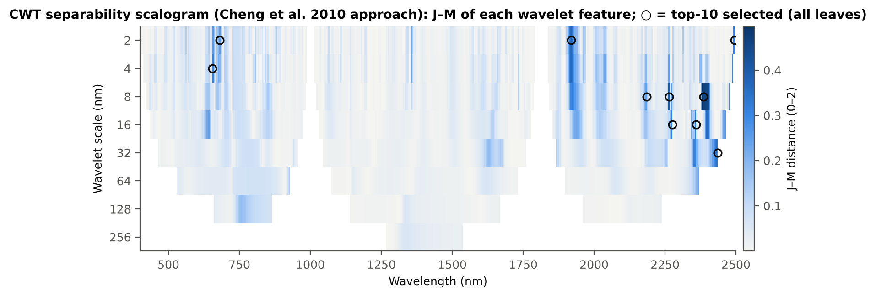

Top 25 scalogram peaks (all leaves)
Rank | Wavelet feature | Scale (nm) | Wavelength (nm) | J–M
1 | CWT s8 2385 | 8 | 2385 | 0.4970
2 | CWT s8 2265 | 8 | 2265 | 0.3943
3 | CWT s2 1920 | 2 | 1920 | 0.3690
4 | CWT s32 2435 | 32 | 2435 | 0.3368
5 | CWT s16 2360 | 16 | 2360 | 0.3256
6 | CWT s4 655 | 4 | 655 | 0.3106
7 | CWT s2 2495 | 2 | 2495 | 0.3088
8 | CWT s16 2275 | 16 | 2275 | 0.3057
9 | CWT s8 2480 | 8 | 2480 | 0.2925
10 | CWT s16 2465 | 16 | 2465 | 0.2694
11 | CWT s2 680 | 2 | 680 | 0.2539
12 | CWT s8 2185 | 8 | 2185 | 0.2511
13 | CWT s16 640 | 16 | 640 | 0.2461
14 | CWT s4 2040 | 4 | 2040 | 0.2342
15 | CWT s2 1355 | 2 | 1355 | 0.2324
16 | CWT s64 2370 | 64 | 2370 | 0.2316
17 | CWT s16 2345 | 16 | 2345 | 0.2287
18 | CWT s32 1630 | 32 | 1630 | 0.1832
19 | CWT s128 755 | 128 | 755 | 0.1791
20 | CWT s4 2010 | 4 | 2010 | 0.1714
21 | CWT s4 1965 | 4 | 1965 | 0.1691
22 | CWT s4 805 | 4 | 805 | 0.1558
23 | CWT s2 2315 | 2 | 2315 | 0.1550
24 | CWT s32 2255 | 32 | 2255 | 0.1484
25 | CWT s8 850 | 8 | 850 | 0.1440

Separability scalogram (J–M; blank = cone of influence or detector join)
Wavelength (nm) | scale 2 | scale 4 | scale 8 | scale 16 | scale 32 | scale 64 | scale 128 | scale 256
400
405 | 0.000
410 | 0.005 | 0.002
415 | 0.003 | 0.012
420 | 0.001 | 0.011 | 0.002
425 | 0.003 | 0.010 | 0.005
430 | 0.003 | 0.030 | 0.064
435 | 0.020 | 0.055 | 0.060 | 0.002
440 | 0.001 | 0.018 | 0.028 | 0.005
445 | 0.005 | 0.024 | 0.009 | 0.022
450 | 0.035 | 0.085 | 0.033 | 0.012
455 | 0.053 | 0.083 | 0.039 | 0.004
460 | 0.000 | 0.010 | 0.015 | 0.001
465 | 0.008 | 0.017 | 0.002 | 0.001 | 0.011
470 | 0.004 | 0.012 | 0.005 | 0.005 | 0.015
475 | 0.012 | 0.019 | 0.018 | 0.011 | 0.014
480 | 0.004 | 0.031 | 0.037 | 0.013 | 0.012
485 | 0.059 | 0.068 | 0.044 | 0.012 | 0.010
490 | 0.064 | 0.061 | 0.035 | 0.010 | 0.009
495 | 0.024 | 0.032 | 0.020 | 0.010 | 0.008
500 | 0.021 | 0.015 | 0.011 | 0.012 | 0.007
505 | 0.009 | 0.011 | 0.015 | 0.017 | 0.005
510 | 0.021 | 0.025 | 0.031 | 0.028 | 0.002
515 | 0.057 | 0.056 | 0.057 | 0.044 | 0.001
520 | 0.075 | 0.077 | 0.068 | 0.043 | 0.012
525 | 0.003 | 0.004 | 0.008 | 0.011 | 0.021
530 | 0.023 | 0.017 | 0.010 | 0.011 | 0.023 | 0.043
535 | 0.030 | 0.030 | 0.021 | 0.017 | 0.024 | 0.041
540 | 0.051 | 0.038 | 0.030 | 0.024 | 0.025 | 0.036
545 | 0.072 | 0.047 | 0.039 | 0.031 | 0.026 | 0.031
550 | 0.040 | 0.042 | 0.049 | 0.036 | 0.027 | 0.026
555 | 0.051 | 0.059 | 0.057 | 0.041 | 0.028 | 0.021
560 | 0.129 | 0.091 | 0.060 | 0.045 | 0.029 | 0.017
565 | 0.034 | 0.039 | 0.044 | 0.048 | 0.030 | 0.015
570 | 0.085 | 0.091 | 0.034 | 0.036 | 0.032 | 0.015
575 | 0.053 | 0.060 | 0.054 | 0.024 | 0.034 | 0.017
580 | 0.041 | 0.042 | 0.046 | 0.038 | 0.035 | 0.020
585 | 0.027 | 0.030 | 0.038 | 0.040 | 0.035 | 0.023
590 | 0.024 | 0.027 | 0.034 | 0.040 | 0.038 | 0.027
595 | 0.028 | 0.026 | 0.031 | 0.039 | 0.045 | 0.030
600 | 0.021 | 0.017 | 0.009 | 0.038 | 0.049 | 0.032
605 | 0.015 | 0.015 | 0.013 | 0.040 | 0.050 | 0.034
610 | 0.028 | 0.026 | 0.014 | 0.047 | 0.049 | 0.035
615 | 0.015 | 0.012 | 0.012 | 0.063 | 0.046 | 0.036
620 | 0.011 | 0.010 | 0.019 | 0.090 | 0.041 | 0.037
625 | 0.010 | 0.013 | 0.055 | 0.127 | 0.034 | 0.037
630 | 0.074 | 0.090 | 0.128 | 0.175 | 0.028 | 0.038
635 | 0.088 | 0.103 | 0.155 | 0.223 | 0.023 | 0.038
640 | 0.129 | 0.117 | 0.156 | 0.246 | 0.019 | 0.039
645 | 0.037 | 0.022 | 0.081 | 0.154 | 0.017 | 0.040
650 | 0.058 | 0.031 | 0.051 | 0.029 | 0.016 | 0.040
655 | 0.256 | 0.311 | 0.053 | 0.038 | 0.017 | 0.041
660 | 0.160 | 0.140 | 0.005 | 0.056 | 0.019 | 0.041 | 0.036
665 | 0.057 | 0.045 | 0.084 | 0.059 | 0.022 | 0.042 | 0.033
670 | 0.160 | 0.151 | 0.153 | 0.049 | 0.027 | 0.042 | 0.031
675 | 0.193 | 0.223 | 0.152 | 0.030 | 0.034 | 0.042 | 0.028
680 | 0.254 | 0.199 | 0.107 | 0.013 | 0.042 | 0.042 | 0.025
685 | 0.130 | 0.098 | 0.040 | 0.019 | 0.050 | 0.042 | 0.022
690 | 0.012 | 0.014 | 0.026 | 0.054 | 0.059 | 0.042 | 0.020
695 | 0.131 | 0.128 | 0.110 | 0.086 | 0.067 | 0.041 | 0.017
700 | 0.115 | 0.121 | 0.122 | 0.100 | 0.072 | 0.040 | 0.014
705 | 0.076 | 0.084 | 0.098 | 0.097 | 0.074 | 0.037 | 0.012
710 | 0.051 | 0.054 | 0.068 | 0.084 | 0.069 | 0.031 | 0.011
715 | 0.022 | 0.022 | 0.031 | 0.056 | 0.050 | 0.022 | 0.011
720 | 0.005 | 0.005 | 0.003 | 0.016 | 0.021 | 0.013 | 0.015
725 | 0.076 | 0.075 | 0.062 | 0.015 | 0.006 | 0.036 | 0.025
730 | 0.085 | 0.086 | 0.085 | 0.055 | 0.018 | 0.063 | 0.044
735 | 0.083 | 0.084 | 0.086 | 0.077 | 0.036 | 0.070 | 0.074
740 | 0.082 | 0.083 | 0.084 | 0.083 | 0.051 | 0.071 | 0.113
745 | 0.083 | 0.082 | 0.082 | 0.085 | 0.061 | 0.071 | 0.149
750 | 0.073 | 0.075 | 0.079 | 0.084 | 0.068 | 0.071 | 0.172
755 | 0.057 | 0.067 | 0.077 | 0.082 | 0.073 | 0.071 | 0.179
760 | 0.097 | 0.081 | 0.075 | 0.081 | 0.076 | 0.071 | 0.174
765 | 0.069 | 0.073 | 0.068 | 0.078 | 0.078 | 0.071 | 0.163
770 | 0.031 | 0.018 | 0.050 | 0.074 | 0.079 | 0.072 | 0.151
775 | 0.018 | 0.004 | 0.023 | 0.069 | 0.080 | 0.072 | 0.140
780 | 0.039 | 0.004 | 0.006 | 0.060 | 0.080 | 0.072 | 0.131
785 | 0.083 | 0.015 | 0.002 | 0.045 | 0.080 | 0.073 | 0.123
790 | 0.038 | 0.002 | 0.003 | 0.025 | 0.080 | 0.073 | 0.116
795 | 0.008 | 0.026 | 0.014 | 0.005 | 0.079 | 0.073 | 0.110
800 | 0.012 | 0.094 | 0.043 | 0.001 | 0.077 | 0.073 | 0.105
805 | 0.115 | 0.156 | 0.051 | 0.014 | 0.075 | 0.073 | 0.100
810 | 0.037 | 0.010 | 0.024 | 0.026 | 0.071 | 0.073 | 0.096
815 | 0.057 | 0.040 | 0.010 | 0.034 | 0.064 | 0.073 | 0.093
820 | 0.022 | 0.005 | 0.008 | 0.042 | 0.051 | 0.073 | 0.090
825 | 0.035 | 0.005 | 0.019 | 0.054 | 0.029 | 0.073 | 0.087
830 | 0.076 | 0.059 | 0.053 | 0.070 | 0.009 | 0.072 | 0.084
835 | 0.006 | 0.028 | 0.071 | 0.086 | 0.014 | 0.072 | 0.082
840 | 0.084 | 0.112 | 0.089 | 0.101 | 0.031 | 0.071 | 0.080
845 | 0.016 | 0.040 | 0.121 | 0.113 | 0.042 | 0.070 | 0.077
850 | 0.053 | 0.113 | 0.144 | 0.119 | 0.046 | 0.068 | 0.075
855 | 0.005 | 0.033 | 0.127 | 0.114 | 0.042 | 0.066 | 0.073
860 | 0.009 | 0.043 | 0.083 | 0.094 | 0.033 | 0.064 | 0.072
865 | 0.015 | 0.016 | 0.040 | 0.065 | 0.020 | 0.061
870 | 0.030 | 0.014 | 0.018 | 0.038 | 0.009 | 0.058
875 | 0.073 | 0.044 | 0.014 | 0.020 | 0.002 | 0.054
880 | 0.134 | 0.105 | 0.016 | 0.010 | 0.000 | 0.049
885 | 0.054 | 0.015 | 0.008 | 0.006 | 0.001 | 0.043
890 | 0.060 | 0.046 | 0.001 | 0.007 | 0.002 | 0.036
895 | 0.052 | 0.044 | 0.004 | 0.010 | 0.004 | 0.028
900 | 0.002 | 0.003 | 0.017 | 0.010 | 0.005 | 0.018
905 | 0.005 | 0.013 | 0.015 | 0.009 | 0.006 | 0.009
910 | 0.027 | 0.024 | 0.007 | 0.009 | 0.007 | 0.005
915 | 0.015 | 0.003 | 0.006 | 0.009 | 0.007 | 0.025
920 | 0.007 | 0.008 | 0.007 | 0.009 | 0.006 | 0.084
925 | 0.002 | 0.011 | 0.008 | 0.009 | 0.006 | 0.136
930 | 0.030 | 0.009 | 0.008 | 0.010 | 0.005
935 | 0.011 | 0.006 | 0.011 | 0.010 | 0.016
940 | 0.048 | 0.027 | 0.015 | 0.011 | 0.071
945 | 0.027 | 0.018 | 0.018 | 0.016 | 0.034
950 | 0.006 | 0.004 | 0.009 | 0.011 | 0.026
955 | 0.006 | 0.009 | 0.012 | 0.012 | 0.024
960 | 0.024 | 0.015 | 0.014 | 0.013
965 | 0.009 | 0.016 | 0.015 | 0.013
970 | 0.032 | 0.021 | 0.013 | 0.013
975 | 0.003 | 0.005 | 0.010
980 | 0.002 | 0.003 | 0.007
985 | 0.015 | 0.008
990
995
1000
1005
1010
1015 | 0.002 | 0.002
1020 | 0.004 | 0.001 | 0.007
1025 | 0.002 | 0.000 | 0.005
1030 | 0.016 | 0.008 | 0.006 | 0.006
1035 | 0.032 | 0.017 | 0.005 | 0.001
1040 | 0.000 | 0.002 | 0.001 | 0.000
1045 | 0.002 | 0.005 | 0.003 | 0.004 | 0.002
1050 | 0.016 | 0.020 | 0.019 | 0.012 | 0.006
1055 | 0.020 | 0.029 | 0.041 | 0.023 | 0.009
1060 | 0.031 | 0.059 | 0.058 | 0.034 | 0.012
1065 | 0.094 | 0.088 | 0.063 | 0.041 | 0.015
1070 | 0.004 | 0.030 | 0.055 | 0.044 | 0.016
1075 | 0.033 | 0.036 | 0.046 | 0.043 | 0.017 | 0.004
1080 | 0.029 | 0.042 | 0.038 | 0.038 | 0.017 | 0.004
1085 | 0.001 | 0.018 | 0.030 | 0.032 | 0.017 | 0.005
1090 | 0.013 | 0.017 | 0.022 | 0.025 | 0.017 | 0.005
1095 | 0.005 | 0.008 | 0.018 | 0.019 | 0.016 | 0.005
1100 | 0.003 | 0.020 | 0.025 | 0.016 | 0.015 | 0.005
1105 | 0.061 | 0.084 | 0.022 | 0.014 | 0.014 | 0.005
1110 | 0.054 | 0.033 | 0.014 | 0.013 | 0.013 | 0.005
1115 | 0.003 | 0.007 | 0.012 | 0.012 | 0.012 | 0.005
1120 | 0.012 | 0.011 | 0.012 | 0.011 | 0.011 | 0.004
1125 | 0.012 | 0.013 | 0.012 | 0.010 | 0.009 | 0.003
1130 | 0.014 | 0.014 | 0.012 | 0.009 | 0.006 | 0.001
1135 | 0.013 | 0.011 | 0.009 | 0.005 | 0.008 | 0.000
1140 | 0.044 | 0.063 | 0.052 | 0.031 | 0.017 | 0.003 | 0.005
1145 | 0.019 | 0.020 | 0.020 | 0.019 | 0.018 | 0.023 | 0.005
1150 | 0.017 | 0.017 | 0.016 | 0.016 | 0.017 | 0.040 | 0.005
1155 | 0.012 | 0.013 | 0.014 | 0.014 | 0.017 | 0.034 | 0.006
1160 | 0.008 | 0.010 | 0.012 | 0.012 | 0.016 | 0.027 | 0.006
1165 | 0.016 | 0.012 | 0.009 | 0.011 | 0.016 | 0.022 | 0.006
1170 | 0.013 | 0.007 | 0.004 | 0.010 | 0.016 | 0.018 | 0.007
1175 | 0.010 | 0.004 | 0.000 | 0.010 | 0.016 | 0.015 | 0.007
1180 | 0.043 | 0.027 | 0.000 | 0.010 | 0.016 | 0.012 | 0.007
1185 | 0.010 | 0.009 | 0.005 | 0.013 | 0.016 | 0.008 | 0.008
1190 | 0.046 | 0.050 | 0.026 | 0.014 | 0.016 | 0.005 | 0.008
1195 | 0.065 | 0.053 | 0.030 | 0.007 | 0.016 | 0.002 | 0.008
1200 | 0.010 | 0.018 | 0.005 | 0.002 | 0.015 | 0.001 | 0.008
1205 | 0.001 | 0.000 | 0.000 | 0.001 | 0.013 | 0.002 | 0.009
1210 | 0.002 | 0.001 | 0.000 | 0.000 | 0.010 | 0.004 | 0.009
1215 | 0.001 | 0.001 | 0.001 | 0.000 | 0.006 | 0.007 | 0.009
1220 | 0.003 | 0.001 | 0.000 | 0.000 | 0.002 | 0.010 | 0.009
1225 | 0.004 | 0.004 | 0.005 | 0.001 | 0.001 | 0.013 | 0.009
1230 | 0.001 | 0.001 | 0.001 | 0.007 | 0.004 | 0.015 | 0.009
1235 | 0.000 | 0.000 | 0.000 | 0.002 | 0.010 | 0.017 | 0.009
1240 | 0.011 | 0.005 | 0.001 | 0.002 | 0.014 | 0.018 | 0.009
1245 | 0.006 | 0.015 | 0.004 | 0.003 | 0.017 | 0.019 | 0.009
1250 | 0.000 | 0.001 | 0.003 | 0.006 | 0.018 | 0.020 | 0.009
1255 | 0.001 | 0.000 | 0.001 | 0.009 | 0.019 | 0.020 | 0.009
1260 | 0.001 | 0.001 | 0.002 | 0.012 | 0.020 | 0.021 | 0.008
1265 | 0.005 | 0.005 | 0.007 | 0.015 | 0.021 | 0.021 | 0.008
1270 | 0.016 | 0.019 | 0.016 | 0.018 | 0.021 | 0.022 | 0.008 | 0.001
1275 | 0.043 | 0.032 | 0.024 | 0.021 | 0.022 | 0.022 | 0.007 | 0.001
1280 | 0.019 | 0.026 | 0.029 | 0.023 | 0.022 | 0.022 | 0.007 | 0.001
1285 | 0.025 | 0.028 | 0.031 | 0.024 | 0.023 | 0.022 | 0.006 | 0.001
1290 | 0.037 | 0.037 | 0.031 | 0.024 | 0.024 | 0.022 | 0.005 | 0.003
1295 | 0.040 | 0.035 | 0.028 | 0.023 | 0.024 | 0.021 | 0.004 | 0.005
1300 | 0.025 | 0.025 | 0.022 | 0.021 | 0.025 | 0.021 | 0.003 | 0.010
1305 | 0.014 | 0.014 | 0.016 | 0.020 | 0.026 | 0.020 | 0.001 | 0.017
1310 | 0.011 | 0.011 | 0.013 | 0.019 | 0.026 | 0.019 | 0.000 | 0.026
1315 | 0.009 | 0.010 | 0.011 | 0.019 | 0.026 | 0.018 | 0.000 | 0.035
1320 | 0.017 | 0.013 | 0.011 | 0.022 | 0.025 | 0.017 | 0.005 | 0.045
1325 | 0.007 | 0.010 | 0.017 | 0.029 | 0.023 | 0.015 | 0.021 | 0.051
1330 | 0.000 | 0.003 | 0.022 | 0.026 | 0.020 | 0.013 | 0.048 | 0.055
1335 | 0.028 | 0.040 | 0.054 | 0.019 | 0.017 | 0.011 | 0.059 | 0.057
1340 | 0.080 | 0.072 | 0.049 | 0.021 | 0.014 | 0.009 | 0.054 | 0.056
1345 | 0.079 | 0.067 | 0.024 | 0.021 | 0.011 | 0.006 | 0.047 | 0.055
1350 | 0.009 | 0.001 | 0.015 | 0.021 | 0.008 | 0.005 | 0.042 | 0.053
1355 | 0.232 | 0.230 | 0.098 | 0.019 | 0.007 | 0.004 | 0.037 | 0.051
1360 | 0.142 | 0.112 | 0.049 | 0.015 | 0.006 | 0.006 | 0.034 | 0.048
1365 | 0.035 | 0.030 | 0.026 | 0.011 | 0.006 | 0.011 | 0.032 | 0.046
1370 | 0.037 | 0.027 | 0.018 | 0.007 | 0.008 | 0.018 | 0.030 | 0.044
1375 | 0.019 | 0.017 | 0.012 | 0.005 | 0.011 | 0.024 | 0.028 | 0.042
1380 | 0.004 | 0.004 | 0.006 | 0.007 | 0.015 | 0.028 | 0.027 | 0.041
1385 | 0.008 | 0.009 | 0.009 | 0.013 | 0.020 | 0.029 | 0.026 | 0.039
1390 | 0.021 | 0.021 | 0.022 | 0.024 | 0.026 | 0.029 | 0.025 | 0.038
1395 | 0.031 | 0.032 | 0.032 | 0.033 | 0.030 | 0.029 | 0.024 | 0.036
1400 | 0.023 | 0.025 | 0.029 | 0.033 | 0.031 | 0.027 | 0.024 | 0.035
1405 | 0.016 | 0.017 | 0.021 | 0.027 | 0.028 | 0.026 | 0.023 | 0.034
1410 | 0.009 | 0.010 | 0.013 | 0.020 | 0.025 | 0.025 | 0.023 | 0.033
1415 | 0.005 | 0.005 | 0.007 | 0.014 | 0.021 | 0.024 | 0.022 | 0.032
1420 | 0.007 | 0.007 | 0.006 | 0.009 | 0.017 | 0.023 | 0.022 | 0.031
1425 | 0.013 | 0.011 | 0.007 | 0.007 | 0.014 | 0.022 | 0.021 | 0.030
1430 | 0.010 | 0.012 | 0.010 | 0.006 | 0.012 | 0.021 | 0.021 | 0.029
1435 | 0.013 | 0.012 | 0.011 | 0.007 | 0.011 | 0.020 | 0.020 | 0.029
1440 | 0.009 | 0.010 | 0.011 | 0.008 | 0.010 | 0.020 | 0.020 | 0.028
1445 | 0.009 | 0.010 | 0.010 | 0.009 | 0.009 | 0.019 | 0.020 | 0.027
1450 | 0.007 | 0.009 | 0.010 | 0.009 | 0.009 | 0.019 | 0.019 | 0.027
1455 | 0.008 | 0.008 | 0.009 | 0.010 | 0.009 | 0.018 | 0.019 | 0.026
1460 | 0.007 | 0.008 | 0.009 | 0.010 | 0.009 | 0.018 | 0.019 | 0.026
1465 | 0.010 | 0.009 | 0.009 | 0.010 | 0.010 | 0.018 | 0.018 | 0.025
1470 | 0.008 | 0.010 | 0.010 | 0.011 | 0.011 | 0.017 | 0.018 | 0.024
1475 | 0.009 | 0.010 | 0.011 | 0.012 | 0.012 | 0.017 | 0.018 | 0.024
1480 | 0.022 | 0.016 | 0.014 | 0.015 | 0.013 | 0.017 | 0.017 | 0.023
1485 | 0.021 | 0.026 | 0.025 | 0.022 | 0.016 | 0.017 | 0.017 | 0.023
1490 | 0.038 | 0.042 | 0.041 | 0.032 | 0.019 | 0.017 | 0.017 | 0.022
1495 | 0.062 | 0.057 | 0.051 | 0.041 | 0.023 | 0.017 | 0.016 | 0.022
1500 | 0.051 | 0.054 | 0.052 | 0.045 | 0.028 | 0.017 | 0.016 | 0.022
1505 | 0.046 | 0.050 | 0.048 | 0.043 | 0.032 | 0.017 | 0.016 | 0.021
1510 | 0.043 | 0.042 | 0.040 | 0.039 | 0.033 | 0.016 | 0.015 | 0.021
1515 | 0.027 | 0.030 | 0.031 | 0.033 | 0.031 | 0.016 | 0.015 | 0.020
1520 | 0.018 | 0.020 | 0.024 | 0.027 | 0.027 | 0.015 | 0.014 | 0.020
1525 | 0.016 | 0.017 | 0.019 | 0.022 | 0.022 | 0.015 | 0.014 | 0.019
1530 | 0.015 | 0.017 | 0.016 | 0.017 | 0.017 | 0.013 | 0.014 | 0.019
1535 | 0.017 | 0.016 | 0.014 | 0.012 | 0.012 | 0.012 | 0.013 | 0.018
1540 | 0.007 | 0.009 | 0.011 | 0.009 | 0.008 | 0.010 | 0.013
1545 | 0.002 | 0.007 | 0.009 | 0.006 | 0.006 | 0.008 | 0.012
1550 | 0.011 | 0.012 | 0.008 | 0.006 | 0.004 | 0.005 | 0.012
1555 | 0.005 | 0.011 | 0.012 | 0.009 | 0.004 | 0.003 | 0.011
1560 | 0.027 | 0.025 | 0.021 | 0.014 | 0.006 | 0.001 | 0.010
1565 | 0.020 | 0.038 | 0.038 | 0.022 | 0.008 | 0.001 | 0.009
1570 | 0.052 | 0.065 | 0.052 | 0.029 | 0.012 | 0.001 | 0.009
1575 | 0.068 | 0.074 | 0.053 | 0.036 | 0.017 | 0.004 | 0.008
1580 | 0.013 | 0.028 | 0.041 | 0.040 | 0.023 | 0.009 | 0.006
1585 | 0.007 | 0.016 | 0.033 | 0.044 | 0.029 | 0.015 | 0.005
1590 | 0.030 | 0.034 | 0.036 | 0.047 | 0.035 | 0.023 | 0.003
1595 | 0.060 | 0.054 | 0.044 | 0.051 | 0.042 | 0.032 | 0.001
1600 | 0.020 | 0.048 | 0.058 | 0.053 | 0.051 | 0.041 | 0.000
1605 | 0.027 | 0.064 | 0.075 | 0.055 | 0.064 | 0.049 | 0.001
1610 | 0.061 | 0.087 | 0.082 | 0.055 | 0.082 | 0.056 | 0.003
1615 | 0.038 | 0.073 | 0.069 | 0.052 | 0.110 | 0.060 | 0.006
1620 | 0.015 | 0.033 | 0.045 | 0.049 | 0.146 | 0.062 | 0.009
1625 | 0.019 | 0.023 | 0.029 | 0.049 | 0.176 | 0.062 | 0.012
1630 | 0.008 | 0.013 | 0.022 | 0.055 | 0.183 | 0.059 | 0.014
1635 | 0.007 | 0.005 | 0.023 | 0.079 | 0.168 | 0.055 | 0.015
1640 | 0.024 | 0.030 | 0.044 | 0.117 | 0.145 | 0.051 | 0.015
1645 | 0.026 | 0.061 | 0.070 | 0.122 | 0.124 | 0.046 | 0.016
1650 | 0.016 | 0.051 | 0.082 | 0.089 | 0.111 | 0.041 | 0.016
1655 | 0.015 | 0.044 | 0.098 | 0.058 | 0.106 | 0.036 | 0.016
1660 | 0.080 | 0.114 | 0.087 | 0.039 | 0.109 | 0.032 | 0.015
1665 | 0.049 | 0.073 | 0.045 | 0.028 | 0.120 | 0.028 | 0.015
1670 | 0.048 | 0.035 | 0.020 | 0.021 | 0.136 | 0.025
1675 | 0.012 | 0.009 | 0.011 | 0.017 | 0.123 | 0.022
1680 | 0.002 | 0.003 | 0.008 | 0.015 | 0.065 | 0.019
1685 | 0.007 | 0.007 | 0.009 | 0.015 | 0.026 | 0.017
1690 | 0.068 | 0.029 | 0.013 | 0.021 | 0.012 | 0.015
1695 | 0.015 | 0.029 | 0.014 | 0.021 | 0.006 | 0.013
1700 | 0.001 | 0.001 | 0.004 | 0.002 | 0.004 | 0.012
1705 | 0.005 | 0.016 | 0.019 | 0.001 | 0.002 | 0.011
1710 | 0.010 | 0.023 | 0.013 | 0.000 | 0.001 | 0.010
1715 | 0.032 | 0.038 | 0.003 | 0.000 | 0.001 | 0.009
1720 | 0.001 | 0.001 | 0.000 | 0.000 | 0.001 | 0.008
1725 | 0.000 | 0.000 | 0.000 | 0.001 | 0.001 | 0.007
1730 | 0.003 | 0.003 | 0.003 | 0.001 | 0.001 | 0.007
1735 | 0.048 | 0.121 | 0.133 | 0.003 | 0.000
1740 | 0.000 | 0.001 | 0.006 | 0.006 | 0.000
1745 | 0.000 | 0.000 | 0.000 | 0.009 | 0.000
1750 | 0.023 | 0.017 | 0.007 | 0.004 | 0.000
1755 | 0.007 | 0.008 | 0.030 | 0.022 | 0.001
1760 | 0.001 | 0.002 | 0.007 | 0.028 | 0.002
1765 | 0.002 | 0.002 | 0.012 | 0.021
1770 | 0.002 | 0.002 | 0.023 | 0.011
1775 | 0.001 | 0.001 | 0.001 | 0.005
1780 | 0.001 | 0.001 | 0.001
1785 | 0.001 | 0.001 | 0.002
1790 | 0.005 | 0.004
1795
1800
1805
1810
1815
1820
1825
1830
1835
1840 | 0.011 | 0.008
1845 | 0.007 | 0.006 | 0.004
1850 | 0.008 | 0.008 | 0.006
1855 | 0.010 | 0.009 | 0.007 | 0.014
1860 | 0.006 | 0.006 | 0.009 | 0.025
1865 | 0.017 | 0.018 | 0.023 | 0.047
1870 | 0.042 | 0.042 | 0.049 | 0.082 | 0.133
1875 | 0.058 | 0.066 | 0.080 | 0.095 | 0.108
1880 | 0.075 | 0.068 | 0.064 | 0.059 | 0.056
1885 | 0.021 | 0.020 | 0.020 | 0.022 | 0.025
1890 | 0.002 | 0.003 | 0.004 | 0.007 | 0.012
1895 | 0.008 | 0.007 | 0.005 | 0.005 | 0.008
1900 | 0.035 | 0.028 | 0.016 | 0.008 | 0.007 | 0.009
1905 | 0.125 | 0.099 | 0.049 | 0.016 | 0.009 | 0.009
1910 | 0.229 | 0.205 | 0.119 | 0.032 | 0.012 | 0.009
1915 | 0.317 | 0.307 | 0.218 | 0.060 | 0.016 | 0.010
1920 | 0.369 | 0.364 | 0.296 | 0.104 | 0.021 | 0.010
1925 | 0.336 | 0.344 | 0.318 | 0.155 | 0.027 | 0.010
1930 | 0.252 | 0.281 | 0.295 | 0.199 | 0.035 | 0.011
1935 | 0.200 | 0.229 | 0.257 | 0.224 | 0.044 | 0.011
1940 | 0.189 | 0.202 | 0.222 | 0.230 | 0.053 | 0.012
1945 | 0.106 | 0.159 | 0.191 | 0.218 | 0.061 | 0.012
1950 | 0.094 | 0.116 | 0.155 | 0.192 | 0.067 | 0.013
1955 | 0.018 | 0.060 | 0.119 | 0.154 | 0.069 | 0.013
1960 | 0.056 | 0.083 | 0.105 | 0.109 | 0.067 | 0.013
1965 | 0.156 | 0.169 | 0.094 | 0.068 | 0.059 | 0.013 | 0.008
1970 | 0.135 | 0.112 | 0.055 | 0.035 | 0.048 | 0.013 | 0.008
1975 | 0.000 | 0.003 | 0.013 | 0.014 | 0.034 | 0.013 | 0.007
1980 | 0.033 | 0.012 | 0.002 | 0.003 | 0.020 | 0.012 | 0.007
1985 | 0.004 | 0.008 | 0.006 | 0.001 | 0.010 | 0.012 | 0.007
1990 | 0.005 | 0.004 | 0.011 | 0.007 | 0.004 | 0.011 | 0.007
1995 | 0.006 | 0.017 | 0.026 | 0.022 | 0.003 | 0.011 | 0.007
2000 | 0.061 | 0.070 | 0.061 | 0.046 | 0.008 | 0.010 | 0.006
2005 | 0.120 | 0.143 | 0.110 | 0.075 | 0.018 | 0.009 | 0.006
2010 | 0.120 | 0.171 | 0.142 | 0.101 | 0.031 | 0.009 | 0.006
2015 | 0.099 | 0.142 | 0.146 | 0.120 | 0.044 | 0.008 | 0.006
2020 | 0.081 | 0.118 | 0.135 | 0.130 | 0.056 | 0.008 | 0.005
2025 | 0.078 | 0.101 | 0.133 | 0.130 | 0.066 | 0.008 | 0.005
2030 | 0.081 | 0.121 | 0.146 | 0.123 | 0.072 | 0.008 | 0.004
2035 | 0.132 | 0.191 | 0.165 | 0.111 | 0.076 | 0.009 | 0.004
2040 | 0.149 | 0.234 | 0.158 | 0.095 | 0.077 | 0.010 | 0.003
2045 | 0.083 | 0.133 | 0.103 | 0.079 | 0.077 | 0.013 | 0.003
2050 | 0.013 | 0.025 | 0.045 | 0.065 | 0.076 | 0.018 | 0.002
2055 | 0.008 | 0.012 | 0.018 | 0.053 | 0.074 | 0.025 | 0.002
2060 | 0.005 | 0.008 | 0.013 | 0.046 | 0.070 | 0.034 | 0.001
2065 | 0.007 | 0.009 | 0.020 | 0.042 | 0.067 | 0.044 | 0.001
2070 | 0.035 | 0.043 | 0.040 | 0.040 | 0.062 | 0.052 | 0.000
2075 | 0.050 | 0.087 | 0.061 | 0.037 | 0.057 | 0.057 | 0.000
2080 | 0.065 | 0.083 | 0.058 | 0.031 | 0.051 | 0.057 | 0.000
2085 | 0.019 | 0.035 | 0.036 | 0.022 | 0.043 | 0.054 | 0.000
2090 | 0.003 | 0.010 | 0.013 | 0.014 | 0.035 | 0.049 | 0.001
2095 | 0.007 | 0.002 | 0.002 | 0.008 | 0.028 | 0.042 | 0.002
2100 | 0.008 | 0.003 | 0.001 | 0.004 | 0.021 | 0.034 | 0.003
2105 | 0.007 | 0.010 | 0.003 | 0.002 | 0.016 | 0.027 | 0.006
2110 | 0.013 | 0.010 | 0.001 | 0.002 | 0.012 | 0.021 | 0.009
2115 | 0.002 | 0.000 | 0.000 | 0.003 | 0.009 | 0.016 | 0.012
2120 | 0.002 | 0.002 | 0.003 | 0.004 | 0.007 | 0.012 | 0.015
2125 | 0.004 | 0.006 | 0.008 | 0.006 | 0.006 | 0.009 | 0.018
2130 | 0.028 | 0.027 | 0.012 | 0.007 | 0.005 | 0.007 | 0.019
2135 | 0.036 | 0.025 | 0.011 | 0.008 | 0.004 | 0.006 | 0.019
2140 | 0.001 | 0.003 | 0.007 | 0.009 | 0.003 | 0.005 | 0.017
2145 | 0.012 | 0.009 | 0.007 | 0.009 | 0.003 | 0.006 | 0.016
2150 | 0.006 | 0.007 | 0.011 | 0.007 | 0.002 | 0.007 | 0.014
2155 | 0.029 | 0.040 | 0.017 | 0.004 | 0.002 | 0.009 | 0.013
2160 | 0.021 | 0.040 | 0.031 | 0.003 | 0.002 | 0.012 | 0.013
2165 | 0.025 | 0.066 | 0.059 | 0.024 | 0.003 | 0.016 | 0.013
2170 | 0.071 | 0.088 | 0.083 | 0.068 | 0.009 | 0.019 | 0.013
2175 | 0.009 | 0.050 | 0.118 | 0.119 | 0.022 | 0.023 | 0.014
2180 | 0.043 | 0.115 | 0.202 | 0.158 | 0.046 | 0.027 | 0.014
2185 | 0.076 | 0.200 | 0.251 | 0.165 | 0.073 | 0.030 | 0.015
2190 | 0.024 | 0.069 | 0.131 | 0.141 | 0.092 | 0.033 | 0.015
2195 | 0.038 | 0.054 | 0.080 | 0.110 | 0.098 | 0.034 | 0.016
2200 | 0.036 | 0.059 | 0.060 | 0.087 | 0.096 | 0.034 | 0.016
2205 | 0.048 | 0.048 | 0.041 | 0.078 | 0.090 | 0.033 | 0.017
2210 | 0.000 | 0.009 | 0.020 | 0.076 | 0.084 | 0.029 | 0.017
2215 | 0.003 | 0.005 | 0.021 | 0.067 | 0.079 | 0.024 | 0.018
2220 | 0.002 | 0.029 | 0.044 | 0.055 | 0.075 | 0.017 | 0.018
2225 | 0.027 | 0.046 | 0.041 | 0.046 | 0.073 | 0.010 | 0.019
2230 | 0.027 | 0.032 | 0.033 | 0.041 | 0.073 | 0.006 | 0.020
2235 | 0.027 | 0.028 | 0.030 | 0.039 | 0.075 | 0.004 | 0.020
2240 | 0.024 | 0.028 | 0.032 | 0.040 | 0.081 | 0.005 | 0.022
2245 | 0.033 | 0.034 | 0.035 | 0.043 | 0.091 | 0.007
2250 | 0.044 | 0.041 | 0.040 | 0.049 | 0.112 | 0.007
2255 | 0.037 | 0.041 | 0.049 | 0.060 | 0.148 | 0.006
2260 | 0.040 | 0.056 | 0.084 | 0.077 | 0.114 | 0.004
2265 | 0.138 | 0.240 | 0.394 | 0.108 | 0.004 | 0.003
2270 | 0.015 | 0.007 | 0.043 | 0.183 | 0.000 | 0.003
2275 | 0.002 | 0.001 | 0.247 | 0.306 | 0.002 | 0.004
2280 | 0.116 | 0.142 | 0.087 | 0.003 | 0.005 | 0.005
2285 | 0.039 | 0.040 | 0.043 | 0.013 | 0.008 | 0.006
2290 | 0.028 | 0.026 | 0.030 | 0.019 | 0.011 | 0.009
2295 | 0.014 | 0.020 | 0.038 | 0.021 | 0.013 | 0.011
2300 | 0.040 | 0.036 | 0.030 | 0.022 | 0.014 | 0.015
2305 | 0.029 | 0.028 | 0.025 | 0.021 | 0.016 | 0.018
2310 | 0.019 | 0.019 | 0.020 | 0.018 | 0.018 | 0.022
2315 | 0.155 | 0.110 | 0.005 | 0.013 | 0.020 | 0.027
2320 | 0.026 | 0.030 | 0.042 | 0.000 | 0.023 | 0.033
2325 | 0.023 | 0.026 | 0.031 | 0.043 | 0.027 | 0.040
2330 | 0.032 | 0.031 | 0.027 | 0.021 | 0.034 | 0.048
2335 | 0.037 | 0.030 | 0.015 | 0.009 | 0.045 | 0.059
2340 | 0.075 | 0.069 | 0.077 | 0.014 | 0.067 | 0.071
2345 | 0.049 | 0.047 | 0.048 | 0.229 | 0.111 | 0.087
2350 | 0.035 | 0.036 | 0.042 | 0.145 | 0.199 | 0.106
2355 | 0.071 | 0.091 | 0.032 | 0.154 | 0.313 | 0.130
2360 | 0.035 | 0.039 | 0.038 | 0.326 | 0.306 | 0.159
2365 | 0.024 | 0.027 | 0.029 | 0.029 | 0.208 | 0.193
2370 | 0.027 | 0.006 | 0.015 | 0.004 | 0.139 | 0.232
2375 | 0.034 | 0.186 | 0.004 | 0.003 | 0.103
2380 | 0.031 | 0.198 | 0.239 | 0.005 | 0.085
2385 | 0.009 | 0.068 | 0.497 | 0.018 | 0.077
2390 | 0.006 | 0.032 | 0.462 | 0.084 | 0.075
2395 | 0.025 | 0.126 | 0.461 | 0.254 | 0.080
2400 | 0.038 | 0.150 | 0.455 | 0.366 | 0.091
2405 | 0.013 | 0.100 | 0.450 | 0.340 | 0.111
2410 | 0.004 | 0.042 | 0.278 | 0.223 | 0.145
2415 | 0.001 | 0.002 | 0.067 | 0.096 | 0.192
2420 | 0.000 | 0.002 | 0.012 | 0.025 | 0.247
2425 | 0.001 | 0.001 | 0.002 | 0.004 | 0.296
2430 | 0.008 | 0.002 | 0.004 | 0.000 | 0.326
2435 | 0.002 | 0.008 | 0.009 | 0.001 | 0.337
2440 | 0.005 | 0.010 | 0.010 | 0.002
2445 | 0.006 | 0.003 | 0.004 | 0.002
2450 | 0.000 | 0.001 | 0.002 | 0.054
2455 | 0.000 | 0.008 | 0.051 | 0.165
2460 | 0.006 | 0.027 | 0.046 | 0.233
2465 | 0.000 | 0.004 | 0.020 | 0.269
2470 | 0.001 | 0.001 | 0.001
2475 | 0.003 | 0.003 | 0.057
2480 | 0.004 | 0.017 | 0.293
2485 | 0.008 | 0.016
2490 | 0.002 | 0.305
2495 | 0.309
2500

10_W2_CARS
Wrapper 2 — competitive adaptive reweighted sampling (CARS; Li et al. 2009)
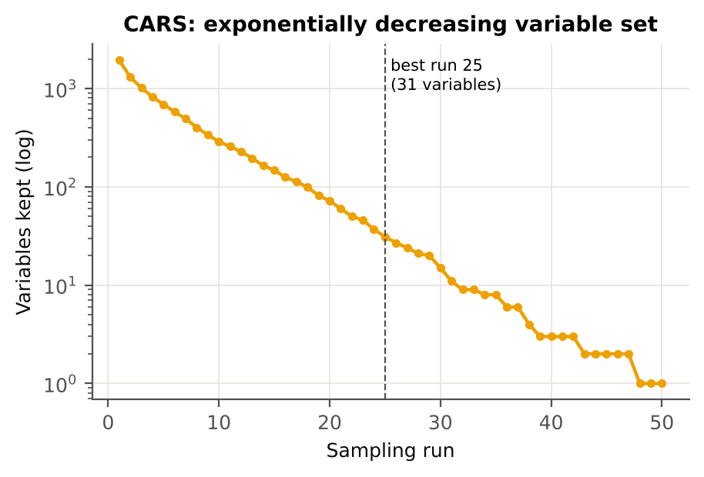

Best sampling run 25 of 50 with 31 variables (inner-CV PLS-DA BA 91.6 %).
Variables retained per run
Run | Variables kept
1 | 1935
2 | 1307
3 | 1014
4 | 824
5 | 689
6 | 580
7 | 492
8 | 402
9 | 337
10 | 289
11 | 257
12 | 228
13 | 196
14 | 164
15 | 148
16 | 125
17 | 113
18 | 99
19 | 82
20 | 72
21 | 60
22 | 50
23 | 46
24 | 37
25 | 31
26 | 27
27 | 24
28 | 21
29 | 20
30 | 15
31 | 11
32 | 9
33 | 9
34 | 8
35 | 8
36 | 6
37 | 6
38 | 4
39 | 3
40 | 3
41 | 3
42 | 3
43 | 2
44 | 2
45 | 2
46 | 2
47 | 2
48 | 1
49 | 1
50 | 1

Variables in the selected CARS subset (first 60)
Feature
CR3 water 970 width
CR6 water 1940 position
ARI
D1_400
D1_435
D1_453
D1_473
D1_477
D1_979
D1_982
D1_983
D1_1060
D1_1186
D1_1244
D1_1412
D1_1421
D1_1723
D1_1748
D1_1749
D1_1791
D1_1931
D1_2135
D1_2165
D1_2168
D1_2205
D1_2304
D1_2305
D1_2306
D1_2328
D1_2329
D1_2488

17_Selected_AllLeaves
Top-10 features of every method chosen on all leaves (redundancy-controlled), J–M and QDA (Das protocol)
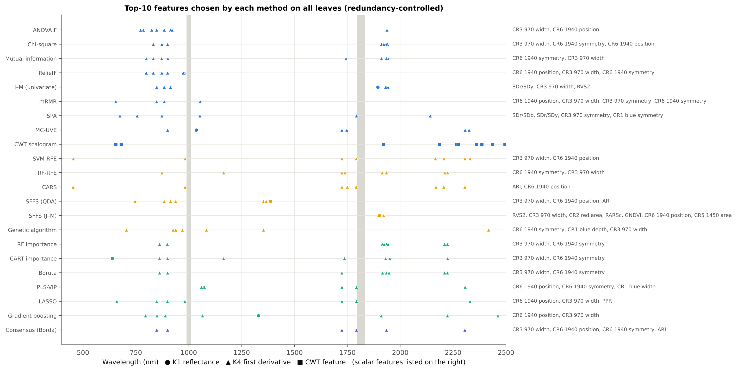

Method | Family | Selected (top-10, redundancy-controlled) | Native subset size | J–M | QDA BA (V1, leaf 10-fold) | Mean |r| within set | Mean AUC | Runtime all leaves (s)
Pearson r | Filter | D1_848, D1_884, CR3 water 970 width, D1_825, CR6 water 1940 position, D1_913, D1_920, D1_785, D1_1937, D1_772 |  | 1.267 | 82.0% | 0.65 | 0.733
ANOVA F | Filter | D1_848, D1_884, CR3 water 970 width, D1_825, CR6 water 1940 position, D1_913, D1_920, D1_785, D1_1937, D1_772 |  | 1.267 | 82.0% | 0.65 | 0.733
Fisher score | Filter | D1_848, D1_884, CR3 water 970 width, D1_825, CR6 water 1940 position, D1_913, D1_920, D1_785, D1_1937, D1_772 |  | 1.267 | 82.0% | 0.65 | 0.733
Chi-square | Filter | CR3 water 970 width, D1_872, CR6 water 1940 symmetry, D1_1911, D1_1939, D1_832, CR6 water 1940 position, D1_899, D1_1933, D1_1922 |  | 1.452 | 77.6% | 0.55 | 0.728 | 1.6
Mutual information | Filter | D1_871, D1_1911, D1_1942, D1_901, D1_832, D1_1934, CR6 water 1940 symmetry, D1_1743, D1_799, CR3 water 970 width |  | 1.445 | 80.4% | 0.54 | 0.728 | 33.2
ReliefF | Filter | CR6 water 1940 position, CR3 water 970 width, CR6 water 1940 symmetry, D1_872, D1_981, D1_977, D1_899, D1_798, D1_973, D1_832 |  | 1.205 | 87.4% | 0.55 | 0.707 | 6.5
J–M (univariate) | Filter | SDr/SDy, CR3 water 970 width, R1894, D1_1934, RVS2, D1_884, D1_848, D1_1941, D1_913, D1_1931 |  | 1.754 | 71.7% | 0.57 | 0.709
mRMR | Filter | D1_848, D1_1053, CR6 water 1940 position, CR3 water 970 width, D1_655, CR3 water 970 symmetry, CR6 water 1940 symmetry, D1_884 |  | 0.917 | 75.5% | 0.27 | 0.679 | 0.3
SPA | Filter | D1_873, D1_2141, D1_674, SDr/SDb, D1_1052, SDr/SDy, D1_756, D1_1792, CR3 water 970 symmetry, CR1 blue symmetry | 20 | 1.728 | 68.3% | 0.10 | 0.586 | 21.7
MC-UVE | Filter | D1_1744, D1_1725, D1_2305, D1_2304, D1_2306, D1_1724, D1_899, D1_1747, D1_2324, R1035 | 1760 | 1.281 | 83.0% | 0.45 | 0.575 | 34.9
CWT scalogram | Filter | CWT s8 2385, CWT s8 2265, CWT s2 1920, CWT s32 2435, CWT s16 2360, CWT s4 655, CWT s2 2495, CWT s16 2275, CWT s2 680, CWT s8 2185 |  | 1.168 | 65.7% | 0.60 | 0.670 | 0.3
SVM-RFE | Wrapper | CR3 water 970 width, CR6 water 1940 position, D1_454, D1_2329, D1_2305, D1_982, D1_1791, D1_1724, D1_2166, D1_2206 |  | 1.558 | 87.5% | 0.35 | 0.592 | 39.2
RF-RFE | Wrapper | D1_872, CR6 water 1940 symmetry, D1_1164, CR3 water 970 width, D1_1914, D1_2210, D1_1934, D1_2224, D1_1738, D1_1724 |  | 1.500 | 78.4% | 0.40 | 0.655 | 82.6
CARS | Wrapper | D1_2205, ARI, D1_1723, D1_1749, D1_453, D1_982, D1_2305, D1_2168, CR6 water 1940 position, D1_1791 | 31 | 1.576 | 89.3% | 0.41 | 0.589 | 6.9
SFFS (QDA) | Wrapper | CR3 water 970 width, D1_938, CR6 water 1940 position, R1386, ARI, D1_884, D1_913, D1_745, D1_1353, D1_1365 | 18 | 1.434 | 91.0% | 0.51 | 0.665 | 7.6
SFFS (J–M) | Wrapper | RVS2, CR3 water 970 width, CR2 red area, RARSc, GNDVI, CR6 water 1940 position, D1_1921, CR5 water 1450 area, D1_1894, R1901 | 20 | 1.802 | 73.0% | 0.58 | 0.667 | 3.5
Genetic algorithm | Wrapper | CR6 water 1940 symmetry, D1_1353, CR1 blue depth, D1_2417, CR3 water 970 width, D1_926, D1_1083, D1_938, D1_970, D1_705 | 14 | 1.233 | 86.1% | 0.50 | 0.649 | 5.5
RF importance | Embedded | CR3 water 970 width, D1_861, D1_1915, D1_1934, CR6 water 1940 symmetry, D1_898, D1_2222, D1_1923, D1_1942, D1_2209 |  | 1.434 | 75.0% | 0.44 | 0.705 | 17.4
CART importance | Embedded | D1_861, CR3 water 970 width, CR6 water 1940 symmetry, D1_1164, D1_1950, D1_900, D1_1736, D1_1931, R639, D1_2224 | 11 | 1.426 | 78.2% | 0.41 | 0.674 | 119.9
Boruta | Embedded | CR3 water 970 width, D1_861, CR6 water 1940 symmetry, D1_1916, D1_1934, D1_2223, D1_2209, D1_899, D1_1946, D1_1724 | 192 | 1.508 | 78.5% | 0.43 | 0.688 | 516.3
PLS-VIP | Embedded | CR6 water 1940 position, D1_2305, CR6 water 1940 symmetry, D1_1070, CR1 blue width, D1_1792, D1_1724, D1_2306, D1_1073, D1_1060 | 1349 | 0.973 | 75.9% | 0.26 | 0.582 | 37.6
LASSO | Embedded | CR6 water 1940 position, CR3 water 970 width, D1_848, D1_1724, D1_2330, D1_1792, D1_898, PPR, D1_981, D1_660 | 127 | 1.375 | 87.1% | 0.30 | 0.643 | 21.1
Gradient boosting | Embedded | D1_849, D1_795, D1_2222, D1_1909, D1_888, CR6 water 1940 position, CR3 water 970 width, R1330, D1_2461, D1_1064 |  | 1.470 | 83.1% | 0.40 | 0.673 | 5.2
Consensus (Borda) | Ensemble | CR3 water 970 width, CR6 water 1940 position, CR6 water 1940 symmetry, D1_1934, D1_848, D1_1724, D1_2305, D1_1792, ARI, D1_899 |  | 1.494 | 85.9% | 0.36 | 0.671

QDA BA (V1) uses the set chosen on all leaves and leaf-level folds — the protocol of Das et al. (2020), optimistic. The honest comparison is on sheet 18.

18_Accuracy
Accuracy of the selected features on held-out plots (mean of 20 units)
Selection inside each training set; QDA/LDA/RF trained on the training leaves with the selected features; balanced accuracy on the test leaves.
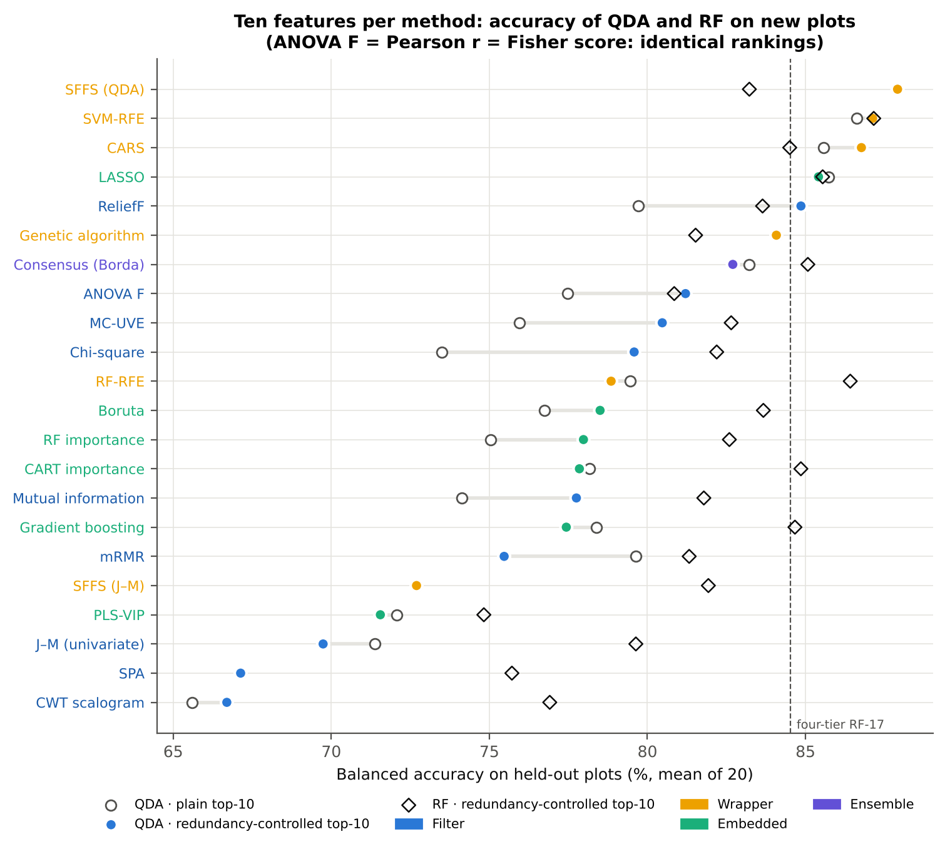

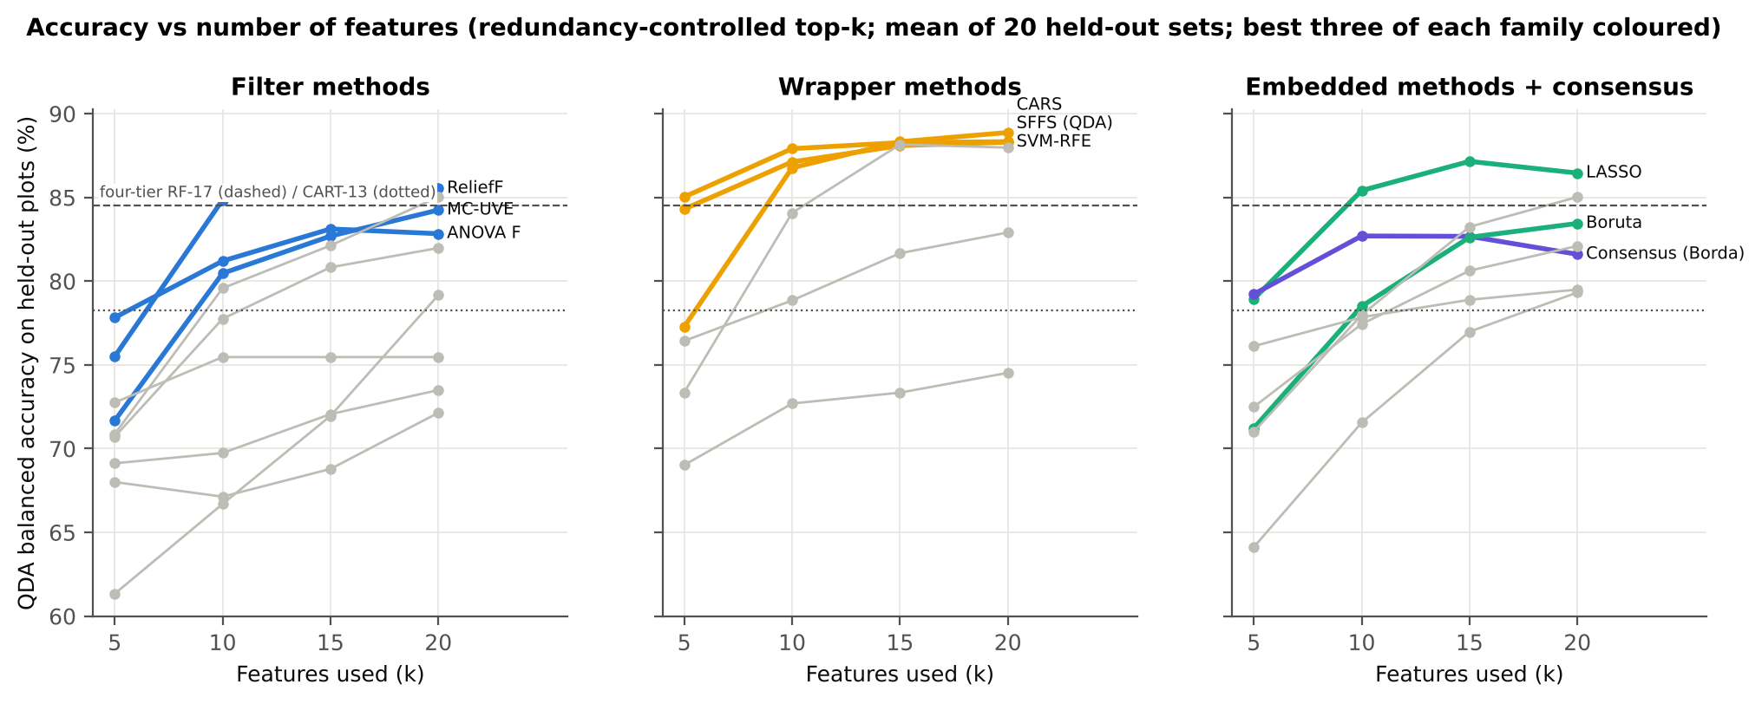

With 10 features, SFFS (QDA) reaches 87.9 %, SVM-RFE 87.1 %, CARS 86.8 %, LASSO 85.4 %, ReliefF 84.9 % and the genetic algorithm 84.1 % (QDA balanced accuracy, mean of 20 held-out sets).
Univariate filters stay at 78–81 % (ANOVA F 81.2 %, χ² 79.6 %, MI 77.8 %), as do the tree importances (RF 78.0 %, CART 77.8 %, gradient boosting 77.4 %) and Boruta (78.5 %). PLS-VIP, univariate J–M, SPA and the CWT scalogram fall to 67–72 %.
With a Random Forest instead of QDA the differences shrink (75–87 %). The best RF results are on the SVM-RFE (87.2 %), RF-RFE (86.4 %) and LASSO (85.5 %) features.
Accuracy rises from 5 to 15 features and then levels off (SFFS 85.0 → 87.9 → 88.3 → 88.3 %; CARS 77.3 → 86.8 → 88.3 → 88.9 %). SFFS and SVM-RFE already exceed 84 % with five features; 10–15 features are enough.
Redundancy-controlled top-k
Method | Family | QDA BA k = 5 | QDA BA k = 10 | QDA BA k = 15 | QDA BA k = 20 | SD k = 10 | LDA BA k = 10 | RF BA k = 10 | AUC QDA k = 10 | QDA k = 10 (Excel, from sheet 19)
SFFS (QDA) | Wrapper | 85.0% | 87.9% | 88.3% | 88.3% | 2.8% | 80.4% | 83.2% | 0.950 | 87.9%
SVM-RFE | Wrapper | 84.3% | 87.1% | 88.1% | 88.3% | 3.6% | 89.0% | 87.2% | 0.948 | 87.1%
CARS | Wrapper | 77.3% | 86.8% | 88.3% | 88.9% | 2.6% | 87.2% | 84.5% | 0.946 | 86.8%
LASSO | Embedded | 78.9% | 85.4% | 87.2% | 86.5% | 3.1% | 85.8% | 85.5% | 0.934 | 85.4%
ReliefF | Filter | 75.5% | 84.9% | 85.5% | 85.5% | 2.1% | 81.5% | 83.6% | 0.926 | 84.9%
Genetic algorithm | Wrapper | 73.4% | 84.1% | 88.2% | 88.0% | 3.3% | 79.7% | 81.5% | 0.923 | 84.1%
Consensus (Borda) | Ensemble | 79.2% | 82.7% | 82.7% | 81.6% | 4.2% | 84.1% | 85.1% | 0.923 | 82.7%
Fisher score | Filter | 77.8% | 81.2% | 83.1% | 82.8% | 3.5% | 79.2% | 80.8% | 0.907 | 81.2%
ANOVA F | Filter | 77.8% | 81.2% | 83.1% | 82.8% | 3.5% | 79.2% | 80.8% | 0.907 | 81.2%
Pearson r | Filter | 77.8% | 81.2% | 83.1% | 82.8% | 3.5% | 79.2% | 80.8% | 0.907 | 81.2%
MC-UVE | Filter | 71.7% | 80.5% | 82.7% | 84.2% | 3.9% | 82.4% | 82.6% | 0.902 | 80.5%
Chi-square | Filter | 70.9% | 79.6% | 82.1% | 85.0% | 4.1% | 75.3% | 82.2% | 0.896 | 79.6%
RF-RFE | Wrapper | 76.4% | 78.9% | 81.7% | 82.9% | 3.5% | 83.9% | 86.4% | 0.908 | 78.9%
Boruta | Embedded | 71.2% | 78.5% | 82.6% | 83.4% | 3.9% | 80.9% | 83.7% | 0.897 | 78.5%
RF importance | Embedded | 71.0% | 78.0% | 83.2% | 85.0% | 3.4% | 76.1% | 82.6% | 0.888 | 78.0%
CART importance | Embedded | 76.1% | 77.8% | 78.9% | 79.5% | 4.0% | 79.1% | 84.9% | 0.888 | 77.8%
Mutual information | Filter | 70.7% | 77.8% | 80.8% | 82.0% | 4.0% | 76.5% | 81.8% | 0.888 | 77.8%
Gradient boosting | Embedded | 72.5% | 77.4% | 80.6% | 82.1% | 4.1% | 78.0% | 84.7% | 0.887 | 77.4%
mRMR | Filter | 72.8% | 75.5% | 75.5% | 75.5% | 2.5% | 76.6% | 81.3% | 0.849 | 75.5%
SFFS (J–M) | Wrapper | 69.0% | 72.7% | 73.3% | 74.5% | 3.4% | 77.6% | 81.9% | 0.874 | 72.7%
PLS-VIP | Embedded | 64.1% | 71.6% | 77.0% | 79.3% | 5.9% | 74.0% | 74.8% | 0.821 | 71.6%
J–M (univariate) | Filter | 69.1% | 69.7% | 72.1% | 73.5% | 2.5% | 74.1% | 79.6% | 0.840 | 69.7%
SPA | Filter | 68.0% | 67.1% | 68.8% | 72.1% | 4.0% | 72.7% | 75.7% | 0.788 | 67.1%
CWT scalogram | Filter | 61.3% | 66.7% | 72.0% | 79.2% | 5.5% | 68.1% | 76.9% | 0.748 | 66.7%

Four-tier reference (Part C, same 20 units) | QDA BA | SD
Four-tier CART-13 (Part C) | 78.3% | 5.1%
Four-tier RF-17 (Part C) | 84.5% | 3.1%

Plain top-k (no redundancy control)
Method | QDA BA k = 5 | QDA BA k = 10 | QDA BA k = 15 | QDA BA k = 20
ANOVA F | 72.7% | 77.5% | 78.7% | 78.7%
Boruta | 71.9% | 76.7% | 80.3% | 82.0%
CARS | 76.3% | 85.6% | 87.8% | 89.0%
CART importance | 76.1% | 78.2% | 79.5% | 80.1%
CWT scalogram | 61.3% | 65.6% | 71.0% | 77.4%
Chi-square | 69.5% | 73.5% | 77.4% | 78.9%
Consensus (Borda) | 79.2% | 83.2% | 84.1% | 84.7%
Fisher score | 72.7% | 77.5% | 78.7% | 78.7%
Genetic algorithm | 73.4% | 84.1% | 88.2% | 88.0%
Gradient boosting | 71.3% | 78.4% | 81.1% | 83.5%
J–M (univariate) | 70.7% | 71.4% | 73.3% | 74.2%
LASSO | 78.5% | 85.7% | 86.4% | 86.9%
MC-UVE | 69.9% | 75.9% | 80.0% | 82.0%
Mutual information | 69.3% | 74.1% | 77.8% | 81.3%
PLS-VIP | 63.8% | 72.1% | 76.7% | 77.7%
Pearson r | 72.7% | 77.5% | 78.7% | 78.7%
RF importance | 71.1% | 75.0% | 79.2% | 81.8%
RF-RFE | 76.7% | 79.5% | 81.8% | 83.3%
ReliefF | 74.9% | 79.7% | 82.8% | 84.5%
SFFS (J–M) | 69.0% | 72.7% | 73.3% | 74.5%
SFFS (QDA) | 85.0% | 87.9% | 88.3% | 88.3%
SPA | 68.0% | 67.1% | 68.8% | 72.1%
SVM-RFE | 84.3% | 86.6% | 88.0% | 88.5%
mRMR | 73.2% | 79.6% | 82.7% | 83.9%

21_Redundancy_Control
Does removing near-duplicate features help? Plain vs redundancy-controlled top-10
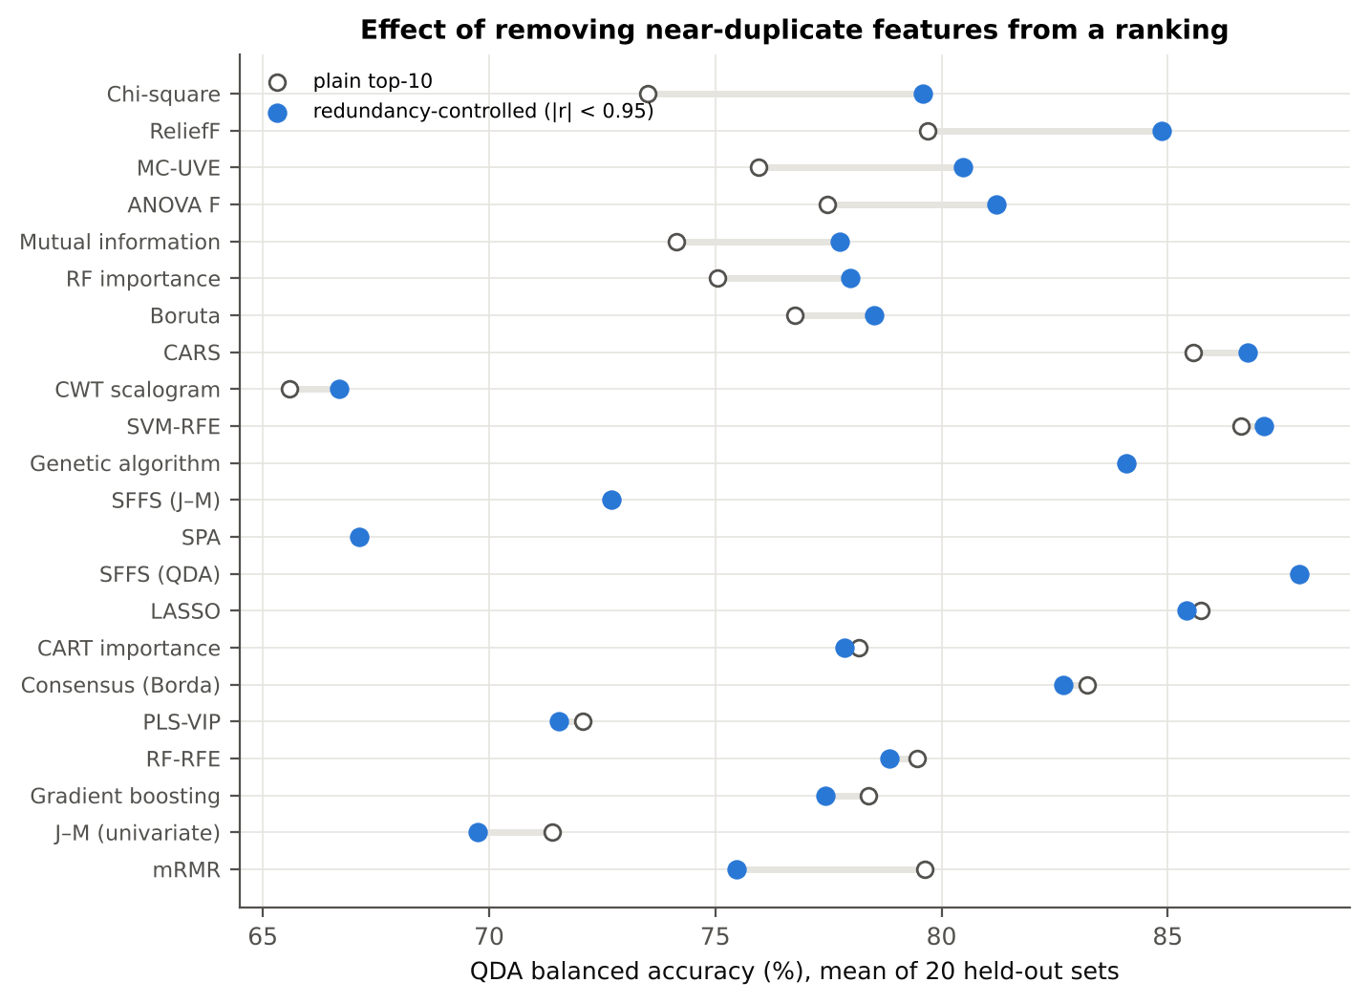

Top-ranked features of a univariate ranking are neighbouring bands of the same region (e.g. D1_848–D1_920) and carry almost the same information.
Skipping a feature correlated |r| ≥ 0.95 with one already chosen raised accuracy for χ² (+6.1 points), ReliefF (+5.2), MC-UVE (+4.5), ANOVA F (+3.7), mutual information (+3.6) and RF importance (+2.9).
Methods that already handle redundancy (SFFS, GA, SPA, CARS, LASSO) gain nothing. This agrees with Wei et al. (2021), where a minimum distance between selected wavelengths improved disease classification.
Method | Plain top-10 | Redundancy-controlled top-10 | Difference
ANOVA F | 77.5% | 81.2% | 3.7%
Boruta | 76.7% | 78.5% | 1.8%
CARS | 85.6% | 86.8% | 1.2%
CART importance | 78.2% | 77.8% | -0.3%
CWT scalogram | 65.6% | 66.7% | 1.1%
Chi-square | 73.5% | 79.6% | 6.1%
Consensus (Borda) | 83.2% | 82.7% | -0.5%
Fisher score | 77.5% | 81.2% | 3.7%
Genetic algorithm | 84.1% | 84.1% | 0.0%
Gradient boosting | 78.4% | 77.4% | -0.9%
J–M (univariate) | 71.4% | 69.7% | -1.6%
LASSO | 85.7% | 85.4% | -0.3%
MC-UVE | 75.9% | 80.5% | 4.5%
Mutual information | 74.1% | 77.8% | 3.6%
PLS-VIP | 72.1% | 71.6% | -0.5%
Pearson r | 77.5% | 81.2% | 3.7%
RF importance | 75.0% | 78.0% | 2.9%
RF-RFE | 79.5% | 78.9% | -0.6%
ReliefF | 79.7% | 84.9% | 5.2%
SFFS (J–M) | 72.7% | 72.7% | 0.0%
SFFS (QDA) | 87.9% | 87.9% | 0.0%
SPA | 67.1% | 67.1% | 0.0%
SVM-RFE | 86.6% | 87.1% | 0.5%
mRMR | 79.6% | 75.5% | -4.2%

22_Stability
Stability of the selections over the 20 training sets (k = 10)
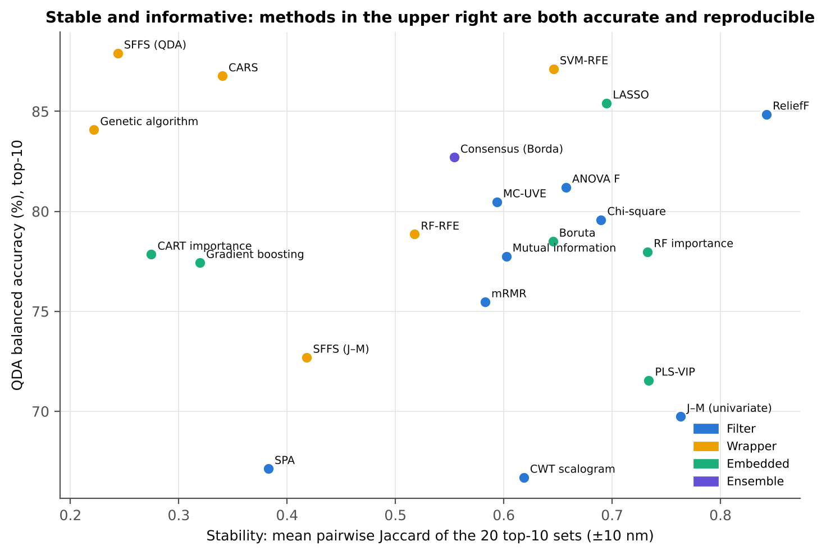

Accuracy and stability trade off. Filters and penalised or importance-based methods are stable (ReliefF 0.84, univariate J–M 0.76, RF importance 0.73, LASSO 0.70, χ² 0.69, SVM-RFE 0.65); search-based wrappers are not (CARS 0.34, SFFS 0.24, GA 0.22) because many equally good feature combinations exist in collinear spectra.
Method | Family | Guard | Lists | Kuncheva index | Jaccard (exact) | Jaccard (±10 nm) | SD Jaccard (±10 nm)
Pearson r | Filter | no | 20 | 0.671 | 0.554 | 0.814 | 0.185
Pearson r | Filter | yes | 20 | 0.409 | 0.274 | 0.657 | 0.192
ANOVA F | Filter | no | 20 | 0.671 | 0.554 | 0.814 | 0.185
ANOVA F | Filter | yes | 20 | 0.409 | 0.274 | 0.657 | 0.192
Fisher score | Filter | no | 20 | 0.671 | 0.554 | 0.814 | 0.185
Fisher score | Filter | yes | 20 | 0.409 | 0.274 | 0.657 | 0.192
Chi-square | Filter | no | 20 | 0.411 | 0.289 | 0.551 | 0.324
Chi-square | Filter | yes | 20 | 0.480 | 0.333 | 0.690 | 0.140
Mutual information | Filter | no | 20 | 0.402 | 0.267 | 0.693 | 0.219
Mutual information | Filter | yes | 20 | 0.331 | 0.209 | 0.602 | 0.140
ReliefF | Filter | no | 20 | 0.557 | 0.420 | 0.546 | 0.314
ReliefF | Filter | yes | 20 | 0.637 | 0.488 | 0.842 | 0.104
J–M (univariate) | Filter | no | 20 | 0.660 | 0.543 | 0.747 | 0.322
J–M (univariate) | Filter | yes | 20 | 0.594 | 0.437 | 0.763 | 0.171
mRMR | Filter | no | 20 | 0.593 | 0.437 | 0.618 | 0.138
mRMR | Filter | yes | 20 | 0.532 | 0.392 | 0.583 | 0.129
SPA | Filter | no | 20 | 0.421 | 0.272 | 0.383 | 0.142
SPA | Filter | yes | 20 | 0.421 | 0.272 | 0.383 | 0.142
MC-UVE | Filter | no | 20 | 0.327 | 0.221 | 0.378 | 0.262
MC-UVE | Filter | yes | 20 | 0.467 | 0.317 | 0.594 | 0.127
CWT scalogram | Filter | no | 20 | 0.766 | 0.637 | 0.637 | 0.160
CWT scalogram | Filter | yes | 20 | 0.752 | 0.618 | 0.618 | 0.159
SVM-RFE | Wrapper | no | 20 | 0.565 | 0.406 | 0.636 | 0.178
SVM-RFE | Wrapper | yes | 20 | 0.564 | 0.406 | 0.646 | 0.158
RF-RFE | Wrapper | no | 20 | 0.422 | 0.281 | 0.638 | 0.171
RF-RFE | Wrapper | yes | 20 | 0.368 | 0.237 | 0.518 | 0.146
CARS | Wrapper | no | 20 | 0.157 | 0.091 | 0.322 | 0.158
CARS | Wrapper | yes | 20 | 0.181 | 0.105 | 0.340 | 0.133
SFFS (QDA) | Wrapper | no | 20 | 0.279 | 0.169 | 0.244 | 0.105
SFFS (QDA) | Wrapper | yes | 20 | 0.279 | 0.169 | 0.244 | 0.105
SFFS (J–M) | Wrapper | no | 20 | 0.459 | 0.307 | 0.418 | 0.156
SFFS (J–M) | Wrapper | yes | 20 | 0.459 | 0.307 | 0.418 | 0.156
Genetic algorithm | Wrapper | no | 20 | 0.200 | 0.117 | 0.222 | 0.107
Genetic algorithm | Wrapper | yes | 20 | 0.200 | 0.117 | 0.222 | 0.107
RF importance | Embedded | no | 20 | 0.568 | 0.406 | 0.785 | 0.116
RF importance | Embedded | yes | 20 | 0.533 | 0.378 | 0.733 | 0.093
CART importance | Embedded | no | 20 | 0.210 | 0.122 | 0.283 | 0.148
CART importance | Embedded | yes | 20 | 0.206 | 0.122 | 0.275 | 0.149
Boruta | Embedded | no | 20 | 0.592 | 0.443 | 0.774 | 0.249
Boruta | Embedded | yes | 20 | 0.474 | 0.321 | 0.645 | 0.157
PLS-VIP | Embedded | no | 20 | 0.682 | 0.542 | 0.715 | 0.213
PLS-VIP | Embedded | yes | 20 | 0.647 | 0.493 | 0.734 | 0.155
LASSO | Embedded | no | 20 | 0.681 | 0.530 | 0.641 | 0.146
LASSO | Embedded | yes | 20 | 0.728 | 0.583 | 0.695 | 0.126
Gradient boosting | Embedded | no | 20 | 0.118 | 0.069 | 0.466 | 0.145
Gradient boosting | Embedded | yes | 20 | 0.105 | 0.060 | 0.320 | 0.121
Consensus (Borda) | Ensemble | no | 20 | 0.650 | 0.491 | 0.551 | 0.117
Consensus (Borda) | Ensemble | yes | 20 | 0.654 | 0.500 | 0.554 | 0.141
Kuncheva index: 0 = chance overlap, 1 = identical lists (corrected for chance). Jaccard (±10 nm): a feature of the same spectral series within 10 nm counts as the same (neighbouring bands carry the same information).

23_Statistical_Tests
Is the difference between methods real? Friedman, Nemenyi and Wilcoxon–Holm (QDA, top-10, redundancy-controlled)

Statistic | Value
Methods compared (k) | 22
Units (N) | 20
Friedman χ² | 333.44
p | 4.714E-58
q(0.05, k, ∞)/√2 | 3.5929
Nemenyi critical difference (mean rank) | 7.3779
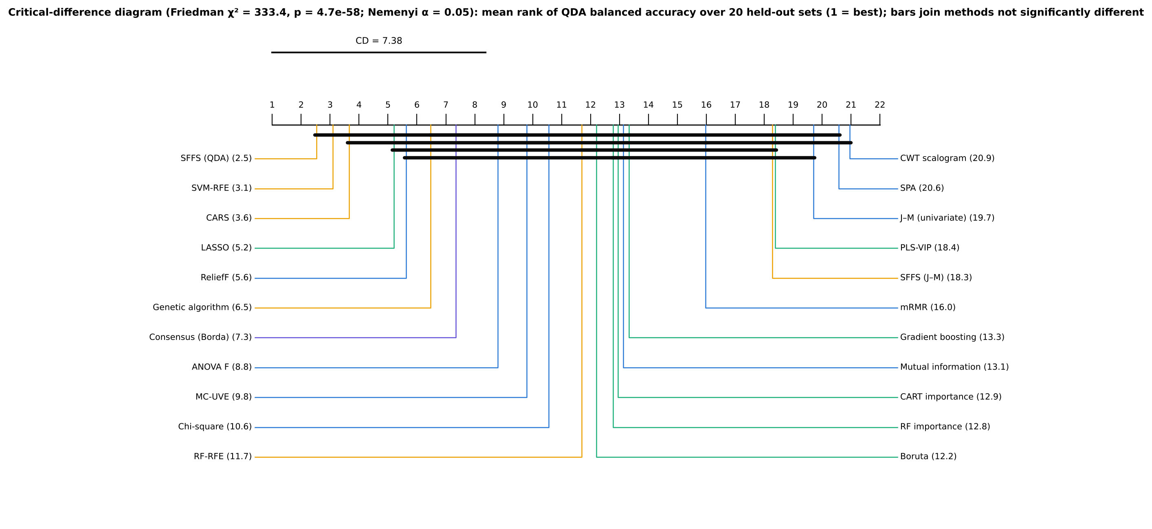
Best mean BA | SFFS (QDA)

Friedman test across the 22 distinct methods and 20 units: χ² = 333.4, p = 4.7 × 10⁻⁵⁸; Nemenyi critical difference 7.4 ranks.
SFFS (QDA), SVM-RFE and CARS are not significantly different (Holm p = 0.55). Every other method is significantly less accurate than SFFS (Holm p ≤ 0.003).
Mean rank over the 20 units (1 = best)
Method | Mean rank
SFFS (QDA) | 2.53
SVM-RFE | 3.10
CARS | 3.65
LASSO | 5.20
ReliefF | 5.63
Genetic algorithm | 6.48
Consensus (Borda) | 7.35
ANOVA F | 8.80
MC-UVE | 9.80
Chi-square | 10.55
RF-RFE | 11.70
Boruta | 12.20
RF importance | 12.78
CART importance | 12.95
Mutual information | 13.13
Gradient boosting | 13.33
mRMR | 15.98
SFFS (J–M) | 18.28
PLS-VIP | 18.38
J–M (univariate) | 19.70
SPA | 20.58
CWT scalogram | 20.95

Paired Wilcoxon tests: SFFS (QDA) vs every other method
Best | Other | Mean difference | Best better | Other better | p | Holm p | Significant (Holm 0.05)
SFFS (QDA) | Chi-square | 8.3% | 20 | 0 | 1.9E-06 | 4.0E-05 | yes
SFFS (QDA) | Mutual information | 10.2% | 20 | 0 | 1.9E-06 | 4.0E-05 | yes
SFFS (QDA) | mRMR | 12.4% | 20 | 0 | 1.9E-06 | 4.0E-05 | yes
SFFS (QDA) | J–M (univariate) | 18.2% | 20 | 0 | 1.9E-06 | 4.0E-05 | yes
SFFS (QDA) | SPA | 20.8% | 20 | 0 | 1.9E-06 | 4.0E-05 | yes
SFFS (QDA) | RF importance | 9.9% | 20 | 0 | 1.9E-06 | 4.0E-05 | yes
SFFS (QDA) | RF-RFE | 9.1% | 20 | 0 | 1.9E-06 | 4.0E-05 | yes
SFFS (QDA) | CWT scalogram | 21.2% | 20 | 0 | 1.9E-06 | 4.0E-05 | yes
SFFS (QDA) | CART importance | 10.1% | 20 | 0 | 1.9E-06 | 4.0E-05 | yes
SFFS (QDA) | SFFS (J–M) | 15.2% | 20 | 0 | 1.9E-06 | 4.0E-05 | yes
SFFS (QDA) | Gradient boosting | 10.5% | 20 | 0 | 1.9E-06 | 4.0E-05 | yes
SFFS (QDA) | PLS-VIP | 16.4% | 20 | 0 | 1.9E-06 | 4.0E-05 | yes
SFFS (QDA) | ANOVA F | 6.7% | 19 | 1 | 3.8E-06 | 4.0E-05 | yes
SFFS (QDA) | Boruta | 9.4% | 19 | 1 | 3.8E-06 | 4.0E-05 | yes
SFFS (QDA) | Consensus (Borda) | 5.2% | 19 | 1 | 2.7E-05 | 1.9E-04 | yes
SFFS (QDA) | MC-UVE | 7.4% | 19 | 0 | 1.3E-04 | 7.9E-04 | yes
SFFS (QDA) | LASSO | 2.5% | 17 | 3 | 3.2E-04 | 1.6E-03 | yes
SFFS (QDA) | Genetic algorithm | 3.8% | 18 | 2 | 3.9E-04 | 1.6E-03 | yes
SFFS (QDA) | ReliefF | 3.1% | 16 | 4 | 1.0E-03 | 3.0E-03 | yes
SFFS (QDA) | SVM-RFE | 0.8% | 11 | 9 | 2.8E-01 | 5.5E-01 | no
SFFS (QDA) | CARS | 1.1% | 11 | 9 | 4.3E-01 | 5.5E-01 | no

Balanced-accuracy matrix (units × methods) used by the tests
Unit | ANOVA F | Chi-square | Mutual information | ReliefF | J–M (univariate) | mRMR | SPA | MC-UVE | CWT scalogram | SVM-RFE | RF-RFE | CARS | SFFS (QDA) | SFFS (J–M) | Genetic algorithm | RF importance | CART importance | Boruta | PLS-VIP | LASSO | Gradient boosting | Consensus (Borda)
V3_0 | 81.4% | 84.0% | 73.5% | 85.8% | 72.1% | 77.3% | 69.5% | 84.3% | 63.8% | 89.8% | 80.3% | 89.9% | 87.8% | 71.6% | 81.0% | 79.5% | 79.7% | 78.4% | 79.5% | 88.7% | 79.8% | 86.0%
V3_1 | 76.9% | 79.8% | 82.1% | 81.8% | 68.3% | 74.6% | 59.9% | 80.7% | 61.8% | 81.8% | 76.0% | 87.9% | 86.4% | 69.5% | 77.7% | 77.8% | 81.3% | 75.4% | 67.7% | 78.3% | 78.7% | 74.7%
V3_2 | 85.6% | 85.5% | 84.5% | 83.8% | 72.6% | 79.7% | 73.2% | 86.4% | 73.3% | 95.9% | 85.6% | 87.8% | 95.4% | 79.7% | 84.8% | 85.6% | 85.3% | 85.1% | 81.8% | 92.3% | 86.4% | 91.7%
V3_3 | 77.9% | 77.3% | 80.3% | 85.8% | 70.0% | 69.7% | 70.9% | 73.9% | 67.0% | 82.4% | 74.8% | 90.0% | 87.3% | 70.9% | 82.1% | 80.6% | 80.9% | 82.1% | 73.0% | 84.2% | 77.3% | 77.6%
V3_4 | 76.7% | 78.3% | 73.7% | 80.9% | 65.9% | 77.8% | 65.7% | 80.9% | 61.7% | 89.6% | 77.8% | 84.5% | 93.3% | 73.9% | 86.5% | 76.4% | 79.7% | 74.6% | 63.6% | 88.4% | 75.4% | 81.2%
V3_5 | 76.6% | 67.2% | 74.9% | 88.0% | 70.6% | 69.8% | 73.2% | 83.0% | 65.4% | 85.3% | 79.2% | 91.2% | 87.5% | 70.3% | 80.7% | 78.9% | 77.3% | 79.4% | 67.8% | 85.0% | 78.4% | 85.1%
V3_6 | 80.5% | 74.2% | 71.1% | 87.1% | 66.3% | 76.5% | 63.6% | 83.3% | 57.0% | 83.2% | 72.1% | 80.2% | 87.5% | 69.0% | 84.9% | 73.0% | 70.4% | 74.1% | 71.7% | 86.2% | 74.3% | 81.1%
V3_7 | 85.4% | 78.2% | 72.7% | 86.5% | 67.9% | 77.5% | 60.6% | 84.7% | 65.2% | 88.6% | 76.5% | 85.0% | 91.1% | 73.3% | 86.9% | 74.0% | 73.3% | 74.0% | 77.5% | 83.5% | 72.1% | 83.7%
V3_8 | 79.9% | 81.0% | 83.0% | 80.9% | 70.8% | 77.2% | 71.2% | 86.9% | 75.2% | 87.1% | 83.0% | 88.9% | 86.9% | 78.3% | 89.8% | 79.6% | 79.3% | 82.0% | 81.6% | 87.8% | 84.7% | 89.3%
V3_9 | 81.0% | 79.8% | 80.6% | 82.1% | 70.2% | 72.3% | 69.8% | 75.2% | 72.7% | 86.0% | 77.5% | 84.7% | 88.2% | 73.0% | 87.5% | 75.0% | 76.2% | 74.0% | 66.7% | 86.9% | 74.5% | 77.9%
V4_0 | 86.7% | 84.2% | 82.9% | 86.5% | 69.5% | 76.4% | 66.9% | 78.2% | 74.3% | 91.1% | 87.2% | 86.2% | 88.1% | 76.8% | 85.6% | 81.8% | 80.6% | 84.9% | 78.2% | 87.7% | 85.1% | 88.0%
V4_1 | 82.6% | 77.4% | 74.4% | 83.4% | 65.7% | 74.7% | 63.3% | 76.0% | 61.4% | 86.1% | 76.2% | 85.1% | 84.6% | 67.1% | 79.7% | 75.8% | 73.0% | 77.8% | 64.7% | 83.1% | 71.8% | 83.8%
V4_2 | 84.9% | 81.3% | 79.5% | 84.7% | 73.0% | 75.8% | 67.0% | 83.2% | 74.8% | 91.1% | 77.9% | 87.8% | 84.2% | 76.4% | 78.4% | 82.5% | 82.8% | 79.8% | 71.8% | 83.1% | 79.5% | 81.0%
V4_3 | 84.2% | 81.0% | 78.5% | 85.5% | 69.3% | 75.0% | 64.0% | 78.5% | 73.4% | 86.1% | 81.0% | 85.7% | 88.1% | 75.7% | 83.2% | 81.0% | 76.6% | 73.3% | 74.9% | 86.2% | 79.5% | 82.1%
V4_4 | 81.3% | 83.3% | 77.9% | 85.8% | 69.6% | 75.6% | 64.6% | 79.1% | 63.1% | 85.4% | 77.8% | 84.4% | 84.8% | 73.0% | 82.7% | 79.0% | 73.7% | 85.6% | 62.8% | 79.7% | 76.6% | 80.2%
V4_5 | 79.4% | 80.6% | 81.5% | 85.6% | 74.2% | 77.1% | 70.3% | 82.2% | 69.7% | 88.9% | 79.1% | 88.8% | 89.3% | 73.2% | 85.9% | 79.6% | 79.1% | 77.5% | 67.4% | 85.9% | 75.1% | 79.4%
V4_6 | 85.7% | 81.2% | 77.5% | 83.4% | 66.6% | 74.4% | 63.8% | 79.0% | 62.1% | 82.1% | 77.5% | 84.8% | 88.8% | 71.5% | 85.5% | 73.9% | 79.5% | 77.7% | 73.1% | 84.6% | 75.3% | 84.9%
V4_7 | 83.2% | 82.5% | 78.2% | 86.3% | 73.5% | 76.0% | 68.3% | 81.4% | 63.1% | 88.5% | 77.3% | 87.1% | 84.1% | 73.0% | 87.6% | 77.0% | 74.8% | 77.4% | 66.3% | 86.7% | 74.9% | 81.8%
V4_8 | 76.5% | 78.0% | 73.9% | 86.8% | 70.5% | 76.3% | 72.1% | 78.4% | 62.9% | 84.4% | 81.8% | 86.9% | 87.6% | 68.8% | 85.7% | 73.3% | 72.2% | 81.0% | 70.9% | 83.8% | 74.9% | 85.1%
V4_9 | 77.6% | 76.9% | 74.6% | 86.5% | 68.3% | 75.8% | 64.7% | 74.0% | 66.1% | 89.1% | 78.4% | 88.5% | 87.3% | 69.0% | 85.3% | 75.0% | 81.3% | 76.0% | 70.1% | 86.0% | 74.4% | 79.5%

24_Ranking
Composite ranking — which method works best for this dataset?
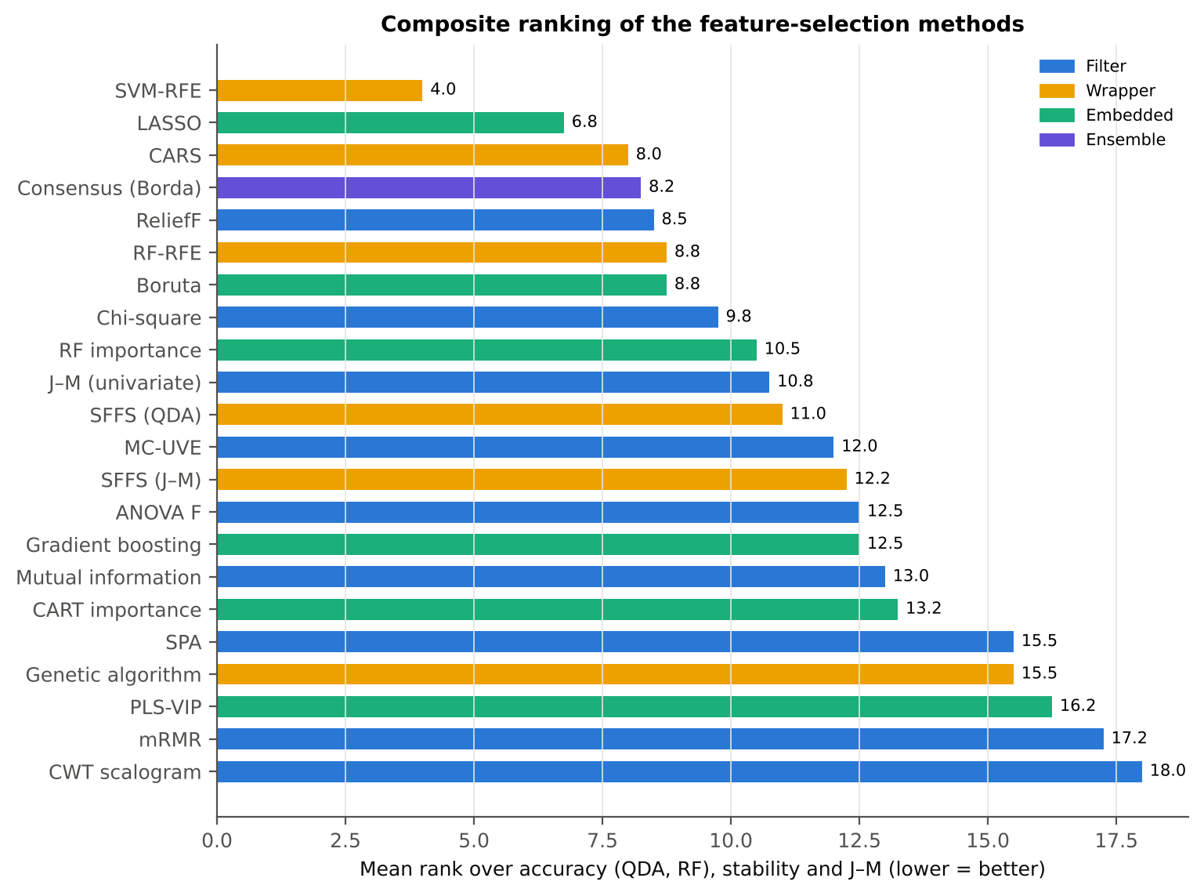

Method | Family | BA QDA (k=10) | BA RF (k=10) | Stability Jaccard (±10 nm) | J–M (all leaves) | Rank QDA (Excel) | Rank RF (Excel) | Rank stability (Excel) | Rank J–M (Excel) | Mean rank (Excel) | Overall (Excel)
SVM-RFE | Wrapper | 87.1% | 87.2% | 0.646 | 1.558 | 2.0 | 1.0 | 8.0 | 5.0 | 4.00 | 1
LASSO | Embedded | 85.4% | 85.5% | 0.695 | 1.375 | 4.0 | 3.0 | 5.0 | 15.0 | 6.75 | 2
CARS | Wrapper | 86.8% | 84.5% | 0.340 | 1.576 | 3.0 | 7.0 | 18.0 | 4.0 | 8.00 | 3
Consensus (Borda) | Ensemble | 82.7% | 85.1% | 0.554 | 1.494 | 7.0 | 4.0 | 14.0 | 8.0 | 8.25 | 4
ReliefF | Filter | 84.9% | 83.6% | 0.842 | 1.205 | 5.0 | 9.0 | 1.0 | 19.0 | 8.50 | 5
Boruta | Embedded | 78.5% | 83.7% | 0.645 | 1.508 | 12.0 | 8.0 | 9.0 | 6.0 | 8.75 | 6
RF-RFE | Wrapper | 78.9% | 86.4% | 0.518 | 1.500 | 11.0 | 2.0 | 15.0 | 7.0 | 8.75 | 6
Chi-square | Filter | 79.6% | 82.2% | 0.690 | 1.452 | 10.0 | 13.0 | 6.0 | 10.0 | 9.75 | 8
RF importance | Embedded | 78.0% | 82.6% | 0.733 | 1.434 | 13.0 | 12.0 | 4.0 | 13.0 | 10.50 | 9
J–M (univariate) | Filter | 69.7% | 79.6% | 0.763 | 1.754 | 20.0 | 19.0 | 2.0 | 2.0 | 10.75 | 10
SFFS (QDA) | Wrapper | 87.9% | 83.2% | 0.244 | 1.434 | 1.0 | 10.0 | 21.0 | 12.0 | 11.00 | 11
MC-UVE | Filter | 80.5% | 82.6% | 0.594 | 1.281 | 9.0 | 11.0 | 12.0 | 16.0 | 12.00 | 12
SFFS (J–M) | Wrapper | 72.7% | 81.9% | 0.418 | 1.802 | 18.0 | 14.0 | 16.0 | 1.0 | 12.25 | 13
Gradient boosting | Embedded | 77.4% | 84.7% | 0.320 | 1.470 | 16.0 | 6.0 | 19.0 | 9.0 | 12.50 | 14
ANOVA F | Filter | 81.2% | 80.8% | 0.657 | 1.267 | 8.0 | 18.0 | 7.0 | 17.0 | 12.50 | 14
Mutual information | Filter | 77.8% | 81.8% | 0.602 | 1.445 | 15.0 | 15.0 | 11.0 | 11.0 | 13.00 | 16
CART importance | Embedded | 77.8% | 84.9% | 0.275 | 1.426 | 14.0 | 5.0 | 20.0 | 14.0 | 13.25 | 17
Genetic algorithm | Wrapper | 84.1% | 81.5% | 0.222 | 1.233 | 6.0 | 16.0 | 22.0 | 18.0 | 15.50 | 18
SPA | Filter | 67.1% | 75.7% | 0.383 | 1.728 | 21.0 | 21.0 | 17.0 | 3.0 | 15.50 | 18
PLS-VIP | Embedded | 71.6% | 74.8% | 0.734 | 0.973 | 19.0 | 22.0 | 3.0 | 21.0 | 16.25 | 20
mRMR | Filter | 75.5% | 81.3% | 0.583 | 0.917 | 17.0 | 17.0 | 13.0 | 22.0 | 17.25 | 21
CWT scalogram | Filter | 66.7% | 76.9% | 0.618 | 1.168 | 22.0 | 20.0 | 10.0 | 20.0 | 18.00 | 22

Ranks with ties averaged (RANK + tie correction); lower mean rank = better. The Python ranking on sheet 01 must match these formulas.
The four-tier analysis of Part C (CART-13: 78.3 %; RF-17: 84.5 % on the same 20 held-out sets) is beaten by SFFS (QDA) (+3.4 points vs RF-17, 15/20 sets, p = 0.001), SVM-RFE (+2.6, p = 0.004) and CARS (+2.3, p = 0.019).
LASSO and ReliefF are equivalent to RF-17 (p = 0.17 and 0.96); Boruta's top-10 is 6.0 points worse (0/20, p < 0.001). Against CART-13 every method in this table except Boruta gains 4–10 points.
Best methods vs the four-tier sets of Part C on the same 20 units (QDA)
Method (top-10) | Four-tier set | Method BA | Four-tier BA | Mean difference | Method better | Four-tier better | Wilcoxon p
SFFS (QDA) | Four-tier CART-13 (Part C) | 87.9% | 78.3% | 9.6% | 19 | 1 | 0.000
SFFS (QDA) | Four-tier RF-17 (Part C) | 87.9% | 84.5% | 3.4% | 15 | 5 | 0.001
SVM-RFE | Four-tier CART-13 (Part C) | 87.1% | 78.3% | 8.9% | 20 | 0 | 0.000
SVM-RFE | Four-tier RF-17 (Part C) | 87.1% | 84.5% | 2.6% | 15 | 5 | 0.004
CARS | Four-tier CART-13 (Part C) | 86.8% | 78.3% | 8.5% | 20 | 0 | 0.000
CARS | Four-tier RF-17 (Part C) | 86.8% | 84.5% | 2.3% | 15 | 5 | 0.019
LASSO | Four-tier CART-13 (Part C) | 85.4% | 78.3% | 7.1% | 19 | 1 | 0.000
LASSO | Four-tier RF-17 (Part C) | 85.4% | 84.5% | 0.9% | 13 | 7 | 0.165
Consensus (Borda) | Four-tier CART-13 (Part C) | 82.7% | 78.3% | 4.4% | 16 | 4 | 0.003
Consensus (Borda) | Four-tier RF-17 (Part C) | 82.7% | 84.5% | -1.8% | 8 | 12 | 0.105
ReliefF | Four-tier CART-13 (Part C) | 84.9% | 78.3% | 6.6% | 18 | 2 | 0.000
ReliefF | Four-tier RF-17 (Part C) | 84.9% | 84.5% | 0.3% | 8 | 12 | 0.956
Boruta | Four-tier CART-13 (Part C) | 78.5% | 78.3% | 0.2% | 12 | 8 | 0.701
Boruta | Four-tier RF-17 (Part C) | 78.5% | 84.5% | -6.0% | 0 | 20 | 0.000

Computing cost (seconds, one CPU core)
Method | Family | Mean seconds per training set | All leaves (s)
Pearson r | Filter
ANOVA F | Filter
Fisher score | Filter
Chi-square | Filter | 1.0 | 1.6
Mutual information | Filter | 28.4 | 33.2
ReliefF | Filter | 3.1 | 6.5
J–M (univariate) | Filter
mRMR | Filter | 0.3 | 0.3
SPA | Filter | 17.0 | 21.7
MC-UVE | Filter | 23.3 | 34.9
CWT scalogram | Filter | 0.3 | 0.3
SVM-RFE | Wrapper | 26.4 | 39.2
RF-RFE | Wrapper | 67.1 | 82.6
CARS | Wrapper | 5.6 | 6.9
SFFS (QDA) | Wrapper | 10.0 | 7.6
SFFS (J–M) | Wrapper | 2.7 | 3.5
Genetic algorithm | Wrapper | 4.9 | 5.5
RF importance | Embedded | 13.8 | 17.4
CART importance | Embedded | 112.0 | 119.9
Boruta | Embedded | 304.0 | 516.3
PLS-VIP | Embedded | 29.6 | 37.6
LASSO | Embedded | 16.7 | 21.1
Gradient boosting | Embedded | 4.0 | 5.2
Consensus (Borda) | Ensemble

Blank = below 0.1 s (Pearson r, ANOVA F, Fisher score and univariate J–M are computed together in one vectorised pass). Per training set (≈ 2000 leaves × 4150 features, one CPU core): univariate filters, χ², mRMR and the CWT scalogram ≤ 1 s; ReliefF 3 s; gradient boosting 4 s; GA 5 s; CARS 6 s; SFFS 10 s; RF importance 14 s; LASSO 17 s; SPA 17 s; MC-UVE 23 s; SVM-RFE 26 s; mutual information 28 s; PLS-VIP 30 s; RF-RFE 67 s; CART (with pruning by inner CV) 112 s; Boruta 304 s. SFFS and the GA are fast here only because they search a pre-filtered pool of 100 non-redundant candidates.

25_Consensus_Features
Stable and informative disease-specific features — agreement between methods

Consensus score = mean, over the 21 distinct methods, of how often the feature (±10 nm) was in the method's top-10 across the 20 training sets.
The width of the 970-nm water feature (CR3) is the most universal disease feature: 17 of 21 methods choose it in at least half of the training sets (consensus 0.78; AUC 0.77; narrower in diseased leaves). Next come the 1940-nm water feature position (0.59; 13 methods; shifted to longer wavelengths in diseased leaves) and symmetry (0.48; 10 methods).
Derivative bands follow: D1_1934 (0.37) and D1_1915 (0.32) on the 1940-nm water band wing, and D1_898 (0.36), D1_848 (0.25), D1_872 and D1_911 across the NIR plateau.
D1_1724, D1_2306 and D1_1792 are weak on their own (AUC < 0.60) but complementary in multivariate sets. D1_1792 and D1_981 lie within 10 nm of a detector join and need caution.
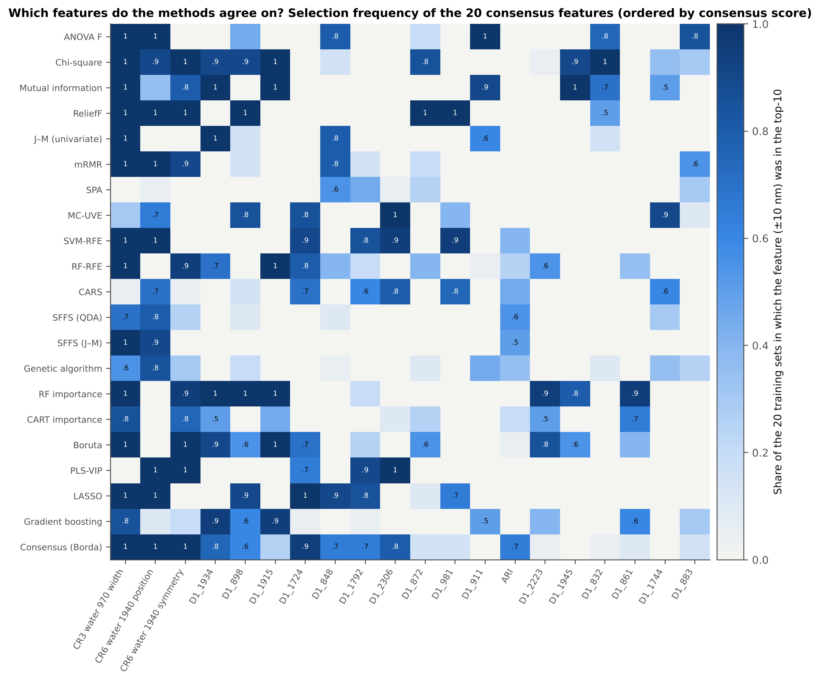
A 10-feature consensus set gives J–M 1.60 and 82.2 % (Das protocol). The honest in-fold Borda consensus reaches 82.7 % on new plots — a consensus is stable and interpretable, but not more accurate than the best single method.

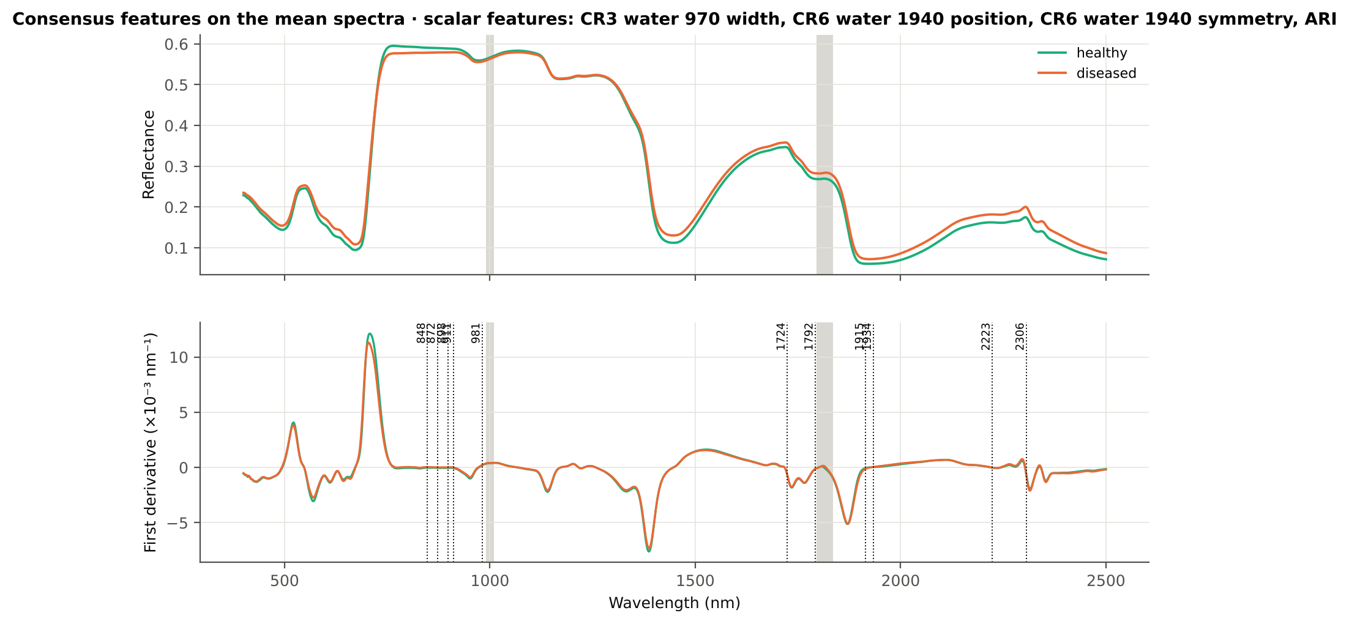

Physiological interpretation
• 970 and 1940 nm: liquid-water absorption. White rust pustules rupture the epidermis and disturb leaf water status, changing the depth, width and shape of the water bands.
• 848–911 nm (first derivative): slope of the NIR plateau, set by mesophyll scattering. Hyphae and pustules alter the internal leaf structure.
• 1724 and 2223–2306 nm: C–H, lignin, cellulose and protein (dry-matter) absorption. These are complementary rather than strong on their own.
• ARI: anthocyanins accumulate in stressed, infected leaves.
Feature | Type | Wavelength (nm) | Consensus score | Methods ≥ 50 % of training sets | AUC | Direction in diseased | Hedges g | Mixed-model q | Note
CR3 water 970 width | K2 continuum removal |  | 0.776 | 17 | 0.765 | lower | -0.82 | 1.5E-07
CR6 water 1940 position | K2 continuum removal |  | 0.586 | 13 | 0.686 | higher | 0.79 | 1.3E-08
CR6 water 1940 symmetry | K2 continuum removal |  | 0.483 | 10 | 0.669 | higher | 0.57 | 2.1E-08
D1_1934 | K4 first-derivative band | 1934 | 0.367 | 9 | 0.754 | higher | 0.64 | 6.7E-07
D1_898 | K4 first-derivative band | 898 | 0.362 | 8 | 0.758 | higher | 0.85 | 2.8E-07
D1_1915 | K4 first-derivative band | 1915 | 0.317 | 6 | 0.701 | lower | -0.60 | 5.4E-07
D1_1724 | K4 first-derivative band | 1724 | 0.314 | 8 | 0.516 | lower | -0.03 | 7.0E-01 | weak on its own (AUC < 0.60): complementary in multivariate sets
D1_848 | K4 first-derivative band | 848 | 0.248 | 6 | 0.785 | higher | 0.90 | 1.3E-07
D1_1792 | K4 first-derivative band | 1792 | 0.245 | 5 | 0.591 | higher | 0.23 | 1.5E-02 | within 10 nm of a detector join — interpret with caution; weak on its own (AUC < 0.60): complementary in multivariate sets
D1_2306 | K4 first-derivative band | 2306 | 0.224 | 5 | 0.563 | lower | -0.21 | 6.5E-03 | weak on its own (AUC < 0.60): complementary in multivariate sets
D1_872 | K4 first-derivative band | 872 | 0.193 | 3 | 0.786 | higher | 0.90 | 2.1E-07
D1_981 | K4 first-derivative band | 981 | 0.186 | 4 | 0.618 | higher | 0.45 | 8.8E-05 | within 10 nm of a detector join — interpret with caution
D1_911 | K4 first-derivative band | 911 | 0.167 | 4 | 0.733 | higher | 0.79 | 4.4E-07
ARI | K3 vegetation index |  | 0.162 | 3 | 0.646 | higher | 0.47 | 1.3E-08
D1_2223 | K4 first-derivative band | 2223 | 0.160 | 4 | 0.639 | higher | 0.26 | 1.4E-04
D1_1945 | K4 first-derivative band | 1945 | 0.155 | 4 | 0.715 | higher | 0.63 | 4.8E-07
D1_832 | K4 first-derivative band | 832 | 0.155 | 4 | 0.759 | higher | 0.84 | 9.5E-08
D1_861 | K4 first-derivative band | 861 | 0.145 | 3 | 0.784 | higher | 0.89 | 2.0E-07
D1_1744 | K4 first-derivative band | 1744 | 0.143 | 3 | 0.646 | higher | 0.28 | 4.6E-05
D1_883 | K4 first-derivative band | 883 | 0.133 | 2 | 0.778 | higher | 0.88 | 5.6E-08
D1_2209 | K4 first-derivative band | 2209 | 0.131 | 3 | 0.592 | higher | 0.26 | 1.1E-04 | weak on its own (AUC < 0.60): complementary in multivariate sets
CR3 water 970 symmetry | K2 continuum removal |  | 0.129 | 2 | 0.589 | higher | 0.37 | 2.9E-04 | weak on its own (AUC < 0.60): complementary in multivariate sets
SDr/SDy | K4 edge parameter |  | 0.110 | 2 | 0.531 | lower | -0.11 | 9.0E-02 | weak on its own (AUC < 0.60): complementary in multivariate sets
D1_1061 | K4 first-derivative band | 1061 | 0.107 | 2 | 0.561 | lower | -0.22 | 8.6E-03 | weak on its own (AUC < 0.60): complementary in multivariate sets
SDr/SDb | K4 edge parameter |  | 0.105 | 3 | 0.539 | lower | -0.03 | 7.0E-01 | weak on its own (AUC < 0.60): complementary in multivariate sets
Consensus score = mean over the 21 distinct methods of the share of the 20 training sets in which the feature (±10 nm) was in the method's redundancy-controlled top-10. One representative per ±10 nm region.

Selection frequency by method
Feature | ANOVA F | Chi-square | Mutual information | ReliefF | J–M (univariate) | mRMR | SPA | MC-UVE | SVM-RFE | RF-RFE | CARS | SFFS (QDA) | SFFS (J–M) | Genetic algorithm | RF importance | CART importance | Boruta | PLS-VIP | LASSO | Gradient boosting | Consensus (Borda) | Consensus score | Methods ≥ 50 %
CR3 water 970 width | 1.00 | 1.00 | 1.00 | 1.00 | 1.00 | 1.00 | 0.00 | 0.30 | 1.00 | 1.00 | 0.05 | 0.70 | 1.00 | 0.55 | 1.00 | 0.85 | 1.00 | 0.00 | 1.00 | 0.85 | 1.00 | 0.78 | 17.00
CR6 water 1940 position | 1.00 | 0.90 | 0.35 | 1.00 | 0.00 | 1.00 | 0.05 | 0.65 | 1.00 | 0.00 | 0.70 | 0.80 | 0.90 | 0.85 | 0.00 | 0.00 | 0.00 | 1.00 | 1.00 | 0.10 | 1.00 | 0.59 | 13.00
CR6 water 1940 symmetry | 0.00 | 1.00 | 0.80 | 1.00 | 0.00 | 0.90 | 0.00 | 0.00 | 0.00 | 0.95 | 0.05 | 0.25 | 0.00 | 0.30 | 0.95 | 0.75 | 1.00 | 1.00 | 0.00 | 0.20 | 1.00 | 0.48 | 10.00
D1_1934 | 0.00 | 0.90 | 1.00 | 0.00 | 1.00 | 0.00 | 0.00 | 0.00 | 0.00 | 0.70 | 0.00 | 0.00 | 0.00 | 0.00 | 1.00 | 0.50 | 0.90 | 0.00 | 0.00 | 0.95 | 0.75 | 0.37 | 9.00
D1_898 | 0.45 | 0.90 | 0.00 | 1.00 | 0.15 | 0.15 | 0.00 | 0.85 | 0.00 | 0.00 | 0.15 | 0.10 | 0.00 | 0.20 | 1.00 | 0.00 | 0.55 | 0.00 | 0.90 | 0.60 | 0.60 | 0.36 | 8.00
D1_1915 | 0.00 | 1.00 | 1.00 | 0.00 | 0.00 | 0.00 | 0.00 | 0.00 | 0.00 | 1.00 | 0.00 | 0.00 | 0.00 | 0.00 | 1.00 | 0.45 | 1.00 | 0.00 | 0.00 | 0.95 | 0.25 | 0.32 | 6.00
D1_1724 | 0.00 | 0.00 | 0.00 | 0.00 | 0.00 | 0.00 | 0.00 | 0.85 | 0.90 | 0.80 | 0.70 | 0.00 | 0.00 | 0.00 | 0.00 | 0.00 | 0.70 | 0.65 | 1.00 | 0.05 | 0.95 | 0.31 | 8.00
D1_848 | 0.80 | 0.15 | 0.00 | 0.00 | 0.80 | 0.80 | 0.55 | 0.00 | 0.00 | 0.40 | 0.00 | 0.10 | 0.00 | 0.05 | 0.00 | 0.00 | 0.00 | 0.00 | 0.90 | 0.00 | 0.65 | 0.25 | 6.00
D1_1792 | 0.00 | 0.00 | 0.00 | 0.00 | 0.00 | 0.15 | 0.45 | 0.00 | 0.85 | 0.20 | 0.60 | 0.00 | 0.00 | 0.00 | 0.20 | 0.00 | 0.25 | 0.90 | 0.85 | 0.05 | 0.65 | 0.25 | 5.00
D1_2306 | 0.00 | 0.00 | 0.00 | 0.00 | 0.00 | 0.00 | 0.05 | 1.00 | 0.95 | 0.00 | 0.80 | 0.00 | 0.00 | 0.00 | 0.00 | 0.10 | 0.00 | 1.00 | 0.00 | 0.00 | 0.80 | 0.22 | 5.00
D1_872 | 0.20 | 0.85 | 0.00 | 1.00 | 0.00 | 0.20 | 0.25 | 0.00 | 0.00 | 0.40 | 0.00 | 0.00 | 0.00 | 0.10 | 0.00 | 0.25 | 0.55 | 0.00 | 0.10 | 0.00 | 0.15 | 0.19 | 3.00
D1_981 | 0.00 | 0.00 | 0.00 | 1.00 | 0.00 | 0.00 | 0.00 | 0.40 | 0.95 | 0.00 | 0.75 | 0.00 | 0.00 | 0.00 | 0.00 | 0.00 | 0.00 | 0.00 | 0.65 | 0.00 | 0.15 | 0.19 | 4.00
D1_911 | 1.00 | 0.00 | 0.90 | 0.00 | 0.60 | 0.00 | 0.00 | 0.00 | 0.00 | 0.05 | 0.00 | 0.00 | 0.00 | 0.45 | 0.00 | 0.00 | 0.00 | 0.00 | 0.00 | 0.50 | 0.00 | 0.17 | 4.00
ARI | 0.00 | 0.00 | 0.00 | 0.00 | 0.00 | 0.00 | 0.00 | 0.00 | 0.40 | 0.25 | 0.45 | 0.55 | 0.50 | 0.35 | 0.00 | 0.20 | 0.05 | 0.00 | 0.00 | 0.00 | 0.65 | 0.16 | 3.00
D1_2223 | 0.00 | 0.05 | 0.00 | 0.00 | 0.00 | 0.00 | 0.00 | 0.00 | 0.00 | 0.55 | 0.00 | 0.00 | 0.00 | 0.00 | 0.95 | 0.50 | 0.85 | 0.00 | 0.00 | 0.40 | 0.05 | 0.16 | 4.00
D1_1945 | 0.00 | 0.90 | 1.00 | 0.00 | 0.00 | 0.00 | 0.00 | 0.00 | 0.00 | 0.00 | 0.00 | 0.00 | 0.00 | 0.00 | 0.80 | 0.00 | 0.55 | 0.00 | 0.00 | 0.00 | 0.00 | 0.15 | 4.00
D1_832 | 0.75 | 1.00 | 0.70 | 0.50 | 0.15 | 0.00 | 0.00 | 0.00 | 0.00 | 0.00 | 0.00 | 0.00 | 0.00 | 0.10 | 0.00 | 0.00 | 0.00 | 0.00 | 0.00 | 0.00 | 0.05 | 0.15 | 4.00
D1_861 | 0.00 | 0.00 | 0.00 | 0.00 | 0.00 | 0.00 | 0.00 | 0.00 | 0.00 | 0.35 | 0.00 | 0.00 | 0.00 | 0.00 | 0.95 | 0.65 | 0.40 | 0.00 | 0.00 | 0.60 | 0.10 | 0.15 | 3.00
D1_1744 | 0.00 | 0.35 | 0.50 | 0.00 | 0.00 | 0.00 | 0.00 | 0.90 | 0.00 | 0.00 | 0.60 | 0.30 | 0.00 | 0.35 | 0.00 | 0.00 | 0.00 | 0.00 | 0.00 | 0.00 | 0.00 | 0.14 | 3.00
D1_883 | 0.85 | 0.30 | 0.00 | 0.00 | 0.00 | 0.55 | 0.30 | 0.10 | 0.00 | 0.00 | 0.00 | 0.00 | 0.00 | 0.25 | 0.00 | 0.00 | 0.00 | 0.00 | 0.00 | 0.30 | 0.15 | 0.13 | 2.00
D1_2209 | 0.00 | 0.00 | 0.00 | 0.00 | 0.00 | 0.00 | 0.00 | 0.10 | 0.00 | 0.80 | 0.00 | 0.00 | 0.00 | 0.00 | 0.60 | 0.25 | 0.80 | 0.00 | 0.00 | 0.20 | 0.00 | 0.13 | 3.00
CR3 water 970 symmetry | 0.00 | 0.00 | 0.00 | 0.00 | 0.00 | 1.00 | 1.00 | 0.00 | 0.00 | 0.00 | 0.00 | 0.00 | 0.00 | 0.20 | 0.00 | 0.00 | 0.00 | 0.00 | 0.25 | 0.00 | 0.25 | 0.13 | 2.00
SDr/SDy | 0.00 | 0.00 | 0.00 | 0.00 | 1.00 | 0.00 | 1.00 | 0.00 | 0.00 | 0.00 | 0.00 | 0.00 | 0.00 | 0.00 | 0.00 | 0.05 | 0.00 | 0.00 | 0.00 | 0.10 | 0.15 | 0.11 | 2.00
D1_1061 | 0.00 | 0.00 | 0.00 | 0.00 | 0.00 | 0.00 | 0.00 | 0.35 | 0.00 | 0.00 | 0.80 | 0.00 | 0.00 | 0.00 | 0.00 | 0.00 | 0.00 | 0.95 | 0.00 | 0.15 | 0.00 | 0.11 | 2.00
SDr/SDb | 0.00 | 0.00 | 0.00 | 0.00 | 0.75 | 0.00 | 0.80 | 0.00 | 0.00 | 0.00 | 0.00 | 0.00 | 0.00 | 0.00 | 0.00 | 0.00 | 0.00 | 0.50 | 0.00 | 0.00 | 0.15 | 0.10 | 3.00

Consensus feature set
Item | Value
Consensus top-10 (redundancy-controlled) | CR3 water 970 width, CR6 water 1940 position, CR6 water 1940 symmetry, D1_1934, D1_898, D1_1915, D1_1724, D1_848, D1_1792, D1_2306
J–M (all leaves) | 1.597
QDA BA, leaf-level 10-fold (Das protocol) | 82.2 %

