01_Summary
Summary — results of every step
Balanced accuracy (BA) = mean of healthy and diseased recall; it is the headline metric because the classes are imbalanced (1 : 5.0).

Key numbers
Item | Result
Leaf spectra analysed (healthy / diseased) | 861 (144 / 717); 48 plots (12 / 36); 4 dates: 11-02-2026, 24-02-2026, 03-03-2026, 13-03-2026; growth stages: Flowering, Pod formation, Vegetative; varieties: V1, V2, V3
Tier 1 — bands significant (Welch + FDR) | 1199 of 2101
Tier 2 — CART bands (rpart, prior 0.5/0.5) | 25: 694, 741, 2036, 2200, 2358, 2108, 2303, 700, 684, 823, 680, 1521, 503, 871, 1980, 2475, 761, 886, 692, 1524, 681, 568, 704, 1965, 1904 nm
Tier 2 — RF bands (top-17 MDI peaks) | 692, 2003, 753, 739, 1983, 647, 631, 706, 1899, 664, 619, 767, 1919, 573, 2013, 607, 1887 nm
Tier 3 — J–M healthy vs diseased (CART / RF bands) | 1.885 / 1.786 (threshold 1.90)
Tier 4 — QDA equal priors, 10-fold cross-validation (leaf-level 10-fold cross-validation): BA CART / RF bands | 74.4 % / 68.6 %
Honest estimate (nested plot-grouped cross-validation): QDA on CART bands | BA 71.9 ± 1.7 %
Combined feature pool — combined pool: features / Tier-1 significant | 4150 / 2340
Combined feature pool — CART features | 11: D1_872, CR6 water 1940 symmetry, D1_2209, D1_1792, D1_982, D1_1359, D1_2332, D1_1046, D1_814, D1_847, R521
Combined feature pool — QDA on RF-17 features (nested plot-grouped cross-validation / 30 % plot hold-out validation) | 81.7 % / 82.2 %

Table 1.1 All approaches side by side (ranked by the honest nested plot-grouped cross-validation balanced accuracy)
Approach | Balanced accuracy, leaf-level 10-fold cross-validation | Balanced accuracy, nested plot-grouped cross-validation | SD, nested plot-grouped cross-validation | Balanced accuracy, 30 % plot hold-out validation | SD, 30 % plot hold-out validation | Balanced accuracy, leave-one-date-out validation on new plots | AUC, nested plot-grouped cross-validation | Κ, nested plot-grouped cross-validation
Feature group · derivatives incl. guard bands (artefact): RF |  | 87.9% | 0.3% | 86.2% | 2.8% |  | 0.945 | 0.651
Feature group · selected 15: QDA |  | 82.3% | 0.8% | 81.2% | 2.4% |  | 0.905 | 0.468
Feature group · derivatives + edge: RF |  | 82.0% | 0.5% | 81.4% | 3.9% |  | 0.906 | 0.549
Combined feature pool · four tiers: QDA on CART-11 (CART-selected) | 87.3% | 81.9% | 1.4% | 78.1% | 6.1% | 58.6% | 0.892 | 0.476
Feature group · all disease-sensitive features combined: RF |  | 81.7% | 0.6% | 80.5% | 3.8% |  | 0.898 | 0.544
Combined feature pool · four tiers: QDA on RF-17 (RF-selected) | 82.8% | 81.7% | 0.8% | 82.2% | 2.9% | 58.0% | 0.895 | 0.479
Feature group · selected 15: RF |  | 80.7% | 1.2% | 80.7% | 2.9% |  | 0.888 | 0.542
Combined feature pool · four tiers: RF classifier (Balanced RF) | 81.6% | 80.6% | 0.6% | 79.9% | 3.2% | 61.2% | 0.887 | 0.524
Feature group · derivatives incl. guard bands (artefact): CART |  | 80.0% | 1.1% | 78.5% | 1.7% |  | 0.837 | 0.506
Feature group · continuum removal: RF |  | 79.1% | 1.2% | 78.0% | 3.3% |  | 0.904 | 0.519
Feature group · continuum removal: CART |  | 79.1% | 0.9% | 74.7% | 3.7% |  | 0.830 | 0.453
Single feature · optimised NDSI, all pairs — brackets the 1800 nm join (search nested) |  | 75.2% |  | 75.6% | 1.8%
Single feature · optimised NDSI, join-free pairs (search nested) |  | 75.2% |  | 75.6% | 1.8%
Feature group · selected 15: CART |  | 75.0% | 1.2% | 76.1% | 3.7% |  | 0.798 | 0.378
Feature group · all disease-sensitive features combined: CART |  | 72.6% | 2.5% | 72.5% | 3.6% |  | 0.723 | 0.378
Combined feature pool · four tiers: CART classifier (rpart) | 73.7% | 72.5% | 1.6% | 73.3% | 5.0% | 58.3% | 0.746 | 0.381
Raw reflectance · four tiers: QDA on CART-25 (CART-selected) | 74.4% | 71.9% | 1.7% | 69.8% | 3.5% | 53.0% | 0.810 | 0.252
Feature group · derivatives + edge: CART |  | 71.7% | 2.0% | 72.5% | 2.8% |  | 0.708 | 0.361
Raw reflectance · four tiers: QDA on RF-17 (RF-selected) | 68.6% | 69.6% | 1.2% | 68.7% | 2.1% | 57.9% | 0.793 | 0.212
Single feature · best single continuum-removal parameter: CR3 water 970 width (threshold) | 69.6% | 68.1% |  | 67.3% |  |  | 0.745
Feature group · vegetation indices: RF |  | 67.9% | 1.4% | 68.9% | 5.0% |  | 0.767 | 0.287
Feature group · vegetation indices: CART |  | 66.3% | 2.6% | 67.3% | 3.1% |  | 0.697 | 0.240
Single feature · best single vegetation index: NWI2 (threshold) | 65.2% | 63.8% |  | 64.6% |  |  | 0.683
Raw reflectance · four tiers: RF classifier (Balanced RF) | 66.3% | 63.5% | 0.6% | 64.2% | 4.0% | 50.5% | 0.708 | 0.211
Feature group · full raw spectrum: RF |  | 63.4% | 1.0% | 63.0% | 4.5% |  | 0.717 | 0.216
Feature group · band reflectance: RF |  | 63.4% | 1.2% | 64.5% | 5.5% |  | 0.715 | 0.216
Single feature · best edge parameter: SDr (red-edge area) (threshold) | 61.9% | 60.4% |  | 59.5% |  |  | 0.634
Raw reflectance · four tiers: CART classifier (rpart) | 62.4% | 59.9% | 1.1% | 58.6% | 3.5% | 52.6% | 0.597 | 0.148
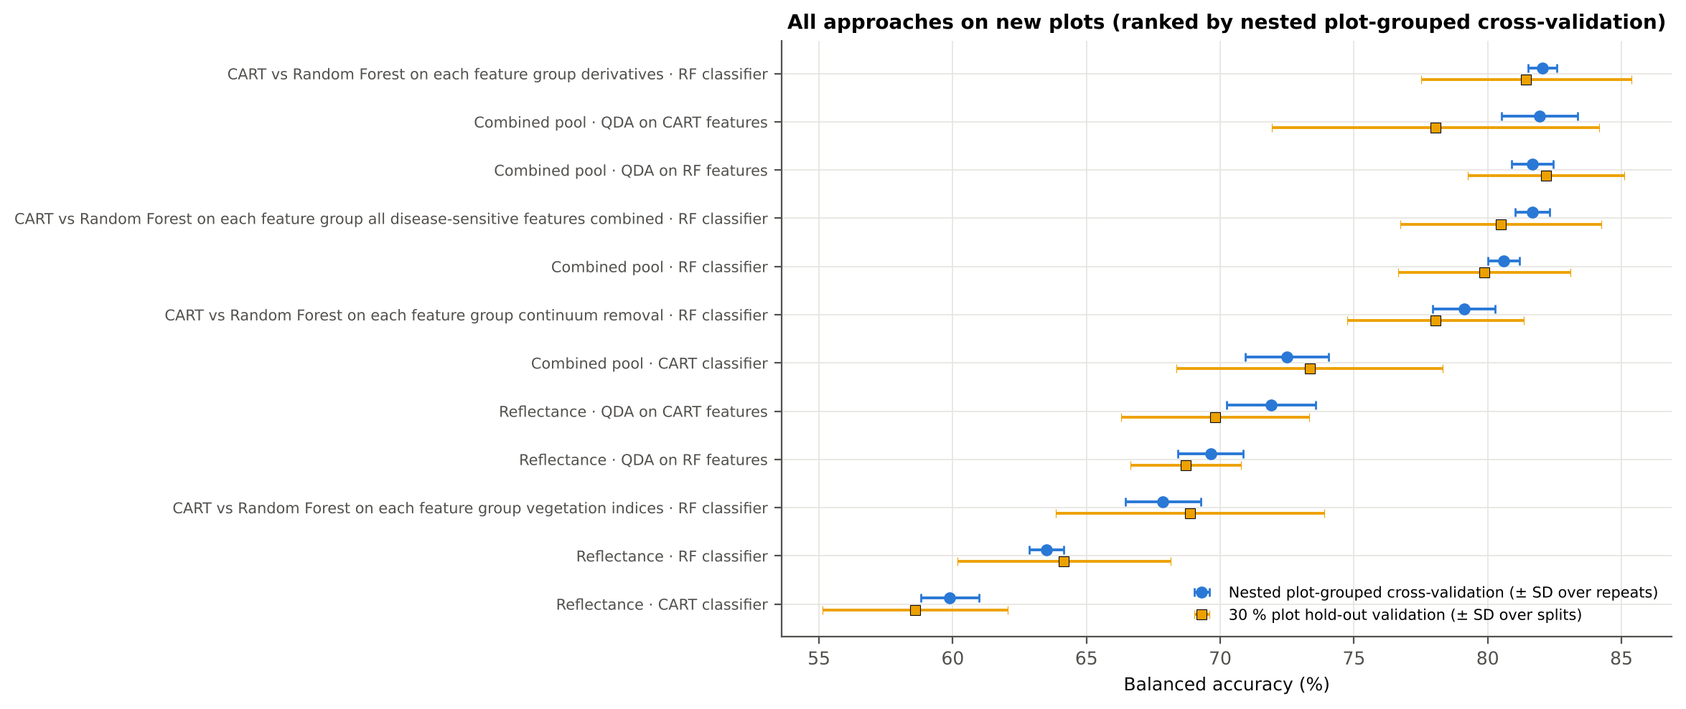
Feature group · full raw spectrum: CART |  | 59.4% | 1.9% | 58.5% | 3.9% |  | 0.587 | 0.142
Feature group · band reflectance: CART |  | 58.8% | 0.8% | 58.1% | 4.2% |  | 0.574 | 0.134
Single feature · REIP best method: REIP – linear extrapolation (threshold) | 60.2% | 57.4% |  | 56.8% |  |  | 0.626
Leaf-level 10-fold cross-validation with features chosen on all leaves (the paper's protocol; optimistic). nested plot-grouped cross-validation (10-fold × 5 = 50 folds), 30 % of plots held out × 10, leave-one-date-out on new plots (40 units: 10 30 % plot hold-out validation splits × 4 dates); in nested plot-grouped cross-validation–leave-one-date-out validation on new plots every selection step is repeated inside the training set. Single features: threshold chosen on training plots.

Conclusions
1. Subset: leaf level L3 (all dates, growth stages and varieties combined) — 861 leaves (144 healthy, 717 diseased; imbalance 1 : 5.0), 12 healthy and 36 diseased plots, dates 11-02-2026, 24-02-2026, 03-03-2026, 13-03-2026.
2. Tier 1: healthy and white-rust leaves differ significantly at 1199 of 2101 bands (Welch + BH-FDR); 1068 bands remain significant with a random plot effect and 580 in ≥ 95 % of 1000 balanced subsets. The most sensitive single band (smoothed reflectance) reaches AUC 0.67 at 1894 nm.
3. Tier 2: CART (rpart, prior 0.5/0.5) selected 25 bands (root 694 nm): 694, 741, 2036, 2200, 2358, 2108, 2303, 700, 684, 823, 680, 1521, 503, 871, 1980, 2475, 761, 886, 692, 1524, 681, 568, 704, 1965, 1904 nm. The Balanced RF importance peaks (RF-17) were 692, 2003, 753, 739, 1983, 647, 631, 706, 1899, 664, 619, 767, 1919, 573, 2013, 607, 1887 nm.
4. Tier 3: J–M = 1.88 on the CART bands and 1.79 on the RF bands: neither set reaches the 1.90 separability threshold (Das et al. used 1.94).
5. Tier 4: QDA with equal priors on the CART bands gives BA 74.4 % in the paper's protocol (leaf-level 10-fold cross-validation; healthy recall 81.9 %, diseased recall 66.8 %) and 71.9 % ± 1.7 % (nested plot-grouped cross-validation) / 69.8 % (30 % plot hold-out validation) on new plots.
6. CART vs RF: as classifiers RF beats CART by 4.0 points (nested plot-grouped cross-validation, RF better in 35 of 50 folds, p = 1.5e-04); as band selectors for QDA the RF bands give -2.1 points vs the CART bands (p = 0.023). RF selection is more stable than CART selection (Jaccard ±10 nm 0.67 vs 0.33).
7. Disease-sensitive features: the strongest group for RF is derivatives + edge parameters (BA 82.0 %, nested plot-grouped cross-validation) vs 63.4 % for reflectance; best single features: first derivative at 872 nm (AUC 0.83), CR3 water 970 width (AUC 0.75), NWI2 (AUC 0.68), SDr (red-edge area) (AUC 0.63). REIP (linear extrapolation) shifts by -3.0 nm in diseased leaves (AUC 0.63).
8. Combined feature pool (four tiers on the combined band reflectance + continuum-removal features + vegetation indices + derivative and edge features pool, 4150 features, 2340 significant): CART chose 11 features, RF 17 (J–M 1.50 / 1.75); QDA on the RF features reaches 81.7 % (nested plot-grouped cross-validation) / 82.2 % (30 % plot hold-out validation), +12.0 points vs QDA on RF reflectance bands; best pipeline on the pool: QDA on CART features (81.9 %, nested plot-grouped cross-validation).
9. Transfer (leave-one-date-out validation on new plots): QDA on CART reflectance bands 53.0 %, QDA on combined-pool RF features 58.0 % — a clear drop from the nested plot-grouped cross-validation estimate (81.7 %); the date/stage effect limits transfer. Best pipeline under transfer: combined pool: RF classifier (61.2 %).
10. Compared with all dates, stages and varieties pooled (nested plot-grouped cross-validation: reflectance QDA-CART 72.0 %, combined-pool QDA-RF 83.7 %; J–M 1.27), this subset gives 71.9 % and 81.7 % (J–M 1.88): discrimination is lower than in the pooled analysis (fewer leaves and plots).

Recommendations
Use first-derivative and continuum-removed features rather than single reflectance bands for this subset; the four-tier selection with RF importance on the combined pool and a QDA or RF classifier is the recommended pipeline.
Report balanced accuracy with both class recalls and the priors used; the classes are imbalanced (1 : 5.0) and equal priors / balanced sampling were applied throughout.
Base conclusions on the plot-grouped estimates (nested plot-grouped cross-validation 10-fold × 5 = 50 folds, 30 % plot hold-out validation 10 hold-outs), not on the leaf-level 10-fold cross-validation estimate.
Interpret features near the ASD detector joins (≈ 1000 and 1800 nm) with care; guard zones were excluded from the rankings.
For application to a new date, the most robust pipeline here was combined pool: RF classifier (leave-one-date-out validation on new plots BA 61.2 %); accuracy on an unseen date is much lower than within the date, so calibrate with leaves of the target date or growth stage.

02_Design
Workflow, validation design and model settings
Figure 2 of Das et al. (2020), extended with the corrections and the CART-vs-RF, disease-sensitive feature extraction and combined feature pool steps.
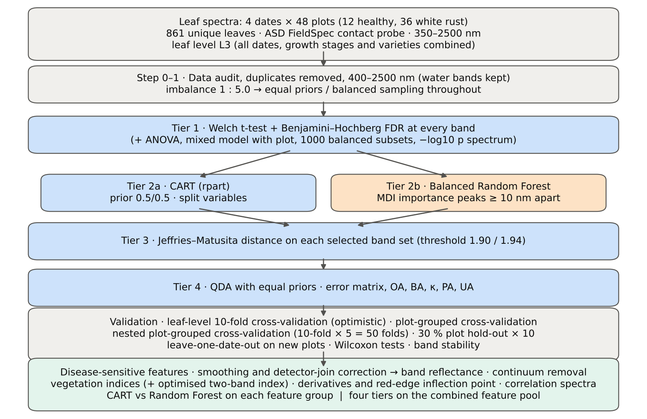

Table 2.1 Corrections applied to the protocol of Das et al. (2020) and why
Issue | Correction | Why
Class imbalance (144 healthy : 717 diseased = 1 : 5.0) | QDA/LDA with equal prior probabilities; rpart prior = c(0.5, 0.5); Balanced RF (each tree on a balanced bootstrap); balanced accuracy as headline metric; 1000 balanced subsets in Tier 1 | without it every classifier favours 'diseased' and overall accuracy is inflated
Two classes only | Welch t-test instead of one-way ANOVA + Tukey HSD (ANOVA reported for comparison: identical ranking) | Tukey HSD is for many pairs; Welch allows unequal variances (Levene)
Multiple testing (2101 bands) | Benjamini–Hochberg FDR (q < 0.05); uncorrected counts reported | 2101 tests at α = 0.05 give ≈ 105 false positives
Pseudo-replication (leaves nested in plots, plots measured on 4 dates) | mixed model with random plot intercept; every honest validation grouped by plot across all dates | leaves of one plot are not independent
Selection bias | Tier 1, band selection and classifier refitted inside every training set (nested plot-grouped cross-validation, 30 % plot hold-out validation, leave-one-date-out validation on new plots) | selecting bands on all leaves and validating on the same leaves is optimistic
Water-absorption bands | kept (contact probe with its own light source; no atmospheric path) | Das et al. removed them for canopy measurements
Detector edge 350–399 nm | removed (noise 118 × the 500–699 nm level); sensitivity run with 350–2500 nm | noise could be chosen by CART
Detector joins 1000/1001 and 1800/1801 nm (disease-sensitive feature extraction) | splice correction; guard zones excluded from feature ranking (reported with and without) | instrument artefacts must not be read as disease
Exact duplicate spectra | 75 copies (13-03-2026, block 2) and 4 unnamed copies (plot 27, 11-02-2026) removed from the four files before the subset was taken; 27 of them belong to this subset (25 block-2, 2 unnamed); sensitivity run with the unnamed copies kept | a duplicate in both training and test inflates leaf-level 10-fold cross-validation
Subset | leaf level L3 (all dates, growth stages and varieties combined): 861 of 2263 leaf spectra; folds, Tier 1–4, disease-sensitive feature extraction and combined feature pool rebuilt for this subset only | each leaf level analysed separately, all dates, growth stages and varieties combined, as requested

Table 2.2 Validation design (identical folds in every step; sheet 36_Folds)
Scheme | Folds | What is refitted | Purpose
Leaf-level 10-fold cross-validation | StratifiedKFold, seed 42 | bands fixed (chosen on all leaves); classifier refitted | reproduces the paper (optimistic: leaves of a plot in train and test)
Plot-grouped 10-fold cross-validation | StratifiedGroupKFold, seed 42 | bands fixed; classifier refitted | removes plot leakage, keeps selection bias
Nested plot-grouped cross-validation, 10-fold × 5 = 50 folds | StratifiedGroupKFold, seeds 101–105; k = min(10, plots of the smaller class = 12) so every test fold holds both classes | Tier 1 + selection + classifier refitted | honest estimate for new plots
Hold-out of 30 % of plots × 10 | 4 healthy + 11 diseased plots per split, default_rng(2026) | everything refitted on the remaining plots | independent test plots
New date and new plots (additional) | train: other dates × training plots of the 30 % plot hold-out; test: held-out date × test plots of the 30 % plot hold-out | everything refitted | transfer to an unseen date and unseen plots

Table 2.3 CART and Random Forest settings
Setting | CART | Random Forest
Algorithm | rpart 4.1.23 in R 4.3.3 (recursive partitioning, as Das et al.) | BalancedRandomForestClassifier (imbalanced-learn 0.14, scikit-learn 1.9)
Split criterion | Gini | Gini
Imbalance correction | prior = c(0.5, 0.5) | sampling_strategy = 'all', replacement = True, bootstrap = False (balanced bootstrap per tree)
Size / randomness | minsplit 20, minbucket 7, cp 0.01, maxcompete 0, maxsurrogate 0 | 500 trees (1000 for importance), max_features = √p, random_state 42
Pruning | default tree used; 1-SE tree from plot-grouped 10-fold cross-validation of cp | —
Band selection | split variables of the tree | top-17 / top-10 MDI importance peaks (+ a set the size of the CART set), local maxima ≥ 10 nm apart
Prediction | class of the terminal node (prior-adjusted) | majority vote (probability > 0.5)

04_Step1_Preprocessing
Step 1 · Pre-processing — band set, noise and outlier screening
Das et al. (2020) removed 1350–1430, 1800–1950 and 2350–2500 nm (atmospheric water, canopy). Here the contact probe has its own light source, so water bands are kept.

What was done
Noise of every band = SD of the residual after Savitzky–Golay smoothing (window 11, order 2). The 350–399 nm detector edge is far noisier than the rest and was removed; everything else (400–2500 nm, 2101 bands) was analysed on the raw (unsmoothed) reflectance in Tiers 1–4, as in Das et al. Outliers were screened with the spectral angle (SAM) to the class median spectrum and flagged, not removed (diseased leaves are expected to vary more).
Table 1.1 Band-set decision
Range (nm) | Bands | Decision | Reason
350–399 | 50 | Removed | detector edge: noise ×118 of the 500–699 nm level
400–1349 | 950 | Retained | visible, red edge, NIR
1350–1430 | 81 | Retained | water band I — contact probe (Das et al. removed it)
1431–1799 | 369 | Retained | SWIR-1
1800–1950 | 151 | Retained | water band II — contact probe (Das et al. removed it)
1951–2349 | 399 | Retained | SWIR-2
2350–2500 | 151 | Retained | SWIR-2 end — contact probe (Das et al. removed it)
Bands analysed (Excel) | 2101

Table 1.2 Noise level by spectral region
Range (nm) | Noise (SD of SG residual) | Ratio to 500–699 nm
350–399 | 0.0065 | 118.31
400–499 | 7.857E-04 | 14.29
500–699 | 5.499E-05 | 1.0000
700–1000 | 6.851E-05 | 1.2457
1001–1349 | 4.968E-05 | 0.9034
1350–1430 | 1.744E-05 | 0.3172
1431–1799 | 1.167E-05 | 0.2122
1800–1950 | 2.038E-05 | 0.3706
1951–2349 | 1.763E-05 | 0.3205
2350–2500 | 8.079E-05 | 1.4692

Table 1.3 Outlier screening: spectral angle to the class median
Class | Leaves | Median SAM (rad) | 95th pct (rad) | Max (rad) | Leaves > 0.15 rad
Healthy | 144 | 0.0545 | 0.1169 | 0.1707 | 1
Diseased | 717 | 0.0675 | 0.1539 | 0.5928 | 38

Table 1.4 Ten most deviating spectra (flagged, kept)
Plot | Class | Date | Growth stage | File | SAM (rad) | R1985 (leaf) | R1985 (class median)
24 | Diseased | 03-03-2026 | Pod formation | Mustard00277.asd.sco | 0.5928 | 0.5961 | 0.0674
24 | Diseased | 03-03-2026 | Pod formation | Mustard00283.asd.sco | 0.4547 | 0.3580 | 0.0674
41 | Diseased | 03-03-2026 | Pod formation | Mustard00529.asd.sco | 0.3713 | 0.3241 | 0.0674
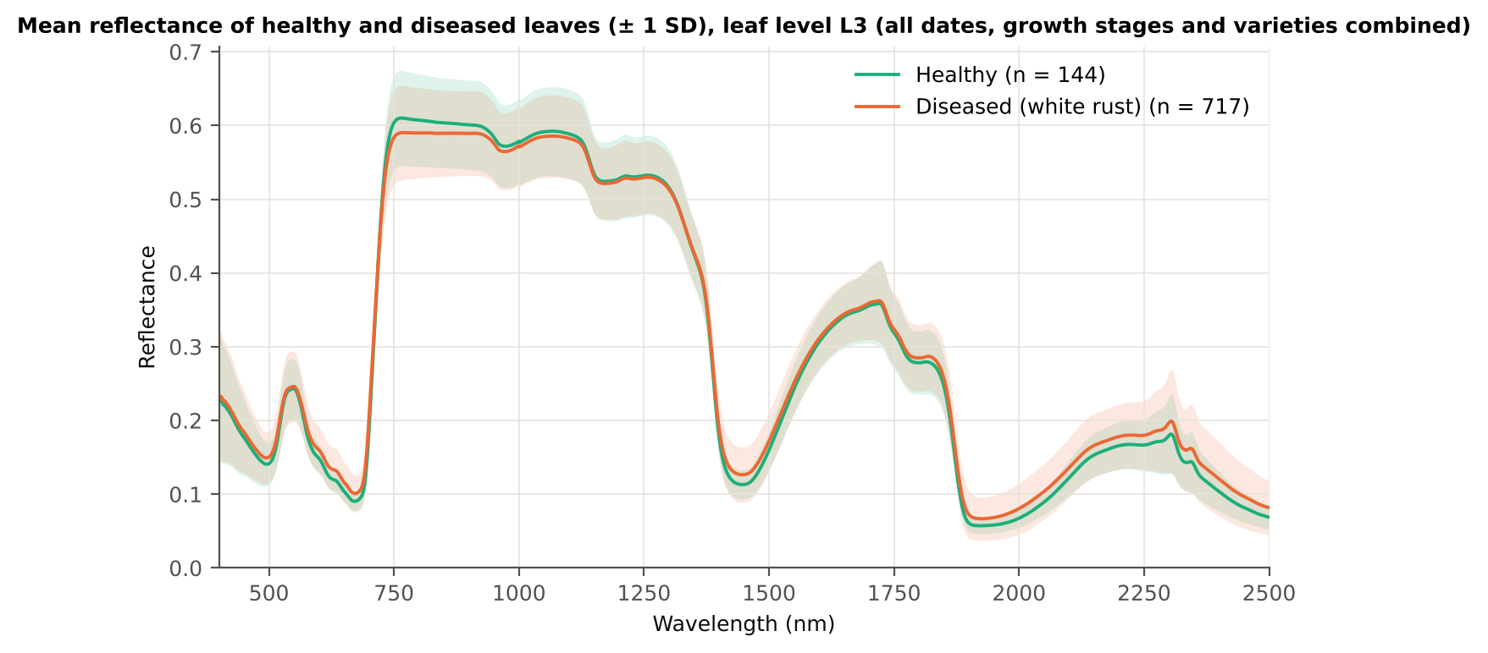
34 | Diseased | 03-03-2026 | Pod formation | Mustard00427.asd.sco | 0.3673 | 0.2401 | 0.0674
43 | Diseased | 03-03-2026 | Flowering | Mustard00565.asd.sco | 0.3198 | 0.2399 | 0.0674
41 | Diseased | 13-03-2026 | Pod formation | Mustard00046.asd.sco | 0.2714 | 0.2049 | 0.0674
23 | Diseased | 13-03-2026 | Pod formation | Mustard00250.asd.sco | 0.2699 | 0.1408 | 0.0674
40 | Diseased | 03-03-2026 | Flowering | Mustard00517.asd.sco | 0.2588 | 0.1718 | 0.0674
19 | Diseased | 03-03-2026 | Flowering | Mustard00211.asd.sco | 0.2535 | 0.1845 | 0.0674
14 | Diseased | 13-03-2026 | Flowering | Mustard00121.asd.sco | 0.2509 | 0.1306 | 0.0674

Figure 3 (as in Das et al. 2020). Mean reflectance of healthy and diseased leaves

Native Excel chart of the same data: sheet 37_ChartData, columns A–C.
Table 1.5 Sensitivity: the unnamed duplicate spectra of plot 27 kept vs removed (QDA on CART bands)
Data | CART bands | Balanced accuracy, leaf-level 10-fold cross-validation | Balanced accuracy, nested plot-grouped cross-validation | Balanced accuracy, 30 % plot hold-out validation
main: exact duplicates removed (n = 861) | 25 | 74.4% | 71.9% | 69.8%
2 unnamed plot-27 copies kept (n = 863) | 19 | 73.9% | 70.5% | 71.3%

05_Tier1_Ttest
Step 2 · Tier 1 — Welch's t-test at every band with Benjamini–Hochberg FDR
Das et al. (2020) used one-way ANOVA (p < 0.05) + Tukey HSD for 14 genotypes; with two classes the equivalent is a t-test.

Result in brief
Tier 1: healthy and white-rust leaves differ significantly at 1199 of 2101 bands (Welch + BH-FDR); 1068 bands remain significant with a random plot effect and 580 in ≥ 95 % of 1000 balanced subsets. The most sensitive single band (smoothed reflectance) reaches AUC 0.67 at 1894 nm.
Uncorrected, 1260 bands have p < 0.05; ANOVA + FDR gives 1187 (same ranking as Welch).

What was done
At each of the 2101 bands the mean reflectance of healthy (n = 144) and diseased (n = 717) leaves was compared with Welch's t-test (unequal variances; Levene's test shows unequal variances at many bands) and the p-values were adjusted with the Benjamini–Hochberg false-discovery rate. Bands with q < 0.05 go to Tier 2. Because 717 diseased leaves give high power even for tiny differences, the test was repeated on 1000 balanced random subsets (144 vs 144), and a linear mixed model with a random plot intercept checks pseudo-replication.
Table 2.1 Number of significant bands
Test | Significant bands | Bands tested | Share (Excel)
Welch t-test + BH-FDR q < 0.05 (used for Tier 2) | 1199 | 2101 | 57.1%
One-way ANOVA p < 0.05, uncorrected (rule of Das et al.) | 1251 | 2101 | 59.5%
One-way ANOVA + BH-FDR q < 0.05 | 1187 | 2101 | 56.5%
Welch t-test p < 0.05, uncorrected | 1260 | 2101 | 60.0%
Mixed model (random plot effect) + BH-FDR q < 0.05 | 1068 | 2101 | 50.8%
Balanced subsets (144 vs 144): significant in ≥ 95 % of 1000 subsets | 580 | 2101 | 27.6%
Levene test p < 0.05 (unequal variances → Welch) | 696 | 2101 | 33.1%

Table 2.2 Contiguous ranges (Welch + FDR)
Range (nm) | Bands | Result
400–475 | 76 | not significant
476–521 | 46 | significant
522–567 | 46 | not significant
568–712 | 145 | significant
713–728 | 16 | not significant
729–888 | 160 | significant
889–1383 | 495 | not significant
1384–1560 | 177 | significant
1561–1829 | 269 | not significant
1830–2500 | 671 | significant

Table 2.3 Significance by spectral region
Region | Bands | Welch+FDR significant | Mixed-model significant | Band of max |t| | Max t | Mean diff (D − H)
Blue (400–499) | 100 | 24 | 8 | 499.00 | 3.2103 | 0.0088
Green (500–599) | 100 | 54 | 36 | 599.00 | 5.7512 | 0.0114
Red (600–679) | 80 | 80 | 80 | 654.00 | 8.1413 | 0.0123
Red edge (680–759) | 80 | 64 | 60 | 692.00 | 8.6990 | 0.0155
NIR (760–1349) | 590 | 129 | 127 | 760.00 | -3.4075 | -0.0202
Water band I (1350–1430) | 81 | 47 | 34 | 1430.00 | 6.1425 | 0.0133
SWIR-1 (1431–1799) | 369 | 130 | 83 | 1445.00 | 6.2405 | 0.0134
Water band II (1800–1950) | 151 | 121 | 90 | 1892.00 | 7.9982 | 0.0132
SWIR-2 (1951–2349) | 399 | 399 | 399 | 2004.00 | 8.0412 | 0.0134
SWIR-2 end (2350–2500) | 151 | 151 | 151 | 2495.00 | 6.6464 | 0.0130

Table 2.4 Fifteen most significant bands
Wavelength (nm) | Mean healthy | Mean diseased | Diff (D − H) | Welch t | Welch df | q (BH) | Hedges g | Mixed-model q
692.00 | 0.1166 | 0.1321 | 0.0155 | 8.6990 | 446.04 | 5.903E-14 | 0.5047 | 0.0248
693.00 | 0.1223 | 0.1382 | 0.0160 | 8.6709 | 437.80 | 5.903E-14 | 0.5065 | 0.0248
691.00 | 0.1118 | 0.1267 | 0.0149 | 8.6707 | 451.20 | 5.903E-14 | 0.5010 | 0.0248
690.00 | 0.1079 | 0.1222 | 0.0143 | 8.5938 | 453.43 | 7.203E-14 | 0.4957 | 0.0248
694.00 | 0.1289 | 0.1453 | 0.0164 | 8.5832 | 426.70 | 7.295E-14 | 0.5062 | 0.0248
689.00 | 0.1047 | 0.1184 | 0.0137 | 8.4695 | 452.31 | 1.219E-13 | 0.4890 | 0.0248
695.00 | 0.1364 | 0.1532 | 0.0168 | 8.4436 | 413.61 | 1.578E-13 | 0.5038 | 0.0248
688.00 | 0.1021 | 0.1152 | 0.0131 | 8.3173 | 448.86 | 2.852E-13 | 0.4815 | 0.0248
696.00 | 0.1448 | 0.1618 | 0.0170 | 8.2504 | 399.08 | 2.951E-13 | 0.4991 | 0.0248
687.00 | 0.1000 | 0.1126 | 0.0126 | 8.1524 | 443.93 | 2.951E-13 | 0.4738 | 0.0248
654.00 | 0.1009 | 0.1133 | 0.0123 | 8.1413 | 421.11 | 2.951E-13 | 0.4825 | 0.0248
655.00 | 0.1002 | 0.1125 | 0.0123 | 8.1400 | 421.89 | 2.951E-13 | 0.4821 | 0.0248
656.00 | 0.0994 | 0.1116 | 0.0122 | 8.1361 | 422.42 | 2.951E-13 | 0.4816 | 0.0248
653.00 | 0.1017 | 0.1140 | 0.0123 | 8.1360 | 420.11 | 2.951E-13 | 0.4826 | 0.0248
652.00 | 0.1024 | 0.1147 | 0.0124 | 8.1254 | 419.17 | 2.951E-13 | 0.4824 | 0.0248

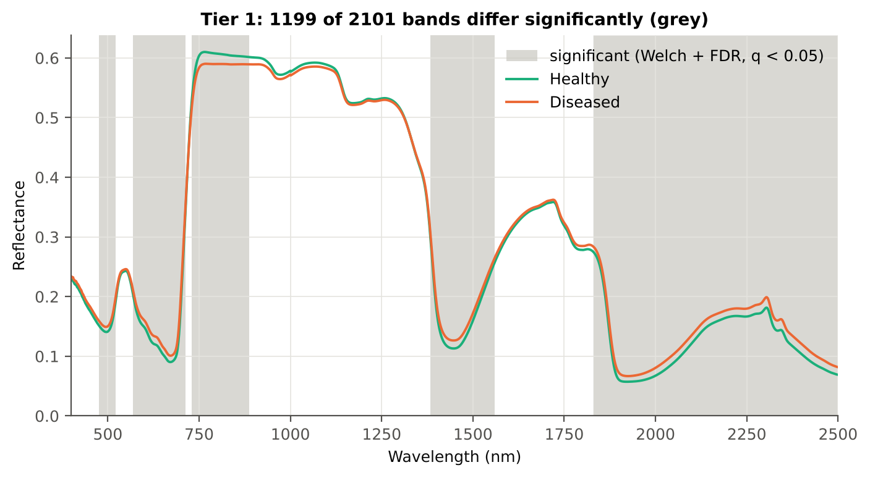
Table 2.5 Tier 1 on 1000 balanced subsets
Balanced-subset check (imbalance) | Value
Balanced random subsets drawn | 1000
Leaves per subset (healthy + diseased) | 144 + 144
Significant bands per subset — median | 1024.00
— minimum | 107
— maximum | 1463
Bands significant in 100 % of subsets | 86
Bands significant in ≥ 95 % of subsets | 580
Bands never significant | 17

Figure 4 (as in Das et al. 2020 Fig. 4). Bands where healthy and diseased leaves differ (grey)

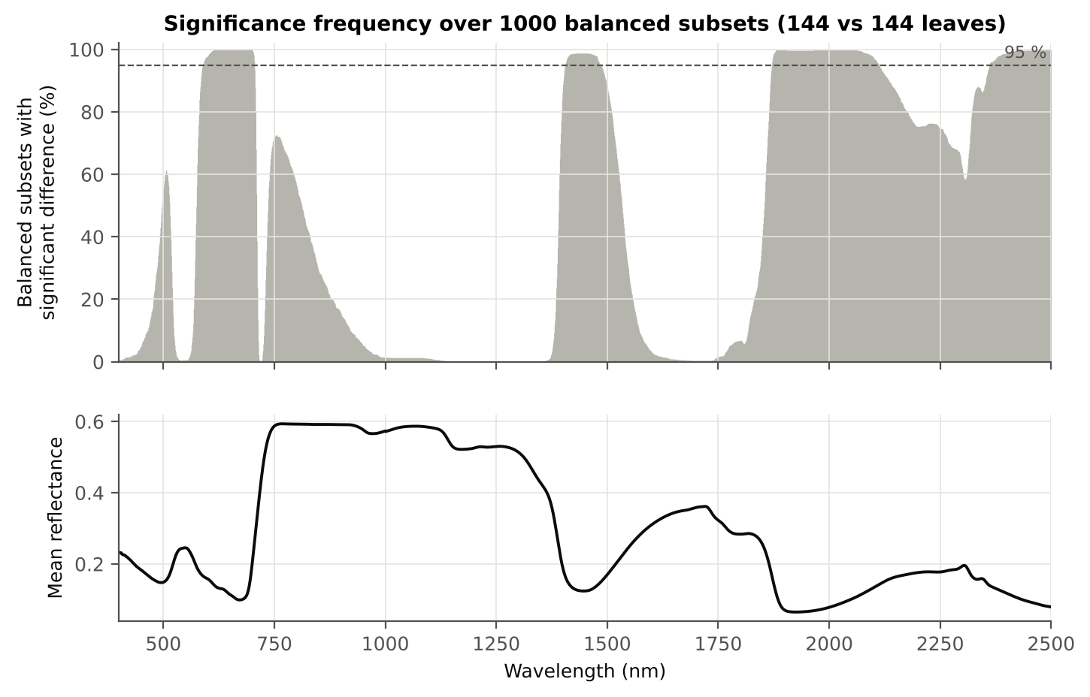

Figure 5 (as in Das et al. 2020 Fig. 5). Significance frequency (balanced subsets) and mean reflectance

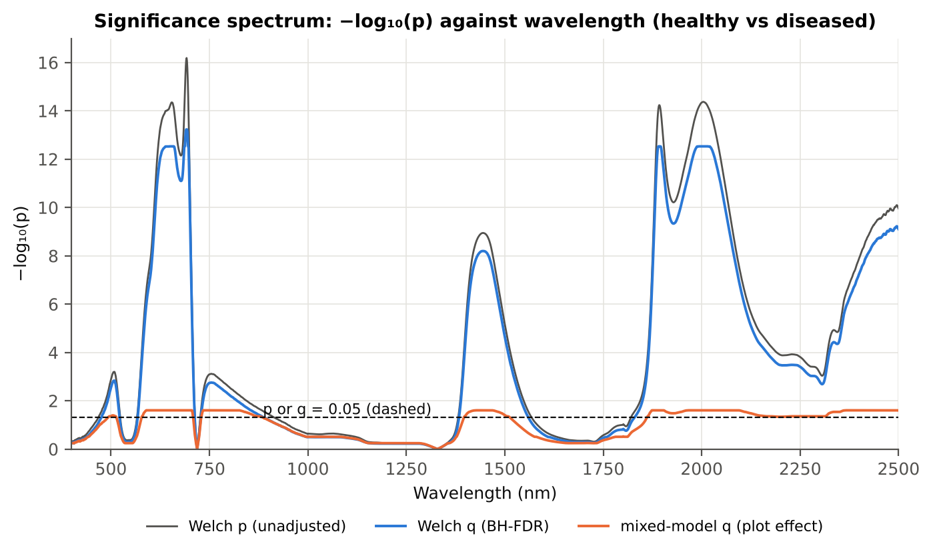

Figure 5b. −log₁₀(p) against wavelength

Native Excel versions of Figures 3–5b: sheet 37_ChartData (charts placed beside the data).
Cross-checks for this step
Step | What was checked | Method | Result | Status
Tier 1 | Training sets with < 2 FDR-significant features (nested plot-grouped cross-validation/30 % plot hold-out validation/leave-one-date-out validation on new plots) | fallback: uncorrected p < 0.05, else the 20 smallest p | 1 of 100 training sets: leave-one-date-out validation on new plots #23 → uncorrected p (219) | FLAG
Tier 1 | Mixed model implementation | R nlme::lme vs Python statsmodels MixedLM (Powell), every 50th band | Spearman ρ of p-values 1.000 (statsmodels uses a Wald z-test, nlme a t-test with 46 df, so nlme p-values are larger) | PASS
Tier 1 | Welch t-statistic | SciPy ttest_ind(equal_var=False) vs vectorised formula | max |Δt| = 1.8e-15 | PASS
Tier 1 | Benjamini–Hochberg q-values | statsmodels multipletests vs own step-up | max |Δq| = 1.1e-16 | PASS
Tier 1 | ANOVA equivalence | one-way ANOVA F (SciPy, every 50th band) vs Student t² | max relative |F − t²| = 4.6e-14 | PASS
Tier 1 | Class imbalance | 1000 balanced subsets (144 vs 144 leaves) | median 1024 significant bands per subset vs 1199 on all leaves | PASS
Tier 1 | Pseudo-replication | linear mixed model v ~ Disease + (1|plot), REML, R nlme::lme (t-test, 46 df), BH-FDR | 1068 of 2101 bands significant (Welch: 1199); plot ICC median 0.044 | PASS

06_Tier2_CART
Step 3 · Tier 2 — CART band selection with equal priors (rpart)
Das et al. (2020): 'To apply this technique we used the method rpart from package rpart' — the split variables are the selected wavelengths.

Result in brief
Tier 2: CART (rpart, prior 0.5/0.5) selected 25 bands (root 694 nm): 694, 741, 2036, 2200, 2358, 2108, 2303, 700, 684, 823, 680, 1521, 503, 871, 1980, 2475, 761, 886, 692, 1524, 681, 568, 704, 1965, 1904 nm. The Balanced RF importance peaks (RF-17) were 692, 2003, 753, 739, 1983, 647, 631, 706, 1899, 664, 619, 767, 1919, 573, 2013, 607, 1887 nm.
Re-selection of each CART band in plot-level bootstraps and in the nested training sets is shown in Table 3.1 and Figure 6b; bands re-selected in < 50 % of the training sets should not be interpreted individually.

What was done
Input: the 1199 FDR-significant bands of Tier 1 (raw reflectance). rpart (R 4.3.3, rpart 4.1.23) with method = 'class', prior = c(0.5, 0.5) (imbalance correction), split = 'gini', minsplit 20, minbucket 7, cp 0.01, no competitor or surrogate splits. The wavelengths used as split variables form the CART band set. The complexity parameter was cross-validated with plot-grouped folds; the 1-SE tree gives a smaller alternative set. Stability: rpart refitted on 200 plot-level bootstrap samples and inside the 50 nested training sets of nested plot-grouped cross-validation (a band counts as re-selected if a band within ± 10 nm is chosen).
Table 3.1 The 25 wavelengths selected by CART
Band (nm) | Region | First used at node | Tree depth | Mean healthy | Mean diseased | Welch t | q (BH) | Bootstrap re-selection (±10 nm) | Nested cross-validation re-selection (±10 nm) | Mixed model significant | Interpretation
503.00 | Green (500–599) | 36 | 5 | 0.1432 | 0.1523 | 3.3754 | 0.0019 | 44.5% | 44.0% | yes | green peak: chlorosis / pigment ratio change
568.00 | Green (500–599) | 354 | 8 | 0.2071 | 0.2138 | 2.2528 | 0.0445 | 43.0% | 42.0% | no | green peak: chlorosis / pigment ratio change
680.00 | Red edge (680–759) | 22 | 4 | 0.0928 | 0.1034 | 7.4306 | 7.231E-12 | 60.5% | 58.0% | yes | red edge: chlorophyll loss and leaf structure
681.00 | Red edge (680–759) | 177 | 7 | 0.0935 | 0.1042 | 7.4591 | 6.133E-12 | 61.0% | 60.0% | yes | red edge: chlorophyll loss and leaf structure
684.00 | Red edge (680–759) | 12 | 3 | 0.0960 | 0.1073 | 7.7004 | 1.451E-12 | 72.5% | 94.0% | yes | red edge: chlorophyll loss and leaf structure
692.00 | Red edge (680–759) | 146 | 7 | 0.1166 | 0.1321 | 8.6990 | 5.903E-14 | 94.0% | 100.0% | yes | red edge: chlorophyll loss and leaf structure
694.00 | Red edge (680–759) | 1 | 0 | 0.1289 | 0.1453 | 8.5832 | 7.295E-14 | 95.0% | 100.0% | yes | red edge: chlorophyll loss and leaf structure
700.00 | Red edge (680–759) | 11 | 3 | 0.1859 | 0.2026 | 7.1252 | 5.869E-11 | 98.0% | 100.0% | yes | red edge: chlorophyll loss and leaf structure
704.00 | Red edge (680–759) | 708 | 9 | 0.2342 | 0.2490 | 5.6693 | 1.445E-07 | 95.5% | 100.0% | yes | red edge: chlorophyll loss and leaf structure
741.00 | Red edge (680–759) | 2 | 1 | 0.5853 | 0.5671 | -3.2416 | 0.0030 | 69.0% | 88.0% | yes | red edge: chlorophyll loss and leaf structure
761.00 | NIR (760–1349) | 88 | 6 | 0.6097 | 0.5896 | -3.4029 | 0.0018 | 42.0% | 70.0% | yes | NIR plateau: mesophyll structure / cell damage
823.00 | NIR (760–1349) | 18 | 4 | 0.6056 | 0.5898 | -2.8130 | 0.0107 | 5.0% | 24.0% | yes | NIR plateau: mesophyll structure / cell damage
871.00 | NIR (760–1349) | 44 | 5 | 0.6025 | 0.5895 | -2.3597 | 0.0348 | 8.5% | 20.0% | yes | NIR plateau: mesophyll structure / cell damage
886.00 | NIR (760–1349) | 92 | 6 | 0.6016 | 0.5893 | -2.2358 | 0.0466 | 11.0% | 16.0% | yes | NIR plateau: mesophyll structure / cell damage
1521.00 | SWIR-1 (1431–1799) | 23 | 4 | 0.1944 | 0.2051 | 3.6497 | 7.809E-04 | 16.0% | 12.0% | no | SWIR-1: water, dry matter
1524.00 | SWIR-1 (1431–1799) | 176 | 7 | 0.1995 | 0.2100 | 3.5231 | 0.0012 | 20.5% | 12.0% | no | SWIR-1: water, dry matter
1904.00 | Water band II (1800–1950) | 2833 | 11 | 0.0588 | 0.0698 | 7.4420 | 4.032E-12 | 54.0% | 60.0% | yes | leaf water absorption (O–H, ≈1940 nm)
1965.00 | SWIR-2 (1951–2349) | 1416 | 10 | 0.0597 | 0.0707 | 7.3786 | 5.951E-12 | 21.5% | 10.0% | yes | SWIR-2: water wing, protein / cellulose / lignin
1980.00 | SWIR-2 (1951–2349) | 46 | 5 | 0.0622 | 0.0742 | 7.7671 | 5.909E-13 | 33.0% | 18.0% | yes | SWIR-2: water wing, protein / cellulose / lignin
2036.00 | SWIR-2 (1951–2349) | 3 | 1 | 0.0821 | 0.0964 | 7.6563 | 1.370E-12 | 17.0% | 66.0% | yes | SWIR-2: water wing, protein / cellulose / lignin
2108.00 | SWIR-2 (1951–2349) | 6 | 2 | 0.1280 | 0.1416 | 5.2642 | 9.638E-07 | 5.5% | 46.0% | yes | SWIR-2: water wing, protein / cellulose / lignin
2200.00 | SWIR-2 (1951–2349) | 4 | 2 | 0.1658 | 0.1781 | 3.8918 | 3.352E-04 | 3.0% | 38.0% | yes | SWIR-2: water wing, protein / cellulose / lignin
2303.00 | SWIR-2 (1951–2349) | 9 | 3 | 0.1813 | 0.1989 | 3.3759 | 0.0019 | 11.0% | 34.0% | yes | SWIR-2: water wing, protein / cellulose / lignin
2358.00 | SWIR-2 end (2350–2500) | 5 | 2 | 0.1284 | 0.1458 | 4.9085 | 5.189E-06 | 21.5% | 40.0% | yes | cellulose/lignin; detector edge with higher noise
2475.00 | SWIR-2 end (2350–2500) | 73 | 6 | 0.0742 | 0.0879 | 6.5568 | 9.717E-10 | 25.5% | 42.0% | yes | cellulose/lignin; detector edge with higher noise

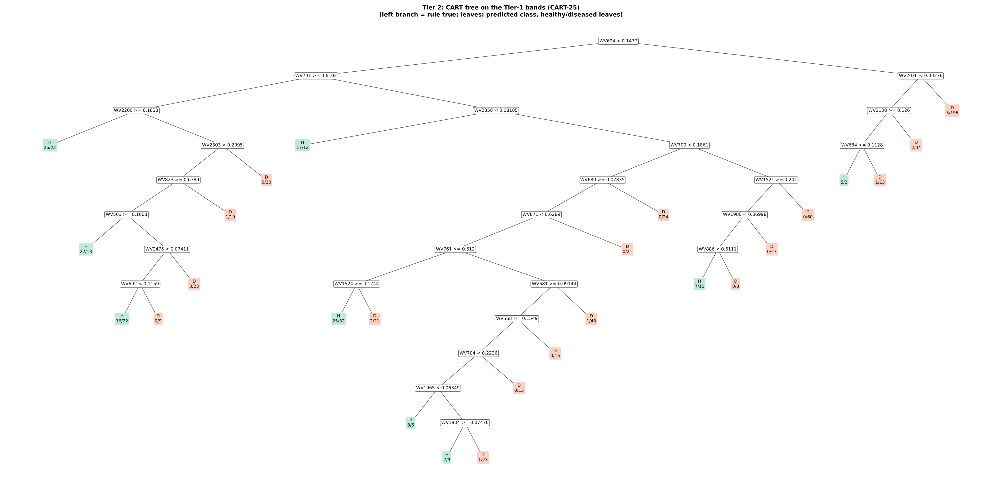
Figure 6 (as in Das et al. 2020 Fig. 6). CART tree

Table 3.2 Tree nodes (rpart frame)
Node | Depth | Split variable | Rule (left branch of the parent) | Leaves | Healthy | Diseased | Predicted class
1 | 0 | WV694 | root | 861 | 144 | 717 | H
2 | 1 | WV741 | WV694< 0.1477 | 595 | 133 | 462 | H
4 | 2 | WV2200 | WV741>=0.6102 | 198 | 65 | 133 | H
8 | 3 | leaf | WV2200>=0.1833 | 48 | 26 | 22 | H
9 | 3 | WV2303 | WV2200< 0.1833 | 150 | 39 | 111 | H
18 | 4 | WV823 | WV2303< 0.2095 | 130 | 39 | 91 | H
36 | 5 | WV503 | WV823>=0.6389 | 110 | 38 | 72 | H
72 | 6 | leaf | WV503>=0.1603 | 40 | 22 | 18 | H
73 | 6 | WV2475 | WV503< 0.1603 | 70 | 16 | 54 | H
146 | 7 | WV692 | WV2475< 0.07411 | 47 | 16 | 31 | H
292 | 8 | leaf | WV692< 0.1159 | 38 | 16 | 22 | H
293 | 8 | leaf | WV692>=0.1159 | 9 | 0 | 9 | D
147 | 7 | leaf | WV2475>=0.07411 | 23 | 0 | 23 | D
37 | 5 | leaf | WV823< 0.6389 | 20 | 1 | 19 | D
19 | 4 | leaf | WV2303>=0.2095 | 20 | 0 | 20 | D
5 | 2 | WV2358 | WV741< 0.6102 | 397 | 68 | 329 | H
10 | 3 | leaf | WV2358< 0.08185 | 29 | 17 | 12 | H
11 | 3 | WV700 | WV2358>=0.08185 | 368 | 51 | 317 | D
22 | 4 | WV680 | WV700< 0.1861 | 256 | 44 | 212 | H
44 | 5 | WV871 | WV680>=0.07835 | 232 | 44 | 188 | H
88 | 6 | WV761 | WV871< 0.6289 | 211 | 44 | 167 | H
176 | 7 | WV1524 | WV761>=0.612 | 80 | 27 | 53 | H
352 | 8 | leaf | WV1524>=0.1744 | 57 | 25 | 32 | H
353 | 8 | leaf | WV1524< 0.1744 | 23 | 2 | 21 | D
177 | 7 | WV681 | WV761< 0.612 | 131 | 17 | 114 | D
354 | 8 | WV568 | WV681>=0.09144 | 82 | 16 | 66 | H
708 | 9 | WV704 | WV568>=0.1549 | 66 | 16 | 50 | H
1416 | 10 | WV1965 | WV704< 0.2236 | 53 | 16 | 37 | H
2832 | 11 | leaf | WV1965< 0.06349 | 13 | 8 | 5 | H
2833 | 11 | WV1904 | WV1965>=0.06349 | 40 | 8 | 32 | H
5666 | 12 | leaf | WV1904>=0.07476 | 16 | 7 | 9 | H
5667 | 12 | leaf | WV1904< 0.07476 | 24 | 1 | 23 | D
1417 | 10 | leaf | WV704>=0.2236 | 13 | 0 | 13 | D
709 | 9 | leaf | WV568< 0.1549 | 16 | 0 | 16 | D
355 | 8 | leaf | WV681< 0.09144 | 49 | 1 | 48 | D
89 | 6 | leaf | WV871>=0.6289 | 21 | 0 | 21 | D
45 | 5 | leaf | WV680< 0.07835 | 24 | 0 | 24 | D
23 | 4 | WV1521 | WV700>=0.1861 | 112 | 7 | 105 | D
46 | 5 | WV1980 | WV1521>=0.201 | 52 | 7 | 45 | D
92 | 6 | WV886 | WV1980< 0.06998 | 25 | 7 | 18 | H
184 | 7 | leaf | WV886< 0.6111 | 17 | 7 | 10 | H
185 | 7 | leaf | WV886>=0.6111 | 8 | 0 | 8 | D
93 | 6 | leaf | WV1980>=0.06998 | 27 | 0 | 27 | D
47 | 5 | leaf | WV1521< 0.201 | 60 | 0 | 60 | D
3 | 1 | WV2036 | WV694>=0.1477 | 266 | 11 | 255 | D
6 | 2 | WV2108 | WV2036< 0.09236 | 67 | 8 | 59 | D
12 | 3 | WV684 | WV2108>=0.126 | 21 | 6 | 15 | H
24 | 4 | leaf | WV684>=0.1128 | 7 | 5 | 2 | H
25 | 4 | leaf | WV684< 0.1128 | 14 | 1 | 13 | D
13 | 3 | leaf | WV2108< 0.126 | 46 | 2 | 44 | D
7 | 2 | leaf | WV2036>=0.09236 | 199 | 3 | 196 | D

Table 3.3 Complexity-parameter table (plot-grouped 10-fold cross-validation)
CP | Number of splits | Relative error | Cross-validated error (plot-grouped) | SE of cross-validation error
0.2793 | 0.0000 | 1.0000 | 1.1660 | 0.0436
0.0440 | 1.0000 | 0.7207 | 0.7986 | 0.0344
0.0284 | 3.0000 | 0.6328 | 0.8434 | 0.0523
0.0207 | 7.0000 | 0.5192 | 0.7958 | 0.0547
0.0181 | 9.0000 | 0.4778 | 0.7694 | 0.0538
0.0154 | 10.00 | 0.4597 | 0.7777 | 0.0544
0.0139 | 11.00 | 0.4443 | 0.8082 | 0.0561
0.0126 | 16.00 | 0.3648 | 0.7929 | 0.0558
0.0126 | 18.00 | 0.3396 | 0.7902 | 0.0554
0.0118 | 19.00 | 0.3271 | 0.7970 | 0.0565
0.0112 | 21.00 | 0.3036 | 0.8011 | 0.0575
0.0104 | 22.00 | 0.2924 | 0.8108 | 0.0581
0.0100 | 25.00 | 0.2605 | 0.8108 | 0.0581
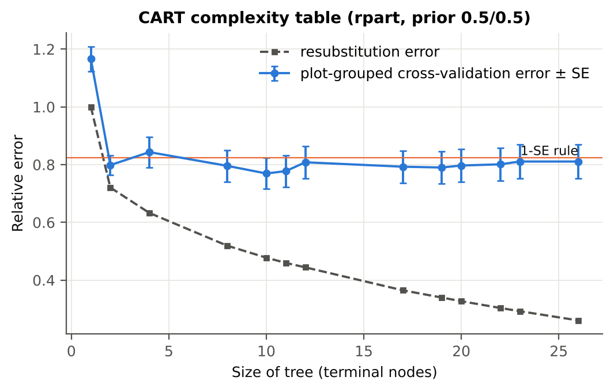

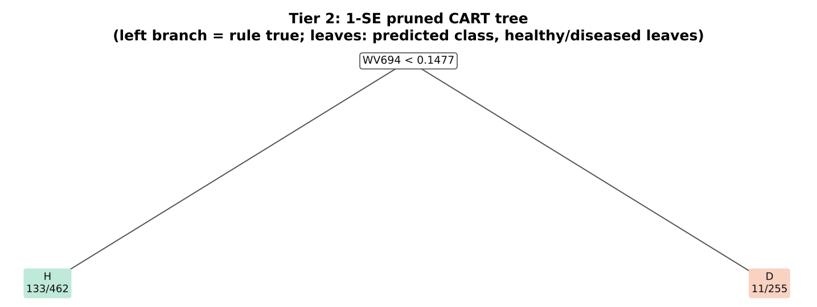
Table 3.4 Selected band sets
Tree | Bands | Wavelengths (nm)
CART-25 | 25 | 694, 741, 2036, 2200, 2358, 2108, 2303, 700, 684, 823, 680, 1521, 503, 871, 1980, 2475, 761, 886, 692, 1524, 681, 568, 704, 1965, 1904
CART-1 (1-SE) | 1 | 694

Table 3.5 Cross-check of the CART result with scikit-learn
Item | rpart (R) | scikit-learn (balanced class weights) | Agreement
Root split | WV694< 0.1477 | WV694 < 0.14766 | identical variable
Split of the left child | WV741>=0.6102 | WV741 | identical variable
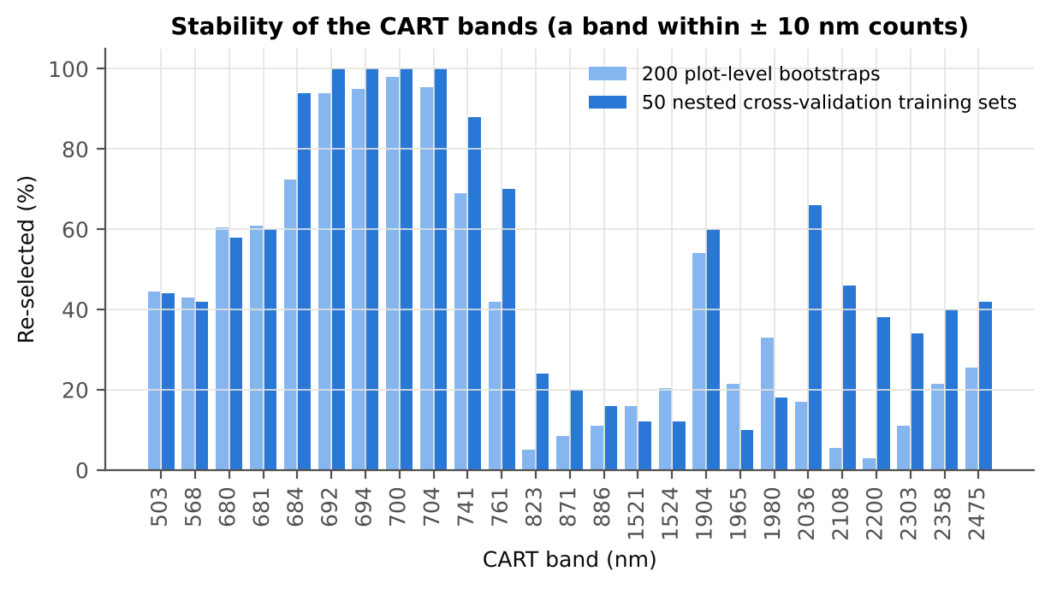
Bands used by the trees | 25 bands (cp = 0.01) | 32 bands (depth ≤ 8) | 19 of 25 rpart bands within ±5 nm

Figure 6b. Re-selection frequency of each CART band

Cross-checks for this step
Step | What was checked | Method | Result | Status
Tier 2 | CART implementation | rpart (R) vs scikit-learn DecisionTreeClassifier | root variable rpart 'WV694< 0.1477' vs sklearn 'WV694 < 0.1477' | PASS
Tier 2 | Stability of the selected bands | 200 plot-level bootstrap trees; 50 nested cross-validation training sets | 692 nm 100 %; 694 nm 100 %; 700 nm 100 % | PASS

07_Tier3_JM
Step 4 · Tier 3 — Jeffries–Matusita (J–M) distance
J–M = 2(1 − e^(−α)) on the 0–2 scale of the thresholds 1.90 / 1.94 used by Das et al.; √J–M (Eq. 1 printed in the paper, 0–√2) is also given.

Result in brief
Tier 3: J–M = 1.88 on the CART bands and 1.79 on the RF bands: neither set reaches the 1.90 separability threshold (Das et al. used 1.94).

What was done
α (Bhattacharyya distance) = ⅛ (μH − μD)ᵀ [(ΣH + ΣD)/2]⁻¹ (μH − μD) + ½ ln( |(ΣH + ΣD)/2| / √(|ΣH| |ΣD|) ), computed with class means and covariance matrices of the selected bands (Cholesky factorisation; checked against explicit inverse and determinants). Classes are 'separable' when J–M ≥ 1.90 (Das et al. used ≥ 1.94, 97 % of 2).
Table 1 (as in Das et al. 2020). J–M distance between healthy and diseased leaves (CART-25 bands)
 | Healthy | Diseased
Healthy | – | –
Diseased | 1.8849 | –

Table 4.1 Healthy vs diseased separability (formulas: J–M, √J–M and the threshold tests)
Band set | Bands | α (Bhattacharyya) | J–M (0–2) (Excel) | √J–M (Excel) | ≥ 1.90 ? (Excel) | ≥ 1.94 ? (Excel)
CART-25 | 25 | 2.8547 | 1.8849 | 1.3729 | not separable | not separable
CART-1 (1-SE) | 1 | 0.1649 | 0.3040 | 0.5514 | not separable | not separable

Table 4.2 J–M and QDA BA as the CART bands are added (order of first use in the tree)
Features used | CART feature added | CART J–M | CART QDA BA
1 | WV694 | 0.3040 | 62.9%
2 | WV741 | 0.3169 | 62.3%
3 | WV2036 | 0.4976 | 61.0%
4 | WV2200 | 0.6460 | 61.7%
5 | WV2358 | 0.7569 | 62.3%
6 | WV2108 | 0.8208 | 62.1%
7 | WV2303 | 0.9097 | 62.9%
8 | WV700 | 0.9870 | 64.0%
9 | WV684 | 1.0959 | 64.1%
10 | WV823 | 1.2166 | 65.8%
11 | WV680 | 1.2769 | 65.9%
12 | WV1521 | 1.3146 | 66.1%
13 | WV503 | 1.3887 | 65.4%
14 | WV871 | 1.4833 | 70.6%
15 | WV1980 | 1.5621 | 70.7%
16 | WV2475 | 1.6268 | 71.1%
17 | WV761 | 1.6597 | 71.2%
18 | WV886 | 1.6827 | 73.4%
19 | WV692 | 1.7093 | 73.1%
20 | WV1524 | 1.7485 | 74.7%
21 | WV681 | 1.7596 | 74.6%
22 | WV568 | 1.8047 | 74.7%
23 | WV704 | 1.8139 | 74.8%
24 | WV1965 | 1.8529 | 74.6%
25 | WV1904 | 1.8849 | 74.4%
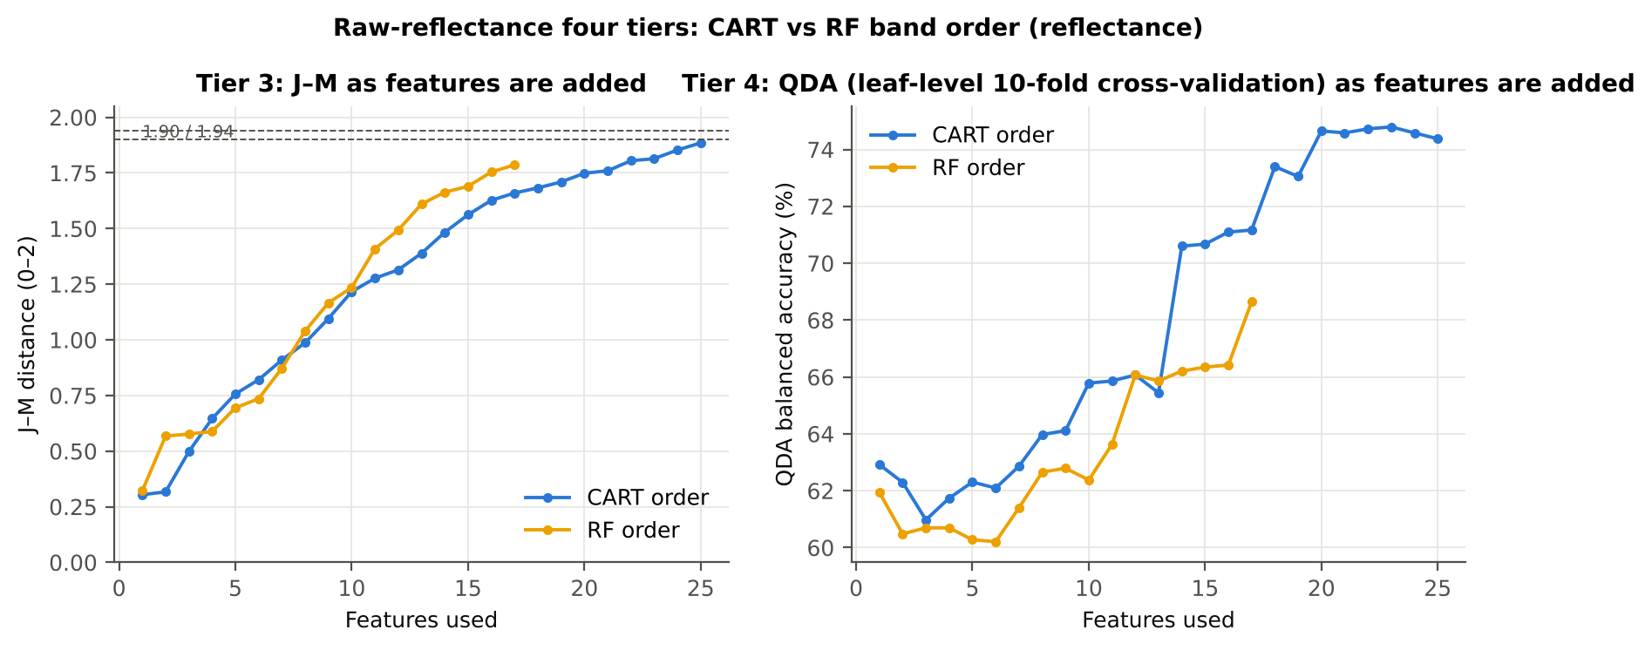

Table 4.3 Numerical diagnostics
Diagnostic | Value
Condition number of healthy covariance | 1.122E+07
Condition number of diseased covariance | 2.934E+07
J–M of the healthy class with itself (must be 0) | 0.0000

Cross-checks for this step
Step | What was checked | Method | Result | Status
Tier 3 | J–M implementation (raw reflectance) | Cholesky/log-det vs explicit inverse/determinant | |Δα| = 7.7e-13 | PASS
Tier 3 | Invertibility of the class covariances | condition number of the class correlation matrices of every selected set | max 3.5e+07 (well below the ~1e12 limit of double precision) | PASS
Tier 3 | J–M is scale-invariant | J–M on raw vs standardised features of every selected set | max |ΔJ–M| = 2.1e-11 | PASS
Tier 3 | J–M formula | J–M of the healthy class with itself (must be 0) | 0.0e+00 | PASS

09_Validation
Step 6 · Validation of the complete four-tier pipeline
From the protocol of Das et al. (bands chosen on all leaves, leaf-level cross-validation) to honest estimates for new plots and new dates.

Result in brief
QDA on CART bands, equal priors: leaf-level 10-fold cross-validation 74.4 %, nested plot-grouped cross-validation 71.9 %, 30 % plot hold-out validation 69.8 %, leave-one-date-out validation on new plots 53.0 %. Leaf-level 10-fold cross-validation and the plot-grouped estimates agree within 3 points: selection bias and plot leakage are small.

What was done
Das et al. selected bands on all data and validated QDA by 10-fold cross-validation on the same data (leaf-level 10-fold cross-validation). Here the pipeline is also validated with folds grouped by plot (plot-grouped cross-validation), with the whole pipeline nested inside plot-grouped folds (nested plot-grouped cross-validation, 10-fold × 5 = 50 folds), on independent hold-out plots (30 % plot hold-out validation, 10 splits), with random under-sampling instead of equal priors (nested plot-grouped cross-validation with random under-sampling) and on an unseen date in unseen plots (leave-one-date-out validation on new plots, additional). All rows: QDA on CART-selected bands.
Table 6.1 Validation results (mean over repeats; SD over repeats)
Scheme | Priors | repeats | OA | BA | BA_SD | kappa | AUC | PA_H | PA_D | UA_H | UA_D
Leaf-level 10-fold, bands fixed | equal (corrected) | 1 | 69.3% | 74.4% |  | 0.3069 | 0.8386 | 81.9% | 66.8% | 33.1% | 94.9%
Plot-grouped 10-fold, bands fixed | equal (corrected) | 1 | 70.0% | 73.7% |  | 0.3057 | 0.8103 | 79.2% | 68.2% | 33.3% | 94.2%
Nested plot-grouped 10-fold × 5 = 50 folds | equal (corrected) | 5 | 63.7% | 71.9% | 1.7% | 0.2522 | 0.8099 | 84.2% | 59.6% | 29.6% | 94.9%
30 % plot hold-out × 10 | equal (corrected) | 10 | 65.4% | 69.8% | 3.5% | 0.2569 | 0.7786 | 76.7% | 63.0% | 31.6% | 92.5%
Leave-one-date-out on new plots (40 units) | equal (corrected) | 10 | 65.7% | 53.0% | 3.6% | 0.0494 | 0.5621 | 33.3% | 72.7% | 21.2% | 83.3%
Leaf-level 10-fold, bands fixed | sample (uncorrected) | 1 | 75.0% | 75.0% |  | 0.3582 | 0.8386 | 75.0% | 75.0% | 37.6% | 93.7%
Plot-grouped 10-fold, bands fixed | sample (uncorrected) | 1 | 75.3% | 74.9% |  | 0.3591 | 0.8093 | 74.3% | 75.5% | 37.8% | 93.6%
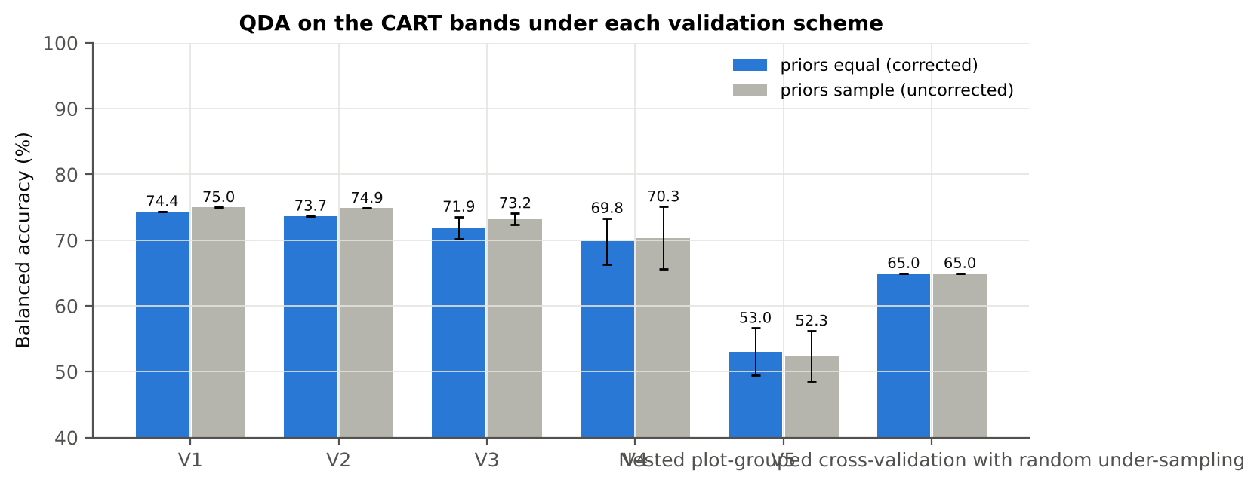
Nested plot-grouped 10-fold × 5 = 50 folds | sample (uncorrected) | 5 | 70.2% | 73.2% | 0.8% | 0.3034 | 0.8090 | 77.8% | 68.7% | 33.3% | 93.9%
30 % plot hold-out × 10 | sample (uncorrected) | 10 | 71.6% | 70.3% | 4.8% | 0.3027 | 0.7786 | 68.3% | 72.4% | 35.9% | 91.2%
Leave-one-date-out on new plots (40 units) | sample (uncorrected) | 10 | 69.2% | 52.3% | 3.9% | 0.0411 | 0.5624 | 26.0% | 78.6% | 20.8% | 83.0%
Nested plot-grouped cross-validation with random under-sampling | equal (corrected) | 1 | 52.7% | 65.0% |  | 0.1499 | 0.7441 | 83.3% | 46.6% | 23.9% | 93.3%
Nested plot-grouped cross-validation with random under-sampling | sample (uncorrected) | 1 | 52.7% | 65.0% |  | 0.1499 | 0.7441 | 83.3% | 46.6% | 23.9% | 93.3%

Table 6.2 Error matrix, nested plot-grouped cross-validation (5 repeats pooled) — QDA on CART bands, equal priors
Classified \ Reference | Healthy | Diseased | Row total | User's accuracy (%)
Healthy | 606 | 1447 | 2053 | 29.52
Diseased | 114 | 2138 | 2252 | 94.94
Column total | 720 | 3585 | 4305
Producer's accuracy (%) | 84.17 | 59.64
Overall accuracy (%) | 63.74
Balanced accuracy (%) | 71.90
Cohen's κ | 0.252
F1 healthy | 0.437
F1 diseased | 0.733

Table 6.3 Error matrix, 30 % plot hold-out validation (10 splits pooled) — QDA on CART bands, equal priors
Classified \ Reference | Healthy | Diseased | Row total | User's accuracy (%)
Healthy | 368 | 812 | 1180 | 31.19
Diseased | 112 | 1382 | 1494 | 92.50
Column total | 480 | 2194 | 2674
Producer's accuracy (%) | 76.67 | 62.99
Overall accuracy (%) | 65.45
Balanced accuracy (%) | 69.83
Cohen's κ | 0.253
F1 healthy | 0.443
F1 diseased | 0.749

Table 6.4 Error matrix, leave-one-date-out validation on new plots — QDA on CART bands, equal priors
Classified \ Reference | Healthy | Diseased | Row total | User's accuracy (%)
Healthy | 160 | 598 | 758 | 21.11
Diseased | 320 | 1596 | 1916 | 83.30
Column total | 480 | 2194 | 2674
Producer's accuracy (%) | 33.33 | 72.74
Overall accuracy (%) | 65.67
Balanced accuracy (%) | 53.04
Cohen's κ | 0.050
F1 healthy | 0.258
F1 diseased | 0.777

Table 6.5 Sensitivity to the band set (full pipeline repeated)
Band set | CART bands | Balanced accuracy, leaf-level 10-fold cross-validation | Balanced accuracy, nested plot-grouped cross-validation nested | Balanced accuracy, 30 % plot hold-out validation hold-out | CART bands (nm)
400–2500 nm (main: 350–399 removed) | 25 | 74.4% | 71.9% | 69.8% | 503, 568, 680, 681, 684, 692, 694, 700, 704, 741, 761, 823, 871, 886, 1521, 1524, 1904, 1965, 1980, 2036, 2108, 2200, 2303, 2358, 2475
350–2500 nm (nothing removed) | 25 | 74.4% | 71.9% | 70.3% | 503, 568, 680, 681, 684, 692, 694, 700, 704, 741, 761, 823, 871, 886, 1521, 1524, 1904, 1965, 1980, 2036, 2108, 2200, 2303, 2358, 2475
450–2450 nm (both detector edges trimmed) | 25 | 74.5% | 72.0% | 69.2% | 503, 568, 680, 681, 684, 692, 694, 700, 704, 741, 761, 823, 871, 886, 1521, 1524, 1889, 1904, 1965, 1980, 2036, 2108, 2200, 2303, 2358

10_RF_Band_Importance
Random Forest as the Tier-2 band selector (instead of CART)
Input: the 1199 FDR-significant bands of Tier 1 (same as CART).

What was done
A Balanced Random Forest (1000 trees, √1199 candidate bands per split, each tree grown on a balanced bootstrap of 144 + 144 leaves) was fitted to all leaves; band importance = mean decrease in Gini impurity (MDI). Because neighbouring bands are almost identical, bands were picked as importance peaks: local maxima of the importance spectrum, at least 10 nm apart. The 17 highest peaks form the RF band set (the CART set of Das et al. had 17 bands); the 10 highest a smaller set. Checks: a second forest with another seed, R randomForest, permutation importance, and an ordinary class-weighted forest.
Table 10.1 RF band set: the 17 highest importance peaks
Rank | Band (nm) | Importance × 1000 | Region | Mean healthy | Mean diseased | Welch t | q (BH) | Mixed model significant | Nearest CART band | Distance (nm)
1 | 692.00 | 4.2311 | Red edge (680–759) | 0.1166 | 0.1321 | 8.6990 | 5.903E-14 | yes | 692.00 | 0.0000
2 | 2003.00 | 2.4721 | SWIR-2 (1951–2349) | 0.0683 | 0.0816 | 8.0398 | 2.951E-13 | yes | 1980.00 | 23.00
3 | 753.00 | 2.3626 | Red edge (680–759) | 0.6065 | 0.5864 | -3.4123 | 0.0018 | yes | 761.00 | 8.0000
4 | 739.00 | 2.3108 | Red edge (680–759) | 0.5784 | 0.5609 | -3.1572 | 0.0039 | yes | 741.00 | 2.0000
5 | 1983.00 | 2.2605 | SWIR-2 (1951–2349) | 0.0628 | 0.0750 | 7.8264 | 4.307E-13 | yes | 1980.00 | 3.0000
6 | 647.00 | 2.2068 | Red (600–679) | 0.1066 | 0.1192 | 8.0567 | 2.986E-13 | yes | 680.00 | 33.00
7 | 631.00 | 2.1823 | Red (600–679) | 0.1193 | 0.1329 | 7.9484 | 4.158E-13 | yes | 680.00 | 49.00
8 | 706.00 | 1.9989 | Red edge (680–759) | 0.2593 | 0.2727 | 4.8833 | 6.157E-06 | yes | 704.00 | 2.0000
9 | 1899.00 | 1.9805 | Water band II (1800–1950) | 0.0612 | 0.0731 | 7.7609 | 6.010E-13 | yes | 1904.00 | 5.0000
10 | 664.00 | 1.9691 | Red (600–679) | 0.0925 | 0.1039 | 7.8529 | 6.492E-13 | yes | 680.00 | 16.00
11 | 619.00 | 1.7181 | Red (600–679) | 0.1249 | 0.1380 | 7.5115 | 5.120E-12 | yes | 568.00 | 51.00
12 | 767.00 | 1.6869 | NIR (760–1349) | 0.6100 | 0.5902 | -3.3495 | 0.0021 | yes | 761.00 | 6.0000
13 | 1919.00 | 1.6141 | Water band II (1800–1950) | 0.0572 | 0.0669 | 6.7687 | 2.538E-10 | yes | 1904.00 | 15.00
14 | 573.00 | 1.5136 | Green (500–599) | 0.1904 | 0.1987 | 3.1138 | 0.0043 | no | 568.00 | 5.0000
15 | 2013.00 | 1.4984 | SWIR-2 (1951–2349) | 0.0719 | 0.0857 | 8.0124 | 2.951E-13 | yes | 2036.00 | 23.00
16 | 607.00 | 1.4928 | Red (600–679) | 0.1410 | 0.1530 | 6.3773 | 3.427E-09 | yes | 568.00 | 39.00
17 | 1887.00 | 1.4744 | Water band II (1800–1950) | 0.0810 | 0.0951 | 7.7583 | 7.154E-13 | yes | 1904.00 | 17.00

Table 10.2 The CART bands seen through the RF importance
CART band (nm) | Region | RF importance rank (of 1199) | RF importance × 1000 | Nearest RF-17 band | Distance (nm)
503.00 | Green (500–599) | 265 | 1.1181 | 573.00 | 70.00
568.00 | Green (500–599) | 290 | 1.0783 | 573.00 | 5.0000
680.00 | Red edge (680–759) | 215 | 1.2039 | 692.00 | 12.00
681.00 | Red edge (680–759) | 150 | 1.3414 | 692.00 | 11.00
684.00 | Red edge (680–759) | 180 | 1.2797 | 692.00 | 8.0000
692.00 | Red edge (680–759) | 1 | 4.2311 | 692.00 | 0.0000
694.00 | Red edge (680–759) | 3 | 3.8966 | 692.00 | 2.0000
700.00 | Red edge (680–759) | 7 | 2.8322 | 706.00 | 6.0000
704.00 | Red edge (680–759) | 39 | 1.9031 | 706.00 | 2.0000
741.00 | Red edge (680–759) | 63 | 1.6985 | 739.00 | 2.0000
761.00 | NIR (760–1349) | 55 | 1.7564 | 767.00 | 6.0000
823.00 | NIR (760–1349) | 534 | 0.7785 | 767.00 | 56.00
871.00 | NIR (760–1349) | 493 | 0.8261 | 767.00 | 104.00
886.00 | NIR (760–1349) | 560 | 0.7500 | 767.00 | 119.00
1521.00 | SWIR-1 (1431–1799) | 761 | 0.5830 | 1887.00 | 366.00
1524.00 | SWIR-1 (1431–1799) | 1006 | 0.4218 | 1887.00 | 363.00
1904.00 | Water band II (1800–1950) | 234 | 1.1748 | 1899.00 | 5.0000
1965.00 | SWIR-2 (1951–2349) | 412 | 0.9152 | 1983.00 | 18.00
1980.00 | SWIR-2 (1951–2349) | 81 | 1.5864 | 1983.00 | 3.0000
2036.00 | SWIR-2 (1951–2349) | 455 | 0.8708 | 2013.00 | 23.00
2108.00 | SWIR-2 (1951–2349) | 784 | 0.5675 | 2013.00 | 95.00
2200.00 | SWIR-2 (1951–2349) | 619 | 0.7056 | 2013.00 | 187.00
2303.00 | SWIR-2 (1951–2349) | 955 | 0.4566 | 2013.00 | 290.00
2358.00 | SWIR-2 end (2350–2500) | 433 | 0.8990 | 2013.00 | 345.00
2475.00 | SWIR-2 end (2350–2500) | 699 | 0.6302 | 2013.00 | 462.00

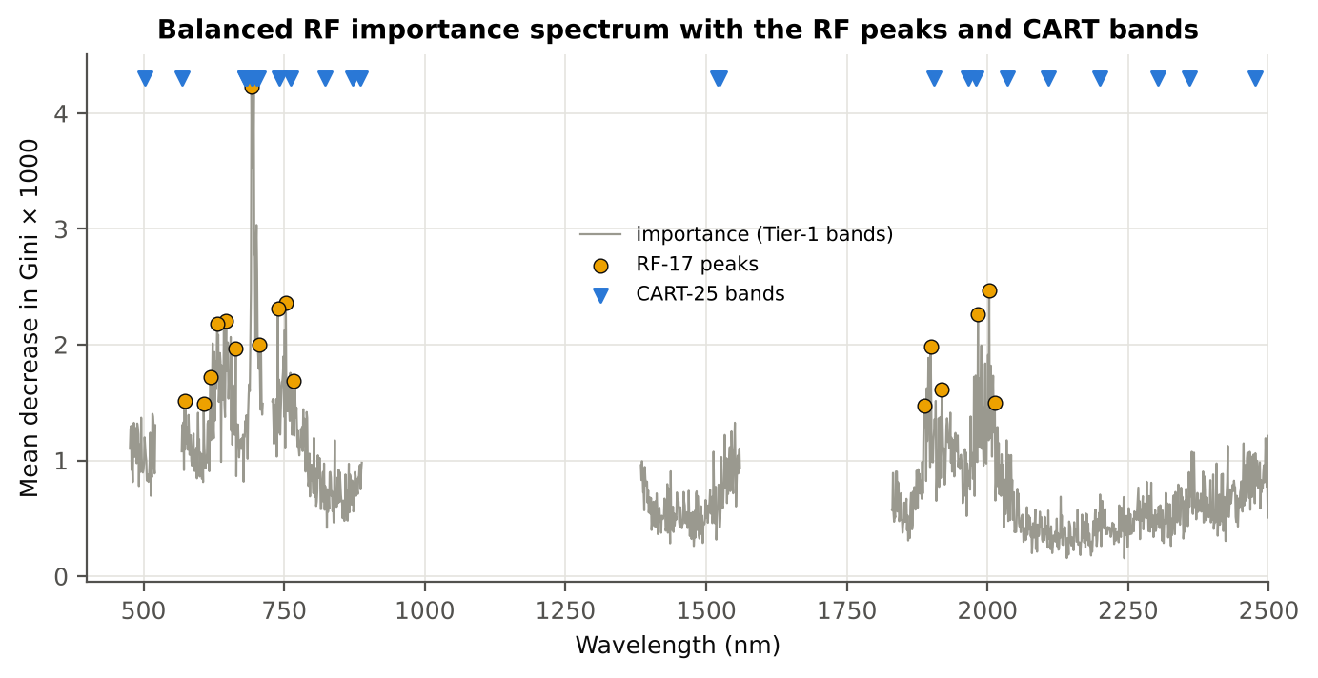
Figure 10. RF importance spectrum with the RF peaks (orange) and the CART bands (blue triangles)

Table 10.3 Checks of the RF importance
Check | Value | Result | Status
Reproducibility: importance of seed 42 vs seed 7 (Spearman ρ) | 0.813 | 16 of 17 peaks within ±10 nm | PASS
R randomForest (stratified sampsize 144 + 144), mean decrease in Gini | ρ = 0.804 | 15 of 17 peaks within ±10 nm; R out-of-bag BA 0.656 | PASS
Permutation importance (drop in AUC, 5 plot-grouped folds) vs Gini, top-50 bands | ρ = 0.27 | shuffling one band hardly changes the forest because its neighbours carry the same information | FLAG
Ordinary RF with class weights only (no balanced bootstrap), out-of-bag | BA 0.641 | healthy recall 0.39: class weights alone leave the forest biased | PASS

12_CART_vs_RF_Validation
CART vs RF as classifiers and as band selectors — honest validation
Same folds everywhere: leaf-level 10-fold cross-validation (optimistic); nested plot-grouped cross-validation 10-fold × 5 = 50 folds; 30 % plot hold-out validation × 10; leave-one-date-out validation on new plots leave-one-date-out on new plots.

Result in brief
CART vs RF: as classifiers RF beats CART by 4.0 points (nested plot-grouped cross-validation, RF better in 35 of 50 folds, p = 1.5e-04); as band selectors for QDA the RF bands give -2.1 points vs the CART bands (p = 0.023). RF selection is more stable than CART selection (Jaccard ±10 nm 0.67 vs 0.33).

What was done
Four pipelines on identical folds. CART classifier: the rpart tree itself predicts. RF classifier: a Balanced RF (500 trees) on the Tier-1 bands predicts. QDA on CART bands: Tier 4 of the paper. QDA on RF bands: QDA on the 17 RF importance peaks. In nested plot-grouped cross-validation, 30 % plot hold-out validation and leave-one-date-out validation on new plots, Tier 1 and band selection are repeated inside every training set. Paired Wilcoxon signed-rank tests compare pipelines over the 50 nested plot-grouped cross-validation folds and the 10 30 % plot hold-out validation splits.
Table 12.1 Validation results (mean over repeats; SD over repeats)
Pipeline | Scheme | repeats | OA | BA | BA_SD | kappa | AUC | PA_H | PA_D | UA_H | UA_D
CART classifier | leaf-level 10-fold cross-validation | 1 | 70.3% | 62.4% |  | 0.1891 | 0.6380 | 50.7% | 74.2% | 28.3% | 88.2%
CART classifier | nested plot-grouped cross-validation | 5 | 68.4% | 59.9% | 1.1% | 0.1483 | 0.5971 | 47.1% | 72.7% | 25.7% | 87.3%
CART classifier | 30 % plot hold-out validation | 10 | 68.5% | 58.6% | 3.5% | 0.1395 | 0.5864 | 43.1% | 74.0% | 27.0% | 85.6%
CART classifier | leave-one-date-out validation on new plots | 10 | 65.3% | 52.6% | 2.5% | 0.0431 | 0.5239 | 32.9% | 72.4% | 20.8% | 83.2%
RF classifier | leaf-level 10-fold cross-validation | 1 | 73.4% | 66.3% |  | 0.2542 | 0.7309 | 55.6% | 77.0% | 32.7% | 89.6%
RF classifier | nested plot-grouped cross-validation | 5 | 71.9% | 63.5% | 0.6% | 0.2111 | 0.7079 | 50.8% | 76.2% | 30.0% | 88.5%
RF classifier | 30 % plot hold-out validation | 10 | 72.2% | 64.2% | 4.0% | 0.2315 | 0.6854 | 51.7% | 76.7% | 32.9% | 87.9%
RF classifier | leave-one-date-out validation on new plots | 10 | 62.9% | 50.5% | 3.0% | 0.0098 | 0.5214 | 31.3% | 69.8% | 18.7% | 82.2%
QDA on CART features | leaf-level 10-fold cross-validation | 1 | 69.3% | 74.4% |  | 0.3069 | 0.8386 | 81.9% | 66.8% | 33.1% | 94.9%
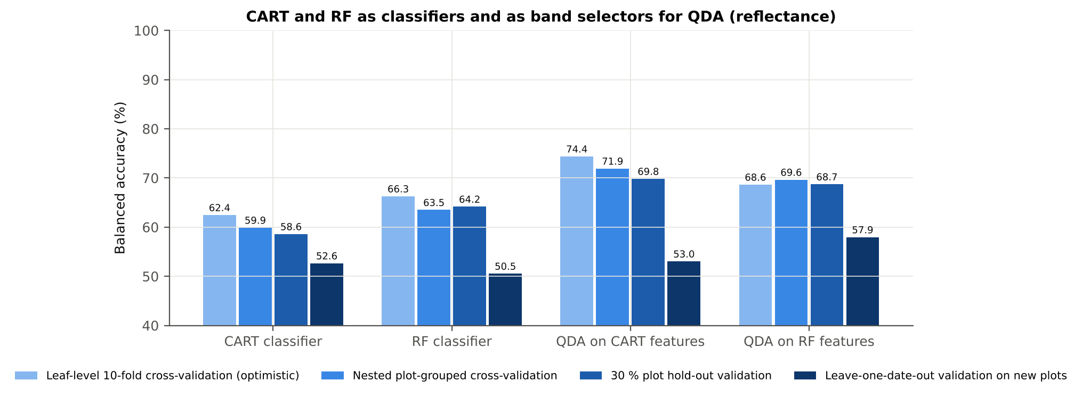
QDA on CART features | nested plot-grouped cross-validation | 5 | 63.7% | 71.9% | 1.7% | 0.2522 | 0.8099 | 84.2% | 59.6% | 29.6% | 94.9%
QDA on CART features | 30 % plot hold-out validation | 10 | 65.4% | 69.8% | 3.5% | 0.2569 | 0.7786 | 76.7% | 63.0% | 31.6% | 92.5%
QDA on CART features | leave-one-date-out validation on new plots | 10 | 65.7% | 53.0% | 3.6% | 0.0494 | 0.5621 | 33.3% | 72.7% | 21.2% | 83.3%
QDA on RF features | leaf-level 10-fold cross-validation | 1 | 55.6% | 68.6% |  | 0.1897 | 0.7847 | 88.2% | 49.1% | 25.8% | 95.4%
QDA on RF features | nested plot-grouped cross-validation | 5 | 59.3% | 69.6% | 1.2% | 0.2123 | 0.7932 | 85.1% | 54.1% | 27.2% | 94.8%
QDA on RF features | 30 % plot hold-out validation | 10 | 61.9% | 68.7% | 2.1% | 0.2271 | 0.7675 | 79.4% | 58.1% | 29.6% | 92.8%
QDA on RF features | leave-one-date-out validation on new plots | 10 | 68.0% | 57.9% | 3.8% | 0.1302 | 0.5922 | 42.3% | 73.6% | 26.3% | 85.3%

Table 12.2 Paired comparisons (same folds; positive = first pipeline better)
Comparison | Units | n | Mean difference | SD | First better | Second better | Ties | Wilcoxon p
RF classifier − CART classifier | Nested plot-grouped cross-validation (folds) | 50 | 4.0% | 6.3% | 35 | 15 | 0 | 1.542E-04
RF classifier − CART classifier | 30 % plot hold-out validation (splits) | 10 | 5.6% | 4.1% | 9 | 1 | 0 | 0.0039
QDA on RF features − QDA on CART features | Nested plot-grouped cross-validation (folds) | 50 | -2.1% | 6.1% | 17 | 32 | 1 | 0.0233
QDA on RF features − QDA on CART features | 30 % plot hold-out validation (splits) | 10 | -1.1% | 3.5% | 4 | 6 | 0 | 0.3750
QDA on CART features − CART classifier | Nested plot-grouped cross-validation (folds) | 50 | 12.2% | 7.2% | 48 | 2 | 0 | 9.626E-10
QDA on CART features − CART classifier | 30 % plot hold-out validation (splits) | 10 | 11.2% | 4.4% | 10 | 0 | 0 | 0.0020
QDA on RF features − RF classifier | Nested plot-grouped cross-validation (folds) | 50 | 6.1% | 8.2% | 36 | 14 | 0 | 1.817E-05
QDA on RF features − RF classifier | 30 % plot hold-out validation (splits) | 10 | 4.6% | 4.3% | 8 | 2 | 0 | 0.0137

Error matrix — CART classifier, 30 % plot hold-out validation (10 splits pooled)
Classified \ Reference | Healthy | Diseased | Row total | User's accuracy (%)
Healthy | 207 | 569 | 776 | 26.68
Diseased | 273 | 1625 | 1898 | 85.62
Column total | 480 | 2194 | 2674
Producer's accuracy (%) | 43.13 | 74.07
Overall accuracy (%) | 68.51
Balanced accuracy (%) | 58.60
Cohen's κ | 0.139
F1 healthy | 0.330
F1 diseased | 0.794

Error matrix — RF classifier, 30 % plot hold-out validation (10 splits pooled)
Classified \ Reference | Healthy | Diseased | Row total | User's accuracy (%)
Healthy | 248 | 512 | 760 | 32.63
Diseased | 232 | 1682 | 1914 | 87.88
Column total | 480 | 2194 | 2674
Producer's accuracy (%) | 51.67 | 76.66
Overall accuracy (%) | 72.18
Balanced accuracy (%) | 64.17
Cohen's κ | 0.231
F1 healthy | 0.400
F1 diseased | 0.819

Error matrix — QDA on CART features, 30 % plot hold-out validation (10 splits pooled)
Classified \ Reference | Healthy | Diseased | Row total | User's accuracy (%)
Healthy | 368 | 812 | 1180 | 31.19
Diseased | 112 | 1382 | 1494 | 92.50
Column total | 480 | 2194 | 2674
Producer's accuracy (%) | 76.67 | 62.99
Overall accuracy (%) | 65.45
Balanced accuracy (%) | 69.83
Cohen's κ | 0.253
F1 healthy | 0.443
F1 diseased | 0.749

Error matrix — QDA on RF features, 30 % plot hold-out validation (10 splits pooled)
Classified \ Reference | Healthy | Diseased | Row total | User's accuracy (%)
Healthy | 381 | 920 | 1301 | 29.29
Diseased | 99 | 1274 | 1373 | 92.79
Column total | 480 | 2194 | 2674
Producer's accuracy (%) | 79.38 | 58.07
Overall accuracy (%) | 61.89
Balanced accuracy (%) | 68.72
Cohen's κ | 0.224
F1 healthy | 0.428
F1 diseased | 0.714

13_Band_Stability
Stability of the CART and RF band sets
Re-selection in the 50 nested training sets of nested plot-grouped cross-validation (a band counts if a band within ± 10 nm is selected).

Result in brief
Mean pairwise Jaccard (±10 nm): RF 0.67, CART 0.33 over 50 nested training sets.
Table 13.1 The CART-25 bands
Feature | Type | Re-selected by CART (±10 nm) | Re-selected by RF (±10 nm)
WV694 | Raw reflectance | 100.0% | 100.0%
WV741 | Raw reflectance | 88.0% | 98.0%
WV2036 | Raw reflectance | 66.0% | 24.0%
WV2200 | Raw reflectance | 38.0% | 0.0%
WV2358 | Raw reflectance | 40.0% | 0.0%
WV2108 | Raw reflectance | 46.0% | 0.0%
WV2303 | Raw reflectance | 34.0% | 0.0%
WV700 | Raw reflectance | 100.0% | 100.0%
WV684 | Raw reflectance | 94.0% | 84.0%
WV823 | Raw reflectance | 24.0% | 4.0%
WV680 | Raw reflectance | 58.0% | 76.0%
WV1521 | Raw reflectance | 12.0% | 2.0%
WV503 | Raw reflectance | 44.0% | 20.0%
WV871 | Raw reflectance | 20.0% | 0.0%
WV1980 | Raw reflectance | 18.0% | 94.0%
WV2475 | Raw reflectance | 42.0% | 4.0%
WV761 | Raw reflectance | 70.0% | 98.0%
WV886 | Raw reflectance | 16.0% | 0.0%
WV692 | Raw reflectance | 100.0% | 100.0%
WV1524 | Raw reflectance | 12.0% | 2.0%
WV681 | Raw reflectance | 60.0% | 74.0%
WV568 | Raw reflectance | 42.0% | 40.0%
WV704 | Raw reflectance | 100.0% | 100.0%
WV1965 | Raw reflectance | 10.0% | 44.0%
WV1904 | Raw reflectance | 60.0% | 68.0%

Table 13.2 The RF-17 bands
Feature | Type | Re-selected by CART (±10 nm) | Re-selected by RF (±10 nm)
WV692 | Raw reflectance | 100.0% | 100.0%
WV2003 | Raw reflectance | 10.0% | 92.0%
WV753 | Raw reflectance | 86.0% | 98.0%
WV739 | Raw reflectance | 88.0% | 92.0%
WV1983 | Raw reflectance | 22.0% | 94.0%
WV647 | Raw reflectance | 40.0% | 100.0%
WV631 | Raw reflectance | 22.0% | 100.0%
WV706 | Raw reflectance | 84.0% | 96.0%
WV1899 | Raw reflectance | 62.0% | 100.0%
WV664 | Raw reflectance | 22.0% | 80.0%
WV619 | Raw reflectance | 24.0% | 86.0%
WV767 | Raw reflectance | 40.0% | 98.0%
WV1919 | Raw reflectance | 52.0% | 30.0%
WV573 | Raw reflectance | 46.0% | 46.0%
WV2013 | Raw reflectance | 30.0% | 86.0%
WV607 | Raw reflectance | 44.0% | 56.0%
WV1887 | Raw reflectance | 48.0% | 88.0%

Table 13.3 Stability index
Method | Training sets | Mean features | Range | Unique features (union) | Selected in all sets (exact) | Stability index (exact) = all / union | Selected in all sets (±10 nm) | Stability index (±10 nm) | Mean pairwise Jaccard (±10 nm) | SD Jaccard
CART | 50 | 20.14 | 15–26 | 411 | 0 | 0.0000 | 16 | 0.0389 | 0.3313 | 0.1000
RF | 50 | 17.00 | 17–17 | 320 | 0 | 0.0000 | 53 | 0.1656 | 0.6689 | 0.0915
Stability index (exact) = bands selected in all 50 training sets ÷ all bands ever selected; the ±10 nm version counts a band as re-selected when a band within 10 nm is chosen; the mean pairwise Jaccard index (±10 nm) compares every pair of training sets.
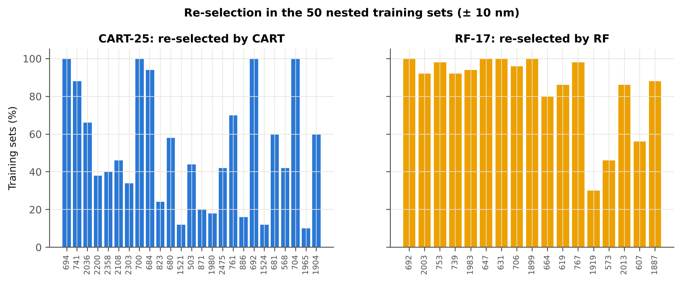

Table 13.4 Bands most often selected by CART (exact band)
Feature | Type | Times selected (exact) | Share of training sets
WV694 | Raw reflectance | 38 | 76.0%
WV741 | Raw reflectance | 27 | 54.0%
WV2108 | Raw reflectance | 22 | 44.0%
WV2036 | Raw reflectance | 22 | 44.0%
WV2200 | Raw reflectance | 15 | 30.0%
WV2357 | Raw reflectance | 14 | 28.0%
WV2303 | Raw reflectance | 12 | 24.0%
WV2271 | Raw reflectance | 11 | 22.0%
WV1535 | Raw reflectance | 10 | 20.0%
WV2475 | Raw reflectance | 10 | 20.0%
WV700 | Raw reflectance | 10 | 20.0%
WV503 | Raw reflectance | 10 | 20.0%
WV701 | Raw reflectance | 9 | 18.0%
WV2019 | Raw reflectance | 9 | 18.0%
WV703 | Raw reflectance | 9 | 18.0%
WV572 | Raw reflectance | 9 | 18.0%
WV752 | Raw reflectance | 8 | 16.0%
WV1915 | Raw reflectance | 8 | 16.0%
WV755 | Raw reflectance | 8 | 16.0%
WV1904 | Raw reflectance | 8 | 16.0%
WV823 | Raw reflectance | 8 | 16.0%
WV642 | Raw reflectance | 7 | 14.0%
WV681 | Raw reflectance | 7 | 14.0%
WV761 | Raw reflectance | 7 | 14.0%
WV1902 | Raw reflectance | 7 | 14.0%
WV1894 | Raw reflectance | 6 | 12.0%
WV602 | Raw reflectance | 6 | 12.0%
WV746 | Raw reflectance | 6 | 12.0%
WV490 | Raw reflectance | 6 | 12.0%
WV1876 | Raw reflectance | 6 | 12.0%

Table 13.5 Bands most often selected by RF (exact band)
Feature | Type | Times selected (exact) | Share of training sets
WV694 | Raw reflectance | 13 | 26.0%
WV696 | Raw reflectance | 10 | 20.0%
WV697 | Raw reflectance | 9 | 18.0%
WV769 | Raw reflectance | 8 | 16.0%
WV706 | Raw reflectance | 8 | 16.0%
WV695 | Raw reflectance | 8 | 16.0%
WV708 | Raw reflectance | 7 | 14.0%
WV745 | Raw reflectance | 7 | 14.0%
WV709 | Raw reflectance | 7 | 14.0%
WV1895 | Raw reflectance | 7 | 14.0%
WV620 | Raw reflectance | 7 | 14.0%
WV635 | Raw reflectance | 7 | 14.0%
WV2004 | Raw reflectance | 7 | 14.0%
WV617 | Raw reflectance | 7 | 14.0%
WV1892 | Raw reflectance | 6 | 12.0%
WV707 | Raw reflectance | 6 | 12.0%
WV643 | Raw reflectance | 6 | 12.0%
WV757 | Raw reflectance | 6 | 12.0%
WV734 | Raw reflectance | 6 | 12.0%
WV762 | Raw reflectance | 6 | 12.0%
WV1891 | Raw reflectance | 6 | 12.0%
WV1984 | Raw reflectance | 6 | 12.0%
WV1894 | Raw reflectance | 6 | 12.0%
WV684 | Raw reflectance | 6 | 12.0%
WV623 | Raw reflectance | 6 | 12.0%
WV746 | Raw reflectance | 5 | 10.0%
WV758 | Raw reflectance | 5 | 10.0%
WV648 | Raw reflectance | 5 | 10.0%
WV2003 | Raw reflectance | 5 | 10.0%
WV677 | Raw reflectance | 5 | 10.0%

14_Smoothing_Detector_Joins
Spectral smoothing / denoising and detector joins
Splice correction, Savitzky–Golay smoothing and derivatives; guard zones at the detector joins.

What was done
1. Splice correction: the ASD records 350–1000 nm (VNIR), 1001–1800 nm (SWIR-1) and 1801–2500 nm (SWIR-2) with three detectors. For each join a straight line was fitted to the 10 nm before the join and the next detector was shifted so that it continues this line at join + 1 nm. 2. Smoothing: Savitzky–Golay filter (window 11, order 2); first derivative SG(15, 2), second derivative SG(21, 2). 3. Guard zones: bands next to the joins are excluded from feature ranking (reflectance 990–1010 and 1795–1835 nm; first derivative 988–1012 and 1793–1837 nm; second derivative 985–1015 and 1790–1840 nm) because the filter windows straddle the join and a date-dependent start-up bump follows 1801 nm.
Table 14.1 Splice offsets added to the following detector (reflectance)
Join | Offset Healthy (mean) | SD (neg) | Offset Diseased (mean) | SD (pos)
1000/1001 nm | 0.0018 | 5.207E-04 | 0.0020 | 5.146E-04
1800/1801 nm | 2.497E-05 | 2.522E-04 | -8.006E-05 | 2.708E-04

Table 14.2 Spectral slope just before and just after the 1800/1801 nm join (reflectance × 10⁵ per nm)
Date | Slope 1786-1800 Healthy | Slope 1786-1800 Diseased | Slope 1801-1815 Healthy | Slope 1801-1815 Diseased
11-02-2026 | -9.1366 | -7.9112 | 15.05 | 20.12
24-02-2026 | -11.35 | -7.7986 | 25.75 | 21.12
03-03-2026 | -12.26 | -13.26 | 5.7842 | 11.03
13-03-2026 | -9.3877 | -9.2088 | -0.6474 | 3.3911
A healthy spectrum falls smoothly across the join; a slope that turns upward right after the join, or a class difference that changes with the date, marks the start-up artefact.

Table 14.3 Noise removed by the Savitzky–Golay filter
Range (nm) | Noise (SD raw - smoothed)
350-399 | 0.0065
400-499 | 7.857E-04
500-599 | 6.907E-05
600-679 | 2.829E-05
680-759 | 3.904E-05
760-1349 | 2.997E-05
1350-1430 | 1.744E-05
1431-1799 | 1.116E-05
1800-1950 | 1.490E-05
1951-2349 | 1.763E-05
2350-2500 | 8.079E-05

Table 14.4 Smoothing preserves the signal
Check of the smoothing | Value
Correlation of class-mean spectra, raw vs smoothed — healthy | 0.999991
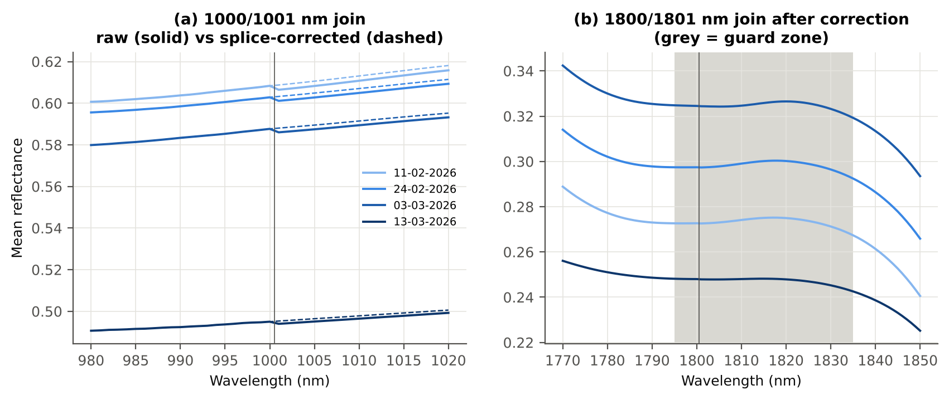
Correlation of class-mean spectra, raw vs smoothed — diseased | 0.999989
Largest change of the all-leaf mean spectrum (reflectance) | 0.001989
Tier-1 significant bands: raw vs smoothed | 1199 vs 1200

Cross-checks for this step
Step | What was checked | Method | Result | Status
Smoothing and detector-join correction | Smoothing preserves the signal | class-mean spectra raw vs smoothed; Tier-1 counts | r ≥ 0.999989; 1199 (raw) vs 1200 (smoothed) significant bands | PASS
Smoothing and detector-join correction | Detector artefact at the 1800/1801 nm join | slope just before vs just after the join, by date and class | start-up bump detected → guard zones applied | FLAG

15_Band_Reflectance
Band reflectance — which single bands are disease-sensitive
Splice-corrected, smoothed reflectance at every band 400–2500 nm (guard zones excluded from the ranking).

Result in brief
1200 of 2101 smoothed bands significant; 0 bands with AUC ≥ 0.70; best band 1894 nm (AUC 0.67).

What was done
For every band: Welch's t-test with BH-FDR, Hedges' g (standardised mean difference, bias-corrected), the area under the ROC curve (AUC, direction-free: 0.5 = no separation, 1 = perfect) and a threshold classifier (Youden's J; the threshold and its direction are chosen on training plots and applied to test plots: plot-grouped cross-validation (nested plot-grouped cross-validation) and hold-out (30 % plot hold-out validation)).
Table 15.1 Band-reflectance sensitivity
Summary | Value
Bands tested | 2101
Significant (Welch + FDR), smoothed spectra | 1200
Significant, raw spectra (Tier 1) | 1199
Bands with AUC ≥ 0.70 (outside guard zones) | 0
Highest AUC (outside guard zones) | 0.669 at 1894 nm

Table 15.2 Most sensitive band in each spectral region (band reflectance features)
Wavelength (nm) | Region | AUC | Direction | Hedges g | Welch t | q (BH) | Mean healthy | Mean diseased | BA plot-grouped cross-validation | BA hold-out
499.00 | 400–499 | 0.5639 | D > H | 0.2606 | 3.2118 | 0.0032 | 0.1411 | 0.1499 | 51.5% | 52.6%
599.00 | 500–599 | 0.6047 | D > H | 0.3842 | 5.7507 | 8.887E-08 | 0.1494 | 0.1608 | 58.5% | 57.7%
656.00 | 600–679 | 0.6443 | D > H | 0.4816 | 8.1355 | 2.323E-13 | 0.0993 | 0.1116 | 61.5% | 59.5%
693.00 | 680–759 | 0.6539 | D > H | 0.5064 | 8.6676 | 6.059E-14 | 0.1224 | 0.1383 | 62.7% | 61.6%
761.00 | 760–1349 | 0.6140 | D < H | -0.3113 | -3.4018 | 0.0018 | 0.6097 | 0.5896 | 59.4% | 59.9%
1430.00 | 1350–1430 | 0.6175 | D > H | 0.3840 | 6.2567 | 5.492E-09 | 0.1183 | 0.1318 | 55.7% | 56.4%
1439.00 | 1431–1799 | 0.6186 | D > H | 0.3857 | 6.3428 | 3.482E-09 | 0.1155 | 0.1290 | 56.5% | 56.8%
1894.00 | 1800–1950 | 0.6686 | D > H | 0.4082 | 8.0263 | 2.323E-13 | 0.0681 | 0.0809 | 61.8% | 60.4%
1997.00 | 1951–2349 | 0.6618 | D > H | 0.4108 | 8.0562 | 2.323E-13 | 0.0683 | 0.0813 | 63.0% | 60.5%
2495.00 | 2350–2500 | 0.6293 | D > H | 0.3732 | 6.6059 | 7.761E-10 | 0.0715 | 0.0845 | 55.4% | 55.4%

Table 15.3 Fifteen most sensitive bands overall
Wavelength (nm) | Mean healthy | Mean diseased | Welch t | q (BH) | Hedges g | AUC | Direction
1894.00 | 0.0681 | 0.0809 | 8.0263 | 2.323E-13 | 0.4082 | 0.6686 | D > H
1895.00 | 0.0668 | 0.0794 | 7.9962 | 2.330E-13 | 0.4058 | 0.6684 | D > H
1896.00 | 0.0657 | 0.0781 | 7.9561 | 2.531E-13 | 0.4033 | 0.6681 | D > H
1893.00 | 0.0696 | 0.0826 | 8.0446 | 2.323E-13 | 0.4103 | 0.6675 | D > H
1892.00 | 0.0712 | 0.0845 | 8.0495 | 2.323E-13 | 0.4122 | 0.6671 | D > H
1897.00 | 0.0647 | 0.0769 | 7.9076 | 2.792E-13 | 0.4007 | 0.6670 | D > H
1898.00 | 0.0638 | 0.0759 | 7.8523 | 3.484E-13 | 0.3979 | 0.6667 | D > H
1891.00 | 0.0731 | 0.0865 | 8.0389 | 2.323E-13 | 0.4139 | 0.6663 | D > H
1899.00 | 0.0631 | 0.0749 | 7.7915 | 4.818E-13 | 0.3951 | 0.6656 | D > H
1890.00 | 0.0752 | 0.0888 | 8.0114 | 2.330E-13 | 0.4152 | 0.6650 | D > H
1900.00 | 0.0624 | 0.0741 | 7.7270 | 6.990E-13 | 0.3923 | 0.6640 | D > H
1889.00 | 0.0775 | 0.0913 | 7.9661 | 2.592E-13 | 0.4161 | 0.6631 | D > H
1901.00 | 0.0619 | 0.0734 | 7.6606 | 1.047E-12 | 0.3895 | 0.6631 | D > H
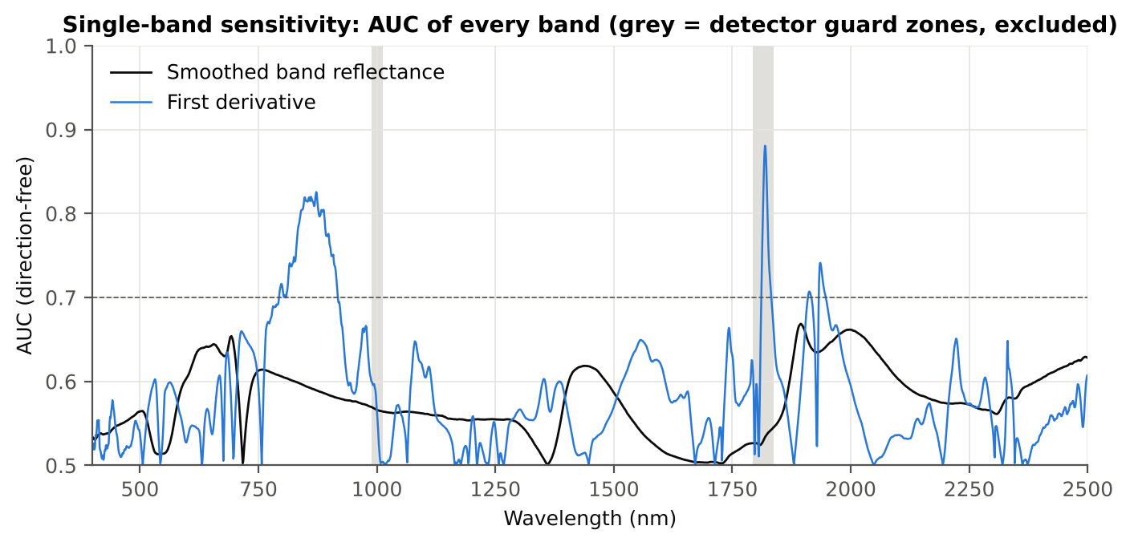
1902.00 | 0.0614 | 0.0727 | 7.5931 | 1.572E-12 | 0.3867 | 0.6619 | D > H
1997.00 | 0.0683 | 0.0813 | 8.0562 | 2.323E-13 | 0.4108 | 0.6618 | D > H

Figure 15. AUC of every band: reflectance (band reflectance, black) and first derivative (derivative and edge features, blue)

16_Continuum_Removal
Continuum-removed absorption parameters
Six absorption features; continuum = upper convex hull of each window (Clark & Roush 1984; Kokaly & Clark 1999).

Result in brief
Most sensitive continuum-removed parameter: CR3 water 970 width (AUC 0.75, BA plot-grouped cross-validation 68.1 %).

What was done
Within each window the reflectance was divided by its upper convex hull (continuum). From the continuum-removed curve: depth (1 − minimum), position (wavelength of the minimum), area (sum of 1 − CR, nm), width (full width at half depth, nm) and symmetry (share of the area left of the position). Statistics as in band reflectance, plus a linear mixed model (q) and the plot intraclass correlation (ICC).
Table 16.1 Absorption windows
Feature | From (nm) | To (nm) | Absorber
CR1 blue | 400 | 548 | chlorophyll / carotenoid (≈ 495 nm)
CR2 red | 548 | 765 | chlorophyll a/b, red well (≈ 675 nm)
CR3 water 970 | 914 | 1069 | leaf water (≈ 970 nm)
CR4 water 1200 | 1069 | 1258 | leaf water (≈ 1160–1200 nm)
CR5 water 1450 | 1258 | 1721 | leaf water (≈ 1450 nm)
CR6 water 1940 | 1721 | 2304 | leaf water (≈ 1940 nm)

Table 16.2 All 30 continuum-removed parameters, ranked by AUC
Feature | Mean healthy | Mean diseased | Welch t | q (BH) | Hedges g | AUC | Direction | Threshold | Rule | BA all leaves | BA plot-grouped cross-validation | BA hold-out | Mixed-model q | ICC plot
CR3 water 970 width | 63.95 | 61.09 | -13.44 | 8.480E-34 | -0.7534 | 0.7451 | D < H | 62.50 | diseased if < thr | 69.6% | 68.1% | 67.3% | 4.354E-06 | 0.0786
CR6 water 1940 position | 1912.76 | 1916.60 | 7.7033 | 7.492E-12 | 0.7803 | 0.6894 | D > H | 1913.50 | diseased if > thr | 64.3% | 61.9% | 62.2% | 7.106E-08 | 0.0274
CR6 water 1940 symmetry | 0.2366 | 0.2483 | 6.0020 | 4.100E-08 | 0.5892 | 0.6814 | D > H | 0.2256 | diseased if > thr | 68.3% | 68.1% | 67.2% | 8.921E-07 | 1.285E-05
CR2 red area | 98.61 | 92.75 | -7.8642 | 7.302E-13 | -0.5070 | 0.6501 | D < H | 98.14 | diseased if < thr | 61.8% | 58.5% | 58.1% | 1.535E-04 | 0.0299
CR2 red width | 132.29 | 128.71 | -6.9161 | 1.379E-10 | -0.4471 | 0.6399 | D < H | 133.50 | diseased if < thr | 61.1% | 59.3% | 58.8% | 3.955E-04 | 0.0226
CR2 red depth | 0.8051 | 0.7757 | -7.2506 | 1.868E-11 | -0.4546 | 0.6374 | D < H | 0.8218 | diseased if < thr | 60.6% | 59.2% | 57.8% | 0.0015 | 0.0541
CR1 blue symmetry | 0.6880 | 0.6814 | -5.0177 | 2.774E-06 | -0.3970 | 0.6170 | D < H | 0.6873 | diseased if < thr | 61.1% | 60.7% | 56.8% | 3.955E-04 | 3.063E-05
CR5 water 1450 depth | 0.7525 | 0.7241 | -6.3572 | 3.365E-09 | -0.4147 | 0.6147 | D < H | 0.7290 | diseased if < thr | 60.4% | 56.4% | 56.6% | 0.0025 | 0.0519
CR3 water 970 area | 2.9147 | 2.6356 | -4.4831 | 2.934E-05 | -0.3750 | 0.6141 | D < H | 2.5097 | diseased if < thr | 61.1% | 60.8% | 60.9% | 0.0083 | 0.0667
CR1 blue depth | 0.4049 | 0.3776 | -5.4183 | 4.910E-07 | -0.4323 | 0.6139 | D < H | 0.4103 | diseased if < thr | 58.3% | 54.5% | 55.1% | 0.0016 | 0.0461
CR1 blue area | 31.28 | 29.01 | -5.2279 | 1.152E-06 | -0.4275 | 0.6128 | D < H | 29.38 | diseased if < thr | 58.8% | 56.2% | 56.9% | 0.0016 | 0.0448
CR6 water 1940 depth | 0.8004 | 0.7773 | -5.5921 | 1.978E-07 | -0.3973 | 0.6109 | D < H | 0.7746 | diseased if < thr | 58.8% | 56.0% | 55.0% | 0.0019 | 0.0327
CR3 water 970 symmetry | 0.3801 | 0.3869 | 4.1479 | 1.150E-04 | 0.3939 | 0.6030 | D > H | 0.3691 | diseased if > thr | 58.4% | 55.3% | 56.3% | 0.0033 | 0.0482
CR5 water 1450 symmetry | 0.3444 | 0.3420 | -3.9015 | 2.651E-04 | -0.3056 | 0.5919 | D < H | 0.3423 | diseased if < thr | 57.7% | 53.6% | 54.8% | 0.0038 | 2.317E-05
CR6 water 1940 area | 232.14 | 223.57 | -2.9575 | 0.0054 | -0.2358 | 0.5830 | D < H | 244.22 | diseased if < thr | 59.3% | 58.9% | 56.2% | 0.0230 | 7.589E-06
CR3 water 970 depth | 0.0433 | 0.0406 | -3.1168 | 0.0037 | -0.2669 | 0.5789 | D < H | 0.0377 | diseased if < thr | 58.9% | 56.4% | 58.2% | 0.0473 | 0.0551
CR1 blue position | 496.33 | 495.59 | -3.5505 | 8.608E-04 | -0.2726 | 0.5709 | D < H | 495.50 | diseased if < thr | 56.3% | 56.0% | 53.6% | 0.0206 | 0.0221
CR5 water 1450 area | 147.09 | 141.50 | -3.6851 | 5.620E-04 | -0.2862 | 0.5703 | D < H | 142.39 | diseased if < thr | 57.2% | 53.0% | 54.1% | 0.0133 | 0.0175
CR2 red symmetry | 0.7215 | 0.7257 | 2.7051 | 0.0111 | 0.2455 | 0.5683 | D > H | 0.7389 | diseased if > thr | 56.2% | 53.8% | 53.4% | 0.0883 | 0.0748
CR3 water 970 position | 971.39 | 970.89 | -3.0089 | 0.0048 | -0.2411 | 0.5550 | D < H | 968.50 | diseased if < thr | 54.7% | 50.0% | 51.3% | 0.0473 | 0.0316
CR1 blue width | 79.58 | 78.89 | -1.8787 | 0.0878 | -0.1455 | 0.5498 | D < H | 80.50 | diseased if < thr | 55.1% | 52.1% | 52.7% | 0.3350 | 0.1059
CR4 water 1200 depth | 0.0743 | 0.0719 | -1.8374 | 0.0921 | -0.1627 | 0.5437 | D < H | 0.0675 | diseased if < thr | 54.7% | 52.2% | 51.3% | 0.2375 | 0.0535
CR4 water 1200 position | 1160.79 | 1160.92 | 1.5532 | 0.1522 | 0.1265 | 0.5433 | D > H | 1160.50 | diseased if > thr | 54.4% | 54.4% | 53.3% | 0.2375 | 7.458E-06
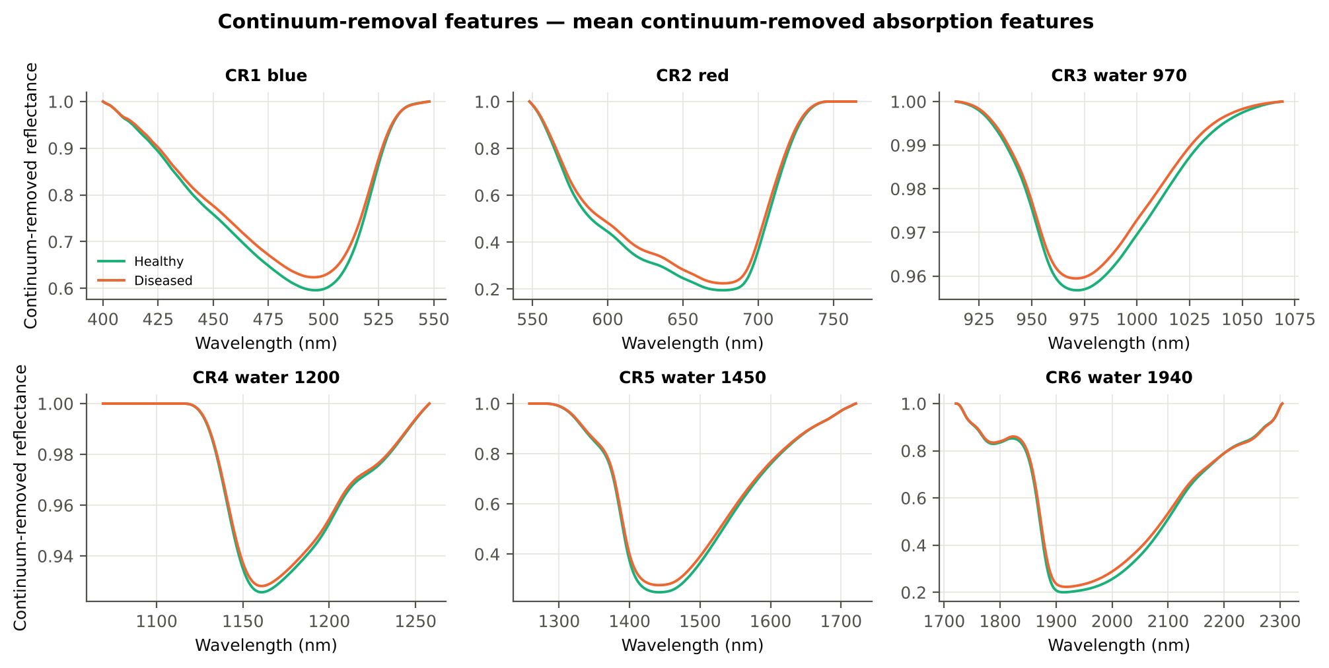
CR4 water 1200 area | 5.3499 | 5.1605 | -1.7428 | 0.1081 | -0.1568 | 0.5385 | D < H | 4.4472 | diseased if < thr | 56.3% | 55.7% | 56.2% | 0.2456 | 0.0524
CR2 red position | 676.69 | 677.01 | 1.5308 | 0.1529 | 0.1405 | 0.5367 | D > H | 676.50 | diseased if > thr | 53.5% | 51.9% | 51.3% | 0.2972 | 0.0583
CR5 water 1450 position | 1442.09 | 1441.79 | -1.0633 | 0.3094 | -0.0903 | 0.5282 | D < H | 1443.50 | diseased if < thr | 54.1% | 54.0% | 51.6% | 0.3512 | 1.326E-05
CR4 water 1200 symmetry | 0.2973 | 0.2991 | 1.4961 | 0.1569 | 0.1187 | 0.5226 | D > H | 0.3130 | diseased if > thr | 53.4% | 50.1% | 51.0% | 0.2499 | 1.770E-05
CR6 water 1940 width | 261.63 | 258.93 | -1.2399 | 0.2403 | -0.1021 | 0.5198 | D < H | 228.50 | diseased if < thr | 54.7% | 54.0% | 53.8% | 0.3102 | 8.149E-06
CR5 water 1450 width | 178.72 | 178.56 | -0.1569 | 0.8755 | -0.0134 | 0.5024 | D > H | 180.50 | diseased if > thr | 53.6% | 51.4% | 50.0% | 0.8843 | 1.720E-05
CR4 water 1200 width | 68.27 | 68.02 | -0.3683 | 0.7376 | -0.0327 | 0.5009 | D < H | 60.50 | diseased if < thr | 52.5% | 47.3% | 48.5% | 0.7467 | 2.498E-05

Cross-checks for this step
Step | What was checked | Method | Result | Status
Continuum-removal features | Convex hull | monotone-chain upper hull vs SciPy ConvexHull, 20 leaves × 6 windows | max |Δ continuum| = 0.0e+00 | PASS

17_Vegetation_Indices
Disease-sensitive spectral (vegetation) indices — the 31 indices of the flowering-stage workbook
Computed from splice-corrected, smoothed reflectance at the nearest 1 nm band.

Result in brief
Most sensitive index: NWI2 (AUC 0.68, BA plot-grouped cross-validation 63.8 %).
Table 17.1 The 31 indices
Index | Name | Equation (as computed) | Reference
WI | Water Index | R900 / R970 | Peñuelas et al., 1997
mCARI1 | Modified Chlorophyll Absorption in Reflectance Index 1 | 1.2[2.5(R761 − R651) − 1.3(R761 − R581)] | Haboudane et al., 2004
MTVI1 | Modified Triangular Vegetation Index 1 | 1.2[1.2(R761 − R581) − 2.5(R651 − R581)] | Haboudane et al., 2004
MTVI2 | Modified Triangular Vegetation Index 2 | 1.5[1.2(R761 − R581) − 2.5(R651 − R581)] / √[(2R761 + 1)² − (6R761 − 5√R651) − 0.5] | Haboudane et al., 2004
SR900 | Simple Ratio Index 900 | R900 / R680 | Jordan, 1969
SR850 | Simple Ratio Index 850 | R850 / R680 | Jordan, 1969
GNDVI | Green NDVI | (R850 − R580) / (R850 + R580) | Gitelson and Merzlyak, 1996
PRI | Photochemical Reflectance Index | (R531 − R570) / (R531 + R570) | Gamon et al., 1992
RARSa | Ratio Analysis of Reflectance Spectra, chlorophyll a | R675 / R700 | Chappelle et al., 1992
RARSb | Ratio Analysis of Reflectance Spectra, chlorophyll b | R675 / (R700 × R650) | Chappelle et al., 1992
RARSc | Ratio Analysis of Reflectance Spectra, carotenoids | R750 / R700 | Chappelle et al., 1992
PSSRa | Pigment Specific Simple Ratio a | R800 / R680 | Blackburn, 1998
NDVI780 | Normalized Difference Vegetation Index 780 | (R780 − R670) / (R780 + R670) | Raun et al., 2001
SIPI | Structure Insensitive Pigment Index | (R800 − R445) / (R800 − R680) | Peñuelas et al., 1995
NCPI | Normalized Chlorophyll Pigment Ratio Index | (R670 − R450) / (R670 + R450) | Peñuelas et al., 1994
NPQI | Normalized Phaeophytinization Index | (R415 − R435) / (R415 + R435) | Barnes et al., 1992
PSRI | Plant Senescence Reflectance Index | (R680 − R500) / R750 | Merzlyak et al., 1999
WI/ND | Ratio of WI and NDVI | (R900 / R970) / [(R900 − R680) / (R900 + R680)] | Peñuelas et al., 1997
TCARI | Transformed Chlorophyll Absorption in Reflectance Index | 3[(R700 − R670) − 0.2(R700 − R550)(R700 / R670)] | Haboudane et al., 2002
VIGreen | Green Vegetation Index | (R760 − R550) / (R760 + R550) | Gitelson et al., 2002
RVS1 | Red-Edge Vegetation Stress Index 1 | R651 + R750 | Merton, 1998
RVS2 | Red-Edge Vegetation Stress Index 2 | (R651 + R750) / (R651 − R750) | Merton, 1998
TVI | Triangle Vegetation Index | 0.5[120(R761 − R581) − 200(R651 − R581)] | Broge and Leblanc, 2001
RDVI | Renormalized Difference Vegetation Index | (R761 − R651) / √(R761 + R651) | Roujean and Breon, 1995
NDVI850 | Normalized Difference Vegetation Index 850 | (R850 − R651) / (R850 + R651) | Raun et al., 2001
SR761 | Simple Ratio Index 761 | R761 / R651 | Jordan, 1969
NDVI761 | Normalized Difference Vegetation Index 761 | (R761 − R651) / (R761 + R651) | Raun et al., 2001
PPR | Plant Pigment Ratio | R550 / R450 | Metternicht, 2003
NWI2 | Normalized Water Index 2 | (R970 − R850) / (R970 + R850) | Babar et al., 2006
NRI | Nitrogen Reflectance Index | (R570 − R670) / (R570 + R670) | Bausch and Duke, 1996
ARI | Anthocyanin Reflectance Index | 1/R550 − 1/R700 | Gitelson et al., 2001

Table 17.2 Sensitivity of the 31 indices to white rust, ranked by AUC
Feature | Mean healthy | Mean diseased | Welch t | q (BH) | Hedges g | AUC | Direction | Threshold | Rule | BA all leaves | BA plot-grouped cross-validation | BA hold-out | Mixed-model q | ICC plot
NWI2 | -0.0267 | -0.0211 | 8.8485 | 2.846E-15 | 0.6233 | 0.6827 | D > H | -0.0215 | diseased if > thr | 65.2% | 63.8% | 64.6% | 1.948E-04 | 0.1028
RARSc | 3.2820 | 2.9745 | -7.0796 | 5.888E-11 | -0.5284 | 0.6558 | D < H | 2.9013 | diseased if < thr | 62.4% | 59.5% | 59.0% | 1.176E-04 | 0.0246
RVS2 | -1.4213 | -1.5260 | -8.0507 | 3.906E-14 | -0.4085 | 0.6555 | D < H | -1.4801 | diseased if < thr | 62.0% | 57.4% | 57.2% | 0.0020 | 0.0541
SR761 | 6.0013 | 5.3465 | -7.2942 | 1.918E-11 | -0.5502 | 0.6551 | D < H | 5.1600 | diseased if < thr | 62.0% | 57.2% | 57.6% | 1.176E-04 | 0.0404
NDVI761 | 0.7089 | 0.6706 | -8.3887 | 1.746E-14 | -0.5292 | 0.6551 | D < H | 0.6753 | diseased if < thr | 62.0% | 57.2% | 57.6% | 1.882E-04 | 0.0461
RDVI | 0.5986 | 0.5633 | -6.6255 | 6.544E-10 | -0.4880 | 0.6521 | D < H | 0.6052 | diseased if < thr | 62.6% | 61.6% | 60.9% | 1.176E-04 | 0.0114
NDVI850 | 0.7066 | 0.6713 | -8.0402 | 1.092E-13 | -0.5146 | 0.6475 | D < H | 0.6916 | diseased if < thr | 61.6% | 58.1% | 57.6% | 1.948E-04 | 0.0475
NDVI780 | 0.7398 | 0.7055 | -7.6347 | 1.395E-12 | -0.4914 | 0.6453 | D < H | 0.6974 | diseased if < thr | 60.5% | 54.6% | 56.6% | 4.036E-04 | 0.0589
ARI | -1.2045 | -0.8584 | 5.3540 | 3.703E-07 | 0.4048 | 0.6408 | D > H | -1.3917 | diseased if > thr | 63.4% | 60.9% | 60.9% | 1.948E-04 | 8.756E-06
MTVI2 | 0.6730 | 0.6295 | -6.0320 | 1.142E-08 | -0.4513 | 0.6406 | D < H | 0.7210 | diseased if < thr | 60.7% | 55.8% | 57.7% | 1.542E-04 | 0.0066
PSSRa | 6.6603 | 5.9856 | -6.4759 | 1.435E-09 | -0.5045 | 0.6399 | D < H | 5.4638 | diseased if < thr | 60.8% | 56.3% | 56.6% | 4.036E-04 | 0.0652
WI | 1.0504 | 1.0432 | -6.2871 | 3.720E-09 | -0.4888 | 0.6395 | D < H | 1.0404 | diseased if < thr | 62.2% | 60.8% | 60.9% | 0.0010 | 0.0860
SR850 | 6.6188 | 5.9759 | -6.2768 | 3.720E-09 | -0.4903 | 0.6357 | D < H | 5.4476 | diseased if < thr | 60.4% | 56.7% | 56.7% | 5.171E-04 | 0.0653
TVI | 33.06 | 31.01 | -4.9215 | 2.831E-06 | -0.4052 | 0.6336 | D < H | 34.14 | diseased if < thr | 61.7% | 60.3% | 58.6% | 1.948E-04 | 3.197E-05
SR900 | 6.5900 | 5.9721 | -6.0753 | 1.044E-08 | -0.4754 | 0.6309 | D < H | 5.4143 | diseased if < thr | 60.1% | 56.6% | 56.6% | 6.659E-04 | 0.0640
GNDVI | 0.5571 | 0.5300 | -6.8172 | 1.732E-10 | -0.4489 | 0.6273 | D < H | 0.5159 | diseased if < thr | 61.9% | 60.1% | 59.7% | 0.0013 | 0.0671
MTVI1 | 0.8334 | 0.7829 | -4.7026 | 6.883E-06 | -0.3869 | 0.6265 | D < H | 0.8431 | diseased if < thr | 61.1% | 58.2% | 58.8% | 3.008E-04 | 3.249E-05
mCARI1 | 0.8334 | 0.7829 | -4.7026 | 6.883E-06 | -0.3869 | 0.6265 | D < H | 0.8431 | diseased if < thr | 61.1% | 58.2% | 58.8% | 3.008E-04 | 3.249E-05
RARSb | 4.7707 | 4.4449 | -5.1178 | 1.129E-06 | -0.3956 | 0.6225 | D < H | 4.6740 | diseased if < thr | 60.1% | 57.1% | 56.9% | 0.0031 | 0.0593
WI/ND | 1.4421 | 1.5081 | 6.4870 | 6.781E-10 | 0.3671 | 0.6105 | D > H | 1.5141 | diseased if > thr | 58.7% | 53.9% | 55.1% | 0.0049 | 0.0557
PRI | 0.0627 | 0.0541 | -2.9527 | 0.0047 | -0.2450 | 0.6006 | D < H | 0.0773 | diseased if < thr | 60.1% | 59.8% | 59.6% | 0.0142 | 2.468E-05
VIGreen | 0.4327 | 0.4145 | -4.3973 | 2.166E-05 | -0.3074 | 0.5892 | D < H | 0.4093 | diseased if < thr | 60.0% | 60.0% | 58.7% | 0.0171 | 0.0554
NRI | 0.3760 | 0.3456 | -4.4183 | 2.166E-05 | -0.3433 | 0.5876 | D < H | 0.3813 | diseased if < thr | 57.0% | 53.9% | 53.5% | 0.0049 | 0.0376
NCPI | -0.2962 | -0.2692 | 1.7402 | 0.1074 | 0.1452 | 0.5836 | D > H | -0.0078 | diseased if > thr | 58.4% | 53.9% | 55.2% | 0.1469 | 2.342E-05
RVS1 | 0.7068 | 0.6992 | -1.2550 | 0.2422 | -0.1185 | 0.5592 | D < H | 0.7088 | diseased if < thr | 58.2% | 57.6% | 57.4% | 0.2404 | 4.687E-04
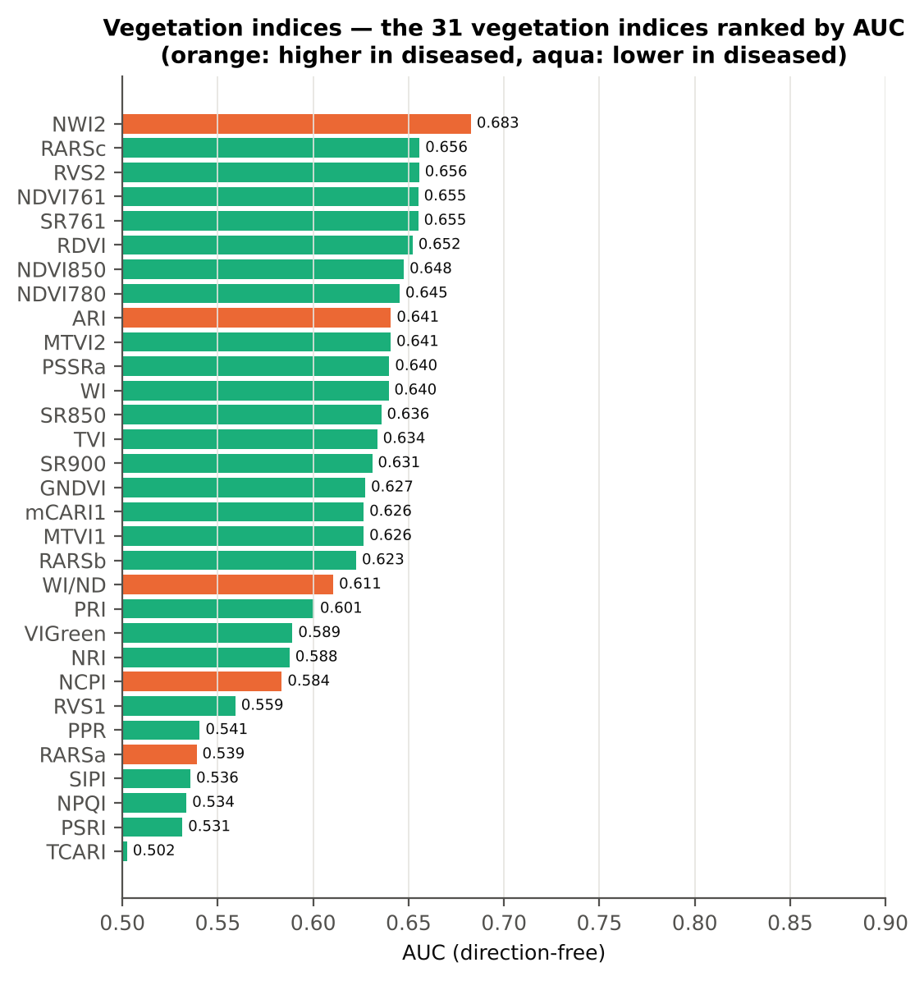
PPR | 1.4740 | 1.4187 | -1.6051 | 0.1313 | -0.1625 | 0.5406 | D < H | 1.2085 | diseased if < thr | 55.3% | 54.0% | 52.5% | 0.1053 | 1.172E-05
RARSa | 0.4906 | 0.5002 | 1.7013 | 0.1120 | 0.1492 | 0.5389 | D > H | 0.5203 | diseased if > thr | 54.7% | 49.8% | 49.8% | 0.3121 | 0.0913
SIPI | 0.8374 | 0.8368 | -0.0597 | 0.9524 | -0.0046 | 0.5357 | D < H | 0.7654 | diseased if < thr | 56.7% | 53.6% | 54.4% | 0.9599 | 2.487E-05
NPQI | 0.0476 | 0.0453 | -0.7319 | 0.5149 | -0.0647 | 0.5336 | D < H | 0.0629 | diseased if < thr | 54.4% | 50.9% | 51.0% | 0.5337 | 6.724E-06
PSRI | -0.0769 | -0.0761 | 0.2229 | 0.8806 | 0.0165 | 0.5314 | D < H | -0.0906 | diseased if < thr | 56.3% | 55.0% | 54.5% | 0.9169 | 2.883E-05
TCARI | 0.3587 | 0.3599 | 0.1574 | 0.9043 | 0.0132 | 0.5025 | D < H | 0.3137 | diseased if < thr | 52.8% | 44.0% | 46.8% | 0.9409 | 0.0554

Cross-check: indices recomputed by Excel formulas for ten leaves
Table 17.3 Reflectance input (splice-corrected, smoothed)
Leaf row | R415 | R435 | R445 | R450 | R500 | R531 | R550 | R570 | R580 | R581 | R650 | R651 | R670 | R675 | R680 | R700 | R750 | R760 | R761 | R780 | R800 | R850 | R900 | R970
1.0000 | 0.2828 | 0.2489 | 0.2309 | 0.2228 | 0.1616 | 0.2276 | 0.2385 | 0.1940 | 0.1660 | 0.1640 | 0.1032 | 0.1025 | 0.0903 | 0.0901 | 0.0913 | 0.1704 | 0.6468 | 0.6554 | 0.6557 | 0.6552 | 0.6528 | 0.6476 | 0.6439 | 0.5988
96.00 | 0.2635 | 0.2269 | 0.2112 | 0.2050 | 0.1570 | 0.2686 | 0.2830 | 0.2272 | 0.1914 | 0.1888 | 0.1073 | 0.1064 | 0.0904 | 0.0900 | 0.0912 | 0.2000 | 0.6451 | 0.6500 | 0.6501 | 0.6481 | 0.6452 | 0.6403 | 0.6379 | 0.6117
192.00 | 0.2865 | 0.2591 | 0.2426 | 0.2356 | 0.1763 | 0.2475 | 0.2599 | 0.2171 | 0.1891 | 0.1871 | 0.1215 | 0.1206 | 0.1031 | 0.1021 | 0.1027 | 0.1893 | 0.6191 | 0.6269 | 0.6272 | 0.6279 | 0.6271 | 0.6252 | 0.6251 | 0.5866
287.00 | 0.2686 | 0.2368 | 0.2219 | 0.2170 | 0.1691 | 0.2812 | 0.3005 | 0.2484 | 0.2127 | 0.2101 | 0.1207 | 0.1194 | 0.0946 | 0.0936 | 0.0951 | 0.2219 | 0.6551 | 0.6608 | 0.6610 | 0.6607 | 0.6596 | 0.6569 | 0.6552 | 0.6123
383.00 | 0.2465 | 0.2159 | 0.2010 | 0.1949 | 0.1463 | 0.2186 | 0.2304 | 0.1878 | 0.1606 | 0.1586 | 0.0982 | 0.0975 | 0.0851 | 0.0849 | 0.0858 | 0.1654 | 0.5900 | 0.5972 | 0.5974 | 0.5973 | 0.5958 | 0.5938 | 0.5926 | 0.5649
478.00 | 0.2232 | 0.1934 | 0.1802 | 0.1745 | 0.1352 | 0.2239 | 0.2337 | 0.1862 | 0.1563 | 0.1542 | 0.0895 | 0.0888 | 0.0779 | 0.0789 | 0.0815 | 0.1666 | 0.6209 | 0.6278 | 0.6280 | 0.6264 | 0.6241 | 0.6197 | 0.6175 | 0.5894
...

18_Optimised_TwoBand_Index
...
Table 18.7 Honest (nested) validation of the join-free search
Index form | BA plot-grouped cross-validation (search inside folds) | BA hold-out (search inside training plots) | Hold-out SD | Pairs chosen in the 20 training sets
NDSI | 75.2% | 75.6% | 1.8% | (870, 875) × 10; (845, 850) × 10
DI | 73.9% | 75.1% | 2.4% | (870, 875) × 13; (845, 850) × 7

Table 18.8 Join-free best pairs on each date
Pair | AUC all leaves | AUC 11-02-2026 | AUC 24-02-2026 | AUC 03-03-2026 | AUC 13-03-2026 | Direction by date
NDSI(849, 850) | 0.8412 | 0.9195 | 0.8517 | 0.8605 | 0.7884 | same on all dates
DI(872, 874) | 0.8342 | 0.9462 | 0.7448 | 0.8821 | 0.7917 | same on all dates
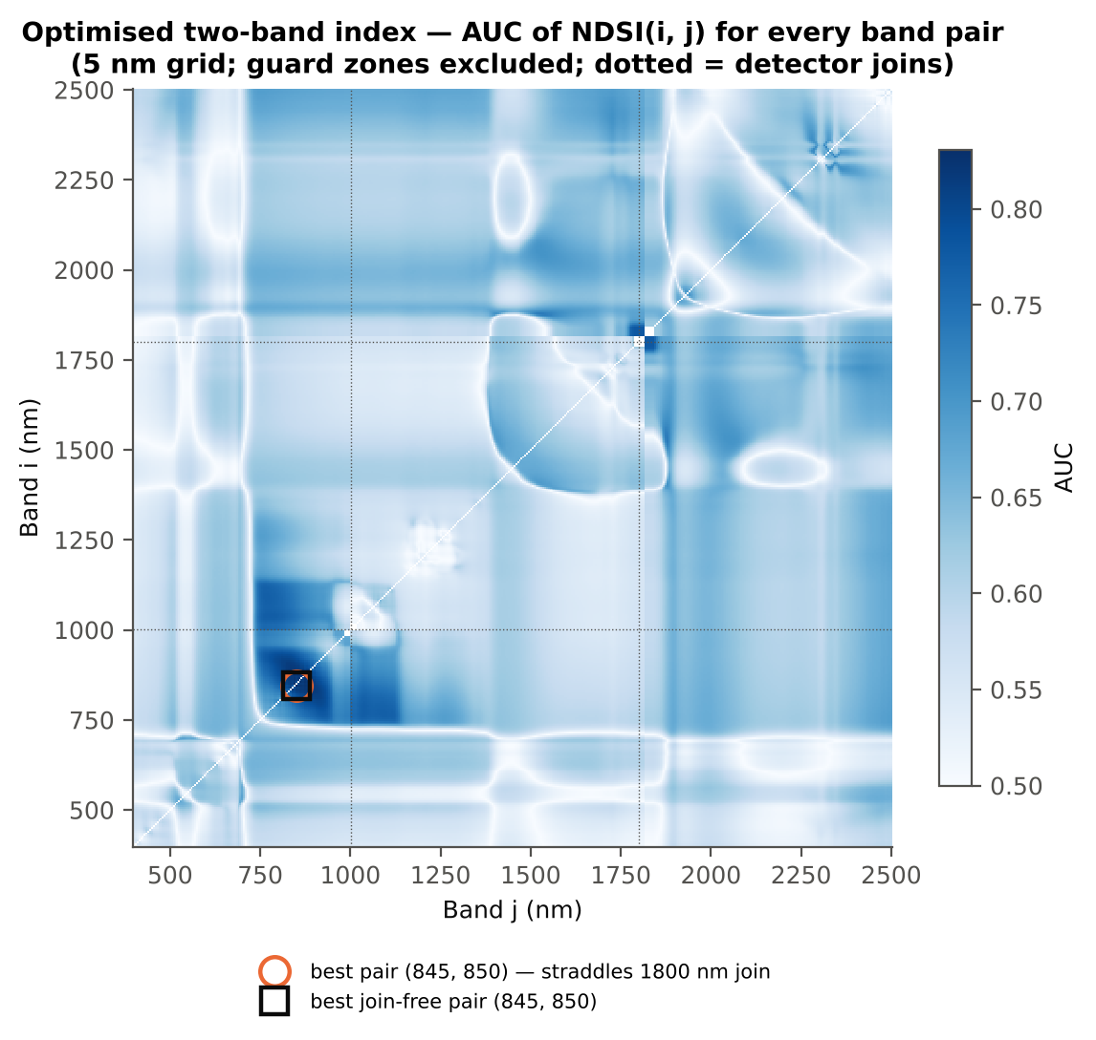

Cross-checks for this step
Step | What was checked | Method | Result | Status
Optimised two-band index | NDSI vs simple ratio | AUC of NDSI and Ri/Rj on 1998 random pairs | max |ΔAUC| = 0.0e+00 | PASS
Optimised two-band index | Selection optimism | search repeated inside training plots | honest BA 75.2 % (cross-validation) / 75.6 % (hold-out) vs 78.6 % on all leaves | FLAG
Optimised two-band index | Best pair straddles a detector join? | pairs with one band on each side of the 1000/1001 or 1800/1801 nm join (within 100 nm) excluded and the search repeated | all-pair best NDSI(849,850) does not straddle a join (same as the join-free search); join-free best NDSI(849,850) (AUC 0.841; honest BA 75.2 % cross-validation) | PASS

19_Derivatives_Edge_Features
...
Table 19.3 Twenty derivative-based edge parameters, ranked by AUC
λr = REP (red-edge position, nm) | 709.57 | 707.67 | -5.1913 | 2.229E-06 | -0.4121 | 0.6160 | D < H | 708.50 | diseased if < thr
REP, linear 4-point (nm) | 716.38 | 715.43 | -5.4700 | 7.779E-07 | -0.3797 | 0.6111 | D < H | 715.20 | diseased if < thr
λb (blue-edge position, nm) | 521.81 | 521.39 | -5.4340 | 7.779E-07 | -0.3807 | 0.5992 | D < H | 521.50 | diseased if < thr
(Rg − Ro)/(Rg + Ro) | 0.4539 | 0.4163 | -4.7553 | 9.429E-06 | -0.3584 | 0.5947 | D < H | 0.4663 | diseased if < thr
Rg/Ro | 2.7383 | 2.5347 | -4.1756 | 1.065E-04 | -0.3503 | 0.5947 | D < H | 2.7471 | diseased if < thr
Dy (yellow-edge amplitude) | -0.0032 | -0.0029 | 3.7900 | 3.865E-04 | 0.3151 | 0.5927 | D > H | -0.0034 | diseased if > thr
SDy (yellow-edge area) | -0.0747 | -0.0676 | 3.4137 | 0.0013 | 0.2827 | 0.5905 | D > H | -0.0811 | diseased if > thr
λo (red well position, nm) | 671.34 | 671.96 | 3.4694 | 0.0011 | 0.2983 | 0.5835 | D > H | 673.50 | diseased if > thr
Db (blue-edge amplitude) | 0.0042 | 0.0039 | -3.1986 | 0.0024 | -0.2763 | 0.5787 | D < H | 0.0036 | diseased if < thr
λy (yellow-edge position, nm) | 569.90 | 570.10 | 3.9690 | 1.988E-04 | 0.2668 | 0.5579 | D > H | 570.50 | diseased if > thr
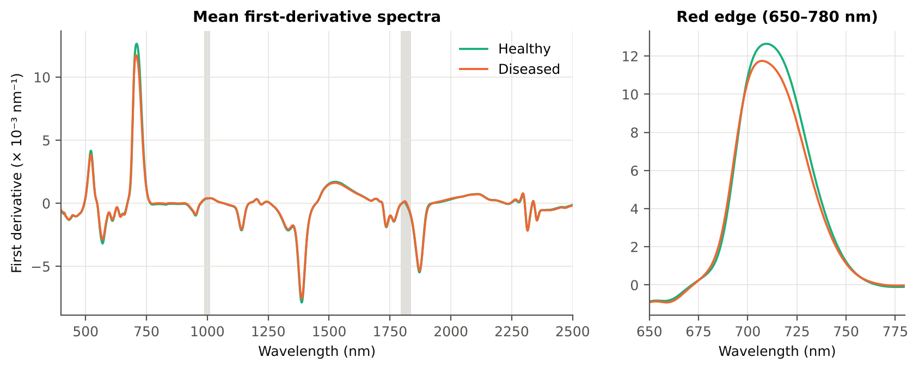
SDb (blue-edge area) | 0.0833 | 0.0796 | -1.9647 | 0.0634 | -0.1665 | 0.5577 | D < H | 0.0754 | diseased if < thr
(SDr − SDy)/(SDr + SDy) | 1.3324 | 1.3162 | -2.1188 | 0.0501 | -0.1601 | 0.5334 | D < H | 1.1919 | diseased if < thr
SDr/SDy | -7.4500 | -9.7482 | -1.9717 | 0.0634 | -0.0813 | 0.5320 | D < H | -11.42 | diseased if < thr
λg (green peak position, nm) | 547.96 | 548.29 | 0.9322 | 0.4144 | 0.0777 | 0.5303 | D > H | 552.50 | diseased if > thr
Rg (green peak reflectance) | 0.2434 | 0.2466 | 0.8571 | 0.4359 | 0.0701 | 0.5143 | D > H | 0.2643 | diseased if > thr
SDr/SDb | 6.4703 | 6.4560 | -0.1081 | 0.9140 | -0.0090 | 0.5062 | D < H | 5.2269 | diseased if < thr
(SDr − SDb)/(SDr + SDb) | 0.7227 | 0.7187 | -0.7985 | 0.4478 | -0.0650 | 0.5062 | D < H | 0.6788 | diseased if < thr
...

20_RedEdge_Inflection_Point
...
Table 20.3 REIP shift by date, growth stage and variety
Date | 11-02-2026 | REIP – Lagrangian interpolation | 36 | 178 | 711.21 | 711.57 | 0.3586 | 0.5527 | 0.5214
Date | 11-02-2026 | REIP – linear extrapolation | 36 | 178 | 711.60 | 711.87 | 0.2733 | 0.7354 | 0.5091
Date | 13-03-2026 | REIP – maximum first derivative | 36 | 180 | 706.25 | 704.71 | -1.5444 | 0.0240 | 0.6197
Date | 13-03-2026 | REIP – linear 4-point interpolation | 36 | 180 | 714.93 | 713.88 | -1.0467 | 0.0232 | 0.5960
Date | 13-03-2026 | REIP – Lagrangian interpolation | 36 | 180 | 706.19 | 704.70 | -1.4812 | 0.0288 | 0.6173
Date | 13-03-2026 | REIP – linear extrapolation | 36 | 180 | 704.21 | 701.80 | -2.4088 | 0.0209 | 0.6123
Date | 24-02-2026 | REIP – maximum first derivative | 36 | 180 | 709.53 | 707.07 | -2.4556 | 3.026E-04 | 0.6836
Date | 24-02-2026 | REIP – linear 4-point interpolation | 36 | 180 | 716.52 | 715.42 | -1.0992 | 2.901E-05 | 0.7133
Date | 24-02-2026 | REIP – Lagrangian interpolation | 36 | 180 | 709.55 | 707.13 | -2.4273 | 3.550E-04 | 0.6823
Date | 24-02-2026 | REIP – linear extrapolation | 36 | 180 | 709.87 | 706.05 | -3.8173 | 1.173E-04 | 0.6989
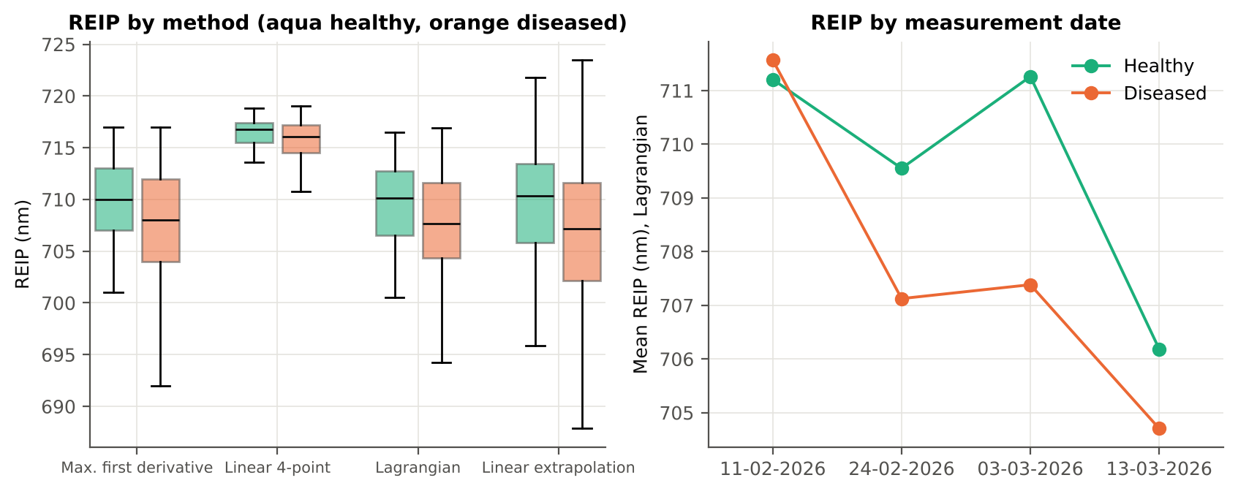
Growth stage | Flowering | REIP – maximum first derivative | 66 | 329 | 710.70 | 707.63 | -3.0648 | 3.204E-09 | 0.7022
Growth stage | Flowering | REIP – linear 4-point interpolation | 66 | 329 | 716.77 | 715.42 | -1.3449 | 2.370E-09 | 0.6942
Growth stage | Flowering | REIP – Lagrangian interpolation | 66 | 329 | 710.70 | 707.64 | -3.0590 | 3.894E-09 | 0.7033
Growth stage | Flowering | REIP – linear extrapolation | 66 | 329 | 711.30 | 706.69 | -4.6133 | 4.452E-09 | 0.7143
Growth stage | Pod formation | REIP – maximum first derivative | 30 | 150 | 706.47 | 704.65 | -1.8200 | 0.0263 | 0.6217
Growth stage | Pod formation | REIP – linear 4-point interpolation | 30 | 150 | 715.06 | 713.81 | -1.2507 | 0.0215 | 0.5960
Growth stage | Pod formation | REIP – Lagrangian interpolation | 30 | 150 | 706.41 | 704.65 | -1.7624 | 0.0282 | 0.6204
Growth stage | Pod formation | REIP – linear extrapolation | 30 | 150 | 704.88 | 701.74 | -3.1380 | 0.0176 | 0.6193
Growth stage | Vegetative | REIP – maximum first derivative | 48 | 238 | 709.96 | 709.61 | -0.3449 | 0.5533 | 0.5164
Growth stage | Vegetative | REIP – linear 4-point interpolation | 48 | 238 | 716.66 | 716.47 | -0.1935 | 0.3115 | 0.5219
Growth stage | Vegetative | REIP – Lagrangian interpolation | 48 | 238 | 709.94 | 709.66 | -0.2784 | 0.6290 | 0.5128
Growth stage | Vegetative | REIP – linear extrapolation | 48 | 238 | 709.91 | 709.29 | -0.6233 | 0.4086 | 0.5228
Variety | V1 | REIP – maximum first derivative | 48 | 240 | 709.92 | 707.38 | -2.5375 | 6.076E-04 | 0.6428
Variety | V1 | REIP – linear 4-point interpolation | 48 | 240 | 716.41 | 715.22 | -1.1893 | 0.0022 | 0.6481
Variety | V1 | REIP – Lagrangian interpolation | 48 | 240 | 709.88 | 707.40 | -2.4839 | 7.796E-04 | 0.6405
Variety | V1 | REIP – linear extrapolation | 48 | 240 | 710.00 | 706.04 | -3.9569 | 5.073E-04 | 0.6576
Variety | V2 | REIP – maximum first derivative | 48 | 239 | 708.92 | 707.58 | -1.3393 | 0.0324 | 0.5856
Variety | V2 | REIP – linear 4-point interpolation | 48 | 239 | 716.15 | 715.55 | -0.5904 | 0.0244 | 0.5676
Variety | V2 | REIP – Lagrangian interpolation | 48 | 239 | 708.88 | 707.60 | -1.2853 | 0.0374 | 0.5834
Variety | V2 | REIP – linear extrapolation | 48 | 239 | 708.58 | 706.43 | -2.1544 | 0.0167 | 0.5911
Variety | V3 | REIP – maximum first derivative | 48 | 238 | 709.88 | 708.04 | -1.8330 | 0.0019 | 0.6080
Variety | V3 | REIP – linear 4-point interpolation | 48 | 238 | 716.58 | 715.52 | -1.0520 | 3.473E-05 | 0.6083
...

21_Correlation_Spectra
...
r(λ) = Pearson correlation between the band value and the 0/1 disease status (point-biserial r), for the smoothed reflectance and the first derivative, on all leaves and separately on each date. r is a monotone function of Student's t, so the ranking matches Tier 1; the per-date curves show whether the sign is stable over time.
First derivative | 400–499 | 497.00 | 0.0639 | 0.1025 | no
First derivative | 500–599 | 531.00 | -0.1324 | 4.135E-04 | yes
First derivative | 600–679 | 668.00 | -0.1454 | 9.518E-05 | no
First derivative | 680–759 | 718.00 | -0.1804 | 7.510E-07 | yes
First derivative | 760–1349 | 872.00 | 0.3333 | 1.409E-21 | yes
First derivative | 1350–1430 | 1353.00 | 0.1296 | 5.580E-04 | yes
First derivative | 1431–1799 | 1749.00 | 0.1634 | 8.687E-06 | yes
First derivative | 1800–1950 | 1937.00 | 0.2192 | 9.867E-10 | yes
First derivative | 1951–2349 | 1951.00 | 0.2032 | 1.703E-08 | yes
First derivative | 2350–2500 | 2500.00 | -0.1439 | 1.141E-04 | yes
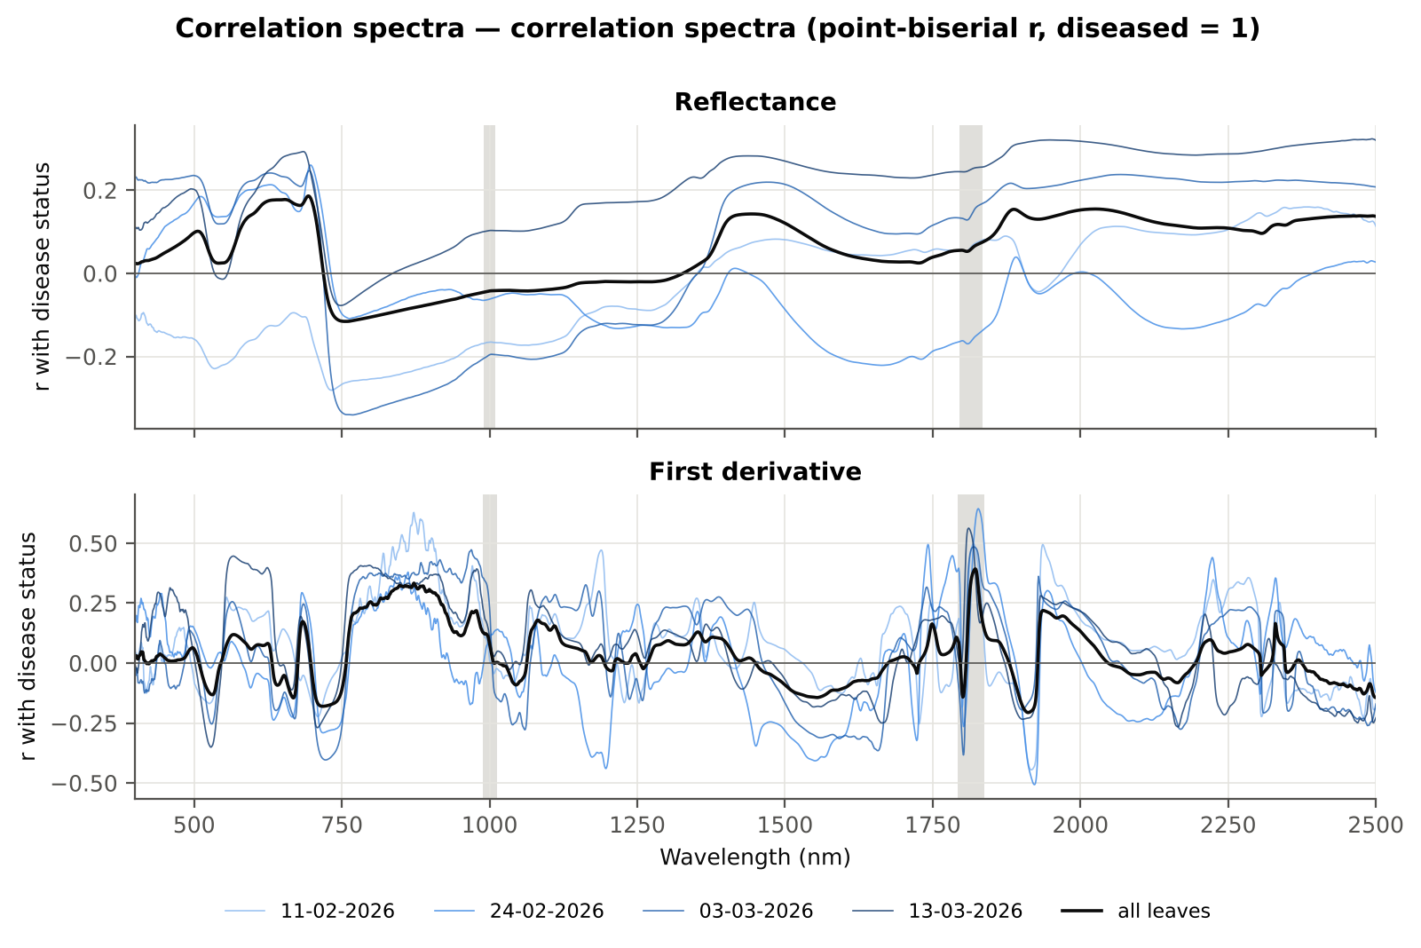

Cross-checks for this step
Step | What was checked | Method | Result | Status
Correlation spectra | Correlation vs t-test | |r_pb| vs |Welch t| across bands (Spearman) | ρ = 0.9927 (r_pb is a monotone function of Student's t) | PASS

22_Feature_Groups_CART_RF
...
Table 22.2 CART vs RF on each feature group (mean over repeats)
All disease-sensitive features combined pool | 4151 | CART | Hold-out | 10 | 72.5% | 3.6% | 0.7207 | 0.3934
All disease-sensitive features combined pool | 4151 | RF | Hold-out | 10 | 80.5% | 3.8% | 0.8887 | 0.5357
Derivatives incl. guard-zone bands (artefact test) | 2121 | CART | Cross-validation | 5 | 80.0% | 1.1% | 0.8368 | 0.5060
Derivatives incl. guard-zone bands (artefact test) | 2121 | RF | Cross-validation | 5 | 87.9% | 0.3% | 0.9446 | 0.6508
Derivatives incl. guard-zone bands (artefact test) | 2121 | CART | Hold-out | 10 | 78.5% | 1.7% | 0.8083 | 0.5007
Derivatives incl. guard-zone bands (artefact test) | 2121 | RF | Hold-out | 10 | 86.2% | 2.8% | 0.9387 | 0.6451
Selected (top 15 non-redundant, chosen inside each training set) | 15 | CART | Cross-validation | 5 | 75.0% | 1.2% | 0.7979 | 0.3784
Selected (top 15 non-redundant, chosen inside each training set) | 15 | RF | Cross-validation | 5 | 80.7% | 1.2% | 0.8879 | 0.5418
Selected (top 15 non-redundant, chosen inside each training set) | 15 | QDA | Cross-validation | 5 | 82.3% | 0.8% | 0.9045 | 0.4675
Selected (top 15 non-redundant, chosen inside each training set) | 15 | CART | Hold-out | 10 | 76.1% | 3.7% | 0.7622 | 0.4263
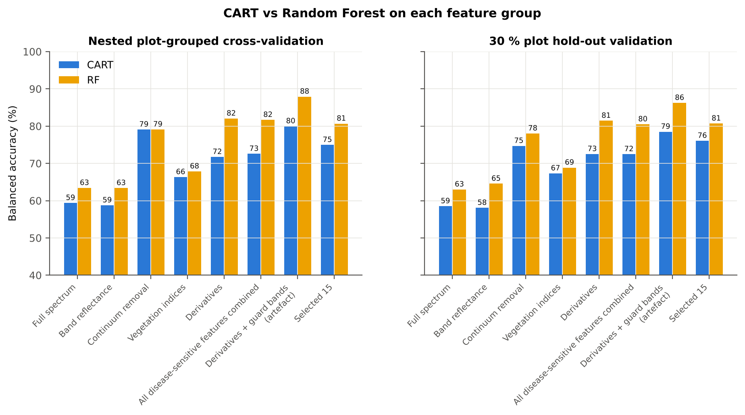
Selected (top 15 non-redundant, chosen inside each training set) | 15 | RF | Hold-out | 10 | 80.7% | 2.9% | 0.8782 | 0.5326
Selected (top 15 non-redundant, chosen inside each training set) | 15 | QDA | Hold-out | 10 | 81.2% | 2.4% | 0.9003 | 0.4729

Table 22.3 Paired comparison RF vs CART (same folds)
Feature group | Units | n | RF − CART (BA) | SD | RF better | CART better | Wilcoxon p
Full spectrum (raw reflectance) | Cross-validation (50 folds) | 50 | 4.1% | 7.5% | 33 | 16 | 6.215E-04
...

25_Pool_Tier2_CART_RF
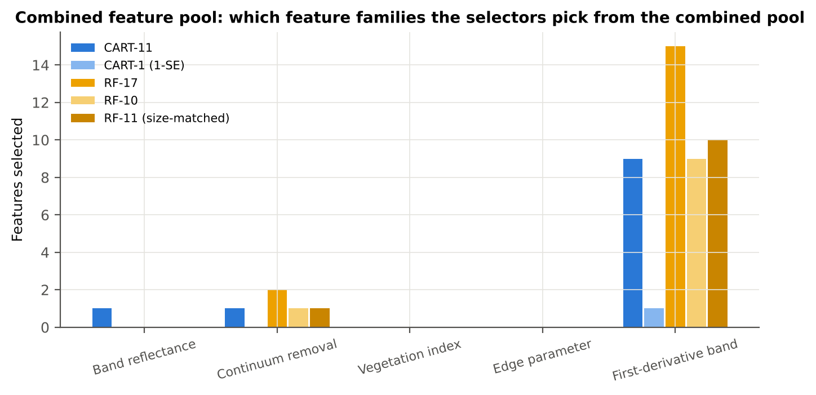
...
Table 25.2 The selected features
D1_1046 | First-derivative band | yes |  | 1.213E-04 | 1.081E-04 | -2.6655 | 0.0168 | 0.5711
D1_814 | First-derivative band | yes |  | -7.453E-05 | -6.350E-06 | 11.86 | 3.031E-26 | 0.7301
D1_847 | First-derivative band | yes |  | -4.757E-05 | 1.086E-05 | 15.65 | 7.277E-42 | 0.8184
R521 | Band reflectance | yes |  | 0.1903 | 0.1978 | 2.3239 | 0.0385 | 0.5381
D1_873 | First-derivative band |  | yes | -5.986E-05 | -8.743E-06 | 16.11 | 5.978E-43 | 0.8244
D1_861 | First-derivative band |  | yes | -4.249E-05 | 8.605E-06 | 15.85 | 1.173E-42 | 0.8199
D1_846 | First-derivative band |  | yes | -4.712E-05 | 1.127E-05 | 15.36 | 1.027E-40 | 0.8138
D1_888 | First-derivative band |  | yes | -5.926E-05 | -1.029E-05 | 15.29 | 3.571E-40 | 0.8040
D1_2222 | First-derivative band |  | yes | -4.511E-06 | 1.321E-05 | 3.1990 | 0.0037 | 0.6509
D1_1916 | First-derivative band |  | yes | -3.830E-05 | -9.848E-05 | -9.3071 | 1.824E-17 | 0.7021
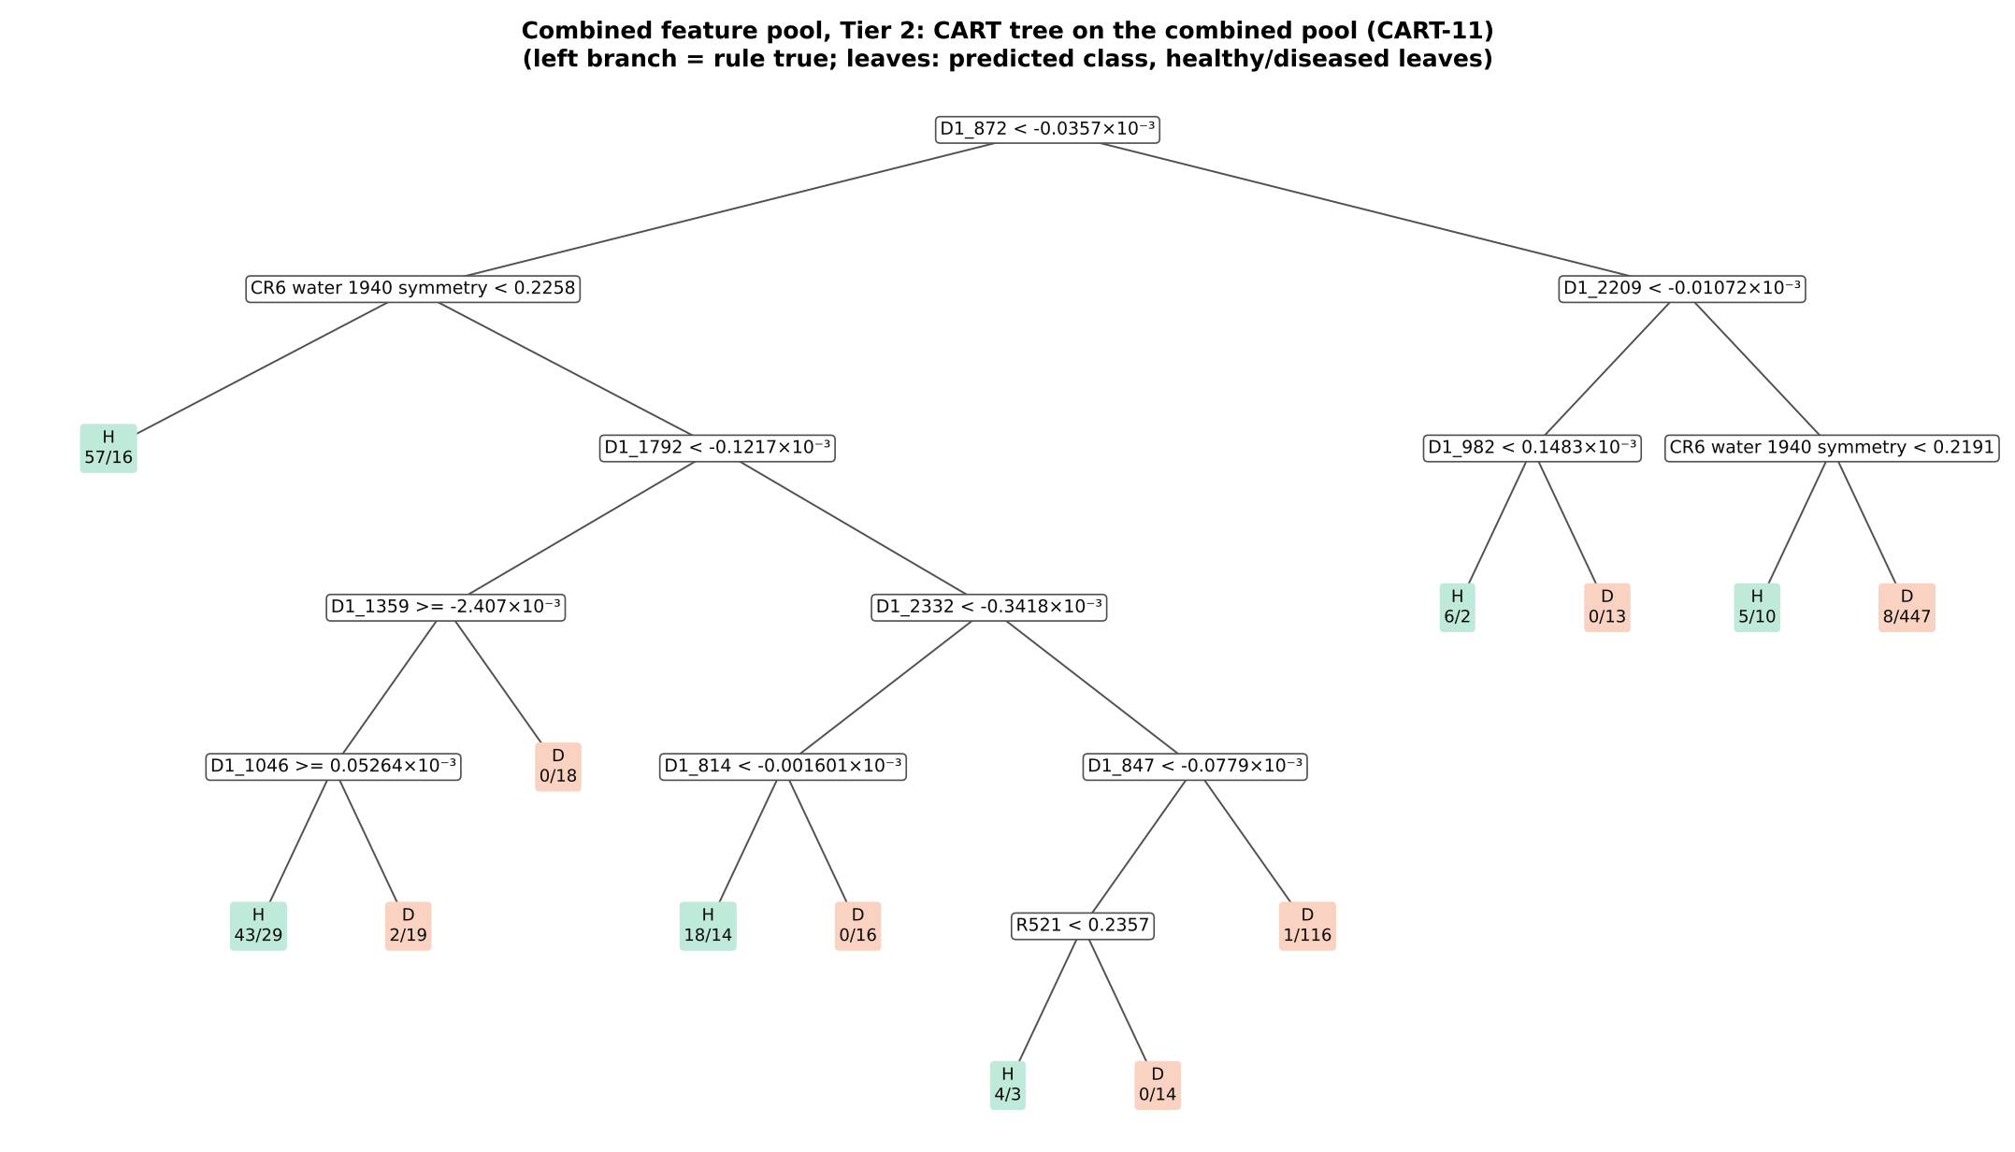
D1_1935 | First-derivative band |  | yes | 3.395E-05 | 5.831E-05 | 11.06 | 2.892E-24 | 0.7409
D1_835 | First-derivative band |  | yes | -8.353E-05 | -1.965E-05 | 14.02 | 6.747E-35 | 0.7860
D1_2210 | First-derivative band |  | yes | 8.712E-05 | 1.028E-04 | 2.7182 | 0.0145 | 0.5963
D1_905 | First-derivative band |  | yes | -4.025E-05 | 9.201E-06 | 12.68 | 1.034E-28 | 0.7503
D1_1838 | First-derivative band |  | yes | -0.0012 | -0.0011 | 3.9703 | 3.099E-04 | 0.6541
D1_820 | First-derivative band |  | yes | -7.819E-05 | -1.269E-05 | 12.01 | 1.076E-26 | 0.7369
D1_664 | First-derivative band |  | yes | -6.093E-04 | -7.242E-04 | -5.1816 | 1.745E-06 | 0.5980
CR3 water 970 symmetry | Continuum removal |  | yes | 0.3801 | 0.3869 | 4.1479 | 1.638E-04 | 0.6030
...
Table 25.3 Tree nodes (rpart frame)
22 | 4 | D1_814 | D1_2332< -0.0003418 | 48 | 18 | 30 | H
44 | 5 | leaf | D1_814< -1.601e-06 | 32 | 18 | 14 | H
45 | 5 | leaf | D1_814>=-1.601e-06 | 16 | 0 | 16 | D
23 | 4 | D1_847 | D1_2332>=-0.0003418 | 138 | 5 | 133 | D
46 | 5 | R521 | D1_847< -7.79e-05 | 21 | 4 | 17 | H
92 | 6 | leaf | R521< 0.2357 | 7 | 4 | 3 | H
93 | 6 | leaf | R521>=0.2357 | 14 | 0 | 14 | D
47 | 5 | leaf | D1_847>=-7.79e-05 | 117 | 1 | 116 | D
3 | 1 | D1_2209 | D1_872>=-3.57e-05 | 491 | 19 | 472 | D
6 | 2 | D1_982 | D1_2209< -1.072e-05 | 21 | 6 | 15 | H
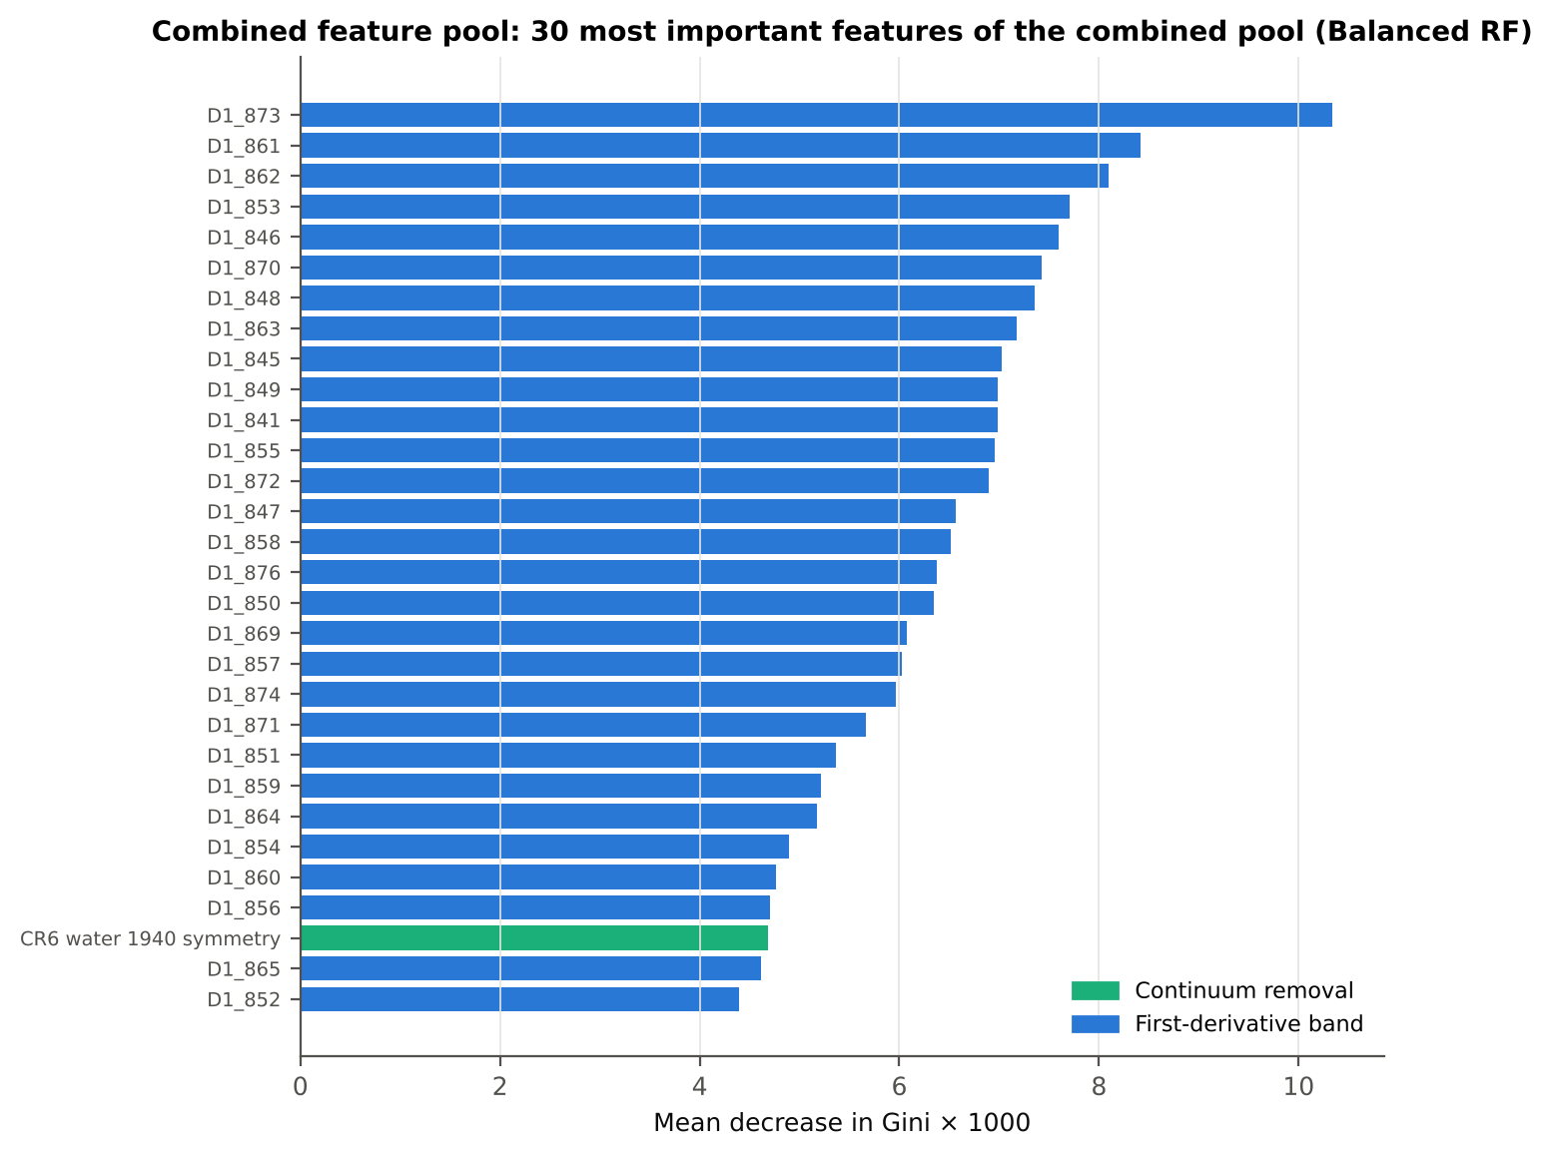
12 | 3 | leaf | D1_982< 0.0001483 | 8 | 6 | 2 | H
13 | 3 | leaf | D1_982>=0.0001483 | 13 | 0 | 13 | D
7 | 2 | CR6 water 1940 symmetry | D1_2209>=-1.072e-05 | 470 | 13 | 457 | D
14 | 3 | leaf | CR6 water 1940 symmetry< 0.2191 | 15 | 5 | 10 | H
15 | 3 | leaf | CR6 water 1940 symmetry>=0.2191 | 455 | 8 | 447 | D

Table 25.4 Complexity-parameter table (plot-grouped cross-validation)
CP | nsplit | rel error | xerror | xstd
0.5264 | 0.0000 | 1.0000 | 1.1660 | 0.0436
0.0503 | 1.0000 | 0.4736 | 0.5444 | 0.0401
0.0251 | 4.0000 | 0.3229 | 0.5370 | 0.0468
0.0223 | 5.0000 | 0.2978 | 0.5120 | 0.0459
0.0208 | 6.0000 | 0.2755 | 0.5203 | 0.0463
0.0181 | 8.0000 | 0.2339 | 0.5244 | 0.0472
0.0126 | 9.0000 | 0.2158 | 0.5161 | 0.0471
0.0118 | 10.00 | 0.2032 | 0.5119 | 0.0475
0.0100 | 12.00 | 0.1796 | 0.5132 | 0.0475

26_Pool_Tier3_JM
...
Table 26.2 J–M and QDA BA as features are added
7 | D1_2332 | 1.0869 | 81.3% | D1_2222 | 0.8753 | 77.4%
8 | D1_1046 | 1.2343 | 83.4% | D1_1916 | 1.3177 | 75.5%
9 | D1_814 | 1.4316 | 86.6% | D1_1935 | 1.4041 | 72.2%
10 | D1_847 | 1.4538 | 87.1% | D1_835 | 1.4938 | 79.4%
11 | R521 | 1.4964 | 87.3% | D1_2210 | 1.5292 | 79.2%
12 |  |  |  | D1_905 | 1.5562 | 79.1%
13 |  |  |  | D1_982 | 1.6161 | 79.0%
14 |  |  |  | D1_1838 | 1.6667 | 80.9%
15 |  |  |  | D1_820 | 1.7139 | 82.7%
16 |  |  |  | D1_664 | 1.7332 | 83.0%
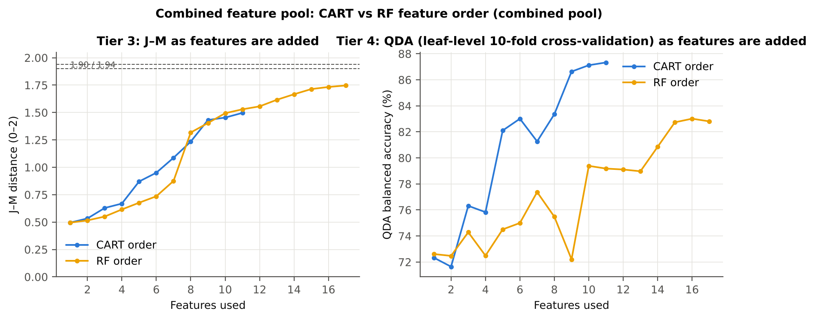
17 |  |  |  | CR3 water 970 symmetry | 1.7469 | 82.8%

28_Pool_Validation
...
Result in brief
Pipeline | Scheme | repeats | OA | BA | BA_SD | kappa | AUC | PA_H | PA_D | UA_H | UA_D
CART classifier | leaf-level 10-fold cross-validation | 1 | 80.7% | 73.7% |  | 0.4066 | 0.7498 | 63.2% | 84.2% | 44.6% | 91.9%
CART classifier | nested plot-grouped cross-validation | 5 | 79.6% | 72.5% | 1.6% | 0.3809 | 0.7461 | 61.8% | 83.2% | 42.5% | 91.6%
CART classifier | 30 % plot hold-out validation | 10 | 79.1% | 73.3% | 5.0% | 0.3963 | 0.7271 | 64.4% | 82.3% | 44.6% | 91.4%
CART classifier | leave-one-date-out validation on new plots | 10 | 68.7% | 58.3% | 4.6% | 0.1376 | 0.5637 | 42.1% | 74.5% | 27.2% | 85.5%
RF classifier | leaf-level 10-fold cross-validation | 1 | 85.0% | 81.6% |  | 0.5400 | 0.8982 | 76.4% | 86.8% | 53.7% | 94.8%
RF classifier | nested plot-grouped cross-validation | 5 | 84.5% | 80.6% | 0.6% | 0.5240 | 0.8871 | 74.7% | 86.5% | 52.6% | 94.5%
RF classifier | 30 % plot hold-out validation | 10 | 83.1% | 79.9% | 3.2% | 0.5118 | 0.8735 | 74.8% | 85.0% | 52.5% | 93.9%
RF classifier | leave-one-date-out validation on new plots | 10 | 72.3% | 61.2% | 2.9% | 0.1933 | 0.7004 | 44.0% | 78.5% | 31.1% | 86.5%
QDA on CART features | leaf-level 10-fold cross-validation | 1 | 85.8% | 87.3% |  | 0.5948 | 0.9436 | 89.6% | 85.1% | 54.7% | 97.6%
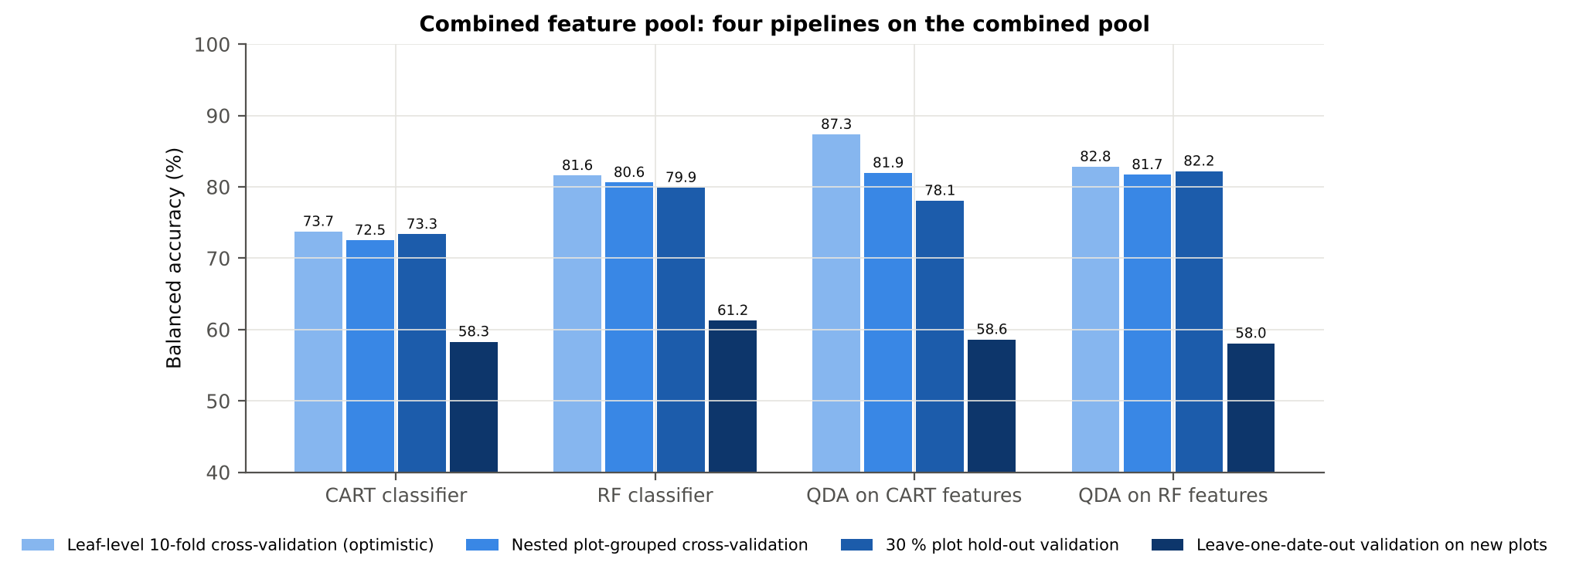
QDA on CART features | nested plot-grouped cross-validation | 5 | 80.3% | 81.9% | 1.4% | 0.4762 | 0.8919 | 84.3% | 79.6% | 45.5% | 96.2%
QDA on CART features | 30 % plot hold-out validation | 10 | 74.4% | 78.1% | 6.1% | 0.4077 | 0.8625 | 83.8% | 72.4% | 41.9% | 95.3%
QDA on CART features | leave-one-date-out validation on new plots | 10 | 68.2% | 58.6% | 3.4% | 0.1401 | 0.6107 | 43.5% | 73.6% | 27.2% | 85.7%
QDA on RF features | leaf-level 10-fold cross-validation | 1 | 81.1% | 82.8% |  | 0.4912 | 0.9140 | 85.4% | 80.2% | 46.4% | 96.5%
QDA on RF features | nested plot-grouped cross-validation | 5 | 80.8% | 81.7% | 0.8% | 0.4786 | 0.8953 | 83.1% | 80.3% | 45.9% | 95.9%
QDA on RF features | 30 % plot hold-out validation | 10 | 82.6% | 82.2% | 2.9% | 0.5266 | 0.9027 | 81.5% | 82.9% | 52.0% | 95.4%
QDA on RF features | leave-one-date-out validation on new plots | 10 | 75.5% | 58.0% | 7.2% | 0.1620 | 0.6235 | 30.8% | 85.3% | 32.5% | 85.0%
...

29_Pool_Stability
...
Table 29.4 Re-selection of the all-leaf RF features
Feature | Type | Re-selected by CART (±10 nm) | Re-selected by RF (±10 nm)
D1_873 | First-derivative band | 80.0% | 100.0%
D1_861 | First-derivative band | 42.0% | 100.0%
D1_846 | First-derivative band | 28.0% | 100.0%
CR6 water 1940 symmetry | Continuum removal | 94.0% | 100.0%
D1_888 | First-derivative band | 10.0% | 100.0%
D1_1792 | First-derivative band | 74.0% | 96.0%
D1_2222 | First-derivative band | 56.0% | 100.0%
D1_1916 | First-derivative band | 26.0% | 100.0%
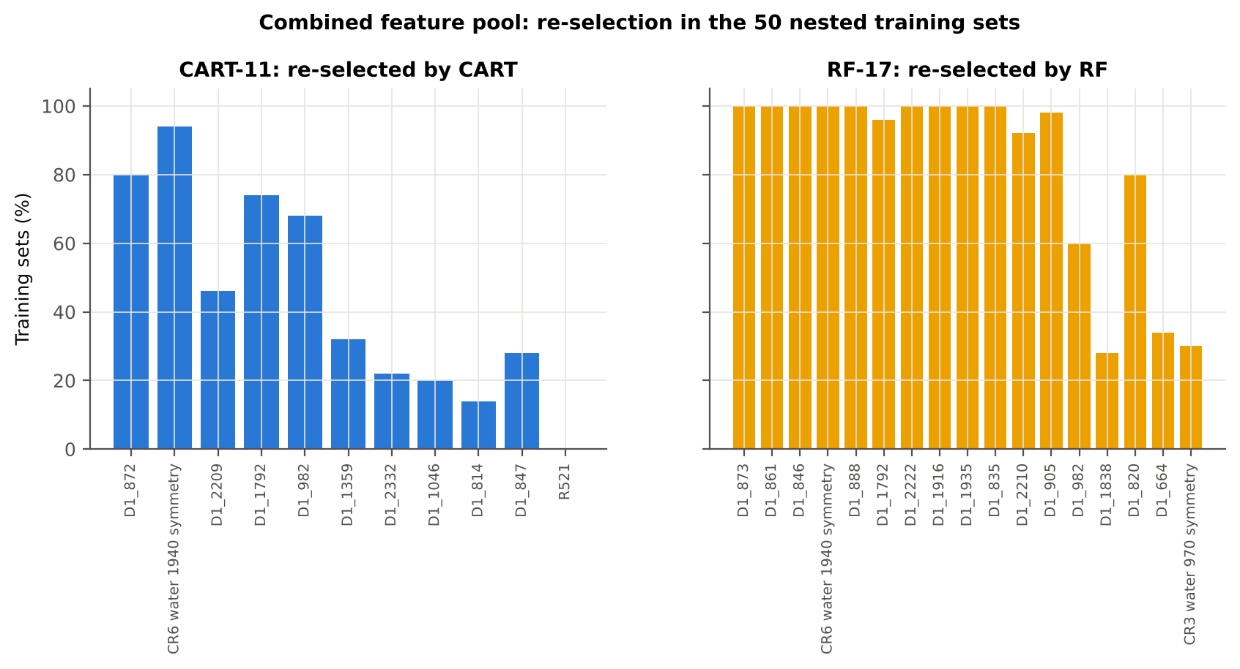
D1_1935 | First-derivative band | 10.0% | 100.0%
D1_835 | First-derivative band | 2.0% | 100.0%
D1_2210 | First-derivative band | 46.0% | 92.0%
D1_905 | First-derivative band | 12.0% | 98.0%
D1_982 | First-derivative band | 68.0% | 60.0%
D1_1838 | First-derivative band | 16.0% | 28.0%
D1_820 | First-derivative band | 16.0% | 80.0%
D1_664 | First-derivative band | 42.0% | 34.0%
CR3 water 970 symmetry | Continuum removal | 6.0% | 30.0%
...

31_Transfer_New_Date
...
Result in brief
Reflectance (raw-reflectance four tiers) | RF classifier | 24-02-2026 | 10 | 10 | 67.00 | 50.1% | 5.7%
Reflectance (raw-reflectance four tiers) | RF classifier | 03-03-2026 | 10 | 10 | 67.00 | 53.4% | 5.5%
Reflectance (raw-reflectance four tiers) | RF classifier | 13-03-2026 | 10 | 10 | 67.00 | 50.0% | 0.0%
Reflectance (raw-reflectance four tiers) | QDA on CART features | 11-02-2026 | 10 | 10 | 66.40 | 47.2% | 8.2%
Reflectance (raw-reflectance four tiers) | QDA on CART features | 24-02-2026 | 10 | 10 | 67.00 | 60.9% | 8.9%
Reflectance (raw-reflectance four tiers) | QDA on CART features | 03-03-2026 | 10 | 10 | 67.00 | 53.9% | 7.4%
Reflectance (raw-reflectance four tiers) | QDA on CART features | 13-03-2026 | 10 | 10 | 67.00 | 50.0% | 0.0%
Reflectance (raw-reflectance four tiers) | QDA on RF features | 11-02-2026 | 10 | 10 | 66.40 | 56.9% | 9.8%
Reflectance (raw-reflectance four tiers) | QDA on RF features | 24-02-2026 | 10 | 10 | 67.00 | 66.4% | 7.3%
Reflectance (raw-reflectance four tiers) | QDA on RF features | 03-03-2026 | 10 | 10 | 67.00 | 58.3% | 7.1%
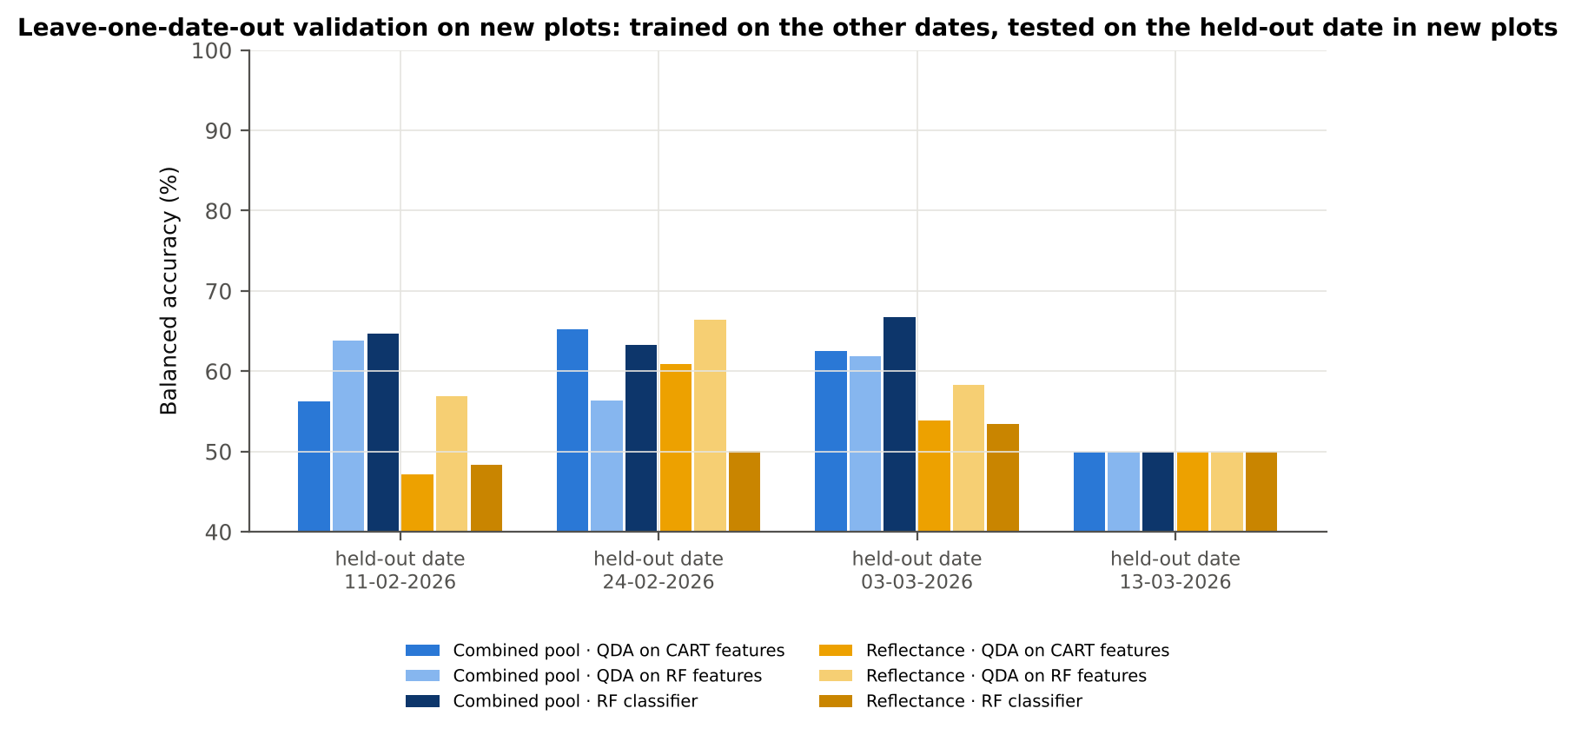
Reflectance (raw-reflectance four tiers) | QDA on RF features | 13-03-2026 | 10 | 10 | 67.00 | 50.0% | 0.0%
Combined pool (combined feature pool) | CART classifier | 11-02-2026 | 10 | 10 | 66.40 | 58.0% | 5.8%
Combined pool (combined feature pool) | CART classifier | 24-02-2026 | 10 | 10 | 67.00 | 64.6% | 3.7%
Combined pool (combined feature pool) | CART classifier | 03-03-2026 | 10 | 10 | 67.00 | 57.3% | 9.1%
Combined pool (combined feature pool) | CART classifier | 13-03-2026 | 10 | 10 | 67.00 | 53.0% | 9.5%
Combined pool (combined feature pool) | RF classifier | 11-02-2026 | 10 | 10 | 66.40 | 64.7% | 8.0%
Combined pool (combined feature pool) | RF classifier | 24-02-2026 | 10 | 10 | 67.00 | 63.3% | 9.6%
Combined pool (combined feature pool) | RF classifier | 03-03-2026 | 10 | 10 | 67.00 | 66.8% | 12.4%
Combined pool (combined feature pool) | RF classifier | 13-03-2026 | 10 | 10 | 67.00 | 50.0% | 0.0%
Combined pool (combined feature pool) | QDA on CART features | 11-02-2026 | 10 | 10 | 66.40 | 56.3% | 6.1%
Combined pool (combined feature pool) | QDA on CART features | 24-02-2026 | 10 | 10 | 67.00 | 65.2% | 6.2%
Combined pool (combined feature pool) | QDA on CART features | 03-03-2026 | 10 | 10 | 67.00 | 62.5% | 10.8%
Combined pool (combined feature pool) | QDA on CART features | 13-03-2026 | 10 | 10 | 67.00 | 50.0% | 0.0%
Combined pool (combined feature pool) | QDA on RF features | 11-02-2026 | 10 | 10 | 66.40 | 63.8% | 16.3%
Combined pool (combined feature pool) | QDA on RF features | 24-02-2026 | 10 | 10 | 67.00 | 56.4% | 13.4%
Combined pool (combined feature pool) | QDA on RF features | 03-03-2026 | 10 | 10 | 67.00 | 61.8% | 10.6%
Combined pool (combined feature pool) | QDA on RF features | 13-03-2026 | 10 | 10 | 67.00 | 50.0% | 0.0%

37_ChartData
...
Figure 3. Mean reflectance (healthy vs diseased)
 | Mean healthy | Mean diseased
400.00 | 0.2286 | 0.2339
401.00 | 0.2278 | 0.2334
402.00 | 0.2271 | 0.2327
403.00 | 0.2269 | 0.2322
404.00 | 0.2269 | 0.2322
405.00 | 0.2266 | 0.2323
406.00 | 0.2248 | 0.2295
407.00 | 0.2234 | 0.2285
408.00 | 0.2225 | 0.2284
409.00 | 0.2210 | 0.2270
410.00 | 0.2204 | 0.2263
411.00 | 0.2204 | 0.2263
412.00 | 0.2204 | 0.2263
413.00 | 0.2197 | 0.2258
414.00 | 0.2185 | 0.2247
415.00 | 0.2171 | 0.2232
416.00 | 0.2156 | 0.2219
417.00 | 0.2151 | 0.2216
418.00 | 0.2146 | 0.2209
419.00 | 0.2136 | 0.2197
420.00 | 0.2124 | 0.2189
421.00 | 0.2114 | 0.2175
422.00 | 0.2102 | 0.2162
423.00 | 0.2090 | 0.2151
424.00 | 0.2075 | 0.2137
425.00 | 0.2066 | 0.2127
426.00 | 0.2058 | 0.2119
427.00 | 0.2045 | 0.2108
428.00 | 0.2031 | 0.2095
429.00 | 0.2014 | 0.2077
430.00 | 0.1999 | 0.2059
431.00 | 0.1986 | 0.2048
432.00 | 0.1977 | 0.2040
433.00 | 0.1965 | 0.2028
434.00 | 0.1947 | 0.2011
435.00 | 0.1938 | 0.2001
436.00 | 0.1926 | 0.1989
437.00 | 0.1909 | 0.1974
438.00 | 0.1894 | 0.1960
439.00 | 0.1883 | 0.1949
440.00 | 0.1873 | 0.1940
441.00 | 0.1862 | 0.1930
442.00 | 0.1850 | 0.1918
443.00 | 0.1837 | 0.1907
444.00 | 0.1827 | 0.1896
445.00 | 0.1819 | 0.1888
446.00 | 0.1808 | 0.1879
447.00 | 0.1797 | 0.1869
448.00 | 0.1789 | 0.1861
449.00 | 0.1778 | 0.1851
...
−log10 q mixed model | q = 0.05 line | RF importance × 1000 | Band reflectance AUC | D1 AUC
0.2459 | 1.3010 | 0.0000 | 0.5325 | 0.5208
0.2488 | 1.3010 | 0.0000 | 0.5333 | 0.5189
0.2505 | 1.3010 | 0.0000 | 0.5327 | 0.5263
0.2473 | 1.3010 | 0.0000 | 0.5312 | 0.5254
0.2473 | 1.3010 | 0.0000 | 0.5307 | 0.5189
0.2533 | 1.3010 | 0.0000 | 0.5307 | 0.5213
0.2459 | 1.3010 | 0.0000 | 0.5307 | 0.5322
0.2471 | 1.3010 | 0.0000 | 0.5316 | 0.5362
0.2764 | 1.3010 | 0.0000 | 0.5326 | 0.5355
0.2806 | 1.3010 | 0.0000 | 0.5336 | 0.5435
0.2815 | 1.3010 | 0.0000 | 0.5346 | 0.5535
0.2806 | 1.3010 | 0.0000 | 0.5362 | 0.5529
0.2815 | 1.3010 | 0.0000 | 0.5361 | 0.5487
0.3044 | 1.3010 | 0.0000 | 0.5360 | 0.5539
0.3089 | 1.3010 | 0.0000 | 0.5369 | 0.5395
0.3076 | 1.3010 | 0.0000 | 0.5373 | 0.5213
0.3187 | 1.3010 | 0.0000 | 0.5377 | 0.5182
0.3372 | 1.3010 | 0.0000 | 0.5382 | 0.5168
0.3318 | 1.3010 | 0.0000 | 0.5380 | 0.5131
Figure 5b. −log10(p) against wavelength
 | −log10 p Welch | −log10 q Welch | −log10 q mixed model | q = 0.05 line
400.00 | 0.2977 | 0.2522 | 0.2459 | 1.3010
401.00 | 0.3260 | 0.2747 | 0.2488 | 1.3010
402.00 | 0.3304 | 0.2787 | 0.2505 | 1.3010
403.00 | 0.3063 | 0.2599 | 0.2473 | 1.3010
404.00 | 0.3063 | 0.2599 | 0.2473 | 1.3010
405.00 | 0.3371 | 0.2842 | 0.2533 | 1.3010
406.00 | 0.2796 | 0.2366 | 0.2459 | 1.3010
407.00 | 0.3033 | 0.2571 | 0.2471 | 1.3010
408.00 | 0.3715 | 0.3026 | 0.2764 | 1.3010
409.00 | 0.3780 | 0.3063 | 0.2806 | 1.3010
410.00 | 0.3812 | 0.3077 | 0.2815 | 1.3010
411.00 | 0.3785 | 0.3063 | 0.2806 | 1.3010
412.00 | 0.3790 | 0.3065 | 0.2815 | 1.3010
413.00 | 0.4107 | 0.3321 | 0.3044 | 1.3010
414.00 | 0.4171 | 0.3375 | 0.3089 | 1.3010
415.00 | 0.4145 | 0.3351 | 0.3076 | 1.3010
416.00 | 0.4292 | 0.3470 | 0.3187 | 1.3010
417.00 | 0.4540 | 0.3669 | 0.3372 | 1.3010
418.00 | 0.4467 | 0.3613 | 0.3318 | 1.3010
419.00 | 0.4292 | 0.3470 | 0.3187 | 1.3010
420.00 | 0.4654 | 0.3763 | 0.3447 | 1.3010
421.00 | 0.4467 | 0.3613 | 0.3318 | 1.3010
422.00 | 0.4294 | 0.3470 | 0.3192 | 1.3010
423.00 | 0.4544 | 0.3670 | 0.3372 | 1.3010
424.00 | 0.4648 | 0.3759 | 0.3447 | 1.3010
425.00 | 0.4690 | 0.3791 | 0.3480 | 1.3010
426.00 | 0.4774 | 0.3859 | 0.3544 | 1.3010
427.00 | 0.4988 | 0.4035 | 0.3704 | 1.3010
428.00 | 0.5180 | 0.4189 | 0.3851 | 1.3010
429.00 | 0.5107 | 0.4132 | 0.3800 | 1.3010
430.00 | 0.4893 | 0.3953 | 0.3640 | 1.3010
431.00 | 0.5255 | 0.4247 | 0.3901 | 1.3010
432.00 | 0.5402 | 0.4368 | 0.4013 | 1.3010
433.00 | 0.5448 | 0.4404 | 0.4050 | 1.3010
434.00 | 0.5673 | 0.4581 | 0.4215 | 1.3010
435.00 | 0.5590 | 0.4519 | 0.4157 | 1.3010
436.00 | 0.5687 | 0.4590 | 0.4230 | 1.3010
437.00 | 0.6042 | 0.4878 | 0.4484 | 1.3010
438.00 | 0.6256 | 0.4961 | 0.4638 | 1.3010
439.00 | 0.6394 | 0.4997 | 0.4739 | 1.3010
440.00 | 0.6551 | 0.5073 | 0.4842 | 1.3010
441.00 | 0.6794 | 0.5284 | 0.5006 | 1.3010
442.00 | 0.7079 | 0.5530 | 0.5090 | 1.3010
443.00 | 0.7301 | 0.5723 | 0.5097 | 1.3010
444.00 | 0.7450 | 0.5858 | 0.5177 | 1.3010
445.00 | 0.7597 | 0.5984 | 0.5288 | 1.3010
446.00 | 0.7839 | 0.6195 | 0.5474 | 1.3010
447.00 | 0.8115 | 0.6444 | 0.5676 | 1.3010
448.00 | 0.8359 | 0.6661 | 0.5861 | 1.3010
449.00 | 0.8560 | 0.6834 | 0.6006 | 1.3010
...
0.3187 | 1.3010 | 0.0000 | 0.5376 | 0.5102
0.3447 | 1.3010 | 0.0000 | 0.5375 | 0.5080
0.3318 | 1.3010 | 0.0000 | 0.5372 | 0.5112
0.3192 | 1.3010 | 0.0000 | 0.5368 | 0.5120
0.3372 | 1.3010 | 0.0000 | 0.5367 | 0.5067
0.3447 | 1.3010 | 0.0000 | 0.5370 | 0.5085
0.3480 | 1.3010 | 0.0000 | 0.5371 | 0.5148
0.3544 | 1.3010 | 0.0000 | 0.5372 | 0.5181
0.3704 | 1.3010 | 0.0000 | 0.5376 | 0.5176
0.3851 | 1.3010 | 0.0000 | 0.5377 | 0.5233
0.3800 | 1.3010 | 0.0000 | 0.5377 | 0.5243
0.3640 | 1.3010 | 0.0000 | 0.5381 | 0.5200
0.3901 | 1.3010 | 0.0000 | 0.5382 | 0.5200
0.4013 | 1.3010 | 0.0000 | 0.5380 | 0.5224
0.4050 | 1.3010 | 0.0000 | 0.5380 | 0.5240
0.4215 | 1.3010 | 0.0000 | 0.5384 | 0.5260
0.4157 | 1.3010 | 0.0000 | 0.5386 | 0.5378
0.4230 | 1.3010 | 0.0000 | 0.5390 | 0.5511
0.4484 | 1.3010 | 0.0000 | 0.5396 | 0.5578
0.4638 | 1.3010 | 0.0000 | 0.5403 | 0.5563
Figure 5. Balanced subsets with a significant difference (%)
 | Balanced subsets significant (%)
400.00 | 0.5000
401.00 | 0.7000
402.00 | 0.6000
403.00 | 0.6000
404.00 | 0.6000
405.00 | 0.7000
406.00 | 0.5000
407.00 | 0.6000
408.00 | 0.8000
409.00 | 1.0000
410.00 | 1.0000
411.00 | 1.0000
412.00 | 0.9000
413.00 | 1.4000
414.00 | 1.4000
415.00 | 1.3000
416.00 | 1.4000
417.00 | 1.5000
418.00 | 1.5000
419.00 | 1.4000
420.00 | 1.7000
421.00 | 1.4000
422.00 | 1.4000
423.00 | 1.4000
424.00 | 1.6000
425.00 | 1.6000
426.00 | 1.6000
427.00 | 2.0000
428.00 | 2.0000
429.00 | 2.0000
430.00 | 1.7000
431.00 | 2.2000
432.00 | 2.2000
433.00 | 2.2000
434.00 | 2.3000
435.00 | 2.2000
436.00 | 2.2000
437.00 | 2.4000
438.00 | 2.5000
439.00 | 2.5000
440.00 | 2.6000
441.00 | 2.9000
442.00 | 3.6000
443.00 | 3.6000
444.00 | 3.7000
445.00 | 3.9000
446.00 | 4.0000
447.00 | 4.5000
448.00 | 4.6000
449.00 | 4.8000
...
0.4739 | 1.3010 | 0.0000 | 0.5411 | 0.5617
0.4842 | 1.3010 | 0.0000 | 0.5418 | 0.5676
0.5006 | 1.3010 | 0.0000 | 0.5426 | 0.5728
0.5090 | 1.3010 | 0.0000 | 0.5430 | 0.5777
0.5097 | 1.3010 | 0.0000 | 0.5436 | 0.5752
0.5177 | 1.3010 | 0.0000 | 0.5442 | 0.5686
0.5288 | 1.3010 | 0.0000 | 0.5449 | 0.5653
0.5474 | 1.3010 | 0.0000 | 0.5451 | 0.5603
0.5676 | 1.3010 | 0.0000 | 0.5454 | 0.5539
0.5861 | 1.3010 | 0.0000 | 0.5459 | 0.5479
0.6006 | 1.3010 | 0.0000 | 0.5462 | 0.5427
0.6144 | 1.3010 | 0.0000 | 0.5467 | 0.5396
0.6281 | 1.3010 | 0.0000 | 0.5472 | 0.5371
0.6456 | 1.3010 | 0.0000 | 0.5474 | 0.5345
0.6607 | 1.3010 | 0.0000 | 0.5476 | 0.5291
0.6764 | 1.3010 | 0.0000 | 0.5477 | 0.5222
0.6927 | 1.3010 | 0.0000 | 0.5479 | 0.5171
0.7073 | 1.3010 | 0.0000 | 0.5483 | 0.5146
0.7251 | 1.3010 | 0.0000 | 0.5486 | 0.5132
0.7459 | 1.3010 | 0.0000 | 0.5489 | 0.5115
Figure A1. RF importance spectrum
 | RF importance × 1000
400.00 | 0.0000
401.00 | 0.0000
402.00 | 0.0000
403.00 | 0.0000
404.00 | 0.0000
405.00 | 0.0000
406.00 | 0.0000
407.00 | 0.0000
408.00 | 0.0000
409.00 | 0.0000
410.00 | 0.0000
411.00 | 0.0000
412.00 | 0.0000
413.00 | 0.0000
414.00 | 0.0000
415.00 | 0.0000
416.00 | 0.0000
417.00 | 0.0000
418.00 | 0.0000
419.00 | 0.0000
420.00 | 0.0000
421.00 | 0.0000
422.00 | 0.0000
423.00 | 0.0000
424.00 | 0.0000
425.00 | 0.0000
426.00 | 0.0000
427.00 | 0.0000
428.00 | 0.0000
429.00 | 0.0000
430.00 | 0.0000
431.00 | 0.0000
432.00 | 0.0000
433.00 | 0.0000
434.00 | 0.0000
435.00 | 0.0000
436.00 | 0.0000
437.00 | 0.0000
438.00 | 0.0000
439.00 | 0.0000
440.00 | 0.0000
441.00 | 0.0000
442.00 | 0.0000
443.00 | 0.0000
444.00 | 0.0000
445.00 | 0.0000
446.00 | 0.0000
447.00 | 0.0000
448.00 | 0.0000
449.00 | 0.0000
...
0.7670 | 1.3010 | 0.0000 | 0.5491 | 0.5106
0.7789 | 1.3010 | 0.0000 | 0.5496 | 0.5098
0.7904 | 1.3010 | 0.0000 | 0.5497 | 0.5106
0.8072 | 1.3010 | 0.0000 | 0.5499 | 0.5119
0.8314 | 1.3010 | 0.0000 | 0.5502 | 0.5142
0.8482 | 1.3010 | 0.0000 | 0.5504 | 0.5145
0.8648 | 1.3010 | 0.0000 | 0.5507 | 0.5142
0.8885 | 1.3010 | 0.0000 | 0.5509 | 0.5162
0.9083 | 1.3010 | 0.0000 | 0.5512 | 0.5185
0.9269 | 1.3010 | 0.0000 | 0.5516 | 0.5190
0.9508 | 1.3010 | 0.0000 | 0.5519 | 0.5185
0.9808 | 1.3010 | 0.0000 | 0.5523 | 0.5195
0.9894 | 1.3010 | 0.0000 | 0.5527 | 0.5216
1.0046 | 1.3010 | 0.0000 | 0.5530 | 0.5230
1.0333 | 1.3010 | 0.0000 | 0.5533 | 0.5217
1.0380 | 1.3010 | 0.0000 | 0.5536 | 0.5218
1.0420 | 1.3010 | 0.0000 | 0.5539 | 0.5212
1.0544 | 1.3010 | 1.1019 | 0.5544 | 0.5211
1.0792 | 1.3010 | 1.2730 | 0.5548 | 0.5208
1.1005 | 1.3010 | 1.2984 | 0.5553 | 0.5220
Figure K1. AUC of every band
 | Band reflectance AUC | D1 AUC
400.00 | 0.5325 | 0.5208
401.00 | 0.5333 | 0.5189
402.00 | 0.5327 | 0.5263
403.00 | 0.5312 | 0.5254
404.00 | 0.5307 | 0.5189
405.00 | 0.5307 | 0.5213
406.00 | 0.5307 | 0.5322
407.00 | 0.5316 | 0.5362
408.00 | 0.5326 | 0.5355
409.00 | 0.5336 | 0.5435
410.00 | 0.5346 | 0.5535
411.00 | 0.5362 | 0.5529
412.00 | 0.5361 | 0.5487
413.00 | 0.5360 | 0.5539
414.00 | 0.5369 | 0.5395
415.00 | 0.5373 | 0.5213
416.00 | 0.5377 | 0.5182
417.00 | 0.5382 | 0.5168
418.00 | 0.5380 | 0.5131
419.00 | 0.5376 | 0.5102
420.00 | 0.5375 | 0.5080
421.00 | 0.5372 | 0.5112
422.00 | 0.5368 | 0.5120
423.00 | 0.5367 | 0.5067
424.00 | 0.5370 | 0.5085
425.00 | 0.5371 | 0.5148
426.00 | 0.5372 | 0.5181
427.00 | 0.5376 | 0.5176
428.00 | 0.5377 | 0.5233
429.00 | 0.5377 | 0.5243
430.00 | 0.5381 | 0.5200
431.00 | 0.5382 | 0.5200
432.00 | 0.5380 | 0.5224
433.00 | 0.5380 | 0.5240
434.00 | 0.5384 | 0.5260
435.00 | 0.5386 | 0.5378
436.00 | 0.5390 | 0.5511
437.00 | 0.5396 | 0.5578
438.00 | 0.5403 | 0.5563
439.00 | 0.5411 | 0.5617
440.00 | 0.5418 | 0.5676
441.00 | 0.5426 | 0.5728
442.00 | 0.5430 | 0.5777
443.00 | 0.5436 | 0.5752
444.00 | 0.5442 | 0.5686
445.00 | 0.5449 | 0.5653
446.00 | 0.5451 | 0.5603
447.00 | 0.5454 | 0.5539
448.00 | 0.5459 | 0.5479
449.00 | 0.5462 | 0.5427
...
1.1102 | 1.3010 | 0.9181 | 0.5558 | 0.5227
1.1171 | 1.3010 | 0.9690 | 0.5564 | 0.5226
1.1272 | 1.3010 | 0.8133 | 0.5568 | 0.5231
1.1432 | 1.3010 | 1.1579 | 0.5571 | 0.5258
1.1599 | 1.3010 | 1.3254 | 0.5574 | 0.5292
1.1718 | 1.3010 | 1.0301 | 0.5578 | 0.5303
1.1833 | 1.3010 | 1.2838 | 0.5581 | 0.5342
1.1977 | 1.3010 | 1.1674 | 0.5585 | 0.5395
1.2146 | 1.3010 | 1.1551 | 0.5588 | 0.5443
1.2287 | 1.3010 | 0.9762 | 0.5593 | 0.5472
1.2479 | 1.3010 | 1.3190 | 0.5599 | 0.5503
1.2661 | 1.3010 | 1.2836 | 0.5604 | 0.5529
1.2786 | 1.3010 | 1.2271 | 0.5607 | 0.5531
1.3025 | 1.3010 | 0.7787 | 0.5613 | 0.5515
1.3210 | 1.3010 | 1.1383 | 0.5619 | 0.5501
1.3335 | 1.3010 | 1.0474 | 0.5625 | 0.5491
1.3500 | 1.3010 | 0.9008 | 0.5631 | 0.5463
1.3579 | 1.3010 | 1.3695 | 0.5634 | 0.5440
1.3579 | 1.3010 | 1.0210 | 0.5638 | 0.5432
1.3579 | 1.3010 | 0.9129 | 0.5638 | 0.5426
Figure A3. Balanced accuracy by pipeline and validation scheme (Part A)
1.3579 | 1.3010 | 0.8953 | 0.5639 | 0.5410
1.3644 | 1.3010 | 0.9175 | 0.5643 | 0.5379
1.3736 | 1.3010 | 0.9747 | 0.5644 | 0.5330
1.3809 | 1.3010 | 1.1995 | 0.5645 | 0.5277
1.3905 | 1.3010 | 1.1181 | 0.5647 | 0.5208
1.3963 | 1.3010 | 1.0424 | 0.5647 | 0.5137
1.3952 | 1.3010 | 0.9965 | 0.5647 | 0.5064
1.3953 | 1.3010 | 0.8273 | 0.5647 | 0.5007
1.3905 | 1.3010 | 0.8425 | 0.5640 | 0.5090
1.3822 | 1.3010 | 0.8788 | 0.5633 | 0.5155
1.3792 | 1.3010 | 0.8149 | 0.5627 | 0.5222
1.3637 | 1.3010 | 0.8643 | 0.5614 | 0.5287
1.3579 | 1.3010 | 0.9897 | 0.5599 | 0.5357
1.3579 | 1.3010 | 1.2397 | 0.5585 | 0.5411
1.3379 | 1.3010 | 0.6954 | 0.5570 | 0.5465
1.2923 | 1.3010 | 0.9618 | 0.5552 | 0.5522
1.2456 | 1.3010 | 0.8557 | 0.5531 | 0.5575
1.1884 | 1.3010 | 1.4025 | 0.5509 | 0.5621
1.1272 | 1.3010 | 1.3795 | 0.5483 | 0.5663
1.0616 | 1.3010 | 1.3097 | 0.5458 | 0.5698
0.9920 | 1.3010 | 0.9340 | 0.5435 | 0.5733
0.9244 | 1.3010 | 0.8876 | 0.5409 | 0.5763
0.8420 | 1.3010 | 1.3042 | 0.5381 | 0.5795
0.7670 | 1.3010 | 0.0000 | 0.5352 | 0.5830
0.6897 | 1.3010 | 0.0000 | 0.5327 | 0.5859
0.6185 | 1.3010 | 0.0000 | 0.5300 | 0.5885
0.5541 | 1.3010 | 0.0000 | 0.5276 | 0.5911
0.5096 | 1.3010 | 0.0000 | 0.5254 | 0.5930
...

