01_Summary
Summary — results of every step
Balanced accuracy (BA) = mean of healthy and diseased recall; it is the headline metric because the classes are imbalanced (1 : 5).

Key numbers
Item | Result
Leaf spectra analysed (healthy / diseased) | 2264 (378 / 1886); 48 plots (12 / 36); 4 dates; 3 growth stages; 3 varieties
Tier 1 — bands significant (Welch + FDR) | 1653 of 2101
Tier 2 — CART bands (rpart, prior 0.5/0.5) | 11: 1893, 2405, 767, 702, 1333, 540, 1729, 588, 1874, 1531, 1872 nm
Tier 2 — RF bands (top-17 MDI peaks) | 692, 1893, 1996, 640, 2009, 703, 1984, 761, 651, 747, 1925, 773, 2019, 621, 1882, 715, 664 nm
Tier 3 — J–M healthy vs diseased (CART / RF bands) | 1.266 / 1.665 (threshold 1.90)
Tier 4 — QDA equal priors, 10-fold CV (V1): BA CART / RF bands | 71.1 % / 70.1 %
Honest estimate (V3 nested plot-grouped CV): QDA on CART bands | BA 72.0 ± 1.5 %
Part C — combined pool: features / Tier-1 significant | 4150 / 3115
Part C — CART features | 13: D1_861, CR6 water 1940 symmetry, CR3 water 970 width, D1_1163, D1_1164, D1_900, D1_2224, D1_1945, R639, D1_1739, D1_1931, D1_630, R743
Part C — QDA on RF-17 features (V3 / V4) | 83.7 % / 84.6 %
Part C′ — raw reflectance + K2–K4: features / Tier-1 significant | 4212 / 3156
Part C′ — CART features | 13: D1_861, CR6 water 1940 symmetry, CR3 water 970 width, D1_1163, D1_1164, D1_900, D1_2224, D1_1945, R639 (raw), D1_1739, D1_1931, D1_630, R743 (raw)
Part C′ — QDA on RF-17 features (V3 / V4) | 83.7 % / 84.7 %

Table Z.1 All approaches side by side (ranked by the honest V3 balanced accuracy)
Approach | BA V1 (leaf 10-fold) | BA V3 (nested CV) | SD V3 | BA V4 (hold-out plots) | SD V4 | BA V5 (new date + plots) | AUC V3 | κ V3
K5 · K4 incl. guard bands (artefact): RF |  | 91.1% | 0.4% | 90.6% | 2.4% |  | 0.975 | 0.732
K5 · K4 derivatives + edge: RF |  | 86.8% | 0.5% | 85.9% | 2.4% |  | 0.943 | 0.663
K5 · K1–K4 combined: RF |  | 86.3% | 0.2% | 85.4% | 3.1% |  | 0.939 | 0.651
Part C · combined-pool four-tier: RF classifier (Balanced RF) | 87.9% | 86.1% | 0.2% | 85.1% | 3.2% | 61.3% | 0.934 | 0.644
Part C′ · raw + K2–K4 four-tier: RF classifier (Balanced RF) | 87.4% | 85.7% | 0.3% | 84.7% | 2.9% | 61.5% | 0.934 | 0.637
K5 · K4 incl. guard bands (artefact): CART |  | 85.4% | 0.4% | 85.8% | 2.7% |  | 0.877 | 0.570
Part C′ · raw + K2–K4 four-tier: QDA on RF-17 (RF-selected) | 82.9% | 83.7% | 0.7% | 84.7% | 3.3% | 63.0% | 0.924 | 0.468
Part C · combined-pool four-tier: QDA on RF-17 (RF-selected) | 84.6% | 83.7% | 0.6% | 84.6% | 2.8% | 62.1% | 0.926 | 0.468
K5 · K2 continuum removal: RF |  | 83.2% | 0.3% | 83.0% | 2.5% |  | 0.928 | 0.585
K5 · K-selected 15: RF |  | 82.6% | 0.1% | 82.0% | 2.8% |  | 0.910 | 0.592
K5 · K2 continuum removal: CART |  | 80.7% | 0.3% | 80.5% | 2.1% |  | 0.848 | 0.455
K5 · K1–K4 combined: CART |  | 80.3% | 0.8% | 80.0% | 3.0% |  | 0.837 | 0.488
Part C · combined-pool four-tier: CART classifier (rpart) | 83.3% | 80.1% | 0.7% | 79.7% | 2.8% | 61.6% | 0.842 | 0.482
Part C′ · raw + K2–K4 four-tier: CART classifier (rpart) | 83.3% | 80.1% | 0.7% | 79.7% | 2.9% | 61.2% | 0.842 | 0.482
K5 · K4 derivatives + edge: CART |  | 79.2% | 0.7% | 80.2% | 3.4% |  | 0.822 | 0.481
K5 · K-selected 15: QDA |  | 78.5% | 0.5% | 78.8% | 4.6% |  | 0.899 | 0.348
Part C′ · raw + K2–K4 four-tier: QDA on CART-13 (CART-selected) | 77.4% | 78.2% | 0.9% | 79.4% | 4.4% | 59.8% | 0.902 | 0.331
Part C · combined-pool four-tier: QDA on CART-13 (CART-selected) | 77.4% | 78.2% | 0.9% | 79.4% | 4.4% | 60.9% | 0.902 | 0.330
K5 · K-selected 15: CART |  | 76.2% | 1.3% | 76.6% | 2.3% |  | 0.828 | 0.393
Single feature · K3b optimised NDSI, all pairs — brackets the 1800 nm join (search nested) |  | 73.0% |  | 72.8% | 3.5%
Part A · reflectance four-tier: QDA on CART-11 (CART-selected) | 71.1% | 72.0% | 1.5% | 72.8% | 4.7% | 54.6% | 0.840 | 0.239
K5 · full raw spectrum: RF |  | 71.0% | 0.9% | 70.1% | 2.7% |  | 0.792 | 0.340
K5 · K1 reflectance: RF |  | 70.8% | 0.4% | 69.7% | 2.5% |  | 0.793 | 0.337
Part A · reflectance four-tier: RF classifier (Balanced RF) | 73.0% | 70.7% | 0.4% | 69.5% | 2.0% | 54.6% | 0.791 | 0.336
K5 · K3 vegetation indices: RF |  | 70.2% | 0.7% | 69.1% | 3.2% |  | 0.797 | 0.318
Single feature · K3b optimised NDSI, join-free pairs (search nested) |  | 70.2% |  | 70.7% | 1.6%
Single feature · K2 best single parameter: CR3 water 970 width (threshold) | 71.0% | 70.1% |  | 70.5% |  |  | 0.765
Part A · reflectance four-tier: QDA on RF-17 (RF-selected) | 70.1% | 69.1% | 0.3% | 69.7% | 3.3% | 58.3% | 0.806 | 0.194
K5 · K3 vegetation indices: CART |  | 66.6% | 1.7% | 65.3% | 3.0% |  | 0.699 | 0.205
Single feature · K3 best single index: NWI2 (threshold) | 66.2% | 65.4% |  | 65.8% |  |  | 0.700
K5 · K1 reflectance: CART |  | 65.0% | 0.6% | 64.8% | 3.7% |  | 0.676 | 0.212
Part A · reflectance four-tier: CART classifier (rpart) | 65.3% | 64.7% | 1.3% | 64.2% | 1.8% | 53.2% | 0.674 | 0.206
K5 · full raw spectrum: CART |  | 64.4% | 1.2% | 64.7% | 2.5% |  | 0.669 | 0.203
Single feature · REIP best method: REIP – linear extrapolation (threshold) | 61.9% | 60.5% |  | 59.2% |  |  | 0.644
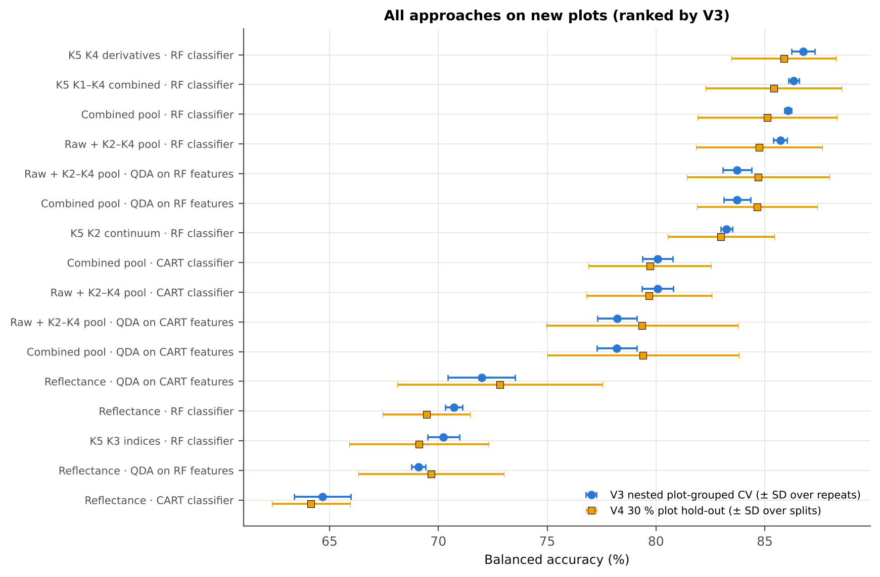
Single feature · K4 best edge parameter: Ro (red well reflectance) (threshold) | 61.6% | 58.9% |  | 59.8% |  |  | 0.659
V1 = leaf-level 10-fold CV with features chosen on all leaves (the paper's protocol; optimistic). V3 = nested 10-fold CV grouped by plot × 5 repeats, V4 = 30 % of plots held out × 10, V5 = new date and new plots; in V3–V5 every selection step is repeated inside the training set. Single features: threshold chosen on training plots.

Conclusions
1. White rust changes mustard leaf reflectance significantly at 1653 of 2101 bands (1604 with a plot random effect), mainly in the red / red edge, the NIR plateau and the water absorption bands, irrespective of date, growth stage and variety.
2. The four-tier method of Das et al. (2020), corrected for imbalance, selects 11 CART bands (root 1893 nm) that give QDA balanced accuracies of 71–73 % on new plots; the classes are not separable by the J–M criterion (1.27 < 1.90).
3. Random Forest is a better classifier than CART (+6 points) and a far more stable band selector; RF and CART agree on the red edge (≈ 690–705 nm) and the 1890 nm water band.
4. First-derivative spectra and continuum-removed water features are the most disease-sensitive features; the red-edge inflection point shows a blue shift of 1.5–3.9 nm in diseased leaves, strongest at flowering.
5. Applying the four tiers to the combined feature pool (4150 features) raises accuracy to 83.7–84.6 % with QDA on 17 RF-selected features and to 86 % with an RF on all features — 15 points above reflectance alone.
6. Whether the combined pool contains raw (Part C′) or denoised K1 reflectance (Part C) does not matter: CART selects the same 13 features, RF nearly the same derivative peaks, and accuracies on new plots differ by ≤ 0.4 points (not significant), because the selectors draw almost entirely on derivative and continuum-removed features.
7. Models transfer poorly to an unseen date (53–62 %) because growth stage changes the spectra more than the disease; practical detection needs stage-specific calibration or training data covering all stages.

Recommendations
Use first-derivative bands (845–875 and 1915–1945 nm) together with the width of the 970 nm and the symmetry of the 1940 nm continuum-removed water features; select them with Random Forest importance and classify with QDA or RF.
Report balanced accuracy and both class recalls; state the priors used (equal priors favour the healthy class here).
Validate with plots grouped across dates and test transfer to new dates; calibrate per growth stage or include all stages in training.
Apply splice correction and guard zones at the ASD detector joins and avoid indices whose bands bracket a join. Raw or denoised reflectance can enter a combined pool (Parts C′ and C agree); use denoised derivatives and continuum removal.
Record a disease-severity score per leaf in future campaigns, so that severity-related spectral changes can be modelled directly.

02_Design
Workflow, validation design and model settings
Figure 2 of Das et al. (2020), extended with the corrections and the CART-vs-RF, Part K and Part C steps.
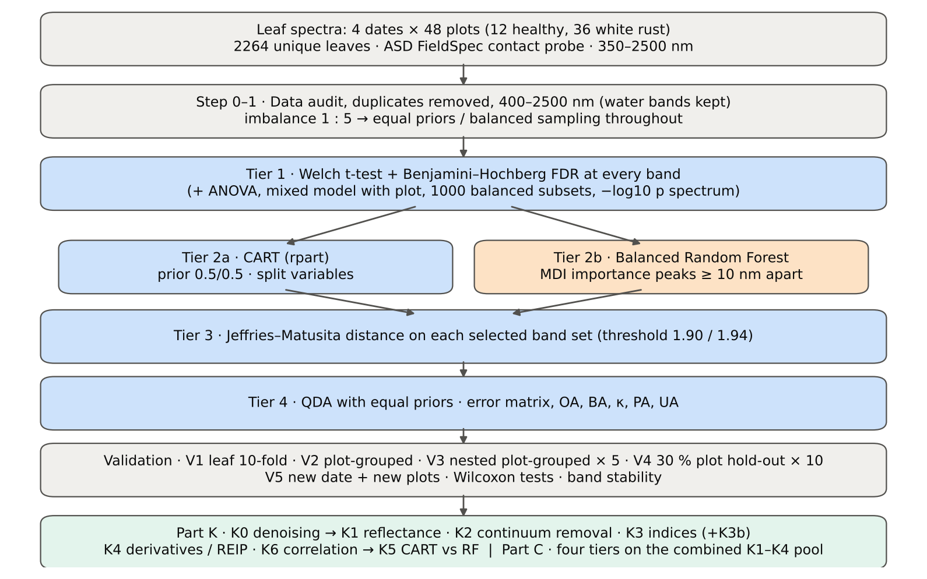

Table 2.1 Corrections applied to the protocol of Das et al. (2020) and why
Issue | Correction | Why
Class imbalance (378 healthy : 1886 diseased = 1 : 5.0) | QDA/LDA with equal prior probabilities; rpart prior = c(0.5, 0.5); Balanced RF (each tree on a balanced bootstrap); balanced accuracy as headline metric; 1000 balanced subsets in Tier 1 | without it every classifier favours 'diseased' and overall accuracy is inflated
Two classes only | Welch t-test instead of one-way ANOVA + Tukey HSD (ANOVA reported for comparison: identical ranking) | Tukey HSD is for many pairs; Welch allows unequal variances (Levene)
Multiple testing (2101 bands) | Benjamini–Hochberg FDR (q < 0.05); uncorrected counts reported | 2101 tests at α = 0.05 give ≈ 105 false positives
Pseudo-replication (leaves nested in plots, plots measured on 4 dates) | mixed model with random plot intercept; every honest validation grouped by plot across all dates | leaves of one plot are not independent
Selection bias | Tier 1, band selection and classifier refitted inside every training set (nested V3, V4, V5) | selecting bands on all leaves and validating on the same leaves is optimistic
Water-absorption bands | kept (contact probe with its own light source; no atmospheric path) | Das et al. removed them for canopy measurements
Detector edge 350–399 nm | removed (noise 116 × the 500–699 nm level); sensitivity run with 350–2500 nm | noise could be chosen by CART
Detector joins 1000/1001 and 1800/1801 nm (Part K) | splice correction; guard zones excluded from feature ranking (reported with and without) | instrument artefacts must not be read as disease
Exact duplicate spectra | 75 copies (13-03-2026, block 2) and 4 unnamed copies (plot 27, 11-02-2026) removed; sensitivity run with the 4 kept | a duplicate in both training and test inflates V1

Table 2.2 Validation design (identical folds in every step; sheet 36_Folds)
Scheme | Folds | What is refitted | Purpose
V1 · leaf-level 10-fold CV | StratifiedKFold, seed 42 | bands fixed (chosen on all leaves); classifier refitted | reproduces the paper (optimistic: leaves of a plot in train and test)
V2 · plot-grouped 10-fold CV | StratifiedGroupKFold, seed 42 | bands fixed; classifier refitted | removes plot leakage, keeps selection bias
V3 · nested plot-grouped 10-fold CV × 5 | StratifiedGroupKFold, seeds 101–105 | Tier 1 + selection + classifier refitted | honest estimate for new plots
V4 · hold-out of 30 % of plots × 10 | 4 healthy + 11 diseased plots per split, default_rng(2026) | everything refitted on the remaining plots | independent test plots
V5 · new date and new plots (additional) | train: 3 dates × V4 training plots; test: 4th date × V4 test plots | everything refitted | transfer to an unseen date and unseen plots

Table 2.3 CART and Random Forest settings
Setting | CART | Random Forest
Algorithm | rpart 4.1.23 in R 4.3.3 (recursive partitioning, as Das et al.) | BalancedRandomForestClassifier (imbalanced-learn 0.14, scikit-learn 1.9)
Split criterion | Gini | Gini
Imbalance correction | prior = c(0.5, 0.5) | sampling_strategy = 'all', replacement = True, bootstrap = False (balanced bootstrap per tree)
Size / randomness | minsplit 20, minbucket 7, cp 0.01, maxcompete 0, maxsurrogate 0 | 500 trees (1000 for importance), max_features = √p, random_state 42
Pruning | default tree used; 1-SE tree from plot-grouped 10-fold CV of cp | —
Band selection | split variables of the tree | top-17 / top-10 MDI importance peaks, local maxima ≥ 10 nm apart
Prediction | class of the terminal node (prior-adjusted) | majority vote (probability > 0.5)

04_Step1_Preprocessing
Step 1 · Pre-processing — band set, noise and outlier screening
Das et al. (2020) removed 1350–1430, 1800–1950 and 2350–2500 nm (atmospheric water, canopy). Here the contact probe has its own light source, so water bands are kept.

What was done
Noise of every band = SD of the residual after Savitzky–Golay smoothing (window 11, order 2). The 350–399 nm detector edge is far noisier than the rest and was removed; everything else (400–2500 nm, 2101 bands) was analysed on the raw (unsmoothed) reflectance in Tiers 1–4, as in Das et al. Outliers were screened with the spectral angle (SAM) to the class median spectrum and flagged, not removed (diseased leaves are expected to vary more).
Table 1.1 Band-set decision
Range (nm) | Bands | Decision | Reason
350–399 | 50 | Removed | detector edge: noise ×116 of the 500–699 nm level
400–1349 | 950 | Retained | visible, red edge, NIR
1350–1430 | 81 | Retained | water band I — contact probe (Das et al. removed it)
1431–1799 | 369 | Retained | SWIR-1
1800–1950 | 151 | Retained | water band II — contact probe (Das et al. removed it)
1951–2349 | 399 | Retained | SWIR-2
2350–2500 | 151 | Retained | SWIR-2 end — contact probe (Das et al. removed it)
Bands analysed (Excel) | 2101

Table 1.2 Noise level by spectral region
Range (nm) | Noise (SD of SG residual) | Ratio to 500–699 nm
350–399 | 0.0064 | 115.70
400–499 | 7.718E-04 | 13.86
500–699 | 5.569E-05 | 1.0000
700–1000 | 7.068E-05 | 1.2692
1001–1349 | 5.193E-05 | 0.9325
1350–1430 | 1.698E-05 | 0.3050
1431–1799 | 1.140E-05 | 0.2047
1800–1950 | 1.925E-05 | 0.3456
1951–2349 | 1.745E-05 | 0.3133
2350–2500 | 7.946E-05 | 1.4268

Table 1.3 Outlier screening: spectral angle to the class median
Class | Leaves | Median SAM (rad) | 95th pct (rad) | Max (rad) | Leaves > 0.15 rad
Healthy | 378 | 0.0677 | 0.1262 | 0.1817 | 4
Diseased | 1886 | 0.0776 | 0.1763 | 0.5878 | 150

Table 1.4 Ten most deviating spectra (flagged, kept)
Plot | Class | Date | Growth stage | File | SAM (rad) | R1985 (leaf) | R1985 (class median)
24 | Diseased | 03-03-2026 | Pod formation | Mustard00277.asd.sco | 0.5878 | 0.5961 | 0.0709
17 | Diseased | 03-03-2026 | Flowering | Mustard00177.asd.sco | 0.4610 | 0.3910 | 0.0709
40 | Diseased | 03-03-2026 | Flowering | Mustard00528.asd.sco | 0.4596 | 0.3920 | 0.0709
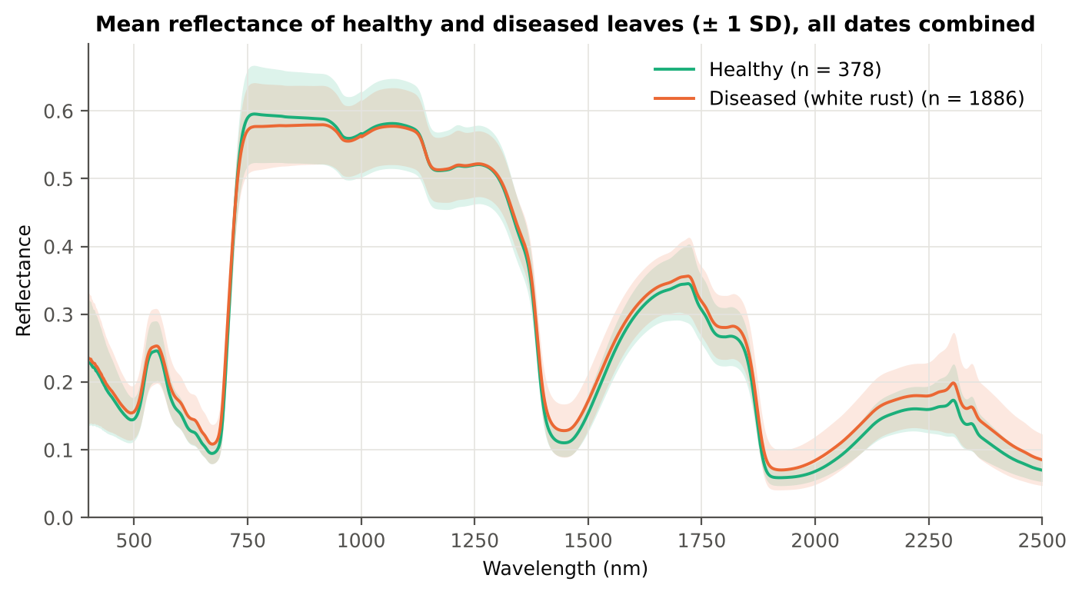
24 | Diseased | 03-03-2026 | Pod formation | Mustard00283.asd.sco | 0.4497 | 0.3580 | 0.0709
41 | Diseased | 03-03-2026 | Pod formation | Mustard00537.asd.sco | 0.4343 | 0.3589 | 0.0709
42 | Diseased | 03-03-2026 | Flowering | Mustard00546.asd.sco | 0.4187 | 0.3328 | 0.0709
38 | Diseased | 03-03-2026 | Flowering | Mustard00494.asd.sco | 0.4149 | 0.3066 | 0.0709
38 | Diseased | 13-03-2026 | Pod formation | Mustard00039.asd.sco | 0.3841 | 0.2516 | 0.0709
41 | Diseased | 03-03-2026 | Pod formation | Mustard00529.asd.sco | 0.3666 | 0.3241 | 0.0709
34 | Diseased | 03-03-2026 | Pod formation | Mustard00427.asd.sco | 0.3623 | 0.2401 | 0.0709

Figure 3 (as in Das et al. 2020). Mean reflectance of healthy and diseased leaves

Native Excel chart of the same data: sheet 37_ChartData, columns A–C.
Table 1.5 Sensitivity: the 4 unnamed duplicate spectra of plot 27 kept vs removed (QDA on CART bands)
Data | CART bands | BA V1 | BA V3 | BA V4
main: exact duplicates removed (n = 2264) | 11 | 71.1% | 72.0% | 72.8%
4 unnamed plot-27 copies kept (n = 2268) | 11 | 71.0% | 71.2% | 73.1%

05_Tier1_Ttest
Step 2 · Tier 1 — Welch's t-test at every band with Benjamini–Hochberg FDR
Das et al. (2020) used one-way ANOVA (p < 0.05) + Tukey HSD for 14 genotypes; with two classes the equivalent is a t-test.

What was done
At each of the 2101 bands the mean reflectance of healthy (n = 378) and diseased (n = 1886) leaves was compared with Welch's t-test (unequal variances; Levene's test shows unequal variances at many bands) and the p-values were adjusted with the Benjamini–Hochberg false-discovery rate. Bands with q < 0.05 go to Tier 2. Because 1886 diseased leaves give high power even for tiny differences, the test was repeated on 1000 balanced random subsets (378 vs 378), and a linear mixed model with a random plot intercept checks pseudo-replication.
Table 2.1 Number of significant bands
Test | Significant bands | Bands tested | Share (Excel)
Welch t-test + BH-FDR q < 0.05 (used for Tier 2) | 1653 | 2101 | 78.7%
One-way ANOVA p < 0.05, uncorrected (rule of Das et al.) | 1675 | 2101 | 79.7%
One-way ANOVA + BH-FDR q < 0.05 | 1667 | 2101 | 79.3%
Welch t-test p < 0.05, uncorrected | 1664 | 2101 | 79.2%
Mixed model (random plot effect) + BH-FDR q < 0.05 | 1604 | 2101 | 76.3%
Balanced subsets (378 vs 378): significant in ≥ 95 % of 1000 subsets | 1335 | 2101 | 63.5%
Levene test p < 0.05 (unequal variances → Welch) | 1386 | 2101 | 66.0%

Table 2.2 Contiguous ranges (Welch + FDR)
Range (nm) | Bands | Result
400–436 | 37 | not significant
437–718 | 282 | significant
719–727 | 9 | not significant
728–930 | 203 | significant
931–1332 | 402 | not significant
1333–2500 | 1168 | significant

Table 2.3 Significance by spectral region
Region | Bands | Welch+FDR significant | Mixed-model significant | Band of max |t| | Max t | Mean diff (D − H)
Blue (400–499) | 100 | 63 | 49 | 499.00 | 5.6739 | 0.0108
Green (500–599) | 100 | 100 | 70 | 599.00 | 10.80 | 0.0163
Red (600–679) | 80 | 80 | 80 | 653.00 | 14.41 | 0.0166
Red edge (680–759) | 80 | 71 | 67 | 691.00 | 15.00 | 0.0202
NIR (760–1349) | 590 | 188 | 187 | 760.00 | -4.7144 | -0.0188
Water band I (1350–1430) | 81 | 81 | 81 | 1430.00 | 12.87 | 0.0180
SWIR-1 (1431–1799) | 369 | 369 | 369 | 1442.00 | 12.94 | 0.0180
Water band II (1800–1950) | 151 | 151 | 151 | 1889.00 | 15.52 | 0.0172
SWIR-2 (1951–2349) | 399 | 399 | 399 | 2015.00 | 15.44 | 0.0171
SWIR-2 end (2350–2500) | 151 | 151 | 151 | 2445.00 | 12.45 | 0.0187

Table 2.4 Fifteen most significant bands
Wavelength (nm) | Mean healthy | Mean diseased | Diff (D − H) | Welch t | Welch df | q (BH) | Hedges g | Mixed-model q
1889.00 | 0.0757 | 0.0929 | 0.0172 | 15.52 | 1581.04 | 4.958E-48 | 0.5031 | 9.478E-05
1890.00 | 0.0735 | 0.0905 | 0.0169 | 15.51 | 1609.95 | 4.958E-48 | 0.4998 | 9.650E-05
1888.00 | 0.0779 | 0.0955 | 0.0175 | 15.50 | 1547.40 | 4.958E-48 | 0.5060 | 9.369E-05
1891.00 | 0.0717 | 0.0883 | 0.0166 | 15.47 | 1632.97 | 4.958E-48 | 0.4964 | 9.659E-05
1887.00 | 0.0805 | 0.0983 | 0.0178 | 15.45 | 1508.16 | 4.958E-48 | 0.5086 | 9.368E-05
2015.00 | 0.0732 | 0.0903 | 0.0171 | 15.44 | 1587.29 | 4.958E-48 | 0.4998 | 9.368E-05
2016.00 | 0.0736 | 0.0908 | 0.0172 | 15.44 | 1581.78 | 4.958E-48 | 0.5004 | 9.368E-05
2014.00 | 0.0728 | 0.0899 | 0.0171 | 15.44 | 1592.55 | 4.958E-48 | 0.4993 | 9.368E-05
2017.00 | 0.0739 | 0.0912 | 0.0172 | 15.44 | 1576.10 | 4.958E-48 | 0.5009 | 9.368E-05
2013.00 | 0.0725 | 0.0895 | 0.0170 | 15.44 | 1597.64 | 4.958E-48 | 0.4987 | 9.369E-05
2018.00 | 0.0743 | 0.0916 | 0.0173 | 15.44 | 1570.16 | 4.958E-48 | 0.5015 | 9.368E-05
2019.00 | 0.0747 | 0.0920 | 0.0174 | 15.43 | 1564.01 | 4.958E-48 | 0.5020 | 9.368E-05
2012.00 | 0.0721 | 0.0891 | 0.0169 | 15.43 | 1602.59 | 4.958E-48 | 0.4981 | 9.369E-05
2020.00 | 0.0750 | 0.0925 | 0.0174 | 15.43 | 1557.76 | 4.958E-48 | 0.5025 | 9.368E-05
2011.00 | 0.0718 | 0.0887 | 0.0169 | 15.43 | 1607.20 | 4.958E-48 | 0.4974 | 9.369E-05

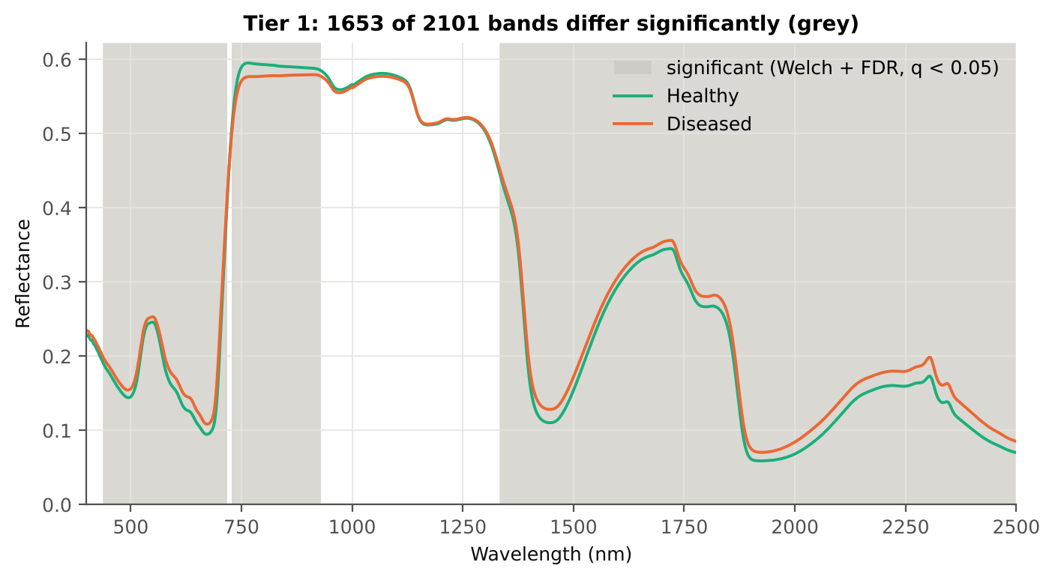
Table 2.5 Tier 1 on 1000 balanced subsets
Balanced-subset check (imbalance) | Value
Balanced random subsets drawn | 1000
Leaves per subset (healthy + diseased) | 378 + 378
Significant bands per subset — median | 1568.00
— minimum | 1287
— maximum | 1751
Bands significant in 100 % of subsets | 1109
Bands significant in ≥ 95 % of subsets | 1335
Bands never significant | 91

Figure 4 (as in Das et al. 2020 Fig. 4). Bands where healthy and diseased leaves differ (grey)

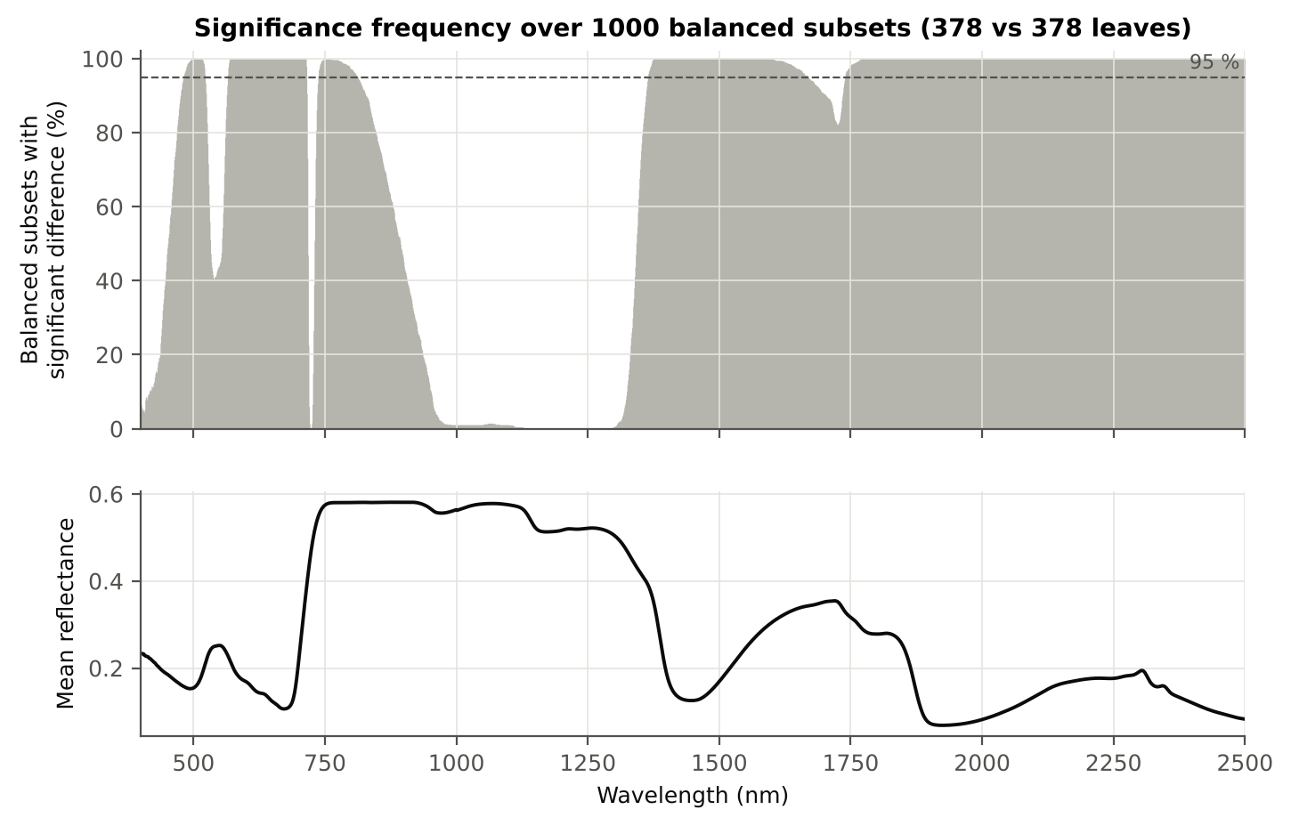

Figure 5 (as in Das et al. 2020 Fig. 5). Significance frequency (balanced subsets) and mean reflectance

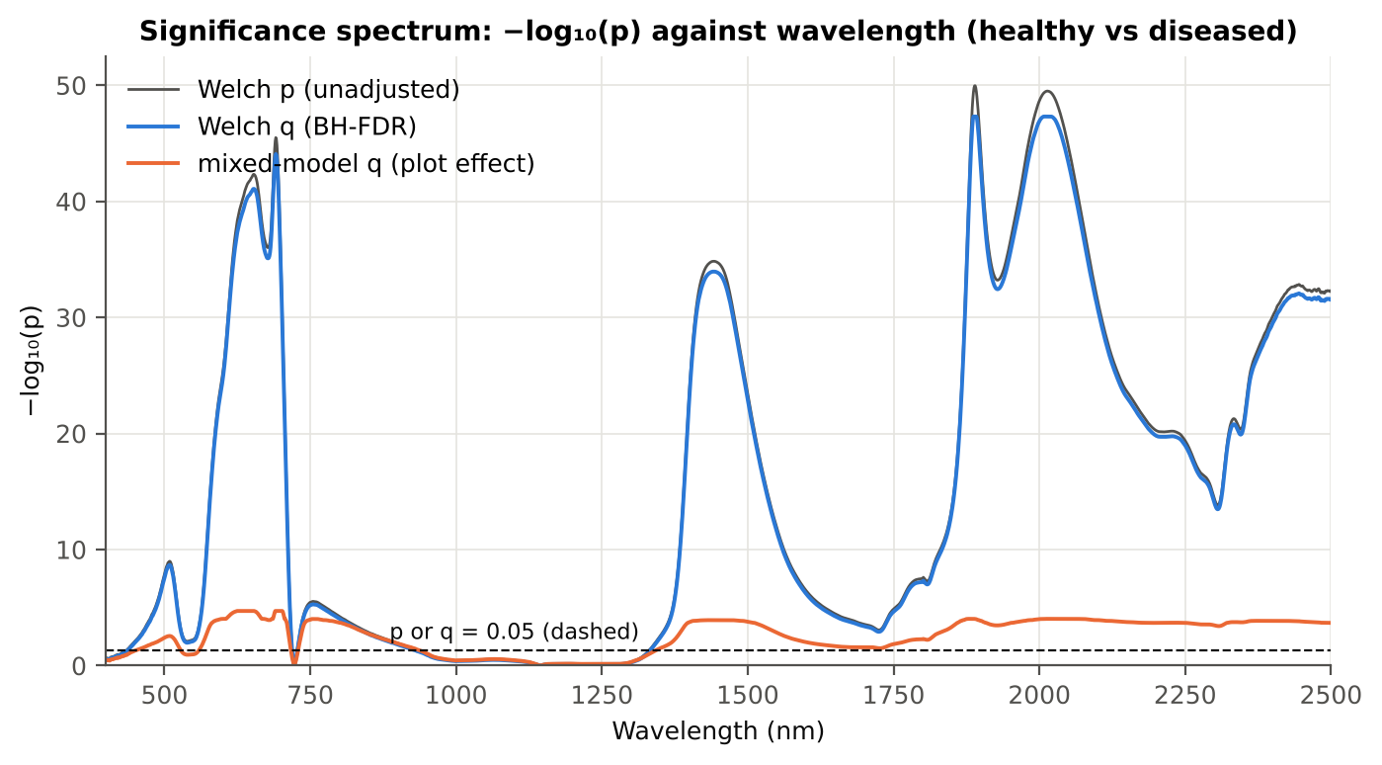

Figure 5b. −log₁₀(p) against wavelength

Native Excel versions of Figures 3–5b: sheet 37_ChartData (charts placed beside the data).
Cross-checks for this step
Step | What was checked | Method | Result | Status
Tier 1 | Welch t-statistic | SciPy ttest_ind(equal_var=False) vs vectorised formula | max |Δt| = 3.6e-15 | PASS
Tier 1 | Benjamini–Hochberg q-values | statsmodels multipletests vs own step-up | max |Δq| = 1.1e-16 | PASS
Tier 1 | ANOVA equivalence | one-way ANOVA F (SciPy, every 50th band) vs Student t² | max relative |F − t²| = 3.8e-14 | PASS
Tier 1 | Class imbalance | 1000 balanced subsets (378 vs 378 leaves) | median 1568 significant bands per subset vs 1653 on all leaves | PASS
Tier 1 | Pseudo-replication | linear mixed model v ~ Disease + (1|plot), REML, R nlme::lme (t-test, 46 df), BH-FDR | 1604 of 2101 bands significant (Welch: 1653); plot ICC median 0.043 | PASS
Tier 1 | Mixed model implementation | R nlme::lme vs Python statsmodels MixedLM (Powell), every 50th band | Spearman ρ of p-values 1.000; max |ΔICC| 0.000 (statsmodels uses a Wald z-test, nlme a t-test with 46 df, so nlme p-values are larger) | PASS

06_Tier2_CART
Step 3 · Tier 2 — CART band selection with equal priors (rpart)
Das et al. (2020): 'To apply this technique we used the method rpart from package rpart' — the split variables are the selected wavelengths.

What was done
Input: the 1653 FDR-significant bands of Tier 1 (raw reflectance). rpart (R 4.3.3, rpart 4.1.23) with method = 'class', prior = c(0.5, 0.5) (imbalance correction), split = 'gini', minsplit 20, minbucket 7, cp 0.01, no competitor or surrogate splits. The wavelengths used as split variables form the CART band set. The complexity parameter was cross-validated with plot-grouped folds; the 1-SE tree gives a smaller alternative set. Stability: rpart refitted on 200 plot-level bootstrap samples and inside the 50 nested training sets of V3 (a band counts as re-selected if a band within ± 10 nm is chosen).
Table 3.1 The 11 wavelengths selected by CART
Band (nm) | Region | First used at node | Tree depth | Mean healthy | Mean diseased | Welch t | q (BH) | Bootstrap re-selection (±10 nm) | Nested-CV re-selection (±10 nm) | Mixed model significant | Interpretation
540.00 | Green (500–599) | 21 | 4 | 0.2440 | 0.2511 | 2.6647 | 0.0105 | 25.0% | 10.0% | no | green peak: chlorosis / pigment ratio change
588.00 | Green (500–599) | 42 | 5 | 0.1649 | 0.1806 | 9.7905 | 5.087E-21 | 13.5% | 4.0% | yes | green peak: chlorosis / pigment ratio change
702.00 | Red edge (680–759) | 10 | 3 | 0.2192 | 0.2427 | 12.09 | 1.978E-30 | 88.0% | 56.0% | yes | red edge: chlorophyll loss and leaf structure
767.00 | NIR (760–1349) | 5 | 2 | 0.5953 | 0.5769 | -4.6204 | 8.523E-06 | 33.0% | 84.0% | yes | NIR plateau: mesophyll structure / cell damage
1333.00 | NIR (760–1349) | 11 | 3 | 0.4471 | 0.4528 | 2.0898 | 0.0473 | 38.0% | 46.0% | no | NIR plateau: mesophyll structure / cell damage
1531.00 | SWIR-1 (1431–1799) | 94 | 6 | 0.2032 | 0.2196 | 8.3783 | 7.364E-16 | 7.5% | 12.0% | yes | SWIR-1: water, dry matter
1729.00 | SWIR-1 (1431–1799) | 23 | 4 | 0.3387 | 0.3498 | 3.4107 | 0.0010 | 20.5% | 46.0% | yes | SWIR-1: water, dry matter
1872.00 | Water band II (1800–1950) | 189 | 7 | 0.1429 | 0.1631 | 12.04 | 2.676E-30 | 33.5% | 46.0% | yes | leaf water absorption (O–H, ≈1940 nm)
1874.00 | Water band II (1800–1950) | 47 | 5 | 0.1325 | 0.1526 | 12.61 | 5.853E-33 | 35.5% | 46.0% | yes | leaf water absorption (O–H, ≈1940 nm)
1893.00 | Water band II (1800–1950) | 1 | 0 | 0.0685 | 0.0845 | 15.33 | 7.184E-48 | 62.0% | 86.0% | yes | leaf water absorption (O–H, ≈1940 nm)
2405.00 | SWIR-2 end (2350–2500) | 2 | 1 | 0.0994 | 0.1210 | 12.01 | 1.119E-30 | 19.5% | 76.0% | yes | cellulose/lignin; detector edge with higher noise

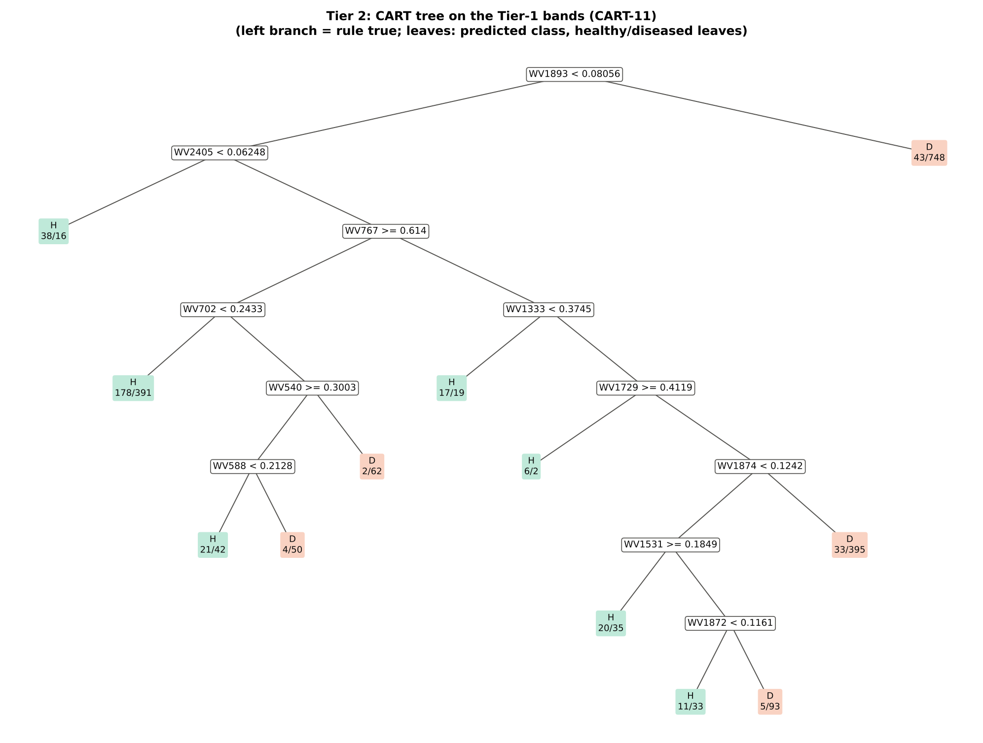
Figure 6 (as in Das et al. 2020 Fig. 6). CART tree

Table 3.2 Tree nodes (rpart frame)
Node | Depth | Split variable | Rule (left branch of the parent) | Leaves | Healthy | Diseased | Predicted class
1 | 0 | WV1893 | root | 2264 | 378 | 1886 | H
2 | 1 | WV2405 | WV1893< 0.08056 | 1473 | 335 | 1138 | H
4 | 2 | leaf | WV2405< 0.06248 | 54 | 38 | 16 | H
5 | 2 | WV767 | WV2405>=0.06248 | 1419 | 297 | 1122 | H
10 | 3 | WV702 | WV767>=0.614 | 750 | 205 | 545 | H
20 | 4 | leaf | WV702< 0.2433 | 569 | 178 | 391 | H
21 | 4 | WV540 | WV702>=0.2433 | 181 | 27 | 154 | D
42 | 5 | WV588 | WV540>=0.3003 | 117 | 25 | 92 | H
84 | 6 | leaf | WV588< 0.2128 | 63 | 21 | 42 | H
85 | 6 | leaf | WV588>=0.2128 | 54 | 4 | 50 | D
43 | 5 | leaf | WV540< 0.3003 | 64 | 2 | 62 | D
11 | 3 | WV1333 | WV767< 0.614 | 669 | 92 | 577 | D
22 | 4 | leaf | WV1333< 0.3745 | 36 | 17 | 19 | H
23 | 4 | WV1729 | WV1333>=0.3745 | 633 | 75 | 558 | D
46 | 5 | leaf | WV1729>=0.4119 | 8 | 6 | 2 | H
47 | 5 | WV1874 | WV1729< 0.4119 | 625 | 69 | 556 | D
94 | 6 | WV1531 | WV1874< 0.1242 | 197 | 36 | 161 | H
188 | 7 | leaf | WV1531>=0.1849 | 55 | 20 | 35 | H
189 | 7 | WV1872 | WV1531< 0.1849 | 142 | 16 | 126 | D
378 | 8 | leaf | WV1872< 0.1161 | 44 | 11 | 33 | H
379 | 8 | leaf | WV1872>=0.1161 | 98 | 5 | 93 | D
95 | 6 | leaf | WV1874>=0.1242 | 428 | 33 | 395 | D
3 | 1 | leaf | WV1893>=0.08056 | 791 | 43 | 748 | D

Table 3.3 Complexity-parameter table (plot-grouped 10-fold CV)
CP | Number of splits | Relative error | Cross-validated error (plot-grouped) | SE of CV error
0.2828 | 0.0000 | 1.0000 | 1.1016 | 0.0357
0.0313 | 1.0000 | 0.7172 | 0.7700 | 0.0239
0.0164 | 4.0000 | 0.6197 | 0.7298 | 0.0317
0.0138 | 7.0000 | 0.5705 | 0.7134 | 0.0306
0.0116 | 10.00 | 0.5270 | 0.7086 | 0.0312
0.0100 | 11.00 | 0.5154 | 0.7133 | 0.0320
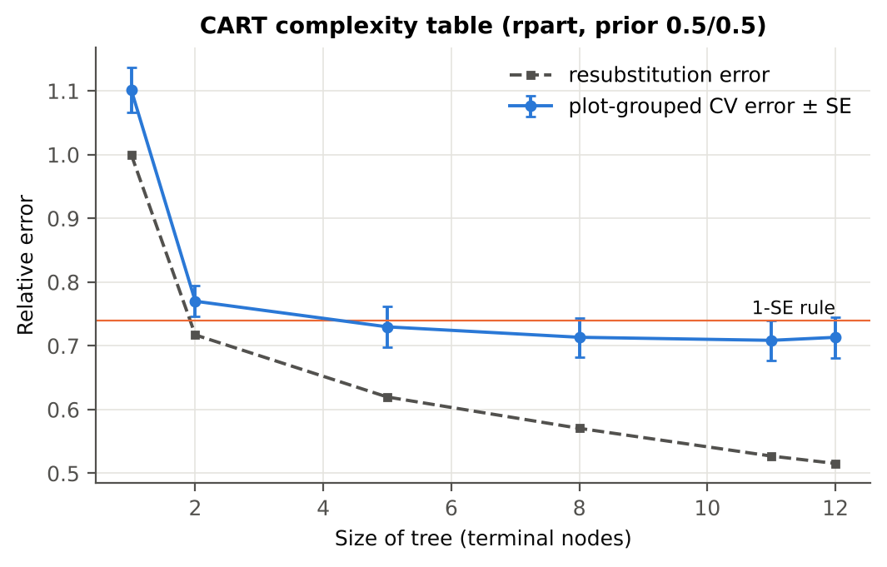

Table 3.4 Selected band sets
Tree | Bands | Wavelengths (nm)
CART-11 | 11 | 1893, 2405, 767, 702, 1333, 540, 1729, 588, 1874, 1531, 1872
CART-4 (1-SE) | 4 | 1893, 2405, 767, 1333
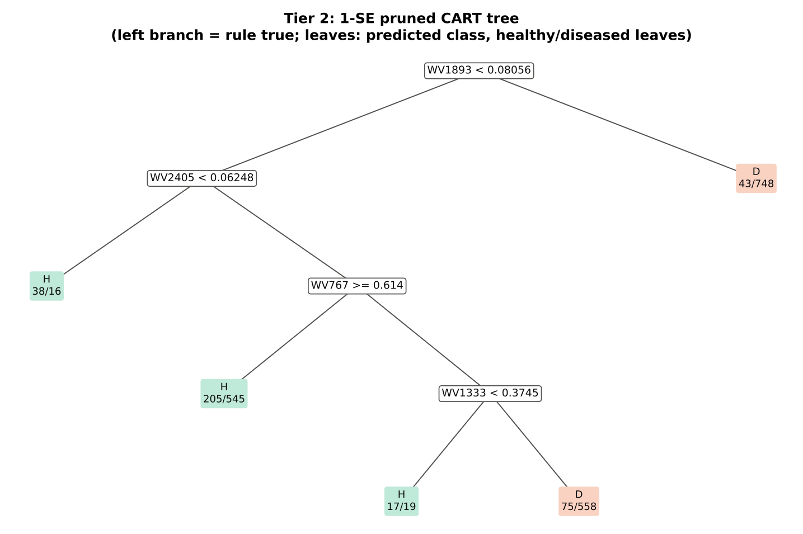

Table 3.5 Cross-check of the CART result with scikit-learn
Item | rpart (R) | scikit-learn (balanced class weights) | Agreement
Root split | WV1893< 0.08056 | WV1893 < 0.080561 | identical variable
Split of the left child | WV2405< 0.06248 | WV2407 | different
Bands used by the trees | 11 bands (cp = 0.01) | 58 bands (depth ≤ 8) | 11 of 11 rpart bands within ±5 nm

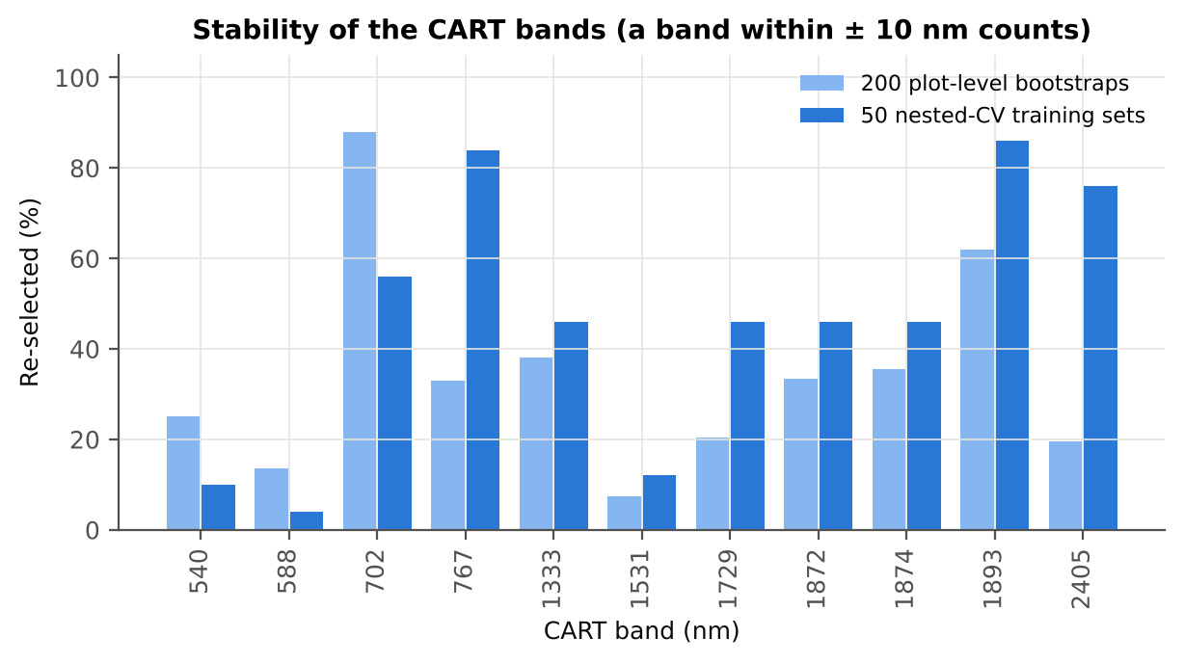
Figure 6b. Re-selection frequency of each CART band

Cross-checks for this step
Step | What was checked | Method | Result | Status
Tier 2 | CART implementation | rpart (R) vs scikit-learn DecisionTreeClassifier | root variable rpart 'WV1893< 0.08056' vs sklearn 'WV1893 < 0.08056' | PASS
Tier 2 | Stability of the selected bands | 200 plot-level bootstrap trees; 50 nested-CV training sets | 1893 nm 86 %; 767 nm 84 %; 2405 nm 76 % | PASS

07_Tier3_JM
Step 4 · Tier 3 — Jeffries–Matusita (J–M) distance
J–M = 2(1 − e^(−α)) on the 0–2 scale of the thresholds 1.90 / 1.94 used by Das et al.; √J–M (Eq. 1 printed in the paper, 0–√2) is also given.

What was done
α (Bhattacharyya distance) = ⅛ (μH − μD)ᵀ [(ΣH + ΣD)/2]⁻¹ (μH − μD) + ½ ln( |(ΣH + ΣD)/2| / √(|ΣH| |ΣD|) ), computed with class means and covariance matrices of the selected bands (Cholesky factorisation; checked against explicit inverse and determinants). Classes are 'separable' when J–M ≥ 1.90 (Das et al. used ≥ 1.94, 97 % of 2).
Table 1 (as in Das et al. 2020). J–M distance between healthy and diseased leaves (CART-11 bands)
 | Healthy | Diseased
Healthy | – | –
Diseased | 1.2661 | –

Table 4.1 Healthy vs diseased separability (formulas: J–M, √J–M and the threshold tests)
Band set | Bands | α (Bhattacharyya) | J–M (0–2) (Excel) | √J–M (Excel) | ≥ 1.90 ? (Excel) | ≥ 1.94 ? (Excel)
CART-11 | 11 | 1.0025 | 1.2661 | 1.1252 | not separable | not separable
CART-4 (1-SE) | 4 | 0.3813 | 0.6341 | 0.7963 | not separable | not separable

Table 4.2 J–M and QDA BA as the CART bands are added (order of first use in the tree)
Features used | CART feature added | CART J–M | CART QDA BA
1 | WV1893 | 0.4768 | 60.1%
2 | WV2405 | 0.4980 | 61.0%
3 | WV767 | 0.5637 | 62.1%
4 | WV702 | 0.6288 | 63.7%
5 | WV1333 | 0.6973 | 64.4%
6 | WV540 | 0.7979 | 65.1%
7 | WV1729 | 0.9774 | 71.3%
8 | WV588 | 1.0829 | 69.4%
9 | WV1874 | 1.1149 | 70.2%
10 | WV1531 | 1.1773 | 70.0%
11 | WV1872 | 1.2661 | 71.1%
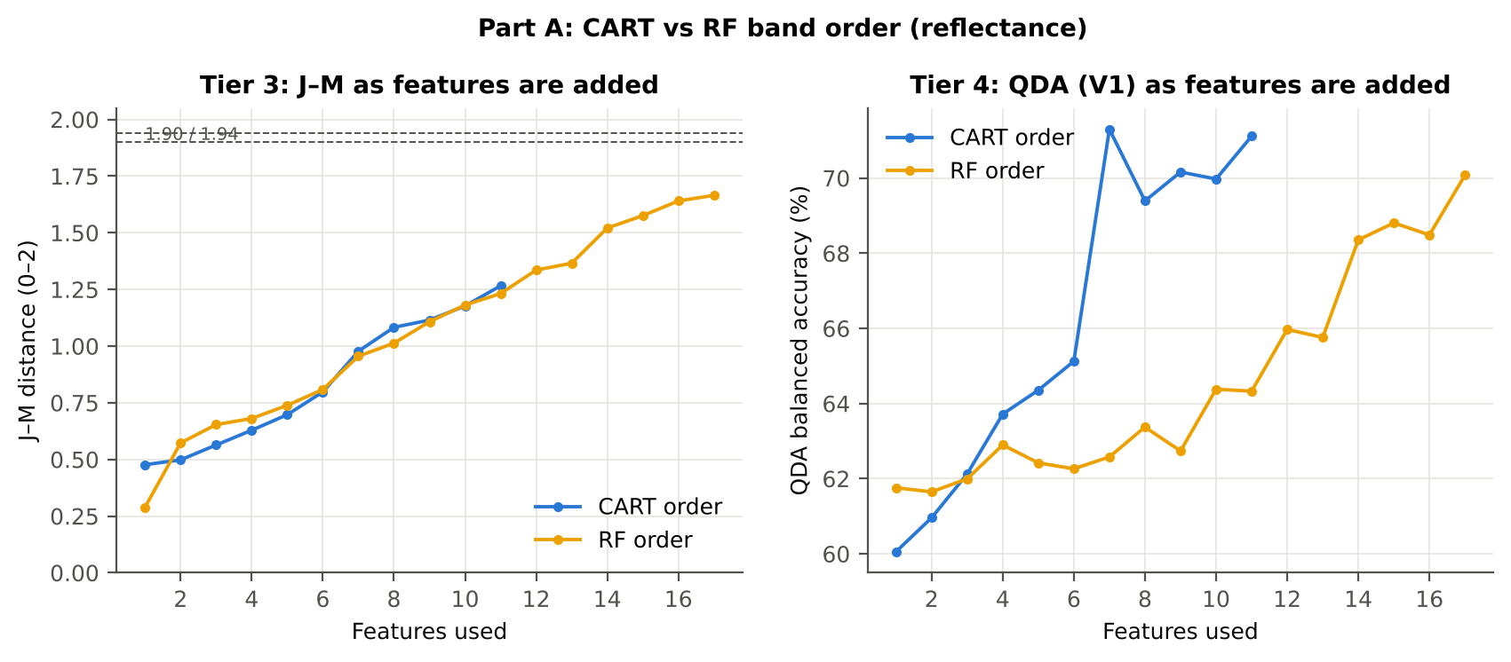

Table 4.3 Numerical diagnostics
Diagnostic | Value
Condition number of healthy covariance | 456034.65
Condition number of diseased covariance | 657720.96
J–M of the healthy class with itself (must be 0) | 0.0000

Cross-checks for this step
Step | What was checked | Method | Result | Status
Tier 3 | J–M implementation (Part A (raw reflectance)) | Cholesky/log-det vs explicit inverse/determinant | |Δα| = 3.0e-13 | PASS
Tier 3 | J–M formula | J–M of the healthy class with itself (must be 0) | 0.0e+00 | PASS
Tier 3 | Invertibility of the class covariances | condition number of the class correlation matrices of every selected set | max 3.3e+07 (well below the ~1e12 limit of double precision) | PASS
Tier 3 | J–M is scale-invariant | J–M on raw vs standardised features of every selected set | max |ΔJ–M| = 4.9e-11 | PASS

09_Validation
Step 6 · Validation of the complete four-tier pipeline
From the protocol of Das et al. (bands chosen on all leaves, leaf-level CV) to honest estimates for new plots and new dates.

What was done
Das et al. selected bands on all data and validated QDA by 10-fold CV on the same data (V1). Here the pipeline is also validated with folds grouped by plot (V2), with the whole pipeline nested inside plot-grouped folds (V3, 5 repeats), on independent hold-out plots (V4, 10 splits), with random under-sampling instead of equal priors (V3-RUS) and on an unseen date in unseen plots (V5, additional). All rows: QDA on CART-selected bands.
Table 6.1 Validation results (mean over repeats; SD over repeats)
Scheme | Priors | repeats | OA | BA | BA_SD | kappa | AUC | PA_H | PA_D | UA_H | UA_D
V1 · leaf-level 10-fold, bands fixed | equal (corrected) | 1 | 59.3% | 71.1% |  | 0.2239 | 0.8289 | 88.9% | 53.3% | 27.6% | 96.0%
V2 · plot-grouped 10-fold, bands fixed | equal (corrected) | 1 | 58.7% | 70.4% |  | 0.2155 | 0.8114 | 87.8% | 52.9% | 27.2% | 95.6%
V3 · nested plot-grouped 10-fold × 5 | equal (corrected) | 5 | 61.0% | 72.0% | 1.5% | 0.2389 | 0.8405 | 88.5% | 55.5% | 28.5% | 96.0%
V4 · 30 % plot hold-out × 10 | equal (corrected) | 10 | 63.2% | 72.8% | 4.7% | 0.2743 | 0.8389 | 88.0% | 57.7% | 32.0% | 95.5%
V5 · new date and new plots (leave-one-date-out × 10) | equal (corrected) | 10 | 63.3% | 54.6% | 3.3% | 0.0702 | 0.5741 | 40.8% | 68.3% | 22.4% | 83.9%
V1 · leaf-level 10-fold, bands fixed | sample (uncorrected) | 1 | 72.2% | 76.1% |  | 0.3435 | 0.8289 | 82.0% | 70.3% | 35.6% | 95.1%
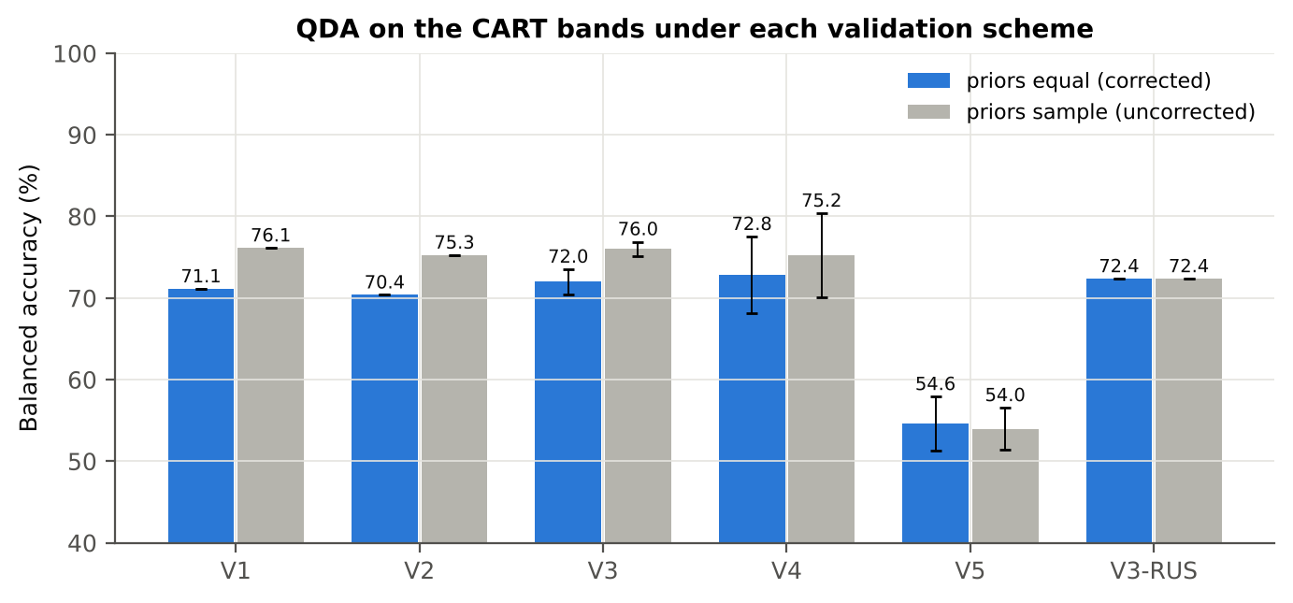
V2 · plot-grouped 10-fold, bands fixed | sample (uncorrected) | 1 | 72.3% | 75.3% |  | 0.3370 | 0.8105 | 79.6% | 70.9% | 35.4% | 94.6%
V3 · nested plot-grouped 10-fold × 5 | sample (uncorrected) | 5 | 72.1% | 76.0% | 0.9% | 0.3421 | 0.8400 | 81.9% | 70.1% | 35.5% | 95.1%
V4 · 30 % plot hold-out × 10 | sample (uncorrected) | 10 | 72.5% | 75.2% | 5.2% | 0.3562 | 0.8389 | 79.7% | 70.8% | 38.5% | 94.2%
V5 · new date and new plots (leave-one-date-out × 10) | sample (uncorrected) | 10 | 66.7% | 54.0% | 2.6% | 0.0665 | 0.5741 | 33.9% | 74.0% | 22.6% | 83.5%
V3-RUS · nested + random under-sampling | equal (corrected) | 1 | 61.2% | 72.4% |  | 0.2427 | 0.8336 | 89.2% | 55.6% | 28.7% | 96.2%
V3-RUS · nested + random under-sampling | sample (uncorrected) | 1 | 61.2% | 72.4% |  | 0.2427 | 0.8336 | 89.2% | 55.6% | 28.7% | 96.2%

Table 6.2 Error matrix, V3 (nested plot-grouped CV, 5 repeats pooled) — QDA on CART bands, equal priors
Classified \ Reference | Healthy | Diseased | Row total | User's accuracy (%)
Healthy | 1673 | 4201 | 5874 | 28.48
Diseased | 217 | 5229 | 5446 | 96.02
Column total | 1890 | 9430 | 11320
Producer's accuracy (%) | 88.52 | 55.45
Overall accuracy (%) | 60.97
Balanced accuracy (%) | 71.98
Cohen's κ | 0.239
F1 healthy | 0.431
F1 diseased | 0.703

Table 6.3 Error matrix, V4 (independent hold-out plots, 10 splits pooled) — QDA on CART bands, equal priors
Classified \ Reference | Healthy | Diseased | Row total | User's accuracy (%)
Healthy | 1123 | 2442 | 3565 | 31.50
Diseased | 155 | 3321 | 3476 | 95.54
Column total | 1278 | 5763 | 7041
Producer's accuracy (%) | 87.87 | 57.63
Overall accuracy (%) | 63.12
Balanced accuracy (%) | 72.75
Cohen's κ | 0.268
F1 healthy | 0.464
F1 diseased | 0.719

Table 6.4 Error matrix, V5 (new date and new plots, 40 units pooled) — QDA on CART bands, equal priors
Classified \ Reference | Healthy | Diseased | Row total | User's accuracy (%)
Healthy | 523 | 1828 | 2351 | 22.25
Diseased | 755 | 3935 | 4690 | 83.90
Column total | 1278 | 5763 | 7041
Producer's accuracy (%) | 40.92 | 68.28
Overall accuracy (%) | 63.31
Balanced accuracy (%) | 54.60
Cohen's κ | 0.069
F1 healthy | 0.288
F1 diseased | 0.753

Table 6.5 Sensitivity to the band set (full pipeline repeated)
Band set | CART bands | BA V1 | BA V3 nested | BA V4 hold-out | CART bands (nm)
400–2500 nm (main: 350–399 removed) | 11 | 71.1% | 72.0% | 72.8% | 540, 588, 702, 767, 1333, 1531, 1729, 1872, 1874, 1893, 2405
350–2500 nm (nothing removed) | 12 | 67.2% | 68.8% | 71.5% | 350, 353, 601, 697, 698, 705, 717, 1893, 2106, 2161, 2336, 2365
450–2450 nm (both detector edges trimmed) | 11 | 71.1% | 72.2% | 73.1% | 540, 588, 702, 767, 1333, 1531, 1729, 1872, 1874, 1893, 2405

10_A1_RF_Importance
Part A1 · Random Forest as the Tier-2 band selector (instead of CART)
Input: the 1653 FDR-significant bands of Tier 1 (same as CART).

What was done
A Balanced Random Forest (1000 trees, √1653 candidate bands per split, each tree grown on a balanced bootstrap of 378 + 378 leaves) was fitted to all leaves; band importance = mean decrease in Gini impurity (MDI). Because neighbouring bands are almost identical, bands were picked as importance peaks: local maxima of the importance spectrum, at least 10 nm apart. The 17 highest peaks form the RF band set (same size as the CART set of Das et al.); the 10 highest a smaller set. Checks: a second forest with another seed, R randomForest, permutation importance, and an ordinary class-weighted forest.
Table A1.1 RF band set: the 17 highest importance peaks
Rank | Band (nm) | Importance × 1000 | Region | Mean healthy | Mean diseased | Welch t | q (BH) | Mixed model significant | Nearest CART band | Distance (nm)
1 | 692.00 | 3.0881 | Red edge (680–759) | 0.1243 | 0.1453 | 14.98 | 1.128E-44 | yes | 702.00 | 10.00
2 | 1893.00 | 2.9528 | Water band II (1800–1950) | 0.0685 | 0.0845 | 15.33 | 7.184E-48 | yes | 1893.00 | 0.0000
3 | 1996.00 | 2.2108 | SWIR-2 (1951–2349) | 0.0672 | 0.0830 | 15.18 | 3.733E-47 | yes | 1893.00 | 103.00
4 | 640.00 | 2.1309 | Red (600–679) | 0.1203 | 0.1384 | 14.21 | 8.950E-41 | yes | 588.00 | 52.00
5 | 2009.00 | 2.1076 | SWIR-2 (1951–2349) | 0.0711 | 0.0879 | 15.41 | 4.958E-48 | yes | 1893.00 | 116.00
6 | 703.00 | 2.0314 | Red edge (680–759) | 0.2313 | 0.2543 | 11.64 | 1.968E-28 | yes | 702.00 | 1.0000
7 | 1984.00 | 2.0038 | SWIR-2 (1951–2349) | 0.0644 | 0.0792 | 14.76 | 5.767E-45 | yes | 1893.00 | 91.00
8 | 761.00 | 1.5824 | NIR (760–1349) | 0.5951 | 0.5763 | -4.7067 | 5.815E-06 | yes | 767.00 | 6.0000
9 | 651.00 | 1.4283 | Red (600–679) | 0.1085 | 0.1252 | 14.38 | 1.083E-41 | yes | 702.00 | 51.00
10 | 747.00 | 1.4172 | Red edge (680–759) | 0.5859 | 0.5678 | -4.6225 | 8.435E-06 | yes | 767.00 | 20.00
11 | 1925.00 | 1.4111 | Water band II (1800–1950) | 0.0590 | 0.0704 | 12.49 | 2.867E-33 | yes | 1893.00 | 32.00
12 | 773.00 | 1.3534 | NIR (760–1349) | 0.5948 | 0.5769 | -4.5248 | 1.301E-05 | yes | 767.00 | 6.0000
13 | 2019.00 | 1.3219 | SWIR-2 (1951–2349) | 0.0747 | 0.0920 | 15.43 | 4.958E-48 | yes | 1893.00 | 126.00
14 | 621.00 | 1.3029 | Red (600–679) | 0.1302 | 0.1482 | 13.39 | 1.111E-36 | yes | 588.00 | 33.00
15 | 1882.00 | 1.2565 | Water band II (1800–1950) | 0.0964 | 0.1155 | 14.75 | 3.556E-44 | yes | 1874.00 | 8.0000
16 | 715.00 | 1.1985 | Red edge (680–759) | 0.3765 | 0.3871 | 4.6464 | 7.332E-06 | yes | 702.00 | 13.00
17 | 664.00 | 1.1930 | Red (600–679) | 0.0973 | 0.1123 | 13.90 | 2.757E-39 | yes | 702.00 | 38.00

Table A1.2 The CART bands seen through the RF importance
CART band (nm) | Region | RF importance rank (of 1653) | RF importance × 1000 | Nearest RF-17 band | Distance (nm)
540.00 | Green (500–599) | 244 | 0.9480 | 621.00 | 81.00
588.00 | Green (500–599) | 479 | 0.7300 | 621.00 | 33.00
702.00 | Red edge (680–759) | 43 | 1.6255 | 703.00 | 1.0000
767.00 | NIR (760–1349) | 157 | 1.0935 | 761.00 | 6.0000
1333.00 | NIR (760–1349) | 215 | 0.9901 | 1882.00 | 549.00
1531.00 | SWIR-1 (1431–1799) | 1459 | 0.2519 | 1882.00 | 351.00
1729.00 | SWIR-1 (1431–1799) | 861 | 0.4956 | 1882.00 | 153.00
1872.00 | Water band II (1800–1950) | 233 | 0.9645 | 1882.00 | 10.00
1874.00 | Water band II (1800–1950) | 629 | 0.6297 | 1882.00 | 8.0000
1893.00 | Water band II (1800–1950) | 2 | 2.9528 | 1893.00 | 0.0000
2405.00 | SWIR-2 end (2350–2500) | 723 | 0.5689 | 2019.00 | 386.00
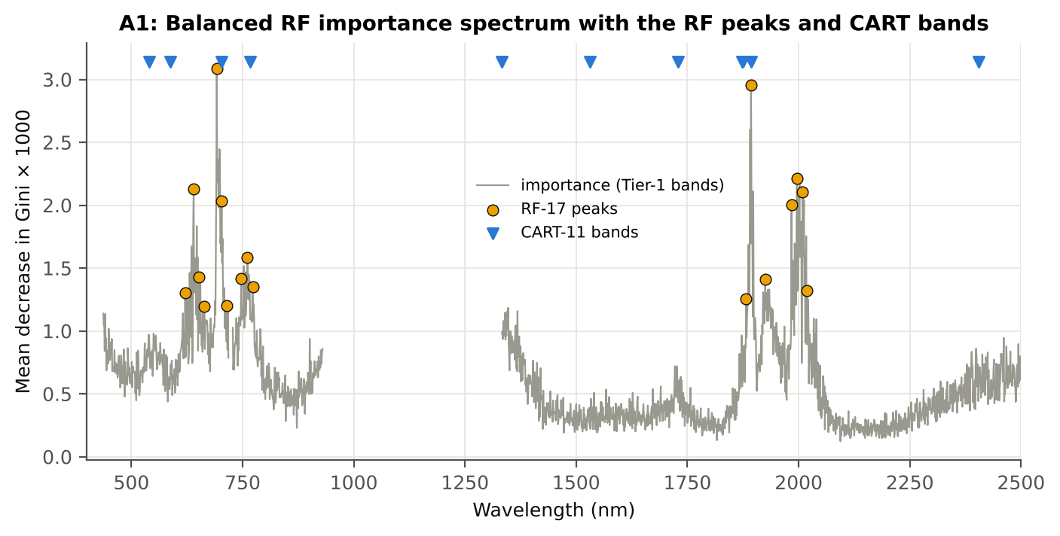

Figure A1. RF importance spectrum with the RF peaks (orange) and the CART bands (blue triangles)

Table A1.3 Checks of the RF importance
Check | Value | Result | Status
Reproducibility: importance of seed 42 vs seed 7 (Spearman ρ) | 0.891 | 17 of 17 peaks within ±10 nm | PASS
R randomForest (stratified sampsize 378 + 378), mean decrease in Gini | ρ = 0.893 | 16 of 17 peaks within ±10 nm; R out-of-bag BA 0.733 | PASS
Permutation importance (drop in AUC, 5 plot-grouped folds) vs Gini, top-50 bands | ρ = -0.06 | shuffling one band hardly changes the forest because its neighbours carry the same information | FLAG
Ordinary RF with class weights only (no balanced bootstrap), out-of-bag | BA 0.703 | healthy recall 0.49: class weights alone leave the forest biased | PASS

12_A3_CART_vs_RF
Part A3 · CART vs RF as classifiers and as band selectors — honest validation
Same folds everywhere: V1 leaf-level 10-fold; V3 nested plot-grouped 10-fold × 5; V4 30 % plot hold-out × 10; V5 new date + new plots.

What was done
Four pipelines on identical folds. CART classifier: the rpart tree itself predicts. RF classifier: a Balanced RF (500 trees) on the Tier-1 bands predicts. QDA on CART bands: Tier 4 of the paper. QDA on RF bands: QDA on the 17 RF importance peaks. In V3, V4 and V5, Tier 1 and band selection are repeated inside every training set. Paired Wilcoxon signed-rank tests compare pipelines over the 50 V3 folds and the 10 V4 splits.
Table A3.1 Validation results (mean over repeats; SD over repeats)
Pipeline | Scheme | repeats | OA | BA | BA_SD | kappa | AUC | PA_H | PA_D | UA_H | UA_D
CART classifier | V1 | 1 | 70.4% | 65.3% |  | 0.2236 | 0.6806 | 57.7% | 73.0% | 29.9% | 89.6%
CART classifier | V3 | 5 | 68.6% | 64.7% | 1.3% | 0.2063 | 0.6744 | 58.7% | 70.6% | 28.6% | 89.5%
CART classifier | V4 | 10 | 69.6% | 64.2% | 1.8% | 0.2172 | 0.6579 | 55.7% | 72.6% | 31.3% | 88.1%
CART classifier | V5 | 10 | 61.6% | 53.2% | 2.7% | 0.0476 | 0.5303 | 40.1% | 66.4% | 20.9% | 83.3%
RF classifier | V1 | 1 | 78.4% | 73.0% |  | 0.3717 | 0.8184 | 64.8% | 81.1% | 40.8% | 92.0%
RF classifier | V3 | 5 | 77.2% | 70.7% | 0.4% | 0.3357 | 0.7911 | 61.0% | 80.4% | 38.5% | 91.1%
RF classifier | V4 | 10 | 75.9% | 69.5% | 2.0% | 0.3259 | 0.7780 | 59.3% | 79.6% | 39.5% | 89.8%
RF classifier | V5 | 10 | 64.0% | 54.6% | 1.3% | 0.0708 | 0.5879 | 40.0% | 69.3% | 22.4% | 83.9%
QDA on CART features | V1 | 1 | 59.3% | 71.1% |  | 0.2239 | 0.8289 | 88.9% | 53.3% | 27.6% | 96.0%
QDA on CART features | V3 | 5 | 61.0% | 72.0% | 1.5% | 0.2389 | 0.8405 | 88.5% | 55.5% | 28.5% | 96.0%
QDA on CART features | V4 | 10 | 63.2% | 72.8% | 4.7% | 0.2743 | 0.8389 | 88.0% | 57.7% | 32.0% | 95.5%
QDA on CART features | V5 | 10 | 63.3% | 54.6% | 3.3% | 0.0702 | 0.5741 | 40.8% | 68.3% | 22.4% | 83.9%
QDA on RF features | V1 | 1 | 55.4% | 70.1% |  | 0.2004 | 0.8096 | 92.1% | 48.1% | 26.2% | 96.8%
QDA on RF features | V3 | 5 | 55.9% | 69.1% | 0.3% | 0.1942 | 0.8056 | 88.8% | 49.3% | 26.0% | 95.7%
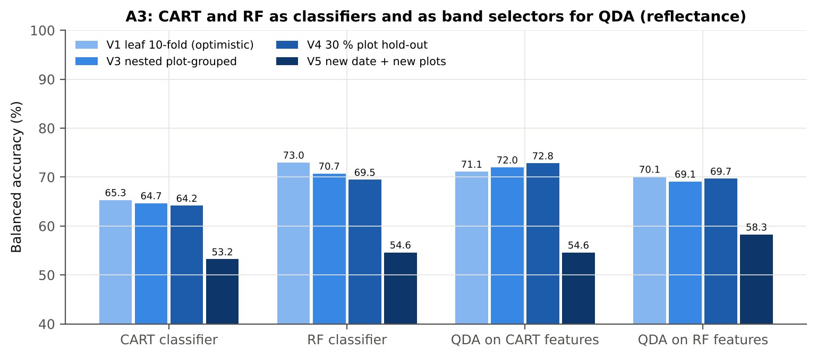
QDA on RF features | V4 | 10 | 57.9% | 69.7% | 3.3% | 0.2193 | 0.8142 | 88.1% | 51.2% | 28.8% | 95.1%
QDA on RF features | V5 | 10 | 64.9% | 58.3% | 2.4% | 0.1262 | 0.6078 | 47.8% | 68.7% | 25.8% | 85.6%

Table A3.2 Paired comparisons (same folds; positive = first pipeline better)
Comparison | Units | n | Mean difference | SD | First better | Second better | Ties | Wilcoxon p
RF classifier − CART classifier | V3 nested (folds) | 50 | 6.0% | 4.0% | 48 | 2 | 0 | 9.770E-14
RF classifier − CART classifier | V4 hold-out (splits) | 10 | 5.3% | 2.2% | 10 | 0 | 0 | 0.0020
QDA on RF features − QDA on CART features | V3 nested (folds) | 50 | -3.1% | 6.5% | 15 | 35 | 0 | 0.0030
QDA on RF features − QDA on CART features | V4 hold-out (splits) | 10 | -3.2% | 5.6% | 2 | 8 | 0 | 0.1055
QDA on CART features − CART classifier | V3 nested (folds) | 50 | 7.7% | 8.0% | 45 | 5 | 0 | 1.596E-09
QDA on CART features − CART classifier | V4 hold-out (splits) | 10 | 8.7% | 4.7% | 9 | 1 | 0 | 0.0039
QDA on RF features − RF classifier | V3 nested (folds) | 50 | -1.4% | 5.0% | 21 | 29 | 0 | 0.0866
QDA on RF features − RF classifier | V4 hold-out (splits) | 10 | 0.2% | 3.6% | 5 | 5 | 0 | 1.0000

Error matrix — CART classifier, V4 hold-out plots (10 splits pooled)
Classified \ Reference | Healthy | Diseased | Row total | User's accuracy (%)
Healthy | 713 | 1580 | 2293 | 31.09
Diseased | 565 | 4183 | 4748 | 88.10
Column total | 1278 | 5763 | 7041
Producer's accuracy (%) | 55.79 | 72.58
Overall accuracy (%) | 69.54
Balanced accuracy (%) | 64.19
Cohen's κ | 0.217
F1 healthy | 0.399
F1 diseased | 0.796

Error matrix — RF classifier, V4 hold-out plots (10 splits pooled)
Classified \ Reference | Healthy | Diseased | Row total | User's accuracy (%)
Healthy | 757 | 1174 | 1931 | 39.20
Diseased | 521 | 4589 | 5110 | 89.80
Column total | 1278 | 5763 | 7041
Producer's accuracy (%) | 59.23 | 79.63
Overall accuracy (%) | 75.93
Balanced accuracy (%) | 69.43
Cohen's κ | 0.324
F1 healthy | 0.472
F1 diseased | 0.844

Error matrix — QDA on CART features, V4 hold-out plots (10 splits pooled)
Classified \ Reference | Healthy | Diseased | Row total | User's accuracy (%)
Healthy | 1123 | 2442 | 3565 | 31.50
Diseased | 155 | 3321 | 3476 | 95.54
Column total | 1278 | 5763 | 7041
Producer's accuracy (%) | 87.87 | 57.63
Overall accuracy (%) | 63.12
Balanced accuracy (%) | 72.75
Cohen's κ | 0.268
F1 healthy | 0.464
F1 diseased | 0.719

Error matrix — QDA on RF features, V4 hold-out plots (10 splits pooled)
Classified \ Reference | Healthy | Diseased | Row total | User's accuracy (%)
Healthy | 1126 | 2810 | 3936 | 28.61
Diseased | 152 | 2953 | 3105 | 95.10
Column total | 1278 | 5763 | 7041
Producer's accuracy (%) | 88.11 | 51.24
Overall accuracy (%) | 57.93
Balanced accuracy (%) | 69.67
Cohen's κ | 0.217
F1 healthy | 0.432
F1 diseased | 0.666

13_A4_Band_Stability
Part A4 · Stability of the CART and RF band sets
Re-selection in the 50 nested training sets of V3 (a band counts if a band within ± 10 nm is selected).

Table A4.1 The CART-11 bands
Feature | Type | Re-selected by CART (±10 nm) | Re-selected by RF (±10 nm)
WV1893 | Raw reflectance | 86.0% | 100.0%
WV2405 | Raw reflectance | 76.0% | 0.0%
WV767 | Raw reflectance | 84.0% | 98.0%
WV702 | Raw reflectance | 56.0% | 100.0%
WV1333 | Raw reflectance | 46.0% | 52.0%
WV540 | Raw reflectance | 10.0% | 4.0%
WV1729 | Raw reflectance | 46.0% | 0.0%
WV588 | Raw reflectance | 4.0% | 0.0%
WV1874 | Raw reflectance | 46.0% | 46.0%
WV1531 | Raw reflectance | 12.0% | 0.0%
WV1872 | Raw reflectance | 46.0% | 34.0%

Table A4.2 The RF-17 bands
Feature | Type | Re-selected by CART (±10 nm) | Re-selected by RF (±10 nm)
WV692 | Raw reflectance | 70.0% | 100.0%
WV1893 | Raw reflectance | 86.0% | 100.0%
WV1996 | Raw reflectance | 20.0% | 100.0%
WV640 | Raw reflectance | 4.0% | 100.0%
WV2009 | Raw reflectance | 24.0% | 100.0%
WV703 | Raw reflectance | 60.0% | 100.0%
WV1984 | Raw reflectance | 2.0% | 96.0%
WV761 | Raw reflectance | 62.0% | 100.0%
WV651 | Raw reflectance | 14.0% | 100.0%
WV747 | Raw reflectance | 48.0% | 94.0%
WV1925 | Raw reflectance | 76.0% | 84.0%
WV773 | Raw reflectance | 68.0% | 86.0%
WV2019 | Raw reflectance | 2.0% | 98.0%
WV621 | Raw reflectance | 50.0% | 82.0%
WV1882 | Raw reflectance | 54.0% | 80.0%
WV715 | Raw reflectance | 30.0% | 52.0%
WV664 | Raw reflectance | 42.0% | 62.0%

Table A4.3 Stability index
Method | Training sets | Mean features | Range | Unique features (union) | Selected in all sets (exact) | Stability index (exact) = all / union | Selected in all sets (±10 nm) | Stability index (±10 nm) | Mean pairwise Jaccard (±10 nm) | SD Jaccard
CART | 50 | 14.40 | 5–24 | 290 | 0 | 0.0000 | 0 | 0.0000 | 0.2957 | 0.1303
RF | 50 | 17.00 | 17–17 | 308 | 0 | 0.0000 | 83 | 0.2695 | 0.7239 | 0.0881
Stability index (exact) = bands selected in all 50 training sets ÷ all bands ever selected; the ±10 nm version counts a band as re-selected when a band within 10 nm is chosen; the mean pairwise Jaccard index (±10 nm) compares every pair of training sets.
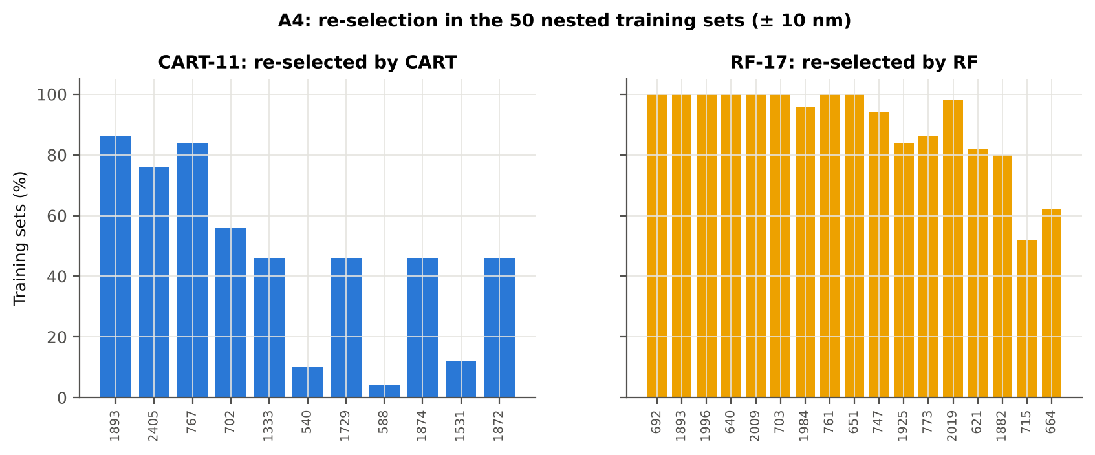

Table A4.4 Bands most often selected by CART (exact band)
Feature | Type | Times selected (exact) | Share of training sets
WV1893 | Raw reflectance | 33 | 66.0%
WV2402 | Raw reflectance | 20 | 40.0%
WV618 | Raw reflectance | 19 | 38.0%
WV1767 | Raw reflectance | 17 | 34.0%
WV1386 | Raw reflectance | 13 | 26.0%
WV1729 | Raw reflectance | 12 | 24.0%
WV767 | Raw reflectance | 11 | 22.0%
WV1358 | Raw reflectance | 11 | 22.0%
WV698 | Raw reflectance | 11 | 22.0%
WV773 | Raw reflectance | 10 | 20.0%
WV1367 | Raw reflectance | 10 | 20.0%
WV701 | Raw reflectance | 10 | 20.0%
WV668 | Raw reflectance | 10 | 20.0%
WV1926 | Raw reflectance | 9 | 18.0%
WV1932 | Raw reflectance | 9 | 18.0%
WV1874 | Raw reflectance | 9 | 18.0%
WV710 | Raw reflectance | 8 | 16.0%
WV775 | Raw reflectance | 7 | 14.0%
WV1929 | Raw reflectance | 7 | 14.0%
WV1341 | Raw reflectance | 6 | 12.0%
WV1731 | Raw reflectance | 6 | 12.0%
WV1888 | Raw reflectance | 6 | 12.0%
WV1930 | Raw reflectance | 6 | 12.0%
WV2004 | Raw reflectance | 6 | 12.0%
WV1873 | Raw reflectance | 6 | 12.0%
WV506 | Raw reflectance | 6 | 12.0%
WV1553 | Raw reflectance | 6 | 12.0%
WV1872 | Raw reflectance | 5 | 10.0%
WV696 | Raw reflectance | 5 | 10.0%
WV754 | Raw reflectance | 5 | 10.0%

Table A4.5 Bands most often selected by RF (exact band)
Feature | Type | Times selected (exact) | Share of training sets
WV1894 | Raw reflectance | 11 | 22.0%
WV750 | Raw reflectance | 11 | 22.0%
WV1893 | Raw reflectance | 9 | 18.0%
WV694 | Raw reflectance | 8 | 16.0%
WV704 | Raw reflectance | 8 | 16.0%
WV1982 | Raw reflectance | 8 | 16.0%
WV2015 | Raw reflectance | 7 | 14.0%
WV695 | Raw reflectance | 7 | 14.0%
WV641 | Raw reflectance | 7 | 14.0%
WV629 | Raw reflectance | 7 | 14.0%
WV696 | Raw reflectance | 7 | 14.0%
WV1985 | Raw reflectance | 7 | 14.0%
WV1882 | Raw reflectance | 7 | 14.0%
WV1895 | Raw reflectance | 7 | 14.0%
WV1892 | Raw reflectance | 6 | 12.0%
WV650 | Raw reflectance | 6 | 12.0%
WV1891 | Raw reflectance | 6 | 12.0%
WV1999 | Raw reflectance | 6 | 12.0%
WV2004 | Raw reflectance | 6 | 12.0%
WV1994 | Raw reflectance | 6 | 12.0%
WV645 | Raw reflectance | 6 | 12.0%
WV706 | Raw reflectance | 6 | 12.0%
WV1996 | Raw reflectance | 6 | 12.0%
WV640 | Raw reflectance | 6 | 12.0%
WV1995 | Raw reflectance | 6 | 12.0%
WV1933 | Raw reflectance | 6 | 12.0%
WV2031 | Raw reflectance | 6 | 12.0%
WV2019 | Raw reflectance | 6 | 12.0%
WV2008 | Raw reflectance | 6 | 12.0%
WV763 | Raw reflectance | 6 | 12.0%

14_K0_Denoising
Step K0 · Spectral smoothing / denoising and detector joins
Splice correction, Savitzky–Golay smoothing and derivatives; guard zones at the detector joins.

What was done
1. Splice correction: the ASD records 350–1000 nm (VNIR), 1001–1800 nm (SWIR-1) and 1801–2500 nm (SWIR-2) with three detectors. For each join a straight line was fitted to the 10 nm before the join and the next detector was shifted so that it continues this line at join + 1 nm. 2. Smoothing: Savitzky–Golay filter (window 11, order 2); first derivative SG(15, 2), second derivative SG(21, 2). 3. Guard zones: bands next to the joins are excluded from feature ranking (reflectance 990–1010 and 1795–1835 nm; first derivative 988–1012 and 1793–1837 nm; second derivative 985–1015 and 1790–1840 nm) because the filter windows straddle the join and a date-dependent start-up bump follows 1801 nm.
Table K0.1 Splice offsets added to the following detector (reflectance)
Join | Offset Healthy (mean) | SD (neg) | Offset Diseased (mean) | SD (pos)
1000/1001 nm | 0.0019 | 6.038E-04 | 0.0020 | 6.009E-04
1800/1801 nm | -3.145E-05 | 2.283E-04 | -1.255E-04 | 2.567E-04

Table K0.2 Spectral slope just before and just after the 1800/1801 nm join (reflectance × 10⁵ per nm)
Date | Slope 1786-1800 Healthy | Slope 1786-1800 Diseased | Slope 1801-1815 Healthy | Slope 1801-1815 Diseased
11-02-2026 | -9.1506 | -8.3093 | 13.67 | 19.17
24-02-2026 | -12.05 | -8.1897 | 22.37 | 19.66
03-03-2026 | -12.50 | -13.58 | 5.6895 | 10.78
13-03-2026 | -9.4487 | -9.3417 | -0.7953 | 3.4406
A healthy spectrum falls smoothly across the join; a slope that turns upward right after the join, or a class difference that changes with the date, marks the start-up artefact.

Table K0.3 Noise removed by the Savitzky–Golay filter
Range (nm) | Noise (SD raw - smoothed)
350-399 | 0.0064
400-499 | 7.718E-04
500-599 | 6.935E-05
600-679 | 3.003E-05
680-759 | 3.982E-05
760-1349 | 3.038E-05
1350-1430 | 1.698E-05
1431-1799 | 1.096E-05
1800-1950 | 1.437E-05
1951-2349 | 1.745E-05
2350-2500 | 7.946E-05

Table K0.4 Smoothing preserves the signal
Check of the smoothing | Value
Correlation of class-mean spectra, raw vs smoothed — healthy | 0.999990
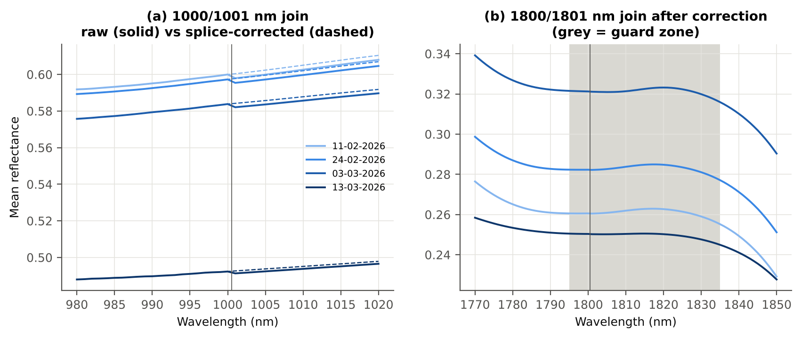
Correlation of class-mean spectra, raw vs smoothed — diseased | 0.999988
Largest change of the all-leaf mean spectrum (reflectance) | 0.002053
Tier-1 significant bands: raw vs smoothed | 1653 vs 1652

Cross-checks for this step
Step | What was checked | Method | Result | Status
K0 | Smoothing preserves the signal | class-mean spectra raw vs smoothed; Tier-1 counts | r ≥ 0.999988; 1653 (raw) vs 1652 (smoothed) significant bands | PASS
K0 | Detector artefact at the 1800/1801 nm join | slope just before vs just after the join, by date and class | start-up bump detected → guard zones applied | FLAG

15_K1_Band_Reflectance
Step K1 · Band reflectance — which single bands are disease-sensitive
Splice-corrected, smoothed reflectance at every band 400–2500 nm (guard zones excluded from the ranking).

What was done
For every band: Welch's t-test with BH-FDR, Hedges' g (standardised mean difference, bias-corrected), the area under the ROC curve (AUC, direction-free: 0.5 = no separation, 1 = perfect) and a threshold classifier (Youden's J; the threshold and its direction are chosen on training plots and applied to test plots: plot-grouped CV (V3) and hold-out (V4)).
Table K1.1 Band-reflectance sensitivity
Summary | Value
Bands tested | 2101
Significant (Welch + FDR), smoothed spectra | 1652
Significant, raw spectra (Tier 1) | 1653
Bands with AUC ≥ 0.70 (outside guard zones) | 0
Highest AUC (outside guard zones) | 0.691 at 1890 nm

Table K1.2 Most sensitive band in each spectral region (K1 features)
Wavelength (nm) | Region | AUC | Direction | Hedges g | Welch t | q (BH) | Mean healthy | Mean diseased | BA plot-grouped CV | BA hold-out
499.00 | 400–499 | 0.5759 | D > H | 0.2796 | 5.6706 | 4.322E-08 | 0.1449 | 0.1557 | 54.3% | 54.6%
599.00 | 500–599 | 0.6249 | D > H | 0.4407 | 10.80 | 4.928E-25 | 0.1559 | 0.1722 | 59.1% | 58.6%
656.00 | 600–679 | 0.6688 | D > H | 0.5381 | 14.38 | 1.092E-41 | 0.1047 | 0.1210 | 62.8% | 62.2%
692.00 | 680–759 | 0.6783 | D > H | 0.5629 | 14.98 | 1.124E-44 | 0.1244 | 0.1454 | 62.5% | 63.0%
760.00 | 760–1349 | 0.6051 | D < H | -0.2839 | -4.7111 | 5.685E-06 | 0.5949 | 0.5761 | 60.9% | 59.9%
1430.00 | 1350–1430 | 0.6549 | D > H | 0.4952 | 13.07 | 2.577E-35 | 0.1155 | 0.1336 | 60.1% | 60.4%
1431.00 | 1431–1799 | 0.6549 | D > H | 0.4951 | 13.08 | 2.222E-35 | 0.1151 | 0.1331 | 60.6% | 60.9%
1890.00 | 1800–1950 | 0.6906 | D > H | 0.5021 | 15.61 | 1.284E-48 | 0.0755 | 0.0924 | 63.9% | 63.6%
2010.00 | 1951–2349 | 0.6839 | D > H | 0.4990 | 15.51 | 1.284E-48 | 0.0734 | 0.0902 | 64.6% | 64.4%
2496.00 | 2350–2500 | 0.6344 | D > H | 0.4298 | 12.22 | 8.331E-32 | 0.0726 | 0.0880 | 57.6% | 58.5%

Table K1.3 Fifteen most sensitive bands overall
Wavelength (nm) | Mean healthy | Mean diseased | Welch t | q (BH) | Hedges g | AUC | Direction
1890.00 | 0.0755 | 0.0924 | 15.61 | 1.284E-48 | 0.5021 | 0.6906 | D > H
1889.00 | 0.0776 | 0.0948 | 15.63 | 1.284E-48 | 0.5054 | 0.6904 | D > H
1891.00 | 0.0736 | 0.0902 | 15.57 | 1.284E-48 | 0.4986 | 0.6903 | D > H
1888.00 | 0.0799 | 0.0974 | 15.62 | 1.284E-48 | 0.5085 | 0.6898 | D > H
1892.00 | 0.0719 | 0.0882 | 15.50 | 1.284E-48 | 0.4949 | 0.6896 | D > H
1887.00 | 0.0824 | 0.1002 | 15.57 | 1.284E-48 | 0.5111 | 0.6888 | D > H
1893.00 | 0.0704 | 0.0864 | 15.41 | 2.322E-48 | 0.4910 | 0.6885 | D > H
1894.00 | 0.0691 | 0.0847 | 15.30 | 7.043E-48 | 0.4871 | 0.6875 | D > H
1886.00 | 0.0851 | 0.1032 | 15.50 | 1.922E-48 | 0.5133 | 0.6873 | D > H
1895.00 | 0.0679 | 0.0833 | 15.18 | 2.851E-47 | 0.4832 | 0.6861 | D > H
1885.00 | 0.0881 | 0.1064 | 15.39 | 7.043E-48 | 0.5151 | 0.6856 | D > H
1896.00 | 0.0669 | 0.0820 | 15.05 | 1.383E-46 | 0.4792 | 0.6844 | D > H
2010.00 | 0.0734 | 0.0902 | 15.51 | 1.284E-48 | 0.4990 | 0.6839 | D > H
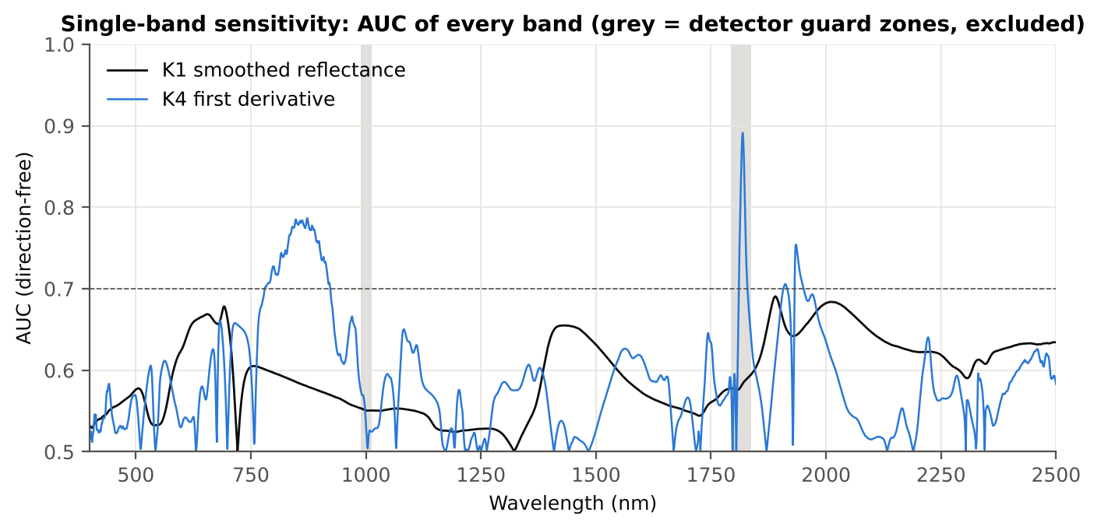
2009.00 | 0.0731 | 0.0898 | 15.50 | 1.290E-48 | 0.4983 | 0.6839 | D > H
2011.00 | 0.0737 | 0.0906 | 15.52 | 1.284E-48 | 0.4997 | 0.6838 | D > H

Figure K1. AUC of every band: reflectance (K1, black) and first derivative (K4, blue)

16_K2_Continuum_Removal
Step K2 · Continuum-removed absorption parameters
Six absorption features; continuum = upper convex hull of each window (Clark & Roush 1984; Kokaly & Clark 1999).

What was done
Within each window the reflectance was divided by its upper convex hull (continuum). From the continuum-removed curve: depth (1 − minimum), position (wavelength of the minimum), area (sum of 1 − CR, nm), width (full width at half depth, nm) and symmetry (share of the area left of the position). Statistics as in K1, plus a linear mixed model (q) and the plot intraclass correlation (ICC).
Table K2.1 Absorption windows
Feature | From (nm) | To (nm) | Absorber
CR1 blue | 400 | 548 | chlorophyll / carotenoid (≈ 495 nm)
CR2 red | 548 | 765 | chlorophyll a/b, red well (≈ 675 nm)
CR3 water 970 | 914 | 1069 | leaf water (≈ 970 nm)
CR4 water 1200 | 1069 | 1258 | leaf water (≈ 1160–1200 nm)
CR5 water 1450 | 1258 | 1721 | leaf water (≈ 1450 nm)
CR6 water 1940 | 1721 | 2304 | leaf water (≈ 1940 nm)

Table K2.2 All 30 continuum-removed parameters, ranked by AUC
Feature | Mean healthy | Mean diseased | Welch t | q (BH) | Hedges g | AUC | Direction | Threshold | Rule | BA all leaves | BA plot-grouped CV | BA hold-out | Mixed-model q | ICC plot
CR3 water 970 width | 64.16 | 60.94 | -25.06 | 5.723E-115 | -0.8209 | 0.7650 | D < H | 62.50 | diseased if < thr | 71.0% | 70.1% | 70.5% | 2.603E-08 | 0.0862
CR6 water 1940 position | 1912.19 | 1916.59 | 12.16 | 4.723E-29 | 0.7924 | 0.6861 | D > H | 1909.50 | diseased if > thr | 64.3% | 64.3% | 64.6% | 3.569E-09 | 0.0532
CR6 water 1940 symmetry | 0.2384 | 0.2505 | 9.0472 | 1.305E-17 | 0.5734 | 0.6689 | D > H | 0.2270 | diseased if > thr | 67.3% | 67.0% | 67.3% | 4.017E-09 | 0.0173
CR2 red area | 95.31 | 88.11 | -12.91 | 1.674E-33 | -0.5566 | 0.6662 | D < H | 90.95 | diseased if < thr | 63.5% | 62.5% | 61.8% | 1.457E-08 | 0.0211
CR2 red width | 130.00 | 125.00 | -11.94 | 1.967E-29 | -0.4959 | 0.6547 | D < H | 127.50 | diseased if < thr | 62.4% | 61.4% | 61.0% | 2.603E-08 | 0.0136
CR2 red depth | 0.7914 | 0.7567 | -11.90 | 1.967E-29 | -0.4884 | 0.6524 | D < H | 0.7944 | diseased if < thr | 61.1% | 58.8% | 59.6% | 6.664E-06 | 0.0428
CR3 water 970 area | 3.0693 | 2.6736 | -9.0754 | 7.011E-18 | -0.4650 | 0.6449 | D < H | 2.3875 | diseased if < thr | 62.5% | 61.1% | 62.1% | 1.224E-05 | 0.0398
CR5 water 1450 depth | 0.7508 | 0.7157 | -11.38 | 2.884E-27 | -0.4760 | 0.6359 | D < H | 0.7251 | diseased if < thr | 61.0% | 59.0% | 59.8% | 9.937E-06 | 0.0420
CR1 blue symmetry | 0.6853 | 0.6780 | -8.4706 | 5.439E-16 | -0.4064 | 0.6270 | D < H | 0.6804 | diseased if < thr | 60.4% | 60.0% | 58.7% | 2.263E-07 | 0.0067
CR1 blue depth | 0.3954 | 0.3686 | -8.1032 | 9.104E-15 | -0.4149 | 0.6205 | D < H | 0.4104 | diseased if < thr | 59.7% | 58.1% | 59.2% | 7.847E-05 | 0.0490
CR1 blue area | 30.56 | 28.29 | -7.9638 | 2.182E-14 | -0.4147 | 0.6203 | D < H | 32.21 | diseased if < thr | 59.8% | 58.5% | 59.1% | 7.847E-05 | 0.0497
CR6 water 1940 depth | 0.7863 | 0.7635 | -8.0088 | 1.458E-14 | -0.3833 | 0.6135 | D < H | 0.7862 | diseased if < thr | 59.0% | 57.1% | 57.7% | 7.847E-05 | 0.0356
CR3 water 970 depth | 0.0455 | 0.0413 | -6.8913 | 2.713E-11 | -0.3619 | 0.6112 | D < H | 0.0377 | diseased if < thr | 60.4% | 59.7% | 59.9% | 2.407E-04 | 0.0365
CR6 water 1940 area | 228.93 | 219.16 | -5.0421 | 9.499E-07 | -0.2575 | 0.6019 | D < H | 243.11 | diseased if < thr | 60.2% | 59.4% | 59.0% | 7.847E-05 | 2.153E-05
CR1 blue position | 495.69 | 494.70 | -6.9863 | 1.499E-11 | -0.3346 | 0.5994 | D < H | 495.50 | diseased if < thr | 57.6% | 56.8% | 55.8% | 4.503E-04 | 0.0340
CR5 water 1450 area | 148.01 | 140.40 | -7.2117 | 3.649E-12 | -0.3522 | 0.5950 | D < H | 140.20 | diseased if < thr | 58.4% | 57.5% | 57.2% | 5.374E-05 | 0.0195
CR3 water 970 symmetry | 0.3802 | 0.3865 | 6.5802 | 1.961E-10 | 0.3692 | 0.5892 | D > H | 0.3700 | diseased if > thr | 56.8% | 55.1% | 55.0% | 2.251E-04 | 0.0385
CR4 water 1200 depth | 0.0778 | 0.0731 | -5.1389 | 6.354E-07 | -0.2761 | 0.5815 | D < H | 0.0676 | diseased if < thr | 57.2% | 55.9% | 55.8% | 0.0066 | 0.0439
CR4 water 1200 area | 5.6459 | 5.2730 | -5.0387 | 9.499E-07 | -0.2730 | 0.5781 | D < H | 4.4735 | diseased if < thr | 56.7% | 55.2% | 55.5% | 0.0085 | 0.0476
CR3 water 970 position | 971.46 | 970.81 | -6.8968 | 2.395E-11 | -0.3161 | 0.5769 | D < H | 968.50 | diseased if < thr | 56.6% | 54.3% | 54.6% | 0.0020 | 0.0456
CR2 red symmetry | 0.7224 | 0.7270 | 4.8412 | 2.412E-06 | 0.2732 | 0.5745 | D > H | 0.7337 | diseased if > thr | 55.5% | 51.9% | 53.0% | 0.0241 | 0.0955
CR5 water 1450 symmetry | 0.3436 | 0.3418 | -4.6785 | 4.841E-06 | -0.2324 | 0.5689 | D < H | 0.3438 | diseased if < thr | 56.1% | 54.8% | 54.8% | 0.0030 | 0.0173
CR6 water 1940 width | 263.78 | 259.47 | -2.7536 | 0.0073 | -0.1411 | 0.5431 | D < H | 228.50 | diseased if < thr | 54.9% | 54.9% | 54.4% | 0.0226 | 4.317E-04
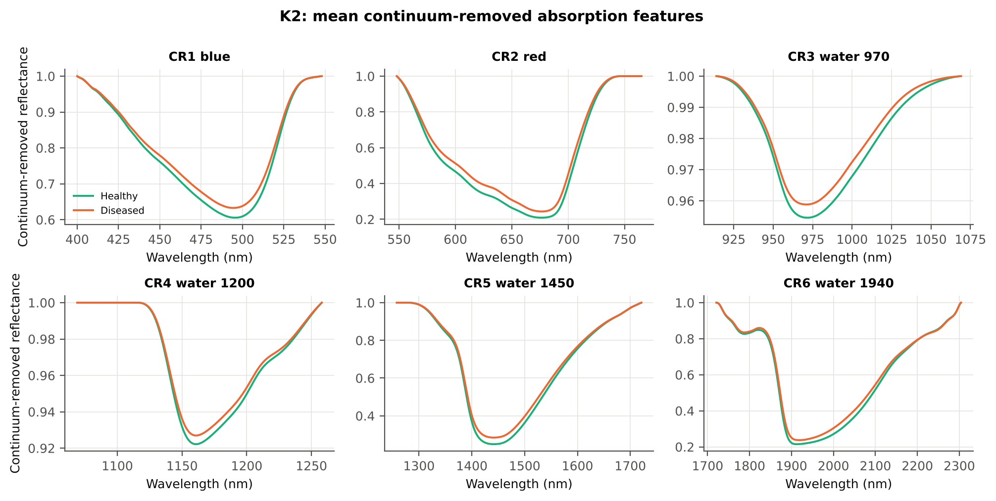
CR1 blue width | 79.84 | 79.10 | -3.2302 | 0.0017 | -0.1471 | 0.5402 | D < H | 76.50 | diseased if < thr | 54.8% | 53.4% | 53.4% | 0.1887 | 0.1146
CR4 water 1200 position | 1160.77 | 1160.88 | 2.0708 | 0.0437 | 0.0977 | 0.5339 | D > H | 1161.50 | diseased if > thr | 53.5% | 52.0% | 51.9% | 0.1035 | 3.736E-05
CR4 water 1200 symmetry | 0.2952 | 0.2973 | 2.8636 | 0.0054 | 0.1456 | 0.5326 | D > H | 0.3024 | diseased if > thr | 52.9% | 49.4% | 51.3% | 0.0359 | 0.0084
CR5 water 1450 width | 180.63 | 179.21 | -2.0656 | 0.0437 | -0.1113 | 0.5294 | D < H | 176.50 | diseased if < thr | 53.2% | 51.6% | 51.2% | 0.0787 | 0.0026
CR2 red position | 676.58 | 676.78 | 1.5119 | 0.1405 | 0.0912 | 0.5237 | D > H | 676.50 | diseased if > thr | 53.0% | 51.0% | 51.9% | 0.3771 | 0.0860
CR5 water 1450 position | 1441.62 | 1441.47 | -0.9105 | 0.3629 | -0.0493 | 0.5172 | D < H | 1443.50 | diseased if < thr | 52.1% | 49.6% | 49.8% | 0.4563 | 0.0160
CR4 water 1200 width | 69.26 | 68.72 | -1.2765 | 0.2093 | -0.0675 | 0.5158 | D < H | 62.50 | diseased if < thr | 53.5% | 52.0% | 52.9% | 0.2542 | 2.325E-05

Cross-checks for this step
Step | What was checked | Method | Result | Status
K2 | Convex hull | monotone-chain upper hull vs SciPy ConvexHull, 20 leaves × 6 windows | max |Δ continuum| = 0.0e+00 | PASS

17_K3_Vegetation_Indices
Step K3 · Disease-sensitive spectral (vegetation) indices — the 31 indices of the flowering-stage workbook
Computed from splice-corrected, smoothed reflectance at the nearest 1 nm band.

Table K3.1 The 31 indices
Index | Name | Equation (as computed) | Reference
WI | Water Index | R900 / R970 | Peñuelas et al., 1997
mCARI1 | Modified Chlorophyll Absorption in Reflectance Index 1 | 1.2[2.5(R761 − R651) − 1.3(R761 − R581)] | Haboudane et al., 2004
MTVI1 | Modified Triangular Vegetation Index 1 | 1.2[1.2(R761 − R581) − 2.5(R651 − R581)] | Haboudane et al., 2004
MTVI2 | Modified Triangular Vegetation Index 2 | 1.5[1.2(R761 − R581) − 2.5(R651 − R581)] / √[(2R761 + 1)² − (6R761 − 5√R651) − 0.5] | Haboudane et al., 2004
SR900 | Simple Ratio Index 900 | R900 / R680 | Jordan, 1969
SR850 | Simple Ratio Index 850 | R850 / R680 | Jordan, 1969
GNDVI | Green NDVI | (R850 − R580) / (R850 + R580) | Gitelson and Merzlyak, 1996
PRI | Photochemical Reflectance Index | (R531 − R570) / (R531 + R570) | Gamon et al., 1992
RARSa | Ratio Analysis of Reflectance Spectra, chlorophyll a | R675 / R700 | Chappelle et al., 1992
RARSb | Ratio Analysis of Reflectance Spectra, chlorophyll b | R675 / (R700 × R650) | Chappelle et al., 1992
RARSc | Ratio Analysis of Reflectance Spectra, carotenoids | R750 / R700 | Chappelle et al., 1992
PSSRa | Pigment Specific Simple Ratio a | R800 / R680 | Blackburn, 1998
NDVI780 | Normalized Difference Vegetation Index 780 | (R780 − R670) / (R780 + R670) | Raun et al., 2001
SIPI | Structure Insensitive Pigment Index | (R800 − R445) / (R800 − R680) | Peñuelas et al., 1995
NCPI | Normalized Chlorophyll Pigment Ratio Index | (R670 − R450) / (R670 + R450) | Peñuelas et al., 1994
NPQI | Normalized Phaeophytinization Index | (R415 − R435) / (R415 + R435) | Barnes et al., 1992
PSRI | Plant Senescence Reflectance Index | (R680 − R500) / R750 | Merzlyak et al., 1999
WI/ND | Ratio of WI and NDVI | (R900 / R970) / [(R900 − R680) / (R900 + R680)] | Peñuelas et al., 1997
TCARI | Transformed Chlorophyll Absorption in Reflectance Index | 3[(R700 − R670) − 0.2(R700 − R550)(R700 / R670)] | Haboudane et al., 2002
VIGreen | Green Vegetation Index | (R760 − R550) / (R760 + R550) | Gitelson et al., 2002
RVS1 | Red-Edge Vegetation Stress Index 1 | R651 + R750 | Merton, 1998
RVS2 | Red-Edge Vegetation Stress Index 2 | (R651 + R750) / (R651 − R750) | Merton, 1998
TVI | Triangle Vegetation Index | 0.5[120(R761 − R581) − 200(R651 − R581)] | Broge and Leblanc, 2001
RDVI | Renormalized Difference Vegetation Index | (R761 − R651) / √(R761 + R651) | Roujean and Breon, 1995
NDVI850 | Normalized Difference Vegetation Index 850 | (R850 − R651) / (R850 + R651) | Raun et al., 2001
SR761 | Simple Ratio Index 761 | R761 / R651 | Jordan, 1969
NDVI761 | Normalized Difference Vegetation Index 761 | (R761 − R651) / (R761 + R651) | Raun et al., 2001
PPR | Plant Pigment Ratio | R550 / R450 | Metternicht, 2003
NWI2 | Normalized Water Index 2 | (R970 − R850) / (R970 + R850) | Babar et al., 2006
NRI | Nitrogen Reflectance Index | (R570 − R670) / (R570 + R670) | Bausch and Duke, 1996
ARI | Anthocyanin Reflectance Index | 1/R550 − 1/R700 | Gitelson et al., 2001

Table K3.2 Sensitivity of the 31 indices to white rust, ranked by AUC
Feature | Mean healthy | Mean diseased | Welch t | q (BH) | Hedges g | AUC | Direction | Threshold | Rule | BA all leaves | BA plot-grouped CV | BA hold-out | Mixed-model q | ICC plot
NWI2 | -0.0268 | -0.0200 | 15.79 | 2.330E-47 | 0.6822 | 0.7000 | D > H | -0.0220 | diseased if > thr | 66.2% | 65.4% | 65.8% | 2.165E-07 | 0.0722
RVS2 | -1.4669 | -1.6042 | -13.71 | 4.190E-39 | -0.4566 | 0.6717 | D < H | -1.4882 | diseased if < thr | 63.3% | 61.9% | 60.7% | 1.966E-06 | 0.0310
NDVI761 | 0.6889 | 0.6421 | -13.57 | 6.061E-37 | -0.5696 | 0.6712 | D < H | 0.6743 | diseased if < thr | 63.2% | 61.7% | 60.7% | 5.670E-08 | 0.0335
SR761 | 5.6090 | 4.8742 | -12.00 | 3.342E-29 | -0.6073 | 0.6712 | D < H | 5.1403 | diseased if < thr | 63.2% | 61.7% | 60.7% | 2.531E-08 | 0.0354
RARSc | 3.0675 | 2.7109 | -11.60 | 1.175E-27 | -0.5843 | 0.6687 | D < H | 2.7960 | diseased if < thr | 63.5% | 62.6% | 61.8% | 7.303E-09 | 0.0217
WI | 1.0517 | 1.0426 | -11.91 | 3.932E-29 | -0.5625 | 0.6668 | D < H | 1.0413 | diseased if < thr | 63.8% | 63.1% | 63.1% | 1.893E-06 | 0.0577
NDVI850 | 0.6873 | 0.6442 | -13.01 | 2.566E-34 | -0.5527 | 0.6644 | D < H | 0.6768 | diseased if < thr | 62.8% | 61.8% | 60.9% | 1.171E-07 | 0.0360
NDVI780 | 0.7221 | 0.6813 | -12.37 | 1.836E-31 | -0.5267 | 0.6597 | D < H | 0.7135 | diseased if < thr | 62.8% | 62.6% | 62.4% | 1.306E-06 | 0.0462
RDVI | 0.5782 | 0.5376 | -10.63 | 5.380E-24 | -0.5190 | 0.6556 | D < H | 0.5811 | diseased if < thr | 62.0% | 59.5% | 59.6% | 2.531E-08 | 0.0167
PSSRa | 6.2407 | 5.4950 | -10.82 | 1.810E-24 | -0.5576 | 0.6547 | D < H | 5.8454 | diseased if < thr | 61.9% | 60.4% | 60.9% | 1.306E-06 | 0.0567
SR850 | 6.2111 | 5.4983 | -10.52 | 1.805E-23 | -0.5429 | 0.6508 | D < H | 5.8009 | diseased if < thr | 61.5% | 59.9% | 60.3% | 1.893E-06 | 0.0573
SR900 | 6.1903 | 5.5024 | -10.24 | 2.063E-22 | -0.5288 | 0.6470 | D < H | 5.7517 | diseased if < thr | 61.5% | 60.4% | 60.3% | 2.602E-06 | 0.0568
RARSb | 4.5506 | 4.1209 | -9.9975 | 1.106E-21 | -0.4765 | 0.6465 | D < H | 4.1419 | diseased if < thr | 62.5% | 61.0% | 60.7% | 1.893E-06 | 0.0370
ARI | -1.0025 | -0.5928 | 9.6033 | 3.123E-20 | 0.4651 | 0.6464 | D > H | -1.2517 | diseased if > thr | 63.7% | 63.5% | 62.6% | 3.905E-09 | 2.210E-05
MTVI2 | 0.6504 | 0.6014 | -9.7595 | 9.285E-21 | -0.4796 | 0.6459 | D < H | 0.6724 | diseased if < thr | 61.2% | 59.9% | 59.4% | 3.627E-08 | 0.0124
GNDVI | 0.5365 | 0.5028 | -10.67 | 2.314E-24 | -0.4646 | 0.6328 | D < H | 0.5065 | diseased if < thr | 61.2% | 60.2% | 60.1% | 6.360E-06 | 0.0438
TVI | 31.89 | 29.69 | -7.8131 | 4.710E-14 | -0.4200 | 0.6325 | D < H | 31.95 | diseased if < thr | 61.6% | 59.3% | 60.1% | 5.670E-08 | 0.0047
WI/ND | 1.4815 | 1.5636 | 10.51 | 3.061E-24 | 0.3848 | 0.6280 | D > H | 1.5039 | diseased if > thr | 60.2% | 58.8% | 58.4% | 1.118E-04 | 0.0429
mCARI1 | 0.8059 | 0.7520 | -7.4546 | 4.752E-13 | -0.3977 | 0.6268 | D < H | 0.8402 | diseased if < thr | 61.3% | 59.9% | 59.5% | 1.171E-07 | 0.0040
MTVI1 | 0.8059 | 0.7520 | -7.4546 | 4.752E-13 | -0.3977 | 0.6268 | D < H | 0.8402 | diseased if < thr | 61.3% | 59.9% | 59.5% | 1.171E-07 | 0.0040
NCPI | -0.2757 | -0.2408 | 3.4477 | 7.833E-04 | 0.1816 | 0.6133 | D > H | -0.3655 | diseased if > thr | 61.2% | 60.6% | 60.1% | 0.0030 | 8.580E-06
PRI | 0.0577 | 0.0469 | -5.7078 | 2.463E-08 | -0.2996 | 0.6122 | D < H | 0.0753 | diseased if < thr | 59.8% | 57.8% | 58.1% | 4.921E-06 | 1.963E-05
NRI | 0.3665 | 0.3335 | -7.5052 | 3.137E-13 | -0.3594 | 0.5958 | D < H | 0.3260 | diseased if < thr | 56.9% | 53.2% | 54.4% | 9.788E-05 | 0.0330
VIGreen | 0.4172 | 0.3941 | -7.4858 | 3.137E-13 | -0.3240 | 0.5895 | D < H | 0.3690 | diseased if < thr | 58.9% | 57.2% | 57.8% | 5.556E-04 | 0.0367
NPQI | 0.0460 | 0.0427 | -1.5746 | 0.1284 | -0.0888 | 0.5507 | D < H | 0.0627 | diseased if < thr | 55.7% | 54.5% | 55.2% | 0.2132 | 0.0135
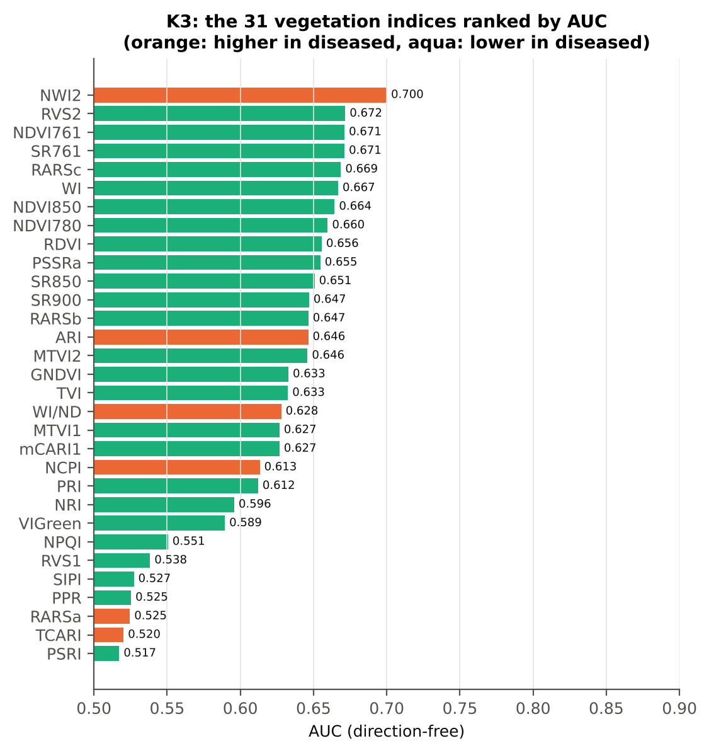
RVS1 | 0.6982 | 0.6964 | -0.4510 | 0.6739 | -0.0270 | 0.5384 | D < H | 0.7089 | diseased if < thr | 56.8% | 56.3% | 55.5% | 0.7411 | 0.0140
SIPI | 0.8399 | 0.8418 | 0.2845 | 0.7761 | 0.0135 | 0.5273 | D < H | 0.7653 | diseased if < thr | 56.7% | 56.4% | 55.8% | 0.8119 | 1.798E-05
PPR | 1.4916 | 1.4461 | -2.0319 | 0.0529 | -0.1261 | 0.5254 | D < H | 2.1035 | diseased if < thr | 53.0% | 47.3% | 49.5% | 0.1231 | 0.0244
RARSa | 0.4894 | 0.4965 | 1.9728 | 0.0563 | 0.1053 | 0.5246 | D > H | 0.4368 | diseased if > thr | 52.7% | 49.6% | 48.6% | 0.4072 | 0.0978
TCARI | 0.3662 | 0.3764 | 1.9734 | 0.0563 | 0.0990 | 0.5203 | D > H | 0.4285 | diseased if > thr | 54.2% | 52.4% | 52.1% | 0.3105 | 0.0456
PSRI | -0.0770 | -0.0744 | 1.0067 | 0.3361 | 0.0458 | 0.5173 | D < H | -0.1036 | diseased if < thr | 55.3% | 54.8% | 52.9% | 0.4498 | 1.770E-05

Cross-check: indices recomputed by Excel formulas for ten leaves
Table K3.3 Reflectance input (splice-corrected, smoothed)
Leaf row | R415 | R435 | R445 | R450 | R500 | R531 | R550 | R570 | R580 | R581 | R650 | R651 | R670 | R675 | R680 | R700 | R750 | R760 | R761 | R780 | R800 | R850 | R900 | R970
1.0000 | 0.2828 | 0.2489 | 0.2309 | 0.2228 | 0.1616 | 0.2276 | 0.2385 | 0.1940 | 0.1660 | 0.1640 | 0.1032 | 0.1025 | 0.0903 | 0.0901 | 0.0913 | 0.1704 | 0.6468 | 0.6554 | 0.6557 | 0.6552 | 0.6528 | 0.6476 | 0.6439 | 0.5988
252.00 | 0.3419 | 0.2977 | 0.2779 | 0.2692 | 0.2009 | 0.2659 | 0.2769 | 0.2347 | 0.2076 | 0.2056 | 0.1383 | 0.1375 | 0.1231 | 0.1223 | 0.1230 | 0.2113 | 0.6175 | 0.6242 | 0.6245 | 0.6248 | 0.6242 | 0.6229 | 0.6231 | 0.5926
503.00 | 0.2584 | 0.2284 | 0.2124 | 0.2054 | 0.1538 | 0.2362 | 0.2489 | 0.2022 | 0.1714 | 0.1693 | 0.1027 | 0.1019 | 0.0890 | 0.0893 | 0.0910 | 0.1758 | 0.6086 | 0.6155 | 0.6158 | 0.6159 | 0.6151 | 0.6127 | 0.6120 | 0.5863
755.00 | 0.2349 | 0.2096 | 0.1967 | 0.1920 | 0.1516 | 0.2352 | 0.2542 | 0.2140 | 0.1860 | 0.1840 | 0.1164 | 0.1156 | 0.1001 | 0.0998 | 0.1013 | 0.2035 | 0.6019 | 0.6087 | 0.6090 | 0.6106 | 0.6114 | 0.6134 | 0.6157 | 0.5929
1006.00 | 0.2945 | 0.2574 | 0.2426 | 0.2385 | 0.1960 | 0.3190 | 0.3247 | 0.2738 | 0.2385 | 0.2358 | 0.1349 | 0.1335 | 0.1077 | 0.1087 | 0.1140 | 0.2736 | 0.6804 | 0.6821 | 0.6820 | 0.6779 | 0.6762 | 0.6729 | 0.6710 | 0.6388
1258.00 | 0.2792 | 0.2448 | 0.2306 | 0.2245 | 0.1815 | 0.2686 | 0.2776 | 0.2411 | 0.2152 | 0.2132 | 0.1332 | 0.1322 | 0.1131 | 0.1122 | 0.1136 | 0.2321 | 0.4976 | 0.5014 | 0.5016 | 0.5046 | 0.5079 | 0.5146 | 0.5204 | 0.5101
1509.00 | 0.3181 | 0.2871 | 0.2713 | 0.2640 | 0.2107 | 0.2709 | 0.2766 | 0.2433 | 0.2205 | 0.2188 | 0.1564 | 0.1556 | 0.1416 | 0.1412 | 0.1424 | 0.2290 | 0.5216 | 0.5274 | 0.5277 | 0.5309 | 0.5342 | 0.5410 | 0.5474 | 0.5441
1761.00 | 0.0961 | 0.0972 | 0.0967 | 0.0973 | 0.1023 | 0.1506 | 0.1650 | 0.1508 | 0.1386 | 0.1377 | 0.1082 | 0.1078 | 0.1002 | 0.1003 | 0.1016 | 0.1695 | 0.4935 | 0.5011 | 0.5015 | 0.5046 | 0.5065 | 0.5075 | 0.5063 | 0.4876
2012.00 | 0.0876 | 0.0897 | 0.0907 | 0.0923 | 0.0999 | 0.1624 | 0.1758 | 0.1552 | 0.1393 | 0.1381 | 0.0982 | 0.0977 | 0.0881 | 0.0887 | 0.0911 | 0.1731 | 0.5335 | 0.5408 | 0.5412 | 0.5433 | 0.5449 | 0.5449 | 0.5431 | 0.5113
2264.00 | 0.1387 | 0.1388 | 0.1391 | 0.1399 | 0.1478 | 0.2159 | 0.2330 | 0.2205 | 0.2069 | 0.2059 | 0.1585 | 0.1579 | 0.1466 | 0.1472 | 0.1501 | 0.2662 | 0.4906 | 0.4949 | 0.4953 | 0.4997 | 0.5052 | 0.5156 | 0.5223 | 0.5138

Table K3.4 Indices by Excel formula, Python value and difference
Leaf row | NDVI780 | PRI | TCARI | MTVI2 | ARI | WI/ND | NWI2 | PSRI | RARSb | Python NDVI780 | Python PRI | Python TCARI | Python MTVI2 | Python ARI | Python WI/ND | Python NWI2 | Python PSRI | Python RARSb | Max |Excel − Python|
1.0000 | 0.75776 | 0.07980 | 0.31732 | 0.70449 | -1.67629 | 1.43071 | -0.03917 | -0.10862 | 5.12837 | 0.75776 | 0.07980 | 0.31732 | 0.70449 | -1.67629 | 1.43071 | -0.03917 | -0.10862 | 5.12837 | 0.0E+00
252.00 | 0.67084 | 0.06219 | 0.33223 | 0.61832 | -1.12112 | 1.56876 | -0.02492 | -0.12621 | 4.18577 | 0.67084 | 0.06219 | 0.33223 | 0.61832 | -1.12112 | 1.56876 | -0.02492 | -0.12621 | 4.18577 | 0.0E+00
503.00 | 0.74741 | 0.07765 | 0.34684 | 0.68443 | -1.67185 | 1.40824 | -0.02204 | -0.10320 | 4.94619 | 0.74741 | 0.07765 | 0.34684 | 0.68443 | -1.67185 | 1.40824 | -0.02204 | -0.10320 | 4.94619 | 0.0E+00
755.00 | 0.71837 | 0.04727 | 0.37211 | 0.65052 | -0.97953 | 1.44741 | -0.01703 | -0.08367 | 4.21004 | 0.71837 | 0.04727 | 0.37211 | 0.65052 | -0.97953 | 1.44741 | -0.01703 | -0.08367 | 4.21004 | 0.0E+00
1006.00 | 0.72578 | 0.07634 | 0.57563 | 0.70638 | -0.57502 | 1.48007 | -0.02598 | -0.12061 | 2.94589 | 0.72578 | 0.07634 | 0.57563 | 0.70638 | -0.57502 | 1.48007 | -0.02598 | -0.12061 | 2.94589 | 0.0E+00
1258.00 | 0.63383 | 0.05391 | 0.41309 | 0.53997 | -0.70620 | 1.59015 | -0.00435 | -0.13642 | 3.62864 | 0.63383 | 0.05391 | 0.41309 | 0.53997 | -0.70620 | 1.59015 | -0.00435 | -0.13642 | 3.62864 | 0.0E+00
1509.00 | 0.57887 | 0.05368 | 0.30840 | 0.49847 | -0.75182 | 1.71344 | 0.00281 | -0.13101 | 3.94316 | 0.57887 | 0.05368 | 0.30840 | 0.49847 | -0.75182 | 1.71344 | 0.00281 | -0.13101 | 3.94316 | 0.0E+00
1761.00 | 0.66866 | -0.00052 | 0.20345 | 0.52367 | 0.16074 | 1.55955 | -0.01994 | -0.00137 | 5.46386 | 0.66866 | -0.00052 | 0.20345 | 0.52367 | 0.16074 | 1.55955 | -0.01994 | -0.00137 | 5.46386 | 1.8E-15
2012.00 | 0.72091 | 0.02278 | 0.25818 | 0.59793 | -0.08786 | 1.49035 | -0.03177 | -0.01645 | 5.21456 | 0.72091 | 0.02278 | 0.25818 | 0.59793 | -0.08786 | 1.49035 | -0.03177 | -0.01645 | 5.21456 | 8.9E-16
2264.00 | 0.54633 | -0.01045 | 0.32270 | 0.44532 | 0.53512 | 1.83675 | -0.00176 | 0.00474 | 3.48825 | 0.54633 | -0.01045 | 0.32270 | 0.44532 | 0.53512 | 1.83675 | -0.00176 | 0.00474 | 3.48825 | 0.0E+00
Largest difference over all ten leaves: |  |  |  | 1.8E-15

Cross-checks for this step
Step | What was checked | Method | Result | Status
K3 | Duplicated indices | mCARI1 vs MTVI1; SR761 vs NDVI761 | max |mCARI1 − MTVI1| = 4.4e-16 (algebraically identical); AUC SR761 0.6712 = NDVI761 0.6712 (monotone transform) | PASS

18_K3b_Optimised_Index
Step K3b (extra) · Optimised two-band index — exhaustive NDSI / DI search
NDSI(i, j) = (Ri − Rj)/(Ri + Rj); DI(i, j) = Ri − Rj; all band pairs on a 5 nm grid (guard zones excluded), best pair refined at 1 nm.

Every pair of bands on a 5 nm grid (407 bands, 82,621 pairs) was scored by AUC. Choosing the best of so many pairs on all leaves is optimistic, so the search was repeated inside 20 training sets (V3 repeat 1 and the 10 V4 splits) and the chosen pair was tested on the held-out plots (honest estimate).
Table K3b.1 Ten best pairs of each form (5 nm grid, all leaves)
Index | Band i (nm) | Band j (nm) | AUC
NDSI(1790, 1840) | 1790.00 | 1840.00 | 0.8119
NDSI(1785, 1840) | 1785.00 | 1840.00 | 0.8068
NDSI(1780, 1840) | 1780.00 | 1840.00 | 0.7929
NDSI(845, 850) | 845.00 | 850.00 | 0.7881
NDSI(870, 875) | 870.00 | 875.00 | 0.7880
NDSI(835, 840) | 835.00 | 840.00 | 0.7855
NDSI(845, 875) | 845.00 | 875.00 | 0.7832
NDSI(1790, 1845) | 1790.00 | 1845.00 | 0.7830
NDSI(845, 865) | 845.00 | 865.00 | 0.7829
NDSI(855, 875) | 855.00 | 875.00 | 0.7828
DI(870, 875) | 870.00 | 875.00 | 0.7913
DI(845, 850) | 845.00 | 850.00 | 0.7904
DI(845, 865) | 845.00 | 865.00 | 0.7853
DI(855, 865) | 855.00 | 865.00 | 0.7852
DI(835, 840) | 835.00 | 840.00 | 0.7851
DI(845, 875) | 845.00 | 875.00 | 0.7851
DI(845, 860) | 845.00 | 860.00 | 0.7846
DI(855, 875) | 855.00 | 875.00 | 0.7844
DI(1790, 1840) | 1790.00 | 1840.00 | 0.7842
DI(845, 890) | 845.00 | 890.00 | 0.7838

Table K3b.2 The refined best indices (1 nm)
Feature | Mean healthy | Mean diseased | Welch t | q (BH) | Hedges g | AUC | Direction | Threshold | Rule | BA all leaves | BA plot-grouped CV | BA hold-out | Mixed-model q | ICC plot
NDSI(1794,1837) | 0.0186 | 0.0129 | -25.09 | 2.466E-99 | -1.1435 | 0.8209 | D < H | 0.0156 | diseased if < thr | 76.5% | 76.0% | 76.2% | 8.151E-12 | 0.1080
DI(872,874) | 1.048E-04 | -6.169E-06 | -23.14 | 1.037E-92 | -0.9372 | 0.7919 | D < H | 6.981E-05 | diseased if < thr | 72.4% | 70.6% | 71.2% | 4.309E-09 | 0.1223
* the threshold is chosen on training plots, but the pair itself was found on all leaves (optimistic) — see Table K3b.3.

Table K3b.3 Honest (nested) validation of the search
Index form | BA plot-grouped CV (search inside folds) | BA hold-out (search inside training plots) | Hold-out SD | Pairs chosen in the 20 training sets
NDSI | 73.0% | 72.8% | 3.5% | (1790, 1840) × 18; (845, 850) × 2
DI | 68.9% | 70.8% | 1.9% | (870, 875) × 10; (845, 850) × 7; (1790, 1840) × 3

Table K3b.4 Is the separation the same on every measurement date?
Pair | AUC all leaves | AUC 11-02-2026 | AUC 24-02-2026 | AUC 03-03-2026 | AUC 13-03-2026 | Direction by date
NDSI(1794, 1837) | 0.8209 | 0.7912 | 0.7355 | 0.8737 | 0.8323 | same on all dates
DI(872, 874) | 0.7919 | 0.9087 | 0.7630 | 0.8768 | 0.6916 | same on all dates

Without the guard zones the best NDSI pair would be (1815, 1820) nm with AUC 0.894 — inside the 1800/1801 nm start-up artefact.

Additional step K3b-JF · search repeated without pairs that straddle a detector join
The best all-pair index brackets the 1800/1801 nm detector join (one band just below 1795 nm, the other just above 1835 nm), so part of its separation can come from the splice step and the date-dependent start-up rise after 1801 nm (sheet 14). Pairs with one band on each side of the 1000/1001 or 1800/1801 nm join and both within 100 nm of it were therefore excluded (571 of 82,621 pairs) and the search, refinement and nested validation were repeated. The join-free result is the one recommended for interpretation.
Table K3b.5 Ten best join-free pairs of each form (5 nm grid, all leaves)
Index | Band i (nm) | Band j (nm) | AUC
NDSI(845, 850) | 845.00 | 850.00 | 0.7881
NDSI(870, 875) | 870.00 | 875.00 | 0.7880
NDSI(835, 840) | 835.00 | 840.00 | 0.7855
NDSI(845, 875) | 845.00 | 875.00 | 0.7832
NDSI(845, 865) | 845.00 | 865.00 | 0.7829
NDSI(855, 875) | 855.00 | 875.00 | 0.7828
NDSI(855, 865) | 855.00 | 865.00 | 0.7828
NDSI(835, 890) | 835.00 | 890.00 | 0.7827
NDSI(845, 890) | 845.00 | 890.00 | 0.7824
NDSI(835, 875) | 835.00 | 875.00 | 0.7824
DI(870, 875) | 870.00 | 875.00 | 0.7913
DI(845, 850) | 845.00 | 850.00 | 0.7904
DI(845, 865) | 845.00 | 865.00 | 0.7853
DI(855, 865) | 855.00 | 865.00 | 0.7852
DI(835, 840) | 835.00 | 840.00 | 0.7851
DI(845, 875) | 845.00 | 875.00 | 0.7851
DI(845, 860) | 845.00 | 860.00 | 0.7846
DI(855, 875) | 855.00 | 875.00 | 0.7844
DI(845, 890) | 845.00 | 890.00 | 0.7838
DI(835, 875) | 835.00 | 875.00 | 0.7837

Table K3b.6 The refined best join-free indices (1 nm)
Feature | Mean healthy | Mean diseased | Welch t | q (BH) | Hedges g | AUC | Direction | Threshold | Rule | BA all leaves | BA plot-grouped CV | BA hold-out | Mixed-model q | ICC plot
NDSI(849,850) | 3.087E-05 | -2.728E-05 | -23.82 | 8.384E-99 | -0.9194 | 0.7979 | D < H | 8.137E-06 | diseased if < thr | 73.4% | 71.5% | 72.1% | 4.309E-09 | 0.1102
DI(872,874) | 1.048E-04 | -6.169E-06 | -23.14 | 1.037E-92 | -0.9372 | 0.7919 | D < H | 6.981E-05 | diseased if < thr | 72.4% | 70.6% | 71.2% | 4.309E-09 | 0.1223

Table K3b.7 Honest (nested) validation of the join-free search
Index form | BA plot-grouped CV (search inside folds) | BA hold-out (search inside training plots) | Hold-out SD | Pairs chosen in the 20 training sets
NDSI | 70.2% | 70.7% | 1.6% | (870, 875) × 10; (845, 850) × 10
DI | 70.7% | 71.3% | 1.5% | (870, 875) × 13; (845, 850) × 7

Table K3b.8 Join-free best pairs on each date
Pair | AUC all leaves | AUC 11-02-2026 | AUC 24-02-2026 | AUC 03-03-2026 | AUC 13-03-2026 | Direction by date
NDSI(849, 850) | 0.7979 | 0.8758 | 0.8281 | 0.8606 | 0.7091 | same on all dates
DI(872, 874) | 0.7919 | 0.9087 | 0.7630 | 0.8768 | 0.6916 | same on all dates
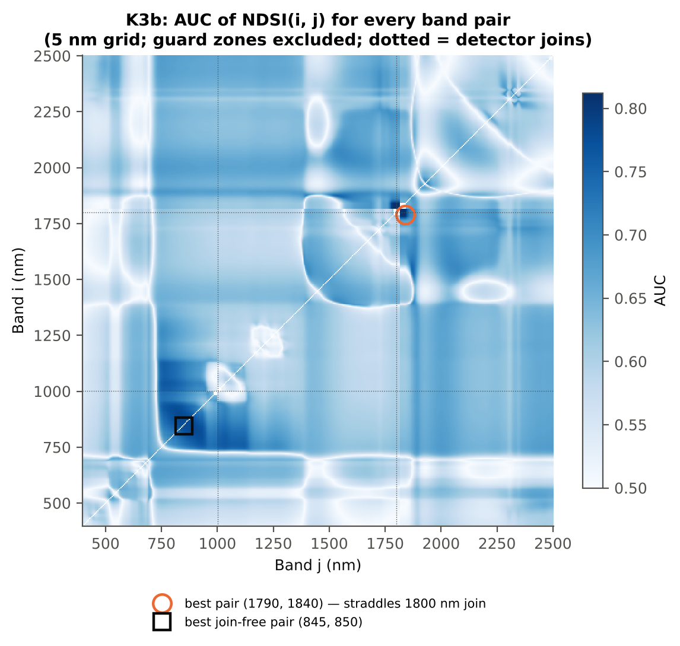

Cross-checks for this step
Step | What was checked | Method | Result | Status
K3b | NDSI vs simple ratio | AUC of NDSI and Ri/Rj on 1998 random pairs | max |ΔAUC| = 0.0e+00 | PASS
K3b | Selection optimism | search repeated inside training plots | honest BA 73.0 % (CV) / 72.8 % (hold-out) vs 76.5 % on all leaves | FLAG
K3b | Best pair straddles a detector join? | pairs with one band on each side of the 1000/1001 or 1800/1801 nm join (within 100 nm) excluded and the search repeated | all-pair best NDSI(1794,1837) brackets the 1800/1801 nm join → treated as artefact-prone; join-free best NDSI(849,850) (AUC 0.798; honest BA 70.2 % CV) | FLAG

19_K4_Derivatives
Step K4 · First-derivative spectra and edge parameters
Savitzky–Golay first derivative (window 15) and second derivative (window 21) of the splice-corrected spectra; 20 edge parameters (Gong et al. 2002; Guyot & Baret 1988).

Band-wise: every first- and second-derivative band was tested as in K1 (bands in the guard zones are reported but excluded from the ranking). Edge parameters from the first derivative: amplitude (maximum/minimum D1), position and area (sum of D1) of the blue (490–530 nm), yellow (550–582 nm) and red (680–760 nm) edges; green peak and red well reflectance and position; the linear four-point REP; and six ratios.
Table K4.1 Band-wise derivative sensitivity
Derivative | Bands | Significant (FDR) | Best AUC outside guard | at (nm) | Guard zones (nm) | Best AUC inside guard (excluded)
First derivative (SG 15, 2) | 2101 | 1488 | 0.7864 | 872.00 | 988–1012, 1793–1837 | 0.891 at 1819 nm
Second derivative (SG 21, 2) | 2101 | 1558 | 0.7401 | 801.00 | 985–1015, 1790–1840 | 0.893 at 1809 nm

Table K4.2 Most sensitive derivative band per region (K4 features)
Derivative | Band (nm) | Region (nm) | AUC | Direction | Hedges g | q (BH)
D1 | 442.00 | 400–499 | 0.5834 | D > H | 0.1135 | 0.0654
D1 | 563.00 | 500–599 | 0.6117 | D > H | 0.3428 | 2.349E-10
D1 | 668.00 | 600–679 | 0.6258 | D < H | -0.4316 | 4.145E-24
D1 | 683.00 | 680–759 | 0.6611 | D > H | 0.5059 | 7.688E-31
D1 | 872.00 | 760–1349 | 0.7864 | D > H | 0.8978 | 3.655E-91
D1 | 1354.00 | 1350–1430 | 0.6068 | D > H | 0.3702 | 2.992E-09
D1 | 1744.00 | 1431–1799 | 0.6457 | D > H | 0.2848 | 3.496E-06
D1 | 1935.00 | 1800–1950 | 0.7543 | D > H | 0.6476 | 3.363E-69
D1 | 1951.00 | 1951–2349 | 0.7004 | D > H | 0.6142 | 4.043E-50
D1 | 2459.00 | 2350–2500 | 0.6261 | D < H | -0.4090 | 8.314E-19
D2 | 448.00 | 400–499 | 0.6466 | D < H | -0.5048 | 4.209E-18
D2 | 572.00 | 500–599 | 0.6567 | D < H | -0.5201 | 1.850E-22
D2 | 656.00 | 600–679 | 0.6978 | D < H | -0.5798 | 1.346E-48
D2 | 697.00 | 680–759 | 0.6815 | D < H | -0.5770 | 8.201E-31
D2 | 801.00 | 760–1349 | 0.7401 | D < H | -0.9564 | 1.149E-43
D2 | 1370.00 | 1350–1430 | 0.6205 | D > H | 0.3256 | 9.795E-08
D2 | 1734.00 | 1431–1799 | 0.7338 | D > H | 1.1160 | 6.622E-39
D2 | 1923.00 | 1800–1950 | 0.7298 | D > H | 0.6365 | 4.890E-60
D2 | 2041.00 | 1951–2349 | 0.7078 | D < H | -0.6715 | 4.425E-48
D2 | 2373.00 | 2350–2500 | 0.6554 | D < H | -0.5190 | 5.791E-28

Table K4.3 Twenty derivative-based edge parameters, ranked by AUC
Feature | Mean healthy | Mean diseased | Welch t | q (BH) | Hedges g | AUC | Direction | Threshold | Rule | BA all leaves | BA plot-grouped CV | BA hold-out | Mixed-model q | ICC plot
Ro (red well reflectance) | 0.0946 | 0.1083 | 13.28 | 7.197E-36 | 0.5054 | 0.6586 | D > H | 0.0937 | diseased if > thr | 61.6% | 58.9% | 59.8% | 2.244E-05 | 0.0655
λr = REP (red-edge position, nm) | 708.14 | 705.70 | -9.3008 | 1.012E-18 | -0.4719 | 0.6375 | D < H | 706.50 | diseased if < thr | 61.0% | 59.0% | 58.9% | 2.155E-06 | 0.0259
REP, linear 4-point (nm) | 715.60 | 714.06 | -9.9381 | 4.509E-21 | -0.4107 | 0.6342 | D < H | 715.31 | diseased if < thr | 61.6% | 61.3% | 59.7% | 1.479E-05 | 0.0272
SDr (red-edge area) | 0.4971 | 0.4644 | -7.6864 | 1.962E-13 | -0.4184 | 0.6301 | D < H | 0.5094 | diseased if < thr | 61.8% | 60.8% | 60.5% | 2.078E-06 | 0.0111
λb (blue-edge position, nm) | 521.50 | 520.93 | -9.5816 | 9.816E-20 | -0.4270 | 0.6222 | D < H | 521.50 | diseased if < thr | 59.6% | 57.6% | 57.6% | 1.519E-05 | 0.0331
Dr = REV (red-edge amplitude) | 0.0125 | 0.0119 | -6.2480 | 1.633E-09 | -0.3344 | 0.6057 | D < H | 0.0126 | diseased if < thr | 59.4% | 58.1% | 57.6% | 1.034E-04 | 0.0220
(Rg − Ro)/(Rg + Ro) | 0.4401 | 0.3983 | -8.1790 | 4.815E-15 | -0.3848 | 0.6042 | D < H | 0.3604 | diseased if < thr | 57.4% | 53.5% | 54.4% | 1.519E-05 | 0.0218
Rg/Ro | 2.6505 | 2.4310 | -7.3286 | 1.945E-12 | -0.3822 | 0.6042 | D < H | 2.1272 | diseased if < thr | 57.4% | 53.5% | 54.4% | 7.513E-05 | 0.0354
λy (yellow-edge position, nm) | 569.99 | 570.35 | 9.3804 | 2.176E-19 | 0.3589 | 0.6031 | D > H | 570.50 | diseased if > thr | 59.9% | 59.9% | 59.7% | 1.034E-04 | 0.0323
Dy (yellow-edge amplitude) | -0.0031 | -0.0027 | 6.4065 | 6.769E-10 | 0.3314 | 0.6007 | D > H | -0.0032 | diseased if > thr | 57.9% | 57.3% | 56.4% | 1.479E-05 | 0.0057
SDy (yellow-edge area) | -0.0715 | -0.0637 | 5.8626 | 1.379E-08 | 0.3031 | 0.5993 | D > H | -0.0771 | diseased if > thr | 57.8% | 55.8% | 55.6% | 1.479E-05 | 0.0011
λo (red well position, nm) | 671.55 | 672.20 | 5.7155 | 2.946E-08 | 0.3058 | 0.5913 | D > H | 672.50 | diseased if > thr | 58.4% | 58.4% | 57.8% | 0.0143 | 0.0976
Db (blue-edge amplitude) | 0.0041 | 0.0039 | -4.0725 | 7.562E-05 | -0.2123 | 0.5635 | D < H | 0.0032 | diseased if < thr | 56.1% | 55.8% | 54.7% | 0.0394 | 0.0530
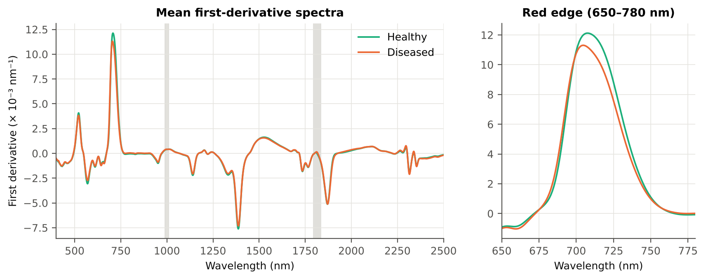
SDr/SDb | 6.2123 | 6.1099 | -0.8964 | 0.3702 | -0.0304 | 0.5389 | D < H | 5.1762 | diseased if < thr | 54.9% | 52.9% | 52.2% | 0.6604 | 0.0153
(SDr − SDb)/(SDr + SDb) | 0.7101 | 0.6981 | -3.2500 | 0.0015 | -0.1600 | 0.5389 | D < H | 0.6762 | diseased if < thr | 54.9% | 52.9% | 52.2% | 0.1350 | 0.0566
(SDr − SDy)/(SDr + SDy) | 1.3295 | 1.3109 | -3.6561 | 3.673E-04 | -0.1680 | 0.5348 | D < H | 1.1780 | diseased if < thr | 58.2% | 57.9% | 57.6% | 0.0110 | 0.0030
λg (green peak position, nm) | 547.76 | 548.23 | 1.8486 | 0.0722 | 0.0965 | 0.5338 | D > H | 553.50 | diseased if > thr | 54.2% | 54.2% | 53.3% | 0.3069 | 0.0427
Rg (green peak reflectance) | 0.2466 | 0.2540 | 2.8364 | 0.0055 | 0.1375 | 0.5335 | D > H | 0.2855 | diseased if > thr | 54.8% | 53.5% | 53.4% | 0.1033 | 0.0265
SDr/SDy | -7.5717 | -9.5647 | -4.1102 | 6.321E-05 | -0.1061 | 0.5311 | D < H | -12.23 | diseased if < thr | 58.0% | 57.7% | 57.4% | 0.0885 | 7.323E-05
SDb (blue-edge area) | 0.0841 | 0.0825 | -1.2515 | 0.2224 | -0.0644 | 0.5306 | D < H | 0.0753 | diseased if < thr | 53.6% | 52.6% | 50.7% | 0.5582 | 0.0783

Table K4.4 REP by linear four-point interpolation, recomputed by Excel formulas
Leaf row | R670 | R700 | R740 | R780 | REP (Excel) | REP (Python) | |difference|
1.0000 | 0.0903 | 0.1704 | 0.6183 | 0.6552 | 718.0733 | 718.0733 | 0.0E+00
252.00 | 0.1231 | 0.2113 | 0.5951 | 0.6248 | 716.9509 | 716.9509 | 0.0E+00
503.00 | 0.0890 | 0.1758 | 0.5854 | 0.6159 | 717.2542 | 717.2542 | 0.0E+00
755.00 | 0.1001 | 0.2035 | 0.5811 | 0.6106 | 716.0861 | 716.0861 | 0.0E+00
...

20_K4b_REIP
...
Table K4b.3 REIP shift by date, growth stage and variety
Date | 11-02-2026 | REIP – Lagrangian interpolation | 72 | 356 | 711.37 | 711.59 | 0.2267 | 0.5921 | 0.5216
Date | 11-02-2026 | REIP – linear extrapolation | 72 | 356 | 711.45 | 711.71 | 0.2540 | 0.6539 | 0.5129
Date | 13-03-2026 | REIP – maximum first derivative | 108 | 540 | 704.69 | 703.58 | -1.1148 | 0.0091 | 0.5859
Date | 13-03-2026 | REIP – linear 4-point interpolation | 108 | 540 | 713.95 | 713.01 | -0.9472 | 0.0030 | 0.5761
Date | 13-03-2026 | REIP – Lagrangian interpolation | 108 | 540 | 704.69 | 703.59 | -1.1002 | 0.0093 | 0.5863
Date | 13-03-2026 | REIP – linear extrapolation | 108 | 540 | 701.85 | 700.01 | -1.8413 | 0.0061 | 0.5842
Date | 24-02-2026 | REIP – maximum first derivative | 90 | 450 | 708.62 | 705.41 | -3.2111 | 1.432E-11 | 0.7202
Date | 24-02-2026 | REIP – linear 4-point interpolation | 90 | 450 | 716.08 | 714.38 | -1.6978 | 1.355E-14 | 0.7364
Date | 24-02-2026 | REIP – Lagrangian interpolation | 90 | 450 | 708.60 | 705.42 | -3.1773 | 2.546E-11 | 0.7192
Date | 24-02-2026 | REIP – linear extrapolation | 90 | 450 | 708.23 | 703.45 | -4.7831 | 4.066E-12 | 0.7228
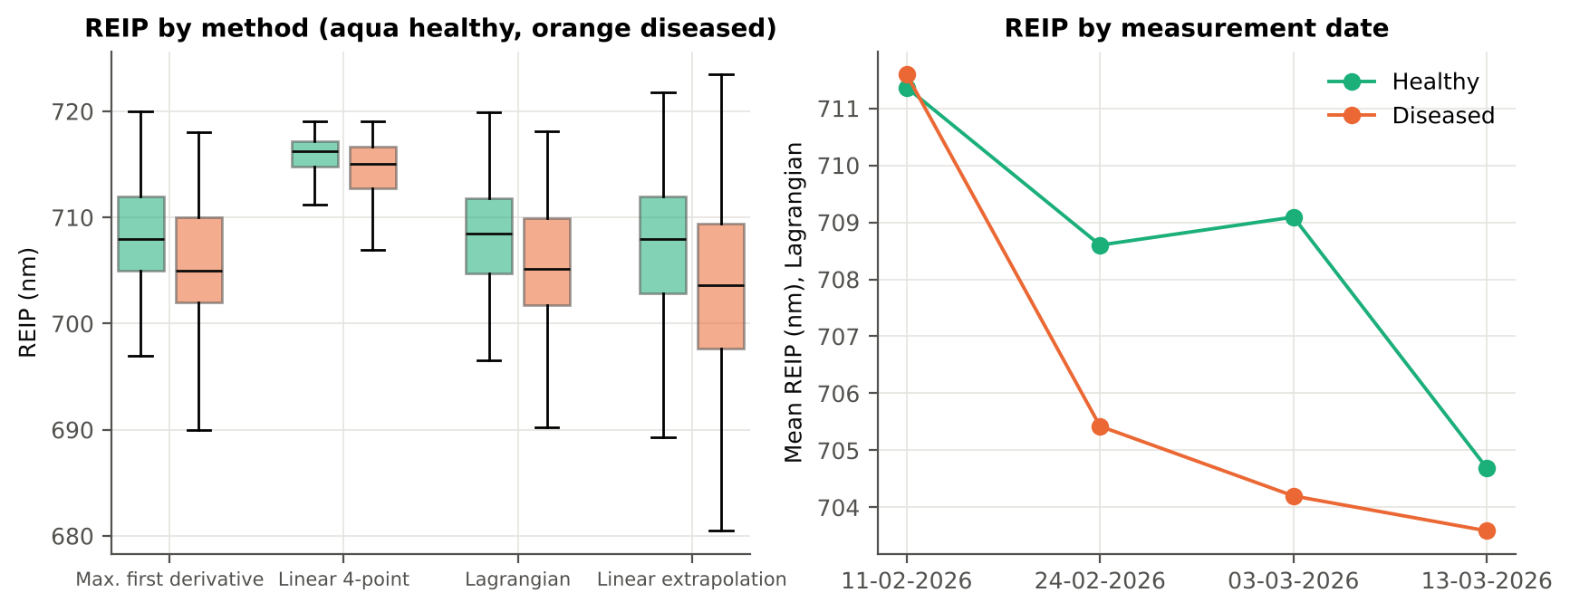
Growth stage | Flowering | REIP – maximum first derivative | 195 | 965 | 708.93 | 705.04 | -3.8950 | 5.006E-26 | 0.7227
Growth stage | Flowering | REIP – linear 4-point interpolation | 195 | 965 | 715.98 | 713.60 | -2.3885 | 6.096E-31 | 0.7166
Growth stage | Flowering | REIP – Lagrangian interpolation | 195 | 965 | 708.94 | 705.04 | -3.8971 | 4.346E-26 | 0.7230
Growth stage | Flowering | REIP – linear extrapolation | 195 | 965 | 708.61 | 702.54 | -6.0650 | 8.866E-29 | 0.7299
Growth stage | Pod formation | REIP – maximum first derivative | 90 | 450 | 704.77 | 703.64 | -1.1222 | 0.0313 | 0.5706
Growth stage | Pod formation | REIP – linear 4-point interpolation | 90 | 450 | 713.80 | 713.04 | -0.7596 | 0.0551 | 0.5585
Growth stage | Pod formation | REIP – Lagrangian interpolation | 90 | 450 | 704.76 | 703.66 | -1.0979 | 0.0337 | 0.5707
Growth stage | Pod formation | REIP – linear extrapolation | 90 | 450 | 702.00 | 700.15 | -1.8484 | 0.0275 | 0.5704
Growth stage | Vegetative | REIP – maximum first derivative | 93 | 471 | 709.75 | 709.03 | -0.7208 | 0.1035 | 0.5336
Growth stage | Vegetative | REIP – linear 4-point interpolation | 93 | 471 | 716.54 | 715.99 | -0.5426 | 9.746E-04 | 0.5415
Growth stage | Vegetative | REIP – Lagrangian interpolation | 93 | 471 | 709.78 | 709.05 | -0.7322 | 0.0986 | 0.5355
Growth stage | Vegetative | REIP – linear extrapolation | 93 | 471 | 709.45 | 708.19 | -1.2561 | 0.0313 | 0.5401
Variety | V1 | REIP – maximum first derivative | 126 | 620 | 708.87 | 705.65 | -3.2214 | 8.123E-11 | 0.6731
Variety | V1 | REIP – linear 4-point interpolation | 126 | 620 | 715.87 | 714.01 | -1.8568 | 4.931E-10 | 0.6747
Variety | V1 | REIP – Lagrangian interpolation | 126 | 620 | 708.87 | 705.67 | -3.1971 | 1.119E-10 | 0.6724
Variety | V1 | REIP – linear extrapolation | 126 | 620 | 708.29 | 703.26 | -5.0206 | 1.230E-11 | 0.6816
Variety | V2 | REIP – maximum first derivative | 126 | 640 | 707.17 | 705.42 | -1.7510 | 9.380E-05 | 0.6044
Variety | V2 | REIP – linear 4-point interpolation | 126 | 640 | 715.20 | 714.00 | -1.2037 | 4.443E-06 | 0.5958
Variety | V2 | REIP – Lagrangian interpolation | 126 | 640 | 707.17 | 705.41 | -1.7556 | 7.759E-05 | 0.6050
Variety | V2 | REIP – linear extrapolation | 126 | 640 | 705.80 | 702.95 | -2.8499 | 2.083E-05 | 0.6082
Variety | V3 | REIP – maximum first derivative | 126 | 626 | 708.39 | 706.05 | -2.3410 | 3.228E-07 | 0.6293
Variety | V3 | REIP – linear 4-point interpolation | 126 | 626 | 715.72 | 714.17 | -1.5522 | 4.294E-09 | 0.6275
...

21_K6_Correlation
...
r(λ) = Pearson correlation between the band value and the 0/1 disease status (point-biserial r), for the smoothed reflectance and the first derivative, on all leaves and separately on each date. r is a monotone function of Student's t, so the ranking matches Tier 1; the per-date curves show whether the sign is stable over time.
First derivative | 400–499 | 498.00 | 0.0891 | 4.431E-05 | yes
First derivative | 500–599 | 565.00 | 0.1290 | 2.490E-09 | yes
First derivative | 600–679 | 667.00 | -0.1591 | 1.349E-13 | no
First derivative | 680–759 | 721.00 | -0.1949 | 5.868E-20 | yes
First derivative | 760–1349 | 848.00 | 0.3194 | 1.065E-52 | yes
First derivative | 1350–1430 | 1353.00 | 0.1370 | 2.274E-10 | yes
First derivative | 1431–1799 | 1750.00 | 0.1667 | 7.755E-15 | yes
First derivative | 1800–1950 | 1937.00 | 0.2368 | 3.871E-29 | yes
First derivative | 1951–2349 | 1971.00 | 0.2255 | 1.859E-26 | yes
First derivative | 2350–2500 | 2483.00 | -0.1562 | 3.736E-13 | yes
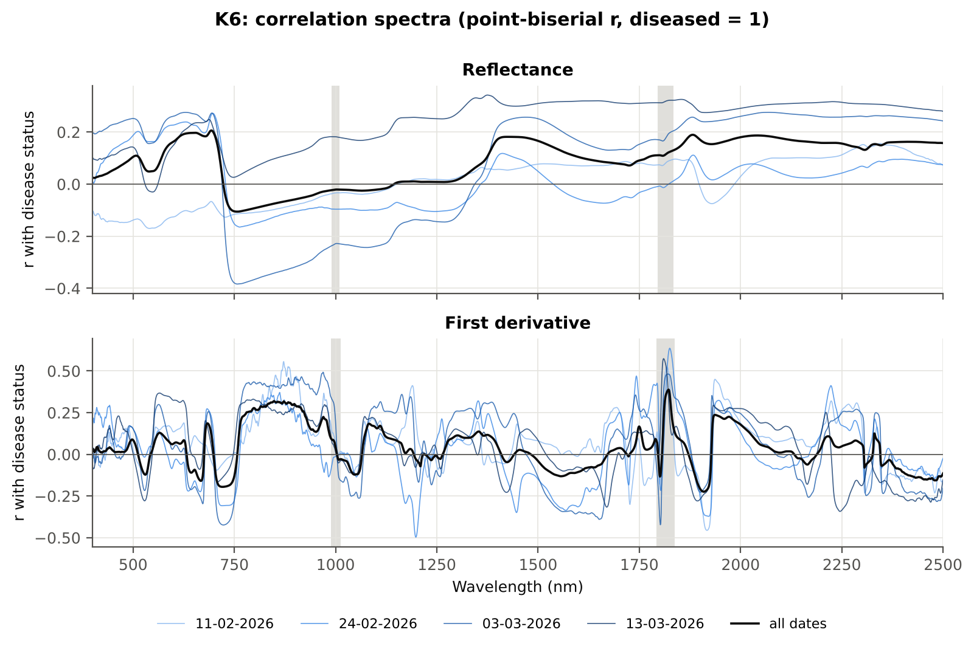

Cross-checks for this step
Step | What was checked | Method | Result | Status
K6 | Correlation vs t-test | |r_pb| vs |Welch t| across bands (Spearman) | ρ = 0.9829 (r_pb is a monotone function of Student's t) | PASS

22_K5_CART_vs_RF
...
Table K5.2 CART vs RF on each feature group (mean over repeats)
K1–K4 combined pool | 4151 | CART | Hold-out | 10 | 80.0% | 3.0% | 0.8286 | 0.5217
K1–K4 combined pool | 4151 | RF | Hold-out | 10 | 85.4% | 3.1% | 0.9332 | 0.6478
K4 incl. guard-zone bands (artefact test) | 2121 | CART | CV | 5 | 85.4% | 0.4% | 0.8768 | 0.5699
K4 incl. guard-zone bands (artefact test) | 2121 | RF | CV | 5 | 91.1% | 0.4% | 0.9750 | 0.7321
K4 incl. guard-zone bands (artefact test) | 2121 | CART | Hold-out | 10 | 85.8% | 2.7% | 0.8650 | 0.6060
K4 incl. guard-zone bands (artefact test) | 2121 | RF | Hold-out | 10 | 90.6% | 2.4% | 0.9731 | 0.7478
K-selected (top 15 non-redundant, chosen inside each training set) | 15 | CART | CV | 5 | 76.2% | 1.3% | 0.8275 | 0.3934
K-selected (top 15 non-redundant, chosen inside each training set) | 15 | RF | CV | 5 | 82.6% | 0.1% | 0.9101 | 0.5922
K-selected (top 15 non-redundant, chosen inside each training set) | 15 | QDA | CV | 5 | 78.5% | 0.5% | 0.8985 | 0.3483
K-selected (top 15 non-redundant, chosen inside each training set) | 15 | CART | Hold-out | 10 | 76.6% | 2.3% | 0.8184 | 0.4262
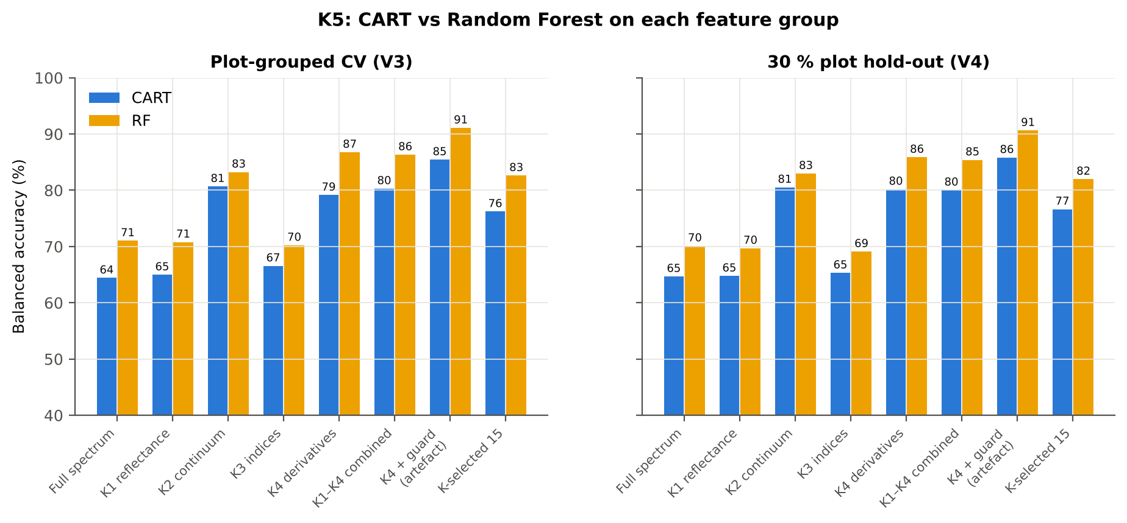
K-selected (top 15 non-redundant, chosen inside each training set) | 15 | RF | Hold-out | 10 | 82.0% | 2.8% | 0.9063 | 0.5766
K-selected (top 15 non-redundant, chosen inside each training set) | 15 | QDA | Hold-out | 10 | 78.8% | 4.6% | 0.9050 | 0.3858

Table K5.3 Paired comparison RF vs CART (same folds)
Feature group | Units | n | RF − CART (BA) | SD | RF better | CART better | Wilcoxon p
Full spectrum (raw reflectance) | CV (50 folds) | 50 | 6.6% | 3.4% | 50 | 0 | 7.555E-10
Full spectrum (raw reflectance) | Hold-out (10 splits) | 10 | 5.4% | 2.3% | 10 | 0 | 0.0020
...

25_C2_Tier2
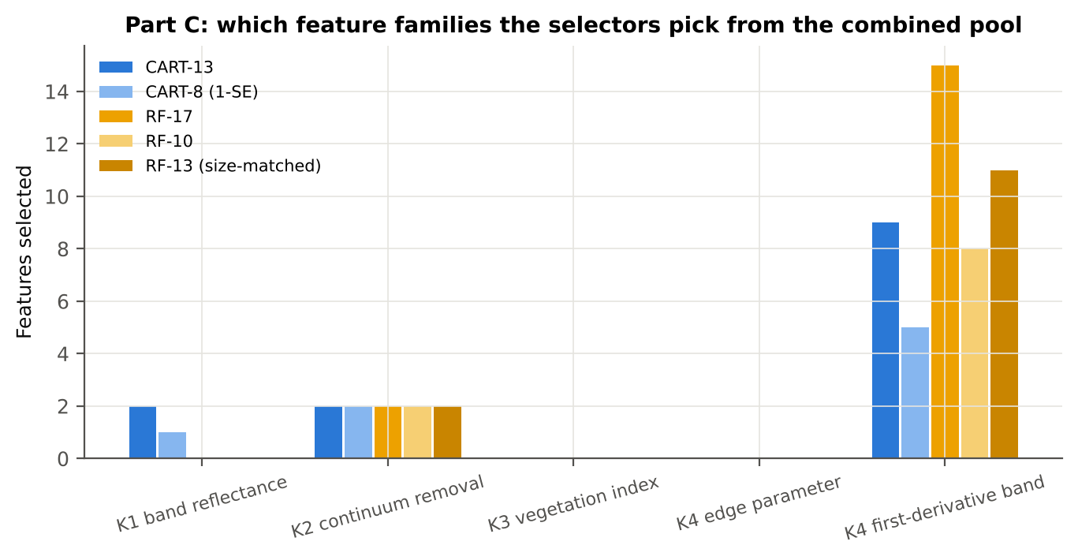
...
Table C2.2 The selected features
D1_1945 | K4 first-derivative band | yes |  | 5.172E-05 | 1.043E-04 | 16.97 | 9.365E-56 | 0.7147
R639 | K1 band reflectance | yes |  | 0.1213 | 0.1396 | 14.18 | 9.961E-41 | 0.6645
D1_1739 | K4 first-derivative band | yes |  | -0.0017 | -0.0016 | 2.3030 | 0.0294 | 0.6128
D1_1931 | K4 first-derivative band | yes |  | 2.628E-05 | 3.976E-05 | 14.24 | 1.542E-41 | 0.6646
D1_630 | K4 first-derivative band | yes |  | -3.516E-04 | -3.256E-04 | 3.3785 | 0.0012 | 0.5070
R743 | K1 band reflectance | yes |  | 0.5782 | 0.5611 | -4.4569 | 1.884E-05 | 0.5999
D1_871 | K4 first-derivative band |  | yes | -4.375E-05 | 1.028E-05 | 22.79 | 4.097E-89 | 0.7836
D1_848 | K4 first-derivative band |  | yes | -3.092E-05 | 3.122E-05 | 22.72 | 3.753E-88 | 0.7851
D1_1915 | K4 first-derivative band |  | yes | -4.479E-05 | -1.228E-04 | -15.61 | 5.201E-48 | 0.7015
D1_888 | K4 first-derivative band |  | yes | -4.596E-05 | 6.148E-06 | 22.49 | 7.686E-88 | 0.7726
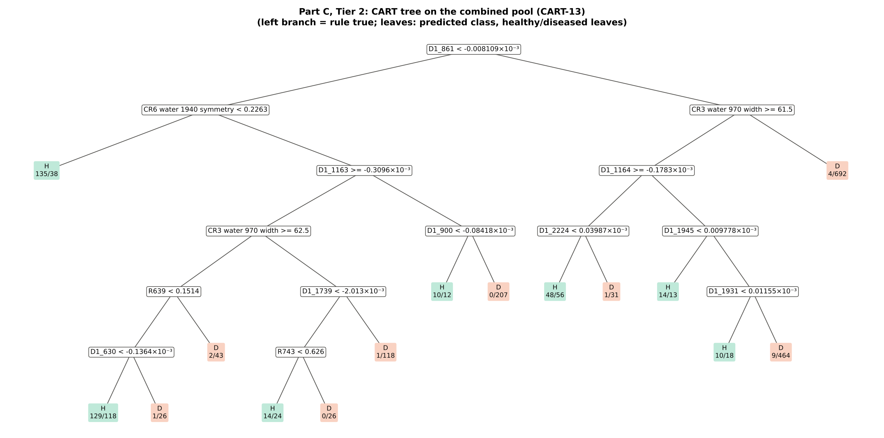
D1_2223 | K4 first-derivative band |  | yes | -1.909E-05 | -1.380E-07 | 5.3630 | 2.472E-07 | 0.6393
D1_2209 | K4 first-derivative band |  | yes | 7.699E-05 | 9.508E-05 | 5.1281 | 8.260E-07 | 0.5917
D1_1944 | K4 first-derivative band |  | yes | 4.951E-05 | 1.002E-04 | 17.15 | 7.108E-57 | 0.7174
D1_899 | K4 first-derivative band |  | yes | -3.427E-05 | 2.011E-05 | 22.02 | 9.533E-86 | 0.7546
D1_1934 | K4 first-derivative band |  | yes | 3.164E-05 | 5.611E-05 | 18.73 | 3.507E-68 | 0.7536
D1_911 | K4 first-derivative band |  | yes | -4.977E-05 | 5.372E-06 | 20.66 | 2.732E-77 | 0.7330
D1_1740 | K4 first-derivative band |  | yes | -0.0016 | -0.0015 | 2.6571 | 0.0114 | 0.6237
D1_837 | K4 first-derivative band |  | yes | -5.100E-05 | 1.689E-05 | 21.23 | 3.898E-79 | 0.7682
D1_1792 | K4 first-derivative band |  | yes | -1.328E-04 | -1.238E-04 | 4.5238 | 1.365E-05 | 0.5911
...
Table C2.3 Tree nodes (rpart frame)
43 | 5 | leaf | D1_1739>=-0.002013 | 119 | 1 | 118 | D
11 | 3 | D1_900 | D1_1163< -0.0003096 | 229 | 10 | 219 | D
22 | 4 | leaf | D1_900< -8.418e-05 | 22 | 10 | 12 | H
23 | 4 | leaf | D1_900>=-8.418e-05 | 207 | 0 | 207 | D
3 | 1 | CR3 water 970 width | D1_861>=-8.109e-06 | 1360 | 86 | 1274 | D
6 | 2 | D1_1164 | CR3 water 970 width>=61.5 | 664 | 82 | 582 | D
12 | 3 | D1_2224 | D1_1164>=-0.0001783 | 136 | 49 | 87 | H
24 | 4 | leaf | D1_2224< 3.987e-05 | 104 | 48 | 56 | H
25 | 4 | leaf | D1_2224>=3.987e-05 | 32 | 1 | 31 | D
13 | 3 | D1_1945 | D1_1164< -0.0001783 | 528 | 33 | 495 | D
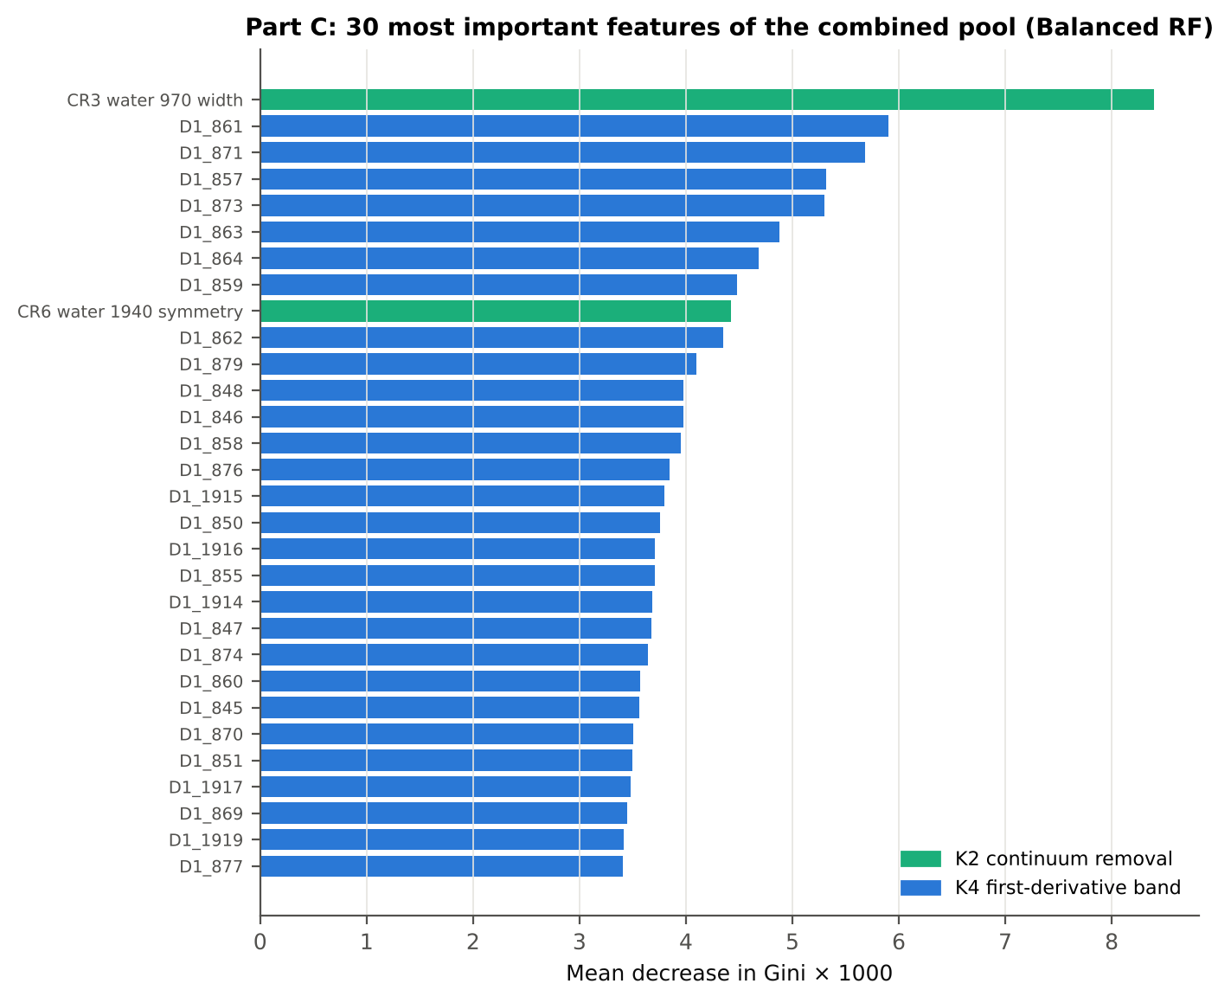
26 | 4 | leaf | D1_1945< 9.778e-06 | 27 | 14 | 13 | H
27 | 4 | D1_1931 | D1_1945>=9.778e-06 | 501 | 19 | 482 | D
54 | 5 | leaf | D1_1931< 1.155e-05 | 28 | 10 | 18 | H
55 | 5 | leaf | D1_1931>=1.155e-05 | 473 | 9 | 464 | D
7 | 2 | leaf | CR3 water 970 width< 61.5 | 696 | 4 | 692 | D

Table C2.4 Complexity-parameter table (plot-grouped CV)
CP | nsplit | rel error | xerror | xstd
0.4480 | 0.0000 | 1.0000 | 1.1016 | 0.0357
0.0448 | 1.0000 | 0.5520 | 0.6394 | 0.0269
0.0418 | 4.0000 | 0.4130 | 0.5593 | 0.0279
0.0301 | 6.0000 | 0.3295 | 0.4995 | 0.0260
0.0201 | 7.0000 | 0.2993 | 0.4529 | 0.0252
0.0175 | 8.0000 | 0.2792 | 0.4311 | 0.0245
0.0169 | 9.0000 | 0.2617 | 0.4126 | 0.0235
0.0138 | 10.00 | 0.2448 | 0.4036 | 0.0235
0.0122 | 11.00 | 0.2310 | 0.4010 | 0.0237
0.0111 | 13.00 | 0.2067 | 0.3909 | 0.0238
0.0100 | 14.00 | 0.1956 | 0.3935 | 0.0241

26_C3_Tier3_JM
...
Table C3.2 J–M and QDA BA as features are added
6 | D1_900 | 0.9258 | 80.1% | D1_1915 | 1.1072 | 72.2%
7 | D1_2224 | 1.0274 | 82.5% | D1_888 | 1.1534 | 72.2%
8 | D1_1945 | 1.2436 | 80.5% | D1_2223 | 1.2839 | 76.0%
9 | R639 | 1.2856 | 79.5% | D1_2209 | 1.3483 | 74.9%
10 | D1_1739 | 1.3455 | 79.1% | D1_1944 | 1.4365 | 76.3%
11 | D1_1931 | 1.4762 | 77.9% | D1_899 | 1.4624 | 77.1%
12 | D1_630 | 1.6039 | 77.3% | D1_1934 | 1.5108 | 78.1%
13 | R743 | 1.6262 | 77.4% | D1_911 | 1.5542 | 81.7%
14 |  |  |  | D1_1740 | 1.5818 | 81.9%
15 |  |  |  | D1_837 | 1.6148 | 83.3%
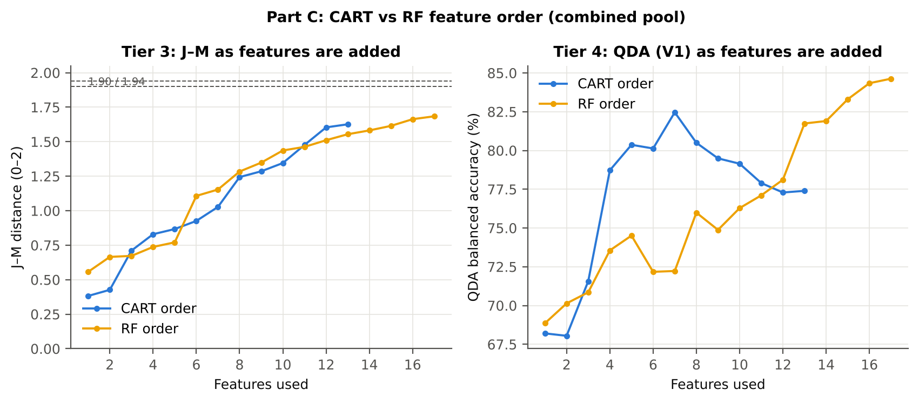
16 |  |  |  | D1_1792 | 1.6632 | 84.3%
17 |  |  |  | D1_1163 | 1.6841 | 84.6%

28_C5_Validation
...
Table C5.1 Validation results
RF classifier | V1 | 1 | 90.0% | 87.9% |  | 0.6785 | 0.9475 | 84.7% | 91.1% | 65.6% | 96.7%
RF classifier | V3 | 5 | 88.9% | 86.1% | 0.2% | 0.6439 | 0.9341 | 81.8% | 90.3% | 62.9% | 96.1%
RF classifier | V4 | 10 | 88.1% | 85.1% | 3.2% | 0.6378 | 0.9277 | 80.5% | 89.8% | 64.0% | 95.4%
RF classifier | V5 | 10 | 73.5% | 61.3% | 1.5% | 0.2017 | 0.7005 | 42.0% | 80.5% | 32.4% | 86.2%
QDA on CART features | V1 | 1 | 68.3% | 77.4% |  | 0.3249 | 0.9117 | 91.0% | 63.8% | 33.5% | 97.3%
QDA on CART features | V3 | 5 | 68.1% | 78.2% | 0.9% | 0.3303 | 0.9021 | 93.3% | 63.1% | 33.7% | 97.9%
QDA on CART features | V4 | 10 | 73.7% | 79.4% | 4.4% | 0.4066 | 0.8911 | 88.4% | 70.4% | 40.8% | 96.4%
QDA on CART features | V5 | 10 | 68.8% | 60.9% | 4.0% | 0.1732 | 0.6314 | 48.5% | 73.3% | 29.0% | 86.5%
QDA on RF features | V1 | 1 | 78.8% | 84.6% |  | 0.4761 | 0.9374 | 93.4% | 75.9% | 43.7% | 98.3%
QDA on RF features | V3 | 5 | 78.6% | 83.7% | 0.6% | 0.4677 | 0.9259 | 91.4% | 76.1% | 43.4% | 97.8%
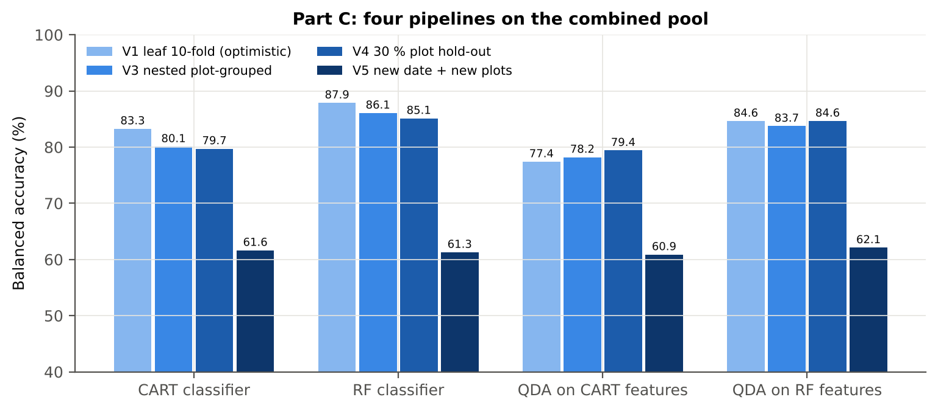
QDA on RF features | V4 | 10 | 81.3% | 84.6% | 2.8% | 0.5270 | 0.9289 | 90.0% | 79.3% | 49.7% | 97.3%
QDA on RF features | V5 | 10 | 72.5% | 62.1% | 3.1% | 0.2136 | 0.6363 | 45.8% | 78.4% | 33.5% | 86.7%

Table C5.2 Paired comparisons within this pool
Comparison | Units | n | Mean difference | SD | First better | Second better | Ties | Wilcoxon p
RF classifier − CART classifier | V3 nested (folds) | 50 | 5.6% | 3.6% | 48 | 2 | 0 | 1.087E-09
RF classifier − CART classifier | V4 hold-out (splits) | 10 | 5.4% | 2.6% | 10 | 0 | 0 | 0.0020
QDA on RF features − QDA on CART features | V3 nested (folds) | 50 | 5.8% | 5.2% | 44 | 6 | 0 | 1.443E-10
...

29_C6_Stability
...
Table C6.3 Re-selection of the all-leaf CART features
D1_630 | K4 first-derivative band | 32.0% | 0.0%
R743 | K1 band reflectance | 8.0% | 0.0%

Table C6.4 Re-selection of the all-leaf RF features
Feature | Type | Re-selected by CART (±10 nm) | Re-selected by RF (±10 nm)
CR3 water 970 width | K2 continuum removal | 100.0% | 100.0%
D1_861 | K4 first-derivative band | 50.0% | 100.0%
D1_871 | K4 first-derivative band | 80.0% | 100.0%
CR6 water 1940 symmetry | K2 continuum removal | 90.0% | 100.0%
D1_848 | K4 first-derivative band | 2.0% | 100.0%
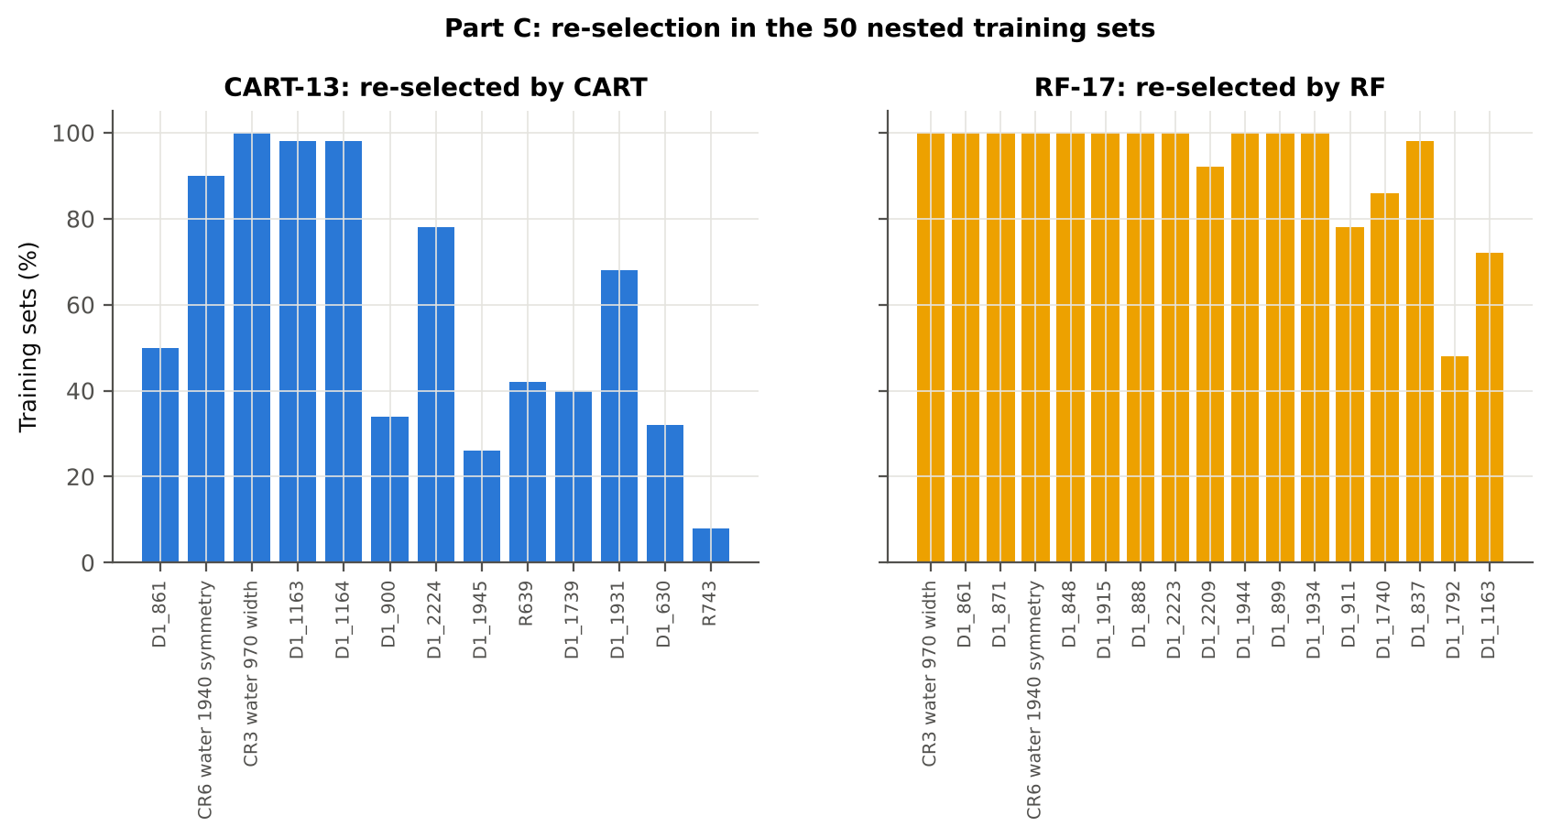
D1_1915 | K4 first-derivative band | 36.0% | 100.0%
D1_888 | K4 first-derivative band | 6.0% | 100.0%
D1_2223 | K4 first-derivative band | 78.0% | 100.0%
D1_2209 | K4 first-derivative band | 14.0% | 92.0%
D1_1944 | K4 first-derivative band | 26.0% | 100.0%
D1_899 | K4 first-derivative band | 34.0% | 100.0%
D1_1934 | K4 first-derivative band | 58.0% | 100.0%
D1_911 | K4 first-derivative band | 2.0% | 78.0%
D1_1740 | K4 first-derivative band | 40.0% | 86.0%
D1_837 | K4 first-derivative band | 0.0% | 98.0%
D1_1792 | K4 first-derivative band | 14.0% | 48.0%
D1_1163 | K4 first-derivative band | 98.0% | 72.0%
...

30c_CR2_Tier2
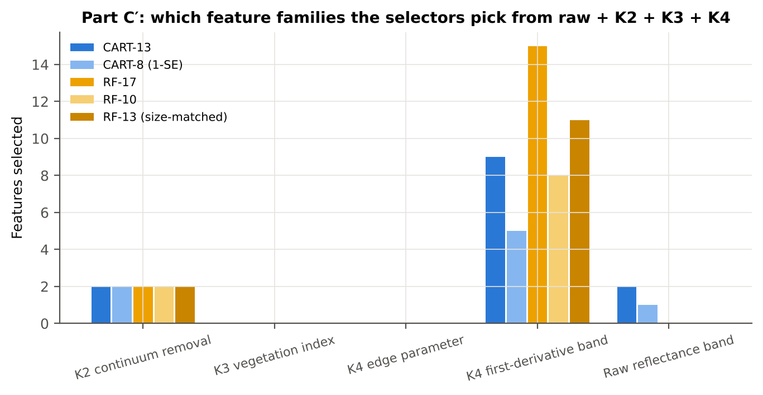
...
Table C′2.2 The selected features
D1_1945 | K4 first-derivative band | yes |  | 5.172E-05 | 1.043E-04 | 16.97 | 9.505E-56 | 0.7147
R639 (raw) | Raw reflectance band | yes |  | 0.1213 | 0.1396 | 14.18 | 9.884E-41 | 0.6645
D1_1739 | K4 first-derivative band | yes | yes | -0.0017 | -0.0016 | 2.3030 | 0.0295 | 0.6128
D1_1931 | K4 first-derivative band | yes |  | 2.628E-05 | 3.976E-05 | 14.24 | 1.574E-41 | 0.6646
D1_630 | K4 first-derivative band | yes |  | -3.516E-04 | -3.256E-04 | 3.3785 | 0.0012 | 0.5070
R743 (raw) | Raw reflectance band | yes |  | 0.5782 | 0.5611 | -4.4547 | 1.899E-05 | 0.5999
D1_847 | K4 first-derivative band |  | yes | -3.120E-05 | 3.156E-05 | 22.66 | 5.950E-88 | 0.7846
D1_857 | K4 first-derivative band |  | yes | -2.718E-05 | 2.977E-05 | 22.52 | 2.150E-87 | 0.7834
D1_873 | K4 first-derivative band |  | yes | -4.575E-05 | 8.406E-06 | 23.01 | 2.364E-90 | 0.7864
D1_1914 | K4 first-derivative band |  | yes | -5.484E-05 | -1.409E-04 | -15.80 | 6.018E-49 | 0.7035

D1_1935 | K4 first-derivative band |  | yes | 3.333E-05 | 6.109E-05 | 18.87 | 7.586E-69 | 0.7543
D1_1947 | K4 first-derivative band |  | yes | 5.656E-05 | 1.124E-04 | 16.64 | 1.128E-53 | 0.7100
D1_899 | K4 first-derivative band |  | yes | -3.427E-05 | 2.011E-05 | 22.02 | 9.676E-86 | 0.7546
D1_883 | K4 first-derivative band |  | yes | -4.615E-05 | 8.317E-06 | 22.87 | 4.570E-90 | 0.7776
D1_2210 | K4 first-derivative band |  | yes | 7.060E-05 | 8.910E-05 | 5.3194 | 3.166E-07 | 0.5963
D1_2223 | K4 first-derivative band |  | yes | -1.909E-05 | -1.380E-07 | 5.3630 | 2.459E-07 | 0.6393
D1_1166 | K4 first-derivative band |  | yes | -1.342E-04 | -1.241E-04 | 2.2218 | 0.0360 | 0.5113
D1_1838 | K4 first-derivative band |  | yes | -0.0012 | -0.0011 | 6.0349 | 7.319E-09 | 0.6338
D1_1792 | K4 first-derivative band |  | yes | -1.328E-04 | -1.238E-04 | 4.5238 | 1.362E-05 | 0.5911
D1_1059 | K4 first-derivative band |  | yes | 5.670E-05 | 4.646E-05 | -4.5053 | 1.528E-05 | 0.5739
...
Table C′2.3 Tree nodes (rpart frame)
85 | 6 | leaf | R743 (raw)>=0.626 | 26 | 0 | 26 | D
43 | 5 | leaf | D1_1739>=-0.002013 | 119 | 1 | 118 | D
11 | 3 | D1_900 | D1_1163< -0.0003096 | 229 | 10 | 219 | D
22 | 4 | leaf | D1_900< -8.418e-05 | 22 | 10 | 12 | H
23 | 4 | leaf | D1_900>=-8.418e-05 | 207 | 0 | 207 | D
3 | 1 | CR3 water 970 width | D1_861>=-8.109e-06 | 1360 | 86 | 1274 | D
6 | 2 | D1_1164 | CR3 water 970 width>=61.5 | 664 | 82 | 582 | D
12 | 3 | D1_2224 | D1_1164>=-0.0001783 | 136 | 49 | 87 | H
24 | 4 | leaf | D1_2224< 3.987e-05 | 104 | 48 | 56 | H
25 | 4 | leaf | D1_2224>=3.987e-05 | 32 | 1 | 31 | D
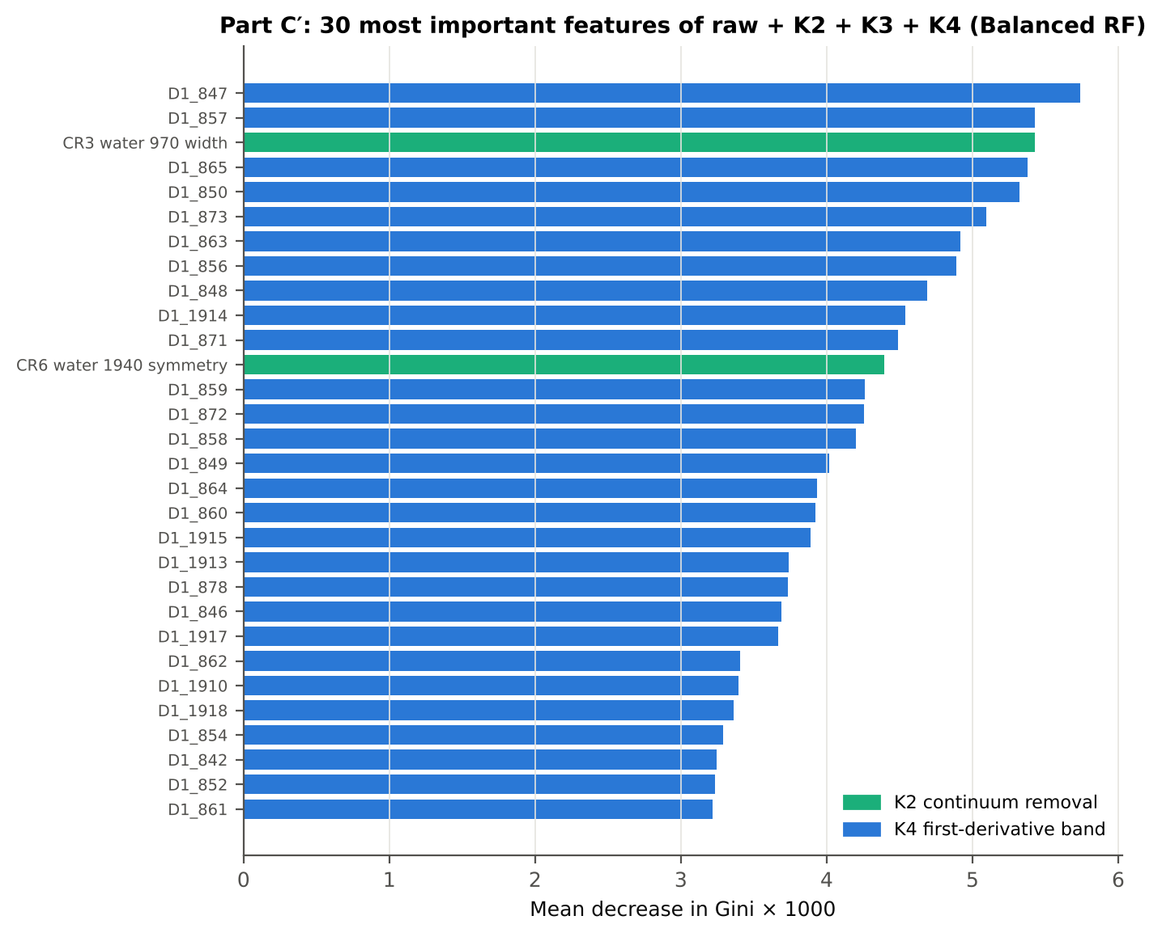
13 | 3 | D1_1945 | D1_1164< -0.0001783 | 528 | 33 | 495 | D
26 | 4 | leaf | D1_1945< 9.778e-06 | 27 | 14 | 13 | H
27 | 4 | D1_1931 | D1_1945>=9.778e-06 | 501 | 19 | 482 | D
54 | 5 | leaf | D1_1931< 1.155e-05 | 28 | 10 | 18 | H
55 | 5 | leaf | D1_1931>=1.155e-05 | 473 | 9 | 464 | D
7 | 2 | leaf | CR3 water 970 width< 61.5 | 696 | 4 | 692 | D

Table C′2.4 Complexity-parameter table (plot-grouped CV)
CP | nsplit | rel error | xerror | xstd
0.4480 | 0.0000 | 1.0000 | 1.1016 | 0.0357
0.0448 | 1.0000 | 0.5520 | 0.6394 | 0.0269
0.0418 | 4.0000 | 0.4130 | 0.5593 | 0.0279
0.0301 | 6.0000 | 0.3295 | 0.4995 | 0.0260
0.0201 | 7.0000 | 0.2993 | 0.4529 | 0.0252
0.0175 | 8.0000 | 0.2792 | 0.4311 | 0.0245
0.0169 | 9.0000 | 0.2617 | 0.4126 | 0.0235
0.0138 | 10.00 | 0.2448 | 0.4036 | 0.0235
0.0122 | 11.00 | 0.2310 | 0.4010 | 0.0237
0.0111 | 13.00 | 0.2067 | 0.3909 | 0.0238
0.0100 | 14.00 | 0.1956 | 0.3935 | 0.0241

30d_CR3_Tier3_JM
...
Table C′3.2 J–M and QDA BA as features are added
6 | D1_900 | 0.9258 | 80.1% | CR6 water 1940 symmetry | 1.0828 | 72.5%
7 | D1_2224 | 1.0274 | 82.5% | D1_1935 | 1.1787 | 71.9%
8 | D1_1945 | 1.2436 | 80.5% | D1_1947 | 1.3198 | 76.2%
9 | R639 (raw) | 1.2856 | 79.5% | D1_899 | 1.3593 | 76.8%
10 | D1_1739 | 1.3455 | 79.1% | D1_883 | 1.3994 | 77.4%
11 | D1_1931 | 1.4762 | 77.9% | D1_2210 | 1.4762 | 79.1%
12 | D1_630 | 1.6039 | 77.3% | D1_2223 | 1.5099 | 79.4%
13 | R743 (raw) | 1.6263 | 77.4% | D1_1739 | 1.5389 | 79.0%
14 |  |  |  | D1_1166 | 1.5897 | 80.6%
15 |  |  |  | D1_1838 | 1.6156 | 81.5%
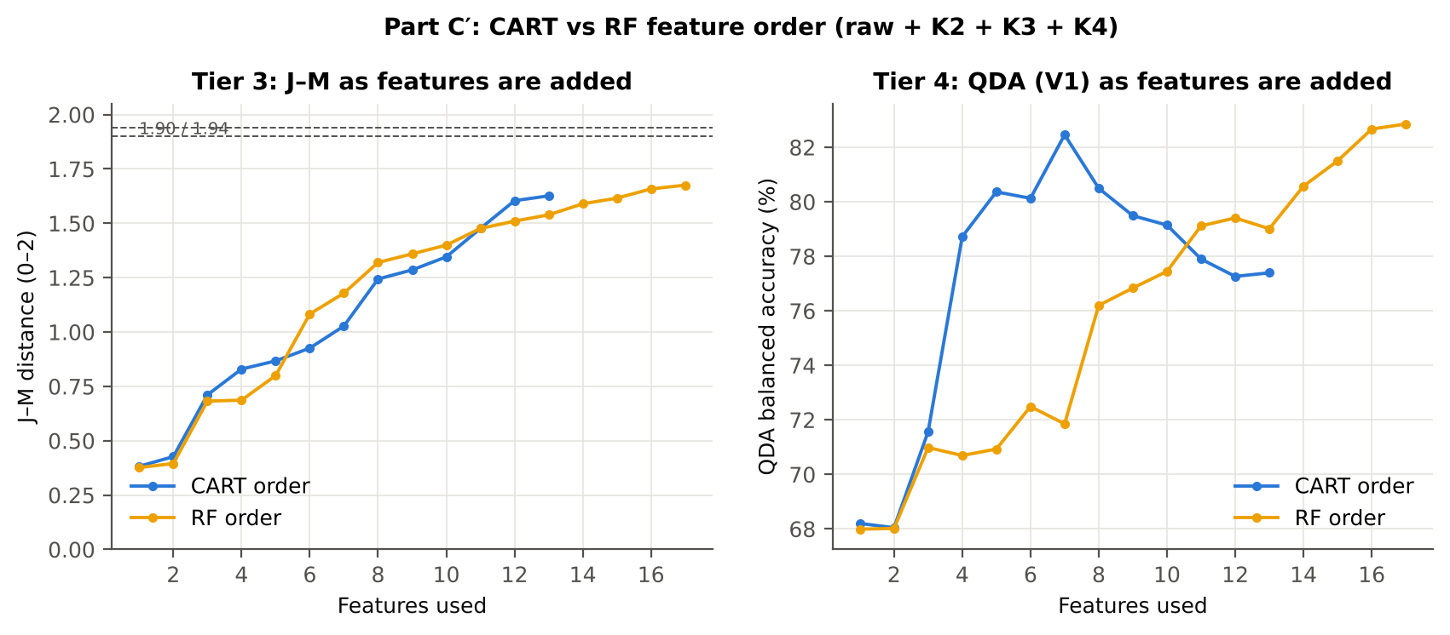
16 |  |  |  | D1_1792 | 1.6581 | 82.7%
17 |  |  |  | D1_1059 | 1.6754 | 82.9%

30f_CR5_Validation
...
Table C′5.1 Validation results
RF classifier | V1 | 1 | 90.1% | 87.4% |  | 0.6777 | 0.9467 | 83.3% | 91.5% | 66.2% | 96.5%
RF classifier | V3 | 5 | 88.7% | 85.7% | 0.3% | 0.6375 | 0.9339 | 81.2% | 90.2% | 62.4% | 96.0%
RF classifier | V4 | 10 | 87.9% | 84.7% | 2.9% | 0.6316 | 0.9275 | 79.8% | 89.7% | 63.6% | 95.2%
RF classifier | V5 | 10 | 73.6% | 61.5% | 1.4% | 0.2065 | 0.7011 | 42.6% | 80.5% | 32.7% | 86.3%
QDA on CART features | V1 | 1 | 68.3% | 77.4% |  | 0.3249 | 0.9118 | 91.0% | 63.8% | 33.5% | 97.3%
QDA on CART features | V3 | 5 | 68.2% | 78.2% | 0.9% | 0.3307 | 0.9021 | 93.3% | 63.1% | 33.7% | 97.9%
QDA on CART features | V4 | 10 | 73.6% | 79.4% | 4.4% | 0.4058 | 0.8909 | 88.3% | 70.4% | 40.8% | 96.4%
QDA on CART features | V5 | 10 | 67.6% | 59.8% | 3.6% | 0.1552 | 0.6265 | 47.7% | 72.0% | 27.7% | 86.1%
QDA on RF features | V1 | 1 | 76.5% | 82.9% |  | 0.4380 | 0.9334 | 92.3% | 73.4% | 41.0% | 97.9%
QDA on RF features | V3 | 5 | 78.7% | 83.7% | 0.7% | 0.4681 | 0.9236 | 91.3% | 76.1% | 43.4% | 97.8%
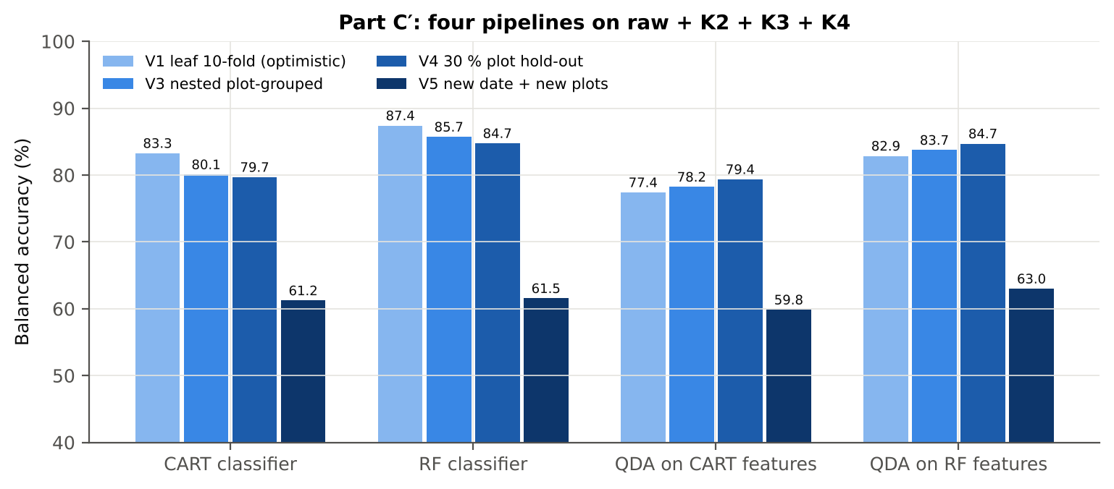
QDA on RF features | V4 | 10 | 81.1% | 84.7% | 3.3% | 0.5282 | 0.9302 | 90.4% | 78.9% | 49.9% | 97.4%
QDA on RF features | V5 | 10 | 74.1% | 63.0% | 2.7% | 0.2323 | 0.6427 | 45.7% | 80.3% | 34.7% | 87.0%

Table C′5.2 Paired comparisons within this pool
Comparison | Units | n | Mean difference | SD | First better | Second better | Ties | Wilcoxon p
RF classifier − CART classifier | V3 nested (folds) | 50 | 5.4% | 3.8% | 48 | 2 | 0 | 2.364E-09
RF classifier − CART classifier | V4 hold-out (splits) | 10 | 5.1% | 1.8% | 10 | 0 | 0 | 0.0020
QDA on RF features − QDA on CART features | V3 nested (folds) | 50 | 5.8% | 5.0% | 47 | 3 | 0 | 8.028E-09
...

30g_CR6_Stability
...
Table C′6.3 Re-selection of the all-leaf CART features
D1_630 | K4 first-derivative band | 32.0% | 2.0%
R743 (raw) | Raw reflectance band | 8.0% | 0.0%

Table C′6.4 Re-selection of the all-leaf RF features
Feature | Type | Re-selected by CART (±10 nm) | Re-selected by RF (±10 nm)
D1_847 | K4 first-derivative band | 2.0% | 100.0%
D1_857 | K4 first-derivative band | 48.0% | 100.0%
CR3 water 970 width | K2 continuum removal | 100.0% | 100.0%
D1_873 | K4 first-derivative band | 36.0% | 100.0%
D1_1914 | K4 first-derivative band | 36.0% | 100.0%
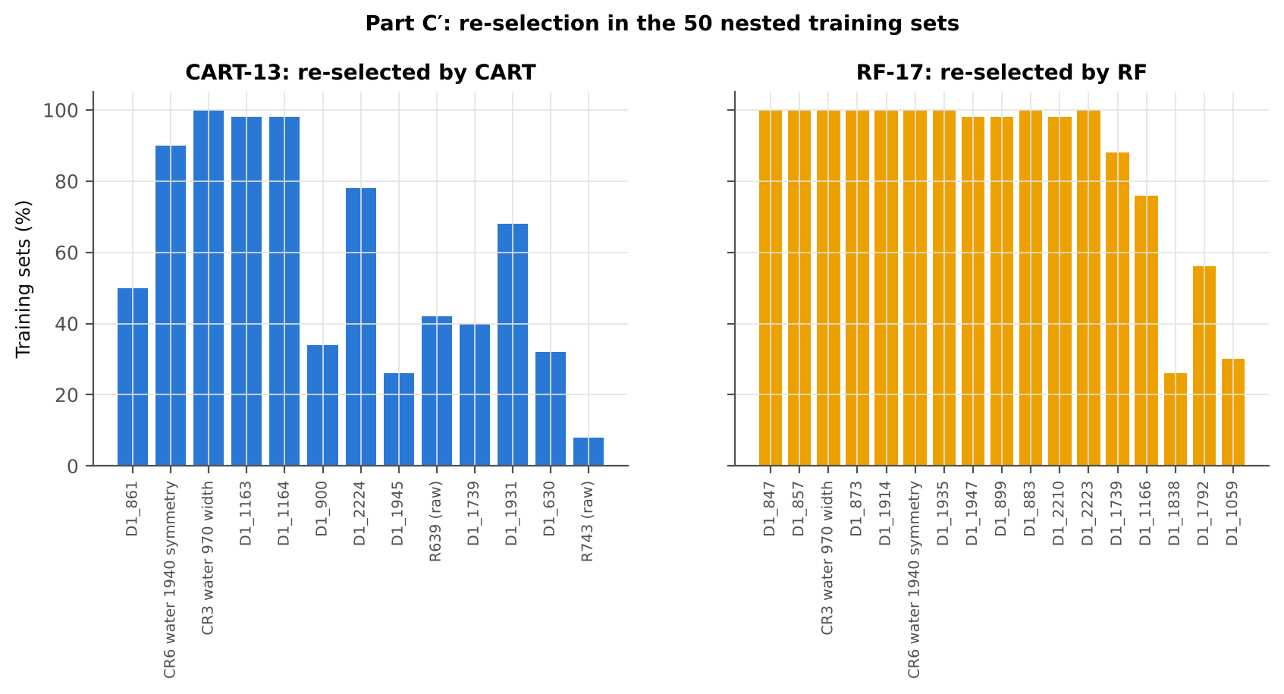
CR6 water 1940 symmetry | K2 continuum removal | 90.0% | 100.0%
D1_1935 | K4 first-derivative band | 54.0% | 100.0%
D1_1947 | K4 first-derivative band | 28.0% | 98.0%
D1_899 | K4 first-derivative band | 34.0% | 98.0%
D1_883 | K4 first-derivative band | 20.0% | 100.0%
D1_2210 | K4 first-derivative band | 18.0% | 98.0%
D1_2223 | K4 first-derivative band | 78.0% | 100.0%
D1_1739 | K4 first-derivative band | 40.0% | 88.0%
D1_1166 | K4 first-derivative band | 98.0% | 76.0%
D1_1838 | K4 first-derivative band | 10.0% | 26.0%
D1_1792 | K4 first-derivative band | 14.0% | 56.0%
D1_1059 | K4 first-derivative band | 16.0% | 30.0%
...

30h_C_vs_CRaw_Compare
...
Table CC.2 Balanced accuracy of the four pipelines in Part A, Part C′ and Part C
CART classifier | V1 | 65.3% | 83.3% | 83.3% | 17.9% | 0.0% |  | 0.8595
CART classifier | V3 | 64.7% | 80.1% | 80.1% | 15.4% | 0.0% | 0.0072 | 0.8418
CART classifier | V4 | 64.2% | 79.7% | 79.7% | 15.5% | 0.0% | 0.0287 | 0.8282
CART classifier | V5 | 53.2% | 61.2% | 61.6% | 8.0% | -0.4% | 0.0302 | 0.5972
RF classifier | V1 | 73.0% | 87.4% | 87.9% | 14.4% | -0.5% |  | 0.9467
RF classifier | V3 | 70.7% | 85.7% | 86.1% | 15.0% | -0.4% | 0.0031 | 0.9339
RF classifier | V4 | 69.5% | 84.7% | 85.1% | 15.3% | -0.4% | 0.0290 | 0.9275
RF classifier | V5 | 54.6% | 61.5% | 61.3% | 6.9% | 0.3% | 0.0139 | 0.7011
QDA on CART features | V1 | 71.1% | 77.4% | 77.4% | 6.3% | 0.0% |  | 0.9118
QDA on CART features | V3 | 72.0% | 78.2% | 78.2% | 6.2% | 0.0% | 0.0091 | 0.9021
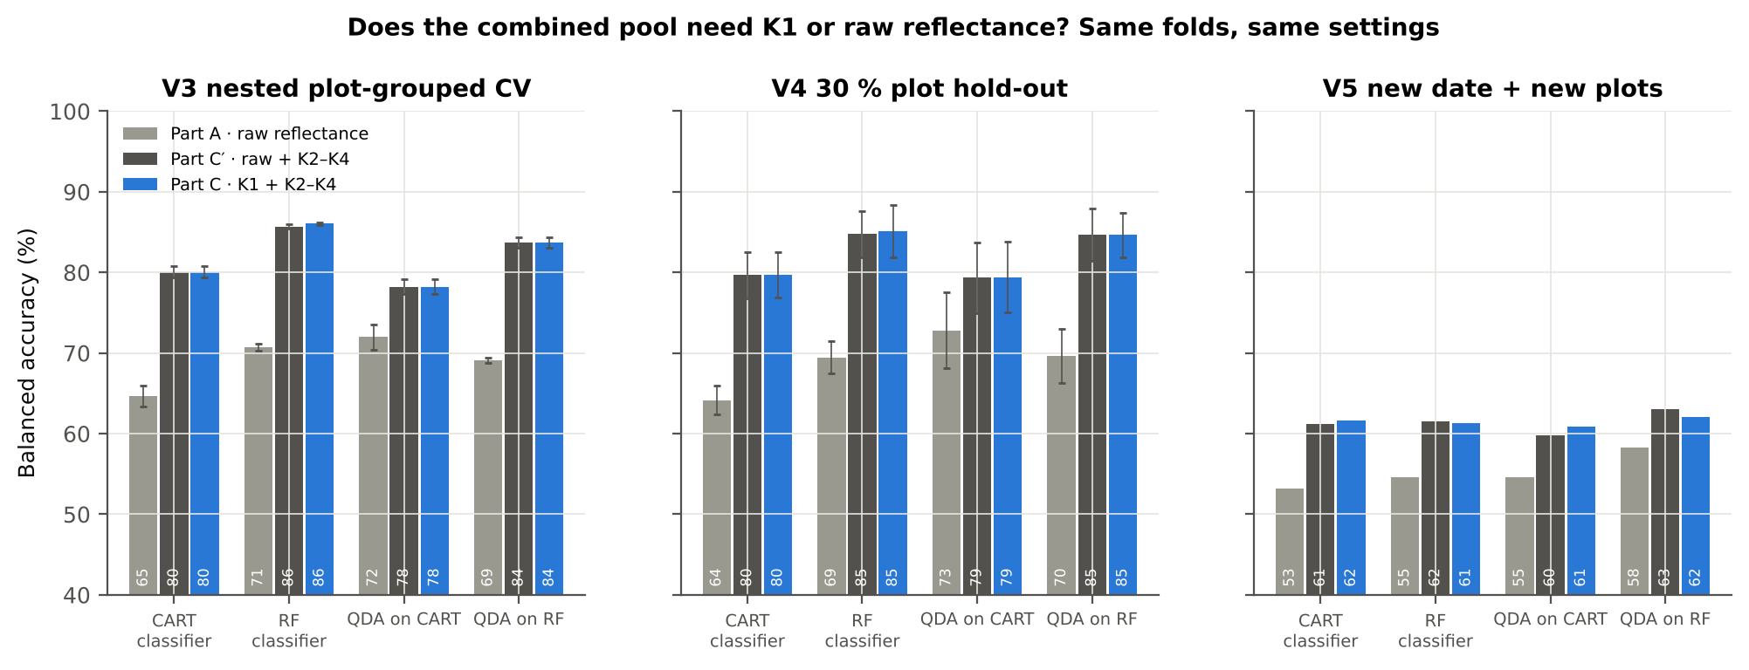
QDA on CART features | V4 | 72.8% | 79.4% | 79.4% | 6.5% | -0.1% | 0.0440 | 0.8909
QDA on CART features | V5 | 54.6% | 59.8% | 60.9% | 5.3% | -1.0% | 0.0363 | 0.6265
QDA on RF features | V1 | 70.1% | 82.9% | 84.6% | 12.8% | -1.8% |  | 0.9334
QDA on RF features | V3 | 69.1% | 83.7% | 83.7% | 14.6% | 0.0% | 0.0066 | 0.9236
QDA on RF features | V4 | 69.7% | 84.7% | 84.6% | 15.0% | 0.1% | 0.0328 | 0.9302
QDA on RF features | V5 | 58.3% | 63.0% | 62.1% | 4.7% | 0.9% | 0.0266 | 0.6427

Table CC.3 Paired Wilcoxon tests on identical folds (positive = first better)
First | Second | Units | n | Mean difference (BA) | SD | First better | Second better | Wilcoxon p
...

31_V5_Date_Transfer
...
Why: the data pool four dates and three growth stages. A model useful in practice must work on a new date. V5 holds out a whole date and, at the same time, the plots of the V4 hold-out, so no leaf, plot or date of the test set is seen in training.
Reflectance (Part A) | QDA on RF features | 11-02-2026 | 10 | 132.30 | 56.3% | 8.1%
Reflectance (Part A) | QDA on RF features | 24-02-2026 | 10 | 169.80 | 65.4% | 5.6%
Reflectance (Part A) | QDA on RF features | 03-03-2026 | 10 | 201.00 | 60.1% | 7.0%
Reflectance (Part A) | QDA on RF features | 13-03-2026 | 10 | 201.00 | 50.0% | 0.0%
Combined pool (Part C) | CART classifier | 11-02-2026 | 10 | 132.30 | 65.4% | 5.8%
Combined pool (Part C) | CART classifier | 24-02-2026 | 10 | 169.80 | 72.2% | 7.4%
Combined pool (Part C) | CART classifier | 03-03-2026 | 10 | 201.00 | 59.5% | 6.8%
Combined pool (Part C) | CART classifier | 13-03-2026 | 10 | 201.00 | 51.6% | 3.4%
Combined pool (Part C) | RF classifier | 11-02-2026 | 10 | 132.30 | 59.1% | 4.1%
Combined pool (Part C) | RF classifier | 24-02-2026 | 10 | 169.80 | 69.7% | 4.9%
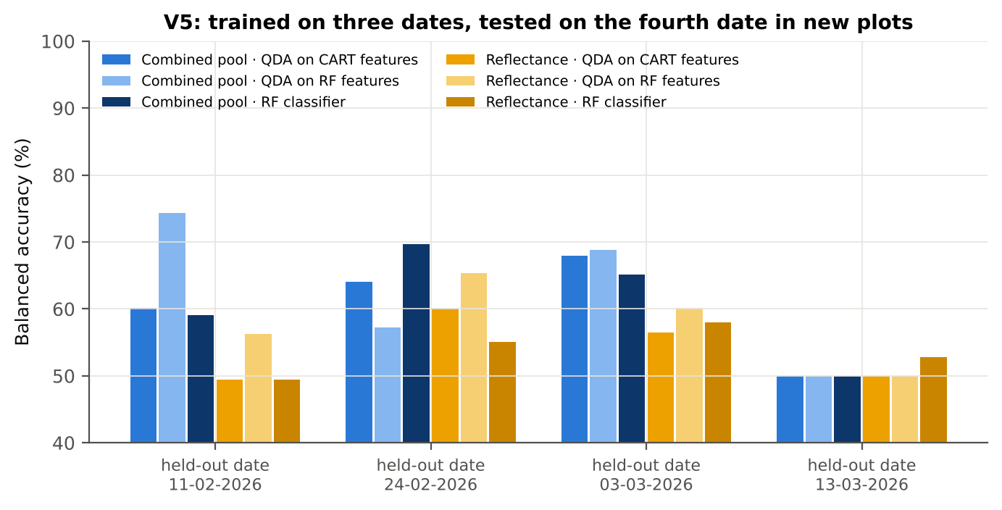
Combined pool (Part C) | RF classifier | 03-03-2026 | 10 | 201.00 | 65.1% | 7.8%
Combined pool (Part C) | RF classifier | 13-03-2026 | 10 | 201.00 | 50.0% | 0.0%
Combined pool (Part C) | QDA on CART features | 11-02-2026 | 10 | 132.30 | 60.2% | 11.8%
Combined pool (Part C) | QDA on CART features | 24-02-2026 | 10 | 169.80 | 64.1% | 9.1%
Combined pool (Part C) | QDA on CART features | 03-03-2026 | 10 | 201.00 | 68.0% | 11.3%
Combined pool (Part C) | QDA on CART features | 13-03-2026 | 10 | 201.00 | 50.0% | 0.0%
Combined pool (Part C) | QDA on RF features | 11-02-2026 | 10 | 132.30 | 74.4% | 11.4%
Combined pool (Part C) | QDA on RF features | 24-02-2026 | 10 | 169.80 | 57.2% | 7.8%
Combined pool (Part C) | QDA on RF features | 03-03-2026 | 10 | 201.00 | 68.8% | 8.5%
Combined pool (Part C) | QDA on RF features | 13-03-2026 | 10 | 201.00 | 50.0% | 0.0%

37_ChartData
...
Figure 3. Mean reflectance (healthy vs diseased)
 | Mean healthy | Mean diseased
400.00 | 0.2291 | 0.2352
401.00 | 0.2283 | 0.2348
402.00 | 0.2280 | 0.2343
403.00 | 0.2278 | 0.2337
404.00 | 0.2277 | 0.2337
405.00 | 0.2276 | 0.2337
406.00 | 0.2256 | 0.2312
407.00 | 0.2243 | 0.2302
408.00 | 0.2235 | 0.2301
409.00 | 0.2222 | 0.2288
410.00 | 0.2215 | 0.2281
411.00 | 0.2214 | 0.2279
412.00 | 0.2214 | 0.2279
413.00 | 0.2207 | 0.2275
414.00 | 0.2196 | 0.2264
415.00 | 0.2181 | 0.2249
416.00 | 0.2165 | 0.2235
417.00 | 0.2161 | 0.2233
418.00 | 0.2156 | 0.2226
419.00 | 0.2145 | 0.2214
420.00 | 0.2133 | 0.2206
421.00 | 0.2121 | 0.2193
422.00 | 0.2110 | 0.2179
423.00 | 0.2098 | 0.2169
424.00 | 0.2085 | 0.2155
425.00 | 0.2074 | 0.2145
426.00 | 0.2065 | 0.2137
427.00 | 0.2052 | 0.2127
428.00 | 0.2038 | 0.2113
429.00 | 0.2022 | 0.2096
430.00 | 0.2005 | 0.2077
431.00 | 0.1993 | 0.2067
432.00 | 0.1984 | 0.2059
433.00 | 0.1972 | 0.2048
434.00 | 0.1955 | 0.2031
435.00 | 0.1946 | 0.2021
436.00 | 0.1934 | 0.2010
437.00 | 0.1917 | 0.1995
438.00 | 0.1903 | 0.1982
439.00 | 0.1893 | 0.1972
440.00 | 0.1883 | 0.1963
441.00 | 0.1872 | 0.1954
442.00 | 0.1861 | 0.1943
443.00 | 0.1849 | 0.1932
444.00 | 0.1839 | 0.1923
445.00 | 0.1831 | 0.1915
446.00 | 0.1821 | 0.1906
447.00 | 0.1812 | 0.1897
448.00 | 0.1804 | 0.1890
449.00 | 0.1794 | 0.1881
...
−log10 q mixed model | q = 0.05 line | RF importance × 1000 | K1 AUC | D1 AUC
0.4577 | 1.3010 | 0.0000 | 0.5310 | 0.5159
0.4910 | 1.3010 | 0.0000 | 0.5313 | 0.5167
0.4710 | 1.3010 | 0.0000 | 0.5307 | 0.5250
0.4524 | 1.3010 | 0.0000 | 0.5296 | 0.5220
0.4551 | 1.3010 | 0.0000 | 0.5294 | 0.5144
0.4721 | 1.3010 | 0.0000 | 0.5293 | 0.5118
0.4260 | 1.3010 | 0.0000 | 0.5297 | 0.5185
0.4580 | 1.3010 | 0.0000 | 0.5309 | 0.5217
0.5257 | 1.3010 | 0.0000 | 0.5322 | 0.5256
0.5364 | 1.3010 | 0.0000 | 0.5333 | 0.5368
0.5410 | 1.3010 | 0.0000 | 0.5344 | 0.5450
0.5373 | 1.3010 | 0.0000 | 0.5356 | 0.5458
0.5369 | 1.3010 | 0.0000 | 0.5359 | 0.5428
0.5743 | 1.3010 | 0.0000 | 0.5360 | 0.5455
0.5911 | 1.3010 | 0.0000 | 0.5369 | 0.5366
0.5988 | 1.3010 | 0.0000 | 0.5376 | 0.5269
0.6295 | 1.3010 | 0.0000 | 0.5384 | 0.5270
0.6539 | 1.3010 | 0.0000 | 0.5391 | 0.5264
0.6494 | 1.3010 | 0.0000 | 0.5395 | 0.5256
Figure 5b. −log10(p) against wavelength
 | −log10 p Welch | −log10 q Welch | −log10 q mixed model | q = 0.05 line
400.00 | 0.6092 | 0.5306 | 0.4577 | 1.3010
401.00 | 0.6670 | 0.5852 | 0.4910 | 1.3010
402.00 | 0.6367 | 0.5563 | 0.4710 | 1.3010
403.00 | 0.6016 | 0.5234 | 0.4524 | 1.3010
404.00 | 0.6045 | 0.5261 | 0.4551 | 1.3010
405.00 | 0.6350 | 0.5549 | 0.4721 | 1.3010
406.00 | 0.5676 | 0.4915 | 0.4260 | 1.3010
407.00 | 0.6174 | 0.5382 | 0.4580 | 1.3010
408.00 | 0.7264 | 0.6428 | 0.5257 | 1.3010
409.00 | 0.7428 | 0.6581 | 0.5364 | 1.3010
410.00 | 0.7527 | 0.6675 | 0.5410 | 1.3010
411.00 | 0.7415 | 0.6572 | 0.5373 | 1.3010
412.00 | 0.7309 | 0.6470 | 0.5369 | 1.3010
413.00 | 0.7930 | 0.7069 | 0.5743 | 1.3010
414.00 | 0.8200 | 0.7328 | 0.5911 | 1.3010
415.00 | 0.8313 | 0.7437 | 0.5988 | 1.3010
416.00 | 0.8666 | 0.7777 | 0.6295 | 1.3010
417.00 | 0.9038 | 0.8136 | 0.6539 | 1.3010
418.00 | 0.8943 | 0.8043 | 0.6494 | 1.3010
419.00 | 0.8799 | 0.7904 | 0.6447 | 1.3010
420.00 | 0.9590 | 0.8673 | 0.7020 | 1.3010
421.00 | 0.9514 | 0.8600 | 0.6936 | 1.3010
422.00 | 0.9297 | 0.8387 | 0.6774 | 1.3010
423.00 | 0.9590 | 0.8673 | 0.7021 | 1.3010
424.00 | 0.9823 | 0.8893 | 0.7174 | 1.3010
425.00 | 1.0091 | 0.9156 | 0.7355 | 1.3010
426.00 | 1.0486 | 0.9543 | 0.7642 | 1.3010
427.00 | 1.1042 | 1.0088 | 0.8044 | 1.3010
428.00 | 1.1336 | 1.0367 | 0.8232 | 1.3010
429.00 | 1.1277 | 1.0314 | 0.8172 | 1.3010
430.00 | 1.1171 | 1.0210 | 0.8076 | 1.3010
431.00 | 1.1912 | 1.0930 | 0.8571 | 1.3010
432.00 | 1.2333 | 1.1341 | 0.8817 | 1.3010
433.00 | 1.2574 | 1.1575 | 0.8923 | 1.3010
434.00 | 1.3033 | 1.2020 | 0.9195 | 1.3010
435.00 | 1.2935 | 1.1925 | 0.9103 | 1.3010
436.00 | 1.3301 | 1.2278 | 0.9291 | 1.3010
437.00 | 1.4217 | 1.3175 | 0.9784 | 1.3010
438.00 | 1.4677 | 1.3620 | 1.0041 | 1.3010
439.00 | 1.5103 | 1.4032 | 1.0253 | 1.3010
440.00 | 1.5666 | 1.4582 | 1.0524 | 1.3010
441.00 | 1.6382 | 1.5282 | 1.0978 | 1.3010
442.00 | 1.6900 | 1.5784 | 1.1234 | 1.3010
443.00 | 1.7440 | 1.6311 | 1.1406 | 1.3010
444.00 | 1.7991 | 1.6851 | 1.1672 | 1.3010
445.00 | 1.8389 | 1.7236 | 1.1845 | 1.3010
446.00 | 1.8967 | 1.7797 | 1.2039 | 1.3010
447.00 | 1.9622 | 1.8439 | 1.2315 | 1.3010
448.00 | 2.0224 | 1.9025 | 1.2567 | 1.3010
449.00 | 2.0763 | 1.9553 | 1.2764 | 1.3010
...
0.6447 | 1.3010 | 0.0000 | 0.5398 | 0.5246
0.7020 | 1.3010 | 0.0000 | 0.5401 | 0.5233
0.6936 | 1.3010 | 0.0000 | 0.5401 | 0.5259
0.6774 | 1.3010 | 0.0000 | 0.5401 | 0.5267
0.7021 | 1.3010 | 0.0000 | 0.5405 | 0.5245
0.7174 | 1.3010 | 0.0000 | 0.5410 | 0.5269
0.7355 | 1.3010 | 0.0000 | 0.5414 | 0.5325
0.7642 | 1.3010 | 0.0000 | 0.5421 | 0.5354
0.8044 | 1.3010 | 0.0000 | 0.5427 | 0.5355
0.8232 | 1.3010 | 0.0000 | 0.5432 | 0.5399
0.8172 | 1.3010 | 0.0000 | 0.5436 | 0.5414
0.8076 | 1.3010 | 0.0000 | 0.5441 | 0.5410
0.8571 | 1.3010 | 0.0000 | 0.5444 | 0.5409
0.8817 | 1.3010 | 0.0000 | 0.5445 | 0.5418
0.8923 | 1.3010 | 0.0000 | 0.5449 | 0.5440
0.9195 | 1.3010 | 0.0000 | 0.5454 | 0.5488
0.9103 | 1.3010 | 0.0000 | 0.5458 | 0.5592
0.9291 | 1.3010 | 0.0000 | 0.5463 | 0.5690
0.9784 | 1.3010 | 1.1386 | 0.5469 | 0.5743
1.0041 | 1.3010 | 1.0471 | 0.5477 | 0.5737
Figure 5. Balanced subsets with a significant difference (%)
 | Balanced subsets significant (%)
400.00 | 5.3000
401.00 | 6.4000
402.00 | 5.7000
403.00 | 5.0000
404.00 | 4.9000
405.00 | 5.4000
406.00 | 4.5000
407.00 | 5.1000
408.00 | 7.7000
409.00 | 8.4000
410.00 | 8.7000
411.00 | 8.5000
412.00 | 7.8000
413.00 | 9.1000
414.00 | 9.4000
415.00 | 9.5000
416.00 | 10.1000
417.00 | 10.6000
418.00 | 10.5000
419.00 | 10.3000
420.00 | 11.5000
421.00 | 11.6000
422.00 | 11.1000
423.00 | 11.5000
424.00 | 12.3000
425.00 | 12.8000
426.00 | 13.9000
427.00 | 14.9000
428.00 | 15.6000
429.00 | 15.4000
430.00 | 15.2000
431.00 | 16.5000
432.00 | 17.9000
433.00 | 18.2000
434.00 | 19.3000
435.00 | 19.2000
436.00 | 20.2000
437.00 | 23.2000
438.00 | 25.1000
439.00 | 27.1000
440.00 | 29.4000
441.00 | 32.0000
442.00 | 33.8000
443.00 | 35.2000
444.00 | 37.6000
445.00 | 38.8000
446.00 | 40.5000
447.00 | 42.6000
448.00 | 45.1000
449.00 | 47.3000
...
1.0253 | 1.3010 | 1.0368 | 0.5485 | 0.5766
1.0524 | 1.3010 | 0.8405 | 0.5494 | 0.5805
1.0978 | 1.3010 | 1.1353 | 0.5502 | 0.5828
1.1234 | 1.3010 | 0.9098 | 0.5507 | 0.5834
1.1406 | 1.3010 | 0.9438 | 0.5512 | 0.5784
1.1672 | 1.3010 | 0.6863 | 0.5517 | 0.5708
1.1845 | 1.3010 | 0.8442 | 0.5521 | 0.5647
1.2039 | 1.3010 | 0.8440 | 0.5524 | 0.5579
1.2315 | 1.3010 | 0.7711 | 0.5529 | 0.5510
1.2567 | 1.3010 | 0.7407 | 0.5533 | 0.5453
1.2764 | 1.3010 | 1.0198 | 0.5537 | 0.5417
1.2940 | 1.3010 | 0.9234 | 0.5542 | 0.5386
1.3113 | 1.3010 | 0.9013 | 0.5546 | 0.5362
1.3282 | 1.3010 | 0.7696 | 0.5548 | 0.5336
1.3457 | 1.3010 | 0.9056 | 0.5550 | 0.5301
1.3626 | 1.3010 | 0.8114 | 0.5552 | 0.5264
1.3789 | 1.3010 | 0.8217 | 0.5554 | 0.5233
1.3954 | 1.3010 | 0.9371 | 0.5557 | 0.5228
1.4194 | 1.3010 | 0.6798 | 0.5561 | 0.5226
1.4443 | 1.3010 | 0.7096 | 0.5563 | 0.5225
Figure A1. RF importance spectrum
 | RF importance × 1000
400.00 | 0.0000
401.00 | 0.0000
402.00 | 0.0000
403.00 | 0.0000
404.00 | 0.0000
405.00 | 0.0000
406.00 | 0.0000
407.00 | 0.0000
408.00 | 0.0000
409.00 | 0.0000
410.00 | 0.0000
411.00 | 0.0000
412.00 | 0.0000
413.00 | 0.0000
414.00 | 0.0000
415.00 | 0.0000
416.00 | 0.0000
417.00 | 0.0000
418.00 | 0.0000
419.00 | 0.0000
420.00 | 0.0000
421.00 | 0.0000
422.00 | 0.0000
423.00 | 0.0000
424.00 | 0.0000
425.00 | 0.0000
426.00 | 0.0000
427.00 | 0.0000
428.00 | 0.0000
429.00 | 0.0000
430.00 | 0.0000
431.00 | 0.0000
432.00 | 0.0000
433.00 | 0.0000
434.00 | 0.0000
435.00 | 0.0000
436.00 | 0.0000
437.00 | 1.1386
438.00 | 1.0471
439.00 | 1.0368
440.00 | 0.8405
441.00 | 1.1353
442.00 | 0.9098
443.00 | 0.9438
444.00 | 0.6863
445.00 | 0.8442
446.00 | 0.8440
447.00 | 0.7711
448.00 | 0.7407
449.00 | 1.0198
...
1.4604 | 1.3010 | 0.6997 | 0.5567 | 0.5238
1.4810 | 1.3010 | 0.7130 | 0.5571 | 0.5246
1.4973 | 1.3010 | 0.6801 | 0.5574 | 0.5258
1.5135 | 1.3010 | 0.8476 | 0.5577 | 0.5276
1.5498 | 1.3010 | 0.6706 | 0.5581 | 0.5295
1.5674 | 1.3010 | 0.6813 | 0.5585 | 0.5302
1.5766 | 1.3010 | 0.7466 | 0.5589 | 0.5307
1.5939 | 1.3010 | 0.7221 | 0.5593 | 0.5320
1.6190 | 1.3010 | 0.6598 | 0.5598 | 0.5315
1.6427 | 1.3010 | 0.7334 | 0.5602 | 0.5304
1.6660 | 1.3010 | 0.6289 | 0.5606 | 0.5293
1.6910 | 1.3010 | 0.6637 | 0.5611 | 0.5287
1.7094 | 1.3010 | 0.7703 | 0.5615 | 0.5302
1.7301 | 1.3010 | 0.8039 | 0.5619 | 0.5311
1.7593 | 1.3010 | 0.6619 | 0.5623 | 0.5292
1.7703 | 1.3010 | 0.6575 | 0.5627 | 0.5283
1.7852 | 1.3010 | 0.5500 | 0.5631 | 0.5276
1.8086 | 1.3010 | 0.5940 | 0.5635 | 0.5274
1.8383 | 1.3010 | 0.8066 | 0.5640 | 0.5278
1.8687 | 1.3010 | 0.5907 | 0.5644 | 0.5285
Figure K1. AUC of every band
 | K1 AUC | D1 AUC
400.00 | 0.5310 | 0.5159
401.00 | 0.5313 | 0.5167
402.00 | 0.5307 | 0.5250
403.00 | 0.5296 | 0.5220
404.00 | 0.5294 | 0.5144
405.00 | 0.5293 | 0.5118
406.00 | 0.5297 | 0.5185
407.00 | 0.5309 | 0.5217
408.00 | 0.5322 | 0.5256
409.00 | 0.5333 | 0.5368
410.00 | 0.5344 | 0.5450
411.00 | 0.5356 | 0.5458
412.00 | 0.5359 | 0.5428
413.00 | 0.5360 | 0.5455
414.00 | 0.5369 | 0.5366
415.00 | 0.5376 | 0.5269
416.00 | 0.5384 | 0.5270
417.00 | 0.5391 | 0.5264
418.00 | 0.5395 | 0.5256
419.00 | 0.5398 | 0.5246
420.00 | 0.5401 | 0.5233
421.00 | 0.5401 | 0.5259
422.00 | 0.5401 | 0.5267
423.00 | 0.5405 | 0.5245
424.00 | 0.5410 | 0.5269
425.00 | 0.5414 | 0.5325
426.00 | 0.5421 | 0.5354
427.00 | 0.5427 | 0.5355
428.00 | 0.5432 | 0.5399
429.00 | 0.5436 | 0.5414
430.00 | 0.5441 | 0.5410
431.00 | 0.5444 | 0.5409
432.00 | 0.5445 | 0.5418
433.00 | 0.5449 | 0.5440
434.00 | 0.5454 | 0.5488
435.00 | 0.5458 | 0.5592
436.00 | 0.5463 | 0.5690
437.00 | 0.5469 | 0.5743
438.00 | 0.5477 | 0.5737
439.00 | 0.5485 | 0.5766
440.00 | 0.5494 | 0.5805
441.00 | 0.5502 | 0.5828
442.00 | 0.5507 | 0.5834
443.00 | 0.5512 | 0.5784
444.00 | 0.5517 | 0.5708
445.00 | 0.5521 | 0.5647
446.00 | 0.5524 | 0.5579
447.00 | 0.5529 | 0.5510
448.00 | 0.5533 | 0.5453
449.00 | 0.5537 | 0.5417
...
1.8863 | 1.3010 | 0.7054 | 0.5649 | 0.5284
1.8921 | 1.3010 | 0.5821 | 0.5653 | 0.5286
1.9124 | 1.3010 | 0.7013 | 0.5657 | 0.5311
1.9325 | 1.3010 | 0.7435 | 0.5662 | 0.5339
1.9507 | 1.3010 | 0.8537 | 0.5666 | 0.5370
1.9713 | 1.3010 | 0.6698 | 0.5670 | 0.5400
1.9923 | 1.3010 | 0.4787 | 0.5675 | 0.5439
2.0121 | 1.3010 | 0.7547 | 0.5679 | 0.5486
2.0317 | 1.3010 | 0.6547 | 0.5684 | 0.5529
2.0576 | 1.3010 | 0.5943 | 0.5689 | 0.5563
2.0878 | 1.3010 | 0.6588 | 0.5696 | 0.5598
2.1145 | 1.3010 | 0.5711 | 0.5702 | 0.5633
2.1381 | 1.3010 | 0.6180 | 0.5707 | 0.5653
2.1734 | 1.3010 | 0.8639 | 0.5714 | 0.5670
2.2011 | 1.3010 | 0.7603 | 0.5721 | 0.5681
2.2225 | 1.3010 | 0.6499 | 0.5728 | 0.5685
2.2536 | 1.3010 | 0.7098 | 0.5736 | 0.5685
2.2862 | 1.3010 | 0.6151 | 0.5742 | 0.5689
2.3182 | 1.3010 | 0.5888 | 0.5748 | 0.5695
2.3414 | 1.3010 | 0.6612 | 0.5754 | 0.5698
Figure A3. Balanced accuracy by pipeline and validation scheme (Part A)
2.3737 | 1.3010 | 0.5803 | 0.5759 | 0.5696
2.3990 | 1.3010 | 0.6259 | 0.5764 | 0.5681
2.4207 | 1.3010 | 0.7529 | 0.5767 | 0.5647
2.4543 | 1.3010 | 0.5521 | 0.5771 | 0.5608
2.4833 | 1.3010 | 0.6992 | 0.5773 | 0.5553
2.5007 | 1.3010 | 0.7156 | 0.5776 | 0.5494
2.5111 | 1.3010 | 0.6785 | 0.5778 | 0.5429
2.5336 | 1.3010 | 0.6706 | 0.5778 | 0.5351
2.5422 | 1.3010 | 0.6716 | 0.5775 | 0.5270
2.5422 | 1.3010 | 0.6760 | 0.5772 | 0.5190
2.5526 | 1.3010 | 0.5056 | 0.5769 | 0.5109
2.5474 | 1.3010 | 0.6353 | 0.5763 | 0.5033
2.5336 | 1.3010 | 0.4477 | 0.5754 | 0.5041
2.5151 | 1.3010 | 0.8303 | 0.5744 | 0.5112
2.4781 | 1.3010 | 0.6892 | 0.5733 | 0.5184
2.4406 | 1.3010 | 0.5436 | 0.5719 | 0.5250
2.3991 | 1.3010 | 0.8446 | 0.5704 | 0.5317
2.3411 | 1.3010 | 0.7186 | 0.5686 | 0.5379
2.2766 | 1.3010 | 0.5514 | 0.5666 | 0.5439
2.2147 | 1.3010 | 0.4875 | 0.5647 | 0.5498
2.1380 | 1.3010 | 0.5236 | 0.5626 | 0.5554
2.0445 | 1.3010 | 0.6405 | 0.5603 | 0.5607
1.9512 | 1.3010 | 0.6855 | 0.5580 | 0.5661
1.8589 | 1.3010 | 0.6779 | 0.5556 | 0.5713
1.7614 | 1.3010 | 0.6845 | 0.5533 | 0.5761
1.6646 | 1.3010 | 0.6555 | 0.5508 | 0.5809
1.5801 | 1.3010 | 0.5900 | 0.5485 | 0.5854
1.4973 | 1.3010 | 0.7111 | 0.5461 | 0.5896
...

