01_Summary
Summary — results of every step
Balanced accuracy (BA) = mean of healthy and diseased recall; it is the headline metric because the classes are imbalanced (1 : 3.0).

Key numbers
Item | Result
Plot-average spectra analysed (healthy / diseased) | 192 (48 / 144); 48 plots (12 / 36); 4 dates: 11-02-2026, 24-02-2026, 03-03-2026, 13-03-2026; growth stages: Flowering, Pod formation, Vegetative; varieties: V1, V2, V3
Tier 1 — bands significant (Welch + FDR) | 1039 of 2101
Tier 2 — CART bands (rpart, prior 0.5/0.5) | 9: 699, 700, 1884, 655, 669, 510, 1384, 1578, 689 nm
Tier 2 — RF bands (top-17 MDI peaks) | 699, 632, 653, 643, 1887, 614, 2018, 688, 512, 1898, 671, 1992, 602, 2031, 592, 2005, 1928 nm
Tier 3 — J–M healthy vs diseased (CART / RF bands) | 1.521 / 1.960 (threshold 1.90)
Tier 4 — QDA equal priors, 10-fold cross-validation (spectrum-level 10-fold cross-validation): BA CART / RF bands | 81.2 % / 84.4 %
Honest estimate (nested plot-grouped cross-validation): QDA on CART bands | BA 77.6 ± 2.2 %
Combined feature pool — combined pool: features / Tier-1 significant | 8264 / 2616
Combined feature pool — CART features | 4: D1_871, D2_682, D3_1244, D2_557
Combined feature pool — QDA on RF-17 features (nested plot-grouped cross-validation / 30 % plot hold-out validation) | 87.2 % / 76.5 %

Table 1.1 All approaches side by side (ranked by the honest nested plot-grouped cross-validation balanced accuracy)
Approach | Balanced accuracy, spectrum-level 10-fold cross-validation | Balanced accuracy, nested plot-grouped cross-validation | SD, nested plot-grouped cross-validation | Balanced accuracy, 30 % plot hold-out validation | SD, 30 % plot hold-out validation | Balanced accuracy, leave-one-date-out validation on new plots | AUC, nested plot-grouped cross-validation | Κ, nested plot-grouped cross-validation
Feature group · derivatives incl. guard bands (artefact): RF |  | 95.6% | 0.8% | 95.5% | 3.0% |  | 0.988 | 0.891
Feature group · derivatives + edge: RF |  | 94.1% | 1.5% | 93.9% | 4.9% |  | 0.980 | 0.871
Feature group · continuum removal: RF |  | 93.2% | 0.2% | 91.7% | 5.4% |  | 0.977 | 0.821
Combined feature pool · four tiers: RF classifier (Balanced RF) | 92.7% | 93.1% | 0.8% | 92.3% | 3.8% | 58.4% | 0.972 | 0.850
Feature group · all disease-sensitive features combined: RF |  | 92.6% | 0.5% | 92.6% | 3.2% |  | 0.973 | 0.841
Feature group · selected 15: QDA |  | 88.7% | 2.7% | 85.1% | 6.4% |  | 0.957 | 0.774
Feature group · selected 15: RF |  | 87.6% | 1.1% | 86.8% | 6.2% |  | 0.953 | 0.727
Combined feature pool · four tiers: QDA on RF-17 (RF-selected) | 89.9% | 87.2% | 2.8% | 76.5% | 7.2% | 49.8% | 0.966 | 0.765
Feature group · continuum removal: CART |  | 86.8% | 2.4% | 82.3% | 4.4% |  | 0.902 | 0.661
Raw reflectance · four tiers: QDA on RF-17 (RF-selected) | 84.4% | 86.8% | 1.2% | 79.7% | 8.1% | 51.8% | 0.931 | 0.755
Feature group · derivatives incl. guard bands (artefact): CART |  | 86.4% | 1.7% | 86.5% | 2.8% |  | 0.899 | 0.697
Combined feature pool · four tiers: QDA on CART-4 (CART-selected) | 88.2% | 84.4% | 2.1% | 82.0% | 3.4% | 52.8% | 0.932 | 0.631
Combined feature pool · four tiers: CART classifier (rpart) | 82.3% | 82.9% | 1.7% | 79.5% | 5.3% | 53.2% | 0.848 | 0.616
Feature group · all disease-sensitive features combined: CART |  | 81.6% | 1.3% | 80.5% | 4.2% |  | 0.843 | 0.581
Feature group · derivatives + edge: CART |  | 81.6% | 1.3% | 79.6% | 5.1% |  | 0.843 | 0.581
Feature group · selected 15: CART |  | 80.8% | 1.3% | 80.2% | 7.1% |  | 0.838 | 0.582
Single feature · optimised NDSI, all pairs — brackets the 1800 nm join (search nested) |  | 78.5% |  | 78.2% | 7.0%
Single feature · optimised NDSI, join-free pairs (search nested) |  | 78.5% |  | 78.2% | 7.0%
Feature group · vegetation indices: RF |  | 78.3% | 0.7% | 75.2% | 4.3% |  | 0.894 | 0.513
Single feature · best single continuum-removal parameter: CR3 water 970 depth/area (threshold) | 78.1% | 78.1% |  | 78.6% |  |  | 0.792
Raw reflectance · four tiers: QDA on CART-9 (CART-selected) | 81.3% | 77.6% | 2.2% | 72.0% | 8.2% | 59.5% | 0.855 | 0.466
Feature group · band reflectance: RF |  | 77.5% | 1.0% | 71.5% | 4.7% |  | 0.846 | 0.481
Feature group · full raw spectrum: RF |  | 77.4% | 2.0% | 71.1% | 6.0% |  | 0.845 | 0.476
Raw reflectance · four tiers: RF classifier (Balanced RF) | 76.0% | 75.6% | 2.0% | 73.0% | 5.0% | 55.5% | 0.837 | 0.452
Feature group · vegetation indices: CART |  | 71.5% | 1.7% | 70.3% | 6.4% |  | 0.759 | 0.398
Single feature · best single vegetation index: RARSb (threshold) | 73.3% | 71.3% |  | 68.8% |  |  | 0.747
Single feature · REIP best method: REIP – Lagrangian interpolation (threshold) | 70.5% | 70.5% |  | 68.9% |  |  | 0.702
Feature group · band reflectance: CART |  | 66.5% | 3.0% | 67.4% | 8.0% |  | 0.704 | 0.288
Feature group · full raw spectrum: CART |  | 66.5% | 3.0% | 67.4% | 8.0% |  | 0.704 | 0.288
Raw reflectance · four tiers: CART classifier (rpart) | 63.9% | 64.6% | 2.6% | 64.0% | 6.7% | 53.6% | 0.688 | 0.255
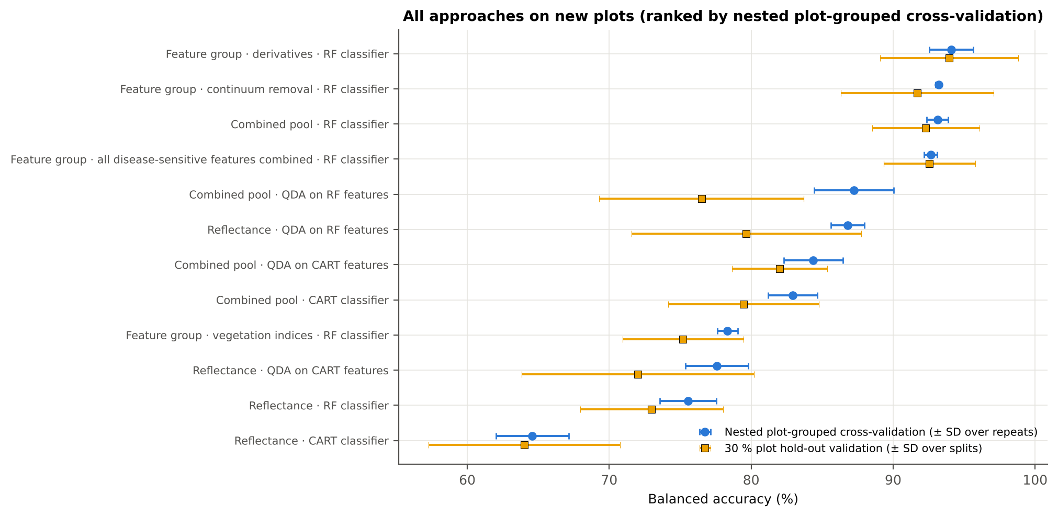
Single feature · best edge parameter: Ro (red well reflectance) (threshold) | 68.8% | 63.1% |  | 63.2% |  |  | 0.752
Spectrum-level 10-fold cross-validation with features chosen on all plot-average spectra (the paper's protocol; optimistic). nested plot-grouped cross-validation (10-fold × 5 = 50 folds), 30 % of plots held out × 10, leave-one-date-out on new plots (40 units: 10 30 % plot hold-out validation splits × 4 dates); in nested plot-grouped cross-validation–leave-one-date-out validation on new plots every selection step is repeated inside the training set. Single features: threshold chosen on training plots.

Conclusions
1. Data: plot-average spectra, all dates, growth stages and varieties combined — 192 plot-average spectra (48 healthy, 144 diseased; imbalance 1 : 3.0), 12 healthy and 36 diseased plots, dates 11-02-2026, 24-02-2026, 03-03-2026, 13-03-2026.
2. Tier 1: healthy and white-rust plot-average spectra differ significantly at 1039 of 2101 bands (Welch + BH-FDR); 1014 bands remain significant with a random plot effect and 515 in ≥ 95 % of 1000 balanced subsets. The most sensitive single band (raw reflectance) reaches AUC 0.79 at 650 nm.
3. Tier 2: CART (rpart, prior 0.5/0.5) selected 9 bands (root 699 nm): 699, 700, 1884, 655, 669, 510, 1384, 1578, 689 nm. The Balanced RF importance peaks (RF-17) were 699, 632, 653, 643, 1887, 614, 2018, 688, 512, 1898, 671, 1992, 602, 2031, 592, 2005, 1928 nm.
4. Tier 3: J–M = 1.52 on the CART bands and 1.96 on the RF bands: only the RF bands reach the 1.90 separability threshold (and the 1.94 threshold of Das et al.).
5. Tier 4: QDA with equal priors on the CART bands gives BA 81.2 % in the paper's protocol (spectrum-level 10-fold cross-validation; healthy recall 85.4 %, diseased recall 77.1 %) and 77.6 % ± 2.2 % (nested plot-grouped cross-validation) / 72.0 % (30 % plot hold-out validation) on new plots.
6. CART vs RF: as classifiers RF beats CART by 11.6 points (nested plot-grouped cross-validation, RF better in 40 of 50 folds, p = 6.9e-07); as band selectors for QDA the RF bands give +9.8 points vs the CART bands (p = 7.5e-06). RF selection is more stable than CART selection (Jaccard ±10 nm 0.67 vs 0.27).
7. Disease-sensitive features: the strongest group for RF is derivatives + edge parameters (BA 94.1 %, nested plot-grouped cross-validation) vs 77.5 % for reflectance; best single features: first derivative at 871 nm (AUC 0.92), CR3 water 970 depth/area (AUC 0.79), RARSb (AUC 0.75), Ro (red well reflectance) (AUC 0.75). REIP (Lagrangian interpolation) shifts by -2.9 nm in diseased plot-average spectra (AUC 0.70).
8. Combined feature pool (four tiers on the combined band reflectance + continuum-removal features + vegetation indices + derivative and edge features pool, 8264 features, 2616 significant): CART chose 4 features, RF 17 (J–M 1.20 / 1.95); QDA on the RF features reaches 87.2 % (nested plot-grouped cross-validation) / 76.5 % (30 % plot hold-out validation), +0.4 points vs QDA on RF reflectance bands; best pipeline on the pool: RF classifier (93.1 %, nested plot-grouped cross-validation).
9. Transfer (leave-one-date-out validation on new plots): QDA on CART reflectance bands 59.5 %, QDA on combined-pool RF features 49.8 % — a clear drop from the nested plot-grouped cross-validation estimate (87.2 %); the date/stage effect limits transfer. Best pipeline under transfer: reflectance: QDA on CART features (59.5 %).
10. Compared with the leaf-level analysis of all 2264 leaf spectra (nested plot-grouped cross-validation: reflectance QDA-CART 72.0 %, combined-pool QDA-RF 83.7 %; J–M 1.27), the plot-average spectra give 77.6 % and 87.2 % (J–M 1.52): averaging the plot-average spectra of a plot improves discrimination on new plots.

Recommendations
Use first-derivative and continuum-removed features rather than single reflectance bands for the plot-average data; the four-tier selection with RF importance on the combined pool and a QDA or RF classifier is the recommended pipeline.
Report balanced accuracy with both class recalls and the priors used; the classes are imbalanced (1 : 3.0) and equal priors / balanced sampling were applied throughout.
Base conclusions on the plot-grouped estimates (nested plot-grouped cross-validation 10-fold × 5 = 50 folds, 30 % plot hold-out validation 10 hold-outs), not on the spectrum-level 10-fold cross-validation estimate.
Interpret features near the ASD detector joins (≈ 1000 and 1800 nm) with care; guard zones were excluded from the rankings.
For application to a new date, the most robust pipeline here was reflectance: QDA on CART features (leave-one-date-out validation on new plots BA 59.5 %); accuracy on an unseen date is much lower than within the date, so calibrate with plot-average spectra of the target date or growth stage.

02_Design
Workflow, validation design and model settings
Figure 2 of Das et al. (2020), extended with the corrections and the CART-vs-RF, disease-sensitive feature extraction and combined feature pool steps.
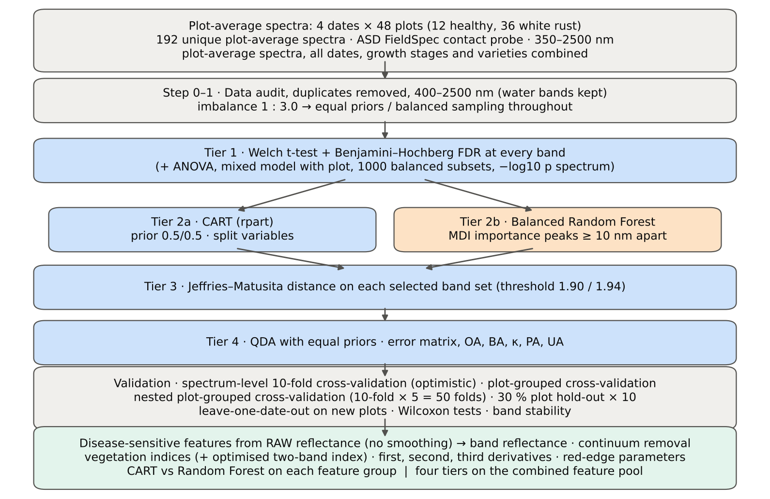

Table 2.1 Corrections applied to the protocol of Das et al. (2020) and why
Issue | Correction | Why
Class imbalance (48 healthy : 144 diseased = 1 : 3.0) | QDA/LDA with equal prior probabilities; rpart prior = c(0.5, 0.5); Balanced RF (each tree on a balanced bootstrap); balanced accuracy as headline metric; 1000 balanced subsets in Tier 1 | without it every classifier favours 'diseased' and overall accuracy is inflated
Two classes only | Welch t-test instead of one-way ANOVA + Tukey HSD (ANOVA reported for comparison: identical ranking) | Tukey HSD is for many pairs; Welch allows unequal variances (Levene)
Multiple testing (2101 bands) | Benjamini–Hochberg FDR (q < 0.05); uncorrected counts reported | 2101 tests at α = 0.05 give ≈ 105 false positives
Pseudo-replication (plot-average spectra nested in plots, plots measured on 4 dates) | mixed model with random plot intercept; every honest validation grouped by plot across all dates | plot-average spectra of one plot are not independent
Selection bias | Tier 1, band selection and classifier refitted inside every training set (nested plot-grouped cross-validation, 30 % plot hold-out validation, leave-one-date-out validation on new plots) | selecting bands on all plot-average spectra and validating on the same plot-average spectra is optimistic
Water-absorption bands | kept (contact probe with its own light source; no atmospheric path) | Das et al. removed them for canopy measurements
Detector edge 350–399 nm | removed (noise 96 × the 500–699 nm level); sensitivity run with 350–2500 nm | noise could be chosen by CART
Detector joins 1000/1001 and 1800/1801 nm (disease-sensitive feature extraction) | no splice correction and no smoothing (all features from raw reflectance, as requested); bands beside the joins (guard zones) excluded from the reflectance and derivative feature sets and rankings | instrument artefacts must not be read as disease
Plot averaging | each spectrum = mean of the leaf spectra of one plot on one date (2264 leaf spectra → 192 plot averages); identical to the labelled workbooks' own =AVERAGE columns (197 of 197) | one spectrum per experimental unit and date, as requested; leaf-to-leaf noise averaged out
Exact duplicate spectra | 75 copies (13-03-2026, block 2) and 4 unnamed copies (plot 27, 11-02-2026) removed from the four files before the subset was taken; sensitivity run with the unnamed copies kept | a duplicate in both training and test inflates spectrum-level 10-fold cross-validation

Table 2.2 Validation design (identical folds in every step; sheet 36_Folds)
Scheme | Folds | What is refitted | Purpose
Spectrum-level 10-fold cross-validation | StratifiedKFold, seed 42 | bands fixed (chosen on all plot-average spectra); classifier refitted | reproduces the paper (optimistic: plot-average spectra of a plot in train and test)
Plot-grouped 10-fold cross-validation | StratifiedGroupKFold, seed 42 | bands fixed; classifier refitted | removes plot leakage, keeps selection bias
Nested plot-grouped cross-validation, 10-fold × 5 = 50 folds | StratifiedGroupKFold, seeds 101–105; k = min(10, plots of the smaller class = 12) so every test fold holds both classes | Tier 1 + selection + classifier refitted | honest estimate for new plots
Hold-out of 30 % of plots × 10 | 4 healthy + 11 diseased plots per split, default_rng(2026) | everything refitted on the remaining plots | independent test plots
New date and new plots (additional) | train: other dates × training plots of the 30 % plot hold-out; test: held-out date × test plots of the 30 % plot hold-out | everything refitted | transfer to an unseen date and unseen plots

Table 2.3 CART and Random Forest settings
Setting | CART | Random Forest
Algorithm | rpart 4.1.23 in R 4.3.3 (recursive partitioning, as Das et al.) | BalancedRandomForestClassifier (imbalanced-learn 0.14, scikit-learn 1.9)
Split criterion | Gini | Gini
Imbalance correction | prior = c(0.5, 0.5) | sampling_strategy = 'all', replacement = True, bootstrap = False (balanced bootstrap per tree)
Size / randomness | minsplit 20, minbucket 7, cp 0.01, maxcompete 0, maxsurrogate 0 | 500 trees (1000 for importance), max_features = √p, random_state 42
Pruning | default tree used; 1-SE tree from plot-grouped 10-fold cross-validation of cp | —
Band selection | split variables of the tree | top-17 / top-10 MDI importance peaks (+ a set the size of the CART set), local maxima ≥ 10 nm apart
Prediction | class of the terminal node (prior-adjusted) | majority vote (probability > 0.5)

04_Step1_Preprocessing
Step 1 · Pre-processing — band set, noise and outlier screening
Das et al. (2020) removed 1350–1430, 1800–1950 and 2350–2500 nm (atmospheric water, canopy). Here the contact probe has its own light source, so water bands are kept.

What was done
Noise of every band = SD of the residual after Savitzky–Golay smoothing (window 11, order 2). The 350–399 nm detector edge is far noisier than the rest and was removed; everything else (400–2500 nm, 2101 bands) was analysed on the raw (unsmoothed) reflectance in Tiers 1–4, as in Das et al. Outliers were screened with the spectral angle (SAM) to the class median spectrum and flagged, not removed (diseased plot-average spectra are expected to vary more).
Table 1.1 Band-set decision
Range (nm) | Bands | Decision | Reason
350–399 | 50 | Removed | detector edge: noise ×96 of the 500–699 nm level
400–1349 | 950 | Retained | visible, red edge, NIR
1350–1430 | 81 | Retained | water band I — contact probe (Das et al. removed it)
1431–1799 | 369 | Retained | SWIR-1
1800–1950 | 151 | Retained | water band II — contact probe (Das et al. removed it)
1951–2349 | 399 | Retained | SWIR-2
2350–2500 | 151 | Retained | SWIR-2 end — contact probe (Das et al. removed it)
Bands analysed (Excel) | 2101

Table 1.2 Noise level by spectral region
Range (nm) | Noise (SD of SG residual) | Ratio to 500–699 nm
350–399 | 0.0032 | 95.67
400–499 | 3.772E-04 | 11.39
500–699 | 3.311E-05 | 1.0000
700–1000 | 6.323E-05 | 1.9096
1001–1349 | 5.163E-05 | 1.5593
1350–1430 | 1.632E-05 | 0.4930
1431–1799 | 8.541E-06 | 0.2579
1800–1950 | 1.738E-05 | 0.5250
1951–2349 | 1.225E-05 | 0.3698
2350–2500 | 2.694E-05 | 0.8136

Table 1.3 Outlier screening: spectral angle to the class median
Class | Plot-average spectra | Median SAM (rad) | 95th pct (rad) | Max (rad) | Plot-average spectra > 0.15 rad
Healthy | 48 | 0.0446 | 0.0890 | 0.0974 | 0
Diseased | 144 | 0.0617 | 0.1477 | 0.1987 | 7

Table 1.4 Ten most deviating spectra (flagged, kept)
Plot | Class | Date | Growth stage | File | SAM (rad) | R1985 (plot-average spectrum) | R1985 (class median)
38 | Diseased | 03-03-2026 | Flowering | Plot 38 · 03-03-2026 (mean of 15 leaf spectra) | 0.1987 | 0.1381 | 0.0725
24 | Diseased | 03-03-2026 | Pod formation | Plot 24 · 03-03-2026 (mean of 15 leaf spectra) | 0.1933 | 0.1522 | 0.0725
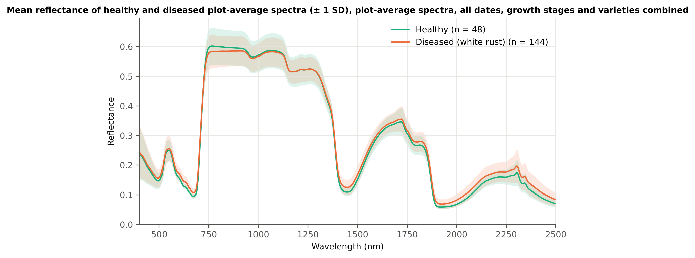
40 | Diseased | 03-03-2026 | Flowering | Plot 40 · 03-03-2026 (mean of 15 leaf spectra) | 0.1752 | 0.1308 | 0.0725
41 | Diseased | 03-03-2026 | Pod formation | Plot 41 · 03-03-2026 (mean of 15 leaf spectra) | 0.1725 | 0.1477 | 0.0725
42 | Diseased | 03-03-2026 | Flowering | Plot 42 · 03-03-2026 (mean of 15 leaf spectra) | 0.1602 | 0.1367 | 0.0725
31 | Diseased | 03-03-2026 | Flowering | Plot 31 · 03-03-2026 (mean of 15 leaf spectra) | 0.1576 | 0.1245 | 0.0725
38 | Diseased | 13-03-2026 | Pod formation | Plot 38 · 13-03-2026 (mean of 15 leaf spectra) | 0.1547 | 0.1231 | 0.0725
34 | Diseased | 03-03-2026 | Pod formation | Plot 34 · 03-03-2026 (mean of 15 leaf spectra) | 0.1481 | 0.1179 | 0.0725
35 | Diseased | 03-03-2026 | Flowering | Plot 35 · 03-03-2026 (mean of 15 leaf spectra) | 0.1454 | 0.1205 | 0.0725
39 | Diseased | 03-03-2026 | Flowering | Plot 39 · 03-03-2026 (mean of 15 leaf spectra) | 0.1405 | 0.1185 | 0.0725

Figure 3 (as in Das et al. 2020). Mean reflectance of healthy and diseased plot-average spectra

Native Excel chart of the same data: sheet 37_ChartData, columns A–C.
Table 1.5 Sensitivity: the unnamed duplicate spectra of plot 27 kept vs removed (QDA on CART bands)
Data | CART bands | Balanced accuracy, spectrum-level 10-fold cross-validation | Balanced accuracy, nested plot-grouped cross-validation | Balanced accuracy, 30 % plot hold-out validation
main: exact duplicates removed (n = 192) | 9 | 81.3% | 77.6% | 72.0%
2076 unnamed plot-27 copies kept (n = 2268) | 11 | 71.0% | 71.2% | 73.1%

05_Tier1_Ttest
Step 2 · Tier 1 — Welch's t-test at every band with Benjamini–Hochberg FDR
Das et al. (2020) used one-way ANOVA (p < 0.05) + Tukey HSD for 14 genotypes; with two classes the equivalent is a t-test.

Result in brief
Tier 1: healthy and white-rust plot-average spectra differ significantly at 1039 of 2101 bands (Welch + BH-FDR); 1014 bands remain significant with a random plot effect and 515 in ≥ 95 % of 1000 balanced subsets. The most sensitive single band (raw reflectance) reaches AUC 0.79 at 650 nm.
Uncorrected, 1120 bands have p < 0.05; ANOVA + FDR gives 1023 (same ranking as Welch).

What was done
At each of the 2101 bands the mean reflectance of healthy (n = 48) and diseased (n = 144) plot-average spectra was compared with Welch's t-test (unequal variances; Levene's test shows unequal variances at many bands) and the p-values were adjusted with the Benjamini–Hochberg false-discovery rate. Bands with q < 0.05 go to Tier 2. Because 144 diseased plot-average spectra give high power even for tiny differences, the test was repeated on 1000 balanced random subsets (48 vs 48), and a linear mixed model with a random plot intercept checks pseudo-replication.
Table 2.1 Number of significant bands
Test | Significant bands | Bands tested | Share (Excel)
Welch t-test + BH-FDR q < 0.05 (used for Tier 2) | 1039 | 2101 | 49.5%
One-way ANOVA p < 0.05, uncorrected (rule of Das et al.) | 1111 | 2101 | 52.9%
One-way ANOVA + BH-FDR q < 0.05 | 1023 | 2101 | 48.7%
Welch t-test p < 0.05, uncorrected | 1120 | 2101 | 53.3%
Mixed model (random plot effect) + BH-FDR q < 0.05 | 1014 | 2101 | 48.3%
Balanced subsets (48 vs 48): significant in ≥ 95 % of 1000 subsets | 515 | 2101 | 24.5%
Levene test p < 0.05 (unequal variances → Welch) | 704 | 2101 | 33.5%

Table 2.2 Contiguous ranges (Welch + FDR)
Range (nm) | Bands | Result
400–505 | 106 | not significant
506–512 | 7 | significant
513–568 | 56 | not significant
569–714 | 146 | significant
715–1379 | 665 | not significant
1380–1581 | 202 | significant
1582–1816 | 235 | not significant
1817–2500 | 684 | significant

Table 2.3 Significance by spectral region
Region | Bands | Welch+FDR significant | Mixed-model significant | Band of max |t| | Max t | Mean diff (D − H)
Blue (400–499) | 100 | 0 | 0 | 499.00 | 2.0661 | 0.0096
Green (500–599) | 100 | 38 | 28 | 599.00 | 5.6914 | 0.0146
Red (600–679) | 80 | 80 | 80 | 643.00 | 8.0229 | 0.0159
Red edge (680–759) | 80 | 35 | 34 | 695.00 | 7.8337 | 0.0210
NIR (760–1349) | 590 | 0 | 0 | 760.00 | -1.7822 | -0.0183
Water band I (1350–1430) | 81 | 51 | 52 | 1430.00 | 5.6991 | 0.0159
SWIR-1 (1431–1799) | 369 | 151 | 139 | 1432.00 | 5.7004 | 0.0159
Water band II (1800–1950) | 151 | 134 | 131 | 1892.00 | 7.4296 | 0.0145
SWIR-2 (1951–2349) | 399 | 399 | 399 | 2003.00 | 7.2088 | 0.0144
SWIR-2 end (2350–2500) | 151 | 151 | 151 | 2498.00 | 5.2619 | 0.0137

Table 2.4 Fifteen most significant bands
Wavelength (nm) | Mean healthy | Mean diseased | Diff (D − H) | Welch t | Welch df | q (BH) | Hedges g | Mixed-model q
643.00 | 0.1168 | 0.1327 | 0.0159 | 8.0229 | 171.39 | 3.318E-11 | 0.9498 | 8.400E-05
644.00 | 0.1157 | 0.1314 | 0.0157 | 8.0204 | 170.74 | 3.318E-11 | 0.9513 | 8.400E-05
642.00 | 0.1180 | 0.1340 | 0.0160 | 8.0193 | 171.95 | 3.318E-11 | 0.9479 | 8.400E-05
645.00 | 0.1145 | 0.1301 | 0.0156 | 8.0151 | 170.14 | 3.318E-11 | 0.9523 | 8.400E-05
641.00 | 0.1191 | 0.1353 | 0.0162 | 8.0116 | 172.43 | 3.318E-11 | 0.9456 | 8.400E-05
646.00 | 0.1133 | 0.1287 | 0.0154 | 8.0053 | 169.51 | 3.318E-11 | 0.9528 | 8.400E-05
640.00 | 0.1202 | 0.1365 | 0.0163 | 8.0023 | 172.88 | 3.318E-11 | 0.9433 | 8.400E-05
647.00 | 0.1122 | 0.1275 | 0.0153 | 7.9940 | 168.88 | 3.318E-11 | 0.9532 | 8.400E-05
639.00 | 0.1213 | 0.1377 | 0.0164 | 7.9921 | 173.22 | 3.318E-11 | 0.9411 | 8.400E-05
648.00 | 0.1111 | 0.1263 | 0.0152 | 7.9894 | 168.37 | 3.318E-11 | 0.9540 | 8.400E-05
649.00 | 0.1101 | 0.1253 | 0.0151 | 7.9777 | 167.92 | 3.318E-11 | 0.9538 | 8.400E-05
638.00 | 0.1222 | 0.1388 | 0.0165 | 7.9764 | 173.53 | 3.318E-11 | 0.9384 | 8.400E-05
650.00 | 0.1092 | 0.1243 | 0.0151 | 7.9637 | 167.52 | 3.318E-11 | 0.9532 | 8.400E-05
637.00 | 0.1231 | 0.1397 | 0.0166 | 7.9558 | 173.77 | 3.318E-11 | 0.9353 | 8.400E-05
651.00 | 0.1084 | 0.1234 | 0.0150 | 7.9524 | 167.19 | 3.318E-11 | 0.9527 | 8.400E-05

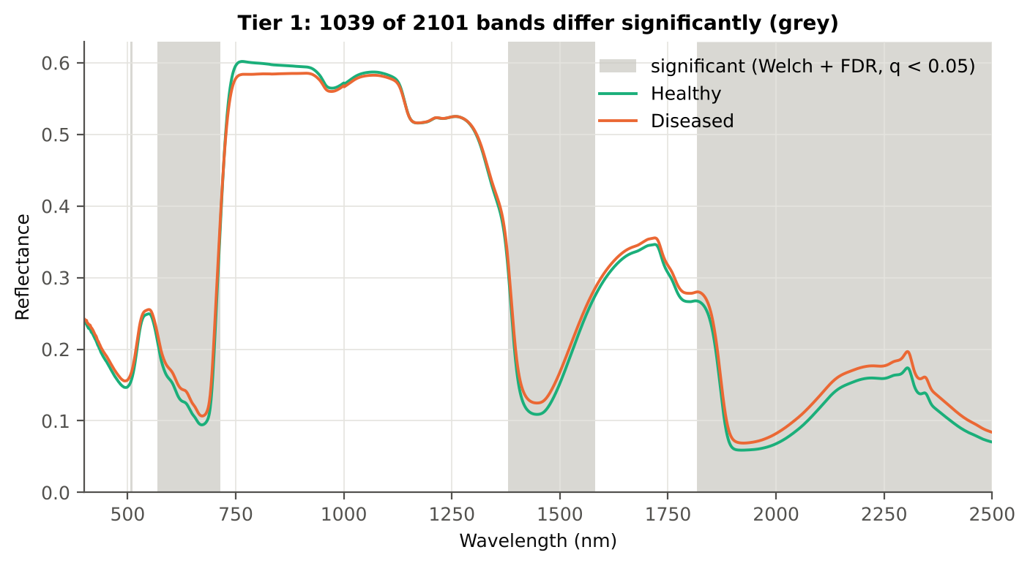
Table 2.5 Tier 1 on 1000 balanced subsets
Balanced-subset check (imbalance) | Value
Balanced random subsets drawn | 1000
Plot-average spectra per subset (healthy + diseased) | 48 + 48
Significant bands per subset — median | 943.50
— minimum | 180
— maximum | 1441
Bands significant in 100 % of subsets | 159
Bands significant in ≥ 95 % of subsets | 515
Bands never significant | 217

Figure 4 (as in Das et al. 2020 Fig. 4). Bands where healthy and diseased plot-average spectra differ (grey)

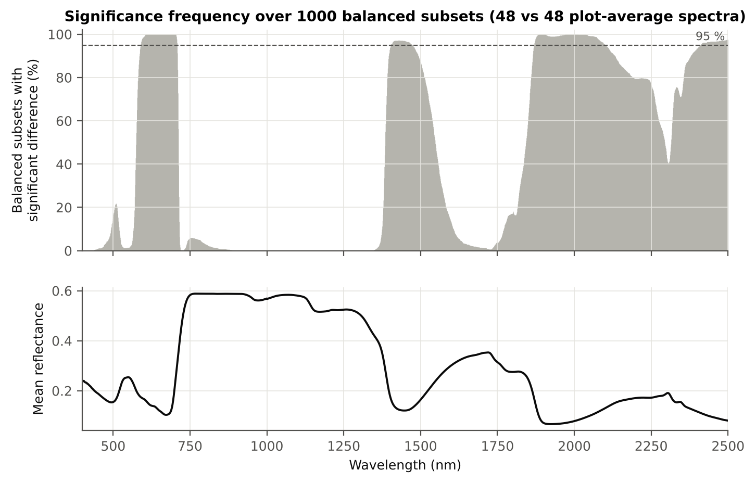

Figure 5 (as in Das et al. 2020 Fig. 5). Significance frequency (balanced subsets) and mean reflectance

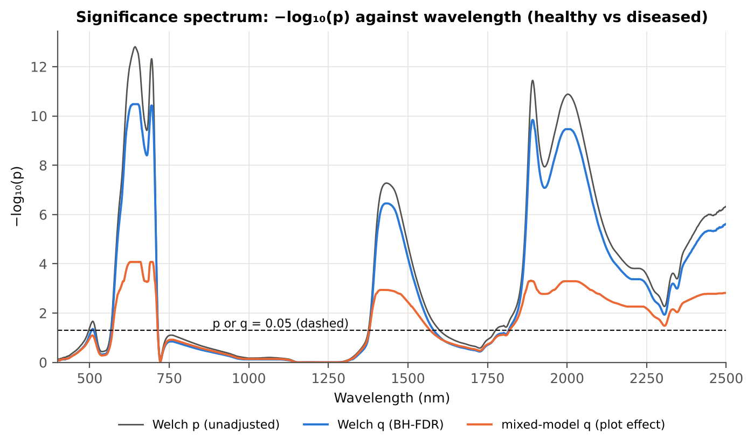

Figure 5b. −log₁₀(p) against wavelength

Native Excel versions of Figures 3–5b: sheet 37_ChartData (charts placed beside the data).
Cross-checks for this step
Step | What was checked | Method | Result | Status
Tier 1 | Mixed model converged for every feature | R nlme::lme (REML) per feature | 2101 of 2101 converged | PASS
Tier 1 | Training sets with < 2 FDR-significant features (nested plot-grouped cross-validation/30 % plot hold-out validation/leave-one-date-out validation on new plots) | fallback: uncorrected p < 0.05, else the 20 smallest p | 0 of 100 training sets | PASS
Tier 1 | Mixed model implementation | R nlme::lme vs Python statsmodels MixedLM (Powell), every 50th band | Spearman ρ of p-values 1.000 (statsmodels uses a Wald z-test, nlme a t-test with 46 df, so nlme p-values are larger) | PASS
Tier 1 | Welch t-statistic | SciPy ttest_ind(equal_var=False) vs vectorised formula | max |Δt| = 1.8e-15 | PASS
Tier 1 | Benjamini–Hochberg q-values | statsmodels multipletests vs own step-up | max |Δq| = 1.1e-16 | PASS
Tier 1 | ANOVA equivalence | one-way ANOVA F (SciPy, every 50th band) vs Student t² | max relative |F − t²| = 8.1e-12 | PASS
Tier 1 | Class imbalance | 1000 balanced subsets (48 vs 48 plot-average spectra) | median 944 significant bands per subset vs 1039 on all plot-average spectra | PASS
Tier 1 | Pseudo-replication | linear mixed model v ~ Disease + (1|plot), REML, R nlme::lme (t-test, 46 df), BH-FDR | 1014 of 2101 bands significant (Welch: 1039); plot ICC median 0.000 | PASS

06_Tier2_CART
Step 3 · Tier 2 — CART band selection with equal priors (rpart)
Das et al. (2020): 'To apply this technique we used the method rpart from package rpart' — the split variables are the selected wavelengths.

Result in brief
Tier 2: CART (rpart, prior 0.5/0.5) selected 9 bands (root 699 nm): 699, 700, 1884, 655, 669, 510, 1384, 1578, 689 nm. The Balanced RF importance peaks (RF-17) were 699, 632, 653, 643, 1887, 614, 2018, 688, 512, 1898, 671, 1992, 602, 2031, 592, 2005, 1928 nm.
Re-selection of each CART band in plot-level bootstraps and in the nested training sets is shown in Table 3.1 and Figure 6b; bands re-selected in < 50 % of the training sets should not be interpreted individually.

What was done
Input: the 1039 FDR-significant bands of Tier 1 (raw reflectance). rpart (R 4.3.3, rpart 4.1.23) with method = 'class', prior = c(0.5, 0.5) (imbalance correction), split = 'gini', minsplit 20, minbucket 7, cp 0.01, no competitor or surrogate splits. The wavelengths used as split variables form the CART band set. The complexity parameter was cross-validated with plot-grouped folds; the 1-SE tree gives a smaller alternative set. Stability: rpart refitted on 200 plot-level bootstrap samples and inside the 50 nested training sets of nested plot-grouped cross-validation (a band counts as re-selected if a band within ± 10 nm is chosen).
Table 3.1 The 9 wavelengths selected by CART
Band (nm) | Region | First used at node | Tree depth | Mean healthy | Mean diseased | Welch t | q (BH) | Bootstrap re-selection (±10 nm) | Nested cross-validation re-selection (±10 nm) | Mixed model significant | Interpretation
510.00 | Green (500–599) | 9 | 3 | 0.1597 | 0.1704 | 2.3358 | 0.0440 | 37.5% | 20.0% | no | green peak: chlorosis / pigment ratio change
655.00 | Red (600–679) | 4 | 2 | 0.1054 | 0.1202 | 7.8491 | 3.756E-11 | 26.0% | 48.0% | yes | chlorophyll-a absorption well
669.00 | Red (600–679) | 6 | 2 | 0.0947 | 0.1073 | 6.9911 | 1.055E-09 | 20.5% | 34.0% | yes | chlorophyll-a absorption well
689.00 | Red edge (680–759) | 78 | 6 | 0.1103 | 0.1269 | 7.4719 | 1.529E-10 | 73.0% | 98.0% | yes | red edge: chlorophyll loss and plot-average spectrum structure
699.00 | Red edge (680–759) | 1 | 0 | 0.1841 | 0.2061 | 7.5492 | 1.135E-10 | 86.0% | 100.0% | yes | red edge: chlorophyll loss and plot-average spectrum structure
700.00 | Red edge (680–759) | 2 | 1 | 0.1954 | 0.2173 | 7.3998 | 2.082E-10 | 86.0% | 100.0% | yes | red edge: chlorophyll loss and plot-average spectrum structure
1384.00 | Water band I (1350–1430) | 19 | 4 | 0.2830 | 0.2953 | 2.8265 | 0.0128 | 18.5% | 18.0% | yes | plot-average spectrum water absorption (≈1400 nm)
1578.00 | SWIR-1 (1431–1799) | 39 | 5 | 0.2706 | 0.2814 | 2.3394 | 0.0440 | 7.0% | 4.0% | no | SWIR-1: water, dry matter
1884.00 | Water band II (1800–1950) | 3 | 1 | 0.0886 | 0.1052 | 7.0090 | 6.585E-10 | 37.5% | 58.0% | yes | plot-average spectrum water absorption (O–H, ≈1940 nm)

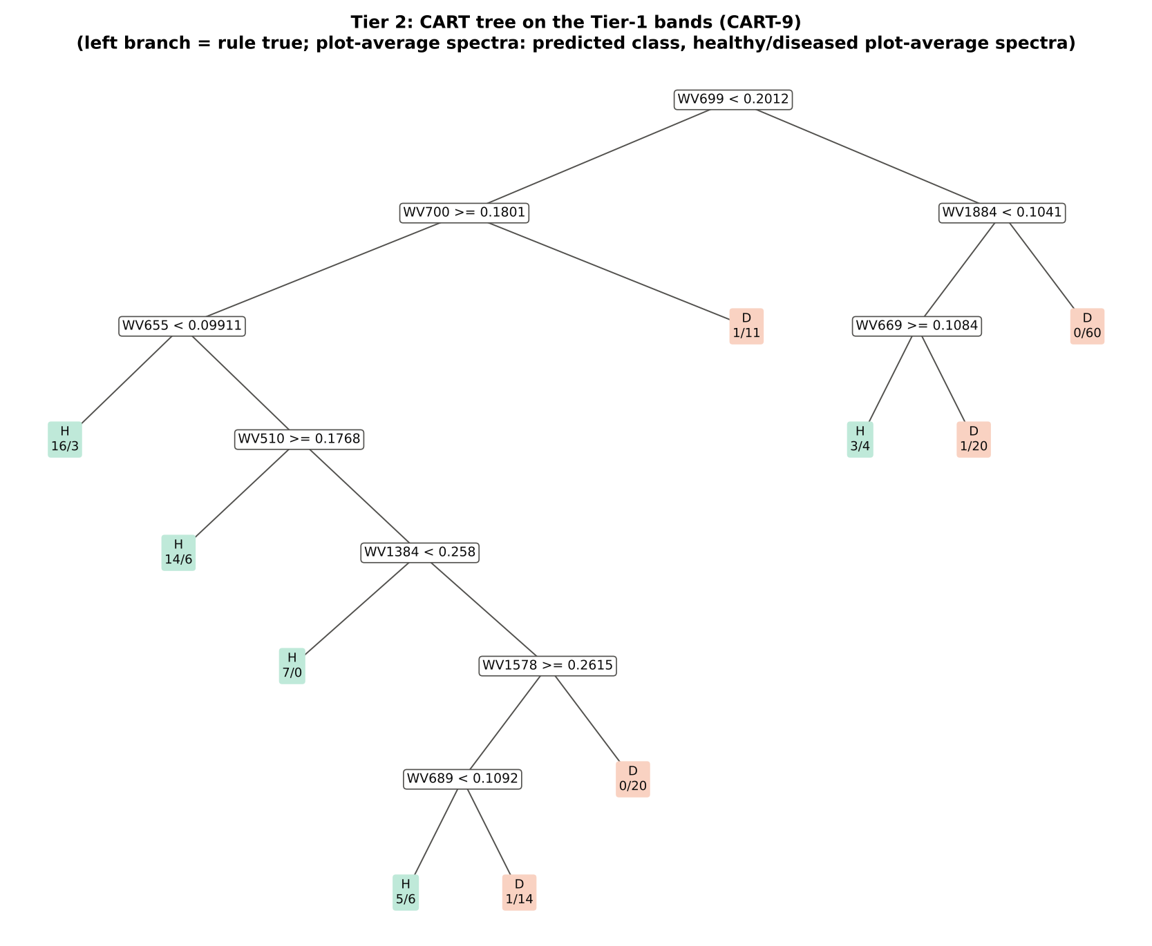
Figure 6 (as in Das et al. 2020 Fig. 6). CART tree

Table 3.2 Tree nodes (rpart frame)
Node | Depth | Split variable | Rule (left branch of the parent) | Plot-average spectra | Healthy | Diseased | Predicted class
1 | 0 | WV699 | root | 192 | 48 | 144 | H
2 | 1 | WV700 | WV699< 0.2012 | 104 | 44 | 60 | H
4 | 2 | WV655 | WV700>=0.1801 | 92 | 43 | 49 | H
8 | 3 | plot-average spectrum | WV655< 0.09911 | 19 | 16 | 3 | H
9 | 3 | WV510 | WV655>=0.09911 | 73 | 27 | 46 | H
18 | 4 | plot-average spectrum | WV510>=0.1768 | 20 | 14 | 6 | H
19 | 4 | WV1384 | WV510< 0.1768 | 53 | 13 | 40 | D
38 | 5 | plot-average spectrum | WV1384< 0.258 | 7 | 7 | 0 | H
39 | 5 | WV1578 | WV1384>=0.258 | 46 | 6 | 40 | D
78 | 6 | WV689 | WV1578>=0.2615 | 26 | 6 | 20 | D
156 | 7 | plot-average spectrum | WV689< 0.1092 | 11 | 5 | 6 | H
157 | 7 | plot-average spectrum | WV689>=0.1092 | 15 | 1 | 14 | D
79 | 6 | plot-average spectrum | WV1578< 0.2615 | 20 | 0 | 20 | D
5 | 2 | plot-average spectrum | WV700< 0.1801 | 12 | 1 | 11 | D
3 | 1 | WV1884 | WV699>=0.2012 | 88 | 4 | 84 | D
6 | 2 | WV669 | WV1884< 0.1041 | 28 | 4 | 24 | D
12 | 3 | plot-average spectrum | WV669>=0.1084 | 7 | 3 | 4 | H
13 | 3 | plot-average spectrum | WV669< 0.1084 | 21 | 1 | 20 | D
7 | 2 | plot-average spectrum | WV1884>=0.1041 | 60 | 0 | 60 | D

Table 3.3 Complexity-parameter table (plot-grouped 10-fold cross-validation)
CP | Number of splits | Relative error | Cross-validated error (plot-grouped) | SE of cross-validation error
0.5000 | 0.0000 | 1.0000 | 1.1667 | 0.0751
0.0556 | 1.0000 | 0.5000 | 0.6319 | 0.0721
0.0509 | 2.0000 | 0.4444 | 0.6667 | 0.0816
0.0313 | 5.0000 | 0.2917 | 0.6042 | 0.0815
0.0174 | 7.0000 | 0.2292 | 0.6667 | 0.0867
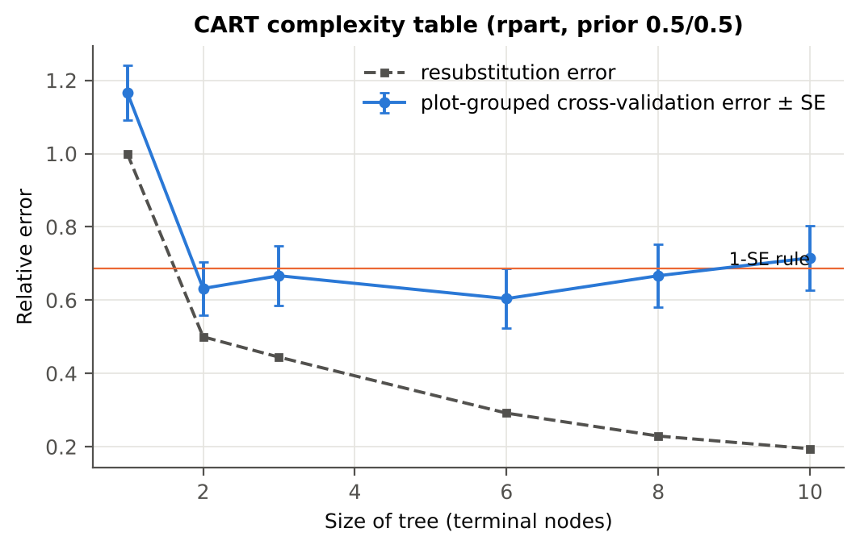
0.0100 | 9.0000 | 0.1944 | 0.7153 | 0.0883

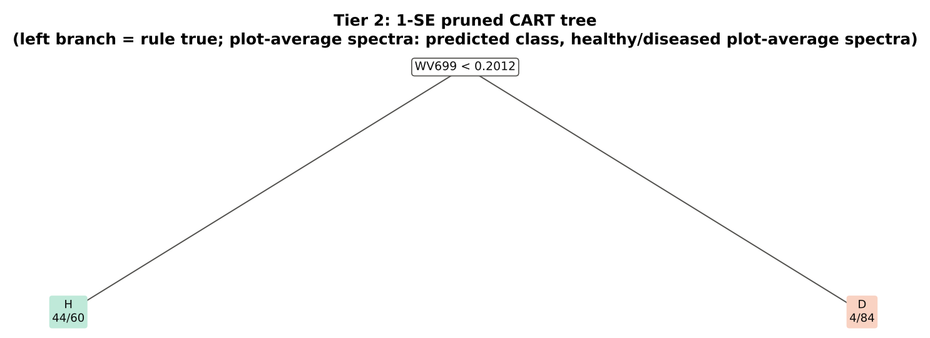
Table 3.4 Selected band sets
Tree | Bands | Wavelengths (nm)
CART-9 | 9 | 699, 700, 1884, 655, 669, 510, 1384, 1578, 689
CART-1 (1-SE) | 1 | 699

Table 3.5 Cross-check of the CART result with scikit-learn
Item | rpart (R) | scikit-learn (balanced class weights) | Agreement
Root split | WV699< 0.2012 | WV699 < 0.20116 | identical variable
Split of the left child | WV700>=0.1801 | WV700 | identical variable
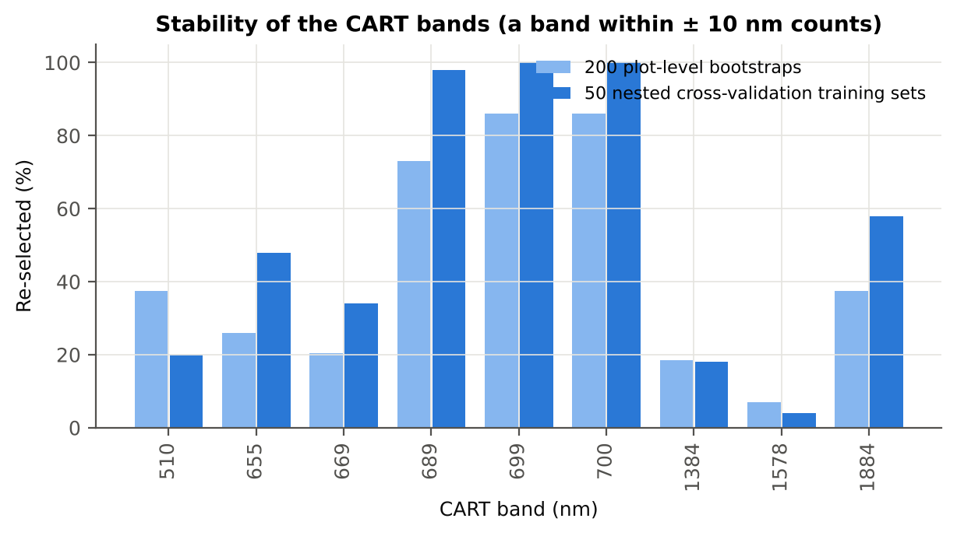
Bands used by the trees | 9 bands (cp = 0.01) | 11 bands (depth ≤ 8) | 7 of 9 rpart bands within ±5 nm

Figure 6b. Re-selection frequency of each CART band

Cross-checks for this step
Step | What was checked | Method | Result | Status
Tier 2 | CART implementation | rpart (R) vs scikit-learn DecisionTreeClassifier | root variable rpart 'WV699< 0.2012' vs sklearn 'WV699 < 0.2012' | PASS
Tier 2 | Stability of the selected bands | 200 plot-level bootstrap trees; 50 nested cross-validation training sets | 699 nm 100 %; 700 nm 100 %; 689 nm 98 % | PASS

07_Tier3_JM
Step 4 · Tier 3 — Jeffries–Matusita (J–M) distance
J–M = 2(1 − e^(−α)) on the 0–2 scale of the thresholds 1.90 / 1.94 used by Das et al.; √J–M (Eq. 1 printed in the paper, 0–√2) is also given.

Result in brief
Tier 3: J–M = 1.52 on the CART bands and 1.96 on the RF bands: only the RF bands reach the 1.90 separability threshold (and the 1.94 threshold of Das et al.).

What was done
α (Bhattacharyya distance) = ⅛ (μH − μD)ᵀ [(ΣH + ΣD)/2]⁻¹ (μH − μD) + ½ ln( |(ΣH + ΣD)/2| / √(|ΣH| |ΣD|) ), computed with class means and covariance matrices of the selected bands (Cholesky factorisation; checked against explicit inverse and determinants). Classes are 'separable' when J–M ≥ 1.90 (Das et al. used ≥ 1.94, 97 % of 2).
Table 1 (as in Das et al. 2020). J–M distance between healthy and diseased plot-average spectra (CART-9 bands)
 | Healthy | Diseased
Healthy | – | –
Diseased | 1.5209 | –

Table 4.1 Healthy vs diseased separability (formulas: J–M, √J–M and the threshold tests)
Band set | Bands | α (Bhattacharyya) | J–M (0–2) (Excel) | √J–M (Excel) | ≥ 1.90 ? (Excel) | ≥ 1.94 ? (Excel)
CART-9 | 9 | 1.4291 | 1.5209 | 1.2333 | not separable | not separable
CART-1 (1-SE) | 1 | 0.2629 | 0.4624 | 0.6800 | not separable | not separable

Table 4.2 J–M and QDA BA as the CART bands are added (order of first use in the tree)
Features used | CART feature added | CART J–M | CART QDA BA
1 | WV699 | 0.4624 | 73.6%
2 | WV700 | 0.4916 | 74.3%
3 | WV1884 | 0.6991 | 72.9%
4 | WV655 | 0.7249 | 71.9%
5 | WV669 | 0.9126 | 74.7%
6 | WV510 | 1.0352 | 76.4%
7 | WV1384 | 1.2390 | 74.3%
8 | WV1578 | 1.3929 | 76.0%
9 | WV689 | 1.5209 | 81.3%
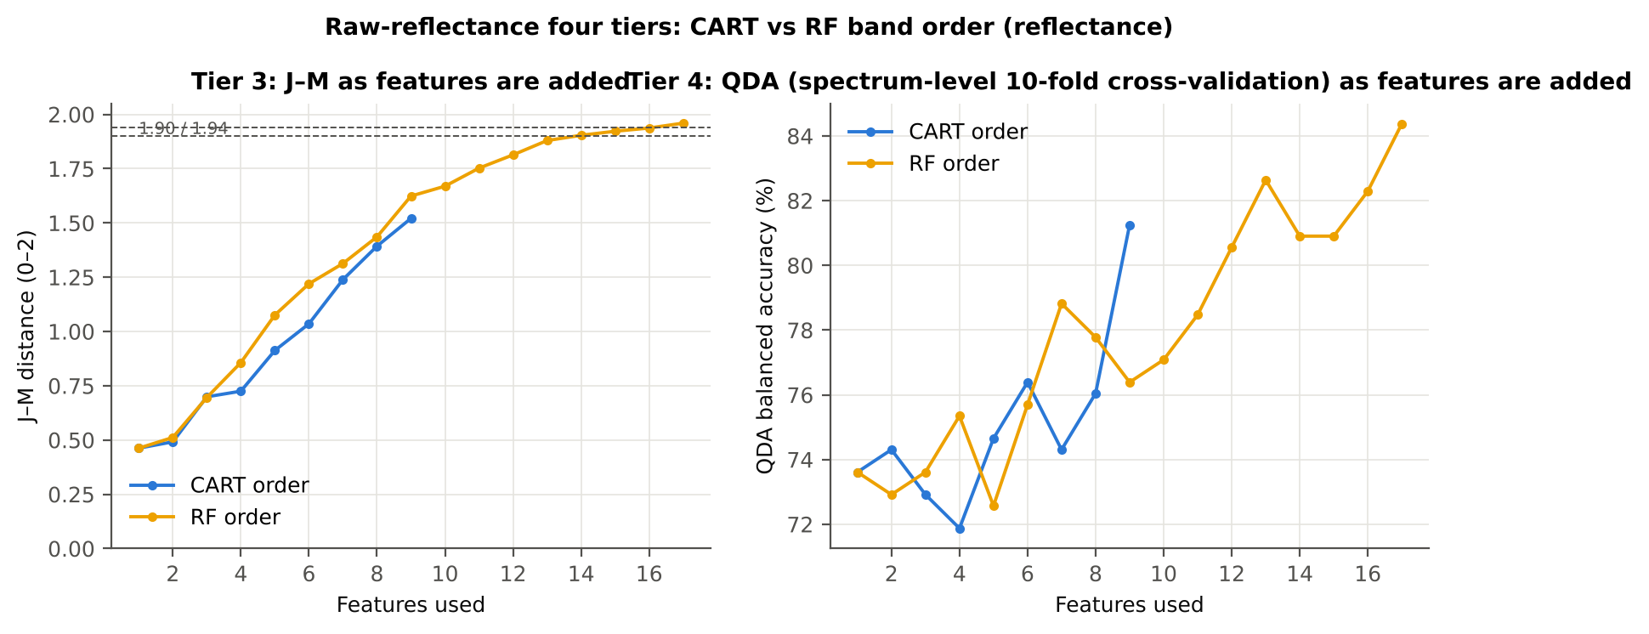

Table 4.3 Numerical diagnostics
Diagnostic | Value
Condition number of healthy covariance | 160733.58
Condition number of diseased covariance | 678008.75
J–M of the healthy class with itself (must be 0) | 0.0000

Cross-checks for this step
Step | What was checked | Method | Result | Status
Tier 3 | J–M implementation (raw reflectance) | Cholesky/log-det vs explicit inverse/determinant | |Δα| = 4.3e-13 | PASS
Tier 3 | Invertibility of the class covariances | condition number of the class correlation matrices of every selected set | max 1.1e+08 (ill-conditioned but below the ~1e12 limit of double precision: J–M and QDA are computable, yet sensitive to small changes in the data) | FLAG
Tier 3 | J–M is scale-invariant | J–M on raw vs standardised features of every selected set | max |ΔJ–M| = 2.5e-11 | PASS
Tier 3 | J–M formula | J–M of the healthy class with itself (must be 0) | 0.0e+00 | PASS

09_Validation
Step 6 · Validation of the complete four-tier pipeline
From the protocol of Das et al. (bands chosen on all plot-average spectra, spectrum-level cross-validation) to honest estimates for new plots and new dates.

Result in brief
QDA on CART bands, equal priors: spectrum-level 10-fold cross-validation 81.2 %, nested plot-grouped cross-validation 77.6 %, 30 % plot hold-out validation 72.0 %, leave-one-date-out validation on new plots 59.5 %. Spectrum-level cross-validation is optimistic here (spectrum-level 10-fold cross-validation − nested plot-grouped cross-validation > 3 points): plot effects and selection bias matter.

What was done
Das et al. selected bands on all data and validated QDA by 10-fold cross-validation on the same data (spectrum-level 10-fold cross-validation). Here the pipeline is also validated with folds grouped by plot (plot-grouped cross-validation), with the whole pipeline nested inside plot-grouped folds (nested plot-grouped cross-validation, 10-fold × 5 = 50 folds), on independent hold-out plots (30 % plot hold-out validation, 10 splits), with random under-sampling instead of equal priors (nested plot-grouped cross-validation with random under-sampling) and on an unseen date in unseen plots (leave-one-date-out validation on new plots, additional). All rows: QDA on CART-selected bands.
Table 6.1 Validation results (mean over repeats; SD over repeats)
Scheme | Priors | repeats | OA | BA | BA_SD | kappa | AUC | PA_H | PA_D | UA_H | UA_D
Spectrum-level 10-fold, bands fixed | equal (corrected) | 1 | 79.2% | 81.3% |  | 0.5294 | 0.8776 | 85.4% | 77.1% | 55.4% | 94.1%
Plot-grouped 10-fold, bands fixed | equal (corrected) | 1 | 79.7% | 82.3% |  | 0.5439 | 0.8791 | 87.5% | 77.1% | 56.0% | 94.9%
Nested plot-grouped 10-fold × 5 = 50 folds | equal (corrected) | 5 | 76.1% | 77.6% | 2.2% | 0.4657 | 0.8547 | 80.4% | 74.7% | 51.7% | 91.9%
30 % plot hold-out × 10 | equal (corrected) | 10 | 69.2% | 72.0% | 8.2% | 0.3637 | 0.8017 | 78.1% | 65.9% | 46.4% | 89.2%
Leave-one-date-out on new plots (40 units) | equal (corrected) | 10 | 64.5% | 59.5% | 7.2% | 0.1704 | 0.6143 | 48.8% | 70.2% | 37.3% | 79.3%
Spectrum-level 10-fold, bands fixed | sample (uncorrected) | 1 | 79.7% | 78.1% |  | 0.5094 | 0.8775 | 75.0% | 81.3% | 57.1% | 90.7%
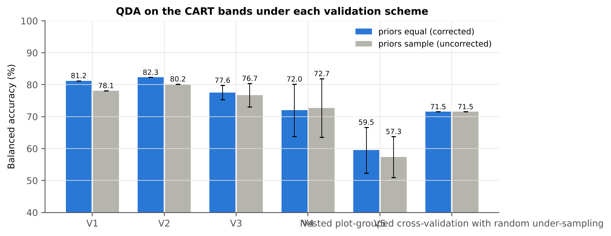
Plot-grouped 10-fold, bands fixed | sample (uncorrected) | 1 | 80.7% | 80.2% |  | 0.5404 | 0.8782 | 79.2% | 81.3% | 58.5% | 92.1%
Nested plot-grouped 10-fold × 5 = 50 folds | sample (uncorrected) | 5 | 79.1% | 76.7% | 3.6% | 0.4909 | 0.8539 | 72.1% | 81.4% | 56.7% | 89.7%
30 % plot hold-out × 10 | sample (uncorrected) | 10 | 74.8% | 72.7% | 9.2% | 0.4223 | 0.8017 | 68.1% | 77.3% | 54.8% | 86.9%
Leave-one-date-out on new plots (40 units) | sample (uncorrected) | 10 | 66.0% | 57.3% | 6.4% | 0.1396 | 0.6149 | 38.8% | 75.9% | 36.8% | 77.6%
Nested plot-grouped cross-validation with random under-sampling | equal (corrected) | 1 | 64.6% | 71.5% |  | 0.3131 | 0.7784 | 85.4% | 57.6% | 40.2% | 92.2%
Nested plot-grouped cross-validation with random under-sampling | sample (uncorrected) | 1 | 64.6% | 71.5% |  | 0.3131 | 0.7784 | 85.4% | 57.6% | 40.2% | 92.2%

Table 6.2 Error matrix, nested plot-grouped cross-validation (5 repeats pooled) — QDA on CART bands, equal priors
Classified \ Reference | Healthy | Diseased | Row total | User's accuracy (%)
Healthy | 193 | 182 | 375 | 51.47
Diseased | 47 | 538 | 585 | 91.97
Column total | 240 | 720 | 960
Producer's accuracy (%) | 80.42 | 74.72
Overall accuracy (%) | 76.15
Balanced accuracy (%) | 77.57
Cohen's κ | 0.464
F1 healthy | 0.628
F1 diseased | 0.825

Table 6.3 Error matrix, 30 % plot hold-out validation (10 splits pooled) — QDA on CART bands, equal priors
Classified \ Reference | Healthy | Diseased | Row total | User's accuracy (%)
Healthy | 125 | 150 | 275 | 45.45
Diseased | 35 | 290 | 325 | 89.23
Column total | 160 | 440 | 600
Producer's accuracy (%) | 78.13 | 65.91
Overall accuracy (%) | 69.17
Balanced accuracy (%) | 72.02
Cohen's κ | 0.358
F1 healthy | 0.575
F1 diseased | 0.758

Table 6.4 Error matrix, leave-one-date-out validation on new plots — QDA on CART bands, equal priors
Classified \ Reference | Healthy | Diseased | Row total | User's accuracy (%)
Healthy | 78 | 131 | 209 | 37.32
Diseased | 82 | 309 | 391 | 79.03
Column total | 160 | 440 | 600
Producer's accuracy (%) | 48.75 | 70.23
Overall accuracy (%) | 64.50
Balanced accuracy (%) | 59.49
Cohen's κ | 0.173
F1 healthy | 0.423
F1 diseased | 0.744

Table 6.5 Sensitivity to the band set (full pipeline repeated)
Band set | CART bands | Balanced accuracy, spectrum-level 10-fold cross-validation | Balanced accuracy, nested plot-grouped cross-validation nested | Balanced accuracy, 30 % plot hold-out validation hold-out | CART bands (nm)
400–2500 nm (main: 350–399 removed) | 9 | 81.3% | 77.6% | 72.0% | 510, 655, 669, 689, 699, 700, 1384, 1578, 1884
350–2500 nm (nothing removed) | 9 | 81.3% | 77.6% | 72.0% | 510, 655, 669, 689, 699, 700, 1384, 1578, 1884
450–2450 nm (both detector edges trimmed) | 9 | 81.3% | 77.6% | 72.5% | 510, 655, 669, 689, 699, 700, 1384, 1578, 1884

10_RF_Band_Importance
Random Forest as the Tier-2 band selector (instead of CART)
Input: the 1039 FDR-significant bands of Tier 1 (same as CART).

What was done
A Balanced Random Forest (1000 trees, √1039 candidate bands per split, each tree grown on a balanced bootstrap of 48 + 48 plot-average spectra) was fitted to all plot-average spectra; band importance = mean decrease in Gini impurity (MDI). Because neighbouring bands are almost identical, bands were picked as importance peaks: local maxima of the importance spectrum, at least 10 nm apart. The 17 highest peaks form the RF band set (the CART set of Das et al. had 17 bands); the 10 highest a smaller set. Checks: a second forest with another seed, R randomForest, permutation importance, and an ordinary class-weighted forest.
Table 10.1 RF band set: the 17 highest importance peaks
Rank | Band (nm) | Importance × 1000 | Region | Mean healthy | Mean diseased | Welch t | q (BH) | Mixed model significant | Nearest CART band | Distance (nm)
1 | 699.00 | 8.3094 | Red edge (680–759) | 0.1841 | 0.2061 | 7.5492 | 1.135E-10 | yes | 699.00 | 0.0000
2 | 632.00 | 5.3466 | Red (600–679) | 0.1259 | 0.1426 | 7.8588 | 3.602E-11 | yes | 655.00 | 23.00
3 | 653.00 | 4.9948 | Red (600–679) | 0.1069 | 0.1218 | 7.9166 | 3.426E-11 | yes | 655.00 | 2.0000
4 | 643.00 | 4.7780 | Red (600–679) | 0.1168 | 0.1327 | 8.0229 | 3.318E-11 | yes | 655.00 | 12.00
5 | 1887.00 | 4.4310 | Water band II (1800–1950) | 0.0798 | 0.0957 | 7.2694 | 2.755E-10 | yes | 1884.00 | 3.0000
6 | 614.00 | 3.2504 | Red (600–679) | 0.1378 | 0.1537 | 7.0884 | 5.850E-10 | yes | 655.00 | 41.00
7 | 2018.00 | 3.1720 | SWIR-2 (1951–2349) | 0.0738 | 0.0891 | 7.1221 | 4.118E-10 | yes | 1884.00 | 134.00
8 | 688.00 | 2.9856 | Red edge (680–759) | 0.1074 | 0.1232 | 7.3436 | 2.694E-10 | yes | 689.00 | 1.0000
9 | 512.00 | 2.6686 | Green (500–599) | 0.1646 | 0.1753 | 2.3066 | 0.0469 | no | 510.00 | 2.0000
10 | 1898.00 | 2.5748 | Water band II (1800–1950) | 0.0631 | 0.0760 | 7.2400 | 3.163E-10 | yes | 1884.00 | 14.00
11 | 671.00 | 2.5681 | Red (600–679) | 0.0944 | 0.1068 | 6.8972 | 1.611E-09 | yes | 669.00 | 2.0000
12 | 1992.00 | 2.4852 | SWIR-2 (1951–2349) | 0.0659 | 0.0796 | 7.1586 | 3.696E-10 | yes | 1884.00 | 108.00
13 | 602.00 | 2.4365 | Red (600–679) | 0.1541 | 0.1689 | 5.9080 | 1.504E-07 | yes | 655.00 | 53.00
14 | 2031.00 | 2.1229 | SWIR-2 (1951–2349) | 0.0789 | 0.0948 | 6.9322 | 9.063E-10 | yes | 1884.00 | 147.00
15 | 592.00 | 2.0853 | Green (500–599) | 0.1617 | 0.1760 | 5.2446 | 2.724E-06 | yes | 655.00 | 63.00
16 | 2005.00 | 2.0711 | SWIR-2 (1951–2349) | 0.0695 | 0.0840 | 7.2062 | 3.440E-10 | yes | 1884.00 | 121.00
17 | 1928.00 | 2.0220 | Water band II (1800–1950) | 0.0592 | 0.0690 | 5.9762 | 8.218E-08 | yes | 1884.00 | 44.00

Table 10.2 The CART bands seen through the RF importance
CART band (nm) | Region | RF importance rank (of 1039) | RF importance × 1000 | Nearest RF-17 band | Distance (nm)
510.00 | Green (500–599) | 85 | 2.2133 | 512.00 | 2.0000
655.00 | Red (600–679) | 69 | 2.5902 | 653.00 | 2.0000
669.00 | Red (600–679) | 273 | 1.0828 | 671.00 | 2.0000
689.00 | Red edge (680–759) | 60 | 2.7600 | 688.00 | 1.0000
699.00 | Red edge (680–759) | 1 | 8.3094 | 699.00 | 0.0000
700.00 | Red edge (680–759) | 3 | 7.9730 | 699.00 | 1.0000
1384.00 | Water band I (1350–1430) | 338 | 0.9159 | 1887.00 | 503.00
1578.00 | SWIR-1 (1431–1799) | 427 | 0.7694 | 1887.00 | 309.00
1884.00 | Water band II (1800–1950) | 513 | 0.6742 | 1887.00 | 3.0000

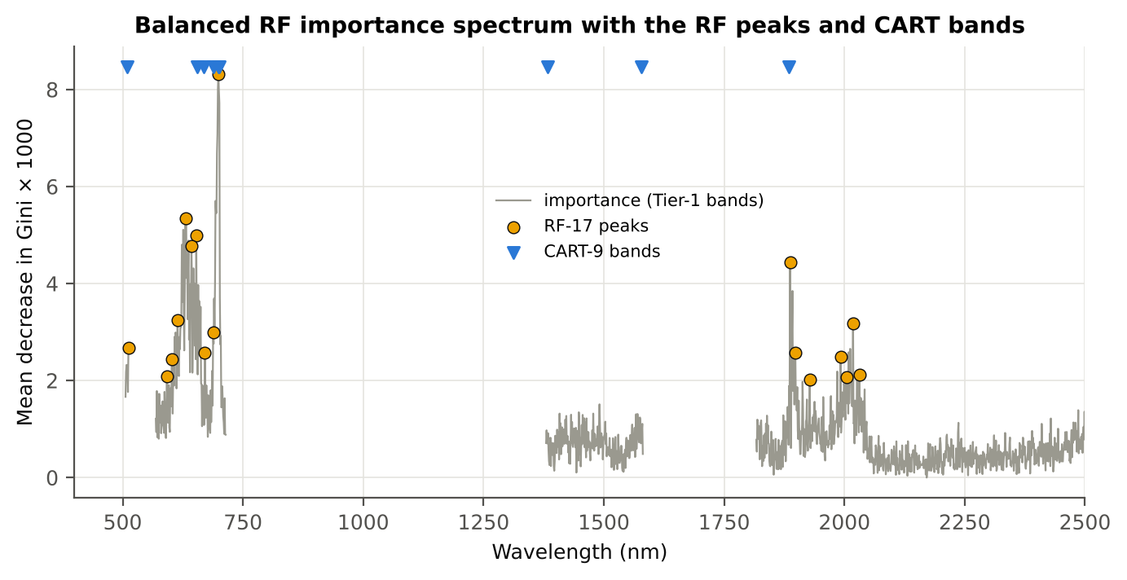
Figure 10. RF importance spectrum with the RF peaks (orange) and the CART bands (blue triangles)

Table 10.3 Checks of the RF importance
Check | Value | Result | Status
Reproducibility: importance of seed 42 vs seed 7 (Spearman ρ) | 0.719 | 16 of 17 peaks within ±10 nm | PASS
R randomForest (stratified sampsize 48 + 48), mean decrease in Gini | ρ = 0.679 | 16 of 17 peaks within ±10 nm; R out-of-bag BA 0.747 | PASS
Permutation importance (drop in AUC, 5 plot-grouped folds) vs Gini, top-50 bands | ρ = 0.02 | shuffling one band hardly changes the forest because its neighbours carry the same information | FLAG
Ordinary RF with class weights only (no balanced bootstrap), out-of-bag | BA 0.747 | healthy recall 0.65 | PASS

12_CART_vs_RF_Validation
CART vs RF as classifiers and as band selectors — honest validation
Same folds everywhere: spectrum-level 10-fold cross-validation (optimistic); nested plot-grouped cross-validation 10-fold × 5 = 50 folds; 30 % plot hold-out validation × 10; leave-one-date-out validation on new plots leave-one-date-out on new plots.

Result in brief
CART vs RF: as classifiers RF beats CART by 11.6 points (nested plot-grouped cross-validation, RF better in 40 of 50 folds, p = 6.9e-07); as band selectors for QDA the RF bands give +9.8 points vs the CART bands (p = 7.5e-06). RF selection is more stable than CART selection (Jaccard ±10 nm 0.67 vs 0.27).

What was done
Four pipelines on identical folds. CART classifier: the rpart tree itself predicts. RF classifier: a Balanced RF (500 trees) on the Tier-1 bands predicts. QDA on CART bands: Tier 4 of the paper. QDA on RF bands: QDA on the 17 RF importance peaks. In nested plot-grouped cross-validation, 30 % plot hold-out validation and leave-one-date-out validation on new plots, Tier 1 and band selection are repeated inside every training set. Paired Wilcoxon signed-rank tests compare pipelines over the 50 nested plot-grouped cross-validation folds and the 10 30 % plot hold-out validation splits.
Table 12.1 Validation results (mean over repeats; SD over repeats)
Pipeline | Scheme | repeats | OA | BA | BA_SD | kappa | AUC | PA_H | PA_D | UA_H | UA_D
CART classifier | spectrum-level 10-fold cross-validation | 1 | 67.7% | 63.9% |  | 0.2439 | 0.6831 | 56.3% | 71.5% | 39.7% | 83.1%
CART classifier | nested plot-grouped cross-validation | 5 | 67.9% | 64.6% | 2.6% | 0.2549 | 0.6878 | 57.9% | 71.3% | 40.3% | 83.6%
CART classifier | 30 % plot hold-out validation | 10 | 67.3% | 64.0% | 6.7% | 0.2494 | 0.6886 | 56.9% | 71.1% | 42.1% | 82.3%
CART classifier | leave-one-date-out validation on new plots | 10 | 55.8% | 53.6% | 5.1% | 0.0606 | 0.5268 | 48.8% | 58.4% | 30.0% | 75.8%
RF classifier | spectrum-level 10-fold cross-validation | 1 | 77.6% | 76.0% |  | 0.4658 | 0.8324 | 72.9% | 79.2% | 53.8% | 89.8%
RF classifier | nested plot-grouped cross-validation | 5 | 76.7% | 75.6% | 2.0% | 0.4515 | 0.8369 | 73.3% | 77.8% | 52.5% | 89.7%
RF classifier | 30 % plot hold-out validation | 10 | 73.5% | 73.0% | 5.0% | 0.4077 | 0.8126 | 71.9% | 74.1% | 50.9% | 87.8%
RF classifier | leave-one-date-out validation on new plots | 10 | 58.3% | 55.5% | 5.8% | 0.0946 | 0.5775 | 49.4% | 61.6% | 32.1% | 76.9%
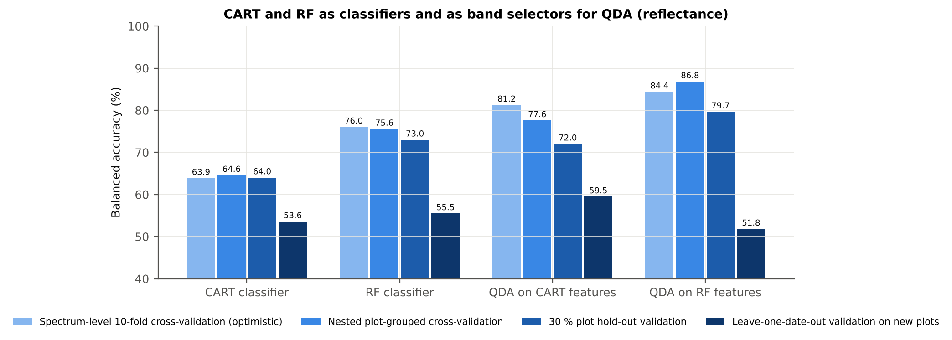
QDA on CART features | spectrum-level 10-fold cross-validation | 1 | 79.2% | 81.3% |  | 0.5294 | 0.8776 | 85.4% | 77.1% | 55.4% | 94.1%
QDA on CART features | nested plot-grouped cross-validation | 5 | 76.1% | 77.6% | 2.2% | 0.4657 | 0.8547 | 80.4% | 74.7% | 51.7% | 91.9%
QDA on CART features | 30 % plot hold-out validation | 10 | 69.2% | 72.0% | 8.2% | 0.3637 | 0.8017 | 78.1% | 65.9% | 46.4% | 89.2%
QDA on CART features | leave-one-date-out validation on new plots | 10 | 64.5% | 59.5% | 7.2% | 0.1704 | 0.6143 | 48.8% | 70.2% | 37.3% | 79.3%
QDA on RF features | spectrum-level 10-fold cross-validation | 1 | 88.0% | 84.4% |  | 0.6828 | 0.9388 | 77.1% | 91.7% | 75.5% | 92.3%
QDA on RF features | nested plot-grouped cross-validation | 5 | 91.0% | 86.8% | 1.2% | 0.7552 | 0.9312 | 78.3% | 95.3% | 84.8% | 93.0%
QDA on RF features | 30 % plot hold-out validation | 10 | 87.7% | 79.7% | 8.1% | 0.6503 | 0.9034 | 62.5% | 96.8% | 88.8% | 87.8%
QDA on RF features | leave-one-date-out validation on new plots | 10 | 72.5% | 51.8% | 3.6% | 0.0478 | 0.5822 | 7.5% | 96.1% | 43.5% | 74.1%

Table 12.2 Paired comparisons (same folds; positive = first pipeline better)
Comparison | Units | n | Mean difference | SD | First better | Second better | Ties | Wilcoxon p
RF classifier − CART classifier | Nested plot-grouped cross-validation (folds) | 50 | 11.6% | 12.5% | 40 | 9 | 1 | 6.903E-07
RF classifier − CART classifier | 30 % plot hold-out validation (splits) | 10 | 9.0% | 7.0% | 9 | 0 | 1 | 0.0039
QDA on RF features − QDA on CART features | Nested plot-grouped cross-validation (folds) | 50 | 9.8% | 12.2% | 42 | 6 | 2 | 7.541E-06
QDA on RF features − QDA on CART features | 30 % plot hold-out validation (splits) | 10 | 7.6% | 13.1% | 6 | 4 | 0 | 0.1855
QDA on CART features − CART classifier | Nested plot-grouped cross-validation (folds) | 50 | 13.7% | 13.3% | 42 | 6 | 2 | 3.477E-07
QDA on CART features − CART classifier | 30 % plot hold-out validation (splits) | 10 | 8.0% | 4.4% | 9 | 1 | 0 | 0.0039
QDA on RF features − RF classifier | Nested plot-grouped cross-validation (folds) | 50 | 11.8% | 11.3% | 43 | 4 | 3 | 1.189E-07
QDA on RF features − RF classifier | 30 % plot hold-out validation (splits) | 10 | 6.7% | 9.9% | 7 | 3 | 0 | 0.0840

Error matrix — CART classifier, 30 % plot hold-out validation (10 splits pooled)
Classified \ Reference | Healthy | Diseased | Row total | User's accuracy (%)
Healthy | 91 | 127 | 218 | 41.74
Diseased | 69 | 313 | 382 | 81.94
Column total | 160 | 440 | 600
Producer's accuracy (%) | 56.88 | 71.14
Overall accuracy (%) | 67.33
Balanced accuracy (%) | 64.01
Cohen's κ | 0.251
F1 healthy | 0.481
F1 diseased | 0.762

Error matrix — RF classifier, 30 % plot hold-out validation (10 splits pooled)
Classified \ Reference | Healthy | Diseased | Row total | User's accuracy (%)
Healthy | 115 | 114 | 229 | 50.22
Diseased | 45 | 326 | 371 | 87.87
Column total | 160 | 440 | 600
Producer's accuracy (%) | 71.88 | 74.09
Overall accuracy (%) | 73.50
Balanced accuracy (%) | 72.98
Cohen's κ | 0.404
F1 healthy | 0.591
F1 diseased | 0.804

Error matrix — QDA on CART features, 30 % plot hold-out validation (10 splits pooled)
Classified \ Reference | Healthy | Diseased | Row total | User's accuracy (%)
Healthy | 125 | 150 | 275 | 45.45
Diseased | 35 | 290 | 325 | 89.23
Column total | 160 | 440 | 600
Producer's accuracy (%) | 78.13 | 65.91
Overall accuracy (%) | 69.17
Balanced accuracy (%) | 72.02
Cohen's κ | 0.358
F1 healthy | 0.575
F1 diseased | 0.758

Error matrix — QDA on RF features, 30 % plot hold-out validation (10 splits pooled)
Classified \ Reference | Healthy | Diseased | Row total | User's accuracy (%)
Healthy | 100 | 14 | 114 | 87.72
Diseased | 60 | 426 | 486 | 87.65
Column total | 160 | 440 | 600
Producer's accuracy (%) | 62.50 | 96.82
Overall accuracy (%) | 87.67
Balanced accuracy (%) | 79.66
Cohen's κ | 0.653
F1 healthy | 0.730
F1 diseased | 0.920

13_Band_Stability
Stability of the CART and RF band sets
Re-selection in the 50 nested training sets of nested plot-grouped cross-validation (a band counts if a band within ± 10 nm is selected).

Result in brief
Mean pairwise Jaccard (±10 nm): RF 0.67, CART 0.27 over 50 nested training sets.
Table 13.1 The CART-9 bands
Feature | Type | Re-selected by CART (±10 nm) | Re-selected by RF (±10 nm)
WV699 | Raw reflectance | 100.0% | 100.0%
WV700 | Raw reflectance | 100.0% | 100.0%
WV1884 | Raw reflectance | 58.0% | 94.0%
WV655 | Raw reflectance | 48.0% | 100.0%
WV669 | Raw reflectance | 34.0% | 96.0%
WV510 | Raw reflectance | 20.0% | 26.0%
WV1384 | Raw reflectance | 18.0% | 0.0%
WV1578 | Raw reflectance | 4.0% | 10.0%
WV689 | Raw reflectance | 98.0% | 100.0%

Table 13.2 The RF-17 bands
Feature | Type | Re-selected by CART (±10 nm) | Re-selected by RF (±10 nm)
WV699 | Raw reflectance | 100.0% | 100.0%
WV632 | Raw reflectance | 12.0% | 100.0%
WV653 | Raw reflectance | 48.0% | 100.0%
WV643 | Raw reflectance | 32.0% | 100.0%
WV1887 | Raw reflectance | 64.0% | 98.0%
WV614 | Raw reflectance | 18.0% | 100.0%
WV2018 | Raw reflectance | 4.0% | 94.0%
WV688 | Raw reflectance | 46.0% | 98.0%
WV512 | Raw reflectance | 20.0% | 26.0%
WV1898 | Raw reflectance | 26.0% | 94.0%
WV671 | Raw reflectance | 28.0% | 84.0%
WV1992 | Raw reflectance | 4.0% | 72.0%
WV602 | Raw reflectance | 22.0% | 92.0%
WV2031 | Raw reflectance | 4.0% | 90.0%
WV592 | Raw reflectance | 18.0% | 82.0%
WV2005 | Raw reflectance | 8.0% | 96.0%
WV1928 | Raw reflectance | 28.0% | 40.0%

Table 13.3 Stability index
Method | Training sets | Mean features | Range | Unique features (union) | Selected in all sets (exact) | Stability index (exact) = all / union | Selected in all sets (±10 nm) | Stability index (±10 nm) | Mean pairwise Jaccard (±10 nm) | SD Jaccard
CART | 50 | 7.3000 | 5–11 | 145 | 0 | 0.0000 | 7 | 0.0483 | 0.2683 | 0.1357
RF | 50 | 17.00 | 17–17 | 327 | 0 | 0.0000 | 63 | 0.1927 | 0.6705 | 0.0915
Stability index (exact) = bands selected in all 50 training sets ÷ all bands ever selected; the ±10 nm version counts a band as re-selected when a band within 10 nm is chosen; the mean pairwise Jaccard index (±10 nm) compares every pair of training sets.
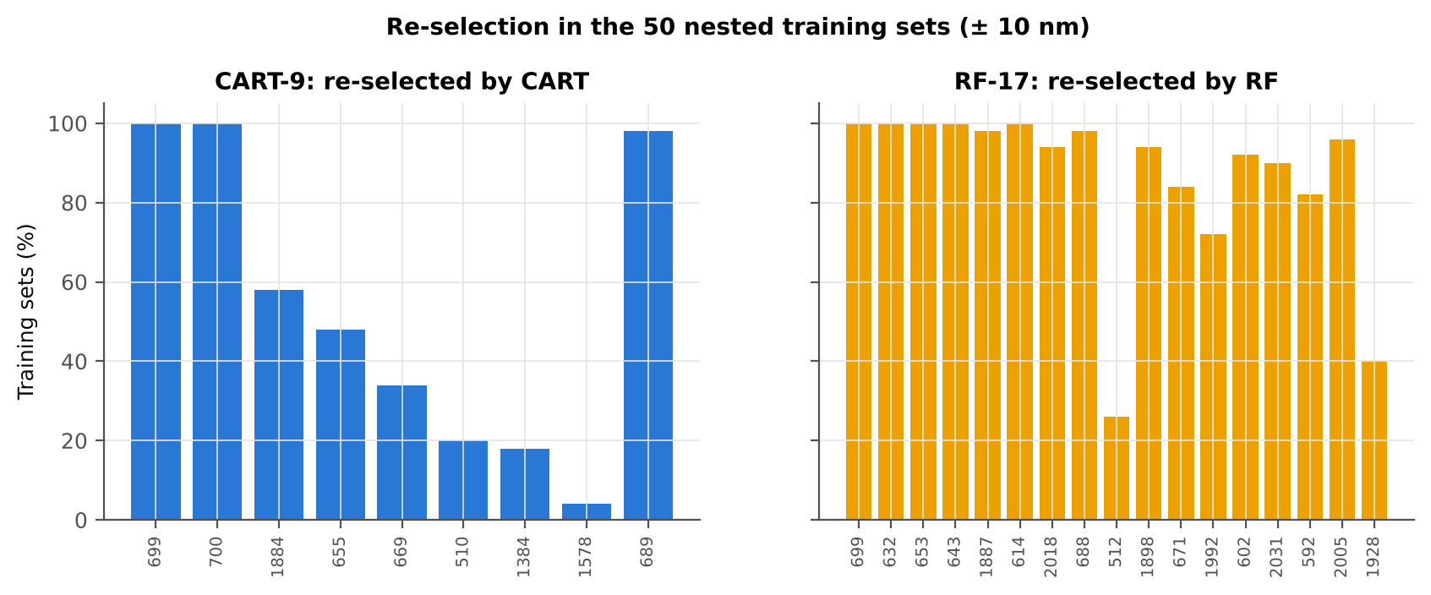

Table 13.4 Bands most often selected by CART (exact band)
Feature | Type | Times selected (exact) | Share of training sets
WV699 | Raw reflectance | 32 | 64.0%
WV1884 | Raw reflectance | 20 | 40.0%
WV700 | Raw reflectance | 15 | 30.0%
WV695 | Raw reflectance | 13 | 26.0%
WV1482 | Raw reflectance | 13 | 26.0%
WV655 | Raw reflectance | 9 | 18.0%
WV2496 | Raw reflectance | 9 | 18.0%
WV663 | Raw reflectance | 7 | 14.0%
WV1887 | Raw reflectance | 6 | 12.0%
WV1927 | Raw reflectance | 6 | 12.0%
WV1871 | Raw reflectance | 6 | 12.0%
WV671 | Raw reflectance | 6 | 12.0%
WV1458 | Raw reflectance | 5 | 10.0%
WV1915 | Raw reflectance | 5 | 10.0%
WV1921 | Raw reflectance | 5 | 10.0%
WV593 | Raw reflectance | 4 | 8.0%
WV1900 | Raw reflectance | 4 | 8.0%
WV676 | Raw reflectance | 4 | 8.0%
WV645 | Raw reflectance | 4 | 8.0%
WV1956 | Raw reflectance | 4 | 8.0%
WV693 | Raw reflectance | 4 | 8.0%
WV1381 | Raw reflectance | 4 | 8.0%
WV509 | Raw reflectance | 4 | 8.0%
WV1896 | Raw reflectance | 3 | 6.0%
WV667 | Raw reflectance | 3 | 6.0%
WV2275 | Raw reflectance | 3 | 6.0%
WV1518 | Raw reflectance | 3 | 6.0%
WV1853 | Raw reflectance | 3 | 6.0%
WV606 | Raw reflectance | 3 | 6.0%
WV669 | Raw reflectance | 3 | 6.0%

Table 13.5 Bands most often selected by RF (exact band)
Feature | Type | Times selected (exact) | Share of training sets
WV699 | Raw reflectance | 14 | 28.0%
WV661 | Raw reflectance | 11 | 22.0%
WV614 | Raw reflectance | 10 | 20.0%
WV2035 | Raw reflectance | 9 | 18.0%
WV2012 | Raw reflectance | 8 | 16.0%
WV607 | Raw reflectance | 8 | 16.0%
WV698 | Raw reflectance | 8 | 16.0%
WV660 | Raw reflectance | 7 | 14.0%
WV1904 | Raw reflectance | 7 | 14.0%
WV2025 | Raw reflectance | 7 | 14.0%
WV621 | Raw reflectance | 7 | 14.0%
WV1894 | Raw reflectance | 7 | 14.0%
WV695 | Raw reflectance | 7 | 14.0%
WV659 | Raw reflectance | 7 | 14.0%
WV616 | Raw reflectance | 7 | 14.0%
WV1884 | Raw reflectance | 7 | 14.0%
WV634 | Raw reflectance | 6 | 12.0%
WV688 | Raw reflectance | 6 | 12.0%
WV1885 | Raw reflectance | 6 | 12.0%
WV2002 | Raw reflectance | 6 | 12.0%
WV618 | Raw reflectance | 6 | 12.0%
WV648 | Raw reflectance | 6 | 12.0%
WV1891 | Raw reflectance | 6 | 12.0%
WV628 | Raw reflectance | 6 | 12.0%
WV611 | Raw reflectance | 6 | 12.0%
WV689 | Raw reflectance | 6 | 12.0%
WV602 | Raw reflectance | 6 | 12.0%
WV1895 | Raw reflectance | 6 | 12.0%
WV626 | Raw reflectance | 5 | 10.0%
WV2024 | Raw reflectance | 5 | 10.0%

14_Smoothing_Detector_Joins
Spectral smoothing / denoising and detector joins (information only)
Noise level and detector joins of the raw spectra; the features of this workbook are derived from RAW reflectance, so no smoothing or splice correction is applied to them — only the guard zones are used.

As requested, every disease-sensitive feature (band reflectance, continuum removal, vegetation indices, first-, second- and third-derivative bands, red-edge parameters) is computed from the raw plot-average reflectance. Derivatives are central finite differences on the 1-nm grid: D1 = [R(λ+1) − R(λ−1)]/2, D2 = R(λ+1) − 2R(λ) + R(λ−1), D3 = [R(λ+2) − 2R(λ+1) + 2R(λ−1) − R(λ−2)]/2. This sheet shows what a splice correction and Savitzky–Golay smoothing WOULD change (for information), the detector-join artefact, and the guard zones that are excluded from the reflectance and derivative feature sets because of it.

What was done
1. Splice correction: the ASD records 350–1000 nm (VNIR), 1001–1800 nm (SWIR-1) and 1801–2500 nm (SWIR-2) with three detectors. For each join a straight line was fitted to the 10 nm before the join and the next detector was shifted so that it continues this line at join + 1 nm. 2. Smoothing: Savitzky–Golay filter (window 11, order 2); first derivative SG(15, 2), second derivative SG(21, 2). 3. Guard zones: bands next to the joins are excluded from feature ranking (reflectance 990–1010 and 1795–1835 nm; first derivative 988–1012 and 1793–1837 nm; second derivative 985–1015 and 1790–1840 nm) because the filter windows straddle the join and a date-dependent start-up bump follows 1801 nm.
Table 14.1 Splice offsets added to the following detector (reflectance)
Join | Offset Healthy (mean) | SD (neg) | Offset Diseased (mean) | SD (pos)
1000/1001 nm | 0.0020 | 4.762E-04 | 0.0021 | 4.875E-04
1800/1801 nm | -4.099E-06 | 2.092E-04 | -9.888E-05 | 2.264E-04

Table 14.2 Spectral slope just before and just after the 1800/1801 nm join (reflectance × 10⁵ per nm)
Date | Slope 1786-1800 Healthy | Slope 1786-1800 Diseased | Slope 1801-1815 Healthy | Slope 1801-1815 Diseased
11-02-2026 | -9.2216 | -8.2550 | 14.03 | 18.86
24-02-2026 | -12.04 | -8.1743 | 22.95 | 19.86
03-03-2026 | -12.50 | -13.58 | 5.6895 | 10.78
13-03-2026 | -9.4487 | -9.3417 | -0.7953 | 3.4406
A healthy spectrum falls smoothly across the join; a slope that turns upward right after the join, or a class difference that changes with the date, marks the start-up artefact.

Table 14.3 Noise removed by the Savitzky–Golay filter
Range (nm) | Noise (SD raw - smoothed)
350-399 | 0.0032
400-499 | 3.772E-04
500-599 | 3.657E-05
600-679 | 2.045E-05
680-759 | 3.296E-05
760-1349 | 1.946E-05
1350-1430 | 1.632E-05
1431-1799 | 8.060E-06
1800-1950 | 1.292E-05
1951-2349 | 1.225E-05
2350-2500 | 2.694E-05

Table 14.4 Smoothing preserves the signal
Check of the smoothing | Value
Correlation of class-mean spectra, raw vs smoothed — healthy | 0.999990
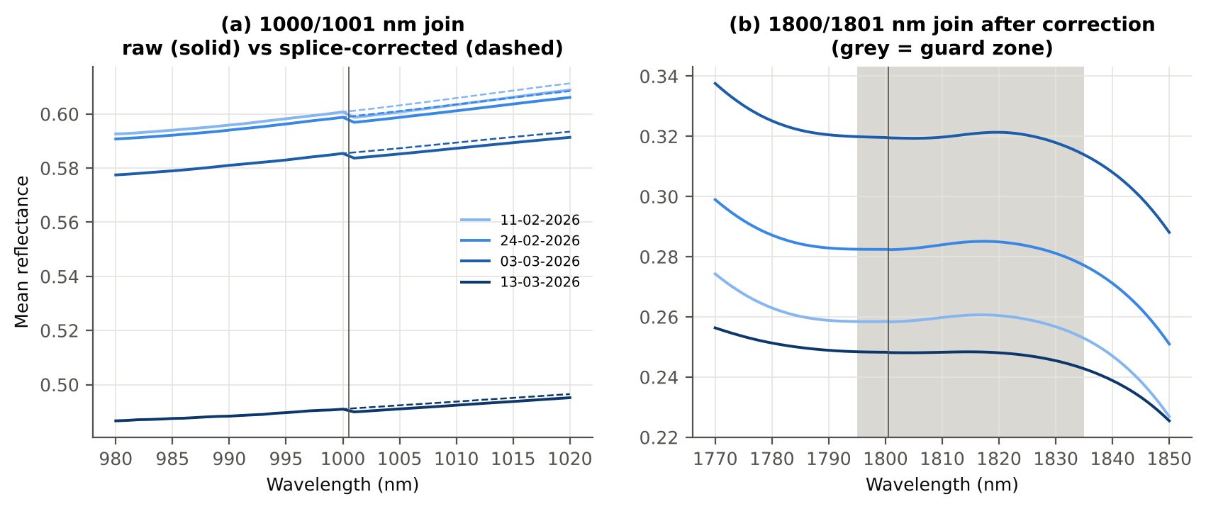
Correlation of class-mean spectra, raw vs smoothed — diseased | 0.999988
Largest change of the all-plot-average spectrum mean spectrum (reflectance) | 0.002103
Tier-1 significant bands: raw vs smoothed | 1039 vs 1039

Cross-checks for this step
Step | What was checked | Method | Result | Status
Smoothing and detector-join correction | Smoothing preserves the signal | class-mean spectra raw vs smoothed; Tier-1 counts | r ≥ 0.999988; 1039 (raw) vs 1039 (smoothed) significant bands | PASS
Smoothing and detector-join correction | Detector artefact at the 1800/1801 nm join | slope just before vs just after the join, by date and class | start-up bump detected → guard zones applied | FLAG

15_Band_Reflectance
Band reflectance — which single bands are disease-sensitive
Raw plot-average reflectance at every band 400–2500 nm (guard zones excluded from the ranking).

Result in brief
1039 of 2101 raw bands significant; 286 bands with AUC ≥ 0.70; best band 650 nm (AUC 0.79).

What was done
For every band: Welch's t-test with BH-FDR, Hedges' g (standardised mean difference, bias-corrected), the area under the ROC curve (AUC, direction-free: 0.5 = no separation, 1 = perfect) and a threshold classifier (Youden's J; the threshold and its direction are chosen on training plots and applied to test plots: plot-grouped cross-validation (nested plot-grouped cross-validation) and hold-out (30 % plot hold-out validation)).
Table 15.1 Band-reflectance sensitivity
Summary | Value
Bands tested | 2101
Significant (Welch + FDR), feature spectra (raw) | 1039
Significant, raw spectra (Tier 1) | 1039
Bands with AUC ≥ 0.70 (outside guard zones) | 286
Highest AUC (outside guard zones) | 0.785 at 650 nm

Table 15.2 Most sensitive band in each spectral region (band reflectance features)
Wavelength (nm) | Region | AUC | Direction | Hedges g | Welch t | q (BH) | Mean healthy | Mean diseased | BA plot-grouped cross-validation | BA hold-out
494.00 | 400–499 | 0.6107 | D > H | 0.2939 | 1.8642 | 0.1207 | 0.1466 | 0.1557 | 56.4% | 54.6%
599.00 | 500–599 | 0.6927 | D > H | 0.7143 | 5.6914 | 3.979E-07 | 0.1566 | 0.1712 | 63.6% | 63.6%
650.00 | 600–679 | 0.7852 | D > H | 0.9532 | 7.9637 | 3.318E-11 | 0.1092 | 0.1243 | 71.2% | 69.2%
693.00 | 680–759 | 0.7731 | D > H | 0.9255 | 7.8057 | 3.873E-11 | 0.1296 | 0.1494 | 68.5% | 70.0%
761.00 | 760–1349 | 0.6285 | D < H | -0.3138 | -1.7796 | 0.1425 | 0.6015 | 0.5832 | 60.2% | 61.1%
1415.00 | 1350–1430 | 0.6988 | D > H | 0.6852 | 5.5546 | 6.694E-07 | 0.1254 | 0.1415 | 67.2% | 64.8%
1431.00 | 1431–1799 | 0.6931 | D > H | 0.6844 | 5.7003 | 3.549E-07 | 0.1118 | 0.1277 | 65.6% | 64.7%
1892.00 | 1800–1950 | 0.7568 | D > H | 0.7992 | 7.4296 | 1.456E-10 | 0.0696 | 0.0840 | 69.0% | 69.3%
1998.00 | 1951–2349 | 0.7432 | D > H | 0.7702 | 7.1983 | 3.440E-10 | 0.0675 | 0.0815 | 66.5% | 67.3%
2498.00 | 2350–2500 | 0.6619 | D > H | 0.6547 | 5.2619 | 2.439E-06 | 0.0707 | 0.0844 | 64.1% | 63.6%

Table 15.3 Fifteen most sensitive bands overall
Wavelength (nm) | Mean healthy | Mean diseased | Welch t | q (BH) | Hedges g | AUC | Direction
650.00 | 0.1092 | 0.1243 | 7.9637 | 3.318E-11 | 0.9532 | 0.7852 | D > H
649.00 | 0.1101 | 0.1253 | 7.9777 | 3.318E-11 | 0.9538 | 0.7844 | D > H
648.00 | 0.1111 | 0.1263 | 7.9894 | 3.318E-11 | 0.9540 | 0.7843 | D > H
651.00 | 0.1084 | 0.1234 | 7.9524 | 3.318E-11 | 0.9527 | 0.7843 | D > H
647.00 | 0.1122 | 0.1275 | 7.9940 | 3.318E-11 | 0.9532 | 0.7836 | D > H
642.00 | 0.1180 | 0.1340 | 8.0193 | 3.318E-11 | 0.9479 | 0.7834 | D > H
646.00 | 0.1133 | 0.1287 | 8.0053 | 3.318E-11 | 0.9528 | 0.7833 | D > H
652.00 | 0.1076 | 0.1226 | 7.9389 | 3.318E-11 | 0.9518 | 0.7833 | D > H
643.00 | 0.1168 | 0.1327 | 8.0229 | 3.318E-11 | 0.9498 | 0.7831 | D > H
645.00 | 0.1145 | 0.1301 | 8.0151 | 3.318E-11 | 0.9523 | 0.7830 | D > H
644.00 | 0.1157 | 0.1314 | 8.0204 | 3.318E-11 | 0.9513 | 0.7828 | D > H
641.00 | 0.1191 | 0.1353 | 8.0116 | 3.318E-11 | 0.9456 | 0.7821 | D > H
653.00 | 0.1069 | 0.1218 | 7.9166 | 3.426E-11 | 0.9498 | 0.7818 | D > H
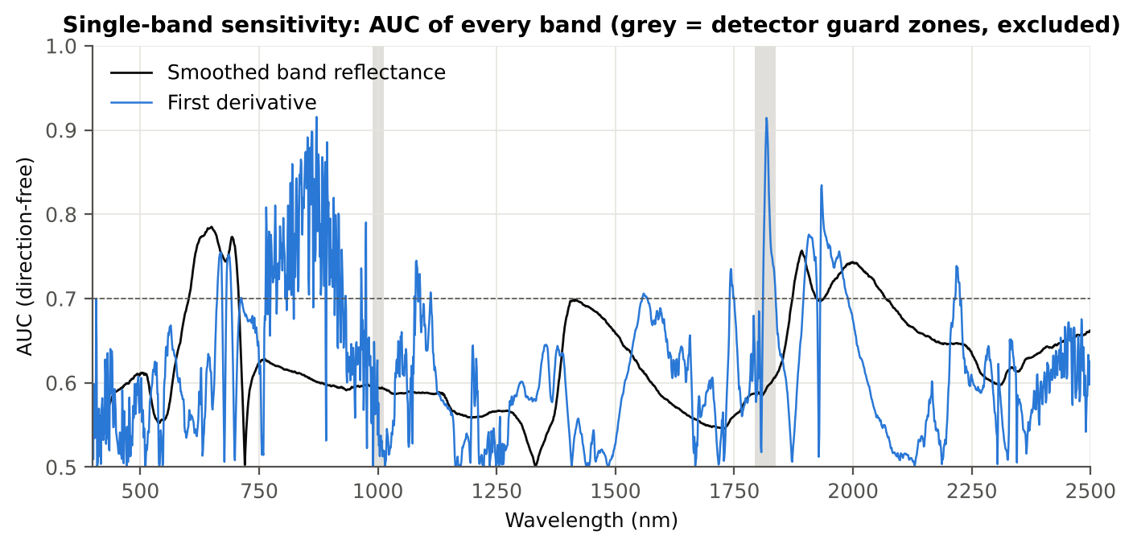
654.00 | 0.1061 | 0.1210 | 7.8853 | 3.602E-11 | 0.9469 | 0.7811 | D > H
640.00 | 0.1202 | 0.1365 | 8.0023 | 3.318E-11 | 0.9433 | 0.7805 | D > H

Figure 15. AUC of every band: reflectance (band reflectance, black) and first derivative (derivative and edge features, blue)

16_Continuum_Removal
Continuum-removed absorption parameters
Six absorption features; continuum = upper convex hull of each window (Clark & Roush 1984; Kokaly & Clark 1999).

Result in brief
Most sensitive continuum-removed parameter: CR3 water 970 depth/area (AUC 0.79, BA plot-grouped cross-validation 78.1 %).

What was done
Within each window the reflectance was divided by its upper convex hull (continuum). From the continuum-removed curve: depth (1 − minimum), position (wavelength of the minimum), area (sum of 1 − CR, nm), width (full width at half depth, nm) and symmetry (share of the area left of the position). Statistics as in band reflectance, plus a linear mixed model (q) and the plot intraclass correlation (ICC).
Table 16.1 Absorption windows
Feature | From (nm) | To (nm) | Absorber
CR1 blue | 400 | 548 | chlorophyll / carotenoid (≈ 495 nm)
CR2 red | 548 | 765 | chlorophyll a/b, red well (≈ 675 nm)
CR3 water 970 | 914 | 1069 | plot-average spectrum water (≈ 970 nm)
CR4 water 1200 | 1069 | 1258 | plot-average spectrum water (≈ 1160–1200 nm)
CR5 water 1450 | 1258 | 1721 | plot-average spectrum water (≈ 1450 nm)
CR6 water 1940 | 1721 | 2304 | plot-average spectrum water (≈ 1940 nm)

Table 16.2 All 30 continuum-removed parameters, ranked by AUC
Feature | Mean healthy | Mean diseased | Welch t | q (BH) | Hedges g | AUC | Direction | Threshold | Rule | BA all plot-average spectra | BA plot-grouped cross-validation | BA hold-out | Mixed-model q | ICC plot
CR3 water 970 depth/area | 0.0146 | 0.0153 | 7.9640 | 7.630E-12 | 0.8356 | 0.7924 | D > H | 0.0147 | diseased if > thr | 78.1% | 78.1% | 78.6% | 1.888E-04 | 4.692E-05
CR3 water 970 width | 66.31 | 63.37 | -6.7719 | 4.044E-09 | -0.6997 | 0.7570 | D < H | 65.50 | diseased if < thr | 74.0% | 74.0% | 75.0% | 6.938E-04 | 5.412E-05
CR6 water 1940 position | 1912.00 | 1917.05 | 5.4108 | 9.094E-06 | 1.0332 | 0.7431 | D > H | 1909.50 | diseased if > thr | 71.2% | 70.4% | 71.1% | 6.420E-06 | 3.277E-05
CR2 red right area | 26.55 | 24.36 | -5.1409 | 1.284E-05 | -0.8077 | 0.7361 | D < H | 26.87 | diseased if < thr | 71.2% | 70.0% | 65.6% | 2.208E-04 | 2.539E-05
CR6 water 1940 symmetry | 0.2368 | 0.2513 | 3.8468 | 8.500E-04 | 0.7124 | 0.7185 | D > H | 0.2290 | diseased if > thr | 72.9% | 71.9% | 71.7% | 6.873E-04 | 2.146E-05
CR2 red area | 95.85 | 89.21 | -5.2096 | 9.094E-06 | -0.7389 | 0.7160 | D < H | 96.76 | diseased if < thr | 69.8% | 69.0% | 66.6% | 5.185E-04 | 3.054E-05
CR2 red depth/area | 0.0083 | 0.0086 | 5.2816 | 9.094E-06 | 0.7489 | 0.7098 | D > H | 0.0083 | diseased if > thr | 70.5% | 68.7% | 66.7% | 5.185E-04 | 2.637E-05
CR2 red width | 130.44 | 126.42 | -4.9470 | 1.669E-05 | -0.7071 | 0.6963 | D < H | 129.50 | diseased if < thr | 69.8% | 69.8% | 64.9% | 6.873E-04 | 2.734E-05
CR2 red depth | 0.7948 | 0.7634 | -4.7947 | 2.505E-05 | -0.6563 | 0.6947 | D < H | 0.8071 | diseased if < thr | 64.9% | 60.8% | 59.8% | 0.0012 | 5.603E-05
CR2 red left area | 69.30 | 64.86 | -4.9257 | 1.669E-05 | -0.6822 | 0.6923 | D < H | 69.59 | diseased if < thr | 66.7% | 61.3% | 62.7% | 8.629E-04 | 4.014E-05
CR3 water 970 right area | 1.9916 | 1.7259 | -4.6143 | 5.249E-05 | -0.6626 | 0.6887 | D < H | 1.6433 | diseased if < thr | 69.8% | 68.1% | 68.8% | 0.0011 | 5.987E-05
CR6 water 1940 right area | 178.42 | 168.18 | -2.1012 | 0.0594 | -0.3354 | 0.6872 | D < H | 192.93 | diseased if < thr | 67.7% | 62.6% | 63.6% | 0.0787 | 1.960E-05
CR3 water 970 symmetry | 0.3592 | 0.3705 | 3.7966 | 8.562E-04 | 0.6359 | 0.6800 | D > H | 0.3691 | diseased if > thr | 69.4% | 67.1% | 68.8% | 0.0015 | 6.595E-05
CR1 blue left area | 21.05 | 19.35 | -3.9156 | 6.012E-04 | -0.6125 | 0.6681 | D < H | 21.54 | diseased if < thr | 64.2% | 61.6% | 60.8% | 0.0022 | 5.907E-05
CR3 water 970 area | 3.1088 | 2.7462 | -3.9660 | 5.122E-04 | -0.5596 | 0.6625 | D < H | 2.5913 | diseased if < thr | 69.4% | 66.3% | 67.0% | 0.0046 | 4.748E-05
CR1 blue area | 30.75 | 28.54 | -3.9695 | 5.122E-04 | -0.5998 | 0.6591 | D < H | 31.51 | diseased if < thr | 63.2% | 59.2% | 58.8% | 0.0026 | 6.791E-05
CR5 water 1450 depth | 0.7584 | 0.7266 | -4.3573 | 1.148E-04 | -0.5762 | 0.6508 | D < H | 0.7000 | diseased if < thr | 64.2% | 61.3% | 62.4% | 0.0036 | 4.357E-05
CR1 blue depth | 0.3981 | 0.3727 | -3.6906 | 9.751E-04 | -0.5499 | 0.6457 | D < H | 0.4091 | diseased if < thr | 62.5% | 56.9% | 58.9% | 0.0051 | 6.003E-05
CR6 water 1940 depth | 0.7928 | 0.7707 | -3.7338 | 8.592E-04 | -0.5380 | 0.6380 | D < H | 0.7516 | diseased if < thr | 63.2% | 61.8% | 59.8% | 0.0059 | 5.420E-05
CR3 water 970 depth | 0.0453 | 0.0415 | -3.0881 | 0.0062 | -0.4514 | 0.6377 | D < H | 0.0378 | diseased if < thr | 66.7% | 64.5% | 64.6% | 0.0221 | 4.511E-05
CR1 blue depth/area | 0.0130 | 0.0131 | 2.7245 | 0.0160 | 0.3670 | 0.6259 | D > H | 0.0131 | diseased if > thr | 62.8% | 57.0% | 58.4% | 0.1592 | 0.2843
CR1 blue right area | 9.6949 | 9.1878 | -3.4555 | 0.0020 | -0.4859 | 0.6240 | D < H | 8.9970 | diseased if < thr | 60.8% | 56.0% | 56.6% | 0.0134 | 8.872E-05
CR3 water 970 left area | 1.1172 | 1.0203 | -2.7156 | 0.0160 | -0.3809 | 0.6207 | D < H | 0.8876 | diseased if < thr | 69.1% | 69.1% | 69.5% | 0.0576 | 3.649E-05
CR6 water 1940 left area | 54.47 | 55.60 | 1.4379 | 0.1985 | 0.1948 | 0.6157 | D > H | 57.08 | diseased if > thr | 68.1% | 64.9% | 66.6% | 0.3117 | 2.178E-05
CR1 blue symmetry | 0.6835 | 0.6770 | -2.1673 | 0.0532 | -0.3662 | 0.6149 | D < H | 0.6816 | diseased if < thr | 65.3% | 65.3% | 63.1% | 0.0649 | 3.377E-05
CR6 water 1940 area | 232.89 | 223.78 | -1.6480 | 0.1370 | -0.2543 | 0.6104 | D < H | 246.39 | diseased if < thr | 66.7% | 64.9% | 64.9% | 0.1816 | 1.962E-05
CR4 water 1200 depth | 0.0794 | 0.0753 | -2.2691 | 0.0429 | -0.3423 | 0.6084 | D < H | 0.0704 | diseased if < thr | 62.5% | 58.6% | 59.9% | 0.0744 | 6.111E-05
CR1 blue width | 79.90 | 79.13 | -2.0801 | 0.0594 | -0.2845 | 0.6067 | D < H | 78.50 | diseased if < thr | 60.8% | 60.8% | 59.7% | 0.2754 | 0.2733
CR5 water 1450 left area | 51.71 | 49.12 | -2.7729 | 0.0151 | -0.4056 | 0.6039 | D < H | 43.22 | diseased if < thr | 61.5% | 59.2% | 57.6% | 0.0422 | 2.529E-05
CR4 water 1200 right area | 4.0564 | 3.8180 | -2.3197 | 0.0400 | -0.3524 | 0.6020 | D < H | 3.9195 | diseased if < thr | 59.7% | 54.2% | 53.4% | 0.0722 | 7.367E-05
CR5 water 1450 area | 150.27 | 143.47 | -2.5173 | 0.0257 | -0.3703 | 0.6014 | D < H | 125.21 | diseased if < thr | 60.4% | 56.9% | 55.6% | 0.0640 | 2.571E-05
CR5 water 1450 right area | 98.56 | 94.35 | -2.3706 | 0.0363 | -0.3498 | 0.5987 | D < H | 82.41 | diseased if < thr | 59.7% | 54.8% | 55.7% | 0.0722 | 2.594E-05
CR4 water 1200 area | 5.7526 | 5.4277 | -2.2636 | 0.0429 | -0.3463 | 0.5964 | D < H | 5.5857 | diseased if < thr | 60.4% | 59.1% | 57.4% | 0.0730 | 7.342E-05
CR4 water 1200 left area | 1.6961 | 1.6097 | -2.0598 | 0.0616 | -0.3232 | 0.5914 | D < H | 1.4423 | diseased if < thr | 60.8% | 59.1% | 59.5% | 0.0894 | 6.654E-05
CR5 water 1450 symmetry | 0.3441 | 0.3423 | -2.5797 | 0.0223 | -0.3583 | 0.5901 | D < H | 0.3373 | diseased if < thr | 58.7% | 51.0% | 52.7% | 0.0695 | 2.497E-05
CR1 blue position | 495.60 | 494.77 | -1.8376 | 0.0956 | -0.3012 | 0.5877 | D < H | 494.50 | diseased if < thr | 58.3% | 55.1% | 55.3% | 0.1108 | 3.048E-05
CR2 red symmetry | 0.7233 | 0.7270 | 2.0070 | 0.0685 | 0.3600 | 0.5859 | D > H | 0.7176 | diseased if > thr | 61.1% | 57.7% | 57.8% | 0.1094 | 0.1302
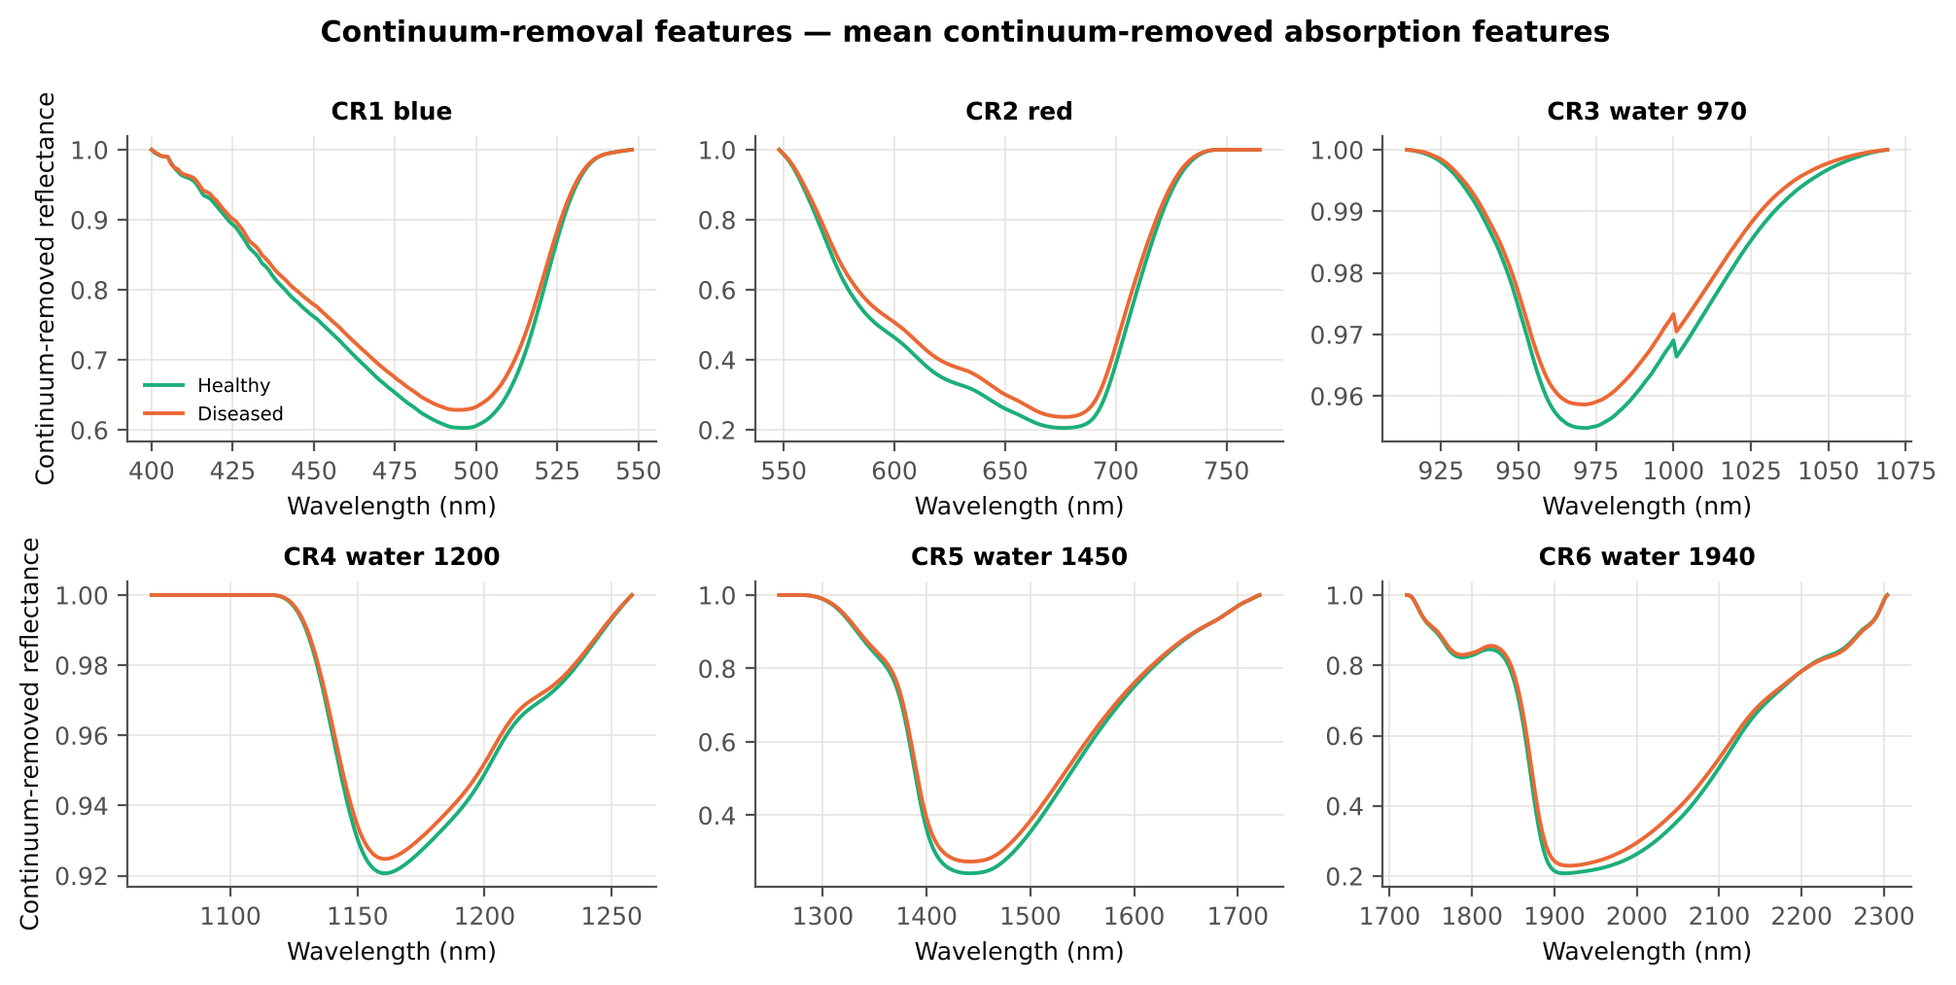
CR6 water 1940 depth/area | 0.0035 | 0.0035 | 0.8106 | 0.4797 | 0.1250 | 0.5645 | D > H | 0.0043 | diseased if > thr | 59.7% | 58.1% | 58.0% | 0.5204 | 1.826E-05
CR6 water 1940 width | 264.83 | 260.93 | -0.9557 | 0.4102 | -0.1491 | 0.5603 | D < H | 222.50 | diseased if < thr | 59.0% | 56.9% | 58.0% | 0.4485 | 1.923E-05
CR4 water 1200 position | 1160.81 | 1160.96 | 1.0189 | 0.3829 | 0.1629 | 0.5518 | D > H | 1160.50 | diseased if > thr | 58.0% | 58.0% | 56.9% | 0.4081 | 2.103E-05
CR2 red position | 676.77 | 676.98 | 0.8432 | 0.4704 | 0.1476 | 0.5411 | D > H | 675.50 | diseased if > thr | 56.6% | 56.6% | 52.0% | 0.4795 | 0.0468
CR5 water 1450 width | 181.77 | 180.53 | -0.7545 | 0.5052 | -0.1194 | 0.5328 | D < H | 167.50 | diseased if < thr | 56.3% | 51.6% | 53.2% | 0.5311 | 2.152E-05
CR4 water 1200 symmetry | 0.2950 | 0.2973 | 1.4162 | 0.2024 | 0.2240 | 0.5310 | D > H | 0.3052 | diseased if > thr | 58.7% | 57.4% | 55.6% | 0.2453 | 2.363E-05
CR5 water 1450 depth/area | 0.0051 | 0.0051 | 0.5836 | 0.5984 | 0.0916 | 0.5255 | D > H | 0.0055 | diseased if > thr | 57.6% | 56.4% | 54.4% | 0.6225 | 1.933E-05
CR3 water 970 position | 970.60 | 970.51 | -0.3243 | 0.7463 | -0.0446 | 0.5156 | D > H | 970.50 | diseased if > thr | 56.3% | 56.3% | 55.0% | 0.7894 | 2.781E-05
CR4 water 1200 width | 69.08 | 68.63 | -0.4004 | 0.7045 | -0.0632 | 0.5144 | D < H | 61.50 | diseased if < thr | 56.9% | 54.9% | 54.7% | 0.7201 | 1.880E-05
CR5 water 1450 position | 1441.94 | 1441.76 | -0.4050 | 0.7045 | -0.0659 | 0.5135 | D < H | 1441.50 | diseased if < thr | 54.2% | 53.8% | 51.0% | 0.7201 | 2.031E-05
CR4 water 1200 depth/area | 0.0138 | 0.0139 | 0.6846 | 0.5403 | 0.1037 | 0.5084 | D > H | 0.0149 | diseased if > thr | 59.0% | 56.7% | 56.0% | 0.5838 | 1.986E-05

Cross-checks for this step
Step | What was checked | Method | Result | Status
Continuum-removal features | Convex hull | monotone-chain upper hull vs SciPy ConvexHull, 20 plot-average spectra × 6 windows | max |Δ continuum| = 0.0e+00 | PASS

17_Vegetation_Indices
Disease-sensitive spectral (vegetation) indices — 87 indices: the 31 of the flowering-stage workbook (Activity 1.4 table) + 56 pigment, red-edge, water and disease indices
Computed from raw plot-average reflectance (no splice correction, no smoothing — features derived from raw reflectance as requested) at the nearest 1 nm band.

Result in brief
Most sensitive index: RARSb (AUC 0.75, BA plot-grouped cross-validation 71.3 %).
Table 17.1 The 87 indices
Index | Name | Equation (as computed) | Reference
WI | Water Index | R900 / R970 | Peñuelas et al., 1997
mCARI1 | Modified Chlorophyll Absorption in Reflectance Index 1 | 1.2[2.5(R761 − R651) − 1.3(R761 − R581)] | Haboudane et al., 2004
MTVI1 | Modified Triangular Vegetation Index 1 | 1.2[1.2(R761 − R581) − 2.5(R651 − R581)] | Haboudane et al., 2004
MTVI2 | Modified Triangular Vegetation Index 2 | 1.5[1.2(R761 − R581) − 2.5(R651 − R581)] / √[(2R761 + 1)² − (6R761 − 5√R651) − 0.5] | Haboudane et al., 2004
SR900 | Simple Ratio Index 900 | R900 / R680 | Jordan, 1969
SR850 | Simple Ratio Index 850 | R850 / R680 | Jordan, 1969
GNDVI | Green Normalized Difference Vegetation Index | (R850 − R580) / (R850 + R580) | Gitelson and Merzlyak, 1996
PRI | Photochemical Reflectance Index | (R531 − R570) / (R531 + R570) | Gamon et al., 1992
RARSa | Ratio Analysis of Reflectance Spectra, chlorophyll a | R675 / R700 | Chappelle et al., 1992
RARSb | Ratio Analysis of Reflectance Spectra, chlorophyll b | R675 / (R700 × R650) | Chappelle et al., 1992
RARSc | Ratio Analysis of Reflectance Spectra, carotenoids | R750 / R700 | Chappelle et al., 1992
PSSRa | Pigment Specific Simple Ratio, chlorophyll a | R800 / R680 | Blackburn, 1998
NDVI780 | Normalized Difference Vegetation Index 780 | (R780 − R670) / (R780 + R670) | Raun et al., 2001
SIPI | Structure Insensitive Pigment Index | (R800 − R445) / (R800 − R680) | Peñuelas et al., 1995
NCPI | Normalized Chlorophyll Pigment Ratio Index | (R670 − R450) / (R670 + R450) | Peñuelas et al., 1994
NPQI | Normalized Phaeophytinization Index | (R415 − R435) / (R415 + R435) | Barnes et al., 1992
PSRI | Plant Senescence Reflectance Index | (R680 − R500) / R750 | Merzlyak et al., 1999 (activity table: Peñuelas et al., 1995)
WI/ND | Ratio of Water Index and NDVI | (R900 / R970) / [(R900 − R680) / (R900 + R680)] | Peñuelas et al., 1997 (activity table: Hunt et al., 1989)
TCARI | Transformed Chlorophyll Absorption in Reflectance Index | 3[(R700 − R670) − 0.2(R700 − R550)(R700 / R670)] | Haboudane et al., 2002
VIGreen | Green Vegetation Index | (R760 − R550) / (R760 + R550) | Gitelson et al., 2002a
RVS1 | Red-Edge Vegetation Stress Index 1 | R651 + R750 | Merton, 1998
RVS2 | Red-Edge Vegetation Stress Index 2 | (R651 + R750) / (R651 − R750) | Merton, 1998
TVI | Triangle Vegetation Index | 0.5[120(R761 − R581) − 200(R651 − R581)] | Broge and Leblanc, 2001
RDVI | Renormalized Difference Vegetation Index | (R761 − R651) / √(R761 + R651) | Roujean and Breon, 1995
NDVI850 | Normalized Difference Vegetation Index 850 | (R850 − R651) / (R850 + R651) | Raun et al., 2001
SR761 | Simple Ratio Index 761 | R761 / R651 | Jordan, 1969
NDVI761 | Normalized Difference Vegetation Index 761 | (R761 − R651) / (R761 + R651) | Raun et al., 2001
PPR | Plant Pigment Ratio | R550 / R450 | Metternicht, 2003
NWI2 | Normalized Water Index 2 | (R970 − R850) / (R970 + R850) | Babar et al., 2006
NRI | Nitrogen Reflectance Index | (R570 − R670) / (R570 + R670) | Bausch and Duke, 1996
ARI | Anthocyanin Reflectance Index | 1/R550 − 1/R700 | Gitelson et al., 2001
NDVI | Normalized Difference Vegetation Index | (R800 − R670) / (R800 + R670) | Rouse et al., 1974
DVI | Difference Vegetation Index | R800 − R670 | Tucker, 1979
SAVI | Soil-Adjusted Vegetation Index | 1.5(R800 − R670) / (R800 + R670 + 0.5) | Huete, 1988
OSAVI | Optimized Soil-Adjusted Vegetation Index | 1.16(R800 − R670) / (R800 + R670 + 0.16) | Rondeaux et al., 1996
MSAVI | Modified Soil-Adjusted Vegetation Index | 0.5[2R800 + 1 − √((2R800 + 1)² − 8(R800 − R670))] | Qi et al., 1994
EVI | Enhanced Vegetation Index | 2.5(R800 − R670) / (R800 + 6R670 − 7.5R475 + 1) | Huete et al., 2002
MSR | Modified Simple Ratio | (R800/R670 − 1) / √(R800/R670 + 1) | Chen, 1996
MCARI | Modified Chlorophyll Absorption in Reflectance Index | [(R700 − R670) − 0.2(R700 − R550)](R700 / R670) | Daughtry et al., 2000
MCARI2 | Modified Chlorophyll Absorption in Reflectance Index 2 | 1.5[2.5(R800 − R670) − 1.3(R800 − R550)] / √[(2R800 + 1)² − (6R800 − 5√R670) − 0.5] | Haboudane et al., 2004
TCARI/OSAVI | TCARI / OSAVI ratio | TCARI / OSAVI | Haboudane et al., 2002
TGI | Triangular Greenness Index | −0.5[190(R670 − R550) − 120(R670 − R480)] | Hunt et al., 2013
GI | Greenness Index | R554 / R677 | Zarco-Tejada et al., 2005
CIgreen | Chlorophyll Index green | R780 / R550 − 1 | Gitelson et al., 2003
CIrededge | Chlorophyll Index red edge | R780 / R710 − 1 | Gitelson et al., 2003
ND705 | Red-edge Normalized Difference 705 | (R750 − R705) / (R750 + R705) | Gitelson and Merzlyak, 1994
mND705 | Modified Red-edge Normalized Difference 705 | (R750 − R705) / (R750 + R705 − 2R445) | Sims and Gamon, 2002
mSR705 | Modified Red-edge Simple Ratio 705 | (R750 − R445) / (R705 − R445) | Sims and Gamon, 2002
NDRE | Normalized Difference Red Edge | (R790 − R720) / (R790 + R720) | Barnes et al., 2000
MTCI | MERIS Terrestrial Chlorophyll Index | (R754 − R709) / (R709 − R681) | Dash and Curran, 2004
VOG1 | Vogelmann Red Edge Index 1 | R740 / R720 | Vogelmann et al., 1993
VOG2 | Vogelmann Red Edge Index 2 | (R734 − R747) / (R715 + R726) | Zarco-Tejada et al., 2001
ZTM | Zarco-Tejada and Miller index | R750 / R710 | Zarco-Tejada et al., 2001
Datt | Datt chlorophyll index | (R850 − R710) / (R850 − R680) | Datt, 1999
RVSI | Red-Edge Vegetation Stress Index (original definition) | (R714 + R752) / 2 − R733 | Merton and Huntington, 1999
GM1 | Gitelson–Merzlyak index 1 | R750 / R550 | Gitelson and Merzlyak, 1997
GM2 | Gitelson–Merzlyak index 2 | R750 / R700 | Gitelson and Merzlyak, 1997
PSSRb | Pigment Specific Simple Ratio, chlorophyll b | R800 / R635 | Blackburn, 1998
PSSRc | Pigment Specific Simple Ratio, carotenoids | R800 / R470 | Blackburn, 1998
PSNDa | Pigment Specific Normalized Difference, chlorophyll a | (R800 − R680) / (R800 + R680) | Blackburn, 1998
PSNDb | Pigment Specific Normalized Difference, chlorophyll b | (R800 − R635) / (R800 + R635) | Blackburn, 1998
CRI1 | Carotenoid Reflectance Index 1 | 1/R510 − 1/R550 | Gitelson et al., 2002b
CRI2 | Carotenoid Reflectance Index 2 | 1/R510 − 1/R700 | Gitelson et al., 2002b
ARI2 | Anthocyanin Reflectance Index 2 | R800(1/R550 − 1/R700) | Gitelson et al., 2001
RGRI | Red/Green Ratio Index | mean(R600–699) / mean(R500–599) | Gamon and Surfus, 1999
PRI515 | Photochemical Reflectance Index 515 | (R515 − R531) / (R515 + R531) | Hernández-Clemente et al., 2011
Ctr1 | Carter stress index 1 | R695 / R420 | Carter, 1994
Ctr2 | Carter stress index 2 | R695 / R760 | Carter, 1994
Lic | Lichtenthaler blue/red ratio | R440 / R690 | Lichtenthaler et al., 1996
HI | Healthy Index | (R534 − R698) / (R534 + R698) − 0.5R704 | Mahlein et al., 2013
CLSI | Cercospora Plot-average spectrum Spot Index | (R698 − R570) / (R698 + R570) − R734 | Mahlein et al., 2013
SBRI | Sugar Beet Rust Index | (R570 − R513) / (R570 + R513) + 0.5R704 | Mahlein et al., 2013
PMI | Powdery Mildew Index | (R520 − R584) / (R520 + R584) + R724 | Mahlein et al., 2013
LRDSI1 | Plot-average spectrum Rust Disease Severity Index 1 | 6.9(R605 / R455) − 1.2 | Ashourloo et al., 2014
LRDSI2 | Plot-average spectrum Rust Disease Severity Index 2 | 4.2(R695 / R455) − 0.38 | Ashourloo et al., 2014
DSWI | Disease–Water Stress Index | (R802 + R547) / (R1657 + R682) | Apan et al., 2004
NWI1 | Normalized Water Index 1 | (R970 − R900) / (R970 + R900) | Babar et al., 2006
NWI3 | Normalized Water Index 3 | (R970 − R920) / (R970 + R920) | Babar et al., 2006
NWI4 | Normalized Water Index 4 | (R970 − R880) / (R970 + R880) | Babar et al., 2006
NDWI | Normalized Difference Water Index | (R860 − R1240) / (R860 + R1240) | Gao, 1996
MSI | Moisture Stress Index | R1600 / R820 | Hunt and Rock, 1989
NDII | Normalized Difference Infrared Index | (R819 − R1649) / (R819 + R1649) | Hardisky et al., 1983
LWVI1 | Plot-average spectrum Water Vegetation Index 1 | (R1094 − R983) / (R1094 + R983) | Galvão et al., 2005
LWVI2 | Plot-average spectrum Water Vegetation Index 2 | (R1094 − R1205) / (R1094 + R1205) | Galvão et al., 2005
NDNI | Normalized Difference Nitrogen Index | [log(1/R1510) − log(1/R1680)] / [log(1/R1510) + log(1/R1680)] | Serrano et al., 2002
NDLI | Normalized Difference Lignin Index | [log(1/R1754) − log(1/R1680)] / [log(1/R1754) + log(1/R1680)] | Serrano et al., 2002
CAI | Cellulose Absorption Index | 0.5(R2000 + R2200) − R2100 | Nagler et al., 2003

Table 17.2 Sensitivity of the 87 indices to white rust, ranked by AUC
Feature | Mean healthy | Mean diseased | Welch t | q (BH) | Hedges g | AUC | Direction | Threshold | Rule | BA all plot-average spectra | BA plot-grouped cross-validation | BA hold-out | Mixed-model q | ICC plot
RARSb | 4.4582 | 4.0263 | -6.5965 | 7.027E-08 | -0.8522 | 0.7474 | D < H | 4.1805 | diseased if < thr | 73.3% | 71.3% | 68.8% | 1.587E-04 | 4.660E-05
RVS2 | -1.4546 | -1.5613 | -6.0688 | 3.342E-07 | -0.7843 | 0.7371 | D < H | -1.5005 | diseased if < thr | 69.1% | 64.2% | 64.8% | 1.978E-04 | 5.598E-05
NDVI761 | 0.6921 | 0.6485 | -6.0061 | 3.492E-07 | -0.8193 | 0.7364 | D < H | 0.6687 | diseased if < thr | 69.1% | 64.0% | 63.8% | 1.587E-04 | 4.691E-05
SR761 | 5.5814 | 4.8333 | -5.8134 | 8.062E-07 | -0.8650 | 0.7364 | D < H | 5.0361 | diseased if < thr | 69.1% | 64.0% | 63.8% | 1.587E-04 | 4.148E-05
PRI515 | -0.1517 | -0.1364 | 5.6145 | 1.423E-06 | 0.8555 | 0.7348 | D > H | -0.1503 | diseased if > thr | 68.4% | 61.5% | 63.7% | 5.884E-04 | 0.1914
NWI2 | -0.0274 | -0.0212 | 6.4215 | 8.521E-08 | 0.8284 | 0.7344 | D > H | -0.0203 | diseased if > thr | 73.3% | 71.1% | 71.8% | 1.587E-04 | 1.046E-04
PSSRb | 4.8370 | 4.2236 | -5.7744 | 8.147E-07 | -0.8503 | 0.7323 | D < H | 4.5856 | diseased if < thr | 70.8% | 70.8% | 67.9% | 1.587E-04 | 3.810E-05
PSNDb | 0.6535 | 0.6089 | -6.0302 | 3.492E-07 | -0.8240 | 0.7323 | D < H | 0.6419 | diseased if < thr | 70.8% | 70.8% | 67.9% | 1.587E-04 | 4.482E-05
NDVI850 | 0.6903 | 0.6498 | -5.8603 | 5.132E-07 | -0.8033 | 0.7308 | D < H | 0.6728 | diseased if < thr | 69.4% | 68.0% | 65.1% | 1.875E-04 | 5.009E-05
Ctr2 | 0.2443 | 0.2886 | 5.6546 | 9.474E-07 | 0.7780 | 0.7205 | D > H | 0.2737 | diseased if > thr | 68.8% | 64.3% | 64.3% | 1.978E-04 | 3.708E-05
PRI | 0.0594 | 0.0487 | -2.0905 | 0.0530 | -0.3389 | 0.7199 | D < H | 0.0709 | diseased if < thr | 72.6% | 70.6% | 70.6% | 0.0629 | 1.842E-05
GNDVI | 0.5370 | 0.5054 | -5.8975 | 3.492E-07 | -0.7443 | 0.7143 | D < H | 0.5043 | diseased if < thr | 68.1% | 61.9% | 64.2% | 3.025E-04 | 7.105E-05
...
NDLI | 0.0477 | 0.0440 | -3.1295 | 0.0039 | -0.4558 | 0.6273 | D < H | 0.0407 | diseased if < thr
mSR705 | 31.09 | 10.18 | -1.0157 | 0.3605 | -0.2895 | 0.6269 | D < H | 6.3270 | diseased if < thr
mND705 | 0.7327 | 0.6767 | -1.8564 | 0.0870 | -0.3051 | 0.6269 | D < H | 0.7270 | diseased if < thr
DSWI | 1.9742 | 1.8732 | -3.2500 | 0.0027 | -0.4630 | 0.6199 | D < H | 1.7191 | diseased if < thr
GI | 2.6107 | 2.4005 | -2.8682 | 0.0081 | -0.4416 | 0.6192 | D < H | 1.8283 | diseased if < thr
LRDSI1 | 5.1880 | 5.4908 | 0.8458 | 0.4463 | 0.1385 | 0.6176 | D > H | 4.1355 | diseased if > thr
GM1 | 2.4052 | 2.3015 | -3.3301 | 0.0020 | -0.4270 | 0.6175 | D < H | 2.2893 | diseased if < thr
TCARI/OSAVI | 0.5407 | 0.5850 | 3.4058 | 0.0017 | 0.4490 | 0.6157 | D > H | 0.6079 | diseased if > thr
VIGreen | 0.4152 | 0.3939 | -3.7515 | 5.675E-04 | -0.4643 | 0.6155 | D < H | 0.3804 | diseased if < thr
NRI | 0.3723 | 0.3397 | -3.0210 | 0.0052 | -0.4334 | 0.6101 | D < H | 0.2653 | diseased if < thr
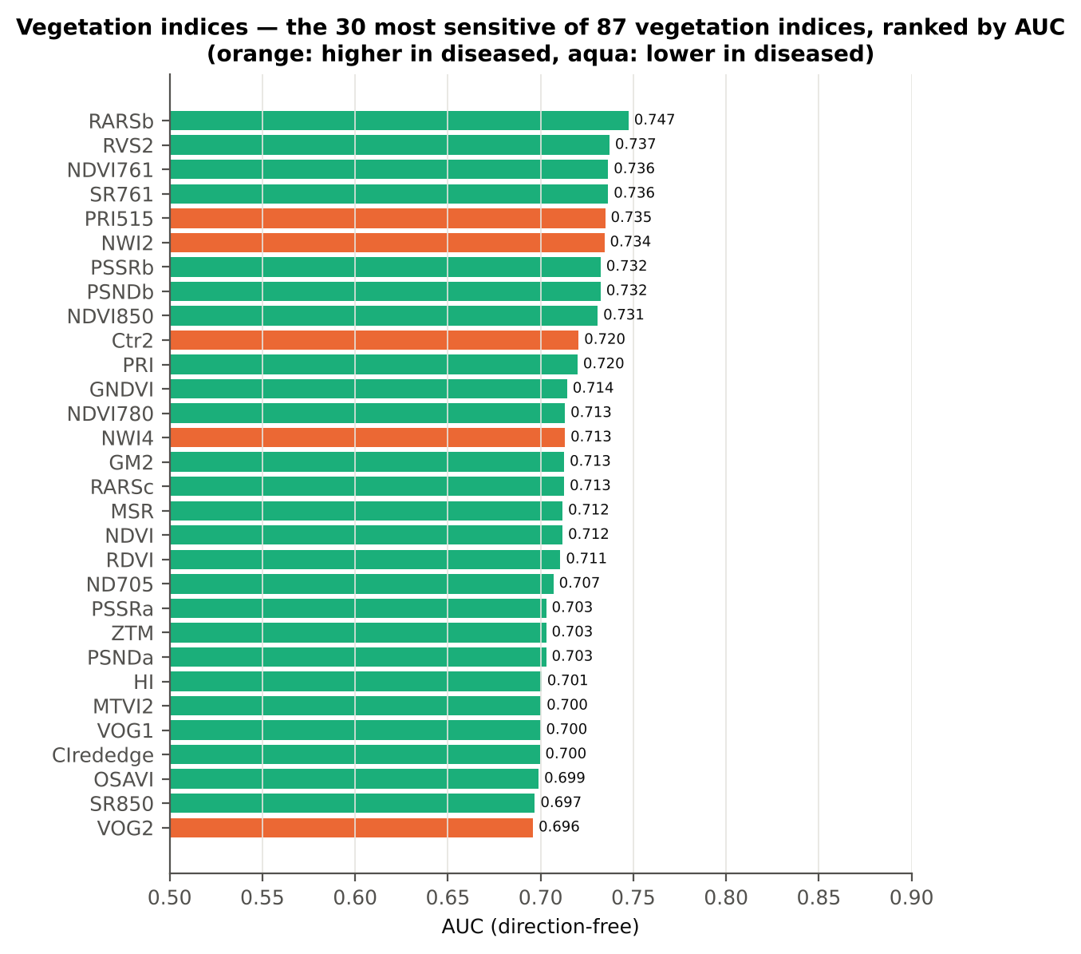
CIgreen | 1.4246 | 1.3257 | -3.0618 | 0.0044 | -0.3942 | 0.6087 | D < H | 1.2638 | diseased if < thr
CAI | -0.0043 | -0.0058 | -2.3023 | 0.0323 | -0.3422 | 0.6008 | D < H | -0.0080 | diseased if < thr
LWVI2 | 0.0575 | 0.0536 | -2.4393 | 0.0234 | -0.3743 | 0.5943 | D < H | 0.0537 | diseased if < thr
NPQI | 0.0474 | 0.0442 | -0.5511 | 0.6187 | -0.0924 | 0.5916 | D < H | 0.0709 | diseased if < thr
EVI | 1.3674 | 1.3133 | -0.8649 | 0.4403 | -0.1428 | 0.5851 | D < H | 1.4850 | diseased if < thr
CRI2 | 1.3149 | 1.4224 | 0.5318 | 0.6251 | 0.0890 | 0.5671 | D > H | 0.7776 | diseased if > thr
RVS1 | 0.7044 | 0.7014 | -0.3001 | 0.7830 | -0.0543 | 0.5609 | D < H | 0.7125 | diseased if < thr
RARSa | 0.4856 | 0.4931 | 1.2115 | 0.2796 | 0.1816 | 0.5569 | D > H | 0.4994 | diseased if > thr
SIPI | 0.8304 | 0.8305 | 0.0041 | 0.9967 | 6.303E-04 | 0.5547 | D < H | 0.7655 | diseased if < thr
TGI | 11.15 | 10.78 | -1.1857 | 0.2842 | -0.1743 | 0.5460 | D < H | 9.2070 | diseased if < thr
PSRI | -0.0808 | -0.0786 | 0.2876 | 0.7832 | 0.0420 | 0.5399 | D < H | -0.1010 | diseased if < thr
PPR | 1.4531 | 1.4145 | -0.6897 | 0.5357 | -0.1228 | 0.5370 | D < H | 1.9781 | diseased if < thr
MCARI | 0.2336 | 0.2436 | 1.2500 | 0.2660 | 0.1788 | 0.5365 | D > H | 0.2577 | diseased if > thr
SBRI | 0.2331 | 0.2371 | 0.6656 | 0.5452 | 0.1105 | 0.5360 | D > H | 0.2174 | diseased if > thr
TCARI | 0.3708 | 0.3793 | 0.8034 | 0.4665 | 0.1179 | 0.5344 | D > H | 0.4190 | diseased if > thr
LWVI1 | 0.0161 | 0.0164 | 0.4409 | 0.6840 | 0.0710 | 0.5291 | D > H | 0.0168 | diseased if > thr
...

18_Optimised_TwoBand_Index
...
Table 18.7 Honest (nested) validation of the join-free search
Index form | BA plot-grouped cross-validation (search inside folds) | BA hold-out (search inside training plots) | Hold-out SD | Pairs chosen in the 20 training sets
NDSI | 78.5% | 78.2% | 7.0% | (870, 875) × 19; (1535, 1875) × 1
DI | 82.6% | 81.4% | 4.4% | (870, 875) × 20

Table 18.8 Join-free best pairs on each date
Pair | AUC all plot-average spectra | AUC 11-02-2026 | AUC 24-02-2026 | AUC 03-03-2026 | AUC 13-03-2026 | Direction by date
NDSI(870, 872) | 0.9157 | 0.9838 | 0.8889 | 0.9954 | 0.8148 | same on all dates
DI(870, 872) | 0.9155 | 0.9815 | 0.8866 | 0.9954 | 0.8125 | same on all dates
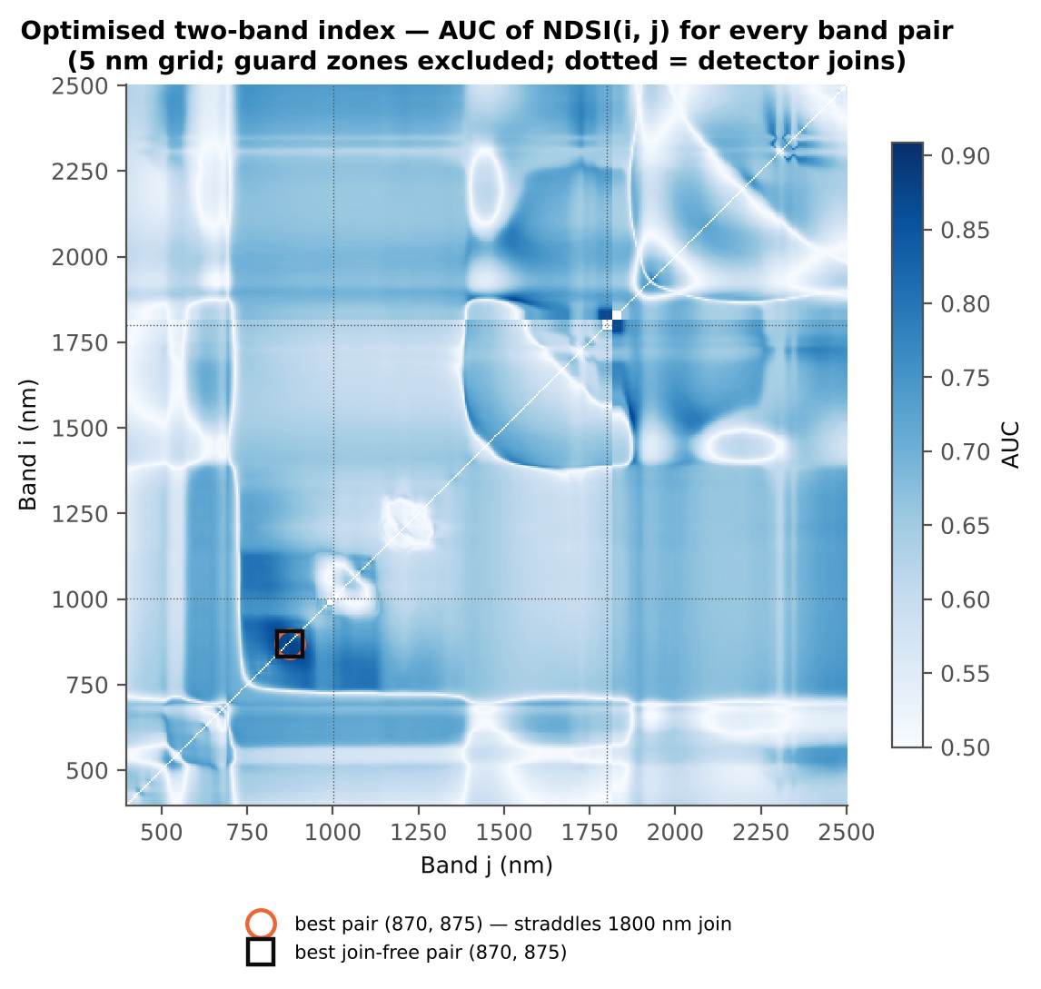

Cross-checks for this step
Step | What was checked | Method | Result | Status
Optimised two-band index | NDSI vs simple ratio | AUC of NDSI and Ri/Rj on 1998 random pairs | max |ΔAUC| = 0.0e+00 | PASS
Optimised two-band index | Selection optimism | search repeated inside training plots | honest BA 78.5 % (cross-validation) / 78.2 % (hold-out) vs 87.2 % on all plot-average spectra | FLAG
Optimised two-band index | Best pair straddles a detector join? | pairs with one band on each side of the 1000/1001 or 1800/1801 nm join (within 100 nm) excluded and the search repeated | all-pair best NDSI(870,872) does not straddle a join (same as the join-free search); join-free best NDSI(870,872) (AUC 0.916; honest BA 78.5 % cross-validation) | PASS

19_Derivatives_Edge_Features
...
Table 19.3 Twenty derivative-based edge parameters, ranked by AUC
REIP, linear extrapolation (nm) | 706.93 | 703.19 | -4.5134 | 1.415E-04 | -0.6902 | 0.7002 | D < H | 704.18 | diseased if < thr
λr = REP (red-edge position, nm) | 707.44 | 704.63 | -3.8307 | 9.434E-04 | -0.6225 | 0.6963 | D < H | 703.50 | diseased if < thr
REP, linear 4-point (nm) | 715.83 | 714.68 | -4.8161 | 5.194E-05 | -0.6735 | 0.6900 | D < H | 715.31 | diseased if < thr
Red-edge slope (R750 − R700)/50 | 0.0080 | 0.0072 | -3.6536 | 0.0015 | -0.5957 | 0.6898 | D < H | 0.0085 | diseased if < thr
λo (red well position, nm) | 671.60 | 672.35 | 4.2483 | 2.615E-04 | 0.6063 | 0.6748 | D > H | 672.50 | diseased if > thr
SDr (red-edge area) | 0.5048 | 0.4742 | -2.7984 | 0.0134 | -0.4638 | 0.6700 | D < H | 0.5287 | diseased if < thr
SDy (yellow-edge area) | -0.0750 | -0.0675 | 2.0251 | 0.0660 | 0.3202 | 0.6422 | D > H | -0.0775 | diseased if > thr
Dr = REV (red-edge amplitude) | 0.0126 | 0.0120 | -2.4891 | 0.0283 | -0.4028 | 0.6380 | D < H | 0.0129 | diseased if < thr
Dy (yellow-edge amplitude) | -0.0033 | -0.0030 | 2.1939 | 0.0507 | 0.3476 | 0.6360 | D > H | -0.0018 | diseased if > thr
Rg/Ro | 2.6679 | 2.4437 | -2.9482 | 0.0093 | -0.4575 | 0.6263 | D < H | 2.8240 | diseased if < thr
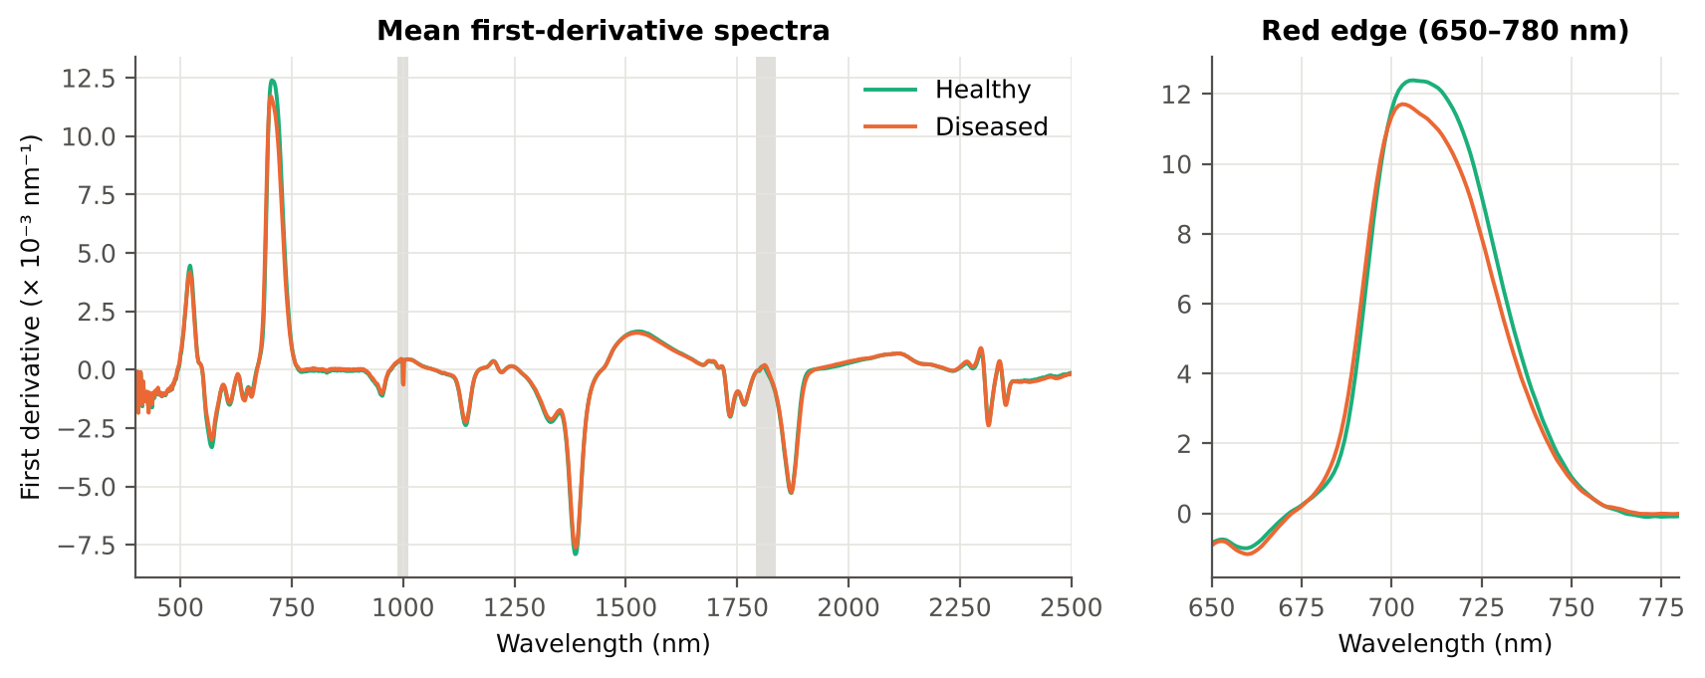
(Rg − Ro)/(Rg + Ro) | 0.4464 | 0.4054 | -3.1403 | 0.0063 | -0.4511 | 0.6263 | D < H | 0.4770 | diseased if < thr
λb (blue-edge position, nm) | 521.85 | 521.42 | -2.9574 | 0.0093 | -0.4175 | 0.6091 | D < H | 521.50 | diseased if < thr
Db (blue-edge amplitude) | 0.0045 | 0.0042 | -1.8482 | 0.0919 | -0.2913 | 0.5806 | D < H | 0.0030 | diseased if < thr
λy (yellow-edge position, nm) | 570.77 | 571.00 | 2.0854 | 0.0609 | 0.3171 | 0.5776 | D > H | 571.50 | diseased if > thr
SDr/SDb | 5.9194 | 5.7436 | -1.1336 | 0.2990 | -0.1768 | 0.5593 | D < H | 5.5703 | diseased if < thr
(SDr − SDb)/(SDr + SDb) | 0.7062 | 0.6968 | -1.4204 | 0.2029 | -0.2163 | 0.5593 | D < H | 0.6956 | diseased if < thr
Rg (green peak reflectance) | 0.2498 | 0.2558 | 0.9732 | 0.3646 | 0.1462 | 0.5561 | D > H | 0.2793 | diseased if > thr
SDb (blue-edge area) | 0.0864 | 0.0845 | -0.7910 | 0.4309 | -0.1191 | 0.5543 | D < H | 0.0710 | diseased if < thr
SDr/SDy | -7.2096 | -8.1169 | -2.4364 | 0.0283 | -0.3020 | 0.5466 | D < H | -10.84 | diseased if < thr
(SDr − SDy)/(SDr + SDy) | 1.3426 | 1.3254 | -1.2527 | 0.2580 | -0.1825 | 0.5466 | D < H | 1.2033 | diseased if < thr
λg (green peak position, nm) | 548.23 | 548.72 | 0.8490 | 0.4165 | 0.1404 | 0.5429 | D > H | 545.50 | diseased if > thr
...

20_RedEdge_Inflection_Point
...
Table 20.3 REIP shift by date, growth stage and variety
Date | 11-02-2026 | REIP – Lagrangian interpolation | 12 | 36 | 711.46 | 711.65 | 0.1930 | 0.8409 | 0.5023
Date | 11-02-2026 | REIP – linear extrapolation | 12 | 36 | 710.99 | 711.08 | 0.0828 | 0.9318 | 0.5093
Date | 13-03-2026 | REIP – maximum first derivative | 12 | 36 | 702.50 | 701.69 | -0.8056 | 0.1115 | 0.6331
Date | 13-03-2026 | REIP – linear 4-point interpolation | 12 | 36 | 714.20 | 713.46 | -0.7411 | 0.0497 | 0.6296
Date | 13-03-2026 | REIP – Lagrangian interpolation | 12 | 36 | 702.52 | 701.72 | -0.8074 | 0.1056 | 0.6319
Date | 13-03-2026 | REIP – linear extrapolation | 12 | 36 | 700.81 | 699.09 | -1.7238 | 0.0653 | 0.6505
Date | 24-02-2026 | REIP – maximum first derivative | 12 | 36 | 707.50 | 703.08 | -4.4167 | 0.0015 | 0.8692
Date | 24-02-2026 | REIP – linear 4-point interpolation | 12 | 36 | 716.10 | 714.58 | -1.5258 | 1.709E-04 | 0.8727
Date | 24-02-2026 | REIP – Lagrangian interpolation | 12 | 36 | 707.63 | 703.09 | -4.5340 | 0.0014 | 0.8773
Date | 24-02-2026 | REIP – linear extrapolation | 12 | 36 | 707.62 | 702.51 | -5.1118 | 5.004E-04 | 0.8588
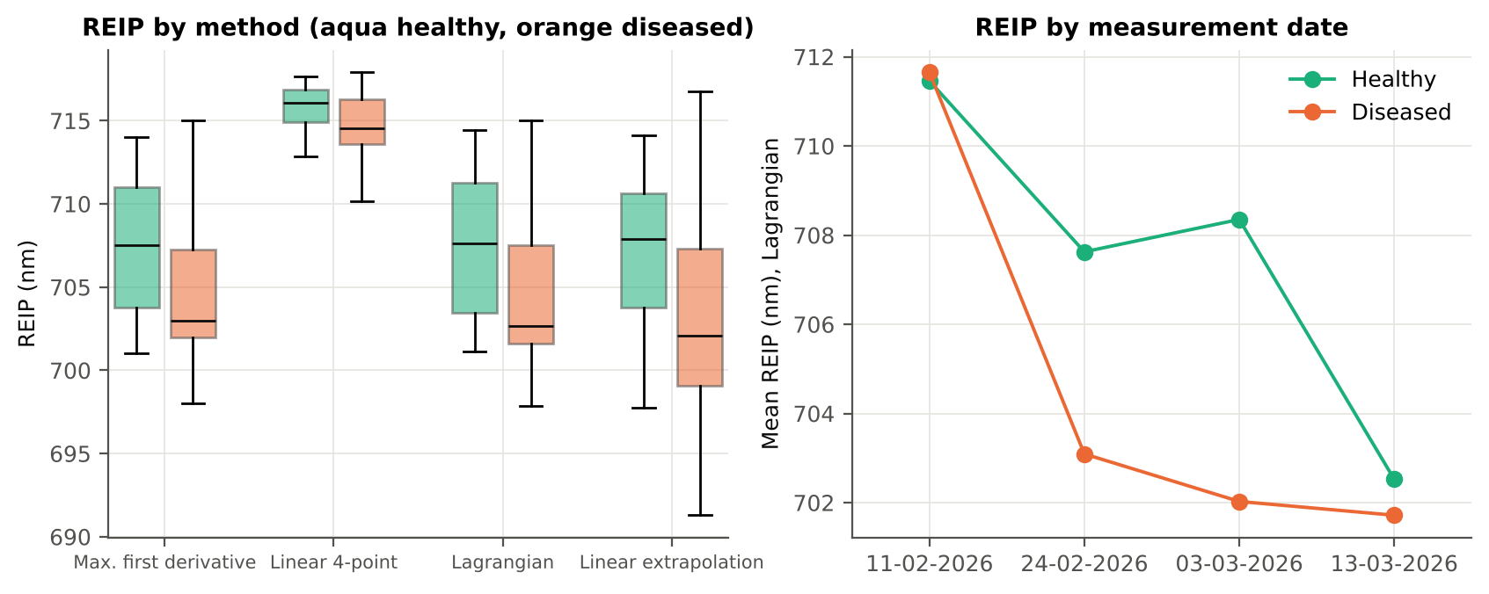
Growth stage | Flowering | REIP – maximum first derivative | 22 | 66 | 708.09 | 703.05 | -5.0455 | 3.263E-06 | 0.8771
Growth stage | Flowering | REIP – linear 4-point interpolation | 22 | 66 | 716.09 | 714.14 | -1.9516 | 1.808E-09 | 0.8781
Growth stage | Flowering | REIP – Lagrangian interpolation | 22 | 66 | 708.18 | 702.98 | -5.1935 | 2.000E-06 | 0.8857
Growth stage | Flowering | REIP – linear extrapolation | 22 | 66 | 708.17 | 701.57 | -6.5946 | 1.919E-08 | 0.8877
Growth stage | Pod formation | REIP – maximum first derivative | 10 | 30 | 702.90 | 701.77 | -1.1333 | 0.2756 | 0.5900
Growth stage | Pod formation | REIP – linear 4-point interpolation | 10 | 30 | 714.12 | 713.53 | -0.5920 | 0.1562 | 0.5767
Growth stage | Pod formation | REIP – Lagrangian interpolation | 10 | 30 | 702.86 | 701.77 | -1.0857 | 0.2753 | 0.5833
Growth stage | Pod formation | REIP – linear extrapolation | 10 | 30 | 700.79 | 699.25 | -1.5346 | 0.1985 | 0.6000
Growth stage | Vegetative | REIP – maximum first derivative | 16 | 48 | 709.38 | 708.60 | -0.7708 | 0.5253 | 0.5488
Growth stage | Vegetative | REIP – linear 4-point interpolation | 16 | 48 | 716.53 | 716.13 | -0.3996 | 0.1988 | 0.5456
Growth stage | Vegetative | REIP – Lagrangian interpolation | 16 | 48 | 709.44 | 708.65 | -0.7856 | 0.5184 | 0.5469
Growth stage | Vegetative | REIP – linear extrapolation | 16 | 48 | 709.07 | 707.87 | -1.1983 | 0.3198 | 0.5521
Variety | V1 | REIP – maximum first derivative | 16 | 48 | 708.75 | 704.79 | -3.9583 | 0.0071 | 0.7161
Variety | V1 | REIP – linear 4-point interpolation | 16 | 48 | 716.11 | 714.65 | -1.4673 | 0.0020 | 0.7279
Variety | V1 | REIP – Lagrangian interpolation | 16 | 48 | 708.74 | 704.77 | -3.9745 | 0.0065 | 0.7122
Variety | V1 | REIP – linear extrapolation | 16 | 48 | 708.06 | 703.13 | -4.9302 | 0.0035 | 0.7253
Variety | V2 | REIP – maximum first derivative | 16 | 48 | 706.38 | 704.08 | -2.2917 | 0.0699 | 0.6842
Variety | V2 | REIP – linear 4-point interpolation | 16 | 48 | 715.43 | 714.59 | -0.8485 | 0.0411 | 0.6549
Variety | V2 | REIP – Lagrangian interpolation | 16 | 48 | 706.38 | 704.06 | -2.3170 | 0.0690 | 0.6940
Variety | V2 | REIP – linear extrapolation | 16 | 48 | 705.45 | 702.60 | -2.8480 | 0.0441 | 0.6784
Variety | V3 | REIP – maximum first derivative | 16 | 48 | 707.19 | 705.02 | -2.1667 | 0.0864 | 0.6777
Variety | V3 | REIP – linear 4-point interpolation | 16 | 48 | 715.93 | 714.80 | -1.1373 | 0.0068 | 0.6771
...

21_Correlation_Spectra
...
r(λ) = Pearson correlation between the band value and the 0/1 disease status (point-biserial r), for the raw reflectance and the first derivative, on all plot-average spectra and separately on each date. r is a monotone function of Student's t, so the ranking matches Tier 1; the per-date curves show whether the sign is stable over time.
First derivative | 400–499 | 407.00 | 0.3691 | 2.056E-06 | no
First derivative | 500–599 | 530.00 | -0.1868 | 0.0339 | yes
First derivative | 600–679 | 669.00 | -0.3637 | 2.994E-06 | no
First derivative | 680–759 | 686.00 | 0.3638 | 2.994E-06 | yes
First derivative | 760–1349 | 871.00 | 0.5658 | 2.570E-14 | yes
First derivative | 1350–1430 | 1351.00 | 0.2138 | 0.0125 | no
First derivative | 1431–1799 | 1749.00 | 0.3001 | 1.753E-04 | yes
First derivative | 1800–1950 | 1910.00 | -0.4030 | 1.809E-07 | yes
First derivative | 1951–2349 | 1952.00 | 0.3647 | 2.844E-06 | yes
First derivative | 2350–2500 | 2481.00 | -0.2816 | 5.011E-04 | yes
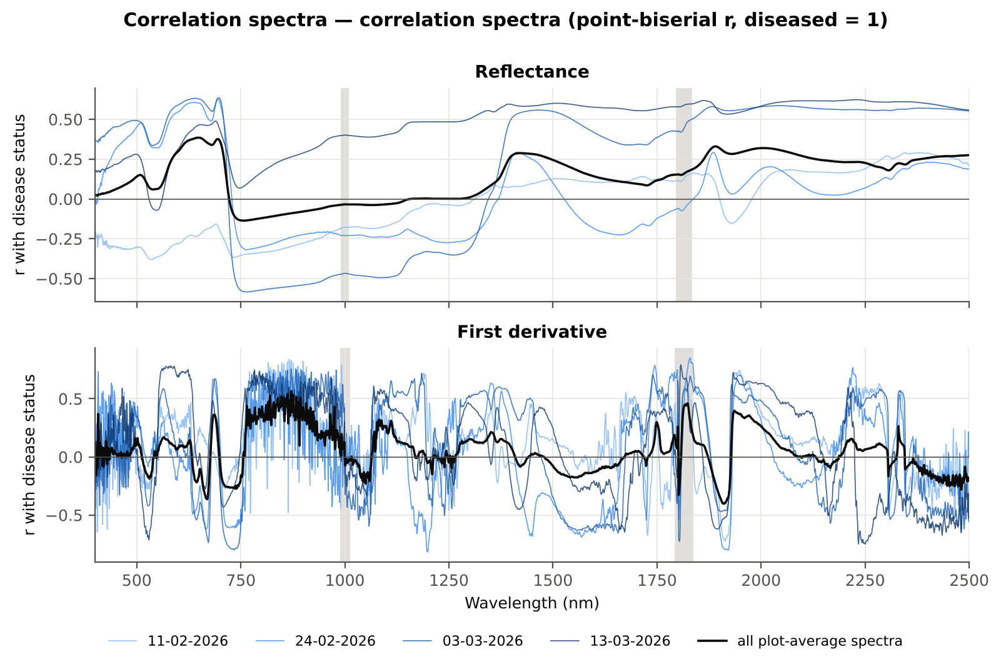

Cross-checks for this step
Step | What was checked | Method | Result | Status
Correlation spectra | Correlation vs t-test | |r_pb| vs |Welch t| across bands (Spearman) | ρ = 0.9986 (r_pb is a monotone function of Student's t) | PASS

22_Feature_Groups_CART_RF
...
Table 22.2 CART vs RF on each feature group (mean over repeats)
All disease-sensitive features combined pool | 8266 | CART | Hold-out | 10 | 80.5% | 4.2% | 0.8349 | 0.5848
All disease-sensitive features combined pool | 8266 | RF | Hold-out | 10 | 92.6% | 3.2% | 0.9717 | 0.8555
Derivatives incl. guard-zone bands (artefact test) | 6326 | CART | Cross-validation | 5 | 86.4% | 1.7% | 0.8993 | 0.6969
Derivatives incl. guard-zone bands (artefact test) | 6326 | RF | Cross-validation | 5 | 95.6% | 0.8% | 0.9885 | 0.8913
Derivatives incl. guard-zone bands (artefact test) | 6326 | CART | Hold-out | 10 | 86.5% | 2.8% | 0.8797 | 0.6979
Derivatives incl. guard-zone bands (artefact test) | 6326 | RF | Hold-out | 10 | 95.5% | 3.0% | 0.9898 | 0.8994
Selected (top 15 non-redundant, chosen inside each training set) | 15 | CART | Cross-validation | 5 | 80.8% | 1.3% | 0.8382 | 0.5822
Selected (top 15 non-redundant, chosen inside each training set) | 15 | RF | Cross-validation | 5 | 87.6% | 1.1% | 0.9527 | 0.7268
Selected (top 15 non-redundant, chosen inside each training set) | 15 | QDA | Cross-validation | 5 | 88.7% | 2.7% | 0.9569 | 0.7742
Selected (top 15 non-redundant, chosen inside each training set) | 15 | CART | Hold-out | 10 | 80.2% | 7.1% | 0.8248 | 0.5637
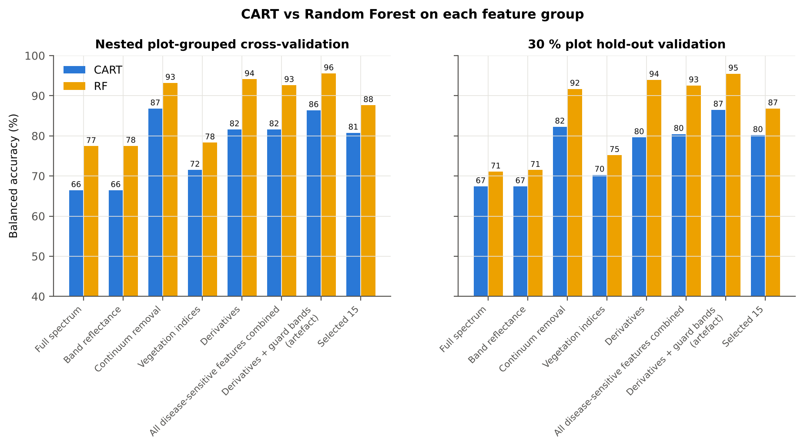
Selected (top 15 non-redundant, chosen inside each training set) | 15 | RF | Hold-out | 10 | 86.8% | 6.2% | 0.9528 | 0.7195
Selected (top 15 non-redundant, chosen inside each training set) | 15 | QDA | Hold-out | 10 | 85.1% | 6.4% | 0.9413 | 0.7393

Table 22.3 Paired comparison RF vs CART (same folds)
Feature group | Units | n | RF − CART (BA) | SD | RF better | CART better | Wilcoxon p
Full spectrum (raw reflectance) | Cross-validation (50 folds) | 50 | 12.3% | 12.6% | 43 | 6 | 5.359E-07
...

25_Pool_Tier2_CART_RF
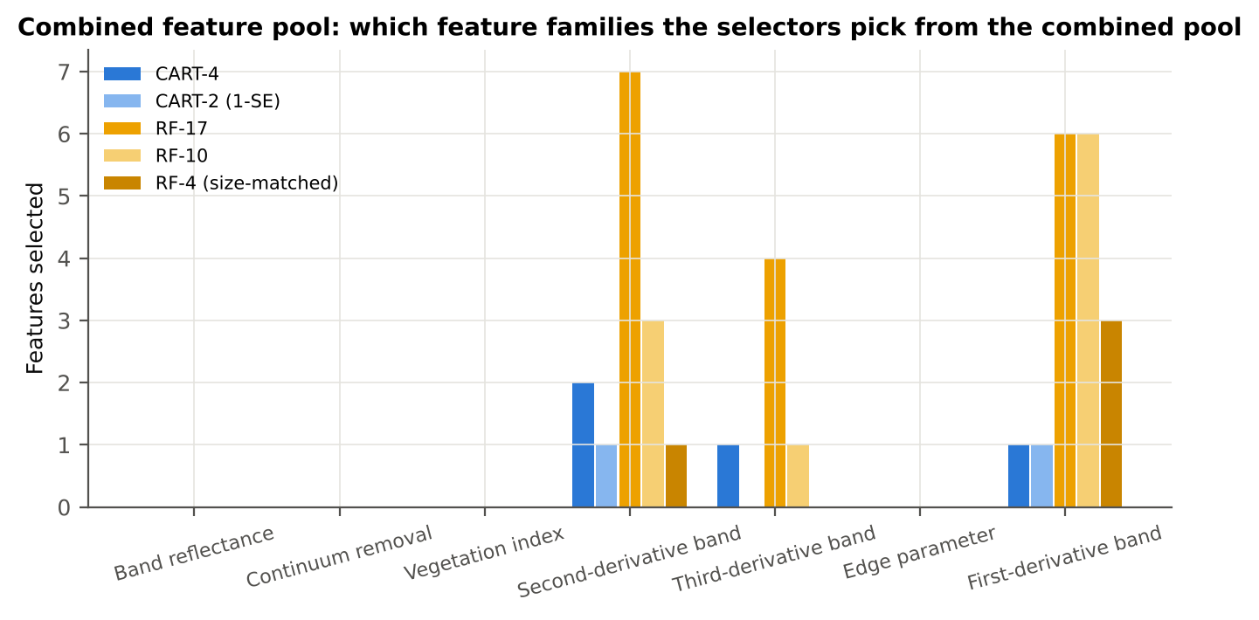
...
Table 25.2 The selected features
D3_1244 | Third-derivative band | yes |  | 1.453E-06 | -1.186E-06 | -2.8556 | 0.0200 | 0.6445
D2_557 | Second-derivative band | yes |  | -2.192E-04 | -1.927E-04 | 5.1578 | 1.277E-05 | 0.7211
D1_852 | First-derivative band |  | yes | -5.595E-05 | 1.504E-05 | 11.02 | 4.118E-18 | 0.8913
D2_737 | Second-derivative band |  | yes | -3.384E-04 | -2.476E-04 | 6.9501 | 3.375E-08 | 0.8058
D1_893 | First-derivative band |  | yes | -5.482E-05 | 4.482E-06 | 10.92 | 1.013E-17 | 0.8856
D3_738 | Third-derivative band |  | yes | 2.346E-05 | -1.219E-05 | -9.0086 | 3.798E-13 | 0.8317
D1_839 | First-derivative band |  | yes | -3.446E-05 | 3.331E-05 | 9.7898 | 1.599E-14 | 0.8602
D1_784 | First-derivative band |  | yes | -7.105E-05 | 2.070E-05 | 7.1640 | 3.988E-09 | 0.8105
D2_1240 | Second-derivative band |  | yes | -7.862E-06 | 1.471E-06 | 7.2116 | 1.476E-09 | 0.7620
D1_820 | First-derivative band |  | yes | -7.870E-05 | -3.569E-06 | 9.7824 | 5.068E-14 | 0.8597
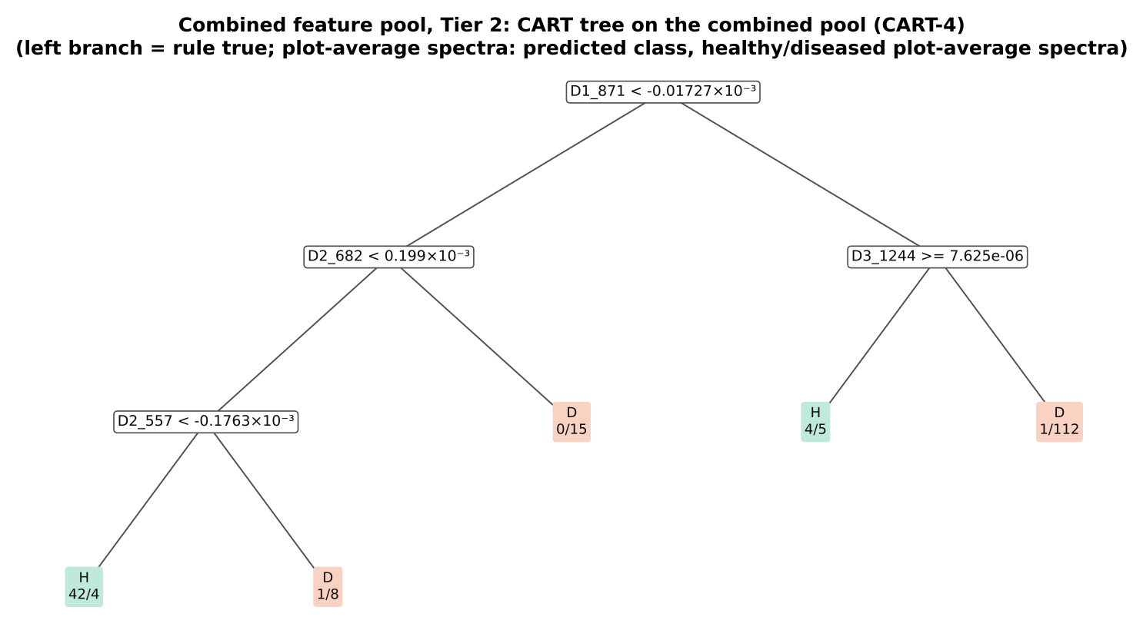
D3_1240 | Third-derivative band |  | yes | -7.237E-06 | -6.378E-07 | 8.7256 | 2.375E-12 | 0.8137
D2_934 | Second-derivative band |  | yes | 8.376E-06 | -4.503E-05 | -6.7040 | 2.585E-08 | 0.7635
D2_889 | Second-derivative band |  | yes | 3.645E-05 | -1.330E-05 | -6.8749 | 6.471E-09 | 0.7451
D3_888 | Third-derivative band |  | yes | 2.573E-05 | -7.116E-06 | -5.5317 | 2.304E-06 | 0.7225
D2_1720 | Second-derivative band |  | yes | -3.088E-05 | -4.000E-05 | -3.7660 | 0.0014 | 0.6568
D3_1077 | Third-derivative band |  | yes | 8.737E-07 | -8.821E-06 | -7.1318 | 1.064E-09 | 0.7231
D2_1918 | Second-derivative band |  | yes | 4.404E-06 | 1.349E-05 | 7.9219 | 2.199E-10 | 0.8150

Table 25.3 Tree nodes (rpart frame)
Node | Depth | Split variable | Rule | Plot-average spectra | Healthy | Diseased | Predicted class
1 | 0 | D1_871 | root | 192 | 48 | 144 | H
2 | 1 | D2_682 | D1_871< -1.727e-05 | 70 | 43 | 27 | H
4 | 2 | D2_557 | D2_682< 0.000199 | 55 | 43 | 12 | H
8 | 3 | plot-average spectrum | D2_557< -0.0001763 | 46 | 42 | 4 | H
9 | 3 | plot-average spectrum | D2_557>=-0.0001763 | 9 | 1 | 8 | D
5 | 2 | plot-average spectrum | D2_682>=0.000199 | 15 | 0 | 15 | D
3 | 1 | D3_1244 | D1_871>=-1.727e-05 | 122 | 5 | 117 | D
6 | 2 | plot-average spectrum | D3_1244>=7.625e-06 | 9 | 4 | 5 | H
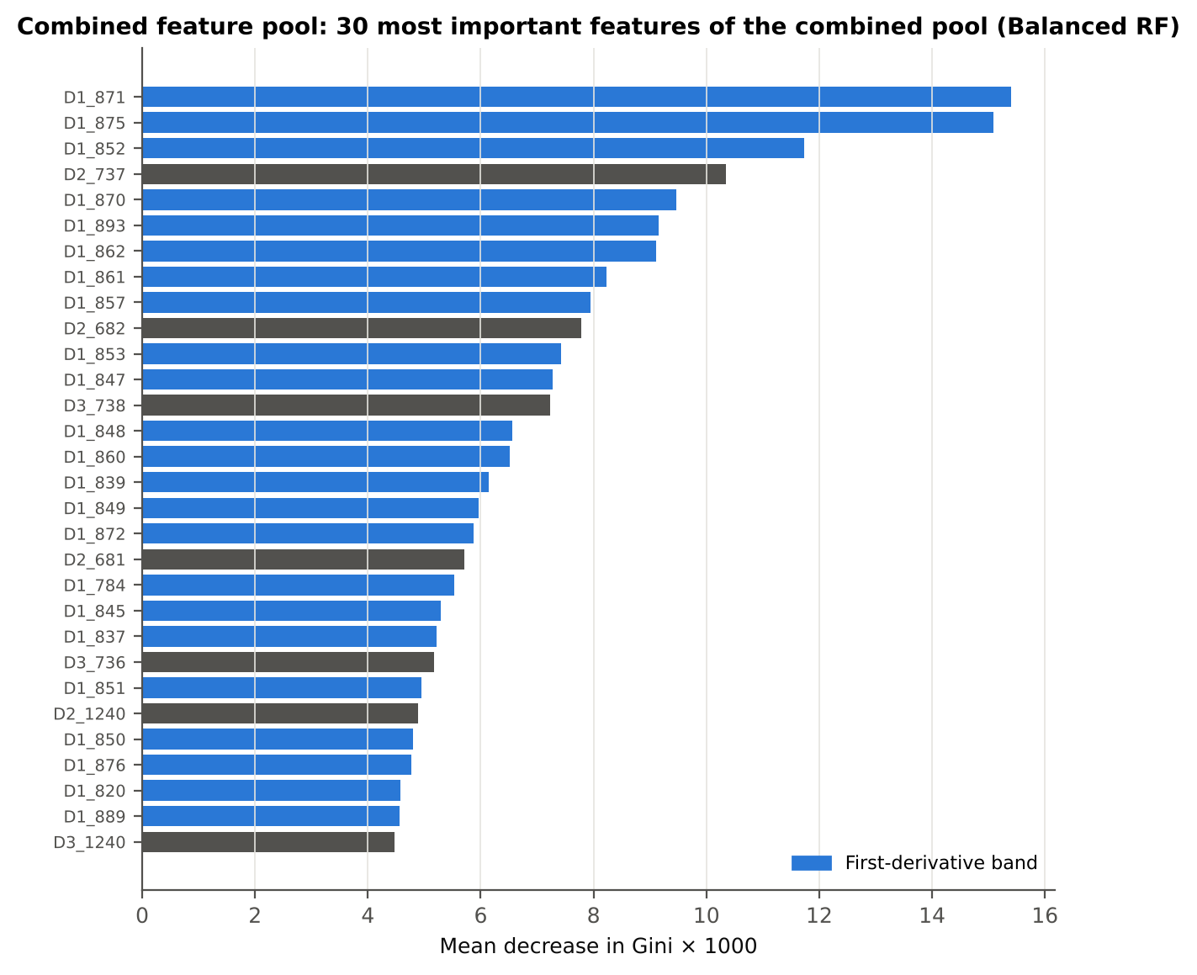
7 | 2 | plot-average spectrum | D3_1244< 7.625e-06 | 113 | 1 | 112 | D

Table 25.4 Complexity-parameter table (plot-grouped cross-validation)
CP | nsplit | rel error | xerror | xstd
0.7083 | 0.0000 | 1.0000 | 1.1667 | 0.0751
0.1042 | 1.0000 | 0.2917 | 0.3472 | 0.0640
0.0486 | 2.0000 | 0.1875 | 0.2708 | 0.0594
0.0347 | 3.0000 | 0.1389 | 0.3333 | 0.0636
0.0100 | 4.0000 | 0.1042 | 0.2986 | 0.0626

26_Pool_Tier3_JM
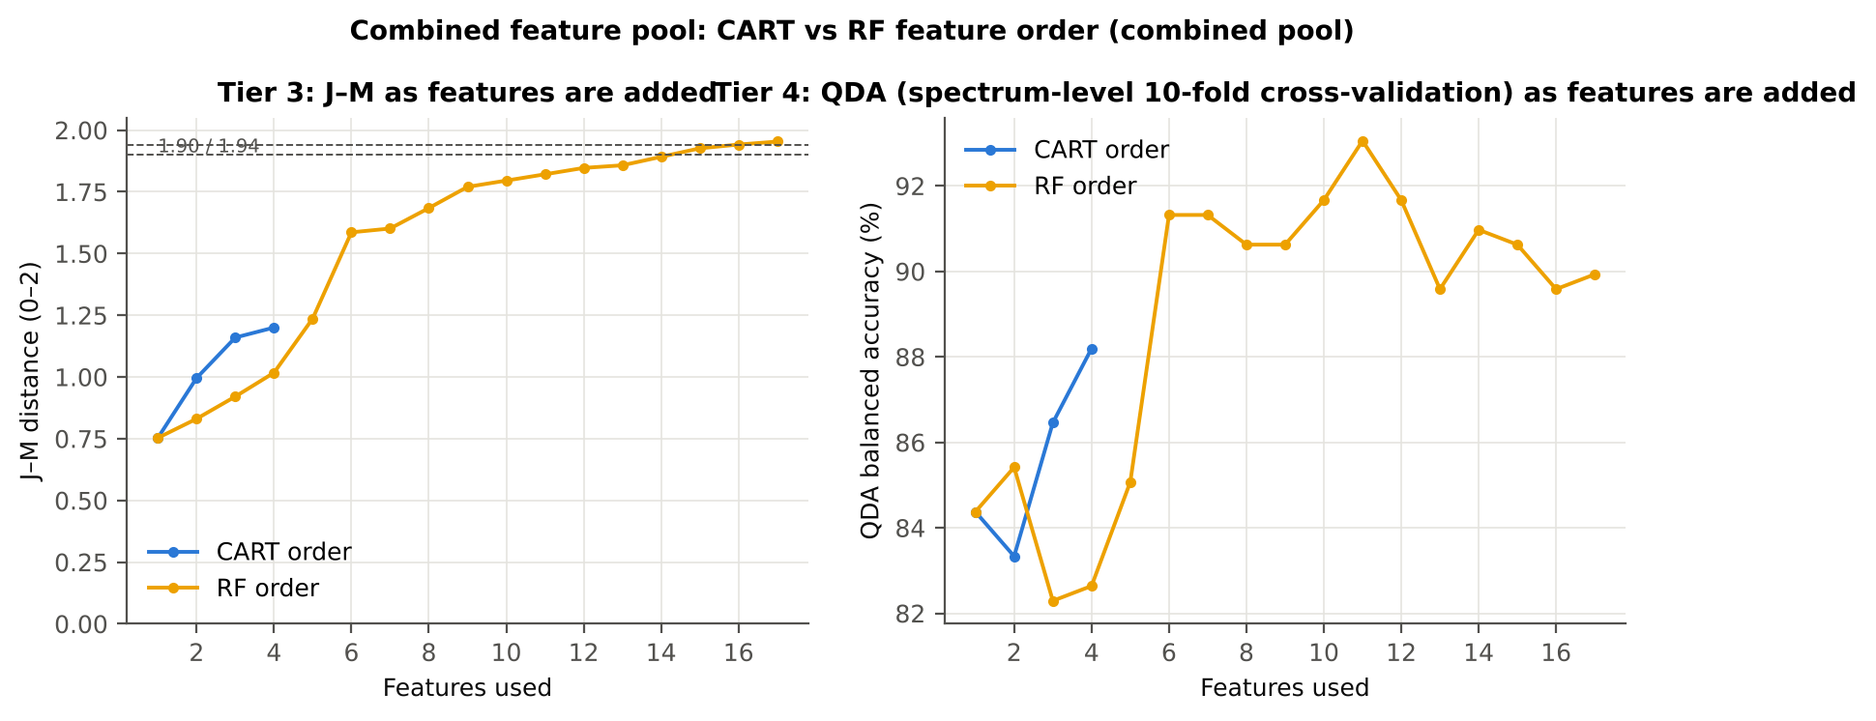
...
Table 26.2 J–M and QDA BA as features are added
8 | D1_784 | 1.6842 | 90.6%
9 | D2_1240 | 1.7701 | 90.6%
10 | D1_820 | 1.7955 | 91.7%
11 | D3_1240 | 1.8210 | 93.1%
12 | D2_934 | 1.8467 | 91.7%
13 | D2_889 | 1.8574 | 89.6%
14 | D3_888 | 1.8918 | 91.0%
15 | D2_1720 | 1.9263 | 90.6%
16 | D3_1077 | 1.9415 | 89.6%
17 | D2_1918 | 1.9535 | 89.9%

28_Pool_Validation
...
Result in brief
Table 28.1 Validation results
Pipeline | Scheme | repeats | OA | BA | BA_SD | kappa | AUC | PA_H | PA_D | UA_H | UA_D
CART classifier | spectrum-level 10-fold cross-validation | 1 | 84.9% | 82.3% |  | 0.6159 | 0.8216 | 77.1% | 87.5% | 67.3% | 92.0%
CART classifier | nested plot-grouped cross-validation | 5 | 84.6% | 82.9% | 1.7% | 0.6161 | 0.8484 | 79.6% | 86.3% | 66.1% | 92.7%
CART classifier | 30 % plot hold-out validation | 10 | 81.8% | 79.5% | 5.3% | 0.5615 | 0.8280 | 74.4% | 84.5% | 65.6% | 90.4%
CART classifier | leave-one-date-out validation on new plots | 10 | 57.7% | 53.2% | 6.2% | 0.0590 | 0.5487 | 43.8% | 62.7% | 30.3% | 75.3%
RF classifier | spectrum-level 10-fold cross-validation | 1 | 94.3% | 92.7% |  | 0.8483 | 0.9719 | 89.6% | 95.8% | 87.8% | 96.5%
RF classifier | nested plot-grouped cross-validation | 5 | 94.3% | 93.1% | 0.8% | 0.8496 | 0.9716 | 90.8% | 95.4% | 86.9% | 96.9%
RF classifier | 30 % plot hold-out validation | 10 | 93.7% | 92.3% | 3.8% | 0.8413 | 0.9676 | 89.4% | 95.2% | 88.3% | 96.1%
RF classifier | leave-one-date-out validation on new plots | 10 | 63.2% | 58.4% | 2.9% | 0.1515 | 0.6723 | 48.1% | 68.6% | 35.9% | 78.5%
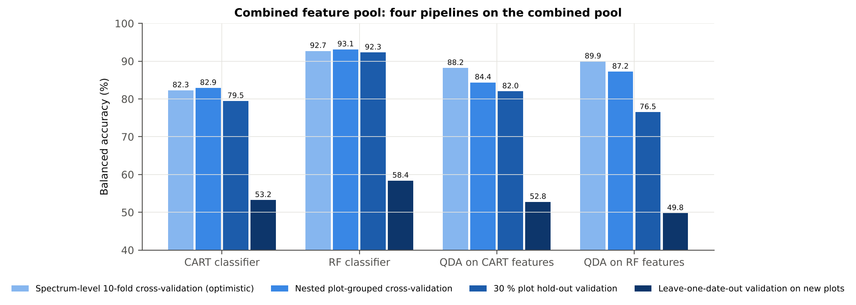
QDA on CART features | spectrum-level 10-fold cross-validation | 1 | 88.5% | 88.2% |  | 0.7143 | 0.9588 | 87.5% | 88.9% | 72.4% | 95.5%
QDA on CART features | nested plot-grouped cross-validation | 5 | 84.9% | 84.4% | 2.1% | 0.6307 | 0.9321 | 83.3% | 85.4% | 65.6% | 93.9%
QDA on CART features | 30 % plot hold-out validation | 10 | 81.5% | 82.0% | 3.4% | 0.5799 | 0.9162 | 83.1% | 80.9% | 62.8% | 93.1%
QDA on CART features | leave-one-date-out validation on new plots | 10 | 60.2% | 52.8% | 5.4% | 0.0560 | 0.6284 | 36.9% | 68.6% | 30.8% | 74.7%
QDA on RF features | spectrum-level 10-fold cross-validation | 1 | 93.2% | 89.9% |  | 0.8156 | 0.9706 | 83.3% | 96.5% | 88.9% | 94.6%
QDA on RF features | nested plot-grouped cross-validation | 5 | 91.5% | 87.2% | 2.8% | 0.7652 | 0.9659 | 78.8% | 95.7% | 85.9% | 93.1%
QDA on RF features | 30 % plot hold-out validation | 10 | 85.7% | 76.5% | 7.2% | 0.5879 | 0.9211 | 56.9% | 96.1% | 85.3% | 86.1%
QDA on RF features | leave-one-date-out validation on new plots | 10 | 70.7% | 49.8% | 3.7% | -0.0034 | 0.4893 | 5.0% | 94.5% | 37.5% | 73.2%
...

29_Pool_Stability
...
Table 29.4 Re-selection of the all-plot-average spectrum RF features
Feature | Type | Re-selected by CART (±10 nm) | Re-selected by RF (±10 nm)
D1_871 | First-derivative band | 100.0% | 100.0%
D1_852 | First-derivative band | 10.0% | 100.0%
D2_737 | Second-derivative band | 0.0% | 100.0%
D1_893 | First-derivative band | 0.0% | 100.0%
D2_682 | Second-derivative band | 42.0% | 92.0%
D3_738 | Third-derivative band | 0.0% | 98.0%
D1_839 | First-derivative band | 10.0% | 100.0%
D1_784 | First-derivative band | 0.0% | 36.0%
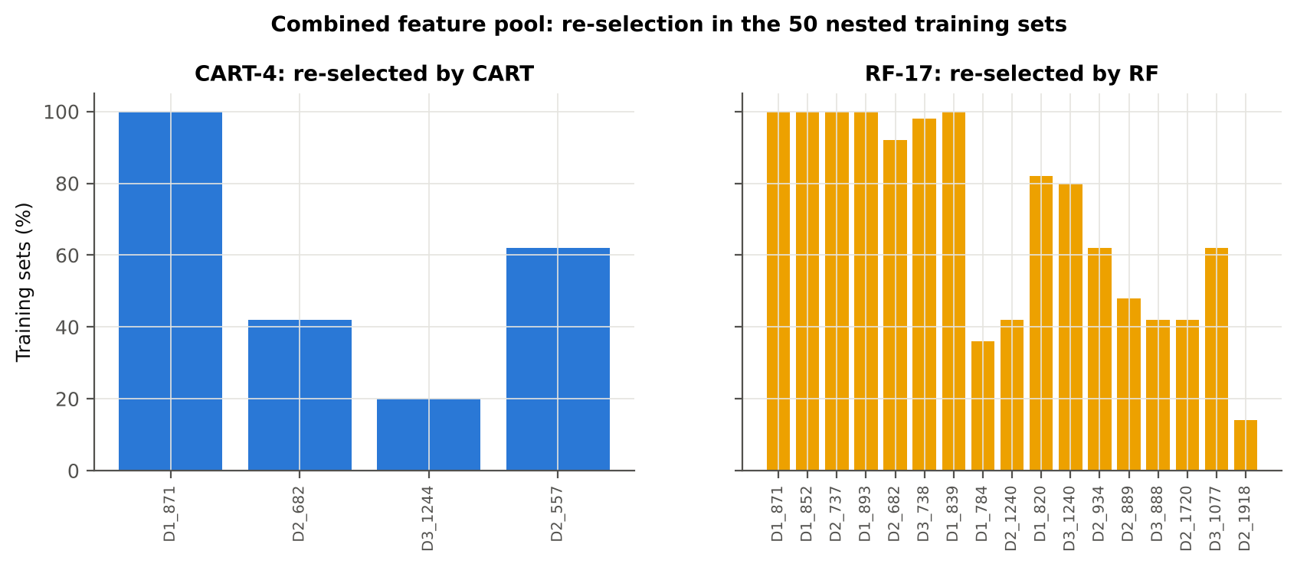
D2_1240 | Second-derivative band | 22.0% | 42.0%
D1_820 | First-derivative band | 0.0% | 82.0%
D3_1240 | Third-derivative band | 20.0% | 80.0%
D2_934 | Second-derivative band | 0.0% | 62.0%
D2_889 | Second-derivative band | 0.0% | 48.0%
D3_888 | Third-derivative band | 4.0% | 42.0%
D2_1720 | Second-derivative band | 0.0% | 42.0%
D3_1077 | Third-derivative band | 8.0% | 62.0%
D2_1918 | Second-derivative band | 2.0% | 14.0%
...

31_Transfer_New_Date
...
Result in brief
Reflectance (raw-reflectance four tiers) | RF classifier | 24-02-2026 | 10 | 10 | 15.00 | 55.9% | 17.8%
Reflectance (raw-reflectance four tiers) | RF classifier | 03-03-2026 | 10 | 10 | 15.00 | 65.0% | 7.9%
Reflectance (raw-reflectance four tiers) | RF classifier | 13-03-2026 | 10 | 10 | 15.00 | 50.0% | 0.0%
Reflectance (raw-reflectance four tiers) | QDA on CART features | 11-02-2026 | 10 | 10 | 15.00 | 45.0% | 11.7%
Reflectance (raw-reflectance four tiers) | QDA on CART features | 24-02-2026 | 10 | 10 | 15.00 | 69.7% | 17.6%
Reflectance (raw-reflectance four tiers) | QDA on CART features | 03-03-2026 | 10 | 10 | 15.00 | 73.3% | 13.8%
Reflectance (raw-reflectance four tiers) | QDA on CART features | 13-03-2026 | 10 | 10 | 15.00 | 50.0% | 0.0%
Reflectance (raw-reflectance four tiers) | QDA on RF features | 11-02-2026 | 10 | 10 | 15.00 | 52.3% | 14.3%
Reflectance (raw-reflectance four tiers) | QDA on RF features | 24-02-2026 | 10 | 10 | 15.00 | 53.8% | 6.0%
Reflectance (raw-reflectance four tiers) | QDA on RF features | 03-03-2026 | 10 | 10 | 15.00 | 51.3% | 4.0%
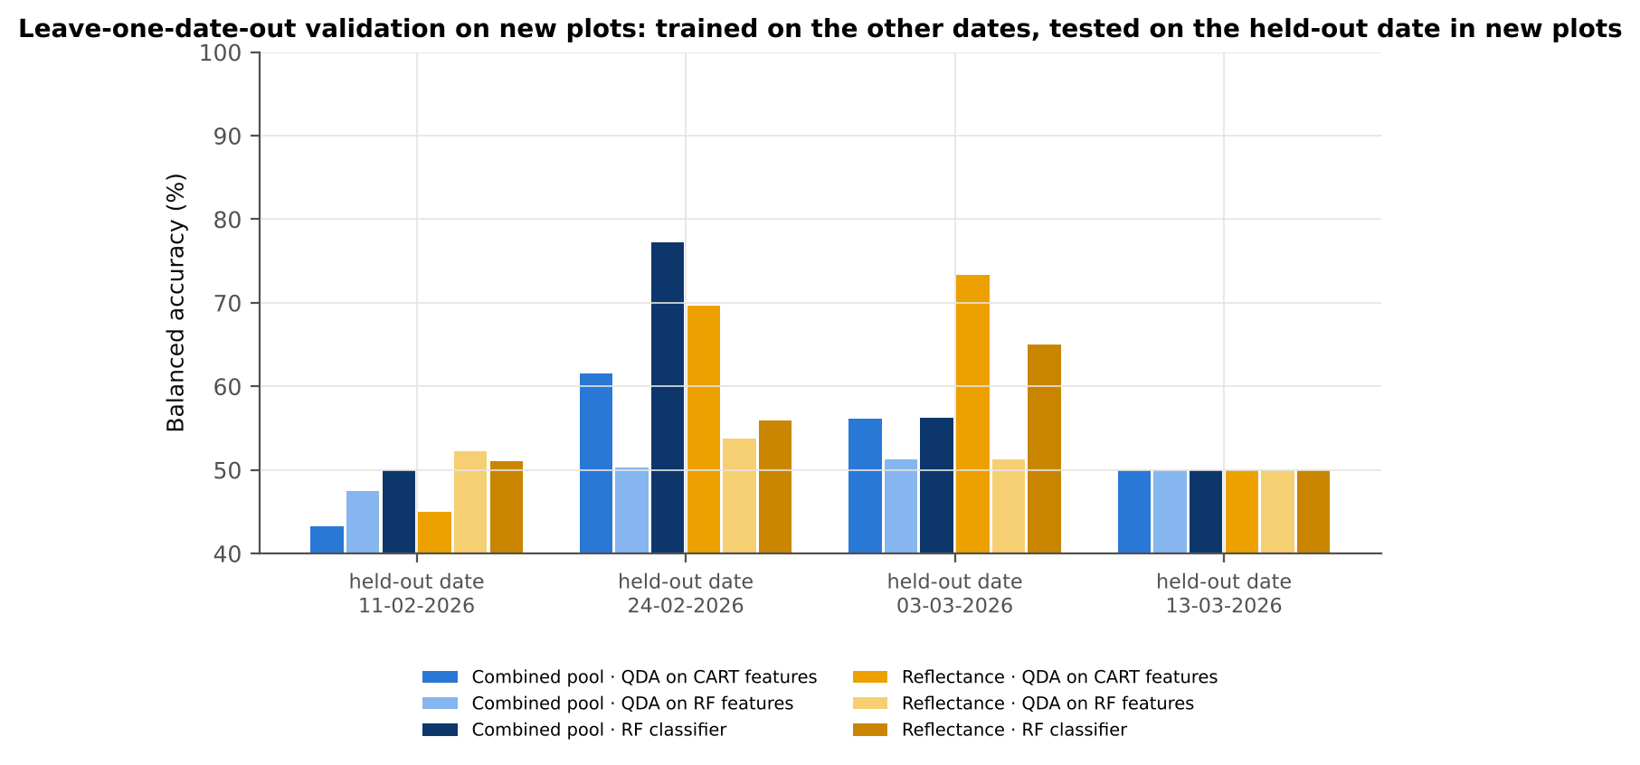
Reflectance (raw-reflectance four tiers) | QDA on RF features | 13-03-2026 | 10 | 10 | 15.00 | 50.0% | 0.0%
Combined pool (combined feature pool) | CART classifier | 11-02-2026 | 10 | 10 | 15.00 | 50.0% | 0.0%
Combined pool (combined feature pool) | CART classifier | 24-02-2026 | 10 | 10 | 15.00 | 55.5% | 18.4%
Combined pool (combined feature pool) | CART classifier | 03-03-2026 | 10 | 10 | 15.00 | 58.4% | 18.7%
Combined pool (combined feature pool) | CART classifier | 13-03-2026 | 10 | 10 | 15.00 | 49.1% | 2.9%
Combined pool (combined feature pool) | RF classifier | 11-02-2026 | 10 | 10 | 15.00 | 50.0% | 0.0%
Combined pool (combined feature pool) | RF classifier | 24-02-2026 | 10 | 10 | 15.00 | 77.3% | 11.0%
Combined pool (combined feature pool) | RF classifier | 03-03-2026 | 10 | 10 | 15.00 | 56.3% | 6.6%
Combined pool (combined feature pool) | RF classifier | 13-03-2026 | 10 | 10 | 15.00 | 50.0% | 0.0%
Combined pool (combined feature pool) | QDA on CART features | 11-02-2026 | 10 | 10 | 15.00 | 43.3% | 9.8%
Combined pool (combined feature pool) | QDA on CART features | 24-02-2026 | 10 | 10 | 15.00 | 61.6% | 22.9%
Combined pool (combined feature pool) | QDA on CART features | 03-03-2026 | 10 | 10 | 15.00 | 56.1% | 15.1%
Combined pool (combined feature pool) | QDA on CART features | 13-03-2026 | 10 | 10 | 15.00 | 50.0% | 0.0%
Combined pool (combined feature pool) | QDA on RF features | 11-02-2026 | 10 | 10 | 15.00 | 47.5% | 13.6%
Combined pool (combined feature pool) | QDA on RF features | 24-02-2026 | 10 | 10 | 15.00 | 50.3% | 3.0%
Combined pool (combined feature pool) | QDA on RF features | 03-03-2026 | 10 | 10 | 15.00 | 51.3% | 4.0%
Combined pool (combined feature pool) | QDA on RF features | 13-03-2026 | 10 | 10 | 15.00 | 50.0% | 0.0%

37_ChartData
...
Figure 3. Mean reflectance (healthy vs diseased)
 | Mean healthy | Mean diseased
400.00 | 0.2373 | 0.2421
401.00 | 0.2363 | 0.2416
402.00 | 0.2361 | 0.2410
403.00 | 0.2357 | 0.2404
404.00 | 0.2356 | 0.2403
405.00 | 0.2354 | 0.2402
406.00 | 0.2334 | 0.2375
407.00 | 0.2320 | 0.2365
408.00 | 0.2310 | 0.2365
409.00 | 0.2297 | 0.2351
410.00 | 0.2290 | 0.2343
411.00 | 0.2288 | 0.2341
412.00 | 0.2288 | 0.2341
413.00 | 0.2280 | 0.2337
414.00 | 0.2268 | 0.2325
415.00 | 0.2252 | 0.2310
416.00 | 0.2236 | 0.2295
417.00 | 0.2232 | 0.2292
418.00 | 0.2226 | 0.2285
419.00 | 0.2215 | 0.2273
420.00 | 0.2202 | 0.2263
421.00 | 0.2190 | 0.2250
422.00 | 0.2178 | 0.2236
423.00 | 0.2166 | 0.2225
424.00 | 0.2151 | 0.2211
425.00 | 0.2140 | 0.2200
426.00 | 0.2130 | 0.2192
427.00 | 0.2117 | 0.2181
428.00 | 0.2102 | 0.2167
429.00 | 0.2085 | 0.2149
430.00 | 0.2068 | 0.2130
431.00 | 0.2055 | 0.2119
432.00 | 0.2045 | 0.2110
433.00 | 0.2033 | 0.2099
434.00 | 0.2015 | 0.2081
435.00 | 0.2005 | 0.2070
436.00 | 0.1993 | 0.2058
437.00 | 0.1975 | 0.2043
438.00 | 0.1960 | 0.2029
439.00 | 0.1949 | 0.2018
440.00 | 0.1938 | 0.2009
441.00 | 0.1927 | 0.1998
442.00 | 0.1915 | 0.1987
443.00 | 0.1903 | 0.1976
444.00 | 0.1892 | 0.1965
445.00 | 0.1884 | 0.1957
446.00 | 0.1873 | 0.1948
447.00 | 0.1862 | 0.1938
448.00 | 0.1854 | 0.1930
449.00 | 0.1843 | 0.1920
...
−log10 q mixed model | q = 0.05 line | RF importance × 1000 | Band reflectance AUC | D1 AUC
0.0859 | 1.3010 | 0.0000 | 0.5398 | 0.5729
0.0970 | 1.3010 | 0.0000 | 0.5450 | 0.5091
0.0893 | 1.3010 | 0.0000 | 0.5422 | 0.5987
0.0841 | 1.3010 | 0.0000 | 0.5398 | 0.5505
0.0859 | 1.3010 | 0.0000 | 0.5409 | 0.5344
0.0898 | 1.3010 | 0.0000 | 0.5424 | 0.5916
0.0738 | 1.3010 | 0.0000 | 0.5352 | 0.5365
0.0859 | 1.3010 | 0.0000 | 0.5395 | 0.6998
0.1092 | 1.3010 | 0.0000 | 0.5495 | 0.6450
0.1092 | 1.3010 | 0.0000 | 0.5503 | 0.5010
0.1107 | 1.3010 | 0.0000 | 0.5508 | 0.5026
0.1108 | 1.3010 | 0.0000 | 0.5502 | 0.5071
0.1108 | 1.3010 | 0.0000 | 0.5527 | 0.5609
0.1202 | 1.3010 | 0.0000 | 0.5560 | 0.5694
0.1243 | 1.3010 | 0.0000 | 0.5553 | 0.5130
0.1264 | 1.3010 | 0.0000 | 0.5550 | 0.5227
0.1317 | 1.3010 | 0.0000 | 0.5589 | 0.5593
0.1366 | 1.3010 | 0.0000 | 0.5612 | 0.5036
0.1347 | 1.3010 | 0.0000 | 0.5603 | 0.5660
Figure 5b. −log10(p) against wavelength
 | −log10 p Welch | −log10 q Welch | −log10 q mixed model | q = 0.05 line
400.00 | 0.1274 | 0.0848 | 0.0859 | 1.3010
401.00 | 0.1415 | 0.0960 | 0.0970 | 1.3010
402.00 | 0.1320 | 0.0883 | 0.0893 | 1.3010
403.00 | 0.1253 | 0.0835 | 0.0841 | 1.3010
404.00 | 0.1276 | 0.0848 | 0.0859 | 1.3010
405.00 | 0.1332 | 0.0893 | 0.0898 | 1.3010
406.00 | 0.1137 | 0.0733 | 0.0738 | 1.3010
407.00 | 0.1276 | 0.0848 | 0.0859 | 1.3010
408.00 | 0.1560 | 0.1074 | 0.1092 | 1.3010
409.00 | 0.1559 | 0.1074 | 0.1092 | 1.3010
410.00 | 0.1583 | 0.1091 | 0.1107 | 1.3010
411.00 | 0.1586 | 0.1092 | 0.1108 | 1.3010
412.00 | 0.1586 | 0.1092 | 0.1108 | 1.3010
413.00 | 0.1707 | 0.1180 | 0.1202 | 1.3010
414.00 | 0.1760 | 0.1190 | 0.1243 | 1.3010
415.00 | 0.1786 | 0.1190 | 0.1264 | 1.3010
416.00 | 0.1854 | 0.1190 | 0.1317 | 1.3010
417.00 | 0.1930 | 0.1190 | 0.1366 | 1.3010
418.00 | 0.1898 | 0.1190 | 0.1347 | 1.3010
419.00 | 0.1856 | 0.1190 | 0.1317 | 1.3010
420.00 | 0.2035 | 0.1191 | 0.1388 | 1.3010
421.00 | 0.2018 | 0.1190 | 0.1388 | 1.3010
422.00 | 0.1966 | 0.1190 | 0.1388 | 1.3010
423.00 | 0.2026 | 0.1190 | 0.1388 | 1.3010
424.00 | 0.2081 | 0.1225 | 0.1388 | 1.3010
425.00 | 0.2130 | 0.1268 | 0.1388 | 1.3010
426.00 | 0.2203 | 0.1324 | 0.1391 | 1.3010
427.00 | 0.2334 | 0.1434 | 0.1444 | 1.3010
428.00 | 0.2389 | 0.1474 | 0.1483 | 1.3010
429.00 | 0.2366 | 0.1459 | 0.1468 | 1.3010
430.00 | 0.2337 | 0.1435 | 0.1448 | 1.3010
431.00 | 0.2477 | 0.1555 | 0.1554 | 1.3010
432.00 | 0.2560 | 0.1625 | 0.1626 | 1.3010
433.00 | 0.2607 | 0.1665 | 0.1663 | 1.3010
434.00 | 0.2689 | 0.1736 | 0.1728 | 1.3010
435.00 | 0.2667 | 0.1716 | 0.1713 | 1.3010
436.00 | 0.2733 | 0.1772 | 0.1764 | 1.3010
437.00 | 0.2904 | 0.1930 | 0.1909 | 1.3010
438.00 | 0.2993 | 0.2006 | 0.1987 | 1.3010
439.00 | 0.3069 | 0.2072 | 0.2053 | 1.3010
440.00 | 0.3168 | 0.2163 | 0.2135 | 1.3010
441.00 | 0.3296 | 0.2278 | 0.2245 | 1.3010
442.00 | 0.3394 | 0.2365 | 0.2328 | 1.3010
443.00 | 0.3481 | 0.2442 | 0.2404 | 1.3010
444.00 | 0.3566 | 0.2514 | 0.2474 | 1.3010
445.00 | 0.3647 | 0.2585 | 0.2548 | 1.3010
446.00 | 0.3758 | 0.2680 | 0.2642 | 1.3010
447.00 | 0.3874 | 0.2785 | 0.2740 | 1.3010
448.00 | 0.3973 | 0.2871 | 0.2812 | 1.3010
449.00 | 0.4063 | 0.2949 | 0.2870 | 1.3010
...
0.1317 | 1.3010 | 0.0000 | 0.5592 | 0.5726
0.1388 | 1.3010 | 0.0000 | 0.5651 | 0.5819
0.1388 | 1.3010 | 0.0000 | 0.5626 | 0.5693
0.1388 | 1.3010 | 0.0000 | 0.5613 | 0.5320
0.1388 | 1.3010 | 0.0000 | 0.5642 | 0.5427
0.1388 | 1.3010 | 0.0000 | 0.5648 | 0.5396
0.1388 | 1.3010 | 0.0000 | 0.5651 | 0.5450
0.1391 | 1.3010 | 0.0000 | 0.5673 | 0.6277
0.1444 | 1.3010 | 0.0000 | 0.5707 | 0.6091
0.1483 | 1.3010 | 0.0000 | 0.5712 | 0.5275
0.1468 | 1.3010 | 0.0000 | 0.5699 | 0.6095
0.1448 | 1.3010 | 0.0000 | 0.5696 | 0.5341
0.1554 | 1.3010 | 0.0000 | 0.5710 | 0.6353
0.1626 | 1.3010 | 0.0000 | 0.5734 | 0.5632
0.1663 | 1.3010 | 0.0000 | 0.5735 | 0.5456
0.1728 | 1.3010 | 0.0000 | 0.5747 | 0.5227
0.1713 | 1.3010 | 0.0000 | 0.5742 | 0.5197
0.1764 | 1.3010 | 0.0000 | 0.5754 | 0.6102
0.1909 | 1.3010 | 0.0000 | 0.5773 | 0.6402
0.1987 | 1.3010 | 0.0000 | 0.5791 | 0.5870
Figure 5. Balanced subsets with a significant difference (%)
 | Balanced subsets significant (%)
400.00 | 0.2000
401.00 | 0.2000
402.00 | 0.2000
403.00 | 0.2000
404.00 | 0.2000
405.00 | 0.2000
406.00 | 0.2000
407.00 | 0.2000
408.00 | 0.2000
409.00 | 0.2000
410.00 | 0.2000
411.00 | 0.2000
412.00 | 0.2000
413.00 | 0.2000
414.00 | 0.2000
415.00 | 0.2000
416.00 | 0.2000
417.00 | 0.2000
418.00 | 0.2000
419.00 | 0.2000
420.00 | 0.2000
421.00 | 0.2000
422.00 | 0.2000
423.00 | 0.2000
424.00 | 0.3000
425.00 | 0.3000
426.00 | 0.3000
427.00 | 0.3000
428.00 | 0.3000
429.00 | 0.3000
430.00 | 0.3000
431.00 | 0.3000
432.00 | 0.3000
433.00 | 0.3000
434.00 | 0.3000
435.00 | 0.3000
436.00 | 0.3000
437.00 | 0.4000
438.00 | 0.5000
439.00 | 0.5000
440.00 | 0.6000
441.00 | 0.6000
442.00 | 0.6000
443.00 | 0.6000
444.00 | 0.7000
445.00 | 0.7000
446.00 | 0.7000
447.00 | 0.8000
448.00 | 0.9000
449.00 | 1.0000
...
0.2053 | 1.3010 | 0.0000 | 0.5803 | 0.5992
0.2135 | 1.3010 | 0.0000 | 0.5822 | 0.6377
0.2245 | 1.3010 | 0.0000 | 0.5839 | 0.6270
0.2328 | 1.3010 | 0.0000 | 0.5851 | 0.5749
0.2404 | 1.3010 | 0.0000 | 0.5851 | 0.5473
0.2474 | 1.3010 | 0.0000 | 0.5855 | 0.5475
0.2548 | 1.3010 | 0.0000 | 0.5859 | 0.5622
0.2642 | 1.3010 | 0.0000 | 0.5870 | 0.5926
0.2740 | 1.3010 | 0.0000 | 0.5893 | 0.5804
0.2812 | 1.3010 | 0.0000 | 0.5900 | 0.5683
0.2870 | 1.3010 | 0.0000 | 0.5897 | 0.5418
0.2932 | 1.3010 | 0.0000 | 0.5900 | 0.5379
0.2998 | 1.3010 | 0.0000 | 0.5901 | 0.5326
0.3063 | 1.3010 | 0.0000 | 0.5906 | 0.5288
0.3141 | 1.3010 | 0.0000 | 0.5910 | 0.5237
0.3214 | 1.3010 | 0.0000 | 0.5919 | 0.5163
0.3281 | 1.3010 | 0.0000 | 0.5919 | 0.5158
0.3364 | 1.3010 | 0.0000 | 0.5919 | 0.5298
0.3458 | 1.3010 | 0.0000 | 0.5924 | 0.5411
0.3556 | 1.3010 | 0.0000 | 0.5930 | 0.5382
Figure A1. RF importance spectrum
 | RF importance × 1000
400.00 | 0.0000
401.00 | 0.0000
402.00 | 0.0000
403.00 | 0.0000
404.00 | 0.0000
405.00 | 0.0000
406.00 | 0.0000
407.00 | 0.0000
408.00 | 0.0000
409.00 | 0.0000
410.00 | 0.0000
411.00 | 0.0000
412.00 | 0.0000
413.00 | 0.0000
414.00 | 0.0000
415.00 | 0.0000
416.00 | 0.0000
417.00 | 0.0000
418.00 | 0.0000
419.00 | 0.0000
420.00 | 0.0000
421.00 | 0.0000
422.00 | 0.0000
423.00 | 0.0000
424.00 | 0.0000
425.00 | 0.0000
426.00 | 0.0000
427.00 | 0.0000
428.00 | 0.0000
429.00 | 0.0000
430.00 | 0.0000
431.00 | 0.0000
432.00 | 0.0000
433.00 | 0.0000
434.00 | 0.0000
435.00 | 0.0000
436.00 | 0.0000
437.00 | 0.0000
438.00 | 0.0000
439.00 | 0.0000
440.00 | 0.0000
441.00 | 0.0000
442.00 | 0.0000
443.00 | 0.0000
444.00 | 0.0000
445.00 | 0.0000
446.00 | 0.0000
447.00 | 0.0000
448.00 | 0.0000
449.00 | 0.0000
...
0.3652 | 1.3010 | 0.0000 | 0.5936 | 0.5150
0.3729 | 1.3010 | 0.0000 | 0.5942 | 0.5140
0.3811 | 1.3010 | 0.0000 | 0.5939 | 0.5097
0.3902 | 1.3010 | 0.0000 | 0.5940 | 0.5917
0.4047 | 1.3010 | 0.0000 | 0.5945 | 0.5632
0.4137 | 1.3010 | 0.0000 | 0.5961 | 0.5346
0.4212 | 1.3010 | 0.0000 | 0.5959 | 0.5045
0.4338 | 1.3010 | 0.0000 | 0.5971 | 0.5666
0.4474 | 1.3010 | 0.0000 | 0.5977 | 0.5464
0.4597 | 1.3010 | 0.0000 | 0.5978 | 0.5407
0.4713 | 1.3010 | 0.0000 | 0.5982 | 0.5427
0.4833 | 1.3010 | 0.0000 | 0.5992 | 0.5276
0.4921 | 1.3010 | 0.0000 | 0.5991 | 0.5012
0.5025 | 1.3010 | 0.0000 | 0.5990 | 0.5479
0.5167 | 1.3010 | 0.0000 | 0.5997 | 0.5341
0.5250 | 1.3010 | 0.0000 | 0.5995 | 0.5059
0.5333 | 1.3010 | 0.0000 | 0.5990 | 0.5139
0.5455 | 1.3010 | 0.0000 | 0.5995 | 0.5538
0.5594 | 1.3010 | 0.0000 | 0.6005 | 0.5826
0.5747 | 1.3010 | 0.0000 | 0.6024 | 0.5548
Figure K1. AUC of every band
 | Band reflectance AUC | D1 AUC
400.00 | 0.5398 | 0.5729
401.00 | 0.5450 | 0.5091
402.00 | 0.5422 | 0.5987
403.00 | 0.5398 | 0.5505
404.00 | 0.5409 | 0.5344
405.00 | 0.5424 | 0.5916
406.00 | 0.5352 | 0.5365
407.00 | 0.5395 | 0.6998
408.00 | 0.5495 | 0.6450
409.00 | 0.5503 | 0.5010
410.00 | 0.5508 | 0.5026
411.00 | 0.5502 | 0.5071
412.00 | 0.5527 | 0.5609
413.00 | 0.5560 | 0.5694
414.00 | 0.5553 | 0.5130
415.00 | 0.5550 | 0.5227
416.00 | 0.5589 | 0.5593
417.00 | 0.5612 | 0.5036
418.00 | 0.5603 | 0.5660
419.00 | 0.5592 | 0.5726
420.00 | 0.5651 | 0.5819
421.00 | 0.5626 | 0.5693
422.00 | 0.5613 | 0.5320
423.00 | 0.5642 | 0.5427
424.00 | 0.5648 | 0.5396
425.00 | 0.5651 | 0.5450
426.00 | 0.5673 | 0.6277
427.00 | 0.5707 | 0.6091
428.00 | 0.5712 | 0.5275
429.00 | 0.5699 | 0.6095
430.00 | 0.5696 | 0.5341
431.00 | 0.5710 | 0.6353
432.00 | 0.5734 | 0.5632
433.00 | 0.5735 | 0.5456
434.00 | 0.5747 | 0.5227
435.00 | 0.5742 | 0.5197
436.00 | 0.5754 | 0.6102
437.00 | 0.5773 | 0.6402
438.00 | 0.5791 | 0.5870
439.00 | 0.5803 | 0.5992
440.00 | 0.5822 | 0.6377
441.00 | 0.5839 | 0.6270
442.00 | 0.5851 | 0.5749
443.00 | 0.5851 | 0.5473
444.00 | 0.5855 | 0.5475
445.00 | 0.5859 | 0.5622
446.00 | 0.5870 | 0.5926
447.00 | 0.5893 | 0.5804
448.00 | 0.5900 | 0.5683
449.00 | 0.5897 | 0.5418
...
0.5875 | 1.3010 | 0.0000 | 0.6027 | 0.5127
0.5956 | 1.3010 | 0.0000 | 0.6030 | 0.5148
0.6091 | 1.3010 | 0.0000 | 0.6040 | 0.5363
0.6237 | 1.3010 | 0.0000 | 0.6046 | 0.5288
0.6373 | 1.3010 | 0.0000 | 0.6046 | 0.5258
0.6498 | 1.3010 | 0.0000 | 0.6052 | 0.5467
0.6639 | 1.3010 | 0.0000 | 0.6049 | 0.5726
0.6805 | 1.3010 | 0.0000 | 0.6059 | 0.5583
0.6996 | 1.3010 | 0.0000 | 0.6072 | 0.5739
0.7160 | 1.3010 | 0.0000 | 0.6084 | 0.5985
0.7348 | 1.3010 | 0.0000 | 0.6085 | 0.5851
0.7532 | 1.3010 | 0.0000 | 0.6089 | 0.5629
0.7710 | 1.3010 | 0.0000 | 0.6092 | 0.5767
0.7949 | 1.3010 | 0.0000 | 0.6094 | 0.5991
0.8174 | 1.3010 | 0.0000 | 0.6105 | 0.5877
0.8364 | 1.3010 | 0.0000 | 0.6107 | 0.5859
0.8619 | 1.3010 | 0.0000 | 0.6105 | 0.6026
0.8874 | 1.3010 | 0.0000 | 0.6100 | 0.6075
0.9095 | 1.3010 | 0.0000 | 0.6092 | 0.5784
0.9260 | 1.3010 | 0.0000 | 0.6085 | 0.5645
Figure A3. Balanced accuracy by pipeline and validation scheme (Part A)
0.9531 | 1.3010 | 0.0000 | 0.6094 | 0.5694
0.9744 | 1.3010 | 0.0000 | 0.6114 | 0.5736
0.9929 | 1.3010 | 0.0000 | 0.6107 | 0.6010
1.0181 | 1.3010 | 0.0000 | 0.6114 | 0.6058
1.0407 | 1.3010 | 0.0000 | 0.6120 | 0.5744
1.0557 | 1.3010 | 0.0000 | 0.6114 | 0.5534
1.0653 | 1.3010 | 0.0000 | 0.6120 | 0.5679
1.0826 | 1.3010 | 1.6642 | 0.6117 | 0.5621
1.0874 | 1.3010 | 2.1792 | 0.6107 | 0.5350
1.0867 | 1.3010 | 2.3219 | 0.6094 | 0.5463
1.0930 | 1.3010 | 2.3212 | 0.6113 | 0.5395
1.0874 | 1.3010 | 2.2133 | 0.6095 | 0.5030
1.0745 | 1.3010 | 1.7654 | 0.6098 | 0.5003
1.0572 | 1.3010 | 2.6686 | 0.6105 | 0.5152
1.0287 | 1.3010 | 0.0000 | 0.6102 | 0.5260
0.9998 | 1.3010 | 0.0000 | 0.6082 | 0.5203
0.9673 | 1.3010 | 0.0000 | 0.6066 | 0.5272
0.9269 | 1.3010 | 0.0000 | 0.6029 | 0.5421
0.8908 | 1.3010 | 0.0000 | 0.6008 | 0.5427
0.8486 | 1.3010 | 0.0000 | 0.5981 | 0.5409
0.8050 | 1.3010 | 0.0000 | 0.5940 | 0.5580
0.7555 | 1.3010 | 0.0000 | 0.5894 | 0.5761
0.7090 | 1.3010 | 0.0000 | 0.5868 | 0.5817
0.6619 | 1.3010 | 0.0000 | 0.5839 | 0.5828
0.6160 | 1.3010 | 0.0000 | 0.5804 | 0.5920
0.5702 | 1.3010 | 0.0000 | 0.5771 | 0.5955
0.5306 | 1.3010 | 0.0000 | 0.5738 | 0.5985
0.4923 | 1.3010 | 0.0000 | 0.5710 | 0.6094
...

