01_Summary
Summary — results of every step
Balanced accuracy (BA) = mean of healthy and diseased recall; it is the headline metric because the classes are imbalanced (1 : 5.0).

Key numbers
Item | Result
Leaf spectra analysed (healthy / diseased) | 540 (90 / 450); 48 plots (12 / 36); 1 date: 24-02-2026; growth stages: Flowering, Vegetative; varieties: V1, V2, V3
Tier 1 — bands significant (Welch + FDR) | 1176 of 2101
Tier 2 — CART bands (rpart, prior 0.5/0.5) | 15: 697, 2491, 687, 756, 527, 1432, 422, 419, 1395, 694, 765, 1905, 423, 676, 424 nm
Tier 2 — RF bands (top-17 MDI peaks) | 693, 705, 624, 664, 1905, 652, 1981, 638, 2498, 586, 419, 610, 681, 769, 2487, 1403, 1995 nm
Tier 3 — J–M healthy vs diseased (CART / RF bands) | 1.604 / 1.891 (threshold 1.90)
Tier 4 — QDA equal priors, 10-fold CV (V1): BA CART / RF bands | 75.7 % / 84.9 %
Honest estimate (V3 nested plot-grouped CV): QDA on CART bands | BA 79.6 ± 1.6 %
Part C — combined pool: features / Tier-1 significant | 4150 / 2510
Part C — CART features | 4: D1_1922, D1_972, D1_1722, CR6 water 1940 symmetry
Part C — QDA on RF-17 features (V3 / V4) | 93.6 % / 88.5 %

Table Z.1 All approaches side by side (ranked by the honest V3 balanced accuracy)
Approach | BA V1 (leaf 10-fold) | BA V3 (nested CV) | SD V3 | BA V4 (hold-out plots) | SD V4 | BA V5 (new variety) | AUC V3 | κ V3
K5 · K4 incl. guard bands (artefact): RF |  | 94.9% | 0.5% | 92.9% | 2.8% |  | 0.985 | 0.887
Part C · combined-pool four-tier: QDA on RF-17 (RF-selected) | 96.2% | 93.6% | 0.8% | 88.5% | 4.0% | 93.1% | 0.979 | 0.818
Part C · combined-pool four-tier: RF classifier (Balanced RF) | 93.9% | 92.8% | 0.8% | 92.1% | 3.3% | 93.4% | 0.976 | 0.819
K5 · K4 derivatives + edge: RF |  | 92.7% | 0.5% | 92.1% | 2.7% |  | 0.976 | 0.806
K5 · K1–K4 combined: RF |  | 92.5% | 0.6% | 92.0% | 2.9% |  | 0.976 | 0.801
K5 · K4 incl. guard bands (artefact): CART |  | 91.9% | 0.6% | 89.8% | 3.3% |  | 0.937 | 0.785
K5 · K-selected 15: QDA |  | 91.6% | 0.8% | 88.2% | 3.9% |  | 0.959 | 0.784
K5 · K2 continuum removal: RF |  | 91.1% | 0.4% | 90.1% | 5.3% |  | 0.968 | 0.739
K5 · K-selected 15: RF |  | 90.9% | 0.5% | 90.4% | 4.8% |  | 0.968 | 0.725
K5 · K1–K4 combined: CART |  | 90.6% | 0.6% | 90.4% | 2.6% |  | 0.907 | 0.767
Part C · combined-pool four-tier: CART classifier (rpart) | 90.2% | 90.0% | 0.4% | 91.1% | 3.9% | 92.6% | 0.902 | 0.754
K5 · K4 derivatives + edge: CART |  | 89.5% | 0.9% | 90.3% | 2.6% |  | 0.912 | 0.732
Part C · combined-pool four-tier: QDA on CART-4 (CART-selected) | 94.9% | 89.3% | 1.4% | 89.9% | 4.3% | 87.9% | 0.939 | 0.680
Single feature · K3b optimised NDSI, join-free pairs (search nested) |  | 89.2% |  | 89.1% | 4.8%
Single feature · K3b optimised NDSI, all pairs — brackets the 1800 nm join (search nested) |  | 89.2% |  | 89.1% | 4.8%
Single feature · K2 best single parameter: CR6 water 1940 symmetry (threshold) | 89.8% | 88.2% |  | 87.5% |  |  | 0.926
K5 · K2 continuum removal: CART |  | 87.1% | 1.1% | 85.8% | 3.2% |  | 0.891 | 0.614
K5 · K-selected 15: CART |  | 86.3% | 1.2% | 88.2% | 4.1% |  | 0.890 | 0.610
Part A · reflectance four-tier: QDA on RF-17 (RF-selected) | 84.9% | 83.6% | 1.7% | 79.4% | 4.4% | 79.2% | 0.891 | 0.529
Part A · reflectance four-tier: QDA on CART-15 (CART-selected) | 75.7% | 79.6% | 1.6% | 74.2% | 5.0% | 73.9% | 0.875 | 0.418
Single feature · K3 best single index: ARI (threshold) | 76.7% | 75.3% |  | 73.2% |  |  | 0.809
K5 · K1 reflectance: RF |  | 73.6% | 0.8% | 72.1% | 4.0% |  | 0.831 | 0.415
K5 · full raw spectrum: RF |  | 73.4% | 1.1% | 71.6% | 4.9% |  | 0.823 | 0.416
K5 · full raw spectrum: CART |  | 70.5% | 2.1% | 69.6% | 5.0% |  | 0.727 | 0.334
Part A · reflectance four-tier: RF classifier (Balanced RF) | 72.1% | 69.3% | 1.2% | 68.3% | 3.4% | 72.1% | 0.786 | 0.331
K5 · K1 reflectance: CART |  | 69.1% | 1.6% | 69.7% | 5.1% |  | 0.708 | 0.317
K5 · K3 vegetation indices: RF |  | 68.7% | 1.0% | 68.3% | 7.1% |  | 0.791 | 0.307
K5 · K3 vegetation indices: CART |  | 67.9% | 1.1% | 67.5% | 3.5% |  | 0.685 | 0.271
Single feature · REIP best method: REIP – linear 4-point interpolation (threshold) | 69.3% | 65.7% |  | 63.5% |  |  | 0.736
Single feature · K4 best edge parameter: REP, linear 4-point (nm) (threshold) | 69.3% | 65.7% |  | 63.5% |  |  | 0.736
Part A · reflectance four-tier: CART classifier (rpart) | 71.7% | 64.6% | 3.0% | 67.0% | 5.5% | 67.8% | 0.665 | 0.222
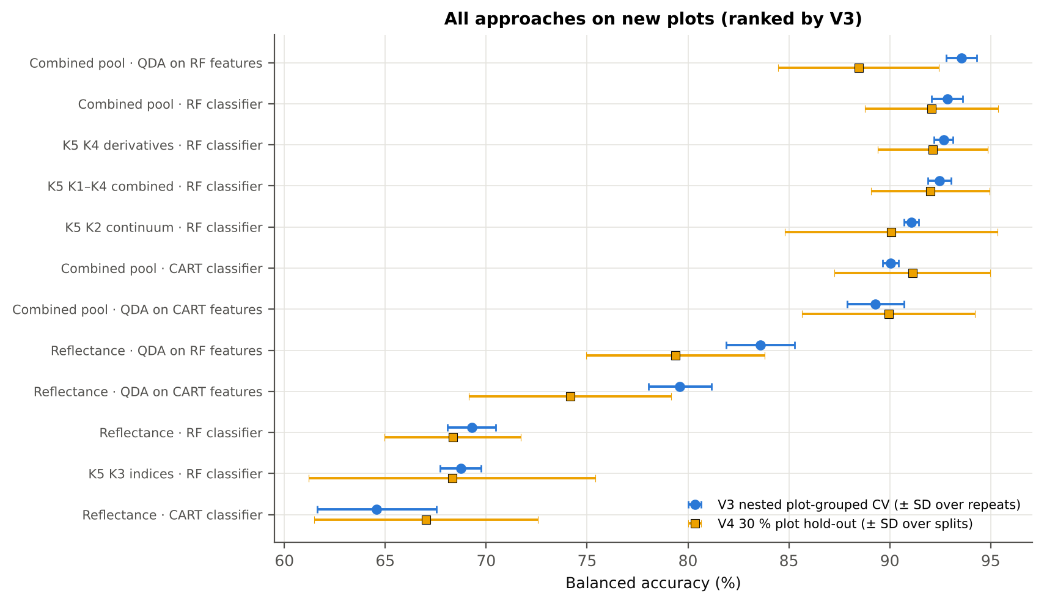
V1 = leaf-level 10-fold CV with features chosen on all leaves (the paper's protocol; optimistic). V3 = nested plot-grouped CV (10-fold × 5 = 50 folds), V4 = 30 % of plots held out × 10, V5 = leave-one-variety-out (3 units: train on the other varieties, test on all leaves of the held-out variety); in V3–V5 every selection step is repeated inside the training set. Single features: threshold chosen on training plots.

Conclusions
1. Subset: date 24-02-2026 only — 540 leaves (90 healthy, 450 diseased; imbalance 1 : 5.0), 12 healthy and 36 diseased plots, date 24-02-2026.
2. Tier 1: healthy and white-rust leaves differ significantly at 1176 of 2101 bands (Welch + BH-FDR); 167 bands remain significant with a random plot effect and 169 in ≥ 95 % of 1000 balanced subsets. The most sensitive single band (smoothed reflectance) reaches AUC 0.75 at 695 nm.
3. Tier 2: CART (rpart, prior 0.5/0.5) selected 15 bands (root 697 nm): 697, 2491, 687, 756, 527, 1432, 422, 419, 1395, 694, 765, 1905, 423, 676, 424 nm. The Balanced RF importance peaks (RF-17) were 693, 705, 624, 664, 1905, 652, 1981, 638, 2498, 586, 419, 610, 681, 769, 2487, 1403, 1995 nm.
4. Tier 3: J–M = 1.60 on the CART bands and 1.89 on the RF bands; CART bands < 1.90 (not separable by the J–M criterion).
5. Tier 4: QDA with equal priors on the CART bands gives BA 75.7 % in the paper's protocol (V1; healthy recall 78.9 %, diseased recall 72.4 %) and 79.6 % ± 1.6 % (V3 nested, plot-grouped) / 74.2 % (V4 hold-out plots) on new plots.
6. CART vs RF: as classifiers RF beats CART by +4.8 points (V3, 33 of 50 folds, p = 0.004); as band selectors for QDA the RF bands are +4.3 points vs the CART bands (p = 0.004). RF selection is more stable (Jaccard ±10 nm 0.62 vs 0.38).
7. Disease-sensitive features (Part K): the strongest group for RF is K4 derivatives + edge parameters (BA 92.7 %, V3) vs 73.6 % for reflectance; best single features: first derivative at 1920 nm (AUC 0.92), CR6 water 1940 symmetry (AUC 0.93), ARI (AUC 0.81), REP, linear 4-point (nm) (AUC 0.74). REIP (linear 4-point interpolation) shifts by -1.7 nm in diseased leaves (AUC 0.74).
8. Part C (four tiers on the combined K1 + K2–K4 pool, 4150 features, 2510 significant): CART chose 4 features, RF 17; QDA on the RF features reaches 93.6 % (V3) / 88.5 % (V4), +10.0 points vs QDA on RF reflectance bands; best pipeline on the pool: QDA on RF features (93.6 %, V3).
9. Transfer (V5, leave-one-variety-out): QDA on CART reflectance bands 73.9 %, QDA on combined-pool RF features 93.1 % (close to the V3 estimate, 93.6 %), i.e. features chosen on two varieties transfer well to the third.
10. Compared with all dates, stages and varieties pooled (V3: reflectance QDA-CART 72.0 %, combined-pool QDA-RF 83.7 %; J–M 1.27), this subset gives 79.6 % and 93.6 % (J–M 1.60): analysing it separately improves discrimination.

Recommendations
Use first-derivative and continuum-removed features rather than single reflectance bands for this subset; the four-tier selection with RF importance on the combined pool and a QDA or RF classifier is the recommended pipeline.
Report balanced accuracy with both class recalls and the priors used; the classes are imbalanced (1 : 5.0) and equal priors / balanced sampling were applied throughout.
Base conclusions on the plot-grouped estimates (V3 10-fold × 5 = 50 folds, V4 10 hold-outs), not on the leaf-level V1 estimate.
Interpret features near the ASD detector joins (≈ 1000 and 1800 nm) with care; guard zones were excluded from the rankings.

02_Design
Workflow, validation design and model settings
Figure 2 of Das et al. (2020), extended with the corrections and the CART-vs-RF, Part K and Part C steps.
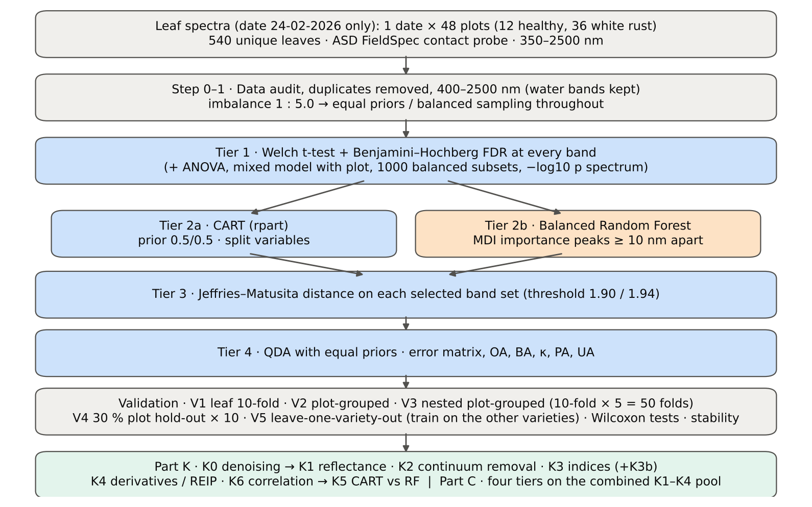

Table 2.1 Corrections applied to the protocol of Das et al. (2020) and why
Issue | Correction | Why
Class imbalance (90 healthy : 450 diseased = 1 : 5.0) | QDA/LDA with equal prior probabilities; rpart prior = c(0.5, 0.5); Balanced RF (each tree on a balanced bootstrap); balanced accuracy as headline metric; 1000 balanced subsets in Tier 1 | without it every classifier favours 'diseased' and overall accuracy is inflated
Two classes only | Welch t-test instead of one-way ANOVA + Tukey HSD (ANOVA reported for comparison: identical ranking) | Tukey HSD is for many pairs; Welch allows unequal variances (Levene)
Multiple testing (2101 bands) | Benjamini–Hochberg FDR (q < 0.05); uncorrected counts reported | 2101 tests at α = 0.05 give ≈ 105 false positives
Pseudo-replication (leaves nested in plots) | mixed model with random plot intercept; every honest validation grouped by plot | leaves of one plot are not independent
Selection bias | Tier 1, band selection and classifier refitted inside every training set (nested V3, V4, V5) | selecting bands on all leaves and validating on the same leaves is optimistic
Water-absorption bands | kept (contact probe with its own light source; no atmospheric path) | Das et al. removed them for canopy measurements
Detector edge 350–399 nm | removed (noise 131 × the 500–699 nm level); sensitivity run with 350–2500 nm | noise could be chosen by CART
Detector joins 1000/1001 and 1800/1801 nm (Part K) | splice correction; guard zones excluded from feature ranking (reported with and without) | instrument artefacts must not be read as disease
Exact duplicate spectra | 75 copies (13-03-2026, block 2) and 4 unnamed copies (plot 27, 11-02-2026) removed from the four files before the subset was taken; 0 of them belong to this subset (0 block-2, 0 unnamed) | a duplicate in both training and test inflates V1
Subset | date 24-02-2026 only: 540 of 2264 leaf spectra; folds, Tier 1–4, Part K and Part C rebuilt for this subset only | each date, stage and variety analysed separately as requested

Table 2.2 Validation design (identical folds in every step; sheet 36_Folds)
Scheme | Folds | What is refitted | Purpose
V1 · leaf-level 10-fold CV | StratifiedKFold, seed 42 | bands fixed (chosen on all leaves); classifier refitted | reproduces the paper (optimistic: leaves of a plot in train and test)
V2 · plot-grouped 10-fold CV | StratifiedGroupKFold, seed 42 | bands fixed; classifier refitted | removes plot leakage, keeps selection bias
V3 · nested plot-grouped CV, 10-fold × 5 = 50 folds | StratifiedGroupKFold, seeds 101–105; k = min(10, plots of the smaller class = 12) so every test fold holds both classes | Tier 1 + selection + classifier refitted | honest estimate for new plots
V4 · hold-out of 30 % of plots × 10 | 4 healthy + 11 diseased plots per split, default_rng(2026) | everything refitted on the remaining plots | independent test plots
V5 · new variety (additional; single date, so no date transfer) | train: the other varieties; test: all leaves of the held-out variety | everything refitted | transfer to an unseen variety (its plots are unseen too)

Table 2.3 CART and Random Forest settings
Setting | CART | Random Forest
Algorithm | rpart 4.1.23 in R 4.3.3 (recursive partitioning, as Das et al.) | BalancedRandomForestClassifier (imbalanced-learn 0.14, scikit-learn 1.9)
Split criterion | Gini | Gini
Imbalance correction | prior = c(0.5, 0.5) | sampling_strategy = 'all', replacement = True, bootstrap = False (balanced bootstrap per tree)
Size / randomness | minsplit 20, minbucket 7, cp 0.01, maxcompete 0, maxsurrogate 0 | 500 trees (1000 for importance), max_features = √p, random_state 42
Pruning | default tree used; 1-SE tree from plot-grouped 10-fold CV of cp | —
Band selection | split variables of the tree | top-17 / top-10 MDI importance peaks (+ a set the size of the CART set), local maxima ≥ 10 nm apart
Prediction | class of the terminal node (prior-adjusted) | majority vote (probability > 0.5)

04_Step1_Preprocessing
Step 1 · Pre-processing — band set, noise and outlier screening
Das et al. (2020) removed 1350–1430, 1800–1950 and 2350–2500 nm (atmospheric water, canopy). Here the contact probe has its own light source, so water bands are kept.

What was done
Noise of every band = SD of the residual after Savitzky–Golay smoothing (window 11, order 2). The 350–399 nm detector edge is far noisier than the rest and was removed; everything else (400–2500 nm, 2101 bands) was analysed on the raw (unsmoothed) reflectance in Tiers 1–4, as in Das et al. Outliers were screened with the spectral angle (SAM) to the class median spectrum and flagged, not removed (diseased leaves are expected to vary more).
Table 1.1 Band-set decision
Range (nm) | Bands | Decision | Reason
350–399 | 50 | Removed | detector edge: noise ×131 of the 500–699 nm level
400–1349 | 950 | Retained | visible, red edge, NIR
1350–1430 | 81 | Retained | water band I — contact probe (Das et al. removed it)
1431–1799 | 369 | Retained | SWIR-1
1800–1950 | 151 | Retained | water band II — contact probe (Das et al. removed it)
1951–2349 | 399 | Retained | SWIR-2
2350–2500 | 151 | Retained | SWIR-2 end — contact probe (Das et al. removed it)
Bands analysed (Excel) | 2101

Table 1.2 Noise level by spectral region
Range (nm) | Noise (SD of SG residual) | Ratio to 500–699 nm
350–399 | 0.0071 | 130.86
400–499 | 8.564E-04 | 15.68
500–699 | 5.462E-05 | 1.0000
700–1000 | 7.302E-05 | 1.3370
1001–1349 | 5.897E-05 | 1.0796
1350–1430 | 1.837E-05 | 0.3363
1431–1799 | 1.215E-05 | 0.2225
1800–1950 | 2.007E-05 | 0.3675
1951–2349 | 1.841E-05 | 0.3370
2350–2500 | 8.781E-05 | 1.6078

Table 1.3 Outlier screening: spectral angle to the class median
Class | Leaves | Median SAM (rad) | 95th pct (rad) | Max (rad) | Leaves > 0.15 rad
Healthy | 90 | 0.0420 | 0.1066 | 0.1405 | 0
Diseased | 450 | 0.0497 | 0.1058 | 0.3301 | 13

Table 1.4 Ten most deviating spectra (flagged, kept)
Plot | Class | Date | Growth stage | File | SAM (rad) | R1985 (leaf) | R1985 (class median)
23 | Diseased | 24-02-2026 | Flowering | Mustard00225.asd.sco | 0.3301 | 0.2665 | 0.0635
24 | Diseased | 24-02-2026 | Flowering | Mustard00231.asd.sco | 0.3029 | 0.2543 | 0.0635
41 | Diseased | 24-02-2026 | Flowering | Mustard00448.asd.sco | 0.2892 | 0.1933 | 0.0635
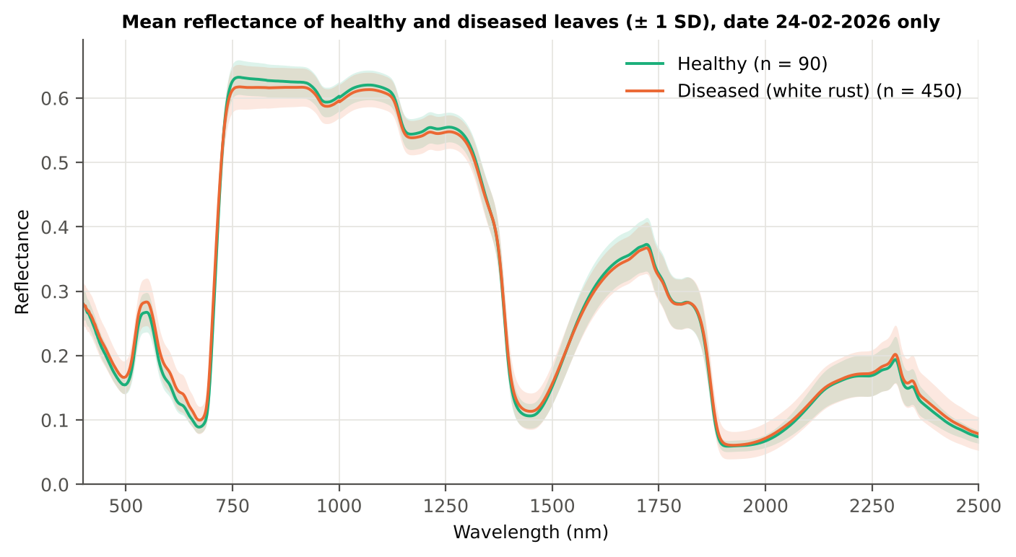
34 | Diseased | 24-02-2026 | Flowering | Mustard00355.asd.sco | 0.2687 | 0.2379 | 0.0635
42 | Diseased | 24-02-2026 | Flowering | Mustard00465.asd.sco | 0.2547 | 0.1913 | 0.0635
41 | Diseased | 24-02-2026 | Flowering | Mustard00454.asd.sco | 0.2201 | 0.1985 | 0.0635
24 | Diseased | 24-02-2026 | Flowering | Mustard00238.asd.sco | 0.1896 | 0.1635 | 0.0635
25 | Diseased | 24-02-2026 | Flowering | Mustard00244.asd.sco | 0.1671 | 0.1515 | 0.0635
15 | Diseased | 24-02-2026 | Flowering | Mustard00122.asd.sco | 0.1668 | 0.1135 | 0.0635
42 | Diseased | 24-02-2026 | Flowering | Mustard00475.asd.sco | 0.1629 | 0.1406 | 0.0635

Figure 3 (as in Das et al. 2020). Mean reflectance of healthy and diseased leaves

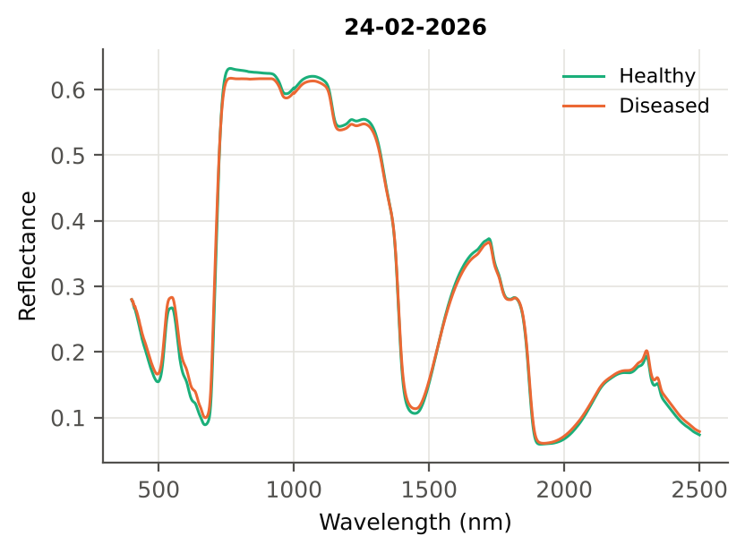

Native Excel chart of the same data: sheet 37_ChartData, columns A–C.
Table 1.5 Duplicate sensitivity run not applicable: the 4 unnamed plot-27 copies (11-02-2026) are not part of this subset.

05_Tier1_Ttest
Step 2 · Tier 1 — Welch's t-test at every band with Benjamini–Hochberg FDR
Das et al. (2020) used one-way ANOVA (p < 0.05) + Tukey HSD for 14 genotypes; with two classes the equivalent is a t-test.

Result in brief
Tier 1: healthy and white-rust leaves differ significantly at 1176 of 2101 bands (Welch + BH-FDR); 167 bands remain significant with a random plot effect and 169 in ≥ 95 % of 1000 balanced subsets. The most sensitive single band (smoothed reflectance) reaches AUC 0.75 at 695 nm.
Uncorrected, 1255 bands have p < 0.05; ANOVA + FDR gives 462 (same ranking as Welch).

What was done
At each of the 2101 bands the mean reflectance of healthy (n = 90) and diseased (n = 450) leaves was compared with Welch's t-test (unequal variances; Levene's test shows unequal variances at many bands) and the p-values were adjusted with the Benjamini–Hochberg false-discovery rate. Bands with q < 0.05 go to Tier 2. Because 450 diseased leaves give high power even for tiny differences, the test was repeated on 1000 balanced random subsets (90 vs 90), and a linear mixed model with a random plot intercept checks pseudo-replication.
Table 2.1 Number of significant bands
Test | Significant bands | Bands tested | Share (Excel)
Welch t-test + BH-FDR q < 0.05 (used for Tier 2) | 1176 | 2101 | 56.0%
One-way ANOVA p < 0.05, uncorrected (rule of Das et al.) | 1057 | 2101 | 50.3%
One-way ANOVA + BH-FDR q < 0.05 | 462 | 2101 | 22.0%
Welch t-test p < 0.05, uncorrected | 1255 | 2101 | 59.7%
Mixed model (random plot effect) + BH-FDR q < 0.05 | 167 | 2101 | 7.9%
Balanced subsets (90 vs 90): significant in ≥ 95 % of 1000 subsets | 169 | 2101 | 8.0%
Levene test p < 0.05 (unequal variances → Welch) | 704 | 2101 | 33.5%

Table 2.2 Contiguous ranges (Welch + FDR)
Range (nm) | Bands | Result
400–418 | 19 | not significant
419–722 | 304 | significant
723–735 | 13 | not significant
736–1133 | 398 | significant
1134–1194 | 61 | not significant
1195–1301 | 107 | significant
1302–1394 | 93 | not significant
1395–1474 | 80 | significant
1475–1869 | 395 | not significant
1870–1905 | 36 | significant
1906–1979 | 74 | not significant
1980–2056 | 77 | significant
2057–2326 | 270 | not significant
2327–2500 | 174 | significant

Table 2.3 Significance by spectral region
Region | Bands | Welch+FDR significant | Mixed-model significant | Band of max |t| | Max t | Mean diff (D − H)
Blue (400–499) | 100 | 81 | 2 | 499.00 | 6.3329 | 0.0122
Green (500–599) | 100 | 100 | 51 | 599.00 | 7.4251 | 0.0190
Red (600–679) | 80 | 80 | 80 | 633.00 | 8.6433 | 0.0182
Red edge (680–759) | 80 | 67 | 34 | 693.00 | 9.8681 | 0.0213
NIR (760–1349) | 590 | 481 | 0 | 763.00 | -4.5959 | -0.0151
Water band I (1350–1430) | 81 | 36 | 0 | 1418.00 | 3.3397 | 0.0089
SWIR-1 (1431–1799) | 369 | 44 | 0 | 1431.00 | 3.2196 | 0.0080
Water band II (1800–1950) | 151 | 36 | 0 | 1888.00 | 3.9507 | 0.0070
SWIR-2 (1951–2349) | 399 | 100 | 0 | 2014.00 | 2.8701 | 0.0048
SWIR-2 end (2350–2500) | 151 | 151 | 0 | 2429.00 | 3.4415 | 0.0073

Table 2.4 Fifteen most significant bands
Wavelength (nm) | Mean healthy | Mean diseased | Diff (D − H) | Welch t | Welch df | q (BH) | Hedges g | Mixed-model q
693.00 | 0.1246 | 0.1459 | 0.0213 | 9.8681 | 262.74 | 8.871E-17 | 0.7371 | 0.0031
692.00 | 0.1183 | 0.1383 | 0.0200 | 9.8379 | 272.36 | 8.871E-17 | 0.7251 | 0.0031
694.00 | 0.1320 | 0.1546 | 0.0226 | 9.8341 | 252.17 | 8.871E-17 | 0.7462 | 0.0031
695.00 | 0.1403 | 0.1642 | 0.0238 | 9.7486 | 241.47 | 1.594E-16 | 0.7524 | 0.0031
691.00 | 0.1129 | 0.1316 | 0.0187 | 9.7401 | 280.36 | 8.871E-17 | 0.7105 | 0.0031
696.00 | 0.1496 | 0.1746 | 0.0250 | 9.6160 | 231.11 | 3.758E-16 | 0.7557 | 0.0031
690.00 | 0.1085 | 0.1258 | 0.0174 | 9.5783 | 286.32 | 1.734E-16 | 0.6935 | 0.0031
697.00 | 0.1598 | 0.1857 | 0.0259 | 9.4491 | 221.43 | 1.186E-15 | 0.7563 | 0.0031
689.00 | 0.1048 | 0.1210 | 0.0162 | 9.3588 | 289.90 | 6.071E-16 | 0.6746 | 0.0031
698.00 | 0.1707 | 0.1975 | 0.0268 | 9.2623 | 212.60 | 4.313E-15 | 0.7550 | 0.0031
688.00 | 0.1019 | 0.1170 | 0.0151 | 9.0956 | 291.33 | 3.174E-15 | 0.6545 | 0.0039
699.00 | 0.1823 | 0.2097 | 0.0274 | 9.0592 | 204.65 | 1.822E-14 | 0.7516 | 0.0031
700.00 | 0.1945 | 0.2223 | 0.0279 | 8.8406 | 197.55 | 5.785E-14 | 0.7462 | 0.0031
687.00 | 0.0996 | 0.1137 | 0.0141 | 8.8127 | 291.33 | 1.822E-14 | 0.6342 | 0.0053
633.00 | 0.1228 | 0.1409 | 0.0182 | 8.6433 | 250.76 | 5.785E-14 | 0.6572 | 0.0031

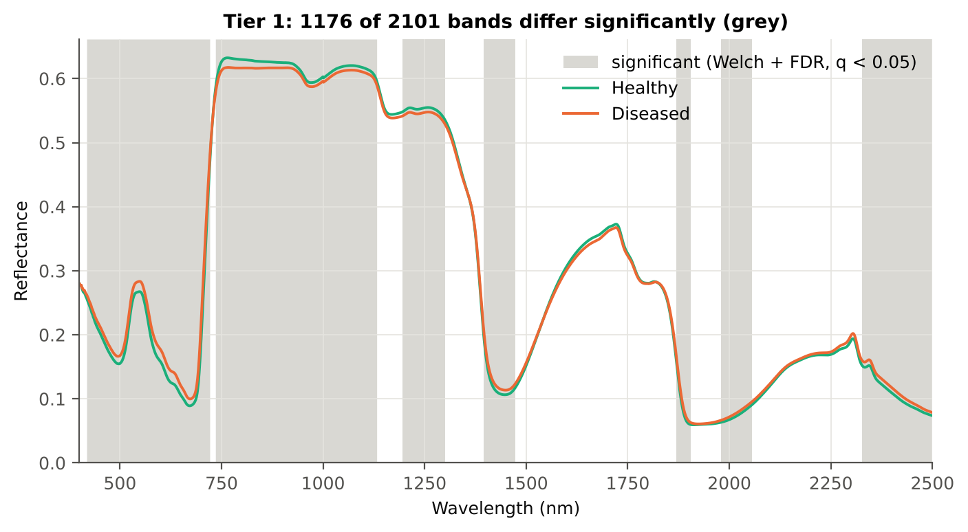
Table 2.5 Tier 1 on 1000 balanced subsets
Balanced-subset check (imbalance) | Value
Balanced random subsets drawn | 1000
Leaves per subset (healthy + diseased) | 90 + 90
Significant bands per subset — median | 365.50
— minimum | 112
— maximum | 1309
Bands significant in 100 % of subsets | 71
Bands significant in ≥ 95 % of subsets | 169
Bands never significant | 56

Figure 4 (as in Das et al. 2020 Fig. 4). Bands where healthy and diseased leaves differ (grey)

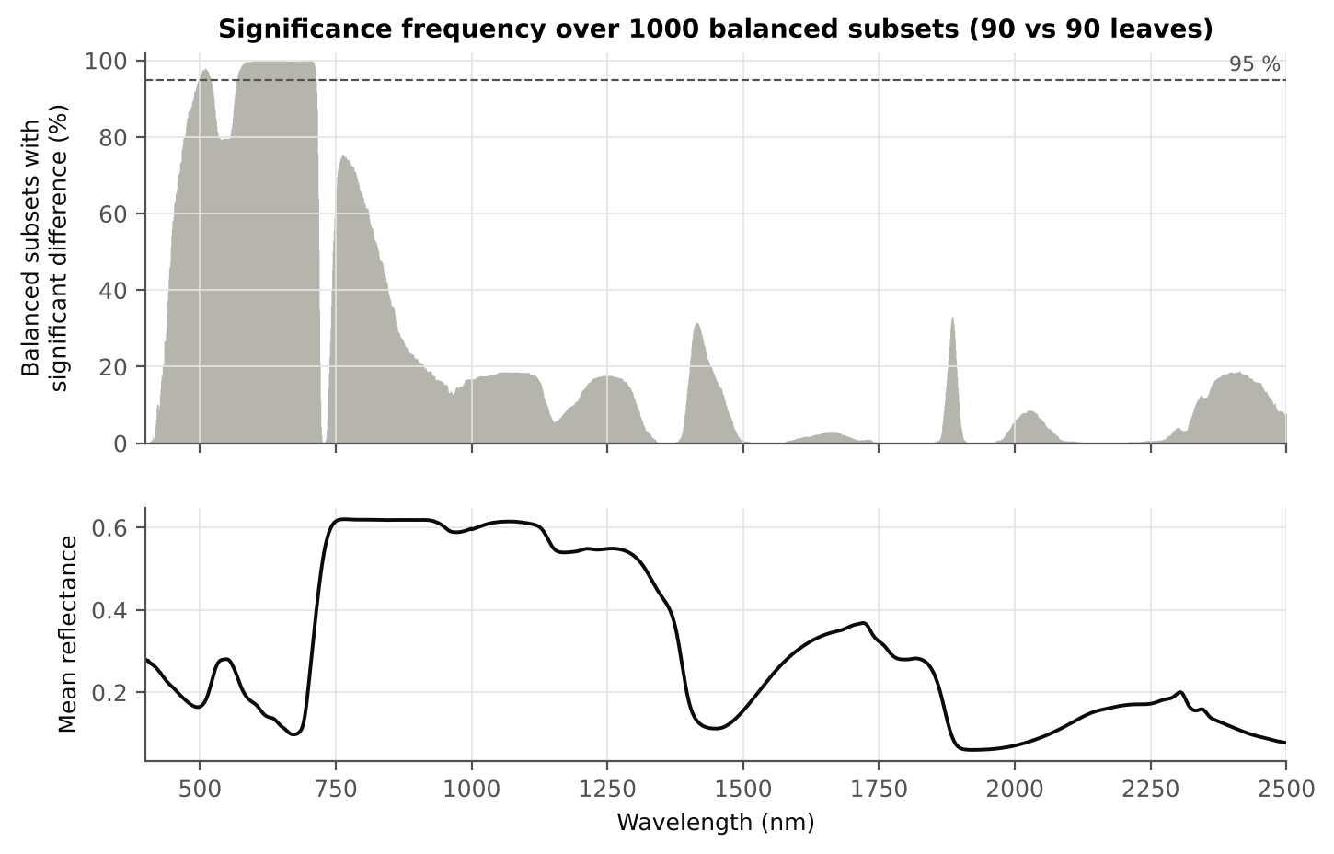

Figure 5 (as in Das et al. 2020 Fig. 5). Significance frequency (balanced subsets) and mean reflectance

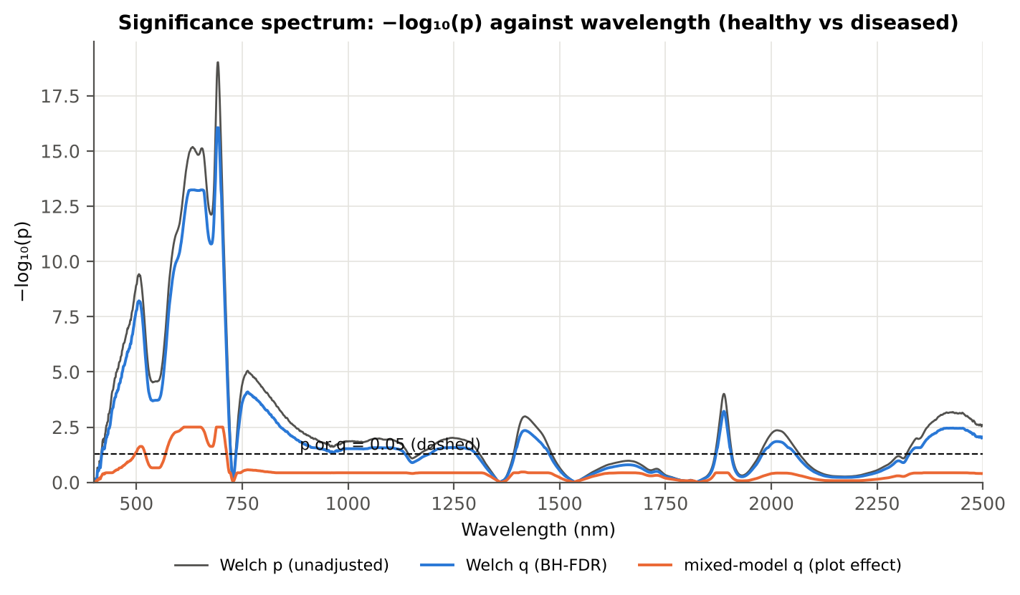

Figure 5b. −log₁₀(p) against wavelength

Native Excel versions of Figures 3–5b: sheet 37_ChartData (charts placed beside the data).
Cross-checks for this step
Step | What was checked | Method | Result | Status
Tier 1 | Training sets with < 2 FDR-significant features (nested V3/V4/V5) | fallback: uncorrected p < 0.05, else the 20 smallest p | 0 of 63 training sets | PASS
Tier 1 | Mixed model implementation | R nlme::lme vs Python statsmodels MixedLM (Powell), every 50th band | Spearman ρ of p-values 1.000 (statsmodels uses a Wald z-test, nlme a t-test with 46 df, so nlme p-values are larger) | PASS
Tier 1 | Welch t-statistic | SciPy ttest_ind(equal_var=False) vs vectorised formula | max |Δt| = 1.8e-15 | PASS
Tier 1 | Benjamini–Hochberg q-values | statsmodels multipletests vs own step-up | max |Δq| = 2.2e-16 | PASS
Tier 1 | ANOVA equivalence | one-way ANOVA F (SciPy, every 50th band) vs Student t² | max relative |F − t²| = 3.5e-13 | PASS
Tier 1 | Class imbalance | 1000 balanced subsets (90 vs 90 leaves) | median 366 significant bands per subset vs 1176 on all leaves | PASS
Tier 1 | Pseudo-replication | linear mixed model v ~ Disease + (1|plot), REML, R nlme::lme (t-test, 46 df), BH-FDR | 167 of 2101 bands significant (Welch: 1176); plot ICC median 0.134 | PASS

06_Tier2_CART
Step 3 · Tier 2 — CART band selection with equal priors (rpart)
Das et al. (2020): 'To apply this technique we used the method rpart from package rpart' — the split variables are the selected wavelengths.

Result in brief
Tier 2: CART (rpart, prior 0.5/0.5) selected 15 bands (root 697 nm): 697, 2491, 687, 756, 527, 1432, 422, 419, 1395, 694, 765, 1905, 423, 676, 424 nm. The Balanced RF importance peaks (RF-17) were 693, 705, 624, 664, 1905, 652, 1981, 638, 2498, 586, 419, 610, 681, 769, 2487, 1403, 1995 nm.
Re-selection of each CART band in plot-level bootstraps and in the nested training sets is shown in Table 3.1 and Figure 6b; bands re-selected in < 50 % of the training sets should not be interpreted individually.

What was done
Input: the 1176 FDR-significant bands of Tier 1 (raw reflectance). rpart (R 4.3.3, rpart 4.1.23) with method = 'class', prior = c(0.5, 0.5) (imbalance correction), split = 'gini', minsplit 20, minbucket 7, cp 0.01, no competitor or surrogate splits. The wavelengths used as split variables form the CART band set. The complexity parameter was cross-validated with plot-grouped folds; the 1-SE tree gives a smaller alternative set. Stability: rpart refitted on 200 plot-level bootstrap samples and inside the 50 nested training sets of V3 (a band counts as re-selected if a band within ± 10 nm is chosen).
Table 3.1 The 15 wavelengths selected by CART
Band (nm) | Region | First used at node | Tree depth | Mean healthy | Mean diseased | Welch t | q (BH) | Bootstrap re-selection (±10 nm) | Nested-CV re-selection (±10 nm) | Mixed model significant | Interpretation
419.00 | Blue (400–499) | 12 | 3 | 0.2554 | 0.2613 | 2.2623 | 0.0450 | 65.0% | 64.0% | no | blue/violet: chlorophyll and carotenoid absorption
422.00 | Blue (400–499) | 9 | 3 | 0.2504 | 0.2570 | 2.5682 | 0.0272 | 66.0% | 72.0% | no | blue/violet: chlorophyll and carotenoid absorption
423.00 | Blue (400–499) | 55 | 5 | 0.2487 | 0.2553 | 2.5876 | 0.0270 | 67.0% | 72.0% | no | blue/violet: chlorophyll and carotenoid absorption
424.00 | Blue (400–499) | 110 | 6 | 0.2470 | 0.2533 | 2.4410 | 0.0312 | 67.0% | 78.0% | no | blue/violet: chlorophyll and carotenoid absorption
527.00 | Green (500–599) | 6 | 2 | 0.2392 | 0.2549 | 4.7912 | 3.719E-05 | 34.0% | 54.0% | no | green peak: chlorosis / pigment ratio change
676.00 | Red (600–679) | 65 | 6 | 0.0898 | 0.1003 | 7.5003 | 1.615E-11 | 34.0% | 44.0% | yes | chlorophyll-a absorption well
687.00 | Red edge (680–759) | 3 | 1 | 0.0996 | 0.1137 | 8.8127 | 1.822E-14 | 91.0% | 100.0% | yes | red edge: chlorophyll loss and leaf structure
694.00 | Red edge (680–759) | 16 | 4 | 0.1320 | 0.1546 | 9.8341 | 8.871E-17 | 100.0% | 100.0% | yes | red edge: chlorophyll loss and leaf structure
697.00 | Red edge (680–759) | 1 | 0 | 0.1598 | 0.1857 | 9.4491 | 1.186E-15 | 100.0% | 100.0% | yes | red edge: chlorophyll loss and leaf structure
756.00 | Red edge (680–759) | 4 | 2 | 0.6309 | 0.6161 | -4.4782 | 1.183E-04 | 39.5% | 68.0% | no | red edge: chlorophyll loss and leaf structure
765.00 | NIR (760–1349) | 18 | 4 | 0.6324 | 0.6174 | -4.5653 | 8.893E-05 | 31.0% | 68.0% | no | NIR plateau: mesophyll structure / cell damage
1395.00 | Water band I (1350–1430) | 13 | 3 | 0.2014 | 0.2101 | 2.3056 | 0.0418 | 45.5% | 46.0% | no | leaf water absorption (≈1400 nm)
1432.00 | SWIR-1 (1431–1799) | 8 | 3 | 0.1089 | 0.1168 | 3.2056 | 0.0062 | 8.0% | 22.0% | no | SWIR-1: water, dry matter
1905.00 | Water band II (1800–1950) | 32 | 5 | 0.0598 | 0.0629 | 2.2241 | 0.0481 | 48.5% | 52.0% | no | leaf water absorption (O–H, ≈1940 nm)
2491.00 | SWIR-2 end (2350–2500) | 2 | 1 | 0.0755 | 0.0806 | 3.0261 | 0.0092 | 54.0% | 70.0% | no | cellulose/lignin; detector edge with higher noise

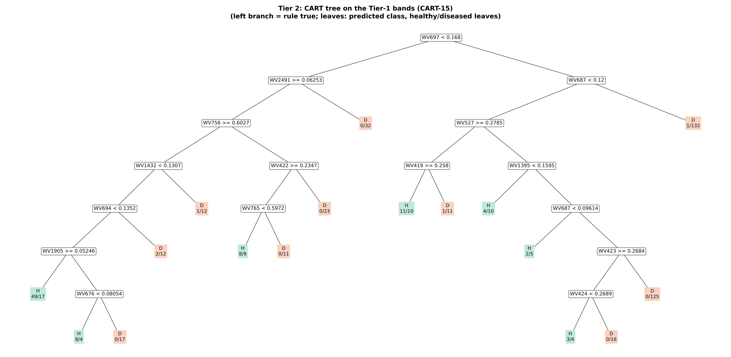
Figure 6 (as in Das et al. 2020 Fig. 6). CART tree

Table 3.2 Tree nodes (rpart frame)
Node | Depth | Split variable | Rule (left branch of the parent) | Leaves | Healthy | Diseased | Predicted class
1 | 0 | WV697 | root | 540 | 90 | 450 | H
2 | 1 | WV2491 | WV697< 0.168 | 205 | 68 | 137 | H
4 | 2 | WV756 | WV2491>=0.06253 | 173 | 68 | 105 | H
8 | 3 | WV1432 | WV756>=0.6027 | 122 | 60 | 62 | H
16 | 4 | WV694 | WV1432< 0.1307 | 109 | 59 | 50 | H
32 | 5 | WV1905 | WV694< 0.1352 | 95 | 57 | 38 | H
64 | 6 | leaf | WV1905>=0.05246 | 66 | 49 | 17 | H
65 | 6 | WV676 | WV1905< 0.05246 | 29 | 8 | 21 | H
130 | 7 | leaf | WV676< 0.08054 | 12 | 8 | 4 | H
131 | 7 | leaf | WV676>=0.08054 | 17 | 0 | 17 | D
33 | 5 | leaf | WV694>=0.1352 | 14 | 2 | 12 | D
17 | 4 | leaf | WV1432>=0.1307 | 13 | 1 | 12 | D
9 | 3 | WV422 | WV756< 0.6027 | 51 | 8 | 43 | D
18 | 4 | WV765 | WV422>=0.2347 | 28 | 8 | 20 | H
36 | 5 | leaf | WV765< 0.5972 | 17 | 8 | 9 | H
37 | 5 | leaf | WV765>=0.5972 | 11 | 0 | 11 | D
19 | 4 | leaf | WV422< 0.2347 | 23 | 0 | 23 | D
5 | 2 | leaf | WV2491< 0.06253 | 32 | 0 | 32 | D
3 | 1 | WV687 | WV697>=0.168 | 335 | 22 | 313 | D
6 | 2 | WV527 | WV687< 0.12 | 202 | 21 | 181 | D
12 | 3 | WV419 | WV527>=0.2785 | 33 | 12 | 21 | H
24 | 4 | leaf | WV419>=0.258 | 21 | 11 | 10 | H
25 | 4 | leaf | WV419< 0.258 | 12 | 1 | 11 | D
13 | 3 | WV1395 | WV527< 0.2785 | 169 | 9 | 160 | D
26 | 4 | leaf | WV1395< 0.1595 | 14 | 4 | 10 | H
27 | 4 | WV687 | WV1395>=0.1595 | 155 | 5 | 150 | D
54 | 5 | leaf | WV687< 0.09614 | 7 | 2 | 5 | H
55 | 5 | WV423 | WV687>=0.09614 | 148 | 3 | 145 | D
110 | 6 | WV424 | WV423>=0.2684 | 23 | 3 | 20 | D
220 | 7 | leaf | WV424< 0.2689 | 7 | 3 | 4 | H
221 | 7 | leaf | WV424>=0.2689 | 16 | 0 | 16 | D
111 | 6 | leaf | WV423< 0.2684 | 125 | 0 | 125 | D
7 | 2 | leaf | WV687>=0.12 | 133 | 1 | 132 | D

Table 3.3 Complexity-parameter table (plot-grouped 10-fold CV)
CP | Number of splits | Relative error | Cross-validated error (plot-grouped) | SE of CV error
0.4511 | 0.0000 | 1.0000 | 1.0889 | 0.0784
0.0711 | 1.0000 | 0.5489 | 0.6133 | 0.0586
0.0433 | 2.0000 | 0.4778 | 0.5978 | 0.0602
0.0256 | 4.0000 | 0.3911 | 0.6489 | 0.0594
0.0244 | 6.0000 | 0.3400 | 0.6778 | 0.0626
0.0222 | 7.0000 | 0.3156 | 0.6667 | 0.0618
0.0156 | 8.0000 | 0.2933 | 0.6711 | 0.0649
0.0141 | 9.0000 | 0.2778 | 0.6933 | 0.0664
0.0133 | 12.00 | 0.2356 | 0.7489 | 0.0698
0.0119 | 13.00 | 0.2222 | 0.7533 | 0.0705
0.0100 | 16.00 | 0.1867 | 0.7356 | 0.0706
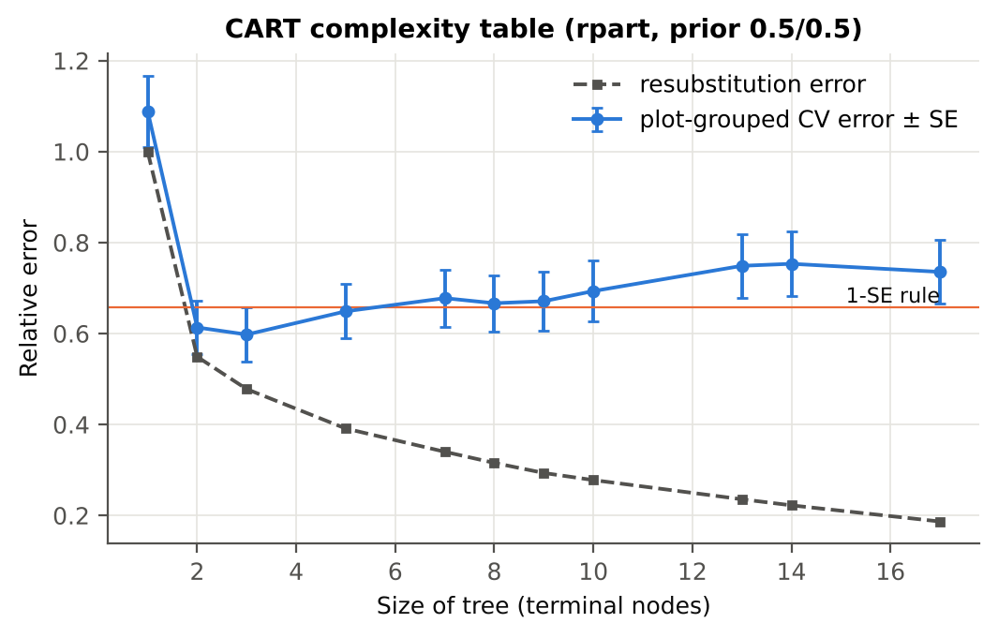

Table 3.4 Selected band sets
Tree | Bands | Wavelengths (nm)
CART-15 | 15 | 697, 2491, 687, 756, 527, 1432, 422, 419, 1395, 694, 765, 1905, 423, 676, 424
CART-1 (1-SE) | 1 | 697
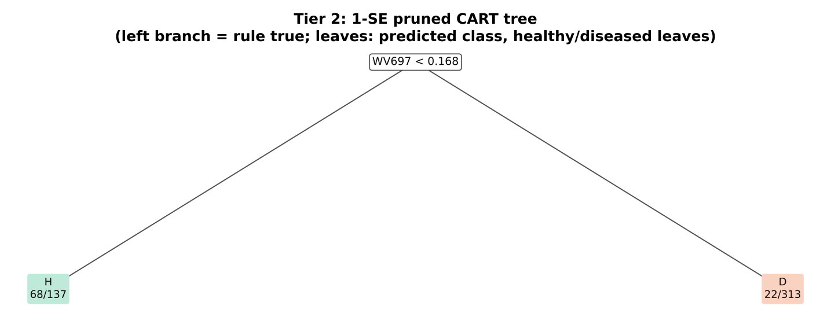

Table 3.5 Cross-check of the CART result with scikit-learn
Item | rpart (R) | scikit-learn (balanced class weights) | Agreement
Root split | WV697< 0.168 | WV697 < 0.168 | identical variable
Split of the left child | WV2491>=0.06253 | WV2491 | identical variable
Bands used by the trees | 15 bands (cp = 0.01) | 20 bands (depth ≤ 8) | 13 of 15 rpart bands within ±5 nm

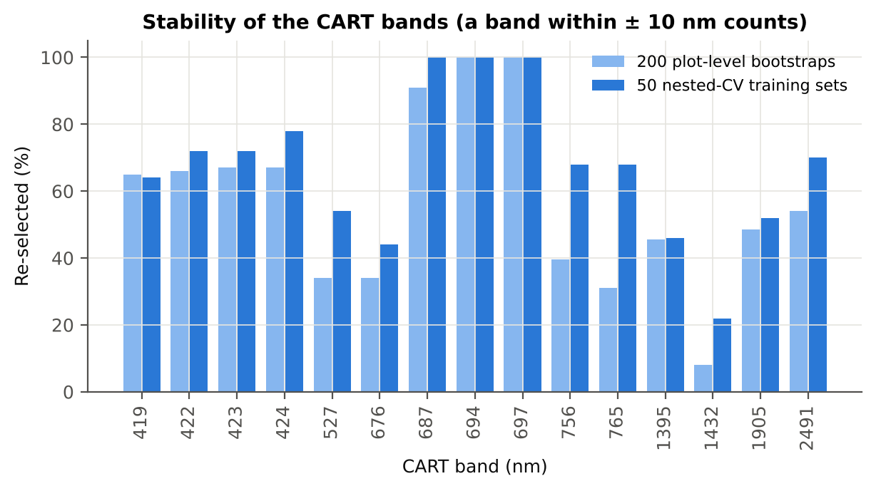
Figure 6b. Re-selection frequency of each CART band

Cross-checks for this step
Step | What was checked | Method | Result | Status
Tier 2 | CART implementation | rpart (R) vs scikit-learn DecisionTreeClassifier | root variable rpart 'WV697< 0.168' vs sklearn 'WV697 < 0.168' | PASS
Tier 2 | Stability of the selected bands | 200 plot-level bootstrap trees; 50 nested-CV training sets | 687 nm 100 %; 694 nm 100 %; 697 nm 100 % | PASS

07_Tier3_JM
Step 4 · Tier 3 — Jeffries–Matusita (J–M) distance
J–M = 2(1 − e^(−α)) on the 0–2 scale of the thresholds 1.90 / 1.94 used by Das et al.; √J–M (Eq. 1 printed in the paper, 0–√2) is also given.

Result in brief
Tier 3: J–M = 1.60 on the CART bands and 1.89 on the RF bands; CART bands < 1.90 (not separable by the J–M criterion).

What was done
α (Bhattacharyya distance) = ⅛ (μH − μD)ᵀ [(ΣH + ΣD)/2]⁻¹ (μH − μD) + ½ ln( |(ΣH + ΣD)/2| / √(|ΣH| |ΣD|) ), computed with class means and covariance matrices of the selected bands (Cholesky factorisation; checked against explicit inverse and determinants). Classes are 'separable' when J–M ≥ 1.90 (Das et al. used ≥ 1.94, 97 % of 2).
Table 1 (as in Das et al. 2020). J–M distance between healthy and diseased leaves (CART-15 bands)
 | Healthy | Diseased
Healthy | – | –
Diseased | 1.6039 | –

Table 4.1 Healthy vs diseased separability (formulas: J–M, √J–M and the threshold tests)
Band set | Bands | α (Bhattacharyya) | J–M (0–2) (Excel) | √J–M (Excel) | ≥ 1.90 ? (Excel) | ≥ 1.94 ? (Excel)
CART-15 | 15 | 1.6192 | 1.6039 | 1.2664 | not separable | not separable
CART-1 (1-SE) | 1 | 0.1770 | 0.3245 | 0.5697 | not separable | not separable

Table 4.2 J–M and QDA BA as the CART bands are added (order of first use in the tree)
Features used | CART feature added | CART J–M | CART QDA BA
1 | WV697 | 0.3245 | 67.2%
2 | WV2491 | 0.5880 | 65.2%
3 | WV687 | 0.6921 | 66.4%
4 | WV756 | 0.7870 | 69.2%
5 | WV527 | 1.0118 | 70.7%
6 | WV1432 | 1.1252 | 75.4%
7 | WV422 | 1.1920 | 74.4%
8 | WV419 | 1.2210 | 75.1%
9 | WV1395 | 1.2625 | 76.1%
10 | WV694 | 1.3610 | 75.9%
11 | WV765 | 1.4252 | 75.2%
12 | WV1905 | 1.5287 | 78.1%
13 | WV423 | 1.5379 | 76.4%
14 | WV676 | 1.5789 | 76.9%
15 | WV424 | 1.6039 | 75.7%
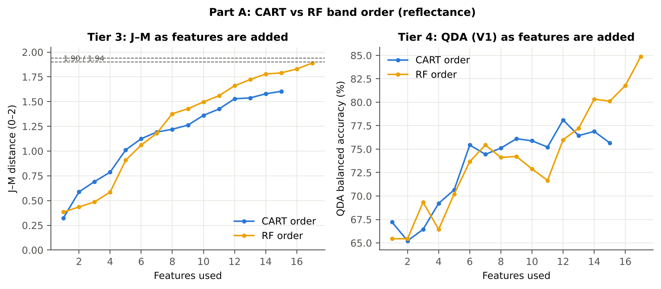

Table 4.3 Numerical diagnostics
Diagnostic | Value
Condition number of healthy covariance | 130632.62
Condition number of diseased covariance | 120824.73
J–M of the healthy class with itself (must be 0) | 0.0000

Cross-checks for this step
Step | What was checked | Method | Result | Status
Tier 3 | J–M implementation (Part A (raw reflectance)) | Cholesky/log-det vs explicit inverse/determinant | |Δα| = 1.0e-13 | PASS
Tier 3 | Invertibility of the class covariances | condition number of the class correlation matrices of every selected set | max 1.5e+06 (well below the ~1e12 limit of double precision) | PASS
Tier 3 | J–M is scale-invariant | J–M on raw vs standardised features of every selected set | max |ΔJ–M| = 1.5e-12 | PASS
Tier 3 | J–M formula | J–M of the healthy class with itself (must be 0) | 0.0e+00 | PASS

09_Validation
Step 6 · Validation of the complete four-tier pipeline
From the protocol of Das et al. (bands chosen on all leaves, leaf-level CV) to honest estimates for new plots and new dates.

Result in brief
QDA on CART bands, equal priors: V1 75.7 %, V3 79.6 %, V4 74.2 %, V5 (leave-one-variety-out (train on the other varieties)) 73.9 %. V1 and the plot-grouped estimates agree within 3 points: selection bias and plot leakage are small.

What was done
Das et al. selected bands on all data and validated QDA by 10-fold CV on the same data (V1). Here the pipeline is also validated with folds grouped by plot (V2), with the whole pipeline nested inside plot-grouped folds (V3, 10-fold × 5 = 50 folds), on independent hold-out plots (V4, 10 splits), with random under-sampling instead of equal priors (V3-RUS) and on an unseen variety (V5, additional). All rows: QDA on CART-selected bands.
Table 6.1 Validation results (mean over repeats; SD over repeats)
Scheme | Priors | repeats | OA | BA | BA_SD | kappa | AUC | PA_H | PA_D | UA_H | UA_D
V1 · leaf-level 10-fold, bands fixed | equal (corrected) | 1 | 73.5% | 75.7% |  | 0.3500 | 0.8553 | 78.9% | 72.4% | 36.4% | 94.5%
V2 · plot-grouped 10-fold, bands fixed | equal (corrected) | 1 | 71.7% | 72.8% |  | 0.3087 | 0.8111 | 74.4% | 71.1% | 34.0% | 93.3%
V3 · nested plot-grouped 10-fold × 5 = 50 folds | equal (corrected) | 5 | 77.1% | 79.6% | 1.6% | 0.4183 | 0.8751 | 83.3% | 75.9% | 40.9% | 95.8%
V4 · 30 % plot hold-out × 10 | equal (corrected) | 10 | 71.8% | 74.2% | 5.0% | 0.3429 | 0.8219 | 77.7% | 70.6% | 37.8% | 93.5%
V5 · leave-one-variety-out (train on the other varieties) (3 units) | equal (corrected) | 1 | 67.6% | 73.9% |  | 0.2905 | 0.8187 | 83.3% | 64.4% | 31.9% | 95.1%
V1 · leaf-level 10-fold, bands fixed | sample (uncorrected) | 1 | 80.9% | 76.6% |  | 0.4361 | 0.8553 | 70.0% | 83.1% | 45.3% | 93.3%
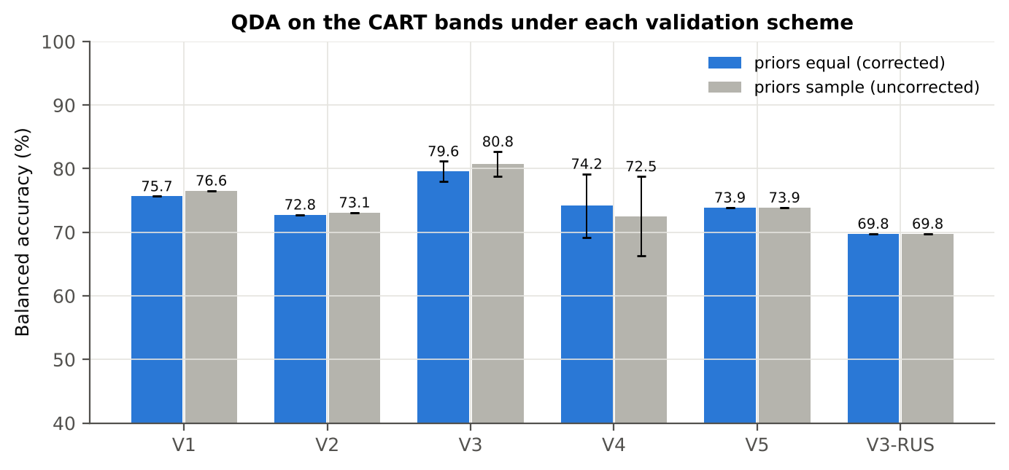
V2 · plot-grouped 10-fold, bands fixed | sample (uncorrected) | 1 | 79.6% | 73.1% |  | 0.3866 | 0.8105 | 63.3% | 82.9% | 42.5% | 91.9%
V3 · nested plot-grouped 10-fold × 5 = 50 folds | sample (uncorrected) | 5 | 84.1% | 80.8% | 1.9% | 0.5178 | 0.8749 | 75.8% | 85.7% | 51.5% | 94.7%
V4 · 30 % plot hold-out × 10 | sample (uncorrected) | 10 | 79.2% | 72.5% | 6.3% | 0.3945 | 0.8217 | 62.1% | 83.0% | 46.7% | 91.0%
V5 · leave-one-variety-out (train on the other varieties) (3 units) | sample (uncorrected) | 1 | 76.5% | 73.9% |  | 0.3607 | 0.8193 | 70.0% | 77.8% | 38.7% | 92.8%
V3-RUS · nested + random under-sampling | equal (corrected) | 1 | 61.5% | 69.8% |  | 0.2219 | 0.7898 | 82.2% | 57.3% | 27.8% | 94.2%
V3-RUS · nested + random under-sampling | sample (uncorrected) | 1 | 61.5% | 69.8% |  | 0.2219 | 0.7898 | 82.2% | 57.3% | 27.8% | 94.2%

Table 6.2 Error matrix, V3 (nested plot-grouped CV, 5 repeats pooled) — QDA on CART bands, equal priors
Classified \ Reference | Healthy | Diseased | Row total | User's accuracy (%)
Healthy | 375 | 543 | 918 | 40.85
Diseased | 75 | 1707 | 1782 | 95.79
Column total | 450 | 2250 | 2700
Producer's accuracy (%) | 83.33 | 75.87
Overall accuracy (%) | 77.11
Balanced accuracy (%) | 79.60
Cohen's κ | 0.418
F1 healthy | 0.548
F1 diseased | 0.847

Table 6.3 Error matrix, V4 (independent hold-out plots, 10 splits pooled) — QDA on CART bands, equal priors
Classified \ Reference | Healthy | Diseased | Row total | User's accuracy (%)
Healthy | 234 | 410 | 644 | 36.34
Diseased | 69 | 985 | 1054 | 93.45
Column total | 303 | 1395 | 1698
Producer's accuracy (%) | 77.23 | 70.61
Overall accuracy (%) | 71.79
Balanced accuracy (%) | 73.92
Cohen's κ | 0.332
F1 healthy | 0.494
F1 diseased | 0.804

Table 6.4 Error matrix, V5 (leave-one-variety-out (train on the other varieties), 3 units pooled) — QDA on CART bands, equal priors
Classified \ Reference | Healthy | Diseased | Row total | User's accuracy (%)
Healthy | 75 | 160 | 235 | 31.91
Diseased | 15 | 290 | 305 | 95.08
Column total | 90 | 450 | 540
Producer's accuracy (%) | 83.33 | 64.44
Overall accuracy (%) | 67.59
Balanced accuracy (%) | 73.89
Cohen's κ | 0.291
F1 healthy | 0.462
F1 diseased | 0.768

Table 6.5 Sensitivity to the band set (full pipeline repeated)
Band set | CART bands | BA V1 | BA V3 nested | BA V4 hold-out | CART bands (nm)
400–2500 nm (main: 350–399 removed) | 15 | 75.7% | 79.6% | 74.2% | 419, 422, 423, 424, 527, 676, 687, 694, 697, 756, 765, 1395, 1432, 1905, 2491
350–2500 nm (nothing removed) | 11 | 77.3% | 77.9% | 74.6% | 351, 357, 360, 361, 365, 612, 658, 687, 694, 697, 2491
450–2450 nm (both detector edges trimmed) | 9 | 80.9% | 80.1% | 74.9% | 527, 687, 697, 790, 949, 1395, 1419, 1881, 1981

10_A1_RF_Importance
Part A1 · Random Forest as the Tier-2 band selector (instead of CART)
Input: the 1176 FDR-significant bands of Tier 1 (same as CART).

What was done
A Balanced Random Forest (1000 trees, √1176 candidate bands per split, each tree grown on a balanced bootstrap of 90 + 90 leaves) was fitted to all leaves; band importance = mean decrease in Gini impurity (MDI). Because neighbouring bands are almost identical, bands were picked as importance peaks: local maxima of the importance spectrum, at least 10 nm apart. The 17 highest peaks form the RF band set (the CART set of Das et al. had 17 bands); the 10 highest a smaller set. Checks: a second forest with another seed, R randomForest, permutation importance, and an ordinary class-weighted forest.
Table A1.1 RF band set: the 17 highest importance peaks
Rank | Band (nm) | Importance × 1000 | Region | Mean healthy | Mean diseased | Welch t | q (BH) | Mixed model significant | Nearest CART band | Distance (nm)
1 | 693.00 | 8.7580 | Red edge (680–759) | 0.1246 | 0.1459 | 9.8681 | 8.871E-17 | yes | 694.00 | 1.0000
2 | 705.00 | 4.9042 | Red edge (680–759) | 0.2597 | 0.2872 | 7.6268 | 3.174E-11 | yes | 697.00 | 8.0000
3 | 624.00 | 4.0855 | Red (600–679) | 0.1260 | 0.1444 | 8.5454 | 6.159E-14 | yes | 676.00 | 52.00
4 | 664.00 | 3.7924 | Red (600–679) | 0.0919 | 0.1041 | 8.0978 | 4.591E-13 | yes | 676.00 | 12.00
5 | 1905.00 | 3.3705 | Water band II (1800–1950) | 0.0598 | 0.0629 | 2.2241 | 0.0481 | no | 1905.00 | 0.0000
6 | 652.00 | 3.3491 | Red (600–679) | 0.1036 | 0.1182 | 8.5348 | 5.785E-14 | yes | 676.00 | 24.00
7 | 1981.00 | 3.2387 | SWIR-2 (1951–2349) | 0.0635 | 0.0668 | 2.2504 | 0.0453 | no | 1905.00 | 76.00
8 | 638.00 | 2.9731 | Red (600–679) | 0.1192 | 0.1367 | 8.5948 | 5.785E-14 | yes | 676.00 | 38.00
9 | 2498.00 | 2.8673 | SWIR-2 end (2350–2500) | 0.0741 | 0.0790 | 3.0236 | 0.0092 | no | 2491.00 | 7.0000
10 | 586.00 | 2.7443 | Green (500–599) | 0.1728 | 0.1922 | 7.0681 | 5.153E-10 | yes | 527.00 | 59.00
11 | 419.00 | 2.5513 | Blue (400–499) | 0.2554 | 0.2613 | 2.2623 | 0.0450 | no | 419.00 | 0.0000
12 | 610.00 | 2.2461 | Red (600–679) | 0.1438 | 0.1626 | 7.9108 | 3.376E-12 | yes | 676.00 | 66.00
13 | 681.00 | 2.2397 | Red edge (680–759) | 0.0923 | 0.1032 | 7.6404 | 7.770E-12 | yes | 676.00 | 5.0000
14 | 769.00 | 2.0601 | NIR (760–1349) | 0.6322 | 0.6174 | -4.5309 | 9.953E-05 | no | 765.00 | 4.0000
15 | 2487.00 | 1.9891 | SWIR-2 end (2350–2500) | 0.0765 | 0.0816 | 3.0548 | 0.0086 | no | 2491.00 | 4.0000
16 | 1403.00 | 1.8226 | Water band I (1350–1430) | 0.1558 | 0.1654 | 2.9349 | 0.0127 | no | 1395.00 | 8.0000
17 | 1995.00 | 1.7548 | SWIR-2 (1951–2349) | 0.0662 | 0.0703 | 2.6492 | 0.0237 | no | 1905.00 | 90.00

Table A1.2 The CART bands seen through the RF importance
CART band (nm) | Region | RF importance rank (of 1176) | RF importance × 1000 | Nearest RF-17 band | Distance (nm)
419.00 | Blue (400–499) | 50 | 2.5513 | 419.00 | 0.0000
422.00 | Blue (400–499) | 75 | 2.0679 | 419.00 | 3.0000
423.00 | Blue (400–499) | 149 | 1.5089 | 419.00 | 4.0000
424.00 | Blue (400–499) | 71 | 2.1464 | 419.00 | 5.0000
527.00 | Green (500–599) | 534 | 0.6142 | 586.00 | 59.00
676.00 | Red (600–679) | 69 | 2.1957 | 681.00 | 5.0000
687.00 | Red edge (680–759) | 47 | 2.6088 | 693.00 | 6.0000
694.00 | Red edge (680–759) | 2 | 8.4266 | 693.00 | 1.0000
697.00 | Red edge (680–759) | 8 | 6.5250 | 693.00 | 4.0000
756.00 | Red edge (680–759) | 318 | 0.9906 | 769.00 | 13.00
765.00 | NIR (760–1349) | 376 | 0.8836 | 769.00 | 4.0000
1395.00 | Water band I (1350–1430) | 372 | 0.8917 | 1403.00 | 8.0000
1432.00 | SWIR-1 (1431–1799) | 491 | 0.6765 | 1403.00 | 29.00
1905.00 | Water band II (1800–1950) | 21 | 3.3705 | 1905.00 | 0.0000
2491.00 | SWIR-2 end (2350–2500) | 77 | 2.0458 | 2487.00 | 4.0000

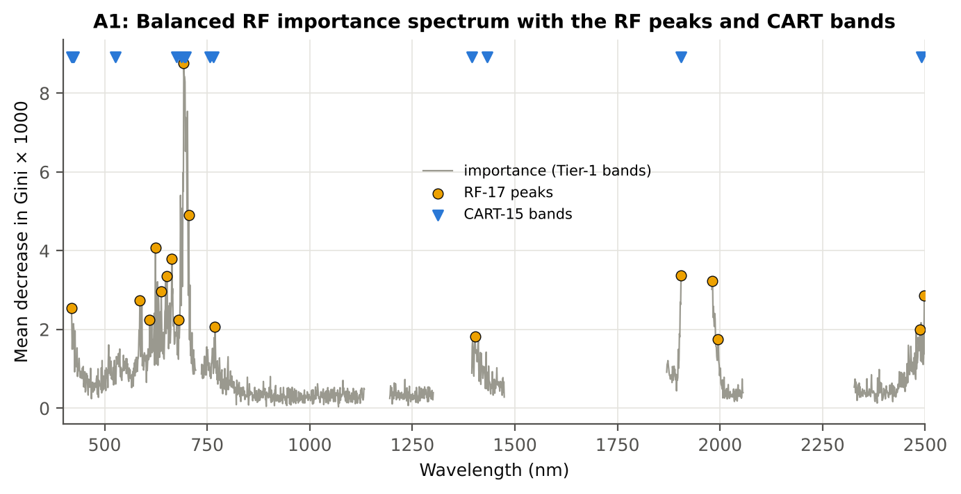
Figure A1. RF importance spectrum with the RF peaks (orange) and the CART bands (blue triangles)

Table A1.3 Checks of the RF importance
Check | Value | Result | Status
Reproducibility: importance of seed 42 vs seed 7 (Spearman ρ) | 0.808 | 16 of 17 peaks within ±10 nm | PASS
R randomForest (stratified sampsize 90 + 90), mean decrease in Gini | ρ = 0.811 | 17 of 17 peaks within ±10 nm; R out-of-bag BA 0.719 | PASS
Permutation importance (drop in AUC, 5 plot-grouped folds) vs Gini, top-50 bands | ρ = 0.22 | shuffling one band hardly changes the forest because its neighbours carry the same information | FLAG
Ordinary RF with class weights only (no balanced bootstrap), out-of-bag | BA 0.719 | healthy recall 0.53: class weights alone leave the forest biased | PASS

12_A3_CART_vs_RF
Part A3 · CART vs RF as classifiers and as band selectors — honest validation
Same folds everywhere: V1 leaf-level 10-fold; V3 nested plot-grouped 10-fold × 5 = 50 folds; V4 30 % plot hold-out × 10; V5 leave-one-variety-out (train on the other varieties).

Result in brief
CART vs RF: as classifiers RF beats CART by +4.8 points (V3, 33 of 50 folds, p = 0.004); as band selectors for QDA the RF bands are +4.3 points vs the CART bands (p = 0.004). RF selection is more stable (Jaccard ±10 nm 0.62 vs 0.38).

What was done
Four pipelines on identical folds. CART classifier: the rpart tree itself predicts. RF classifier: a Balanced RF (500 trees) on the Tier-1 bands predicts. QDA on CART bands: Tier 4 of the paper. QDA on RF bands: QDA on the 17 RF importance peaks. In V3, V4 and V5, Tier 1 and band selection are repeated inside every training set. Paired Wilcoxon signed-rank tests compare pipelines over the 50 V3 folds and the 10 V4 splits.
Table A3.1 Validation results (mean over repeats; SD over repeats)
Pipeline | Scheme | repeats | OA | BA | BA_SD | kappa | AUC | PA_H | PA_D | UA_H | UA_D
CART classifier | V1 | 1 | 76.5% | 71.7% |  | 0.3385 | 0.7524 | 64.4% | 78.9% | 37.9% | 91.7%
CART classifier | V3 | 5 | 71.8% | 64.6% | 3.0% | 0.2223 | 0.6649 | 53.8% | 75.4% | 30.3% | 89.1%
CART classifier | V4 | 10 | 74.5% | 67.0% | 5.5% | 0.2824 | 0.6715 | 55.3% | 78.7% | 36.5% | 89.0%
CART classifier | V5 | 1 | 74.4% | 67.8% |  | 0.2787 | 0.7204 | 57.8% | 77.8% | 34.2% | 90.2%
RF classifier | V1 | 1 | 80.2% | 72.1% |  | 0.3827 | 0.8223 | 60.0% | 84.2% | 43.2% | 91.3%
RF classifier | V3 | 5 | 78.3% | 69.3% | 1.2% | 0.3309 | 0.7858 | 55.8% | 82.8% | 39.4% | 90.3%
RF classifier | V4 | 10 | 76.5% | 68.3% | 3.4% | 0.3157 | 0.7586 | 55.7% | 81.0% | 39.7% | 89.4%
RF classifier | V5 | 1 | 78.0% | 72.1% |  | 0.3579 | 0.7807 | 63.3% | 80.9% | 39.9% | 91.7%
QDA on CART features | V1 | 1 | 73.5% | 75.7% |  | 0.3500 | 0.8553 | 78.9% | 72.4% | 36.4% | 94.5%
QDA on CART features | V3 | 5 | 77.1% | 79.6% | 1.6% | 0.4183 | 0.8751 | 83.3% | 75.9% | 40.9% | 95.8%
QDA on CART features | V4 | 10 | 71.8% | 74.2% | 5.0% | 0.3429 | 0.8219 | 77.7% | 70.6% | 37.8% | 93.5%
QDA on CART features | V5 | 1 | 67.6% | 73.9% |  | 0.2905 | 0.8187 | 83.3% | 64.4% | 31.9% | 95.1%
QDA on RF features | V1 | 1 | 85.2% | 84.9% |  | 0.5668 | 0.9178 | 84.4% | 85.3% | 53.5% | 96.5%
QDA on RF features | V3 | 5 | 83.3% | 83.6% | 1.7% | 0.5292 | 0.8912 | 84.0% | 83.2% | 50.2% | 96.3%
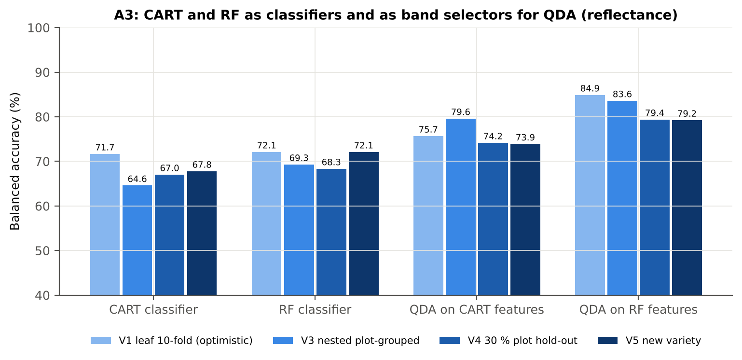
QDA on RF features | V4 | 10 | 85.0% | 79.4% | 4.4% | 0.5446 | 0.8636 | 70.6% | 88.2% | 59.5% | 93.2%
QDA on RF features | V5 | 1 | 83.9% | 79.2% |  | 0.5019 | 0.8791 | 72.2% | 86.2% | 51.2% | 93.9%

Table A3.2 Paired comparisons (same folds; positive = first pipeline better)
Comparison | Units | n | Mean difference | SD | First better | Second better | Ties | Wilcoxon p
RF classifier − CART classifier | V3 nested (folds) | 50 | 4.8% | 10.8% | 33 | 16 | 1 | 0.0040
RF classifier − CART classifier | V4 hold-out (splits) | 10 | 1.3% | 6.8% | 8 | 2 | 0 | 0.3750
QDA on RF features − QDA on CART features | V3 nested (folds) | 50 | 4.3% | 10.0% | 32 | 16 | 2 | 0.0045
QDA on RF features − QDA on CART features | V4 hold-out (splits) | 10 | 5.2% | 6.0% | 8 | 2 | 0 | 0.0273
QDA on CART features − CART classifier | V3 nested (folds) | 50 | 15.4% | 14.3% | 43 | 7 | 0 | 4.789E-08
QDA on CART features − CART classifier | V4 hold-out (splits) | 10 | 7.1% | 8.0% | 9 | 1 | 0 | 0.0840
QDA on RF features − RF classifier | V3 nested (folds) | 50 | 14.8% | 16.3% | 40 | 8 | 2 | 9.453E-07
QDA on RF features − RF classifier | V4 hold-out (splits) | 10 | 11.0% | 5.9% | 10 | 0 | 0 | 0.0020

Error matrix — CART classifier, V4 hold-out plots (10 splits pooled)
Classified \ Reference | Healthy | Diseased | Row total | User's accuracy (%)
Healthy | 167 | 297 | 464 | 35.99
Diseased | 136 | 1098 | 1234 | 88.98
Column total | 303 | 1395 | 1698
Producer's accuracy (%) | 55.12 | 78.71
Overall accuracy (%) | 74.50
Balanced accuracy (%) | 66.91
Cohen's κ | 0.280
F1 healthy | 0.435
F1 diseased | 0.835

Error matrix — RF classifier, V4 hold-out plots (10 splits pooled)
Classified \ Reference | Healthy | Diseased | Row total | User's accuracy (%)
Healthy | 168 | 266 | 434 | 38.71
Diseased | 135 | 1129 | 1264 | 89.32
Column total | 303 | 1395 | 1698
Producer's accuracy (%) | 55.45 | 80.93
Overall accuracy (%) | 76.38
Balanced accuracy (%) | 68.19
Cohen's κ | 0.311
F1 healthy | 0.456
F1 diseased | 0.849

Error matrix — QDA on CART features, V4 hold-out plots (10 splits pooled)
Classified \ Reference | Healthy | Diseased | Row total | User's accuracy (%)
Healthy | 234 | 410 | 644 | 36.34
Diseased | 69 | 985 | 1054 | 93.45
Column total | 303 | 1395 | 1698
Producer's accuracy (%) | 77.23 | 70.61
Overall accuracy (%) | 71.79
Balanced accuracy (%) | 73.92
Cohen's κ | 0.332
F1 healthy | 0.494
F1 diseased | 0.804

Error matrix — QDA on RF features, V4 hold-out plots (10 splits pooled)
Classified \ Reference | Healthy | Diseased | Row total | User's accuracy (%)
Healthy | 213 | 164 | 377 | 56.50
Diseased | 90 | 1231 | 1321 | 93.19
Column total | 303 | 1395 | 1698
Producer's accuracy (%) | 70.30 | 88.24
Overall accuracy (%) | 85.04
Balanced accuracy (%) | 79.27
Cohen's κ | 0.534
F1 healthy | 0.626
F1 diseased | 0.906

13_A4_Band_Stability
Part A4 · Stability of the CART and RF band sets
Re-selection in the 50 nested training sets of V3 (a band counts if a band within ± 10 nm is selected).

Result in brief
Mean pairwise Jaccard (±10 nm): RF 0.62, CART 0.38 over 50 nested training sets.
Table A4.1 The CART-15 bands
Feature | Type | Re-selected by CART (±10 nm) | Re-selected by RF (±10 nm)
WV697 | Raw reflectance | 100.0% | 100.0%
WV2491 | Raw reflectance | 70.0% | 78.0%
WV687 | Raw reflectance | 100.0% | 100.0%
WV756 | Raw reflectance | 68.0% | 62.0%
WV527 | Raw reflectance | 54.0% | 16.0%
WV1432 | Raw reflectance | 22.0% | 16.0%
WV422 | Raw reflectance | 72.0% | 64.0%
WV419 | Raw reflectance | 64.0% | 64.0%
WV1395 | Raw reflectance | 46.0% | 38.0%
WV694 | Raw reflectance | 100.0% | 100.0%
WV765 | Raw reflectance | 68.0% | 64.0%
WV1905 | Raw reflectance | 52.0% | 94.0%
WV423 | Raw reflectance | 72.0% | 64.0%
WV676 | Raw reflectance | 44.0% | 92.0%
WV424 | Raw reflectance | 78.0% | 68.0%

Table A4.2 The RF-17 bands
Feature | Type | Re-selected by CART (±10 nm) | Re-selected by RF (±10 nm)
WV693 | Raw reflectance | 100.0% | 100.0%
WV705 | Raw reflectance | 78.0% | 100.0%
WV624 | Raw reflectance | 4.0% | 100.0%
WV664 | Raw reflectance | 16.0% | 96.0%
WV1905 | Raw reflectance | 52.0% | 94.0%
WV652 | Raw reflectance | 10.0% | 100.0%
WV1981 | Raw reflectance | 32.0% | 60.0%
WV638 | Raw reflectance | 20.0% | 100.0%
WV2498 | Raw reflectance | 68.0% | 76.0%
WV586 | Raw reflectance | 4.0% | 76.0%
WV419 | Raw reflectance | 64.0% | 64.0%
WV610 | Raw reflectance | 8.0% | 94.0%
WV681 | Raw reflectance | 62.0% | 100.0%
WV769 | Raw reflectance | 54.0% | 56.0%
WV2487 | Raw reflectance | 66.0% | 78.0%
WV1403 | Raw reflectance | 78.0% | 70.0%
WV1995 | Raw reflectance | 12.0% | 44.0%

Table A4.3 Stability index
Method | Training sets | Mean features | Range | Unique features (union) | Selected in all sets (exact) | Stability index (exact) = all / union | Selected in all sets (±10 nm) | Stability index (±10 nm) | Mean pairwise Jaccard (±10 nm) | SD Jaccard
CART | 50 | 12.30 | 8–17 | 232 | 0 | 0.0000 | 13 | 0.0560 | 0.3761 | 0.1431
RF | 50 | 17.00 | 17–17 | 333 | 0 | 0.0000 | 53 | 0.1592 | 0.6238 | 0.1237
Stability index (exact) = bands selected in all 50 training sets ÷ all bands ever selected; the ±10 nm version counts a band as re-selected when a band within 10 nm is chosen; the mean pairwise Jaccard index (±10 nm) compares every pair of training sets.
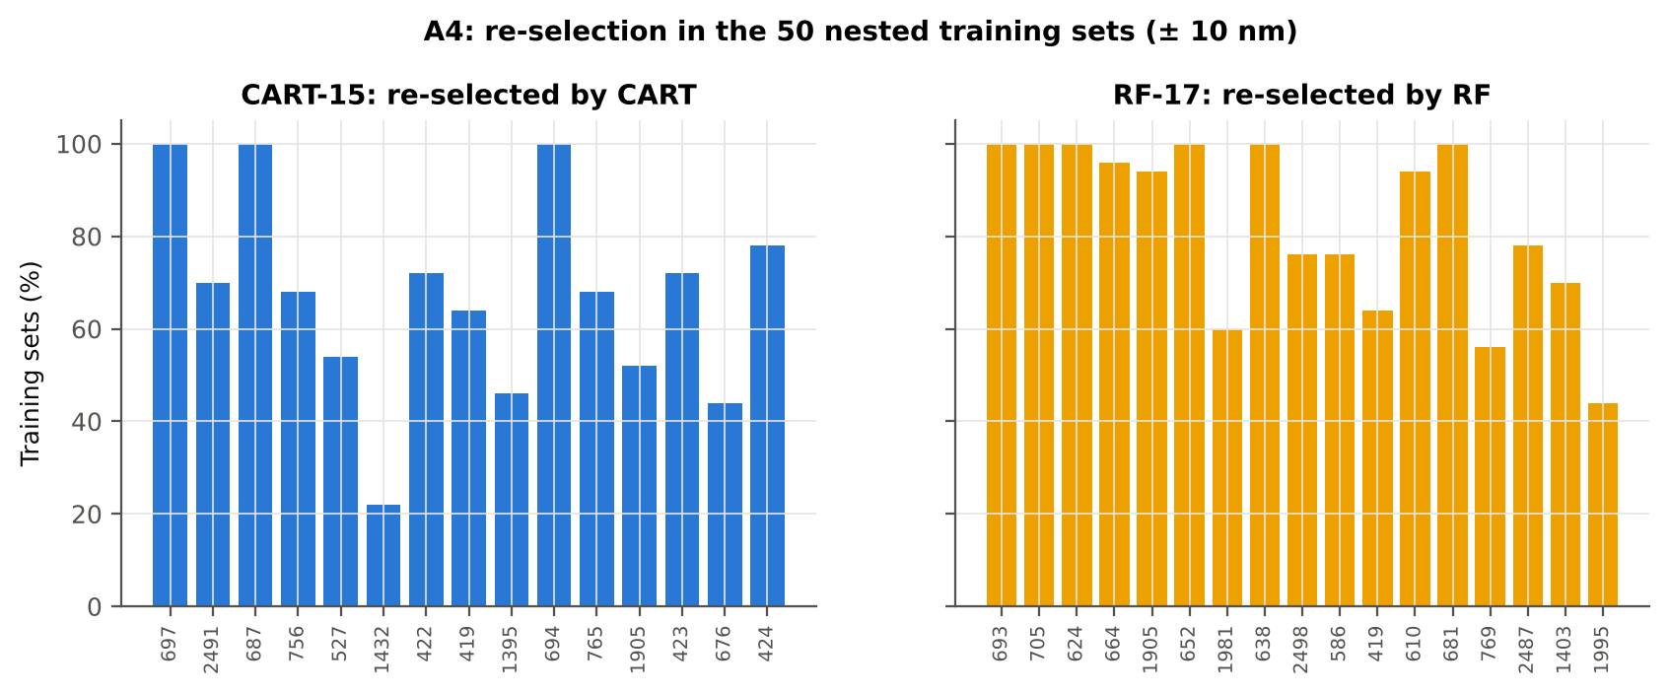

Table A4.4 Bands most often selected by CART (exact band)
Feature | Type | Times selected (exact) | Share of training sets
WV697 | Raw reflectance | 28 | 56.0%
WV693 | Raw reflectance | 21 | 42.0%
WV2491 | Raw reflectance | 16 | 32.0%
WV2492 | Raw reflectance | 14 | 28.0%
WV687 | Raw reflectance | 14 | 28.0%
WV755 | Raw reflectance | 14 | 28.0%
WV1409 | Raw reflectance | 12 | 24.0%
WV765 | Raw reflectance | 10 | 20.0%
WV422 | Raw reflectance | 9 | 18.0%
WV1896 | Raw reflectance | 9 | 18.0%
WV694 | Raw reflectance | 9 | 18.0%
WV760 | Raw reflectance | 8 | 16.0%
WV1880 | Raw reflectance | 7 | 14.0%
WV535 | Raw reflectance | 7 | 14.0%
WV1419 | Raw reflectance | 7 | 14.0%
WV696 | Raw reflectance | 7 | 14.0%
WV1903 | Raw reflectance | 7 | 14.0%
WV639 | Raw reflectance | 7 | 14.0%
WV533 | Raw reflectance | 7 | 14.0%
WV1398 | Raw reflectance | 6 | 12.0%
WV699 | Raw reflectance | 6 | 12.0%
WV719 | Raw reflectance | 6 | 12.0%
WV419 | Raw reflectance | 6 | 12.0%
WV689 | Raw reflectance | 6 | 12.0%
WV1408 | Raw reflectance | 6 | 12.0%
WV750 | Raw reflectance | 5 | 10.0%
WV534 | Raw reflectance | 5 | 10.0%
WV700 | Raw reflectance | 5 | 10.0%
WV550 | Raw reflectance | 5 | 10.0%
WV546 | Raw reflectance | 5 | 10.0%

Table A4.5 Bands most often selected by RF (exact band)
Feature | Type | Times selected (exact) | Share of training sets
WV664 | Raw reflectance | 13 | 26.0%
WV697 | Raw reflectance | 12 | 24.0%
WV686 | Raw reflectance | 10 | 20.0%
WV650 | Raw reflectance | 10 | 20.0%
WV1904 | Raw reflectance | 9 | 18.0%
WV2491 | Raw reflectance | 9 | 18.0%
WV708 | Raw reflectance | 9 | 18.0%
WV707 | Raw reflectance | 8 | 16.0%
WV637 | Raw reflectance | 8 | 16.0%
WV696 | Raw reflectance | 8 | 16.0%
WV709 | Raw reflectance | 8 | 16.0%
WV635 | Raw reflectance | 7 | 14.0%
WV649 | Raw reflectance | 7 | 14.0%
WV2492 | Raw reflectance | 7 | 14.0%
WV698 | Raw reflectance | 7 | 14.0%
WV622 | Raw reflectance | 7 | 14.0%
WV694 | Raw reflectance | 7 | 14.0%
WV1900 | Raw reflectance | 7 | 14.0%
WV616 | Raw reflectance | 7 | 14.0%
WV628 | Raw reflectance | 7 | 14.0%
WV693 | Raw reflectance | 6 | 12.0%
WV615 | Raw reflectance | 6 | 12.0%
WV2482 | Raw reflectance | 6 | 12.0%
WV663 | Raw reflectance | 6 | 12.0%
WV633 | Raw reflectance | 6 | 12.0%
WV651 | Raw reflectance | 6 | 12.0%
WV2483 | Raw reflectance | 6 | 12.0%
WV2493 | Raw reflectance | 6 | 12.0%
WV1902 | Raw reflectance | 6 | 12.0%
WV682 | Raw reflectance | 6 | 12.0%

14_K0_Denoising
Step K0 · Spectral smoothing / denoising and detector joins
Splice correction, Savitzky–Golay smoothing and derivatives; guard zones at the detector joins.

What was done
1. Splice correction: the ASD records 350–1000 nm (VNIR), 1001–1800 nm (SWIR-1) and 1801–2500 nm (SWIR-2) with three detectors. For each join a straight line was fitted to the 10 nm before the join and the next detector was shifted so that it continues this line at join + 1 nm. 2. Smoothing: Savitzky–Golay filter (window 11, order 2); first derivative SG(15, 2), second derivative SG(21, 2). 3. Guard zones: bands next to the joins are excluded from feature ranking (reflectance 990–1010 and 1795–1835 nm; first derivative 988–1012 and 1793–1837 nm; second derivative 985–1015 and 1790–1840 nm) because the filter windows straddle the join and a date-dependent start-up bump follows 1801 nm.
Table K0.1 Splice offsets added to the following detector (reflectance)
Join | Offset Healthy (mean) | SD (neg) | Offset Diseased (mean) | SD (pos)
1000/1001 nm | 0.0024 | 5.088E-04 | 0.0023 | 4.661E-04
1800/1801 nm | 1.351E-04 | 2.212E-04 | 8.118E-05 | 1.678E-04

Table K0.2 Spectral slope just before and just after the 1800/1801 nm join (reflectance × 10⁵ per nm)
Date | Slope 1786-1800 Healthy | Slope 1786-1800 Diseased | Slope 1801-1815 Healthy | Slope 1801-1815 Diseased
24-02-2026 | -12.05 | -8.1897 | 22.37 | 19.66
A healthy spectrum falls smoothly across the join; a slope that turns upward right after the join, or a class difference that changes with the date, marks the start-up artefact.

Table K0.3 Noise removed by the Savitzky–Golay filter
Range (nm) | Noise (SD raw - smoothed)
350-399 | 0.0071
400-499 | 8.564E-04
500-599 | 6.706E-05
600-679 | 2.837E-05
680-759 | 4.133E-05
760-1349 | 2.563E-05
1350-1430 | 1.837E-05
1431-1799 | 1.172E-05
1800-1950 | 1.522E-05
1951-2349 | 1.841E-05
2350-2500 | 8.781E-05

Table K0.4 Smoothing preserves the signal
Check of the smoothing | Value
Correlation of class-mean spectra, raw vs smoothed — healthy | 0.999986
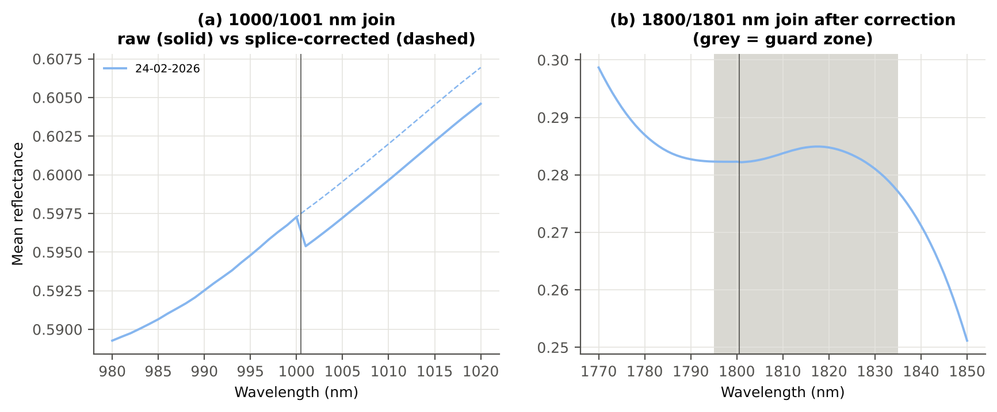
Correlation of class-mean spectra, raw vs smoothed — diseased | 0.999986
Largest change of the all-leaf mean spectrum (reflectance) | 0.002515
Tier-1 significant bands: raw vs smoothed | 1176 vs 1181

Cross-checks for this step
Step | What was checked | Method | Result | Status
K0 | Smoothing preserves the signal | class-mean spectra raw vs smoothed; Tier-1 counts | r ≥ 0.999986; 1176 (raw) vs 1181 (smoothed) significant bands | PASS
K0 | Detector artefact at the 1800/1801 nm join | slope just before vs just after the join, by date and class | no bump detected; guard zones applied as precaution | PASS

15_K1_Band_Reflectance
Step K1 · Band reflectance — which single bands are disease-sensitive
Splice-corrected, smoothed reflectance at every band 400–2500 nm (guard zones excluded from the ranking).

Result in brief
1181 of 2101 smoothed bands significant; 72 bands with AUC ≥ 0.70; best band 695 nm (AUC 0.75).

What was done
For every band: Welch's t-test with BH-FDR, Hedges' g (standardised mean difference, bias-corrected), the area under the ROC curve (AUC, direction-free: 0.5 = no separation, 1 = perfect) and a threshold classifier (Youden's J; the threshold and its direction are chosen on training plots and applied to test plots: plot-grouped CV (V3) and hold-out (V4)).
Table K1.1 Band-reflectance sensitivity
Summary | Value
Bands tested | 2101
Significant (Welch + FDR), smoothed spectra | 1181
Significant, raw spectra (Tier 1) | 1176
Bands with AUC ≥ 0.70 (outside guard zones) | 72
Highest AUC (outside guard zones) | 0.747 at 695 nm

Table K1.2 Most sensitive band in each spectral region (K1 features)
Wavelength (nm) | Region | AUC | Direction | Hedges g | Welch t | q (BH) | Mean healthy | Mean diseased | BA plot-grouped CV | BA hold-out
499.00 | 400–499 | 0.6566 | D > H | 0.5051 | 6.3153 | 2.078E-08 | 0.1549 | 0.1670 | 61.3% | 61.9%
599.00 | 500–599 | 0.6940 | D > H | 0.6231 | 7.4248 | 6.269E-11 | 0.1588 | 0.1778 | 65.3% | 64.9%
630.00 | 600–679 | 0.7106 | D > H | 0.6581 | 8.6308 | 5.765E-14 | 0.1237 | 0.1420 | 67.9% | 66.8%
695.00 | 680–759 | 0.7466 | D > H | 0.7522 | 9.7448 | 1.638E-16 | 0.1404 | 0.1642 | 70.6% | 69.0%
763.00 | 760–1349 | 0.6296 | D < H | -0.4468 | -4.5851 | 8.386E-05 | 0.6323 | 0.6173 | 61.0% | 58.5%
1414.00 | 1350–1430 | 0.5938 | D > H | 0.3176 | 3.3735 | 0.0041 | 0.1274 | 0.1366 | 56.8% | 53.7%
1431.00 | 1431–1799 | 0.5861 | D > H | 0.2926 | 3.2743 | 0.0051 | 0.1117 | 0.1196 | 53.5% | 52.1%
1886.00 | 1800–1950 | 0.6000 | D > H | 0.2950 | 3.9339 | 6.553E-04 | 0.0842 | 0.0916 | 59.2% | 58.4%
2342.00 | 1951–2349 | 0.5639 | D > H | 0.2362 | 2.5991 | 0.0265 | 0.1541 | 0.1631 | 51.4% | 51.5%
2394.00 | 2350–2500 | 0.5756 | D > H | 0.2571 | 3.3119 | 0.0045 | 0.1148 | 0.1232 | 56.1% | 56.3%

Table K1.3 Fifteen most sensitive bands overall
Wavelength (nm) | Mean healthy | Mean diseased | Welch t | q (BH) | Hedges g | AUC | Direction
695.00 | 0.1404 | 0.1642 | 9.7448 | 1.638E-16 | 0.7522 | 0.7466 | D > H
694.00 | 0.1321 | 0.1547 | 9.8323 | 8.832E-17 | 0.7461 | 0.7461 | D > H
696.00 | 0.1497 | 0.1746 | 9.6149 | 3.784E-16 | 0.7556 | 0.7459 | D > H
693.00 | 0.1247 | 0.1460 | 9.8669 | 8.832E-17 | 0.7373 | 0.7453 | D > H
697.00 | 0.1598 | 0.1858 | 9.4517 | 1.164E-15 | 0.7565 | 0.7445 | D > H
692.00 | 0.1184 | 0.1384 | 9.8386 | 8.832E-17 | 0.7255 | 0.7425 | D > H
698.00 | 0.1708 | 0.1975 | 9.2636 | 4.272E-15 | 0.7550 | 0.7424 | D > H
699.00 | 0.1823 | 0.2097 | 9.0576 | 1.739E-14 | 0.7515 | 0.7393 | D > H
691.00 | 0.1130 | 0.1317 | 9.7416 | 8.832E-17 | 0.7109 | 0.7390 | D > H
700.00 | 0.1945 | 0.2223 | 8.8384 | 5.765E-14 | 0.7460 | 0.7352 | D > H
690.00 | 0.1085 | 0.1259 | 9.5787 | 1.741E-16 | 0.6938 | 0.7337 | D > H
701.00 | 0.2070 | 0.2352 | 8.6098 | 1.017E-13 | 0.7387 | 0.7313 | D > H
689.00 | 0.1049 | 0.1211 | 9.3596 | 6.064E-16 | 0.6749 | 0.7276 | D > H
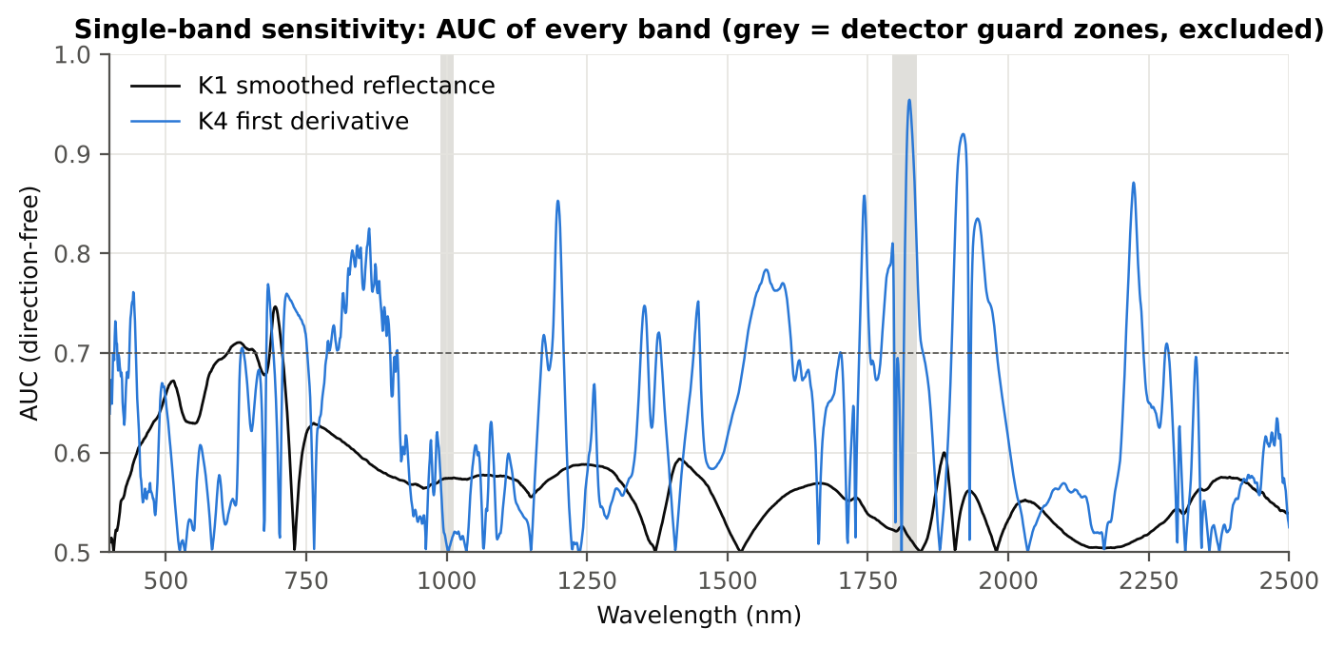
702.00 | 0.2199 | 0.2481 | 8.3726 | 4.274E-13 | 0.7297 | 0.7269 | D > H
703.00 | 0.2330 | 0.2612 | 8.1277 | 1.857E-12 | 0.7190 | 0.7218 | D > H

Figure K1. AUC of every band: reflectance (K1, black) and first derivative (K4, blue)

16_K2_Continuum_Removal
Step K2 · Continuum-removed absorption parameters
Six absorption features; continuum = upper convex hull of each window (Clark & Roush 1984; Kokaly & Clark 1999).

Result in brief
Most sensitive continuum-removed parameter: CR6 water 1940 symmetry (AUC 0.93, BA plot-grouped CV 88.2 %).

What was done
Within each window the reflectance was divided by its upper convex hull (continuum). From the continuum-removed curve: depth (1 − minimum), position (wavelength of the minimum), area (sum of 1 − CR, nm), width (full width at half depth, nm) and symmetry (share of the area left of the position). Statistics as in K1, plus a linear mixed model (q) and the plot intraclass correlation (ICC).
Table K2.1 Absorption windows
Feature | From (nm) | To (nm) | Absorber
CR1 blue | 400 | 548 | chlorophyll / carotenoid (≈ 495 nm)
CR2 red | 548 | 765 | chlorophyll a/b, red well (≈ 675 nm)
CR3 water 970 | 914 | 1069 | leaf water (≈ 970 nm)
CR4 water 1200 | 1069 | 1258 | leaf water (≈ 1160–1200 nm)
CR5 water 1450 | 1258 | 1721 | leaf water (≈ 1450 nm)
CR6 water 1940 | 1721 | 2304 | leaf water (≈ 1940 nm)

Table K2.2 All 30 continuum-removed parameters, ranked by AUC
Feature | Mean healthy | Mean diseased | Welch t | q (BH) | Hedges g | AUC | Direction | Threshold | Rule | BA all leaves | BA plot-grouped CV | BA hold-out | Mixed-model q | ICC plot
CR6 water 1940 symmetry | 0.2193 | 0.2420 | 20.32 | 1.484E-42 | 2.0999 | 0.9261 | D > H | 0.2293 | diseased if > thr | 89.8% | 88.2% | 87.5% | 3.148E-11 | 0.3600
CR6 water 1940 position | 1907.11 | 1915.74 | 16.44 | 4.088E-32 | 1.8889 | 0.9063 | D > H | 1910.50 | diseased if > thr | 85.7% | 84.9% | 83.4% | 3.860E-11 | 0.2766
CR3 water 970 symmetry | 0.3656 | 0.3844 | 9.4439 | 3.372E-15 | 1.2491 | 0.8211 | D > H | 0.3698 | diseased if > thr | 80.7% | 80.1% | 79.5% | 1.288E-06 | 0.2947
CR3 water 970 position | 969.83 | 971.31 | 7.6777 | 1.645E-11 | 0.9213 | 0.7537 | D > H | 970.50 | diseased if > thr | 73.6% | 73.6% | 73.7% | 0.0017 | 0.5483
CR2 red area | 99.88 | 93.73 | -9.8483 | 2.641E-18 | -0.7772 | 0.7468 | D < H | 97.23 | diseased if < thr | 70.4% | 68.0% | 66.0% | 8.024E-05 | 0.1239
CR2 red width | 131.92 | 127.20 | -8.8991 | 2.072E-15 | -0.7321 | 0.7330 | D < H | 128.50 | diseased if < thr | 67.0% | 63.9% | 62.0% | 9.680E-05 | 0.1038
CR4 water 1200 position | 1160.29 | 1160.90 | 7.8491 | 1.017E-11 | 0.9761 | 0.7276 | D > H | 1160.50 | diseased if > thr | 70.3% | 70.3% | 70.4% | 4.775E-06 | 0.1676
CR5 water 1450 position | 1442.37 | 1444.10 | 5.9515 | 9.539E-08 | 0.8197 | 0.6966 | D > H | 1443.50 | diseased if > thr | 65.1% | 64.0% | 62.5% | 8.024E-05 | 0.1476
CR2 red depth | 0.8190 | 0.7966 | -7.3551 | 1.139E-11 | -0.5576 | 0.6914 | D < H | 0.8037 | diseased if < thr | 65.2% | 61.2% | 61.5% | 0.0095 | 0.1818
CR1 blue symmetry | 0.6862 | 0.6778 | -5.9424 | 6.031E-08 | -0.5814 | 0.6733 | D < H | 0.6811 | diseased if < thr | 64.4% | 61.4% | 59.7% | 0.0017 | 0.1238
CR1 blue area | 33.45 | 31.45 | -4.9254 | 5.532E-06 | -0.4935 | 0.6457 | D < H | 32.23 | diseased if < thr | 62.9% | 60.0% | 60.0% | 0.0132 | 0.1790
CR1 blue width | 80.22 | 78.18 | -5.5785 | 2.283E-07 | -0.4833 | 0.6411 | D < H | 79.50 | diseased if < thr | 62.9% | 60.3% | 62.4% | 0.0132 | 0.1929
CR5 water 1450 depth | 0.7773 | 0.7596 | -4.4765 | 3.122E-05 | -0.3997 | 0.6386 | D < H | 0.7560 | diseased if < thr | 61.7% | 57.2% | 57.2% | 0.0445 | 0.1264
CR1 blue depth | 0.4304 | 0.4127 | -3.9443 | 2.655E-04 | -0.4018 | 0.6174 | D < H | 0.4165 | diseased if < thr | 60.1% | 54.9% | 57.2% | 0.0662 | 0.2388
CR1 blue position | 496.24 | 495.52 | -3.3768 | 0.0019 | -0.3872 | 0.6139 | D < H | 496.50 | diseased if < thr | 61.6% | 61.6% | 58.2% | 0.0663 | 0.1897
CR5 water 1450 symmetry | 0.3417 | 0.3444 | 3.0276 | 0.0058 | 0.4193 | 0.5865 | D > H | 0.3395 | diseased if > thr | 58.7% | 55.4% | 53.8% | 0.0259 | 0.1092
CR3 water 970 width | 63.30 | 62.68 | -2.5899 | 0.0186 | -0.2593 | 0.5721 | D < H | 62.50 | diseased if < thr | 56.3% | 52.4% | 52.7% | 0.5127 | 0.5131
CR4 water 1200 width | 65.06 | 65.78 | 1.9553 | 0.0833 | 0.2285 | 0.5679 | D > H | 64.50 | diseased if > thr | 58.3% | 56.3% | 57.7% | 0.2146 | 0.1357
CR6 water 1940 area | 248.50 | 246.07 | -2.4823 | 0.0232 | -0.2171 | 0.5639 | D < H | 246.88 | diseased if < thr | 58.1% | 54.7% | 53.9% | 0.3372 | 0.1458
CR5 water 1450 width | 185.63 | 187.11 | 1.3200 | 0.2583 | 0.1690 | 0.5556 | D > H | 180.50 | diseased if > thr | 58.4% | 58.0% | 57.6% | 0.3082 | 0.0564
CR5 water 1450 area | 157.77 | 155.07 | -1.9305 | 0.0835 | -0.2148 | 0.5556 | D < H | 156.96 | diseased if < thr | 55.9% | 51.5% | 50.3% | 0.3113 | 0.1007
CR2 red symmetry | 0.7201 | 0.7240 | 1.7910 | 0.1084 | 0.2318 | 0.5506 | D > H | 0.7081 | diseased if > thr | 57.3% | 54.5% | 55.1% | 0.2108 | 0.0753
CR3 water 970 area | 3.2195 | 3.1151 | -1.1723 | 0.3173 | -0.1361 | 0.5333 | D < H | 3.1613 | diseased if < thr | 54.8% | 50.1% | 48.3% | 0.5822 | 0.1025
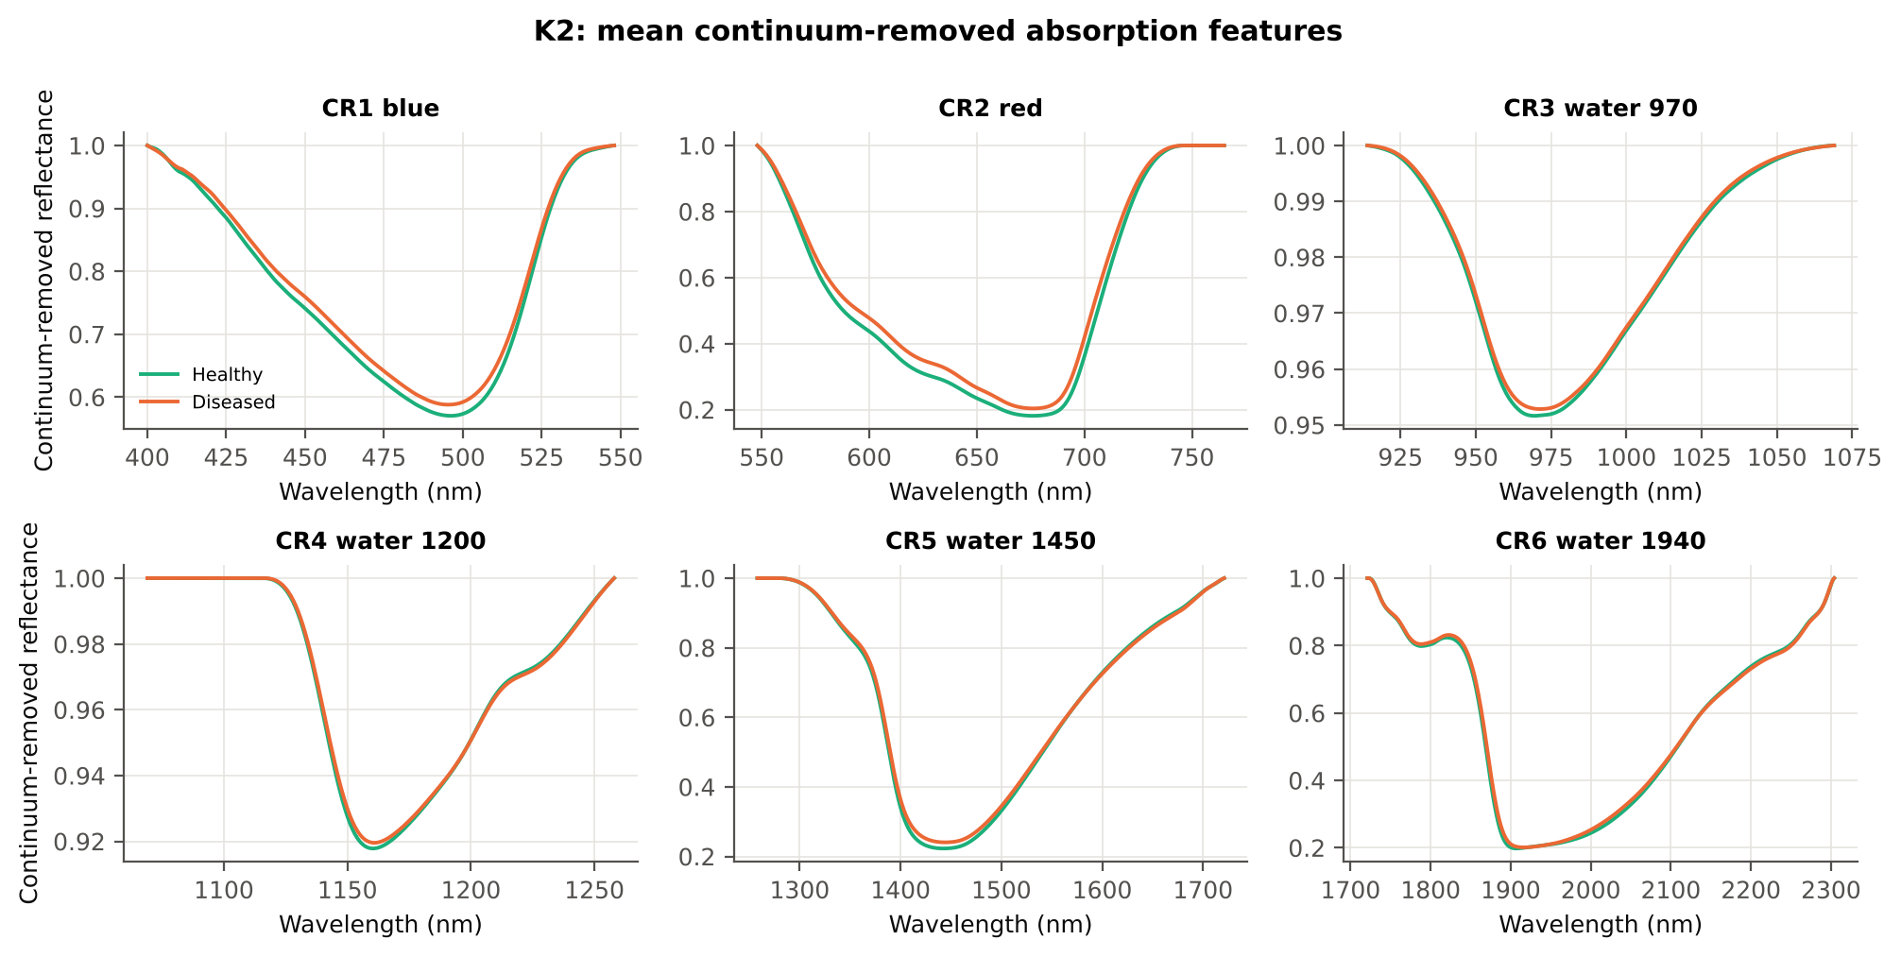
CR3 water 970 depth | 0.0484 | 0.0472 | -0.9613 | 0.4228 | -0.1131 | 0.5256 | D < H | 0.0383 | diseased if < thr | 54.9% | 51.2% | 49.3% | 0.6331 | 0.0816
CR2 red position | 676.33 | 676.27 | -0.2285 | 0.8479 | -0.0311 | 0.5243 | D < H | 678.50 | diseased if < thr | 58.3% | 55.5% | 57.0% | 0.8798 | 0.0604
CR4 water 1200 depth | 0.0822 | 0.0805 | -0.8793 | 0.4528 | -0.1060 | 0.5225 | D < H | 0.0916 | diseased if < thr | 53.8% | 47.0% | 48.1% | 0.6481 | 0.0850
CR4 water 1200 symmetry | 0.2999 | 0.3006 | 0.8580 | 0.4528 | 0.0949 | 0.5167 | D > H | 0.2918 | diseased if > thr | 53.3% | 47.1% | 44.6% | 0.5822 | 0.0242
CR6 water 1940 depth | 0.8030 | 0.7994 | -0.8212 | 0.4586 | -0.0798 | 0.5102 | D < H | 0.8211 | diseased if < thr | 53.0% | 41.5% | 43.8% | 0.7138 | 0.1494
CR6 water 1940 width | 276.07 | 275.74 | -0.1777 | 0.8593 | -0.0223 | 0.5068 | D > H | 265.50 | diseased if > thr | 55.7% | 47.1% | 50.3% | 0.9340 | 0.1010
CR4 water 1200 area | 5.7843 | 5.7236 | -0.3780 | 0.7565 | -0.0455 | 0.5047 | D < H | 6.5145 | diseased if < thr | 53.1% | 46.2% | 49.6% | 0.9005 | 0.0918

Cross-checks for this step
Step | What was checked | Method | Result | Status
K2 | Convex hull | monotone-chain upper hull vs SciPy ConvexHull, 20 leaves × 6 windows | max |Δ continuum| = 0.0e+00 | PASS

17_K3_Vegetation_Indices
Step K3 · Disease-sensitive spectral (vegetation) indices — the 31 indices of the flowering-stage workbook
Computed from splice-corrected, smoothed reflectance at the nearest 1 nm band.

Result in brief
Most sensitive index: ARI (AUC 0.81, BA plot-grouped CV 75.3 %).
Table K3.1 The 31 indices
Index | Name | Equation (as computed) | Reference
WI | Water Index | R900 / R970 | Peñuelas et al., 1997
mCARI1 | Modified Chlorophyll Absorption in Reflectance Index 1 | 1.2[2.5(R761 − R651) − 1.3(R761 − R581)] | Haboudane et al., 2004
MTVI1 | Modified Triangular Vegetation Index 1 | 1.2[1.2(R761 − R581) − 2.5(R651 − R581)] | Haboudane et al., 2004
MTVI2 | Modified Triangular Vegetation Index 2 | 1.5[1.2(R761 − R581) − 2.5(R651 − R581)] / √[(2R761 + 1)² − (6R761 − 5√R651) − 0.5] | Haboudane et al., 2004
SR900 | Simple Ratio Index 900 | R900 / R680 | Jordan, 1969
SR850 | Simple Ratio Index 850 | R850 / R680 | Jordan, 1969
GNDVI | Green NDVI | (R850 − R580) / (R850 + R580) | Gitelson and Merzlyak, 1996
PRI | Photochemical Reflectance Index | (R531 − R570) / (R531 + R570) | Gamon et al., 1992
RARSa | Ratio Analysis of Reflectance Spectra, chlorophyll a | R675 / R700 | Chappelle et al., 1992
RARSb | Ratio Analysis of Reflectance Spectra, chlorophyll b | R675 / (R700 × R650) | Chappelle et al., 1992
RARSc | Ratio Analysis of Reflectance Spectra, carotenoids | R750 / R700 | Chappelle et al., 1992
PSSRa | Pigment Specific Simple Ratio a | R800 / R680 | Blackburn, 1998
NDVI780 | Normalized Difference Vegetation Index 780 | (R780 − R670) / (R780 + R670) | Raun et al., 2001
SIPI | Structure Insensitive Pigment Index | (R800 − R445) / (R800 − R680) | Peñuelas et al., 1995
NCPI | Normalized Chlorophyll Pigment Ratio Index | (R670 − R450) / (R670 + R450) | Peñuelas et al., 1994
NPQI | Normalized Phaeophytinization Index | (R415 − R435) / (R415 + R435) | Barnes et al., 1992
PSRI | Plant Senescence Reflectance Index | (R680 − R500) / R750 | Merzlyak et al., 1999
WI/ND | Ratio of WI and NDVI | (R900 / R970) / [(R900 − R680) / (R900 + R680)] | Peñuelas et al., 1997
TCARI | Transformed Chlorophyll Absorption in Reflectance Index | 3[(R700 − R670) − 0.2(R700 − R550)(R700 / R670)] | Haboudane et al., 2002
VIGreen | Green Vegetation Index | (R760 − R550) / (R760 + R550) | Gitelson et al., 2002
RVS1 | Red-Edge Vegetation Stress Index 1 | R651 + R750 | Merton, 1998
RVS2 | Red-Edge Vegetation Stress Index 2 | (R651 + R750) / (R651 − R750) | Merton, 1998
TVI | Triangle Vegetation Index | 0.5[120(R761 − R581) − 200(R651 − R581)] | Broge and Leblanc, 2001
RDVI | Renormalized Difference Vegetation Index | (R761 − R651) / √(R761 + R651) | Roujean and Breon, 1995
NDVI850 | Normalized Difference Vegetation Index 850 | (R850 − R651) / (R850 + R651) | Raun et al., 2001
SR761 | Simple Ratio Index 761 | R761 / R651 | Jordan, 1969
NDVI761 | Normalized Difference Vegetation Index 761 | (R761 − R651) / (R761 + R651) | Raun et al., 2001
PPR | Plant Pigment Ratio | R550 / R450 | Metternicht, 2003
NWI2 | Normalized Water Index 2 | (R970 − R850) / (R970 + R850) | Babar et al., 2006
NRI | Nitrogen Reflectance Index | (R570 − R670) / (R570 + R670) | Bausch and Duke, 1996
ARI | Anthocyanin Reflectance Index | 1/R550 − 1/R700 | Gitelson et al., 2001

Table K3.2 Sensitivity of the 31 indices to white rust, ranked by AUC
Feature | Mean healthy | Mean diseased | Welch t | q (BH) | Hedges g | AUC | Direction | Threshold | Rule | BA all leaves | BA plot-grouped CV | BA hold-out | Mixed-model q | ICC plot
ARI | -1.4263 | -1.0349 | 11.61 | 1.359E-21 | 1.0941 | 0.8090 | D > H | -1.2539 | diseased if > thr | 76.7% | 75.3% | 73.2% | 1.330E-06 | 0.1510
RARSc | 3.2655 | 2.8310 | -9.2960 | 1.545E-15 | -0.9485 | 0.7675 | D < H | 3.0767 | diseased if < thr | 71.0% | 67.1% | 66.6% | 3.171E-05 | 0.1690
NCPI | -0.3920 | -0.3660 | 8.0605 | 1.836E-13 | 0.6456 | 0.7524 | D > H | -0.3852 | diseased if > thr | 69.0% | 62.5% | 63.1% | 0.0016 | 0.1932
RDVI | 0.6146 | 0.5804 | -8.8258 | 2.617E-15 | -0.7351 | 0.7305 | D < H | 0.5940 | diseased if < thr | 68.2% | 65.7% | 62.5% | 4.792E-04 | 0.1793
SR761 | 6.1299 | 5.3738 | -8.0045 | 8.200E-13 | -0.7662 | 0.7274 | D < H | 5.7559 | diseased if < thr | 70.1% | 69.3% | 65.4% | 2.582E-04 | 0.1356
NDVI761 | 0.7162 | 0.6772 | -9.0939 | 3.905E-16 | -0.7044 | 0.7274 | D < H | 0.7040 | diseased if < thr | 70.1% | 69.3% | 65.4% | 2.920E-04 | 0.1177
RVS2 | -1.4032 | -1.4949 | -9.0792 | 1.110E-16 | -0.6077 | 0.7265 | D < H | -1.4261 | diseased if < thr | 69.8% | 67.7% | 66.4% | 7.019E-04 | 0.0951
NDVI850 | 0.7141 | 0.6771 | -8.7606 | 2.612E-15 | -0.6884 | 0.7198 | D < H | 0.6966 | diseased if < thr | 69.2% | 67.2% | 64.4% | 2.920E-04 | 0.1148
RARSb | 4.4573 | 3.8812 | -7.0157 | 1.785E-10 | -0.7573 | 0.7138 | D < H | 4.0353 | diseased if < thr | 69.1% | 67.5% | 66.2% | 2.920E-04 | 0.1647
NPQI | 0.0721 | 0.0630 | -7.7706 | 2.446E-12 | -0.7252 | 0.7105 | D < H | 0.0660 | diseased if < thr | 69.3% | 68.3% | 68.2% | 2.920E-04 | 0.1636
GNDVI | 0.5446 | 0.5036 | -7.4308 | 1.431E-11 | -0.6940 | 0.7079 | D < H | 0.5371 | diseased if < thr | 66.9% | 63.9% | 63.3% | 4.792E-04 | 0.1428
NDVI780 | 0.7521 | 0.7210 | -8.1374 | 8.659E-14 | -0.6214 | 0.7066 | D < H | 0.7410 | diseased if < thr | 67.6% | 65.4% | 65.4% | 0.0016 | 0.1630
PSSRa | 6.9487 | 6.2251 | -7.3657 | 1.924E-11 | -0.6891 | 0.7059 | D < H | 6.5696 | diseased if < thr | 67.6% | 67.0% | 64.1% | 0.0013 | 0.2131
MTVI2 | 0.7044 | 0.6688 | -7.6216 | 3.179E-12 | -0.6533 | 0.7041 | D < H | 0.6738 | diseased if < thr | 65.9% | 62.4% | 62.3% | 0.0018 | 0.2118
SR850 | 6.9141 | 6.2205 | -7.1564 | 5.430E-11 | -0.6708 | 0.7000 | D < H | 6.5544 | diseased if < thr | 66.3% | 63.2% | 62.5% | 0.0015 | 0.2088
SR900 | 6.8949 | 6.2225 | -6.9936 | 1.259E-10 | -0.6565 | 0.6958 | D < H | 6.5466 | diseased if < thr | 66.0% | 63.0% | 61.7% | 0.0016 | 0.2059
VIGreen | 0.4070 | 0.3724 | -6.2257 | 7.806E-09 | -0.6447 | 0.6864 | D < H | 0.3777 | diseased if < thr | 65.6% | 61.1% | 61.0% | 0.0020 | 0.1949
TVI | 34.79 | 33.19 | -6.4842 | 1.638E-09 | -0.5979 | 0.6758 | D < H | 33.69 | diseased if < thr | 64.8% | 61.9% | 60.1% | 0.0081 | 0.2727
WI/ND | 1.4164 | 1.4748 | 6.9679 | 4.892E-11 | 0.5042 | 0.6732 | D > H | 1.4520 | diseased if > thr | 64.4% | 61.8% | 61.3% | 0.0052 | 0.1243
PRI | 0.0750 | 0.0652 | -6.2939 | 3.952E-09 | -0.5678 | 0.6580 | D < H | 0.0641 | diseased if < thr | 61.8% | 56.2% | 58.4% | 2.920E-04 | 0.0326
mCARI1 | 0.8820 | 0.8464 | -5.6281 | 1.097E-07 | -0.5296 | 0.6545 | D < H | 0.8402 | diseased if < thr | 64.0% | 62.9% | 59.8% | 0.0207 | 0.2936
MTVI1 | 0.8820 | 0.8464 | -5.6281 | 1.097E-07 | -0.5296 | 0.6545 | D < H | 0.8402 | diseased if < thr | 64.0% | 62.9% | 59.8% | 0.0207 | 0.2936
TCARI | 0.4123 | 0.4489 | 3.8378 | 2.468E-04 | 0.4227 | 0.6249 | D > H | 0.4149 | diseased if > thr | 62.7% | 60.9% | 59.1% | 0.0657 | 0.2826
NWI2 | -0.0269 | -0.0240 | 3.8628 | 2.209E-04 | 0.3742 | 0.6074 | D > H | -0.0199 | diseased if > thr | 61.2% | 58.9% | 56.8% | 0.1184 | 0.2472
PSRI | -0.1016 | -0.1064 | -2.9264 | 0.0049 | -0.2945 | 0.5901 | D < H | -0.1049 | diseased if < thr | 58.2% | 53.7% | 56.2% | 0.1227 | 0.1691
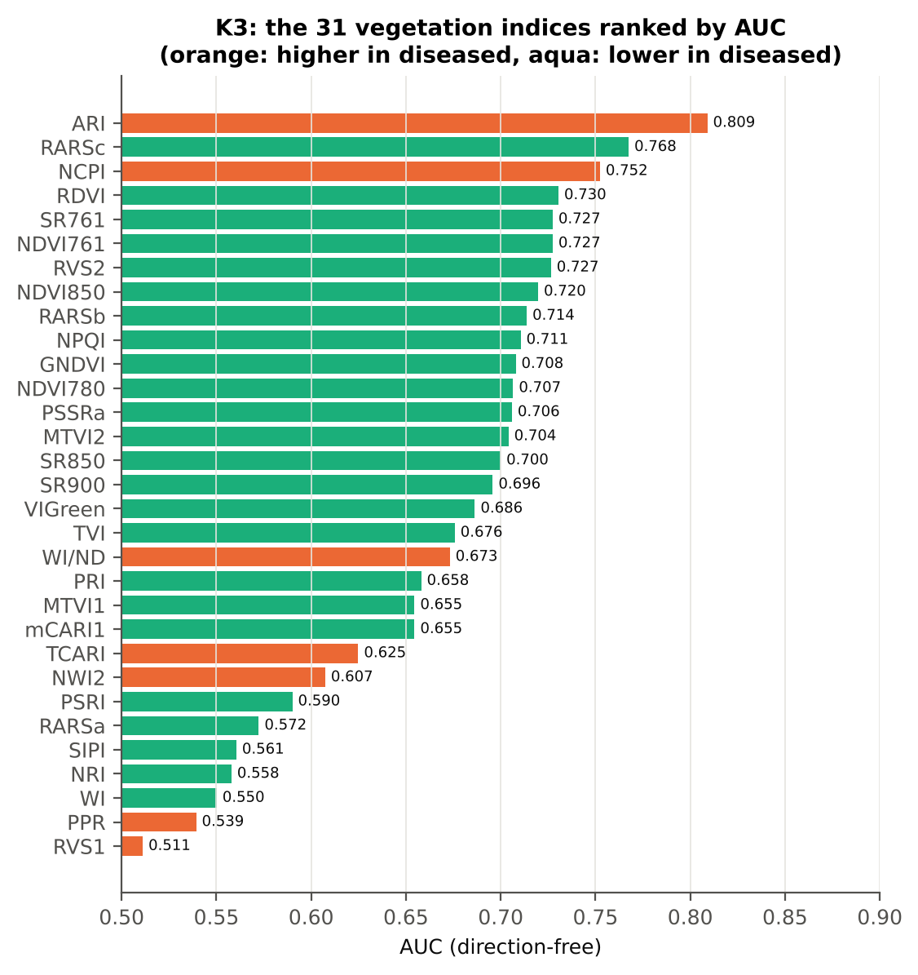
RARSa | 0.4640 | 0.4519 | -1.9589 | 0.0599 | -0.2147 | 0.5724 | D < H | 0.4625 | diseased if < thr | 58.8% | 56.3% | 54.7% | 0.3339 | 0.2572
SIPI | 0.7788 | 0.7698 | -2.7306 | 0.0082 | -0.2289 | 0.5605 | D < H | 0.7648 | diseased if < thr | 59.4% | 58.8% | 59.1% | 0.2475 | 0.1579
NRI | 0.4177 | 0.4068 | -1.9311 | 0.0615 | -0.2096 | 0.5580 | D < H | 0.4319 | diseased if < thr | 55.6% | 49.2% | 49.9% | 0.3466 | 0.3385
WI | 1.0525 | 1.0500 | -1.6825 | 0.1013 | -0.1817 | 0.5502 | D < H | 1.0373 | diseased if < thr | 57.4% | 55.1% | 50.7% | 0.4495 | 0.1926
PPR | 1.3130 | 1.3316 | 1.1933 | 0.2426 | 0.1280 | 0.5393 | D > H | 1.2533 | diseased if > thr | 55.6% | 52.7% | 49.1% | 0.5745 | 0.2671
RVS1 | 0.7309 | 0.7317 | 0.2334 | 0.8157 | 0.0209 | 0.5112 | D > H | 0.7411 | diseased if > thr | 56.0% | 48.2% | 53.0% | 0.8547 | 0.1523

Cross-check: indices recomputed by Excel formulas for ten leaves
Table K3.3 Reflectance input (splice-corrected, smoothed)
Leaf row | R415 | R435 | R445 | R450 | R500 | R531 | R550 | R570 | R580 | R581 | R650 | R651 | R670 | R675 | R680 | R700 | R750 | R760 | R761 | R780 | R800 | R850 | R900 | R970
1.0000 | 0.2807 | 0.2450 | 0.2273 | 0.2206 | 0.1668 | 0.2882 | 0.3100 | 0.2535 | 0.2141 | 0.2113 | 0.1165 | 0.1153 | 0.0955 | 0.0955 | 0.0975 | 0.2224 | 0.6679 | 0.6726 | 0.6728 | 0.6705 | 0.6678 | 0.6617 | 0.6577 | 0.6238
60.00 | 0.2734 | 0.2371 | 0.2209 | 0.2145 | 0.1649 | 0.2461 | 0.2563 | 0.2160 | 0.1883 | 0.1862 | 0.1142 | 0.1134 | 0.0979 | 0.0979 | 0.0999 | 0.2037 | 0.5934 | 0.5990 | 0.5992 | 0.6002 | 0.6017 | 0.6032 | 0.6047 | 0.5692
120.00 | 0.2487 | 0.2159 | 0.2008 | 0.1948 | 0.1507 | 0.2497 | 0.2627 | 0.2118 | 0.1787 | 0.1763 | 0.1035 | 0.1025 | 0.0880 | 0.0886 | 0.0909 | 0.1895 | 0.6138 | 0.6190 | 0.6191 | 0.6181 | 0.6174 | 0.6160 | 0.6162 | 0.5960
180.00 | 0.2750 | 0.2313 | 0.2131 | 0.2072 | 0.1573 | 0.2499 | 0.2598 | 0.2084 | 0.1762 | 0.1739 | 0.1009 | 0.1000 | 0.0861 | 0.0871 | 0.0904 | 0.1879 | 0.6510 | 0.6559 | 0.6558 | 0.6539 | 0.6513 | 0.6460 | 0.6424 | 0.6032
240.00 | 0.2377 | 0.2059 | 0.1919 | 0.1868 | 0.1463 | 0.2261 | 0.2361 | 0.1954 | 0.1686 | 0.1667 | 0.1022 | 0.1015 | 0.0892 | 0.0894 | 0.0912 | 0.1851 | 0.5832 | 0.5889 | 0.5891 | 0.5896 | 0.5900 | 0.5915 | 0.5932 | 0.5619
300.00 | 0.2196 | 0.1922 | 0.1790 | 0.1737 | 0.1334 | 0.2144 | 0.2228 | 0.1765 | 0.1479 | 0.1460 | 0.0868 | 0.0862 | 0.0783 | 0.0802 | 0.0841 | 0.1636 | 0.6334 | 0.6398 | 0.6400 | 0.6381 | 0.6363 | 0.6330 | 0.6316 | 0.6006
360.00 | 0.2992 | 0.2614 | 0.2436 | 0.2360 | 0.1793 | 0.2385 | 0.2425 | 0.2058 | 0.1824 | 0.1806 | 0.1220 | 0.1214 | 0.1127 | 0.1139 | 0.1171 | 0.1960 | 0.5541 | 0.5584 | 0.5585 | 0.5580 | 0.5590 | 0.5619 | 0.5646 | 0.5444
420.00 | 0.2495 | 0.2257 | 0.2115 | 0.2057 | 0.1569 | 0.2617 | 0.2787 | 0.2255 | 0.1903 | 0.1878 | 0.1057 | 0.1047 | 0.0868 | 0.0866 | 0.0882 | 0.1984 | 0.6412 | 0.6465 | 0.6466 | 0.6447 | 0.6422 | 0.6379 | 0.6351 | 0.6025
480.00 | 0.2591 | 0.2288 | 0.2126 | 0.2057 | 0.1559 | 0.2313 | 0.2378 | 0.1943 | 0.1665 | 0.1646 | 0.1016 | 0.1010 | 0.0937 | 0.0958 | 0.0998 | 0.1838 | 0.6042 | 0.6094 | 0.6095 | 0.6083 | 0.6086 | 0.6096 | 0.6107 | 0.5911
540.00 | 0.3216 | 0.3050 | 0.2933 | 0.2877 | 0.2452 | 0.3538 | 0.3732 | 0.3459 | 0.3215 | 0.3197 | 0.2353 | 0.2338 | 0.1982 | 0.1960 | 0.1986 | 0.3746 | 0.6035 | 0.6061 | 0.6063 | 0.6085 | 0.6120 | 0.6177 | 0.6217 | 0.5970

Table K3.4 Indices by Excel formula, Python value and difference
Leaf row | NDVI780 | PRI | TCARI | MTVI2 | ARI | WI/ND | NWI2 | PSRI | RARSb | Python NDVI780 | Python PRI | Python TCARI | Python MTVI2 | Python ARI | Python WI/ND | Python NWI2 | Python PSRI | Python RARSb | Max |Excel − Python|
1.0000 | 0.75064 | 0.06409 | 0.50314 | 0.72945 | -1.26976 | 1.42136 | -0.02949 | -0.10378 | 3.68492 | 0.75064 | 0.06409 | 0.50314 | 0.72945 | -1.26976 | 1.42136 | -0.02949 | -0.10378 | 3.68492 | 0.0E+00
60.00 | 0.71950 | 0.06501 | 0.38304 | 0.65331 | -1.00663 | 1.48289 | -0.02900 | -0.10946 | 4.20698 | 0.71950 | 0.06501 | 0.38304 | 0.65331 | -1.00663 | 1.48289 | -0.02900 | -0.10946 | 4.20698 | 0.0E+00
120.00 | 0.75085 | 0.08222 | 0.39925 | 0.69363 | -1.46970 | 1.39177 | -0.01648 | -0.09730 | 4.51742 | 0.75085 | 0.08222 | 0.39925 | 0.69363 | -1.46970 | 1.39177 | -0.01648 | -0.09730 | 4.51742 | 0.0E+00
180.00 | 0.76719 | 0.09054 | 0.39925 | 0.72526 | -1.47382 | 1.41377 | -0.03430 | -0.10277 | 4.59871 | 0.76719 | 0.09054 | 0.39925 | 0.72526 | -1.47382 | 1.41377 | -0.03430 | -0.10277 | 4.59871 | 0.0E+00
240.00 | 0.73714 | 0.07294 | 0.35128 | 0.66218 | -1.16670 | 1.43951 | -0.02565 | -0.09447 | 4.72593 | 0.73714 | 0.07294 | 0.35128 | 0.66218 | -1.16670 | 1.43951 | -0.02565 | -0.09447 | 4.72593 | 0.0E+00
300.00 | 0.78136 | 0.09695 | 0.33004 | 0.72997 | -1.62494 | 1.37454 | -0.02624 | -0.07789 | 5.65349 | 0.78136 | 0.09695 | 0.33004 | 0.72997 | -1.62494 | 1.37454 | -0.02624 | -0.07789 | 5.65349 | 0.0E+00
360.00 | 0.66403 | 0.07367 | 0.29863 | 0.58568 | -0.97849 | 1.57972 | -0.01586 | -0.11234 | 4.76464 | 0.66403 | 0.07367 | 0.29863 | 0.58568 | -0.97849 | 1.57972 | -0.01586 | -0.11234 | 4.76464 | 0.0E+00
420.00 | 0.76272 | 0.07429 | 0.44505 | 0.71960 | -1.45082 | 1.39396 | -0.02853 | -0.10723 | 4.12495 | 0.76272 | 0.07429 | 0.44505 | 0.71960 | -1.45082 | 1.39396 | -0.02853 | -0.10723 | 4.12495 | 0.0E+00
480.00 | 0.73300 | 0.08687 | 0.33381 | 0.67702 | -1.23598 | 1.43666 | -0.01535 | -0.09295 | 5.13142 | 0.73300 | 0.08687 | 0.33381 | 0.67702 | -1.23598 | 1.43666 | -0.01535 | -0.09295 | 5.13142 | 0.0E+00
540.00 | 0.50862 | 0.01132 | 0.52753 | 0.47032 | 0.00998 | 2.01902 | -0.01707 | -0.07733 | 2.22377 | 0.50862 | 0.01132 | 0.52753 | 0.47032 | 0.00998 | 2.01902 | -0.01707 | -0.07733 | 2.22377 | 4.4E-16
Largest difference over all ten leaves: |  |  |  | 4.4E-16

Cross-checks for this step
Step | What was checked | Method | Result | Status
K3 | Duplicated indices | mCARI1 vs MTVI1; SR761 vs NDVI761 | max |mCARI1 − MTVI1| = 4.4e-16 (algebraically identical); AUC SR761 0.7274 = NDVI761 0.7274 (monotone transform) | PASS

18_K3b_Optimised_Index
Step K3b (extra) · Optimised two-band index — exhaustive NDSI / DI search
NDSI(i, j) = (Ri − Rj)/(Ri + Rj); DI(i, j) = Ri − Rj; all band pairs on a 5 nm grid (guard zones excluded), best pair refined at 1 nm.

Result in brief
Best join-free two-band index: NDSI(1920,1921) (AUC 0.93); honest nested BA 89.2 % (CV) / 89.1 % (hold-out).
Every pair of bands on a 5 nm grid (407 bands, 82,621 pairs) was scored by AUC. Choosing the best of so many pairs on all leaves is optimistic, so the search was repeated inside 20 training sets (V3 repeat 1 and the 10 V4 splits) and the chosen pair was tested on the held-out plots (honest estimate).
Table K3b.1 Ten best pairs of each form (5 nm grid, all leaves)
Index | Band i (nm) | Band j (nm) | AUC
NDSI(1915, 1925) | 1915.00 | 1925.00 | 0.9250
NDSI(1920, 1925) | 1920.00 | 1925.00 | 0.9249
NDSI(1915, 1930) | 1915.00 | 1930.00 | 0.9243
NDSI(1915, 1920) | 1915.00 | 1920.00 | 0.9229
NDSI(1915, 1935) | 1915.00 | 1935.00 | 0.9212
NDSI(1910, 1940) | 1910.00 | 1940.00 | 0.9211
NDSI(1910, 1935) | 1910.00 | 1935.00 | 0.9205
NDSI(1910, 1930) | 1910.00 | 1930.00 | 0.9198
NDSI(1910, 1925) | 1910.00 | 1925.00 | 0.9189
NDSI(1910, 1945) | 1910.00 | 1945.00 | 0.9156
DI(1915, 1925) | 1915.00 | 1925.00 | 0.9203
DI(1915, 1920) | 1915.00 | 1920.00 | 0.9197
DI(1910, 1930) | 1910.00 | 1930.00 | 0.9164
DI(1910, 1925) | 1910.00 | 1925.00 | 0.9164
DI(1920, 1925) | 1920.00 | 1925.00 | 0.9161
DI(1915, 1930) | 1915.00 | 1930.00 | 0.9159
DI(1910, 1935) | 1910.00 | 1935.00 | 0.9151
DI(1910, 1920) | 1910.00 | 1920.00 | 0.9143
DI(1910, 1940) | 1910.00 | 1940.00 | 0.9124
DI(1910, 1915) | 1910.00 | 1915.00 | 0.9097

Table K3b.2 The refined best indices (1 nm)
Feature | Mean healthy | Mean diseased | Welch t | q (BH) | Hedges g | AUC | Direction | Threshold | Rule | BA all leaves | BA plot-grouped CV | BA hold-out | Mixed-model q | ICC plot
NDSI(1920,1921) | -2.945E-04 | 1.804E-04 | 19.06 | 5.711E-42 | 1.8705 | 0.9270 | D > H | -5.200E-05 | diseased if > thr | 91.0% | 90.9% | 90.2% | 1.596E-12 | 0.2439
DI(1920,1921) | -3.644E-05 | 2.586E-05 | 14.90 | 2.949E-37 | 1.0926 | 0.9212 | D > H | -5.715E-06 | diseased if > thr | 90.7% | 89.7% | 89.8% | 8.988E-10 | 0.0693
* the threshold is chosen on training plots, but the pair itself was found on all leaves (optimistic) — see Table K3b.3.

Table K3b.3 Honest (nested) validation of the search
Index form | BA plot-grouped CV (search inside folds) | BA hold-out (search inside training plots) | Hold-out SD | Pairs chosen in the 20 training sets
NDSI | 89.2% | 89.1% | 4.8% | (1920, 1925) × 13; (1915, 1925) × 5; (1915, 1920) × 2
DI | 89.1% | 86.1% | 5.9% | (1915, 1925) × 11; (1915, 1920) × 4; (1920, 1925) × 2; (1380, 1660) × 1; (1385, 1660) × 1; (1910, 1920) × 1

Table K3b.4 Is the separation the same on every measurement date?
Pair | AUC all leaves | AUC 24-02-2026 | Direction by date
NDSI(1920, 1921) | 0.9270 | 0.9270 | same on all dates
DI(1920, 1921) | 0.9212 | 0.9212 | same on all dates

Without the guard zones the best NDSI pair would be (1915, 1925) nm with AUC 0.925 — no band inside a guard zone, so the guard zones do not change the result here.

Additional step K3b-JF · search repeated without pairs that straddle a detector join
The best all-pair index NDSI(1920,1921) does not straddle a detector join; the join-free search is shown as a check. Pairs with one band on each side of the 1000/1001 or 1800/1801 nm join and both within 100 nm of it were therefore excluded (571 of 82,621 pairs) and the search, refinement and nested validation were repeated.
Table K3b.5 Ten best join-free pairs of each form (5 nm grid, all leaves)
Index | Band i (nm) | Band j (nm) | AUC
NDSI(1915, 1925) | 1915.00 | 1925.00 | 0.9250
NDSI(1920, 1925) | 1920.00 | 1925.00 | 0.9249
NDSI(1915, 1930) | 1915.00 | 1930.00 | 0.9243
NDSI(1915, 1920) | 1915.00 | 1920.00 | 0.9229
NDSI(1915, 1935) | 1915.00 | 1935.00 | 0.9212
NDSI(1910, 1940) | 1910.00 | 1940.00 | 0.9211
NDSI(1910, 1935) | 1910.00 | 1935.00 | 0.9205
NDSI(1910, 1930) | 1910.00 | 1930.00 | 0.9198
NDSI(1910, 1925) | 1910.00 | 1925.00 | 0.9189
NDSI(1910, 1945) | 1910.00 | 1945.00 | 0.9156
DI(1915, 1925) | 1915.00 | 1925.00 | 0.9203
DI(1915, 1920) | 1915.00 | 1920.00 | 0.9197
DI(1910, 1930) | 1910.00 | 1930.00 | 0.9164
DI(1910, 1925) | 1910.00 | 1925.00 | 0.9164
DI(1920, 1925) | 1920.00 | 1925.00 | 0.9161
DI(1915, 1930) | 1915.00 | 1930.00 | 0.9159
DI(1910, 1935) | 1910.00 | 1935.00 | 0.9151
DI(1910, 1920) | 1910.00 | 1920.00 | 0.9143
DI(1910, 1940) | 1910.00 | 1940.00 | 0.9124
DI(1910, 1915) | 1910.00 | 1915.00 | 0.9097

Table K3b.6 The refined best join-free indices (1 nm)
Feature | Mean healthy | Mean diseased | Welch t | q (BH) | Hedges g | AUC | Direction | Threshold | Rule | BA all leaves | BA plot-grouped CV | BA hold-out | Mixed-model q | ICC plot
NDSI(1920,1921) | -2.945E-04 | 1.804E-04 | 19.06 | 5.711E-42 | 1.8705 | 0.9270 | D > H | -5.200E-05 | diseased if > thr | 91.0% | 90.9% | 90.2% | 1.596E-12 | 0.2439
...
Table K3b.7 Honest (nested) validation of the join-free search
Index form | BA plot-grouped CV (search inside folds) | BA hold-out (search inside training plots) | Hold-out SD | Pairs chosen in the 20 training sets
NDSI | 89.2% | 89.1% | 4.8% | (1920, 1925) × 13; (1915, 1925) × 5; (1915, 1920) × 2
DI | 89.1% | 86.1% | 5.9% | (1915, 1925) × 10; (1915, 1920) × 5; (1920, 1925) × 2; (1380, 1660) × 1; (1385, 1660) × 1; (1910, 1920) × 1

Table K3b.8 Join-free best pairs on each date
Pair | AUC all leaves | AUC 24-02-2026 | Direction by date
NDSI(1920, 1921) | 0.9270 | 0.9270 | same on all dates
DI(1920, 1921) | 0.9212 | 0.9212 | same on all dates
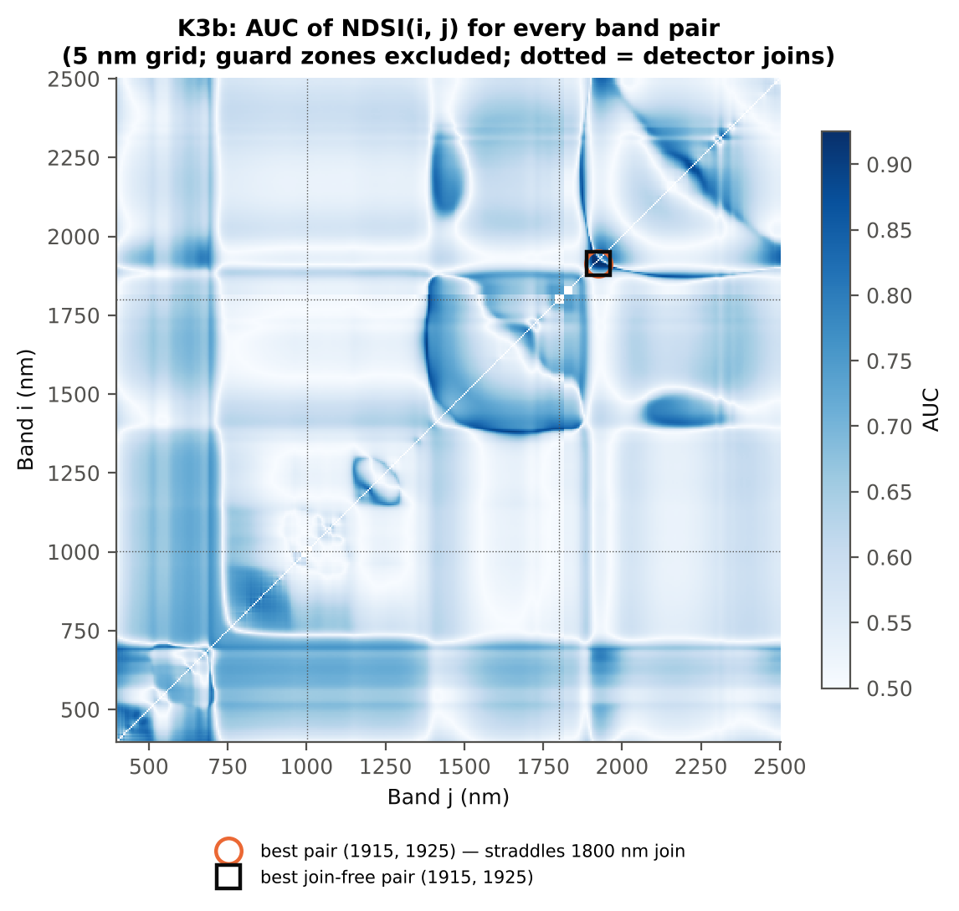

Cross-checks for this step
Step | What was checked | Method | Result | Status
K3b | NDSI vs simple ratio | AUC of NDSI and Ri/Rj on 1998 random pairs | max |ΔAUC| = 0.0e+00 | PASS
K3b | Selection optimism | search repeated inside training plots | honest BA 89.2 % (CV) / 89.1 % (hold-out) vs 91.0 % on all leaves | PASS
K3b | Best pair straddles a detector join? | pairs with one band on each side of the 1000/1001 or 1800/1801 nm join (within 100 nm) excluded and the search repeated | all-pair best NDSI(1920,1921) does not straddle a join (same as the join-free search); join-free best NDSI(1920,1921) (AUC 0.927; honest BA 89.2 % CV) | PASS

19_K4_Derivatives
...
Table K4.3 Twenty derivative-based edge parameters, ranked by AUC
Ro (red well reflectance) | 0.0889 | 0.0996 | 7.5598 | 5.141E-12 | 0.5417 | 0.6808 | D > H | 0.0935 | diseased if > thr
Dr = REV (red-edge amplitude) | 0.0135 | 0.0131 | -4.0327 | 2.111E-04 | -0.3790 | 0.6317 | D < H | 0.0129 | diseased if < thr
Rg (green peak reflectance) | 0.2676 | 0.2836 | 4.3346 | 9.042E-05 | 0.4429 | 0.6296 | D > H | 0.2841 | diseased if > thr
SDr/SDb | 6.1430 | 5.6216 | -3.1003 | 0.0046 | -0.2933 | 0.6283 | D < H | 6.0869 | diseased if < thr
(SDr − SDb)/(SDr + SDb) | 0.7092 | 0.6839 | -3.6574 | 8.088E-04 | -0.3970 | 0.6283 | D < H | 0.7178 | diseased if < thr
λb (blue-edge position, nm) | 521.70 | 521.33 | -4.1869 | 1.380E-04 | -0.4210 | 0.6189 | D < H | 521.50 | diseased if < thr
λy (yellow-edge position, nm) | 569.87 | 570.14 | 5.4502 | 6.602E-07 | 0.4850 | 0.6118 | D > H | 570.50 | diseased if > thr
λo (red well position, nm) | 671.82 | 672.61 | 3.0513 | 0.0047 | 0.3644 | 0.5986 | D > H | 672.50 | diseased if > thr
(Rg − Ro)/(Rg + Ro) | 0.4994 | 0.4821 | -3.0484 | 0.0047 | -0.3149 | 0.5905 | D < H | 0.4517 | diseased if < thr
Rg/Ro | 3.0301 | 2.9043 | -2.8840 | 0.0070 | -0.3166 | 0.5905 | D < H | 2.6475 | diseased if < thr
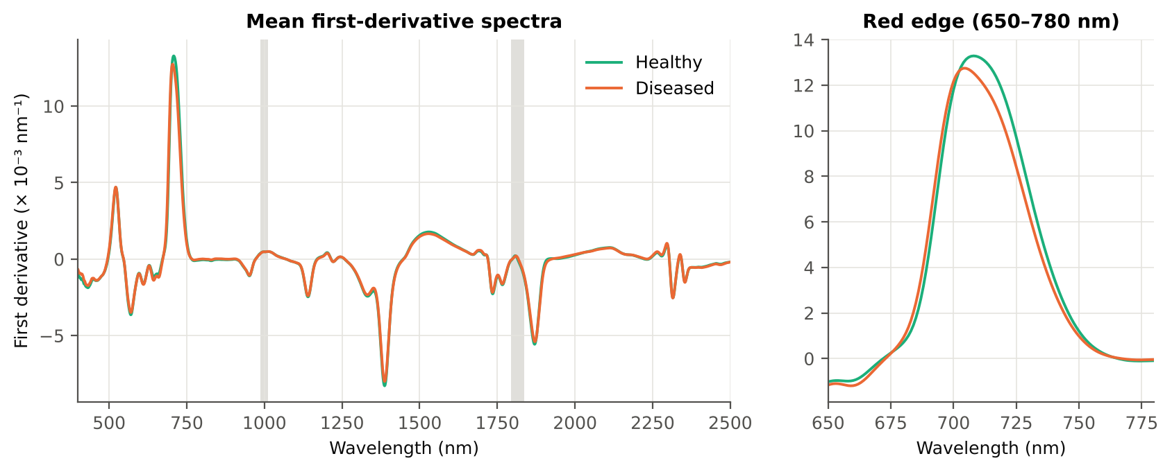
Dy (yellow-edge amplitude) | -0.0036 | -0.0035 | 2.6181 | 0.0141 | 0.2978 | 0.5804 | D > H | -0.0032 | diseased if > thr
SDy (yellow-edge area) | -0.0862 | -0.0828 | 2.4950 | 0.0184 | 0.2775 | 0.5765 | D > H | -0.0767 | diseased if > thr
SDb (blue-edge area) | 0.0927 | 0.0972 | 1.6905 | 0.1167 | 0.1901 | 0.5657 | D > H | 0.0779 | diseased if > thr
(SDr − SDy)/(SDr + SDy) | 1.3809 | 1.3849 | 0.6382 | 0.5828 | 0.0762 | 0.5322 | D > H | 1.3506 | diseased if > thr
SDr/SDy | -6.3524 | -6.2887 | 0.7582 | 0.5291 | 0.0896 | 0.5322 | D > H | -6.7050 | diseased if > thr
λg (green peak position, nm) | 546.90 | 547.09 | 0.5184 | 0.6369 | 0.0588 | 0.5265 | D > H | 547.50 | diseased if > thr
Db (blue-edge amplitude) | 0.0047 | 0.0047 | 0.2452 | 0.8067 | 0.0279 | 0.5150 | D > H | 0.0042 | diseased if > thr
...

20_K4b_REIP
...
Table K4b.3 REIP shift by date, growth stage and variety
Stratum | Level | Method | n healthy | n diseased | Mean REIP healthy (nm) | Mean REIP diseased (nm) | Shift D − H (nm) | Welch p | AUC
Date | 24-02-2026 | REIP – maximum first derivative | 90 | 450 | 708.62 | 705.41 | -3.2111 | 1.432E-11 | 0.7202
Date | 24-02-2026 | REIP – linear 4-point interpolation | 90 | 450 | 716.08 | 714.38 | -1.6978 | 1.355E-14 | 0.7364
Date | 24-02-2026 | REIP – Lagrangian interpolation | 90 | 450 | 708.60 | 705.42 | -3.1773 | 2.546E-11 | 0.7192
Date | 24-02-2026 | REIP – linear extrapolation | 90 | 450 | 708.23 | 703.45 | -4.7831 | 4.066E-12 | 0.7228
Growth stage | Flowering | REIP – maximum first derivative | 60 | 290 | 709.52 | 705.92 | -3.5994 | 5.160E-09 | 0.7326
Growth stage | Flowering | REIP – linear 4-point interpolation | 60 | 290 | 716.31 | 714.58 | -1.7236 | 1.935E-09 | 0.7494
Growth stage | Flowering | REIP – Lagrangian interpolation | 60 | 290 | 709.47 | 705.93 | -3.5409 | 1.131E-08 | 0.7289
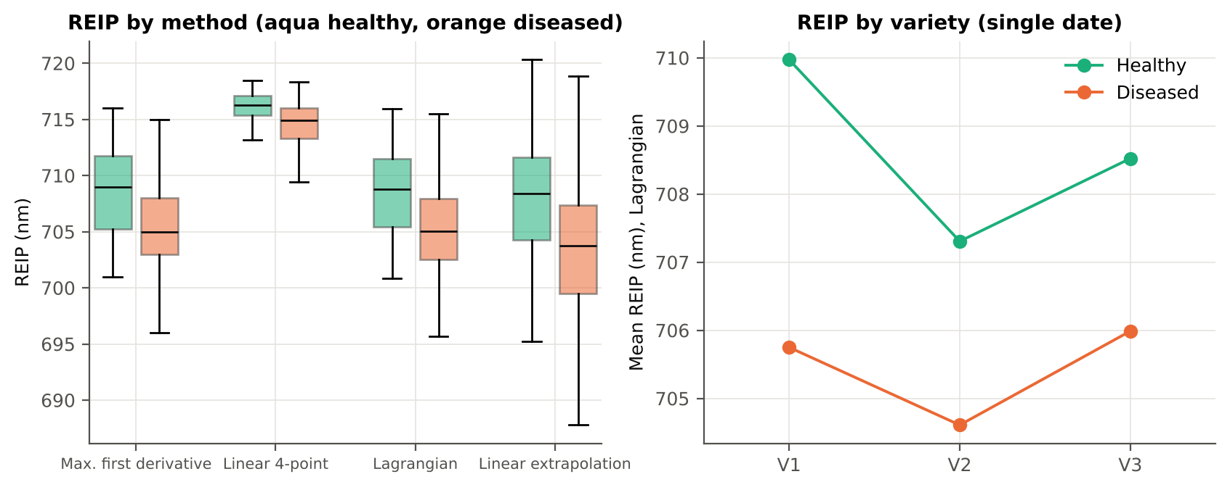
Growth stage | Flowering | REIP – linear extrapolation | 60 | 290 | 709.38 | 704.17 | -5.2021 | 8.053E-09 | 0.7376
Growth stage | Vegetative | REIP – maximum first derivative | 30 | 160 | 706.83 | 704.49 | -2.3396 | 9.691E-05 | 0.7174
Growth stage | Vegetative | REIP – linear 4-point interpolation | 30 | 160 | 715.63 | 714.02 | -1.6085 | 2.472E-07 | 0.7435
Growth stage | Vegetative | REIP – Lagrangian interpolation | 30 | 160 | 706.87 | 704.51 | -2.3561 | 8.432E-05 | 0.7238
Growth stage | Vegetative | REIP – linear extrapolation | 30 | 160 | 705.94 | 702.13 | -3.8086 | 1.360E-05 | 0.7223
Variety | V1 | REIP – maximum first derivative | 30 | 140 | 709.97 | 705.73 | -4.2381 | 7.608E-07 | 0.7776
Variety | V1 | REIP – linear 4-point interpolation | 30 | 140 | 716.72 | 714.58 | -2.1389 | 1.755E-09 | 0.8214
Variety | V1 | REIP – Lagrangian interpolation | 30 | 140 | 709.97 | 705.75 | -4.2234 | 1.018E-06 | 0.7748
Variety | V1 | REIP – linear extrapolation | 30 | 140 | 710.29 | 703.97 | -6.3198 | 3.930E-07 | 0.7867
Variety | V2 | REIP – maximum first derivative | 30 | 160 | 707.33 | 704.63 | -2.7021 | 5.688E-04 | 0.6949
Variety | V2 | REIP – linear 4-point interpolation | 30 | 160 | 715.45 | 713.92 | -1.5324 | 6.870E-05 | 0.6881
Variety | V2 | REIP – Lagrangian interpolation | 30 | 160 | 707.31 | 704.61 | -2.6982 | 5.088E-04 | 0.6967
Variety | V2 | REIP – linear extrapolation | 30 | 160 | 706.23 | 702.15 | -4.0777 | 4.577E-04 | 0.6900
Variety | V3 | REIP – maximum first derivative | 30 | 150 | 708.57 | 705.95 | -2.6200 | 8.146E-04 | 0.6890
Variety | V3 | REIP – linear 4-point interpolation | 30 | 150 | 716.06 | 714.69 | -1.3780 | 1.941E-04 | 0.7056
Variety | V3 | REIP – Lagrangian interpolation | 30 | 150 | 708.52 | 705.99 | -2.5343 | 0.0013 | 0.6844
Variety | V3 | REIP – linear extrapolation | 30 | 150 | 708.17 | 704.34 | -3.8307 | 4.302E-04 | 0.6913

21_K6_Correlation
...
r(λ) = Pearson correlation between the band value and the 0/1 disease status (point-biserial r), for the smoothed reflectance and the first derivative, on all leaves and separately on each date. r is a monotone function of Student's t, so the ranking matches Tier 1; the per-date curves show whether the sign is stable over time (this subset has a single date).
First derivative | 400–499 | 442.00 | 0.2945 | 1.870E-11 | yes
First derivative | 500–599 | 500.00 | 0.1532 | 7.515E-04 | yes
First derivative | 600–679 | 666.00 | -0.2242 | 4.780E-07 | yes
First derivative | 680–759 | 719.00 | -0.3080 | 2.212E-12 | yes
First derivative | 760–1349 | 1198.00 | -0.4968 | 6.607E-33 | yes
First derivative | 1350–1430 | 1352.00 | 0.3209 | 2.464E-13 | yes
First derivative | 1431–1799 | 1743.00 | 0.4699 | 4.322E-29 | yes
First derivative | 1800–1950 | 1838.00 | 0.3835 | 7.384E-19 | yes
First derivative | 1951–2349 | 2223.00 | 0.4124 | 6.043E-22 | yes
First derivative | 2350–2500 | 2480.00 | -0.1451 | 0.0015 | yes
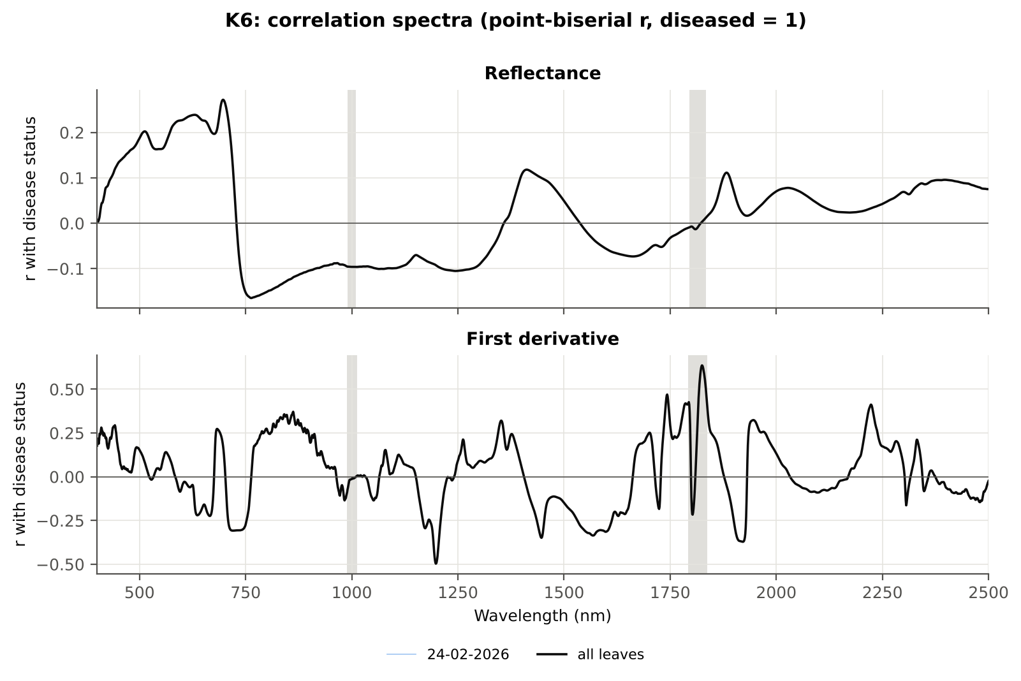

Cross-checks for this step
Step | What was checked | Method | Result | Status
K6 | Correlation vs t-test | |r_pb| vs |Welch t| across bands (Spearman) | ρ = 0.9476 (r_pb is a monotone function of Student's t) | PASS

22_K5_CART_vs_RF
...
Table K5.2 CART vs RF on each feature group (mean over repeats)
K1–K4 combined pool | 4151 | CART | Hold-out | 10 | 90.4% | 2.6% | 0.9135 | 0.7675
K1–K4 combined pool | 4151 | RF | Hold-out | 10 | 92.0% | 2.9% | 0.9656 | 0.8145
K4 incl. guard-zone bands (artefact test) | 2121 | CART | CV | 5 | 91.9% | 0.6% | 0.9373 | 0.7845
K4 incl. guard-zone bands (artefact test) | 2121 | RF | CV | 5 | 94.9% | 0.5% | 0.9855 | 0.8871
K4 incl. guard-zone bands (artefact test) | 2121 | CART | Hold-out | 10 | 89.8% | 3.3% | 0.9148 | 0.7616
K4 incl. guard-zone bands (artefact test) | 2121 | RF | Hold-out | 10 | 92.9% | 2.8% | 0.9771 | 0.8579
K-selected (top 15 non-redundant, chosen inside each training set) | 15 | CART | CV | 5 | 86.3% | 1.2% | 0.8905 | 0.6101
K-selected (top 15 non-redundant, chosen inside each training set) | 15 | RF | CV | 5 | 90.9% | 0.5% | 0.9684 | 0.7250
K-selected (top 15 non-redundant, chosen inside each training set) | 15 | QDA | CV | 5 | 91.6% | 0.8% | 0.9594 | 0.7842
K-selected (top 15 non-redundant, chosen inside each training set) | 15 | CART | Hold-out | 10 | 88.2% | 4.1% | 0.8783 | 0.6888
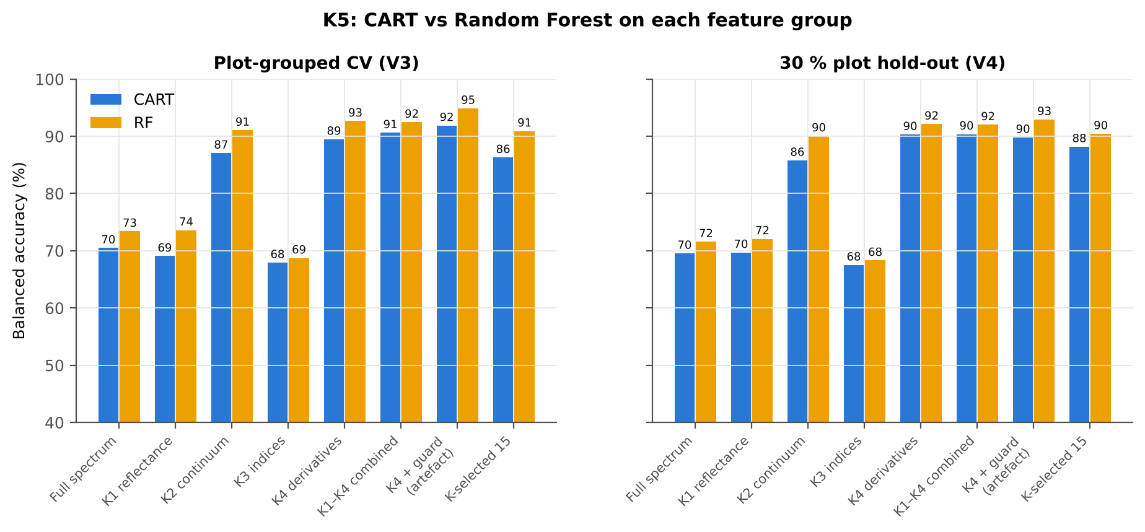
K-selected (top 15 non-redundant, chosen inside each training set) | 15 | RF | Hold-out | 10 | 90.4% | 4.8% | 0.9600 | 0.7727
K-selected (top 15 non-redundant, chosen inside each training set) | 15 | QDA | Hold-out | 10 | 88.2% | 3.9% | 0.9537 | 0.7781

Table K5.3 Paired comparison RF vs CART (same folds)
Feature group | Units | n | RF − CART (BA) | SD | RF better | CART better | Wilcoxon p
Full spectrum (raw reflectance) | CV (50 folds) | 50 | 2.9% | 9.9% | 31 | 19 | 0.0366
Full spectrum (raw reflectance) | Hold-out (10 splits) | 10 | 2.0% | 5.0% | 6 | 4 | 0.2754
...

25_C2_Tier2
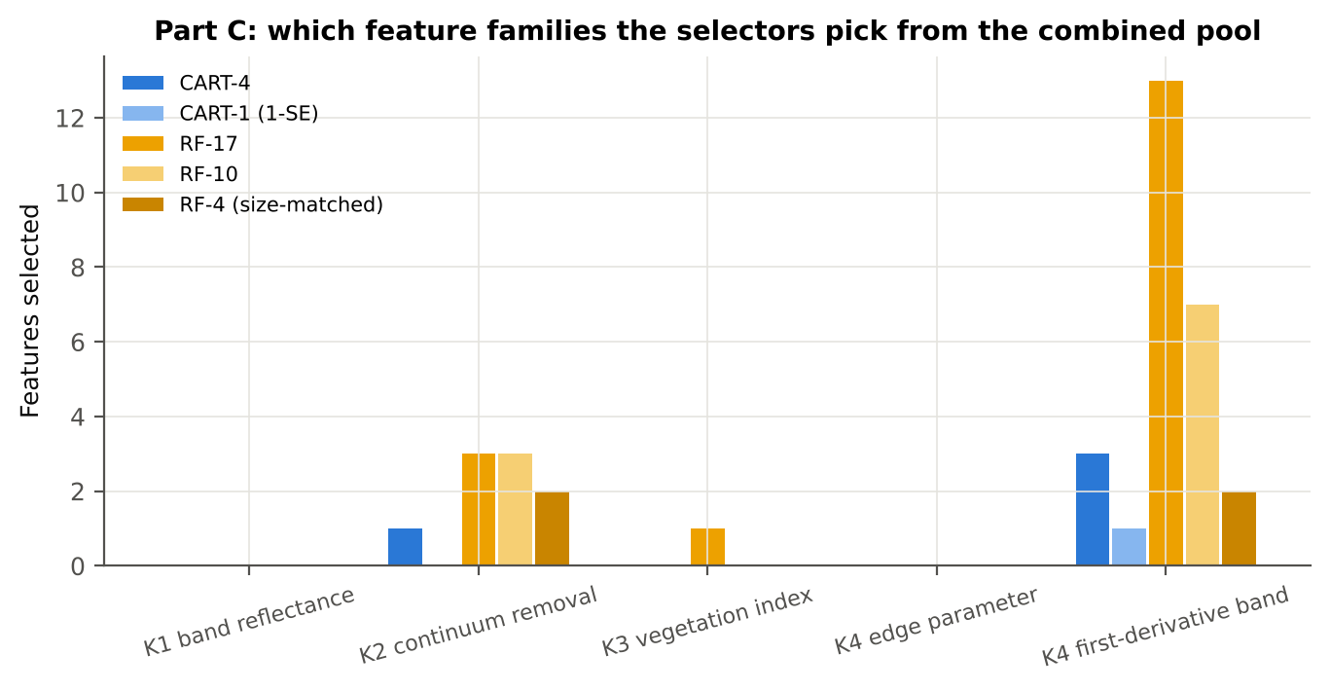
...
Table C2.2 The selected features
D1_1722 | K4 first-derivative band | yes |  | -2.958E-04 | -3.464E-04 | -3.6786 | 0.0011 | 0.6281
CR6 water 1940 symmetry | K2 continuum removal | yes | yes | 0.2193 | 0.2420 | 20.32 | 2.053E-40 | 0.9261
D1_1912 | K4 first-derivative band |  | yes | -8.070E-06 | -1.364E-04 | -12.67 | 2.102E-25 | 0.9019
CR6 water 1940 position | K2 continuum removal |  | yes | 1907.11 | 1915.74 | 16.44 | 1.131E-30 | 0.9063
D1_2223 | K4 first-derivative band |  | yes | 2.366E-06 | 3.721E-05 | 13.63 | 3.844E-27 | 0.8712
D1_1743 | K4 first-derivative band |  | yes | -0.0016 | -0.0015 | 12.61 | 1.653E-22 | 0.8576
CR3 water 970 symmetry | K2 continuum removal |  | yes | 0.3656 | 0.3844 | 9.4439 | 1.155E-14 | 0.8211
D1_1198 | K4 first-derivative band |  | yes | 3.831E-04 | 3.410E-04 | -11.57 | 2.440E-19 | 0.8528
D1_1949 | K4 first-derivative band |  | yes | 3.399E-05 | 8.299E-05 | 8.6406 | 1.545E-13 | 0.8300
D1_1938 | K4 first-derivative band |  | yes | 2.781E-05 | 5.367E-05 | 8.1174 | 2.286E-12 | 0.8157
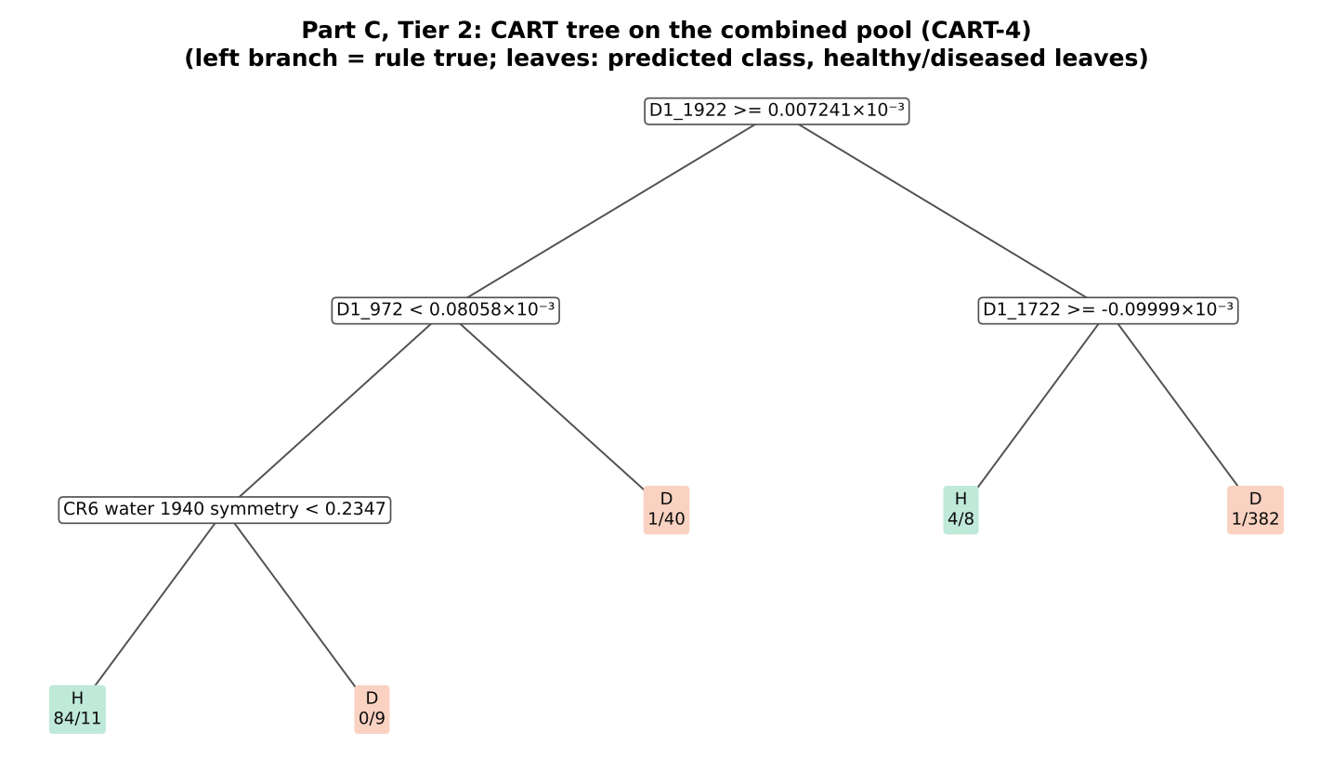
D1_860 | K4 first-derivative band |  | yes | -2.990E-05 | 2.303E-05 | 12.79 | 4.263E-26 | 0.8134
D1_1959 | K4 first-derivative band |  | yes | 7.191E-05 | 1.233E-04 | 6.7424 | 2.881E-09 | 0.7717
D1_832 | K4 first-derivative band |  | yes | -9.814E-05 | -3.458E-05 | 12.46 | 1.495E-25 | 0.8030
ARI | K3 vegetation index |  | yes | -1.4263 | -1.0349 | 11.61 | 2.273E-21 | 0.8090
D1_847 | K4 first-derivative band |  | yes | -3.346E-05 | 2.373E-05 | 12.28 | 2.037E-24 | 0.8058
D1_1530 | K4 first-derivative band |  | yes | 0.0018 | 0.0017 | -5.3978 | 1.534E-06 | 0.6945
D1_1971 | K4 first-derivative band |  | yes | 1.162E-04 | 1.779E-04 | 6.1355 | 5.544E-08 | 0.7428

Table C2.3 Tree nodes (rpart frame)
Node | Depth | Split variable | Rule | Leaves | Healthy | Diseased | Predicted class
1 | 0 | D1_1922 | root | 540 | 90 | 450 | H
2 | 1 | D1_972 | D1_1922>=7.241e-06 | 145 | 85 | 60 | H
4 | 2 | CR6 water 1940 symmetry | D1_972< 8.058e-05 | 104 | 84 | 20 | H
8 | 3 | leaf | CR6 water 1940 symmetry< 0.2347 | 95 | 84 | 11 | H
9 | 3 | leaf | CR6 water 1940 symmetry>=0.2347 | 9 | 0 | 9 | D
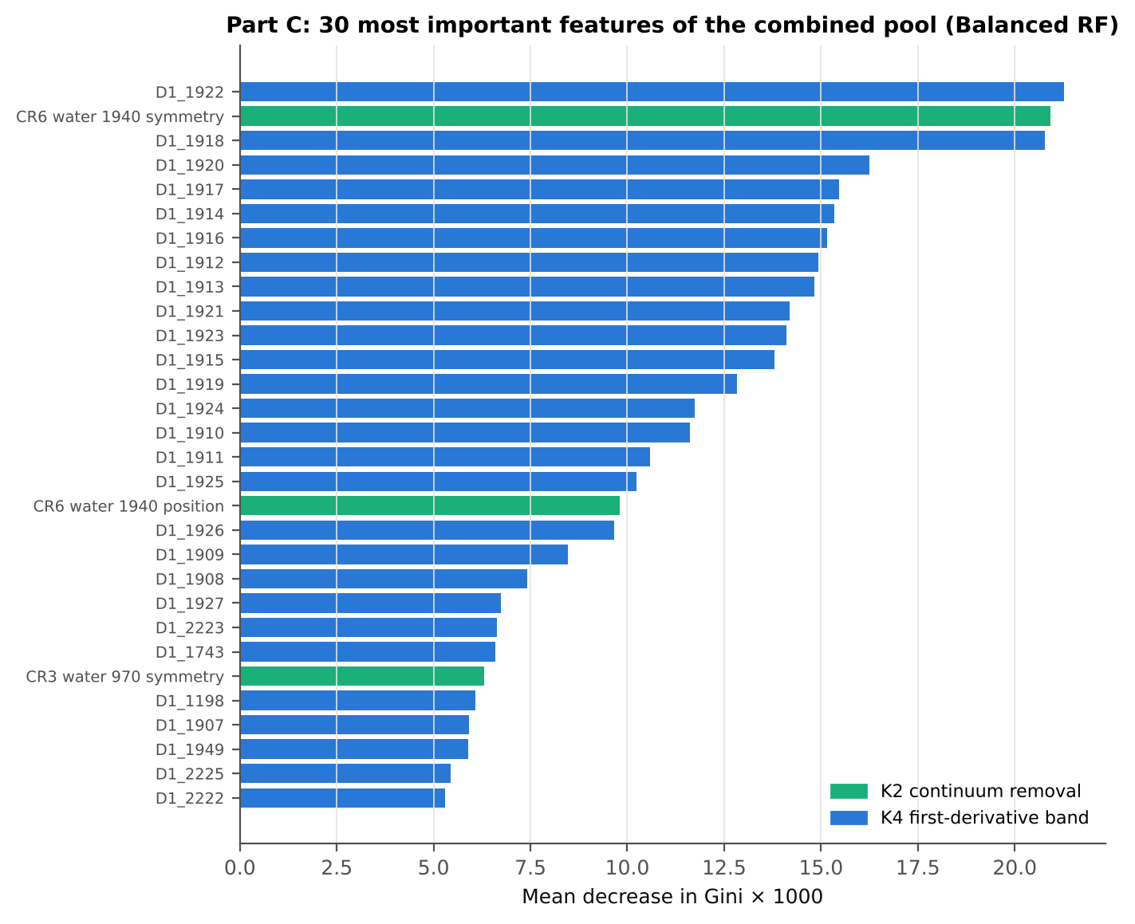
5 | 2 | leaf | D1_972>=8.058e-05 | 41 | 1 | 40 | D
3 | 1 | D1_1722 | D1_1922< 7.241e-06 | 395 | 5 | 390 | D
6 | 2 | leaf | D1_1722>=-9.999e-05 | 12 | 4 | 8 | H
7 | 2 | leaf | D1_1722< -9.999e-05 | 383 | 1 | 382 | D

Table C2.4 Complexity-parameter table (plot-grouped CV)
CP | nsplit | rel error | xerror | xstd
0.8111 | 0.0000 | 1.0000 | 1.0889 | 0.0784
0.0778 | 1.0000 | 0.1889 | 0.2400 | 0.0376
0.0267 | 2.0000 | 0.1111 | 0.2111 | 0.0421
0.0200 | 3.0000 | 0.0844 | 0.2111 | 0.0396
0.0100 | 4.0000 | 0.0644 | 0.2111 | 0.0396

26_C3_Tier3_JM
...
Table C3.2 J–M and QDA BA as features are added
6 | D1_1743 | 1.6647 | 91.2%
7 | CR3 water 970 symmetry | 1.7007 | 91.8%
8 | D1_1198 | 1.7236 | 92.8%
9 | D1_1949 | 1.7548 | 93.1%
10 | D1_1938 | 1.7898 | 93.0%
11 | D1_860 | 1.8610 | 93.8%
12 | D1_1959 | 1.8914 | 95.0%
13 | D1_832 | 1.9336 | 95.7%
14 | ARI | 1.9421 | 95.6%
15 | D1_847 | 1.9454 | 96.0%
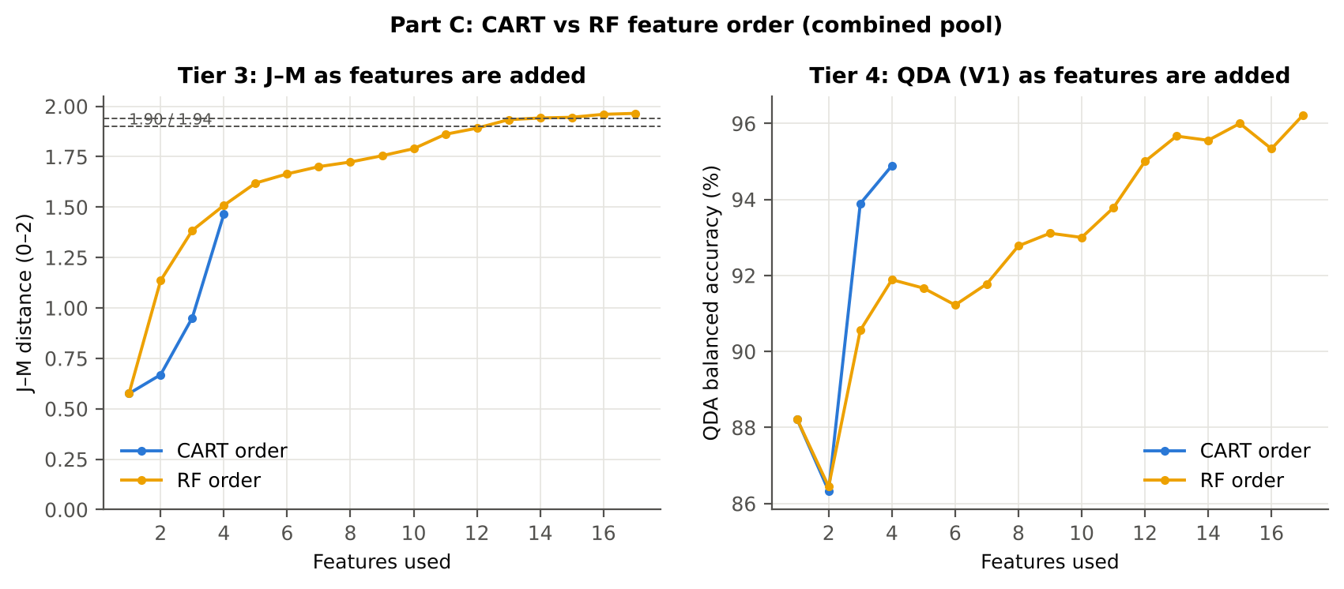
16 | D1_1530 | 1.9601 | 95.3%
17 | D1_1971 | 1.9648 | 96.2%

28_C5_Validation
...
Result in brief
RF classifier | V1 | 1 | 95.7% | 93.9% |  | 0.8513 | 0.9860 | 91.1% | 96.7% | 84.5% | 98.2%
RF classifier | V3 | 5 | 94.7% | 92.8% | 0.8% | 0.8193 | 0.9758 | 90.0% | 95.7% | 80.8% | 98.0%
RF classifier | V4 | 10 | 94.6% | 92.1% | 3.3% | 0.8225 | 0.9652 | 88.1% | 96.0% | 84.2% | 97.4%
RF classifier | V5 | 1 | 95.0% | 93.4% |  | 0.8284 | 0.9836 | 91.1% | 95.8% | 81.2% | 98.2%
QDA on CART features | V1 | 1 | 93.0% | 94.9% |  | 0.7799 | 0.9765 | 97.8% | 92.0% | 71.0% | 99.5%
QDA on CART features | V3 | 5 | 89.7% | 89.3% | 1.4% | 0.6796 | 0.9386 | 88.7% | 89.9% | 63.8% | 97.5%
QDA on CART features | V4 | 10 | 89.1% | 89.9% | 4.3% | 0.6875 | 0.9476 | 91.2% | 88.7% | 65.0% | 97.9%
QDA on CART features | V5 | 1 | 88.7% | 87.9% |  | 0.6508 | 0.9478 | 86.7% | 89.1% | 61.4% | 97.1%
QDA on RF features | V1 | 1 | 95.9% | 96.2% |  | 0.8631 | 0.9860 | 96.7% | 95.8% | 82.1% | 99.3%
QDA on RF features | V3 | 5 | 94.6% | 93.6% | 0.8% | 0.8177 | 0.9788 | 92.0% | 95.1% | 79.1% | 98.3%
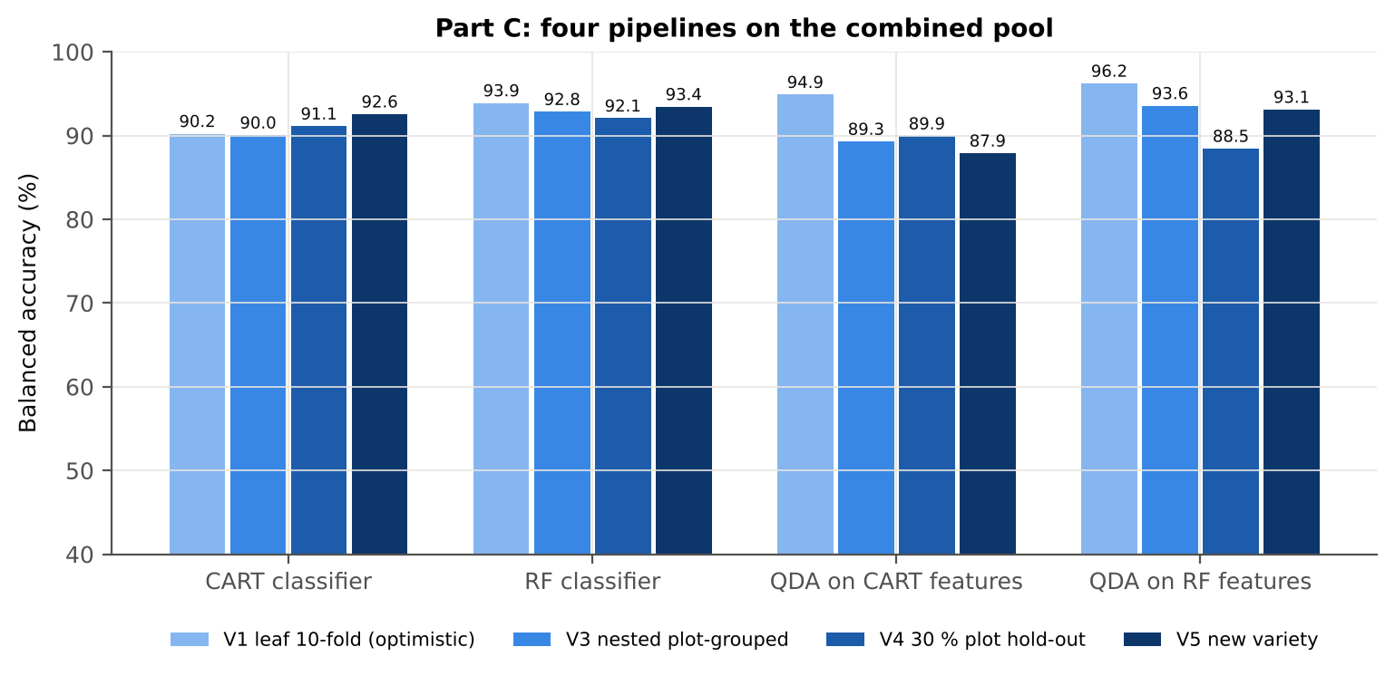
QDA on RF features | V4 | 10 | 93.9% | 88.5% | 4.0% | 0.7909 | 0.9683 | 79.9% | 97.0% | 87.2% | 95.7%
QDA on RF features | V5 | 1 | 95.2% | 93.1% |  | 0.8326 | 0.9795 | 90.0% | 96.2% | 82.7% | 98.0%

Table C5.2 Paired comparisons within this pool
Comparison | Units | n | Mean difference | SD | First better | Second better | Ties | Wilcoxon p
RF classifier − CART classifier | V3 nested (folds) | 50 | 2.8% | 5.1% | 33 | 8 | 9 | 1.533E-04
RF classifier − CART classifier | V4 hold-out (splits) | 10 | 0.9% | 1.4% | 8 | 2 | 0 | 0.0645
QDA on RF features − QDA on CART features | V3 nested (folds) | 50 | 4.2% | 7.6% | 33 | 12 | 5 | 8.505E-04
...

29_C6_Stability
...
Table C6.4 Re-selection of the all-leaf RF features
Feature | Type | Re-selected by CART (±10 nm) | Re-selected by RF (±10 nm)
D1_1922 | K4 first-derivative band | 98.0% | 100.0%
CR6 water 1940 symmetry | K2 continuum removal | 52.0% | 100.0%
D1_1912 | K4 first-derivative band | 94.0% | 100.0%
CR6 water 1940 position | K2 continuum removal | 0.0% | 100.0%
D1_2223 | K4 first-derivative band | 0.0% | 100.0%
D1_1743 | K4 first-derivative band | 0.0% | 100.0%
CR3 water 970 symmetry | K2 continuum removal | 24.0% | 100.0%
D1_1198 | K4 first-derivative band | 0.0% | 100.0%
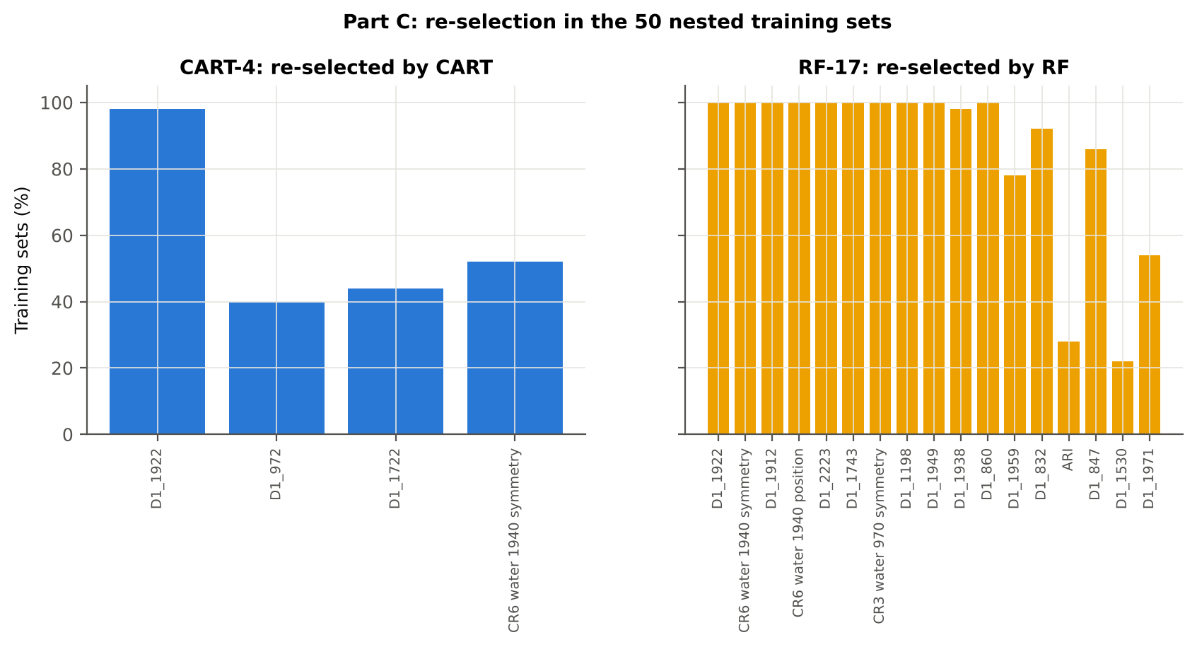
D1_1949 | K4 first-derivative band | 0.0% | 100.0%
D1_1938 | K4 first-derivative band | 0.0% | 98.0%
D1_860 | K4 first-derivative band | 0.0% | 100.0%
D1_1959 | K4 first-derivative band | 0.0% | 78.0%
D1_832 | K4 first-derivative band | 0.0% | 92.0%
ARI | K3 vegetation index | 0.0% | 28.0%
D1_847 | K4 first-derivative band | 0.0% | 86.0%
D1_1530 | K4 first-derivative band | 0.0% | 22.0%
D1_1971 | K4 first-derivative band | 0.0% | 54.0%
...

31_V5_Transfer
...
Result in brief
Reflectance (Part A) | QDA on CART features | V1 | 1 | 1 | 170.00 | 68.5%
Reflectance (Part A) | QDA on CART features | V2 | 1 | 1 | 190.00 | 80.3%
Reflectance (Part A) | QDA on CART features | V3 | 1 | 1 | 180.00 | 72.0%
Reflectance (Part A) | QDA on RF features | V1 | 1 | 1 | 170.00 | 74.8%
Reflectance (Part A) | QDA on RF features | V2 | 1 | 1 | 190.00 | 76.1%
Reflectance (Part A) | QDA on RF features | V3 | 1 | 1 | 180.00 | 86.0%
Combined pool (Part C) | CART classifier | V1 | 1 | 1 | 170.00 | 91.8%
Combined pool (Part C) | CART classifier | V2 | 1 | 1 | 190.00 | 92.1%
Combined pool (Part C) | CART classifier | V3 | 1 | 1 | 180.00 | 93.7%
Combined pool (Part C) | RF classifier | V1 | 1 | 1 | 170.00 | 91.8%
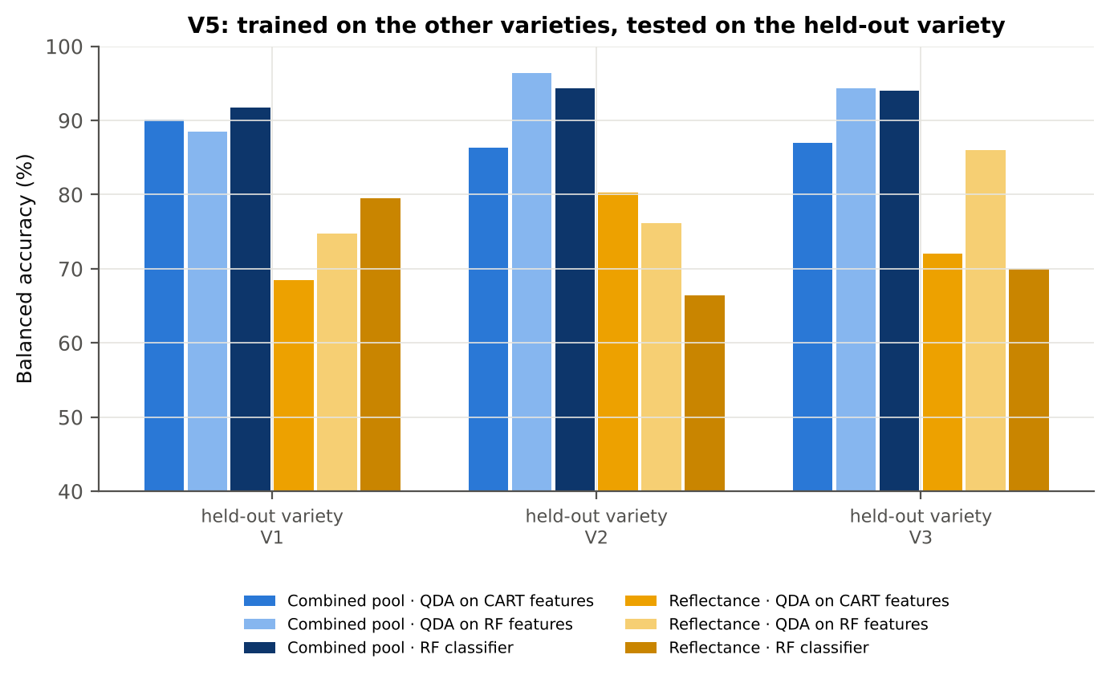
Combined pool (Part C) | RF classifier | V2 | 1 | 1 | 190.00 | 94.4%
Combined pool (Part C) | RF classifier | V3 | 1 | 1 | 180.00 | 94.0%
Combined pool (Part C) | QDA on CART features | V1 | 1 | 1 | 170.00 | 90.1%
Combined pool (Part C) | QDA on CART features | V2 | 1 | 1 | 190.00 | 86.4%
Combined pool (Part C) | QDA on CART features | V3 | 1 | 1 | 180.00 | 87.0%
Combined pool (Part C) | QDA on RF features | V1 | 1 | 1 | 170.00 | 88.5%
Combined pool (Part C) | QDA on RF features | V2 | 1 | 1 | 190.00 | 96.4%
Combined pool (Part C) | QDA on RF features | V3 | 1 | 1 | 180.00 | 94.3%

37_ChartData
...
Figure 3. Mean reflectance (healthy vs diseased)
 | Mean healthy | Mean diseased
400.00 | 0.2798 | 0.2801
401.00 | 0.2781 | 0.2794
402.00 | 0.2772 | 0.2780
403.00 | 0.2770 | 0.2771
404.00 | 0.2771 | 0.2772
405.00 | 0.2765 | 0.2774
406.00 | 0.2734 | 0.2739
407.00 | 0.2710 | 0.2728
408.00 | 0.2695 | 0.2729
409.00 | 0.2676 | 0.2708
410.00 | 0.2665 | 0.2697
411.00 | 0.2663 | 0.2697
412.00 | 0.2663 | 0.2698
413.00 | 0.2646 | 0.2689
414.00 | 0.2633 | 0.2674
415.00 | 0.2619 | 0.2656
416.00 | 0.2596 | 0.2642
417.00 | 0.2584 | 0.2636
418.00 | 0.2571 | 0.2626
419.00 | 0.2554 | 0.2613
420.00 | 0.2537 | 0.2601
421.00 | 0.2521 | 0.2587
422.00 | 0.2504 | 0.2570
423.00 | 0.2487 | 0.2553
424.00 | 0.2470 | 0.2533
425.00 | 0.2452 | 0.2517
426.00 | 0.2435 | 0.2505
427.00 | 0.2420 | 0.2491
428.00 | 0.2401 | 0.2475
429.00 | 0.2378 | 0.2454
430.00 | 0.2356 | 0.2431
431.00 | 0.2336 | 0.2413
432.00 | 0.2323 | 0.2401
433.00 | 0.2308 | 0.2386
434.00 | 0.2281 | 0.2364
435.00 | 0.2267 | 0.2350
436.00 | 0.2251 | 0.2333
437.00 | 0.2228 | 0.2312
438.00 | 0.2208 | 0.2294
439.00 | 0.2193 | 0.2280
440.00 | 0.2178 | 0.2268
441.00 | 0.2162 | 0.2253
442.00 | 0.2146 | 0.2240
443.00 | 0.2129 | 0.2224
444.00 | 0.2114 | 0.2209
445.00 | 0.2105 | 0.2200
446.00 | 0.2091 | 0.2188
447.00 | 0.2077 | 0.2175
448.00 | 0.2064 | 0.2164
449.00 | 0.2050 | 0.2151
...
−log10 q mixed model | q = 0.05 line | RF importance × 1000 | K1 AUC | D1 AUC
0.0330 | 1.3010 | 0.0000 | 0.5098 | 0.6392
0.0182 | 1.3010 | 0.0000 | 0.5099 | 0.6572
0.0021 | 1.3010 | 0.0000 | 0.5125 | 0.6730
0.0397 | 1.3010 | 0.0000 | 0.5145 | 0.6559
0.0395 | 1.3010 | 0.0000 | 0.5129 | 0.6491
0.0045 | 1.3010 | 0.0000 | 0.5103 | 0.6719
0.0118 | 1.3010 | 0.0000 | 0.5066 | 0.6998
0.0553 | 1.3010 | 0.0000 | 0.5009 | 0.6983
0.1219 | 1.3010 | 0.0000 | 0.5074 | 0.6928
0.1128 | 1.3010 | 0.0000 | 0.5132 | 0.7166
0.1128 | 1.3010 | 0.0000 | 0.5186 | 0.7319
0.1225 | 1.3010 | 0.0000 | 0.5225 | 0.7249
0.1465 | 1.3010 | 0.0000 | 0.5220 | 0.7105
0.1984 | 1.3010 | 0.0000 | 0.5217 | 0.7092
0.1735 | 1.3010 | 0.0000 | 0.5247 | 0.6906
0.1560 | 1.3010 | 0.0000 | 0.5275 | 0.6824
0.2227 | 1.3010 | 0.0000 | 0.5317 | 0.6982
0.2675 | 1.3010 | 0.0000 | 0.5361 | 0.6943
0.2950 | 1.3010 | 0.0000 | 0.5405 | 0.6861
Figure 5b. −log10(p) against wavelength
 | −log10 p Welch | −log10 q Welch | −log10 q mixed model | q = 0.05 line
400.00 | 0.0356 | 0.0313 | 0.0330 | 1.3010
401.00 | 0.1847 | 0.1572 | 0.0182 | 1.3010
402.00 | 0.1085 | 0.0906 | 0.0021 | 1.3010
403.00 | 0.0092 | 0.0081 | 0.0397 | 1.3010
404.00 | 0.0123 | 0.0108 | 0.0395 | 1.3010
405.00 | 0.1296 | 0.1082 | 0.0045 | 1.3010
406.00 | 0.0746 | 0.0638 | 0.0118 | 1.3010
407.00 | 0.2850 | 0.2349 | 0.0553 | 1.3010
408.00 | 0.6647 | 0.5387 | 0.1219 | 1.3010
409.00 | 0.6123 | 0.4950 | 0.1128 | 1.3010
410.00 | 0.6230 | 0.5036 | 0.1128 | 1.3010
411.00 | 0.6643 | 0.5387 | 0.1225 | 1.3010
412.00 | 0.7395 | 0.6023 | 0.1465 | 1.3010
413.00 | 0.9727 | 0.7914 | 0.1984 | 1.3010
414.00 | 0.8843 | 0.7232 | 0.1735 | 1.3010
415.00 | 0.8080 | 0.6602 | 0.1560 | 1.3010
416.00 | 1.0759 | 0.8842 | 0.2227 | 1.3010
417.00 | 1.3046 | 1.0807 | 0.2675 | 1.3010
418.00 | 1.4611 | 1.2200 | 0.2950 | 1.3010
419.00 | 1.6056 | 1.3472 | 0.3296 | 1.3010
420.00 | 1.8557 | 1.5233 | 0.3770 | 1.3010
421.00 | 1.9435 | 1.5629 | 0.3891 | 1.3010
422.00 | 1.9601 | 1.5657 | 0.3929 | 1.3010
423.00 | 1.9839 | 1.5687 | 0.4006 | 1.3010
424.00 | 1.8088 | 1.5055 | 0.3681 | 1.3010
425.00 | 1.9130 | 1.5534 | 0.3899 | 1.3010
426.00 | 2.1862 | 1.7205 | 0.4208 | 1.3010
427.00 | 2.2642 | 1.7844 | 0.4210 | 1.3010
428.00 | 2.4477 | 1.9280 | 0.4330 | 1.3010
429.00 | 2.5685 | 2.0321 | 0.4330 | 1.3010
430.00 | 2.5793 | 2.0386 | 0.4330 | 1.3010
431.00 | 2.7077 | 2.1388 | 0.4330 | 1.3010
432.00 | 2.7235 | 2.1508 | 0.4330 | 1.3010
433.00 | 2.7962 | 2.2054 | 0.4330 | 1.3010
434.00 | 3.0909 | 2.4283 | 0.4330 | 1.3010
435.00 | 3.1080 | 2.4417 | 0.4330 | 1.3010
436.00 | 3.1252 | 2.4453 | 0.4330 | 1.3010
437.00 | 3.2396 | 2.5148 | 0.4330 | 1.3010
438.00 | 3.3283 | 2.5958 | 0.4330 | 1.3010
439.00 | 3.5072 | 2.7611 | 0.4330 | 1.3010
440.00 | 3.7076 | 2.9475 | 0.4330 | 1.3010
441.00 | 3.8555 | 3.0821 | 0.4330 | 1.3010
442.00 | 4.0210 | 3.2300 | 0.4330 | 1.3010
443.00 | 4.1203 | 3.3177 | 0.4343 | 1.3010
444.00 | 4.1576 | 3.3524 | 0.4405 | 1.3010
445.00 | 4.1995 | 3.3903 | 0.4494 | 1.3010
446.00 | 4.3355 | 3.5155 | 0.4682 | 1.3010
447.00 | 4.4905 | 3.6580 | 0.4808 | 1.3010
448.00 | 4.6045 | 3.7354 | 0.5021 | 1.3010
449.00 | 4.7214 | 3.8319 | 0.5212 | 1.3010
...
0.3296 | 1.3010 | 2.5513 | 0.5471 | 0.6820
0.3770 | 1.3010 | 2.2617 | 0.5512 | 0.6766
0.3891 | 1.3010 | 1.4979 | 0.5523 | 0.6804
0.3929 | 1.3010 | 2.0679 | 0.5531 | 0.6734
0.4006 | 1.3010 | 1.5089 | 0.5538 | 0.6507
0.3681 | 1.3010 | 2.1464 | 0.5542 | 0.6421
0.3899 | 1.3010 | 2.0133 | 0.5559 | 0.6357
0.4208 | 1.3010 | 1.7380 | 0.5574 | 0.6280
0.4210 | 1.3010 | 0.9231 | 0.5604 | 0.6350
0.4330 | 1.3010 | 1.9634 | 0.5633 | 0.6515
0.4330 | 1.3010 | 1.1277 | 0.5659 | 0.6655
0.4330 | 1.3010 | 1.2422 | 0.5674 | 0.6757
0.4330 | 1.3010 | 1.2714 | 0.5690 | 0.6810
0.4330 | 1.3010 | 1.0463 | 0.5710 | 0.6760
0.4330 | 1.3010 | 1.5326 | 0.5724 | 0.6751
0.4330 | 1.3010 | 0.8083 | 0.5737 | 0.6822
0.4330 | 1.3010 | 1.0286 | 0.5752 | 0.6992
0.4330 | 1.3010 | 0.9485 | 0.5765 | 0.7207
0.4330 | 1.3010 | 1.0761 | 0.5782 | 0.7348
0.4330 | 1.3010 | 1.2682 | 0.5804 | 0.7397
Figure 5. Balanced subsets with a significant difference (%)
 | Balanced subsets significant (%)
400.00 | 0.0000
401.00 | 0.1000
402.00 | 0.0000
403.00 | 0.1000
404.00 | 0.1000
405.00 | 0.0000
406.00 | 0.0000
407.00 | 0.3000
408.00 | 0.6000
409.00 | 0.6000
410.00 | 0.7000
411.00 | 0.8000
412.00 | 1.0000
413.00 | 1.8000
414.00 | 1.5000
415.00 | 1.2000
416.00 | 2.5000
417.00 | 3.5000
418.00 | 4.9000
419.00 | 6.5000
420.00 | 9.4000
421.00 | 10.2000
422.00 | 10.1000
423.00 | 10.3000
424.00 | 8.6000
425.00 | 9.9000
426.00 | 12.6000
427.00 | 14.4000
428.00 | 16.3000
429.00 | 17.7000
430.00 | 17.7000
431.00 | 20.0000
432.00 | 20.1000
433.00 | 21.0000
434.00 | 26.7000
435.00 | 26.7000
436.00 | 26.8000
437.00 | 28.8000
438.00 | 30.4000
439.00 | 33.5000
440.00 | 37.5000
441.00 | 39.8000
442.00 | 43.0000
443.00 | 45.7000
444.00 | 46.1000
445.00 | 47.5000
446.00 | 51.4000
447.00 | 54.4000
448.00 | 56.0000
449.00 | 58.1000
...
0.4330 | 1.3010 | 0.9806 | 0.5819 | 0.7475
0.4330 | 1.3010 | 0.8039 | 0.5847 | 0.7512
0.4330 | 1.3010 | 0.7757 | 0.5875 | 0.7506
0.4330 | 1.3010 | 0.9374 | 0.5893 | 0.7611
0.4343 | 1.3010 | 0.9294 | 0.5911 | 0.7590
0.4405 | 1.3010 | 0.7639 | 0.5930 | 0.7437
0.4494 | 1.3010 | 0.7548 | 0.5944 | 0.7320
0.4682 | 1.3010 | 1.0236 | 0.5958 | 0.7126
0.4808 | 1.3010 | 0.8335 | 0.5976 | 0.6911
0.5021 | 1.3010 | 1.0608 | 0.5988 | 0.6730
0.5212 | 1.3010 | 0.5444 | 0.6007 | 0.6545
0.5242 | 1.3010 | 0.6445 | 0.6030 | 0.6439
0.5326 | 1.3010 | 0.5437 | 0.6046 | 0.6343
0.5581 | 1.3010 | 0.9263 | 0.6055 | 0.6229
0.5621 | 1.3010 | 0.4137 | 0.6062 | 0.6071
0.5622 | 1.3010 | 0.4445 | 0.6072 | 0.5883
0.5754 | 1.3010 | 0.7039 | 0.6082 | 0.5760
0.5708 | 1.3010 | 0.8820 | 0.6091 | 0.5722
0.5805 | 1.3010 | 0.7998 | 0.6098 | 0.5651
0.6112 | 1.3010 | 0.8310 | 0.6104 | 0.5556
Figure A1. RF importance spectrum
 | RF importance × 1000
400.00 | 0.0000
401.00 | 0.0000
402.00 | 0.0000
403.00 | 0.0000
404.00 | 0.0000
405.00 | 0.0000
406.00 | 0.0000
407.00 | 0.0000
408.00 | 0.0000
409.00 | 0.0000
410.00 | 0.0000
411.00 | 0.0000
412.00 | 0.0000
413.00 | 0.0000
414.00 | 0.0000
415.00 | 0.0000
416.00 | 0.0000
417.00 | 0.0000
418.00 | 0.0000
419.00 | 2.5513
420.00 | 2.2617
421.00 | 1.4979
422.00 | 2.0679
423.00 | 1.5089
424.00 | 2.1464
425.00 | 2.0133
426.00 | 1.7380
427.00 | 0.9231
428.00 | 1.9634
429.00 | 1.1277
430.00 | 1.2422
431.00 | 1.2714
432.00 | 1.0463
433.00 | 1.5326
434.00 | 0.8083
435.00 | 1.0286
436.00 | 0.9485
437.00 | 1.0761
438.00 | 1.2682
439.00 | 0.9806
440.00 | 0.8039
441.00 | 0.7757
442.00 | 0.9374
443.00 | 0.9294
444.00 | 0.7639
445.00 | 0.7548
446.00 | 1.0236
447.00 | 0.8335
448.00 | 1.0608
449.00 | 0.5444
...
0.6426 | 1.3010 | 0.4911 | 0.6115 | 0.5501
0.6495 | 1.3010 | 0.3344 | 0.6127 | 0.5531
0.6522 | 1.3010 | 0.7386 | 0.6138 | 0.5551
0.6568 | 1.3010 | 0.7037 | 0.6141 | 0.5580
0.6661 | 1.3010 | 0.6203 | 0.6150 | 0.5638
0.6661 | 1.3010 | 0.5334 | 0.6160 | 0.5600
0.6709 | 1.3010 | 0.6656 | 0.6169 | 0.5541
0.7114 | 1.3010 | 1.0140 | 0.6182 | 0.5535
0.7169 | 1.3010 | 0.5496 | 0.6197 | 0.5585
0.7278 | 1.3010 | 0.2425 | 0.6204 | 0.5607
0.7542 | 1.3010 | 0.6044 | 0.6212 | 0.5611
0.7696 | 1.3010 | 0.6575 | 0.6224 | 0.5605
0.7715 | 1.3010 | 0.6602 | 0.6231 | 0.5667
0.7795 | 1.3010 | 0.4102 | 0.6240 | 0.5696
0.8079 | 1.3010 | 0.4448 | 0.6251 | 0.5610
0.8279 | 1.3010 | 0.6337 | 0.6262 | 0.5608
0.8443 | 1.3010 | 0.4606 | 0.6274 | 0.5592
0.8585 | 1.3010 | 0.5435 | 0.6284 | 0.5571
0.8678 | 1.3010 | 0.6403 | 0.6297 | 0.5539
0.9073 | 1.3010 | 0.5625 | 0.6306 | 0.5539
Figure K1. AUC of every band
 | K1 AUC | D1 AUC
400.00 | 0.5098 | 0.6392
401.00 | 0.5099 | 0.6572
402.00 | 0.5125 | 0.6730
403.00 | 0.5145 | 0.6559
404.00 | 0.5129 | 0.6491
405.00 | 0.5103 | 0.6719
406.00 | 0.5066 | 0.6998
407.00 | 0.5009 | 0.6983
408.00 | 0.5074 | 0.6928
409.00 | 0.5132 | 0.7166
410.00 | 0.5186 | 0.7319
411.00 | 0.5225 | 0.7249
412.00 | 0.5220 | 0.7105
413.00 | 0.5217 | 0.7092
414.00 | 0.5247 | 0.6906
415.00 | 0.5275 | 0.6824
416.00 | 0.5317 | 0.6982
417.00 | 0.5361 | 0.6943
418.00 | 0.5405 | 0.6861
419.00 | 0.5471 | 0.6820
420.00 | 0.5512 | 0.6766
421.00 | 0.5523 | 0.6804
422.00 | 0.5531 | 0.6734
423.00 | 0.5538 | 0.6507
424.00 | 0.5542 | 0.6421
425.00 | 0.5559 | 0.6357
426.00 | 0.5574 | 0.6280
427.00 | 0.5604 | 0.6350
428.00 | 0.5633 | 0.6515
429.00 | 0.5659 | 0.6655
430.00 | 0.5674 | 0.6757
431.00 | 0.5690 | 0.6810
432.00 | 0.5710 | 0.6760
433.00 | 0.5724 | 0.6751
434.00 | 0.5737 | 0.6822
435.00 | 0.5752 | 0.6992
436.00 | 0.5765 | 0.7207
437.00 | 0.5782 | 0.7348
438.00 | 0.5804 | 0.7397
439.00 | 0.5819 | 0.7475
440.00 | 0.5847 | 0.7512
441.00 | 0.5875 | 0.7506
442.00 | 0.5893 | 0.7611
443.00 | 0.5911 | 0.7590
444.00 | 0.5930 | 0.7437
445.00 | 0.5944 | 0.7320
446.00 | 0.5958 | 0.7126
447.00 | 0.5976 | 0.6911
448.00 | 0.5988 | 0.6730
449.00 | 0.6007 | 0.6545
...
0.9258 | 1.3010 | 0.5313 | 0.6316 | 0.5496
0.9151 | 1.3010 | 0.7371 | 0.6320 | 0.5405
0.9299 | 1.3010 | 0.8199 | 0.6325 | 0.5373
0.9423 | 1.3010 | 0.3753 | 0.6333 | 0.5410
0.9501 | 1.3010 | 0.3501 | 0.6338 | 0.5501
0.9584 | 1.3010 | 1.0011 | 0.6345 | 0.5586
0.9832 | 1.3010 | 0.2772 | 0.6354 | 0.5699
0.9960 | 1.3010 | 0.7049 | 0.6363 | 0.5883
0.9966 | 1.3010 | 0.6823 | 0.6374 | 0.6073
1.0276 | 1.3010 | 0.5677 | 0.6386 | 0.6227
1.0562 | 1.3010 | 0.5759 | 0.6404 | 0.6391
1.0764 | 1.3010 | 0.6019 | 0.6418 | 0.6528
1.0897 | 1.3010 | 0.4732 | 0.6434 | 0.6610
1.1240 | 1.3010 | 1.0269 | 0.6450 | 0.6661
1.1557 | 1.3010 | 0.3904 | 0.6466 | 0.6698
1.1798 | 1.3010 | 1.2125 | 0.6480 | 0.6694
1.2204 | 1.3010 | 0.4440 | 0.6503 | 0.6663
1.2576 | 1.3010 | 0.5372 | 0.6524 | 0.6660
1.2881 | 1.3010 | 0.8189 | 0.6539 | 0.6663
1.3201 | 1.3010 | 0.4846 | 0.6551 | 0.6618
Figure A3. Balanced accuracy by pipeline and validation scheme (Part A)
1.3571 | 1.3010 | 0.7886 | 0.6566 | 0.6579
1.3824 | 1.3010 | 0.6373 | 0.6585 | 0.6521
1.4040 | 1.3010 | 0.9637 | 0.6602 | 0.6459
1.4483 | 1.3010 | 0.6856 | 0.6623 | 0.6409
1.5054 | 1.3010 | 0.4483 | 0.6641 | 0.6367
1.5399 | 1.3010 | 1.0244 | 0.6652 | 0.6314
1.5490 | 1.3010 | 0.9226 | 0.6672 | 0.6247
1.5802 | 1.3010 | 0.7654 | 0.6681 | 0.6177
1.6027 | 1.3010 | 0.9749 | 0.6689 | 0.6119
1.6169 | 1.3010 | 0.5257 | 0.6696 | 0.6062
1.6260 | 1.3010 | 1.1988 | 0.6706 | 0.5993
1.6260 | 1.3010 | 1.6079 | 0.6714 | 0.5917
1.6260 | 1.3010 | 0.8937 | 0.6716 | 0.5867
1.6260 | 1.3010 | 1.1647 | 0.6718 | 0.5803
1.6250 | 1.3010 | 1.2970 | 0.6721 | 0.5729
1.6112 | 1.3010 | 0.8412 | 0.6720 | 0.5661
1.5854 | 1.3010 | 0.8682 | 0.6708 | 0.5579
1.5553 | 1.3010 | 1.1949 | 0.6692 | 0.5506
1.5096 | 1.3010 | 0.7444 | 0.6670 | 0.5440
1.4602 | 1.3010 | 0.8235 | 0.6658 | 0.5374
1.4040 | 1.3010 | 0.7246 | 0.6646 | 0.5305
1.3380 | 1.3010 | 0.7681 | 0.6622 | 0.5241
1.2771 | 1.3010 | 1.0367 | 0.6601 | 0.5180
1.2147 | 1.3010 | 0.5927 | 0.6580 | 0.5116
1.1422 | 1.3010 | 0.9670 | 0.6558 | 0.5070
1.0764 | 1.3010 | 1.2156 | 0.6532 | 0.5030
1.0128 | 1.3010 | 0.6943 | 0.6504 | 0.5019
0.9584 | 1.3010 | 1.0557 | 0.6472 | 0.5054
...

