01_Summary
Summary — results of every step
Balanced accuracy (BA) = mean of healthy and diseased recall; it is the headline metric because the classes are imbalanced (1 : 5.0).

Key numbers
Item | Result
Leaf spectra analysed (healthy / diseased) | 648 (108 / 540); 48 plots (12 / 36); 1 date: 13-03-2026; growth stages: Flowering, Pod formation; varieties: V1, V2, V3
Tier 1 — bands significant (Welch + FDR) | 1933 of 2101
Tier 2 — CART bands (rpart, prior 0.5/0.5) | 14: 1875, 1881, 1339, 434, 2014, 1399, 1882, 404, 401, 687, 1421, 674, 1754, 717 nm
Tier 2 — RF bands (top-17 MDI peaks) | 1369, 1878, 405, 2040, 2013, 1867, 417, 1357, 442, 1339, 1381, 428, 1891, 1992, 2409, 1850, 2390 nm
Tier 3 — J–M healthy vs diseased (CART / RF bands) | 1.557 / 1.861 (threshold 1.90)
Tier 4 — QDA equal priors, 10-fold CV (V1): BA CART / RF bands | 79.7 % / 93.0 %
Honest estimate (V3 nested plot-grouped CV): QDA on CART bands | BA 75.7 ± 1.3 %
Part C — combined pool: features / Tier-1 significant | 4150 / 3530
Part C — CART features | 8: (SDr − SDy)/(SDr + SDy), CR3 water 970 width, D1_1428, D1_436, D1_1080, D1_681, D1_1927, D1_2251
Part C — QDA on RF-17 features (V3 / V4) | 76.3 % / 75.0 %

Table Z.1 All approaches side by side (ranked by the honest V3 balanced accuracy)
Approach | BA V1 (leaf 10-fold) | BA V3 (nested CV) | SD V3 | BA V4 (hold-out plots) | SD V4 | BA V5 (new variety) | AUC V3 | κ V3
K5 · K4 incl. guard bands (artefact): RF |  | 88.6% | 1.4% | 88.0% | 6.5% |  | 0.965 | 0.724
K5 · K4 incl. guard bands (artefact): CART |  | 82.7% | 1.2% | 82.5% | 6.2% |  | 0.852 | 0.576
Part A · reflectance four-tier: QDA on RF-17 (RF-selected) | 93.0% | 80.6% | 2.4% | 78.5% | 8.2% | 75.8% | 0.887 | 0.508
Part C · combined-pool four-tier: QDA on CART-8 (CART-selected) | 83.0% | 80.1% | 1.8% | 77.7% | 5.3% | 74.8% | 0.885 | 0.427
K5 · K4 derivatives + edge: RF |  | 79.8% | 1.1% | 80.0% | 6.8% |  | 0.908 | 0.526
K5 · K-selected 15: RF |  | 79.8% | 1.0% | 81.6% | 6.3% |  | 0.912 | 0.532
Part C · combined-pool four-tier: RF classifier (Balanced RF) | 80.5% | 78.8% | 1.4% | 81.0% | 5.9% | 77.7% | 0.892 | 0.507
K5 · K1–K4 combined: RF |  | 78.6% | 0.8% | 80.8% | 6.8% |  | 0.893 | 0.507
Single feature · K2 best single parameter: CR3 water 970 width (threshold) | 78.3% | 78.3% |  | 80.2% |  |  | 0.859
Single feature · K4 best edge parameter: (SDr − SDy)/(SDr + SDy) (threshold) | 78.0% | 77.1% |  | 75.9% |  |  | 0.849
K5 · K3 vegetation indices: CART |  | 76.4% | 0.8% | 74.0% | 5.6% |  | 0.772 | 0.403
Part C · combined-pool four-tier: QDA on RF-17 (RF-selected) | 74.8% | 76.3% | 0.9% | 75.0% | 4.9% | 76.1% | 0.894 | 0.314
K5 · K3 vegetation indices: RF |  | 76.2% | 0.6% | 78.1% | 5.6% |  | 0.880 | 0.431
Part A · reflectance four-tier: QDA on CART-14 (CART-selected) | 79.7% | 75.7% | 1.3% | 75.6% | 6.9% | 69.8% | 0.849 | 0.358
K5 · K-selected 15: CART |  | 75.6% | 1.6% | 78.4% | 6.0% |  | 0.785 | 0.404
K5 · K2 continuum removal: RF |  | 75.3% | 1.0% | 77.0% | 3.7% |  | 0.861 | 0.430
K5 · K4 derivatives + edge: CART |  | 75.3% | 3.3% | 73.1% | 6.2% |  | 0.738 | 0.426
K5 · K-selected 15: QDA |  | 75.3% | 0.7% | 75.2% | 4.5% |  | 0.872 | 0.297
Part C · combined-pool four-tier: CART classifier (rpart) | 79.1% | 74.4% | 1.3% | 77.7% | 4.9% | 70.7% | 0.703 | 0.419
K5 · K1 reflectance: RF |  | 74.3% | 0.5% | 76.5% | 5.2% |  | 0.839 | 0.401
K5 · K1–K4 combined: CART |  | 74.2% | 1.1% | 75.9% | 6.1% |  | 0.698 | 0.413
Part A · reflectance four-tier: RF classifier (Balanced RF) | 75.6% | 74.1% | 0.6% | 75.2% | 5.2% | 72.1% | 0.833 | 0.391
K5 · full raw spectrum: RF |  | 73.9% | 1.0% | 76.2% | 4.9% |  | 0.836 | 0.391
K5 · K2 continuum removal: CART |  | 72.3% | 1.0% | 72.8% | 4.3% |  | 0.747 | 0.349
Single feature · K3 best single index: ARI (threshold) | 74.8% | 72.2% |  | 71.1% |  |  | 0.832
K5 · K1 reflectance: CART |  | 70.6% | 1.9% | 68.6% | 4.7% |  | 0.731 | 0.316
Single feature · K3b optimised NDSI, all pairs — brackets the 1800 nm join (search nested) |  | 70.4% |  | 70.7% | 4.0%
Single feature · K3b optimised NDSI, join-free pairs (search nested) |  | 70.4% |  | 70.7% | 4.0%
Part A · reflectance four-tier: CART classifier (rpart) | 73.2% | 69.9% | 1.6% | 70.2% | 4.9% | 72.8% | 0.744 | 0.302
K5 · full raw spectrum: CART |  | 69.5% | 1.8% | 69.4% | 4.3% |  | 0.739 | 0.300
Single feature · REIP best method: REIP – Lagrangian interpolation (threshold) | 59.4% | 53.6% |  | 55.1% |  |  | 0.586
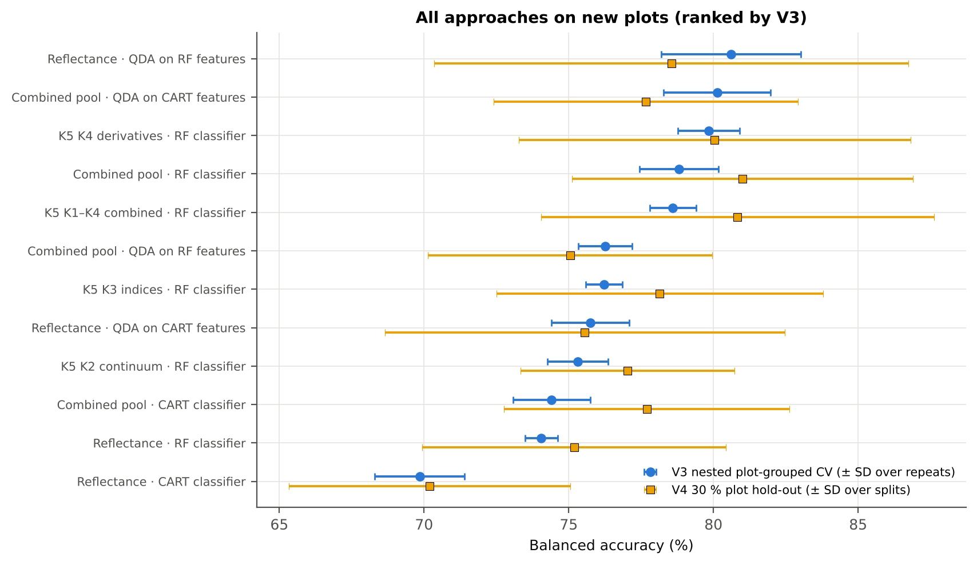
V1 = leaf-level 10-fold CV with features chosen on all leaves (the paper's protocol; optimistic). V3 = nested plot-grouped CV (10-fold × 5 = 50 folds), V4 = 30 % of plots held out × 10, V5 = leave-one-variety-out (3 units: train on the other varieties, test on all leaves of the held-out variety); in V3–V5 every selection step is repeated inside the training set. Single features: threshold chosen on training plots.

Conclusions
1. Subset: date 13-03-2026 only — 648 leaves (108 healthy, 540 diseased; imbalance 1 : 5.0), 12 healthy and 36 diseased plots, date 13-03-2026.
2. Tier 1: healthy and white-rust leaves differ significantly at 1933 of 2101 bands (Welch + BH-FDR); 1697 bands remain significant with a random plot effect and 1666 in ≥ 95 % of 1000 balanced subsets. The most sensitive single band (smoothed reflectance) reaches AUC 0.78 at 1881 nm.
3. Tier 2: CART (rpart, prior 0.5/0.5) selected 14 bands (root 1875 nm): 1875, 1881, 1339, 434, 2014, 1399, 1882, 404, 401, 687, 1421, 674, 1754, 717 nm. The Balanced RF importance peaks (RF-17) were 1369, 1878, 405, 2040, 2013, 1867, 417, 1357, 442, 1339, 1381, 428, 1891, 1992, 2409, 1850, 2390 nm.
4. Tier 3: J–M = 1.56 on the CART bands and 1.86 on the RF bands: neither set reaches the 1.90 separability threshold (Das et al. used 1.94).
5. Tier 4: QDA with equal priors on the CART bands gives BA 79.7 % in the paper's protocol (V1; healthy recall 83.3 %, diseased recall 76.1 %) and 75.7 % ± 1.3 % (V3 nested, plot-grouped) / 75.6 % (V4 hold-out plots) on new plots.
6. CART vs RF: as classifiers RF beats CART by +3.3 points (V3, 34 of 50 folds, p = 0.004); as band selectors for QDA the RF bands are +4.9 points vs the CART bands (p = 0.009). RF selection is more stable (Jaccard ±10 nm 0.47 vs 0.34).
7. Disease-sensitive features (Part K): the strongest group for RF is K4 derivatives + edge parameters (BA 79.8 %, V3) vs 74.3 % for reflectance; best single features: first derivative at 626 nm (AUC 0.83), CR3 water 970 width (AUC 0.86), ARI (AUC 0.83), (SDr − SDy)/(SDr + SDy) (AUC 0.85). REIP (Lagrangian interpolation) shifts by -1.1 nm in diseased leaves (AUC 0.59).
8. Part C (four tiers on the combined K1 + K2–K4 pool, 4150 features, 3530 significant): CART chose 8 features, RF 17 (J–M 1.44 / 1.98); QDA on the RF features reaches 76.3 % (V3) / 75.0 % (V4), -4.4 points vs QDA on RF reflectance bands; best pipeline on the pool: QDA on CART features (80.1 %, V3).
9. Transfer (V5, leave-one-variety-out): QDA on CART reflectance bands 69.8 %, QDA on combined-pool RF features 76.1 % (close to the V3 estimate, 76.3 %), i.e. features chosen on two varieties transfer well to the third.
10. Compared with all dates, stages and varieties pooled (V3: reflectance QDA-CART 72.0 %, combined-pool QDA-RF 83.7 %; J–M 1.27), this subset gives 75.7 % and 76.3 % (J–M 1.56): discrimination is lower than in the pooled analysis (fewer leaves and plots).

Recommendations
Use first-derivative and continuum-removed features rather than single reflectance bands for this subset; the four-tier selection with RF importance on the combined pool and a QDA or RF classifier is the recommended pipeline.
Report balanced accuracy with both class recalls and the priors used; the classes are imbalanced (1 : 5.0) and equal priors / balanced sampling were applied throughout.
Base conclusions on the plot-grouped estimates (V3 10-fold × 5 = 50 folds, V4 10 hold-outs), not on the leaf-level V1 estimate.
Interpret features near the ASD detector joins (≈ 1000 and 1800 nm) with care; guard zones were excluded from the rankings.

02_Design
Workflow, validation design and model settings
Figure 2 of Das et al. (2020), extended with the corrections and the CART-vs-RF, Part K and Part C steps.
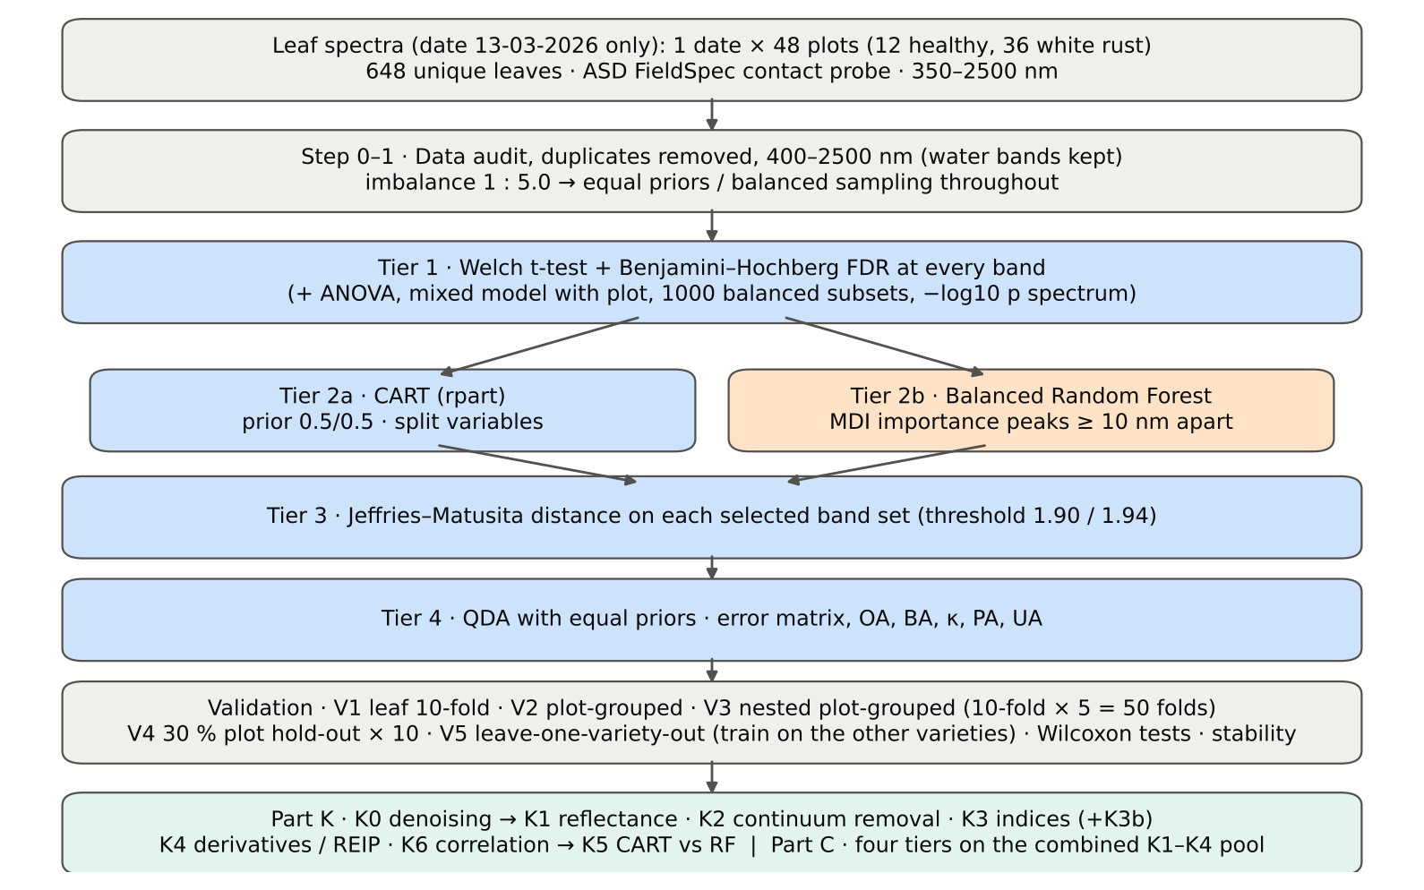

Table 2.1 Corrections applied to the protocol of Das et al. (2020) and why
Issue | Correction | Why
Class imbalance (108 healthy : 540 diseased = 1 : 5.0) | QDA/LDA with equal prior probabilities; rpart prior = c(0.5, 0.5); Balanced RF (each tree on a balanced bootstrap); balanced accuracy as headline metric; 1000 balanced subsets in Tier 1 | without it every classifier favours 'diseased' and overall accuracy is inflated
Two classes only | Welch t-test instead of one-way ANOVA + Tukey HSD (ANOVA reported for comparison: identical ranking) | Tukey HSD is for many pairs; Welch allows unequal variances (Levene)
Multiple testing (2101 bands) | Benjamini–Hochberg FDR (q < 0.05); uncorrected counts reported | 2101 tests at α = 0.05 give ≈ 105 false positives
Pseudo-replication (leaves nested in plots) | mixed model with random plot intercept; every honest validation grouped by plot | leaves of one plot are not independent
Selection bias | Tier 1, band selection and classifier refitted inside every training set (nested V3, V4, V5) | selecting bands on all leaves and validating on the same leaves is optimistic
Water-absorption bands | kept (contact probe with its own light source; no atmospheric path) | Das et al. removed them for canopy measurements
Detector edge 350–399 nm | removed (noise 65 × the 500–699 nm level); sensitivity run with 350–2500 nm | noise could be chosen by CART
Detector joins 1000/1001 and 1800/1801 nm (Part K) | splice correction; guard zones excluded from feature ranking (reported with and without) | instrument artefacts must not be read as disease
Exact duplicate spectra | 75 copies (13-03-2026, block 2) and 4 unnamed copies (plot 27, 11-02-2026) removed from the four files before the subset was taken; 75 of them belong to this subset (75 block-2, 0 unnamed) | a duplicate in both training and test inflates V1
Subset | date 13-03-2026 only: 648 of 2264 leaf spectra; folds, Tier 1–4, Part K and Part C rebuilt for this subset only | each date, stage and variety analysed separately as requested

Table 2.2 Validation design (identical folds in every step; sheet 36_Folds)
Scheme | Folds | What is refitted | Purpose
V1 · leaf-level 10-fold CV | StratifiedKFold, seed 42 | bands fixed (chosen on all leaves); classifier refitted | reproduces the paper (optimistic: leaves of a plot in train and test)
V2 · plot-grouped 10-fold CV | StratifiedGroupKFold, seed 42 | bands fixed; classifier refitted | removes plot leakage, keeps selection bias
V3 · nested plot-grouped CV, 10-fold × 5 = 50 folds | StratifiedGroupKFold, seeds 101–105; k = min(10, plots of the smaller class = 12) so every test fold holds both classes | Tier 1 + selection + classifier refitted | honest estimate for new plots
V4 · hold-out of 30 % of plots × 10 | 4 healthy + 11 diseased plots per split, default_rng(2026) | everything refitted on the remaining plots | independent test plots
V5 · new variety (additional; single date, so no date transfer) | train: the other varieties; test: all leaves of the held-out variety | everything refitted | transfer to an unseen variety (its plots are unseen too)

Table 2.3 CART and Random Forest settings
Setting | CART | Random Forest
Algorithm | rpart 4.1.23 in R 4.3.3 (recursive partitioning, as Das et al.) | BalancedRandomForestClassifier (imbalanced-learn 0.14, scikit-learn 1.9)
Split criterion | Gini | Gini
Imbalance correction | prior = c(0.5, 0.5) | sampling_strategy = 'all', replacement = True, bootstrap = False (balanced bootstrap per tree)
Size / randomness | minsplit 20, minbucket 7, cp 0.01, maxcompete 0, maxsurrogate 0 | 500 trees (1000 for importance), max_features = √p, random_state 42
Pruning | default tree used; 1-SE tree from plot-grouped 10-fold CV of cp | —
Band selection | split variables of the tree | top-17 / top-10 MDI importance peaks (+ a set the size of the CART set), local maxima ≥ 10 nm apart
Prediction | class of the terminal node (prior-adjusted) | majority vote (probability > 0.5)

04_Step1_Preprocessing
Step 1 · Pre-processing — band set, noise and outlier screening
Das et al. (2020) removed 1350–1430, 1800–1950 and 2350–2500 nm (atmospheric water, canopy). Here the contact probe has its own light source, so water bands are kept.

What was done
Noise of every band = SD of the residual after Savitzky–Golay smoothing (window 11, order 2). The 350–399 nm detector edge is far noisier than the rest and was removed; everything else (400–2500 nm, 2101 bands) was analysed on the raw (unsmoothed) reflectance in Tiers 1–4, as in Das et al. Outliers were screened with the spectral angle (SAM) to the class median spectrum and flagged, not removed (diseased leaves are expected to vary more).
Table 1.1 Band-set decision
Range (nm) | Bands | Decision | Reason
350–399 | 50 | Removed | detector edge: noise ×65 of the 500–699 nm level
400–1349 | 950 | Retained | visible, red edge, NIR
1350–1430 | 81 | Retained | water band I — contact probe (Das et al. removed it)
1431–1799 | 369 | Retained | SWIR-1
1800–1950 | 151 | Retained | water band II — contact probe (Das et al. removed it)
1951–2349 | 399 | Retained | SWIR-2
2350–2500 | 151 | Retained | SWIR-2 end — contact probe (Das et al. removed it)
Bands analysed (Excel) | 2101

Table 1.2 Noise level by spectral region
Range (nm) | Noise (SD of SG residual) | Ratio to 500–699 nm
350–399 | 0.0039 | 64.67
400–499 | 5.114E-04 | 8.5547
500–699 | 5.978E-05 | 1.0000
700–1000 | 6.141E-05 | 1.0273
1001–1349 | 3.415E-05 | 0.5713
1350–1430 | 1.384E-05 | 0.2314
1431–1799 | 7.842E-06 | 0.1312
1800–1950 | 1.292E-05 | 0.2161
1951–2349 | 9.154E-06 | 0.1531
2350–2500 | 5.052E-05 | 0.8451

Table 1.3 Outlier screening: spectral angle to the class median
Class | Leaves | Median SAM (rad) | 95th pct (rad) | Max (rad) | Leaves > 0.15 rad
Healthy | 108 | 0.0472 | 0.0934 | 0.1341 | 0
Diseased | 540 | 0.0459 | 0.1250 | 0.3514 | 21

Table 1.4 Ten most deviating spectra (flagged, kept)
Plot | Class | Date | Growth stage | File | SAM (rad) | R1985 (leaf) | R1985 (class median)
38 | Diseased | 13-03-2026 | Pod formation | Mustard00039.asd.sco | 0.3514 | 0.2516 | 0.0746
24 | Diseased | 13-03-2026 | Pod formation | Mustard00267.asd.sco | 0.2853 | 0.1740 | 0.0746
38 | Diseased | 13-03-2026 | Pod formation | Mustard00032.asd.sco | 0.2569 | 0.2115 | 0.0746
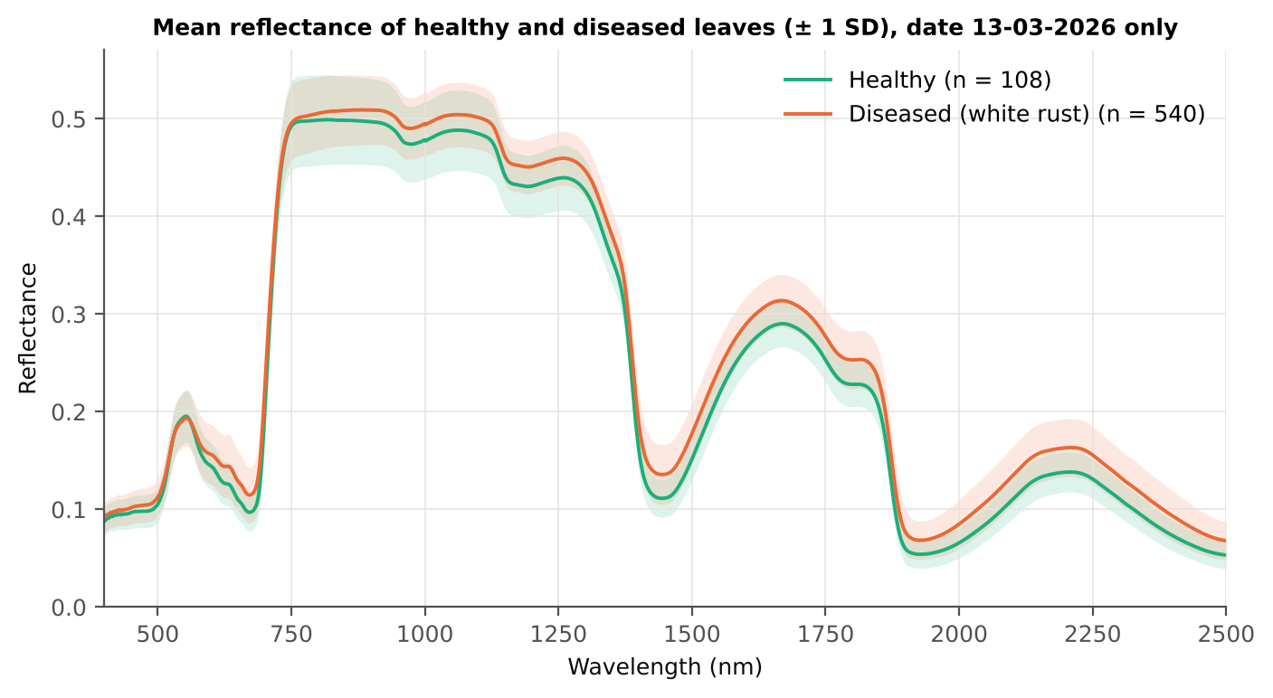
41 | Diseased | 13-03-2026 | Pod formation | Mustard00060.asd.sco | 0.2477 | 0.1897 | 0.0746
23 | Diseased | 13-03-2026 | Pod formation | Mustard00250.asd.sco | 0.2323 | 0.1408 | 0.0746
41 | Diseased | 13-03-2026 | Pod formation | Mustard00046.asd.sco | 0.2306 | 0.2049 | 0.0746
19 | Diseased | 13-03-2026 | Pod formation | Mustard00198.asd.sco | 0.2229 | 0.1703 | 0.0746
24 | Diseased | 13-03-2026 | Pod formation | Mustard00261.asd.sco | 0.2170 | 0.1465 | 0.0746
14 | Diseased | 13-03-2026 | Flowering | Mustard00121.asd.sco | 0.2108 | 0.1306 | 0.0746
16 | Diseased | 13-03-2026 | Pod formation | Mustard00153.asd.sco | 0.1940 | 0.1156 | 0.0746

Figure 3 (as in Das et al. 2020). Mean reflectance of healthy and diseased leaves

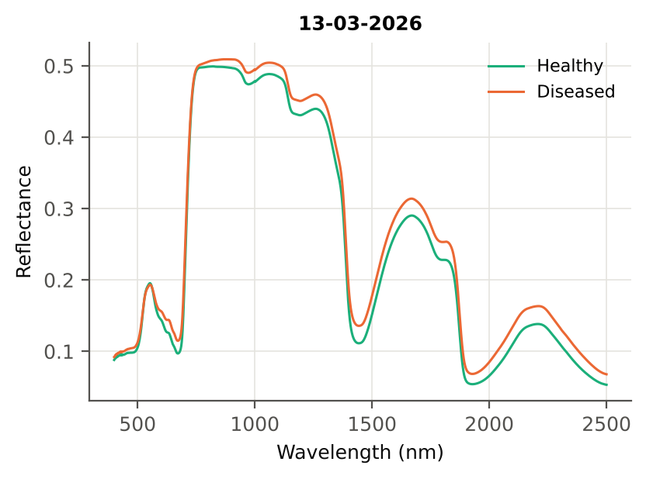

Native Excel chart of the same data: sheet 37_ChartData, columns A–C.
Table 1.5 Duplicate sensitivity run not applicable: the 4 unnamed plot-27 copies (11-02-2026) are not part of this subset.

05_Tier1_Ttest
Step 2 · Tier 1 — Welch's t-test at every band with Benjamini–Hochberg FDR
Das et al. (2020) used one-way ANOVA (p < 0.05) + Tukey HSD for 14 genotypes; with two classes the equivalent is a t-test.

Result in brief
Tier 1: healthy and white-rust leaves differ significantly at 1933 of 2101 bands (Welch + BH-FDR); 1697 bands remain significant with a random plot effect and 1666 in ≥ 95 % of 1000 balanced subsets. The most sensitive single band (smoothed reflectance) reaches AUC 0.78 at 1881 nm.
Uncorrected, 1937 bands have p < 0.05; ANOVA + FDR gives 1953 (same ranking as Welch).

What was done
At each of the 2101 bands the mean reflectance of healthy (n = 108) and diseased (n = 540) leaves was compared with Welch's t-test (unequal variances; Levene's test shows unequal variances at many bands) and the p-values were adjusted with the Benjamini–Hochberg false-discovery rate. Bands with q < 0.05 go to Tier 2. Because 540 diseased leaves give high power even for tiny differences, the test was repeated on 1000 balanced random subsets (108 vs 108), and a linear mixed model with a random plot intercept checks pseudo-replication.
Table 2.1 Number of significant bands
Test | Significant bands | Bands tested | Share (Excel)
Welch t-test + BH-FDR q < 0.05 (used for Tier 2) | 1933 | 2101 | 92.0%
One-way ANOVA p < 0.05, uncorrected (rule of Das et al.) | 1954 | 2101 | 93.0%
One-way ANOVA + BH-FDR q < 0.05 | 1953 | 2101 | 93.0%
Welch t-test p < 0.05, uncorrected | 1937 | 2101 | 92.2%
Mixed model (random plot effect) + BH-FDR q < 0.05 | 1697 | 2101 | 80.8%
Balanced subsets (108 vs 108): significant in ≥ 95 % of 1000 subsets | 1666 | 2101 | 79.3%
Levene test p < 0.05 (unequal variances → Welch) | 1365 | 2101 | 65.0%

Table 2.2 Contiguous ranges (Welch + FDR)
Range (nm) | Bands | Result
400–517 | 118 | significant
518–573 | 56 | not significant
574–724 | 151 | significant
725–836 | 112 | not significant
837–2500 | 1664 | significant

Table 2.3 Significance by spectral region
Region | Bands | Welch+FDR significant | Mixed-model significant | Band of max |t| | Max t | Mean diff (D − H)
Blue (400–499) | 100 | 100 | 0 | 497.00 | 3.8000 | 0.0072
Green (500–599) | 100 | 44 | 1 | 599.00 | 4.4834 | 0.0118
Red (600–679) | 80 | 80 | 80 | 679.00 | 8.1370 | 0.0182
Red edge (680–759) | 80 | 45 | 35 | 688.00 | 8.7541 | 0.0214
NIR (760–1349) | 590 | 513 | 430 | 1349.00 | 8.7233 | 0.0241
Water band I (1350–1430) | 81 | 81 | 81 | 1402.00 | 10.96 | 0.0271
SWIR-1 (1431–1799) | 369 | 369 | 369 | 1431.00 | 10.68 | 0.0246
Water band II (1800–1950) | 151 | 151 | 151 | 1879.00 | 11.28 | 0.0247
SWIR-2 (1951–2349) | 399 | 399 | 399 | 2052.00 | 10.90 | 0.0225
SWIR-2 end (2350–2500) | 151 | 151 | 151 | 2363.00 | 10.91 | 0.0218

Table 2.4 Fifteen most significant bands
Wavelength (nm) | Mean healthy | Mean diseased | Diff (D − H) | Welch t | Welch df | q (BH) | Hedges g | Mixed-model q
1879.00 | 0.1035 | 0.1281 | 0.0247 | 11.28 | 242.30 | 2.282E-21 | 0.8607 | 6.640E-05
1880.00 | 0.0998 | 0.1242 | 0.0244 | 11.27 | 244.32 | 2.282E-21 | 0.8570 | 6.825E-05
1878.00 | 0.1073 | 0.1323 | 0.0250 | 11.27 | 240.07 | 2.282E-21 | 0.8642 | 6.619E-05
1881.00 | 0.0962 | 0.1203 | 0.0241 | 11.26 | 246.19 | 2.282E-21 | 0.8530 | 6.825E-05
1877.00 | 0.1112 | 0.1364 | 0.0252 | 11.26 | 237.70 | 2.282E-21 | 0.8674 | 6.619E-05
1876.00 | 0.1152 | 0.1407 | 0.0255 | 11.24 | 235.24 | 2.292E-21 | 0.8704 | 6.619E-05
1882.00 | 0.0928 | 0.1165 | 0.0237 | 11.24 | 247.79 | 2.282E-21 | 0.8486 | 6.825E-05
1875.00 | 0.1194 | 0.1451 | 0.0257 | 11.21 | 232.65 | 2.716E-21 | 0.8733 | 6.619E-05
1883.00 | 0.0895 | 0.1129 | 0.0233 | 11.20 | 249.06 | 2.282E-21 | 0.8440 | 6.825E-05
1874.00 | 0.1236 | 0.1495 | 0.0259 | 11.19 | 230.08 | 3.058E-21 | 0.8762 | 6.619E-05
1884.00 | 0.0865 | 0.1094 | 0.0230 | 11.16 | 249.97 | 2.292E-21 | 0.8392 | 7.022E-05
1873.00 | 0.1279 | 0.1540 | 0.0260 | 11.16 | 227.52 | 3.058E-21 | 0.8790 | 6.619E-05
1872.00 | 0.1322 | 0.1585 | 0.0262 | 11.13 | 224.99 | 3.058E-21 | 0.8820 | 6.619E-05
1885.00 | 0.0835 | 0.1061 | 0.0226 | 11.10 | 250.54 | 2.793E-21 | 0.8341 | 7.381E-05
1871.00 | 0.1366 | 0.1630 | 0.0264 | 11.10 | 222.48 | 3.058E-21 | 0.8850 | 6.619E-05

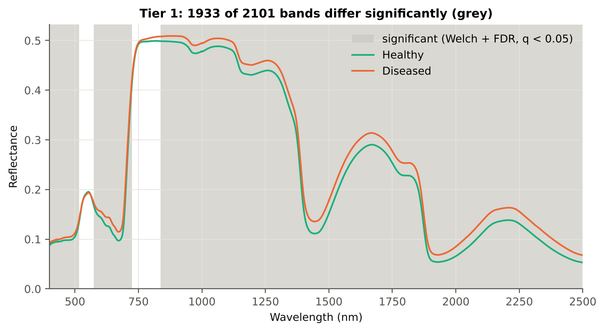
Table 2.5 Tier 1 on 1000 balanced subsets
Balanced-subset check (imbalance) | Value
Balanced random subsets drawn | 1000
Leaves per subset (healthy + diseased) | 108 + 108
Significant bands per subset — median | 1847.00
— minimum | 1478
— maximum | 2061
Bands significant in 100 % of subsets | 1451
Bands significant in ≥ 95 % of subsets | 1666
Bands never significant | 0

Figure 4 (as in Das et al. 2020 Fig. 4). Bands where healthy and diseased leaves differ (grey)

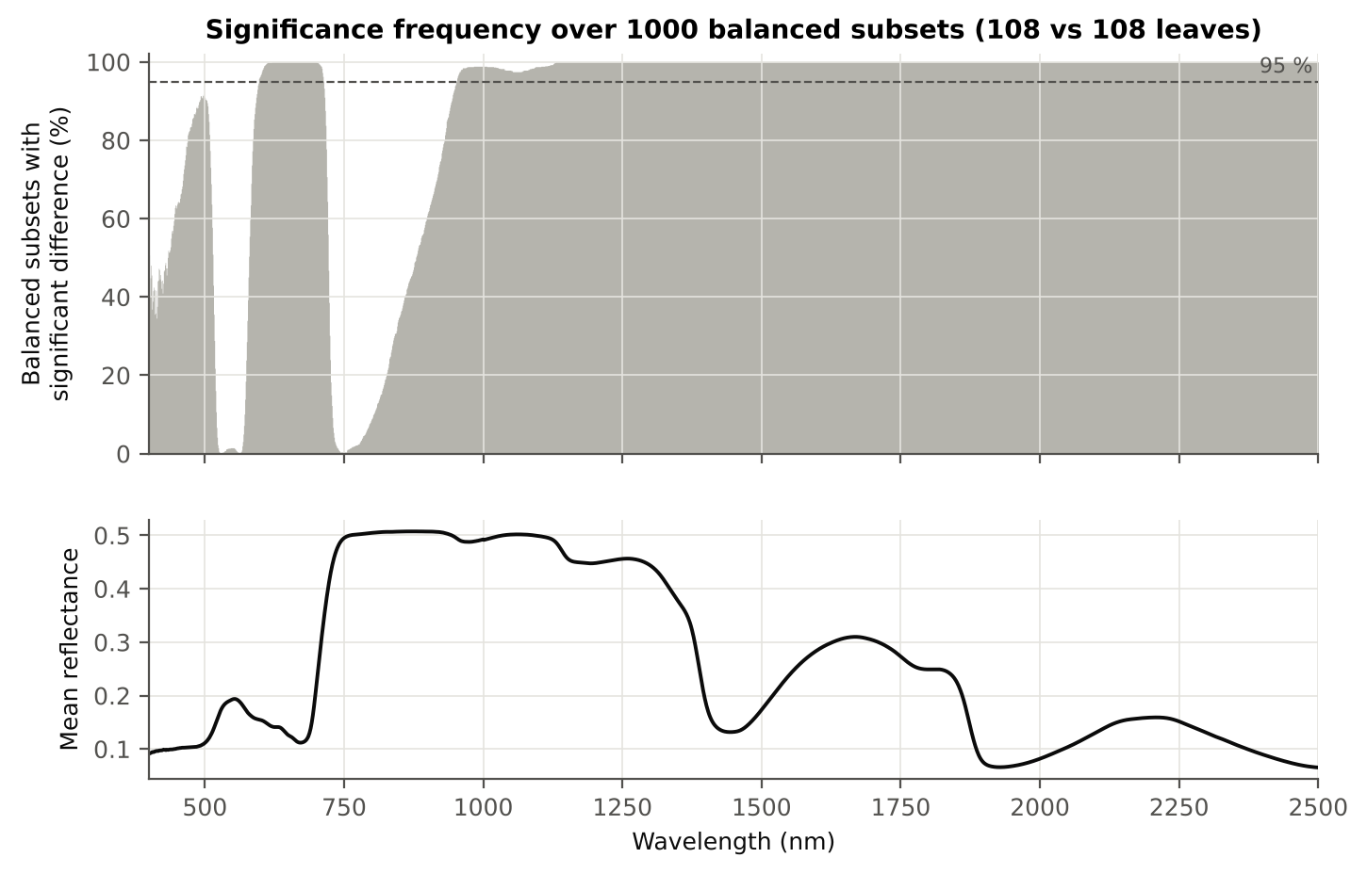

Figure 5 (as in Das et al. 2020 Fig. 5). Significance frequency (balanced subsets) and mean reflectance

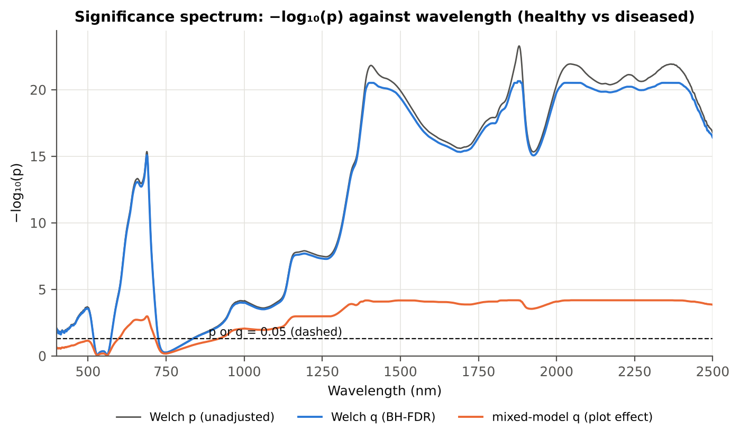

Figure 5b. −log₁₀(p) against wavelength

Native Excel versions of Figures 3–5b: sheet 37_ChartData (charts placed beside the data).
Cross-checks for this step
Step | What was checked | Method | Result | Status
Tier 1 | Training sets with < 2 FDR-significant features (nested V3/V4/V5) | fallback: uncorrected p < 0.05, else the 20 smallest p | 0 of 63 training sets | PASS
Tier 1 | Mixed model implementation | R nlme::lme vs Python statsmodels MixedLM (Powell), every 50th band | Spearman ρ of p-values 1.000 (statsmodels uses a Wald z-test, nlme a t-test with 46 df, so nlme p-values are larger) | PASS
Tier 1 | Welch t-statistic | SciPy ttest_ind(equal_var=False) vs vectorised formula | max |Δt| = 3.6e-15 | PASS
Tier 1 | Benjamini–Hochberg q-values | statsmodels multipletests vs own step-up | max |Δq| = 1.1e-16 | PASS
Tier 1 | ANOVA equivalence | one-way ANOVA F (SciPy, every 50th band) vs Student t² | max relative |F − t²| = 3.2e-14 | PASS
Tier 1 | Class imbalance | 1000 balanced subsets (108 vs 108 leaves) | median 1847 significant bands per subset vs 1933 on all leaves | PASS
Tier 1 | Pseudo-replication | linear mixed model v ~ Disease + (1|plot), REML, R nlme::lme (t-test, 46 df), BH-FDR | 1697 of 2101 bands significant (Welch: 1933); plot ICC median 0.211 | PASS

06_Tier2_CART
Step 3 · Tier 2 — CART band selection with equal priors (rpart)
Das et al. (2020): 'To apply this technique we used the method rpart from package rpart' — the split variables are the selected wavelengths.

Result in brief
Tier 2: CART (rpart, prior 0.5/0.5) selected 14 bands (root 1875 nm): 1875, 1881, 1339, 434, 2014, 1399, 1882, 404, 401, 687, 1421, 674, 1754, 717 nm. The Balanced RF importance peaks (RF-17) were 1369, 1878, 405, 2040, 2013, 1867, 417, 1357, 442, 1339, 1381, 428, 1891, 1992, 2409, 1850, 2390 nm.
Re-selection of each CART band in plot-level bootstraps and in the nested training sets is shown in Table 3.1 and Figure 6b; bands re-selected in < 50 % of the training sets should not be interpreted individually.

What was done
Input: the 1933 FDR-significant bands of Tier 1 (raw reflectance). rpart (R 4.3.3, rpart 4.1.23) with method = 'class', prior = c(0.5, 0.5) (imbalance correction), split = 'gini', minsplit 20, minbucket 7, cp 0.01, no competitor or surrogate splits. The wavelengths used as split variables form the CART band set. The complexity parameter was cross-validated with plot-grouped folds; the 1-SE tree gives a smaller alternative set. Stability: rpart refitted on 200 plot-level bootstrap samples and inside the 50 nested training sets of V3 (a band counts as re-selected if a band within ± 10 nm is chosen).
Table 3.1 The 14 wavelengths selected by CART
Band (nm) | Region | First used at node | Tree depth | Mean healthy | Mean diseased | Welch t | q (BH) | Bootstrap re-selection (±10 nm) | Nested-CV re-selection (±10 nm) | Mixed model significant | Interpretation
401.00 | Blue (400–499) | 28 | 4 | 0.0886 | 0.0924 | 2.4740 | 0.0162 | 89.0% | 80.0% | no | blue/violet: chlorophyll and carotenoid absorption
404.00 | Blue (400–499) | 15 | 3 | 0.0901 | 0.0940 | 2.5375 | 0.0138 | 93.0% | 80.0% | no | blue/violet: chlorophyll and carotenoid absorption
434.00 | Blue (400–499) | 5 | 2 | 0.0946 | 0.0991 | 2.6614 | 0.0099 | 30.0% | 48.0% | no | blue/violet: chlorophyll and carotenoid absorption
674.00 | Red (600–679) | 60 | 5 | 0.0973 | 0.1150 | 7.9868 | 1.490E-13 | 29.5% | 46.0% | yes | chlorophyll-a absorption well
687.00 | Red edge (680–759) | 30 | 4 | 0.1096 | 0.1304 | 8.7209 | 1.066E-15 | 71.0% | 90.0% | yes | red edge: chlorophyll loss and leaf structure
717.00 | Red edge (680–759) | 240 | 7 | 0.3592 | 0.3720 | 3.4731 | 8.113E-04 | 15.5% | 38.0% | no | red edge: chlorophyll loss and leaf structure
1339.00 | NIR (760–1349) | 3 | 1 | 0.3737 | 0.3976 | 8.4078 | 6.063E-14 | 26.0% | 88.0% | yes | NIR plateau: mesophyll structure / cell damage
1399.00 | Water band I (1350–1430) | 11 | 3 | 0.1671 | 0.1945 | 10.95 | 3.132E-21 | 26.5% | 42.0% | yes | leaf water absorption (≈1400 nm)
1421.00 | Water band I (1350–1430) | 57 | 5 | 0.1184 | 0.1434 | 10.78 | 3.900E-21 | 13.5% | 44.0% | yes | leaf water absorption (≈1400 nm)
1754.00 | SWIR-1 (1431–1799) | 120 | 6 | 0.2494 | 0.2736 | 9.5239 | 2.720E-17 | 6.5% | 32.0% | yes | SWIR-1: water, dry matter
1875.00 | Water band II (1800–1950) | 1 | 0 | 0.1194 | 0.1451 | 11.21 | 2.716E-21 | 54.0% | 94.0% | yes | leaf water absorption (O–H, ≈1940 nm)
1881.00 | Water band II (1800–1950) | 2 | 1 | 0.0962 | 0.1203 | 11.26 | 2.282E-21 | 66.0% | 96.0% | yes | leaf water absorption (O–H, ≈1940 nm)
1882.00 | Water band II (1800–1950) | 14 | 3 | 0.0928 | 0.1165 | 11.24 | 2.282E-21 | 67.5% | 96.0% | yes | leaf water absorption (O–H, ≈1940 nm)
2014.00 | SWIR-2 (1951–2349) | 7 | 2 | 0.0706 | 0.0909 | 10.67 | 5.224E-21 | 22.0% | 46.0% | yes | SWIR-2: water wing, protein / cellulose / lignin

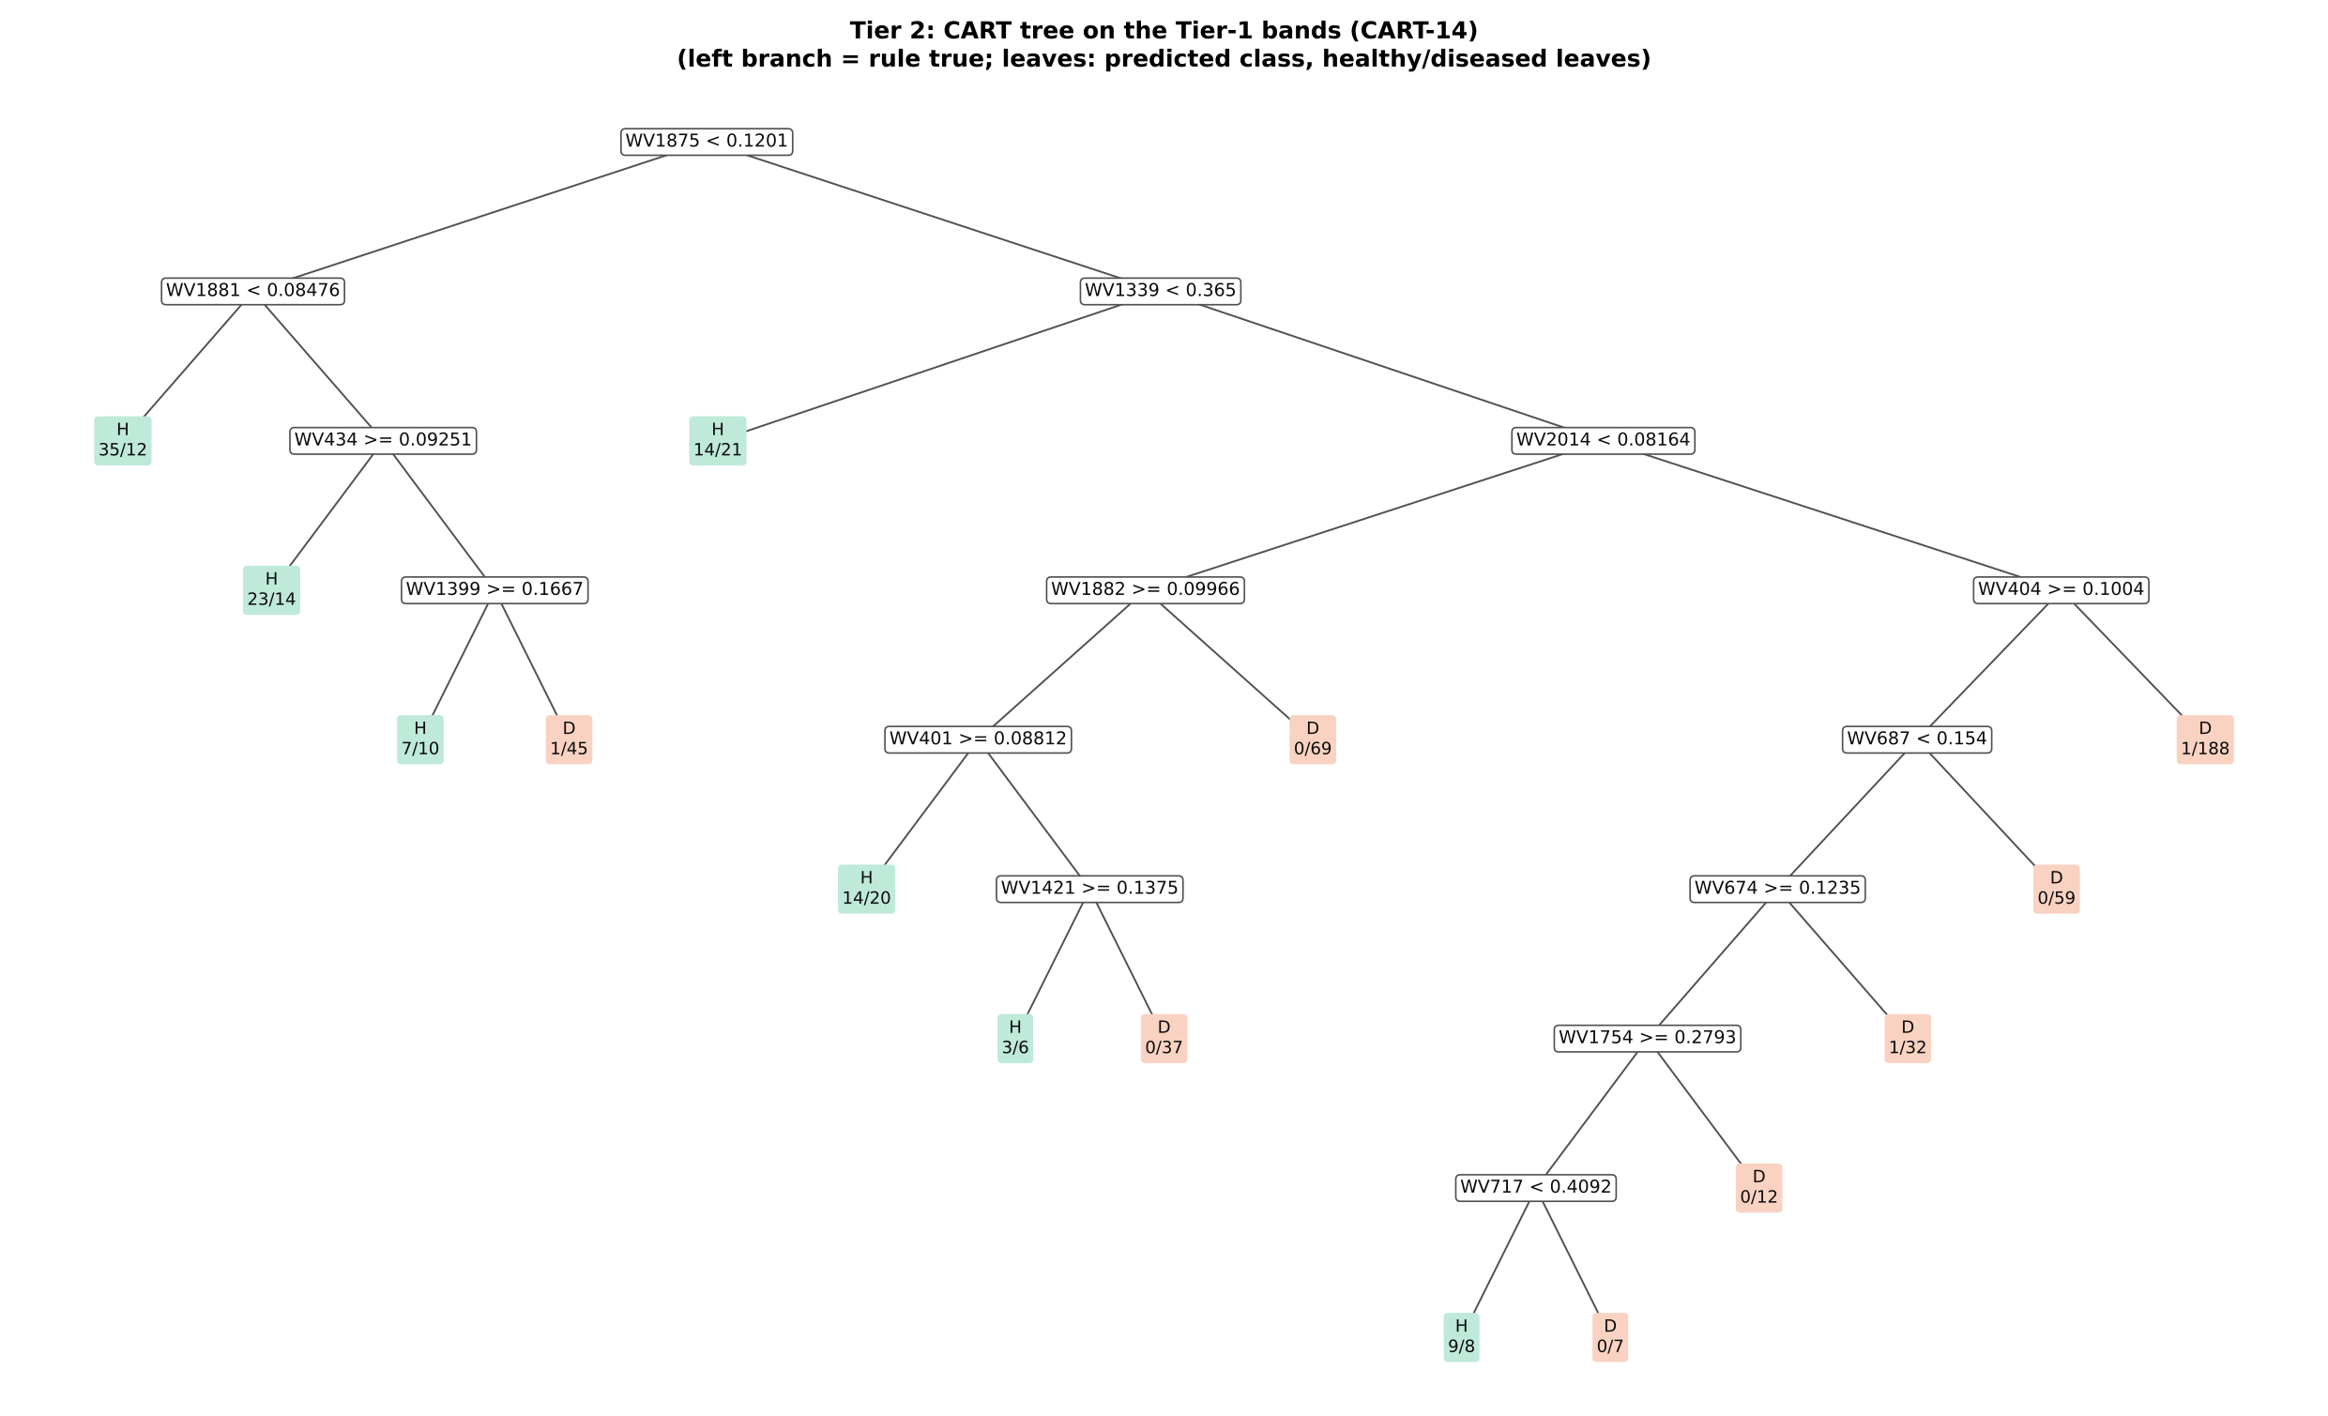
Figure 6 (as in Das et al. 2020 Fig. 6). CART tree

Table 3.2 Tree nodes (rpart frame)
Node | Depth | Split variable | Rule (left branch of the parent) | Leaves | Healthy | Diseased | Predicted class
1 | 0 | WV1875 | root | 648 | 108 | 540 | H
2 | 1 | WV1881 | WV1875< 0.1201 | 147 | 66 | 81 | H
4 | 2 | leaf | WV1881< 0.08476 | 47 | 35 | 12 | H
5 | 2 | WV434 | WV1881>=0.08476 | 100 | 31 | 69 | H
10 | 3 | leaf | WV434>=0.09251 | 37 | 23 | 14 | H
11 | 3 | WV1399 | WV434< 0.09251 | 63 | 8 | 55 | D
22 | 4 | leaf | WV1399>=0.1667 | 17 | 7 | 10 | H
23 | 4 | leaf | WV1399< 0.1667 | 46 | 1 | 45 | D
3 | 1 | WV1339 | WV1875>=0.1201 | 501 | 42 | 459 | D
6 | 2 | leaf | WV1339< 0.365 | 35 | 14 | 21 | H
7 | 2 | WV2014 | WV1339>=0.365 | 466 | 28 | 438 | D
14 | 3 | WV1882 | WV2014< 0.08164 | 149 | 17 | 132 | D
28 | 4 | WV401 | WV1882>=0.09966 | 80 | 17 | 63 | H
56 | 5 | leaf | WV401>=0.08812 | 34 | 14 | 20 | H
57 | 5 | WV1421 | WV401< 0.08812 | 46 | 3 | 43 | D
114 | 6 | leaf | WV1421>=0.1375 | 9 | 3 | 6 | H
115 | 6 | leaf | WV1421< 0.1375 | 37 | 0 | 37 | D
29 | 4 | leaf | WV1882< 0.09966 | 69 | 0 | 69 | D
15 | 3 | WV404 | WV2014>=0.08164 | 317 | 11 | 306 | D
30 | 4 | WV687 | WV404>=0.1004 | 128 | 10 | 118 | D
60 | 5 | WV674 | WV687< 0.154 | 69 | 10 | 59 | D
120 | 6 | WV1754 | WV674>=0.1235 | 36 | 9 | 27 | H
240 | 7 | WV717 | WV1754>=0.2793 | 24 | 9 | 15 | H
480 | 8 | leaf | WV717< 0.4092 | 17 | 9 | 8 | H
481 | 8 | leaf | WV717>=0.4092 | 7 | 0 | 7 | D
241 | 7 | leaf | WV1754< 0.2793 | 12 | 0 | 12 | D
121 | 6 | leaf | WV674< 0.1235 | 33 | 1 | 32 | D
61 | 5 | leaf | WV687>=0.154 | 59 | 0 | 59 | D
31 | 4 | leaf | WV404< 0.1004 | 189 | 1 | 188 | D

Table 3.3 Complexity-parameter table (plot-grouped 10-fold CV)
CP | Number of splits | Relative error | Cross-validated error (plot-grouped) | SE of CV error
0.4611 | 0.0000 | 1.0000 | 1.1667 | 0.0503
0.0907 | 1.0000 | 0.5389 | 0.5759 | 0.0609
0.0309 | 2.0000 | 0.4481 | 0.5093 | 0.0536
0.0247 | 5.0000 | 0.3556 | 0.5463 | 0.0568
0.0167 | 8.0000 | 0.2815 | 0.5370 | 0.0568
0.0111 | 9.0000 | 0.2648 | 0.5556 | 0.0562
0.0100 | 14.00 | 0.1963 | 0.5722 | 0.0562
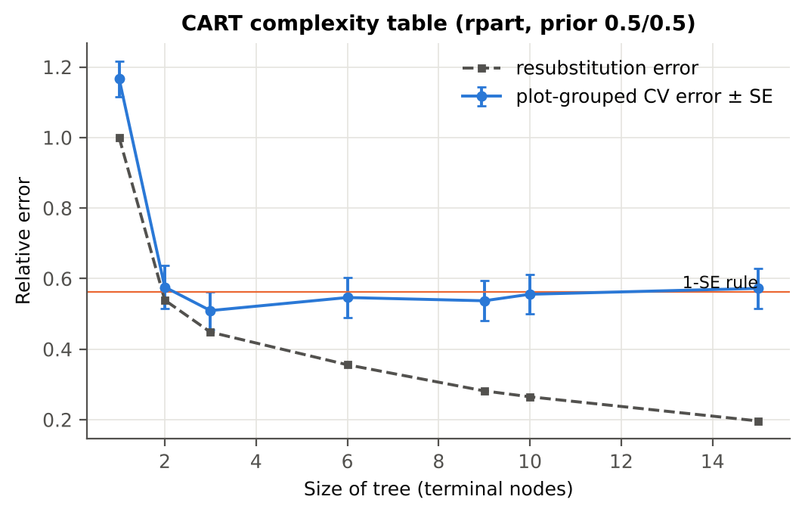

Table 3.4 Selected band sets
Tree | Bands | Wavelengths (nm)
CART-14 | 14 | 1875, 1881, 1339, 434, 2014, 1399, 1882, 404, 401, 687, 1421, 674, 1754, 717
CART-2 (1-SE) | 2 | 1875, 1339
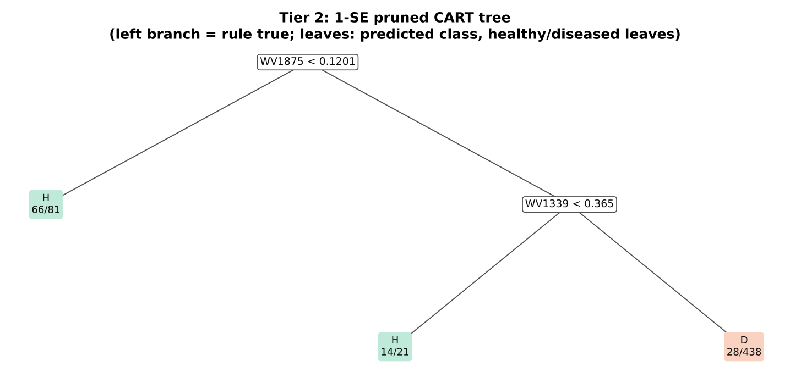

Table 3.5 Cross-check of the CART result with scikit-learn
Item | rpart (R) | scikit-learn (balanced class weights) | Agreement
Root split | WV1875< 0.1201 | WV1875 < 0.12008 | identical variable
Split of the left child | WV1881< 0.08476 | WV1881 | identical variable
Bands used by the trees | 14 bands (cp = 0.01) | 29 bands (depth ≤ 8) | 12 of 14 rpart bands within ±5 nm

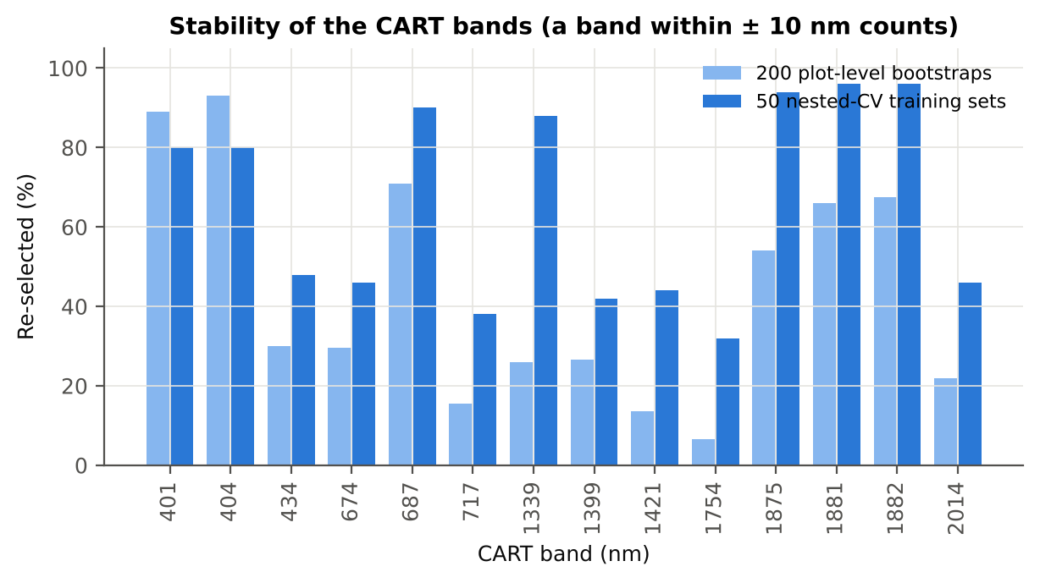
Figure 6b. Re-selection frequency of each CART band

Cross-checks for this step
Step | What was checked | Method | Result | Status
Tier 2 | CART implementation | rpart (R) vs scikit-learn DecisionTreeClassifier | root variable rpart 'WV1875< 0.1201' vs sklearn 'WV1875 < 0.1201' | PASS
Tier 2 | Stability of the selected bands | 200 plot-level bootstrap trees; 50 nested-CV training sets | 1881 nm 96 %; 1882 nm 96 %; 1875 nm 94 % | PASS

07_Tier3_JM
Step 4 · Tier 3 — Jeffries–Matusita (J–M) distance
J–M = 2(1 − e^(−α)) on the 0–2 scale of the thresholds 1.90 / 1.94 used by Das et al.; √J–M (Eq. 1 printed in the paper, 0–√2) is also given.

Result in brief
Tier 3: J–M = 1.56 on the CART bands and 1.86 on the RF bands: neither set reaches the 1.90 separability threshold (Das et al. used 1.94).

What was done
α (Bhattacharyya distance) = ⅛ (μH − μD)ᵀ [(ΣH + ΣD)/2]⁻¹ (μH − μD) + ½ ln( |(ΣH + ΣD)/2| / √(|ΣH| |ΣD|) ), computed with class means and covariance matrices of the selected bands (Cholesky factorisation; checked against explicit inverse and determinants). Classes are 'separable' when J–M ≥ 1.90 (Das et al. used ≥ 1.94, 97 % of 2).
Table 1 (as in Das et al. 2020). J–M distance between healthy and diseased leaves (CART-14 bands)
 | Healthy | Diseased
Healthy | – | –
Diseased | 1.5571 | –

Table 4.1 Healthy vs diseased separability (formulas: J–M, √J–M and the threshold tests)
Band set | Bands | α (Bhattacharyya) | J–M (0–2) (Excel) | √J–M (Excel) | ≥ 1.90 ? (Excel) | ≥ 1.94 ? (Excel)
CART-14 | 14 | 1.5076 | 1.5571 | 1.2479 | not separable | not separable
CART-2 (1-SE) | 2 | 0.2144 | 0.3859 | 0.6212 | not separable | not separable

Table 4.2 J–M and QDA BA as the CART bands are added (order of first use in the tree)
Features used | CART feature added | CART J–M | CART QDA BA
1 | WV1875 | 0.3244 | 65.8%
2 | WV1881 | 0.3633 | 65.9%
3 | WV1339 | 0.4264 | 69.5%
4 | WV434 | 0.6458 | 71.9%
5 | WV2014 | 0.8389 | 69.6%
6 | WV1399 | 0.9323 | 68.1%
7 | WV1882 | 1.0750 | 72.4%
8 | WV404 | 1.1208 | 72.9%
9 | WV401 | 1.1472 | 73.1%
10 | WV687 | 1.2176 | 73.1%
11 | WV1421 | 1.3611 | 78.5%
12 | WV674 | 1.4594 | 79.3%
13 | WV1754 | 1.5123 | 76.7%
14 | WV717 | 1.5571 | 79.7%
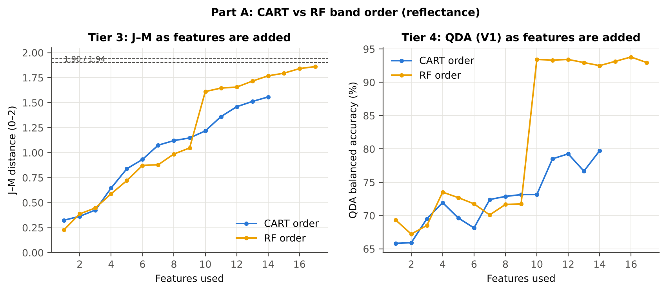

Table 4.3 Numerical diagnostics
Diagnostic | Value
Condition number of healthy covariance | 2.671E+07
Condition number of diseased covariance | 3.650E+07
J–M of the healthy class with itself (must be 0) | 0.0000

Cross-checks for this step
Step | What was checked | Method | Result | Status
Tier 3 | J–M implementation (Part A (raw reflectance)) | Cholesky/log-det vs explicit inverse/determinant | |Δα| = 3.9e-11 | PASS
Tier 3 | Invertibility of the class covariances | condition number of the class correlation matrices of every selected set | max 3.7e+07 (well below the ~1e12 limit of double precision) | PASS
Tier 3 | J–M is scale-invariant | J–M on raw vs standardised features of every selected set | max |ΔJ–M| = 7.1e-11 | PASS
Tier 3 | J–M formula | J–M of the healthy class with itself (must be 0) | 0.0e+00 | PASS

09_Validation
Step 6 · Validation of the complete four-tier pipeline
From the protocol of Das et al. (bands chosen on all leaves, leaf-level CV) to honest estimates for new plots and new dates.

Result in brief
QDA on CART bands, equal priors: V1 79.7 %, V3 75.7 %, V4 75.6 %, V5 (leave-one-variety-out (train on the other varieties)) 69.8 %. Leaf-level CV is optimistic here (V1 − V3 > 3 points): plot effects and selection bias matter.

What was done
Das et al. selected bands on all data and validated QDA by 10-fold CV on the same data (V1). Here the pipeline is also validated with folds grouped by plot (V2), with the whole pipeline nested inside plot-grouped folds (V3, 10-fold × 5 = 50 folds), on independent hold-out plots (V4, 10 splits), with random under-sampling instead of equal priors (V3-RUS) and on an unseen variety (V5, additional). All rows: QDA on CART-selected bands.
Table 6.1 Validation results (mean over repeats; SD over repeats)
Scheme | Priors | repeats | OA | BA | BA_SD | kappa | AUC | PA_H | PA_D | UA_H | UA_D
V1 · leaf-level 10-fold, bands fixed | equal (corrected) | 1 | 77.3% | 79.7% |  | 0.4213 | 0.8870 | 83.3% | 76.1% | 41.1% | 95.8%
V2 · plot-grouped 10-fold, bands fixed | equal (corrected) | 1 | 75.9% | 76.3% |  | 0.3777 | 0.8459 | 76.9% | 75.7% | 38.8% | 94.2%
V3 · nested plot-grouped 10-fold × 5 = 50 folds | equal (corrected) | 5 | 74.3% | 75.7% | 1.3% | 0.3580 | 0.8489 | 78.0% | 73.5% | 37.2% | 94.3%
V4 · 30 % plot hold-out × 10 | equal (corrected) | 10 | 72.9% | 75.6% | 6.9% | 0.3812 | 0.8569 | 79.7% | 71.4% | 41.9% | 94.1%
V5 · leave-one-variety-out (train on the other varieties) (3 units) | equal (corrected) | 1 | 68.2% | 69.8% |  | 0.2572 | 0.8112 | 72.2% | 67.4% | 30.7% | 92.4%
V1 · leaf-level 10-fold, bands fixed | sample (uncorrected) | 1 | 84.3% | 79.4% |  | 0.5096 | 0.8870 | 72.2% | 86.7% | 52.0% | 94.0%
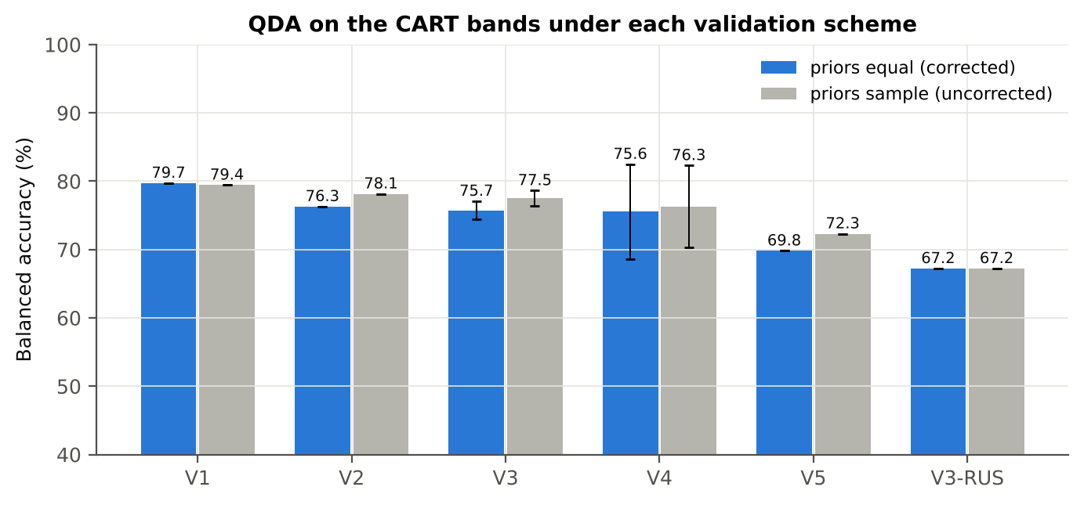
V2 · plot-grouped 10-fold, bands fixed | sample (uncorrected) | 1 | 83.3% | 78.1% |  | 0.4841 | 0.8454 | 70.4% | 85.9% | 50.0% | 93.5%
V3 · nested plot-grouped 10-fold × 5 = 50 folds | sample (uncorrected) | 5 | 83.9% | 77.5% | 1.1% | 0.4875 | 0.8484 | 68.0% | 87.1% | 51.4% | 93.1%
V4 · 30 % plot hold-out × 10 | sample (uncorrected) | 10 | 82.7% | 76.3% | 6.0% | 0.4823 | 0.8569 | 66.4% | 86.2% | 54.6% | 92.2%
V5 · leave-one-variety-out (train on the other varieties) (3 units) | sample (uncorrected) | 1 | 79.2% | 72.3% |  | 0.3731 | 0.8112 | 62.0% | 82.6% | 41.6% | 91.6%
V3-RUS · nested + random under-sampling | equal (corrected) | 1 | 62.7% | 67.2% |  | 0.2039 | 0.7719 | 74.1% | 60.4% | 27.2% | 92.1%
V3-RUS · nested + random under-sampling | sample (uncorrected) | 1 | 62.7% | 67.2% |  | 0.2039 | 0.7719 | 74.1% | 60.4% | 27.2% | 92.1%

Table 6.2 Error matrix, V3 (nested plot-grouped CV, 5 repeats pooled) — QDA on CART bands, equal priors
Classified \ Reference | Healthy | Diseased | Row total | User's accuracy (%)
Healthy | 421 | 715 | 1136 | 37.06
Diseased | 119 | 1985 | 2104 | 94.34
Column total | 540 | 2700 | 3240
Producer's accuracy (%) | 77.96 | 73.52
Overall accuracy (%) | 74.26
Balanced accuracy (%) | 75.74
Cohen's κ | 0.357
F1 healthy | 0.502
F1 diseased | 0.826

Table 6.3 Error matrix, V4 (independent hold-out plots, 10 splits pooled) — QDA on CART bands, equal priors
Classified \ Reference | Healthy | Diseased | Row total | User's accuracy (%)
Healthy | 287 | 472 | 759 | 37.81
Diseased | 73 | 1178 | 1251 | 94.16
Column total | 360 | 1650 | 2010
Producer's accuracy (%) | 79.72 | 71.39
Overall accuracy (%) | 72.89
Balanced accuracy (%) | 75.56
Cohen's κ | 0.357
F1 healthy | 0.513
F1 diseased | 0.812

Table 6.4 Error matrix, V5 (leave-one-variety-out (train on the other varieties), 3 units pooled) — QDA on CART bands, equal priors
Classified \ Reference | Healthy | Diseased | Row total | User's accuracy (%)
Healthy | 78 | 176 | 254 | 30.71
Diseased | 30 | 364 | 394 | 92.39
Column total | 108 | 540 | 648
Producer's accuracy (%) | 72.22 | 67.41
Overall accuracy (%) | 68.21
Balanced accuracy (%) | 69.81
Cohen's κ | 0.257
F1 healthy | 0.431
F1 diseased | 0.779

Table 6.5 Sensitivity to the band set (full pipeline repeated)
Band set | CART bands | BA V1 | BA V3 nested | BA V4 hold-out | CART bands (nm)
400–2500 nm (main: 350–399 removed) | 14 | 79.7% | 75.7% | 75.6% | 401, 404, 434, 674, 687, 717, 1339, 1399, 1421, 1754, 1875, 1881, 1882, 2014
350–2500 nm (nothing removed) | 12 | 75.8% | 73.1% | 74.3% | 363, 365, 434, 574, 645, 687, 693, 1339, 1399, 1875, 1881, 2035
450–2450 nm (both detector edges trimmed) | 14 | 80.9% | 76.3% | 75.8% | 454, 477, 574, 684, 687, 690, 1339, 1875, 1881, 1882, 1889, 1892, 2014, 2188

10_A1_RF_Importance
Part A1 · Random Forest as the Tier-2 band selector (instead of CART)
Input: the 1933 FDR-significant bands of Tier 1 (same as CART).

What was done
A Balanced Random Forest (1000 trees, √1933 candidate bands per split, each tree grown on a balanced bootstrap of 108 + 108 leaves) was fitted to all leaves; band importance = mean decrease in Gini impurity (MDI). Because neighbouring bands are almost identical, bands were picked as importance peaks: local maxima of the importance spectrum, at least 10 nm apart. The 17 highest peaks form the RF band set (the CART set of Das et al. had 17 bands); the 10 highest a smaller set. Checks: a second forest with another seed, R randomForest, permutation importance, and an ordinary class-weighted forest.
Table A1.1 RF band set: the 17 highest importance peaks
Rank | Band (nm) | Importance × 1000 | Region | Mean healthy | Mean diseased | Welch t | q (BH) | Mixed model significant | Nearest CART band | Distance (nm)
1 | 1369.00 | 2.9077 | Water band I (1350–1430) | 0.3220 | 0.3473 | 9.5237 | 5.828E-17 | yes | 1339.00 | 30.00
2 | 1878.00 | 2.5825 | Water band II (1800–1950) | 0.1073 | 0.1323 | 11.27 | 2.282E-21 | yes | 1875.00 | 3.0000
3 | 405.00 | 2.5307 | Blue (400–499) | 0.0910 | 0.0948 | 2.3826 | 0.0205 | no | 404.00 | 1.0000
4 | 2040.00 | 2.1785 | SWIR-2 (1951–2349) | 0.0808 | 0.1028 | 10.89 | 3.058E-21 | yes | 2014.00 | 26.00
5 | 2013.00 | 2.0043 | SWIR-2 (1951–2349) | 0.0702 | 0.0905 | 10.66 | 5.588E-21 | yes | 2014.00 | 1.0000
6 | 1867.00 | 1.9751 | Water band II (1800–1950) | 0.1534 | 0.1803 | 11.00 | 3.058E-21 | yes | 1875.00 | 8.0000
7 | 417.00 | 1.9067 | Blue (400–499) | 0.0933 | 0.0975 | 2.5642 | 0.0129 | no | 404.00 | 13.00
8 | 1357.00 | 1.8745 | Water band I (1350–1430) | 0.3465 | 0.3706 | 8.8690 | 3.230E-15 | yes | 1339.00 | 18.00
9 | 442.00 | 1.8053 | Blue (400–499) | 0.0954 | 0.1001 | 2.7486 | 0.0078 | no | 434.00 | 8.0000
10 | 1339.00 | 1.7698 | NIR (760–1349) | 0.3737 | 0.3976 | 8.4078 | 6.063E-14 | yes | 1339.00 | 0.0000
11 | 1381.00 | 1.7499 | Water band I (1350–1430) | 0.2712 | 0.2980 | 10.32 | 2.720E-19 | yes | 1399.00 | 18.00
12 | 428.00 | 1.7402 | Blue (400–499) | 0.0949 | 0.0992 | 2.5789 | 0.0124 | no | 434.00 | 6.0000
13 | 1891.00 | 1.6937 | Water band II (1800–1950) | 0.0698 | 0.0898 | 10.59 | 5.985E-21 | yes | 1882.00 | 9.0000
14 | 1992.00 | 1.6923 | SWIR-2 (1951–2349) | 0.0634 | 0.0819 | 10.23 | 6.272E-20 | yes | 2014.00 | 22.00
15 | 2409.00 | 1.6919 | SWIR-2 end (2350–2500) | 0.0704 | 0.0900 | 10.67 | 5.558E-21 | yes | 2014.00 | 395.00
16 | 1850.00 | 1.6335 | Water band II (1800–1950) | 0.2041 | 0.2310 | 10.57 | 2.467E-20 | yes | 1875.00 | 25.00
17 | 2390.00 | 1.6322 | SWIR-2 end (2350–2500) | 0.0761 | 0.0968 | 10.82 | 3.074E-21 | yes | 2014.00 | 376.00

Table A1.2 The CART bands seen through the RF importance
CART band (nm) | Region | RF importance rank (of 1933) | RF importance × 1000 | Nearest RF-17 band | Distance (nm)
401.00 | Blue (400–499) | 19 | 2.0430 | 405.00 | 4.0000
404.00 | Blue (400–499) | 13 | 2.2475 | 405.00 | 1.0000
434.00 | Blue (400–499) | 205 | 1.0764 | 428.00 | 6.0000
674.00 | Red (600–679) | 232 | 1.0331 | 442.00 | 232.00
687.00 | Red edge (680–759) | 115 | 1.3406 | 442.00 | 245.00
717.00 | Red edge (680–759) | 488 | 0.7078 | 442.00 | 275.00
1339.00 | NIR (760–1349) | 38 | 1.7698 | 1339.00 | 0.0000
1399.00 | Water band I (1350–1430) | 1160 | 0.2953 | 1381.00 | 18.00
1421.00 | Water band I (1350–1430) | 1261 | 0.2598 | 1381.00 | 40.00
1754.00 | SWIR-1 (1431–1799) | 1450 | 0.2095 | 1850.00 | 96.00
1875.00 | Water band II (1800–1950) | 18 | 2.0636 | 1878.00 | 3.0000
1881.00 | Water band II (1800–1950) | 30 | 1.8808 | 1878.00 | 3.0000
1882.00 | Water band II (1800–1950) | 110 | 1.3641 | 1878.00 | 4.0000
2014.00 | SWIR-2 (1951–2349) | 89 | 1.4402 | 2013.00 | 1.0000
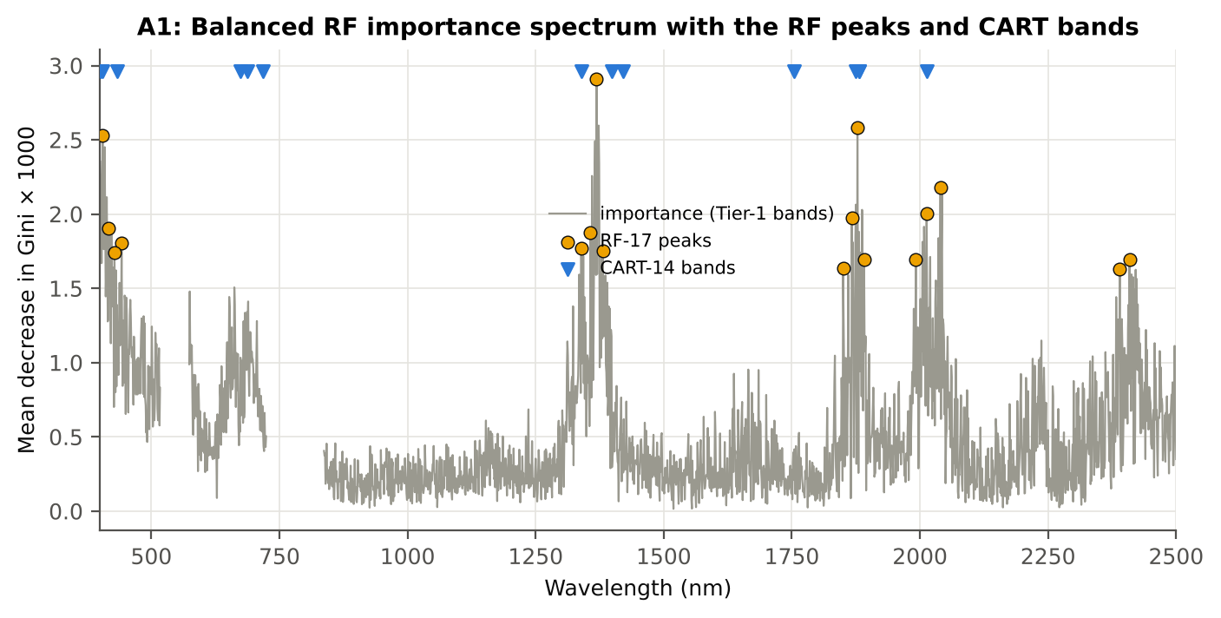

Figure A1. RF importance spectrum with the RF peaks (orange) and the CART bands (blue triangles)

Table A1.3 Checks of the RF importance
Check | Value | Result | Status
Reproducibility: importance of seed 42 vs seed 7 (Spearman ρ) | 0.639 | 14 of 17 peaks within ±10 nm | PASS
R randomForest (stratified sampsize 108 + 108), mean decrease in Gini | ρ = 0.648 | 14 of 17 peaks within ±10 nm; R out-of-bag BA 0.744 | PASS
Permutation importance (drop in AUC, 5 plot-grouped folds) vs Gini, top-50 bands | ρ = 0.10 | shuffling one band hardly changes the forest because its neighbours carry the same information | FLAG
Ordinary RF with class weights only (no balanced bootstrap), out-of-bag | BA 0.755 | healthy recall 0.61 | PASS

12_A3_CART_vs_RF
Part A3 · CART vs RF as classifiers and as band selectors — honest validation
Same folds everywhere: V1 leaf-level 10-fold; V3 nested plot-grouped 10-fold × 5 = 50 folds; V4 30 % plot hold-out × 10; V5 leave-one-variety-out (train on the other varieties).

Result in brief
CART vs RF: as classifiers RF beats CART by +3.3 points (V3, 34 of 50 folds, p = 0.004); as band selectors for QDA the RF bands are +4.9 points vs the CART bands (p = 0.009). RF selection is more stable (Jaccard ±10 nm 0.47 vs 0.34).

What was done
Four pipelines on identical folds. CART classifier: the rpart tree itself predicts. RF classifier: a Balanced RF (500 trees) on the Tier-1 bands predicts. QDA on CART bands: Tier 4 of the paper. QDA on RF bands: QDA on the 17 RF importance peaks. In V3, V4 and V5, Tier 1 and band selection are repeated inside every training set. Paired Wilcoxon signed-rank tests compare pipelines over the 50 V3 folds and the 10 V4 splits.
Table A3.1 Validation results (mean over repeats; SD over repeats)
Pipeline | Scheme | repeats | OA | BA | BA_SD | kappa | AUC | PA_H | PA_D | UA_H | UA_D
CART classifier | V1 | 1 | 76.4% | 73.2% |  | 0.3535 | 0.7655 | 68.5% | 78.0% | 38.3% | 92.5%
CART classifier | V3 | 5 | 74.4% | 69.9% | 1.6% | 0.3021 | 0.7439 | 63.0% | 76.7% | 35.2% | 91.2%
CART classifier | V4 | 10 | 73.5% | 70.2% | 4.9% | 0.3120 | 0.7188 | 65.0% | 75.4% | 37.0% | 90.8%
CART classifier | V5 | 1 | 76.9% | 72.8% |  | 0.3534 | 0.7473 | 66.7% | 78.9% | 38.7% | 92.2%
RF classifier | V1 | 1 | 81.0% | 75.6% |  | 0.4288 | 0.8460 | 67.6% | 83.7% | 45.3% | 92.8%
RF classifier | V3 | 5 | 79.2% | 74.1% | 0.6% | 0.3915 | 0.8326 | 66.3% | 81.8% | 42.2% | 92.4%
RF classifier | V4 | 10 | 79.1% | 75.2% | 5.2% | 0.4123 | 0.8467 | 69.2% | 81.2% | 44.7% | 92.5%
RF classifier | V5 | 1 | 78.9% | 72.1% |  | 0.3677 | 0.8352 | 62.0% | 82.2% | 41.1% | 91.5%
QDA on CART features | V1 | 1 | 77.3% | 79.7% |  | 0.4213 | 0.8870 | 83.3% | 76.1% | 41.1% | 95.8%
QDA on CART features | V3 | 5 | 74.3% | 75.7% | 1.3% | 0.3580 | 0.8489 | 78.0% | 73.5% | 37.2% | 94.3%
QDA on CART features | V4 | 10 | 72.9% | 75.6% | 6.9% | 0.3812 | 0.8569 | 79.7% | 71.4% | 41.9% | 94.1%
QDA on CART features | V5 | 1 | 68.2% | 69.8% |  | 0.2572 | 0.8112 | 72.2% | 67.4% | 30.7% | 92.4%
QDA on RF features | V1 | 1 | 95.7% | 93.0% |  | 0.8467 | 0.9853 | 88.9% | 97.0% | 85.7% | 97.8%
QDA on RF features | V3 | 5 | 83.4% | 80.6% | 2.4% | 0.5078 | 0.8871 | 76.5% | 84.7% | 50.5% | 94.7%
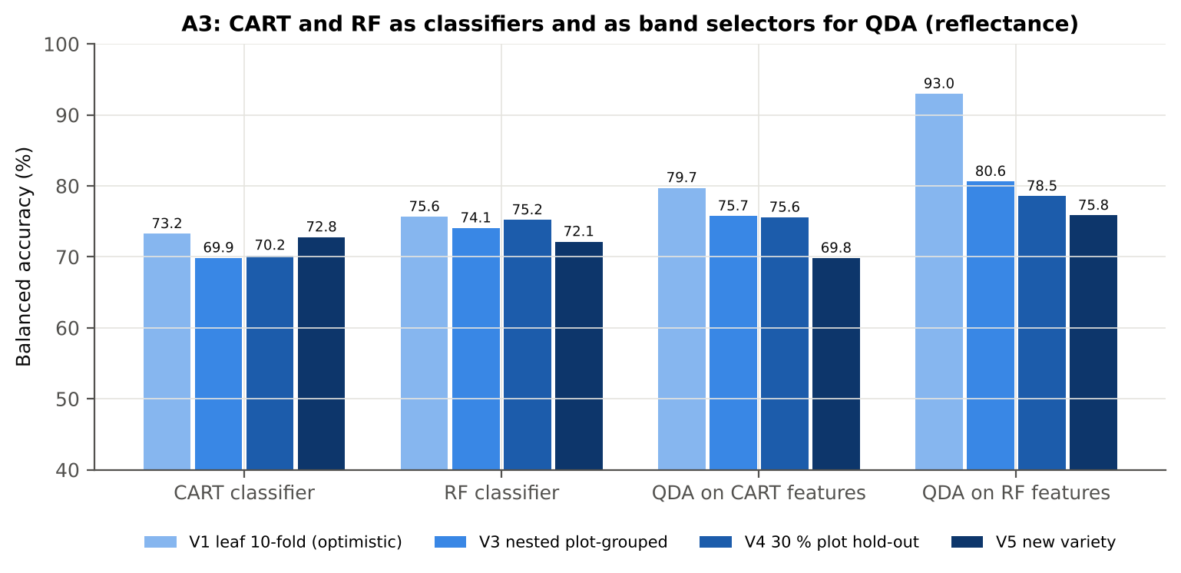
QDA on RF features | V4 | 10 | 81.9% | 78.5% | 8.2% | 0.5186 | 0.8705 | 73.3% | 83.8% | 61.7% | 93.7%
QDA on RF features | V5 | 1 | 81.3% | 75.8% |  | 0.4346 | 0.8409 | 67.6% | 84.1% | 45.9% | 92.8%

Table A3.2 Paired comparisons (same folds; positive = first pipeline better)
Comparison | Units | n | Mean difference | SD | First better | Second better | Ties | Wilcoxon p
RF classifier − CART classifier | V3 nested (folds) | 50 | 3.3% | 8.0% | 34 | 15 | 1 | 0.0041
RF classifier − CART classifier | V4 hold-out (splits) | 10 | 5.0% | 2.7% | 10 | 0 | 0 | 0.0020
QDA on RF features − QDA on CART features | V3 nested (folds) | 50 | 4.9% | 12.0% | 34 | 15 | 1 | 0.0086
QDA on RF features − QDA on CART features | V4 hold-out (splits) | 10 | 3.0% | 8.2% | 7 | 3 | 0 | 0.2324
QDA on CART features − CART classifier | V3 nested (folds) | 50 | 5.2% | 11.6% | 31 | 19 | 0 | 0.0043
QDA on CART features − CART classifier | V4 hold-out (splits) | 10 | 5.4% | 9.2% | 6 | 4 | 0 | 0.1309
QDA on RF features − RF classifier | V3 nested (folds) | 50 | 6.8% | 14.0% | 32 | 17 | 1 | 0.0025
QDA on RF features − RF classifier | V4 hold-out (splits) | 10 | 3.4% | 10.3% | 6 | 4 | 0 | 0.3223

Error matrix — CART classifier, V4 hold-out plots (10 splits pooled)
Classified \ Reference | Healthy | Diseased | Row total | User's accuracy (%)
Healthy | 234 | 406 | 640 | 36.56
Diseased | 126 | 1244 | 1370 | 90.80
Column total | 360 | 1650 | 2010
Producer's accuracy (%) | 65.00 | 75.39
Overall accuracy (%) | 73.53
Balanced accuracy (%) | 70.20
Cohen's κ | 0.310
F1 healthy | 0.468
F1 diseased | 0.824

Error matrix — RF classifier, V4 hold-out plots (10 splits pooled)
Classified \ Reference | Healthy | Diseased | Row total | User's accuracy (%)
Healthy | 249 | 310 | 559 | 44.54
Diseased | 111 | 1340 | 1451 | 92.35
Column total | 360 | 1650 | 2010
Producer's accuracy (%) | 69.17 | 81.21
Overall accuracy (%) | 79.05
Balanced accuracy (%) | 75.19
Cohen's κ | 0.414
F1 healthy | 0.542
F1 diseased | 0.864

Error matrix — QDA on CART features, V4 hold-out plots (10 splits pooled)
Classified \ Reference | Healthy | Diseased | Row total | User's accuracy (%)
Healthy | 287 | 472 | 759 | 37.81
Diseased | 73 | 1178 | 1251 | 94.16
Column total | 360 | 1650 | 2010
Producer's accuracy (%) | 79.72 | 71.39
Overall accuracy (%) | 72.89
Balanced accuracy (%) | 75.56
Cohen's κ | 0.357
F1 healthy | 0.513
F1 diseased | 0.812

Error matrix — QDA on RF features, V4 hold-out plots (10 splits pooled)
Classified \ Reference | Healthy | Diseased | Row total | User's accuracy (%)
Healthy | 264 | 268 | 532 | 49.62
Diseased | 96 | 1382 | 1478 | 93.50
Column total | 360 | 1650 | 2010
Producer's accuracy (%) | 73.33 | 83.76
Overall accuracy (%) | 81.89
Balanced accuracy (%) | 78.55
Cohen's κ | 0.481
F1 healthy | 0.592
F1 diseased | 0.884

13_A4_Band_Stability
Part A4 · Stability of the CART and RF band sets
Re-selection in the 50 nested training sets of V3 (a band counts if a band within ± 10 nm is selected).

Result in brief
Mean pairwise Jaccard (±10 nm): RF 0.47, CART 0.34 over 50 nested training sets.
Table A4.1 The CART-14 bands
Feature | Type | Re-selected by CART (±10 nm) | Re-selected by RF (±10 nm)
WV1875 | Raw reflectance | 94.0% | 96.0%
WV1881 | Raw reflectance | 96.0% | 98.0%
WV1339 | Raw reflectance | 88.0% | 60.0%
WV434 | Raw reflectance | 48.0% | 66.0%
WV2014 | Raw reflectance | 46.0% | 88.0%
WV1399 | Raw reflectance | 42.0% | 38.0%
WV1882 | Raw reflectance | 96.0% | 98.0%
WV404 | Raw reflectance | 80.0% | 86.0%
WV401 | Raw reflectance | 80.0% | 86.0%
WV687 | Raw reflectance | 90.0% | 40.0%
WV1421 | Raw reflectance | 44.0% | 0.0%
WV674 | Raw reflectance | 46.0% | 8.0%
WV1754 | Raw reflectance | 32.0% | 0.0%
WV717 | Raw reflectance | 38.0% | 2.0%

Table A4.2 The RF-17 bands
Feature | Type | Re-selected by CART (±10 nm) | Re-selected by RF (±10 nm)
WV1369 | Raw reflectance | 12.0% | 96.0%
WV1878 | Raw reflectance | 94.0% | 96.0%
WV405 | Raw reflectance | 82.0% | 86.0%
WV2040 | Raw reflectance | 20.0% | 74.0%
WV2013 | Raw reflectance | 48.0% | 90.0%
WV1867 | Raw reflectance | 90.0% | 94.0%
WV417 | Raw reflectance | 28.0% | 74.0%
WV1357 | Raw reflectance | 12.0% | 80.0%
WV442 | Raw reflectance | 46.0% | 46.0%
WV1339 | Raw reflectance | 88.0% | 60.0%
WV1381 | Raw reflectance | 12.0% | 92.0%
WV428 | Raw reflectance | 44.0% | 72.0%
WV1891 | Raw reflectance | 58.0% | 74.0%
WV1992 | Raw reflectance | 6.0% | 40.0%
WV2409 | Raw reflectance | 38.0% | 72.0%
WV1850 | Raw reflectance | 2.0% | 32.0%
WV2390 | Raw reflectance | 4.0% | 50.0%

Table A4.3 Stability index
Method | Training sets | Mean features | Range | Unique features (union) | Selected in all sets (exact) | Stability index (exact) = all / union | Selected in all sets (±10 nm) | Stability index (±10 nm) | Mean pairwise Jaccard (±10 nm) | SD Jaccard
CART | 50 | 13.90 | 10–19 | 272 | 0 | 0.0000 | 0 | 0.0000 | 0.3435 | 0.1234
RF | 50 | 17.00 | 17–17 | 405 | 0 | 0.0000 | 1 | 0.0025 | 0.4666 | 0.1287
Stability index (exact) = bands selected in all 50 training sets ÷ all bands ever selected; the ±10 nm version counts a band as re-selected when a band within 10 nm is chosen; the mean pairwise Jaccard index (±10 nm) compares every pair of training sets.
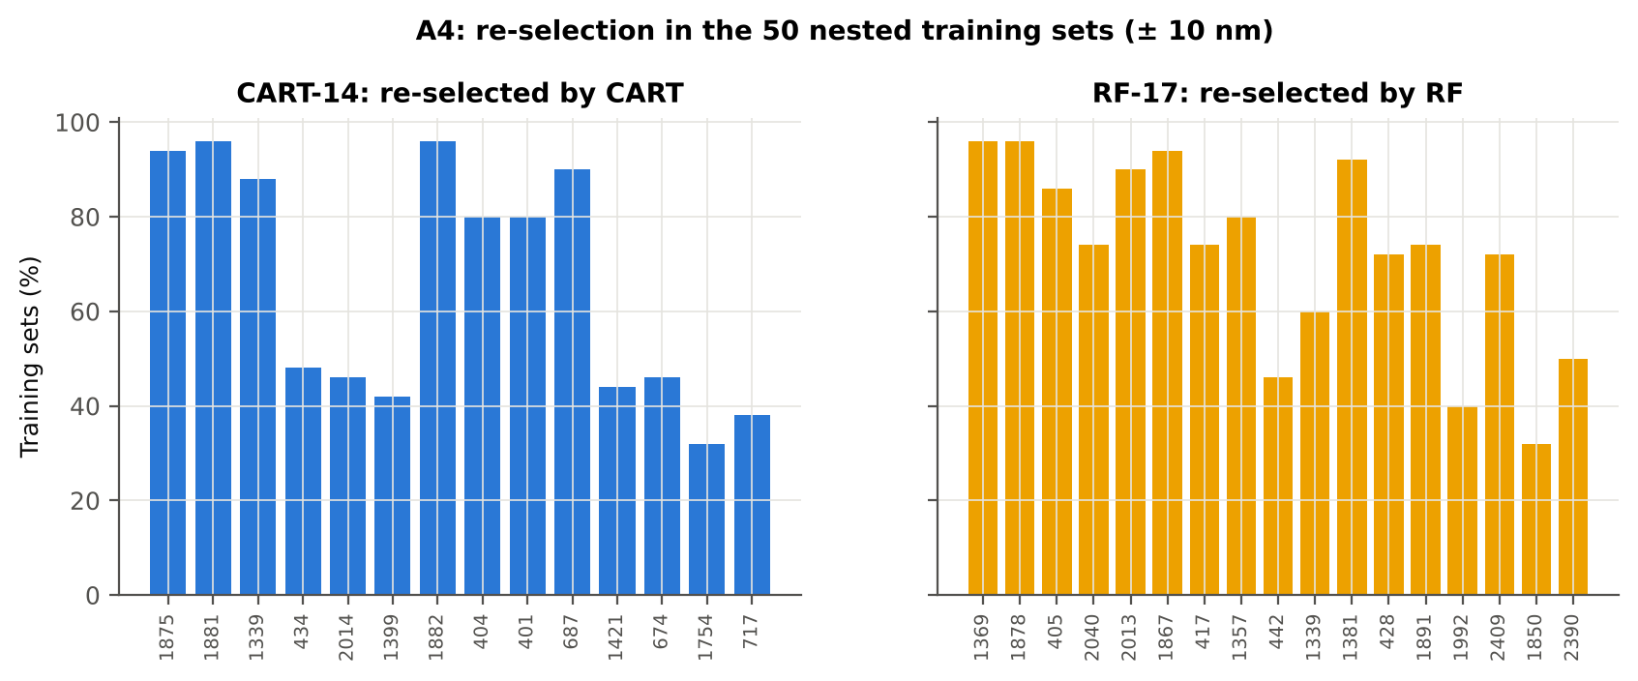

Table A4.4 Bands most often selected by CART (exact band)
Feature | Type | Times selected (exact) | Share of training sets
WV1874 | Raw reflectance | 29 | 58.0%
WV1339 | Raw reflectance | 28 | 56.0%
WV687 | Raw reflectance | 23 | 46.0%
WV404 | Raw reflectance | 20 | 40.0%
WV674 | Raw reflectance | 17 | 34.0%
WV1881 | Raw reflectance | 16 | 32.0%
WV401 | Raw reflectance | 15 | 30.0%
WV434 | Raw reflectance | 14 | 28.0%
WV1754 | Raw reflectance | 13 | 26.0%
WV1875 | Raw reflectance | 11 | 22.0%
WV1399 | Raw reflectance | 8 | 16.0%
WV2021 | Raw reflectance | 8 | 16.0%
WV406 | Raw reflectance | 8 | 16.0%
WV2427 | Raw reflectance | 8 | 16.0%
WV1914 | Raw reflectance | 8 | 16.0%
WV2035 | Raw reflectance | 7 | 14.0%
WV400 | Raw reflectance | 7 | 14.0%
WV2402 | Raw reflectance | 7 | 14.0%
WV693 | Raw reflectance | 7 | 14.0%
WV1882 | Raw reflectance | 7 | 14.0%
WV691 | Raw reflectance | 7 | 14.0%
WV715 | Raw reflectance | 6 | 12.0%
WV1873 | Raw reflectance | 6 | 12.0%
WV512 | Raw reflectance | 6 | 12.0%
WV1337 | Raw reflectance | 6 | 12.0%
WV686 | Raw reflectance | 6 | 12.0%
WV1421 | Raw reflectance | 5 | 10.0%
WV446 | Raw reflectance | 5 | 10.0%
WV454 | Raw reflectance | 5 | 10.0%
WV2406 | Raw reflectance | 5 | 10.0%

Table A4.5 Bands most often selected by RF (exact band)
Feature | Type | Times selected (exact) | Share of training sets
WV401 | Raw reflectance | 15 | 30.0%
WV1370 | Raw reflectance | 10 | 20.0%
WV1889 | Raw reflectance | 8 | 16.0%
WV429 | Raw reflectance | 8 | 16.0%
WV1877 | Raw reflectance | 7 | 14.0%
WV1385 | Raw reflectance | 7 | 14.0%
WV2017 | Raw reflectance | 7 | 14.0%
WV2019 | Raw reflectance | 7 | 14.0%
WV1351 | Raw reflectance | 6 | 12.0%
WV1874 | Raw reflectance | 6 | 12.0%
WV405 | Raw reflectance | 6 | 12.0%
WV1357 | Raw reflectance | 6 | 12.0%
WV1867 | Raw reflectance | 6 | 12.0%
WV1386 | Raw reflectance | 6 | 12.0%
WV419 | Raw reflectance | 6 | 12.0%
WV2422 | Raw reflectance | 5 | 10.0%
WV2401 | Raw reflectance | 5 | 10.0%
WV2006 | Raw reflectance | 5 | 10.0%
WV434 | Raw reflectance | 5 | 10.0%
WV1374 | Raw reflectance | 5 | 10.0%
WV1887 | Raw reflectance | 5 | 10.0%
WV1875 | Raw reflectance | 5 | 10.0%
WV1868 | Raw reflectance | 5 | 10.0%
WV2023 | Raw reflectance | 5 | 10.0%
WV2400 | Raw reflectance | 5 | 10.0%
WV1883 | Raw reflectance | 5 | 10.0%
WV1368 | Raw reflectance | 5 | 10.0%
WV1371 | Raw reflectance | 5 | 10.0%
WV1344 | Raw reflectance | 5 | 10.0%
WV2415 | Raw reflectance | 5 | 10.0%

14_K0_Denoising
Step K0 · Spectral smoothing / denoising and detector joins
Splice correction, Savitzky–Golay smoothing and derivatives; guard zones at the detector joins.

What was done
1. Splice correction: the ASD records 350–1000 nm (VNIR), 1001–1800 nm (SWIR-1) and 1801–2500 nm (SWIR-2) with three detectors. For each join a straight line was fitted to the 10 nm before the join and the next detector was shifted so that it continues this line at join + 1 nm. 2. Smoothing: Savitzky–Golay filter (window 11, order 2); first derivative SG(15, 2), second derivative SG(21, 2). 3. Guard zones: bands next to the joins are excluded from feature ranking (reflectance 990–1010 and 1795–1835 nm; first derivative 988–1012 and 1793–1837 nm; second derivative 985–1015 and 1790–1840 nm) because the filter windows straddle the join and a date-dependent start-up bump follows 1801 nm.
Table K0.1 Splice offsets added to the following detector (reflectance)
Join | Offset Healthy (mean) | SD (neg) | Offset Diseased (mean) | SD (pos)
1000/1001 nm | 0.0013 | 3.925E-04 | 0.0013 | 3.196E-04
1800/1801 nm | -1.989E-04 | 1.062E-04 | -1.969E-04 | 1.152E-04

Table K0.2 Spectral slope just before and just after the 1800/1801 nm join (reflectance × 10⁵ per nm)
Date | Slope 1786-1800 Healthy | Slope 1786-1800 Diseased | Slope 1801-1815 Healthy | Slope 1801-1815 Diseased
13-03-2026 | -9.4487 | -9.3417 | -0.7953 | 3.4406
A healthy spectrum falls smoothly across the join; a slope that turns upward right after the join, or a class difference that changes with the date, marks the start-up artefact.

Table K0.3 Noise removed by the Savitzky–Golay filter
Range (nm) | Noise (SD raw - smoothed)
350-399 | 0.0039
400-499 | 5.114E-04
500-599 | 7.532E-05
600-679 | 3.452E-05
680-759 | 3.814E-05
760-1349 | 3.721E-05
1350-1430 | 1.384E-05
1431-1799 | 7.749E-06
1800-1950 | 1.205E-05
1951-2349 | 9.154E-06
2350-2500 | 5.052E-05

Table K0.4 Smoothing preserves the signal
Check of the smoothing | Value
Correlation of class-mean spectra, raw vs smoothed — healthy | 0.999994
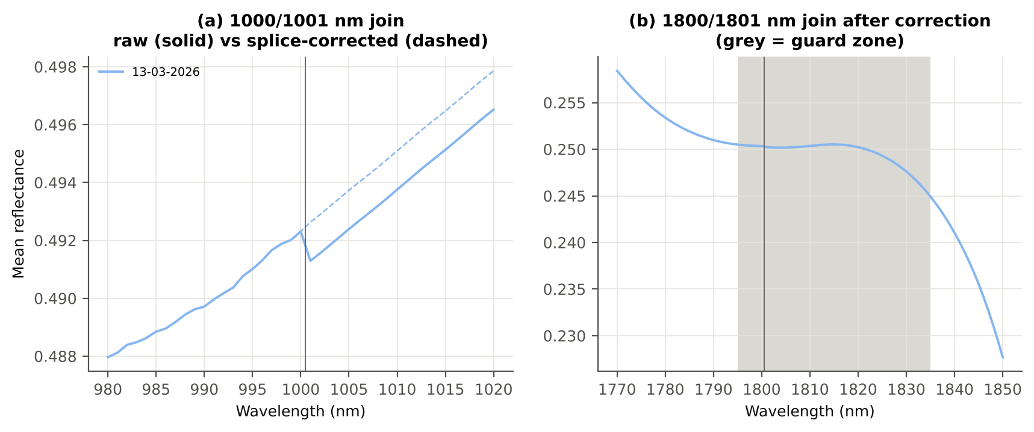
Correlation of class-mean spectra, raw vs smoothed — diseased | 0.999994
Largest change of the all-leaf mean spectrum (reflectance) | 0.001373
Tier-1 significant bands: raw vs smoothed | 1933 vs 1933

Cross-checks for this step
Step | What was checked | Method | Result | Status
K0 | Smoothing preserves the signal | class-mean spectra raw vs smoothed; Tier-1 counts | r ≥ 0.999994; 1933 (raw) vs 1933 (smoothed) significant bands | PASS
K0 | Detector artefact at the 1800/1801 nm join | slope just before vs just after the join, by date and class | no bump detected; guard zones applied as precaution | PASS

15_K1_Band_Reflectance
Step K1 · Band reflectance — which single bands are disease-sensitive
Splice-corrected, smoothed reflectance at every band 400–2500 nm (guard zones excluded from the ranking).

Result in brief
1933 of 2101 smoothed bands significant; 1156 bands with AUC ≥ 0.70; best band 1881 nm (AUC 0.78).

What was done
For every band: Welch's t-test with BH-FDR, Hedges' g (standardised mean difference, bias-corrected), the area under the ROC curve (AUC, direction-free: 0.5 = no separation, 1 = perfect) and a threshold classifier (Youden's J; the threshold and its direction are chosen on training plots and applied to test plots: plot-grouped CV (V3) and hold-out (V4)).
Table K1.1 Band-reflectance sensitivity
Summary | Value
Bands tested | 2101
Significant (Welch + FDR), smoothed spectra | 1933
Significant, raw spectra (Tier 1) | 1933
Bands with AUC ≥ 0.70 (outside guard zones) | 1156
Highest AUC (outside guard zones) | 0.782 at 1881 nm

Table K1.2 Most sensitive band in each spectral region (K1 features)
Wavelength (nm) | Region | AUC | Direction | Hedges g | Welch t | q (BH) | Mean healthy | Mean diseased | BA plot-grouped CV | BA hold-out
499.00 | 400–499 | 0.6002 | D > H | 0.3861 | 3.7887 | 2.769E-04 | 0.1046 | 0.1118 | 54.7% | 55.9%
599.00 | 500–599 | 0.6134 | D > H | 0.4003 | 4.4848 | 1.811E-05 | 0.1448 | 0.1566 | 58.4% | 59.7%
679.00 | 600–679 | 0.6966 | D > H | 0.6595 | 8.1350 | 5.767E-14 | 0.0990 | 0.1172 | 62.4% | 65.2%
688.00 | 680–759 | 0.7075 | D > H | 0.6858 | 8.7514 | 8.482E-16 | 0.1124 | 0.1338 | 64.5% | 66.2%
1349.00 | 760–1349 | 0.7486 | D > H | 0.9390 | 8.7228 | 8.752E-15 | 0.3597 | 0.3838 | 67.9% | 69.2%
1393.00 | 1350–1430 | 0.7756 | D > H | 0.9344 | 10.96 | 3.297E-21 | 0.1994 | 0.2272 | 71.1% | 73.5%
1431.00 | 1431–1799 | 0.7642 | D > H | 0.8430 | 10.75 | 3.448E-21 | 0.1144 | 0.1390 | 66.5% | 68.5%
1881.00 | 1800–1950 | 0.7816 | D > H | 0.8567 | 11.33 | 1.316E-21 | 0.0973 | 0.1214 | 72.0% | 72.8%
2036.00 | 1951–2349 | 0.7752 | D > H | 0.8430 | 10.93 | 1.827E-21 | 0.0802 | 0.1021 | 69.0% | 71.1%
2392.00 | 2350–2500 | 0.7757 | D > H | 0.8402 | 10.87 | 1.917E-21 | 0.0766 | 0.0972 | 67.9% | 69.3%

Table K1.3 Fifteen most sensitive bands overall
Wavelength (nm) | Mean healthy | Mean diseased | Welch t | q (BH) | Hedges g | AUC | Direction
1881.00 | 0.0973 | 0.1214 | 11.33 | 1.316E-21 | 0.8567 | 0.7816 | D > H
1882.00 | 0.0939 | 0.1177 | 11.30 | 1.316E-21 | 0.8523 | 0.7813 | D > H
1880.00 | 0.1009 | 0.1253 | 11.34 | 1.316E-21 | 0.8608 | 0.7808 | D > H
1879.00 | 0.1046 | 0.1293 | 11.35 | 1.316E-21 | 0.8646 | 0.7803 | D > H
1883.00 | 0.0907 | 0.1140 | 11.27 | 1.316E-21 | 0.8477 | 0.7802 | D > H
1878.00 | 0.1084 | 0.1334 | 11.34 | 1.316E-21 | 0.8681 | 0.7800 | D > H
1884.00 | 0.0876 | 0.1105 | 11.22 | 1.411E-21 | 0.8428 | 0.7800 | D > H
1877.00 | 0.1124 | 0.1376 | 11.33 | 1.316E-21 | 0.8714 | 0.7799 | D > H
1876.00 | 0.1164 | 0.1419 | 11.31 | 1.411E-21 | 0.8745 | 0.7796 | D > H
1875.00 | 0.1205 | 0.1462 | 11.29 | 1.489E-21 | 0.8775 | 0.7793 | D > H
1885.00 | 0.0847 | 0.1072 | 11.16 | 1.680E-21 | 0.8377 | 0.7791 | D > H
1874.00 | 0.1248 | 0.1507 | 11.26 | 1.680E-21 | 0.8804 | 0.7790 | D > H
1873.00 | 0.1291 | 0.1551 | 11.24 | 1.827E-21 | 0.8834 | 0.7785 | D > H
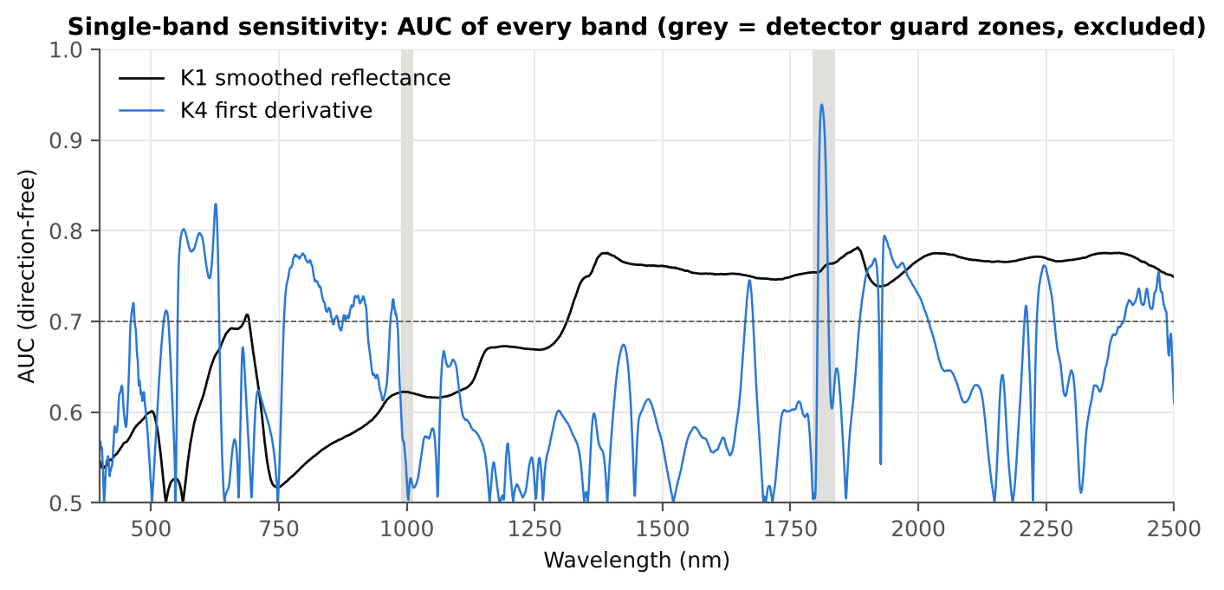
1886.00 | 0.0819 | 0.1041 | 11.10 | 1.827E-21 | 0.8325 | 0.7785 | D > H
1872.00 | 0.1334 | 0.1596 | 11.21 | 1.827E-21 | 0.8864 | 0.7783 | D > H

Figure K1. AUC of every band: reflectance (K1, black) and first derivative (K4, blue)

16_K2_Continuum_Removal
Step K2 · Continuum-removed absorption parameters
Six absorption features; continuum = upper convex hull of each window (Clark & Roush 1984; Kokaly & Clark 1999).

Result in brief
Most sensitive continuum-removed parameter: CR3 water 970 width (AUC 0.86, BA plot-grouped CV 78.3 %).

What was done
Within each window the reflectance was divided by its upper convex hull (continuum). From the continuum-removed curve: depth (1 − minimum), position (wavelength of the minimum), area (sum of 1 − CR, nm), width (full width at half depth, nm) and symmetry (share of the area left of the position). Statistics as in K1, plus a linear mixed model (q) and the plot intraclass correlation (ICC).
Table K2.1 Absorption windows
Feature | From (nm) | To (nm) | Absorber
CR1 blue | 400 | 548 | chlorophyll / carotenoid (≈ 495 nm)
CR2 red | 548 | 765 | chlorophyll a/b, red well (≈ 675 nm)
CR3 water 970 | 914 | 1069 | leaf water (≈ 970 nm)
CR4 water 1200 | 1069 | 1258 | leaf water (≈ 1160–1200 nm)
CR5 water 1450 | 1258 | 1721 | leaf water (≈ 1450 nm)
CR6 water 1940 | 1721 | 2304 | leaf water (≈ 1940 nm)

Table K2.2 All 30 continuum-removed parameters, ranked by AUC
Feature | Mean healthy | Mean diseased | Welch t | q (BH) | Hedges g | AUC | Direction | Threshold | Rule | BA all leaves | BA plot-grouped CV | BA hold-out | Mixed-model q | ICC plot
CR3 water 970 width | 64.55 | 61.94 | -16.09 | 2.571E-37 | -1.3057 | 0.8590 | D < H | 63.50 | diseased if < thr | 78.3% | 78.3% | 80.2% | 2.877E-09 | 0.1340
CR6 water 1940 area | 178.84 | 164.05 | -8.9570 | 5.601E-15 | -0.8514 | 0.7407 | D < H | 174.02 | diseased if < thr | 69.9% | 69.0% | 71.1% | 4.640E-05 | 0.1576
CR6 water 1940 width | 227.87 | 218.55 | -9.2044 | 5.788E-16 | -0.7646 | 0.7291 | D < H | 228.50 | diseased if < thr | 67.0% | 66.7% | 66.6% | 4.195E-05 | 0.0943
CR5 water 1450 depth | 0.7034 | 0.6594 | -8.4798 | 3.436E-14 | -0.7113 | 0.7102 | D < H | 0.7058 | diseased if < thr | 66.1% | 63.9% | 65.2% | 2.390E-04 | 0.1405
CR3 water 970 area | 2.6674 | 2.2233 | -6.8679 | 6.009E-10 | -0.7348 | 0.6977 | D < H | 2.3691 | diseased if < thr | 65.2% | 63.1% | 65.0% | 8.679E-05 | 0.1123
CR5 water 1450 area | 127.19 | 117.26 | -7.7000 | 3.836E-12 | -0.7057 | 0.6925 | D < H | 127.47 | diseased if < thr | 64.8% | 63.3% | 61.7% | 1.650E-04 | 0.1188
CR2 red depth | 0.7456 | 0.7000 | -7.8903 | 8.327E-13 | -0.6316 | 0.6914 | D < H | 0.7598 | diseased if < thr | 63.9% | 59.6% | 62.1% | 0.0012 | 0.1642
CR2 red area | 85.40 | 78.07 | -7.6447 | 3.293E-12 | -0.6160 | 0.6798 | D < H | 76.43 | diseased if < thr | 63.4% | 57.9% | 60.9% | 0.0014 | 0.1621
CR6 water 1940 depth | 0.7523 | 0.7192 | -6.0547 | 2.656E-08 | -0.6437 | 0.6759 | D < H | 0.7587 | diseased if < thr | 65.0% | 61.1% | 63.6% | 0.0021 | 0.2167
CR1 blue depth | 0.3527 | 0.3079 | -6.3912 | 5.339E-09 | -0.6854 | 0.6753 | D < H | 0.3603 | diseased if < thr | 62.4% | 58.0% | 60.2% | 6.310E-04 | 0.1684
CR6 water 1940 position | 1919.55 | 1921.04 | 6.3852 | 5.339E-09 | 0.6622 | 0.6724 | D > H | 1919.50 | diseased if > thr | 61.7% | 59.5% | 58.0% | 9.250E-04 | 0.1716
CR3 water 970 depth | 0.0394 | 0.0341 | -5.8703 | 6.222E-08 | -0.6318 | 0.6680 | D < H | 0.0376 | diseased if < thr | 63.0% | 58.5% | 61.8% | 4.224E-04 | 0.1086
CR4 water 1200 position | 1161.48 | 1161.95 | 6.4632 | 3.157E-09 | 0.5928 | 0.6613 | D > H | 1161.50 | diseased if > thr | 62.3% | 62.3% | 60.9% | 0.0041 | 0.2304
CR1 blue area | 27.43 | 23.80 | -5.7696 | 9.199E-08 | -0.6092 | 0.6599 | D < H | 27.51 | diseased if < thr | 61.7% | 58.7% | 59.5% | 0.0022 | 0.1912
CR6 water 1940 symmetry | 0.2725 | 0.2771 | 5.5291 | 2.387E-07 | 0.5272 | 0.6530 | D > H | 0.2737 | diseased if > thr | 63.1% | 62.1% | 62.0% | 0.0031 | 0.1374
CR4 water 1200 depth | 0.0717 | 0.0649 | -4.8968 | 4.368E-06 | -0.5212 | 0.6358 | D < H | 0.0677 | diseased if < thr | 61.1% | 58.3% | 59.2% | 0.0021 | 0.1050
CR3 water 970 symmetry | 0.3869 | 0.3955 | 4.7121 | 7.969E-06 | 0.4185 | 0.6329 | D > H | 0.4032 | diseased if > thr | 64.2% | 63.7% | 63.8% | 0.0113 | 0.1104
CR4 water 1200 area | 5.6134 | 5.1094 | -4.6376 | 1.196E-05 | -0.4942 | 0.6272 | D < H | 5.3094 | diseased if < thr | 59.9% | 55.8% | 57.3% | 0.0030 | 0.1031
CR2 red width | 123.78 | 119.58 | -5.0330 | 1.890E-06 | -0.4053 | 0.6184 | D < H | 118.50 | diseased if < thr | 61.2% | 59.6% | 57.9% | 0.0229 | 0.1484
CR5 water 1450 width | 168.08 | 165.06 | -4.2940 | 4.660E-05 | -0.4524 | 0.6178 | D < H | 165.50 | diseased if < thr | 59.6% | 59.6% | 57.7% | 0.0034 | 0.0783
CR4 water 1200 width | 79.76 | 80.12 | 3.7055 | 3.997E-04 | 0.3847 | 0.6083 | D > H | 80.50 | diseased if > thr | 58.8% | 58.8% | 58.9% | 0.0288 | 0.1464
CR4 water 1200 symmetry | 0.2794 | 0.2814 | 3.8416 | 2.423E-04 | 0.3518 | 0.5996 | D > H | 0.2846 | diseased if > thr | 58.8% | 56.2% | 55.5% | 0.0403 | 0.1388
CR1 blue position | 493.76 | 492.80 | -3.4752 | 8.102E-04 | -0.2876 | 0.5929 | D < H | 491.50 | diseased if < thr | 57.1% | 54.4% | 54.2% | 0.0534 | 0.0799
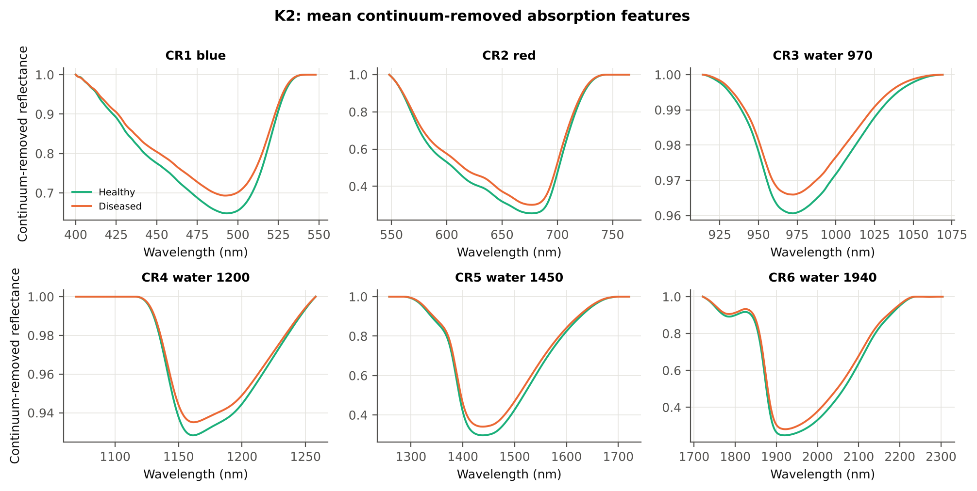
CR1 blue symmetry | 0.6824 | 0.6755 | -3.2908 | 0.0015 | -0.2885 | 0.5816 | D < H | 0.6796 | diseased if < thr | 56.9% | 53.8% | 52.8% | 0.0269 | 0.0295
CR1 blue width | 81.18 | 80.37 | -1.6179 | 0.1284 | -0.1225 | 0.5144 | D < H | 76.50 | diseased if < thr | 56.9% | 52.1% | 52.9% | 0.6126 | 0.2688
CR3 water 970 position | 972.14 | 971.98 | -1.2854 | 0.2311 | -0.1184 | 0.5122 | D < H | 970.50 | diseased if < thr | 54.4% | 47.2% | 48.5% | 0.5253 | 0.1175
CR2 red position | 676.96 | 676.80 | -0.8721 | 0.4271 | -0.0820 | 0.5106 | D < H | 674.50 | diseased if < thr | 53.9% | 46.1% | 51.0% | 0.7760 | 0.3334
CR2 red symmetry | 0.7301 | 0.7298 | -0.1879 | 0.9119 | -0.0152 | 0.5070 | D > H | 0.7471 | diseased if > thr | 56.0% | 47.2% | 51.2% | 0.9762 | 0.3183
CR5 water 1450 position | 1438.18 | 1438.17 | -0.0584 | 0.9535 | -0.0059 | 0.5039 | D < H | 1437.50 | diseased if < thr | 50.6% | 37.5% | 44.8% | 0.9762 | 0.2818
CR5 water 1450 symmetry | 0.3460 | 0.3460 | -0.1074 | 0.9461 | -0.0110 | 0.5031 | D < H | 0.3428 | diseased if < thr | 52.2% | 41.4% | 45.6% | 0.9762 | 0.2345

Cross-checks for this step
Step | What was checked | Method | Result | Status
K2 | Convex hull | monotone-chain upper hull vs SciPy ConvexHull, 20 leaves × 6 windows | max |Δ continuum| = 0.0e+00 | PASS

17_K3_Vegetation_Indices
Step K3 · Disease-sensitive spectral (vegetation) indices — the 31 indices of the flowering-stage workbook
Computed from splice-corrected, smoothed reflectance at the nearest 1 nm band.

Result in brief
Most sensitive index: ARI (AUC 0.83, BA plot-grouped CV 72.2 %).
Table K3.1 The 31 indices
Index | Name | Equation (as computed) | Reference
WI | Water Index | R900 / R970 | Peñuelas et al., 1997
mCARI1 | Modified Chlorophyll Absorption in Reflectance Index 1 | 1.2[2.5(R761 − R651) − 1.3(R761 − R581)] | Haboudane et al., 2004
MTVI1 | Modified Triangular Vegetation Index 1 | 1.2[1.2(R761 − R581) − 2.5(R651 − R581)] | Haboudane et al., 2004
MTVI2 | Modified Triangular Vegetation Index 2 | 1.5[1.2(R761 − R581) − 2.5(R651 − R581)] / √[(2R761 + 1)² − (6R761 − 5√R651) − 0.5] | Haboudane et al., 2004
SR900 | Simple Ratio Index 900 | R900 / R680 | Jordan, 1969
SR850 | Simple Ratio Index 850 | R850 / R680 | Jordan, 1969
GNDVI | Green NDVI | (R850 − R580) / (R850 + R580) | Gitelson and Merzlyak, 1996
PRI | Photochemical Reflectance Index | (R531 − R570) / (R531 + R570) | Gamon et al., 1992
RARSa | Ratio Analysis of Reflectance Spectra, chlorophyll a | R675 / R700 | Chappelle et al., 1992
RARSb | Ratio Analysis of Reflectance Spectra, chlorophyll b | R675 / (R700 × R650) | Chappelle et al., 1992
RARSc | Ratio Analysis of Reflectance Spectra, carotenoids | R750 / R700 | Chappelle et al., 1992
PSSRa | Pigment Specific Simple Ratio a | R800 / R680 | Blackburn, 1998
NDVI780 | Normalized Difference Vegetation Index 780 | (R780 − R670) / (R780 + R670) | Raun et al., 2001
SIPI | Structure Insensitive Pigment Index | (R800 − R445) / (R800 − R680) | Peñuelas et al., 1995
NCPI | Normalized Chlorophyll Pigment Ratio Index | (R670 − R450) / (R670 + R450) | Peñuelas et al., 1994
NPQI | Normalized Phaeophytinization Index | (R415 − R435) / (R415 + R435) | Barnes et al., 1992
PSRI | Plant Senescence Reflectance Index | (R680 − R500) / R750 | Merzlyak et al., 1999
WI/ND | Ratio of WI and NDVI | (R900 / R970) / [(R900 − R680) / (R900 + R680)] | Peñuelas et al., 1997
TCARI | Transformed Chlorophyll Absorption in Reflectance Index | 3[(R700 − R670) − 0.2(R700 − R550)(R700 / R670)] | Haboudane et al., 2002
VIGreen | Green Vegetation Index | (R760 − R550) / (R760 + R550) | Gitelson et al., 2002
RVS1 | Red-Edge Vegetation Stress Index 1 | R651 + R750 | Merton, 1998
RVS2 | Red-Edge Vegetation Stress Index 2 | (R651 + R750) / (R651 − R750) | Merton, 1998
TVI | Triangle Vegetation Index | 0.5[120(R761 − R581) − 200(R651 − R581)] | Broge and Leblanc, 2001
RDVI | Renormalized Difference Vegetation Index | (R761 − R651) / √(R761 + R651) | Roujean and Breon, 1995
NDVI850 | Normalized Difference Vegetation Index 850 | (R850 − R651) / (R850 + R651) | Raun et al., 2001
SR761 | Simple Ratio Index 761 | R761 / R651 | Jordan, 1969
NDVI761 | Normalized Difference Vegetation Index 761 | (R761 − R651) / (R761 + R651) | Raun et al., 2001
PPR | Plant Pigment Ratio | R550 / R450 | Metternicht, 2003
NWI2 | Normalized Water Index 2 | (R970 − R850) / (R970 + R850) | Babar et al., 2006
NRI | Nitrogen Reflectance Index | (R570 − R670) / (R570 + R670) | Bausch and Duke, 1996
ARI | Anthocyanin Reflectance Index | 1/R550 − 1/R700 | Gitelson et al., 2001

Table K3.2 Sensitivity of the 31 indices to white rust, ranked by AUC
Feature | Mean healthy | Mean diseased | Welch t | q (BH) | Hedges g | AUC | Direction | Threshold | Rule | BA all leaves | BA plot-grouped CV | BA hold-out | Mixed-model q | ICC plot
ARI | 0.0319 | 0.5951 | 15.42 | 8.559E-38 | 1.1017 | 0.8323 | D > H | 0.2114 | diseased if > thr | 74.8% | 72.2% | 71.1% | 1.215E-08 | 0.0828
PSRI | -0.0113 | 0.0119 | 12.65 | 1.035E-30 | 0.7473 | 0.8201 | D > H | -0.0085 | diseased if > thr | 76.7% | 76.3% | 77.9% | 2.131E-05 | 0.0899
NCPI | -1.654E-04 | 0.0533 | 12.23 | 7.213E-27 | 0.8718 | 0.7869 | D > H | 0.0016 | diseased if > thr | 73.6% | 71.8% | 73.5% | 2.218E-06 | 0.0866
SIPI | 1.0109 | 1.0521 | 9.8196 | 2.159E-20 | 0.5192 | 0.7812 | D > H | 1.0075 | diseased if > thr | 73.4% | 73.1% | 74.3% | 0.0020 | 0.0994
NRI | 0.2889 | 0.2238 | -8.9699 | 4.364E-15 | -0.9188 | 0.7356 | D < H | 0.2605 | diseased if < thr | 67.1% | 64.1% | 64.7% | 7.259E-06 | 0.1445
PRI | 0.0082 | -0.0035 | -10.11 | 9.450E-20 | -0.7374 | 0.7257 | D < H | 0.0049 | diseased if < thr | 67.3% | 63.2% | 64.7% | 1.085E-04 | 0.1364
NWI2 | -0.0246 | -0.0181 | 8.6641 | 1.371E-14 | 0.8125 | 0.7219 | D > H | -0.0209 | diseased if > thr | 67.5% | 66.9% | 67.9% | 2.169E-05 | 0.1314
WI | 1.0475 | 1.0379 | -7.7704 | 3.247E-12 | -0.7931 | 0.7097 | D < H | 1.0419 | diseased if < thr | 66.0% | 66.0% | 66.1% | 2.077E-05 | 0.1087
MTVI2 | 0.5397 | 0.4930 | -6.8056 | 3.561E-10 | -0.6111 | 0.6745 | D < H | 0.5716 | diseased if < thr | 62.4% | 59.4% | 59.5% | 7.171E-04 | 0.1145
RVS2 | -1.5843 | -1.7350 | -7.5170 | 1.935E-12 | -0.4986 | 0.6725 | D < H | -1.6692 | diseased if < thr | 63.0% | 59.8% | 61.1% | 0.0057 | 0.1556
PSSRa | 5.1818 | 4.5039 | -6.1349 | 1.526E-08 | -0.6676 | 0.6710 | D < H | 5.0314 | diseased if < thr | 62.1% | 57.8% | 60.2% | 0.0015 | 0.1950
NDVI761 | 0.6392 | 0.5936 | -7.0147 | 1.069E-10 | -0.5934 | 0.6703 | D < H | 0.5992 | diseased if < thr | 62.9% | 59.9% | 60.9% | 0.0022 | 0.1724
SR761 | 4.6823 | 4.1023 | -6.0433 | 2.006E-08 | -0.6117 | 0.6703 | D < H | 3.9901 | diseased if < thr | 62.9% | 59.9% | 60.9% | 0.0020 | 0.1804
NDVI780 | 0.6736 | 0.6297 | -6.8884 | 2.142E-10 | -0.5942 | 0.6703 | D < H | 0.6505 | diseased if < thr | 62.7% | 60.0% | 61.0% | 0.0024 | 0.1818
SR850 | 5.1780 | 4.5265 | -5.9862 | 2.819E-08 | -0.6504 | 0.6675 | D < H | 5.0100 | diseased if < thr | 61.8% | 56.9% | 59.7% | 0.0018 | 0.1970
SR900 | 5.1604 | 4.5271 | -5.9038 | 3.989E-08 | -0.6408 | 0.6651 | D < H | 5.1227 | diseased if < thr | 61.6% | 57.1% | 59.7% | 0.0020 | 0.1979
NDVI850 | 0.6405 | 0.5994 | -6.5968 | 9.097E-10 | -0.5664 | 0.6611 | D < H | 0.6091 | diseased if < thr | 61.9% | 56.7% | 58.8% | 0.0029 | 0.1777
RARSc | 2.5448 | 2.3236 | -5.2549 | 7.173E-07 | -0.5013 | 0.6476 | D < H | 2.2971 | diseased if < thr | 61.6% | 56.9% | 57.8% | 0.0048 | 0.1436
WI/ND | 1.5816 | 1.6851 | 6.3789 | 1.490E-09 | 0.4435 | 0.6455 | D > H | 1.5373 | diseased if > thr | 60.1% | 56.3% | 57.4% | 0.0132 | 0.1674
RARSb | 4.5967 | 4.2147 | -4.4425 | 2.190E-05 | -0.4349 | 0.6310 | D < H | 4.1664 | diseased if < thr | 61.2% | 58.3% | 57.3% | 0.0124 | 0.1486
RDVI | 0.4972 | 0.4697 | -5.0968 | 1.336E-06 | -0.4614 | 0.6308 | D < H | 0.5067 | diseased if < thr | 60.8% | 60.8% | 59.8% | 0.0062 | 0.1229
MTVI1 | 0.6320 | 0.5933 | -4.7958 | 5.003E-06 | -0.4615 | 0.6290 | D < H | 0.6566 | diseased if < thr | 61.3% | 59.6% | 59.2% | 0.0028 | 0.0767
mCARI1 | 0.6320 | 0.5933 | -4.7958 | 5.003E-06 | -0.4615 | 0.6290 | D < H | 0.6566 | diseased if < thr | 61.3% | 59.6% | 59.2% | 0.0028 | 0.0767
PPR | 2.0489 | 1.9154 | -4.2624 | 4.781E-05 | -0.5000 | 0.6228 | D < H | 2.1035 | diseased if < thr | 60.4% | 57.9% | 57.9% | 0.0074 | 0.1833
RVS1 | 0.6020 | 0.6237 | 3.9004 | 1.751E-04 | 0.4395 | 0.6174 | D > H | 0.5835 | diseased if > thr | 59.8% | 55.3% | 57.8% | 0.0321 | 0.2599
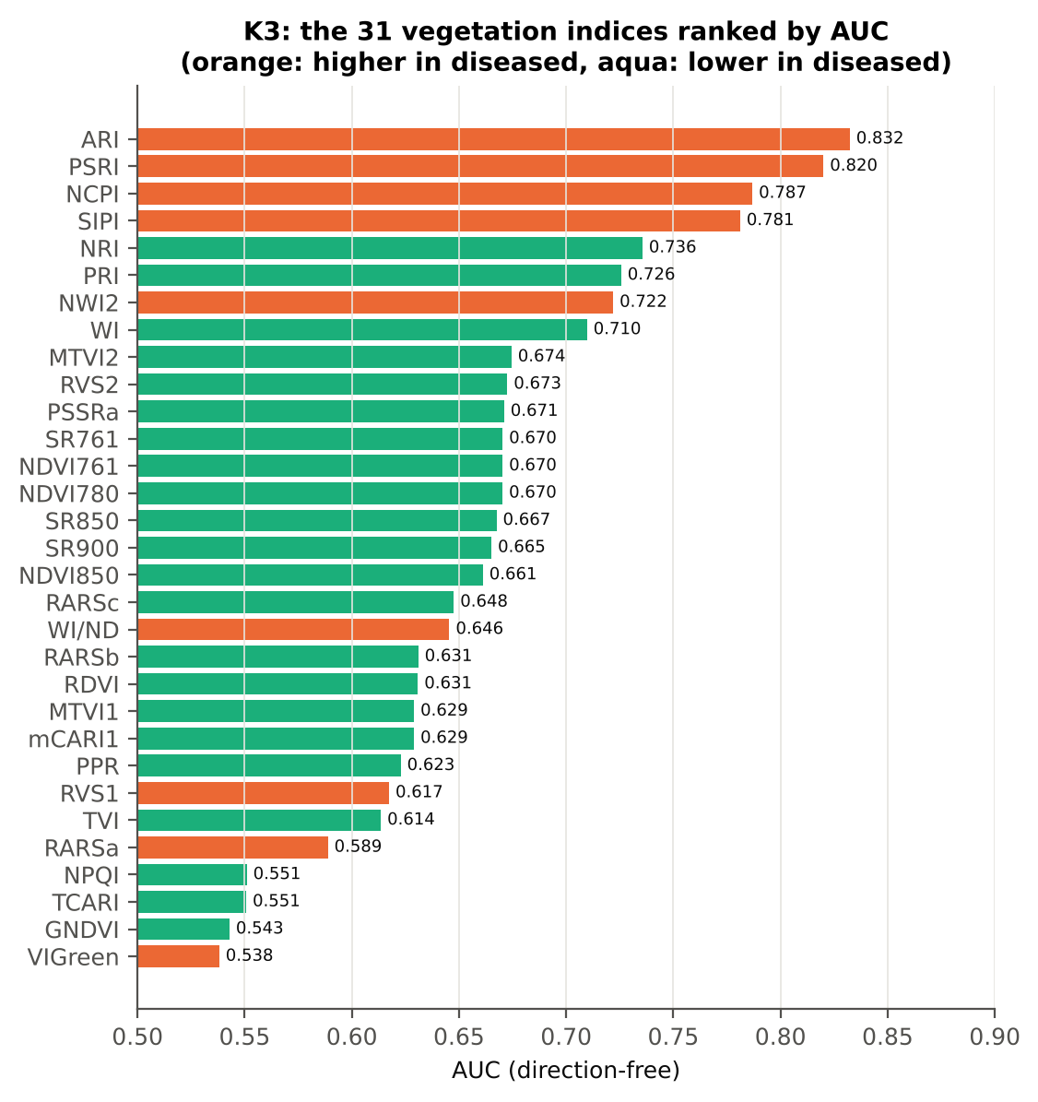
TVI | 25.15 | 23.80 | -4.1794 | 5.870E-05 | -0.4095 | 0.6135 | D < H | 25.90 | diseased if < thr | 59.9% | 57.0% | 56.3% | 0.0071 | 0.0820
RARSa | 0.4960 | 0.5233 | 3.4354 | 8.804E-04 | 0.3719 | 0.5888 | D > H | 0.4674 | diseased if > thr | 59.4% | 57.5% | 58.8% | 0.0340 | 0.1631
NPQI | -0.0105 | -0.0124 | -1.6244 | 0.1132 | -0.1373 | 0.5510 | D < H | -0.0154 | diseased if < thr | 59.4% | 57.5% | 57.5% | 0.5366 | 0.3801
TCARI | 0.2973 | 0.2843 | -1.8846 | 0.0680 | -0.2043 | 0.5507 | D < H | 0.3138 | diseased if < thr | 55.1% | 49.9% | 52.2% | 0.1901 | 0.1059
GNDVI | 0.5189 | 0.5096 | -1.5541 | 0.1261 | -0.1501 | 0.5429 | D < H | 0.5156 | diseased if < thr | 55.0% | 48.2% | 52.2% | 0.3964 | 0.1733
VIGreen | 0.4366 | 0.4448 | 1.4627 | 0.1455 | 0.1457 | 0.5381 | D > H | 0.4936 | diseased if > thr | 55.4% | 55.1% | 53.0% | 0.3964 | 0.1629

Cross-check: indices recomputed by Excel formulas for ten leaves
Table K3.3 Reflectance input (splice-corrected, smoothed)
Leaf row | R415 | R435 | R445 | R450 | R500 | R531 | R550 | R570 | R580 | R581 | R650 | R651 | R670 | R675 | R680 | R700 | R750 | R760 | R761 | R780 | R800 | R850 | R900 | R970
1.0000 | 0.0930 | 0.0935 | 0.0931 | 0.0932 | 0.0990 | 0.1849 | 0.2035 | 0.1783 | 0.1570 | 0.1554 | 0.0988 | 0.0979 | 0.0823 | 0.0826 | 0.0851 | 0.1965 | 0.5303 | 0.5334 | 0.5335 | 0.5321 | 0.5310 | 0.5268 | 0.5222 | 0.4924
72.00 | 0.0676 | 0.0716 | 0.0729 | 0.0746 | 0.0909 | 0.1795 | 0.2003 | 0.1848 | 0.1682 | 0.1670 | 0.1061 | 0.1050 | 0.0823 | 0.0812 | 0.0836 | 0.2242 | 0.4652 | 0.4690 | 0.4693 | 0.4723 | 0.4753 | 0.4793 | 0.4807 | 0.4628
144.00 | 0.0892 | 0.0913 | 0.0930 | 0.0941 | 0.1078 | 0.1922 | 0.2124 | 0.1940 | 0.1764 | 0.1751 | 0.1163 | 0.1153 | 0.0971 | 0.0962 | 0.0980 | 0.2218 | 0.4972 | 0.5023 | 0.5026 | 0.5061 | 0.5091 | 0.5126 | 0.5132 | 0.4904
216.00 | 0.0864 | 0.0866 | 0.0872 | 0.0880 | 0.0995 | 0.1539 | 0.1612 | 0.1545 | 0.1464 | 0.1458 | 0.1274 | 0.1263 | 0.1023 | 0.1008 | 0.1025 | 0.2392 | 0.4640 | 0.4680 | 0.4682 | 0.4703 | 0.4716 | 0.4723 | 0.4710 | 0.4540
288.00 | 0.0982 | 0.0992 | 0.0993 | 0.0997 | 0.1065 | 0.1727 | 0.1879 | 0.1675 | 0.1515 | 0.1503 | 0.1081 | 0.1077 | 0.1000 | 0.1008 | 0.1034 | 0.1914 | 0.5224 | 0.5281 | 0.5284 | 0.5301 | 0.5318 | 0.5326 | 0.5310 | 0.5040
360.00 | 0.0864 | 0.0885 | 0.0907 | 0.0927 | 0.1110 | 0.1822 | 0.1972 | 0.1851 | 0.1737 | 0.1729 | 0.1403 | 0.1397 | 0.1296 | 0.1311 | 0.1349 | 0.2295 | 0.3963 | 0.3990 | 0.3992 | 0.4021 | 0.4062 | 0.4140 | 0.4191 | 0.4126
432.00 | 0.1054 | 0.1086 | 0.1094 | 0.1098 | 0.1167 | 0.1570 | 0.1686 | 0.1575 | 0.1482 | 0.1476 | 0.1272 | 0.1270 | 0.1235 | 0.1247 | 0.1271 | 0.1813 | 0.4678 | 0.4743 | 0.4747 | 0.4779 | 0.4811 | 0.4856 | 0.4874 | 0.4749
504.00 | 0.0974 | 0.1062 | 0.1079 | 0.1087 | 0.1175 | 0.1720 | 0.1797 | 0.1720 | 0.1627 | 0.1621 | 0.1403 | 0.1394 | 0.1185 | 0.1181 | 0.1206 | 0.2436 | 0.4999 | 0.5029 | 0.5030 | 0.5037 | 0.5046 | 0.5040 | 0.5018 | 0.4836
576.00 | 0.1047 | 0.1014 | 0.1018 | 0.1025 | 0.1120 | 0.1744 | 0.1887 | 0.1730 | 0.1597 | 0.1587 | 0.1204 | 0.1198 | 0.1102 | 0.1121 | 0.1166 | 0.2163 | 0.4856 | 0.4886 | 0.4888 | 0.4887 | 0.4895 | 0.4902 | 0.4892 | 0.4753
648.00 | 0.1387 | 0.1388 | 0.1391 | 0.1399 | 0.1478 | 0.2159 | 0.2330 | 0.2205 | 0.2069 | 0.2059 | 0.1585 | 0.1579 | 0.1466 | 0.1472 | 0.1501 | 0.2662 | 0.4906 | 0.4949 | 0.4953 | 0.4997 | 0.5052 | 0.5156 | 0.5223 | 0.5138

Table K3.4 Indices by Excel formula, Python value and difference
Leaf row | NDVI780 | PRI | TCARI | MTVI2 | ARI | WI/ND | NWI2 | PSRI | RARSb | Python NDVI780 | Python PRI | Python TCARI | Python MTVI2 | Python ARI | Python WI/ND | Python NWI2 | Python PSRI | Python RARSb | Max |Excel − Python|
1.0000 | 0.73216 | 0.01819 | 0.35276 | 0.61331 | -0.17650 | 1.47338 | -0.03369 | -0.02616 | 4.25737 | 0.73216 | 0.01819 | 0.35276 | 0.61331 | -0.17650 | 1.47338 | -0.03369 | -0.02616 | 4.25737 | 8.9E-16
72.00 | 0.70320 | -0.01464 | 0.38666 | 0.54053 | 0.53112 | 1.47601 | -0.01754 | -0.01570 | 3.41416 | 0.70320 | -0.01464 | 0.38666 | 0.54053 | 0.53112 | 1.47601 | -0.01754 | -0.01570 | 3.41416 | 1.5E-16
144.00 | 0.67817 | -0.00478 | 0.36133 | 0.54816 | 0.19802 | 1.54080 | -0.02216 | -0.01963 | 3.73060 | 0.67817 | -0.00478 | 0.36133 | 0.54816 | 0.19802 | 1.54080 | -0.02216 | -0.01963 | 3.73060 | 8.9E-16
216.00 | 0.64275 | -0.00200 | 0.30133 | 0.43876 | 2.02380 | 1.61441 | -0.01968 | 0.00648 | 3.30828 | 0.64275 | -0.00200 | 0.30133 | 0.43876 | 2.02380 | 1.61441 | -0.01968 | 0.00648 | 3.30828 | 9.2E-17
288.00 | 0.68263 | 0.01518 | 0.27015 | 0.56667 | 0.09844 | 1.56273 | -0.02755 | -0.00594 | 4.87145 | 0.68263 | 0.01518 | 0.27015 | 0.56667 | 0.09844 | 1.56273 | -0.02755 | -0.00594 | 4.87145 | 2.7E-15
360.00 | 0.51247 | -0.00805 | 0.26536 | 0.35781 | 0.71391 | 1.98062 | -0.00174 | 0.06047 | 4.07036 | 0.51247 | -0.00805 | 0.26536 | 0.35781 | 0.71391 | 1.98062 | -0.00174 | 0.06047 | 4.07036 | 7.5E-17
432.00 | 0.58935 | -0.00165 | 0.16218 | 0.44571 | 0.41531 | 1.75074 | -0.01120 | 0.02230 | 5.40803 | 0.58935 | -0.00165 | 0.16218 | 0.44571 | 0.41531 | 1.75074 | -0.01120 | 0.02230 | 5.40803 | 1.8E-15
504.00 | 0.61902 | 0.00021 | 0.29645 | 0.45362 | 1.46111 | 1.69419 | -0.02063 | 0.00625 | 3.45551 | 0.61902 | 0.00021 | 0.29645 | 0.45362 | 1.46111 | 1.69419 | -0.02063 | 0.00625 | 3.45551 | 2.9E-17
576.00 | 0.63209 | 0.00419 | 0.28592 | 0.49791 | 0.67765 | 1.67365 | -0.01544 | 0.00958 | 4.30430 | 0.63209 | 0.00419 | 0.28592 | 0.49791 | 0.67765 | 1.67365 | -0.01544 | 0.00958 | 4.30430 | 7.7E-17
648.00 | 0.54633 | -0.01045 | 0.32270 | 0.44532 | 0.53512 | 1.83675 | -0.00176 | 0.00474 | 3.48825 | 0.54633 | -0.01045 | 0.32270 | 0.44532 | 0.53512 | 1.83675 | -0.00176 | 0.00474 | 3.48825 | 0.0E+00
Largest difference over all ten leaves: |  |  |  | 2.7E-15

Cross-checks for this step
Step | What was checked | Method | Result | Status
K3 | Duplicated indices | mCARI1 vs MTVI1; SR761 vs NDVI761 | max |mCARI1 − MTVI1| = 3.3e-16 (algebraically identical); AUC SR761 0.6703 = NDVI761 0.6703 (monotone transform) | PASS

18_K3b_Optimised_Index
Step K3b (extra) · Optimised two-band index — exhaustive NDSI / DI search
NDSI(i, j) = (Ri − Rj)/(Ri + Rj); DI(i, j) = Ri − Rj; all band pairs on a 5 nm grid (guard zones excluded), best pair refined at 1 nm.

Result in brief
Best join-free two-band index: NDSI(585,693) (AUC 0.85); honest nested BA 70.4 % (CV) / 70.7 % (hold-out).
Every pair of bands on a 5 nm grid (407 bands, 82,621 pairs) was scored by AUC. Choosing the best of so many pairs on all leaves is optimistic, so the search was repeated inside 20 training sets (V3 repeat 1 and the 10 V4 splits) and the chosen pair was tested on the held-out plots (honest estimate).
Table K3b.1 Ten best pairs of each form (5 nm grid, all leaves)
Index | Band i (nm) | Band j (nm) | AUC
NDSI(580, 695) | 580.00 | 695.00 | 0.8484
NDSI(585, 695) | 585.00 | 695.00 | 0.8455
NDSI(575, 695) | 575.00 | 695.00 | 0.8452
NDSI(550, 705) | 550.00 | 705.00 | 0.8439
NDSI(555, 705) | 555.00 | 705.00 | 0.8427
NDSI(545, 705) | 545.00 | 705.00 | 0.8425
NDSI(515, 690) | 515.00 | 690.00 | 0.8409
NDSI(570, 695) | 570.00 | 695.00 | 0.8399
NDSI(540, 705) | 540.00 | 705.00 | 0.8394
NDSI(590, 695) | 590.00 | 695.00 | 0.8389
DI(575, 695) | 575.00 | 695.00 | 0.8519
DI(580, 695) | 580.00 | 695.00 | 0.8518
DI(570, 695) | 570.00 | 695.00 | 0.8505
DI(565, 695) | 565.00 | 695.00 | 0.8476
DI(585, 695) | 585.00 | 695.00 | 0.8456
DI(560, 695) | 560.00 | 695.00 | 0.8453
DI(625, 630) | 625.00 | 630.00 | 0.8439
DI(555, 695) | 555.00 | 695.00 | 0.8424
DI(515, 690) | 515.00 | 690.00 | 0.8419
DI(550, 695) | 550.00 | 695.00 | 0.8415

Table K3b.2 The refined best indices (1 nm)
Feature | Mean healthy | Mean diseased | Welch t | q (BH) | Hedges g | AUC | Direction | Threshold | Rule | BA all leaves | BA plot-grouped CV | BA hold-out | Mixed-model q | ICC plot
DI(580,694) | 0.0145 | -0.0015 | -16.81 | 2.610E-48 | -1.0472 | 0.8563 | D < H | 0.0068 | diseased if < thr | 77.6% | 77.5% | 75.3% | 5.556E-09 | 0.1044
NDSI(585,693) | 0.0566 | 0.0096 | -15.72 | 8.095E-39 | -1.2009 | 0.8542 | D < H | 0.0278 | diseased if < thr | 78.7% | 78.3% | 79.4% | 2.419E-10 | 0.1001
* the threshold is chosen on training plots, but the pair itself was found on all leaves (optimistic) — see Table K3b.3.

Table K3b.3 Honest (nested) validation of the search
Index form | BA plot-grouped CV (search inside folds) | BA hold-out (search inside training plots) | Hold-out SD | Pairs chosen in the 20 training sets
NDSI | 70.4% | 70.7% | 4.0% | (580, 695) × 9; (550, 705) × 5; (515, 690) × 2; (555, 705) × 1; (545, 705) × 1; (2205, 2225) × 1; (625, 630) × 1
DI | 70.5% | 70.5% | 3.4% | (580, 695) × 8; (575, 695) × 6; (625, 630) × 5; (570, 695) × 1

Table K3b.4 Is the separation the same on every measurement date?
Pair | AUC all leaves | AUC 13-03-2026 | Direction by date
NDSI(585, 693) | 0.8542 | 0.8542 | same on all dates
DI(580, 694) | 0.8563 | 0.8563 | same on all dates

Without the guard zones the best NDSI pair would be (1810, 1815) nm with AUC 0.944 — a band inside a detector-join guard zone (start-up artefact).

Additional step K3b-JF · search repeated without pairs that straddle a detector join
The best all-pair index DI(580,694) does not straddle a detector join; the join-free search is shown as a check. Pairs with one band on each side of the 1000/1001 or 1800/1801 nm join and both within 100 nm of it were therefore excluded (571 of 82,621 pairs) and the search, refinement and nested validation were repeated.
Table K3b.5 Ten best join-free pairs of each form (5 nm grid, all leaves)
Index | Band i (nm) | Band j (nm) | AUC
NDSI(580, 695) | 580.00 | 695.00 | 0.8484
NDSI(585, 695) | 585.00 | 695.00 | 0.8455
NDSI(575, 695) | 575.00 | 695.00 | 0.8452
NDSI(550, 705) | 550.00 | 705.00 | 0.8439
NDSI(555, 705) | 555.00 | 705.00 | 0.8427
NDSI(545, 705) | 545.00 | 705.00 | 0.8425
NDSI(515, 690) | 515.00 | 690.00 | 0.8409
NDSI(570, 695) | 570.00 | 695.00 | 0.8399
NDSI(540, 705) | 540.00 | 705.00 | 0.8394
NDSI(590, 695) | 590.00 | 695.00 | 0.8389
DI(575, 695) | 575.00 | 695.00 | 0.8519
DI(580, 695) | 580.00 | 695.00 | 0.8518
DI(570, 695) | 570.00 | 695.00 | 0.8505
DI(565, 695) | 565.00 | 695.00 | 0.8476
DI(585, 695) | 585.00 | 695.00 | 0.8456
DI(560, 695) | 560.00 | 695.00 | 0.8453
DI(625, 630) | 625.00 | 630.00 | 0.8439
DI(555, 695) | 555.00 | 695.00 | 0.8424
DI(515, 690) | 515.00 | 690.00 | 0.8419
DI(550, 695) | 550.00 | 695.00 | 0.8415

Table K3b.6 The refined best join-free indices (1 nm)
Feature | Mean healthy | Mean diseased | Welch t | q (BH) | Hedges g | AUC | Direction | Threshold | Rule | BA all leaves | BA plot-grouped CV | BA hold-out | Mixed-model q | ICC plot
NDSI(585,693) | 0.0566 | 0.0096 | -15.72 | 8.095E-39 | -1.2009 | 0.8542 | D < H | 0.0278 | diseased if < thr | 78.7% | 78.3% | 79.4% | 2.419E-10 | 0.1001
DI(580,694) | 0.0145 | -0.0015 | -16.81 | 2.610E-48 | -1.0472 | 0.8563 | D < H | 0.0068 | diseased if < thr | 77.6% | 77.5% | 75.3% | 5.556E-09 | 0.1044

Table K3b.7 Honest (nested) validation of the join-free search
Index form | BA plot-grouped CV (search inside folds) | BA hold-out (search inside training plots) | Hold-out SD | Pairs chosen in the 20 training sets
NDSI | 70.4% | 70.7% | 4.0% | (580, 695) × 9; (550, 705) × 5; (515, 690) × 2; (555, 705) × 1; (545, 705) × 1; (2205, 2225) × 1; (625, 630) × 1
DI | 70.5% | 70.5% | 3.4% | (580, 695) × 8; (575, 695) × 6; (625, 630) × 5; (570, 695) × 1

Table K3b.8 Join-free best pairs on each date
Pair | AUC all leaves | AUC 13-03-2026 | Direction by date
NDSI(585, 693) | 0.8542 | 0.8542 | same on all dates
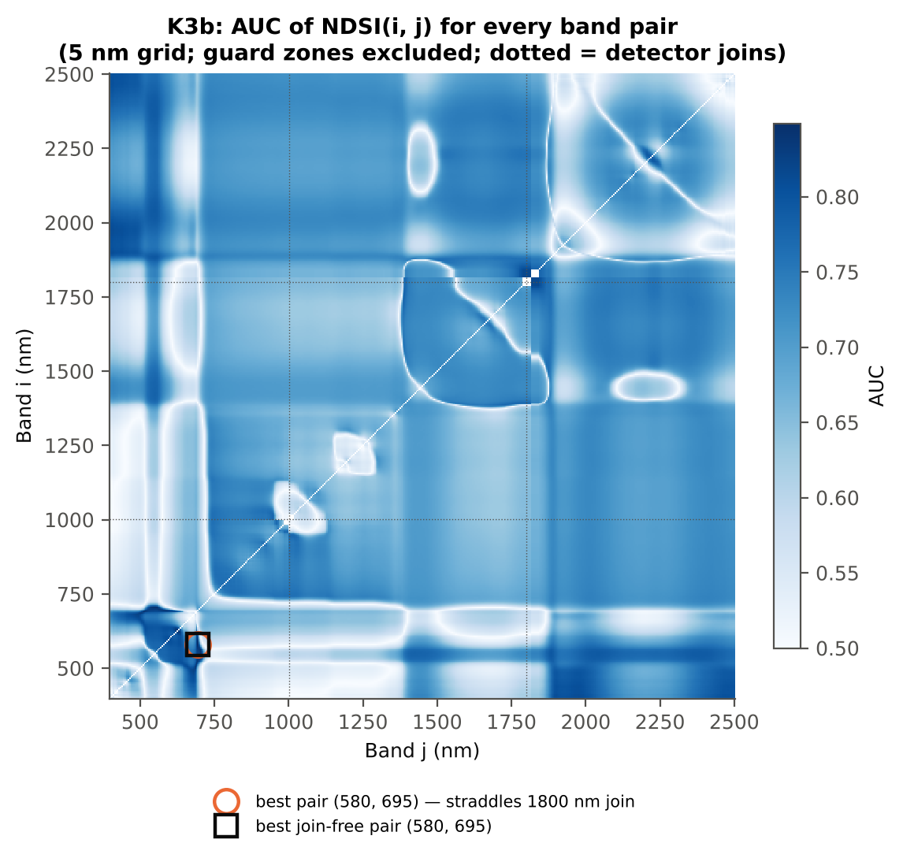
DI(580, 694) | 0.8563 | 0.8563 | same on all dates

Cross-checks for this step
Step | What was checked | Method | Result | Status
K3b | NDSI vs simple ratio | AUC of NDSI and Ri/Rj on 1998 random pairs | max |ΔAUC| = 0.0e+00 | PASS
K3b | Selection optimism | search repeated inside training plots | honest BA 70.4 % (CV) / 70.7 % (hold-out) vs 78.7 % on all leaves | FLAG
K3b | Best pair straddles a detector join? | pairs with one band on each side of the 1000/1001 or 1800/1801 nm join (within 100 nm) excluded and the search repeated | all-pair best DI(580,694) does not straddle a join (same as the join-free search); join-free best NDSI(585,693) (AUC 0.854; honest BA 70.4 % CV) | PASS

19_K4_Derivatives
Step K4 · First-derivative spectra and edge parameters
Savitzky–Golay first derivative (window 15) and second derivative (window 21) of the splice-corrected spectra; 20 edge parameters (Gong et al. 2002; Guyot & Baret 1988).

Result in brief
Best first-derivative band outside the guard zones: 626 nm (AUC 0.83); best edge parameter (SDr − SDy)/(SDr + SDy) (AUC 0.85).
Band-wise: every first- and second-derivative band was tested as in K1 (bands in the guard zones are reported but excluded from the ranking). Edge parameters from the first derivative: amplitude (maximum/minimum D1), position and area (sum of D1) of the blue (490–530 nm), yellow (550–582 nm) and red (680–760 nm) edges; green peak and red well reflectance and position; the linear four-point REP; and six ratios.
Table K4.1 Band-wise derivative sensitivity
...
Table K4.3 Twenty derivative-based edge parameters, ranked by AUC
Dy (yellow-edge amplitude) | -0.0018 | -0.0014 | 12.00 | 2.381E-24 | 1.0375 | 0.7891 | D > H | -0.0016 | diseased if > thr
Rg/Ro | 2.0665 | 1.7431 | -8.8437 | 1.048E-14 | -1.0390 | 0.7519 | D < H | 1.7432 | diseased if < thr
(Rg − Ro)/(Rg + Ro) | 0.3395 | 0.2620 | -9.8289 | 1.184E-17 | -0.9565 | 0.7519 | D < H | 0.2709 | diseased if < thr
Ro (red well reflectance) | 0.0970 | 0.1146 | 7.9183 | 2.942E-13 | 0.6476 | 0.6913 | D > H | 0.1070 | diseased if > thr
λg (green peak position, nm) | 552.68 | 553.71 | 10.44 | 1.943E-22 | 0.6178 | 0.6912 | D > H | 553.50 | diseased if > thr
λy (yellow-edge position, nm) | 570.45 | 571.08 | 8.5344 | 4.016E-15 | 0.6314 | 0.6829 | D > H | 570.50 | diseased if > thr
Db (blue-edge amplitude) | 0.0031 | 0.0027 | -6.1076 | 1.633E-08 | -0.6501 | 0.6752 | D < H | 0.0032 | diseased if < thr
λb (blue-edge position, nm) | 521.03 | 520.55 | -4.3403 | 4.464E-05 | -0.4191 | 0.6254 | D < H | 520.50 | diseased if < thr
SDb (blue-edge area) | 0.0759 | 0.0689 | -3.8218 | 3.237E-04 | -0.4146 | 0.6148 | D < H | 0.0805 | diseased if < thr
λr = REP (red-edge position, nm) | 704.69 | 703.58 | -2.6385 | 0.0107 | -0.2473 | 0.5859 | D < H | 700.50 | diseased if < thr
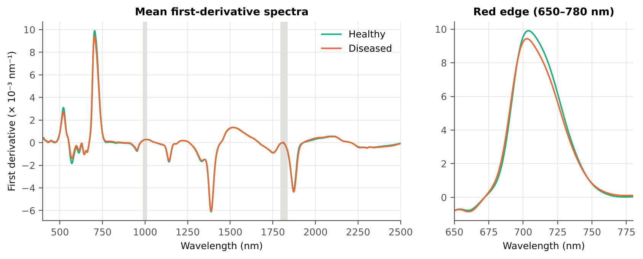
Dr = REV (red-edge amplitude) | 0.0102 | 0.0098 | -2.8694 | 0.0058 | -0.2831 | 0.5817 | D < H | 0.0106 | diseased if < thr
SDr (red-edge area) | 0.3967 | 0.3818 | -2.9146 | 0.0054 | -0.2962 | 0.5781 | D < H | 0.4281 | diseased if < thr
REP, linear 4-point (nm) | 713.95 | 713.01 | -3.0055 | 0.0045 | -0.2685 | 0.5761 | D < H | 713.54 | diseased if < thr
(SDr − SDb)/(SDr + SDb) | 0.6790 | 0.6930 | 2.1073 | 0.0407 | 0.2083 | 0.5641 | D > H | 0.7162 | diseased if > thr
SDr/SDb | 5.4456 | 5.8277 | 2.9906 | 0.0045 | 0.2668 | 0.5641 | D > H | 6.0483 | diseased if > thr
Rg (green peak reflectance) | 0.1955 | 0.1936 | -0.6541 | 0.5410 | -0.0656 | 0.5235 | D < H | 0.1988 | diseased if < thr
λo (red well position, nm) | 671.61 | 671.58 | -0.1863 | 0.8524 | -0.0166 | 0.5023 | D < H | 670.50 | diseased if < thr
...

20_K4b_REIP
...
Table K4b.3 REIP shift by date, growth stage and variety
Stratum | Level | Method | n healthy | n diseased | Mean REIP healthy (nm) | Mean REIP diseased (nm) | Shift D − H (nm) | Welch p | AUC
Date | 13-03-2026 | REIP – maximum first derivative | 108 | 540 | 704.69 | 703.58 | -1.1148 | 0.0091 | 0.5859
Date | 13-03-2026 | REIP – linear 4-point interpolation | 108 | 540 | 713.95 | 713.01 | -0.9472 | 0.0030 | 0.5761
Date | 13-03-2026 | REIP – Lagrangian interpolation | 108 | 540 | 704.69 | 703.59 | -1.1002 | 0.0093 | 0.5863
Date | 13-03-2026 | REIP – linear extrapolation | 108 | 540 | 701.85 | 700.01 | -1.8413 | 0.0061 | 0.5842
Growth stage | Flowering | REIP – maximum first derivative | 27 | 135 | 706.30 | 703.01 | -3.2815 | 1.975E-04 | 0.7298
Growth stage | Flowering | REIP – linear 4-point interpolation | 27 | 135 | 714.86 | 712.68 | -2.1815 | 1.411E-04 | 0.7130
Growth stage | Flowering | REIP – Lagrangian interpolation | 27 | 135 | 706.32 | 703.00 | -3.3201 | 1.861E-04 | 0.7333
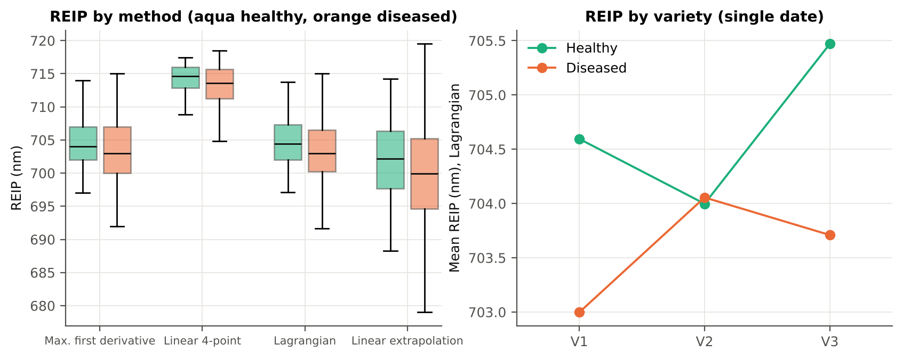
Growth stage | Flowering | REIP – linear extrapolation | 27 | 135 | 704.24 | 699.08 | -5.1637 | 1.008E-04 | 0.7284
Growth stage | Pod formation | REIP – maximum first derivative | 81 | 405 | 704.16 | 703.77 | -0.3926 | 0.4175 | 0.5372
Growth stage | Pod formation | REIP – linear 4-point interpolation | 81 | 405 | 713.65 | 713.11 | -0.5357 | 0.1568 | 0.5307
Growth stage | Pod formation | REIP – Lagrangian interpolation | 81 | 405 | 704.14 | 703.78 | -0.3602 | 0.4495 | 0.5361
Growth stage | Pod formation | REIP – linear extrapolation | 81 | 405 | 701.06 | 700.32 | -0.7338 | 0.3427 | 0.5358
Variety | V1 | REIP – maximum first derivative | 36 | 180 | 704.64 | 702.96 | -1.6778 | 0.0242 | 0.6273
Variety | V1 | REIP – linear 4-point interpolation | 36 | 180 | 714.01 | 712.57 | -1.4390 | 0.0122 | 0.6137
Variety | V1 | REIP – Lagrangian interpolation | 36 | 180 | 704.60 | 703.00 | -1.5972 | 0.0293 | 0.6259
Variety | V1 | REIP – linear extrapolation | 36 | 180 | 701.79 | 699.02 | -2.7656 | 0.0156 | 0.6290
Variety | V2 | REIP – maximum first derivative | 36 | 180 | 704.03 | 704.06 | 0.0278 | 0.9668 | 0.5069
Variety | V2 | REIP – linear 4-point interpolation | 36 | 180 | 713.67 | 713.50 | -0.1729 | 0.7378 | 0.5028
Variety | V2 | REIP – Lagrangian interpolation | 36 | 180 | 704.00 | 704.06 | 0.0579 | 0.9295 | 0.5048
Variety | V2 | REIP – linear extrapolation | 36 | 180 | 700.83 | 700.88 | 0.0534 | 0.9608 | 0.5022
Variety | V3 | REIP – maximum first derivative | 36 | 180 | 705.42 | 703.72 | -1.6944 | 0.0378 | 0.6184
Variety | V3 | REIP – linear 4-point interpolation | 36 | 180 | 714.18 | 712.95 | -1.2295 | 0.0353 | 0.6082
Variety | V3 | REIP – Lagrangian interpolation | 36 | 180 | 705.47 | 703.71 | -1.7612 | 0.0308 | 0.6222
Variety | V3 | REIP – linear extrapolation | 36 | 180 | 702.95 | 700.13 | -2.8116 | 0.0282 | 0.6144

21_K6_Correlation
...
r(λ) = Pearson correlation between the band value and the 0/1 disease status (point-biserial r), for the smoothed reflectance and the first derivative, on all leaves and separately on each date. r is a monotone function of Student's t, so the ranking matches Tier 1; the per-date curves show whether the sign is stable over time (this subset has a single date).
First derivative | 400–499 | 464.00 | 0.2303 | 1.016E-08 | yes
First derivative | 500–599 | 566.00 | 0.3675 | 4.206E-20 | yes
First derivative | 600–679 | 603.00 | 0.3253 | 4.460E-16 | yes
First derivative | 680–759 | 759.00 | 0.2486 | 5.305E-10 | yes
First derivative | 760–1349 | 796.00 | 0.3310 | 1.466E-16 | yes
First derivative | 1350–1430 | 1422.00 | -0.2282 | 1.399E-08 | yes
First derivative | 1431–1799 | 1670.00 | -0.3164 | 2.359E-15 | yes
First derivative | 1800–1950 | 1933.00 | 0.2946 | 1.889E-13 | yes
First derivative | 1951–2349 | 2246.00 | -0.3422 | 1.193E-17 | yes
First derivative | 2350–2500 | 2470.00 | -0.2865 | 9.006E-13 | yes
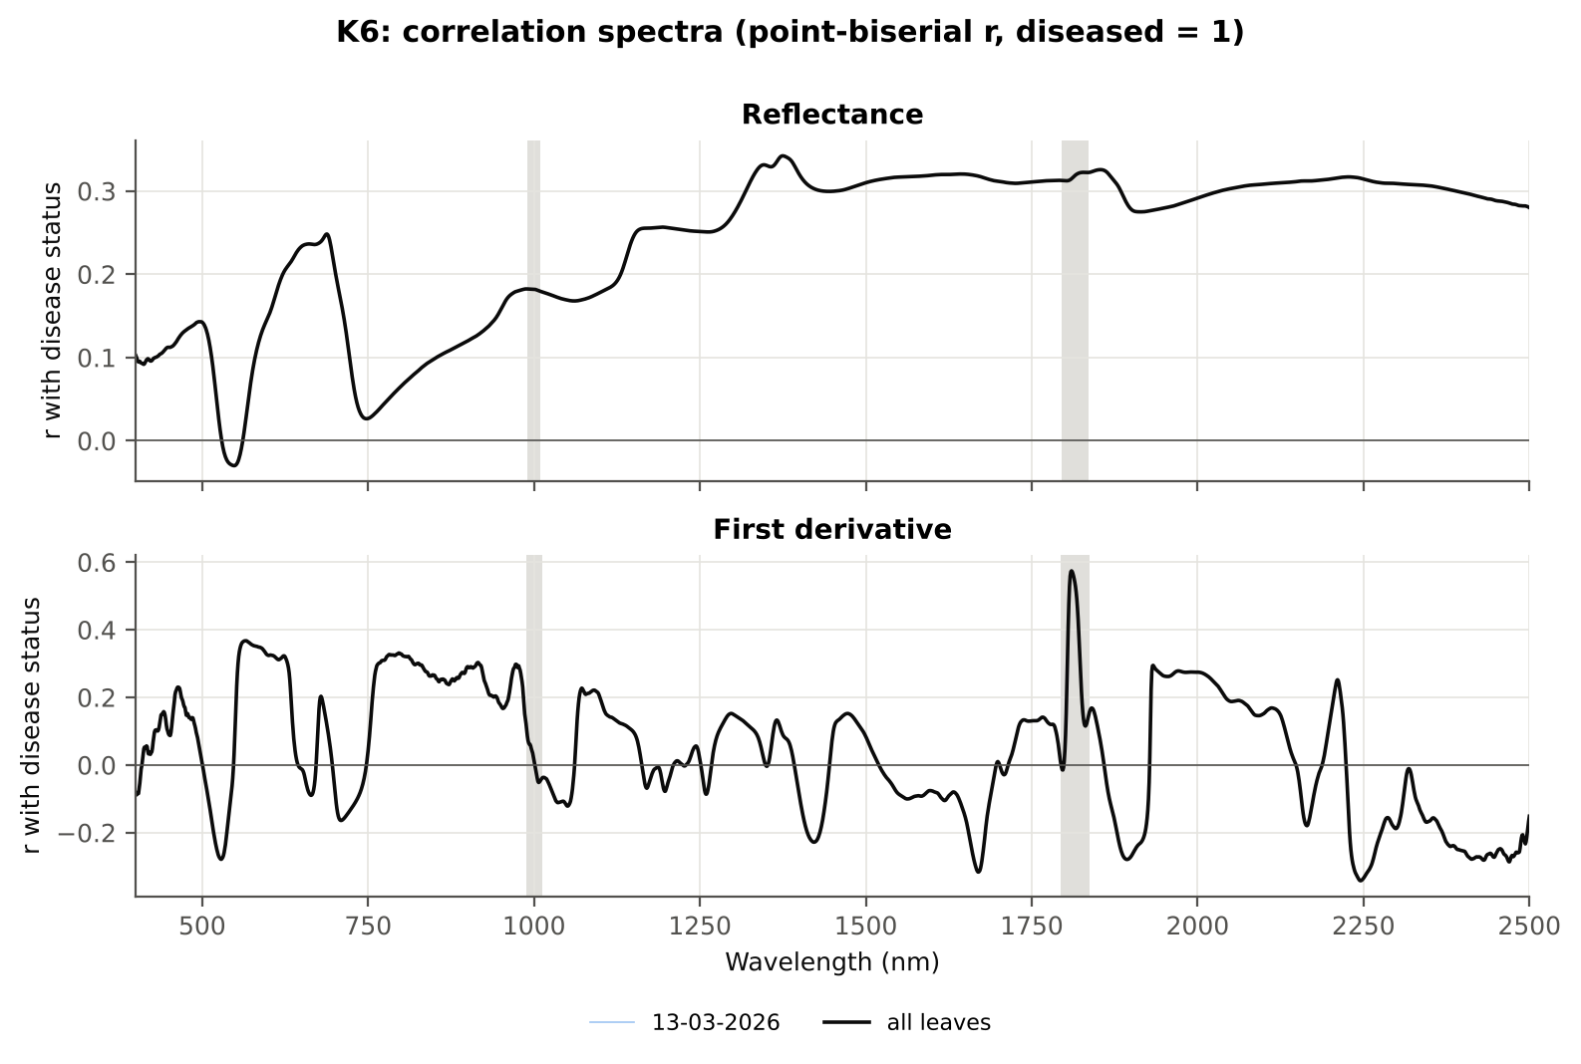

Cross-checks for this step
Step | What was checked | Method | Result | Status
K6 | Correlation vs t-test | |r_pb| vs |Welch t| across bands (Spearman) | ρ = 0.7939 (r_pb is a monotone function of Student's t) | PASS

22_K5_CART_vs_RF
...
Table K5.2 CART vs RF on each feature group (mean over repeats)
K1–K4 combined pool | 4151 | CART | Hold-out | 10 | 75.9% | 6.1% | 0.7687 | 0.4530
K1–K4 combined pool | 4151 | RF | Hold-out | 10 | 80.8% | 6.8% | 0.9124 | 0.5364
K4 incl. guard-zone bands (artefact test) | 2121 | CART | CV | 5 | 82.7% | 1.2% | 0.8525 | 0.5764
K4 incl. guard-zone bands (artefact test) | 2121 | RF | CV | 5 | 88.6% | 1.4% | 0.9647 | 0.7237
K4 incl. guard-zone bands (artefact test) | 2121 | CART | Hold-out | 10 | 82.5% | 6.2% | 0.8371 | 0.6012
K4 incl. guard-zone bands (artefact test) | 2121 | RF | Hold-out | 10 | 88.0% | 6.5% | 0.9715 | 0.7279
K-selected (top 15 non-redundant, chosen inside each training set) | 15 | CART | CV | 5 | 75.6% | 1.6% | 0.7851 | 0.4037
K-selected (top 15 non-redundant, chosen inside each training set) | 15 | RF | CV | 5 | 79.8% | 1.0% | 0.9115 | 0.5318
K-selected (top 15 non-redundant, chosen inside each training set) | 15 | QDA | CV | 5 | 75.3% | 0.7% | 0.8722 | 0.2965
K-selected (top 15 non-redundant, chosen inside each training set) | 15 | CART | Hold-out | 10 | 78.4% | 6.0% | 0.8089 | 0.4755
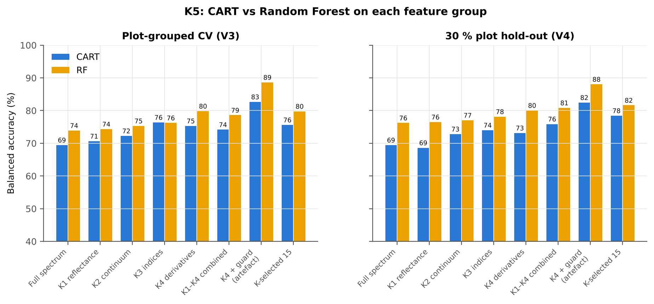
K-selected (top 15 non-redundant, chosen inside each training set) | 15 | RF | Hold-out | 10 | 81.6% | 6.3% | 0.9213 | 0.5661
K-selected (top 15 non-redundant, chosen inside each training set) | 15 | QDA | Hold-out | 10 | 75.2% | 4.5% | 0.8715 | 0.3335

Table K5.3 Paired comparison RF vs CART (same folds)
Feature group | Units | n | RF − CART (BA) | SD | RF better | CART better | Wilcoxon p
Full spectrum (raw reflectance) | CV (50 folds) | 50 | 4.2% | 7.1% | 33 | 15 | 2.088E-04
Full spectrum (raw reflectance) | Hold-out (10 splits) | 10 | 6.8% | 3.9% | 10 | 0 | 0.0020
...

25_C2_Tier2
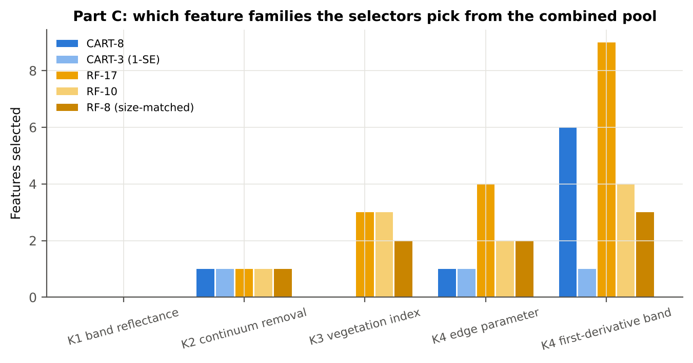
...
Table C2.2 The selected features
D1_681 | K4 first-derivative band | yes |  | 9.965E-04 | 0.0012 | 6.2667 | 4.661E-09 | 0.6649
D1_1927 | K4 first-derivative band | yes |  | -9.780E-06 | -1.277E-05 | -2.5124 | 0.0155 | 0.5426
D1_2251 | K4 first-derivative band | yes |  | -3.642E-04 | -4.089E-04 | -8.8161 | 7.440E-15 | 0.7552
D1_626 | K4 first-derivative band |  | yes | -2.228E-04 | -7.111E-05 | 15.03 | 8.280E-39 | 0.8294
SDr/SDy | K4 edge parameter |  | yes | -10.44 | -15.59 | -7.9727 | 2.196E-14 | 0.8357
ARI | K3 vegetation index |  | yes | 0.0319 | 0.5951 | 15.42 | 2.291E-36 | 0.8323
PSRI | K3 vegetation index |  | yes | -0.0113 | 0.0119 | 12.65 | 2.308E-29 | 0.8201
D1_596 | K4 first-derivative band |  | yes | -4.318E-04 | -2.644E-04 | 13.09 | 1.752E-28 | 0.7967
D1_1934 | K4 first-derivative band |  | yes | 3.305E-05 | 5.517E-05 | 11.63 | 4.287E-24 | 0.7945
SIPI | K3 vegetation index |  | yes | 1.0109 | 1.0521 | 9.8196 | 1.521E-20 | 0.7812
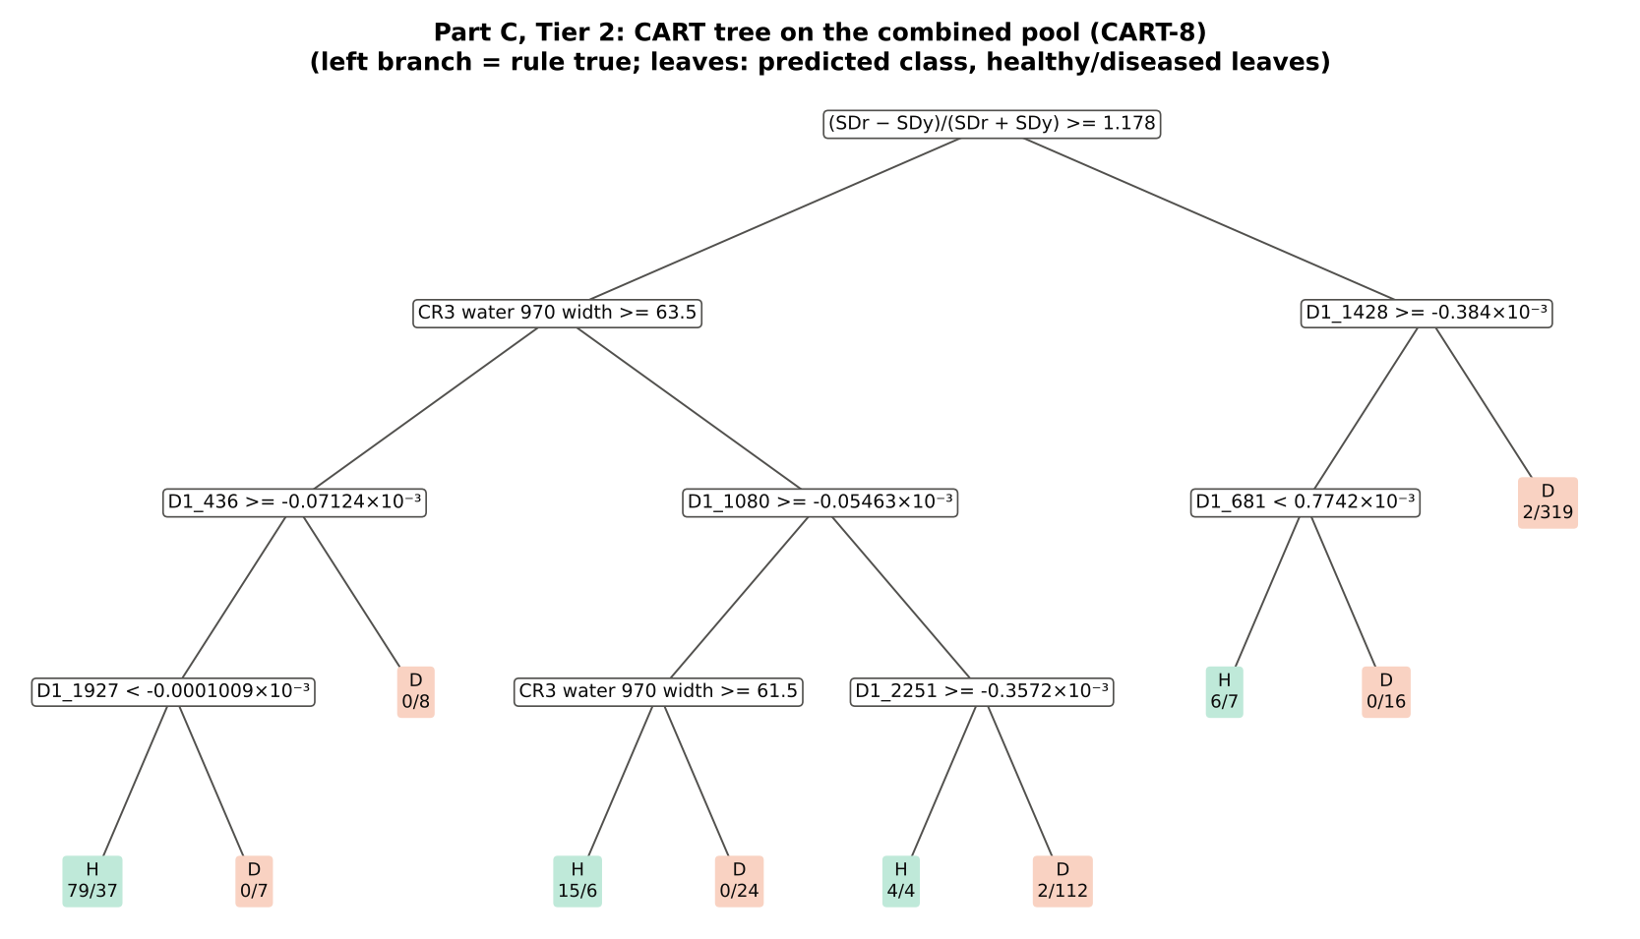
D1_562 | K4 first-derivative band |  | yes | -0.0013 | -9.248E-04 | 13.21 | 1.460E-27 | 0.8008
D1_2248 | K4 first-derivative band |  | yes | -3.425E-04 | -3.856E-04 | -9.1197 | 1.222E-15 | 0.7606
D1_1672 | K4 first-derivative band |  | yes | -3.701E-05 | -5.768E-05 | -8.3997 | 7.162E-14 | 0.7406
D1_983 | K4 first-derivative band |  | yes | 1.351E-04 | 1.608E-04 | 5.3622 | 6.349E-07 | 0.6864
D1_2209 | K4 first-derivative band |  | yes | -8.893E-06 | 3.079E-06 | 6.3579 | 4.936E-09 | 0.7118
SDy (yellow-edge area) | K4 edge parameter |  | yes | -0.0388 | -0.0281 | 12.60 | 2.086E-25 | 0.7966
Dy (yellow-edge amplitude) | K4 edge parameter |  | yes | -0.0018 | -0.0014 | 12.00 | 1.950E-23 | 0.7891
D1_584 | K4 first-derivative band |  | yes | -0.0010 | -7.600E-04 | 11.37 | 9.030E-22 | 0.7796
...
Table C2.3 Tree nodes (rpart frame)
8 | 3 | D1_1927 | D1_436>=-7.124e-05 | 123 | 79 | 44 | H
16 | 4 | leaf | D1_1927< -1.009e-07 | 116 | 79 | 37 | H
17 | 4 | leaf | D1_1927>=-1.009e-07 | 7 | 0 | 7 | D
9 | 3 | leaf | D1_436< -7.124e-05 | 8 | 0 | 8 | D
5 | 2 | D1_1080 | CR3 water 970 width< 63.5 | 167 | 21 | 146 | D
10 | 3 | CR3 water 970 width | D1_1080>=-5.463e-05 | 45 | 15 | 30 | H
20 | 4 | leaf | CR3 water 970 width>=61.5 | 21 | 15 | 6 | H
21 | 4 | leaf | CR3 water 970 width< 61.5 | 24 | 0 | 24 | D
11 | 3 | D1_2251 | D1_1080< -5.463e-05 | 122 | 6 | 116 | D
22 | 4 | leaf | D1_2251>=-0.0003572 | 8 | 4 | 4 | H
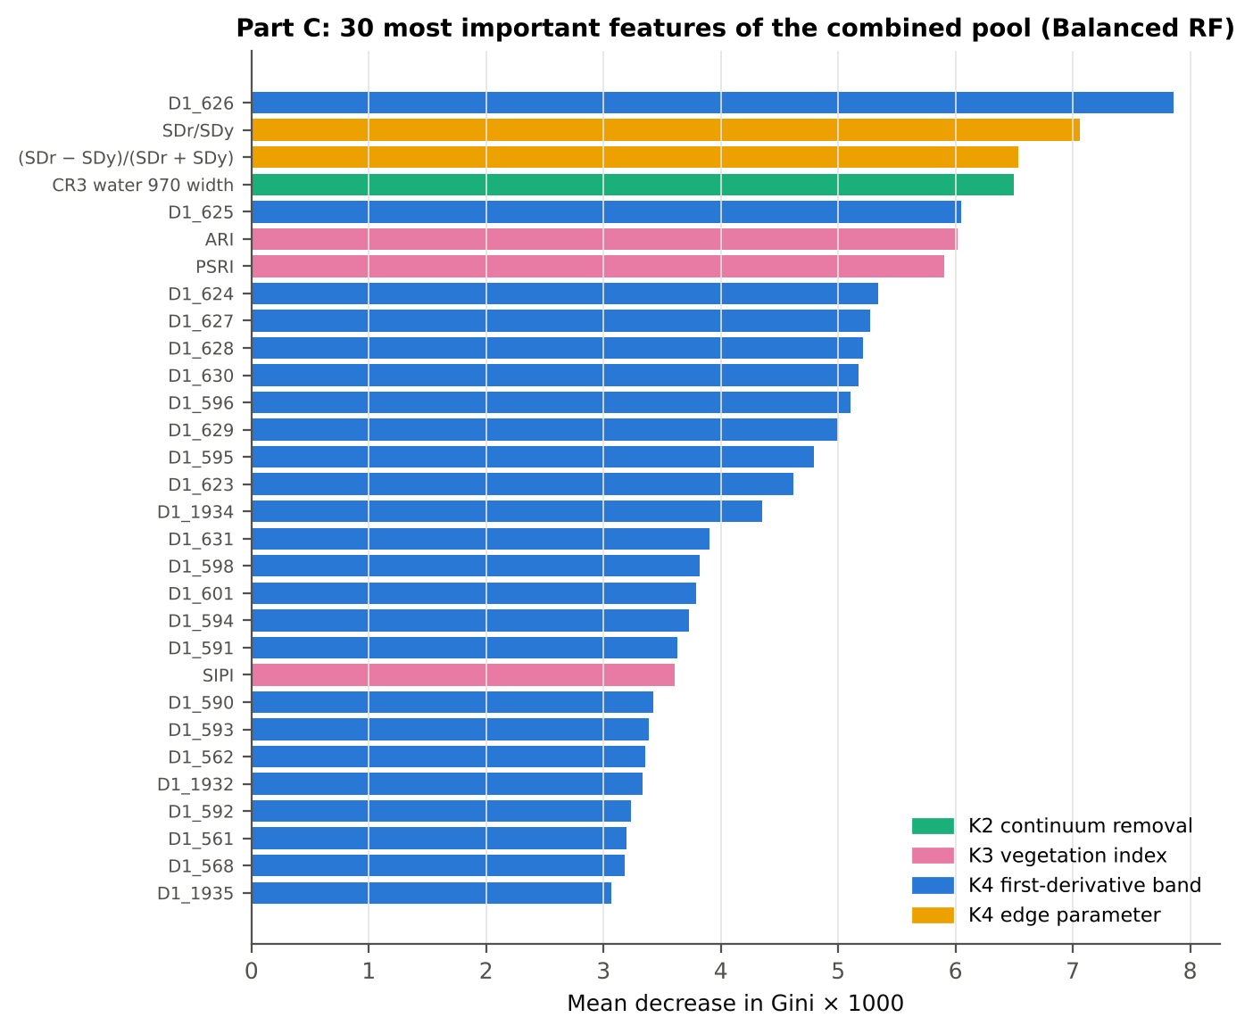
23 | 4 | leaf | D1_2251< -0.0003572 | 114 | 2 | 112 | D
3 | 1 | D1_1428 | (SDr − SDy)/(SDr + SDy)< 1.178 | 350 | 8 | 342 | D
6 | 2 | D1_681 | D1_1428>=-0.000384 | 29 | 6 | 23 | H
12 | 3 | leaf | D1_681< 0.0007742 | 13 | 6 | 7 | H
13 | 3 | leaf | D1_681>=0.0007742 | 16 | 0 | 16 | D
7 | 2 | leaf | D1_1428< -0.000384 | 321 | 2 | 319 | D

Table C2.4 Complexity-parameter table (plot-grouped CV)
CP | nsplit | rel error | xerror | xstd
0.5593 | 0.0000 | 1.0000 | 1.1667 | 0.0503
0.0796 | 1.0000 | 0.4407 | 0.5204 | 0.0397
0.0444 | 3.0000 | 0.2815 | 0.3796 | 0.0454
0.0296 | 4.0000 | 0.2370 | 0.3574 | 0.0444
0.0213 | 5.0000 | 0.2074 | 0.3889 | 0.0454
0.0148 | 7.0000 | 0.1648 | 0.4778 | 0.0529
0.0130 | 8.0000 | 0.1500 | 0.5111 | 0.0567
0.0100 | 9.0000 | 0.1370 | 0.5537 | 0.0598

26_C3_Tier3_JM
...
Table C3.2 J–M and QDA BA as features are added
5 | D1_1080 | 1.0029 | 88.7% | ARI | 1.8227 | 74.0%
6 | D1_681 | 1.0980 | 87.3% | PSRI | 1.8753 | 74.1%
7 | D1_1927 | 1.4105 | 83.1% | D1_596 | 1.8887 | 73.7%
8 | D1_2251 | 1.4450 | 83.0% | D1_1934 | 1.8936 | 73.8%
9 |  |  |  | SIPI | 1.9312 | 72.6%
10 |  |  |  | D1_562 | 1.9421 | 72.8%
11 |  |  |  | D1_2248 | 1.9486 | 73.1%
12 |  |  |  | D1_1672 | 1.9550 | 74.3%
13 |  |  |  | D1_983 | 1.9642 | 74.8%
14 |  |  |  | D1_2209 | 1.9686 | 74.6%
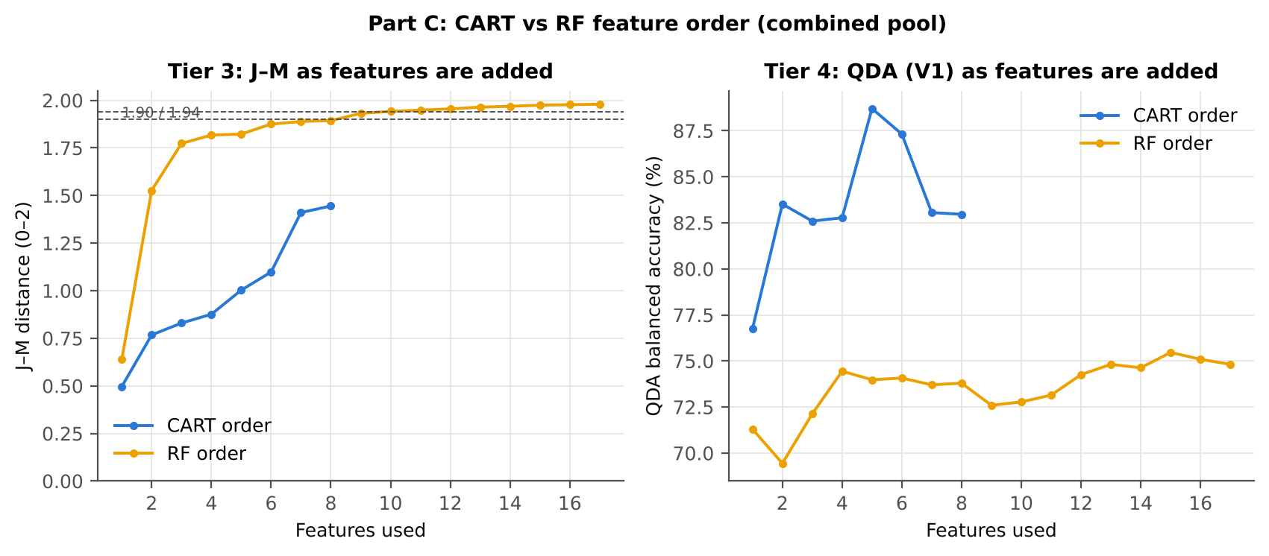
15 |  |  |  | SDy (yellow-edge area) | 1.9746 | 75.5%
16 |  |  |  | Dy (yellow-edge amplitude) | 1.9770 | 75.1%
17 |  |  |  | D1_584 | 1.9796 | 74.8%

28_C5_Validation
...
Result in brief
RF classifier | V1 | 1 | 86.0% | 80.5% |  | 0.5465 | 0.9098 | 72.2% | 88.7% | 56.1% | 94.1%
RF classifier | V3 | 5 | 84.4% | 78.8% | 1.4% | 0.5074 | 0.8923 | 70.4% | 87.3% | 52.5% | 93.6%
RF classifier | V4 | 10 | 84.7% | 81.0% | 5.9% | 0.5403 | 0.9120 | 75.3% | 86.7% | 55.4% | 94.3%
RF classifier | V5 | 1 | 84.4% | 77.7% |  | 0.4967 | 0.8842 | 67.6% | 87.8% | 52.5% | 93.1%
QDA on CART features | V1 | 1 | 77.8% | 83.0% |  | 0.4518 | 0.9304 | 90.7% | 75.2% | 42.2% | 97.6%
QDA on CART features | V3 | 5 | 77.5% | 80.1% | 1.8% | 0.4271 | 0.8846 | 84.1% | 76.2% | 41.5% | 96.0%
QDA on CART features | V4 | 10 | 74.7% | 77.7% | 5.3% | 0.3946 | 0.8761 | 82.2% | 73.1% | 40.4% | 94.9%
QDA on CART features | V5 | 1 | 77.2% | 74.8% |  | 0.3764 | 0.8357 | 71.3% | 78.3% | 39.7% | 93.2%
QDA on RF features | V1 | 1 | 64.8% | 74.8% |  | 0.2815 | 0.9006 | 89.8% | 59.8% | 30.9% | 96.7%
QDA on RF features | V3 | 5 | 68.1% | 76.3% | 0.9% | 0.3137 | 0.8945 | 88.5% | 64.0% | 33.0% | 96.5%
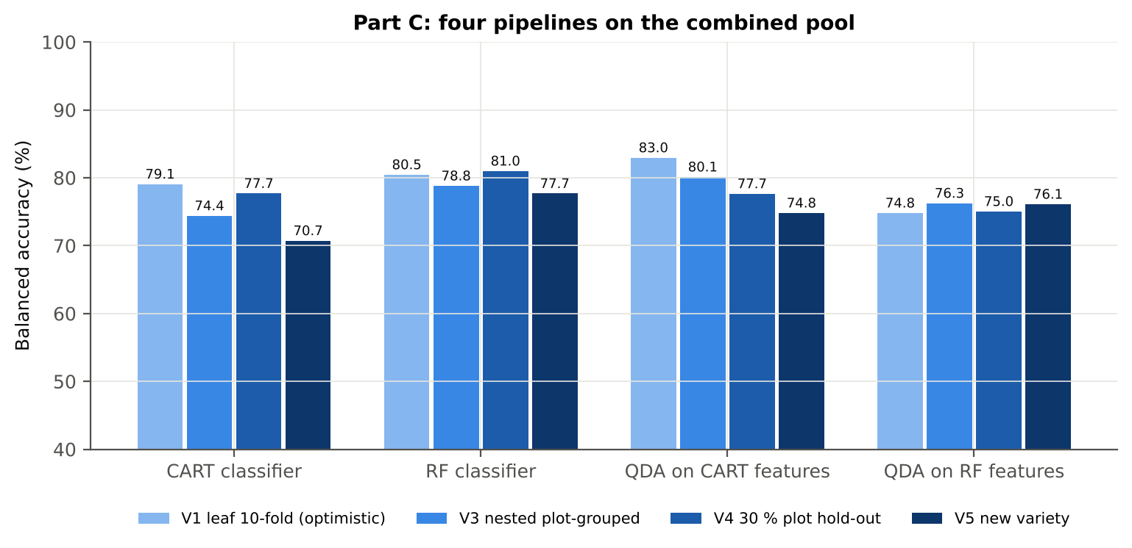
QDA on RF features | V4 | 10 | 70.8% | 75.0% | 4.9% | 0.3400 | 0.8769 | 81.7% | 68.4% | 36.8% | 94.7%
QDA on RF features | V5 | 1 | 72.5% | 76.1% |  | 0.3456 | 0.8619 | 81.5% | 70.7% | 35.8% | 95.0%

Table C5.2 Paired comparisons within this pool
Comparison | Units | n | Mean difference | SD | First better | Second better | Ties | Wilcoxon p
RF classifier − CART classifier | V3 nested (folds) | 50 | 3.8% | 8.4% | 33 | 16 | 1 | 0.0037
RF classifier − CART classifier | V4 hold-out (splits) | 10 | 3.3% | 4.2% | 9 | 1 | 0 | 0.0371
QDA on RF features − QDA on CART features | V3 nested (folds) | 50 | -4.3% | 8.8% | 12 | 37 | 1 | 0.0013
...

29_C6_Stability
...
Table C6.4 Re-selection of the all-leaf RF features
Feature | Type | Re-selected by CART (±10 nm) | Re-selected by RF (±10 nm)
D1_626 | K4 first-derivative band | 26.0% | 100.0%
SDr/SDy | K4 edge parameter | 14.0% | 100.0%
(SDr − SDy)/(SDr + SDy) | K4 edge parameter | 84.0% | 100.0%
CR3 water 970 width | K2 continuum removal | 96.0% | 100.0%
ARI | K3 vegetation index | 10.0% | 100.0%
PSRI | K3 vegetation index | 22.0% | 96.0%
D1_596 | K4 first-derivative band | 2.0% | 100.0%
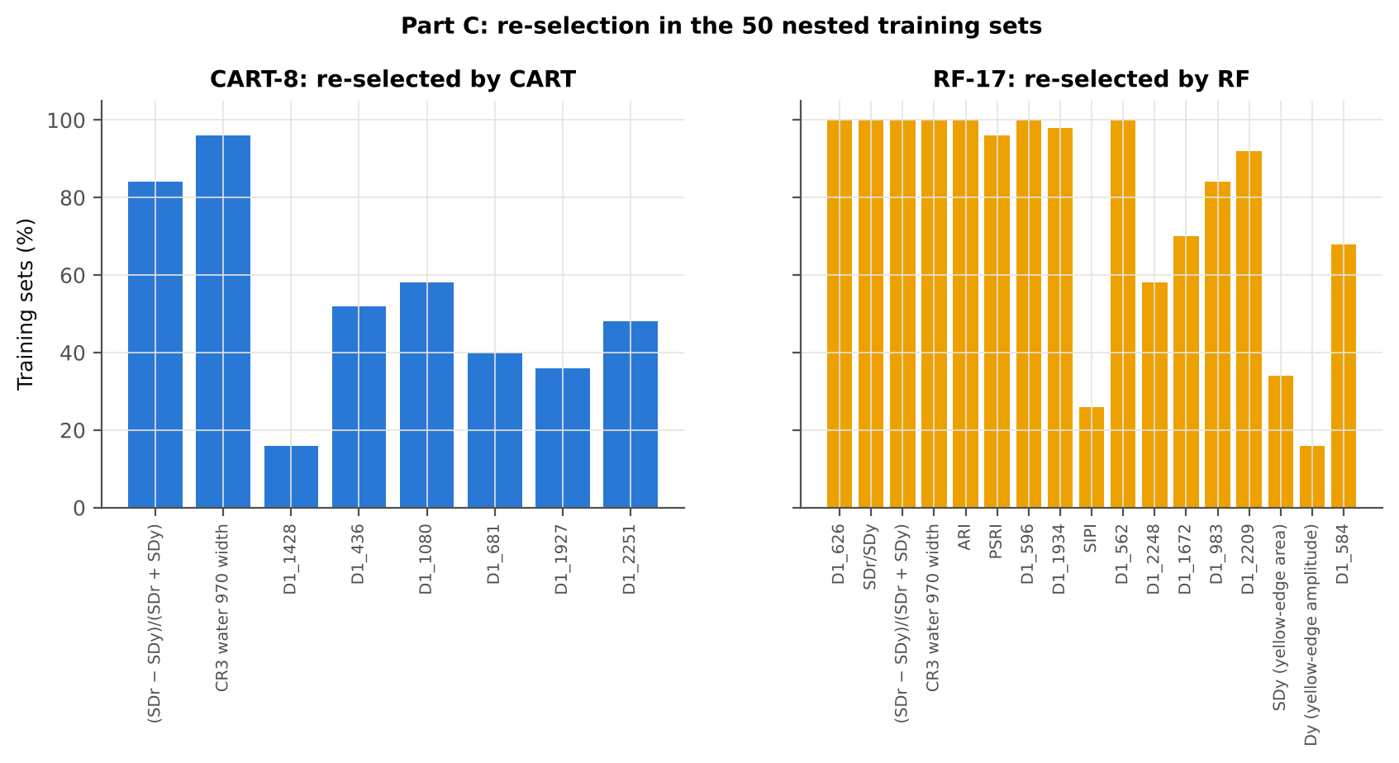
D1_1934 | K4 first-derivative band | 52.0% | 98.0%
SIPI | K3 vegetation index | 4.0% | 26.0%
D1_562 | K4 first-derivative band | 0.0% | 100.0%
D1_2248 | K4 first-derivative band | 48.0% | 58.0%
D1_1672 | K4 first-derivative band | 20.0% | 70.0%
D1_983 | K4 first-derivative band | 60.0% | 84.0%
D1_2209 | K4 first-derivative band | 40.0% | 92.0%
SDy (yellow-edge area) | K4 edge parameter | 0.0% | 34.0%
Dy (yellow-edge amplitude) | K4 edge parameter | 0.0% | 16.0%
D1_584 | K4 first-derivative band | 4.0% | 68.0%
...

31_V5_Transfer
...
Result in brief
Reflectance (Part A) | QDA on CART features | V1 | 1 | 1 | 216.00 | 69.4%
Reflectance (Part A) | QDA on CART features | V2 | 1 | 1 | 216.00 | 62.8%
Reflectance (Part A) | QDA on CART features | V3 | 1 | 1 | 216.00 | 77.2%
Reflectance (Part A) | QDA on RF features | V1 | 1 | 1 | 216.00 | 72.8%
Reflectance (Part A) | QDA on RF features | V2 | 1 | 1 | 216.00 | 62.8%
Reflectance (Part A) | QDA on RF features | V3 | 1 | 1 | 216.00 | 91.9%
Combined pool (Part C) | CART classifier | V1 | 1 | 1 | 216.00 | 73.1%
Combined pool (Part C) | CART classifier | V2 | 1 | 1 | 216.00 | 70.6%
Combined pool (Part C) | CART classifier | V3 | 1 | 1 | 216.00 | 68.6%
Combined pool (Part C) | RF classifier | V1 | 1 | 1 | 216.00 | 80.3%
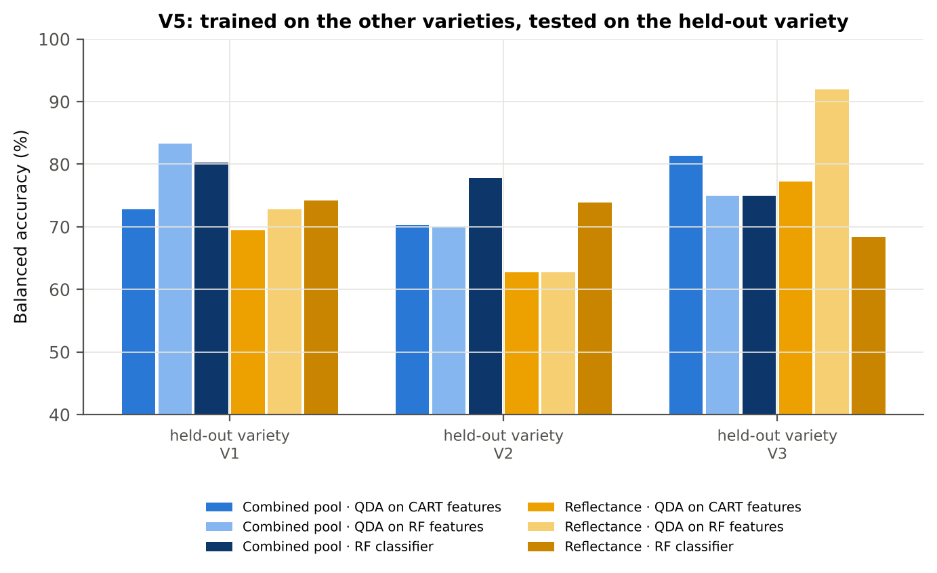
Combined pool (Part C) | RF classifier | V2 | 1 | 1 | 216.00 | 77.8%
Combined pool (Part C) | RF classifier | V3 | 1 | 1 | 216.00 | 75.0%
Combined pool (Part C) | QDA on CART features | V1 | 1 | 1 | 216.00 | 72.8%
Combined pool (Part C) | QDA on CART features | V2 | 1 | 1 | 216.00 | 70.3%
Combined pool (Part C) | QDA on CART features | V3 | 1 | 1 | 216.00 | 81.4%
Combined pool (Part C) | QDA on RF features | V1 | 1 | 1 | 216.00 | 83.3%
Combined pool (Part C) | QDA on RF features | V2 | 1 | 1 | 216.00 | 70.0%
Combined pool (Part C) | QDA on RF features | V3 | 1 | 1 | 216.00 | 75.0%

37_ChartData
...
Figure 3. Mean reflectance (healthy vs diseased)
 | Mean healthy | Mean diseased
400.00 | 0.0880 | 0.0921
401.00 | 0.0886 | 0.0924
402.00 | 0.0889 | 0.0929
403.00 | 0.0893 | 0.0934
404.00 | 0.0901 | 0.0940
405.00 | 0.0910 | 0.0948
406.00 | 0.0913 | 0.0950
407.00 | 0.0911 | 0.0949
408.00 | 0.0909 | 0.0948
409.00 | 0.0916 | 0.0955
410.00 | 0.0926 | 0.0962
411.00 | 0.0929 | 0.0966
412.00 | 0.0926 | 0.0965
413.00 | 0.0933 | 0.0970
414.00 | 0.0933 | 0.0971
415.00 | 0.0930 | 0.0970
416.00 | 0.0928 | 0.0968
417.00 | 0.0933 | 0.0975
418.00 | 0.0938 | 0.0979
419.00 | 0.0940 | 0.0980
420.00 | 0.0942 | 0.0982
421.00 | 0.0942 | 0.0982
422.00 | 0.0941 | 0.0981
423.00 | 0.0942 | 0.0982
424.00 | 0.0947 | 0.0987
425.00 | 0.0953 | 0.0994
426.00 | 0.0955 | 0.0997
427.00 | 0.0950 | 0.0993
428.00 | 0.0949 | 0.0992
429.00 | 0.0947 | 0.0990
430.00 | 0.0944 | 0.0987
431.00 | 0.0951 | 0.0993
432.00 | 0.0952 | 0.0995
433.00 | 0.0949 | 0.0993
434.00 | 0.0946 | 0.0991
435.00 | 0.0950 | 0.0994
436.00 | 0.0953 | 0.0998
437.00 | 0.0955 | 0.0999
438.00 | 0.0954 | 0.0999
439.00 | 0.0952 | 0.0998
440.00 | 0.0952 | 0.0998
441.00 | 0.0954 | 0.1001
442.00 | 0.0954 | 0.1001
443.00 | 0.0956 | 0.1003
444.00 | 0.0958 | 0.1007
445.00 | 0.0958 | 0.1007
446.00 | 0.0959 | 0.1008
447.00 | 0.0961 | 0.1011
448.00 | 0.0964 | 0.1014
449.00 | 0.0965 | 0.1015
...
−log10 q mixed model | q = 0.05 line | RF importance × 1000 | K1 AUC | D1 AUC
0.6005 | 1.3010 | 2.3533 | 0.5457 | 0.5677
0.5552 | 1.3010 | 2.0430 | 0.5442 | 0.5677
0.5802 | 1.3010 | 2.1809 | 0.5421 | 0.5593
0.5978 | 1.3010 | 1.6696 | 0.5396 | 0.5613
0.5836 | 1.3010 | 2.2475 | 0.5389 | 0.5610
0.5496 | 1.3010 | 2.5307 | 0.5397 | 0.5489
0.5670 | 1.3010 | 2.0173 | 0.5398 | 0.5349
0.5802 | 1.3010 | 1.7638 | 0.5385 | 0.5183
0.5842 | 1.3010 | 2.3717 | 0.5389 | 0.5007
0.5920 | 1.3010 | 2.4506 | 0.5401 | 0.5088
0.5552 | 1.3010 | 1.9317 | 0.5404 | 0.5165
0.5533 | 1.3010 | 1.4455 | 0.5404 | 0.5321
0.5862 | 1.3010 | 1.6445 | 0.5402 | 0.5418
0.5490 | 1.3010 | 2.1138 | 0.5410 | 0.5469
0.5683 | 1.3010 | 1.7662 | 0.5428 | 0.5463
0.6094 | 1.3010 | 1.2770 | 0.5441 | 0.5460
0.6152 | 1.3010 | 1.2930 | 0.5453 | 0.5515
0.6358 | 1.3010 | 1.9067 | 0.5461 | 0.5477
0.6310 | 1.3010 | 1.4439 | 0.5474 | 0.5361
Figure 5b. −log10(p) against wavelength
 | −log10 p Welch | −log10 q Welch | −log10 q mixed model | q = 0.05 line
400.00 | 2.0672 | 2.0046 | 0.6005 | 1.3010
401.00 | 1.8412 | 1.7899 | 0.5552 | 1.3010
402.00 | 1.8939 | 1.8391 | 0.5802 | 1.3010
403.00 | 1.9752 | 1.9162 | 0.5978 | 1.3010
404.00 | 1.9157 | 1.8605 | 0.5836 | 1.3010
405.00 | 1.7351 | 1.6884 | 0.5496 | 1.3010
406.00 | 1.7547 | 1.7074 | 0.5670 | 1.3010
407.00 | 1.8209 | 1.7710 | 0.5802 | 1.3010
408.00 | 1.8590 | 1.8065 | 0.5842 | 1.3010
409.00 | 1.8236 | 1.7733 | 0.5920 | 1.3010
410.00 | 1.6857 | 1.6413 | 0.5552 | 1.3010
411.00 | 1.6975 | 1.6525 | 0.5533 | 1.3010
412.00 | 1.8262 | 1.7756 | 0.5862 | 1.3010
413.00 | 1.6492 | 1.6057 | 0.5490 | 1.3010
414.00 | 1.7111 | 1.6652 | 0.5683 | 1.3010
415.00 | 1.8653 | 1.8124 | 0.6094 | 1.3010
416.00 | 1.8768 | 1.8234 | 0.6152 | 1.3010
417.00 | 1.9471 | 1.8892 | 0.6358 | 1.3010
418.00 | 1.9294 | 1.8727 | 0.6310 | 1.3010
419.00 | 1.8568 | 1.8046 | 0.6127 | 1.3010
420.00 | 1.8926 | 1.8381 | 0.6258 | 1.3010
421.00 | 1.8394 | 1.7883 | 0.6137 | 1.3010
422.00 | 1.8062 | 1.7570 | 0.6045 | 1.3010
423.00 | 1.8481 | 1.7964 | 0.6144 | 1.3010
424.00 | 1.7723 | 1.7241 | 0.6119 | 1.3010
425.00 | 1.8100 | 1.7606 | 0.6296 | 1.3010
426.00 | 1.9171 | 1.8614 | 0.6520 | 1.3010
427.00 | 1.9285 | 1.8721 | 0.6453 | 1.3010
428.00 | 1.9645 | 1.9062 | 0.6602 | 1.3010
429.00 | 1.9724 | 1.9136 | 0.6651 | 1.3010
430.00 | 1.9324 | 1.8755 | 0.6489 | 1.3010
431.00 | 1.8869 | 1.8331 | 0.6453 | 1.3010
432.00 | 1.9333 | 1.8760 | 0.6591 | 1.3010
433.00 | 2.0221 | 1.9619 | 0.6787 | 1.3010
434.00 | 2.0651 | 2.0030 | 0.6867 | 1.3010
435.00 | 2.0443 | 1.9832 | 0.6864 | 1.3010
436.00 | 2.0354 | 1.9744 | 0.6893 | 1.3010
437.00 | 2.0566 | 1.9950 | 0.6982 | 1.3010
438.00 | 2.0660 | 2.0036 | 0.7038 | 1.3010
439.00 | 2.1182 | 2.0537 | 0.7146 | 1.3010
440.00 | 2.1596 | 2.0939 | 0.7205 | 1.3010
441.00 | 2.1511 | 2.0857 | 0.7184 | 1.3010
442.00 | 2.1736 | 2.1074 | 0.7295 | 1.3010
443.00 | 2.2044 | 2.1372 | 0.7435 | 1.3010
444.00 | 2.2438 | 2.1759 | 0.7558 | 1.3010
445.00 | 2.3028 | 2.2332 | 0.7675 | 1.3010
446.00 | 2.3425 | 2.2720 | 0.7773 | 1.3010
447.00 | 2.3540 | 2.2825 | 0.7802 | 1.3010
448.00 | 2.3439 | 2.2731 | 0.7781 | 1.3010
449.00 | 2.3383 | 2.2680 | 0.7781 | 1.3010
...
0.6127 | 1.3010 | 1.8632 | 0.5477 | 0.5296
0.6258 | 1.3010 | 1.5589 | 0.5474 | 0.5356
0.6137 | 1.3010 | 1.1299 | 0.5472 | 0.5353
0.6045 | 1.3010 | 1.8912 | 0.5471 | 0.5379
0.6144 | 1.3010 | 1.5966 | 0.5477 | 0.5403
0.6119 | 1.3010 | 1.3775 | 0.5485 | 0.5415
0.6296 | 1.3010 | 1.6410 | 0.5490 | 0.5488
0.6520 | 1.3010 | 1.5942 | 0.5505 | 0.5613
0.6453 | 1.3010 | 0.7010 | 0.5514 | 0.5666
0.6602 | 1.3010 | 1.7402 | 0.5514 | 0.5806
0.6651 | 1.3010 | 1.4494 | 0.5523 | 0.5844
0.6489 | 1.3010 | 0.8001 | 0.5527 | 0.5815
0.6453 | 1.3010 | 1.6207 | 0.5531 | 0.5790
0.6591 | 1.3010 | 0.8396 | 0.5537 | 0.5776
0.6787 | 1.3010 | 1.3889 | 0.5544 | 0.5785
0.6867 | 1.3010 | 1.0764 | 0.5548 | 0.5819
0.6864 | 1.3010 | 1.0830 | 0.5555 | 0.5896
0.6893 | 1.3010 | 0.9171 | 0.5567 | 0.6012
0.6982 | 1.3010 | 1.2372 | 0.5573 | 0.6130
0.7038 | 1.3010 | 1.5369 | 0.5581 | 0.6204
Figure 5. Balanced subsets with a significant difference (%)
 | Balanced subsets significant (%)
400.00 | 50.70
401.00 | 40.30
402.00 | 44.90
403.00 | 48.10
404.00 | 45.60
405.00 | 36.90
406.00 | 38.90
407.00 | 41.60
408.00 | 42.50
409.00 | 41.90
410.00 | 35.60
411.00 | 35.90
412.00 | 41.70
413.00 | 34.60
414.00 | 37.60
415.00 | 44.10
416.00 | 44.30
417.00 | 47.30
418.00 | 47.00
419.00 | 44.60
420.00 | 45.70
421.00 | 44.10
422.00 | 42.20
423.00 | 44.30
424.00 | 41.00
425.00 | 43.50
426.00 | 46.60
427.00 | 46.90
428.00 | 48.20
429.00 | 48.80
430.00 | 47.40
431.00 | 45.60
432.00 | 47.40
433.00 | 50.10
434.00 | 51.90
435.00 | 51.40
436.00 | 51.50
437.00 | 52.00
438.00 | 52.80
439.00 | 55.00
440.00 | 56.90
441.00 | 56.30
442.00 | 57.00
443.00 | 58.30
444.00 | 59.50
445.00 | 61.30
446.00 | 62.80
447.00 | 63.50
448.00 | 63.30
449.00 | 62.70
...
0.7146 | 1.3010 | 1.1160 | 0.5590 | 0.6211
0.7205 | 1.3010 | 1.3675 | 0.5599 | 0.6218
0.7184 | 1.3010 | 1.2735 | 0.5608 | 0.6250
0.7295 | 1.3010 | 1.8053 | 0.5614 | 0.6277
0.7435 | 1.3010 | 1.2112 | 0.5624 | 0.6291
0.7558 | 1.3010 | 0.8431 | 0.5633 | 0.6262
0.7675 | 1.3010 | 1.0643 | 0.5644 | 0.6176
0.7773 | 1.3010 | 1.2839 | 0.5653 | 0.6065
0.7802 | 1.3010 | 0.8647 | 0.5659 | 0.5987
0.7781 | 1.3010 | 1.4513 | 0.5663 | 0.5947
0.7781 | 1.3010 | 1.4038 | 0.5665 | 0.5895
0.7831 | 1.3010 | 0.6537 | 0.5665 | 0.5852
0.7877 | 1.3010 | 1.4381 | 0.5670 | 0.5836
0.7843 | 1.3010 | 1.3537 | 0.5673 | 0.5864
0.7843 | 1.3010 | 1.1099 | 0.5678 | 0.5933
0.7918 | 1.3010 | 0.9152 | 0.5686 | 0.6049
0.8048 | 1.3010 | 0.6639 | 0.5693 | 0.6184
0.8082 | 1.3010 | 1.0877 | 0.5700 | 0.6326
0.8166 | 1.3010 | 1.0575 | 0.5711 | 0.6469
0.8265 | 1.3010 | 1.3203 | 0.5721 | 0.6640
Figure A1. RF importance spectrum
 | RF importance × 1000
400.00 | 2.3533
401.00 | 2.0430
402.00 | 2.1809
403.00 | 1.6696
404.00 | 2.2475
405.00 | 2.5307
406.00 | 2.0173
407.00 | 1.7638
408.00 | 2.3717
409.00 | 2.4506
410.00 | 1.9317
411.00 | 1.4455
412.00 | 1.6445
413.00 | 2.1138
414.00 | 1.7662
415.00 | 1.2770
416.00 | 1.2930
417.00 | 1.9067
418.00 | 1.4439
419.00 | 1.8632
420.00 | 1.5589
421.00 | 1.1299
422.00 | 1.8912
423.00 | 1.5966
424.00 | 1.3775
425.00 | 1.6410
426.00 | 1.5942
427.00 | 0.7010
428.00 | 1.7402
429.00 | 1.4494
430.00 | 0.8001
431.00 | 1.6207
432.00 | 0.8396
433.00 | 1.3889
434.00 | 1.0764
435.00 | 1.0830
436.00 | 0.9171
437.00 | 1.2372
438.00 | 1.5369
439.00 | 1.1160
440.00 | 1.3675
441.00 | 1.2735
442.00 | 1.8053
443.00 | 1.2112
444.00 | 0.8431
445.00 | 1.0643
446.00 | 1.2839
447.00 | 0.8647
448.00 | 1.4513
449.00 | 1.4038
...
0.8318 | 1.3010 | 1.4225 | 0.5731 | 0.6870
0.8467 | 1.3010 | 1.3094 | 0.5741 | 0.6984
0.8603 | 1.3010 | 1.1050 | 0.5748 | 0.7026
0.8701 | 1.3010 | 1.0367 | 0.5763 | 0.7095
0.8816 | 1.3010 | 1.1041 | 0.5775 | 0.7132
0.8933 | 1.3010 | 0.9867 | 0.5781 | 0.7170
0.9100 | 1.3010 | 0.7164 | 0.5793 | 0.7203
0.9304 | 1.3010 | 1.1749 | 0.5802 | 0.7198
0.9301 | 1.3010 | 1.0106 | 0.5816 | 0.7096
0.9417 | 1.3010 | 0.8537 | 0.5825 | 0.6993
0.9630 | 1.3010 | 0.9208 | 0.5829 | 0.6945
0.9652 | 1.3010 | 0.7849 | 0.5838 | 0.6922
0.9720 | 1.3010 | 1.0024 | 0.5849 | 0.6837
0.9839 | 1.3010 | 1.0227 | 0.5857 | 0.6694
0.9953 | 1.3010 | 0.7855 | 0.5859 | 0.6605
0.9924 | 1.3010 | 1.0322 | 0.5863 | 0.6575
0.9965 | 1.3010 | 1.0315 | 0.5870 | 0.6428
1.0102 | 1.3010 | 0.8868 | 0.5879 | 0.6295
1.0221 | 1.3010 | 0.9727 | 0.5883 | 0.6353
1.0245 | 1.3010 | 0.7917 | 0.5884 | 0.6339
Figure K1. AUC of every band
 | K1 AUC | D1 AUC
400.00 | 0.5457 | 0.5677
401.00 | 0.5442 | 0.5677
402.00 | 0.5421 | 0.5593
403.00 | 0.5396 | 0.5613
404.00 | 0.5389 | 0.5610
405.00 | 0.5397 | 0.5489
406.00 | 0.5398 | 0.5349
407.00 | 0.5385 | 0.5183
408.00 | 0.5389 | 0.5007
409.00 | 0.5401 | 0.5088
410.00 | 0.5404 | 0.5165
411.00 | 0.5404 | 0.5321
412.00 | 0.5402 | 0.5418
413.00 | 0.5410 | 0.5469
414.00 | 0.5428 | 0.5463
415.00 | 0.5441 | 0.5460
416.00 | 0.5453 | 0.5515
417.00 | 0.5461 | 0.5477
418.00 | 0.5474 | 0.5361
419.00 | 0.5477 | 0.5296
420.00 | 0.5474 | 0.5356
421.00 | 0.5472 | 0.5353
422.00 | 0.5471 | 0.5379
423.00 | 0.5477 | 0.5403
424.00 | 0.5485 | 0.5415
425.00 | 0.5490 | 0.5488
426.00 | 0.5505 | 0.5613
427.00 | 0.5514 | 0.5666
428.00 | 0.5514 | 0.5806
429.00 | 0.5523 | 0.5844
430.00 | 0.5527 | 0.5815
431.00 | 0.5531 | 0.5790
432.00 | 0.5537 | 0.5776
433.00 | 0.5544 | 0.5785
434.00 | 0.5548 | 0.5819
435.00 | 0.5555 | 0.5896
436.00 | 0.5567 | 0.6012
437.00 | 0.5573 | 0.6130
438.00 | 0.5581 | 0.6204
439.00 | 0.5590 | 0.6211
440.00 | 0.5599 | 0.6218
441.00 | 0.5608 | 0.6250
442.00 | 0.5614 | 0.6277
443.00 | 0.5624 | 0.6291
444.00 | 0.5633 | 0.6262
445.00 | 0.5644 | 0.6176
446.00 | 0.5653 | 0.6065
447.00 | 0.5659 | 0.5987
448.00 | 0.5663 | 0.5947
449.00 | 0.5665 | 0.5895
...
1.0277 | 1.3010 | 1.0118 | 0.5889 | 0.6264
1.0363 | 1.3010 | 1.1882 | 0.5896 | 0.6197
1.0381 | 1.3010 | 1.2978 | 0.5905 | 0.6221
1.0371 | 1.3010 | 1.0368 | 0.5910 | 0.6180
1.0430 | 1.3010 | 1.0311 | 0.5915 | 0.6123
1.0661 | 1.3010 | 0.7889 | 0.5919 | 0.6145
1.0697 | 1.3010 | 1.3123 | 0.5925 | 0.6208
1.0668 | 1.3010 | 0.7690 | 0.5933 | 0.6222
1.0676 | 1.3010 | 1.2646 | 0.5939 | 0.6177
1.0825 | 1.3010 | 0.7608 | 0.5947 | 0.6097
1.0895 | 1.3010 | 0.7119 | 0.5958 | 0.6046
1.0966 | 1.3010 | 0.5286 | 0.5967 | 0.5994
1.1153 | 1.3010 | 0.6311 | 0.5974 | 0.5915
1.1275 | 1.3010 | 0.4656 | 0.5978 | 0.5863
1.1283 | 1.3010 | 0.6885 | 0.5983 | 0.5795
1.1244 | 1.3010 | 0.9790 | 0.5986 | 0.5706
1.1281 | 1.3010 | 0.7741 | 0.5991 | 0.5622
1.1370 | 1.3010 | 0.5510 | 0.5992 | 0.5533
1.1426 | 1.3010 | 0.9701 | 0.5997 | 0.5433
1.1409 | 1.3010 | 0.9160 | 0.5999 | 0.5341
Figure A3. Balanced accuracy by pipeline and validation scheme (Part A)
1.1426 | 1.3010 | 0.8623 | 0.6002 | 0.5265
1.1377 | 1.3010 | 0.7863 | 0.6006 | 0.5186
1.1298 | 1.3010 | 1.2431 | 0.6007 | 0.5102
1.1309 | 1.3010 | 0.8979 | 0.6010 | 0.5006
1.1153 | 1.3010 | 0.5688 | 0.6006 | 0.5099
1.0957 | 1.3010 | 0.6960 | 0.6000 | 0.5206
1.0838 | 1.3010 | 0.8882 | 0.5991 | 0.5297
1.0647 | 1.3010 | 0.6119 | 0.5975 | 0.5393
1.0373 | 1.3010 | 0.7220 | 0.5956 | 0.5492
1.0084 | 1.3010 | 1.2015 | 0.5933 | 0.5598
0.9801 | 1.3010 | 1.0530 | 0.5911 | 0.5707
0.9437 | 1.3010 | 1.1251 | 0.5886 | 0.5799
0.9001 | 1.3010 | 1.0149 | 0.5859 | 0.5891
0.8528 | 1.3010 | 0.6881 | 0.5826 | 0.5990
0.8040 | 1.3010 | 0.6113 | 0.5784 | 0.6090
0.7533 | 1.3010 | 0.9269 | 0.5755 | 0.6184
0.6983 | 1.3010 | 1.0965 | 0.5710 | 0.6277
0.6431 | 1.3010 | 0.5766 | 0.5673 | 0.6375
0.5894 | 1.3010 | 0.8301 | 0.5623 | 0.6464
0.5299 | 1.3010 | 0.0000 | 0.5578 | 0.6547
0.4634 | 1.3010 | 0.0000 | 0.5526 | 0.6627
0.3992 | 1.3010 | 0.0000 | 0.5471 | 0.6706
0.3442 | 1.3010 | 0.0000 | 0.5412 | 0.6780
0.2905 | 1.3010 | 0.0000 | 0.5356 | 0.6845
0.2332 | 1.3010 | 0.0000 | 0.5305 | 0.6913
0.1860 | 1.3010 | 0.0000 | 0.5253 | 0.6968
0.1477 | 1.3010 | 0.0000 | 0.5195 | 0.7015
0.1080 | 1.3010 | 0.0000 | 0.5139 | 0.7051
...

