01_Summary
Summary — results of every step
Balanced accuracy (BA) = mean of healthy and diseased recall; it is the headline metric because the classes are imbalanced (1 : 5.1).

Key numbers
Item | Result
Leaf spectra analysed (healthy / diseased) | 564 (93 / 471); 44 plots (11 / 33); 2 dates: 11-02-2026, 24-02-2026; growth stages: Vegetative; varieties: V1, V2, V3
Tier 1 — bands significant (Welch + FDR) | 0 of 2101
Tier 2 — CART bands (rpart, prior 0.5/0.5) | 20: 757, 2392, 699, 400, 700, 689, 696, 688, 736, 697, 695, 769, 2462, 402, 406, 823, 2395, 900, 2387, 2394 nm
Tier 2 — RF bands (top-17 MDI peaks) | 406, 688, 701, 730, 744, 2456, 757, 2364, 2392, 2443, 2375, 2425, 2408, 898, 775, 886, 793 nm
Tier 3 — J–M healthy vs diseased (CART / RF bands) | 1.633 / 1.664 (threshold 1.90)
Tier 4 — QDA equal priors, 10-fold CV (V1): BA CART / RF bands | 80.2 % / 83.2 %
Honest estimate (V3 nested plot-grouped CV): QDA on CART bands | BA 71.4 ± 2.5 %
Part C — combined pool: features / Tier-1 significant | 4150 / 832
Part C — CART features | 8: CR6 water 1940 symmetry, D1_857, D1_2331, D1_888, D1_400, D1_870, D1_1917, D1_1683
Part C — QDA on RF-17 features (V3 / V4) | 89.2 % / 88.6 %

Table Z.1 All approaches side by side (ranked by the honest V3 balanced accuracy)
Approach | BA V1 (leaf 10-fold) | BA V3 (nested CV) | SD V3 | BA V4 (hold-out plots) | SD V4 | BA V5 (new date + plots) | AUC V3 | κ V3
K5 · K4 incl. guard bands (artefact): RF |  | 92.1% | 0.9% | 93.5% | 3.3% |  | 0.968 | 0.736
Part C · combined-pool four-tier: QDA on CART-8 (CART-selected) | 91.9% | 90.5% | 0.5% | 89.7% | 3.9% | 71.4% | 0.954 | 0.717
K5 · K2 continuum removal: RF |  | 89.8% | 0.6% | 89.5% | 5.0% |  | 0.951 | 0.688
K5 · K1–K4 combined: RF |  | 89.8% | 0.8% | 91.5% | 3.1% |  | 0.950 | 0.697
Part C · combined-pool four-tier: QDA on RF-17 (RF-selected) | 90.8% | 89.2% | 1.5% | 88.6% | 4.3% | 52.5% | 0.949 | 0.720
K5 · K4 derivatives + edge: RF |  | 88.9% | 0.6% | 91.2% | 3.3% |  | 0.951 | 0.679
K5 · K-selected 15: RF |  | 88.9% | 0.5% | 91.0% | 4.1% |  | 0.950 | 0.703
K5 · K-selected 15: QDA |  | 88.7% | 0.4% | 88.4% | 3.8% |  | 0.957 | 0.698
Part C · combined-pool four-tier: RF classifier (Balanced RF) | 92.0% | 88.4% | 1.2% | 89.8% | 2.7% | 73.4% | 0.948 | 0.681
Single feature · K2 best single parameter: CR6 water 1940 symmetry (threshold) | 87.5% | 85.7% |  | 87.6% |  |  | 0.913
K5 · K4 incl. guard bands (artefact): CART |  | 83.1% | 1.3% | 84.7% | 6.6% |  | 0.808 | 0.582
K5 · K2 continuum removal: CART |  | 82.2% | 0.9% | 83.9% | 3.4% |  | 0.795 | 0.550
K5 · K-selected 15: CART |  | 81.7% | 1.1% | 82.7% | 6.1% |  | 0.763 | 0.564
K5 · K4 derivatives + edge: CART |  | 80.7% | 1.9% | 82.4% | 2.9% |  | 0.799 | 0.539
K5 · K1–K4 combined: CART |  | 80.4% | 0.8% | 82.6% | 4.3% |  | 0.819 | 0.544
Part C · combined-pool four-tier: CART classifier (rpart) | 86.6% | 80.0% | 0.3% | 83.6% | 5.0% | 69.2% | 0.806 | 0.534
Single feature · K3b optimised NDSI, all pairs — brackets the 1800 nm join (search nested) |  | 80.0% |  | 79.2% | 6.2%
Single feature · K3b optimised NDSI, join-free pairs (search nested) |  | 80.0% |  | 79.2% | 6.2%
Part A · reflectance four-tier: QDA on RF-17 (RF-selected) | 83.2% | 72.8% | 6.0% | 70.4% | 11.1% | 51.6% | 0.829 | 0.342
Part A · reflectance four-tier: QDA on CART-20 (CART-selected) | 80.2% | 71.4% | 2.5% | 66.5% | 8.2% | 48.9% | 0.806 | 0.317
K5 · K1 reflectance: RF |  | 62.3% | 0.8% | 63.8% | 4.5% |  | 0.678 | 0.215
K5 · K3 vegetation indices: RF |  | 61.4% | 0.3% | 62.6% | 5.3% |  | 0.678 | 0.180
K5 · full raw spectrum: RF |  | 61.4% | 0.8% | 62.2% | 4.4% |  | 0.668 | 0.196
Single feature · K3 best single index: NCPI (threshold) | 63.9% | 60.8% |  | 57.0% |  |  | 0.669
K5 · full raw spectrum: CART |  | 59.0% | 2.2% | 55.7% | 6.2% |  | 0.600 | 0.138
K5 · K1 reflectance: CART |  | 58.7% | 2.8% | 57.9% | 6.7% |  | 0.589 | 0.134
K5 · K3 vegetation indices: CART |  | 58.4% | 1.4% | 62.0% | 6.8% |  | 0.581 | 0.122
Single feature · REIP best method: REIP – linear 4-point interpolation (threshold) | 58.2% | 53.1% |  | 49.8% |  |  | 0.542
Single feature · K4 best edge parameter: SDr (red-edge area) (threshold) | 60.4% | 52.8% |  | 55.4% |  |  | 0.633
Part A · reflectance four-tier: CART classifier (rpart) | 58.5% | 51.2% | 3.5% | 51.9% | 4.0% | 51.9% | 0.515 | 0.018
Part A · reflectance four-tier: RF classifier (Balanced RF) | 59.0% | 50.9% | 3.5% | 55.0% | 4.1% | 48.4% | 0.511 | 0.015
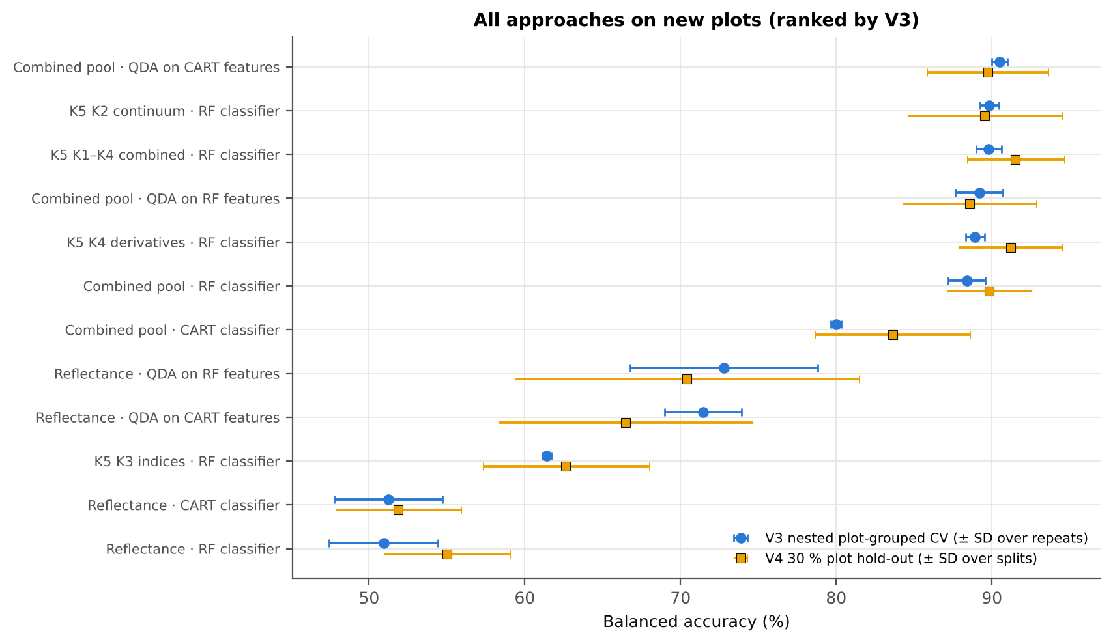
V1 = leaf-level 10-fold CV with features chosen on all leaves (the paper's protocol; optimistic). V3 = nested plot-grouped CV (10-fold × 5 = 50 folds), V4 = 30 % of plots held out × 10, V5 = leave-one-date-out on new plots (20 units: 10 V4 splits × 2 dates); in V3–V5 every selection step is repeated inside the training set. Single features: threshold chosen on training plots.

Conclusions
1. Subset: vegetative growth stage only — 564 leaves (93 healthy, 471 diseased; imbalance 1 : 5.1), 11 healthy and 33 diseased plots, dates 11-02-2026, 24-02-2026.
2. Tier 1: healthy and white-rust leaves differ significantly at 0 of 2101 bands (Welch + BH-FDR); 0 bands remain significant with a random plot effect and 0 in ≥ 95 % of 1000 balanced subsets. The most sensitive single band (smoothed reflectance) reaches AUC 0.64 at 762 nm. Because fewer than 2 bands passed the FDR correction, Tier 2 used the 296 bands with uncorrected p < 0.05.
3. Tier 2: CART (rpart, prior 0.5/0.5) selected 20 bands (root 757 nm): 757, 2392, 699, 400, 700, 689, 696, 688, 736, 697, 695, 769, 2462, 402, 406, 823, 2395, 900, 2387, 2394 nm. The Balanced RF importance peaks (RF-17) were 406, 688, 701, 730, 744, 2456, 757, 2364, 2392, 2443, 2375, 2425, 2408, 898, 775, 886, 793 nm.
4. Tier 3: J–M = 1.63 on the CART bands and 1.66 on the RF bands: neither set reaches the 1.90 separability threshold (Das et al. used 1.94).
5. Tier 4: QDA with equal priors on the CART bands gives BA 80.2 % in the paper's protocol (V1; healthy recall 71.0 %, diseased recall 89.4 %) and 71.4 % ± 2.5 % (V3 nested, plot-grouped) / 66.5 % (V4 hold-out plots) on new plots.
6. CART vs RF: as classifiers RF beats CART by +0.0 points (V3, 24 of 50 folds, p = 0.992); as band selectors for QDA the RF bands are +1.4 points vs the CART bands (p = 0.335). RF selection is less stable (Jaccard ±10 nm 0.37 vs 0.39).
7. Disease-sensitive features (Part K): the strongest group for RF is K2 continuum removal (BA 89.8 %, V3) vs 62.3 % for reflectance; best single features: first derivative at 1918 nm (AUC 0.89), CR6 water 1940 symmetry (AUC 0.91), NCPI (AUC 0.67), SDr (red-edge area) (AUC 0.63). REIP (linear 4-point interpolation) shifts by -0.5 nm in diseased leaves (AUC 0.54).
8. Part C (four tiers on the combined K1 + K2–K4 pool, 4150 features, 832 significant): CART chose 8 features, RF 17 (J–M 1.56 / 1.92); QDA on the RF features reaches 89.2 % (V3) / 88.6 % (V4), +16.4 points vs QDA on RF reflectance bands; best pipeline on the pool: QDA on CART features (90.5 %, V3).
9. Transfer (V5, leave-one-date-out on new plots): QDA on CART reflectance bands 48.9 %, QDA on combined-pool RF features 52.5 % — a clear drop from the V3 estimate (89.2 %); the date/stage effect limits transfer.
10. Compared with all dates, stages and varieties pooled (V3: reflectance QDA-CART 72.0 %, combined-pool QDA-RF 83.7 %; J–M 1.27), this subset gives 71.4 % and 89.2 % (J–M 1.63): analysing it separately improves discrimination.

Recommendations
Use first-derivative and continuum-removed features rather than single reflectance bands for this subset; the four-tier selection with RF importance on the combined pool and a QDA or RF classifier is the recommended pipeline.
Report balanced accuracy with both class recalls and the priors used; the classes are imbalanced (1 : 5.1) and equal priors / balanced sampling were applied throughout.
Base conclusions on the plot-grouped estimates (V3 10-fold × 5 = 50 folds, V4 10 hold-outs), not on the leaf-level V1 estimate.
Interpret features near the ASD detector joins (≈ 1000 and 1800 nm) with care; guard zones were excluded from the rankings.

02_Design
Workflow, validation design and model settings
Figure 2 of Das et al. (2020), extended with the corrections and the CART-vs-RF, Part K and Part C steps.
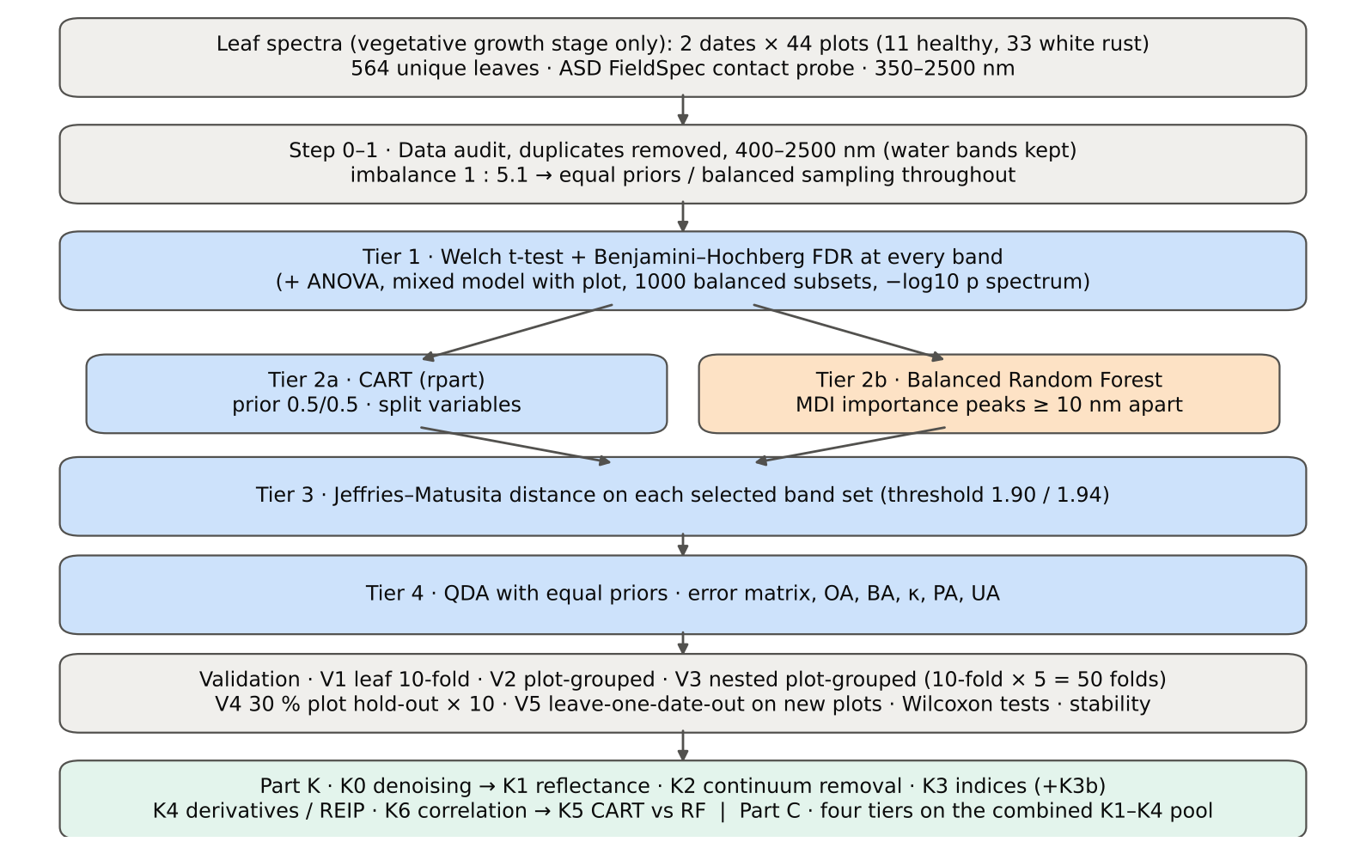

Table 2.1 Corrections applied to the protocol of Das et al. (2020) and why
Issue | Correction | Why
Class imbalance (93 healthy : 471 diseased = 1 : 5.1) | QDA/LDA with equal prior probabilities; rpart prior = c(0.5, 0.5); Balanced RF (each tree on a balanced bootstrap); balanced accuracy as headline metric; 1000 balanced subsets in Tier 1 | without it every classifier favours 'diseased' and overall accuracy is inflated
Two classes only | Welch t-test instead of one-way ANOVA + Tukey HSD (ANOVA reported for comparison: identical ranking) | Tukey HSD is for many pairs; Welch allows unequal variances (Levene)
Multiple testing (2101 bands) | Benjamini–Hochberg FDR (q < 0.05); uncorrected counts reported | 2101 tests at α = 0.05 give ≈ 105 false positives
Pseudo-replication (leaves nested in plots, plots measured on 2 dates) | mixed model with random plot intercept; every honest validation grouped by plot across all dates | leaves of one plot are not independent
Selection bias | Tier 1, band selection and classifier refitted inside every training set (nested V3, V4, V5) | selecting bands on all leaves and validating on the same leaves is optimistic
Water-absorption bands | kept (contact probe with its own light source; no atmospheric path) | Das et al. removed them for canopy measurements
Detector edge 350–399 nm | removed (noise 129 × the 500–699 nm level); sensitivity run with 350–2500 nm | noise could be chosen by CART
Detector joins 1000/1001 and 1800/1801 nm (Part K) | splice correction; guard zones excluded from feature ranking (reported with and without) | instrument artefacts must not be read as disease
Exact duplicate spectra | 75 copies (13-03-2026, block 2) and 4 unnamed copies (plot 27, 11-02-2026) removed from the four files before the subset was taken; 4 of them belong to this subset (0 block-2, 4 unnamed); sensitivity run with the unnamed copies kept | a duplicate in both training and test inflates V1
Subset | vegetative growth stage only: 564 of 2264 leaf spectra; folds, Tier 1–4, Part K and Part C rebuilt for this subset only | each date, stage and variety analysed separately as requested

Table 2.2 Validation design (identical folds in every step; sheet 36_Folds)
Scheme | Folds | What is refitted | Purpose
V1 · leaf-level 10-fold CV | StratifiedKFold, seed 42 | bands fixed (chosen on all leaves); classifier refitted | reproduces the paper (optimistic: leaves of a plot in train and test)
V2 · plot-grouped 10-fold CV | StratifiedGroupKFold, seed 42 | bands fixed; classifier refitted | removes plot leakage, keeps selection bias
V3 · nested plot-grouped CV, 10-fold × 5 = 50 folds | StratifiedGroupKFold, seeds 101–105; k = min(10, plots of the smaller class = 11) so every test fold holds both classes | Tier 1 + selection + classifier refitted | honest estimate for new plots
V4 · hold-out of 30 % of plots × 10 | 3 healthy + 10 diseased plots per split, default_rng(2026) | everything refitted on the remaining plots | independent test plots
V5 · new date and new plots (additional) | train: other dates × V4 training plots; test: held-out date × V4 test plots | everything refitted | transfer to an unseen date and unseen plots

Table 2.3 CART and Random Forest settings
Setting | CART | Random Forest
Algorithm | rpart 4.1.23 in R 4.3.3 (recursive partitioning, as Das et al.) | BalancedRandomForestClassifier (imbalanced-learn 0.14, scikit-learn 1.9)
Split criterion | Gini | Gini
Imbalance correction | prior = c(0.5, 0.5) | sampling_strategy = 'all', replacement = True, bootstrap = False (balanced bootstrap per tree)
Size / randomness | minsplit 20, minbucket 7, cp 0.01, maxcompete 0, maxsurrogate 0 | 500 trees (1000 for importance), max_features = √p, random_state 42
Pruning | default tree used; 1-SE tree from plot-grouped 10-fold CV of cp | —
Band selection | split variables of the tree | top-17 / top-10 MDI importance peaks (+ a set the size of the CART set), local maxima ≥ 10 nm apart
Prediction | class of the terminal node (prior-adjusted) | majority vote (probability > 0.5)

04_Step1_Preprocessing
Step 1 · Pre-processing — band set, noise and outlier screening
Das et al. (2020) removed 1350–1430, 1800–1950 and 2350–2500 nm (atmospheric water, canopy). Here the contact probe has its own light source, so water bands are kept.

What was done
Noise of every band = SD of the residual after Savitzky–Golay smoothing (window 11, order 2). The 350–399 nm detector edge is far noisier than the rest and was removed; everything else (400–2500 nm, 2101 bands) was analysed on the raw (unsmoothed) reflectance in Tiers 1–4, as in Das et al. Outliers were screened with the spectral angle (SAM) to the class median spectrum and flagged, not removed (diseased leaves are expected to vary more).
Table 1.1 Band-set decision
Range (nm) | Bands | Decision | Reason
350–399 | 50 | Removed | detector edge: noise ×129 of the 500–699 nm level
400–1349 | 950 | Retained | visible, red edge, NIR
1350–1430 | 81 | Retained | water band I — contact probe (Das et al. removed it)
1431–1799 | 369 | Retained | SWIR-1
1800–1950 | 151 | Retained | water band II — contact probe (Das et al. removed it)
1951–2349 | 399 | Retained | SWIR-2
2350–2500 | 151 | Retained | SWIR-2 end — contact probe (Das et al. removed it)
Bands analysed (Excel) | 2101

Table 1.2 Noise level by spectral region
Range (nm) | Noise (SD of SG residual) | Ratio to 500–699 nm
350–399 | 0.0070 | 129.18
400–499 | 8.451E-04 | 15.54
500–699 | 5.437E-05 | 1.0000
700–1000 | 7.716E-05 | 1.4191
1001–1349 | 6.150E-05 | 1.1311
1350–1430 | 1.870E-05 | 0.3439
1431–1799 | 1.186E-05 | 0.2181
1800–1950 | 2.024E-05 | 0.3722
1951–2349 | 1.768E-05 | 0.3251
2350–2500 | 8.701E-05 | 1.6003

Table 1.3 Outlier screening: spectral angle to the class median
Class | Leaves | Median SAM (rad) | 95th pct (rad) | Max (rad) | Leaves > 0.15 rad
Healthy | 93 | 0.0462 | 0.1036 | 0.1777 | 1
Diseased | 471 | 0.0439 | 0.0984 | 0.3556 | 4

Table 1.4 Ten most deviating spectra (flagged, kept)
Plot | Class | Date | Growth stage | File | SAM (rad) | R1985 (leaf) | R1985 (class median)
13 | Diseased | 11-02-2026 | Vegetative | Mustard00083.asd.sco | 0.3556 | 0.1321 | 0.0621
45 | Diseased | 11-02-2026 | Vegetative | Mustard00404.asd.sco | 0.1825 | 0.1133 | 0.0621
48 | Diseased | 24-02-2026 | Vegetative | Mustard00540.asd.sco | 0.1824 | 0.1444 | 0.0621
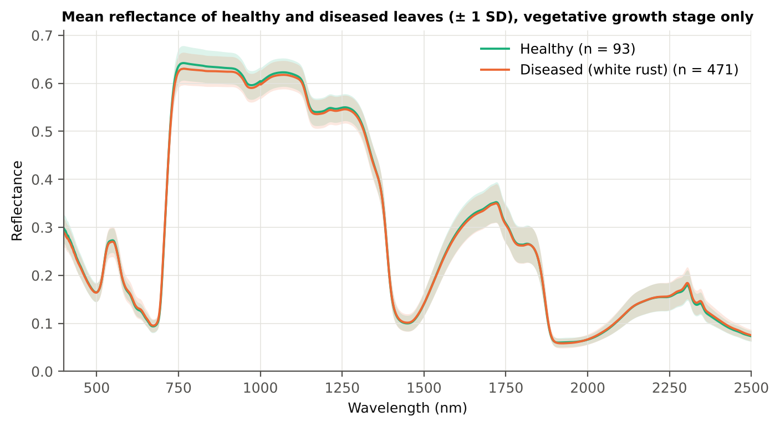
10 | Healthy | 11-02-2026 | Vegetative | Mustard00059.asd.sco | 0.1777 | 0.0958 | 0.0631
45 | Diseased | 24-02-2026 | Vegetative | Mustard00509.asd.sco | 0.1688 | 0.1004 | 0.0621
33 | Diseased | 24-02-2026 | Vegetative | Mustard00347.asd.sco | 0.1423 | 0.0693 | 0.0621
28 | Diseased | 24-02-2026 | Vegetative | Mustard00291.asd.sco | 0.1316 | 0.0768 | 0.0621
22 | Diseased | 11-02-2026 | Vegetative | Mustard00160.asd.sco | 0.1300 | 0.1102 | 0.0621
45 | Diseased | 24-02-2026 | Vegetative | Mustard00503.asd.sco | 0.1229 | 0.0966 | 0.0621
21 | Diseased | 11-02-2026 | Vegetative | Mustard00144.asd.sco | 0.1201 | 0.0482 | 0.0621

Figure 3 (as in Das et al. 2020). Mean reflectance of healthy and diseased leaves

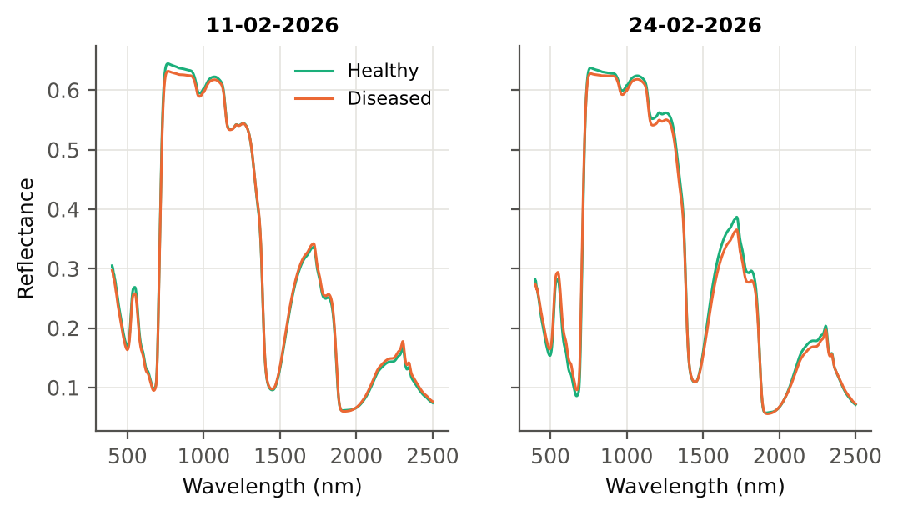

Native Excel chart of the same data: sheet 37_ChartData, columns A–C.
Table 1.5 Sensitivity: the unnamed duplicate spectra of plot 27 kept vs removed (QDA on CART bands)
Data | CART bands | BA V1 | BA V3 | BA V4
main: exact duplicates removed (n = 564) | 20 | 80.2% | 71.4% | 66.5%
4 unnamed plot-27 copies kept (n = 568) | 17 | 70.8% | 72.6% | 67.8%

05_Tier1_Ttest
Step 2 · Tier 1 — Welch's t-test at every band with Benjamini–Hochberg FDR
Das et al. (2020) used one-way ANOVA (p < 0.05) + Tukey HSD for 14 genotypes; with two classes the equivalent is a t-test.

Result in brief
Tier 1: healthy and white-rust leaves differ significantly at 0 of 2101 bands (Welch + BH-FDR); 0 bands remain significant with a random plot effect and 0 in ≥ 95 % of 1000 balanced subsets. The most sensitive single band (smoothed reflectance) reaches AUC 0.64 at 762 nm. Because fewer than 2 bands passed the FDR correction, Tier 2 used the 296 bands with uncorrected p < 0.05.
Uncorrected, 296 bands have p < 0.05; ANOVA + FDR gives 0 (same ranking as Welch).

What was done
At each of the 2101 bands the mean reflectance of healthy (n = 93) and diseased (n = 471) leaves was compared with Welch's t-test (unequal variances; Levene's test shows unequal variances at many bands) and the p-values were adjusted with the Benjamini–Hochberg false-discovery rate. Bands with q < 0.05 go to Tier 2. Because 471 diseased leaves give high power even for tiny differences, the test was repeated on 1000 balanced random subsets (93 vs 93), and a linear mixed model with a random plot intercept checks pseudo-replication.
Table 2.1 Number of significant bands
Test | Significant bands | Bands tested | Share (Excel)
Welch t-test + BH-FDR q < 0.05 (used for Tier 2) | 0 | 2101 | 0.0%
One-way ANOVA p < 0.05, uncorrected (rule of Das et al.) | 243 | 2101 | 11.6%
One-way ANOVA + BH-FDR q < 0.05 | 0 | 2101 | 0.0%
Welch t-test p < 0.05, uncorrected | 296 | 2101 | 14.1%
Mixed model (random plot effect) + BH-FDR q < 0.05 | 0 | 2101 | 0.0%
Balanced subsets (93 vs 93): significant in ≥ 95 % of 1000 subsets | 0 | 2101 | 0.0%
Levene test p < 0.05 (unequal variances → Welch) | 74 | 2101 | 3.5%

Table 2.2 Contiguous ranges (Welch + FDR)
Range (nm) | Bands | Result
400–2500 | 2101 | not significant

Table 2.3 Significance by spectral region
Region | Bands | Welch+FDR significant | Mixed-model significant | Band of max |t| | Max t | Mean diff (D − H)
Blue (400–499) | 100 | 0 | 0 | 406.00 | -2.6730 | -0.0091
Green (500–599) | 100 | 0 | 0 | 599.00 | 1.0190 | 0.0022
Red (600–679) | 80 | 0 | 0 | 631.00 | 1.7836 | 0.0033
Red edge (680–759) | 80 | 0 | 0 | 695.00 | 2.9747 | 0.0060
NIR (760–1349) | 590 | 0 | 0 | 761.00 | -2.9268 | -0.0119
Water band I (1350–1430) | 81 | 0 | 0 | 1419.00 | 0.7427 | 0.0016
SWIR-1 (1431–1799) | 369 | 0 | 0 | 1660.00 | -0.8350 | -0.0037
Water band II (1800–1950) | 151 | 0 | 0 | 1929.00 | -1.7179 | -0.0020
SWIR-2 (1951–2349) | 399 | 0 | 0 | 2345.00 | 1.8485 | 0.0050
SWIR-2 end (2350–2500) | 151 | 0 | 0 | 2408.00 | 2.2926 | 0.0038

Table 2.4 Fifteen most significant bands
Wavelength (nm) | Mean healthy | Mean diseased | Diff (D − H) | Welch t | Welch df | q (BH) | Hedges g | Mixed-model q
695.00 | 0.1408 | 0.1467 | 0.0060 | 2.9747 | 204.99 | 0.2175 | 0.2450 | 0.9402
694.00 | 0.1327 | 0.1384 | 0.0057 | 2.9616 | 198.47 | 0.2175 | 0.2480 | 0.9402
696.00 | 0.1497 | 0.1559 | 0.0062 | 2.9436 | 209.66 | 0.2175 | 0.2398 | 0.9402
761.00 | 0.6419 | 0.6300 | -0.0119 | -2.9268 | 126.49 | 0.2175 | -0.3446 | 0.9402
763.00 | 0.6422 | 0.6302 | -0.0119 | -2.9262 | 126.42 | 0.2175 | -0.3448 | 0.9402
760.00 | 0.6417 | 0.6298 | -0.0119 | -2.9253 | 126.43 | 0.2175 | -0.3447 | 0.9402
762.00 | 0.6421 | 0.6301 | -0.0119 | -2.9241 | 126.47 | 0.2175 | -0.3444 | 0.9402
764.00 | 0.6422 | 0.6303 | -0.0119 | -2.9174 | 126.37 | 0.2175 | -0.3439 | 0.9402
759.00 | 0.6415 | 0.6297 | -0.0119 | -2.9147 | 126.29 | 0.2175 | -0.3438 | 0.9402
693.00 | 0.1257 | 0.1310 | 0.0053 | 2.9047 | 190.44 | 0.2175 | 0.2486 | 0.9402
755.00 | 0.6400 | 0.6282 | -0.0118 | -2.9038 | 126.07 | 0.2175 | -0.3433 | 0.9402
758.00 | 0.6413 | 0.6295 | -0.0118 | -2.9036 | 126.18 | 0.2175 | -0.3429 | 0.9402
756.00 | 0.6405 | 0.6287 | -0.0118 | -2.9034 | 126.07 | 0.2175 | -0.3432 | 0.9402
765.00 | 0.6422 | 0.6304 | -0.0118 | -2.9032 | 126.31 | 0.2175 | -0.3424 | 0.9402
757.00 | 0.6409 | 0.6291 | -0.0118 | -2.9008 | 126.11 | 0.2175 | -0.3428 | 0.9402

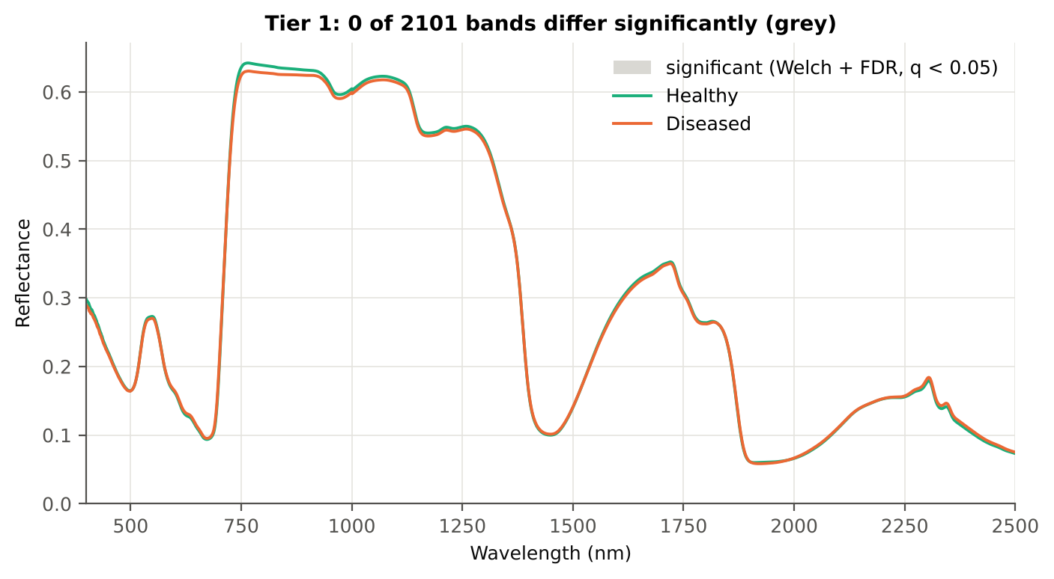
Table 2.5 Tier 1 on 1000 balanced subsets
Balanced-subset check (imbalance) | Value
Balanced random subsets drawn | 1000
Leaves per subset (healthy + diseased) | 93 + 93
Significant bands per subset — median | 0.0000
— minimum | 0
— maximum | 653
Bands significant in 100 % of subsets | 0
Bands significant in ≥ 95 % of subsets | 0
Bands never significant | 828

Figure 4 (as in Das et al. 2020 Fig. 4). Bands where healthy and diseased leaves differ (grey)

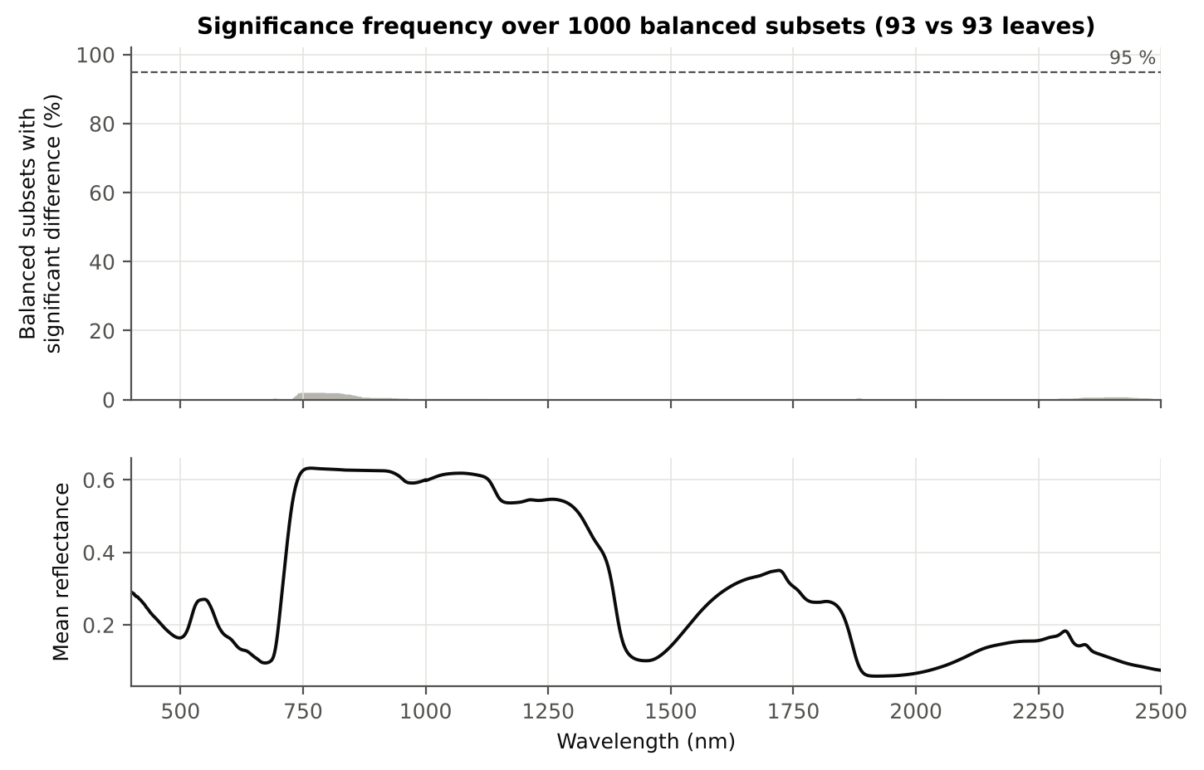

Figure 5 (as in Das et al. 2020 Fig. 5). Significance frequency (balanced subsets) and mean reflectance

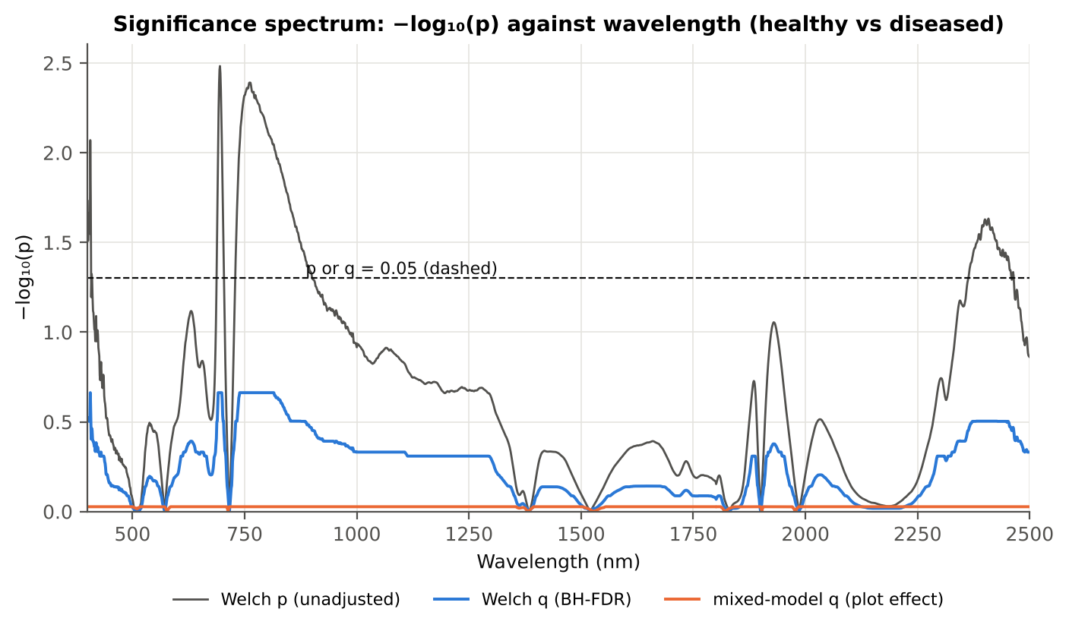

Figure 5b. −log₁₀(p) against wavelength

Native Excel versions of Figures 3–5b: sheet 37_ChartData (charts placed beside the data).
Cross-checks for this step
Step | What was checked | Method | Result | Status
Tier 1 | Fewer than 2 FDR-significant features on all leaves | fallback rule for Tier 2 candidates | 296 features by uncorrected p | FLAG
Tier 1 | Training sets with < 2 FDR-significant features (nested V3/V4/V5) | fallback: uncorrected p < 0.05, else the 20 smallest p | 54 of 80 training sets: V3 #1 → uncorrected p (138); V3 #2 → uncorrected p (222); V3 #3 → uncorrected p (363); V3 #4 → uncorrected p (254); V3 #5 → uncorrected p (298); V3 #6 → uncorrected p (302); V3 #7 → uncorrected p (344); V3 #9 → uncorrected p (272) … | FLAG
Tier 1 | Mixed model implementation | R nlme::lme vs Python statsmodels MixedLM (Powell), every 50th band | Spearman ρ of p-values 1.000 (statsmodels uses a Wald z-test, nlme a t-test with 42 df, so nlme p-values are larger) | PASS
Tier 1 | Welch t-statistic | SciPy ttest_ind(equal_var=False) vs vectorised formula | max |Δt| = 8.9e-16 | PASS
Tier 1 | Benjamini–Hochberg q-values | statsmodels multipletests vs own step-up | max |Δq| = 2.2e-16 | PASS
Tier 1 | ANOVA equivalence | one-way ANOVA F (SciPy, every 50th band) vs Student t² | max relative |F − t²| = 7.1e-13 | PASS
Tier 1 | Class imbalance | 1000 balanced subsets (93 vs 93 leaves) | median 0 significant bands per subset vs 0 on all leaves | PASS
Tier 1 | Pseudo-replication | linear mixed model v ~ Disease + (1|plot), REML, R nlme::lme (t-test, 42 df), BH-FDR | 0 of 2101 bands significant (Welch: 0); plot ICC median 0.179 | PASS

06_Tier2_CART
Step 3 · Tier 2 — CART band selection with equal priors (rpart)
Das et al. (2020): 'To apply this technique we used the method rpart from package rpart' — the split variables are the selected wavelengths.

Result in brief
Tier 2: CART (rpart, prior 0.5/0.5) selected 20 bands (root 757 nm): 757, 2392, 699, 400, 700, 689, 696, 688, 736, 697, 695, 769, 2462, 402, 406, 823, 2395, 900, 2387, 2394 nm. The Balanced RF importance peaks (RF-17) were 406, 688, 701, 730, 744, 2456, 757, 2364, 2392, 2443, 2375, 2425, 2408, 898, 775, 886, 793 nm.
Re-selection of each CART band in plot-level bootstraps and in the nested training sets is shown in Table 3.1 and Figure 6b; bands re-selected in < 50 % of the training sets should not be interpreted individually.

What was done
Input: the 296 bands with p < 0.05 (uncorrected) — only 0 band(s) passed the FDR correction on all leaves, so the fallback rule of Tier 1 was applied (raw reflectance). rpart (R 4.3.3, rpart 4.1.23) with method = 'class', prior = c(0.5, 0.5) (imbalance correction), split = 'gini', minsplit 20, minbucket 7, cp 0.01, no competitor or surrogate splits. The wavelengths used as split variables form the CART band set. The complexity parameter was cross-validated with plot-grouped folds; the 1-SE tree gives a smaller alternative set. Stability: rpart refitted on 200 plot-level bootstrap samples and inside the 50 nested training sets of V3 (a band counts as re-selected if a band within ± 10 nm is chosen).
Table 3.1 The 20 wavelengths selected by CART
Band (nm) | Region | First used at node | Tree depth | Mean healthy | Mean diseased | Welch t | q (BH) | Bootstrap re-selection (±10 nm) | Nested-CV re-selection (±10 nm) | Mixed model significant | Interpretation
400.00 | Blue (400–499) | 4 | 2 | 0.2974 | 0.2892 | -2.3844 | 0.3000 | 99.0% | 70.0% | no | blue/violet: chlorophyll and carotenoid absorption
402.00 | Blue (400–499) | 150 | 7 | 0.2952 | 0.2874 | -2.2905 | 0.3134 | 99.0% | 70.0% | no | blue/violet: chlorophyll and carotenoid absorption
406.00 | Blue (400–499) | 151 | 7 | 0.2906 | 0.2815 | -2.6730 | 0.2175 | 99.0% | 72.0% | no | blue/violet: chlorophyll and carotenoid absorption
688.00 | Red edge (680–759) | 75 | 6 | 0.1045 | 0.1078 | 2.0836 | 0.3154 | 95.5% | 86.0% | no | red edge: chlorophyll loss and leaf structure
689.00 | Red edge (680–759) | 9 | 3 | 0.1071 | 0.1109 | 2.2843 | 0.3134 | 95.5% | 86.0% | no | red edge: chlorophyll loss and leaf structure
695.00 | Red edge (680–759) | 27 | 4 | 0.1408 | 0.1467 | 2.9747 | 0.2175 | 99.0% | 86.0% | no | red edge: chlorophyll loss and leaf structure
696.00 | Red edge (680–759) | 12 | 3 | 0.1497 | 0.1559 | 2.9436 | 0.2175 | 99.0% | 86.0% | no | red edge: chlorophyll loss and leaf structure
697.00 | Red edge (680–759) | 25 | 4 | 0.1596 | 0.1659 | 2.8756 | 0.2175 | 99.0% | 86.0% | no | red edge: chlorophyll loss and leaf structure
699.00 | Red edge (680–759) | 3 | 1 | 0.1816 | 0.1881 | 2.6679 | 0.2175 | 97.5% | 86.0% | no | red edge: chlorophyll loss and leaf structure
700.00 | Red edge (680–759) | 6 | 2 | 0.1935 | 0.1999 | 2.5388 | 0.2393 | 97.5% | 86.0% | no | red edge: chlorophyll loss and leaf structure
736.00 | Red edge (680–759) | 18 | 4 | 0.5957 | 0.5862 | -2.5270 | 0.2496 | 88.5% | 70.0% | no | red edge: chlorophyll loss and leaf structure
757.00 | Red edge (680–759) | 1 | 0 | 0.6409 | 0.6291 | -2.9008 | 0.2175 | 47.0% | 70.0% | no | red edge: chlorophyll loss and leaf structure
769.00 | NIR (760–1349) | 37 | 5 | 0.6421 | 0.6304 | -2.8859 | 0.2175 | 29.5% | 52.0% | no | NIR plateau: mesophyll structure / cell damage
823.00 | NIR (760–1349) | 302 | 8 | 0.6368 | 0.6267 | -2.5881 | 0.2322 | 12.5% | 34.0% | no | NIR plateau: mesophyll structure / cell damage
900.00 | NIR (760–1349) | 1208 | 10 | 0.6317 | 0.6243 | -1.9847 | 0.3502 | 24.5% | 12.0% | no | NIR plateau: mesophyll structure / cell damage
2387.00 | SWIR-2 end (2350–2500) | 2417 | 11 | 0.1097 | 0.1139 | 2.2141 | 0.3136 | 36.5% | 28.0% | no | cellulose/lignin; detector edge with higher noise
2392.00 | SWIR-2 end (2350–2500) | 2 | 1 | 0.1074 | 0.1115 | 2.2190 | 0.3136 | 43.0% | 40.0% | no | cellulose/lignin; detector edge with higher noise
2394.00 | SWIR-2 end (2350–2500) | 4835 | 12 | 0.1065 | 0.1106 | 2.2588 | 0.3134 | 42.0% | 42.0% | no | cellulose/lignin; detector edge with higher noise
2395.00 | SWIR-2 end (2350–2500) | 604 | 9 | 0.1061 | 0.1101 | 2.2585 | 0.3134 | 43.0% | 44.0% | no | cellulose/lignin; detector edge with higher noise
2462.00 | SWIR-2 end (2350–2500) | 108 | 6 | 0.0823 | 0.0850 | 1.9954 | 0.3460 | 59.5% | 34.0% | no | cellulose/lignin; detector edge with higher noise

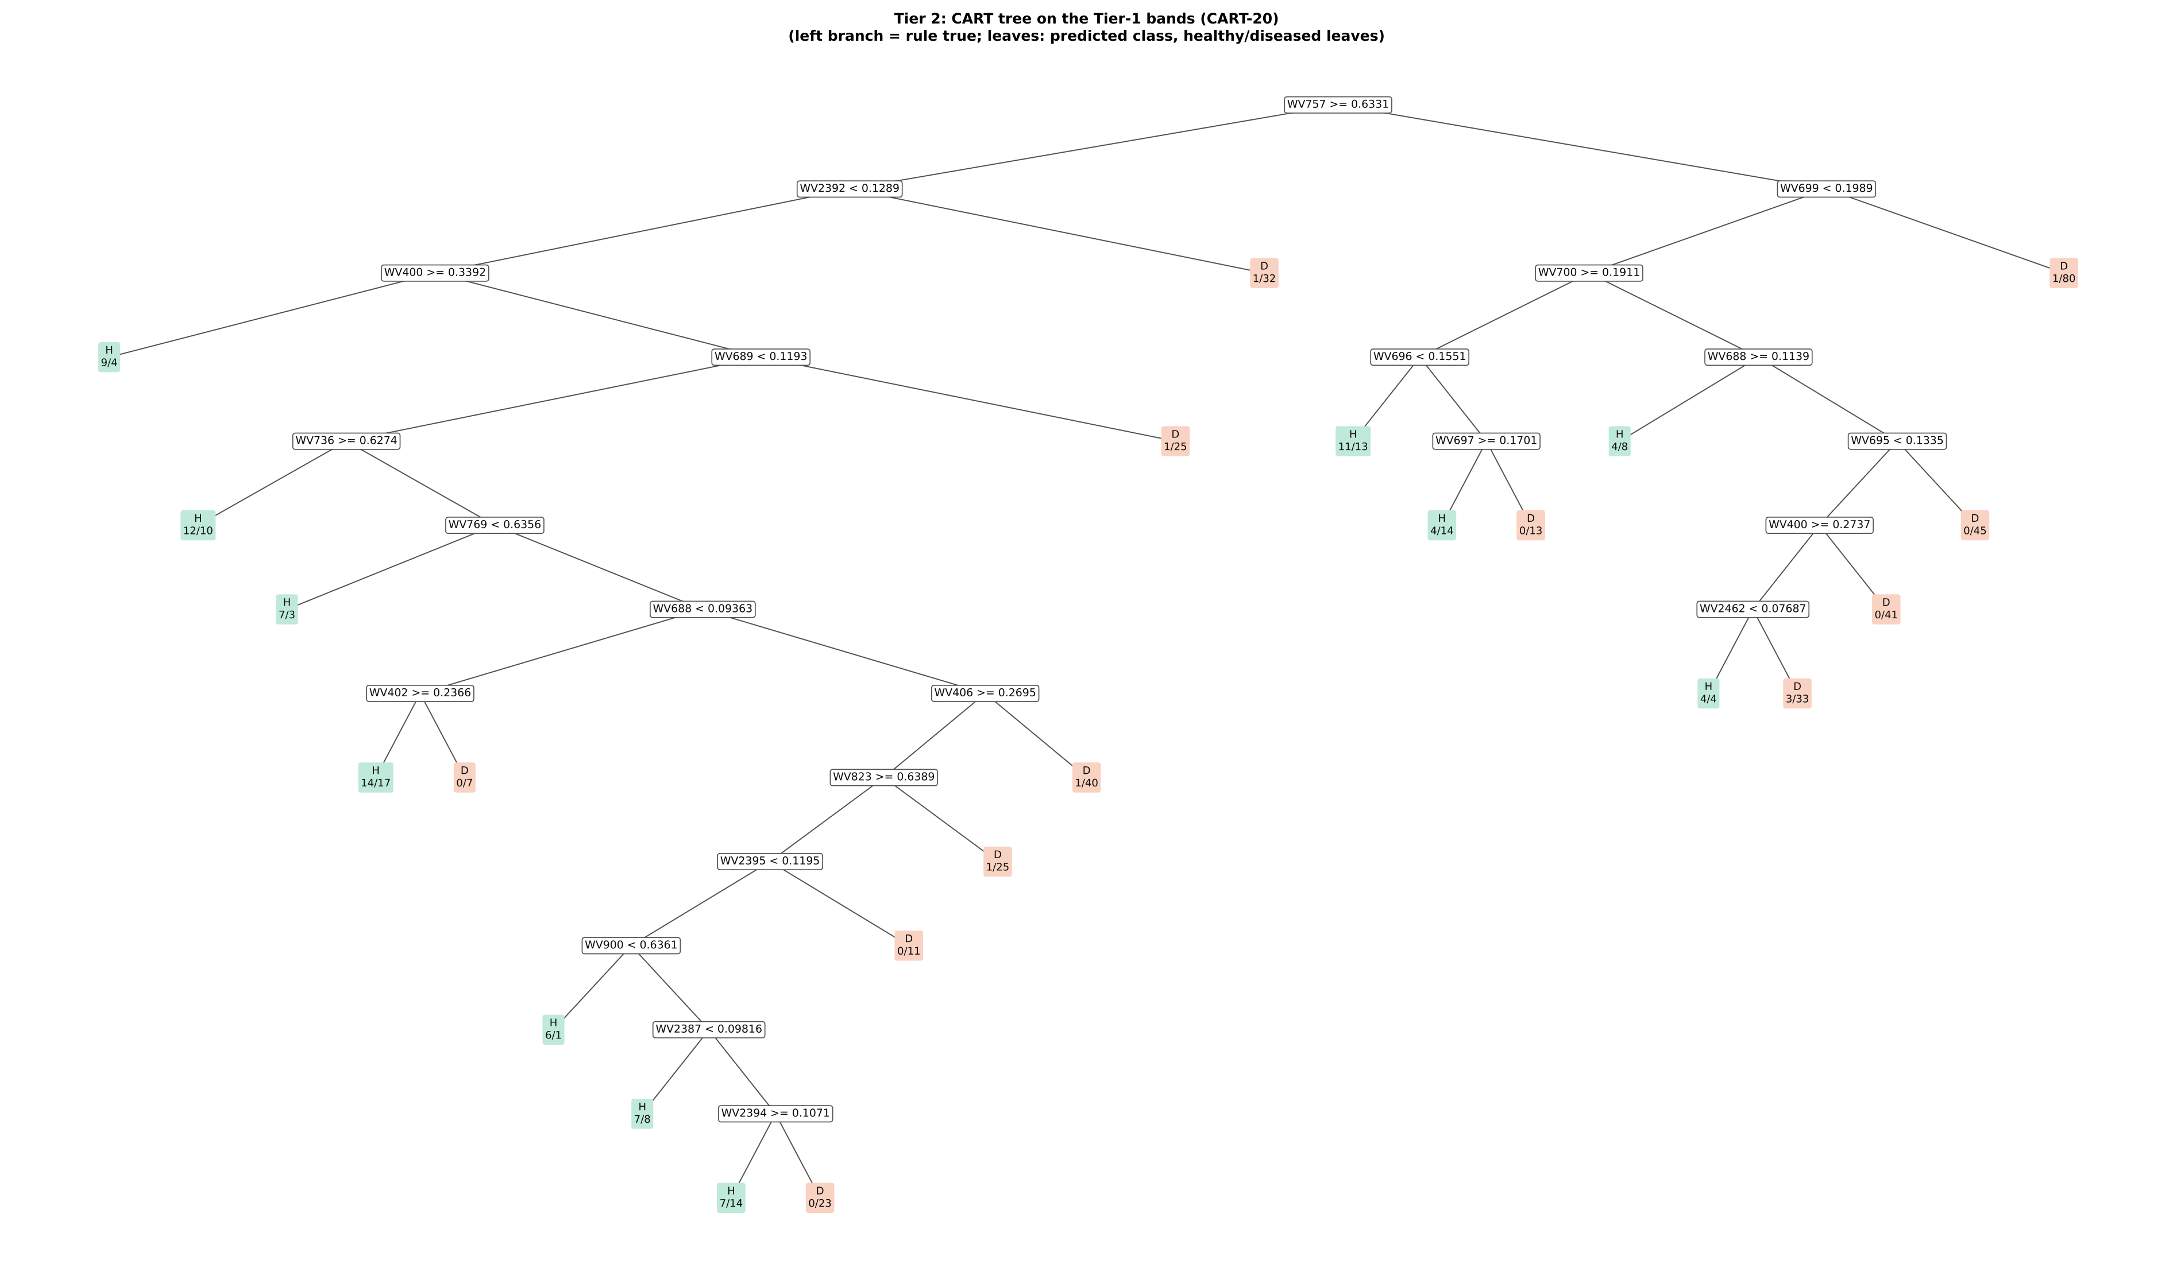
Figure 6 (as in Das et al. 2020 Fig. 6). CART tree

Table 3.2 Tree nodes (rpart frame)
Node | Depth | Split variable | Rule (left branch of the parent) | Leaves | Healthy | Diseased | Predicted class
1 | 0 | WV757 | root | 564 | 93 | 471 | H
2 | 1 | WV2392 | WV757>=0.6331 | 286 | 66 | 220 | H
4 | 2 | WV400 | WV2392< 0.1289 | 253 | 65 | 188 | H
8 | 3 | leaf | WV400>=0.3392 | 13 | 9 | 4 | H
9 | 3 | WV689 | WV400< 0.3392 | 240 | 56 | 184 | H
18 | 4 | WV736 | WV689< 0.1193 | 214 | 55 | 159 | H
36 | 5 | leaf | WV736>=0.6274 | 22 | 12 | 10 | H
37 | 5 | WV769 | WV736< 0.6274 | 192 | 43 | 149 | H
74 | 6 | leaf | WV769< 0.6356 | 10 | 7 | 3 | H
75 | 6 | WV688 | WV769>=0.6356 | 182 | 36 | 146 | H
150 | 7 | WV402 | WV688< 0.09363 | 38 | 14 | 24 | H
300 | 8 | leaf | WV402>=0.2366 | 31 | 14 | 17 | H
301 | 8 | leaf | WV402< 0.2366 | 7 | 0 | 7 | D
151 | 7 | WV406 | WV688>=0.09363 | 144 | 22 | 122 | D
302 | 8 | WV823 | WV406>=0.2695 | 103 | 21 | 82 | H
604 | 9 | WV2395 | WV823>=0.6389 | 77 | 20 | 57 | H
1208 | 10 | WV900 | WV2395< 0.1195 | 66 | 20 | 46 | H
2416 | 11 | leaf | WV900< 0.6361 | 7 | 6 | 1 | H
2417 | 11 | WV2387 | WV900>=0.6361 | 59 | 14 | 45 | H
4834 | 12 | leaf | WV2387< 0.09816 | 15 | 7 | 8 | H
4835 | 12 | WV2394 | WV2387>=0.09816 | 44 | 7 | 37 | D
9670 | 13 | leaf | WV2394>=0.1071 | 21 | 7 | 14 | H
9671 | 13 | leaf | WV2394< 0.1071 | 23 | 0 | 23 | D
1209 | 10 | leaf | WV2395>=0.1195 | 11 | 0 | 11 | D
605 | 9 | leaf | WV823< 0.6389 | 26 | 1 | 25 | D
303 | 8 | leaf | WV406< 0.2695 | 41 | 1 | 40 | D
19 | 4 | leaf | WV689>=0.1193 | 26 | 1 | 25 | D
5 | 2 | leaf | WV2392>=0.1289 | 33 | 1 | 32 | D
3 | 1 | WV699 | WV757< 0.6331 | 278 | 27 | 251 | D
6 | 2 | WV700 | WV699< 0.1989 | 197 | 26 | 171 | D
12 | 3 | WV696 | WV700>=0.1911 | 55 | 15 | 40 | H
24 | 4 | leaf | WV696< 0.1551 | 24 | 11 | 13 | H
25 | 4 | WV697 | WV696>=0.1551 | 31 | 4 | 27 | D
50 | 5 | leaf | WV697>=0.1701 | 18 | 4 | 14 | H
51 | 5 | leaf | WV697< 0.1701 | 13 | 0 | 13 | D
13 | 3 | WV688 | WV700< 0.1911 | 142 | 11 | 131 | D
26 | 4 | leaf | WV688>=0.1139 | 12 | 4 | 8 | H
27 | 4 | WV695 | WV688< 0.1139 | 130 | 7 | 123 | D
54 | 5 | WV400 | WV695< 0.1335 | 85 | 7 | 78 | D
108 | 6 | WV2462 | WV400>=0.2737 | 44 | 7 | 37 | D
216 | 7 | leaf | WV2462< 0.07687 | 8 | 4 | 4 | H
217 | 7 | leaf | WV2462>=0.07687 | 36 | 3 | 33 | D
109 | 6 | leaf | WV400< 0.2737 | 41 | 0 | 41 | D
55 | 5 | leaf | WV695>=0.1335 | 45 | 0 | 45 | D
7 | 2 | leaf | WV699>=0.1989 | 81 | 1 | 80 | D

Table 3.3 Complexity-parameter table (plot-grouped 10-fold CV)
CP | Number of splits | Relative error | Cross-validated error (plot-grouped) | SE of CV error
0.2426 | 0.0000 | 1.0000 | 1.0960 | 0.0878
0.0572 | 1.0000 | 0.7574 | 0.9511 | 0.0684
0.0382 | 2.0000 | 0.7002 | 0.9381 | 0.0672
0.0260 | 4.0000 | 0.6239 | 0.9275 | 0.0673
0.0212 | 5.0000 | 0.5978 | 0.9644 | 0.0710
0.0185 | 7.0000 | 0.5555 | 0.9668 | 0.0723
0.0163 | 13.00 | 0.4157 | 0.9803 | 0.0759
0.0149 | 16.00 | 0.3668 | 0.9676 | 0.0760
0.0143 | 17.00 | 0.3520 | 0.9938 | 0.0788
0.0133 | 18.00 | 0.3376 | 0.9854 | 0.0794
0.0115 | 19.00 | 0.3244 | 1.0155 | 0.0809
0.0100 | 22.00 | 0.2898 | 1.0347 | 0.0807
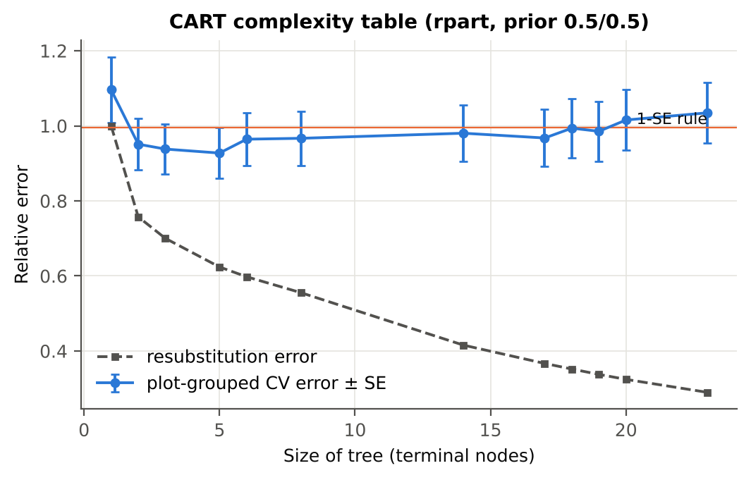

Table 3.4 Selected band sets
Tree | Bands | Wavelengths (nm)
CART-20 | 20 | 757, 2392, 699, 400, 700, 689, 696, 688, 736, 697, 695, 769, 2462, 402, 406, 823, 2395, 900, 2387, 2394
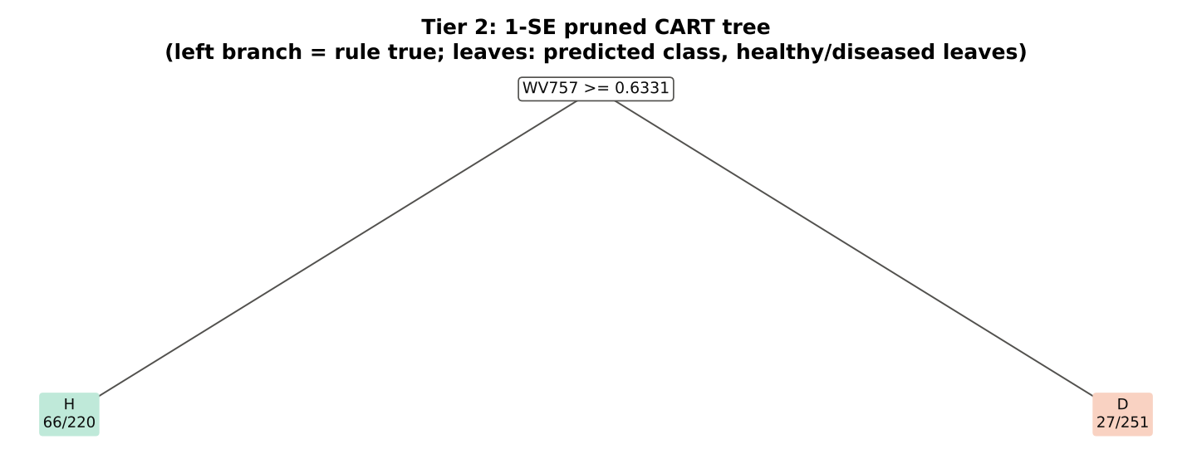
CART-1 (1-SE) | 1 | 757

Table 3.5 Cross-check of the CART result with scikit-learn
Item | rpart (R) | scikit-learn (balanced class weights) | Agreement
Root split | WV757>=0.6331 | WV757 < 0.6331 | identical variable
Split of the left child | WV2392< 0.1289 | WV699 | different
Bands used by the trees | 20 bands (cp = 0.01) | 19 bands (depth ≤ 8) | 18 of 20 rpart bands within ±5 nm
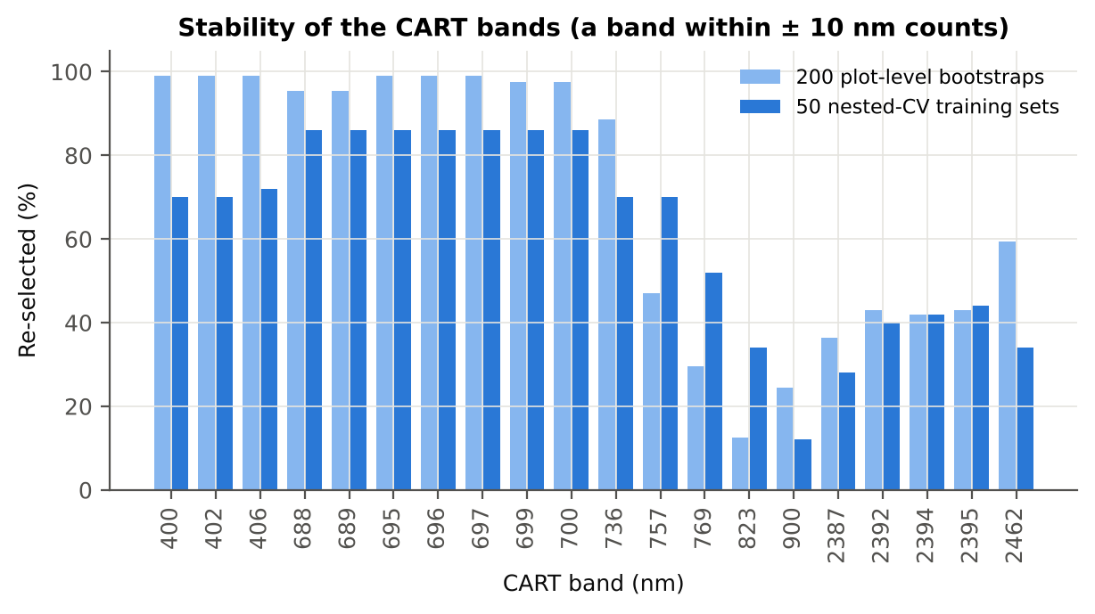

Figure 6b. Re-selection frequency of each CART band

Cross-checks for this step
Step | What was checked | Method | Result | Status
Tier 2 | CART implementation | rpart (R) vs scikit-learn DecisionTreeClassifier | root variable rpart 'WV757>=0.6331' vs sklearn 'WV757 < 0.6331' | PASS
Tier 2 | Stability of the selected bands | 200 plot-level bootstrap trees; 50 nested-CV training sets | 688 nm 86 %; 689 nm 86 %; 695 nm 86 % | PASS

07_Tier3_JM
Step 4 · Tier 3 — Jeffries–Matusita (J–M) distance
J–M = 2(1 − e^(−α)) on the 0–2 scale of the thresholds 1.90 / 1.94 used by Das et al.; √J–M (Eq. 1 printed in the paper, 0–√2) is also given.

Result in brief
Tier 3: J–M = 1.63 on the CART bands and 1.66 on the RF bands: neither set reaches the 1.90 separability threshold (Das et al. used 1.94).

What was done
α (Bhattacharyya distance) = ⅛ (μH − μD)ᵀ [(ΣH + ΣD)/2]⁻¹ (μH − μD) + ½ ln( |(ΣH + ΣD)/2| / √(|ΣH| |ΣD|) ), computed with class means and covariance matrices of the selected bands (Cholesky factorisation; checked against explicit inverse and determinants). Classes are 'separable' when J–M ≥ 1.90 (Das et al. used ≥ 1.94, 97 % of 2).
Table 1 (as in Das et al. 2020). J–M distance between healthy and diseased leaves (CART-20 bands)
 | Healthy | Diseased
Healthy | – | –
Diseased | 1.6325 | –

Table 4.1 Healthy vs diseased separability (formulas: J–M, √J–M and the threshold tests)
Band set | Bands | α (Bhattacharyya) | J–M (0–2) (Excel) | √J–M (Excel) | ≥ 1.90 ? (Excel) | ≥ 1.94 ? (Excel)
CART-20 | 20 | 1.6942 | 1.6325 | 1.2777 | not separable | not separable
CART-1 (1-SE) | 1 | 0.0151 | 0.0299 | 0.1730 | not separable | not separable

Table 4.2 J–M and QDA BA as the CART bands are added (order of first use in the tree)
Features used | CART feature added | CART J–M | CART QDA BA
1 | WV757 | 0.0299 | 59.5%
2 | WV2392 | 0.0671 | 58.6%
3 | WV699 | 0.2380 | 59.6%
4 | WV400 | 0.3492 | 58.4%
5 | WV700 | 0.5219 | 63.5%
6 | WV689 | 0.5880 | 63.6%
7 | WV696 | 0.6431 | 62.1%
8 | WV688 | 0.7944 | 63.0%
9 | WV736 | 0.8556 | 61.4%
10 | WV697 | 0.8946 | 62.5%
11 | WV695 | 0.9231 | 63.0%
12 | WV769 | 0.9524 | 62.1%
13 | WV2462 | 1.0218 | 65.3%
14 | WV402 | 1.0793 | 66.3%
15 | WV406 | 1.1855 | 69.6%
16 | WV823 | 1.2733 | 69.7%
17 | WV2395 | 1.3135 | 71.1%
18 | WV900 | 1.5891 | 81.6%
19 | WV2387 | 1.6087 | 82.5%
20 | WV2394 | 1.6325 | 80.2%
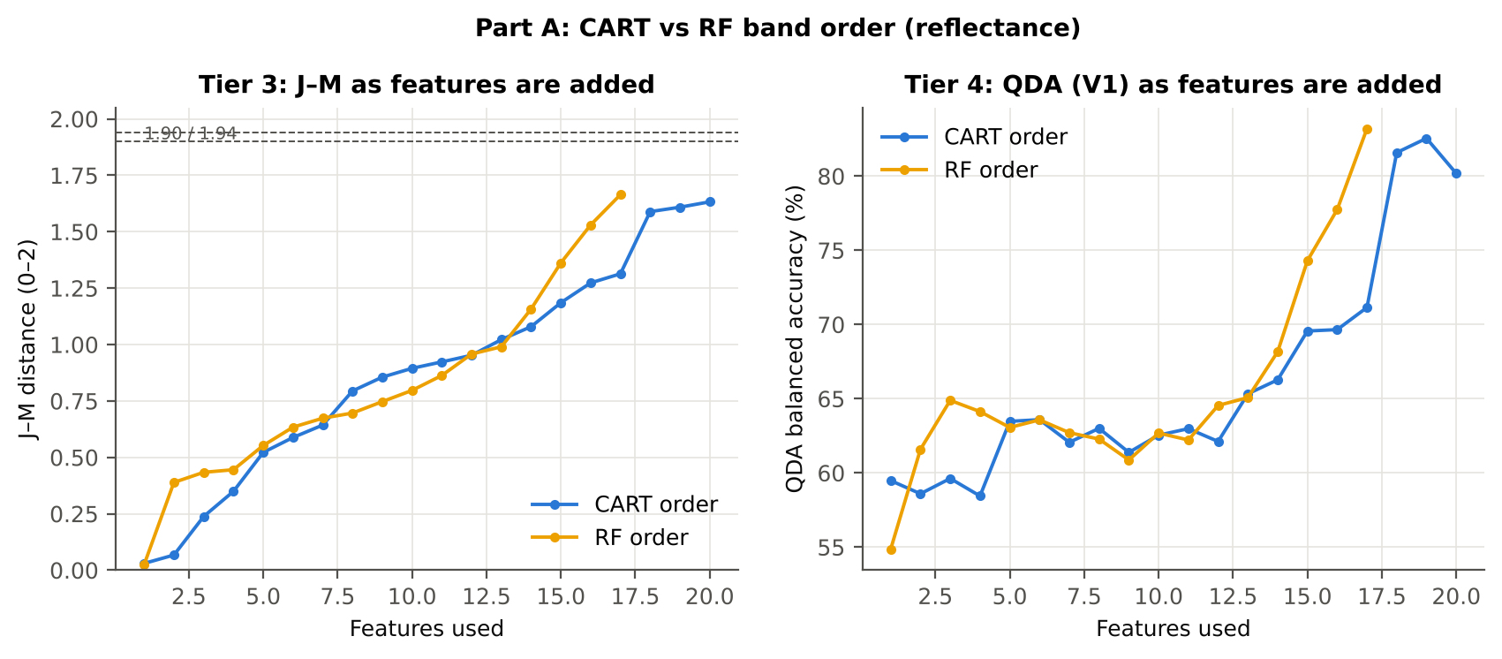

Table 4.3 Numerical diagnostics
Diagnostic | Value
Condition number of healthy covariance | 7.518E+07
Condition number of diseased covariance | 1.519E+08
J–M of the healthy class with itself (must be 0) | 0.0000

Cross-checks for this step
Step | What was checked | Method | Result | Status
Tier 3 | J–M implementation (Part A (raw reflectance)) | Cholesky/log-det vs explicit inverse/determinant | |Δα| = 1.5e-11 | PASS
Tier 3 | Invertibility of the class covariances | condition number of the class correlation matrices of every selected set | max 1.5e+08 (well below the ~1e12 limit of double precision) | FLAG
Tier 3 | J–M is scale-invariant | J–M on raw vs standardised features of every selected set | max |ΔJ–M| = 4.6e-10 | PASS
Tier 3 | J–M formula | J–M of the healthy class with itself (must be 0) | 0.0e+00 | PASS

09_Validation
Step 6 · Validation of the complete four-tier pipeline
From the protocol of Das et al. (bands chosen on all leaves, leaf-level CV) to honest estimates for new plots and new dates.

Result in brief
QDA on CART bands, equal priors: V1 80.2 %, V3 71.4 %, V4 66.5 %, V5 (leave-one-date-out on new plots) 48.9 %. Leaf-level CV is optimistic here (V1 − V3 > 3 points): plot effects and selection bias matter.

What was done
Das et al. selected bands on all data and validated QDA by 10-fold CV on the same data (V1). Here the pipeline is also validated with folds grouped by plot (V2), with the whole pipeline nested inside plot-grouped folds (V3, 10-fold × 5 = 50 folds), on independent hold-out plots (V4, 10 splits), with random under-sampling instead of equal priors (V3-RUS) and on an unseen date in unseen plots (V5, additional). All rows: QDA on CART-selected bands.
Table 6.1 Validation results (mean over repeats; SD over repeats)
Scheme | Priors | repeats | OA | BA | BA_SD | kappa | AUC | PA_H | PA_D | UA_H | UA_D
V1 · leaf-level 10-fold, bands fixed | equal (corrected) | 1 | 86.3% | 80.2% |  | 0.5490 | 0.8867 | 71.0% | 89.4% | 56.9% | 94.0%
V2 · plot-grouped 10-fold, bands fixed | equal (corrected) | 1 | 85.3% | 77.0% |  | 0.5022 | 0.8594 | 64.5% | 89.4% | 54.5% | 92.7%
V3 · nested plot-grouped 10-fold × 5 = 50 folds | equal (corrected) | 5 | 74.4% | 71.4% | 2.5% | 0.3174 | 0.8055 | 67.1% | 75.8% | 35.6% | 92.1%
V4 · 30 % plot hold-out × 10 | equal (corrected) | 10 | 68.0% | 66.5% | 8.2% | 0.2250 | 0.7373 | 64.4% | 68.5% | 28.6% | 91.9%
V5 · leave-one-date-out on new plots (20 units) | equal (corrected) | 10 | 54.6% | 48.9% | 7.0% | -0.0098 | 0.4880 | 40.5% | 57.3% | 14.0% | 84.7%
V1 · leaf-level 10-fold, bands fixed | sample (uncorrected) | 1 | 89.2% | 78.0% |  | 0.5877 | 0.8866 | 61.3% | 94.7% | 69.5% | 92.5%
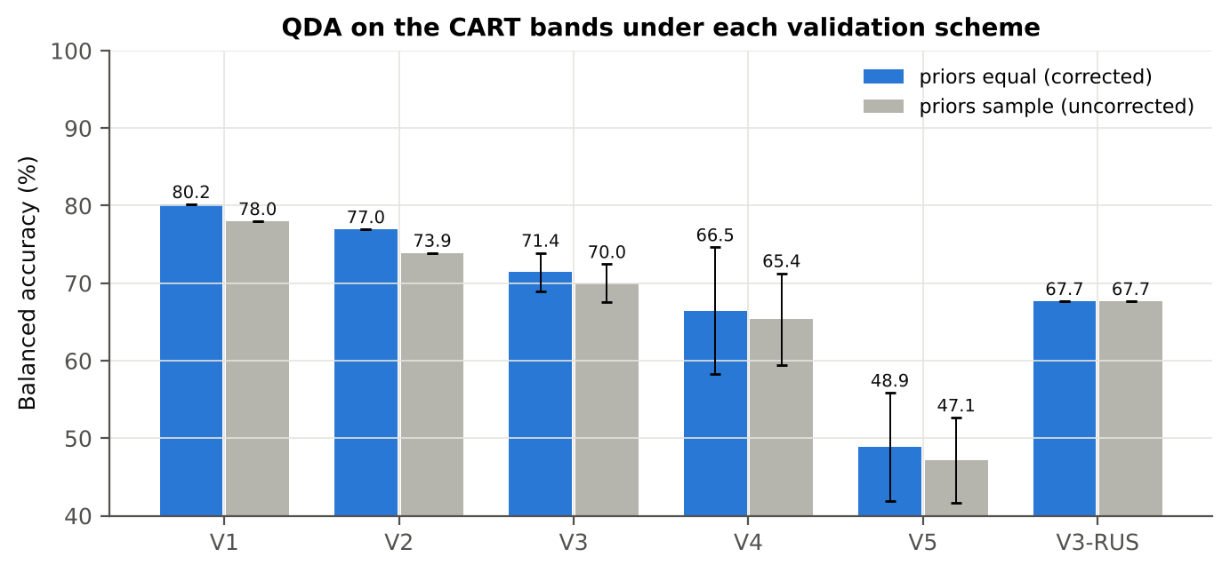
V2 · plot-grouped 10-fold, bands fixed | sample (uncorrected) | 1 | 87.4% | 73.9% |  | 0.5113 | 0.8591 | 53.8% | 94.1% | 64.1% | 91.2%
V3 · nested plot-grouped 10-fold × 5 = 50 folds | sample (uncorrected) | 5 | 82.6% | 70.0% | 2.5% | 0.3894 | 0.8050 | 51.2% | 88.8% | 48.1% | 90.2%
V4 · 30 % plot hold-out × 10 | sample (uncorrected) | 10 | 79.7% | 65.4% | 5.9% | 0.2738 | 0.7373 | 45.2% | 85.5% | 35.6% | 90.4%
V5 · leave-one-date-out on new plots (20 units) | sample (uncorrected) | 10 | 65.9% | 47.1% | 5.5% | -0.0309 | 0.4904 | 20.4% | 73.9% | 13.4% | 84.5%
V3-RUS · nested + random under-sampling | equal (corrected) | 1 | 61.9% | 67.7% |  | 0.2035 | 0.7141 | 76.3% | 59.0% | 26.9% | 92.7%
V3-RUS · nested + random under-sampling | sample (uncorrected) | 1 | 61.9% | 67.7% |  | 0.2035 | 0.7141 | 76.3% | 59.0% | 26.9% | 92.7%

Table 6.2 Error matrix, V3 (nested plot-grouped CV, 5 repeats pooled) — QDA on CART bands, equal priors
Classified \ Reference | Healthy | Diseased | Row total | User's accuracy (%)
Healthy | 312 | 570 | 882 | 35.37
Diseased | 153 | 1785 | 1938 | 92.11
Column total | 465 | 2355 | 2820
Producer's accuracy (%) | 67.10 | 75.80
Overall accuracy (%) | 74.36
Balanced accuracy (%) | 71.45
Cohen's κ | 0.315
F1 healthy | 0.463
F1 diseased | 0.832

Table 6.3 Error matrix, V4 (independent hold-out plots, 10 splits pooled) — QDA on CART bands, equal priors
Classified \ Reference | Healthy | Diseased | Row total | User's accuracy (%)
Healthy | 164 | 472 | 636 | 25.79
Diseased | 88 | 1031 | 1119 | 92.14
Column total | 252 | 1503 | 1755
Producer's accuracy (%) | 65.08 | 68.60
Overall accuracy (%) | 68.09
Balanced accuracy (%) | 66.84
Cohen's κ | 0.206
F1 healthy | 0.369
F1 diseased | 0.786

Table 6.4 Error matrix, V5 (leave-one-date-out on new plots, 20 units pooled) — QDA on CART bands, equal priors
Classified \ Reference | Healthy | Diseased | Row total | User's accuracy (%)
Healthy | 100 | 646 | 746 | 13.40
Diseased | 152 | 857 | 1009 | 84.94
Column total | 252 | 1503 | 1755
Producer's accuracy (%) | 39.68 | 57.02
Overall accuracy (%) | 54.53
Balanced accuracy (%) | 48.35
Cohen's κ | -0.018
F1 healthy | 0.200
F1 diseased | 0.682

Table 6.5 Sensitivity to the band set (full pipeline repeated)
Band set | CART bands | BA V1 | BA V3 nested | BA V4 hold-out | CART bands (nm)
400–2500 nm (main: 350–399 removed) | 20 | 80.2% | 71.4% | 66.5% | 400, 402, 406, 688, 689, 695, 696, 697, 699, 700, 736, 757, 769, 823, 900, 2387, 2392, 2394, 2395, 2462
350–2500 nm (nothing removed) | 12 | 75.3% | 73.6% | 68.4% | 350, 354, 355, 360, 361, 362, 369, 373, 376, 377, 379, 381
450–2450 nm (both detector edges trimmed) | 22 | 81.3% | 74.3% | 69.4% | 688, 695, 696, 697, 699, 700, 703, 733, 737, 757, 769, 777, 823, 900, 2364, 2367, 2380, 2392, 2414, 2421, 2432, 2443

10_A1_RF_Importance
Part A1 · Random Forest as the Tier-2 band selector (instead of CART)
Input: the 296 bands with p < 0.05 (uncorrected) — only 0 band(s) passed the FDR correction on all leaves, so the fallback rule of Tier 1 was applied (same as CART).

What was done
A Balanced Random Forest (1000 trees, √296 candidate bands per split, each tree grown on a balanced bootstrap of 93 + 93 leaves) was fitted to all leaves; band importance = mean decrease in Gini impurity (MDI). Because neighbouring bands are almost identical, bands were picked as importance peaks: local maxima of the importance spectrum, at least 10 nm apart. The 17 highest peaks form the RF band set (the CART set of Das et al. had 17 bands); the 10 highest a smaller set. Checks: a second forest with another seed, R randomForest, permutation importance, and an ordinary class-weighted forest.
Table A1.1 RF band set: the 17 highest importance peaks
Rank | Band (nm) | Importance × 1000 | Region | Mean healthy | Mean diseased | Welch t | q (BH) | Mixed model significant | Nearest CART band | Distance (nm)
1 | 406.00 | 11.58 | Blue (400–499) | 0.2906 | 0.2815 | -2.6730 | 0.2175 | no | 406.00 | 0.0000
2 | 688.00 | 10.60 | Red edge (680–759) | 0.1045 | 0.1078 | 2.0836 | 0.3154 | no | 688.00 | 0.0000
3 | 701.00 | 10.12 | Red edge (680–759) | 0.2059 | 0.2122 | 2.3969 | 0.2905 | no | 700.00 | 1.0000
4 | 730.00 | 6.4757 | Red edge (680–759) | 0.5574 | 0.5499 | -2.0894 | 0.3146 | no | 736.00 | 6.0000
5 | 744.00 | 5.9281 | Red edge (680–759) | 0.6251 | 0.6140 | -2.7946 | 0.2175 | no | 736.00 | 8.0000
6 | 2456.00 | 5.3807 | SWIR-2 end (2350–2500) | 0.0839 | 0.0867 | 2.0201 | 0.3380 | no | 2462.00 | 6.0000
7 | 757.00 | 4.6497 | Red edge (680–759) | 0.6409 | 0.6291 | -2.9008 | 0.2175 | no | 757.00 | 0.0000
8 | 2364.00 | 4.4145 | SWIR-2 end (2350–2500) | 0.1207 | 0.1251 | 1.9881 | 0.3493 | no | 2387.00 | 23.00
9 | 2392.00 | 3.9249 | SWIR-2 end (2350–2500) | 0.1074 | 0.1115 | 2.2190 | 0.3136 | no | 2392.00 | 0.0000
10 | 2443.00 | 3.9165 | SWIR-2 end (2350–2500) | 0.0871 | 0.0900 | 2.0948 | 0.3143 | no | 2462.00 | 19.00
11 | 2375.00 | 3.8530 | SWIR-2 end (2350–2500) | 0.1153 | 0.1197 | 2.1260 | 0.3143 | no | 2387.00 | 12.00
12 | 2425.00 | 3.5569 | SWIR-2 end (2350–2500) | 0.0931 | 0.0964 | 2.1772 | 0.3136 | no | 2395.00 | 30.00
13 | 2408.00 | 3.4727 | SWIR-2 end (2350–2500) | 0.1002 | 0.1040 | 2.2926 | 0.3134 | no | 2395.00 | 13.00
14 | 898.00 | 3.4077 | NIR (760–1349) | 0.6318 | 0.6243 | -2.0115 | 0.3396 | no | 900.00 | 2.0000
15 | 775.00 | 3.2245 | NIR (760–1349) | 0.6414 | 0.6298 | -2.8637 | 0.2175 | no | 769.00 | 6.0000
16 | 886.00 | 2.6395 | NIR (760–1349) | 0.6325 | 0.6246 | -2.0787 | 0.3179 | no | 900.00 | 14.00
17 | 793.00 | 2.5851 | NIR (760–1349) | 0.6394 | 0.6284 | -2.7758 | 0.2175 | no | 769.00 | 24.00

Table A1.2 The CART bands seen through the RF importance
CART band (nm) | Region | RF importance rank (of 296) | RF importance × 1000 | Nearest RF-17 band | Distance (nm)
400.00 | Blue (400–499) | 7 | 9.7818 | 406.00 | 6.0000
402.00 | Blue (400–499) | 13 | 9.4617 | 406.00 | 4.0000
406.00 | Blue (400–499) | 1 | 11.58 | 406.00 | 0.0000
688.00 | Red edge (680–759) | 2 | 10.60 | 688.00 | 0.0000
689.00 | Red edge (680–759) | 23 | 8.2763 | 688.00 | 1.0000
695.00 | Red edge (680–759) | 14 | 9.4489 | 701.00 | 6.0000
696.00 | Red edge (680–759) | 10 | 9.6133 | 701.00 | 5.0000
697.00 | Red edge (680–759) | 9 | 9.6669 | 701.00 | 4.0000
699.00 | Red edge (680–759) | 15 | 9.0244 | 701.00 | 2.0000
700.00 | Red edge (680–759) | 8 | 9.6900 | 701.00 | 1.0000
736.00 | Red edge (680–759) | 31 | 5.6732 | 730.00 | 6.0000
757.00 | Red edge (680–759) | 44 | 4.6497 | 757.00 | 0.0000
769.00 | NIR (760–1349) | 145 | 2.8578 | 775.00 | 6.0000
823.00 | NIR (760–1349) | 238 | 1.8716 | 793.00 | 30.00
900.00 | NIR (760–1349) | 173 | 2.6005 | 898.00 | 2.0000
2387.00 | SWIR-2 end (2350–2500) | 107 | 3.2409 | 2392.00 | 5.0000
2392.00 | SWIR-2 end (2350–2500) | 63 | 3.9249 | 2392.00 | 0.0000
2394.00 | SWIR-2 end (2350–2500) | 79 | 3.5785 | 2392.00 | 2.0000
2395.00 | SWIR-2 end (2350–2500) | 113 | 3.2088 | 2392.00 | 3.0000
2462.00 | SWIR-2 end (2350–2500) | 43 | 4.6603 | 2456.00 | 6.0000
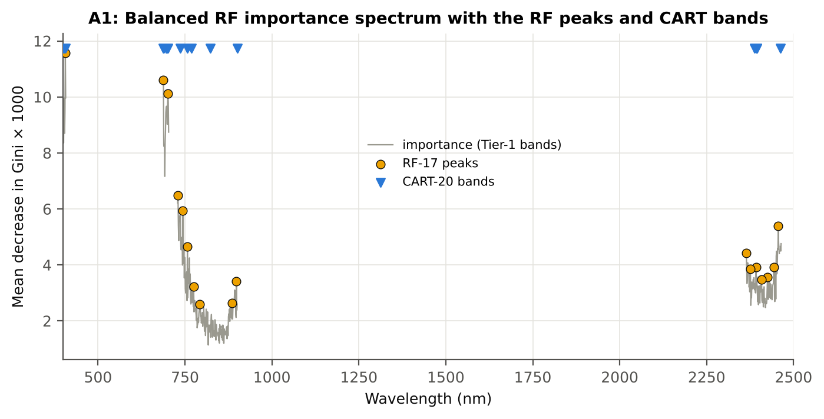

Figure A1. RF importance spectrum with the RF peaks (orange) and the CART bands (blue triangles)

Table A1.3 Checks of the RF importance
Check | Value | Result | Status
Reproducibility: importance of seed 42 vs seed 7 (Spearman ρ) | 0.904 | 15 of 17 peaks within ±10 nm | PASS
R randomForest (stratified sampsize 93 + 93), mean decrease in Gini | ρ = 0.905 | 16 of 17 peaks within ±10 nm; R out-of-bag BA 0.581 | PASS
Permutation importance (drop in AUC, 5 plot-grouped folds) vs Gini, top-50 bands | ρ = -0.22 | shuffling one band hardly changes the forest because its neighbours carry the same information | FLAG
Ordinary RF with class weights only (no balanced bootstrap), out-of-bag | BA 0.578 | healthy recall 0.28: class weights alone leave the forest biased | PASS

12_A3_CART_vs_RF
Part A3 · CART vs RF as classifiers and as band selectors — honest validation
Same folds everywhere: V1 leaf-level 10-fold; V3 nested plot-grouped 10-fold × 5 = 50 folds; V4 30 % plot hold-out × 10; V5 leave-one-date-out on new plots.

Result in brief
CART vs RF: as classifiers RF beats CART by +0.0 points (V3, 24 of 50 folds, p = 0.992); as band selectors for QDA the RF bands are +1.4 points vs the CART bands (p = 0.335). RF selection is less stable (Jaccard ±10 nm 0.37 vs 0.39).

What was done
Four pipelines on identical folds. CART classifier: the rpart tree itself predicts. RF classifier: a Balanced RF (500 trees) on the Tier-1 bands predicts. QDA on CART bands: Tier 4 of the paper. QDA on RF bands: QDA on the 17 RF importance peaks. In V3, V4 and V5, Tier 1 and band selection are repeated inside every training set. Paired Wilcoxon signed-rank tests compare pipelines over the 50 V3 folds and the 10 V4 splits.
Table A3.1 Validation results (mean over repeats; SD over repeats)
Pipeline | Scheme | repeats | OA | BA | BA_SD | kappa | AUC | PA_H | PA_D | UA_H | UA_D
CART classifier | V1 | 1 | 64.5% | 58.5% |  | 0.1165 | 0.5771 | 49.5% | 67.5% | 23.1% | 87.1%
CART classifier | V3 | 5 | 62.4% | 51.2% | 3.5% | 0.0180 | 0.5151 | 34.6% | 67.9% | 17.6% | 84.0%
CART classifier | V4 | 10 | 61.6% | 51.9% | 4.0% | 0.0179 | 0.5103 | 37.7% | 66.0% | 15.4% | 86.3%
CART classifier | V5 | 10 | 50.8% | 51.9% | 3.7% | 0.0196 | 0.5256 | 52.7% | 51.1% | 15.7% | 86.4%
RF classifier | V1 | 1 | 68.3% | 59.0% |  | 0.1350 | 0.6528 | 45.2% | 72.8% | 24.7% | 87.1%
RF classifier | V3 | 5 | 64.8% | 50.9% | 3.5% | 0.0147 | 0.5113 | 30.3% | 71.5% | 17.4% | 83.9%
RF classifier | V4 | 10 | 64.7% | 55.0% | 4.1% | 0.0638 | 0.5633 | 41.2% | 68.8% | 18.2% | 87.5%
RF classifier | V5 | 10 | 45.8% | 48.4% | 3.7% | -0.0174 | 0.4668 | 50.9% | 45.8% | 13.5% | 84.3%
QDA on CART features | V1 | 1 | 86.3% | 80.2% |  | 0.5490 | 0.8867 | 71.0% | 89.4% | 56.9% | 94.0%
QDA on CART features | V3 | 5 | 74.4% | 71.4% | 2.5% | 0.3174 | 0.8055 | 67.1% | 75.8% | 35.6% | 92.1%
QDA on CART features | V4 | 10 | 68.0% | 66.5% | 8.2% | 0.2250 | 0.7373 | 64.4% | 68.5% | 28.6% | 91.9%
QDA on CART features | V5 | 10 | 54.6% | 48.9% | 7.0% | -0.0098 | 0.4880 | 40.5% | 57.3% | 14.0% | 84.7%
QDA on RF features | V1 | 1 | 86.3% | 83.2% |  | 0.5725 | 0.9130 | 78.5% | 87.9% | 56.2% | 95.4%
QDA on RF features | V3 | 5 | 74.8% | 72.8% | 6.0% | 0.3419 | 0.8294 | 69.9% | 75.7% | 37.6% | 92.6%
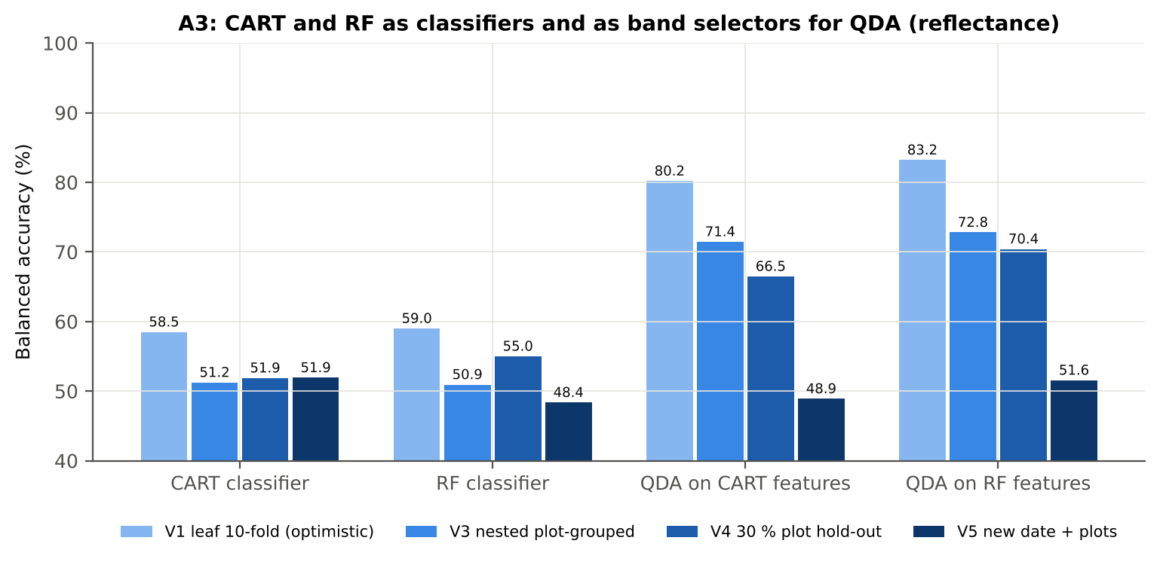
QDA on RF features | V4 | 10 | 72.0% | 70.4% | 11.1% | 0.3131 | 0.7741 | 68.0% | 72.8% | 36.1% | 92.5%
QDA on RF features | V5 | 10 | 73.3% | 51.6% | 7.8% | 0.0626 | 0.5334 | 20.5% | 82.7% | 30.8% | 85.6%

Table A3.2 Paired comparisons (same folds; positive = first pipeline better)
Comparison | Units | n | Mean difference | SD | First better | Second better | Ties | Wilcoxon p
RF classifier − CART classifier | V3 nested (folds) | 50 | 0.0% | 10.6% | 24 | 25 | 1 | 0.9921
RF classifier − CART classifier | V4 hold-out (splits) | 10 | 3.1% | 5.9% | 8 | 2 | 0 | 0.1934
QDA on RF features − QDA on CART features | V3 nested (folds) | 50 | 1.4% | 11.7% | 28 | 21 | 1 | 0.3345
QDA on RF features − QDA on CART features | V4 hold-out (splits) | 10 | 3.9% | 13.0% | 7 | 3 | 0 | 0.3750
QDA on CART features − CART classifier | V3 nested (folds) | 50 | 20.2% | 15.4% | 47 | 3 | 0 | 1.653E-09
QDA on CART features − CART classifier | V4 hold-out (splits) | 10 | 14.6% | 8.8% | 10 | 0 | 0 | 0.0020
QDA on RF features − RF classifier | V3 nested (folds) | 50 | 21.6% | 18.2% | 43 | 6 | 1 | 3.280E-08
QDA on RF features − RF classifier | V4 hold-out (splits) | 10 | 15.4% | 12.1% | 9 | 1 | 0 | 0.0059

Error matrix — CART classifier, V4 hold-out plots (10 splits pooled)
Classified \ Reference | Healthy | Diseased | Row total | User's accuracy (%)
Healthy | 92 | 515 | 607 | 15.16
Diseased | 160 | 988 | 1148 | 86.06
Column total | 252 | 1503 | 1755
Producer's accuracy (%) | 36.51 | 65.74
Overall accuracy (%) | 61.54
Balanced accuracy (%) | 51.12
Cohen's κ | 0.014
F1 healthy | 0.214
F1 diseased | 0.745

Error matrix — RF classifier, V4 hold-out plots (10 splits pooled)
Classified \ Reference | Healthy | Diseased | Row total | User's accuracy (%)
Healthy | 103 | 472 | 575 | 17.91
Diseased | 149 | 1031 | 1180 | 87.37
Column total | 252 | 1503 | 1755
Producer's accuracy (%) | 40.87 | 68.60
Overall accuracy (%) | 64.62
Balanced accuracy (%) | 54.73
Cohen's κ | 0.062
F1 healthy | 0.249
F1 diseased | 0.769

Error matrix — QDA on CART features, V4 hold-out plots (10 splits pooled)
Classified \ Reference | Healthy | Diseased | Row total | User's accuracy (%)
Healthy | 164 | 472 | 636 | 25.79
Diseased | 88 | 1031 | 1119 | 92.14
Column total | 252 | 1503 | 1755
Producer's accuracy (%) | 65.08 | 68.60
Overall accuracy (%) | 68.09
Balanced accuracy (%) | 66.84
Cohen's κ | 0.206
F1 healthy | 0.369
F1 diseased | 0.786

Error matrix — QDA on RF features, V4 hold-out plots (10 splits pooled)
Classified \ Reference | Healthy | Diseased | Row total | User's accuracy (%)
Healthy | 170 | 405 | 575 | 29.57
Diseased | 82 | 1098 | 1180 | 93.05
Column total | 252 | 1503 | 1755
Producer's accuracy (%) | 67.46 | 73.05
Overall accuracy (%) | 72.25
Balanced accuracy (%) | 70.26
Cohen's κ | 0.264
F1 healthy | 0.411
F1 diseased | 0.818

13_A4_Band_Stability
Part A4 · Stability of the CART and RF band sets
Re-selection in the 50 nested training sets of V3 (a band counts if a band within ± 10 nm is selected).

Result in brief
Mean pairwise Jaccard (±10 nm): RF 0.37, CART 0.39 over 50 nested training sets.
Table A4.1 The CART-20 bands
Feature | Type | Re-selected by CART (±10 nm) | Re-selected by RF (±10 nm)
WV757 | Raw reflectance | 70.0% | 90.0%
WV2392 | Raw reflectance | 40.0% | 48.0%
WV699 | Raw reflectance | 86.0% | 86.0%
WV400 | Raw reflectance | 70.0% | 78.0%
WV700 | Raw reflectance | 86.0% | 86.0%
WV689 | Raw reflectance | 86.0% | 80.0%
WV696 | Raw reflectance | 86.0% | 86.0%
WV688 | Raw reflectance | 86.0% | 78.0%
WV736 | Raw reflectance | 70.0% | 88.0%
WV697 | Raw reflectance | 86.0% | 86.0%
WV695 | Raw reflectance | 86.0% | 86.0%
WV769 | Raw reflectance | 52.0% | 90.0%
WV2462 | Raw reflectance | 34.0% | 46.0%
WV402 | Raw reflectance | 70.0% | 78.0%
WV406 | Raw reflectance | 72.0% | 78.0%
WV823 | Raw reflectance | 34.0% | 38.0%
WV2395 | Raw reflectance | 44.0% | 48.0%
WV900 | Raw reflectance | 12.0% | 10.0%
WV2387 | Raw reflectance | 28.0% | 40.0%
WV2394 | Raw reflectance | 42.0% | 46.0%

Table A4.2 The RF-17 bands
Feature | Type | Re-selected by CART (±10 nm) | Re-selected by RF (±10 nm)
WV406 | Raw reflectance | 72.0% | 78.0%
WV688 | Raw reflectance | 86.0% | 78.0%
WV701 | Raw reflectance | 86.0% | 84.0%
WV730 | Raw reflectance | 60.0% | 84.0%
WV744 | Raw reflectance | 72.0% | 88.0%
WV2456 | Raw reflectance | 36.0% | 50.0%
WV757 | Raw reflectance | 70.0% | 90.0%
WV2364 | Raw reflectance | 20.0% | 28.0%
WV2392 | Raw reflectance | 40.0% | 48.0%
WV2443 | Raw reflectance | 34.0% | 50.0%
WV2375 | Raw reflectance | 18.0% | 32.0%
WV2425 | Raw reflectance | 28.0% | 46.0%
WV2408 | Raw reflectance | 42.0% | 44.0%
WV898 | Raw reflectance | 14.0% | 10.0%
WV775 | Raw reflectance | 48.0% | 86.0%
WV886 | Raw reflectance | 12.0% | 22.0%
WV793 | Raw reflectance | 30.0% | 68.0%

Table A4.3 Stability index
Method | Training sets | Mean features | Range | Unique features (union) | Selected in all sets (exact) | Stability index (exact) = all / union | Selected in all sets (±10 nm) | Stability index (±10 nm) | Mean pairwise Jaccard (±10 nm) | SD Jaccard
CART | 50 | 15.72 | 6–22 | 296 | 0 | 0.0000 | 0 | 0.0000 | 0.3887 | 0.1717
RF | 50 | 14.70 | 1–17 | 383 | 0 | 0.0000 | 0 | 0.0000 | 0.3714 | 0.2104
Stability index (exact) = bands selected in all 50 training sets ÷ all bands ever selected; the ±10 nm version counts a band as re-selected when a band within 10 nm is chosen; the mean pairwise Jaccard index (±10 nm) compares every pair of training sets.
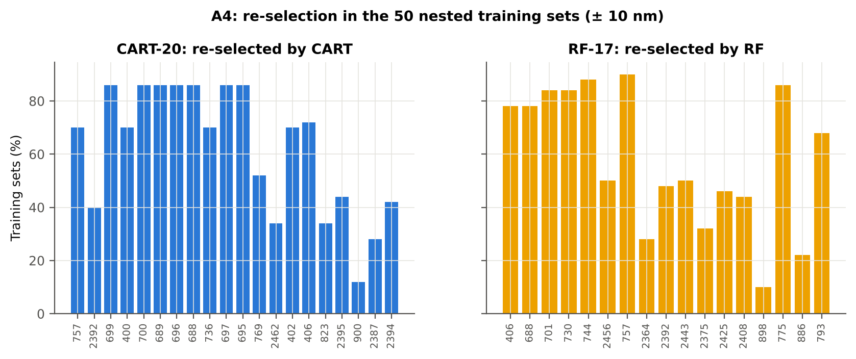

Table A4.4 Bands most often selected by CART (exact band)
Feature | Type | Times selected (exact) | Share of training sets
WV406 | Raw reflectance | 24 | 48.0%
WV694 | Raw reflectance | 21 | 42.0%
WV699 | Raw reflectance | 20 | 40.0%
WV400 | Raw reflectance | 20 | 40.0%
WV695 | Raw reflectance | 18 | 36.0%
WV700 | Raw reflectance | 16 | 32.0%
WV696 | Raw reflectance | 15 | 30.0%
WV741 | Raw reflectance | 14 | 28.0%
WV757 | Raw reflectance | 13 | 26.0%
WV697 | Raw reflectance | 13 | 26.0%
WV690 | Raw reflectance | 11 | 22.0%
WV692 | Raw reflectance | 11 | 22.0%
WV823 | Raw reflectance | 10 | 20.0%
WV738 | Raw reflectance | 10 | 20.0%
WV701 | Raw reflectance | 10 | 20.0%
WV698 | Raw reflectance | 10 | 20.0%
WV407 | Raw reflectance | 10 | 20.0%
WV689 | Raw reflectance | 9 | 18.0%
WV693 | Raw reflectance | 9 | 18.0%
WV744 | Raw reflectance | 9 | 18.0%
WV687 | Raw reflectance | 9 | 18.0%
WV702 | Raw reflectance | 8 | 16.0%
WV403 | Raw reflectance | 8 | 16.0%
WV736 | Raw reflectance | 8 | 16.0%
WV2401 | Raw reflectance | 7 | 14.0%
WV691 | Raw reflectance | 7 | 14.0%
WV402 | Raw reflectance | 6 | 12.0%
WV2455 | Raw reflectance | 6 | 12.0%
WV734 | Raw reflectance | 6 | 12.0%
WV785 | Raw reflectance | 6 | 12.0%

Table A4.5 Bands most often selected by RF (exact band)
Feature | Type | Times selected (exact) | Share of training sets
WV406 | Raw reflectance | 25 | 50.0%
WV746 | Raw reflectance | 9 | 18.0%
WV700 | Raw reflectance | 9 | 18.0%
WV747 | Raw reflectance | 8 | 16.0%
WV687 | Raw reflectance | 8 | 16.0%
WV761 | Raw reflectance | 7 | 14.0%
WV783 | Raw reflectance | 7 | 14.0%
WV699 | Raw reflectance | 7 | 14.0%
WV735 | Raw reflectance | 6 | 12.0%
WV779 | Raw reflectance | 6 | 12.0%
WV697 | Raw reflectance | 6 | 12.0%
WV733 | Raw reflectance | 6 | 12.0%
WV689 | Raw reflectance | 5 | 10.0%
WV762 | Raw reflectance | 5 | 10.0%
WV772 | Raw reflectance | 5 | 10.0%
WV736 | Raw reflectance | 5 | 10.0%
WV758 | Raw reflectance | 5 | 10.0%
WV744 | Raw reflectance | 5 | 10.0%
WV790 | Raw reflectance | 5 | 10.0%
WV770 | Raw reflectance | 5 | 10.0%
WV743 | Raw reflectance | 5 | 10.0%
WV760 | Raw reflectance | 5 | 10.0%
WV759 | Raw reflectance | 5 | 10.0%
WV732 | Raw reflectance | 5 | 10.0%
WV2455 | Raw reflectance | 5 | 10.0%
WV757 | Raw reflectance | 5 | 10.0%
WV701 | Raw reflectance | 4 | 8.0%
WV737 | Raw reflectance | 4 | 8.0%
WV403 | Raw reflectance | 4 | 8.0%
WV774 | Raw reflectance | 4 | 8.0%

14_K0_Denoising
Step K0 · Spectral smoothing / denoising and detector joins
Splice correction, Savitzky–Golay smoothing and derivatives; guard zones at the detector joins.

What was done
1. Splice correction: the ASD records 350–1000 nm (VNIR), 1001–1800 nm (SWIR-1) and 1801–2500 nm (SWIR-2) with three detectors. For each join a straight line was fitted to the 10 nm before the join and the next detector was shifted so that it continues this line at join + 1 nm. 2. Smoothing: Savitzky–Golay filter (window 11, order 2); first derivative SG(15, 2), second derivative SG(21, 2). 3. Guard zones: bands next to the joins are excluded from feature ranking (reflectance 990–1010 and 1795–1835 nm; first derivative 988–1012 and 1793–1837 nm; second derivative 985–1015 and 1790–1840 nm) because the filter windows straddle the join and a date-dependent start-up bump follows 1801 nm.
Table K0.1 Splice offsets added to the following detector (reflectance)
Join | Offset Healthy (mean) | SD (neg) | Offset Diseased (mean) | SD (pos)
1000/1001 nm | 0.0024 | 4.449E-04 | 0.0025 | 4.423E-04
1800/1801 nm | 1.862E-04 | 1.826E-04 | 7.527E-05 | 1.733E-04

Table K0.2 Spectral slope just before and just after the 1800/1801 nm join (reflectance × 10⁵ per nm)
Date | Slope 1786-1800 Healthy | Slope 1786-1800 Diseased | Slope 1801-1815 Healthy | Slope 1801-1815 Diseased
11-02-2026 | -9.0596 | -8.2721 | 13.43 | 19.01
24-02-2026 | -11.98 | -8.4168 | 28.04 | 19.86
A healthy spectrum falls smoothly across the join; a slope that turns upward right after the join, or a class difference that changes with the date, marks the start-up artefact.

Table K0.3 Noise removed by the Savitzky–Golay filter
Range (nm) | Noise (SD raw - smoothed)
350-399 | 0.0070
400-499 | 8.451E-04
500-599 | 6.774E-05
600-679 | 2.692E-05
680-759 | 4.028E-05
760-1349 | 2.611E-05
1350-1430 | 1.870E-05
1431-1799 | 1.137E-05
1800-1950 | 1.487E-05
1951-2349 | 1.768E-05
2350-2500 | 8.701E-05

Table K0.4 Smoothing preserves the signal
Check of the smoothing | Value
Correlation of class-mean spectra, raw vs smoothed — healthy | 0.999987
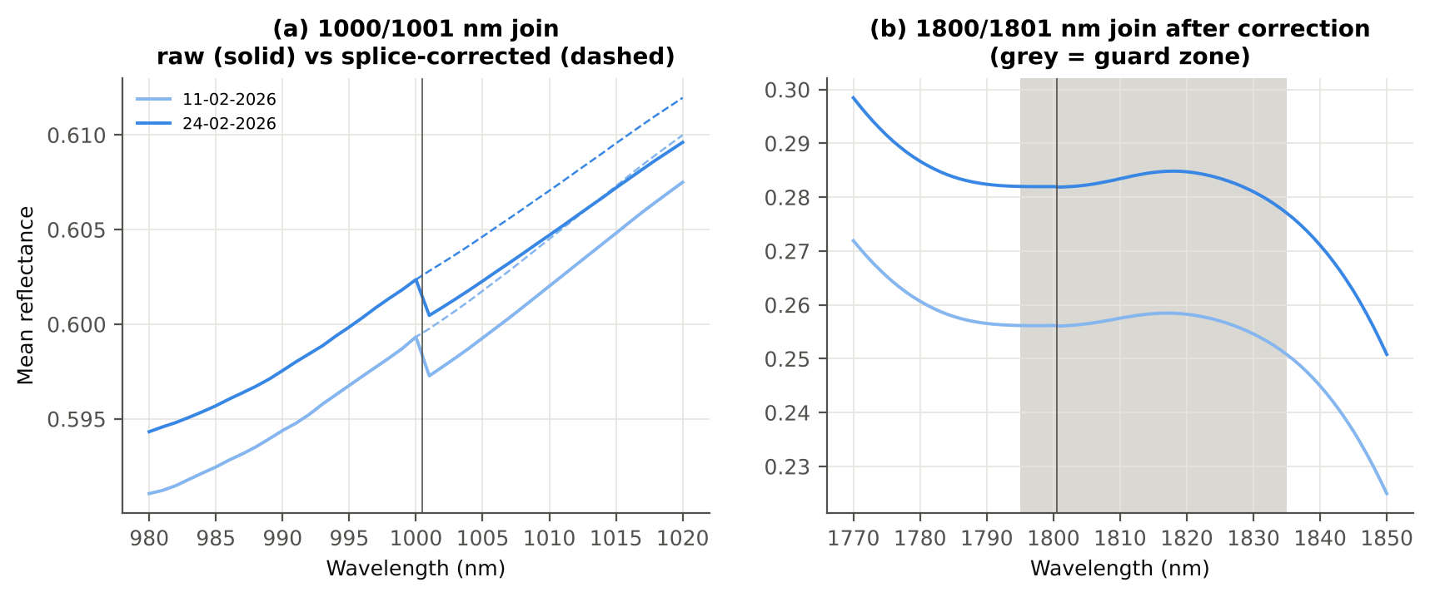
Correlation of class-mean spectra, raw vs smoothed — diseased | 0.999986
Largest change of the all-leaf mean spectrum (reflectance) | 0.002611
Tier-1 significant bands: raw vs smoothed | 0 vs 0

Cross-checks for this step
Step | What was checked | Method | Result | Status
K0 | Smoothing preserves the signal | class-mean spectra raw vs smoothed; Tier-1 counts | r ≥ 0.999986; 0 (raw) vs 0 (smoothed) significant bands | PASS
K0 | Detector artefact at the 1800/1801 nm join | slope just before vs just after the join, by date and class | start-up bump detected → guard zones applied | FLAG

15_K1_Band_Reflectance
Step K1 · Band reflectance — which single bands are disease-sensitive
Splice-corrected, smoothed reflectance at every band 400–2500 nm (guard zones excluded from the ranking).

Result in brief
0 of 2101 smoothed bands significant; 0 bands with AUC ≥ 0.70; best band 762 nm (AUC 0.64).

What was done
For every band: Welch's t-test with BH-FDR, Hedges' g (standardised mean difference, bias-corrected), the area under the ROC curve (AUC, direction-free: 0.5 = no separation, 1 = perfect) and a threshold classifier (Youden's J; the threshold and its direction are chosen on training plots and applied to test plots: plot-grouped CV (V3) and hold-out (V4)).
Table K1.1 Band-reflectance sensitivity
Summary | Value
Bands tested | 2101
Significant (Welch + FDR), smoothed spectra | 0
Significant, raw spectra (Tier 1) | 0
Bands with AUC ≥ 0.70 (outside guard zones) | 0
Highest AUC (outside guard zones) | 0.638 at 762 nm

Table K1.2 Most sensitive band in each spectral region (K1 features)
Wavelength (nm) | Region | AUC | Direction | Hedges g | Welch t | q (BH) | Mean healthy | Mean diseased | BA plot-grouped CV | BA hold-out
403.00 | 400–499 | 0.5671 | D < H | -0.2736 | -2.3631 | 0.3012 | 0.2944 | 0.2864 | 50.1% | 53.5%
539.00 | 500–599 | 0.5488 | D < H | -0.0988 | -0.9889 | 0.6413 | 0.2709 | 0.2679 | 55.7% | 53.0%
664.00 | 600–679 | 0.5468 | D > H | 0.1382 | 1.2699 | 0.5043 | 0.0967 | 0.0987 | 48.1% | 50.1%
758.00 | 680–759 | 0.6379 | D < H | -0.3436 | -2.9107 | 0.2219 | 0.6413 | 0.6294 | 59.2% | 61.6%
762.00 | 760–1349 | 0.6384 | D < H | -0.3445 | -2.9251 | 0.2219 | 0.6421 | 0.6301 | 57.0% | 59.6%
1350.00 | 1350–1430 | 0.5179 | D < H | -0.0553 | -0.5016 | 0.8207 | 0.4268 | 0.4249 | 45.9% | 47.8%
1659.00 | 1431–1799 | 0.5232 | D < H | -0.0953 | -0.8176 | 0.7094 | 0.3336 | 0.3300 | 47.2% | 47.4%
1930.00 | 1800–1950 | 0.5515 | D < H | -0.1936 | -1.7173 | 0.4235 | 0.0631 | 0.0611 | 54.2% | 54.1%
2344.00 | 1951–2349 | 0.5500 | D > H | 0.1979 | 1.8618 | 0.3933 | 0.1441 | 0.1491 | 55.1% | 55.8%
2472.00 | 2350–2500 | 0.5697 | D > H | 0.1994 | 1.8796 | 0.3907 | 0.0818 | 0.0844 | 57.8% | 54.3%

Table K1.3 Fifteen most sensitive bands overall
Wavelength (nm) | Mean healthy | Mean diseased | Welch t | q (BH) | Hedges g | AUC | Direction
762.00 | 0.6421 | 0.6301 | -2.9251 | 0.2219 | -0.3445 | 0.6384 | D < H
763.00 | 0.6422 | 0.6303 | -2.9210 | 0.2219 | -0.3441 | 0.6382 | D < H
764.00 | 0.6422 | 0.6304 | -2.9132 | 0.2219 | -0.3434 | 0.6380 | D < H
761.00 | 0.6419 | 0.6300 | -2.9245 | 0.2219 | -0.3446 | 0.6380 | D < H
758.00 | 0.6413 | 0.6294 | -2.9107 | 0.2219 | -0.3436 | 0.6379 | D < H
765.00 | 0.6422 | 0.6304 | -2.9042 | 0.2219 | -0.3425 | 0.6378 | D < H
759.00 | 0.6415 | 0.6297 | -2.9154 | 0.2219 | -0.3439 | 0.6377 | D < H
760.00 | 0.6418 | 0.6299 | -2.9204 | 0.2219 | -0.3442 | 0.6377 | D < H
757.00 | 0.6409 | 0.6291 | -2.9064 | 0.2219 | -0.3433 | 0.6376 | D < H
766.00 | 0.6422 | 0.6305 | -2.8980 | 0.2219 | -0.3420 | 0.6375 | D < H
767.00 | 0.6422 | 0.6305 | -2.8921 | 0.2219 | -0.3415 | 0.6373 | D < H
768.00 | 0.6421 | 0.6304 | -2.8851 | 0.2219 | -0.3408 | 0.6372 | D < H
756.00 | 0.6405 | 0.6287 | -2.9022 | 0.2219 | -0.3430 | 0.6371 | D < H
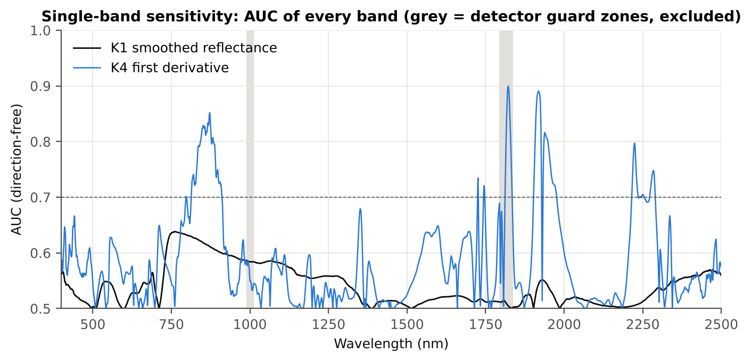
769.00 | 0.6421 | 0.6304 | -2.8794 | 0.2219 | -0.3402 | 0.6371 | D < H
755.00 | 0.6400 | 0.6282 | -2.8979 | 0.2219 | -0.3426 | 0.6370 | D < H

Figure K1. AUC of every band: reflectance (K1, black) and first derivative (K4, blue)

16_K2_Continuum_Removal
Step K2 · Continuum-removed absorption parameters
Six absorption features; continuum = upper convex hull of each window (Clark & Roush 1984; Kokaly & Clark 1999).

Result in brief
Most sensitive continuum-removed parameter: CR6 water 1940 symmetry (AUC 0.91, BA plot-grouped CV 85.7 %).

What was done
Within each window the reflectance was divided by its upper convex hull (continuum). From the continuum-removed curve: depth (1 − minimum), position (wavelength of the minimum), area (sum of 1 − CR, nm), width (full width at half depth, nm) and symmetry (share of the area left of the position). Statistics as in K1, plus a linear mixed model (q) and the plot intraclass correlation (ICC).
Table K2.1 Absorption windows
Feature | From (nm) | To (nm) | Absorber
CR1 blue | 400 | 548 | chlorophyll / carotenoid (≈ 495 nm)
CR2 red | 548 | 765 | chlorophyll a/b, red well (≈ 675 nm)
CR3 water 970 | 914 | 1069 | leaf water (≈ 970 nm)
CR4 water 1200 | 1069 | 1258 | leaf water (≈ 1160–1200 nm)
CR5 water 1450 | 1258 | 1721 | leaf water (≈ 1450 nm)
CR6 water 1940 | 1721 | 2304 | leaf water (≈ 1940 nm)

Table K2.2 All 30 continuum-removed parameters, ranked by AUC
Feature | Mean healthy | Mean diseased | Welch t | q (BH) | Hedges g | AUC | Direction | Threshold | Rule | BA all leaves | BA plot-grouped CV | BA hold-out | Mixed-model q | ICC plot
CR6 water 1940 symmetry | 0.2171 | 0.2350 | 18.42 | 1.918E-39 | 1.7925 | 0.9128 | D > H | 0.2263 | diseased if > thr | 87.5% | 85.7% | 87.6% | 4.539E-07 | 0.4201
CR6 water 1940 position | 1906.34 | 1912.63 | 13.55 | 5.276E-26 | 1.4463 | 0.8556 | D > H | 1908.50 | diseased if > thr | 77.6% | 73.9% | 76.1% | 1.368E-06 | 0.2956
CR3 water 970 width | 64.22 | 63.24 | -4.3055 | 2.412E-04 | -0.4815 | 0.6515 | D < H | 63.50 | diseased if < thr | 62.7% | 59.2% | 62.0% | 0.2212 | 0.5747
CR3 water 970 symmetry | 0.3767 | 0.3847 | 4.3589 | 2.412E-04 | 0.6486 | 0.6291 | D > H | 0.3739 | diseased if > thr | 64.6% | 63.5% | 59.6% | 0.0067 | 0.1202
CR5 water 1450 symmetry | 0.3446 | 0.3425 | -3.1390 | 0.0091 | -0.3184 | 0.6107 | D < H | 0.3473 | diseased if < thr | 59.1% | 54.5% | 55.4% | 0.1736 | 0.0786
CR1 blue symmetry | 0.6908 | 0.6855 | -3.8990 | 8.516E-04 | -0.3722 | 0.6034 | D < H | 0.6801 | diseased if < thr | 59.8% | 57.1% | 55.9% | 0.1736 | 0.0774
CR2 red depth | 0.8129 | 0.8069 | -1.7619 | 0.2014 | -0.2122 | 0.5916 | D < H | 0.8220 | diseased if < thr | 62.1% | 60.5% | 58.7% | 0.5644 | 0.1059
CR2 red area | 99.64 | 97.91 | -2.9338 | 0.0145 | -0.2858 | 0.5772 | D < H | 95.16 | diseased if < thr | 57.3% | 52.7% | 52.3% | 0.3982 | 0.0992
CR1 blue area | 32.11 | 31.26 | -1.7850 | 0.2014 | -0.2308 | 0.5749 | D < H | 33.51 | diseased if < thr | 59.3% | 57.7% | 54.2% | 0.6652 | 0.2109
CR1 blue position | 497.58 | 497.13 | -2.4976 | 0.0454 | -0.2566 | 0.5720 | D < H | 496.50 | diseased if < thr | 57.8% | 57.3% | 57.1% | 0.4698 | 0.0814
CR1 blue depth | 0.4155 | 0.4079 | -1.4228 | 0.3156 | -0.1877 | 0.5638 | D < H | 0.4338 | diseased if < thr | 58.6% | 55.3% | 53.2% | 0.8080 | 0.3010
CR1 blue width | 78.84 | 77.94 | -2.2756 | 0.0729 | -0.2313 | 0.5614 | D < H | 74.50 | diseased if < thr | 55.1% | 48.8% | 50.6% | 0.6652 | 0.1611
CR6 water 1940 area | 248.77 | 250.28 | 1.4209 | 0.3156 | 0.1676 | 0.5521 | D > H | 251.48 | diseased if > thr | 58.2% | 55.9% | 56.5% | 0.8080 | 0.1598
CR4 water 1200 position | 1160.87 | 1161.02 | 1.5967 | 0.2611 | 0.2194 | 0.5495 | D > H | 1160.50 | diseased if > thr | 59.7% | 59.7% | 57.5% | 0.5644 | 0.0967
CR5 water 1450 depth | 0.7846 | 0.7803 | -1.2283 | 0.4153 | -0.1357 | 0.5414 | D < H | 0.8101 | diseased if < thr | 55.6% | 51.5% | 51.2% | 0.8080 | 0.1540
CR2 red width | 132.67 | 131.33 | -3.1098 | 0.0091 | -0.2472 | 0.5400 | D < H | 128.50 | diseased if < thr | 56.6% | 55.4% | 51.6% | 0.6652 | 0.2403
CR2 red position | 677.82 | 677.63 | -0.7251 | 0.7046 | -0.0857 | 0.5298 | D < H | 678.50 | diseased if < thr | 52.8% | 48.2% | 47.6% | 0.9217 | 0.0657
CR3 water 970 area | 3.5279 | 3.4579 | -0.7769 | 0.6926 | -0.0887 | 0.5243 | D < H | 3.6171 | diseased if < thr | 54.0% | 44.9% | 49.6% | 0.8785 | 0.2266
CR5 water 1450 position | 1443.67 | 1443.57 | -0.4557 | 0.8470 | -0.0500 | 0.5237 | D < H | 1443.50 | diseased if < thr | 53.2% | 49.9% | 46.8% | 0.9217 | 0.0726
CR6 water 1940 depth | 0.7877 | 0.7923 | 0.9130 | 0.6050 | 0.1096 | 0.5199 | D > H | 0.7585 | diseased if > thr | 54.4% | 48.6% | 46.9% | 0.8785 | 0.0909
CR4 water 1200 width | 67.51 | 67.39 | -0.2762 | 0.8817 | -0.0359 | 0.5184 | D < H | 69.50 | diseased if < thr | 55.6% | 47.5% | 51.9% | 0.9290 | 0.2240
CR5 water 1450 width | 190.13 | 190.71 | 0.5157 | 0.8277 | 0.0613 | 0.5173 | D > H | 184.50 | diseased if > thr | 54.3% | 46.1% | 48.1% | 0.9290 | 0.1586
CR4 water 1200 symmetry | 0.2975 | 0.2979 | 0.5563 | 0.8272 | 0.0658 | 0.5132 | D > H | 0.2913 | diseased if > thr | 56.7% | 51.0% | 49.9% | 0.8785 | 0.0877
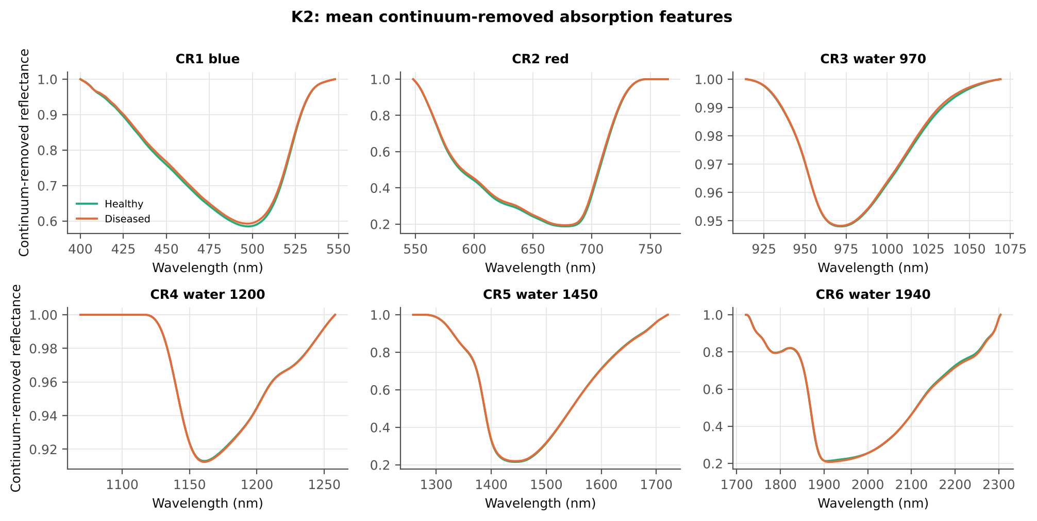
CR4 water 1200 depth | 0.0870 | 0.0876 | 0.2836 | 0.8817 | 0.0322 | 0.5097 | D > H | 0.0758 | diseased if > thr | 54.6% | 44.2% | 49.3% | 0.9535 | 0.1640
CR2 red symmetry | 0.7288 | 0.7290 | 0.1416 | 0.8876 | 0.0157 | 0.5096 | D > H | 0.7423 | diseased if > thr | 54.0% | 46.4% | 45.9% | 0.9304 | 0.1288
CR5 water 1450 area | 162.00 | 161.55 | -0.3496 | 0.8817 | -0.0398 | 0.5088 | D < H | 168.72 | diseased if < thr | 55.8% | 45.0% | 50.1% | 0.9290 | 0.1764
CR3 water 970 position | 971.28 | 971.51 | 1.1406 | 0.4528 | 0.1746 | 0.5082 | D > H | 969.50 | diseased if > thr | 60.7% | 46.6% | 52.7% | 0.9290 | 0.3606
CR6 water 1940 width | 284.71 | 285.24 | 0.2622 | 0.8817 | 0.0295 | 0.5082 | D > H | 265.50 | diseased if > thr | 52.3% | 39.5% | 45.2% | 0.9304 | 0.1974
CR4 water 1200 area | 6.2914 | 6.3256 | 0.2173 | 0.8817 | 0.0251 | 0.5081 | D > H | 5.4587 | diseased if > thr | 54.7% | 44.2% | 49.0% | 0.9664 | 0.1748
CR3 water 970 depth | 0.0520 | 0.0518 | -0.1865 | 0.8817 | -0.0213 | 0.5051 | D < H | 0.0531 | diseased if < thr | 54.0% | 43.6% | 48.6% | 0.9290 | 0.1856

Cross-checks for this step
Step | What was checked | Method | Result | Status
K2 | Convex hull | monotone-chain upper hull vs SciPy ConvexHull, 20 leaves × 6 windows | max |Δ continuum| = 0.0e+00 | PASS

17_K3_Vegetation_Indices
Step K3 · Disease-sensitive spectral (vegetation) indices — the 31 indices of the flowering-stage workbook
Computed from splice-corrected, smoothed reflectance at the nearest 1 nm band.

Result in brief
Most sensitive index: NCPI (AUC 0.67, BA plot-grouped CV 60.8 %).
Table K3.1 The 31 indices
Index | Name | Equation (as computed) | Reference
WI | Water Index | R900 / R970 | Peñuelas et al., 1997
mCARI1 | Modified Chlorophyll Absorption in Reflectance Index 1 | 1.2[2.5(R761 − R651) − 1.3(R761 − R581)] | Haboudane et al., 2004
MTVI1 | Modified Triangular Vegetation Index 1 | 1.2[1.2(R761 − R581) − 2.5(R651 − R581)] | Haboudane et al., 2004
MTVI2 | Modified Triangular Vegetation Index 2 | 1.5[1.2(R761 − R581) − 2.5(R651 − R581)] / √[(2R761 + 1)² − (6R761 − 5√R651) − 0.5] | Haboudane et al., 2004
SR900 | Simple Ratio Index 900 | R900 / R680 | Jordan, 1969
SR850 | Simple Ratio Index 850 | R850 / R680 | Jordan, 1969
GNDVI | Green NDVI | (R850 − R580) / (R850 + R580) | Gitelson and Merzlyak, 1996
PRI | Photochemical Reflectance Index | (R531 − R570) / (R531 + R570) | Gamon et al., 1992
RARSa | Ratio Analysis of Reflectance Spectra, chlorophyll a | R675 / R700 | Chappelle et al., 1992
RARSb | Ratio Analysis of Reflectance Spectra, chlorophyll b | R675 / (R700 × R650) | Chappelle et al., 1992
RARSc | Ratio Analysis of Reflectance Spectra, carotenoids | R750 / R700 | Chappelle et al., 1992
PSSRa | Pigment Specific Simple Ratio a | R800 / R680 | Blackburn, 1998
NDVI780 | Normalized Difference Vegetation Index 780 | (R780 − R670) / (R780 + R670) | Raun et al., 2001
SIPI | Structure Insensitive Pigment Index | (R800 − R445) / (R800 − R680) | Peñuelas et al., 1995
NCPI | Normalized Chlorophyll Pigment Ratio Index | (R670 − R450) / (R670 + R450) | Peñuelas et al., 1994
NPQI | Normalized Phaeophytinization Index | (R415 − R435) / (R415 + R435) | Barnes et al., 1992
PSRI | Plant Senescence Reflectance Index | (R680 − R500) / R750 | Merzlyak et al., 1999
WI/ND | Ratio of WI and NDVI | (R900 / R970) / [(R900 − R680) / (R900 + R680)] | Peñuelas et al., 1997
TCARI | Transformed Chlorophyll Absorption in Reflectance Index | 3[(R700 − R670) − 0.2(R700 − R550)(R700 / R670)] | Haboudane et al., 2002
VIGreen | Green Vegetation Index | (R760 − R550) / (R760 + R550) | Gitelson et al., 2002
RVS1 | Red-Edge Vegetation Stress Index 1 | R651 + R750 | Merton, 1998
RVS2 | Red-Edge Vegetation Stress Index 2 | (R651 + R750) / (R651 − R750) | Merton, 1998
TVI | Triangle Vegetation Index | 0.5[120(R761 − R581) − 200(R651 − R581)] | Broge and Leblanc, 2001
RDVI | Renormalized Difference Vegetation Index | (R761 − R651) / √(R761 + R651) | Roujean and Breon, 1995
NDVI850 | Normalized Difference Vegetation Index 850 | (R850 − R651) / (R850 + R651) | Raun et al., 2001
SR761 | Simple Ratio Index 761 | R761 / R651 | Jordan, 1969
NDVI761 | Normalized Difference Vegetation Index 761 | (R761 − R651) / (R761 + R651) | Raun et al., 2001
PPR | Plant Pigment Ratio | R550 / R450 | Metternicht, 2003
NWI2 | Normalized Water Index 2 | (R970 − R850) / (R970 + R850) | Babar et al., 2006
NRI | Nitrogen Reflectance Index | (R570 − R670) / (R570 + R670) | Bausch and Duke, 1996
ARI | Anthocyanin Reflectance Index | 1/R550 − 1/R700 | Gitelson et al., 2001

Table K3.2 Sensitivity of the 31 indices to white rust, ranked by AUC
Feature | Mean healthy | Mean diseased | Welch t | q (BH) | Hedges g | AUC | Direction | Threshold | Rule | BA all leaves | BA plot-grouped CV | BA hold-out | Mixed-model q | ICC plot
NCPI | -0.4023 | -0.3902 | 5.8176 | 4.141E-07 | 0.5134 | 0.6690 | D > H | -0.4012 | diseased if > thr | 63.9% | 60.8% | 57.0% | 0.0160 | 0.0376
TVI | 35.03 | 34.13 | -3.0713 | 0.0176 | -0.3692 | 0.6369 | D < H | 35.64 | diseased if < thr | 60.4% | 53.6% | 54.6% | 0.1545 | 0.0950
MTVI1 | 0.8871 | 0.8649 | -2.9966 | 0.0176 | -0.3635 | 0.6323 | D < H | 0.8862 | diseased if < thr | 60.7% | 54.4% | 55.8% | 0.1545 | 0.1202
mCARI1 | 0.8871 | 0.8649 | -2.9966 | 0.0176 | -0.3635 | 0.6323 | D < H | 0.8862 | diseased if < thr | 60.7% | 54.4% | 55.8% | 0.1545 | 0.1202
ARI | -1.5214 | -1.3658 | 5.8404 | 4.141E-07 | 0.4652 | 0.6223 | D > H | -1.3265 | diseased if > thr | 62.5% | 58.6% | 58.7% | 0.1545 | 0.1635
MTVI2 | 0.6987 | 0.6841 | -2.6389 | 0.0291 | -0.3175 | 0.6214 | D < H | 0.7210 | diseased if < thr | 62.7% | 61.7% | 59.8% | 0.1811 | 0.0894
RDVI | 0.6140 | 0.6014 | -2.8461 | 0.0219 | -0.3218 | 0.6141 | D < H | 0.6278 | diseased if < thr | 58.9% | 51.9% | 51.6% | 0.1676 | 0.0694
RVS1 | 0.7451 | 0.7360 | -2.1894 | 0.0671 | -0.2448 | 0.5993 | D < H | 0.7325 | diseased if < thr | 58.7% | 54.9% | 57.2% | 0.3019 | 0.1081
NWI2 | -0.0308 | -0.0286 | 2.7813 | 0.0219 | 0.3282 | 0.5923 | D > H | -0.0327 | diseased if > thr | 57.8% | 54.0% | 55.7% | 0.3019 | 0.3114
PSSRa | 6.8137 | 6.5697 | -2.2197 | 0.0671 | -0.2700 | 0.5875 | D < H | 7.3141 | diseased if < thr | 60.2% | 59.6% | 56.1% | 0.3019 | 0.1081
NDVI780 | 0.7439 | 0.7361 | -1.8074 | 0.1133 | -0.2129 | 0.5864 | D < H | 0.7570 | diseased if < thr | 59.3% | 55.8% | 53.1% | 0.3098 | 0.0797
SR850 | 6.7669 | 6.5403 | -2.0832 | 0.0800 | -0.2543 | 0.5834 | D < H | 7.2442 | diseased if < thr | 59.4% | 56.2% | 54.3% | 0.3098 | 0.1090
SR900 | 6.7382 | 6.5288 | -1.9376 | 0.0947 | -0.2370 | 0.5784 | D < H | 7.2220 | diseased if < thr | 58.9% | 56.0% | 53.7% | 0.3098 | 0.1088
RVS2 | -1.4215 | -1.4425 | -2.0592 | 0.0800 | -0.2146 | 0.5759 | D < H | -1.3648 | diseased if < thr | 56.9% | 50.5% | 49.6% | 0.3098 | 0.0588
SR761 | 5.9625 | 5.7460 | -2.3203 | 0.0616 | -0.2610 | 0.5758 | D < H | 6.5470 | diseased if < thr | 57.1% | 50.7% | 50.9% | 0.3019 | 0.0785
NDVI761 | 0.7083 | 0.6985 | -2.1896 | 0.0671 | -0.2353 | 0.5758 | D < H | 0.7350 | diseased if < thr | 57.1% | 50.7% | 50.9% | 0.3098 | 0.0683
NDVI850 | 0.7054 | 0.6967 | -1.9659 | 0.0936 | -0.2136 | 0.5677 | D < H | 0.6970 | diseased if < thr | 56.7% | 50.3% | 50.0% | 0.3098 | 0.0698
RARSc | 3.3149 | 3.1899 | -2.9734 | 0.0176 | -0.2840 | 0.5651 | D < H | 3.0160 | diseased if < thr | 59.5% | 58.5% | 58.0% | 0.3379 | 0.2353
NRI | 0.4066 | 0.3974 | -1.5194 | 0.1938 | -0.1883 | 0.5578 | D < H | 0.4319 | diseased if < thr | 57.6% | 54.5% | 52.2% | 0.5946 | 0.3896
WI/ND | 1.4415 | 1.4511 | 0.9983 | 0.3969 | 0.1188 | 0.5564 | D > H | 1.4083 | diseased if > thr | 57.5% | 53.9% | 52.6% | 0.6310 | 0.0662
PRI | 0.0746 | 0.0712 | -2.7614 | 0.0219 | -0.2454 | 0.5517 | D < H | 0.0753 | diseased if < thr | 55.1% | 48.8% | 49.3% | 0.3379 | 0.1428
NPQI | 0.0658 | 0.0636 | -1.8639 | 0.1051 | -0.1939 | 0.5498 | D < H | 0.0580 | diseased if < thr | 55.5% | 52.4% | 50.8% | 0.6593 | 0.1934
WI | 1.0593 | 1.0573 | -1.2544 | 0.2857 | -0.1479 | 0.5402 | D < H | 1.0629 | diseased if < thr | 55.4% | 50.7% | 50.2% | 0.5323 | 0.2758
PSRI | -0.1092 | -0.1078 | 0.9117 | 0.4335 | 0.1034 | 0.5255 | D > H | -0.1092 | diseased if > thr | 54.1% | 49.4% | 49.5% | 0.6890 | 0.1093
GNDVI | 0.5410 | 0.5343 | -1.3717 | 0.2426 | -0.1357 | 0.5200 | D < H | 0.5072 | diseased if < thr | 56.2% | 52.2% | 52.1% | 0.6890 | 0.1916
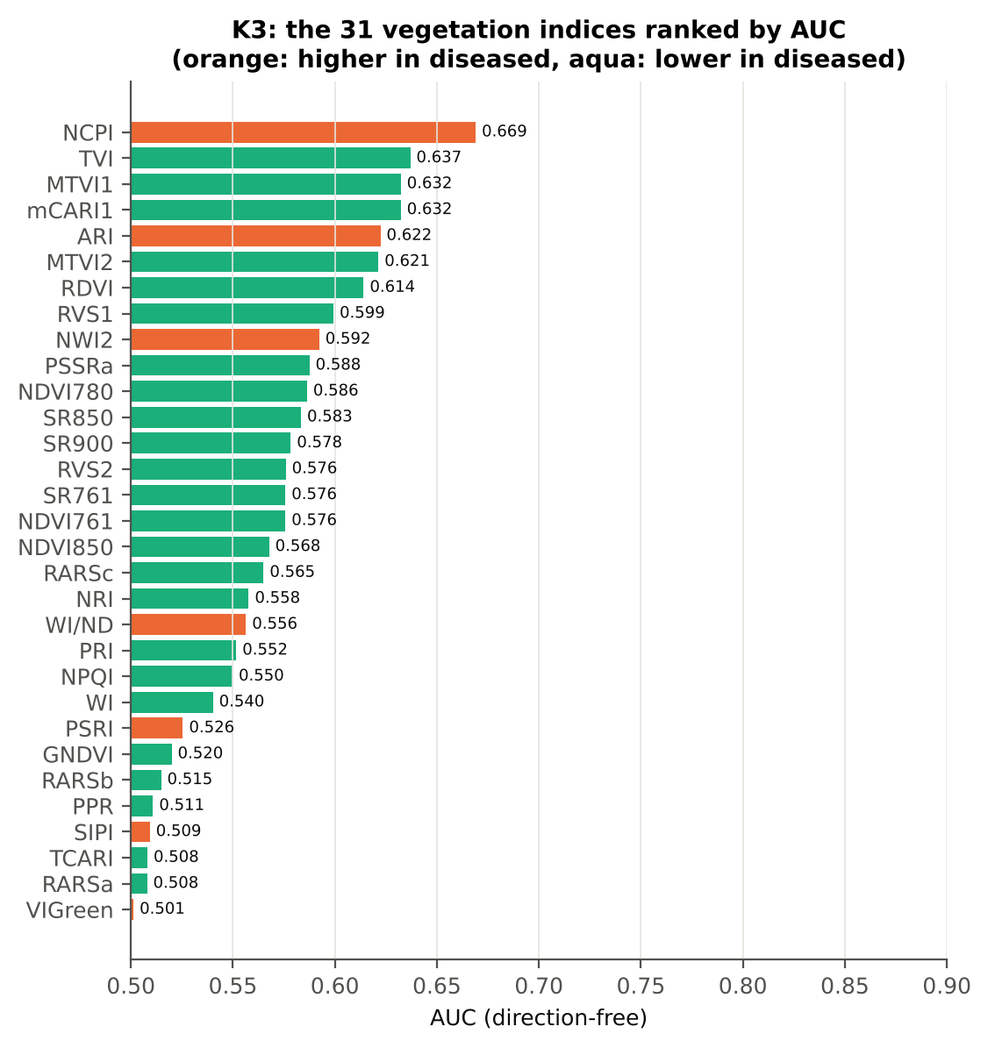
RARSb | 4.4473 | 4.3702 | -1.1359 | 0.3326 | -0.1007 | 0.5148 | D < H | 3.8640 | diseased if < thr | 56.8% | 49.9% | 49.5% | 0.8874 | 0.3021
PPR | 1.2533 | 1.2498 | -0.2037 | 0.8389 | -0.0235 | 0.5109 | D < H | 1.3261 | diseased if < thr | 54.9% | 43.6% | 46.9% | 0.8874 | 0.3610
SIPI | 0.7561 | 0.7593 | 0.7382 | 0.5302 | 0.0846 | 0.5093 | D > H | 0.7297 | diseased if > thr | 55.2% | 48.3% | 49.7% | 0.7926 | 0.0870
TCARI | 0.3989 | 0.4014 | 0.2893 | 0.7986 | 0.0297 | 0.5081 | D < H | 0.3462 | diseased if < thr | 53.3% | 43.7% | 44.4% | 0.9663 | 0.4168
RARSa | 0.4874 | 0.4831 | -0.5971 | 0.5983 | -0.0701 | 0.5079 | D < H | 0.5616 | diseased if < thr | 53.7% | 42.1% | 44.9% | 0.8929 | 0.4327
VIGreen | 0.4037 | 0.4009 | -0.5846 | 0.5983 | -0.0591 | 0.5013 | D > H | 0.4169 | diseased if > thr | 54.0% | 44.0% | 47.6% | 0.8929 | 0.2732

Cross-check: indices recomputed by Excel formulas for ten leaves
Table K3.3 Reflectance input (splice-corrected, smoothed)
Leaf row | R415 | R435 | R445 | R450 | R500 | R531 | R550 | R570 | R580 | R581 | R650 | R651 | R670 | R675 | R680 | R700 | R750 | R760 | R761 | R780 | R800 | R850 | R900 | R970
1.0000 | 0.2828 | 0.2489 | 0.2309 | 0.2228 | 0.1616 | 0.2276 | 0.2385 | 0.1940 | 0.1660 | 0.1640 | 0.1032 | 0.1025 | 0.0903 | 0.0901 | 0.0913 | 0.1704 | 0.6468 | 0.6554 | 0.6557 | 0.6552 | 0.6528 | 0.6476 | 0.6439 | 0.5988
63.00 | 0.2691 | 0.2429 | 0.2264 | 0.2187 | 0.1616 | 0.2421 | 0.2557 | 0.2078 | 0.1769 | 0.1747 | 0.1066 | 0.1058 | 0.0908 | 0.0903 | 0.0910 | 0.1775 | 0.6269 | 0.6342 | 0.6345 | 0.6349 | 0.6336 | 0.6293 | 0.6265 | 0.5775
126.00 | 0.3159 | 0.2695 | 0.2500 | 0.2425 | 0.1828 | 0.2673 | 0.2773 | 0.2298 | 0.1990 | 0.1968 | 0.1224 | 0.1215 | 0.1054 | 0.1055 | 0.1076 | 0.2080 | 0.6418 | 0.6468 | 0.6469 | 0.6452 | 0.6438 | 0.6399 | 0.6374 | 0.5902
188.00 | 0.2809 | 0.2544 | 0.2367 | 0.2291 | 0.1663 | 0.2709 | 0.2952 | 0.2378 | 0.1994 | 0.1966 | 0.1095 | 0.1085 | 0.0931 | 0.0930 | 0.0942 | 0.2093 | 0.6884 | 0.6942 | 0.6943 | 0.6923 | 0.6892 | 0.6833 | 0.6796 | 0.6464
251.00 | 0.2763 | 0.2323 | 0.2148 | 0.2070 | 0.1505 | 0.2233 | 0.2360 | 0.1915 | 0.1629 | 0.1609 | 0.0977 | 0.0971 | 0.0865 | 0.0869 | 0.0887 | 0.1714 | 0.6077 | 0.6144 | 0.6146 | 0.6143 | 0.6129 | 0.6109 | 0.6107 | 0.5782
313.00 | 0.2936 | 0.2546 | 0.2367 | 0.2296 | 0.1712 | 0.2532 | 0.2644 | 0.2178 | 0.1877 | 0.1855 | 0.1147 | 0.1139 | 0.0994 | 0.0992 | 0.1006 | 0.1922 | 0.6121 | 0.6184 | 0.6187 | 0.6178 | 0.6162 | 0.6134 | 0.6130 | 0.5854
376.00 | 0.3199 | 0.2800 | 0.2600 | 0.2520 | 0.1891 | 0.3049 | 0.3288 | 0.2745 | 0.2354 | 0.2326 | 0.1342 | 0.1329 | 0.1103 | 0.1094 | 0.1104 | 0.2408 | 0.6734 | 0.6785 | 0.6787 | 0.6776 | 0.6757 | 0.6707 | 0.6674 | 0.6328
438.00 | 0.2571 | 0.2303 | 0.2168 | 0.2112 | 0.1657 | 0.2772 | 0.2900 | 0.2380 | 0.2027 | 0.2001 | 0.1130 | 0.1119 | 0.0934 | 0.0940 | 0.0970 | 0.2200 | 0.6331 | 0.6371 | 0.6371 | 0.6359 | 0.6353 | 0.6339 | 0.6333 | 0.5982
501.00 | 0.2704 | 0.2348 | 0.2175 | 0.2105 | 0.1599 | 0.2843 | 0.3162 | 0.2664 | 0.2280 | 0.2251 | 0.1182 | 0.1169 | 0.0924 | 0.0913 | 0.0928 | 0.2507 | 0.6081 | 0.6107 | 0.6107 | 0.6101 | 0.6094 | 0.6085 | 0.6076 | 0.5784
564.00 | 0.3216 | 0.3050 | 0.2933 | 0.2877 | 0.2452 | 0.3538 | 0.3732 | 0.3459 | 0.3215 | 0.3197 | 0.2353 | 0.2338 | 0.1982 | 0.1960 | 0.1986 | 0.3746 | 0.6035 | 0.6061 | 0.6063 | 0.6085 | 0.6120 | 0.6177 | 0.6217 | 0.5970

Table K3.4 Indices by Excel formula, Python value and difference
Leaf row | NDVI780 | PRI | TCARI | MTVI2 | ARI | WI/ND | NWI2 | PSRI | RARSb | Python NDVI780 | Python PRI | Python TCARI | Python MTVI2 | Python ARI | Python WI/ND | Python NWI2 | Python PSRI | Python RARSb | Max |Excel − Python|
1.0000 | 0.75776 | 0.07980 | 0.31732 | 0.70449 | -1.67629 | 1.43071 | -0.03917 | -0.10862 | 5.12837 | 0.75776 | 0.07980 | 0.31732 | 0.70449 | -1.67629 | 1.43071 | -0.03917 | -0.10862 | 5.12837 | 0.0E+00
63.00 | 0.74968 | 0.07625 | 0.35162 | 0.69149 | -1.72364 | 1.45324 | -0.04287 | -0.11270 | 4.77106 | 0.74968 | 0.07625 | 0.35162 | 0.69149 | -1.72364 | 1.45324 | -0.04287 | -0.11270 | 4.77106 | 0.0E+00
126.00 | 0.71909 | 0.07548 | 0.38978 | 0.67446 | -1.20183 | 1.51855 | -0.04040 | -0.11721 | 4.14296 | 0.71909 | 0.07548 | 0.38978 | 0.67446 | -1.20183 | 1.51855 | -0.04040 | -0.11721 | 4.14296 | 0.0E+00
188.00 | 0.76293 | 0.06518 | 0.46443 | 0.74816 | -1.39063 | 1.38996 | -0.02773 | -0.10468 | 4.05727 | 0.76293 | 0.06518 | 0.46443 | 0.74816 | -1.39063 | 1.38996 | -0.02773 | -0.10468 | 4.05727 | 0.0E+00
251.00 | 0.75325 | 0.07688 | 0.33181 | 0.69045 | -1.59629 | 1.41532 | -0.02754 | -0.10171 | 5.18757 | 0.75325 | 0.07688 | 0.33181 | 0.69045 | -1.59629 | 1.41532 | -0.02754 | -0.10171 | 5.18757 | 0.0E+00
313.00 | 0.72286 | 0.07500 | 0.36215 | 0.66566 | -1.42042 | 1.45829 | -0.02337 | -0.11530 | 4.50060 | 0.72286 | 0.07500 | 0.36215 | 0.66566 | -1.42042 | 1.45829 | -0.02337 | -0.11530 | 4.50060 | 0.0E+00
376.00 | 0.72007 | 0.05235 | 0.50700 | 0.70220 | -1.11143 | 1.47261 | -0.02906 | -0.11697 | 3.38446 | 0.72007 | 0.05235 | 0.50700 | 0.70220 | -1.11143 | 1.47261 | -0.02906 | -0.11697 | 3.38446 | 0.0E+00
438.00 | 0.74380 | 0.07609 | 0.47860 | 0.70368 | -1.09665 | 1.44139 | -0.02891 | -0.10861 | 3.78286 | 0.74380 | 0.07609 | 0.47860 | 0.70368 | -1.09665 | 1.44139 | -0.02891 | -0.10861 | 3.78286 | 0.0E+00
501.00 | 0.73695 | 0.03261 | 0.58154 | 0.69851 | -0.82691 | 1.42955 | -0.02540 | -0.11034 | 3.08352 | 0.73695 | 0.03261 | 0.58154 | 0.69851 | -0.82691 | 1.42955 | -0.02540 | -0.11034 | 3.08352 | 0.0E+00
564.00 | 0.50862 | 0.01132 | 0.52753 | 0.47032 | 0.00998 | 2.01902 | -0.01707 | -0.07733 | 2.22377 | 0.50862 | 0.01132 | 0.52753 | 0.47032 | 0.00998 | 2.01902 | -0.01707 | -0.07733 | 2.22377 | 4.4E-16
Largest difference over all ten leaves: |  |  |  | 4.4E-16

Cross-checks for this step
Step | What was checked | Method | Result | Status
K3 | Duplicated indices | mCARI1 vs MTVI1; SR761 vs NDVI761 | max |mCARI1 − MTVI1| = 4.4e-16 (algebraically identical); AUC SR761 0.5758 = NDVI761 0.5758 (monotone transform) | PASS

18_K3b_Optimised_Index
Step K3b (extra) · Optimised two-band index — exhaustive NDSI / DI search
NDSI(i, j) = (Ri − Rj)/(Ri + Rj); DI(i, j) = Ri − Rj; all band pairs on a 5 nm grid (guard zones excluded), best pair refined at 1 nm.

Result in brief
Best join-free two-band index: NDSI(1913,1928) (AUC 0.90); honest nested BA 80.0 % (CV) / 79.2 % (hold-out).
Every pair of bands on a 5 nm grid (407 bands, 82,621 pairs) was scored by AUC. Choosing the best of so many pairs on all leaves is optimistic, so the search was repeated inside 20 training sets (V3 repeat 1 and the 10 V4 splits) and the chosen pair was tested on the held-out plots (honest estimate).
Table K3b.1 Ten best pairs of each form (5 nm grid, all leaves)
Index | Band i (nm) | Band j (nm) | AUC
NDSI(1915, 1925) | 1915.00 | 1925.00 | 0.8949
NDSI(1915, 1930) | 1915.00 | 1930.00 | 0.8943
NDSI(1910, 1930) | 1910.00 | 1930.00 | 0.8928
NDSI(1920, 1925) | 1920.00 | 1925.00 | 0.8921
NDSI(1935, 2495) | 1935.00 | 2495.00 | 0.8913
NDSI(1910, 1925) | 1910.00 | 1925.00 | 0.8911
NDSI(1930, 2495) | 1930.00 | 2495.00 | 0.8909
NDSI(1940, 2495) | 1940.00 | 2495.00 | 0.8907
NDSI(1945, 2495) | 1945.00 | 2495.00 | 0.8896
NDSI(1915, 1920) | 1915.00 | 1920.00 | 0.8889
DI(1910, 1925) | 1910.00 | 1925.00 | 0.8907
DI(1910, 1930) | 1910.00 | 1930.00 | 0.8900
DI(1915, 1925) | 1915.00 | 1925.00 | 0.8885
DI(1910, 1920) | 1910.00 | 1920.00 | 0.8872
DI(1915, 1920) | 1915.00 | 1920.00 | 0.8864
DI(1915, 1930) | 1915.00 | 1930.00 | 0.8835
DI(1910, 1915) | 1910.00 | 1915.00 | 0.8832
DI(1920, 1925) | 1920.00 | 1925.00 | 0.8821
DI(1910, 1935) | 1910.00 | 1935.00 | 0.8801
DI(1905, 1930) | 1905.00 | 1930.00 | 0.8708

Table K3b.2 The refined best indices (1 nm)
Feature | Mean healthy | Mean diseased | Welch t | q (BH) | Hedges g | AUC | Direction | Threshold | Rule | BA all leaves | BA plot-grouped CV | BA hold-out | Mixed-model q | ICC plot
NDSI(1913,1928) | -0.0033 | 0.0013 | 16.49 | 6.478E-37 | 1.5004 | 0.8975 | D > H | -0.0015 | diseased if > thr | 87.1% | 87.0% | 84.6% | 6.383E-08 | 0.2739
DI(1912,1926) | -3.722E-04 | 2.423E-04 | 14.81 | 9.319E-32 | 1.4167 | 0.8925 | D > H | -1.118E-04 | diseased if > thr | 86.6% | 85.2% | 85.4% | 6.383E-08 | 0.2506
* the threshold is chosen on training plots, but the pair itself was found on all leaves (optimistic) — see Table K3b.3.

Table K3b.3 Honest (nested) validation of the search
...
Table K3b.7 Honest (nested) validation of the join-free search
Index form | BA plot-grouped CV (search inside folds) | BA hold-out (search inside training plots) | Hold-out SD | Pairs chosen in the 20 training sets
NDSI | 80.0% | 79.2% | 6.2% | (1915, 1930) × 7; (1930, 2495) × 4; (1915, 1925) × 4; (1920, 1925) × 3; (1935, 2495) × 2
DI | 84.2% | 81.4% | 7.4% | (1910, 1925) × 10; (1910, 1930) × 5; (1915, 1925) × 2; (1920, 1925) × 2; (1910, 1915) × 1

Table K3b.8 Join-free best pairs on each date
Pair | AUC all leaves | AUC 11-02-2026 | AUC 24-02-2026 | Direction by date
NDSI(1913, 1928) | 0.8975 | 0.8573 | 0.9567 | same on all dates
DI(1912, 1926) | 0.8925 | 0.8543 | 0.9527 | same on all dates
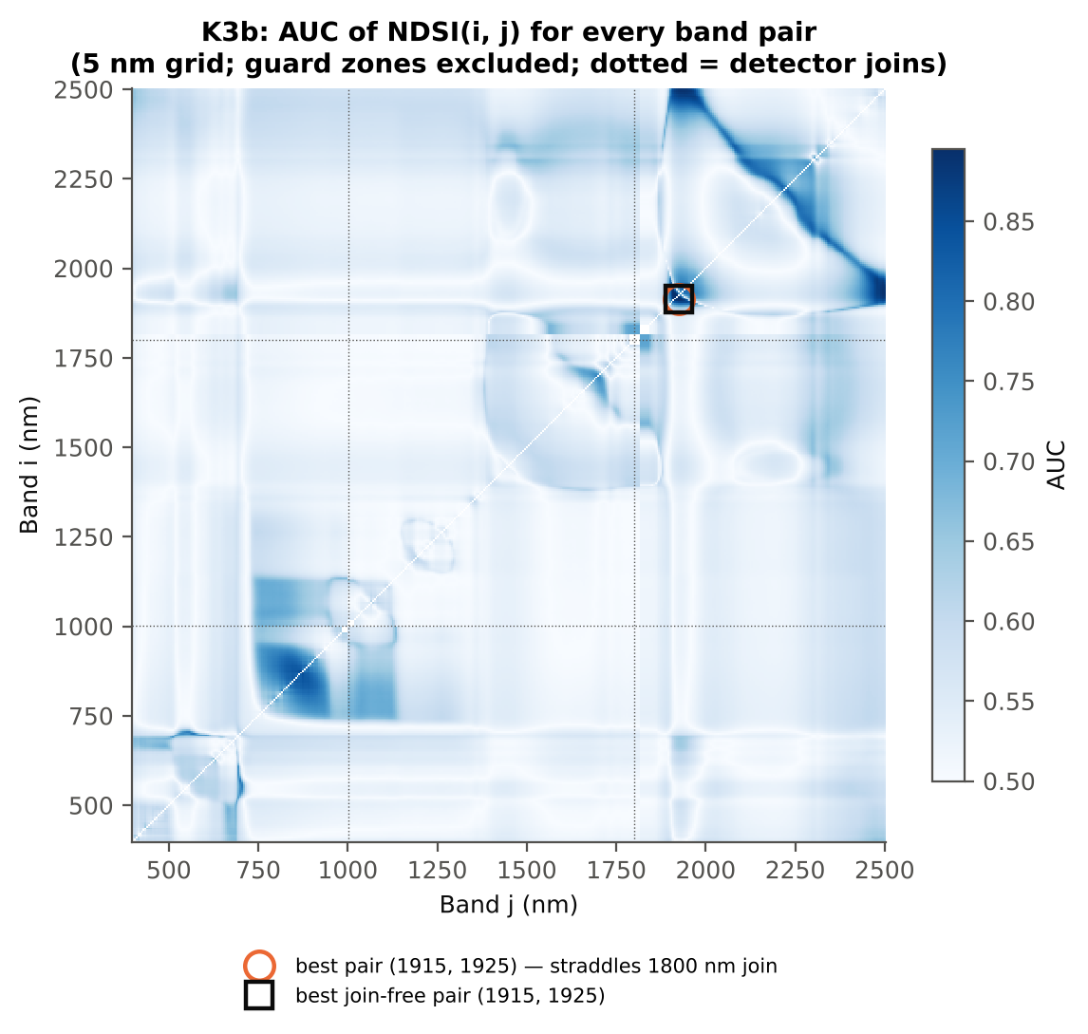

Cross-checks for this step
Step | What was checked | Method | Result | Status
K3b | NDSI vs simple ratio | AUC of NDSI and Ri/Rj on 1998 random pairs | max |ΔAUC| = 0.0e+00 | PASS
K3b | Selection optimism | search repeated inside training plots | honest BA 80.0 % (CV) / 79.2 % (hold-out) vs 87.1 % on all leaves | FLAG
K3b | Best pair straddles a detector join? | pairs with one band on each side of the 1000/1001 or 1800/1801 nm join (within 100 nm) excluded and the search repeated | all-pair best NDSI(1913,1928) does not straddle a join (same as the join-free search); join-free best NDSI(1913,1928) (AUC 0.898; honest BA 80.0 % CV) | PASS

19_K4_Derivatives
...
Table K4.3 Twenty derivative-based edge parameters, ranked by AUC
Dr = REV (red-edge amplitude) | 0.0136 | 0.0133 | -2.0807 | 0.0987 | -0.2463 | 0.5973 | D < H | 0.0138 | diseased if < thr
SDr/SDy | -6.2620 | -6.4241 | -2.2752 | 0.0816 | -0.2522 | 0.5772 | D < H | -6.5050 | diseased if < thr
(SDr − SDy)/(SDr + SDy) | 1.3855 | 1.3741 | -2.1603 | 0.0931 | -0.2469 | 0.5772 | D < H | 1.3633 | diseased if < thr
Rg/Ro | 2.9632 | 2.8690 | -2.0122 | 0.1032 | -0.2538 | 0.5702 | D < H | 3.1622 | diseased if < thr
(Rg − Ro)/(Rg + Ro) | 0.4896 | 0.4787 | -1.7877 | 0.1527 | -0.2243 | 0.5702 | D < H | 0.5195 | diseased if < thr
λb (blue-edge position, nm) | 522.11 | 521.93 | -2.2825 | 0.0816 | -0.2344 | 0.5611 | D < H | 521.50 | diseased if < thr
Db (blue-edge amplitude) | 0.0046 | 0.0045 | -1.5443 | 0.2084 | -0.1830 | 0.5528 | D < H | 0.0051 | diseased if < thr
Rg (green peak reflectance) | 0.2732 | 0.2703 | -0.9327 | 0.5035 | -0.0926 | 0.5484 | D < H | 0.2607 | diseased if < thr
Ro (red well reflectance) | 0.0936 | 0.0952 | 1.0093 | 0.4841 | 0.1144 | 0.5432 | D > H | 0.0868 | diseased if > thr
REP, linear 4-point (nm) | 716.54 | 715.99 | -3.3410 | 0.0065 | -0.2614 | 0.5415 | D < H | 715.08 | diseased if < thr
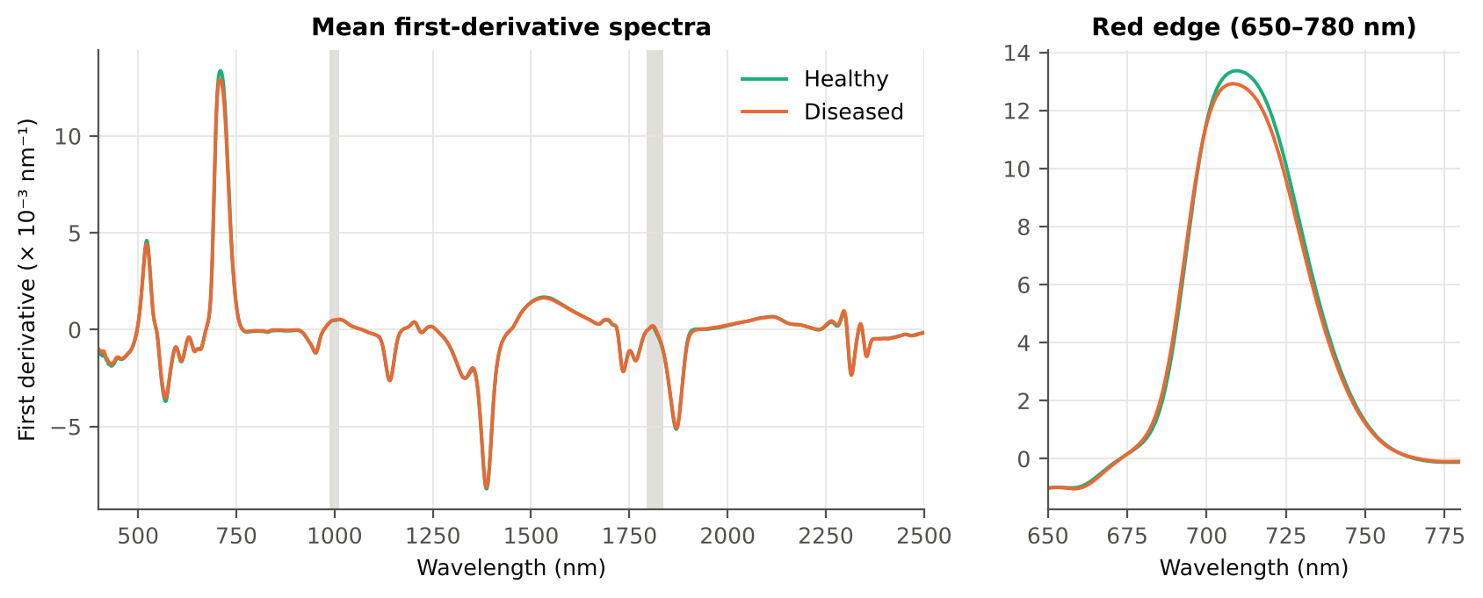
λr = REP (red-edge position, nm) | 709.75 | 709.03 | -1.6380 | 0.1881 | -0.1605 | 0.5336 | D < H | 703.50 | diseased if < thr
SDb (blue-edge area) | 0.0862 | 0.0850 | -0.4649 | 0.7142 | -0.0531 | 0.5221 | D < H | 0.0961 | diseased if < thr
λo (red well position, nm) | 672.65 | 672.72 | 0.3526 | 0.7441 | 0.0372 | 0.5150 | D > H | 672.50 | diseased if > thr
λy (yellow-edge position, nm) | 569.95 | 569.93 | -0.3268 | 0.7441 | -0.0247 | 0.5111 | D < H | 569.50 | diseased if < thr
λg (green peak position, nm) | 546.96 | 547.21 | 0.6903 | 0.6551 | 0.0841 | 0.5017 | D < H | 548.50 | diseased if < thr
SDr/SDb | 6.7249 | 6.9214 | 0.5739 | 0.7078 | 0.0331 | 0.5007 | D < H | 5.1604 | diseased if < thr
(SDr − SDb)/(SDr + SDb) | 0.7297 | 0.7267 | -0.4679 | 0.7142 | -0.0500 | 0.5007 | D < H | 0.6753 | diseased if < thr
...

20_K4b_REIP
...
Table K4b.3 REIP shift by date, growth stage and variety
Stratum | Level | Method | n healthy | n diseased | Mean REIP healthy (nm) | Mean REIP diseased (nm) | Shift D − H (nm) | Welch p | AUC
Date | 11-02-2026 | REIP – maximum first derivative | 63 | 311 | 711.14 | 711.37 | 0.2237 | 0.6268 | 0.5205
Date | 11-02-2026 | REIP – linear 4-point interpolation | 63 | 311 | 716.97 | 717.01 | 0.0406 | 0.7716 | 0.5186
Date | 11-02-2026 | REIP – Lagrangian interpolation | 63 | 311 | 711.17 | 711.38 | 0.2147 | 0.6422 | 0.5164
Date | 11-02-2026 | REIP – linear extrapolation | 63 | 311 | 711.12 | 711.31 | 0.1914 | 0.7505 | 0.5138
Date | 24-02-2026 | REIP – maximum first derivative | 30 | 160 | 706.83 | 704.49 | -2.3396 | 9.691E-05 | 0.7174
Date | 24-02-2026 | REIP – linear 4-point interpolation | 30 | 160 | 715.63 | 714.02 | -1.6085 | 2.472E-07 | 0.7435
Date | 24-02-2026 | REIP – Lagrangian interpolation | 30 | 160 | 706.87 | 704.51 | -2.3561 | 8.432E-05 | 0.7238
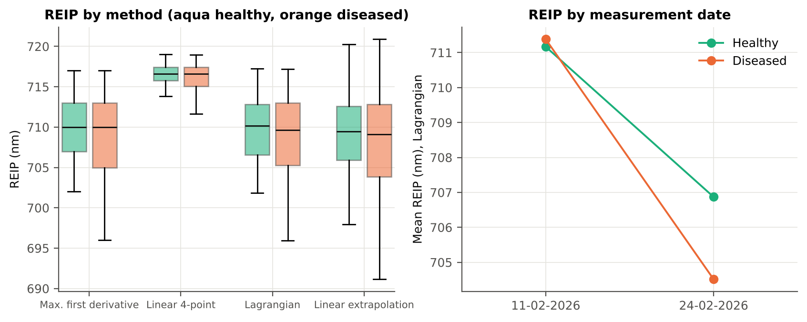
Date | 24-02-2026 | REIP – linear extrapolation | 30 | 160 | 705.94 | 702.13 | -3.8086 | 1.360E-05 | 0.7223
Growth stage | Vegetative | REIP – maximum first derivative | 93 | 471 | 709.75 | 709.03 | -0.7208 | 0.1035 | 0.5336
Growth stage | Vegetative | REIP – linear 4-point interpolation | 93 | 471 | 716.54 | 715.99 | -0.5426 | 9.746E-04 | 0.5415
Growth stage | Vegetative | REIP – Lagrangian interpolation | 93 | 471 | 709.78 | 709.05 | -0.7322 | 0.0986 | 0.5355
Growth stage | Vegetative | REIP – linear extrapolation | 93 | 471 | 709.45 | 708.19 | -1.2561 | 0.0313 | 0.5401
Variety | V1 | REIP – maximum first derivative | 21 | 105 | 710.05 | 709.05 | -1.0000 | 0.3306 | 0.5560
Variety | V1 | REIP – linear 4-point interpolation | 21 | 105 | 716.69 | 716.02 | -0.6725 | 0.0580 | 0.5850
Variety | V1 | REIP – Lagrangian interpolation | 21 | 105 | 710.04 | 709.07 | -0.9768 | 0.3450 | 0.5565
Variety | V1 | REIP – linear extrapolation | 21 | 105 | 709.85 | 708.08 | -1.7704 | 0.1912 | 0.5628
Variety | V2 | REIP – maximum first derivative | 36 | 190 | 709.72 | 708.19 | -1.5327 | 0.0398 | 0.5938
Variety | V2 | REIP – linear 4-point interpolation | 36 | 190 | 716.43 | 715.67 | -0.7666 | 0.0077 | 0.5981
Variety | V2 | REIP – Lagrangian interpolation | 36 | 190 | 709.76 | 708.20 | -1.5593 | 0.0330 | 0.5971
Variety | V2 | REIP – linear extrapolation | 36 | 190 | 709.28 | 707.03 | -2.2514 | 0.0212 | 0.5994
Variety | V3 | REIP – maximum first derivative | 36 | 176 | 709.61 | 709.93 | 0.3207 | 0.6257 | 0.5486
Variety | V3 | REIP – linear 4-point interpolation | 36 | 176 | 716.55 | 716.33 | -0.2172 | 0.3697 | 0.5461
Variety | V3 | REIP – Lagrangian interpolation | 36 | 176 | 709.65 | 709.95 | 0.3046 | 0.6506 | 0.5455
Variety | V3 | REIP – linear extrapolation | 36 | 176 | 709.39 | 709.52 | 0.1334 | 0.8782 | 0.5420

21_K6_Correlation
...
r(λ) = Pearson correlation between the band value and the 0/1 disease status (point-biserial r), for the smoothed reflectance and the first derivative, on all leaves and separately on each date. r is a monotone function of Student's t, so the ranking matches Tier 1; the per-date curves show whether the sign is stable over time.
First derivative | 400–499 | 442.00 | 0.2132 | 2.262E-06 | yes
First derivative | 500–599 | 560.00 | 0.1675 | 3.336E-04 | yes
First derivative | 600–679 | 679.00 | 0.1218 | 0.0120 | yes
First derivative | 680–759 | 712.00 | -0.1638 | 4.632E-04 | yes
First derivative | 760–1349 | 872.00 | 0.4590 | 1.214E-28 | yes
First derivative | 1350–1430 | 1351.00 | 0.2056 | 5.646E-06 | yes
First derivative | 1431–1799 | 1725.00 | -0.2560 | 7.031E-09 | yes
First derivative | 1800–1950 | 1922.00 | -0.4700 | 5.389E-30 | yes
First derivative | 1951–2349 | 2224.00 | 0.3737 | 1.019E-18 | yes
First derivative | 2350–2500 | 2483.00 | -0.1541 | 0.0011 | yes
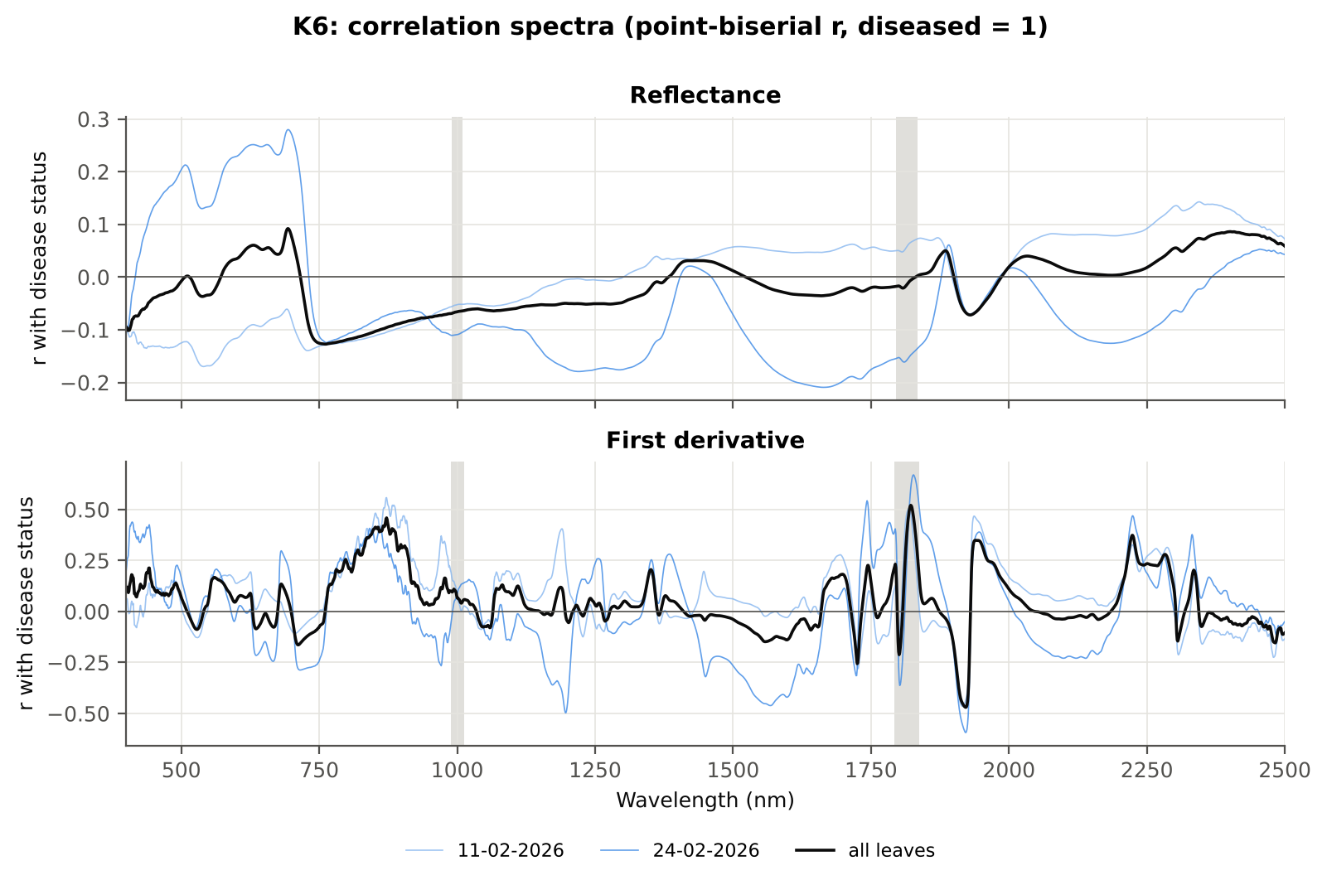

Cross-checks for this step
Step | What was checked | Method | Result | Status
K6 | Correlation vs t-test | |r_pb| vs |Welch t| across bands (Spearman) | ρ = 0.9951 (r_pb is a monotone function of Student's t) | PASS

22_K5_CART_vs_RF
...
Table K5.2 CART vs RF on each feature group (mean over repeats)
K1–K4 combined pool | 4151 | CART | Hold-out | 10 | 82.6% | 4.3% | 0.8387 | 0.5478
K1–K4 combined pool | 4151 | RF | Hold-out | 10 | 91.5% | 3.1% | 0.9608 | 0.7119
K4 incl. guard-zone bands (artefact test) | 2121 | CART | CV | 5 | 83.1% | 1.3% | 0.8076 | 0.5823
K4 incl. guard-zone bands (artefact test) | 2121 | RF | CV | 5 | 92.1% | 0.9% | 0.9678 | 0.7356
K4 incl. guard-zone bands (artefact test) | 2121 | CART | Hold-out | 10 | 84.7% | 6.6% | 0.8501 | 0.5826
K4 incl. guard-zone bands (artefact test) | 2121 | RF | Hold-out | 10 | 93.5% | 3.3% | 0.9723 | 0.7456
K-selected (top 15 non-redundant, chosen inside each training set) | 15 | CART | CV | 5 | 81.7% | 1.1% | 0.7630 | 0.5639
K-selected (top 15 non-redundant, chosen inside each training set) | 15 | RF | CV | 5 | 88.9% | 0.5% | 0.9503 | 0.7032
K-selected (top 15 non-redundant, chosen inside each training set) | 15 | QDA | CV | 5 | 88.7% | 0.4% | 0.9575 | 0.6981
K-selected (top 15 non-redundant, chosen inside each training set) | 15 | CART | Hold-out | 10 | 82.7% | 6.1% | 0.7792 | 0.5729
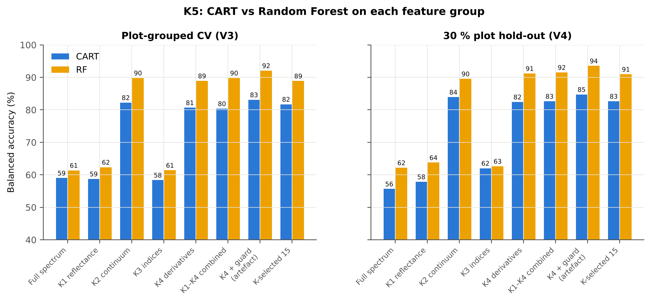
K-selected (top 15 non-redundant, chosen inside each training set) | 15 | RF | Hold-out | 10 | 91.0% | 4.1% | 0.9566 | 0.7393
K-selected (top 15 non-redundant, chosen inside each training set) | 15 | QDA | Hold-out | 10 | 88.4% | 3.8% | 0.9631 | 0.7062

Table K5.3 Paired comparison RF vs CART (same folds)
Feature group | Units | n | RF − CART (BA) | SD | RF better | CART better | Wilcoxon p
Full spectrum (raw reflectance) | CV (50 folds) | 50 | 3.3% | 13.5% | 26 | 22 | 0.1329
Full spectrum (raw reflectance) | Hold-out (10 splits) | 10 | 6.5% | 5.9% | 8 | 2 | 0.0098
...

25_C2_Tier2
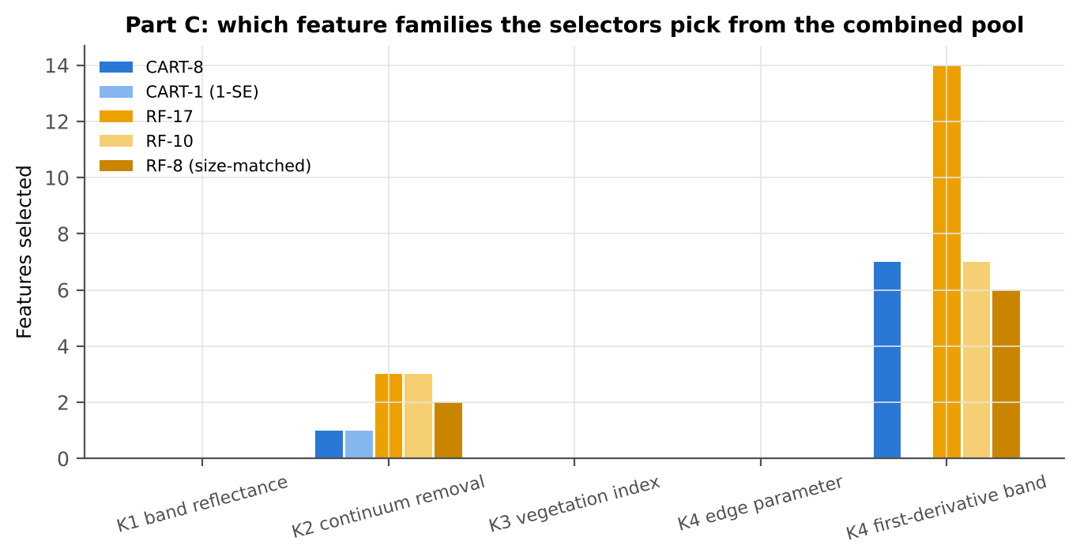
...
Table C2.2 The selected features
D1_1917 | K4 first-derivative band | yes |  | 2.289E-05 | -2.963E-05 | -14.61 | 2.914E-28 | 0.8894
D1_1683 | K4 first-derivative band | yes |  | 4.359E-04 | 4.648E-04 | 4.0707 | 8.033E-04 | 0.6261
D1_1918 | K4 first-derivative band |  | yes | 2.540E-05 | -2.236E-05 | -14.67 | 2.914E-28 | 0.8907
D1_871 | K4 first-derivative band |  | yes | -6.186E-05 | -2.400E-05 | 13.09 | 8.413E-24 | 0.8492
D1_852 | K4 first-derivative band |  | yes | -4.503E-05 | -6.818E-06 | 12.65 | 1.956E-23 | 0.8292
D1_1950 | K4 first-derivative band |  | yes | 2.336E-05 | 5.927E-05 | 9.3980 | 4.156E-15 | 0.7915
CR6 water 1940 position | K2 continuum removal |  | yes | 1906.34 | 1912.63 | 13.55 | 1.043E-24 | 0.8556
D1_1937 | K4 first-derivative band |  | yes | 2.023E-05 | 3.926E-05 | 9.6958 | 8.032E-16 | 0.8125
D1_2224 | K4 first-derivative band |  | yes | 1.022E-05 | 2.919E-05 | 9.2825 | 2.284E-14 | 0.7974
D1_885 | K4 first-derivative band |  | yes | -6.472E-05 | -3.114E-05 | 10.24 | 1.162E-16 | 0.7982
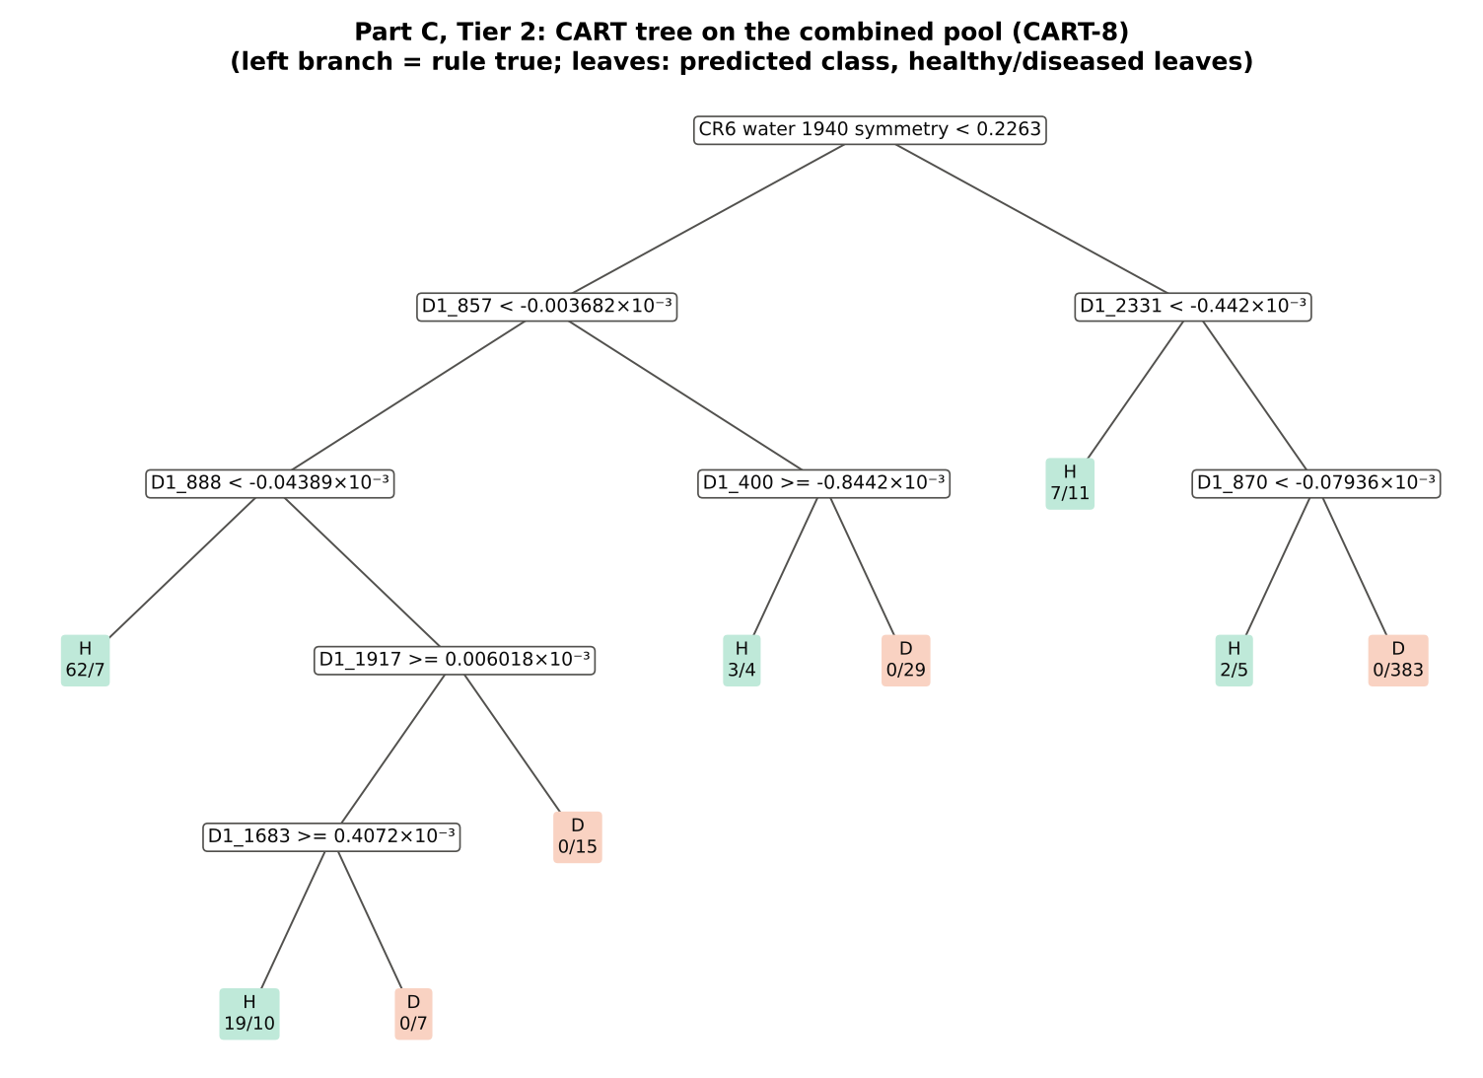
CR3 water 970 symmetry | K2 continuum removal |  | yes | 0.3767 | 0.3847 | 4.3589 | 3.360E-04 | 0.6291
D1_1726 | K4 first-derivative band |  | yes | -0.0011 | -0.0011 | -5.7222 | 1.118E-06 | 0.7345
D1_2332 | K4 first-derivative band |  | yes | -1.752E-04 | -1.175E-04 | 3.7218 | 0.0027 | 0.6169
D1_2235 | K4 first-derivative band |  | yes | -2.257E-06 | 1.952E-05 | 6.0219 | 2.535E-07 | 0.7028
D1_840 | K4 first-derivative band |  | yes | -6.143E-05 | -2.458E-05 | 10.89 | 4.537E-19 | 0.7935
D1_1557 | K4 first-derivative band |  | yes | 0.0016 | 0.0015 | -3.2218 | 0.0122 | 0.6332
D1_2282 | K4 first-derivative band |  | yes | 2.184E-04 | 2.885E-04 | 7.9928 | 8.553E-12 | 0.7451
D1_1742 | K4 first-derivative band |  | yes | -0.0017 | -0.0016 | 4.2652 | 4.467E-04 | 0.6713
...
Table C2.3 Tree nodes (rpart frame)
8 | 3 | leaf | D1_888< -4.389e-05 | 69 | 62 | 7 | H
9 | 3 | D1_1917 | D1_888>=-4.389e-05 | 51 | 19 | 32 | H
18 | 4 | D1_1683 | D1_1917>=6.018e-06 | 36 | 19 | 17 | H
36 | 5 | leaf | D1_1683>=0.0004072 | 29 | 19 | 10 | H
37 | 5 | leaf | D1_1683< 0.0004072 | 7 | 0 | 7 | D
19 | 4 | leaf | D1_1917< 6.018e-06 | 15 | 0 | 15 | D
5 | 2 | D1_400 | D1_857>=-3.682e-06 | 36 | 3 | 33 | D
10 | 3 | leaf | D1_400>=-0.0008442 | 7 | 3 | 4 | H
11 | 3 | leaf | D1_400< -0.0008442 | 29 | 0 | 29 | D
3 | 1 | D1_2331 | CR6 water 1940 symmetry>=0.2263 | 408 | 9 | 399 | D
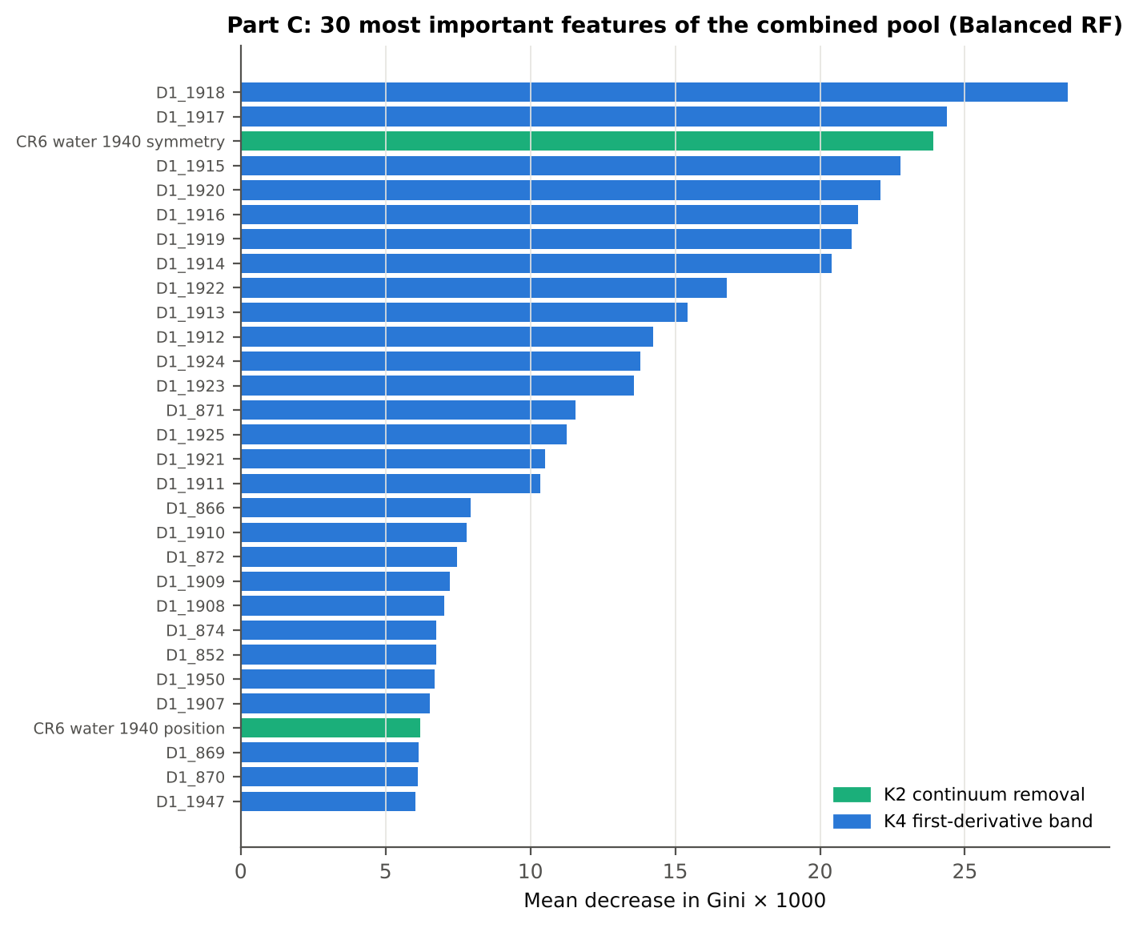
6 | 2 | leaf | D1_2331< -0.000442 | 18 | 7 | 11 | H
7 | 2 | D1_870 | D1_2331>=-0.000442 | 390 | 2 | 388 | D
14 | 3 | leaf | D1_870< -7.936e-05 | 7 | 2 | 5 | H
15 | 3 | leaf | D1_870>=-7.936e-05 | 383 | 0 | 383 | D

Table C2.4 Complexity-parameter table (plot-grouped CV)
CP | nsplit | rel error | xerror | xstd
0.7504 | 0.0000 | 1.0000 | 1.0960 | 0.0878
0.0519 | 1.0000 | 0.2496 | 0.3357 | 0.0457
0.0378 | 2.0000 | 0.1977 | 0.3675 | 0.0460
0.0238 | 3.0000 | 0.1599 | 0.3850 | 0.0500
0.0159 | 4.0000 | 0.1362 | 0.3209 | 0.0466
0.0149 | 6.0000 | 0.1043 | 0.3729 | 0.0535
0.0109 | 7.0000 | 0.0894 | 0.3901 | 0.0554
0.0100 | 8.0000 | 0.0786 | 0.3986 | 0.0554

26_C3_Tier3_JM
...
Table C3.2 J–M and QDA BA as features are added
6 | D1_870 | 1.4559 | 92.4% | CR6 water 1940 position | 1.5426 | 92.8%
7 | D1_1917 | 1.5078 | 92.3% | D1_1937 | 1.5889 | 92.6%
8 | D1_1683 | 1.5600 | 91.9% | D1_2224 | 1.6095 | 92.6%
9 |  |  |  | D1_885 | 1.6327 | 93.0%
10 |  |  |  | CR3 water 970 symmetry | 1.6582 | 91.8%
11 |  |  |  | D1_1726 | 1.7183 | 92.4%
12 |  |  |  | D1_2332 | 1.7806 | 93.2%
13 |  |  |  | D1_2235 | 1.8100 | 92.4%
14 |  |  |  | D1_840 | 1.8425 | 91.2%
15 |  |  |  | D1_1557 | 1.8589 | 90.2%
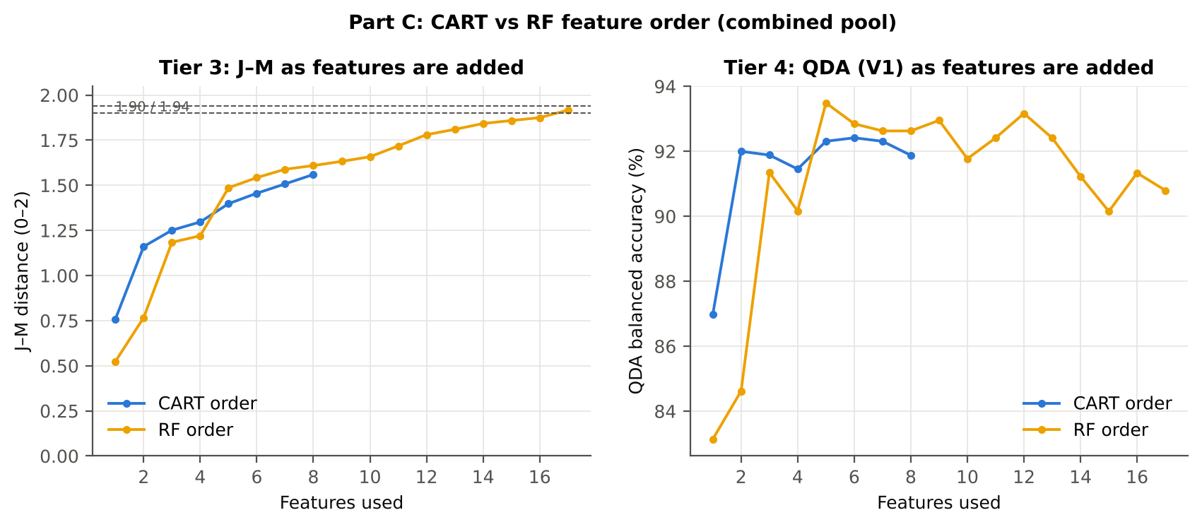
16 |  |  |  | D1_2282 | 1.8751 | 91.3%
17 |  |  |  | D1_1742 | 1.9165 | 90.8%

28_C5_Validation
...
Result in brief
RF classifier | V1 | 1 | 92.4% | 92.0% |  | 0.7521 | 0.9696 | 91.4% | 92.6% | 70.8% | 98.2%
RF classifier | V3 | 5 | 90.1% | 88.4% | 1.2% | 0.6812 | 0.9476 | 85.8% | 91.0% | 65.2% | 97.0%
RF classifier | V4 | 10 | 90.2% | 89.8% | 2.7% | 0.6871 | 0.9567 | 89.5% | 90.1% | 65.9% | 98.2%
RF classifier | V5 | 10 | 78.4% | 73.4% | 8.1% | 0.3466 | 0.8121 | 66.1% | 80.8% | 37.3% | 93.4%
QDA on CART features | V1 | 1 | 92.2% | 91.9% |  | 0.7473 | 0.9732 | 91.4% | 92.4% | 70.2% | 98.2%
QDA on CART features | V3 | 5 | 91.2% | 90.5% | 0.5% | 0.7174 | 0.9538 | 89.5% | 91.5% | 67.7% | 97.8%
QDA on CART features | V4 | 10 | 90.7% | 89.7% | 3.9% | 0.7007 | 0.9447 | 88.6% | 90.9% | 69.1% | 98.0%
QDA on CART features | V5 | 10 | 63.2% | 71.4% | 6.9% | 0.2275 | 0.8601 | 83.1% | 59.7% | 26.4% | 95.4%
QDA on RF features | V1 | 1 | 92.6% | 90.8% |  | 0.7511 | 0.9689 | 88.2% | 93.4% | 72.6% | 97.6%
QDA on RF features | V3 | 5 | 91.6% | 89.2% | 1.5% | 0.7197 | 0.9489 | 85.6% | 92.8% | 70.1% | 97.0%
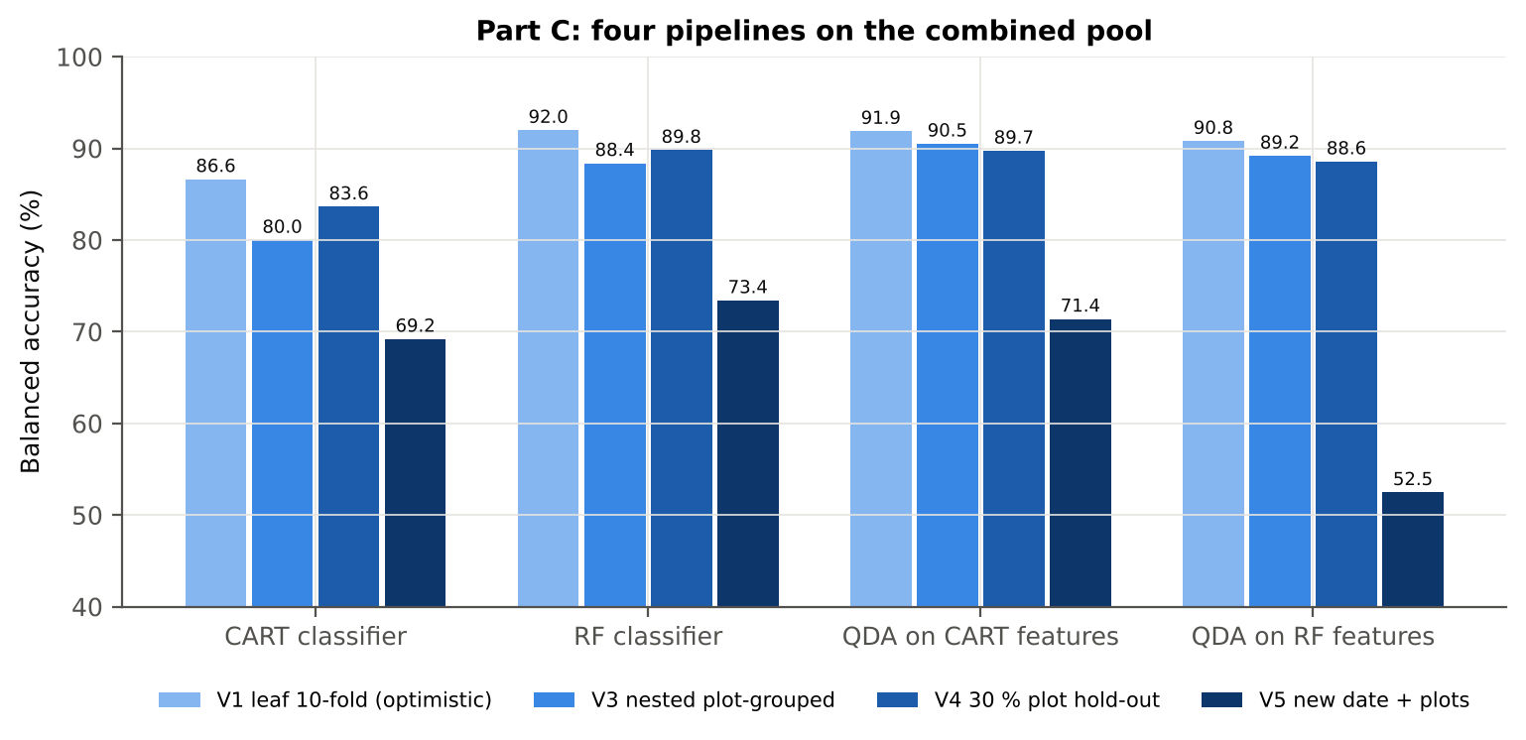
QDA on RF features | V4 | 10 | 91.1% | 88.6% | 4.3% | 0.7129 | 0.9553 | 85.1% | 92.0% | 73.0% | 97.3%
QDA on RF features | V5 | 10 | 85.5% | 52.5% | 4.7% | 0.0707 | 0.5780 | 6.1% | 98.8% | 37.2% | 86.2%

Table C5.2 Paired comparisons within this pool
Comparison | Units | n | Mean difference | SD | First better | Second better | Ties | Wilcoxon p
RF classifier − CART classifier | V3 nested (folds) | 50 | 8.6% | 9.4% | 40 | 8 | 2 | 3.623E-07
RF classifier − CART classifier | V4 hold-out (splits) | 10 | 6.2% | 4.2% | 9 | 1 | 0 | 0.0039
QDA on RF features − QDA on CART features | V3 nested (folds) | 50 | -1.1% | 6.2% | 15 | 21 | 14 | 0.2544
...

29_C6_Stability
...
Table C6.4 Re-selection of the all-leaf RF features
Feature | Type | Re-selected by CART (±10 nm) | Re-selected by RF (±10 nm)
D1_1918 | K4 first-derivative band | 66.0% | 100.0%
CR6 water 1940 symmetry | K2 continuum removal | 94.0% | 100.0%
D1_871 | K4 first-derivative band | 46.0% | 100.0%
D1_852 | K4 first-derivative band | 62.0% | 100.0%
D1_1950 | K4 first-derivative band | 0.0% | 100.0%
CR6 water 1940 position | K2 continuum removal | 0.0% | 100.0%
D1_1937 | K4 first-derivative band | 0.0% | 98.0%
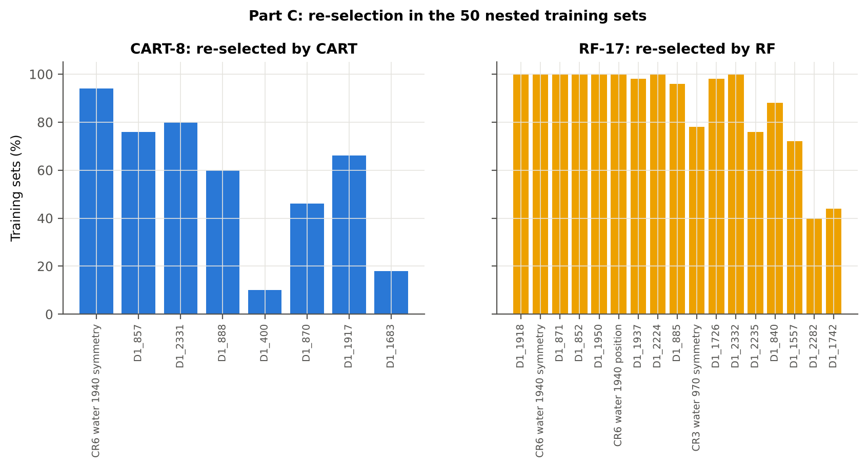
D1_2224 | K4 first-derivative band | 20.0% | 100.0%
D1_885 | K4 first-derivative band | 60.0% | 96.0%
CR3 water 970 symmetry | K2 continuum removal | 20.0% | 78.0%
D1_1726 | K4 first-derivative band | 16.0% | 98.0%
D1_2332 | K4 first-derivative band | 80.0% | 100.0%
D1_2235 | K4 first-derivative band | 2.0% | 76.0%
D1_840 | K4 first-derivative band | 6.0% | 88.0%
D1_1557 | K4 first-derivative band | 0.0% | 72.0%
D1_2282 | K4 first-derivative band | 0.0% | 40.0%
D1_1742 | K4 first-derivative band | 0.0% | 44.0%
...

31_V5_Transfer
...
Result in brief
Reflectance (Part A) | CART classifier | 24-02-2026 | 10 | 8 | 60.60 | 48.2% | 8.8%
Reflectance (Part A) | RF classifier | 11-02-2026 | 10 | 10 | 114.90 | 47.7% | 3.1%
Reflectance (Part A) | RF classifier | 24-02-2026 | 10 | 8 | 60.60 | 47.1% | 10.8%
Reflectance (Part A) | QDA on CART features | 11-02-2026 | 10 | 10 | 114.90 | 44.1% | 5.3%
Reflectance (Part A) | QDA on CART features | 24-02-2026 | 10 | 8 | 60.60 | 57.4% | 14.2%
Reflectance (Part A) | QDA on RF features | 11-02-2026 | 10 | 10 | 114.90 | 47.9% | 7.8%
Reflectance (Part A) | QDA on RF features | 24-02-2026 | 10 | 8 | 60.60 | 57.0% | 8.1%
Combined pool (Part C) | CART classifier | 11-02-2026 | 10 | 10 | 114.90 | 65.4% | 5.5%
Combined pool (Part C) | CART classifier | 24-02-2026 | 10 | 8 | 60.60 | 65.5% | 17.1%
Combined pool (Part C) | RF classifier | 11-02-2026 | 10 | 10 | 114.90 | 74.4% | 9.0%
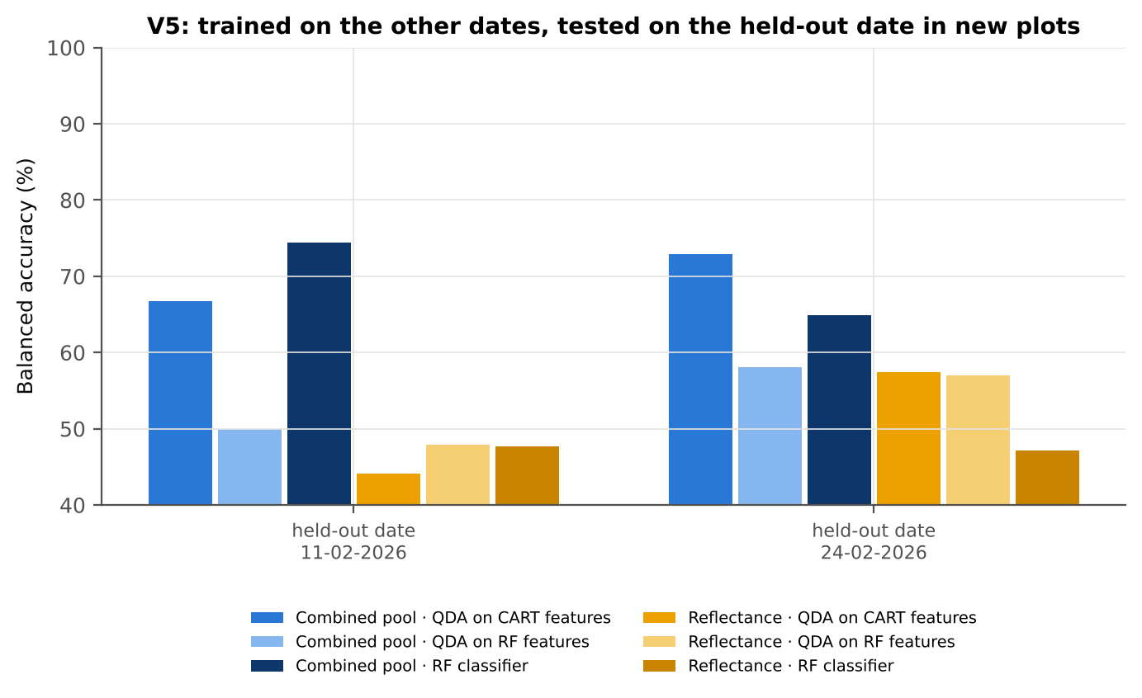
Combined pool (Part C) | RF classifier | 24-02-2026 | 10 | 8 | 60.60 | 64.9% | 12.4%
Combined pool (Part C) | QDA on CART features | 11-02-2026 | 10 | 10 | 114.90 | 66.7% | 7.7%
Combined pool (Part C) | QDA on CART features | 24-02-2026 | 10 | 8 | 60.60 | 72.9% | 15.9%
Combined pool (Part C) | QDA on RF features | 11-02-2026 | 10 | 10 | 114.90 | 49.9% | 0.4%
Combined pool (Part C) | QDA on RF features | 24-02-2026 | 10 | 8 | 60.60 | 58.0% | 11.9%

37_ChartData
...
Figure 3. Mean reflectance (healthy vs diseased)
 | Mean healthy | Mean diseased
400.00 | 0.2974 | 0.2892
401.00 | 0.2954 | 0.2881
402.00 | 0.2952 | 0.2874
403.00 | 0.2943 | 0.2863
404.00 | 0.2933 | 0.2857
405.00 | 0.2927 | 0.2851
406.00 | 0.2906 | 0.2815
407.00 | 0.2886 | 0.2805
408.00 | 0.2869 | 0.2805
409.00 | 0.2852 | 0.2784
410.00 | 0.2837 | 0.2770
411.00 | 0.2830 | 0.2767
412.00 | 0.2830 | 0.2769
413.00 | 0.2820 | 0.2760
414.00 | 0.2801 | 0.2744
415.00 | 0.2780 | 0.2725
416.00 | 0.2762 | 0.2707
417.00 | 0.2753 | 0.2700
418.00 | 0.2744 | 0.2689
419.00 | 0.2730 | 0.2673
420.00 | 0.2712 | 0.2661
421.00 | 0.2695 | 0.2643
422.00 | 0.2680 | 0.2626
423.00 | 0.2664 | 0.2612
424.00 | 0.2639 | 0.2590
425.00 | 0.2623 | 0.2575
426.00 | 0.2612 | 0.2565
427.00 | 0.2594 | 0.2552
428.00 | 0.2574 | 0.2533
429.00 | 0.2553 | 0.2510
430.00 | 0.2531 | 0.2486
431.00 | 0.2511 | 0.2469
432.00 | 0.2497 | 0.2457
433.00 | 0.2482 | 0.2443
434.00 | 0.2459 | 0.2420
435.00 | 0.2445 | 0.2404
436.00 | 0.2426 | 0.2386
437.00 | 0.2400 | 0.2364
438.00 | 0.2381 | 0.2346
439.00 | 0.2365 | 0.2331
440.00 | 0.2351 | 0.2318
441.00 | 0.2334 | 0.2303
442.00 | 0.2317 | 0.2286
443.00 | 0.2299 | 0.2269
444.00 | 0.2283 | 0.2253
445.00 | 0.2270 | 0.2242
446.00 | 0.2255 | 0.2227
447.00 | 0.2239 | 0.2213
448.00 | 0.2225 | 0.2199
449.00 | 0.2210 | 0.2185
...
−log10 q mixed model | q = 0.05 line | RF importance × 1000 | K1 AUC | D1 AUC
0.0268 | 1.3010 | 9.7818 | 0.5646 | 0.5747
0.0268 | 1.3010 | 8.3558 | 0.5623 | 0.5764
0.0268 | 1.3010 | 9.4617 | 0.5641 | 0.5870
0.0268 | 1.3010 | 9.9576 | 0.5671 | 0.5771
0.0268 | 1.3010 | 8.7021 | 0.5666 | 0.5660
0.0268 | 1.3010 | 9.5012 | 0.5665 | 0.5753
0.0268 | 1.3010 | 11.58 | 0.5652 | 0.5958
0.0268 | 1.3010 | 9.9681 | 0.5633 | 0.6062
0.0268 | 1.3010 | 0.0000 | 0.5600 | 0.6142
0.0268 | 1.3010 | 8.7738 | 0.5569 | 0.6327
0.0268 | 1.3010 | 0.0000 | 0.5527 | 0.6468
0.0268 | 1.3010 | 0.0000 | 0.5482 | 0.6458
0.0268 | 1.3010 | 0.0000 | 0.5476 | 0.6360
0.0268 | 1.3010 | 0.0000 | 0.5476 | 0.6356
0.0268 | 1.3010 | 0.0000 | 0.5443 | 0.6015
0.0268 | 1.3010 | 0.0000 | 0.5427 | 0.5710
0.0268 | 1.3010 | 0.0000 | 0.5422 | 0.5710
0.0268 | 1.3010 | 0.0000 | 0.5427 | 0.5662
0.0268 | 1.3010 | 0.0000 | 0.5426 | 0.5610
Figure 5b. −log10(p) against wavelength
 | −log10 p Welch | −log10 q Welch | −log10 q mixed model | q = 0.05 line
400.00 | 1.7314 | 0.5229 | 0.0268 | 1.3010
401.00 | 1.5090 | 0.5037 | 0.0268 | 1.3010
402.00 | 1.6268 | 0.5039 | 0.0268 | 1.3010
403.00 | 1.6629 | 0.5039 | 0.0268 | 1.3010
404.00 | 1.5875 | 0.5039 | 0.0268 | 1.3010
405.00 | 1.5481 | 0.5037 | 0.0268 | 1.3010
406.00 | 2.0703 | 0.6625 | 0.0268 | 1.3010
407.00 | 1.7455 | 0.5303 | 0.0268 | 1.3010
408.00 | 1.1951 | 0.4035 | 0.0268 | 1.3010
409.00 | 1.3239 | 0.4639 | 0.0268 | 1.3010
410.00 | 1.2972 | 0.4518 | 0.0268 | 1.3010
411.00 | 1.1945 | 0.4035 | 0.0268 | 1.3010
412.00 | 1.1189 | 0.3921 | 0.0268 | 1.3010
413.00 | 1.1078 | 0.3905 | 0.0268 | 1.3010
414.00 | 1.0592 | 0.3768 | 0.0268 | 1.3010
415.00 | 1.0151 | 0.3629 | 0.0268 | 1.3010
416.00 | 1.0171 | 0.3638 | 0.0268 | 1.3010
417.00 | 0.9493 | 0.3351 | 0.0268 | 1.3010
418.00 | 1.0004 | 0.3565 | 0.0268 | 1.3010
419.00 | 1.0900 | 0.3837 | 0.0268 | 1.3010
420.00 | 0.9492 | 0.3351 | 0.0268 | 1.3010
421.00 | 0.9580 | 0.3385 | 0.0268 | 1.3010
422.00 | 1.0109 | 0.3606 | 0.0268 | 1.3010
423.00 | 0.9885 | 0.3527 | 0.0268 | 1.3010
424.00 | 0.9138 | 0.3313 | 0.0268 | 1.3010
425.00 | 0.8910 | 0.3313 | 0.0268 | 1.3010
426.00 | 0.8677 | 0.3313 | 0.0268 | 1.3010
427.00 | 0.7575 | 0.3090 | 0.0268 | 1.3010
428.00 | 0.7326 | 0.3090 | 0.0268 | 1.3010
429.00 | 0.7791 | 0.3090 | 0.0268 | 1.3010
430.00 | 0.8334 | 0.3313 | 0.0268 | 1.3010
431.00 | 0.7750 | 0.3090 | 0.0268 | 1.3010
432.00 | 0.7151 | 0.3090 | 0.0268 | 1.3010
433.00 | 0.6885 | 0.3090 | 0.0268 | 1.3010
434.00 | 0.7033 | 0.3090 | 0.0268 | 1.3010
435.00 | 0.7623 | 0.3090 | 0.0268 | 1.3010
436.00 | 0.7397 | 0.3090 | 0.0268 | 1.3010
437.00 | 0.6453 | 0.3005 | 0.0268 | 1.3010
438.00 | 0.6150 | 0.2784 | 0.0268 | 1.3010
439.00 | 0.6006 | 0.2681 | 0.0268 | 1.3010
440.00 | 0.5724 | 0.2450 | 0.0268 | 1.3010
441.00 | 0.5266 | 0.2101 | 0.0268 | 1.3010
442.00 | 0.5180 | 0.2052 | 0.0268 | 1.3010
443.00 | 0.5220 | 0.2078 | 0.0268 | 1.3010
444.00 | 0.5165 | 0.2045 | 0.0268 | 1.3010
445.00 | 0.4842 | 0.1907 | 0.0268 | 1.3010
446.00 | 0.4604 | 0.1786 | 0.0268 | 1.3010
447.00 | 0.4413 | 0.1692 | 0.0268 | 1.3010
448.00 | 0.4248 | 0.1597 | 0.0268 | 1.3010
449.00 | 0.4257 | 0.1597 | 0.0268 | 1.3010
...
0.0268 | 1.3010 | 0.0000 | 0.5428 | 0.5598
0.0268 | 1.3010 | 0.0000 | 0.5427 | 0.5649
0.0268 | 1.3010 | 0.0000 | 0.5428 | 0.5743
0.0268 | 1.3010 | 0.0000 | 0.5424 | 0.5806
0.0268 | 1.3010 | 0.0000 | 0.5414 | 0.5846
0.0268 | 1.3010 | 0.0000 | 0.5403 | 0.5923
0.0268 | 1.3010 | 0.0000 | 0.5394 | 0.6065
0.0268 | 1.3010 | 0.0000 | 0.5389 | 0.6154
0.0268 | 1.3010 | 0.0000 | 0.5376 | 0.6088
0.0268 | 1.3010 | 0.0000 | 0.5367 | 0.6054
0.0268 | 1.3010 | 0.0000 | 0.5365 | 0.6024
0.0268 | 1.3010 | 0.0000 | 0.5351 | 0.5994
0.0268 | 1.3010 | 0.0000 | 0.5346 | 0.5940
0.0268 | 1.3010 | 0.0000 | 0.5348 | 0.5931
0.0268 | 1.3010 | 0.0000 | 0.5348 | 0.5947
0.0268 | 1.3010 | 0.0000 | 0.5346 | 0.6025
0.0268 | 1.3010 | 0.0000 | 0.5341 | 0.6222
0.0268 | 1.3010 | 0.0000 | 0.5335 | 0.6408
0.0268 | 1.3010 | 0.0000 | 0.5325 | 0.6479
0.0268 | 1.3010 | 0.0000 | 0.5309 | 0.6465
Figure 5. Balanced subsets with a significant difference (%)
 | Balanced subsets significant (%)
400.00 | 0.2000
401.00 | 0.2000
402.00 | 0.2000
403.00 | 0.2000
404.00 | 0.2000
405.00 | 0.2000
406.00 | 0.3000
407.00 | 0.2000
408.00 | 0.0000
409.00 | 0.0000
410.00 | 0.0000
411.00 | 0.0000
412.00 | 0.0000
413.00 | 0.0000
414.00 | 0.0000
415.00 | 0.0000
416.00 | 0.0000
417.00 | 0.0000
418.00 | 0.0000
419.00 | 0.0000
420.00 | 0.0000
421.00 | 0.0000
422.00 | 0.0000
423.00 | 0.0000
424.00 | 0.0000
425.00 | 0.0000
426.00 | 0.0000
427.00 | 0.0000
428.00 | 0.0000
429.00 | 0.0000
430.00 | 0.0000
431.00 | 0.0000
432.00 | 0.0000
433.00 | 0.0000
434.00 | 0.0000
435.00 | 0.0000
436.00 | 0.0000
437.00 | 0.0000
438.00 | 0.0000
439.00 | 0.0000
440.00 | 0.0000
441.00 | 0.0000
442.00 | 0.0000
443.00 | 0.0000
444.00 | 0.0000
445.00 | 0.0000
446.00 | 0.0000
447.00 | 0.0000
448.00 | 0.0000
449.00 | 0.0000
...
0.0268 | 1.3010 | 0.0000 | 0.5292 | 0.6468
0.0268 | 1.3010 | 0.0000 | 0.5272 | 0.6551
0.0268 | 1.3010 | 0.0000 | 0.5258 | 0.6662
0.0268 | 1.3010 | 0.0000 | 0.5252 | 0.6662
0.0268 | 1.3010 | 0.0000 | 0.5246 | 0.6478
0.0268 | 1.3010 | 0.0000 | 0.5234 | 0.6254
0.0268 | 1.3010 | 0.0000 | 0.5230 | 0.6159
0.0268 | 1.3010 | 0.0000 | 0.5229 | 0.6085
0.0268 | 1.3010 | 0.0000 | 0.5224 | 0.6025
0.0268 | 1.3010 | 0.0000 | 0.5216 | 0.5931
0.0268 | 1.3010 | 0.0000 | 0.5212 | 0.5955
0.0268 | 1.3010 | 0.0000 | 0.5206 | 0.5944
0.0268 | 1.3010 | 0.0000 | 0.5202 | 0.5892
0.0268 | 1.3010 | 0.0000 | 0.5202 | 0.5857
0.0268 | 1.3010 | 0.0000 | 0.5199 | 0.5800
0.0268 | 1.3010 | 0.0000 | 0.5194 | 0.5770
0.0268 | 1.3010 | 0.0000 | 0.5191 | 0.5735
0.0268 | 1.3010 | 0.0000 | 0.5187 | 0.5737
0.0268 | 1.3010 | 0.0000 | 0.5178 | 0.5732
0.0268 | 1.3010 | 0.0000 | 0.5170 | 0.5693
Figure A1. RF importance spectrum
 | RF importance × 1000
400.00 | 9.7818
401.00 | 8.3558
402.00 | 9.4617
403.00 | 9.9576
404.00 | 8.7021
405.00 | 9.5012
406.00 | 11.5753
407.00 | 9.9681
408.00 | 0.0000
409.00 | 8.7738
410.00 | 0.0000
411.00 | 0.0000
412.00 | 0.0000
413.00 | 0.0000
414.00 | 0.0000
415.00 | 0.0000
416.00 | 0.0000
417.00 | 0.0000
418.00 | 0.0000
419.00 | 0.0000
420.00 | 0.0000
421.00 | 0.0000
422.00 | 0.0000
423.00 | 0.0000
424.00 | 0.0000
425.00 | 0.0000
426.00 | 0.0000
427.00 | 0.0000
428.00 | 0.0000
429.00 | 0.0000
430.00 | 0.0000
431.00 | 0.0000
432.00 | 0.0000
433.00 | 0.0000
434.00 | 0.0000
435.00 | 0.0000
436.00 | 0.0000
437.00 | 0.0000
438.00 | 0.0000
439.00 | 0.0000
440.00 | 0.0000
441.00 | 0.0000
442.00 | 0.0000
443.00 | 0.0000
444.00 | 0.0000
445.00 | 0.0000
446.00 | 0.0000
447.00 | 0.0000
448.00 | 0.0000
449.00 | 0.0000
...
0.0268 | 1.3010 | 0.0000 | 0.5164 | 0.5652
0.0268 | 1.3010 | 0.0000 | 0.5157 | 0.5636
0.0268 | 1.3010 | 0.0000 | 0.5154 | 0.5632
0.0268 | 1.3010 | 0.0000 | 0.5153 | 0.5609
0.0268 | 1.3010 | 0.0000 | 0.5152 | 0.5597
0.0268 | 1.3010 | 0.0000 | 0.5146 | 0.5591
0.0268 | 1.3010 | 0.0000 | 0.5143 | 0.5566
0.0268 | 1.3010 | 0.0000 | 0.5143 | 0.5587
0.0268 | 1.3010 | 0.0000 | 0.5140 | 0.5638
0.0268 | 1.3010 | 0.0000 | 0.5136 | 0.5635
0.0268 | 1.3010 | 0.0000 | 0.5133 | 0.5592
0.0268 | 1.3010 | 0.0000 | 0.5127 | 0.5565
0.0268 | 1.3010 | 0.0000 | 0.5123 | 0.5609
0.0268 | 1.3010 | 0.0000 | 0.5122 | 0.5632
0.0268 | 1.3010 | 0.0000 | 0.5121 | 0.5615
0.0268 | 1.3010 | 0.0000 | 0.5121 | 0.5620
0.0268 | 1.3010 | 0.0000 | 0.5119 | 0.5632
0.0268 | 1.3010 | 0.0000 | 0.5117 | 0.5621
0.0268 | 1.3010 | 0.0000 | 0.5112 | 0.5590
0.0268 | 1.3010 | 0.0000 | 0.5112 | 0.5613
Figure K1. AUC of every band
 | K1 AUC | D1 AUC
400.00 | 0.5646 | 0.5747
401.00 | 0.5623 | 0.5764
402.00 | 0.5641 | 0.5870
403.00 | 0.5671 | 0.5771
404.00 | 0.5666 | 0.5660
405.00 | 0.5665 | 0.5753
406.00 | 0.5652 | 0.5958
407.00 | 0.5633 | 0.6062
408.00 | 0.5600 | 0.6142
409.00 | 0.5569 | 0.6327
410.00 | 0.5527 | 0.6468
411.00 | 0.5482 | 0.6458
412.00 | 0.5476 | 0.6360
413.00 | 0.5476 | 0.6356
414.00 | 0.5443 | 0.6015
415.00 | 0.5427 | 0.5710
416.00 | 0.5422 | 0.5710
417.00 | 0.5427 | 0.5662
418.00 | 0.5426 | 0.5610
419.00 | 0.5428 | 0.5598
420.00 | 0.5427 | 0.5649
421.00 | 0.5428 | 0.5743
422.00 | 0.5424 | 0.5806
423.00 | 0.5414 | 0.5846
424.00 | 0.5403 | 0.5923
425.00 | 0.5394 | 0.6065
426.00 | 0.5389 | 0.6154
427.00 | 0.5376 | 0.6088
428.00 | 0.5367 | 0.6054
429.00 | 0.5365 | 0.6024
430.00 | 0.5351 | 0.5994
431.00 | 0.5346 | 0.5940
432.00 | 0.5348 | 0.5931
433.00 | 0.5348 | 0.5947
434.00 | 0.5346 | 0.6025
435.00 | 0.5341 | 0.6222
436.00 | 0.5335 | 0.6408
437.00 | 0.5325 | 0.6479
438.00 | 0.5309 | 0.6465
439.00 | 0.5292 | 0.6468
440.00 | 0.5272 | 0.6551
441.00 | 0.5258 | 0.6662
442.00 | 0.5252 | 0.6662
443.00 | 0.5246 | 0.6478
444.00 | 0.5234 | 0.6254
445.00 | 0.5230 | 0.6159
446.00 | 0.5229 | 0.6085
447.00 | 0.5224 | 0.6025
448.00 | 0.5216 | 0.5931
449.00 | 0.5212 | 0.5955
...
0.0268 | 1.3010 | 0.0000 | 0.5104 | 0.5643
0.0268 | 1.3010 | 0.0000 | 0.5097 | 0.5697
0.0268 | 1.3010 | 0.0000 | 0.5092 | 0.5763
0.0268 | 1.3010 | 0.0000 | 0.5088 | 0.5831
0.0268 | 1.3010 | 0.0000 | 0.5086 | 0.5873
0.0268 | 1.3010 | 0.0000 | 0.5085 | 0.5868
0.0268 | 1.3010 | 0.0000 | 0.5082 | 0.5893
0.0268 | 1.3010 | 0.0000 | 0.5074 | 0.5969
0.0268 | 1.3010 | 0.0000 | 0.5068 | 0.6033
0.0268 | 1.3010 | 0.0000 | 0.5061 | 0.6044
0.0268 | 1.3010 | 0.0000 | 0.5055 | 0.6083
0.0268 | 1.3010 | 0.0000 | 0.5043 | 0.6091
0.0268 | 1.3010 | 0.0000 | 0.5038 | 0.6045
0.0268 | 1.3010 | 0.0000 | 0.5033 | 0.6010
0.0268 | 1.3010 | 0.0000 | 0.5020 | 0.5933
0.0268 | 1.3010 | 0.0000 | 0.5011 | 0.5843
0.0268 | 1.3010 | 0.0000 | 0.5001 | 0.5802
0.0268 | 1.3010 | 0.0000 | 0.5012 | 0.5759
0.0268 | 1.3010 | 0.0000 | 0.5020 | 0.5705
0.0268 | 1.3010 | 0.0000 | 0.5022 | 0.5637
Figure A3. Balanced accuracy by pipeline and validation scheme (Part A)
0.0268 | 1.3010 | 0.0000 | 0.5025 | 0.5553
0.0268 | 1.3010 | 0.0000 | 0.5032 | 0.5452
0.0268 | 1.3010 | 0.0000 | 0.5032 | 0.5368
0.0251 | 1.3010 | 0.0000 | 0.5034 | 0.5324
0.0220 | 1.3010 | 0.0000 | 0.5034 | 0.5257
0.0210 | 1.3010 | 0.0000 | 0.5030 | 0.5207
0.0210 | 1.3010 | 0.0000 | 0.5032 | 0.5169
0.0199 | 1.3010 | 0.0000 | 0.5033 | 0.5118
0.0193 | 1.3010 | 0.0000 | 0.5023 | 0.5058
0.0185 | 1.3010 | 0.0000 | 0.5014 | 0.5012
0.0153 | 1.3010 | 0.0000 | 0.5013 | 0.5031
0.0166 | 1.3010 | 0.0000 | 0.5004 | 0.5074
0.0177 | 1.3010 | 0.0000 | 0.5007 | 0.5109
0.0166 | 1.3010 | 0.0000 | 0.5024 | 0.5132
0.0200 | 1.3010 | 0.0000 | 0.5036 | 0.5172
0.0220 | 1.3010 | 0.0000 | 0.5055 | 0.5218
0.0225 | 1.3010 | 0.0000 | 0.5072 | 0.5263
0.0248 | 1.3010 | 0.0000 | 0.5104 | 0.5311
0.0268 | 1.3010 | 0.0000 | 0.5139 | 0.5347
0.0268 | 1.3010 | 0.0000 | 0.5157 | 0.5388
0.0268 | 1.3010 | 0.0000 | 0.5180 | 0.5423
0.0268 | 1.3010 | 0.0000 | 0.5205 | 0.5456
0.0268 | 1.3010 | 0.0000 | 0.5239 | 0.5499
0.0268 | 1.3010 | 0.0000 | 0.5266 | 0.5543
0.0268 | 1.3010 | 0.0000 | 0.5289 | 0.5573
0.0268 | 1.3010 | 0.0000 | 0.5309 | 0.5604
0.0268 | 1.3010 | 0.0000 | 0.5326 | 0.5631
0.0268 | 1.3010 | 0.0000 | 0.5354 | 0.5647
...

