S01_Workflow
Workflow – Tian et al. (2021) applied step by step
The paper's three modules (data preparation, feature selection, classification; their Fig. 2) are applied as Steps 1–6 below; Step 7 collects the cross-checks.

Step | Module | Tian et al. (2021) | This study | Sheets
1 | Data preparation | Spectra + biochemistry of paired healthy/infected leaves; SIs; CWT | Plot-average spectra of 4 dates; QC; guard zones (C1); CWT computed; treatment design checked (C9) | 04, 05
2 | Physiological basis | Biochemical parameters compared with t / Wilcoxon / Mann–Whitney tests | Index proxies of the same constituents (C8), same test rule + BH-FDR (C7) | 06, 07
3 | Spectral separability | Thresholding (Mahlein et al., 2013), OA, classification scalograms | Same thresholding, balanced accuracy (C2), scalograms of R, D1–D3, CWT | 08–11
4 | DSSF extraction | Top 5 % per DAI → intersection → 1 per region; top-10 SIs per year → union | Same with explicit consistency level k* (C3); scalar families top 10 % union | 12
5 | Collinearity | VIF < 10 | Iterative relevance-aware VIF < 10 (C5) | 13, 14
6A | ML-SFFS (paper-faithful) | LDA / k-NN / SVM-SFFS, 4-fold CV × 100, OA, most frequent OFC, SVM-SFFS vs SVM-all | Identical (C6 scaling details) | 15–17
6B | ML-SFFS (corrected) | — | Nested CV: pipeline of Steps 3–6 re-run inside every outer training fold, balanced accuracy (C4) | 18
6C | Permutation null | — | Procedure A repeated with shuffled plot labels (Ojala and Garriga, 2010) | 19
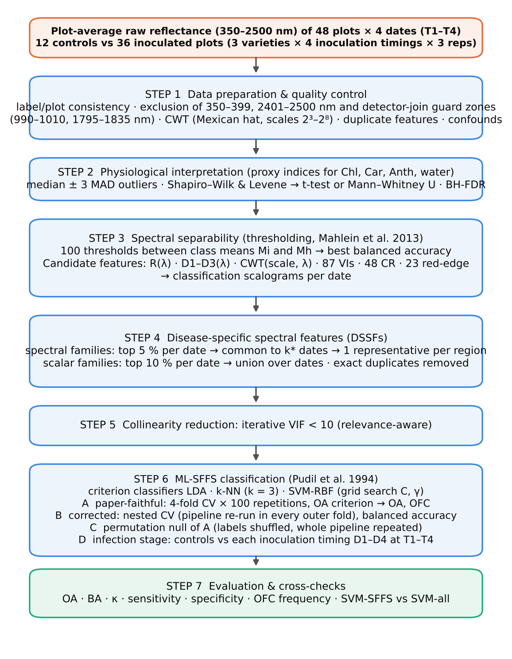
6D | Infection stages | OA per DAI (asymptomatic, early, mild) | Controls vs each inoculation timing D1–D4 on each date T1–T4 | 20
7 | Cross-checks | — | Excel formula checks, independent recomputation, reference verification | 21–24

S04_Step1_Data_QC
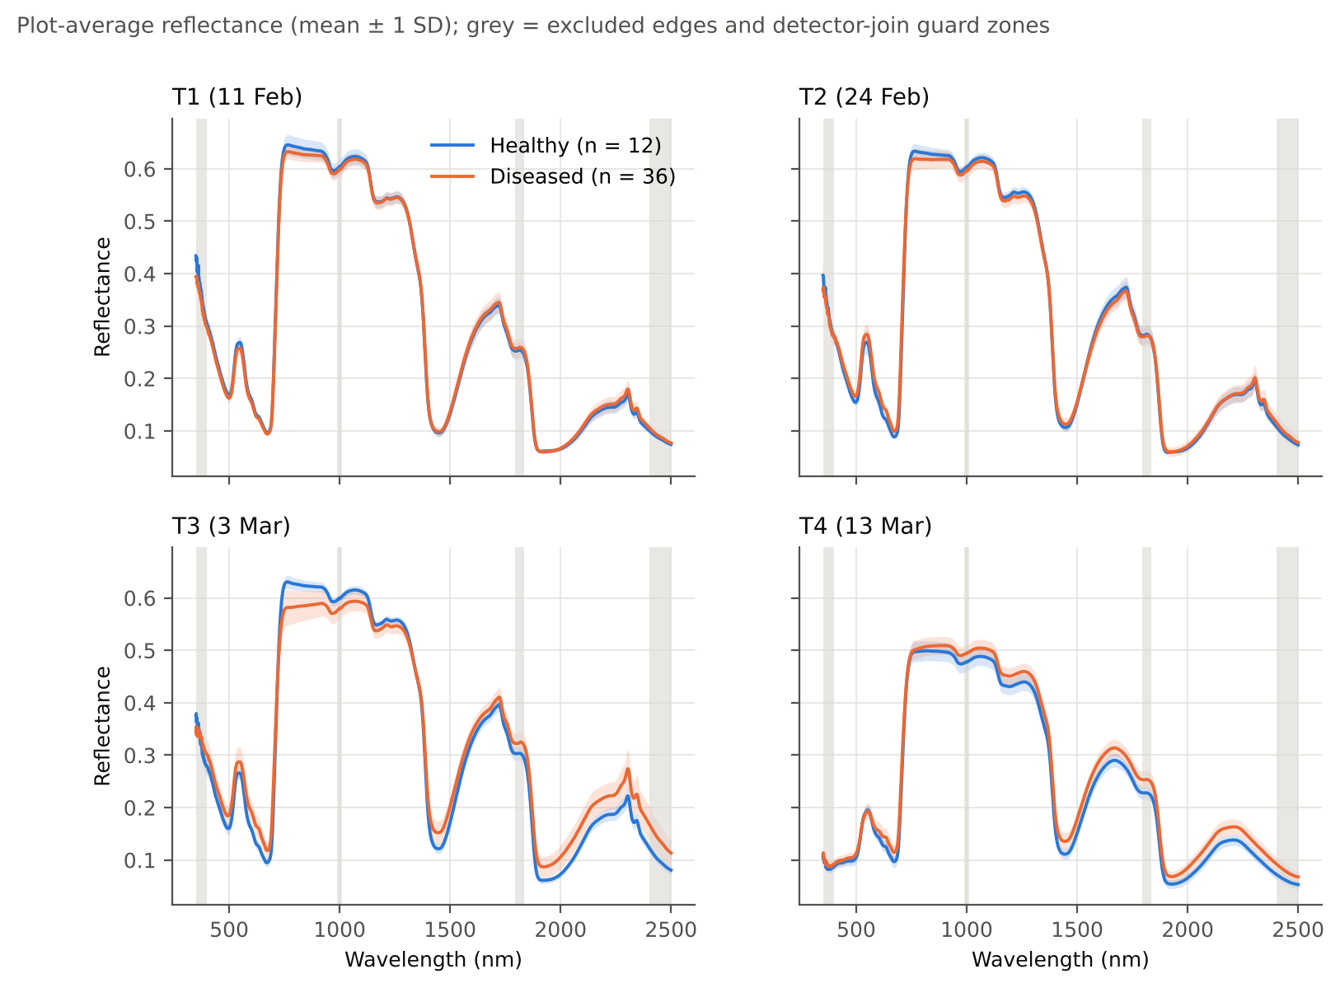
Step 1 · Data preparation and quality control
Concept: the experimental unit is the plot; each plot spectrum is the mean of its leaf spectra (3–15 leaves), which reduces leaf-to-leaf and instrument noise and avoids pseudo-replication.
Method: labels, varieties and treatment were cross-checked between the four workbooks and the treatment file; spectral range 400–2400 nm without the ASD detector-join guard zones 990–1010 and 1795–1835 nm (C1); continuous wavelet transform (Mexican hat, dyadic scales 2¹–2⁸, scales 3–8 retained; Cheng et al., 2010) computed from the raw plot-average reflectance.
Note: the 12 control plots form their own block (C) and were measured first on every date (spectra 1–100); disease is therefore partly confounded with field position and measurement time (C9).

Plots, leaves and growth stages per date
Date | Plots healthy | Plots diseased | Leaf spectra | Leaves/plot healthy (mean) | Leaves/plot diseased (mean) | Growth stages | Stage x class (H) | Stage x class (D) | Spectrum no. range healthy | Labels identical to 11-02 | Varieties identical to 11-02
T1 (11 Feb) | 12 | 36 | 428 | 6.000 | 9.889 | Vegetative: 44; Flowering: 4 | Vegetative: 11; Flowering: 1 | Vegetative: 33; Flowering: 3 | 1–70 | Yes | Yes
T2 (24 Feb) | 12 | 36 | 540 | 7.500 | 12.500 | Flowering: 28; Vegetative: 20 | Flowering: 7; Vegetative: 5 | Flowering: 21; Vegetative: 15 | 1–85 | Yes | Yes
T3 (3 Mar) | 12 | 36 | 648 | 9.000 | 15.000 | Flowering: 44; Pod formation: 4 | Flowering: 11; Pod formation: 1 | Flowering: 33; Pod formation: 3 | 1–100 | Yes | Yes
T4 (13 Mar) | 12 | 36 | 648 | 9.000 | 15.000 | Pod formation: 36; Flowering: 12 | Pod formation: 9; Flowering: 3 | Pod formation: 27; Flowering: 9 | 1–100 | Yes | Yes

Number of candidate features per family (after range restriction)
Date | Reflectance band | First derivative | Second derivative | Third derivative | Wavelet coefficient (CWT, Mexican hat) | Vegetation index | Continuum-removal parameter | Red-edge parameter
T1 (11 Feb) | 1939 | 1939 | 1939 | 1939 | 11634 | 87 | 48 | 23
T2 (24 Feb) | 1939 | 1939 | 1939 | 1939 | 11634 | 87 | 48 | 23
T3 (3 Mar) | 1939 | 1939 | 1939 | 1939 | 11634 | 87 | 48 | 23
T4 (13 Mar) | 1939 | 1939 | 1939 | 1939 | 11634 | 87 | 48 | 23

Treatment design: number of plots per block × variety × inoculation timing
Block | V1 D1 | V1 D2 | V1 D3 | V1 D4 | V2 D1 | V2 D2 | V2 D3 | V2 D4 | V3 D1 | V3 D2 | V3 D3 | V3 D4
C | 1 | 1 | 1 | 1 | 1 | 1 | 1 | 1 | 1 | 1 | 1 | 1
R1 | 1 | 1 | 1 | 1 | 1 | 1 | 1 | 1 | 1 | 1 | 1 | 1
R2 | 1 | 1 | 1 | 1 | 1 | 1 | 1 | 1 | 1 | 1 | 1 | 1
R3 | 1 | 1 | 1 | 1 | 1 | 1 | 1 | 1 | 1 | 1 | 1 | 1

S06_Step2_Physiology
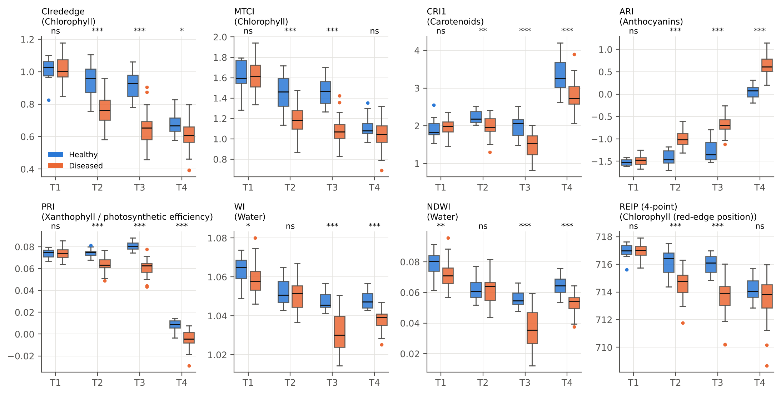
Step 2 · Physiological interpretation (analogue of Tian et al. Fig. 4)
Concept: Tian et al. showed that infected leaves lose chlorophyll, carotenoids and water and gain anthocyanins, which explains why pigment- and water-sensitive features detect the disease. Leaf biochemistry was not measured here, so published index proxies of the same constituents are compared (C8).
Method (as in the paper): outliers outside median ± 3 MAD removed (Leys et al., 2013); Student t-test if both groups are normal (Shapiro–Wilk) with equal variances (Levene), otherwise Mann–Whitney U; Benjamini–Hochberg FDR over the 32 tests (C7). Hedges g > 0: higher in diseased plots.

Date | Proxy | Constituent | Reference | n H | n D | Outliers removed | Normal (SW) | Equal var (Levene) | Test | Statistic | p | q (BH) | q < 0.05 | Mean H | SD H | Mean D | SD D | Hedges g | Direction
T1 (11 Feb) | CIrededge | Chlorophyll | Gitelson et al., 2003 | 11 | 36 | 1 | Yes | Yes | Student t | -0.386 | 7.0E-01 | 8.0E-01 | No | 1.032 | 0.048 | 1.023 | 0.076 | -0.131 | lower in diseased
T1 (11 Feb) | MTCI | Chlorophyll | Dash and Curran, 2004 | 12 | 36 | 0 | Yes | Yes | Student t | 0.199 | 8.4E-01 | 9.0E-01 | No | 1.626 | 0.154 | 1.636 | 0.149 | 0.065 | higher in diseased
T1 (11 Feb) | CRI1 | Carotenoids | Gitelson et al., 2002b | 11 | 36 | 1 | Yes | Yes | Student t | 1.410 | 1.7E-01 | 2.2E-01 | No | 1.874 | 0.195 | 1.974 | 0.210 | 0.477 | higher in diseased
T1 (11 Feb) | ARI | Anthocyanins | Gitelson et al., 2001 | 12 | 36 | 0 | Yes | Yes | Student t | 1.085 | 2.8E-01 | 3.5E-01 | No | -1.523 | 0.071 | -1.486 | 0.111 | 0.356 | higher in diseased
T1 (11 Feb) | PRI | Xanthophyll / photosynthetic efficiency | Gamon et al., 1992 | 12 | 36 | 0 | Yes | Yes | Student t | 0.057 | 9.5E-01 | 9.5E-01 | No | 0.074 | 0.004 | 0.074 | 0.006 | 0.019 | higher in diseased
T1 (11 Feb) | WI | Water | Peñuelas et al., 1997 | 12 | 35 | 1 | Yes | Yes | Student t | -2.194 | 3.3E-02 | 4.9E-02 | Yes | 1.063 | 0.007 | 1.058 | 0.007 | -0.721 | lower in diseased
T1 (11 Feb) | NDWI | Water | Gao, 1996 | 12 | 35 | 1 | Yes | Yes | Student t | -3.040 | 3.9E-03 | 6.3E-03 | Yes | 0.079 | 0.008 | 0.071 | 0.008 | -1.000 | lower in diseased
T1 (11 Feb) | REIP, linear four-point interpolation (nm) | Chlorophyll (red-edge position) | Guyot and Baret, 1988 | 12 | 36 | 0 | Yes | Yes | Student t | 0.208 | 8.4E-01 | 9.0E-01 | No | 716.966 | 0.557 | 717.002 | 0.504 | 0.068 | higher in diseased
T2 (24 Feb) | CIrededge | Chlorophyll | Gitelson et al., 2003 | 12 | 36 | 0 | Yes | Yes | Student t | -5.243 | 3.9E-06 | 1.0E-05 | Yes | 0.936 | 0.106 | 0.766 | 0.095 | -1.719 | lower in diseased
T2 (24 Feb) | MTCI | Chlorophyll | Dash and Curran, 2004 | 12 | 36 | 0 | Yes | Yes | Student t | -4.834 | 1.5E-05 | 3.3E-05 | Yes | 1.441 | 0.187 | 1.189 | 0.145 | -1.585 | lower in diseased
T2 (24 Feb) | CRI1 | Carotenoids | Gitelson et al., 2002b | 12 | 36 | 0 | Yes | Yes | Student t | -3.112 | 3.2E-03 | 5.4E-03 | Yes | 2.227 | 0.169 | 1.980 | 0.256 | -1.020 | lower in diseased
T2 (24 Feb) | ARI | Anthocyanins | Gitelson et al., 2001 | 12 | 36 | 0 | Yes | Yes | Student t | 7.429 | 2.1E-09 | 1.1E-08 | Yes | -1.422 | 0.163 | -0.989 | 0.179 | 2.436 | higher in diseased
T2 (24 Feb) | PRI | Xanthophyll / photosynthetic efficiency | Gamon et al., 1992 | 12 | 36 | 0 | Yes | Yes | Student t | -5.461 | 1.8E-06 | 5.9E-06 | Yes | 0.075 | 0.004 | 0.064 | 0.006 | -1.790 | lower in diseased
T2 (24 Feb) | WI | Water | Peñuelas et al., 1997 | 12 | 36 | 0 | Yes | Yes | Student t | -0.757 | 4.5E-01 | 5.4E-01 | No | 1.052 | 0.007 | 1.050 | 0.007 | -0.248 | lower in diseased
T2 (24 Feb) | NDWI | Water | Gao, 1996 | 12 | 36 | 0 | Yes | Yes | Student t | -0.164 | 8.7E-01 | 9.0E-01 | No | 0.062 | 0.008 | 0.062 | 0.009 | -0.054 | lower in diseased
T2 (24 Feb) | REIP, linear four-point interpolation (nm) | Chlorophyll (red-edge position) | Guyot and Baret, 1988 | 12 | 35 | 1 | Yes | Yes | Student t | -4.590 | 3.6E-05 | 6.7E-05 | Yes | 716.103 | 0.978 | 714.658 | 0.930 | -1.510 | lower in diseased
T3 (3 Mar) | CIrededge | Chlorophyll | Gitelson et al., 2003 | 12 | 36 | 0 | Yes | Yes | Student t | -8.108 | 2.1E-10 | 1.3E-09 | Yes | 0.921 | 0.090 | 0.650 | 0.103 | -2.658 | lower in diseased
T3 (3 Mar) | MTCI | Chlorophyll | Dash and Curran, 2004 | 12 | 35 | 1 | Yes | Yes | Student t | -9.330 | 4.4E-12 | 9.2E-11 | Yes | 1.464 | 0.137 | 1.066 | 0.124 | -3.069 | lower in diseased
T3 (3 Mar) | CRI1 | Carotenoids | Gitelson et al., 2002b | 12 | 36 | 0 | Yes | Yes | Student t | -4.602 | 3.3E-05 | 6.6E-05 | Yes | 1.980 | 0.304 | 1.491 | 0.323 | -1.509 | lower in diseased
T3 (3 Mar) | ARI | Anthocyanins | Gitelson et al., 2001 | 12 | 36 | 0 | Yes | Yes | Student t | 8.172 | 1.6E-10 | 1.3E-09 | Yes | -1.269 | 0.250 | -0.695 | 0.197 | 2.680 | higher in diseased
T3 (3 Mar) | PRI | Xanthophyll / photosynthetic efficiency | Gamon et al., 1992 | 12 | 36 | 0 | Yes | Yes | Student t | -8.490 | 5.7E-11 | 6.0E-10 | Yes | 0.081 | 0.004 | 0.061 | 0.008 | -2.784 | lower in diseased
T3 (3 Mar) | WI | Water | Peñuelas et al., 1997 | 12 | 36 | 0 | Yes | No | Mann-Whitney U | 21.000 | 3.6E-06 | 1.0E-05 | Yes | 1.048 | 0.005 | 1.031 | 0.010 | -1.850 | lower in diseased
T3 (3 Mar) | NDWI | Water | Gao, 1996 | 12 | 36 | 0 | Yes | No | Mann-Whitney U | 22.000 | 4.1E-06 | 1.0E-05 | Yes | 0.056 | 0.005 | 0.036 | 0.013 | -1.755 | lower in diseased
T3 (3 Mar) | REIP, linear four-point interpolation (nm) | Chlorophyll (red-edge position) | Guyot and Baret, 1988 | 12 | 34 | 2 | Yes | Yes | Student t | -6.689 | 3.3E-08 | 1.5E-07 | Yes | 716.040 | 0.690 | 713.870 | 1.042 | -2.207 | lower in diseased
T4 (13 Mar) | CIrededge | Chlorophyll | Gitelson et al., 2003 | 12 | 35 | 1 | Yes | Yes | Student t | -2.465 | 1.8E-02 | 2.7E-02 | Yes | 0.681 | 0.082 | 0.612 | 0.083 | -0.811 | lower in diseased
T4 (13 Mar) | MTCI | Chlorophyll | Dash and Curran, 2004 | 12 | 36 | 0 | Yes | Yes | Student t | -1.540 | 1.3E-01 | 1.8E-01 | No | 1.116 | 0.117 | 1.041 | 0.153 | -0.505 | lower in diseased
T4 (13 Mar) | CRI1 | Carotenoids | Gitelson et al., 2002b | 12 | 35 | 1 | Yes | Yes | Student t | -4.083 | 1.8E-04 | 3.2E-04 | Yes | 3.285 | 0.492 | 2.744 | 0.359 | -1.343 | lower in diseased
T4 (13 Mar) | ARI | Anthocyanins | Gitelson et al., 2001 | 12 | 36 | 0 | Yes | Yes | Student t | 9.180 | 5.7E-12 | 9.2E-11 | Yes | 0.053 | 0.158 | 0.637 | 0.200 | 3.010 | higher in diseased
T4 (13 Mar) | PRI | Xanthophyll / photosynthetic efficiency | Gamon et al., 1992 | 12 | 36 | 0 | Yes | Yes | Student t | -5.040 | 7.7E-06 | 1.8E-05 | Yes | 0.008 | 0.005 | -0.004 | 0.008 | -1.653 | lower in diseased
T4 (13 Mar) | WI | Water | Peñuelas et al., 1997 | 12 | 35 | 1 | Yes | Yes | Student t | -6.013 | 3.0E-07 | 1.2E-06 | Yes | 1.048 | 0.004 | 1.039 | 0.005 | -1.978 | lower in diseased
T4 (13 Mar) | NDWI | Water | Gao, 1996 | 12 | 36 | 0 | Yes | Yes | Student t | -5.474 | 1.8E-06 | 5.9E-06 | Yes | 0.065 | 0.006 | 0.053 | 0.007 | -1.795 | lower in diseased
T4 (13 Mar) | REIP, linear four-point interpolation (nm) | Chlorophyll (red-edge position) | Guyot and Baret, 1988 | 12 | 34 | 2 | Yes | Yes | Student t | -1.352 | 1.8E-01 | 2.3E-01 | No | 714.199 | 0.903 | 713.695 | 1.171 | -0.446 | lower in diseased

S11_Step3_Scalograms
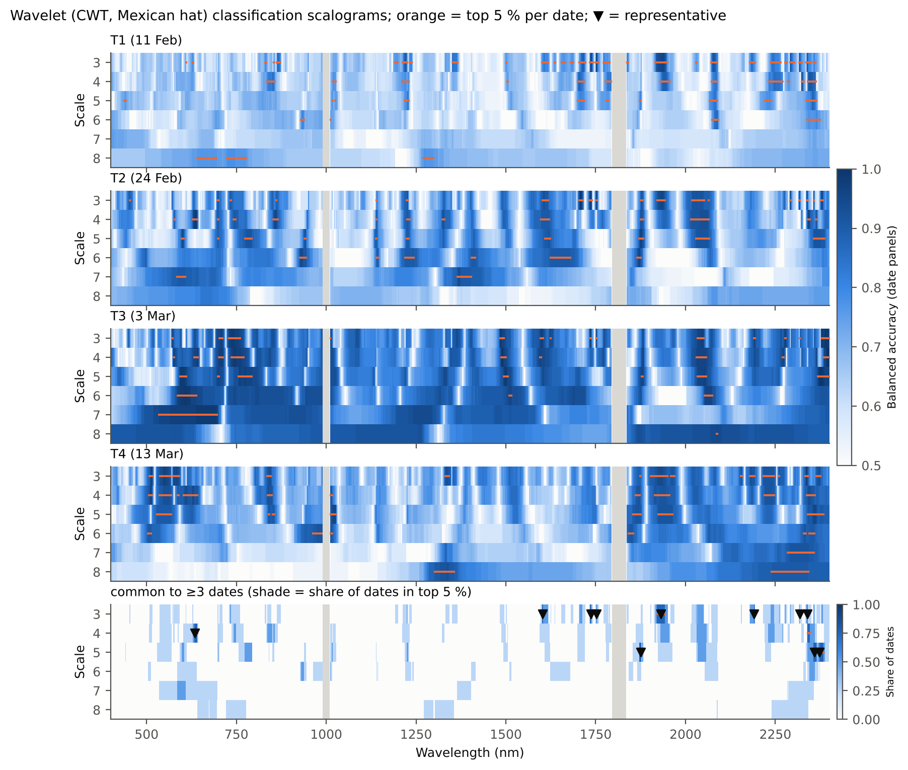
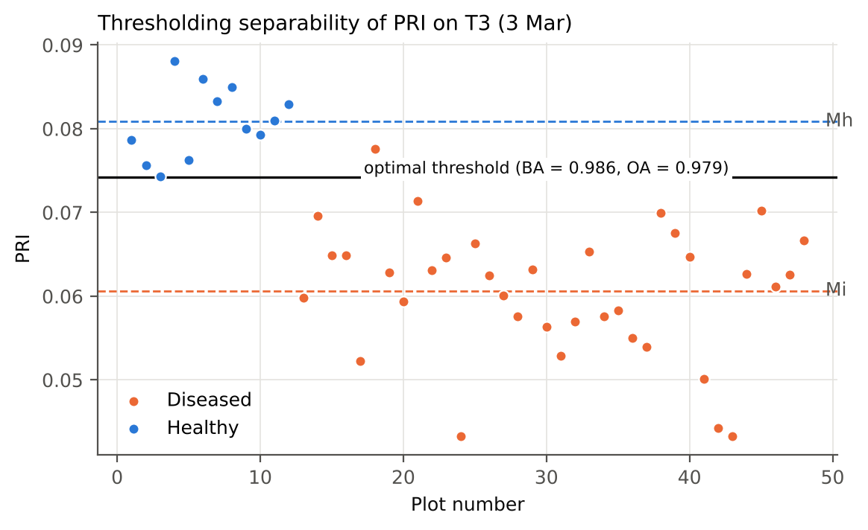
Step 3 · Classification scalograms (analogues of Tian et al. Figs. 6 and 7)
Shade = balanced accuracy of the feature; orange ticks = top 5 % of the date; bottom row = features common to k* dates; ▼ = region representative kept in the DSSF pool.

S13_Step5_VIF
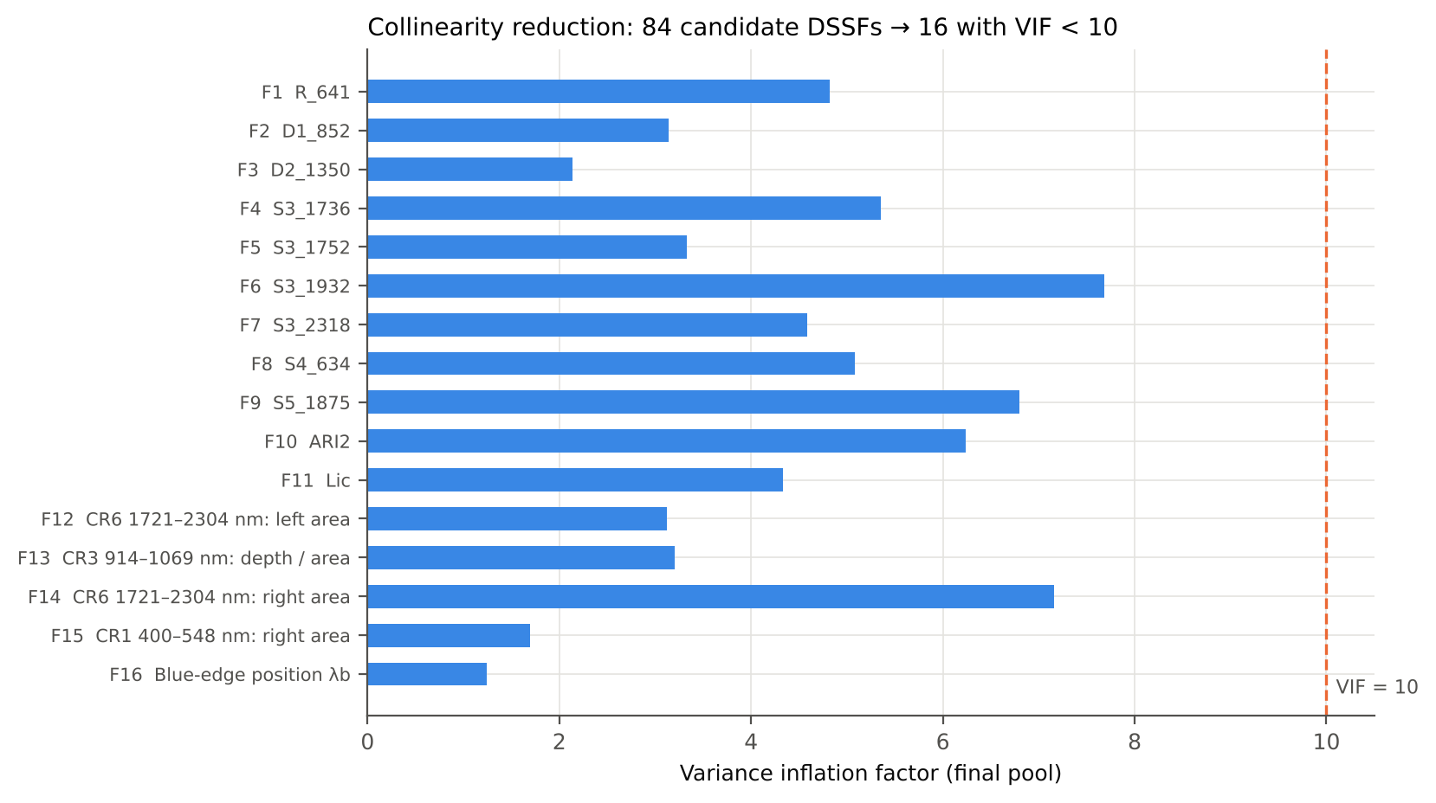
Step 5 · Collinearity reduction with the variance inflation factor
Concept: VIF_j = 1/(1 − R²_j), R²_j from regressing feature j on all other features; VIF ≥ 10 signals strong collinearity (O'Brien, 2007). Computed on the features z-scored within each date and stacked over the four dates.
Rule (C5): while any VIF ≥ 10, remove the least separable of the features with VIF ≥ 10. Result: 84 candidates → 16 DSSFs (plain highest-VIF rule: 25).

Iteration | Features in model | Max VIF | Removed feature | VIF of removed | Mean BA of removed
1 | 84 | 64724.471 | Red well position λo (nm) | 17.489 | 0.639
2 | 83 | 64431.750 | CR6 water absorption 1721–2304 nm: width (nm) | 184.662 | 0.656
3 | 82 | 63055.037 | (SDr − SDy) / (SDr + SDy) | 721.155 | 0.660
4 | 81 | 62085.154 | SDr / SDy | 176.394 | 0.670
5 | 80 | 59585.347 | CR6 water absorption 1721–2304 nm: depth / area (1/nm) | 44.728 | 0.681
6 | 79 | 59268.339 | Green peak reflectance Rg | 2591.960 | 0.684
7 | 78 | 57323.370 | REIP, maximum first derivative (nm) | 133.344 | 0.691
8 | 77 | 57323.254 | REIP, linear four-point interpolation (nm) | 860.098 | 0.722
9 | 76 | 53655.208 | GNDVI | 4024.020 | 0.726
10 | 75 | 52362.323 | CR5 water absorption 1258–1721 nm: area (nm) | 316.999 | 0.736
11 | 74 | 51430.419 | REIP, Lagrangian interpolation (nm) | 27.732 | 0.740
12 | 73 | 50583.135 | NDWI | 345.929 | 0.740
13 | 72 | 50568.282 | RVS1 | 117.374 | 0.743
14 | 71 | 49577.166 | MTCI | 4052.213 | 0.743
15 | 70 | 47630.711 | CR3 water absorption 914–1069 nm: asymmetry | 11.596 | 0.743
16 | 69 | 45283.518 | SIPI | 103.415 | 0.747
17 | 68 | 44697.809 | REIP, linear extrapolation (nm) | 346.566 | 0.750
18 | 67 | 43639.063 | NPQI | 12.845 | 0.753
19 | 66 | 43622.484 | EVI | 102.996 | 0.753
20 | 65 | 41872.390 | VOG1 | 398.249 | 0.757
21 | 64 | 41484.739 | CR3 water absorption 914–1069 nm: left area (nm) | 553.046 | 0.760
22 | 63 | 41148.478 | CR2 red absorption 548–765 nm: right area (nm) | 36.884 | 0.764
23 | 62 | 41139.335 | CR3 water absorption 914–1069 nm: area (nm) | 385.256 | 0.764
24 | 61 | 41135.113 | Yellow-edge amplitude Dy (1/nm) | 627.450 | 0.764
25 | 60 | 41037.026 | CR2 red absorption 548–765 nm: depth / area (1/nm) | 483.486 | 0.764
26 | 59 | 40625.952 | Yellow-edge area SDy | 146.597 | 0.767
27 | 58 | 38316.740 | CR6 water absorption 1721–2304 nm: area (nm) | 232.011 | 0.771
28 | 57 | 38122.282 | NWI4 | 18598.430 | 0.774
29 | 56 | 37092.076 | PSRI | 13.636 | 0.774
30 | 55 | 35562.823 | WI | 912.426 | 0.774
31 | 54 | 30740.324 | RDVI | 2109.190 | 0.778
32 | 53 | 29281.069 | Ctr2 | 1852.720 | 0.778
33 | 52 | 29152.429 | R_2073 | 105.974 | 0.778
34 | 51 | 29129.789 | CR3 water absorption 914–1069 nm: width (nm) | 22.863 | 0.781
35 | 50 | 29070.290 | NWI2 | 97.670 | 0.785
36 | 49 | 20419.972 | CR2 red absorption 548–765 nm: area (nm) | 2167.682 | 0.785
37 | 48 | 15771.066 | R_510 | 317.073 | 0.788
38 | 47 | 15690.503 | R_699 | 614.510 | 0.792
39 | 46 | 15340.872 | CR3 water absorption 914–1069 nm: right area (nm) | 22.219 | 0.792
40 | 45 | 15305.095 | NDVI850 | 6676.652 | 0.799
41 | 44 | 9406.494 | NDNI | 48.778 | 0.799
42 | 43 | 8988.783 | RGRI | 393.214 | 0.799
43 | 42 | 8582.551 | RVS2 | 3157.385 | 0.806
44 | 41 | 1682.868 | SR761 | 156.189 | 0.806
45 | 40 | 1682.516 | NDVI761 | 406.737 | 0.806
46 | 39 | 1386.391 | Red-edge slope (R750 − R700)/50 (1/nm) | 277.619 | 0.809
47 | 38 | 1313.242 | R_613 | 1313.242 | 0.813
48 | 37 | 874.987 | PRI | 10.659 | 0.813
49 | 36 | 866.857 | CLSI | 63.483 | 0.819
50 | 35 | 864.696 | S3_1602 | 12.175 | 0.823
51 | 34 | 864.607 | RVSI | 16.543 | 0.823
52 | 33 | 854.776 | NCPI | 32.836 | 0.826
53 | 32 | 852.983 | S5_2373 | 24.187 | 0.840
54 | 31 | 751.125 | Ctr1 | 41.937 | 0.847
55 | 30 | 749.543 | LRDSI2 | 14.553 | 0.851
56 | 29 | 727.994 | ARI | 76.834 | 0.854
57 | 28 | 724.806 | S3_2191 | 14.897 | 0.861
58 | 27 | 695.352 | HI | 51.432 | 0.861
59 | 26 | 694.861 | CR6 water absorption 1721–2304 nm: position (nm) | 30.462 | 0.861
60 | 25 | 641.603 | CR6 water absorption 1721–2304 nm: asymmetry | 14.895 | 0.885
61 | 24 | 620.489 | D3_1351 | 13.033 | 0.885
62 | 23 | 613.099 | S5_2359 | 17.613 | 0.903
63 | 22 | 600.898 | D1_1907 | 240.928 | 0.910
64 | 21 | 593.273 | D1_1934 | 16.960 | 0.913
65 | 20 | 583.236 | D1_1917 | 129.047 | 0.917
66 | 19 | 418.283 | D1_1949 | 58.798 | 0.924
67 | 18 | 165.125 | D1_1912 | 165.125 | 0.927
68 | 17 | 15.231 | S3_2339 | 15.231 | 0.927
69 | 16 | 7.683 | — (all VIF < 10, stop)

S16_Step6A_OFC_Detail
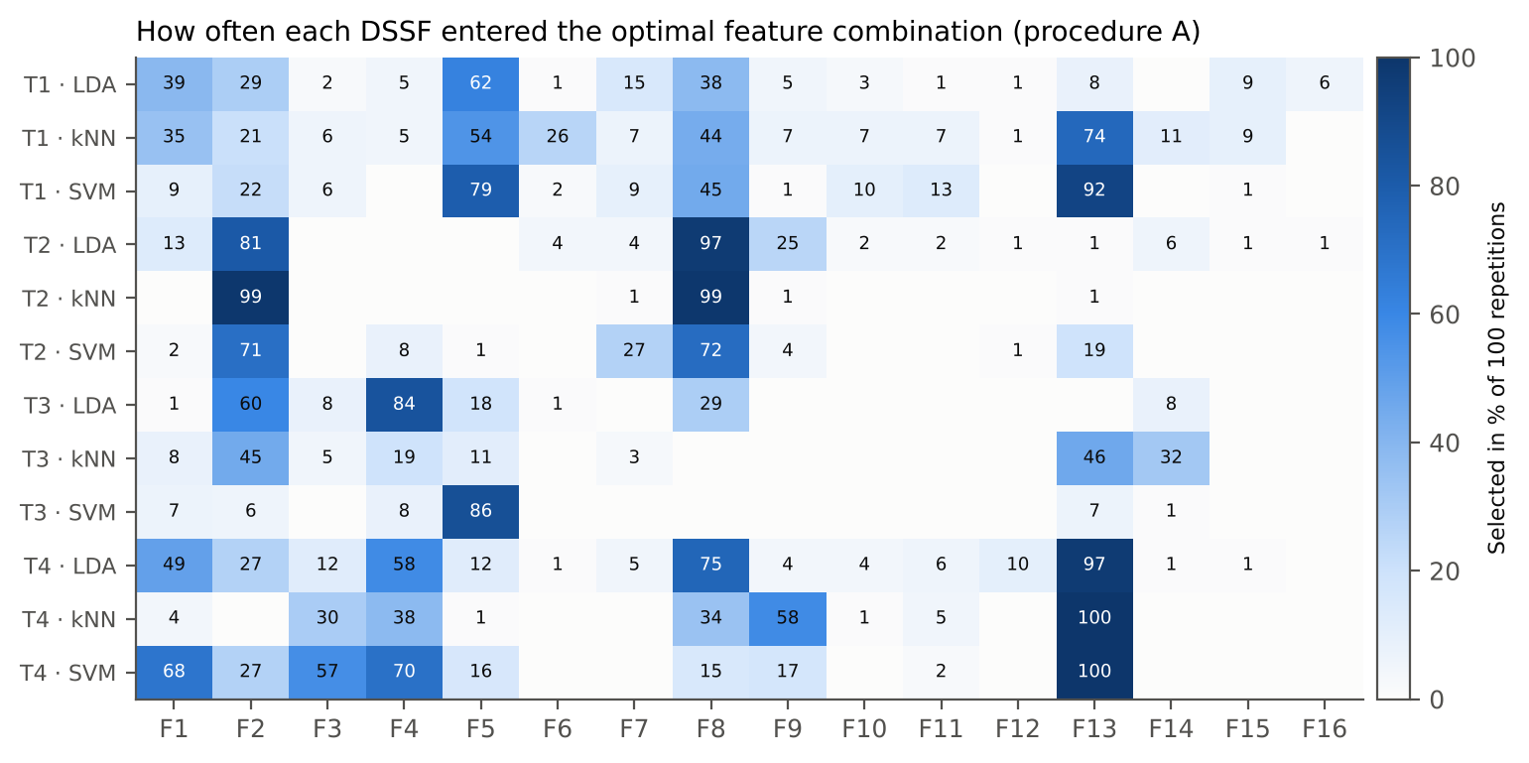
Step 6A · Optimal feature combinations and selection frequency
Top five OFCs of every date × classifier, and the percentage of the 100 repetitions in which each DSSF was part of the OFC.

Date | Classifier | OFC | Times selected (of 100) | Mean OA when selected | Mean BA when selected
T1 (11 Feb) | LDA | F5 | 48 | 0.937 | 0.958
T1 (11 Feb) | LDA | F1, F2, F8 | 12 | 0.960 | 0.946
T1 (11 Feb) | LDA | F1, F7, F8 | 5 | 0.963 | 0.947
T1 (11 Feb) | LDA | F1, F2, F8, F15 | 3 | 0.979 | 0.958
T1 (11 Feb) | LDA | F1, F5 | 3 | 0.938 | 0.958
T1 (11 Feb) | kNN | F5, F13 | 18 | 0.971 | 0.981
T1 (11 Feb) | kNN | F6, F13 | 10 | 0.971 | 0.981
T1 (11 Feb) | kNN | F5, F13, F14 | 9 | 0.986 | 0.991
T1 (11 Feb) | kNN | F1, F2, F8 | 7 | 0.973 | 0.954
T1 (11 Feb) | kNN | F1, F7, F8 | 4 | 0.979 | 0.958
T1 (11 Feb) | SVM | F5, F8, F13 | 30 | 1.000 | 1.000
T1 (11 Feb) | SVM | F5, F13 | 18 | 0.997 | 0.998
T1 (11 Feb) | SVM | F5, F10, F13 | 10 | 1.000 | 1.000
T1 (11 Feb) | SVM | F2, F5, F13 | 5 | 0.996 | 0.997
T1 (11 Feb) | SVM | F5, F11, F13 | 5 | 1.000 | 1.000
T2 (24 Feb) | LDA | F2, F8 | 61 | 0.996 | 0.997
T2 (24 Feb) | LDA | F8, F9 | 12 | 1.000 | 1.000
T2 (24 Feb) | LDA | F2, F8, F9 | 4 | 1.000 | 1.000
T2 (24 Feb) | LDA | F6, F8 | 3 | 0.979 | 0.986
T2 (24 Feb) | LDA | F1, F7, F8, F9 | 3 | 1.000 | 1.000
T2 (24 Feb) | kNN | F2, F8 | 98 | 1.000 | 1.000
T2 (24 Feb) | kNN | F2, F8, F9 | 1 | 1.000 | 1.000
T2 (24 Feb) | kNN | F7, F13 | 1 | 1.000 | 1.000
T2 (24 Feb) | SVM | F2, F8 | 67 | 1.000 | 1.000
T2 (24 Feb) | SVM | F7, F13 | 13 | 1.000 | 1.000
T2 (24 Feb) | SVM | F4, F13 | 4 | 1.000 | 1.000
T2 (24 Feb) | SVM | F7, F8 | 4 | 1.000 | 1.000
T2 (24 Feb) | SVM | F4, F7 | 3 | 1.000 | 1.000
T3 (3 Mar) | LDA | F2, F4 | 52 | 1.000 | 1.000
T3 (3 Mar) | LDA | F4, F8 | 28 | 1.000 | 1.000
T3 (3 Mar) | LDA | F3, F5 | 7 | 1.000 | 1.000
T3 (3 Mar) | LDA | F2, F5 | 3 | 1.000 | 1.000
T3 (3 Mar) | LDA | F2, F5, F14 | 3 | 1.000 | 1.000
T3 (3 Mar) | kNN | F13 | 33 | 1.000 | 1.000
T3 (3 Mar) | kNN | F2, F14 | 29 | 1.000 | 1.000
T3 (3 Mar) | kNN | F2, F5 | 10 | 1.000 | 1.000
T3 (3 Mar) | kNN | F4, F13 | 9 | 1.000 | 1.000
T3 (3 Mar) | kNN | F1, F13 | 4 | 1.000 | 1.000
T3 (3 Mar) | SVM | F5 | 81 | 1.000 | 1.000
T3 (3 Mar) | SVM | F1, F4 | 6 | 1.000 | 1.000
T3 (3 Mar) | SVM | F2, F5 | 5 | 1.000 | 1.000
T3 (3 Mar) | SVM | F13 | 4 | 1.000 | 1.000
T3 (3 Mar) | SVM | F4, F13 | 2 | 1.000 | 1.000
T4 (13 Mar) | LDA | F1, F8, F13 | 26 | 1.000 | 1.000
T4 (13 Mar) | LDA | F4, F8, F13 | 22 | 1.000 | 1.000
T4 (13 Mar) | LDA | F1, F2, F4, F8, F12, F13 | 8 | 1.000 | 1.000
T4 (13 Mar) | LDA | F13 | 6 | 0.979 | 0.958
T4 (13 Mar) | LDA | F4, F5, F13 | 4 | 1.000 | 1.000
T4 (13 Mar) | kNN | F9, F13 | 38 | 1.000 | 1.000
T4 (13 Mar) | kNN | F4, F8, F13 | 19 | 1.000 | 1.000
T4 (13 Mar) | kNN | F3, F9, F13 | 13 | 1.000 | 1.000
T4 (13 Mar) | kNN | F3, F4, F13 | 6 | 1.000 | 1.000
T4 (13 Mar) | kNN | F4, F11, F13 | 5 | 1.000 | 1.000
T4 (13 Mar) | SVM | F1, F3, F4, F13 | 30 | 1.000 | 1.000
T4 (13 Mar) | SVM | F9, F13 | 13 | 1.000 | 1.000
T4 (13 Mar) | SVM | F1, F4, F5, F13 | 13 | 1.000 | 1.000
T4 (13 Mar) | SVM | F1, F2, F3, F4, F13 | 8 | 1.000 | 1.000
T4 (13 Mar) | SVM | F2, F3, F4, F13 | 6 | 1.000 | 1.000

Selection frequency (%) of each DSSF
Date | Classifier | F1 | F2 | F3 | F4 | F5 | F6 | F7 | F8 | F9 | F10 | F11 | F12 | F13 | F14 | F15 | F16
T1 (11 Feb) | LDA | 39 | 29 | 2 | 5 | 62 | 1 | 15 | 38 | 5 | 3 | 1 | 1 | 8 | 0 | 9 | 6
T1 (11 Feb) | kNN | 35 | 21 | 6 | 5 | 54 | 26 | 7 | 44 | 7 | 7 | 7 | 1 | 74 | 11 | 9 | 0
T1 (11 Feb) | SVM | 9 | 22 | 6 | 0 | 79 | 2 | 9 | 45 | 1 | 10 | 13 | 0 | 92 | 0 | 1 | 0
T2 (24 Feb) | LDA | 13 | 81 | 0 | 0 | 0 | 4 | 4 | 97 | 25 | 2 | 2 | 1 | 1 | 6 | 1 | 1
T2 (24 Feb) | kNN | 0 | 99 | 0 | 0 | 0 | 0 | 1 | 99 | 1 | 0 | 0 | 0 | 1 | 0 | 0 | 0
T2 (24 Feb) | SVM | 2 | 71 | 0 | 8 | 1 | 0 | 27 | 72 | 4 | 0 | 0 | 1 | 19 | 0 | 0 | 0
T3 (3 Mar) | LDA | 1 | 60 | 8 | 84 | 18 | 1 | 0 | 29 | 0 | 0 | 0 | 0 | 0 | 8 | 0 | 0
T3 (3 Mar) | kNN | 8 | 45 | 5 | 19 | 11 | 0 | 3 | 0 | 0 | 0 | 0 | 0 | 46 | 32 | 0 | 0
T3 (3 Mar) | SVM | 7 | 6 | 0 | 8 | 86 | 0 | 0 | 0 | 0 | 0 | 0 | 0 | 7 | 1 | 0 | 0
T4 (13 Mar) | LDA | 49 | 27 | 12 | 58 | 12 | 1 | 5 | 75 | 4 | 4 | 6 | 10 | 97 | 1 | 1 | 0
T4 (13 Mar) | kNN | 4 | 0 | 30 | 38 | 1 | 0 | 0 | 34 | 58 | 1 | 5 | 0 | 100 | 0 | 0 | 0
T4 (13 Mar) | SVM | 68 | 27 | 57 | 70 | 16 | 0 | 0 | 15 | 17 | 0 | 2 | 0 | 100 | 0 | 0 | 0

S20_Step6D_Stage
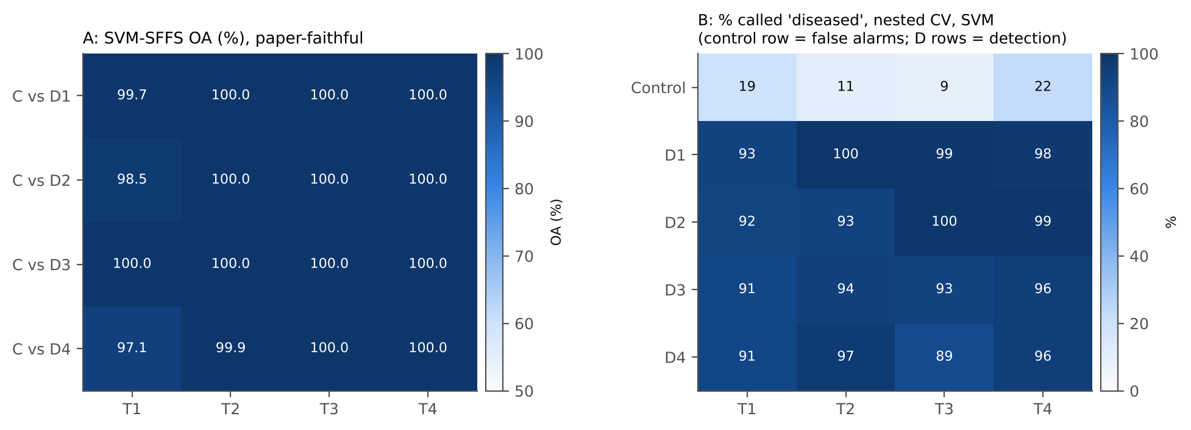
Step 6D · Detection by infection stage (date T1–T4 × inoculation timing D1–D4)
A (paper-faithful, analogue of Table 3 by DAI): 12 control plots vs the 9 plots of one inoculation timing (3 varieties × 3 replications), fixed DSSF pool F1–F16, ML-SFFS with 4-fold CV × 100 repetitions.
B (unbiased): share of plots of each group called 'diseased' by the nested-CV models of Step 6B (controls: false-alarm rate; inoculated groups: detection rate), and correct classification per variety.
Note: in A the DSSF pool was selected on all plots, so A is optimistic here as well.

A · Paper-faithful ML-SFFS per stage
Date | Inoculation timing | Classifier | Mean OA | SD OA | Mean BA | Mean kappa | Mean no. of features | Most frequent OFC | OFC frequency (%) | Repetitions
T1 (11 Feb) | D1 | LDA | 0.971 | 0.023 | 0.966 | 0.940 | 1.64 | F2 | 54.0 | 100
T1 (11 Feb) | D1 | SVM | 0.997 | 0.011 | 0.997 | 0.994 | 2.08 | F2, F16 | 30.0 | 100
T1 (11 Feb) | D1 | kNN | 0.988 | 0.021 | 0.986 | 0.975 | 2.46 | F1, F2, F4 | 41.0 | 100
T1 (11 Feb) | D2 | LDA | 0.954 | 0.008 | 0.946 | 0.904 | 1.00 | F3 | 72.0 | 100
T1 (11 Feb) | D2 | SVM | 0.985 | 0.022 | 0.982 | 0.968 | 1.57 | F3, F13 | 33.0 | 100
T1 (11 Feb) | D2 | kNN | 0.953 | 0.007 | 0.946 | 0.903 | 1.01 | F4 | 53.0 | 100
T1 (11 Feb) | D3 | LDA | 0.984 | 0.023 | 0.982 | 0.967 | 1.70 | F2, F8 | 64.0 | 100
T1 (11 Feb) | D3 | SVM | 1.000 | 0.000 | 1.000 | 1.000 | 2.00 | F2, F8 | 93.0 | 100
T1 (11 Feb) | D3 | kNN | 0.991 | 0.018 | 0.990 | 0.982 | 1.82 | F4, F8 | 79.0 | 100
T1 (11 Feb) | D4 | LDA | 0.955 | 0.011 | 0.948 | 0.907 | 1.31 | F2 | 59.0 | 100
T1 (11 Feb) | D4 | SVM | 0.971 | 0.023 | 0.966 | 0.940 | 1.49 | F2 | 60.0 | 100
T1 (11 Feb) | D4 | kNN | 0.954 | 0.008 | 0.946 | 0.904 | 1.06 | F4 | 57.0 | 100
T2 (24 Feb) | D1 | LDA | 1.000 | 0.000 | 1.000 | 1.000 | 1.00 | F2 | 100.0 | 100
T2 (24 Feb) | D1 | SVM | 1.000 | 0.000 | 1.000 | 1.000 | 1.00 | F2 | 100.0 | 100
T2 (24 Feb) | D1 | kNN | 1.000 | 0.000 | 1.000 | 1.000 | 1.00 | F2 | 85.0 | 100
T2 (24 Feb) | D2 | LDA | 0.994 | 0.016 | 0.993 | 0.988 | 1.74 | F2, F8 | 37.0 | 100
T2 (24 Feb) | D2 | SVM | 1.000 | 0.000 | 1.000 | 1.000 | 1.05 | F2 | 95.0 | 100
T2 (24 Feb) | D2 | kNN | 0.999 | 0.008 | 0.998 | 0.997 | 1.81 | F2, F8 | 77.0 | 100
T2 (24 Feb) | D3 | LDA | 1.000 | 0.000 | 1.000 | 1.000 | 1.03 | F4 | 84.0 | 100
T2 (24 Feb) | D3 | SVM | 1.000 | 0.000 | 1.000 | 1.000 | 1.01 | F4 | 51.0 | 100
T2 (24 Feb) | D3 | kNN | 1.000 | 0.000 | 1.000 | 1.000 | 1.39 | F1, F4 | 39.0 | 100
T2 (24 Feb) | D4 | LDA | 0.976 | 0.024 | 0.972 | 0.951 | 1.13 | F4 | 49.0 | 100
T2 (24 Feb) | D4 | SVM | 0.999 | 0.007 | 0.999 | 0.998 | 1.05 | F8 | 95.0 | 100
T2 (24 Feb) | D4 | kNN | 0.982 | 0.023 | 0.979 | 0.963 | 1.21 | F8 | 47.0 | 100
T3 (3 Mar) | D1 | LDA | 1.000 | 0.000 | 1.000 | 1.000 | 1.00 | F2 | 100.0 | 100
T3 (3 Mar) | D1 | SVM | 1.000 | 0.000 | 1.000 | 1.000 | 1.00 | F2 | 100.0 | 100
T3 (3 Mar) | D1 | kNN | 1.000 | 0.000 | 1.000 | 1.000 | 1.00 | F2 | 100.0 | 100
T3 (3 Mar) | D2 | LDA | 1.000 | 0.000 | 1.000 | 1.000 | 1.00 | F2 | 74.0 | 100
T3 (3 Mar) | D2 | SVM | 1.000 | 0.000 | 1.000 | 1.000 | 1.00 | F2 | 81.0 | 100
T3 (3 Mar) | D2 | kNN | 1.000 | 0.000 | 1.000 | 1.000 | 1.00 | F2 | 99.0 | 100
T3 (3 Mar) | D3 | LDA | 1.000 | 0.000 | 1.000 | 1.000 | 1.19 | F4 | 81.0 | 100
T3 (3 Mar) | D3 | SVM | 1.000 | 0.000 | 1.000 | 1.000 | 1.01 | F4 | 99.0 | 100
T3 (3 Mar) | D3 | kNN | 1.000 | 0.000 | 1.000 | 1.000 | 1.10 | F4 | 90.0 | 100
T3 (3 Mar) | D4 | LDA | 1.000 | 0.000 | 1.000 | 1.000 | 1.53 | F4 | 41.0 | 100
T3 (3 Mar) | D4 | SVM | 1.000 | 0.000 | 1.000 | 1.000 | 1.00 | F14 | 44.0 | 100
T3 (3 Mar) | D4 | kNN | 1.000 | 0.000 | 1.000 | 1.000 | 1.31 | F14 | 55.0 | 100
T4 (13 Mar) | D1 | LDA | 1.000 | 0.000 | 1.000 | 1.000 | 1.74 | F3, F10 | 56.0 | 100
T4 (13 Mar) | D1 | SVM | 1.000 | 0.000 | 1.000 | 1.000 | 1.19 | F10 | 81.0 | 100
T4 (13 Mar) | D1 | kNN | 0.997 | 0.011 | 0.997 | 0.994 | 2.27 | F3, F10 | 45.0 | 100
T4 (13 Mar) | D2 | LDA | 1.000 | 0.000 | 1.000 | 1.000 | 1.99 | F3, F8 | 88.0 | 100
T4 (13 Mar) | D2 | SVM | 1.000 | 0.000 | 1.000 | 1.000 | 1.33 | F13 | 67.0 | 100
T4 (13 Mar) | D2 | kNN | 1.000 | 0.000 | 1.000 | 1.000 | 2.02 | F3, F10 | 16.0 | 100
T4 (13 Mar) | D3 | LDA | 1.000 | 0.000 | 1.000 | 1.000 | 1.00 | F10 | 100.0 | 100
T4 (13 Mar) | D3 | SVM | 1.000 | 0.000 | 1.000 | 1.000 | 1.00 | F10 | 100.0 | 100
T4 (13 Mar) | D3 | kNN | 1.000 | 0.000 | 1.000 | 1.000 | 1.02 | F10 | 98.0 | 100
T4 (13 Mar) | D4 | LDA | 0.991 | 0.018 | 0.990 | 0.982 | 2.74 | F3, F10 | 19.0 | 100
T4 (13 Mar) | D4 | SVM | 1.000 | 0.005 | 1.000 | 0.999 | 1.27 | F8 | 82.0 | 100
T4 (13 Mar) | D4 | kNN | 0.990 | 0.019 | 0.992 | 0.981 | 2.42 | F3, F6, F8 | 26.0 | 100

B · Detection rate per group (nested CV)
Date | Classifier | Group | Plots | Called diseased (%) | Correct (%)
T1 (11 Feb) | LDA | Control | 12 | 15.0 | 85.0
T1 (11 Feb) | LDA | D1 | 9 | 87.8 | 87.8
T1 (11 Feb) | LDA | D2 | 9 | 91.1 | 91.1
T1 (11 Feb) | LDA | D3 | 9 | 84.4 | 84.4
T1 (11 Feb) | LDA | D4 | 9 | 86.7 | 86.7
T1 (11 Feb) | SVM | Control | 12 | 19.2 | 80.8
T1 (11 Feb) | SVM | D1 | 9 | 93.3 | 93.3
T1 (11 Feb) | SVM | D2 | 9 | 92.2 | 92.2
T1 (11 Feb) | SVM | D3 | 9 | 91.1 | 91.1
T1 (11 Feb) | SVM | D4 | 9 | 91.1 | 91.1
T1 (11 Feb) | kNN | Control | 12 | 21.7 | 78.3
T1 (11 Feb) | kNN | D1 | 9 | 91.1 | 91.1
T1 (11 Feb) | kNN | D2 | 9 | 85.6 | 85.6
T1 (11 Feb) | kNN | D3 | 9 | 90.0 | 90.0
T1 (11 Feb) | kNN | D4 | 9 | 87.8 | 87.8
T2 (24 Feb) | LDA | Control | 12 | 5.0 | 95.0
T2 (24 Feb) | LDA | D1 | 9 | 93.3 | 93.3
T2 (24 Feb) | LDA | D2 | 9 | 86.7 | 86.7
T2 (24 Feb) | LDA | D3 | 9 | 97.8 | 97.8
T2 (24 Feb) | LDA | D4 | 9 | 86.7 | 86.7
T2 (24 Feb) | SVM | Control | 12 | 10.8 | 89.2
T2 (24 Feb) | SVM | D1 | 9 | 100.0 | 100.0
T2 (24 Feb) | SVM | D2 | 9 | 93.3 | 93.3
T2 (24 Feb) | SVM | D3 | 9 | 94.4 | 94.4
T2 (24 Feb) | SVM | D4 | 9 | 96.7 | 96.7
T2 (24 Feb) | kNN | Control | 12 | 10.0 | 90.0
T2 (24 Feb) | kNN | D1 | 9 | 100.0 | 100.0
T2 (24 Feb) | kNN | D2 | 9 | 90.0 | 90.0
T2 (24 Feb) | kNN | D3 | 9 | 100.0 | 100.0
T2 (24 Feb) | kNN | D4 | 9 | 93.3 | 93.3
T3 (3 Mar) | LDA | Control | 12 | 5.8 | 94.2
T3 (3 Mar) | LDA | D1 | 9 | 96.7 | 96.7
T3 (3 Mar) | LDA | D2 | 9 | 98.9 | 98.9
T3 (3 Mar) | LDA | D3 | 9 | 96.7 | 96.7
T3 (3 Mar) | LDA | D4 | 9 | 84.4 | 84.4
T3 (3 Mar) | SVM | Control | 12 | 9.2 | 90.8
T3 (3 Mar) | SVM | D1 | 9 | 98.9 | 98.9
T3 (3 Mar) | SVM | D2 | 9 | 100.0 | 100.0
T3 (3 Mar) | SVM | D3 | 9 | 93.3 | 93.3
T3 (3 Mar) | SVM | D4 | 9 | 88.9 | 88.9
T3 (3 Mar) | kNN | Control | 12 | 1.7 | 98.3
T3 (3 Mar) | kNN | D1 | 9 | 100.0 | 100.0
T3 (3 Mar) | kNN | D2 | 9 | 100.0 | 100.0
T3 (3 Mar) | kNN | D3 | 9 | 98.9 | 98.9
T3 (3 Mar) | kNN | D4 | 9 | 97.8 | 97.8
T4 (13 Mar) | LDA | Control | 12 | 6.7 | 93.3
T4 (13 Mar) | LDA | D1 | 9 | 96.7 | 96.7
T4 (13 Mar) | LDA | D2 | 9 | 97.8 | 97.8
T4 (13 Mar) | LDA | D3 | 9 | 97.8 | 97.8
T4 (13 Mar) | LDA | D4 | 9 | 96.7 | 96.7
T4 (13 Mar) | SVM | Control | 12 | 22.5 | 77.5
T4 (13 Mar) | SVM | D1 | 9 | 97.8 | 97.8
T4 (13 Mar) | SVM | D2 | 9 | 98.9 | 98.9
T4 (13 Mar) | SVM | D3 | 9 | 95.6 | 95.6
T4 (13 Mar) | SVM | D4 | 9 | 95.6 | 95.6
T4 (13 Mar) | kNN | Control | 12 | 19.2 | 80.8
T4 (13 Mar) | kNN | D1 | 9 | 97.8 | 97.8
T4 (13 Mar) | kNN | D2 | 9 | 98.9 | 98.9
T4 (13 Mar) | kNN | D3 | 9 | 94.4 | 94.4
T4 (13 Mar) | kNN | D4 | 9 | 97.8 | 97.8

B · Correct classification per variety (nested CV)
Date | Classifier | Variety | Class | Correct (%)
T1 (11 Feb) | LDA | V1 | Control | 90.0
T1 (11 Feb) | LDA | V1 | Inoculated | 83.3
T1 (11 Feb) | LDA | V2 | Control | 90.0
T1 (11 Feb) | LDA | V2 | Inoculated | 86.7
T1 (11 Feb) | LDA | V3 | Control | 75.0
T1 (11 Feb) | LDA | V3 | Inoculated | 92.5
T1 (11 Feb) | SVM | V1 | Control | 95.0
T1 (11 Feb) | SVM | V1 | Inoculated | 86.7
T1 (11 Feb) | SVM | V2 | Control | 90.0
T1 (11 Feb) | SVM | V2 | Inoculated | 94.2
T1 (11 Feb) | SVM | V3 | Control | 57.5
T1 (11 Feb) | SVM | V3 | Inoculated | 95.0
T1 (11 Feb) | kNN | V1 | Control | 87.5
T1 (11 Feb) | kNN | V1 | Inoculated | 85.0
T1 (11 Feb) | kNN | V2 | Control | 92.5
T1 (11 Feb) | kNN | V2 | Inoculated | 90.0
T1 (11 Feb) | kNN | V3 | Control | 55.0
T1 (11 Feb) | kNN | V3 | Inoculated | 90.8
T2 (24 Feb) | LDA | V1 | Control | 97.5
T2 (24 Feb) | LDA | V1 | Inoculated | 91.7
T2 (24 Feb) | LDA | V2 | Control | 92.5
T2 (24 Feb) | LDA | V2 | Inoculated | 92.5
T2 (24 Feb) | LDA | V3 | Control | 95.0
T2 (24 Feb) | LDA | V3 | Inoculated | 89.2
T2 (24 Feb) | SVM | V1 | Control | 87.5
T2 (24 Feb) | SVM | V1 | Inoculated | 95.8
T2 (24 Feb) | SVM | V2 | Control | 85.0
T2 (24 Feb) | SVM | V2 | Inoculated | 99.2
T2 (24 Feb) | SVM | V3 | Control | 95.0
T2 (24 Feb) | SVM | V3 | Inoculated | 93.3
T2 (24 Feb) | kNN | V1 | Control | 87.5
T2 (24 Feb) | kNN | V1 | Inoculated | 95.0
T2 (24 Feb) | kNN | V2 | Control | 87.5
T2 (24 Feb) | kNN | V2 | Inoculated | 100.0
T2 (24 Feb) | kNN | V3 | Control | 95.0
T2 (24 Feb) | kNN | V3 | Inoculated | 92.5
T3 (3 Mar) | LDA | V1 | Control | 95.0
T3 (3 Mar) | LDA | V1 | Inoculated | 95.0
T3 (3 Mar) | LDA | V2 | Control | 87.5
T3 (3 Mar) | LDA | V2 | Inoculated | 94.2
T3 (3 Mar) | LDA | V3 | Control | 100.0
T3 (3 Mar) | LDA | V3 | Inoculated | 93.3
T3 (3 Mar) | SVM | V1 | Control | 95.0
T3 (3 Mar) | SVM | V1 | Inoculated | 99.2
T3 (3 Mar) | SVM | V2 | Control | 82.5
T3 (3 Mar) | SVM | V2 | Inoculated | 94.2
T3 (3 Mar) | SVM | V3 | Control | 95.0
T3 (3 Mar) | SVM | V3 | Inoculated | 92.5
T3 (3 Mar) | kNN | V1 | Control | 100.0
T3 (3 Mar) | kNN | V1 | Inoculated | 100.0
T3 (3 Mar) | kNN | V2 | Control | 97.5
T3 (3 Mar) | kNN | V2 | Inoculated | 100.0
T3 (3 Mar) | kNN | V3 | Control | 97.5
T3 (3 Mar) | kNN | V3 | Inoculated | 97.5
T4 (13 Mar) | LDA | V1 | Control | 92.5
T4 (13 Mar) | LDA | V1 | Inoculated | 97.5
T4 (13 Mar) | LDA | V2 | Control | 87.5
T4 (13 Mar) | LDA | V2 | Inoculated | 97.5
T4 (13 Mar) | LDA | V3 | Control | 100.0
T4 (13 Mar) | LDA | V3 | Inoculated | 96.7
T4 (13 Mar) | SVM | V1 | Control | 75.0
T4 (13 Mar) | SVM | V1 | Inoculated | 97.5
T4 (13 Mar) | SVM | V2 | Control | 70.0
T4 (13 Mar) | SVM | V2 | Inoculated | 97.5
T4 (13 Mar) | SVM | V3 | Control | 87.5
T4 (13 Mar) | SVM | V3 | Inoculated | 95.8
T4 (13 Mar) | kNN | V1 | Control | 75.0
T4 (13 Mar) | kNN | V1 | Inoculated | 98.3
T4 (13 Mar) | kNN | V2 | Control | 77.5
T4 (13 Mar) | kNN | V2 | Inoculated | 97.5
T4 (13 Mar) | kNN | V3 | Control | 90.0
T4 (13 Mar) | kNN | V3 | Inoculated | 95.8

