01_Summary
Summary — results of every step
Balanced accuracy (BA) = mean of healthy and diseased recall; it is the headline metric because the classes are imbalanced (1 : 5.0).

Key numbers
Item | Result
Leaf spectra analysed (healthy / diseased) | 808 (135 / 673); 48 plots (12 / 36); 4 dates: 11-02-2026, 24-02-2026, 03-03-2026, 13-03-2026; growth stages: Flowering, Pod formation, Vegetative; varieties: V1, V2, V3
Tier 1 — bands significant (Welch + FDR) | 1301 of 2101
Tier 2 — CART bands (rpart, prior 0.5/0.5) | 24: 1884, 708, 752, 1478, 1775, 715, 1766, 677, 2387, 1741, 670, 481, 1369, 520, 750, 573, 1420, 1917, 2475, 744, 2396, 636, 1933, 1429 nm
Tier 2 — RF bands (top-17 MDI peaks) | 700, 753, 1881, 689, 776, 764, 715, 786, 656, 637, 2050, 2007, 573, 584, 622, 609, 563 nm
Tier 3 — J–M healthy vs diseased (CART / RF bands) | 1.876 / 1.767 (threshold 1.90)
Tier 4 — QDA equal priors, 10-fold cross-validation (leaf-level 10-fold cross-validation): BA CART / RF bands | 78.9 % / 72.5 %
Honest estimate (nested plot-grouped cross-validation): QDA on CART bands | BA 73.9 ± 1.5 %
Combined feature pool — combined pool: features / Tier-1 significant | 4150 / 2369
Combined feature pool — CART features | 13: D1_848, D1_1913, D1_2472, CR5 water 1450 area, SDr/SDy, CR6 water 1940 symmetry, D1_628, D1_2209, D1_1838, D1_2223, D1_673, D1_727, D1_2495
Combined feature pool — QDA on RF-17 features (nested plot-grouped cross-validation / 30 % plot hold-out validation) | 83.3 % / 82.1 %

Table 1.1 All approaches side by side (ranked by the honest nested plot-grouped cross-validation balanced accuracy)
Approach | Balanced accuracy, leaf-level 10-fold cross-validation | Balanced accuracy, nested plot-grouped cross-validation | SD, nested plot-grouped cross-validation | Balanced accuracy, 30 % plot hold-out validation | SD, 30 % plot hold-out validation | Balanced accuracy, leave-one-date-out validation on new plots | AUC, nested plot-grouped cross-validation | Κ, nested plot-grouped cross-validation
Feature group · derivatives incl. guard bands (artefact): RF |  | 89.0% | 0.3% | 87.6% | 4.3% |  | 0.968 | 0.684
Feature group · all disease-sensitive features combined: RF |  | 83.8% | 0.8% | 80.9% | 2.8% |  | 0.924 | 0.596
Feature group · selected 15: QDA |  | 83.7% | 0.5% | 80.4% | 5.1% |  | 0.902 | 0.497
Combined feature pool · four tiers: QDA on RF-17 (RF-selected) | 84.1% | 83.3% | 0.9% | 82.1% | 4.5% | 56.2% | 0.898 | 0.525
Feature group · derivatives + edge: RF |  | 83.3% | 0.8% | 81.2% | 3.6% |  | 0.931 | 0.597
Combined feature pool · four tiers: RF classifier (Balanced RF) | 83.5% | 82.6% | 0.7% | 80.3% | 3.1% | 59.6% | 0.916 | 0.573
Feature group · selected 15: RF |  | 82.1% | 0.7% | 80.6% | 3.9% |  | 0.902 | 0.591
Feature group · derivatives incl. guard bands (artefact): CART |  | 81.3% | 1.2% | 80.6% | 5.2% |  | 0.816 | 0.543
Feature group · continuum removal: RF |  | 80.6% | 1.0% | 80.9% | 2.3% |  | 0.913 | 0.529
Feature group · continuum removal: CART |  | 79.5% | 0.9% | 78.1% | 2.6% |  | 0.829 | 0.463
Combined feature pool · four tiers: CART classifier (rpart) | 79.5% | 77.6% | 2.1% | 76.5% | 3.3% | 57.0% | 0.798 | 0.475
Combined feature pool · four tiers: QDA on CART-13 (CART-selected) | 73.8% | 76.4% | 2.2% | 76.4% | 4.5% | 61.2% | 0.867 | 0.324
Feature group · all disease-sensitive features combined: CART |  | 75.6% | 2.5% | 74.5% | 3.8% |  | 0.780 | 0.435
Feature group · derivatives + edge: CART |  | 75.5% | 0.5% | 74.3% | 3.4% |  | 0.779 | 0.434
Feature group · selected 15: CART |  | 74.5% | 0.9% | 73.7% | 1.6% |  | 0.817 | 0.395
Raw reflectance · four tiers: QDA on CART-24 (CART-selected) | 78.9% | 73.9% | 1.5% | 73.9% | 4.3% | 56.0% | 0.829 | 0.296
Single feature · optimised NDSI, join-free pairs (search nested) |  | 73.9% |  | 71.5% | 3.5%
Raw reflectance · four tiers: RF classifier (Balanced RF) | 74.3% | 72.2% | 1.5% | 69.8% | 3.4% | 55.6% | 0.781 | 0.351
Single feature · optimised NDSI, all pairs — brackets the 1800 nm join (search nested) |  | 72.1% |  | 71.5% | 4.5%
Raw reflectance · four tiers: QDA on RF-17 (RF-selected) | 72.5% | 70.8% | 0.9% | 71.8% | 2.5% | 58.2% | 0.791 | 0.233
Feature group · band reflectance: RF |  | 70.6% | 0.7% | 69.3% | 3.4% |  | 0.787 | 0.323
Feature group · full raw spectrum: RF |  | 70.0% | 1.2% | 69.0% | 4.2% |  | 0.787 | 0.314
Feature group · vegetation indices: RF |  | 69.3% | 0.3% | 67.7% | 2.0% |  | 0.797 | 0.307
Feature group · vegetation indices: CART |  | 69.2% | 1.2% | 65.6% | 5.1% |  | 0.685 | 0.280
Single feature · best single continuum-removal parameter: CR3 water 970 width (threshold) | 70.4% | 68.7% |  | 69.3% |  |  | 0.750
Single feature · best single vegetation index: RARSc (threshold) | 66.0% | 64.1% |  | 62.7% |  |  | 0.688
Single feature · REIP best method: REIP – linear extrapolation (threshold) | 65.3% | 63.4% |  | 62.3% |  |  | 0.666
Feature group · band reflectance: CART |  | 62.7% | 2.3% | 62.2% | 2.8% |  | 0.607 | 0.201
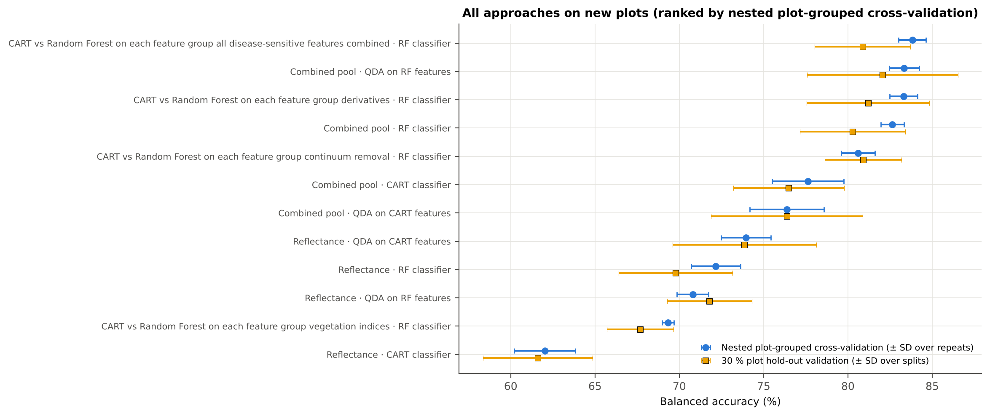
Single feature · best edge parameter: REP, linear 4-point (nm) (threshold) | 65.0% | 62.5% |  | 62.1% |  |  | 0.664
Raw reflectance · four tiers: CART classifier (rpart) | 62.7% | 62.0% | 1.8% | 61.6% | 3.3% | 52.4% | 0.614 | 0.188
Feature group · full raw spectrum: CART |  | 61.6% | 2.7% | 61.2% | 2.1% |  | 0.615 | 0.184
Leaf-level 10-fold cross-validation with features chosen on all leaves (the paper's protocol; optimistic). nested plot-grouped cross-validation (10-fold × 5 = 50 folds), 30 % of plots held out × 10, leave-one-date-out on new plots (40 units: 10 30 % plot hold-out validation splits × 4 dates); in nested plot-grouped cross-validation–leave-one-date-out validation on new plots every selection step is repeated inside the training set. Single features: threshold chosen on training plots.

Conclusions
1. Subset: leaf level L5 (all dates, growth stages and varieties combined) — 808 leaves (135 healthy, 673 diseased; imbalance 1 : 5.0), 12 healthy and 36 diseased plots, dates 11-02-2026, 24-02-2026, 03-03-2026, 13-03-2026.
2. Tier 1: healthy and white-rust leaves differ significantly at 1301 of 2101 bands (Welch + BH-FDR); 1132 bands remain significant with a random plot effect and 896 in ≥ 95 % of 1000 balanced subsets. The most sensitive single band (smoothed reflectance) reaches AUC 0.70 at 694 nm.
3. Tier 2: CART (rpart, prior 0.5/0.5) selected 24 bands (root 1884 nm): 1884, 708, 752, 1478, 1775, 715, 1766, 677, 2387, 1741, 670, 481, 1369, 520, 750, 573, 1420, 1917, 2475, 744, 2396, 636, 1933, 1429 nm. The Balanced RF importance peaks (RF-17) were 700, 753, 1881, 689, 776, 764, 715, 786, 656, 637, 2050, 2007, 573, 584, 622, 609, 563 nm.
4. Tier 3: J–M = 1.88 on the CART bands and 1.77 on the RF bands: neither set reaches the 1.90 separability threshold (Das et al. used 1.94).
5. Tier 4: QDA with equal priors on the CART bands gives BA 78.9 % in the paper's protocol (leaf-level 10-fold cross-validation; healthy recall 83.7 %, diseased recall 74.0 %) and 73.9 % ± 1.5 % (nested plot-grouped cross-validation) / 73.9 % (30 % plot hold-out validation) on new plots.
6. CART vs RF: as classifiers RF beats CART by 9.9 points (nested plot-grouped cross-validation, RF better in 43 of 50 folds, p = 4.6e-08); as band selectors for QDA the RF bands give -3.3 points vs the CART bands (p = 0.006). RF selection is more stable than CART selection (Jaccard ±10 nm 0.55 vs 0.32).
7. Disease-sensitive features: the strongest group for RF is derivatives + edge parameters (BA 83.3 %, nested plot-grouped cross-validation) vs 70.6 % for reflectance; best single features: first derivative at 873 nm (AUC 0.80), CR3 water 970 width (AUC 0.75), RARSc (AUC 0.69), REP, linear 4-point (nm) (AUC 0.66). REIP (linear extrapolation) shifts by -4.1 nm in diseased leaves (AUC 0.67).
8. Combined feature pool (four tiers on the combined band reflectance + continuum-removal features + vegetation indices + derivative and edge features pool, 4150 features, 2369 significant): CART chose 13 features, RF 17 (J–M 1.78 / 1.67); QDA on the RF features reaches 83.3 % (nested plot-grouped cross-validation) / 82.1 % (30 % plot hold-out validation), +12.5 points vs QDA on RF reflectance bands; best pipeline on the pool: QDA on RF features (83.3 %, nested plot-grouped cross-validation).
9. Transfer (leave-one-date-out validation on new plots): QDA on CART reflectance bands 56.0 %, QDA on combined-pool RF features 56.2 % — a clear drop from the nested plot-grouped cross-validation estimate (83.3 %); the date/stage effect limits transfer. Best pipeline under transfer: combined pool: QDA on CART features (61.2 %).
10. Compared with all dates, stages and varieties pooled (nested plot-grouped cross-validation: reflectance QDA-CART 72.0 %, combined-pool QDA-RF 83.7 %; J–M 1.27), this subset gives 73.9 % and 83.3 % (J–M 1.88): discrimination is similar to the pooled analysis.

Recommendations
Use first-derivative and continuum-removed features rather than single reflectance bands for this subset; the four-tier selection with RF importance on the combined pool and a QDA or RF classifier is the recommended pipeline.
Report balanced accuracy with both class recalls and the priors used; the classes are imbalanced (1 : 5.0) and equal priors / balanced sampling were applied throughout.
Base conclusions on the plot-grouped estimates (nested plot-grouped cross-validation 10-fold × 5 = 50 folds, 30 % plot hold-out validation 10 hold-outs), not on the leaf-level 10-fold cross-validation estimate.
Interpret features near the ASD detector joins (≈ 1000 and 1800 nm) with care; guard zones were excluded from the rankings.
For application to a new date, the most robust pipeline here was combined pool: QDA on CART features (leave-one-date-out validation on new plots BA 61.2 %); accuracy on an unseen date is much lower than within the date, so calibrate with leaves of the target date or growth stage.

02_Design
Workflow, validation design and model settings
Figure 2 of Das et al. (2020), extended with the corrections and the CART-vs-RF, disease-sensitive feature extraction and combined feature pool steps.
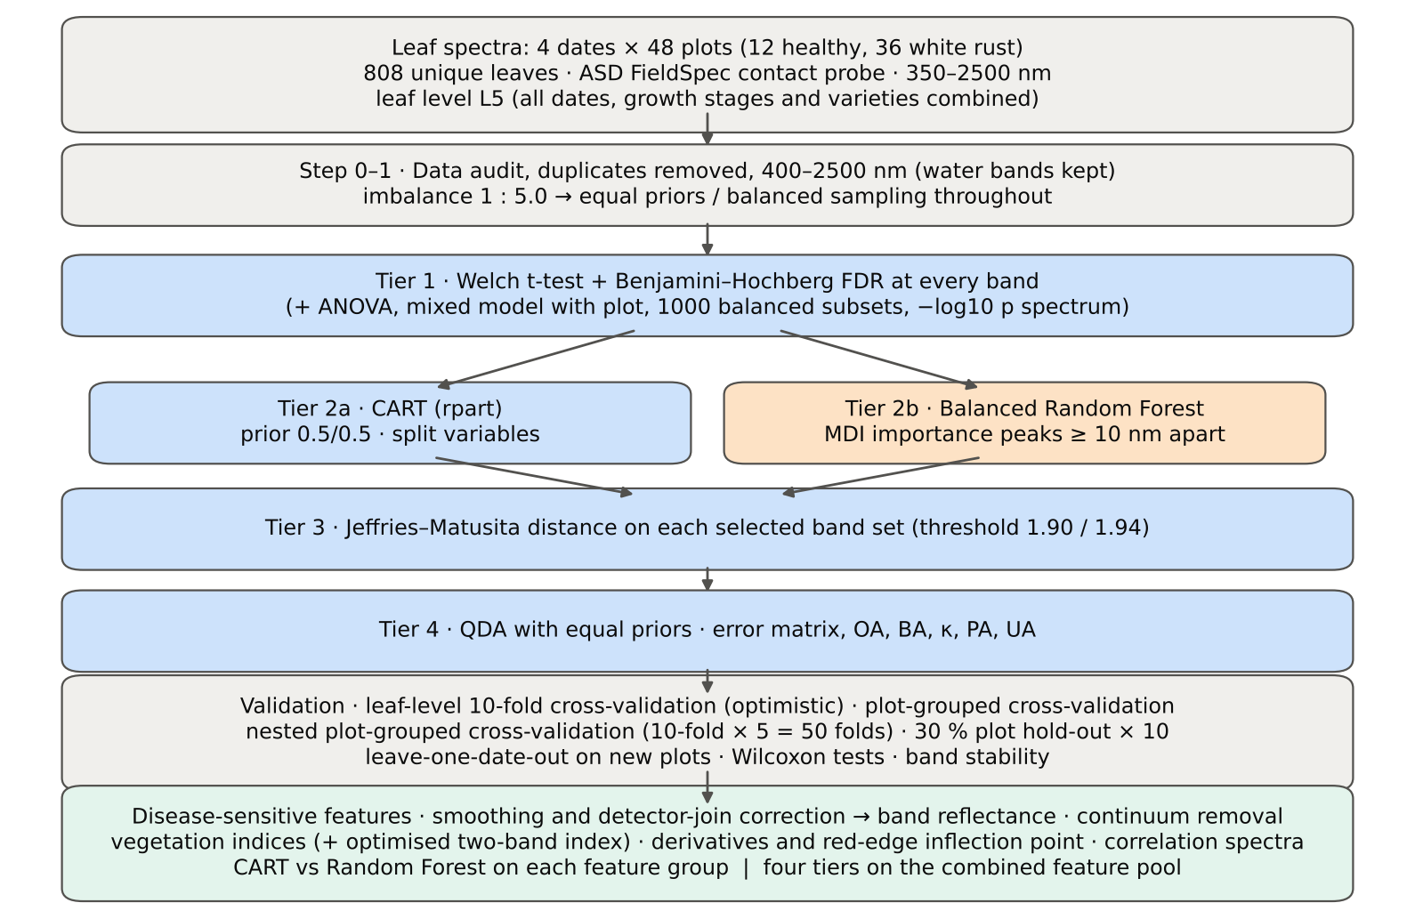

Table 2.1 Corrections applied to the protocol of Das et al. (2020) and why
Issue | Correction | Why
Class imbalance (135 healthy : 673 diseased = 1 : 5.0) | QDA/LDA with equal prior probabilities; rpart prior = c(0.5, 0.5); Balanced RF (each tree on a balanced bootstrap); balanced accuracy as headline metric; 1000 balanced subsets in Tier 1 | without it every classifier favours 'diseased' and overall accuracy is inflated
Two classes only | Welch t-test instead of one-way ANOVA + Tukey HSD (ANOVA reported for comparison: identical ranking) | Tukey HSD is for many pairs; Welch allows unequal variances (Levene)
Multiple testing (2101 bands) | Benjamini–Hochberg FDR (q < 0.05); uncorrected counts reported | 2101 tests at α = 0.05 give ≈ 105 false positives
Pseudo-replication (leaves nested in plots, plots measured on 4 dates) | mixed model with random plot intercept; every honest validation grouped by plot across all dates | leaves of one plot are not independent
Selection bias | Tier 1, band selection and classifier refitted inside every training set (nested plot-grouped cross-validation, 30 % plot hold-out validation, leave-one-date-out validation on new plots) | selecting bands on all leaves and validating on the same leaves is optimistic
Water-absorption bands | kept (contact probe with its own light source; no atmospheric path) | Das et al. removed them for canopy measurements
Detector edge 350–399 nm | removed (noise 116 × the 500–699 nm level); sensitivity run with 350–2500 nm | noise could be chosen by CART
Detector joins 1000/1001 and 1800/1801 nm (disease-sensitive feature extraction) | splice correction; guard zones excluded from feature ranking (reported with and without) | instrument artefacts must not be read as disease
Exact duplicate spectra | 75 copies (13-03-2026, block 2) and 4 unnamed copies (plot 27, 11-02-2026) removed from the four files before the subset was taken; 27 of them belong to this subset (25 block-2, 2 unnamed); sensitivity run with the unnamed copies kept | a duplicate in both training and test inflates leaf-level 10-fold cross-validation
Subset | leaf level L5 (all dates, growth stages and varieties combined): 808 of 2263 leaf spectra; folds, Tier 1–4, disease-sensitive feature extraction and combined feature pool rebuilt for this subset only | each leaf level analysed separately, all dates, growth stages and varieties combined, as requested

Table 2.2 Validation design (identical folds in every step; sheet 36_Folds)
Scheme | Folds | What is refitted | Purpose
Leaf-level 10-fold cross-validation | StratifiedKFold, seed 42 | bands fixed (chosen on all leaves); classifier refitted | reproduces the paper (optimistic: leaves of a plot in train and test)
Plot-grouped 10-fold cross-validation | StratifiedGroupKFold, seed 42 | bands fixed; classifier refitted | removes plot leakage, keeps selection bias
Nested plot-grouped cross-validation, 10-fold × 5 = 50 folds | StratifiedGroupKFold, seeds 101–105; k = min(10, plots of the smaller class = 12) so every test fold holds both classes | Tier 1 + selection + classifier refitted | honest estimate for new plots
Hold-out of 30 % of plots × 10 | 4 healthy + 11 diseased plots per split, default_rng(2026) | everything refitted on the remaining plots | independent test plots
New date and new plots (additional) | train: other dates × training plots of the 30 % plot hold-out; test: held-out date × test plots of the 30 % plot hold-out | everything refitted | transfer to an unseen date and unseen plots

Table 2.3 CART and Random Forest settings
Setting | CART | Random Forest
Algorithm | rpart 4.1.23 in R 4.3.3 (recursive partitioning, as Das et al.) | BalancedRandomForestClassifier (imbalanced-learn 0.14, scikit-learn 1.9)
Split criterion | Gini | Gini
Imbalance correction | prior = c(0.5, 0.5) | sampling_strategy = 'all', replacement = True, bootstrap = False (balanced bootstrap per tree)
Size / randomness | minsplit 20, minbucket 7, cp 0.01, maxcompete 0, maxsurrogate 0 | 500 trees (1000 for importance), max_features = √p, random_state 42
Pruning | default tree used; 1-SE tree from plot-grouped 10-fold cross-validation of cp | —
Band selection | split variables of the tree | top-17 / top-10 MDI importance peaks (+ a set the size of the CART set), local maxima ≥ 10 nm apart
Prediction | class of the terminal node (prior-adjusted) | majority vote (probability > 0.5)

04_Step1_Preprocessing
Step 1 · Pre-processing — band set, noise and outlier screening
Das et al. (2020) removed 1350–1430, 1800–1950 and 2350–2500 nm (atmospheric water, canopy). Here the contact probe has its own light source, so water bands are kept.

What was done
Noise of every band = SD of the residual after Savitzky–Golay smoothing (window 11, order 2). The 350–399 nm detector edge is far noisier than the rest and was removed; everything else (400–2500 nm, 2101 bands) was analysed on the raw (unsmoothed) reflectance in Tiers 1–4, as in Das et al. Outliers were screened with the spectral angle (SAM) to the class median spectrum and flagged, not removed (diseased leaves are expected to vary more).
Table 1.1 Band-set decision
Range (nm) | Bands | Decision | Reason
350–399 | 50 | Removed | detector edge: noise ×116 of the 500–699 nm level
400–1349 | 950 | Retained | visible, red edge, NIR
1350–1430 | 81 | Retained | water band I — contact probe (Das et al. removed it)
1431–1799 | 369 | Retained | SWIR-1
1800–1950 | 151 | Retained | water band II — contact probe (Das et al. removed it)
1951–2349 | 399 | Retained | SWIR-2
2350–2500 | 151 | Retained | SWIR-2 end — contact probe (Das et al. removed it)
Bands analysed (Excel) | 2101

Table 1.2 Noise level by spectral region
Range (nm) | Noise (SD of SG residual) | Ratio to 500–699 nm
350–399 | 0.0065 | 115.88
400–499 | 7.669E-04 | 13.72
500–699 | 5.588E-05 | 1.0000
700–1000 | 7.232E-05 | 1.2941
1001–1349 | 5.392E-05 | 0.9649
1350–1430 | 1.705E-05 | 0.3051
1431–1799 | 1.133E-05 | 0.2028
1800–1950 | 1.882E-05 | 0.3368
1951–2349 | 1.726E-05 | 0.3089
2350–2500 | 7.992E-05 | 1.4302

Table 1.3 Outlier screening: spectral angle to the class median
Class | Leaves | Median SAM (rad) | 95th pct (rad) | Max (rad) | Leaves > 0.15 rad
Healthy | 135 | 0.0668 | 0.1237 | 0.1711 | 1
Diseased | 673 | 0.0796 | 0.1576 | 0.4196 | 48

Table 1.4 Ten most deviating spectra (flagged, kept)
Plot | Class | Date | Growth stage | File | SAM (rad) | R1985 (leaf) | R1985 (class median)
38 | Diseased | 03-03-2026 | Flowering | Mustard00494.asd.sco | 0.4196 | 0.3066 | 0.0710
35 | Diseased | 03-03-2026 | Flowering | Mustard00440.asd.sco | 0.3351 | 0.2224 | 0.0710
13 | Diseased | 11-02-2026 | Vegetative | Mustard00083.asd.sco | 0.3241 | 0.1321 | 0.0710
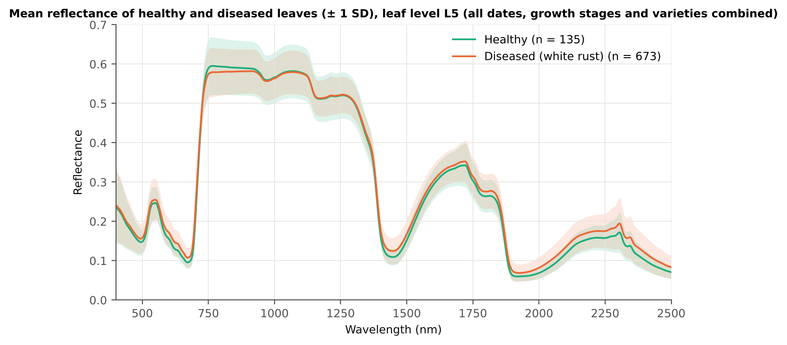
38 | Diseased | 13-03-2026 | Pod formation | Mustard00032.asd.sco | 0.2954 | 0.2115 | 0.0710
31 | Diseased | 03-03-2026 | Flowering | Mustard00392.asd.sco | 0.2747 | 0.1933 | 0.0710
35 | Diseased | 03-03-2026 | Flowering | Mustard00443.asd.sco | 0.2738 | 0.2064 | 0.0710
23 | Diseased | 03-03-2026 | Flowering | Mustard00263.asd.sco | 0.2610 | 0.1992 | 0.0710
34 | Diseased | 24-02-2026 | Flowering | Mustard00355.asd.sco | 0.2563 | 0.2379 | 0.0710
34 | Diseased | 03-03-2026 | Pod formation | Mustard00431.asd.sco | 0.2554 | 0.1709 | 0.0710
43 | Diseased | 03-03-2026 | Flowering | Mustard00566.asd.sco | 0.2430 | 0.1347 | 0.0710

Figure 3 (as in Das et al. 2020). Mean reflectance of healthy and diseased leaves

Native Excel chart of the same data: sheet 37_ChartData, columns A–C.
Table 1.5 Sensitivity: the unnamed duplicate spectra of plot 27 kept vs removed (QDA on CART bands)
Data | CART bands | Balanced accuracy, leaf-level 10-fold cross-validation | Balanced accuracy, nested plot-grouped cross-validation | Balanced accuracy, 30 % plot hold-out validation
main: exact duplicates removed (n = 808) | 24 | 78.9% | 73.9% | 73.9%
2 unnamed plot-27 copies kept (n = 810) | 18 | 73.2% | 73.3% | 74.2%

05_Tier1_Ttest
Step 2 · Tier 1 — Welch's t-test at every band with Benjamini–Hochberg FDR
Das et al. (2020) used one-way ANOVA (p < 0.05) + Tukey HSD for 14 genotypes; with two classes the equivalent is a t-test.

Result in brief
Tier 1: healthy and white-rust leaves differ significantly at 1301 of 2101 bands (Welch + BH-FDR); 1132 bands remain significant with a random plot effect and 896 in ≥ 95 % of 1000 balanced subsets. The most sensitive single band (smoothed reflectance) reaches AUC 0.70 at 694 nm.
Uncorrected, 1405 bands have p < 0.05; ANOVA + FDR gives 1332 (same ranking as Welch).

What was done
At each of the 2101 bands the mean reflectance of healthy (n = 135) and diseased (n = 673) leaves was compared with Welch's t-test (unequal variances; Levene's test shows unequal variances at many bands) and the p-values were adjusted with the Benjamini–Hochberg false-discovery rate. Bands with q < 0.05 go to Tier 2. Because 673 diseased leaves give high power even for tiny differences, the test was repeated on 1000 balanced random subsets (135 vs 135), and a linear mixed model with a random plot intercept checks pseudo-replication.
Table 2.1 Number of significant bands
Test | Significant bands | Bands tested | Share (Excel)
Welch t-test + BH-FDR q < 0.05 (used for Tier 2) | 1301 | 2101 | 61.9%
One-way ANOVA p < 0.05, uncorrected (rule of Das et al.) | 1437 | 2101 | 68.4%
One-way ANOVA + BH-FDR q < 0.05 | 1332 | 2101 | 63.4%
Welch t-test p < 0.05, uncorrected | 1405 | 2101 | 66.9%
Mixed model (random plot effect) + BH-FDR q < 0.05 | 1132 | 2101 | 53.9%
Balanced subsets (135 vs 135): significant in ≥ 95 % of 1000 subsets | 896 | 2101 | 42.6%
Levene test p < 0.05 (unequal variances → Welch) | 1243 | 2101 | 59.2%

Table 2.2 Contiguous ranges (Welch + FDR)
Range (nm) | Bands | Result
400–480 | 81 | not significant
481–530 | 50 | significant
531–555 | 25 | not significant
556–719 | 164 | significant
720–743 | 24 | not significant
744–786 | 43 | significant
787–1365 | 579 | not significant
1366–1649 | 284 | significant
1650–1740 | 91 | not significant
1741–2500 | 760 | significant

Table 2.3 Significance by spectral region
Region | Bands | Welch+FDR significant | Mixed-model significant | Band of max |t| | Max t | Mean diff (D − H)
Blue (400–499) | 100 | 19 | 12 | 499.00 | 3.0127 | 0.0095
Green (500–599) | 100 | 75 | 61 | 599.00 | 6.5458 | 0.0157
Red (600–679) | 80 | 80 | 80 | 634.00 | 8.2824 | 0.0174
Red edge (680–759) | 80 | 56 | 57 | 695.00 | 9.4110 | 0.0229
NIR (760–1349) | 590 | 27 | 42 | 760.00 | -2.3873 | -0.0162
Water band I (1350–1430) | 81 | 65 | 55 | 1430.00 | 6.9279 | 0.0154
SWIR-1 (1431–1799) | 369 | 278 | 138 | 1439.00 | 6.9465 | 0.0153
Water band II (1800–1950) | 151 | 151 | 137 | 1889.00 | 8.7735 | 0.0145
SWIR-2 (1951–2349) | 399 | 399 | 399 | 2016.00 | 8.6407 | 0.0143
SWIR-2 end (2350–2500) | 151 | 151 | 151 | 2445.00 | 6.9213 | 0.0158

Table 2.4 Fifteen most significant bands
Wavelength (nm) | Mean healthy | Mean diseased | Diff (D − H) | Welch t | Welch df | q (BH) | Hedges g | Mixed-model q
695.00 | 0.1453 | 0.1682 | 0.0229 | 9.4110 | 325.65 | 7.020E-16 | 0.6227 | 2.335E-04
696.00 | 0.1539 | 0.1775 | 0.0237 | 9.4080 | 324.42 | 7.020E-16 | 0.6236 | 2.335E-04
694.00 | 0.1375 | 0.1595 | 0.0220 | 9.3713 | 326.11 | 7.020E-16 | 0.6197 | 2.335E-04
697.00 | 0.1632 | 0.1875 | 0.0243 | 9.3668 | 322.52 | 7.020E-16 | 0.6225 | 2.335E-04
698.00 | 0.1732 | 0.1980 | 0.0248 | 9.2953 | 320.10 | 8.221E-16 | 0.6198 | 2.335E-04
693.00 | 0.1306 | 0.1517 | 0.0211 | 9.2944 | 325.79 | 8.221E-16 | 0.6149 | 2.335E-04
699.00 | 0.1838 | 0.2089 | 0.0251 | 9.1914 | 317.19 | 1.404E-15 | 0.6155 | 2.335E-04
692.00 | 0.1246 | 0.1447 | 0.0200 | 9.1763 | 324.42 | 1.404E-15 | 0.6082 | 2.635E-04
700.00 | 0.1949 | 0.2202 | 0.0253 | 9.0549 | 313.72 | 3.475E-15 | 0.6095 | 2.335E-04
691.00 | 0.1195 | 0.1385 | 0.0190 | 9.0183 | 321.99 | 3.683E-15 | 0.5998 | 3.128E-04
701.00 | 0.2064 | 0.2317 | 0.0253 | 8.8866 | 309.73 | 7.980E-15 | 0.6017 | 2.629E-04
690.00 | 0.1152 | 0.1331 | 0.0179 | 8.8246 | 318.58 | 8.812E-15 | 0.5897 | 3.128E-04
1889.00 | 0.0757 | 0.0902 | 0.0145 | 8.7735 | 402.20 | 7.980E-15 | 0.5328 | 7.424E-04
1890.00 | 0.0737 | 0.0878 | 0.0141 | 8.7697 | 407.38 | 7.980E-15 | 0.5301 | 7.424E-04
1888.00 | 0.0779 | 0.0926 | 0.0148 | 8.7614 | 396.20 | 7.980E-15 | 0.5351 | 7.424E-04

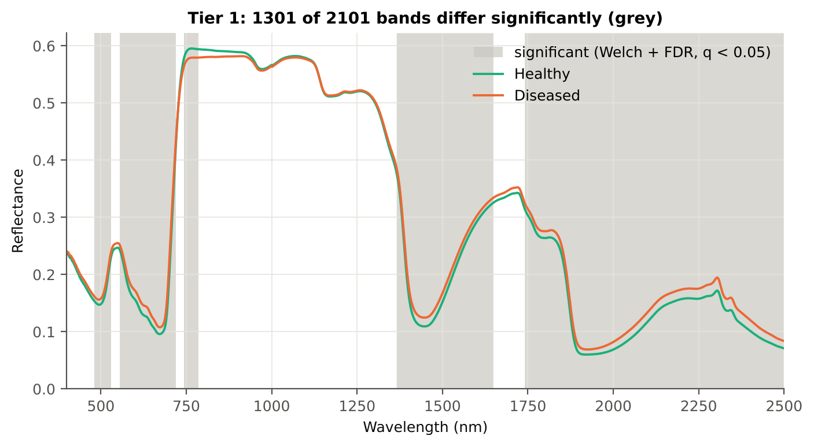
Table 2.5 Tier 1 on 1000 balanced subsets
Balanced-subset check (imbalance) | Value
Balanced random subsets drawn | 1000
Leaves per subset (healthy + diseased) | 135 + 135
Significant bands per subset — median | 1129.00
— minimum | 296
— maximum | 1690
Bands significant in 100 % of subsets | 275
Bands significant in ≥ 95 % of subsets | 896
Bands never significant | 146

Figure 4 (as in Das et al. 2020 Fig. 4). Bands where healthy and diseased leaves differ (grey)

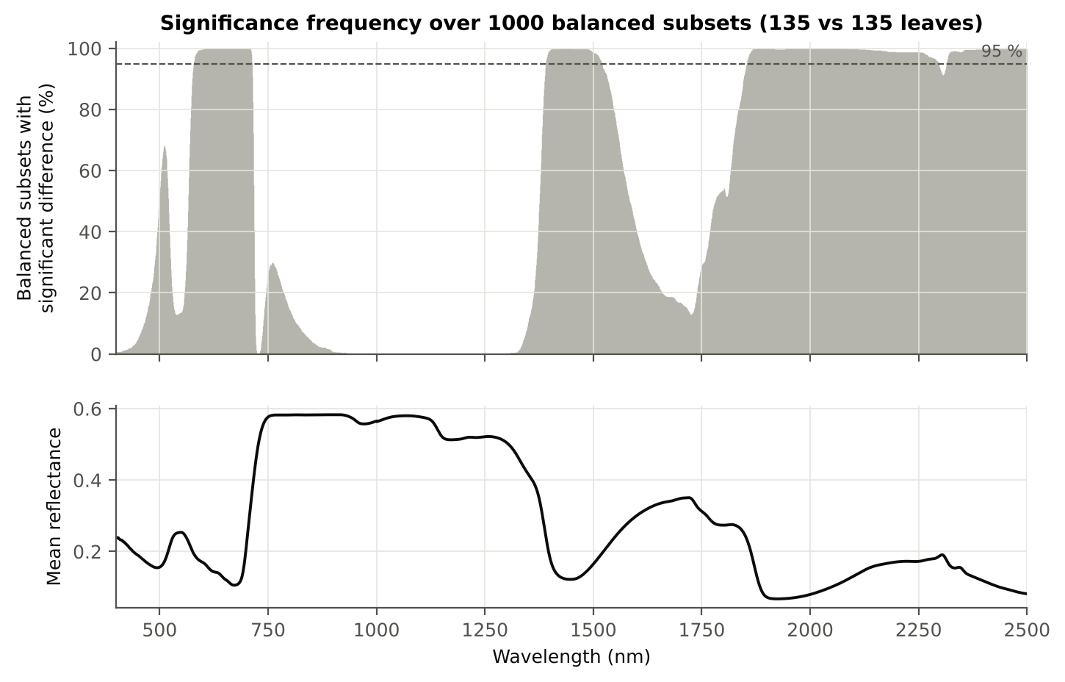

Figure 5 (as in Das et al. 2020 Fig. 5). Significance frequency (balanced subsets) and mean reflectance

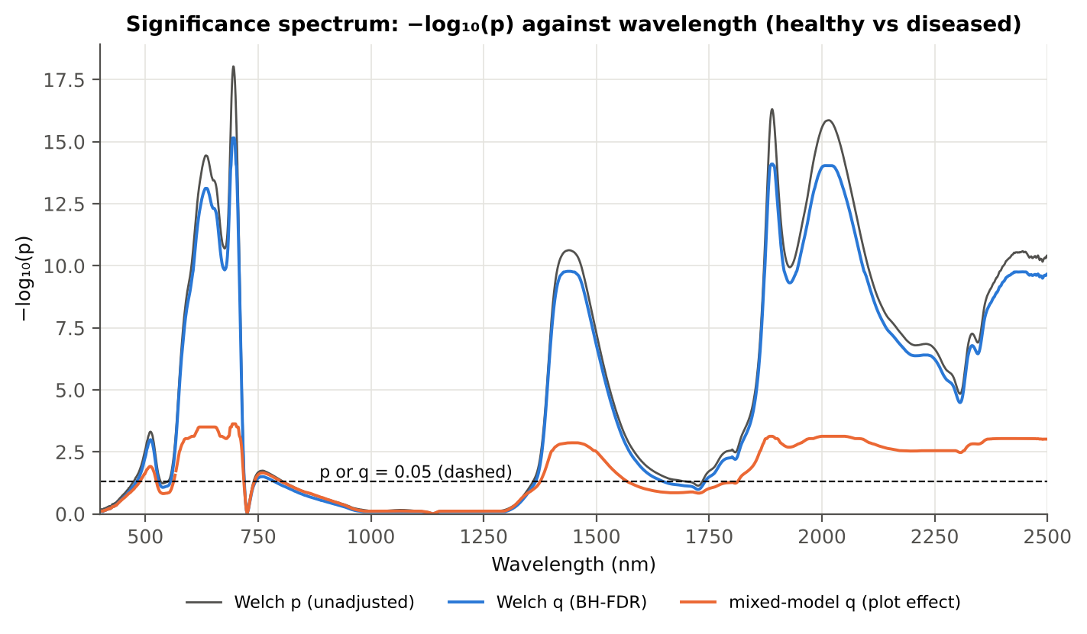

Figure 5b. −log₁₀(p) against wavelength

Native Excel versions of Figures 3–5b: sheet 37_ChartData (charts placed beside the data).
Cross-checks for this step
Step | What was checked | Method | Result | Status
Tier 1 | Mixed model converged for every feature | R nlme::lme (REML) per feature | 2100 of 2101 converged; 1 returned NA → counted as not significant | FLAG
Tier 1 | Training sets with < 2 FDR-significant features (nested plot-grouped cross-validation/30 % plot hold-out validation/leave-one-date-out validation on new plots) | fallback: uncorrected p < 0.05, else the 20 smallest p | 0 of 100 training sets | PASS
Tier 1 | Mixed model implementation | R nlme::lme vs Python statsmodels MixedLM (Powell), every 50th band | Spearman ρ of p-values 1.000 (statsmodels uses a Wald z-test, nlme a t-test with 46 df, so nlme p-values are larger) | PASS
Tier 1 | Welch t-statistic | SciPy ttest_ind(equal_var=False) vs vectorised formula | max |Δt| = 1.8e-15 | PASS
Tier 1 | Benjamini–Hochberg q-values | statsmodels multipletests vs own step-up | max |Δq| = 1.1e-16 | PASS
Tier 1 | ANOVA equivalence | one-way ANOVA F (SciPy, every 50th band) vs Student t² | max relative |F − t²| = 1.0e-13 | PASS
Tier 1 | Class imbalance | 1000 balanced subsets (135 vs 135 leaves) | median 1129 significant bands per subset vs 1301 on all leaves | PASS
Tier 1 | Pseudo-replication | linear mixed model v ~ Disease + (1|plot), REML, R nlme::lme (t-test, 46 df), BH-FDR | 1132 of 2101 bands significant (Welch: 1301); plot ICC median 0.035 | PASS

06_Tier2_CART
Step 3 · Tier 2 — CART band selection with equal priors (rpart)
Das et al. (2020): 'To apply this technique we used the method rpart from package rpart' — the split variables are the selected wavelengths.

Result in brief
Tier 2: CART (rpart, prior 0.5/0.5) selected 24 bands (root 1884 nm): 1884, 708, 752, 1478, 1775, 715, 1766, 677, 2387, 1741, 670, 481, 1369, 520, 750, 573, 1420, 1917, 2475, 744, 2396, 636, 1933, 1429 nm. The Balanced RF importance peaks (RF-17) were 700, 753, 1881, 689, 776, 764, 715, 786, 656, 637, 2050, 2007, 573, 584, 622, 609, 563 nm.
Re-selection of each CART band in plot-level bootstraps and in the nested training sets is shown in Table 3.1 and Figure 6b; bands re-selected in < 50 % of the training sets should not be interpreted individually.

What was done
Input: the 1301 FDR-significant bands of Tier 1 (raw reflectance). rpart (R 4.3.3, rpart 4.1.23) with method = 'class', prior = c(0.5, 0.5) (imbalance correction), split = 'gini', minsplit 20, minbucket 7, cp 0.01, no competitor or surrogate splits. The wavelengths used as split variables form the CART band set. The complexity parameter was cross-validated with plot-grouped folds; the 1-SE tree gives a smaller alternative set. Stability: rpart refitted on 200 plot-level bootstrap samples and inside the 50 nested training sets of nested plot-grouped cross-validation (a band counts as re-selected if a band within ± 10 nm is chosen).
Table 3.1 The 24 wavelengths selected by CART
Band (nm) | Region | First used at node | Tree depth | Mean healthy | Mean diseased | Welch t | q (BH) | Bootstrap re-selection (±10 nm) | Nested cross-validation re-selection (±10 nm) | Mixed model significant | Interpretation
481.00 | Blue (400–499) | 278 | 8 | 0.1536 | 0.1617 | 2.1853 | 0.0487 | 26.5% | 28.0% | no | blue/violet: chlorophyll and carotenoid absorption
520.00 | Green (500–599) | 49 | 5 | 0.1929 | 0.2042 | 3.1273 | 0.0040 | 58.0% | 72.0% | yes | green peak: chlorosis / pigment ratio change
573.00 | Green (500–599) | 138 | 7 | 0.1971 | 0.2103 | 4.3582 | 4.218E-05 | 40.0% | 48.0% | yes | green peak: chlorosis / pigment ratio change
636.00 | Red (600–679) | 557 | 9 | 0.1250 | 0.1423 | 8.2785 | 7.594E-14 | 26.0% | 22.0% | yes | chlorophyll-a absorption well
670.00 | Red (600–679) | 17 | 4 | 0.0960 | 0.1080 | 7.1001 | 7.980E-11 | 33.0% | 48.0% | yes | chlorophyll-a absorption well
677.00 | Red (600–679) | 8 | 3 | 0.0970 | 0.1087 | 6.9983 | 1.395E-10 | 44.5% | 48.0% | yes | chlorophyll-a absorption well
708.00 | Red edge (680–759) | 2 | 1 | 0.2905 | 0.3125 | 6.9678 | 1.686E-10 | 94.5% | 100.0% | yes | red edge: chlorophyll loss and leaf structure
715.00 | Red edge (680–759) | 6 | 2 | 0.3745 | 0.3890 | 4.0551 | 1.515E-04 | 67.5% | 66.0% | yes | red edge: chlorophyll loss and leaf structure
744.00 | Red edge (680–759) | 553 | 9 | 0.5800 | 0.5658 | -2.1762 | 0.0499 | 67.5% | 32.0% | yes | red edge: chlorophyll loss and leaf structure
750.00 | Red edge (680–759) | 69 | 6 | 0.5895 | 0.5738 | -2.3284 | 0.0356 | 71.0% | 38.0% | yes | red edge: chlorophyll loss and leaf structure
752.00 | Red edge (680–759) | 3 | 1 | 0.5913 | 0.5754 | -2.3508 | 0.0340 | 73.5% | 38.0% | yes | red edge: chlorophyll loss and leaf structure
1369.00 | Water band I (1350–1430) | 34 | 5 | 0.3669 | 0.3761 | 2.3621 | 0.0330 | 50.5% | 46.0% | no | leaf water absorption (≈1400 nm)
1420.00 | Water band I (1350–1430) | 139 | 7 | 0.1192 | 0.1348 | 6.8290 | 2.501E-10 | 22.0% | 20.0% | yes | leaf water absorption (≈1400 nm)
1429.00 | Water band I (1350–1430) | 2211 | 11 | 0.1129 | 0.1283 | 6.9236 | 1.763E-10 | 16.0% | 22.0% | yes | leaf water absorption (≈1400 nm)
1478.00 | SWIR-1 (1431–1799) | 4 | 2 | 0.1245 | 0.1400 | 6.3773 | 2.795E-09 | 26.0% | 44.0% | yes | SWIR-1: water, dry matter
1741.00 | SWIR-1 (1431–1799) | 14 | 3 | 0.3145 | 0.3246 | 2.1893 | 0.0484 | 15.0% | 14.0% | no | SWIR-1: water, dry matter
1766.00 | SWIR-1 (1431–1799) | 7 | 2 | 0.2846 | 0.2959 | 2.6128 | 0.0175 | 8.0% | 16.0% | no | SWIR-1: water, dry matter
1775.00 | SWIR-1 (1431–1799) | 5 | 2 | 0.2728 | 0.2843 | 2.8376 | 0.0094 | 7.5% | 8.0% | no | SWIR-1: water, dry matter
1884.00 | Water band II (1800–1950) | 1 | 0 | 0.0889 | 0.1048 | 8.5268 | 1.378E-14 | 68.0% | 90.0% | yes | leaf water absorption (O–H, ≈1940 nm)
1917.00 | Water band II (1800–1950) | 276 | 8 | 0.0601 | 0.0693 | 6.8682 | 1.763E-10 | 33.0% | 28.0% | yes | leaf water absorption (O–H, ≈1940 nm)
1933.00 | Water band II (1800–1950) | 1105 | 10 | 0.0603 | 0.0692 | 6.6689 | 4.391E-10 | 14.0% | 28.0% | yes | leaf water absorption (O–H, ≈1940 nm)
2387.00 | SWIR-2 end (2350–2500) | 12 | 3 | 0.1078 | 0.1273 | 6.5313 | 1.195E-09 | 14.0% | 14.0% | yes | cellulose/lignin; detector edge with higher noise
2396.00 | SWIR-2 end (2350–2500) | 556 | 9 | 0.1037 | 0.1227 | 6.6367 | 6.577E-10 | 14.5% | 14.0% | yes | cellulose/lignin; detector edge with higher noise
2475.00 | SWIR-2 end (2350–2500) | 552 | 9 | 0.0761 | 0.0900 | 6.8209 | 2.416E-10 | 11.0% | 8.0% | yes | cellulose/lignin; detector edge with higher noise

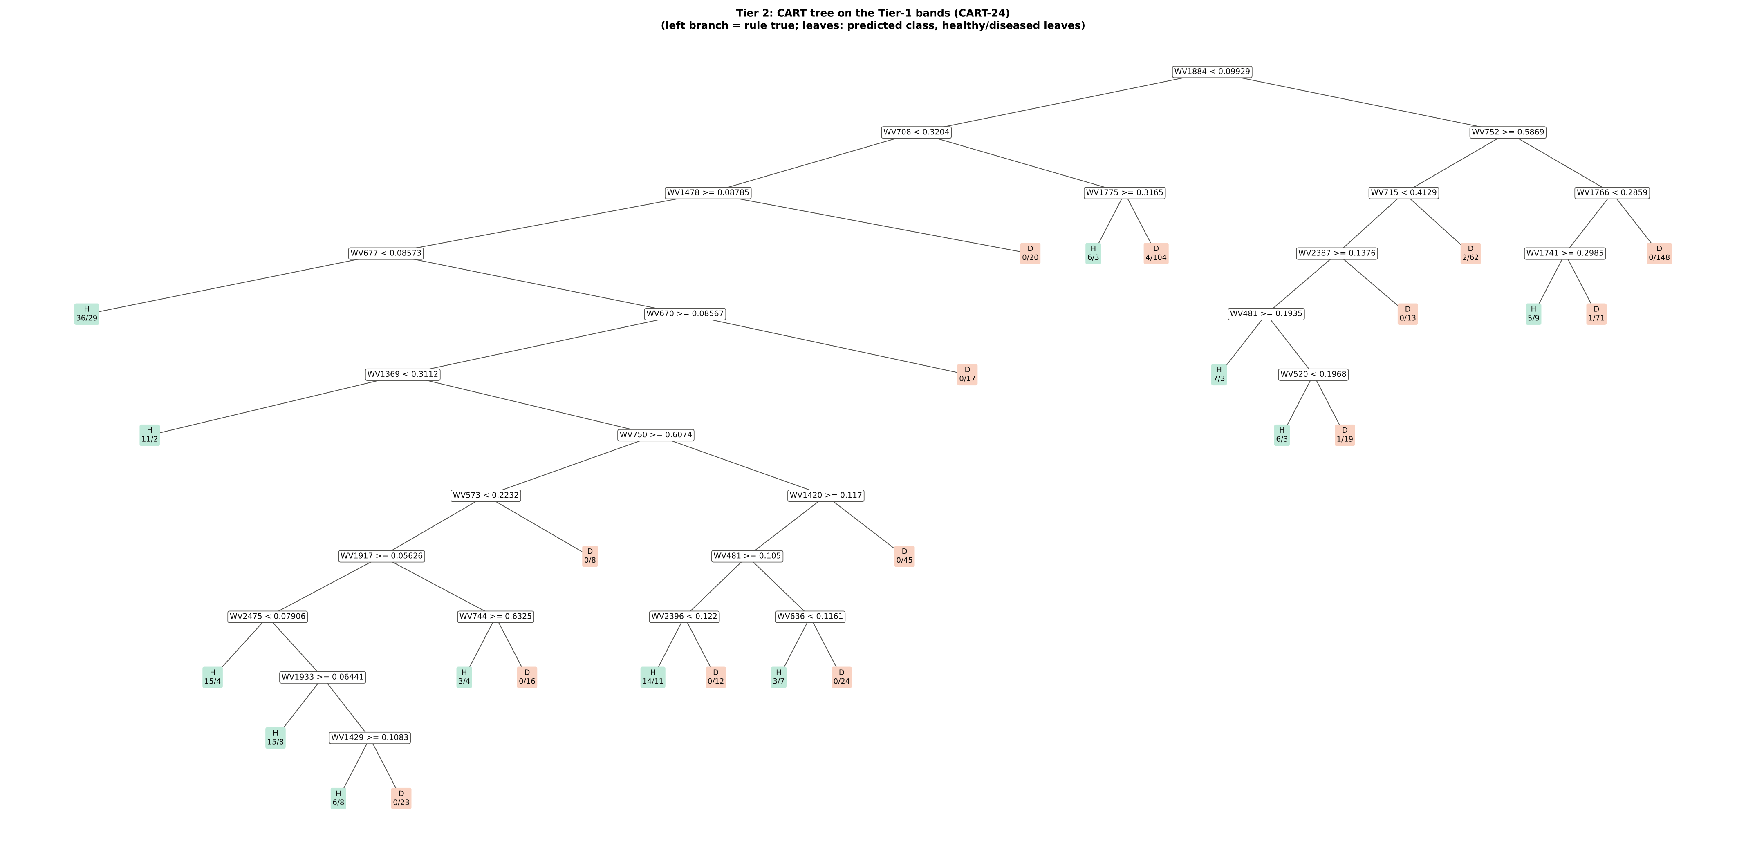
Figure 6 (as in Das et al. 2020 Fig. 6). CART tree

Table 3.2 Tree nodes (rpart frame)
Node | Depth | Split variable | Rule (left branch of the parent) | Leaves | Healthy | Diseased | Predicted class
1 | 0 | WV1884 | root | 808 | 135 | 673 | H
2 | 1 | WV708 | WV1884< 0.09929 | 458 | 113 | 345 | H
4 | 2 | WV1478 | WV708< 0.3204 | 341 | 103 | 238 | H
8 | 3 | WV677 | WV1478>=0.08785 | 321 | 103 | 218 | H
16 | 4 | leaf | WV677< 0.08573 | 65 | 36 | 29 | H
17 | 4 | WV670 | WV677>=0.08573 | 256 | 67 | 189 | H
34 | 5 | WV1369 | WV670>=0.08567 | 239 | 67 | 172 | H
68 | 6 | leaf | WV1369< 0.3112 | 13 | 11 | 2 | H
69 | 6 | WV750 | WV1369>=0.3112 | 226 | 56 | 170 | H
138 | 7 | WV573 | WV750>=0.6074 | 110 | 39 | 71 | H
276 | 8 | WV1917 | WV573< 0.2232 | 102 | 39 | 63 | H
552 | 9 | WV2475 | WV1917>=0.05626 | 79 | 36 | 43 | H
1104 | 10 | leaf | WV2475< 0.07906 | 19 | 15 | 4 | H
1105 | 10 | WV1933 | WV2475>=0.07906 | 60 | 21 | 39 | H
2210 | 11 | leaf | WV1933>=0.06441 | 23 | 15 | 8 | H
2211 | 11 | WV1429 | WV1933< 0.06441 | 37 | 6 | 31 | D
4422 | 12 | leaf | WV1429>=0.1083 | 14 | 6 | 8 | H
4423 | 12 | leaf | WV1429< 0.1083 | 23 | 0 | 23 | D
553 | 9 | WV744 | WV1917< 0.05626 | 23 | 3 | 20 | D
1106 | 10 | leaf | WV744>=0.6325 | 7 | 3 | 4 | H
1107 | 10 | leaf | WV744< 0.6325 | 16 | 0 | 16 | D
277 | 8 | leaf | WV573>=0.2232 | 8 | 0 | 8 | D
139 | 7 | WV1420 | WV750< 0.6074 | 116 | 17 | 99 | D
278 | 8 | WV481 | WV1420>=0.117 | 71 | 17 | 54 | H
556 | 9 | WV2396 | WV481>=0.105 | 37 | 14 | 23 | H
1112 | 10 | leaf | WV2396< 0.122 | 25 | 14 | 11 | H
1113 | 10 | leaf | WV2396>=0.122 | 12 | 0 | 12 | D
557 | 9 | WV636 | WV481< 0.105 | 34 | 3 | 31 | D
1114 | 10 | leaf | WV636< 0.1161 | 10 | 3 | 7 | H
1115 | 10 | leaf | WV636>=0.1161 | 24 | 0 | 24 | D
279 | 8 | leaf | WV1420< 0.117 | 45 | 0 | 45 | D
35 | 5 | leaf | WV670< 0.08567 | 17 | 0 | 17 | D
9 | 3 | leaf | WV1478< 0.08785 | 20 | 0 | 20 | D
5 | 2 | WV1775 | WV708>=0.3204 | 117 | 10 | 107 | D
10 | 3 | leaf | WV1775>=0.3165 | 9 | 6 | 3 | H
11 | 3 | leaf | WV1775< 0.3165 | 108 | 4 | 104 | D
3 | 1 | WV752 | WV1884>=0.09929 | 350 | 22 | 328 | D
6 | 2 | WV715 | WV752>=0.5869 | 116 | 16 | 100 | D
12 | 3 | WV2387 | WV715< 0.4129 | 52 | 14 | 38 | H
24 | 4 | WV481 | WV2387>=0.1376 | 39 | 14 | 25 | H
48 | 5 | leaf | WV481>=0.1935 | 10 | 7 | 3 | H
49 | 5 | WV520 | WV481< 0.1935 | 29 | 7 | 22 | H
98 | 6 | leaf | WV520< 0.1968 | 9 | 6 | 3 | H
99 | 6 | leaf | WV520>=0.1968 | 20 | 1 | 19 | D
25 | 4 | leaf | WV2387< 0.1376 | 13 | 0 | 13 | D
13 | 3 | leaf | WV715>=0.4129 | 64 | 2 | 62 | D
7 | 2 | WV1766 | WV752< 0.5869 | 234 | 6 | 228 | D
14 | 3 | WV1741 | WV1766< 0.2859 | 86 | 6 | 80 | D
28 | 4 | leaf | WV1741>=0.2985 | 14 | 5 | 9 | H
29 | 4 | leaf | WV1741< 0.2985 | 72 | 1 | 71 | D
15 | 3 | leaf | WV1766>=0.2859 | 148 | 0 | 148 | D

Table 3.3 Complexity-parameter table (plot-grouped 10-fold cross-validation)
CP | Number of splits | Relative error | Cross-validated error (plot-grouped) | SE of cross-validation error
0.3244 | 0.0000 | 1.0000 | 1.0883 | 0.0431
0.0849 | 1.0000 | 0.6756 | 0.7957 | 0.0435
0.0400 | 2.0000 | 0.5907 | 0.7123 | 0.0477
0.0297 | 3.0000 | 0.5507 | 0.7049 | 0.0468
0.0236 | 4.0000 | 0.5210 | 0.6766 | 0.0482
0.0193 | 6.0000 | 0.4737 | 0.6943 | 0.0508
0.0126 | 7.0000 | 0.4544 | 0.7164 | 0.0549
0.0119 | 14.00 | 0.3206 | 0.7208 | 0.0557
0.0118 | 17.00 | 0.2850 | 0.7104 | 0.0553
0.0118 | 19.00 | 0.2613 | 0.7104 | 0.0553
0.0114 | 20.00 | 0.2495 | 0.7089 | 0.0553
0.0104 | 23.00 | 0.2153 | 0.7163 | 0.0561
0.0100 | 25.00 | 0.1945 | 0.7163 | 0.0561
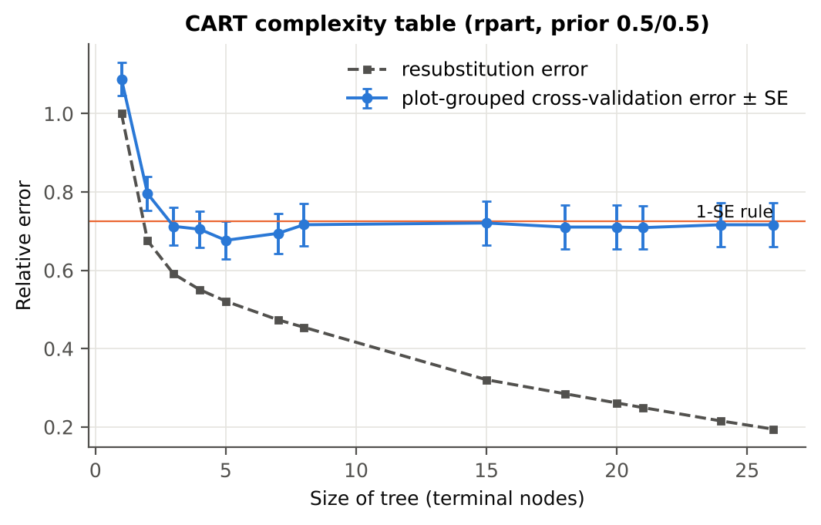

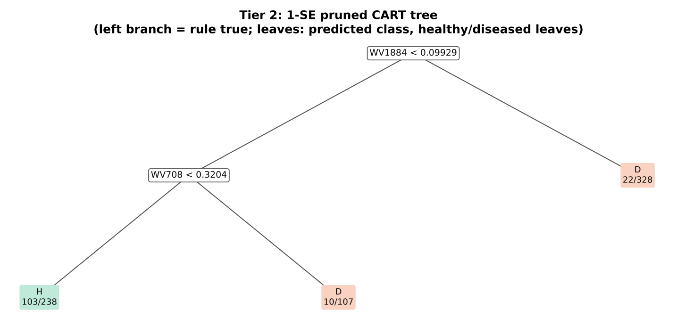
Table 3.4 Selected band sets
Tree | Bands | Wavelengths (nm)
CART-24 | 24 | 1884, 708, 752, 1478, 1775, 715, 1766, 677, 2387, 1741, 670, 481, 1369, 520, 750, 573, 1420, 1917, 2475, 744, 2396, 636, 1933, 1429
CART-2 (1-SE) | 2 | 1884, 708

Table 3.5 Cross-check of the CART result with scikit-learn
Item | rpart (R) | scikit-learn (balanced class weights) | Agreement
Root split | WV1884< 0.09929 | WV1884 < 0.099287 | identical variable
Split of the left child | WV708< 0.3204 | WV708 | identical variable
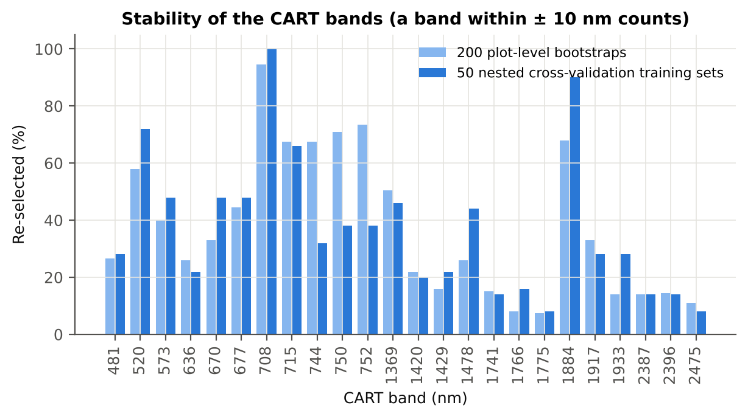
Bands used by the trees | 24 bands (cp = 0.01) | 31 bands (depth ≤ 8) | 15 of 24 rpart bands within ±5 nm

Figure 6b. Re-selection frequency of each CART band

Cross-checks for this step
Step | What was checked | Method | Result | Status
Tier 2 | CART implementation | rpart (R) vs scikit-learn DecisionTreeClassifier | root variable rpart 'WV1884< 0.09929' vs sklearn 'WV1884 < 0.09929' | PASS
Tier 2 | Stability of the selected bands | 200 plot-level bootstrap trees; 50 nested cross-validation training sets | 708 nm 100 %; 1884 nm 90 %; 520 nm 72 % | PASS

07_Tier3_JM
Step 4 · Tier 3 — Jeffries–Matusita (J–M) distance
J–M = 2(1 − e^(−α)) on the 0–2 scale of the thresholds 1.90 / 1.94 used by Das et al.; √J–M (Eq. 1 printed in the paper, 0–√2) is also given.

Result in brief
Tier 3: J–M = 1.88 on the CART bands and 1.77 on the RF bands: neither set reaches the 1.90 separability threshold (Das et al. used 1.94).

What was done
α (Bhattacharyya distance) = ⅛ (μH − μD)ᵀ [(ΣH + ΣD)/2]⁻¹ (μH − μD) + ½ ln( |(ΣH + ΣD)/2| / √(|ΣH| |ΣD|) ), computed with class means and covariance matrices of the selected bands (Cholesky factorisation; checked against explicit inverse and determinants). Classes are 'separable' when J–M ≥ 1.90 (Das et al. used ≥ 1.94, 97 % of 2).
Table 1 (as in Das et al. 2020). J–M distance between healthy and diseased leaves (CART-24 bands)
 | Healthy | Diseased
Healthy | – | –
Diseased | 1.8763 | –

Table 4.1 Healthy vs diseased separability (formulas: J–M, √J–M and the threshold tests)
Band set | Bands | α (Bhattacharyya) | J–M (0–2) (Excel) | √J–M (Excel) | ≥ 1.90 ? (Excel) | ≥ 1.94 ? (Excel)
CART-24 | 24 | 2.7828 | 1.8763 | 1.3698 | not separable | not separable
CART-2 (1-SE) | 2 | 0.2006 | 0.3636 | 0.6030 | not separable | not separable

Table 4.2 J–M and QDA BA as the CART bands are added (order of first use in the tree)
Features used | CART feature added | CART J–M | CART QDA BA
1 | WV1884 | 0.2767 | 61.8%
2 | WV708 | 0.3636 | 63.9%
3 | WV752 | 0.4270 | 66.9%
4 | WV1478 | 0.5294 | 64.3%
5 | WV1775 | 0.5639 | 66.8%
6 | WV715 | 0.6732 | 67.4%
7 | WV1766 | 0.7124 | 66.4%
8 | WV677 | 0.7889 | 66.4%
9 | WV2387 | 0.9400 | 65.0%
10 | WV1741 | 1.0255 | 68.4%
11 | WV670 | 1.0547 | 67.4%
12 | WV481 | 1.2213 | 67.9%
13 | WV1369 | 1.3588 | 74.7%
14 | WV520 | 1.4653 | 73.9%
15 | WV750 | 1.5032 | 73.3%
16 | WV573 | 1.6132 | 73.4%
17 | WV1420 | 1.6376 | 75.1%
18 | WV1917 | 1.6990 | 73.5%
19 | WV2475 | 1.7251 | 74.0%
20 | WV744 | 1.7573 | 74.8%
21 | WV2396 | 1.7859 | 77.4%
22 | WV636 | 1.8117 | 77.5%
23 | WV1933 | 1.8597 | 78.9%
24 | WV1429 | 1.8763 | 78.9%
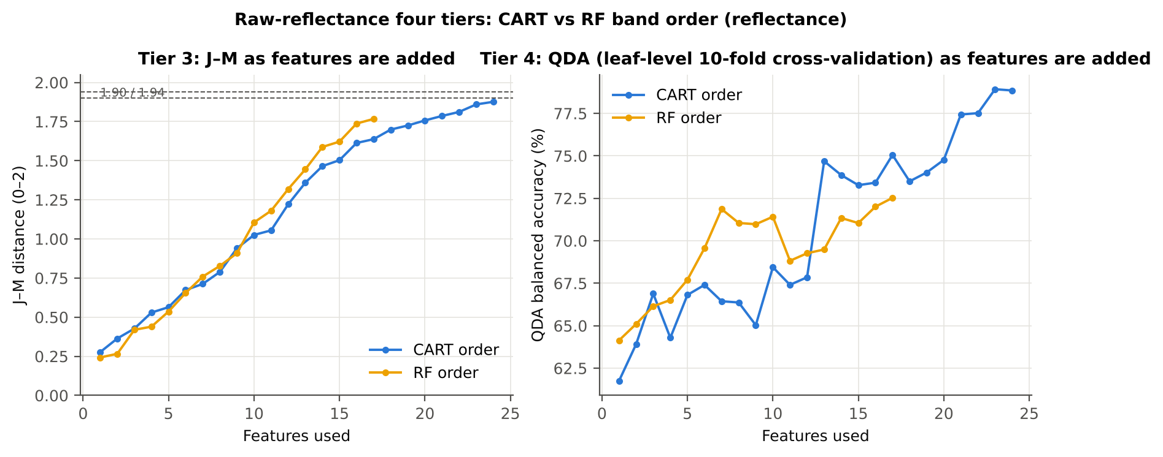

Table 4.3 Numerical diagnostics
Diagnostic | Value
Condition number of healthy covariance | 9.003E+07
Condition number of diseased covariance | 6.307E+07
J–M of the healthy class with itself (must be 0) | 0.0000

Cross-checks for this step
Step | What was checked | Method | Result | Status
Tier 3 | J–M implementation (raw reflectance) | Cholesky/log-det vs explicit inverse/determinant | |Δα| = 4.4e-12 | PASS
Tier 3 | Invertibility of the class covariances | condition number of the class correlation matrices of every selected set | max 9.0e+07 (well below the ~1e12 limit of double precision) | PASS
Tier 3 | J–M is scale-invariant | J–M on raw vs standardised features of every selected set | max |ΔJ–M| = 8.6e-11 | PASS
Tier 3 | J–M formula | J–M of the healthy class with itself (must be 0) | 0.0e+00 | PASS

09_Validation
Step 6 · Validation of the complete four-tier pipeline
From the protocol of Das et al. (bands chosen on all leaves, leaf-level cross-validation) to honest estimates for new plots and new dates.

Result in brief
QDA on CART bands, equal priors: leaf-level 10-fold cross-validation 78.9 %, nested plot-grouped cross-validation 73.9 %, 30 % plot hold-out validation 73.9 %, leave-one-date-out validation on new plots 56.0 %. Leaf-level cross-validation is optimistic here (leaf-level 10-fold cross-validation − nested plot-grouped cross-validation > 3 points): plot effects and selection bias matter.

What was done
Das et al. selected bands on all data and validated QDA by 10-fold cross-validation on the same data (leaf-level 10-fold cross-validation). Here the pipeline is also validated with folds grouped by plot (plot-grouped cross-validation), with the whole pipeline nested inside plot-grouped folds (nested plot-grouped cross-validation, 10-fold × 5 = 50 folds), on independent hold-out plots (30 % plot hold-out validation, 10 splits), with random under-sampling instead of equal priors (nested plot-grouped cross-validation with random under-sampling) and on an unseen date in unseen plots (leave-one-date-out validation on new plots, additional). All rows: QDA on CART-selected bands.
Table 6.1 Validation results (mean over repeats; SD over repeats)
Scheme | Priors | repeats | OA | BA | BA_SD | kappa | AUC | PA_H | PA_D | UA_H | UA_D
Leaf-level 10-fold, bands fixed | equal (corrected) | 1 | 75.6% | 78.9% |  | 0.3971 | 0.8730 | 83.7% | 74.0% | 39.2% | 95.8%
Plot-grouped 10-fold, bands fixed | equal (corrected) | 1 | 74.9% | 77.8% |  | 0.3813 | 0.8577 | 82.2% | 73.4% | 38.3% | 95.4%
Nested plot-grouped 10-fold × 5 = 50 folds | equal (corrected) | 5 | 68.2% | 73.9% | 1.5% | 0.2964 | 0.8291 | 82.5% | 65.4% | 32.4% | 94.9%
30 % plot hold-out × 10 | equal (corrected) | 10 | 70.9% | 73.9% | 4.3% | 0.3309 | 0.8178 | 78.5% | 69.2% | 36.5% | 93.6%
Leave-one-date-out on new plots (40 units) | equal (corrected) | 10 | 65.6% | 56.0% | 3.4% | 0.0939 | 0.5732 | 40.7% | 71.2% | 24.0% | 84.6%
Leaf-level 10-fold, bands fixed | sample (uncorrected) | 1 | 81.7% | 81.0% |  | 0.4852 | 0.8731 | 80.0% | 82.0% | 47.2% | 95.3%
Plot-grouped 10-fold, bands fixed | sample (uncorrected) | 1 | 80.7% | 78.9% |  | 0.4548 | 0.8576 | 76.3% | 81.6% | 45.4% | 94.5%
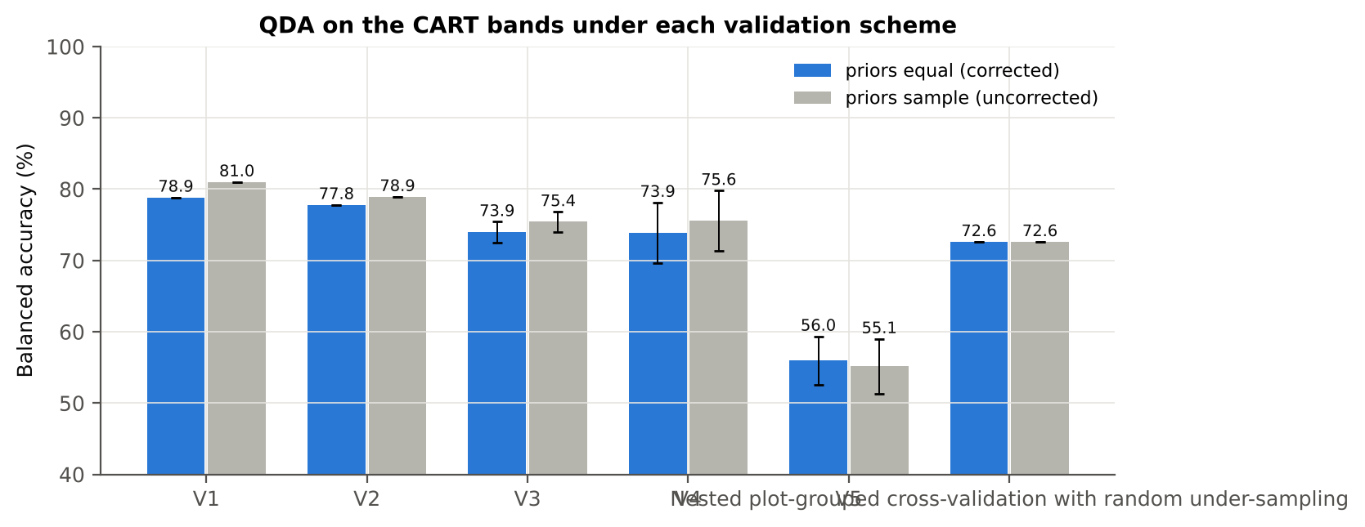
Nested plot-grouped 10-fold × 5 = 50 folds | sample (uncorrected) | 5 | 74.6% | 75.4% | 1.4% | 0.3583 | 0.8288 | 76.7% | 74.1% | 37.4% | 94.1%
30 % plot hold-out × 10 | sample (uncorrected) | 10 | 77.9% | 75.6% | 4.2% | 0.4137 | 0.8178 | 72.0% | 79.2% | 44.7% | 92.8%
Leave-one-date-out on new plots (40 units) | sample (uncorrected) | 10 | 70.3% | 55.1% | 3.8% | 0.0944 | 0.5729 | 31.3% | 79.0% | 25.4% | 84.0%
Nested plot-grouped cross-validation with random under-sampling | equal (corrected) | 1 | 64.7% | 72.6% |  | 0.2630 | 0.8075 | 84.4% | 60.8% | 30.2% | 95.1%
Nested plot-grouped cross-validation with random under-sampling | sample (uncorrected) | 1 | 64.7% | 72.6% |  | 0.2630 | 0.8075 | 84.4% | 60.8% | 30.2% | 95.1%

Table 6.2 Error matrix, nested plot-grouped cross-validation (5 repeats pooled) — QDA on CART bands, equal priors
Classified \ Reference | Healthy | Diseased | Row total | User's accuracy (%)
Healthy | 557 | 1165 | 1722 | 32.35
Diseased | 118 | 2200 | 2318 | 94.91
Column total | 675 | 3365 | 4040
Producer's accuracy (%) | 82.52 | 65.38
Overall accuracy (%) | 68.24
Balanced accuracy (%) | 73.95
Cohen's κ | 0.296
F1 healthy | 0.465
F1 diseased | 0.774

Table 6.3 Error matrix, 30 % plot hold-out validation (10 splits pooled) — QDA on CART bands, equal priors
Classified \ Reference | Healthy | Diseased | Row total | User's accuracy (%)
Healthy | 356 | 633 | 989 | 36.00
Diseased | 97 | 1426 | 1523 | 93.63
Column total | 453 | 2059 | 2512
Producer's accuracy (%) | 78.59 | 69.26
Overall accuracy (%) | 70.94
Balanced accuracy (%) | 73.92
Cohen's κ | 0.327
F1 healthy | 0.494
F1 diseased | 0.796

Table 6.4 Error matrix, leave-one-date-out validation on new plots — QDA on CART bands, equal priors
Classified \ Reference | Healthy | Diseased | Row total | User's accuracy (%)
Healthy | 184 | 597 | 781 | 23.56
Diseased | 269 | 1462 | 1731 | 84.46
Column total | 453 | 2059 | 2512
Producer's accuracy (%) | 40.62 | 71.01
Overall accuracy (%) | 65.53
Balanced accuracy (%) | 55.81
Cohen's κ | 0.091
F1 healthy | 0.298
F1 diseased | 0.772

Table 6.5 Sensitivity to the band set (full pipeline repeated)
Band set | CART bands | Balanced accuracy, leaf-level 10-fold cross-validation | Balanced accuracy, nested plot-grouped cross-validation nested | Balanced accuracy, 30 % plot hold-out validation hold-out | CART bands (nm)
400–2500 nm (main: 350–399 removed) | 24 | 78.9% | 73.9% | 73.9% | 481, 520, 573, 636, 670, 677, 708, 715, 744, 750, 752, 1369, 1420, 1429, 1478, 1741, 1766, 1775, 1884, 1917, 1933, 2387, 2396, 2475
350–2500 nm (nothing removed) | 24 | 78.9% | 74.2% | 73.4% | 481, 520, 573, 636, 670, 677, 708, 715, 745, 750, 752, 1369, 1420, 1429, 1478, 1741, 1766, 1775, 1884, 1917, 1933, 2387, 2396, 2475
450–2450 nm (both detector edges trimmed) | 21 | 74.7% | 73.8% | 73.8% | 481, 520, 573, 636, 670, 677, 708, 715, 744, 750, 752, 1369, 1420, 1478, 1741, 1766, 1775, 1884, 1917, 2387, 2396

10_RF_Band_Importance
Random Forest as the Tier-2 band selector (instead of CART)
Input: the 1301 FDR-significant bands of Tier 1 (same as CART).

What was done
A Balanced Random Forest (1000 trees, √1301 candidate bands per split, each tree grown on a balanced bootstrap of 135 + 135 leaves) was fitted to all leaves; band importance = mean decrease in Gini impurity (MDI). Because neighbouring bands are almost identical, bands were picked as importance peaks: local maxima of the importance spectrum, at least 10 nm apart. The 17 highest peaks form the RF band set (the CART set of Das et al. had 17 bands); the 10 highest a smaller set. Checks: a second forest with another seed, R randomForest, permutation importance, and an ordinary class-weighted forest.
Table 10.1 RF band set: the 17 highest importance peaks
Rank | Band (nm) | Importance × 1000 | Region | Mean healthy | Mean diseased | Welch t | q (BH) | Mixed model significant | Nearest CART band | Distance (nm)
1 | 700.00 | 5.3010 | Red edge (680–759) | 0.1949 | 0.2202 | 9.0549 | 3.475E-15 | yes | 708.00 | 8.0000
2 | 753.00 | 2.9436 | Red edge (680–759) | 0.5920 | 0.5761 | -2.3623 | 0.0331 | yes | 752.00 | 1.0000
3 | 1881.00 | 2.8888 | Water band II (1800–1950) | 0.0994 | 0.1160 | 8.1824 | 1.064E-13 | yes | 1884.00 | 3.0000
4 | 689.00 | 2.8557 | Red edge (680–759) | 0.1117 | 0.1286 | 8.6026 | 1.343E-14 | yes | 677.00 | 12.00
5 | 776.00 | 2.4829 | NIR (760–1349) | 0.5947 | 0.5794 | -2.2762 | 0.0401 | yes | 752.00 | 24.00
6 | 764.00 | 2.3903 | NIR (760–1349) | 0.5954 | 0.5793 | -2.3738 | 0.0322 | yes | 752.00 | 12.00
7 | 715.00 | 2.0496 | Red edge (680–759) | 0.3745 | 0.3890 | 4.0551 | 1.515E-04 | yes | 715.00 | 0.0000
8 | 786.00 | 2.0028 | NIR (760–1349) | 0.5941 | 0.5796 | -2.1778 | 0.0498 | yes | 752.00 | 34.00
9 | 656.00 | 1.9886 | Red (600–679) | 0.1060 | 0.1206 | 7.9089 | 6.368E-13 | yes | 670.00 | 14.00
10 | 637.00 | 1.8854 | Red (600–679) | 0.1242 | 0.1414 | 8.2752 | 7.679E-14 | yes | 636.00 | 1.0000
11 | 2050.00 | 1.7538 | SWIR-2 (1951–2349) | 0.0880 | 0.1038 | 8.1562 | 1.126E-13 | yes | 1933.00 | 117.00
12 | 2007.00 | 1.6705 | SWIR-2 (1951–2349) | 0.0709 | 0.0846 | 8.6162 | 9.216E-15 | yes | 1933.00 | 74.00
13 | 573.00 | 1.6423 | Green (500–599) | 0.1971 | 0.2103 | 4.3582 | 4.218E-05 | yes | 573.00 | 0.0000
14 | 584.00 | 1.6168 | Green (500–599) | 0.1718 | 0.1867 | 5.7163 | 8.737E-08 | yes | 573.00 | 11.00
15 | 622.00 | 1.5988 | Red (600–679) | 0.1306 | 0.1475 | 7.9756 | 4.209E-13 | yes | 636.00 | 14.00
16 | 609.00 | 1.5872 | Red (600–679) | 0.1459 | 0.1622 | 7.1988 | 4.133E-11 | yes | 636.00 | 27.00
17 | 563.00 | 1.5861 | Green (500–599) | 0.2274 | 0.2377 | 2.8590 | 0.0087 | yes | 573.00 | 10.00

Table 10.2 The CART bands seen through the RF importance
CART band (nm) | Region | RF importance rank (of 1301) | RF importance × 1000 | Nearest RF-17 band | Distance (nm)
481.00 | Blue (400–499) | 279 | 1.0201 | 563.00 | 82.00
520.00 | Green (500–599) | 282 | 1.0159 | 563.00 | 43.00
573.00 | Green (500–599) | 87 | 1.6423 | 573.00 | 0.0000
636.00 | Red (600–679) | 231 | 1.1139 | 637.00 | 1.0000
670.00 | Red (600–679) | 326 | 0.9252 | 656.00 | 14.00
677.00 | Red (600–679) | 177 | 1.2359 | 689.00 | 12.00
708.00 | Red edge (680–759) | 6 | 4.2576 | 715.00 | 7.0000
715.00 | Red edge (680–759) | 55 | 2.0496 | 715.00 | 0.0000
744.00 | Red edge (680–759) | 26 | 2.5610 | 753.00 | 9.0000
750.00 | Red edge (680–759) | 73 | 1.8306 | 753.00 | 3.0000
752.00 | Red edge (680–759) | 19 | 2.9358 | 753.00 | 1.0000
1369.00 | Water band I (1350–1430) | 446 | 0.7739 | 1881.00 | 512.00
1420.00 | Water band I (1350–1430) | 170 | 1.2486 | 1881.00 | 461.00
1429.00 | Water band I (1350–1430) | 397 | 0.8395 | 1881.00 | 452.00
1478.00 | SWIR-1 (1431–1799) | 892 | 0.4491 | 1881.00 | 403.00
1741.00 | SWIR-1 (1431–1799) | 831 | 0.4779 | 1881.00 | 140.00
1766.00 | SWIR-1 (1431–1799) | 1081 | 0.3414 | 1881.00 | 115.00
1775.00 | SWIR-1 (1431–1799) | 1038 | 0.3671 | 1881.00 | 106.00
1884.00 | Water band II (1800–1950) | 69 | 1.8586 | 1881.00 | 3.0000
1917.00 | Water band II (1800–1950) | 246 | 1.0852 | 1881.00 | 36.00
1933.00 | Water band II (1800–1950) | 611 | 0.6159 | 1881.00 | 52.00
2387.00 | SWIR-2 end (2350–2500) | 781 | 0.5141 | 2050.00 | 337.00
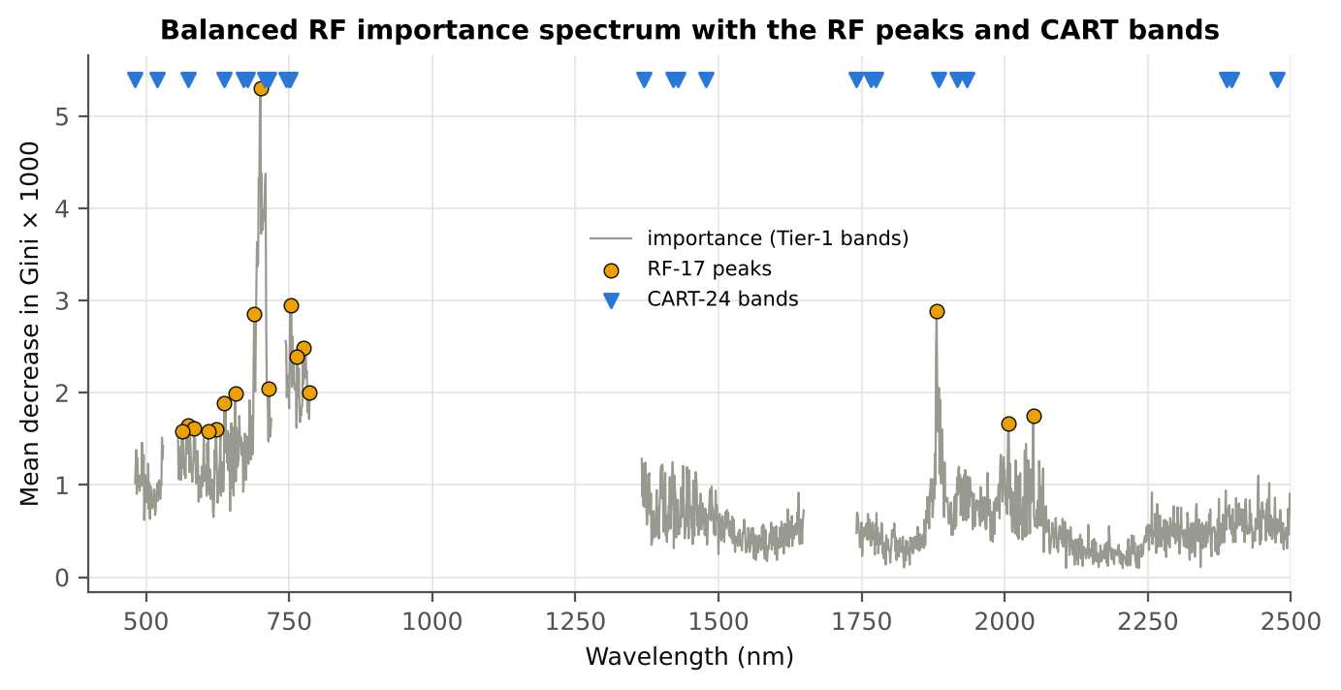
2396.00 | SWIR-2 end (2350–2500) | 650 | 0.5817 | 2050.00 | 346.00
2475.00 | SWIR-2 end (2350–2500) | 859 | 0.4625 | 2050.00 | 425.00

Figure 10. RF importance spectrum with the RF peaks (orange) and the CART bands (blue triangles)

Table 10.3 Checks of the RF importance
Check | Value | Result | Status
Reproducibility: importance of seed 42 vs seed 7 (Spearman ρ) | 0.799 | 15 of 17 peaks within ±10 nm | PASS
R randomForest (stratified sampsize 135 + 135), mean decrease in Gini | ρ = 0.795 | 14 of 17 peaks within ±10 nm; R out-of-bag BA 0.733 | PASS
Permutation importance (drop in AUC, 5 plot-grouped folds) vs Gini, top-50 bands | ρ = -0.06 | shuffling one band hardly changes the forest because its neighbours carry the same information | FLAG
Ordinary RF with class weights only (no balanced bootstrap), out-of-bag | BA 0.701 | healthy recall 0.49: class weights alone leave the forest biased | PASS

12_CART_vs_RF_Validation
CART vs RF as classifiers and as band selectors — honest validation
Same folds everywhere: leaf-level 10-fold cross-validation (optimistic); nested plot-grouped cross-validation 10-fold × 5 = 50 folds; 30 % plot hold-out validation × 10; leave-one-date-out validation on new plots leave-one-date-out on new plots.

Result in brief
CART vs RF: as classifiers RF beats CART by 9.9 points (nested plot-grouped cross-validation, RF better in 43 of 50 folds, p = 4.6e-08); as band selectors for QDA the RF bands give -3.3 points vs the CART bands (p = 0.006). RF selection is more stable than CART selection (Jaccard ±10 nm 0.55 vs 0.32).

What was done
Four pipelines on identical folds. CART classifier: the rpart tree itself predicts. RF classifier: a Balanced RF (500 trees) on the Tier-1 bands predicts. QDA on CART bands: Tier 4 of the paper. QDA on RF bands: QDA on the 17 RF importance peaks. In nested plot-grouped cross-validation, 30 % plot hold-out validation and leave-one-date-out validation on new plots, Tier 1 and band selection are repeated inside every training set. Paired Wilcoxon signed-rank tests compare pipelines over the 50 nested plot-grouped cross-validation folds and the 10 30 % plot hold-out validation splits.
Table 12.1 Validation results (mean over repeats; SD over repeats)
Pipeline | Scheme | repeats | OA | BA | BA_SD | kappa | AUC | PA_H | PA_D | UA_H | UA_D
CART classifier | leaf-level 10-fold cross-validation | 1 | 73.4% | 62.7% |  | 0.2100 | 0.6234 | 46.7% | 78.8% | 30.6% | 88.0%
CART classifier | nested plot-grouped cross-validation | 5 | 71.1% | 62.0% | 1.8% | 0.1875 | 0.6144 | 48.4% | 75.6% | 28.5% | 88.0%
CART classifier | 30 % plot hold-out validation | 10 | 68.9% | 61.6% | 3.3% | 0.1843 | 0.6494 | 50.1% | 73.1% | 29.7% | 86.9%
CART classifier | leave-one-date-out validation on new plots | 10 | 63.4% | 52.4% | 4.3% | 0.0369 | 0.5285 | 35.4% | 69.5% | 20.3% | 83.1%
RF classifier | leaf-level 10-fold cross-validation | 1 | 78.8% | 74.3% |  | 0.3896 | 0.8012 | 67.4% | 81.1% | 41.7% | 92.5%
RF classifier | nested plot-grouped cross-validation | 5 | 77.2% | 72.2% | 1.5% | 0.3512 | 0.7810 | 64.6% | 79.7% | 39.0% | 91.8%
RF classifier | 30 % plot hold-out validation | 10 | 73.8% | 69.8% | 3.4% | 0.3120 | 0.7533 | 63.5% | 76.1% | 37.5% | 90.4%
RF classifier | leave-one-date-out validation on new plots | 10 | 67.1% | 55.6% | 2.9% | 0.0939 | 0.5791 | 37.5% | 73.7% | 24.3% | 84.3%
QDA on CART features | leaf-level 10-fold cross-validation | 1 | 75.6% | 78.9% |  | 0.3971 | 0.8730 | 83.7% | 74.0% | 39.2% | 95.8%
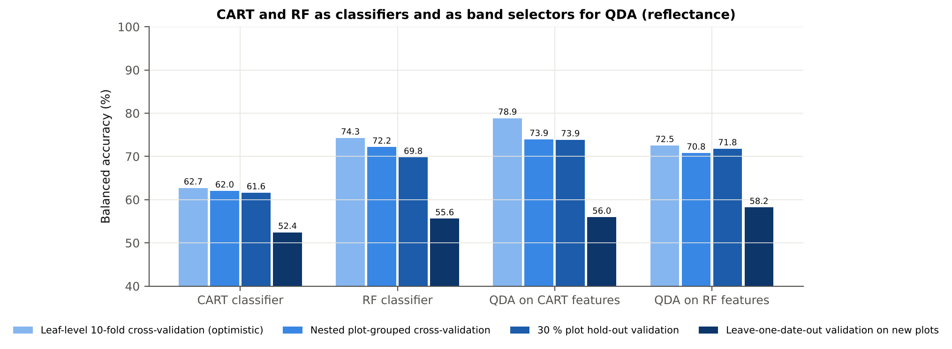
QDA on CART features | nested plot-grouped cross-validation | 5 | 68.2% | 73.9% | 1.5% | 0.2964 | 0.8291 | 82.5% | 65.4% | 32.4% | 94.9%
QDA on CART features | 30 % plot hold-out validation | 10 | 70.9% | 73.9% | 4.3% | 0.3309 | 0.8178 | 78.5% | 69.2% | 36.5% | 93.6%
QDA on CART features | leave-one-date-out validation on new plots | 10 | 65.6% | 56.0% | 3.4% | 0.0939 | 0.5732 | 40.7% | 71.2% | 24.0% | 84.6%
QDA on RF features | leaf-level 10-fold cross-validation | 1 | 61.6% | 72.5% |  | 0.2463 | 0.7920 | 88.9% | 56.2% | 28.9% | 96.2%
QDA on RF features | nested plot-grouped cross-validation | 5 | 61.9% | 70.8% | 0.9% | 0.2331 | 0.7913 | 84.1% | 57.4% | 28.4% | 94.8%
QDA on RF features | 30 % plot hold-out validation | 10 | 64.6% | 71.8% | 2.5% | 0.2680 | 0.8063 | 83.0% | 60.5% | 31.8% | 94.2%
QDA on RF features | leave-one-date-out validation on new plots | 10 | 66.9% | 58.2% | 3.1% | 0.1277 | 0.5892 | 44.5% | 71.9% | 26.0% | 85.5%

Table 12.2 Paired comparisons (same folds; positive = first pipeline better)
Comparison | Units | n | Mean difference | SD | First better | Second better | Ties | Wilcoxon p
RF classifier − CART classifier | Nested plot-grouped cross-validation (folds) | 50 | 9.9% | 8.6% | 43 | 6 | 1 | 4.593E-08
RF classifier − CART classifier | 30 % plot hold-out validation (splits) | 10 | 8.2% | 3.7% | 10 | 0 | 0 | 0.0020
QDA on RF features − QDA on CART features | Nested plot-grouped cross-validation (folds) | 50 | -3.3% | 7.2% | 17 | 33 | 0 | 0.0055
QDA on RF features − QDA on CART features | 30 % plot hold-out validation (splits) | 10 | -2.1% | 4.2% | 4 | 6 | 0 | 0.1602
QDA on CART features − CART classifier | Nested plot-grouped cross-validation (folds) | 50 | 11.4% | 12.0% | 41 | 9 | 0 | 6.165E-07
QDA on CART features − CART classifier | 30 % plot hold-out validation (splits) | 10 | 12.3% | 4.1% | 10 | 0 | 0 | 0.0020
QDA on RF features − RF classifier | Nested plot-grouped cross-validation (folds) | 50 | -1.7% | 6.6% | 19 | 30 | 1 | 0.1207
QDA on RF features − RF classifier | 30 % plot hold-out validation (splits) | 10 | 2.0% | 3.4% | 8 | 2 | 0 | 0.1602

Error matrix — CART classifier, 30 % plot hold-out validation (10 splits pooled)
Classified \ Reference | Healthy | Diseased | Row total | User's accuracy (%)
Healthy | 227 | 557 | 784 | 28.95
Diseased | 226 | 1502 | 1728 | 86.92
Column total | 453 | 2059 | 2512
Producer's accuracy (%) | 50.11 | 72.95
Overall accuracy (%) | 68.83
Balanced accuracy (%) | 61.53
Cohen's κ | 0.179
F1 healthy | 0.367
F1 diseased | 0.793

Error matrix — RF classifier, 30 % plot hold-out validation (10 splits pooled)
Classified \ Reference | Healthy | Diseased | Row total | User's accuracy (%)
Healthy | 287 | 494 | 781 | 36.75
Diseased | 166 | 1565 | 1731 | 90.41
Column total | 453 | 2059 | 2512
Producer's accuracy (%) | 63.36 | 76.01
Overall accuracy (%) | 73.73
Balanced accuracy (%) | 69.68
Cohen's κ | 0.307
F1 healthy | 0.465
F1 diseased | 0.826

Error matrix — QDA on CART features, 30 % plot hold-out validation (10 splits pooled)
Classified \ Reference | Healthy | Diseased | Row total | User's accuracy (%)
Healthy | 356 | 633 | 989 | 36.00
Diseased | 97 | 1426 | 1523 | 93.63
Column total | 453 | 2059 | 2512
Producer's accuracy (%) | 78.59 | 69.26
Overall accuracy (%) | 70.94
Balanced accuracy (%) | 73.92
Cohen's κ | 0.327
F1 healthy | 0.494
F1 diseased | 0.796

Error matrix — QDA on RF features, 30 % plot hold-out validation (10 splits pooled)
Classified \ Reference | Healthy | Diseased | Row total | User's accuracy (%)
Healthy | 376 | 814 | 1190 | 31.60
Diseased | 77 | 1245 | 1322 | 94.18
Column total | 453 | 2059 | 2512
Producer's accuracy (%) | 83.00 | 60.47
Overall accuracy (%) | 64.53
Balanced accuracy (%) | 71.73
Cohen's κ | 0.266
F1 healthy | 0.458
F1 diseased | 0.736

13_Band_Stability
Stability of the CART and RF band sets
Re-selection in the 50 nested training sets of nested plot-grouped cross-validation (a band counts if a band within ± 10 nm is selected).

Result in brief
Mean pairwise Jaccard (±10 nm): RF 0.55, CART 0.32 over 50 nested training sets.
Table 13.1 The CART-24 bands
Feature | Type | Re-selected by CART (±10 nm) | Re-selected by RF (±10 nm)
WV1884 | Raw reflectance | 90.0% | 100.0%
WV708 | Raw reflectance | 100.0% | 100.0%
WV752 | Raw reflectance | 38.0% | 44.0%
WV1478 | Raw reflectance | 44.0% | 4.0%
WV1775 | Raw reflectance | 8.0% | 0.0%
WV715 | Raw reflectance | 66.0% | 96.0%
WV1766 | Raw reflectance | 16.0% | 0.0%
WV677 | Raw reflectance | 48.0% | 98.0%
WV2387 | Raw reflectance | 14.0% | 0.0%
WV1741 | Raw reflectance | 14.0% | 0.0%
WV670 | Raw reflectance | 48.0% | 96.0%
WV481 | Raw reflectance | 28.0% | 26.0%
WV1369 | Raw reflectance | 46.0% | 38.0%
WV520 | Raw reflectance | 72.0% | 34.0%
WV750 | Raw reflectance | 38.0% | 42.0%
WV573 | Raw reflectance | 48.0% | 82.0%
WV1420 | Raw reflectance | 20.0% | 12.0%
WV1917 | Raw reflectance | 28.0% | 6.0%
WV2475 | Raw reflectance | 8.0% | 0.0%
WV744 | Raw reflectance | 32.0% | 38.0%
WV2396 | Raw reflectance | 14.0% | 0.0%
WV636 | Raw reflectance | 22.0% | 90.0%
WV1933 | Raw reflectance | 28.0% | 8.0%
WV1429 | Raw reflectance | 22.0% | 12.0%

Table 13.2 The RF-17 bands
Feature | Type | Re-selected by CART (±10 nm) | Re-selected by RF (±10 nm)
WV700 | Raw reflectance | 100.0% | 100.0%
WV753 | Raw reflectance | 38.0% | 44.0%
WV1881 | Raw reflectance | 90.0% | 100.0%
WV689 | Raw reflectance | 78.0% | 100.0%
WV776 | Raw reflectance | 0.0% | 36.0%
WV764 | Raw reflectance | 16.0% | 46.0%
WV715 | Raw reflectance | 66.0% | 96.0%
WV786 | Raw reflectance | 2.0% | 30.0%
WV656 | Raw reflectance | 38.0% | 94.0%
WV637 | Raw reflectance | 24.0% | 92.0%
WV2050 | Raw reflectance | 16.0% | 54.0%
WV2007 | Raw reflectance | 10.0% | 58.0%
WV573 | Raw reflectance | 48.0% | 82.0%
WV584 | Raw reflectance | 40.0% | 84.0%
WV622 | Raw reflectance | 10.0% | 62.0%
WV609 | Raw reflectance | 22.0% | 62.0%
WV563 | Raw reflectance | 50.0% | 78.0%

Table 13.3 Stability index
Method | Training sets | Mean features | Range | Unique features (union) | Selected in all sets (exact) | Stability index (exact) = all / union | Selected in all sets (±10 nm) | Stability index (±10 nm) | Mean pairwise Jaccard (±10 nm) | SD Jaccard
CART | 50 | 18.02 | 14–22 | 414 | 0 | 0.0000 | 11 | 0.0266 | 0.3192 | 0.1035
RF | 50 | 17.00 | 17–17 | 349 | 0 | 0.0000 | 28 | 0.0802 | 0.5539 | 0.1177
Stability index (exact) = bands selected in all 50 training sets ÷ all bands ever selected; the ±10 nm version counts a band as re-selected when a band within 10 nm is chosen; the mean pairwise Jaccard index (±10 nm) compares every pair of training sets.
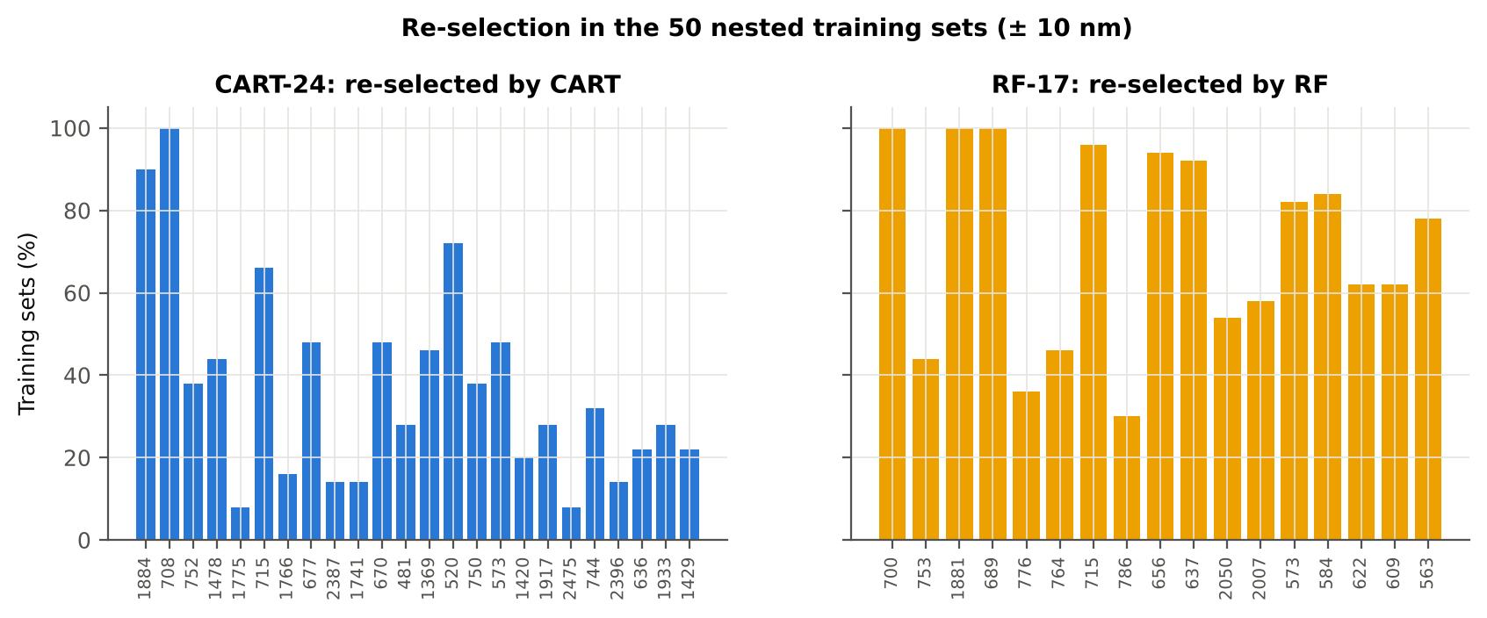

Table 13.4 Bands most often selected by CART (exact band)
Feature | Type | Times selected (exact) | Share of training sets
WV698 | Raw reflectance | 19 | 38.0%
WV1883 | Raw reflectance | 15 | 30.0%
WV708 | Raw reflectance | 14 | 28.0%
WV677 | Raw reflectance | 12 | 24.0%
WV1875 | Raw reflectance | 12 | 24.0%
WV707 | Raw reflectance | 11 | 22.0%
WV699 | Raw reflectance | 11 | 22.0%
WV1884 | Raw reflectance | 10 | 20.0%
WV697 | Raw reflectance | 10 | 20.0%
WV752 | Raw reflectance | 9 | 18.0%
WV704 | Raw reflectance | 9 | 18.0%
WV702 | Raw reflectance | 9 | 18.0%
WV527 | Raw reflectance | 9 | 18.0%
WV526 | Raw reflectance | 8 | 16.0%
WV2274 | Raw reflectance | 8 | 16.0%
WV1474 | Raw reflectance | 7 | 14.0%
WV1399 | Raw reflectance | 7 | 14.0%
WV715 | Raw reflectance | 7 | 14.0%
WV1890 | Raw reflectance | 7 | 14.0%
WV562 | Raw reflectance | 7 | 14.0%
WV577 | Raw reflectance | 7 | 14.0%
WV1401 | Raw reflectance | 6 | 12.0%
WV1889 | Raw reflectance | 6 | 12.0%
WV670 | Raw reflectance | 6 | 12.0%
WV516 | Raw reflectance | 6 | 12.0%
WV701 | Raw reflectance | 6 | 12.0%
WV517 | Raw reflectance | 6 | 12.0%
WV706 | Raw reflectance | 5 | 10.0%
WV2344 | Raw reflectance | 5 | 10.0%
WV641 | Raw reflectance | 5 | 10.0%

Table 13.5 Bands most often selected by RF (exact band)
Feature | Type | Times selected (exact) | Share of training sets
WV1883 | Raw reflectance | 14 | 28.0%
WV1884 | Raw reflectance | 9 | 18.0%
WV578 | Raw reflectance | 8 | 16.0%
WV706 | Raw reflectance | 7 | 14.0%
WV694 | Raw reflectance | 7 | 14.0%
WV579 | Raw reflectance | 7 | 14.0%
WV662 | Raw reflectance | 7 | 14.0%
WV698 | Raw reflectance | 7 | 14.0%
WV687 | Raw reflectance | 7 | 14.0%
WV654 | Raw reflectance | 7 | 14.0%
WV696 | Raw reflectance | 6 | 12.0%
WV684 | Raw reflectance | 6 | 12.0%
WV2045 | Raw reflectance | 6 | 12.0%
WV2040 | Raw reflectance | 6 | 12.0%
WV716 | Raw reflectance | 6 | 12.0%
WV651 | Raw reflectance | 6 | 12.0%
WV592 | Raw reflectance | 6 | 12.0%
WV674 | Raw reflectance | 6 | 12.0%
WV1881 | Raw reflectance | 6 | 12.0%
WV638 | Raw reflectance | 6 | 12.0%
WV607 | Raw reflectance | 6 | 12.0%
WV699 | Raw reflectance | 6 | 12.0%
WV1882 | Raw reflectance | 6 | 12.0%
WV677 | Raw reflectance | 6 | 12.0%
WV717 | Raw reflectance | 6 | 12.0%
WV704 | Raw reflectance | 5 | 10.0%
WV639 | Raw reflectance | 5 | 10.0%
WV707 | Raw reflectance | 5 | 10.0%
WV705 | Raw reflectance | 5 | 10.0%
WV703 | Raw reflectance | 5 | 10.0%

14_Smoothing_Detector_Joins
Spectral smoothing / denoising and detector joins
Splice correction, Savitzky–Golay smoothing and derivatives; guard zones at the detector joins.

What was done
1. Splice correction: the ASD records 350–1000 nm (VNIR), 1001–1800 nm (SWIR-1) and 1801–2500 nm (SWIR-2) with three detectors. For each join a straight line was fitted to the 10 nm before the join and the next detector was shifted so that it continues this line at join + 1 nm. 2. Smoothing: Savitzky–Golay filter (window 11, order 2); first derivative SG(15, 2), second derivative SG(21, 2). 3. Guard zones: bands next to the joins are excluded from feature ranking (reflectance 990–1010 and 1795–1835 nm; first derivative 988–1012 and 1793–1837 nm; second derivative 985–1015 and 1790–1840 nm) because the filter windows straddle the join and a date-dependent start-up bump follows 1801 nm.
Table 14.1 Splice offsets added to the following detector (reflectance)
Join | Offset Healthy (mean) | SD (neg) | Offset Diseased (mean) | SD (pos)
1000/1001 nm | 0.0020 | 6.176E-04 | 0.0021 | 6.298E-04
1800/1801 nm | -2.667E-05 | 2.192E-04 | -1.221E-04 | 2.493E-04

Table 14.2 Spectral slope just before and just after the 1800/1801 nm join (reflectance × 10⁵ per nm)
Date | Slope 1786-1800 Healthy | Slope 1786-1800 Diseased | Slope 1801-1815 Healthy | Slope 1801-1815 Diseased
11-02-2026 | -9.0135 | -8.6179 | 13.33 | 18.42
24-02-2026 | -12.52 | -8.2599 | 21.72 | 19.38
03-03-2026 | -12.37 | -13.88 | 5.9737 | 10.51
13-03-2026 | -9.4878 | -9.4957 | -0.8289 | 3.4585
A healthy spectrum falls smoothly across the join; a slope that turns upward right after the join, or a class difference that changes with the date, marks the start-up artefact.

Table 14.3 Noise removed by the Savitzky–Golay filter
Range (nm) | Noise (SD raw - smoothed)
350-399 | 0.0065
400-499 | 7.669E-04
500-599 | 6.971E-05
600-679 | 2.994E-05
680-759 | 3.961E-05
760-1349 | 3.023E-05
1350-1430 | 1.705E-05
1431-1799 | 1.092E-05
1800-1950 | 1.425E-05
1951-2349 | 1.726E-05
2350-2500 | 7.992E-05

Table 14.4 Smoothing preserves the signal
Check of the smoothing | Value
Correlation of class-mean spectra, raw vs smoothed — healthy | 0.999989
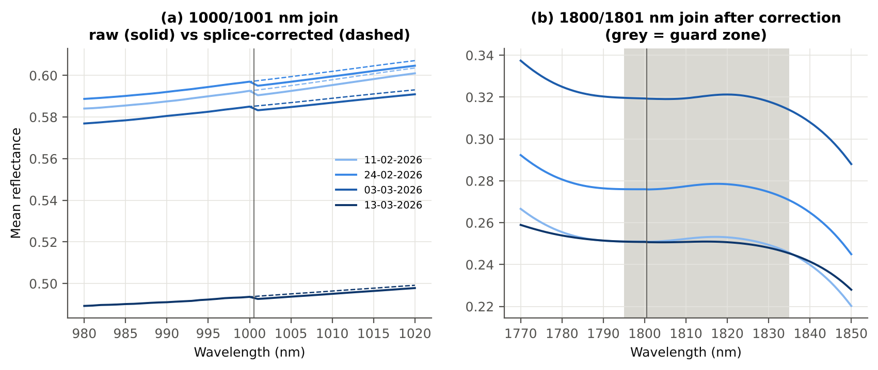
Correlation of class-mean spectra, raw vs smoothed — diseased | 0.999987
Largest change of the all-leaf mean spectrum (reflectance) | 0.002127
Tier-1 significant bands: raw vs smoothed | 1301 vs 1306

Cross-checks for this step
Step | What was checked | Method | Result | Status
Smoothing and detector-join correction | Smoothing preserves the signal | class-mean spectra raw vs smoothed; Tier-1 counts | r ≥ 0.999987; 1301 (raw) vs 1306 (smoothed) significant bands | PASS
Smoothing and detector-join correction | Detector artefact at the 1800/1801 nm join | slope just before vs just after the join, by date and class | start-up bump detected → guard zones applied | FLAG

15_Band_Reflectance
Band reflectance — which single bands are disease-sensitive
Splice-corrected, smoothed reflectance at every band 400–2500 nm (guard zones excluded from the ranking).

Result in brief
1306 of 2101 smoothed bands significant; 2 bands with AUC ≥ 0.70; best band 694 nm (AUC 0.70).

What was done
For every band: Welch's t-test with BH-FDR, Hedges' g (standardised mean difference, bias-corrected), the area under the ROC curve (AUC, direction-free: 0.5 = no separation, 1 = perfect) and a threshold classifier (Youden's J; the threshold and its direction are chosen on training plots and applied to test plots: plot-grouped cross-validation (nested plot-grouped cross-validation) and hold-out (30 % plot hold-out validation)).
Table 15.1 Band-reflectance sensitivity
Summary | Value
Bands tested | 2101
Significant (Welch + FDR), smoothed spectra | 1306
Significant, raw spectra (Tier 1) | 1301
Bands with AUC ≥ 0.70 (outside guard zones) | 2
Highest AUC (outside guard zones) | 0.701 at 694 nm

Table 15.2 Most sensitive band in each spectral region (band reflectance features)
Wavelength (nm) | Region | AUC | Direction | Hedges g | Welch t | q (BH) | Mean healthy | Mean diseased | BA plot-grouped cross-validation | BA hold-out
499.00 | 400–499 | 0.5786 | D > H | 0.2601 | 3.0093 | 0.0057 | 0.1479 | 0.1573 | 59.3% | 57.8%
599.00 | 500–599 | 0.6340 | D > H | 0.4588 | 6.5471 | 1.062E-09 | 0.1570 | 0.1727 | 58.2% | 58.0%
635.00 | 600–679 | 0.6760 | D > H | 0.5585 | 8.2842 | 7.205E-14 | 0.1257 | 0.1430 | 60.1% | 60.9%
694.00 | 680–759 | 0.7009 | D > H | 0.6197 | 9.3716 | 6.907E-16 | 0.1376 | 0.1596 | 64.7% | 64.0%
762.00 | 760–1349 | 0.6027 | D < H | -0.2511 | -2.3827 | 0.0315 | 0.5952 | 0.5791 | 60.4% | 59.0%
1419.00 | 1350–1430 | 0.6477 | D > H | 0.4870 | 6.9362 | 1.644E-10 | 0.1222 | 0.1380 | 60.6% | 61.1%
1431.00 | 1431–1799 | 0.6473 | D > H | 0.4880 | 7.0633 | 8.397E-11 | 0.1140 | 0.1295 | 60.0% | 61.4%
1889.00 | 1800–1950 | 0.6834 | D > H | 0.5378 | 8.8580 | 4.736E-15 | 0.0777 | 0.0921 | 61.5% | 63.3%
2018.00 | 1951–2349 | 0.6768 | D > H | 0.5323 | 8.7148 | 5.506E-15 | 0.0765 | 0.0909 | 63.0% | 62.9%
2500.00 | 2350–2500 | 0.6373 | D > H | 0.4608 | 6.7738 | 3.191E-10 | 0.0730 | 0.0857 | 59.5% | 58.2%

Table 15.3 Fifteen most sensitive bands overall
Wavelength (nm) | Mean healthy | Mean diseased | Welch t | q (BH) | Hedges g | AUC | Direction
694.00 | 0.1376 | 0.1596 | 9.3716 | 6.907E-16 | 0.6197 | 0.7009 | D > H
693.00 | 0.1307 | 0.1518 | 9.2946 | 8.173E-16 | 0.6149 | 0.7003 | D > H
695.00 | 0.1453 | 0.1682 | 9.4085 | 6.907E-16 | 0.6225 | 0.6998 | D > H
692.00 | 0.1247 | 0.1447 | 9.1764 | 1.405E-15 | 0.6083 | 0.6991 | D > H
696.00 | 0.1539 | 0.1775 | 9.4070 | 6.907E-16 | 0.6235 | 0.6988 | D > H
691.00 | 0.1196 | 0.1386 | 9.0181 | 3.694E-15 | 0.5999 | 0.6975 | D > H
697.00 | 0.1632 | 0.1875 | 9.3689 | 6.907E-16 | 0.6226 | 0.6968 | D > H
698.00 | 0.1732 | 0.1980 | 9.2961 | 8.173E-16 | 0.6199 | 0.6946 | D > H
690.00 | 0.1153 | 0.1332 | 8.8251 | 5.506E-15 | 0.5899 | 0.6938 | D > H
699.00 | 0.1838 | 0.2089 | 9.1905 | 1.405E-15 | 0.6154 | 0.6919 | D > H
689.00 | 0.1117 | 0.1286 | 8.6050 | 1.164E-14 | 0.5788 | 0.6905 | D > H
700.00 | 0.1949 | 0.2202 | 9.0536 | 3.507E-15 | 0.6093 | 0.6890 | D > H
688.00 | 0.1089 | 0.1248 | 8.3674 | 4.538E-14 | 0.5669 | 0.6859 | D > H
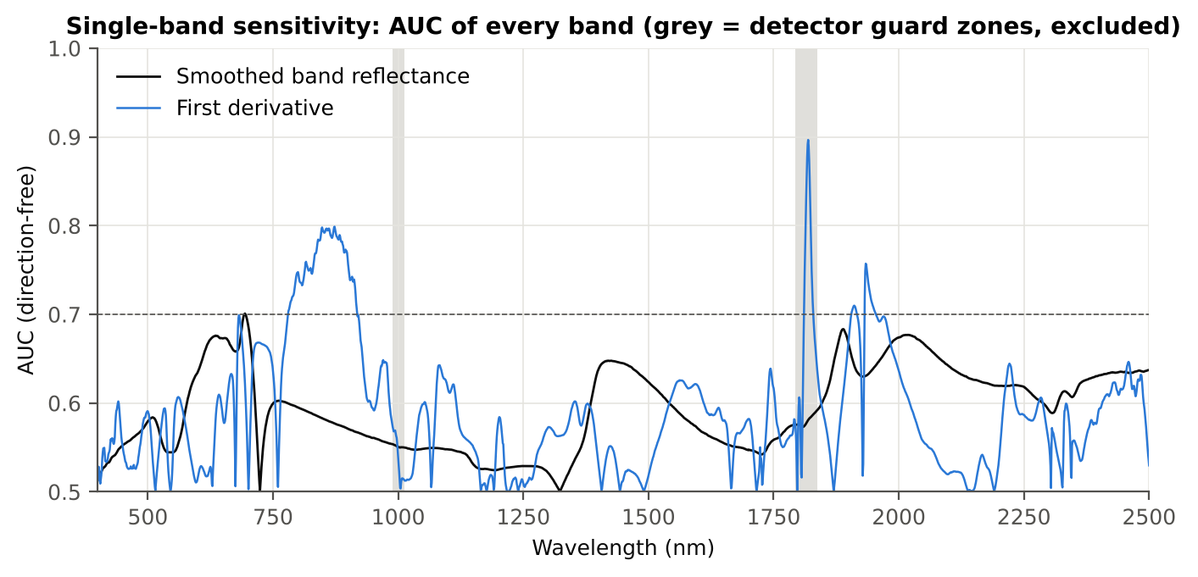
701.00 | 0.2063 | 0.2316 | 8.8872 | 5.506E-15 | 0.6017 | 0.6859 | D > H
1889.00 | 0.0777 | 0.0921 | 8.8580 | 4.736E-15 | 0.5378 | 0.6834 | D > H

Figure 15. AUC of every band: reflectance (band reflectance, black) and first derivative (derivative and edge features, blue)

16_Continuum_Removal
Continuum-removed absorption parameters
Six absorption features; continuum = upper convex hull of each window (Clark & Roush 1984; Kokaly & Clark 1999).

Result in brief
Most sensitive continuum-removed parameter: CR3 water 970 width (AUC 0.75, BA plot-grouped cross-validation 68.7 %).

What was done
Within each window the reflectance was divided by its upper convex hull (continuum). From the continuum-removed curve: depth (1 − minimum), position (wavelength of the minimum), area (sum of 1 − CR, nm), width (full width at half depth, nm) and symmetry (share of the area left of the position). Statistics as in band reflectance, plus a linear mixed model (q) and the plot intraclass correlation (ICC).
Table 16.1 Absorption windows
Feature | From (nm) | To (nm) | Absorber
CR1 blue | 400 | 548 | chlorophyll / carotenoid (≈ 495 nm)
CR2 red | 548 | 765 | chlorophyll a/b, red well (≈ 675 nm)
CR3 water 970 | 914 | 1069 | leaf water (≈ 970 nm)
CR4 water 1200 | 1069 | 1258 | leaf water (≈ 1160–1200 nm)
CR5 water 1450 | 1258 | 1721 | leaf water (≈ 1450 nm)
CR6 water 1940 | 1721 | 2304 | leaf water (≈ 1940 nm)

Table 16.2 All 30 continuum-removed parameters, ranked by AUC
Feature | Mean healthy | Mean diseased | Welch t | q (BH) | Hedges g | AUC | Direction | Threshold | Rule | BA all leaves | BA plot-grouped cross-validation | BA hold-out | Mixed-model q | ICC plot
CR3 water 970 width | 64.18 | 61.19 | -14.42 | 1.046E-38 | -0.7893 | 0.7502 | D < H | 62.50 | diseased if < thr | 70.4% | 68.7% | 69.3% | 6.536E-07 | 0.0538
CR6 water 1940 position | 1911.36 | 1915.98 | 7.1234 | 2.278E-10 | 0.8056 | 0.6862 | D > H | 1907.50 | diseased if > thr | 68.1% | 67.8% | 67.2% | 3.796E-07 | 0.0458
CR2 red area | 95.06 | 88.49 | -7.1801 | 1.371E-10 | -0.5698 | 0.6762 | D < H | 93.87 | diseased if < thr | 64.5% | 62.8% | 62.1% | 1.917E-06 | 3.466E-04
CR6 water 1940 symmetry | 0.2362 | 0.2491 | 5.5393 | 4.883E-07 | 0.6070 | 0.6753 | D > H | 0.2263 | diseased if > thr | 69.0% | 67.6% | 67.9% | 6.536E-07 | 3.427E-04
CR2 red width | 130.07 | 125.37 | -6.9818 | 2.278E-10 | -0.5143 | 0.6709 | D < H | 128.50 | diseased if < thr | 64.7% | 64.5% | 62.8% | 1.552E-05 | 0.0033
CR2 red depth | 0.7889 | 0.7601 | -5.9984 | 4.217E-08 | -0.4593 | 0.6483 | D < H | 0.7904 | diseased if < thr | 61.8% | 57.5% | 59.2% | 1.767E-04 | 0.0137
CR3 water 970 area | 3.1314 | 2.7859 | -4.7727 | 1.079E-05 | -0.3847 | 0.6324 | D < H | 2.3121 | diseased if < thr | 63.9% | 62.0% | 60.9% | 0.0067 | 0.0624
CR1 blue symmetry | 0.6854 | 0.6781 | -4.9408 | 6.401E-06 | -0.4722 | 0.6283 | D < H | 0.6781 | diseased if < thr | 61.0% | 58.8% | 57.7% | 1.767E-04 | 0.0190
CR1 blue position | 495.85 | 494.81 | -4.5059 | 3.417E-05 | -0.4178 | 0.6257 | D < H | 495.50 | diseased if < thr | 61.6% | 61.6% | 60.5% | 0.0029 | 0.0474
CR5 water 1450 depth | 0.7521 | 0.7225 | -5.8062 | 9.399E-08 | -0.4344 | 0.6186 | D < H | 0.7460 | diseased if < thr | 59.9% | 57.4% | 58.7% | 6.807E-04 | 0.0253
CR1 blue area | 30.26 | 28.30 | -4.0383 | 1.916E-04 | -0.3638 | 0.6113 | D < H | 31.07 | diseased if < thr | 60.5% | 58.0% | 59.1% | 0.0040 | 0.0323
CR1 blue depth | 0.3912 | 0.3688 | -3.9899 | 2.130E-04 | -0.3553 | 0.6065 | D < H | 0.4120 | diseased if < thr | 60.1% | 57.4% | 58.7% | 0.0039 | 0.0213
CR6 water 1940 depth | 0.7816 | 0.7636 | -3.8900 | 2.873E-04 | -0.3326 | 0.5988 | D < H | 0.8043 | diseased if < thr | 59.4% | 57.3% | 57.7% | 0.0029 | 2.934E-04
CR3 water 970 depth | 0.0464 | 0.0429 | -3.4676 | 0.0011 | -0.2881 | 0.5985 | D < H | 0.0352 | diseased if < thr | 60.7% | 57.3% | 59.0% | 0.0421 | 0.0636
CR6 water 1940 area | 229.49 | 221.61 | -2.4636 | 0.0230 | -0.2136 | 0.5907 | D < H | 243.24 | diseased if < thr | 58.9% | 56.0% | 56.4% | 0.0468 | 6.011E-06
CR3 water 970 symmetry | 0.3794 | 0.3861 | 4.1372 | 1.435E-04 | 0.3901 | 0.5900 | D > H | 0.3700 | diseased if > thr | 58.2% | 57.2% | 55.2% | 0.0040 | 0.0497
CR5 water 1450 area | 149.12 | 142.84 | -3.5518 | 9.087E-04 | -0.2919 | 0.5782 | D < H | 143.55 | diseased if < thr | 57.1% | 53.9% | 54.8% | 0.0104 | 0.0104
CR4 water 1200 depth | 0.0793 | 0.0755 | -2.4761 | 0.0230 | -0.2106 | 0.5715 | D < H | 0.0681 | diseased if < thr | 58.0% | 56.4% | 56.6% | 0.1539 | 0.0775
CR3 water 970 position | 971.43 | 970.87 | -3.5377 | 9.087E-04 | -0.2767 | 0.5691 | D < H | 968.50 | diseased if < thr | 56.5% | 53.4% | 55.6% | 0.0190 | 0.0153
CR4 water 1200 area | 5.7491 | 5.4565 | -2.3932 | 0.0264 | -0.2053 | 0.5691 | D < H | 4.5432 | diseased if < thr | 57.6% | 54.6% | 54.8% | 0.1684 | 0.0838
CR5 water 1450 symmetry | 0.3433 | 0.3417 | -2.3534 | 0.0279 | -0.2034 | 0.5687 | D < H | 0.3420 | diseased if < thr | 56.9% | 56.5% | 54.7% | 0.0928 | 0.0221
CR2 red symmetry | 0.7236 | 0.7271 | 2.2028 | 0.0376 | 0.2151 | 0.5556 | D > H | 0.7301 | diseased if > thr | 55.6% | 52.0% | 53.6% | 0.1481 | 0.0954
CR6 water 1940 width | 266.04 | 262.38 | -1.3815 | 0.2108 | -0.1192 | 0.5398 | D < H | 230.50 | diseased if < thr | 54.6% | 52.0% | 53.4% | 0.2769 | 1.471E-05
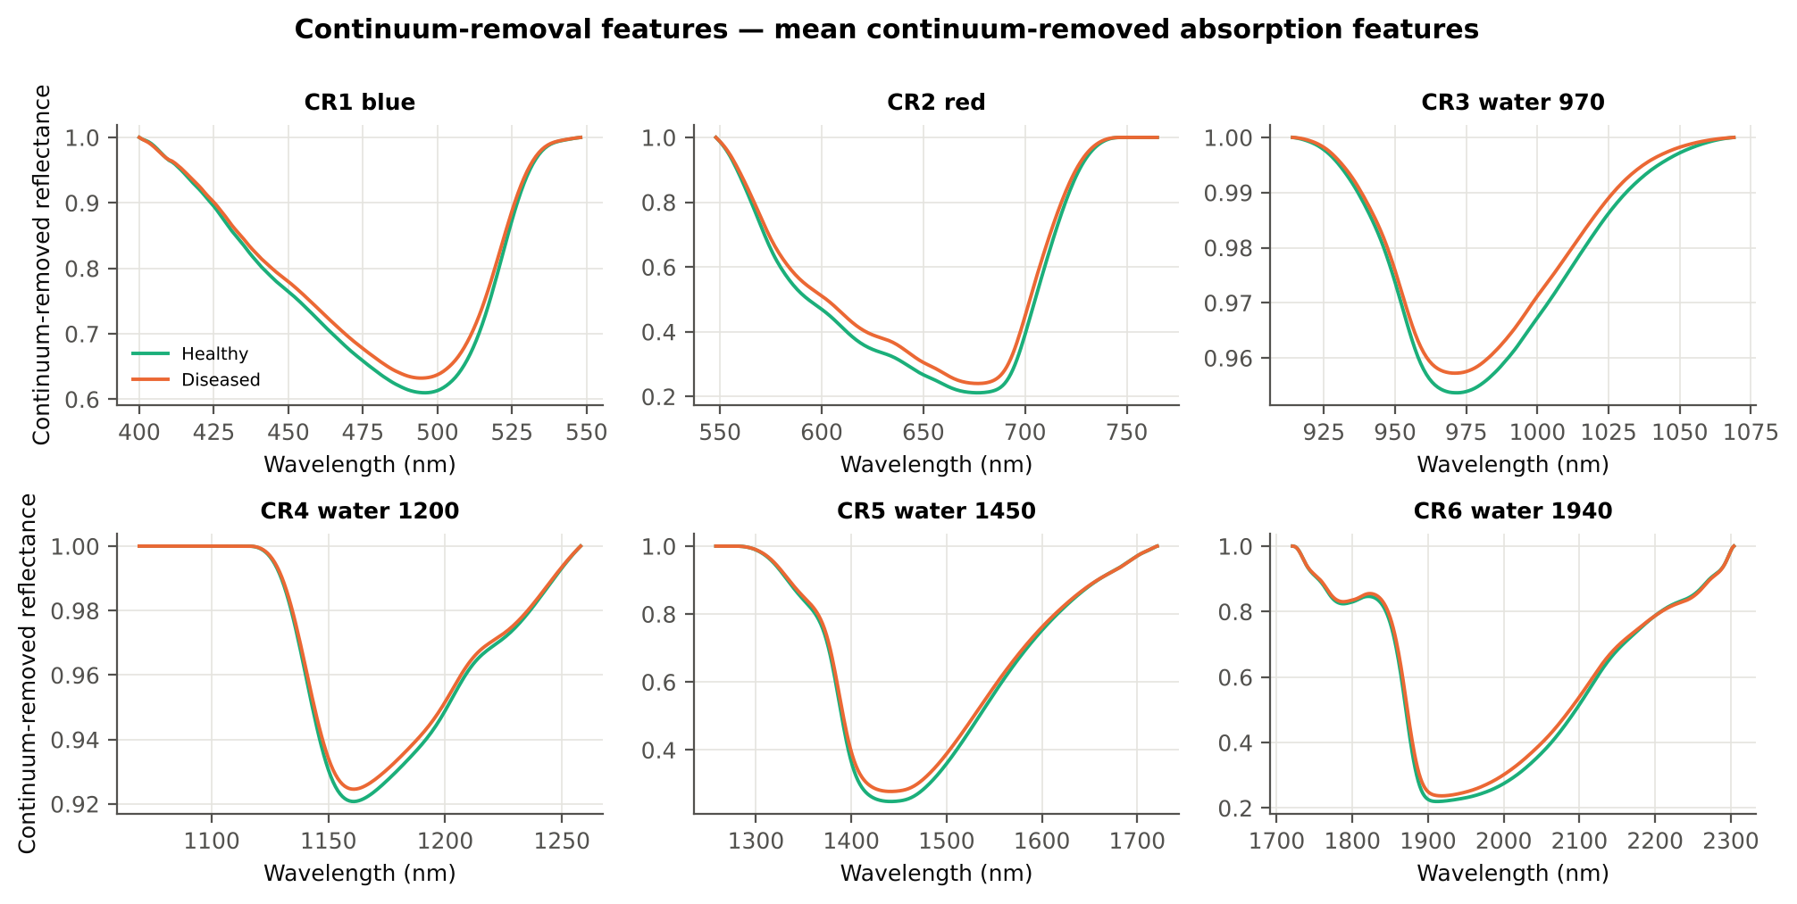
CR1 blue width | 79.80 | 78.98 | -2.2241 | 0.0368 | -0.1665 | 0.5374 | D < H | 76.50 | diseased if < thr | 55.9% | 55.9% | 54.4% | 0.2878 | 0.1416
CR4 water 1200 position | 1160.80 | 1160.90 | 1.2764 | 0.2436 | 0.0997 | 0.5345 | D > H | 1160.50 | diseased if > thr | 53.2% | 50.0% | 51.6% | 0.3549 | 1.121E-05
CR5 water 1450 width | 181.89 | 180.73 | -1.0037 | 0.3654 | -0.0883 | 0.5244 | D < H | 176.50 | diseased if < thr | 53.8% | 49.0% | 49.5% | 0.4409 | 0.0132
CR4 water 1200 symmetry | 0.2957 | 0.2967 | 0.8625 | 0.4328 | 0.0805 | 0.5155 | D > H | 0.2913 | diseased if > thr | 52.9% | 48.7% | 49.6% | 0.4426 | 3.477E-04
CR5 water 1450 position | 1441.61 | 1441.54 | -0.2686 | 0.7885 | -0.0250 | 0.5127 | D < H | 1444.50 | diseased if < thr | 52.1% | 47.8% | 45.6% | 0.8207 | 0.0043
CR4 water 1200 width | 69.24 | 68.91 | -0.4849 | 0.6732 | -0.0430 | 0.5098 | D < H | 61.50 | diseased if < thr | 54.2% | 52.9% | 52.9% | 0.6967 | 7.062E-06
CR2 red position | 676.88 | 676.81 | -0.3053 | 0.7867 | -0.0325 | 0.5074 | D < H | 678.50 | diseased if < thr | 54.2% | 46.3% | 50.1% | 0.8797 | 0.0837

Cross-checks for this step
Step | What was checked | Method | Result | Status
Continuum-removal features | Convex hull | monotone-chain upper hull vs SciPy ConvexHull, 20 leaves × 6 windows | max |Δ continuum| = 0.0e+00 | PASS

17_Vegetation_Indices
Disease-sensitive spectral (vegetation) indices — the 31 indices of the flowering-stage workbook
Computed from splice-corrected, smoothed reflectance at the nearest 1 nm band.

Result in brief
Most sensitive index: RARSc (AUC 0.69, BA plot-grouped cross-validation 64.1 %).
Table 17.1 The 31 indices
Index | Name | Equation (as computed) | Reference
WI | Water Index | R900 / R970 | Peñuelas et al., 1997
mCARI1 | Modified Chlorophyll Absorption in Reflectance Index 1 | 1.2[2.5(R761 − R651) − 1.3(R761 − R581)] | Haboudane et al., 2004
MTVI1 | Modified Triangular Vegetation Index 1 | 1.2[1.2(R761 − R581) − 2.5(R651 − R581)] | Haboudane et al., 2004
MTVI2 | Modified Triangular Vegetation Index 2 | 1.5[1.2(R761 − R581) − 2.5(R651 − R581)] / √[(2R761 + 1)² − (6R761 − 5√R651) − 0.5] | Haboudane et al., 2004
SR900 | Simple Ratio Index 900 | R900 / R680 | Jordan, 1969
SR850 | Simple Ratio Index 850 | R850 / R680 | Jordan, 1969
GNDVI | Green NDVI | (R850 − R580) / (R850 + R580) | Gitelson and Merzlyak, 1996
PRI | Photochemical Reflectance Index | (R531 − R570) / (R531 + R570) | Gamon et al., 1992
RARSa | Ratio Analysis of Reflectance Spectra, chlorophyll a | R675 / R700 | Chappelle et al., 1992
RARSb | Ratio Analysis of Reflectance Spectra, chlorophyll b | R675 / (R700 × R650) | Chappelle et al., 1992
RARSc | Ratio Analysis of Reflectance Spectra, carotenoids | R750 / R700 | Chappelle et al., 1992
PSSRa | Pigment Specific Simple Ratio a | R800 / R680 | Blackburn, 1998
NDVI780 | Normalized Difference Vegetation Index 780 | (R780 − R670) / (R780 + R670) | Raun et al., 2001
SIPI | Structure Insensitive Pigment Index | (R800 − R445) / (R800 − R680) | Peñuelas et al., 1995
NCPI | Normalized Chlorophyll Pigment Ratio Index | (R670 − R450) / (R670 + R450) | Peñuelas et al., 1994
NPQI | Normalized Phaeophytinization Index | (R415 − R435) / (R415 + R435) | Barnes et al., 1992
PSRI | Plant Senescence Reflectance Index | (R680 − R500) / R750 | Merzlyak et al., 1999
WI/ND | Ratio of WI and NDVI | (R900 / R970) / [(R900 − R680) / (R900 + R680)] | Peñuelas et al., 1997
TCARI | Transformed Chlorophyll Absorption in Reflectance Index | 3[(R700 − R670) − 0.2(R700 − R550)(R700 / R670)] | Haboudane et al., 2002
VIGreen | Green Vegetation Index | (R760 − R550) / (R760 + R550) | Gitelson et al., 2002
RVS1 | Red-Edge Vegetation Stress Index 1 | R651 + R750 | Merton, 1998
RVS2 | Red-Edge Vegetation Stress Index 2 | (R651 + R750) / (R651 − R750) | Merton, 1998
TVI | Triangle Vegetation Index | 0.5[120(R761 − R581) − 200(R651 − R581)] | Broge and Leblanc, 2001
RDVI | Renormalized Difference Vegetation Index | (R761 − R651) / √(R761 + R651) | Roujean and Breon, 1995
NDVI850 | Normalized Difference Vegetation Index 850 | (R850 − R651) / (R850 + R651) | Raun et al., 2001
SR761 | Simple Ratio Index 761 | R761 / R651 | Jordan, 1969
NDVI761 | Normalized Difference Vegetation Index 761 | (R761 − R651) / (R761 + R651) | Raun et al., 2001
PPR | Plant Pigment Ratio | R550 / R450 | Metternicht, 2003
NWI2 | Normalized Water Index 2 | (R970 − R850) / (R970 + R850) | Babar et al., 2006
NRI | Nitrogen Reflectance Index | (R570 − R670) / (R570 + R670) | Bausch and Duke, 1996
ARI | Anthocyanin Reflectance Index | 1/R550 − 1/R700 | Gitelson et al., 2001

Table 17.2 Sensitivity of the 31 indices to white rust, ranked by AUC
Feature | Mean healthy | Mean diseased | Welch t | q (BH) | Hedges g | AUC | Direction | Threshold | Rule | BA all leaves | BA plot-grouped cross-validation | BA hold-out | Mixed-model q | ICC plot
RARSc | 3.0714 | 2.6975 | -7.4665 | 3.845E-11 | -0.6733 | 0.6881 | D < H | 2.9768 | diseased if < thr | 66.0% | 64.1% | 62.7% | 5.372E-07 | 0.0091
NWI2 | -0.0270 | -0.0209 | 8.6379 | 1.523E-14 | 0.6245 | 0.6877 | D > H | -0.0221 | diseased if > thr | 66.5% | 64.9% | 64.6% | 3.249E-05 | 0.0694
ARI | -1.0368 | -0.5953 | 6.3270 | 4.515E-09 | 0.5217 | 0.6790 | D > H | -1.2544 | diseased if > thr | 69.2% | 69.0% | 68.1% | 1.103E-05 | 7.938E-06
NDVI761 | 0.6854 | 0.6443 | -7.1225 | 9.819E-11 | -0.5620 | 0.6732 | D < H | 0.7032 | diseased if < thr | 63.4% | 60.6% | 60.4% | 1.016E-05 | 0.0105
SR761 | 5.5537 | 4.8490 | -6.7703 | 6.758E-10 | -0.6374 | 0.6732 | D < H | 5.7379 | diseased if < thr | 63.4% | 60.6% | 60.4% | 2.812E-06 | 0.0198
RVS2 | -1.4758 | -1.5875 | -7.0294 | 9.819E-11 | -0.4366 | 0.6731 | D < H | -1.4353 | diseased if < thr | 63.4% | 61.2% | 60.5% | 1.607E-04 | 0.0124
RARSb | 4.5503 | 4.0806 | -6.9755 | 1.775E-10 | -0.5398 | 0.6713 | D < H | 3.8776 | diseased if < thr | 66.0% | 65.2% | 64.1% | 3.249E-05 | 0.0343
NDVI850 | 0.6840 | 0.6461 | -6.7873 | 4.860E-10 | -0.5418 | 0.6666 | D < H | 0.6888 | diseased if < thr | 63.2% | 61.2% | 59.5% | 1.597E-05 | 0.0150
NDVI780 | 0.7188 | 0.6841 | -6.3036 | 4.515E-09 | -0.5049 | 0.6579 | D < H | 0.7286 | diseased if < thr | 62.8% | 60.4% | 59.5% | 3.249E-05 | 0.0178
RDVI | 0.5759 | 0.5404 | -5.4919 | 2.489E-07 | -0.4981 | 0.6558 | D < H | 0.5837 | diseased if < thr | 63.4% | 61.0% | 60.6% | 1.597E-05 | 3.364E-05
PSSRa | 6.1904 | 5.4849 | -6.0217 | 2.282E-08 | -0.5764 | 0.6538 | D < H | 5.9038 | diseased if < thr | 62.1% | 58.4% | 58.1% | 1.597E-05 | 0.0317
WI | 1.0524 | 1.0443 | -6.2883 | 4.515E-09 | -0.4830 | 0.6523 | D < H | 1.0409 | diseased if < thr | 64.7% | 61.8% | 62.3% | 7.052E-04 | 0.0684
SR850 | 6.1623 | 5.4896 | -5.8328 | 5.557E-08 | -0.5586 | 0.6500 | D < H | 5.9937 | diseased if < thr | 61.9% | 57.6% | 57.7% | 2.668E-05 | 0.0332
SR900 | 6.1429 | 5.4948 | -5.6598 | 1.232E-07 | -0.5423 | 0.6462 | D < H | 5.7409 | diseased if < thr | 61.9% | 57.4% | 57.9% | 3.249E-05 | 0.0334
MTVI2 | 0.6471 | 0.6053 | -4.9366 | 3.028E-06 | -0.4413 | 0.6419 | D < H | 0.6836 | diseased if < thr | 61.9% | 58.0% | 58.1% | 6.020E-05 | 1.712E-05
GNDVI | 0.5339 | 0.5025 | -5.9988 | 2.076E-08 | -0.4722 | 0.6404 | D < H | 0.5065 | diseased if < thr | 62.3% | 60.8% | 60.8% | 1.607E-04 | 0.0306
NCPI | -0.2835 | -0.2514 | 1.9164 | 0.0704 | 0.1725 | 0.6394 | D > H | -0.3718 | diseased if > thr | 62.3% | 59.9% | 59.4% | 0.0912 | 2.339E-05
WI/ND | 1.4888 | 1.5534 | 5.1078 | 1.104E-06 | 0.3453 | 0.6296 | D > H | 1.4862 | diseased if > thr | 61.6% | 59.3% | 58.4% | 0.0034 | 0.0251
TVI | 31.81 | 29.92 | -3.9493 | 1.807E-04 | -0.3797 | 0.6274 | D < H | 32.16 | diseased if < thr | 62.2% | 59.1% | 58.1% | 4.025E-04 | 1.207E-05
MTVI1 | 0.8037 | 0.7583 | -3.7209 | 3.751E-04 | -0.3521 | 0.6201 | D < H | 0.8158 | diseased if < thr | 61.4% | 58.0% | 57.4% | 8.380E-04 | 1.102E-05
mCARI1 | 0.8037 | 0.7583 | -3.7209 | 3.751E-04 | -0.3521 | 0.6201 | D < H | 0.8158 | diseased if < thr | 61.4% | 58.0% | 57.4% | 8.380E-04 | 1.102E-05
PRI | 0.0581 | 0.0482 | -3.2173 | 0.0020 | -0.2868 | 0.6099 | D < H | 0.0655 | diseased if < thr | 60.7% | 60.0% | 57.9% | 0.0052 | 7.532E-06
VIGreen | 0.4148 | 0.3929 | -4.2923 | 4.317E-05 | -0.3210 | 0.5924 | D < H | 0.3780 | diseased if < thr | 60.1% | 59.6% | 58.0% | 0.0034 | 0.0118
NRI | 0.3641 | 0.3370 | -3.7052 | 3.751E-04 | -0.3041 | 0.5782 | D < H | 0.4319 | diseased if < thr | 55.7% | 51.8% | 52.1% | 0.0034 | 3.052E-04
NPQI | 0.0480 | 0.0446 | -0.9531 | 0.4075 | -0.0931 | 0.5588 | D < H | 0.0617 | diseased if < thr | 57.6% | 55.5% | 55.1% | 0.3911 | 1.604E-05
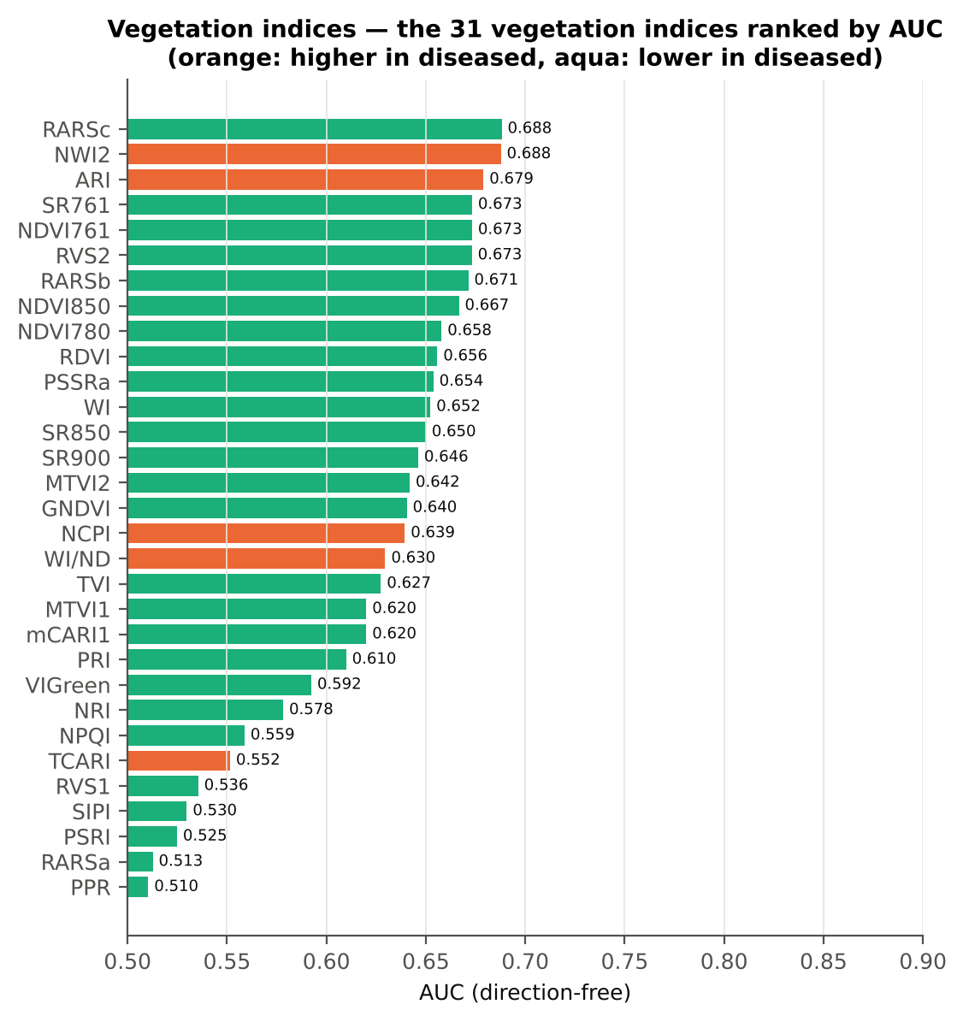
TCARI | 0.3616 | 0.3811 | 2.4282 | 0.0206 | 0.1939 | 0.5515 | D > H | 0.4146 | diseased if > thr | 57.8% | 56.4% | 55.5% | 0.0863 | 0.0204
RVS1 | 0.6993 | 0.6986 | -0.0936 | 0.9255 | -0.0096 | 0.5355 | D < H | 0.7051 | diseased if < thr | 57.1% | 55.6% | 53.7% | 0.9230 | 2.625E-05
SIPI | 0.8313 | 0.8326 | 0.1118 | 0.9255 | 0.0092 | 0.5298 | D < H | 0.7622 | diseased if < thr | 57.2% | 55.7% | 54.4% | 0.9230 | 6.148E-06
PSRI | -0.0805 | -0.0787 | 0.3935 | 0.7687 | 0.0307 | 0.5248 | D < H | -0.1036 | diseased if < thr | 57.0% | 56.7% | 54.2% | 0.8263 | 6.017E-06
RARSa | 0.4958 | 0.4939 | -0.3162 | 0.8040 | -0.0283 | 0.5127 | D < H | 0.5104 | diseased if < thr | 53.0% | 47.5% | 46.7% | 0.8820 | 0.0754
PPR | 1.4549 | 1.4242 | -0.8597 | 0.4491 | -0.0890 | 0.5104 | D < H | 2.1035 | diseased if < thr | 53.0% | 44.0% | 46.7% | 0.4142 | 0.0034

Cross-check: indices recomputed by Excel formulas for ten leaves
Table 17.3 Reflectance input (splice-corrected, smoothed)
Leaf row | R415 | R435 | R445 | R450 | R500 | R531 | R550 | R570 | R580 | R581 | R650 | R651 | R670 | R675 | R680 | R700 | R750 | R760 | R761 | R780 | R800 | R850 | R900 | R970
1.0000 | 0.2970 | 0.2578 | 0.2389 | 0.2306 | 0.1722 | 0.2619 | 0.2790 | 0.2307 | 0.1976 | 0.1952 | 0.1194 | 0.1184 | 0.1024 | 0.1023 | 0.1036 | 0.1980 | 0.6236 | 0.6295 | 0.6297 | 0.6286 | 0.6266 | 0.6223 | 0.6196 | 0.5872
90.00 | 0.3043 | 0.2599 | 0.2409 | 0.2335 | 0.1743 | 0.2550 | 0.2649 | 0.2163 | 0.1854 | 0.1833 | 0.1148 | 0.1139 | 0.1000 | 0.1001 | 0.1016 | 0.1877 | 0.6554 | 0.6636 | 0.6639 | 0.6634 | 0.6613 | 0.6576 | 0.6561 | 0.6223
180.00 | 0.2250 | 0.1912 | 0.1762 | 0.1704 | 0.1268 | 0.1998 | 0.2079 | 0.1652 | 0.1387 | 0.1369 | 0.0808 | 0.0803 | 0.0732 | 0.0751 | 0.0787 | 0.1555 | 0.6598 | 0.6679 | 0.6682 | 0.6666 | 0.6653 | 0.6620 | 0.6597 | 0.6239
270.00 | 0.2288 | 0.1939 | 0.1781 | 0.1718 | 0.1270 | 0.2193 | 0.2318 | 0.1808 | 0.1489 | 0.1466 | 0.0796 | 0.0790 | 0.0712 | 0.0729 | 0.0762 | 0.1669 | 0.6359 | 0.6417 | 0.6419 | 0.6396 | 0.6373 | 0.6335 | 0.6321 | 0.6056
359.00 | 0.3239 | 0.2942 | 0.2784 | 0.2721 | 0.2152 | 0.3083 | 0.3236 | 0.2840 | 0.2547 | 0.2524 | 0.1608 | 0.1596 | 0.1340 | 0.1319 | 0.1328 | 0.2764 | 0.5772 | 0.5819 | 0.5822 | 0.5854 | 0.5885 | 0.5946 | 0.5992 | 0.5779
449.00 | 0.2669 | 0.2319 | 0.2198 | 0.2160 | 0.1784 | 0.2648 | 0.2670 | 0.2415 | 0.2216 | 0.2200 | 0.1627 | 0.1612 | 0.1274 | 0.1258 | 0.1281 | 0.2964 | 0.5735 | 0.5766 | 0.5767 | 0.5780 | 0.5801 | 0.5842 | 0.5882 | 0.5700
...

18_Optimised_TwoBand_Index
...
Table 18.7 Honest (nested) validation of the join-free search
Index form | BA plot-grouped cross-validation (search inside folds) | BA hold-out (search inside training plots) | Hold-out SD | Pairs chosen in the 20 training sets
NDSI | 73.9% | 71.5% | 3.5% | (870, 875) × 15; (845, 850) × 5
DI | 72.6% | 72.0% | 2.4% | (870, 875) × 15; (845, 850) × 5

Table 18.8 Join-free best pairs on each date
Pair | AUC all leaves | AUC 11-02-2026 | AUC 24-02-2026 | AUC 03-03-2026 | AUC 13-03-2026 | Direction by date
NDSI(869, 874) | 0.8034 | 0.8839 | 0.8273 | 0.9162 | 0.6597 | same on all dates
DI(870, 874) | 0.8073 | 0.8546 | 0.8312 | 0.9125 | 0.6627 | same on all dates
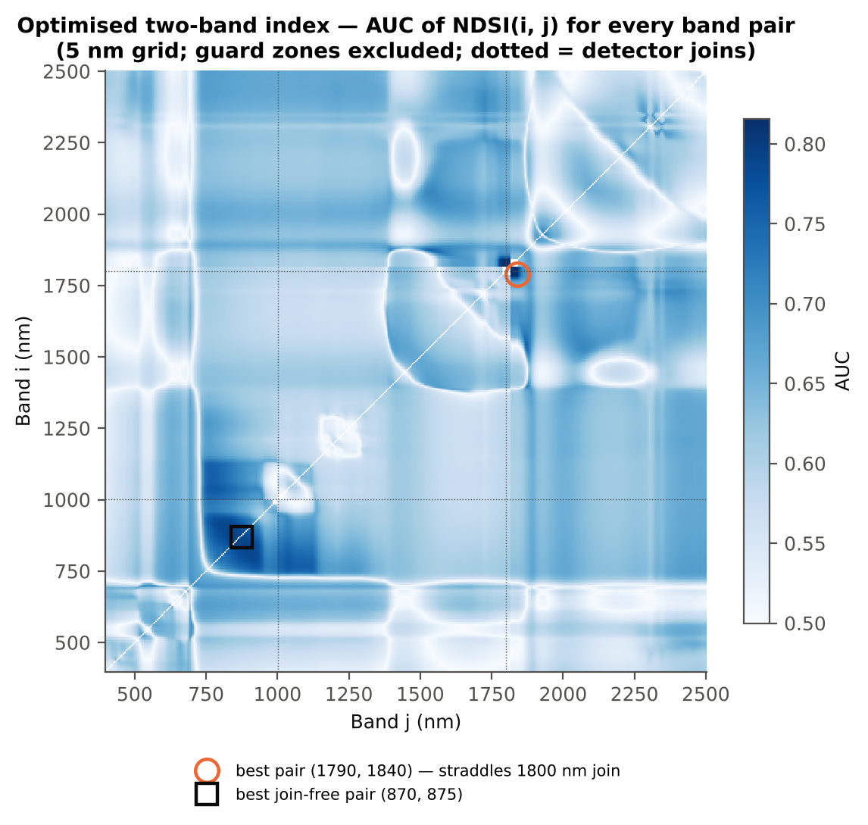

Cross-checks for this step
Step | What was checked | Method | Result | Status
Optimised two-band index | NDSI vs simple ratio | AUC of NDSI and Ri/Rj on 1998 random pairs | max |ΔAUC| = 0.0e+00 | PASS
Optimised two-band index | Selection optimism | search repeated inside training plots | honest BA 72.1 % (cross-validation) / 71.5 % (hold-out) vs 78.6 % on all leaves | FLAG
Optimised two-band index | Best pair straddles a detector join? | pairs with one band on each side of the 1000/1001 or 1800/1801 nm join (within 100 nm) excluded and the search repeated | all-pair best NDSI(1794,1837) brackets a detector join → treated as artefact-prone; join-free best NDSI(869,874) (AUC 0.803; honest BA 73.9 % cross-validation) | FLAG

19_Derivatives_Edge_Features
...
Table 19.3 Twenty derivative-based edge parameters, ranked by AUC
λb (blue-edge position, nm) | 521.55 | 520.97 | -5.8091 | 8.250E-08 | -0.4652 | 0.6432 | D < H | 521.50 | diseased if < thr
SDr (red-edge area) | 0.4961 | 0.4678 | -3.9133 | 3.197E-04 | -0.3837 | 0.6273 | D < H | 0.5116 | diseased if < thr
λy (yellow-edge position, nm) | 570.01 | 570.37 | 5.8140 | 7.499E-08 | 0.3911 | 0.5979 | D > H | 570.50 | diseased if > thr
(Rg − Ro)/(Rg + Ro) | 0.4375 | 0.4023 | -4.1462 | 1.365E-04 | -0.3370 | 0.5909 | D < H | 0.4905 | diseased if < thr
Rg/Ro | 2.6342 | 2.4447 | -3.8027 | 4.223E-04 | -0.3432 | 0.5909 | D < H | 2.9252 | diseased if < thr
SDy (yellow-edge area) | -0.0713 | -0.0648 | 3.0466 | 0.0047 | 0.2643 | 0.5905 | D > H | -0.0767 | diseased if > thr
Dy (yellow-edge amplitude) | -0.0031 | -0.0028 | 3.3313 | 0.0020 | 0.2888 | 0.5903 | D > H | -0.0032 | diseased if > thr
Dr = REV (red-edge amplitude) | 0.0124 | 0.0119 | -2.7728 | 0.0099 | -0.2588 | 0.5887 | D < H | 0.0127 | diseased if < thr
λo (red well position, nm) | 671.78 | 672.30 | 2.7527 | 0.0099 | 0.2451 | 0.5772 | D > H | 672.50 | diseased if > thr
SDr/SDb | 6.3389 | 6.2387 | -0.3988 | 0.7264 | -0.0198 | 0.5580 | D < H | 5.6282 | diseased if < thr
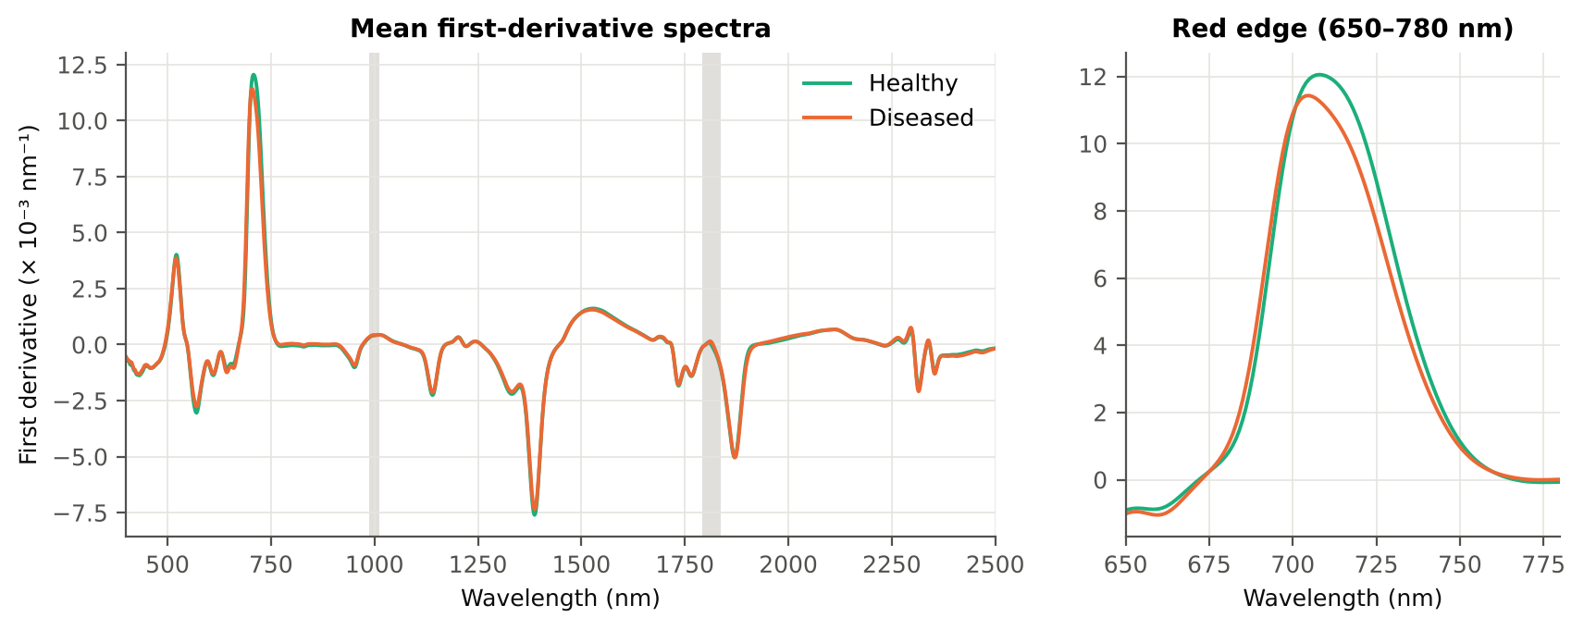
(SDr − SDb)/(SDr + SDb) | 0.7149 | 0.7003 | -2.4207 | 0.0233 | -0.2029 | 0.5580 | D < H | 0.6983 | diseased if < thr
Rg (green peak reflectance) | 0.2475 | 0.2558 | 2.0011 | 0.0620 | 0.1589 | 0.5446 | D > H | 0.2791 | diseased if > thr
Db (blue-edge amplitude) | 0.0040 | 0.0039 | -1.6185 | 0.1259 | -0.1380 | 0.5393 | D < H | 0.0032 | diseased if < thr
(SDr − SDy)/(SDr + SDy) | 1.3303 | 1.3156 | -1.7791 | 0.0956 | -0.1361 | 0.5207 | D < H | 1.1779 | diseased if < thr
SDr/SDy | -7.5295 | -9.1329 | -4.7973 | 6.465E-06 | -0.2343 | 0.5193 | D < H | -12.24 | diseased if < thr
λg (green peak position, nm) | 547.77 | 547.97 | 0.4763 | 0.7049 | 0.0419 | 0.5152 | D > H | 553.50 | diseased if > thr
SDb (blue-edge area) | 0.0821 | 0.0827 | 0.3063 | 0.7597 | 0.0258 | 0.5028 | D < H | 0.0569 | diseased if < thr
...

20_RedEdge_Inflection_Point
...
Table 20.3 REIP shift by date, growth stage and variety
Date | 11-02-2026 | REIP – Lagrangian interpolation | 27 | 133 | 711.36 | 711.28 | -0.0804 | 0.9155 | 0.5049
Date | 11-02-2026 | REIP – linear extrapolation | 27 | 133 | 711.18 | 711.18 | 4.738E-04 | 0.9996 | 0.5118
Date | 13-03-2026 | REIP – maximum first derivative | 36 | 180 | 704.53 | 703.76 | -0.7667 | 0.2896 | 0.5637
Date | 13-03-2026 | REIP – linear 4-point interpolation | 36 | 180 | 713.92 | 713.17 | -0.7494 | 0.1751 | 0.5565
Date | 13-03-2026 | REIP – Lagrangian interpolation | 36 | 180 | 704.52 | 703.78 | -0.7359 | 0.3110 | 0.5630
Date | 13-03-2026 | REIP – linear extrapolation | 36 | 180 | 701.66 | 700.34 | -1.3249 | 0.2484 | 0.5650
Date | 24-02-2026 | REIP – maximum first derivative | 36 | 180 | 708.22 | 704.81 | -3.4111 | 1.036E-05 | 0.7448
Date | 24-02-2026 | REIP – linear 4-point interpolation | 36 | 180 | 715.91 | 714.10 | -1.8127 | 5.618E-07 | 0.7599
Date | 24-02-2026 | REIP – Lagrangian interpolation | 36 | 180 | 708.16 | 704.77 | -3.3915 | 1.121E-05 | 0.7454
Date | 24-02-2026 | REIP – linear extrapolation | 36 | 180 | 707.51 | 702.52 | -4.9891 | 3.208E-06 | 0.7471
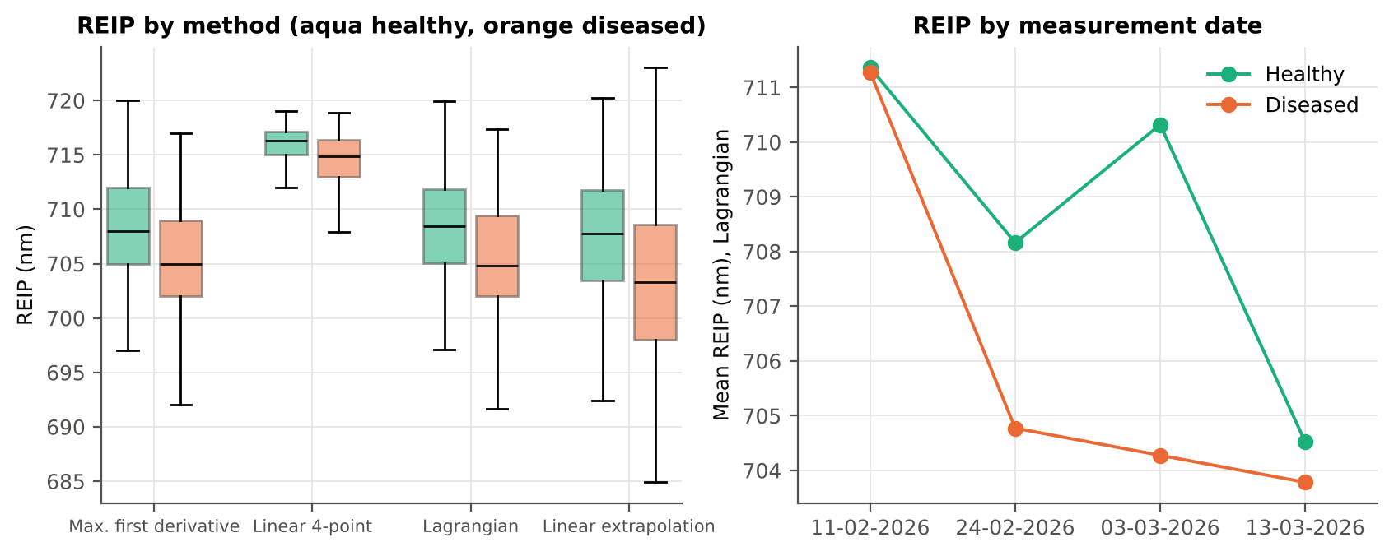
Growth stage | Flowering | REIP – maximum first derivative | 66 | 330 | 709.59 | 705.11 | -4.4848 | 4.941E-13 | 0.7687
Growth stage | Flowering | REIP – linear 4-point interpolation | 66 | 330 | 716.30 | 713.87 | -2.4246 | 1.789E-14 | 0.7669
Growth stage | Flowering | REIP – Lagrangian interpolation | 66 | 330 | 709.58 | 705.10 | -4.4796 | 6.241E-13 | 0.7672
Growth stage | Flowering | REIP – linear extrapolation | 66 | 330 | 709.40 | 702.78 | -6.6185 | 1.024E-14 | 0.7731
Growth stage | Pod formation | REIP – maximum first derivative | 30 | 150 | 704.77 | 703.77 | -0.9933 | 0.2808 | 0.5564
Growth stage | Pod formation | REIP – linear 4-point interpolation | 30 | 150 | 713.82 | 713.10 | -0.7224 | 0.2698 | 0.5431
Growth stage | Pod formation | REIP – Lagrangian interpolation | 30 | 150 | 704.74 | 703.79 | -0.9419 | 0.3089 | 0.5527
Growth stage | Pod formation | REIP – linear extrapolation | 30 | 150 | 701.93 | 700.38 | -1.5563 | 0.2848 | 0.5558
Growth stage | Vegetative | REIP – maximum first derivative | 39 | 193 | 709.18 | 708.09 | -1.0914 | 0.1412 | 0.5631
Growth stage | Vegetative | REIP – linear 4-point interpolation | 39 | 193 | 716.37 | 715.44 | -0.9238 | 0.0019 | 0.5880
Growth stage | Vegetative | REIP – Lagrangian interpolation | 39 | 193 | 709.25 | 708.07 | -1.1722 | 0.1172 | 0.5681
Growth stage | Vegetative | REIP – linear extrapolation | 39 | 193 | 708.59 | 706.67 | -1.9229 | 0.0504 | 0.5741
Variety | V1 | REIP – maximum first derivative | 45 | 225 | 709.16 | 705.49 | -3.6622 | 2.194E-05 | 0.7012
Variety | V1 | REIP – linear 4-point interpolation | 45 | 225 | 716.00 | 713.97 | -2.0236 | 3.153E-05 | 0.7027
Variety | V1 | REIP – Lagrangian interpolation | 45 | 225 | 709.20 | 705.52 | -3.6795 | 2.122E-05 | 0.7032
Variety | V1 | REIP – linear extrapolation | 45 | 225 | 708.49 | 703.13 | -5.3636 | 9.854E-06 | 0.7065
Variety | V2 | REIP – maximum first derivative | 45 | 225 | 707.29 | 705.41 | -1.8800 | 0.0090 | 0.6231
Variety | V2 | REIP – linear 4-point interpolation | 45 | 225 | 715.40 | 714.21 | -1.1886 | 0.0015 | 0.6288
Variety | V2 | REIP – Lagrangian interpolation | 45 | 225 | 707.26 | 705.37 | -1.8854 | 0.0085 | 0.6234
Variety | V2 | REIP – linear extrapolation | 45 | 225 | 705.89 | 702.96 | -2.9314 | 0.0047 | 0.6281
Variety | V3 | REIP – maximum first derivative | 45 | 223 | 708.76 | 706.09 | -2.6614 | 4.572E-04 | 0.6522
Variety | V3 | REIP – linear 4-point interpolation | 45 | 223 | 715.90 | 714.27 | -1.6364 | 1.352E-04 | 0.6596
...

21_Correlation_Spectra
...
r(λ) = Pearson correlation between the band value and the 0/1 disease status (point-biserial r), for the smoothed reflectance and the first derivative, on all leaves and separately on each date. r is a monotone function of Student's t, so the ranking matches Tier 1; the per-date curves show whether the sign is stable over time.
First derivative | 400–499 | 499.00 | 0.1126 | 0.0041 | no
First derivative | 500–599 | 564.00 | 0.1154 | 0.0032 | yes
First derivative | 600–679 | 679.00 | 0.1800 | 1.557E-06 | yes
First derivative | 680–759 | 734.00 | -0.2147 | 6.298E-09 | no
First derivative | 760–1349 | 848.00 | 0.3387 | 5.818E-21 | yes
First derivative | 1350–1430 | 1353.00 | 0.1267 | 0.0011 | no
First derivative | 1431–1799 | 1749.00 | 0.1456 | 1.482E-04 | no
First derivative | 1800–1950 | 1937.00 | 0.2474 | 1.299E-11 | yes
First derivative | 1951–2349 | 1951.00 | 0.2305 | 3.587E-10 | yes
First derivative | 2350–2500 | 2484.00 | -0.1689 | 8.016E-06 | yes
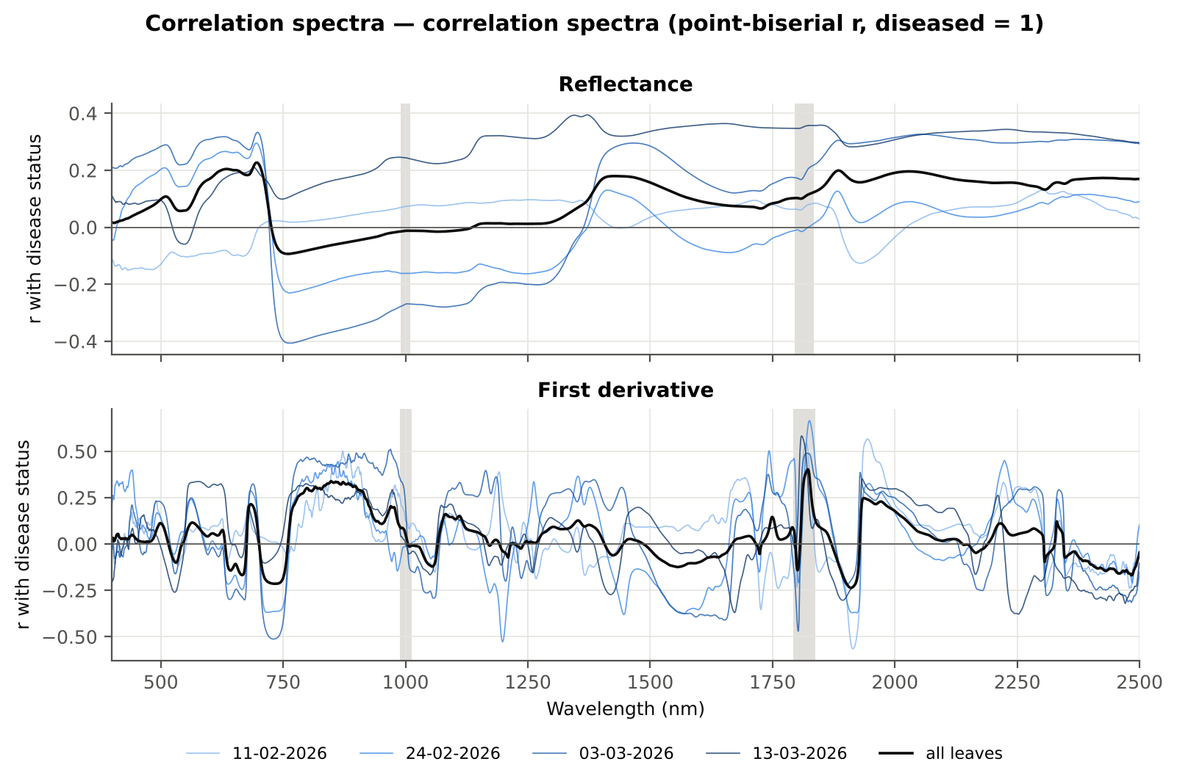

Cross-checks for this step
Step | What was checked | Method | Result | Status
Correlation spectra | Correlation vs t-test | |r_pb| vs |Welch t| across bands (Spearman) | ρ = 0.9942 (r_pb is a monotone function of Student's t) | PASS

22_Feature_Groups_CART_RF
...
Table 22.2 CART vs RF on each feature group (mean over repeats)
All disease-sensitive features combined pool | 4151 | CART | Hold-out | 10 | 74.5% | 3.8% | 0.7395 | 0.4210
All disease-sensitive features combined pool | 4151 | RF | Hold-out | 10 | 80.9% | 2.8% | 0.9048 | 0.5477
Derivatives incl. guard-zone bands (artefact test) | 2121 | CART | Cross-validation | 5 | 81.3% | 1.2% | 0.8160 | 0.5434
Derivatives incl. guard-zone bands (artefact test) | 2121 | RF | Cross-validation | 5 | 89.0% | 0.3% | 0.9675 | 0.6842
Derivatives incl. guard-zone bands (artefact test) | 2121 | CART | Hold-out | 10 | 80.6% | 5.2% | 0.7901 | 0.5446
Derivatives incl. guard-zone bands (artefact test) | 2121 | RF | Hold-out | 10 | 87.6% | 4.3% | 0.9593 | 0.6800
Selected (top 15 non-redundant, chosen inside each training set) | 15 | CART | Cross-validation | 5 | 74.5% | 0.9% | 0.8171 | 0.3951
Selected (top 15 non-redundant, chosen inside each training set) | 15 | RF | Cross-validation | 5 | 82.1% | 0.7% | 0.9018 | 0.5906
Selected (top 15 non-redundant, chosen inside each training set) | 15 | QDA | Cross-validation | 5 | 83.7% | 0.5% | 0.9019 | 0.4969
Selected (top 15 non-redundant, chosen inside each training set) | 15 | CART | Hold-out | 10 | 73.7% | 1.6% | 0.7717 | 0.3918
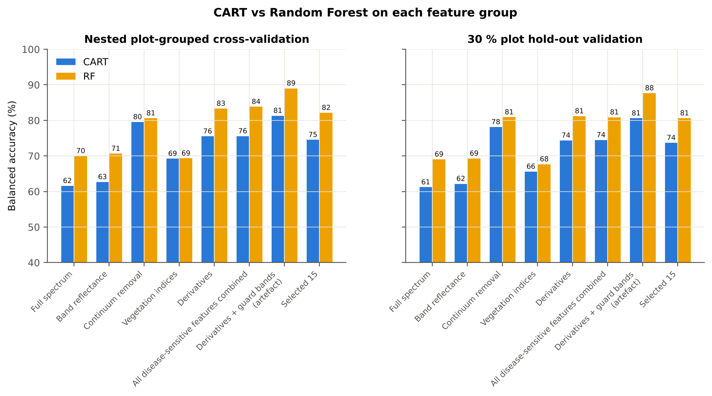
Selected (top 15 non-redundant, chosen inside each training set) | 15 | RF | Hold-out | 10 | 80.6% | 3.9% | 0.8803 | 0.5490
Selected (top 15 non-redundant, chosen inside each training set) | 15 | QDA | Hold-out | 10 | 80.4% | 5.1% | 0.8771 | 0.4708

Table 22.3 Paired comparison RF vs CART (same folds)
Feature group | Units | n | RF − CART (BA) | SD | RF better | CART better | Wilcoxon p
Full spectrum (raw reflectance) | Cross-validation (50 folds) | 50 | 8.1% | 9.3% | 40 | 9 | 1.844E-06
...

25_Pool_Tier2_CART_RF
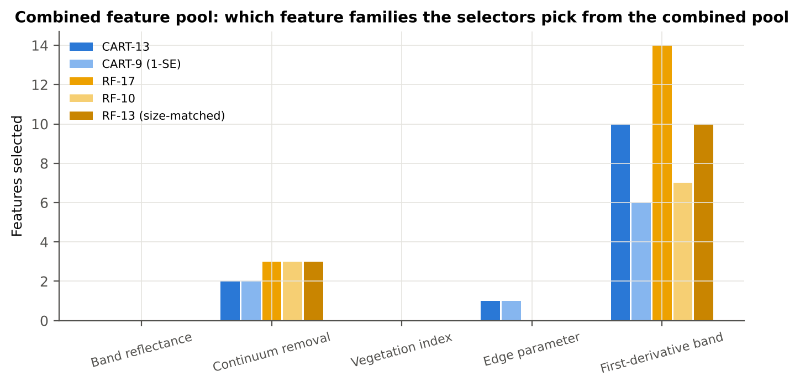
...
Table 25.2 The selected features
D1_2209 | First-derivative band | yes |  | 7.537E-05 | 9.177E-05 | 2.9596 | 0.0076 | 0.5969
D1_1838 | First-derivative band | yes | yes | -0.0012 | -0.0011 | 3.3394 | 0.0025 | 0.6318
D1_2223 | First-derivative band | yes |  | -1.798E-05 | -1.627E-07 | 3.1091 | 0.0049 | 0.6426
D1_673 | First-derivative band | yes |  | 8.564E-05 | 3.336E-05 | -3.4647 | 0.0016 | 0.5771
D1_727 | First-derivative band | yes |  | 0.0081 | 0.0069 | -6.1396 | 2.098E-08 | 0.6669
D1_2495 | First-derivative band | yes |  | -1.731E-04 | -2.037E-04 | -3.1760 | 0.0039 | 0.5647
D1_859 | First-derivative band |  | yes | -2.375E-05 | 2.952E-05 | 13.84 | 6.139E-32 | 0.7944
D1_871 | First-derivative band |  | yes | -4.103E-05 | 1.027E-05 | 13.91 | 3.771E-32 | 0.7949
D1_897 | First-derivative band |  | yes | -3.591E-05 | 1.496E-05 | 13.69 | 3.884E-32 | 0.7713
CR3 water 970 width | Continuum removal |  | yes | 64.18 | 61.19 | -14.42 | 1.447E-36 | 0.7502
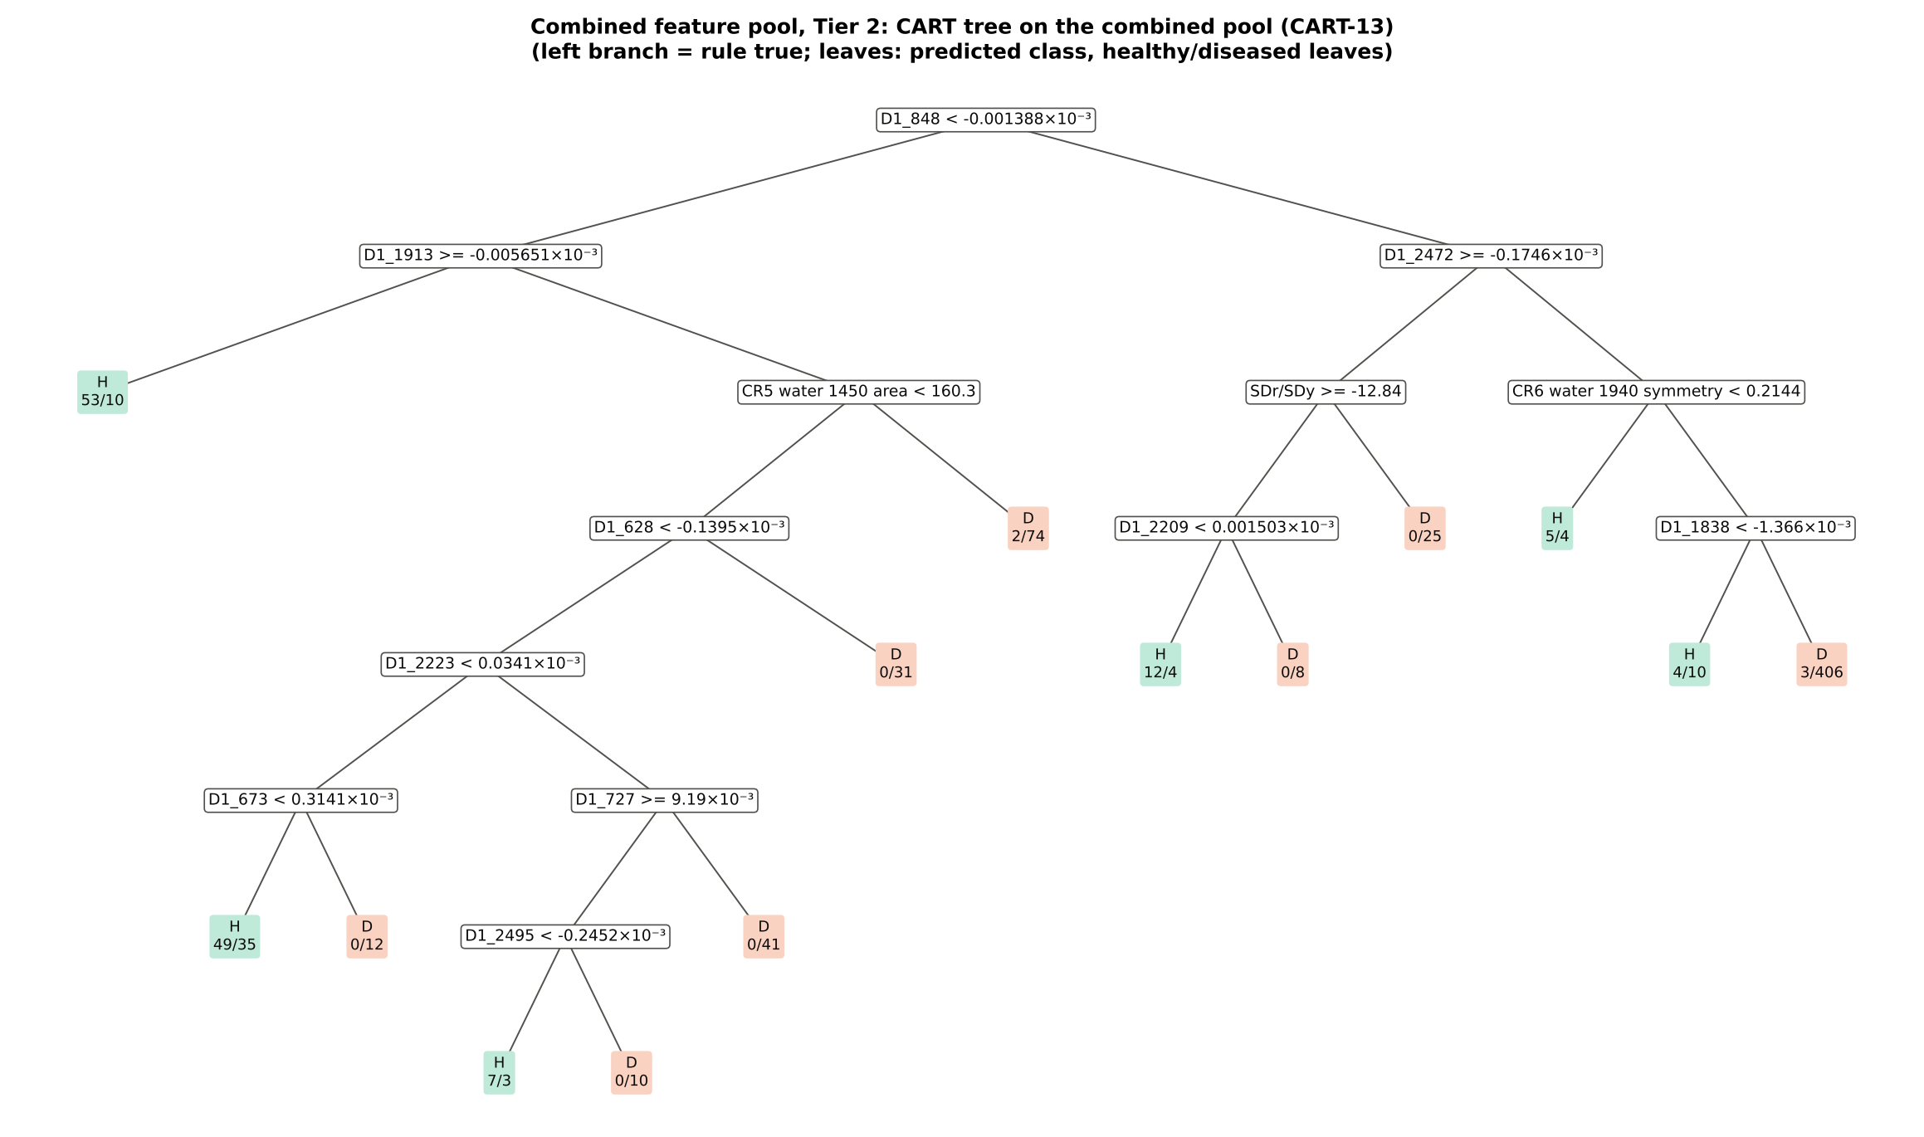
D1_1942 | First-derivative band |  | yes | 4.223E-05 | 8.422E-05 | 9.3244 | 1.016E-16 | 0.7248
CR6 water 1940 position | Continuum removal |  | yes | 1911.36 | 1915.98 | 7.1234 | 2.063E-10 | 0.6862
D1_883 | First-derivative band |  | yes | -4.442E-05 | 7.858E-06 | 14.08 | 1.725E-32 | 0.7894
D1_1956 | First-derivative band |  | yes | 8.092E-05 | 1.395E-04 | 8.0508 | 3.550E-13 | 0.6976
D1_1923 | First-derivative band |  | yes | 7.897E-06 | -1.648E-05 | -6.4012 | 3.872E-09 | 0.6644
D1_2207 | First-derivative band |  | yes | 8.756E-05 | 1.027E-04 | 2.6390 | 0.0180 | 0.5836
D1_834 | First-derivative band |  | yes | -7.240E-05 | -5.175E-06 | 12.54 | 3.300E-27 | 0.7685
D1_2333 | First-derivative band |  | yes | -1.445E-04 | -7.217E-05 | 3.7009 | 6.766E-04 | 0.5969
D1_2228 | First-derivative band |  | yes | -4.426E-05 | -2.763E-05 | 2.3949 | 0.0328 | 0.6230
...
Table 25.3 Tree nodes (rpart frame)
83 | 6 | leaf | D1_727< 0.00919 | 41 | 0 | 41 | D
21 | 4 | leaf | D1_628>=-0.0001395 | 31 | 0 | 31 | D
11 | 3 | leaf | CR5 water 1450 area>=160.3 | 76 | 2 | 74 | D
3 | 1 | D1_2472 | D1_848>=-1.388e-06 | 481 | 24 | 457 | D
6 | 2 | SDr/SDy | D1_2472>=-0.0001746 | 49 | 12 | 37 | H
12 | 3 | D1_2209 | SDr/SDy>=-12.84 | 24 | 12 | 12 | H
24 | 4 | leaf | D1_2209< 1.503e-06 | 16 | 12 | 4 | H
25 | 4 | leaf | D1_2209>=1.503e-06 | 8 | 0 | 8 | D
13 | 3 | leaf | SDr/SDy< -12.84 | 25 | 0 | 25 | D
7 | 2 | CR6 water 1940 symmetry | D1_2472< -0.0001746 | 432 | 12 | 420 | D
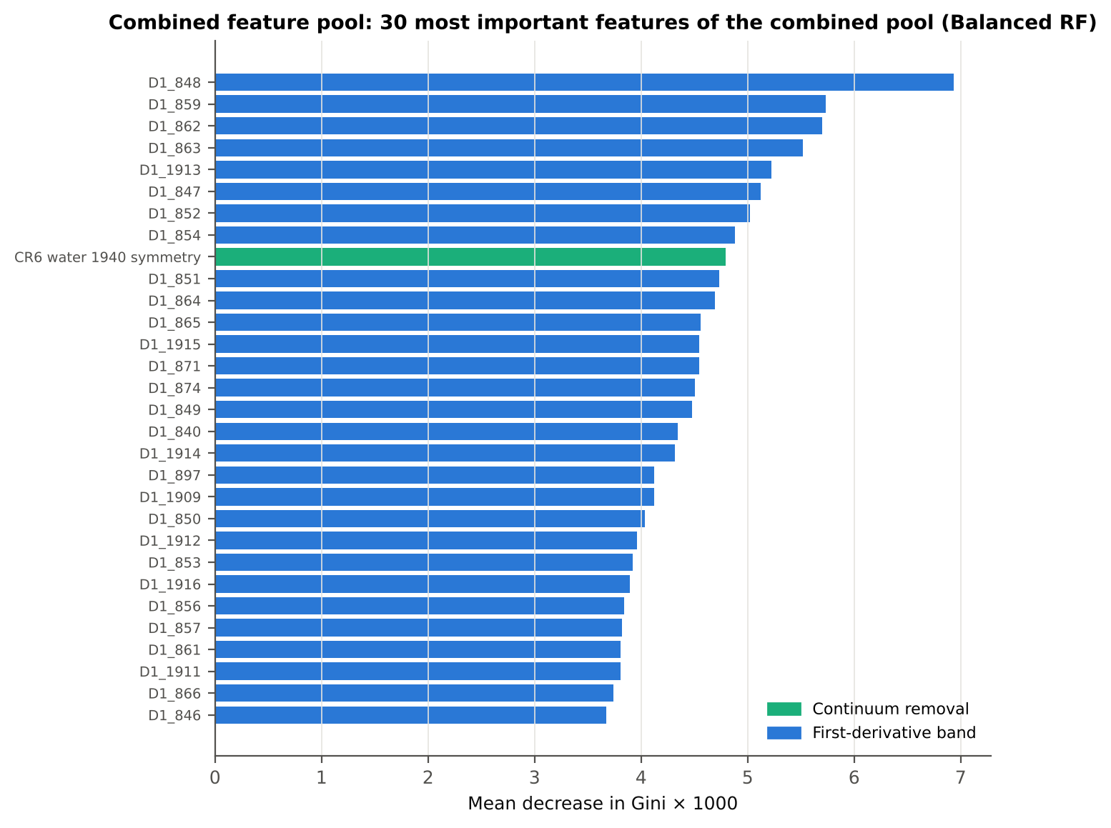
14 | 3 | leaf | CR6 water 1940 symmetry< 0.2144 | 9 | 5 | 4 | H
15 | 3 | D1_1838 | CR6 water 1940 symmetry>=0.2144 | 423 | 7 | 416 | D
30 | 4 | leaf | D1_1838< -0.001366 | 14 | 4 | 10 | H
31 | 4 | leaf | D1_1838>=-0.001366 | 409 | 3 | 406 | D

Table 25.4 Complexity-parameter table (plot-grouped cross-validation)
CP | nsplit | rel error | xerror | xstd
0.5013 | 0.0000 | 1.0000 | 1.0883 | 0.0431
0.0476 | 1.0000 | 0.4987 | 0.6246 | 0.0487
0.0461 | 3.0000 | 0.4036 | 0.5771 | 0.0474
0.0355 | 4.0000 | 0.3575 | 0.5651 | 0.0496
0.0311 | 6.0000 | 0.2865 | 0.5488 | 0.0496
0.0305 | 7.0000 | 0.2554 | 0.5250 | 0.0491
0.0178 | 9.0000 | 0.1945 | 0.5028 | 0.0482
0.0149 | 10.00 | 0.1766 | 0.4642 | 0.0467
0.0148 | 11.00 | 0.1618 | 0.4672 | 0.0471
0.0119 | 12.00 | 0.1470 | 0.4672 | 0.0471
0.0100 | 13.00 | 0.1351 | 0.4686 | 0.0481

26_Pool_Tier3_JM
...
Table 26.2 J–M and QDA BA as features are added
6 | CR6 water 1940 symmetry | 1.4499 | 73.3% | D1_897 | 0.8727 | 71.3%
7 | D1_628 | 1.5692 | 70.4% | CR3 water 970 width | 1.0378 | 74.2%
8 | D1_2209 | 1.6111 | 71.9% | D1_1942 | 1.1410 | 73.1%
9 | D1_1838 | 1.6430 | 72.2% | CR6 water 1940 position | 1.2621 | 73.6%
10 | D1_2223 | 1.6541 | 73.4% | D1_883 | 1.3048 | 76.6%
11 | D1_673 | 1.6809 | 73.9% | D1_1956 | 1.4275 | 80.6%
12 | D1_727 | 1.7723 | 73.2% | D1_1923 | 1.4757 | 81.1%
13 | D1_2495 | 1.7761 | 73.8% | D1_2207 | 1.4966 | 80.9%
14 |  |  |  | D1_1838 | 1.5250 | 80.6%
15 |  |  |  | D1_834 | 1.6013 | 83.4%
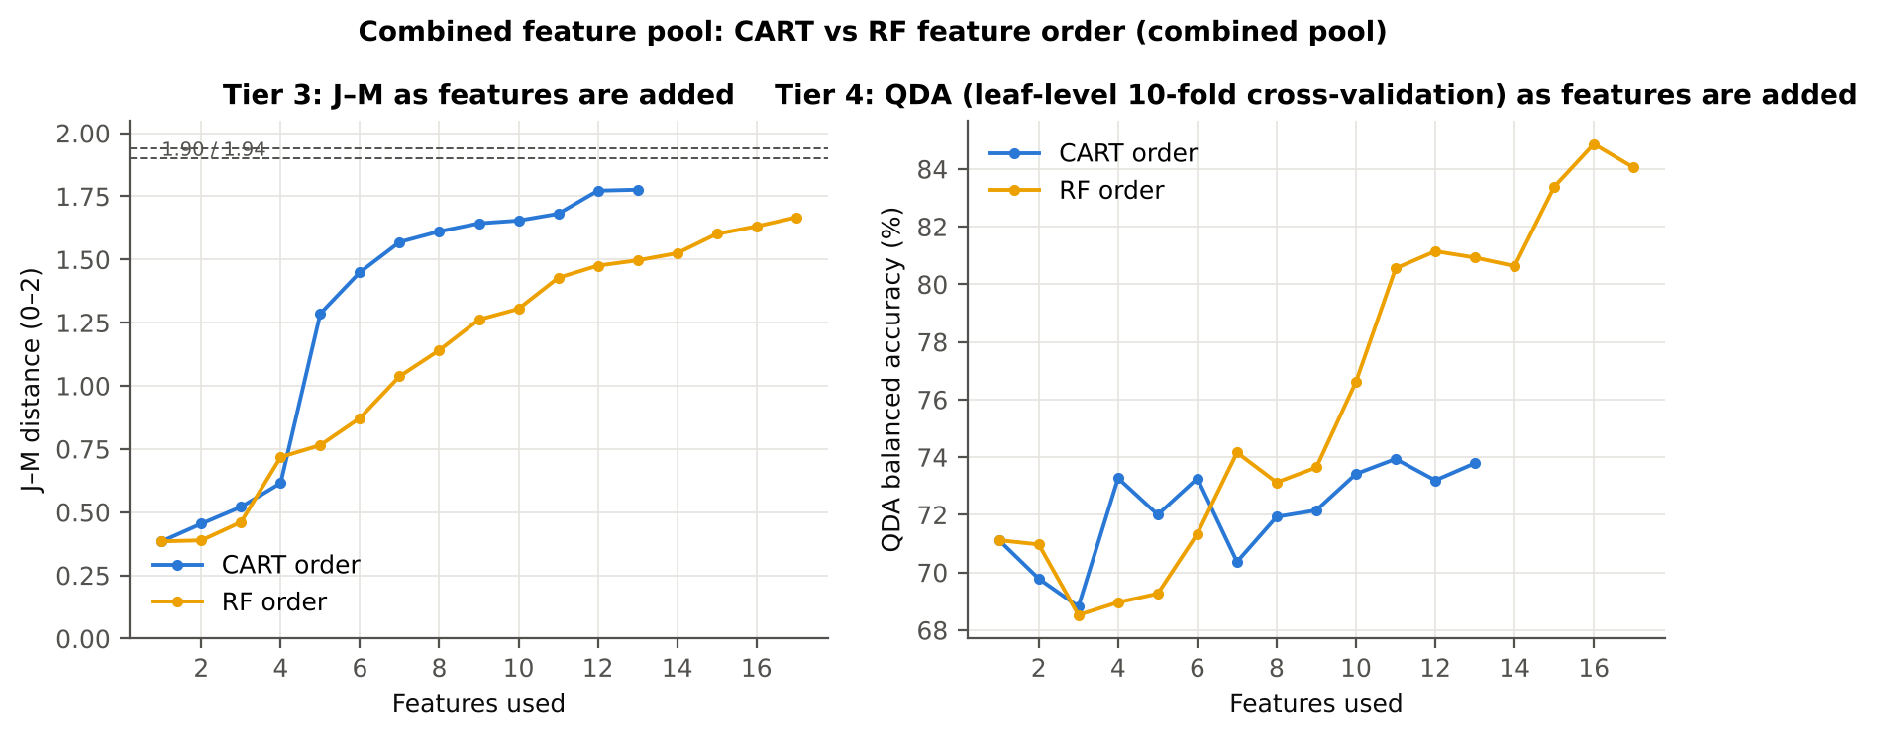
16 |  |  |  | D1_2333 | 1.6313 | 84.9%
17 |  |  |  | D1_2228 | 1.6668 | 84.1%

28_Pool_Validation
...
Result in brief
Pipeline | Scheme | repeats | OA | BA | BA_SD | kappa | AUC | PA_H | PA_D | UA_H | UA_D
CART classifier | leaf-level 10-fold cross-validation | 1 | 85.0% | 79.5% |  | 0.5227 | 0.8215 | 71.1% | 87.8% | 53.9% | 93.8%
CART classifier | nested plot-grouped cross-validation | 5 | 83.0% | 77.6% | 2.1% | 0.4754 | 0.7982 | 69.5% | 85.8% | 49.5% | 93.3%
CART classifier | 30 % plot hold-out validation | 10 | 80.4% | 76.5% | 3.3% | 0.4454 | 0.7727 | 70.3% | 82.7% | 47.5% | 92.7%
CART classifier | leave-one-date-out validation on new plots | 10 | 66.8% | 57.0% | 2.7% | 0.1148 | 0.5663 | 41.8% | 72.3% | 25.7% | 85.0%
RF classifier | leaf-level 10-fold cross-validation | 1 | 87.3% | 83.5% |  | 0.5937 | 0.9279 | 77.8% | 89.2% | 59.0% | 95.2%
RF classifier | nested plot-grouped cross-validation | 5 | 86.5% | 82.6% | 0.7% | 0.5730 | 0.9160 | 76.9% | 88.4% | 57.0% | 95.0%
RF classifier | 30 % plot hold-out validation | 10 | 84.1% | 80.3% | 3.1% | 0.5314 | 0.8916 | 74.3% | 86.3% | 54.8% | 93.8%
RF classifier | leave-one-date-out validation on new plots | 10 | 72.4% | 59.6% | 3.4% | 0.1733 | 0.6934 | 39.7% | 79.6% | 30.4% | 85.7%
QDA on CART features | leaf-level 10-fold cross-validation | 1 | 62.7% | 73.8% |  | 0.2622 | 0.8641 | 90.4% | 57.2% | 29.8% | 96.7%
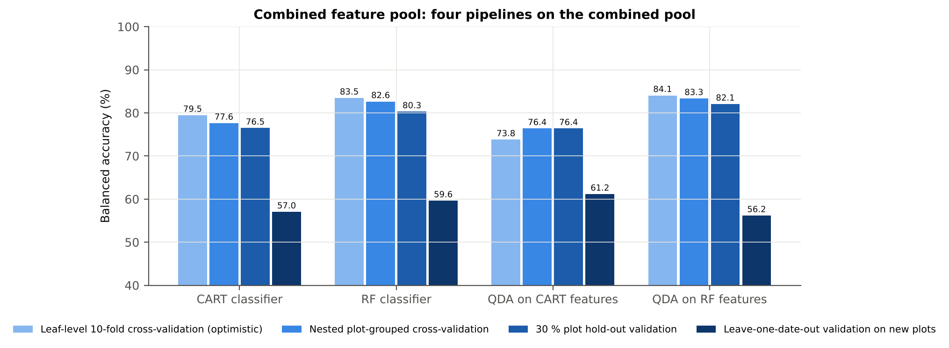
QDA on CART features | nested plot-grouped cross-validation | 5 | 69.1% | 76.4% | 2.2% | 0.3236 | 0.8671 | 87.3% | 65.5% | 33.8% | 96.2%
QDA on CART features | 30 % plot hold-out validation | 10 | 71.6% | 76.4% | 4.5% | 0.3591 | 0.8441 | 84.0% | 68.8% | 37.8% | 95.1%
QDA on CART features | leave-one-date-out validation on new plots | 10 | 67.1% | 61.2% | 3.5% | 0.1713 | 0.6348 | 51.8% | 70.5% | 28.6% | 86.9%
QDA on RF features | leaf-level 10-fold cross-validation | 1 | 84.3% | 84.1% |  | 0.5467 | 0.9080 | 83.7% | 84.4% | 51.8% | 96.3%
QDA on RF features | nested plot-grouped cross-validation | 5 | 83.2% | 83.3% | 0.9% | 0.5250 | 0.8979 | 83.6% | 83.1% | 49.9% | 96.2%
QDA on RF features | 30 % plot hold-out validation | 10 | 83.2% | 82.1% | 4.5% | 0.5348 | 0.8815 | 80.3% | 83.8% | 53.1% | 95.1%
QDA on RF features | leave-one-date-out validation on new plots | 10 | 71.7% | 56.2% | 3.3% | 0.1115 | 0.6004 | 31.8% | 80.5% | 26.2% | 84.3%
...

29_Pool_Stability
...
Table 29.4 Re-selection of the all-leaf RF features
Feature | Type | Re-selected by CART (±10 nm) | Re-selected by RF (±10 nm)
D1_848 | First-derivative band | 84.0% | 100.0%
D1_859 | First-derivative band | 12.0% | 100.0%
D1_1913 | First-derivative band | 100.0% | 100.0%
CR6 water 1940 symmetry | Continuum removal | 48.0% | 94.0%
D1_871 | First-derivative band | 8.0% | 100.0%
D1_897 | First-derivative band | 22.0% | 100.0%
CR3 water 970 width | Continuum removal | 58.0% | 96.0%
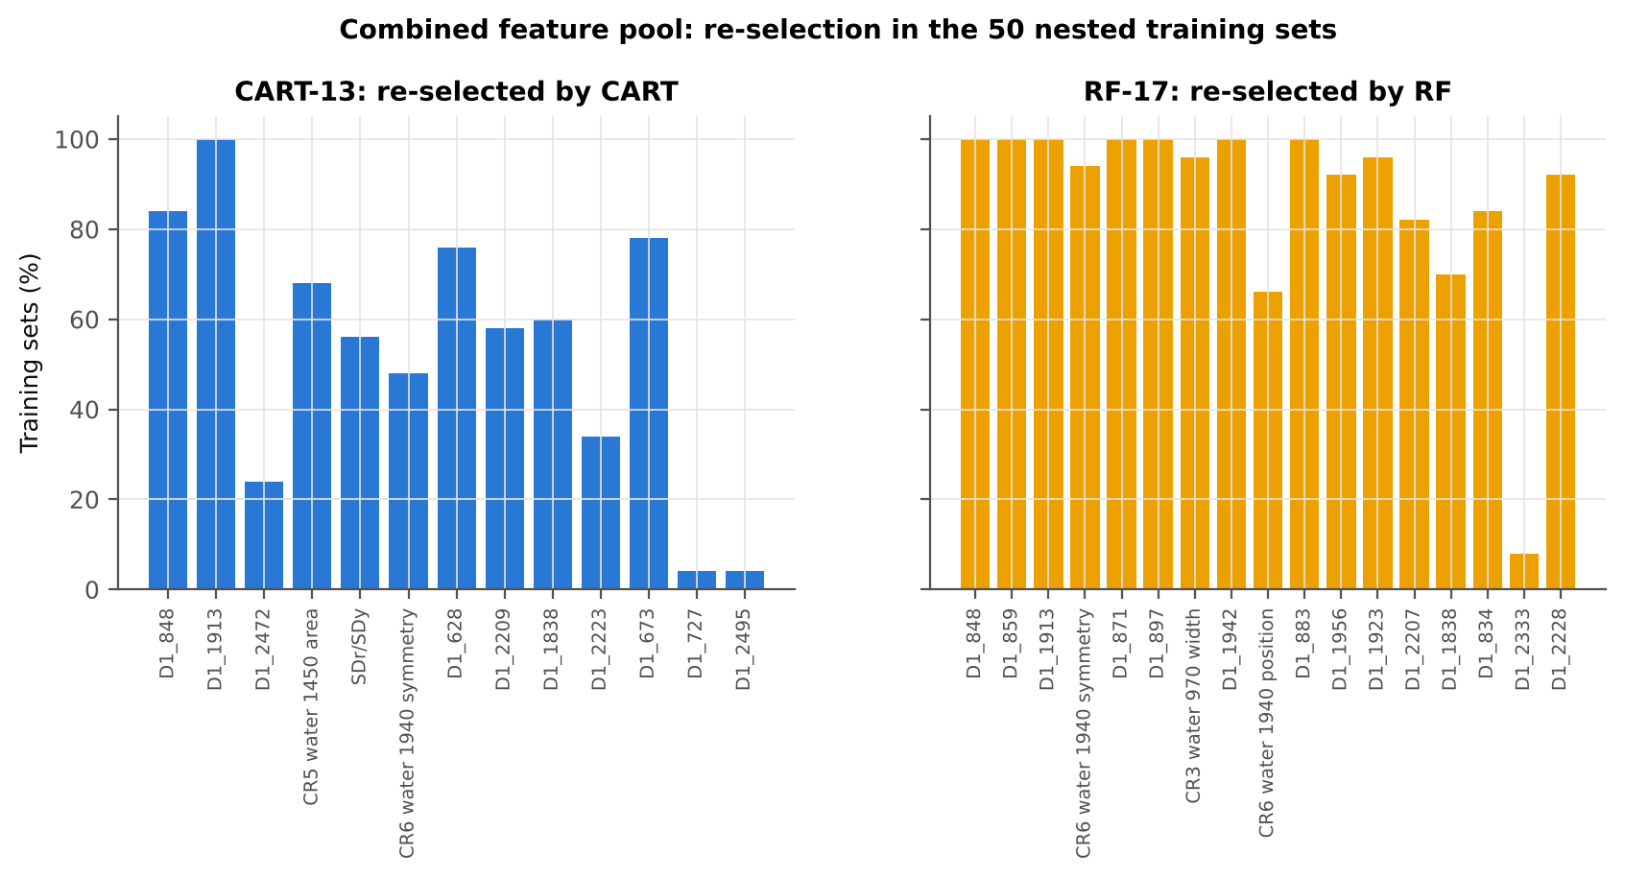
D1_1942 | First-derivative band | 16.0% | 100.0%
CR6 water 1940 position | Continuum removal | 0.0% | 66.0%
D1_883 | First-derivative band | 2.0% | 100.0%
D1_1956 | First-derivative band | 6.0% | 92.0%
D1_1923 | First-derivative band | 92.0% | 96.0%
D1_2207 | First-derivative band | 58.0% | 82.0%
D1_1838 | First-derivative band | 60.0% | 70.0%
D1_834 | First-derivative band | 0.0% | 84.0%
D1_2333 | First-derivative band | 28.0% | 8.0%
D1_2228 | First-derivative band | 24.0% | 92.0%
...

31_Transfer_New_Date
...
Result in brief
Reflectance (raw-reflectance four tiers) | RF classifier | 24-02-2026 | 10 | 10 | 67.00 | 57.9% | 7.7%
Reflectance (raw-reflectance four tiers) | RF classifier | 03-03-2026 | 10 | 10 | 67.00 | 59.4% | 7.4%
Reflectance (raw-reflectance four tiers) | RF classifier | 13-03-2026 | 10 | 10 | 67.00 | 52.8% | 4.4%
Reflectance (raw-reflectance four tiers) | QDA on CART features | 11-02-2026 | 10 | 10 | 50.20 | 52.0% | 11.2%
Reflectance (raw-reflectance four tiers) | QDA on CART features | 24-02-2026 | 10 | 10 | 67.00 | 62.7% | 9.1%
Reflectance (raw-reflectance four tiers) | QDA on CART features | 03-03-2026 | 10 | 10 | 67.00 | 58.1% | 6.3%
Reflectance (raw-reflectance four tiers) | QDA on CART features | 13-03-2026 | 10 | 10 | 67.00 | 50.0% | 0.0%
Reflectance (raw-reflectance four tiers) | QDA on RF features | 11-02-2026 | 10 | 10 | 50.20 | 55.9% | 5.9%
Reflectance (raw-reflectance four tiers) | QDA on RF features | 24-02-2026 | 10 | 10 | 67.00 | 63.8% | 8.7%
Reflectance (raw-reflectance four tiers) | QDA on RF features | 03-03-2026 | 10 | 10 | 67.00 | 61.4% | 11.7%
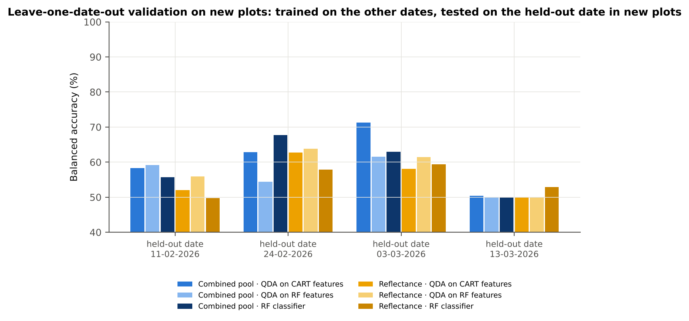
Reflectance (raw-reflectance four tiers) | QDA on RF features | 13-03-2026 | 10 | 10 | 67.00 | 50.0% | 0.0%
Combined pool (combined feature pool) | CART classifier | 11-02-2026 | 10 | 10 | 50.20 | 56.4% | 12.7%
Combined pool (combined feature pool) | CART classifier | 24-02-2026 | 10 | 10 | 67.00 | 62.0% | 12.6%
Combined pool (combined feature pool) | CART classifier | 03-03-2026 | 10 | 10 | 67.00 | 57.8% | 9.0%
Combined pool (combined feature pool) | CART classifier | 13-03-2026 | 10 | 10 | 67.00 | 51.3% | 2.7%
Combined pool (combined feature pool) | RF classifier | 11-02-2026 | 10 | 10 | 50.20 | 55.7% | 7.6%
Combined pool (combined feature pool) | RF classifier | 24-02-2026 | 10 | 10 | 67.00 | 67.7% | 6.2%
Combined pool (combined feature pool) | RF classifier | 03-03-2026 | 10 | 10 | 67.00 | 63.0% | 8.1%
Combined pool (combined feature pool) | RF classifier | 13-03-2026 | 10 | 10 | 67.00 | 50.0% | 0.0%
Combined pool (combined feature pool) | QDA on CART features | 11-02-2026 | 10 | 10 | 50.20 | 58.3% | 10.1%
Combined pool (combined feature pool) | QDA on CART features | 24-02-2026 | 10 | 10 | 67.00 | 62.9% | 7.0%
Combined pool (combined feature pool) | QDA on CART features | 03-03-2026 | 10 | 10 | 67.00 | 71.3% | 13.1%
Combined pool (combined feature pool) | QDA on CART features | 13-03-2026 | 10 | 10 | 67.00 | 50.4% | 1.3%
Combined pool (combined feature pool) | QDA on RF features | 11-02-2026 | 10 | 10 | 50.20 | 59.2% | 10.2%
Combined pool (combined feature pool) | QDA on RF features | 24-02-2026 | 10 | 10 | 67.00 | 54.4% | 10.4%
Combined pool (combined feature pool) | QDA on RF features | 03-03-2026 | 10 | 10 | 67.00 | 61.6% | 9.1%
Combined pool (combined feature pool) | QDA on RF features | 13-03-2026 | 10 | 10 | 67.00 | 50.0% | 0.0%

37_ChartData
...
Figure 3. Mean reflectance (healthy vs diseased)
 | Mean healthy | Mean diseased
400.00 | 0.2368 | 0.2408
401.00 | 0.2360 | 0.2402
402.00 | 0.2359 | 0.2398
403.00 | 0.2354 | 0.2392
404.00 | 0.2352 | 0.2391
405.00 | 0.2353 | 0.2390
406.00 | 0.2331 | 0.2364
407.00 | 0.2317 | 0.2354
408.00 | 0.2310 | 0.2353
409.00 | 0.2297 | 0.2341
410.00 | 0.2289 | 0.2333
411.00 | 0.2287 | 0.2330
412.00 | 0.2285 | 0.2329
413.00 | 0.2278 | 0.2325
414.00 | 0.2267 | 0.2315
415.00 | 0.2251 | 0.2299
416.00 | 0.2236 | 0.2285
417.00 | 0.2230 | 0.2281
418.00 | 0.2224 | 0.2274
419.00 | 0.2213 | 0.2262
420.00 | 0.2199 | 0.2253
421.00 | 0.2187 | 0.2240
422.00 | 0.2175 | 0.2226
423.00 | 0.2163 | 0.2214
424.00 | 0.2147 | 0.2200
425.00 | 0.2136 | 0.2190
426.00 | 0.2125 | 0.2181
427.00 | 0.2111 | 0.2171
428.00 | 0.2097 | 0.2156
429.00 | 0.2081 | 0.2138
430.00 | 0.2063 | 0.2120
431.00 | 0.2049 | 0.2108
432.00 | 0.2040 | 0.2100
433.00 | 0.2028 | 0.2088
434.00 | 0.2010 | 0.2071
435.00 | 0.2000 | 0.2060
436.00 | 0.1987 | 0.2048
437.00 | 0.1970 | 0.2033
438.00 | 0.1956 | 0.2019
439.00 | 0.1944 | 0.2009
440.00 | 0.1934 | 0.2000
441.00 | 0.1923 | 0.1990
442.00 | 0.1911 | 0.1979
443.00 | 0.1899 | 0.1968
444.00 | 0.1888 | 0.1958
445.00 | 0.1880 | 0.1951
446.00 | 0.1870 | 0.1941
447.00 | 0.1860 | 0.1932
448.00 | 0.1851 | 0.1924
449.00 | 0.1841 | 0.1915
...
−log10 q mixed model | q = 0.05 line | RF importance × 1000 | Band reflectance AUC | D1 AUC
0.1180 | 1.3010 | 0.0000 | 0.5224 | 0.5134
0.1236 | 1.3010 | 0.0000 | 0.5227 | 0.5190
0.1160 | 1.3010 | 0.0000 | 0.5220 | 0.5282
0.1164 | 1.3010 | 0.0000 | 0.5214 | 0.5210
0.1170 | 1.3010 | 0.0000 | 0.5207 | 0.5120
0.1131 | 1.3010 | 0.0000 | 0.5204 | 0.5092
0.1128 | 1.3010 | 0.0000 | 0.5211 | 0.5140
0.1164 | 1.3010 | 0.0000 | 0.5222 | 0.5185
0.1397 | 1.3010 | 0.0000 | 0.5235 | 0.5254
0.1432 | 1.3010 | 0.0000 | 0.5250 | 0.5378
0.1462 | 1.3010 | 0.0000 | 0.5263 | 0.5444
0.1463 | 1.3010 | 0.0000 | 0.5273 | 0.5490
0.1478 | 1.3010 | 0.0000 | 0.5274 | 0.5491
0.1671 | 1.3010 | 0.0000 | 0.5276 | 0.5496
0.1757 | 1.3010 | 0.0000 | 0.5284 | 0.5417
0.1786 | 1.3010 | 0.0000 | 0.5288 | 0.5345
0.1874 | 1.3010 | 0.0000 | 0.5298 | 0.5345
0.2016 | 1.3010 | 0.0000 | 0.5308 | 0.5336
0.1996 | 1.3010 | 0.0000 | 0.5316 | 0.5343
Figure 5b. −log10(p) against wavelength
 | −log10 p Welch | −log10 q Welch | −log10 q mixed model | q = 0.05 line
400.00 | 0.1865 | 0.1111 | 0.1180 | 1.3010
401.00 | 0.1985 | 0.1213 | 0.1236 | 1.3010
402.00 | 0.1804 | 0.1062 | 0.1160 | 1.3010
403.00 | 0.1810 | 0.1066 | 0.1164 | 1.3010
404.00 | 0.1841 | 0.1089 | 0.1170 | 1.3010
405.00 | 0.1753 | 0.1023 | 0.1131 | 1.3010
406.00 | 0.1595 | 0.0945 | 0.1128 | 1.3010
407.00 | 0.1815 | 0.1068 | 0.1164 | 1.3010
408.00 | 0.2173 | 0.1377 | 0.1397 | 1.3010
409.00 | 0.2217 | 0.1414 | 0.1432 | 1.3010
410.00 | 0.2254 | 0.1448 | 0.1462 | 1.3010
411.00 | 0.2256 | 0.1448 | 0.1463 | 1.3010
412.00 | 0.2277 | 0.1461 | 0.1478 | 1.3010
413.00 | 0.2503 | 0.1669 | 0.1671 | 1.3010
414.00 | 0.2604 | 0.1761 | 0.1757 | 1.3010
415.00 | 0.2638 | 0.1789 | 0.1786 | 1.3010
416.00 | 0.2733 | 0.1874 | 0.1874 | 1.3010
417.00 | 0.2902 | 0.2030 | 0.2016 | 1.3010
418.00 | 0.2878 | 0.2009 | 0.1996 | 1.3010
419.00 | 0.2826 | 0.1959 | 0.1952 | 1.3010
420.00 | 0.3187 | 0.2285 | 0.2264 | 1.3010
421.00 | 0.3165 | 0.2268 | 0.2241 | 1.3010
422.00 | 0.3049 | 0.2165 | 0.2142 | 1.3010
423.00 | 0.3140 | 0.2248 | 0.2225 | 1.3010
424.00 | 0.3305 | 0.2393 | 0.2362 | 1.3010
425.00 | 0.3452 | 0.2530 | 0.2493 | 1.3010
426.00 | 0.3647 | 0.2712 | 0.2672 | 1.3010
427.00 | 0.3983 | 0.3017 | 0.2966 | 1.3010
428.00 | 0.3989 | 0.3020 | 0.2966 | 1.3010
429.00 | 0.3908 | 0.2955 | 0.2905 | 1.3010
430.00 | 0.3959 | 0.2995 | 0.2952 | 1.3010
431.00 | 0.4209 | 0.3222 | 0.3166 | 1.3010
432.00 | 0.4332 | 0.3335 | 0.3271 | 1.3010
433.00 | 0.4394 | 0.3392 | 0.3321 | 1.3010
434.00 | 0.4536 | 0.3519 | 0.3450 | 1.3010
435.00 | 0.4526 | 0.3513 | 0.3442 | 1.3010
436.00 | 0.4715 | 0.3684 | 0.3604 | 1.3010
437.00 | 0.5083 | 0.4026 | 0.3919 | 1.3010
438.00 | 0.5177 | 0.4109 | 0.3994 | 1.3010
439.00 | 0.5373 | 0.4289 | 0.4168 | 1.3010
440.00 | 0.5626 | 0.4523 | 0.4390 | 1.3010
441.00 | 0.5829 | 0.4710 | 0.4559 | 1.3010
442.00 | 0.5996 | 0.4864 | 0.4706 | 1.3010
443.00 | 0.6219 | 0.5068 | 0.4890 | 1.3010
444.00 | 0.6456 | 0.5289 | 0.5092 | 1.3010
445.00 | 0.6579 | 0.5404 | 0.5192 | 1.3010
446.00 | 0.6792 | 0.5598 | 0.5372 | 1.3010
447.00 | 0.7040 | 0.5829 | 0.5583 | 1.3010
448.00 | 0.7251 | 0.6024 | 0.5757 | 1.3010
449.00 | 0.7413 | 0.6175 | 0.5887 | 1.3010
...
0.1952 | 1.3010 | 0.0000 | 0.5325 | 0.5349
0.2264 | 1.3010 | 0.0000 | 0.5329 | 0.5371
0.2241 | 1.3010 | 0.0000 | 0.5331 | 0.5418
0.2142 | 1.3010 | 0.0000 | 0.5329 | 0.5438
0.2225 | 1.3010 | 0.0000 | 0.5336 | 0.5451
0.2362 | 1.3010 | 0.0000 | 0.5344 | 0.5477
0.2493 | 1.3010 | 0.0000 | 0.5355 | 0.5549
0.2672 | 1.3010 | 0.0000 | 0.5366 | 0.5593
0.2966 | 1.3010 | 0.0000 | 0.5378 | 0.5576
0.2966 | 1.3010 | 0.0000 | 0.5388 | 0.5601
0.2905 | 1.3010 | 0.0000 | 0.5391 | 0.5604
0.2952 | 1.3010 | 0.0000 | 0.5397 | 0.5592
0.3166 | 1.3010 | 0.0000 | 0.5400 | 0.5549
0.3271 | 1.3010 | 0.0000 | 0.5404 | 0.5539
0.3321 | 1.3010 | 0.0000 | 0.5409 | 0.5564
0.3450 | 1.3010 | 0.0000 | 0.5412 | 0.5617
0.3442 | 1.3010 | 0.0000 | 0.5417 | 0.5757
0.3604 | 1.3010 | 0.0000 | 0.5425 | 0.5853
0.3919 | 1.3010 | 0.0000 | 0.5435 | 0.5912
0.3994 | 1.3010 | 0.0000 | 0.5444 | 0.5926
Figure 5. Balanced subsets with a significant difference (%)
 | Balanced subsets significant (%)
400.00 | 0.8000
401.00 | 0.7000
402.00 | 0.7000
403.00 | 0.8000
404.00 | 0.8000
405.00 | 0.8000
406.00 | 0.7000
407.00 | 0.8000
408.00 | 0.8000
409.00 | 0.8000
410.00 | 0.8000
411.00 | 0.8000
412.00 | 0.9000
413.00 | 1.0000
414.00 | 1.0000
415.00 | 1.1000
416.00 | 1.2000
417.00 | 1.3000
418.00 | 1.3000
419.00 | 1.2000
420.00 | 1.5000
421.00 | 1.4000
422.00 | 1.3000
423.00 | 1.5000
424.00 | 1.5000
425.00 | 1.5000
426.00 | 1.6000
427.00 | 1.9000
428.00 | 1.9000
429.00 | 1.8000
430.00 | 1.9000
431.00 | 1.9000
432.00 | 2.0000
433.00 | 2.1000
434.00 | 2.2000
435.00 | 2.1000
436.00 | 2.4000
437.00 | 2.7000
438.00 | 2.8000
439.00 | 2.9000
440.00 | 2.9000
441.00 | 3.0000
442.00 | 3.0000
443.00 | 3.4000
444.00 | 3.6000
445.00 | 3.7000
446.00 | 4.2000
447.00 | 4.4000
448.00 | 4.5000
449.00 | 4.6000
...
0.4168 | 1.3010 | 0.0000 | 0.5455 | 0.5963
0.4390 | 1.3010 | 0.0000 | 0.5467 | 0.5998
0.4559 | 1.3010 | 0.0000 | 0.5475 | 0.6019
0.4706 | 1.3010 | 0.0000 | 0.5482 | 0.5994
0.4890 | 1.3010 | 0.0000 | 0.5488 | 0.5931
0.5092 | 1.3010 | 0.0000 | 0.5493 | 0.5850
0.5192 | 1.3010 | 0.0000 | 0.5498 | 0.5780
0.5372 | 1.3010 | 0.0000 | 0.5504 | 0.5688
0.5583 | 1.3010 | 0.0000 | 0.5511 | 0.5622
0.5757 | 1.3010 | 0.0000 | 0.5515 | 0.5571
0.5887 | 1.3010 | 0.0000 | 0.5522 | 0.5538
0.6022 | 1.3010 | 0.0000 | 0.5526 | 0.5497
0.6172 | 1.3010 | 0.0000 | 0.5530 | 0.5459
0.6313 | 1.3010 | 0.0000 | 0.5533 | 0.5428
0.6472 | 1.3010 | 0.0000 | 0.5538 | 0.5403
0.6613 | 1.3010 | 0.0000 | 0.5543 | 0.5372
0.6732 | 1.3010 | 0.0000 | 0.5545 | 0.5341
0.6946 | 1.3010 | 0.0000 | 0.5548 | 0.5333
0.7129 | 1.3010 | 0.0000 | 0.5553 | 0.5315
0.7285 | 1.3010 | 0.0000 | 0.5557 | 0.5287
Figure A1. RF importance spectrum
 | RF importance × 1000
400.00 | 0.0000
401.00 | 0.0000
402.00 | 0.0000
403.00 | 0.0000
404.00 | 0.0000
405.00 | 0.0000
406.00 | 0.0000
407.00 | 0.0000
408.00 | 0.0000
409.00 | 0.0000
410.00 | 0.0000
411.00 | 0.0000
412.00 | 0.0000
413.00 | 0.0000
414.00 | 0.0000
415.00 | 0.0000
416.00 | 0.0000
417.00 | 0.0000
418.00 | 0.0000
419.00 | 0.0000
420.00 | 0.0000
421.00 | 0.0000
422.00 | 0.0000
423.00 | 0.0000
424.00 | 0.0000
425.00 | 0.0000
426.00 | 0.0000
427.00 | 0.0000
428.00 | 0.0000
429.00 | 0.0000
430.00 | 0.0000
431.00 | 0.0000
432.00 | 0.0000
433.00 | 0.0000
434.00 | 0.0000
435.00 | 0.0000
436.00 | 0.0000
437.00 | 0.0000
438.00 | 0.0000
439.00 | 0.0000
440.00 | 0.0000
441.00 | 0.0000
442.00 | 0.0000
443.00 | 0.0000
444.00 | 0.0000
445.00 | 0.0000
446.00 | 0.0000
447.00 | 0.0000
448.00 | 0.0000
449.00 | 0.0000
...
0.7446 | 1.3010 | 0.0000 | 0.5561 | 0.5272
0.7662 | 1.3010 | 0.0000 | 0.5566 | 0.5266
0.7822 | 1.3010 | 0.0000 | 0.5569 | 0.5258
0.7960 | 1.3010 | 0.0000 | 0.5571 | 0.5259
0.8280 | 1.3010 | 0.0000 | 0.5574 | 0.5259
0.8365 | 1.3010 | 0.0000 | 0.5578 | 0.5262
0.8392 | 1.3010 | 0.0000 | 0.5582 | 0.5271
0.8566 | 1.3010 | 0.0000 | 0.5587 | 0.5287
0.8719 | 1.3010 | 0.0000 | 0.5593 | 0.5266
0.8861 | 1.3010 | 0.0000 | 0.5598 | 0.5260
0.9064 | 1.3010 | 0.0000 | 0.5603 | 0.5267
0.9268 | 1.3010 | 0.0000 | 0.5609 | 0.5263
0.9405 | 1.3010 | 0.0000 | 0.5613 | 0.5291
0.9584 | 1.3010 | 0.0000 | 0.5617 | 0.5303
0.9824 | 1.3010 | 0.0000 | 0.5621 | 0.5268
0.9916 | 1.3010 | 0.0000 | 0.5625 | 0.5268
1.0096 | 1.3010 | 0.0000 | 0.5631 | 0.5264
1.0340 | 1.3010 | 0.0000 | 0.5635 | 0.5259
1.0534 | 1.3010 | 0.0000 | 0.5641 | 0.5275
1.0826 | 1.3010 | 0.0000 | 0.5645 | 0.5296
Figure K1. AUC of every band
 | Band reflectance AUC | D1 AUC
400.00 | 0.5224 | 0.5134
401.00 | 0.5227 | 0.5190
402.00 | 0.5220 | 0.5282
403.00 | 0.5214 | 0.5210
404.00 | 0.5207 | 0.5120
405.00 | 0.5204 | 0.5092
406.00 | 0.5211 | 0.5140
407.00 | 0.5222 | 0.5185
408.00 | 0.5235 | 0.5254
409.00 | 0.5250 | 0.5378
410.00 | 0.5263 | 0.5444
411.00 | 0.5273 | 0.5490
412.00 | 0.5274 | 0.5491
413.00 | 0.5276 | 0.5496
414.00 | 0.5284 | 0.5417
415.00 | 0.5288 | 0.5345
416.00 | 0.5298 | 0.5345
417.00 | 0.5308 | 0.5336
418.00 | 0.5316 | 0.5343
419.00 | 0.5325 | 0.5349
420.00 | 0.5329 | 0.5371
421.00 | 0.5331 | 0.5418
422.00 | 0.5329 | 0.5438
423.00 | 0.5336 | 0.5451
424.00 | 0.5344 | 0.5477
425.00 | 0.5355 | 0.5549
426.00 | 0.5366 | 0.5593
427.00 | 0.5378 | 0.5576
428.00 | 0.5388 | 0.5601
429.00 | 0.5391 | 0.5604
430.00 | 0.5397 | 0.5592
431.00 | 0.5400 | 0.5549
432.00 | 0.5404 | 0.5539
433.00 | 0.5409 | 0.5564
434.00 | 0.5412 | 0.5617
435.00 | 0.5417 | 0.5757
436.00 | 0.5425 | 0.5853
437.00 | 0.5435 | 0.5912
438.00 | 0.5444 | 0.5926
439.00 | 0.5455 | 0.5963
440.00 | 0.5467 | 0.5998
441.00 | 0.5475 | 0.6019
442.00 | 0.5482 | 0.5994
443.00 | 0.5488 | 0.5931
444.00 | 0.5493 | 0.5850
445.00 | 0.5498 | 0.5780
446.00 | 0.5504 | 0.5688
447.00 | 0.5511 | 0.5622
448.00 | 0.5515 | 0.5571
449.00 | 0.5522 | 0.5538
...
1.1053 | 1.3010 | 0.0000 | 0.5648 | 0.5310
1.1153 | 1.3010 | 0.0000 | 0.5653 | 0.5331
1.1391 | 1.3010 | 1.0201 | 0.5656 | 0.5384
1.1596 | 1.3010 | 1.1732 | 0.5661 | 0.5418
1.1795 | 1.3010 | 1.3795 | 0.5667 | 0.5461
1.2054 | 1.3010 | 0.9022 | 0.5672 | 0.5506
1.2286 | 1.3010 | 1.2921 | 0.5679 | 0.5534
1.2521 | 1.3010 | 1.1167 | 0.5684 | 0.5573
1.2765 | 1.3010 | 0.9808 | 0.5691 | 0.5625
1.3107 | 1.3010 | 1.0499 | 0.5696 | 0.5662
1.3463 | 1.3010 | 0.9351 | 0.5702 | 0.5718
1.3740 | 1.3010 | 1.1021 | 0.5709 | 0.5765
1.4030 | 1.3010 | 0.9875 | 0.5717 | 0.5794
1.4389 | 1.3010 | 1.0175 | 0.5724 | 0.5821
1.4553 | 1.3010 | 1.4590 | 0.5733 | 0.5835
1.4903 | 1.3010 | 1.0652 | 0.5744 | 0.5833
1.5178 | 1.3010 | 1.0013 | 0.5753 | 0.5841
1.5576 | 1.3010 | 1.3238 | 0.5761 | 0.5863
1.5879 | 1.3010 | 0.6200 | 0.5769 | 0.5888
1.6145 | 1.3010 | 0.8255 | 0.5779 | 0.5898
Figure A3. Balanced accuracy by pipeline and validation scheme (Part A)
1.6088 | 1.3010 | 1.1062 | 0.5786 | 0.5908
1.6707 | 1.3010 | 1.0342 | 0.5795 | 0.5907
1.6936 | 1.3010 | 1.0005 | 0.5799 | 0.5888
1.7377 | 1.3010 | 0.8123 | 0.5806 | 0.5874
1.7789 | 1.3010 | 0.9051 | 0.5815 | 0.5833
1.8007 | 1.3010 | 1.2309 | 0.5819 | 0.5782
1.8106 | 1.3010 | 0.7390 | 0.5825 | 0.5734
1.8449 | 1.3010 | 1.0226 | 0.5829 | 0.5664
1.8659 | 1.3010 | 0.6322 | 0.5831 | 0.5580
1.8805 | 1.3010 | 0.9856 | 0.5836 | 0.5498
1.9056 | 1.3010 | 0.8896 | 0.5838 | 0.5416
1.9133 | 1.3010 | 0.8969 | 0.5839 | 0.5336
1.9133 | 1.3010 | 0.7466 | 0.5834 | 0.5266
1.9133 | 1.3010 | 0.7897 | 0.5832 | 0.5196
1.9056 | 1.3010 | 0.8105 | 0.5829 | 0.5124
1.8847 | 1.3010 | 0.9516 | 0.5820 | 0.5057
1.8608 | 1.3010 | 0.8665 | 0.5811 | 0.5015
1.8336 | 1.3010 | 0.6731 | 0.5798 | 0.5086
1.7886 | 1.3010 | 0.7257 | 0.5786 | 0.5152
1.7377 | 1.3010 | 0.8867 | 0.5769 | 0.5214
1.6938 | 1.3010 | 0.9586 | 0.5754 | 0.5280
1.6375 | 1.3010 | 1.0159 | 0.5736 | 0.5341
1.5623 | 1.3010 | 0.8274 | 0.5718 | 0.5399
1.4846 | 1.3010 | 1.0242 | 0.5693 | 0.5459
1.4110 | 1.3010 | 1.0518 | 0.5672 | 0.5521
1.3274 | 1.3010 | 0.9723 | 0.5650 | 0.5581
1.2552 | 1.3010 | 0.8478 | 0.5625 | 0.5634
1.1884 | 1.3010 | 0.9838 | 0.5600 | 0.5690
...

