01_Summary
Summary — results of every step
Balanced accuracy (BA) = mean of healthy and diseased recall; it is the headline metric because the classes are imbalanced (1 : 5.0).

Key numbers
Item | Result
Leaf spectra analysed (healthy / diseased) | 540 (90 / 450); 36 plots (9 / 27); 2 dates: 03-03-2026, 13-03-2026; growth stages: Pod formation; varieties: V1, V2, V3
Tier 1 — bands significant (Welch + FDR) | 1683 of 2101
Tier 2 — CART bands (rpart, prior 0.5/0.5) | 16: 1397, 1881, 1406, 584, 2209, 2070, 696, 2428, 954, 1995, 2423, 1326, 1889, 674, 1513, 610 nm
Tier 2 — RF bands (top-17 MDI peaks) | 1397, 585, 1369, 1411, 1880, 1380, 1452, 2035, 1850, 596, 1868, 1351, 2003, 686, 1324, 1508, 676 nm
Tier 3 — J–M healthy vs diseased (CART / RF bands) | 1.864 / 1.858 (threshold 1.90)
Tier 4 — QDA equal priors, 10-fold CV (V1): BA CART / RF bands | 73.3 % / 76.0 %
Honest estimate (V3 nested plot-grouped CV): QDA on CART bands | BA 70.0 ± 2.2 %
Part C — combined pool: features / Tier-1 significant | 4150 / 2879
Part C — CART features | 10: (SDr − SDy)/(SDr + SDy), CR3 water 970 width, D1_1429, CR3 water 970 symmetry, CR2 red depth, D1_1417, D1_1934, D1_984, D1_2458, D1_636
Part C — QDA on RF-17 features (V3 / V4) | 69.9 % / 64.9 %

Table Z.1 All approaches side by side (ranked by the honest V3 balanced accuracy)
Approach | BA V1 (leaf 10-fold) | BA V3 (nested CV) | SD V3 | BA V4 (hold-out plots) | SD V4 | BA V5 (new date + plots) | AUC V3 | κ V3
K5 · K4 incl. guard bands (artefact): RF |  | 85.2% | 1.0% | 81.5% | 4.2% |  | 0.938 | 0.693
K5 · K4 incl. guard bands (artefact): CART |  | 79.6% | 2.6% | 76.6% | 5.7% |  | 0.835 | 0.533
Part A · reflectance four-tier: QDA on RF-17 (RF-selected) | 76.0% | 77.8% | 2.9% | 72.9% | 10.1% | 50.0% | 0.822 | 0.475
K5 · K3 vegetation indices: CART |  | 77.7% | 1.5% | 73.1% | 6.9% |  | 0.788 | 0.448
K5 · K1–K4 combined: CART |  | 77.7% | 2.1% | 71.9% | 6.8% |  | 0.777 | 0.470
Single feature · K2 best single parameter: CR3 water 970 width (threshold) | 76.8% | 76.8% |  | 78.1% |  |  | 0.846
K5 · K3 vegetation indices: RF |  | 75.4% | 0.4% | 72.8% | 7.8% |  | 0.875 | 0.441
K5 · K-selected 15: RF |  | 75.1% | 0.9% | 73.9% | 5.6% |  | 0.881 | 0.457
K5 · K4 derivatives + edge: RF |  | 75.0% | 0.9% | 73.1% | 5.6% |  | 0.882 | 0.478
Single feature · K4 best edge parameter: (SDr − SDy)/(SDr + SDy) (threshold) | 75.3% | 74.8% |  | 73.6% |  |  | 0.786
K5 · K1–K4 combined: RF |  | 74.6% | 0.7% | 72.9% | 5.4% |  | 0.862 | 0.457
K5 · K4 derivatives + edge: CART |  | 74.6% | 1.2% | 73.4% | 6.0% |  | 0.725 | 0.410
Part C · combined-pool four-tier: QDA on CART-10 (CART-selected) | 80.6% | 74.4% | 3.6% | 69.3% | 8.6% | 54.5% | 0.792 | 0.314
Part C · combined-pool four-tier: CART classifier (rpart) | 77.7% | 74.2% | 1.4% | 70.9% | 6.6% | 52.2% | 0.758 | 0.405
Single feature · K3b optimised NDSI, all pairs — brackets the 1800 nm join (search nested) |  | 73.9% |  | 67.6% | 5.1%
Part C · combined-pool four-tier: RF classifier (Balanced RF) | 81.4% | 73.8% | 0.8% | 73.7% | 5.1% | 64.2% | 0.858 | 0.424
K5 · K-selected 15: CART |  | 73.5% | 1.6% | 70.8% | 3.6% |  | 0.748 | 0.388
K5 · K2 continuum removal: CART |  | 72.5% | 1.2% | 65.4% | 6.3% |  | 0.720 | 0.353
K5 · K-selected 15: QDA |  | 70.4% | 0.7% | 68.8% | 7.2% |  | 0.783 | 0.247
K5 · K1 reflectance: RF |  | 70.3% | 0.3% | 69.7% | 5.8% |  | 0.766 | 0.341
K5 · K2 continuum removal: RF |  | 70.3% | 0.7% | 69.9% | 5.3% |  | 0.824 | 0.362
Part A · reflectance four-tier: QDA on CART-16 (CART-selected) | 73.3% | 70.0% | 2.2% | 67.6% | 11.5% | 49.9% | 0.757 | 0.249
K5 · full raw spectrum: RF |  | 69.9% | 0.5% | 70.1% | 5.8% |  | 0.766 | 0.334
Part C · combined-pool four-tier: QDA on RF-17 (RF-selected) | 75.0% | 69.9% | 1.2% | 64.9% | 7.3% | 50.0% | 0.774 | 0.240
Single feature · K3 best single index: ARI (threshold) | 71.3% | 67.2% |  | 66.7% |  |  | 0.766
Part A · reflectance four-tier: RF classifier (Balanced RF) | 70.8% | 67.0% | 0.7% | 68.8% | 5.4% | 49.8% | 0.725 | 0.273
K5 · K1 reflectance: CART |  | 64.6% | 1.5% | 61.7% | 4.8% |  | 0.651 | 0.224
K5 · full raw spectrum: CART |  | 64.5% | 1.9% | 61.5% | 5.2% |  | 0.627 | 0.224
Part A · reflectance four-tier: CART classifier (rpart) | 63.4% | 62.6% | 1.3% | 60.9% | 6.1% | 51.1% | 0.639 | 0.185
Single feature · K3b optimised NDSI, join-free pairs (search nested) |  | 58.0% |  | 63.7% | 5.5%
Single feature · REIP best method: REIP – Lagrangian interpolation (threshold) | 58.3% | 56.5% |  | 56.7% |  |  | 0.571
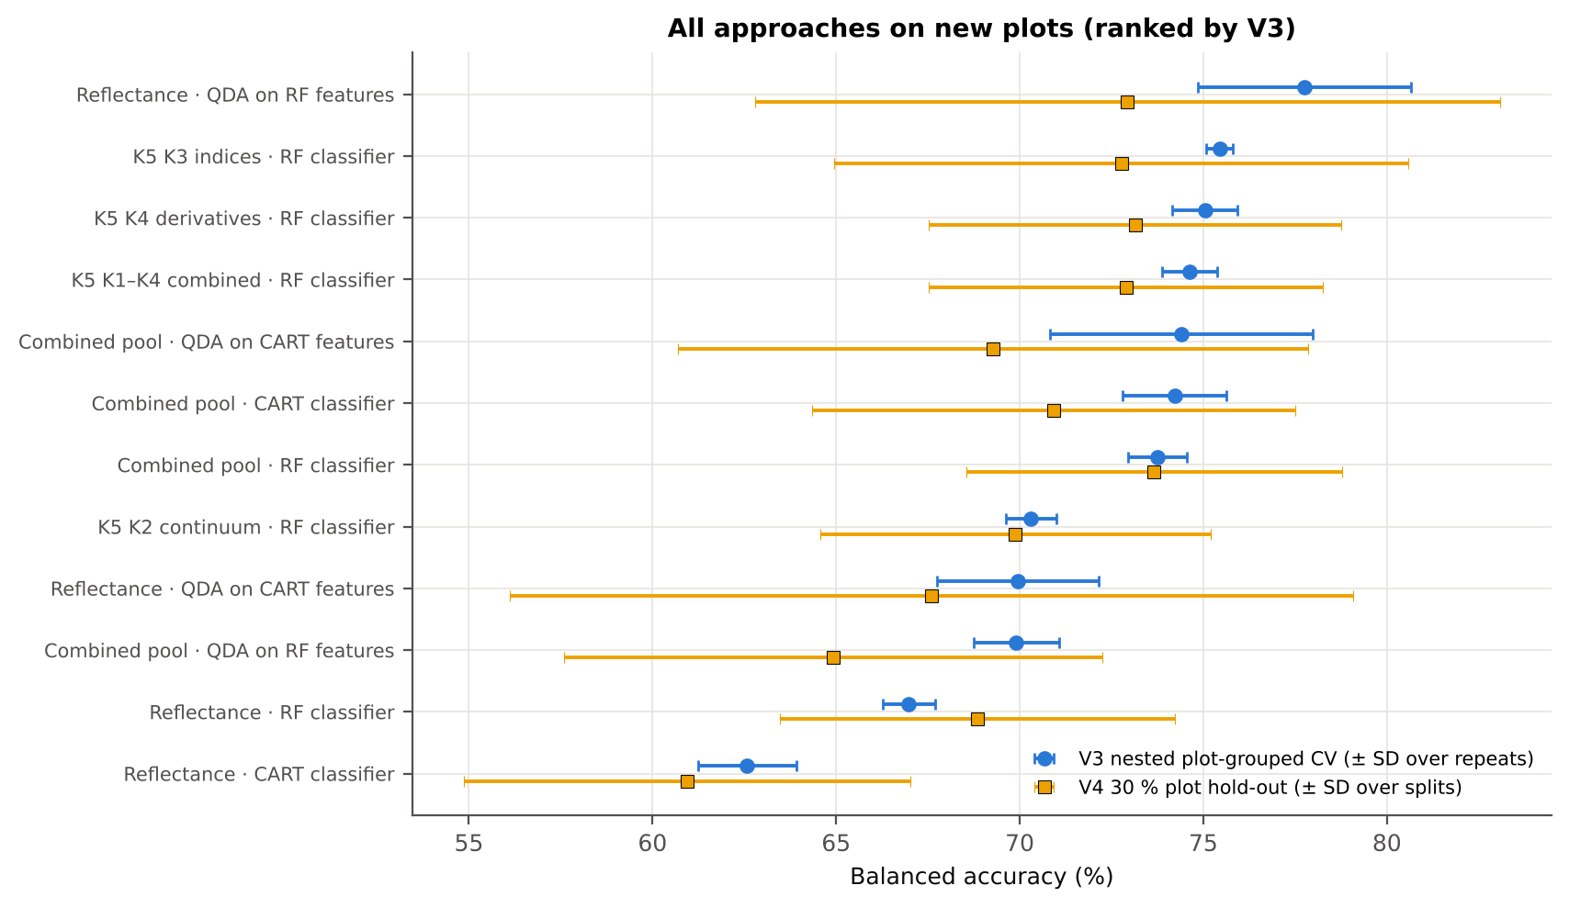
V1 = leaf-level 10-fold CV with features chosen on all leaves (the paper's protocol; optimistic). V3 = nested plot-grouped CV (9-fold × 5 = 45 folds), V4 = 30 % of plots held out × 10, V5 = leave-one-date-out on new plots (14 units: 10 V4 splits × 2 dates, 6 units without usable test leaves skipped); in V3–V5 every selection step is repeated inside the training set. Single features: threshold chosen on training plots.

Conclusions
1. Subset: pod-formation growth stage only — 540 leaves (90 healthy, 450 diseased; imbalance 1 : 5.0), 9 healthy and 27 diseased plots, dates 03-03-2026, 13-03-2026.
2. Tier 1: healthy and white-rust leaves differ significantly at 1683 of 2101 bands (Welch + BH-FDR); 820 bands remain significant with a random plot effect and 1338 in ≥ 95 % of 1000 balanced subsets. The most sensitive single band (smoothed reflectance) reaches AUC 0.77 at 1393 nm.
3. Tier 2: CART (rpart, prior 0.5/0.5) selected 16 bands (root 1397 nm): 1397, 1881, 1406, 584, 2209, 2070, 696, 2428, 954, 1995, 2423, 1326, 1889, 674, 1513, 610 nm. The Balanced RF importance peaks (RF-17) were 1397, 585, 1369, 1411, 1880, 1380, 1452, 2035, 1850, 596, 1868, 1351, 2003, 686, 1324, 1508, 676 nm.
4. Tier 3: J–M = 1.86 on the CART bands and 1.86 on the RF bands: neither set reaches the 1.90 separability threshold (Das et al. used 1.94).
5. Tier 4: QDA with equal priors on the CART bands gives BA 73.3 % in the paper's protocol (V1; healthy recall 83.3 %, diseased recall 63.3 %) and 70.0 % ± 2.2 % (V3 nested, plot-grouped) / 67.6 % (V4 hold-out plots) on new plots.
6. CART vs RF: as classifiers RF beats CART by 5.1 points (V3, RF better in 32 of 45 folds, p = 0.003); as band selectors for QDA the RF bands give +7.8 points vs the CART bands (p = 5.6e-05). RF selection is more stable than CART selection (Jaccard ±10 nm 0.45 vs 0.27).
7. Disease-sensitive features (Part K): the strongest group for RF is K3 vegetation indices (BA 75.4 %, V3) vs 70.3 % for reflectance; best single features: first derivative at 800 nm (AUC 0.79), CR3 water 970 width (AUC 0.85), ARI (AUC 0.77), (SDr − SDy)/(SDr + SDy) (AUC 0.79). REIP (Lagrangian interpolation) shifts by -1.1 nm in diseased leaves (AUC 0.57).
8. Part C (four tiers on the combined K1 + K2–K4 pool, 4150 features, 2879 significant): CART chose 10 features, RF 17 (J–M 1.48 / 1.98); QDA on the RF features reaches 69.9 % (V3) / 64.9 % (V4), -7.8 points vs QDA on RF reflectance bands; best pipeline on the pool: QDA on CART features (74.4 %, V3).
9. Transfer (V5, leave-one-date-out on new plots): QDA on CART reflectance bands 49.9 %, QDA on combined-pool RF features 50.0 % — a clear drop from the V3 estimate (69.9 %); the date/stage effect limits transfer.
10. Compared with all dates, stages and varieties pooled (V3: reflectance QDA-CART 72.0 %, combined-pool QDA-RF 83.7 %; J–M 1.27), this subset gives 70.0 % and 69.9 % (J–M 1.86): discrimination is lower than in the pooled analysis (fewer leaves and plots).

Recommendations
Use K3 vegetation indices features rather than single reflectance bands for this subset; the four-tier selection with RF importance on the combined pool and a QDA or RF classifier is the recommended pipeline.
Report balanced accuracy with both class recalls and the priors used; the classes are imbalanced (1 : 5.0) and equal priors / balanced sampling were applied throughout.
Base conclusions on the plot-grouped estimates (V3 9-fold × 5 = 45 folds, V4 10 hold-outs), not on the leaf-level V1 estimate.
Interpret features near the ASD detector joins (≈ 1000 and 1800 nm) with care; guard zones were excluded from the rankings.

02_Design
Workflow, validation design and model settings
Figure 2 of Das et al. (2020), extended with the corrections and the CART-vs-RF, Part K and Part C steps.
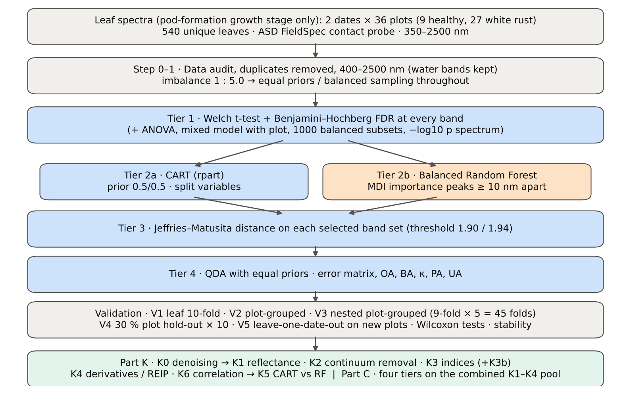

Table 2.1 Corrections applied to the protocol of Das et al. (2020) and why
Issue | Correction | Why
Class imbalance (90 healthy : 450 diseased = 1 : 5.0) | QDA/LDA with equal prior probabilities; rpart prior = c(0.5, 0.5); Balanced RF (each tree on a balanced bootstrap); balanced accuracy as headline metric; 1000 balanced subsets in Tier 1 | without it every classifier favours 'diseased' and overall accuracy is inflated
Two classes only | Welch t-test instead of one-way ANOVA + Tukey HSD (ANOVA reported for comparison: identical ranking) | Tukey HSD is for many pairs; Welch allows unequal variances (Levene)
Multiple testing (2101 bands) | Benjamini–Hochberg FDR (q < 0.05); uncorrected counts reported | 2101 tests at α = 0.05 give ≈ 105 false positives
Pseudo-replication (leaves nested in plots, plots measured on 2 dates) | mixed model with random plot intercept; every honest validation grouped by plot across all dates | leaves of one plot are not independent
Selection bias | Tier 1, band selection and classifier refitted inside every training set (nested V3, V4, V5) | selecting bands on all leaves and validating on the same leaves is optimistic
Water-absorption bands | kept (contact probe with its own light source; no atmospheric path) | Das et al. removed them for canopy measurements
Detector edge 350–399 nm | removed (noise 73 × the 500–699 nm level); sensitivity run with 350–2500 nm | noise could be chosen by CART
Detector joins 1000/1001 and 1800/1801 nm (Part K) | splice correction; guard zones excluded from feature ranking (reported with and without) | instrument artefacts must not be read as disease
Exact duplicate spectra | 75 copies (13-03-2026, block 2) and 4 unnamed copies (plot 27, 11-02-2026) removed from the four files before the subset was taken; 75 of them belong to this subset (75 block-2, 0 unnamed) | a duplicate in both training and test inflates V1
Subset | pod-formation growth stage only: 540 of 2264 leaf spectra; folds, Tier 1–4, Part K and Part C rebuilt for this subset only | each date, stage and variety analysed separately as requested

Table 2.2 Validation design (identical folds in every step; sheet 36_Folds)
Scheme | Folds | What is refitted | Purpose
V1 · leaf-level 10-fold CV | StratifiedKFold, seed 42 | bands fixed (chosen on all leaves); classifier refitted | reproduces the paper (optimistic: leaves of a plot in train and test)
V2 · plot-grouped 9-fold CV | StratifiedGroupKFold, seed 42 | bands fixed; classifier refitted | removes plot leakage, keeps selection bias
V3 · nested plot-grouped CV, 9-fold × 5 = 45 folds | StratifiedGroupKFold, seeds 101–105; k = min(10, plots of the smaller class = 9) so every test fold holds both classes | Tier 1 + selection + classifier refitted | honest estimate for new plots
V4 · hold-out of 30 % of plots × 10 | 3 healthy + 8 diseased plots per split, default_rng(2026) | everything refitted on the remaining plots | independent test plots
V5 · new date and new plots (additional) | train: other dates × V4 training plots; test: held-out date × V4 test plots | everything refitted | transfer to an unseen date and unseen plots

Table 2.3 CART and Random Forest settings
Setting | CART | Random Forest
Algorithm | rpart 4.1.23 in R 4.3.3 (recursive partitioning, as Das et al.) | BalancedRandomForestClassifier (imbalanced-learn 0.14, scikit-learn 1.9)
Split criterion | Gini | Gini
Imbalance correction | prior = c(0.5, 0.5) | sampling_strategy = 'all', replacement = True, bootstrap = False (balanced bootstrap per tree)
Size / randomness | minsplit 20, minbucket 7, cp 0.01, maxcompete 0, maxsurrogate 0 | 500 trees (1000 for importance), max_features = √p, random_state 42
Pruning | default tree used; 1-SE tree from plot-grouped 9-fold CV of cp | —
Band selection | split variables of the tree | top-17 / top-10 MDI importance peaks (+ a set the size of the CART set), local maxima ≥ 10 nm apart
Prediction | class of the terminal node (prior-adjusted) | majority vote (probability > 0.5)

04_Step1_Preprocessing
Step 1 · Pre-processing — band set, noise and outlier screening
Das et al. (2020) removed 1350–1430, 1800–1950 and 2350–2500 nm (atmospheric water, canopy). Here the contact probe has its own light source, so water bands are kept.

What was done
Noise of every band = SD of the residual after Savitzky–Golay smoothing (window 11, order 2). The 350–399 nm detector edge is far noisier than the rest and was removed; everything else (400–2500 nm, 2101 bands) was analysed on the raw (unsmoothed) reflectance in Tiers 1–4, as in Das et al. Outliers were screened with the spectral angle (SAM) to the class median spectrum and flagged, not removed (diseased leaves are expected to vary more).
Table 1.1 Band-set decision
Range (nm) | Bands | Decision | Reason
350–399 | 50 | Removed | detector edge: noise ×73 of the 500–699 nm level
400–1349 | 950 | Retained | visible, red edge, NIR
1350–1430 | 81 | Retained | water band I — contact probe (Das et al. removed it)
1431–1799 | 369 | Retained | SWIR-1
1800–1950 | 151 | Retained | water band II — contact probe (Das et al. removed it)
1951–2349 | 399 | Retained | SWIR-2
2350–2500 | 151 | Retained | SWIR-2 end — contact probe (Das et al. removed it)
Bands analysed (Excel) | 2101

Table 1.2 Noise level by spectral region
Range (nm) | Noise (SD of SG residual) | Ratio to 500–699 nm
350–399 | 0.0043 | 73.46
400–499 | 5.532E-04 | 9.4236
500–699 | 5.870E-05 | 1.0000
700–1000 | 6.224E-05 | 1.0603
1001–1349 | 3.637E-05 | 0.6195
1350–1430 | 1.410E-05 | 0.2402
1431–1799 | 8.665E-06 | 0.1476
1800–1950 | 1.488E-05 | 0.2534
1951–2349 | 1.186E-05 | 0.2021
2350–2500 | 5.595E-05 | 0.9532

Table 1.3 Outlier screening: spectral angle to the class median
Class | Leaves | Median SAM (rad) | 95th pct (rad) | Max (rad) | Leaves > 0.15 rad
Healthy | 90 | 0.0504 | 0.1063 | 0.1523 | 1
Diseased | 450 | 0.0519 | 0.1756 | 0.5721 | 37

Table 1.4 Ten most deviating spectra (flagged, kept)
Plot | Class | Date | Growth stage | File | SAM (rad) | R1985 (leaf) | R1985 (class median)
24 | Diseased | 03-03-2026 | Pod formation | Mustard00277.asd.sco | 0.5721 | 0.5961 | 0.0767
24 | Diseased | 03-03-2026 | Pod formation | Mustard00283.asd.sco | 0.4348 | 0.3580 | 0.0767
41 | Diseased | 03-03-2026 | Pod formation | Mustard00537.asd.sco | 0.4186 | 0.3589 | 0.0767
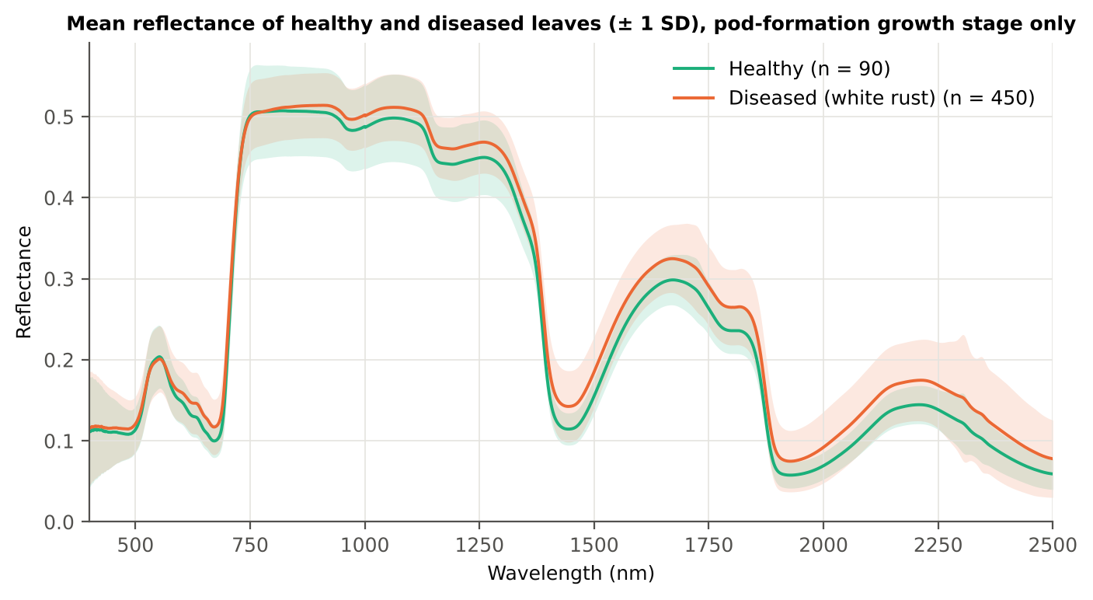
41 | Diseased | 03-03-2026 | Pod formation | Mustard00529.asd.sco | 0.3512 | 0.3241 | 0.0767
34 | Diseased | 03-03-2026 | Pod formation | Mustard00427.asd.sco | 0.3508 | 0.2401 | 0.0767
38 | Diseased | 13-03-2026 | Pod formation | Mustard00039.asd.sco | 0.3451 | 0.2516 | 0.0767
24 | Diseased | 13-03-2026 | Pod formation | Mustard00267.asd.sco | 0.2788 | 0.1740 | 0.0767
41 | Diseased | 03-03-2026 | Pod formation | Mustard00543.asd.sco | 0.2565 | 0.1960 | 0.0767
38 | Diseased | 13-03-2026 | Pod formation | Mustard00032.asd.sco | 0.2516 | 0.2115 | 0.0767
34 | Diseased | 03-03-2026 | Pod formation | Mustard00431.asd.sco | 0.2495 | 0.1709 | 0.0767

Figure 3 (as in Das et al. 2020). Mean reflectance of healthy and diseased leaves

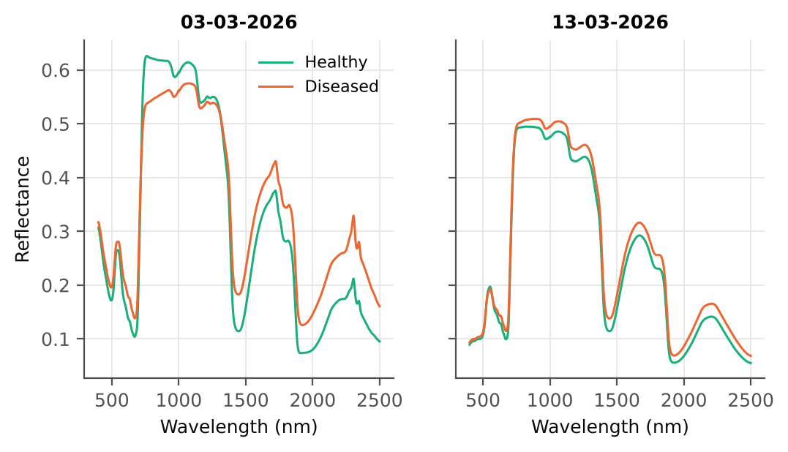

Native Excel chart of the same data: sheet 37_ChartData, columns A–C.
Table 1.5 Duplicate sensitivity run not applicable: the 4 unnamed plot-27 copies (11-02-2026) are not part of this subset.

05_Tier1_Ttest
Step 2 · Tier 1 — Welch's t-test at every band with Benjamini–Hochberg FDR
Das et al. (2020) used one-way ANOVA (p < 0.05) + Tukey HSD for 14 genotypes; with two classes the equivalent is a t-test.

Result in brief
Tier 1: healthy and white-rust leaves differ significantly at 1683 of 2101 bands (Welch + BH-FDR); 820 bands remain significant with a random plot effect and 1338 in ≥ 95 % of 1000 balanced subsets. The most sensitive single band (smoothed reflectance) reaches AUC 0.77 at 1393 nm.
Uncorrected, 1702 bands have p < 0.05; ANOVA + FDR gives 1700 (same ranking as Welch).

What was done
At each of the 2101 bands the mean reflectance of healthy (n = 90) and diseased (n = 450) leaves was compared with Welch's t-test (unequal variances; Levene's test shows unequal variances at many bands) and the p-values were adjusted with the Benjamini–Hochberg false-discovery rate. Bands with q < 0.05 go to Tier 2. Because 450 diseased leaves give high power even for tiny differences, the test was repeated on 1000 balanced random subsets (90 vs 90), and a linear mixed model with a random plot intercept checks pseudo-replication.
Table 2.1 Number of significant bands
Test | Significant bands | Bands tested | Share (Excel)
Welch t-test + BH-FDR q < 0.05 (used for Tier 2) | 1683 | 2101 | 80.1%
One-way ANOVA p < 0.05, uncorrected (rule of Das et al.) | 1708 | 2101 | 81.3%
One-way ANOVA + BH-FDR q < 0.05 | 1700 | 2101 | 80.9%
Welch t-test p < 0.05, uncorrected | 1702 | 2101 | 81.0%
Mixed model (random plot effect) + BH-FDR q < 0.05 | 820 | 2101 | 39.0%
Balanced subsets (90 vs 90): significant in ≥ 95 % of 1000 subsets | 1338 | 2101 | 63.7%
Levene test p < 0.05 (unequal variances → Welch) | 1313 | 2101 | 62.5%

Table 2.2 Contiguous ranges (Welch + FDR)
Range (nm) | Bands | Result
400–581 | 182 | not significant
582–715 | 134 | significant
716–951 | 236 | not significant
952–2500 | 1549 | significant

Table 2.3 Significance by spectral region
Region | Bands | Welch+FDR significant | Mixed-model significant | Band of max |t| | Max t | Mean diff (D − H)
Blue (400–499) | 100 | 0 | 0 | 498.00 | 2.0523 | 0.0070
Green (500–599) | 100 | 18 | 0 | 599.00 | 3.2174 | 0.0112
Red (600–679) | 80 | 80 | 0 | 679.00 | 6.4565 | 0.0176
Red edge (680–759) | 80 | 36 | 10 | 687.00 | 6.7138 | 0.0198
NIR (760–1349) | 590 | 398 | 26 | 1349.00 | 6.2508 | 0.0253
Water band I (1350–1430) | 81 | 81 | 81 | 1400.00 | 9.9607 | 0.0313
SWIR-1 (1431–1799) | 369 | 369 | 285 | 1490.00 | 9.5583 | 0.0295
Water band II (1800–1950) | 151 | 151 | 110 | 1874.00 | 9.7488 | 0.0307
SWIR-2 (1951–2349) | 399 | 399 | 308 | 2079.00 | 9.2547 | 0.0281
SWIR-2 end (2350–2500) | 151 | 151 | 0 | 2365.00 | 7.0289 | 0.0286

Table 2.4 Fifteen most significant bands
Wavelength (nm) | Mean healthy | Mean diseased | Diff (D − H) | Welch t | Welch df | q (BH) | Hedges g | Mixed-model q
1400.00 | 0.1663 | 0.1976 | 0.0313 | 9.9607 | 252.50 | 1.004E-17 | 0.7554 | 0.0313
1399.00 | 0.1707 | 0.2020 | 0.0314 | 9.9598 | 248.91 | 1.004E-17 | 0.7595 | 0.0313
1401.00 | 0.1622 | 0.1933 | 0.0312 | 9.9575 | 255.96 | 1.004E-17 | 0.7512 | 0.0313
1398.00 | 0.1753 | 0.2068 | 0.0315 | 9.9546 | 245.17 | 1.004E-17 | 0.7637 | 0.0313
1402.00 | 0.1583 | 0.1894 | 0.0310 | 9.9501 | 259.20 | 1.004E-17 | 0.7470 | 0.0313
1397.00 | 0.1802 | 0.2118 | 0.0315 | 9.9436 | 241.29 | 1.004E-17 | 0.7677 | 0.0313
1403.00 | 0.1547 | 0.1857 | 0.0309 | 9.9395 | 262.29 | 1.004E-17 | 0.7429 | 0.0313
1404.00 | 0.1514 | 0.1822 | 0.0308 | 9.9266 | 265.25 | 1.004E-17 | 0.7389 | 0.0313
1396.00 | 0.1854 | 0.2170 | 0.0316 | 9.9264 | 237.24 | 1.037E-17 | 0.7717 | 0.0313
1405.00 | 0.1483 | 0.1789 | 0.0307 | 9.9116 | 267.99 | 1.004E-17 | 0.7349 | 0.0313
1395.00 | 0.1908 | 0.2224 | 0.0316 | 9.9013 | 233.10 | 1.107E-17 | 0.7753 | 0.0313
1406.00 | 0.1454 | 0.1759 | 0.0305 | 9.8945 | 270.57 | 1.004E-17 | 0.7311 | 0.0313
1407.00 | 0.1427 | 0.1731 | 0.0304 | 9.8765 | 272.95 | 1.004E-17 | 0.7274 | 0.0313
1394.00 | 0.1965 | 0.2281 | 0.0316 | 9.8675 | 228.77 | 1.314E-17 | 0.7788 | 0.0313
1408.00 | 0.1402 | 0.1705 | 0.0303 | 9.8576 | 275.14 | 1.004E-17 | 0.7239 | 0.0313

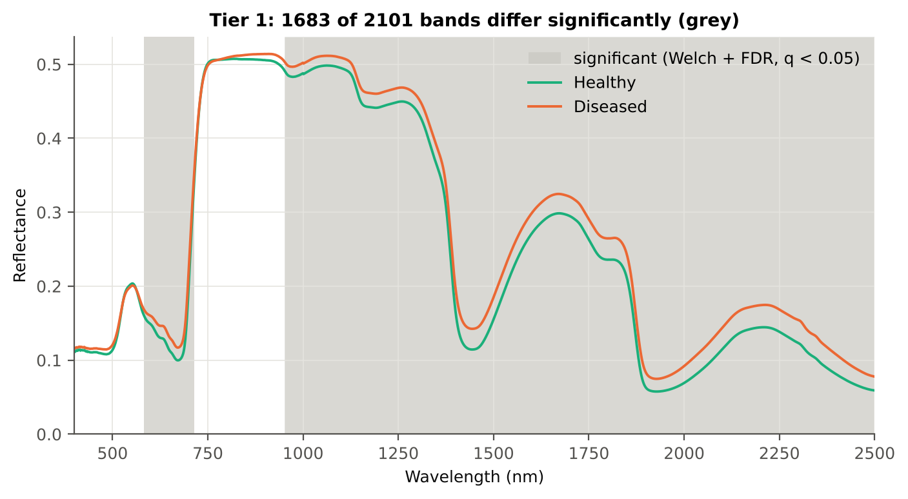
Table 2.5 Tier 1 on 1000 balanced subsets
Balanced-subset check (imbalance) | Value
Balanced random subsets drawn | 1000
Leaves per subset (healthy + diseased) | 90 + 90
Significant bands per subset — median | 1523.00
— minimum | 1254
— maximum | 1888
Bands significant in 100 % of subsets | 1224
Bands significant in ≥ 95 % of subsets | 1338
Bands never significant | 90

Figure 4 (as in Das et al. 2020 Fig. 4). Bands where healthy and diseased leaves differ (grey)

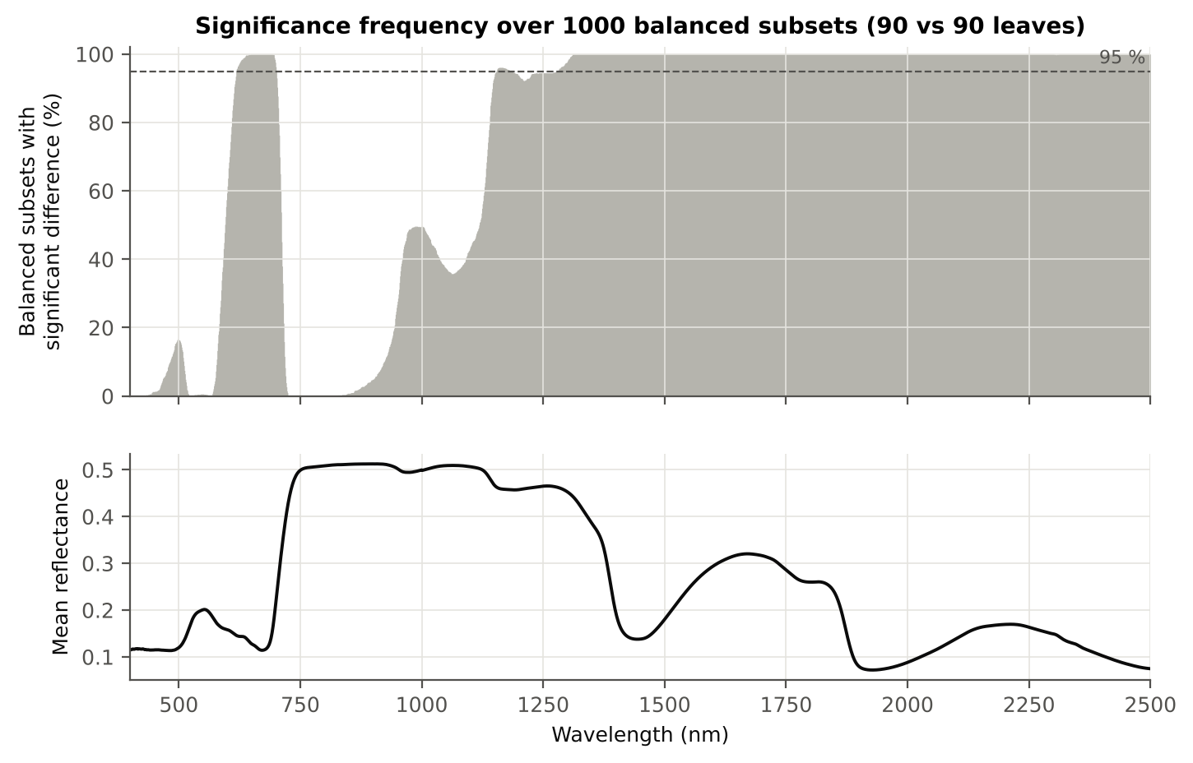

Figure 5 (as in Das et al. 2020 Fig. 5). Significance frequency (balanced subsets) and mean reflectance

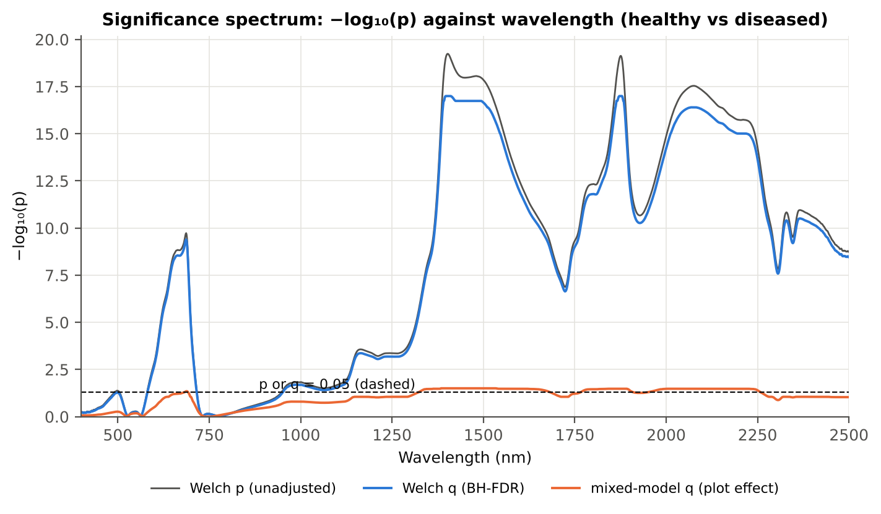

Figure 5b. −log₁₀(p) against wavelength

Native Excel versions of Figures 3–5b: sheet 37_ChartData (charts placed beside the data).
Cross-checks for this step
Step | What was checked | Method | Result | Status
Tier 1 | Training sets with < 2 FDR-significant features (nested V3/V4/V5) | fallback: uncorrected p < 0.05, else the 20 smallest p | 0 of 69 training sets | PASS
Tier 1 | Mixed model implementation | R nlme::lme vs Python statsmodels MixedLM (Powell), every 50th band | Spearman ρ of p-values 1.000 (statsmodels uses a Wald z-test, nlme a t-test with 34 df, so nlme p-values are larger) | PASS
Tier 1 | Welch t-statistic | SciPy ttest_ind(equal_var=False) vs vectorised formula | max |Δt| = 3.6e-15 | PASS
Tier 1 | Benjamini–Hochberg q-values | statsmodels multipletests vs own step-up | max |Δq| = 1.1e-16 | PASS
Tier 1 | ANOVA equivalence | one-way ANOVA F (SciPy, every 50th band) vs Student t² | max relative |F − t²| = 5.3e-14 | PASS
Tier 1 | Class imbalance | 1000 balanced subsets (90 vs 90 leaves) | median 1523 significant bands per subset vs 1683 on all leaves | PASS
Tier 1 | Pseudo-replication | linear mixed model v ~ Disease + (1|plot), REML, R nlme::lme (t-test, 34 df), BH-FDR | 820 of 2101 bands significant (Welch: 1683); plot ICC median 0.230 | PASS

06_Tier2_CART
Step 3 · Tier 2 — CART band selection with equal priors (rpart)
Das et al. (2020): 'To apply this technique we used the method rpart from package rpart' — the split variables are the selected wavelengths.

Result in brief
Tier 2: CART (rpart, prior 0.5/0.5) selected 16 bands (root 1397 nm): 1397, 1881, 1406, 584, 2209, 2070, 696, 2428, 954, 1995, 2423, 1326, 1889, 674, 1513, 610 nm. The Balanced RF importance peaks (RF-17) were 1397, 585, 1369, 1411, 1880, 1380, 1452, 2035, 1850, 596, 1868, 1351, 2003, 686, 1324, 1508, 676 nm.
Re-selection of each CART band in plot-level bootstraps and in the nested training sets is shown in Table 3.1 and Figure 6b; bands re-selected in < 50 % of the training sets should not be interpreted individually.

What was done
Input: the 1683 FDR-significant bands of Tier 1 (raw reflectance). rpart (R 4.3.3, rpart 4.1.23) with method = 'class', prior = c(0.5, 0.5) (imbalance correction), split = 'gini', minsplit 20, minbucket 7, cp 0.01, no competitor or surrogate splits. The wavelengths used as split variables form the CART band set. The complexity parameter was cross-validated with plot-grouped folds; the 1-SE tree gives a smaller alternative set. Stability: rpart refitted on 200 plot-level bootstrap samples and inside the 45 nested training sets of V3 (a band counts as re-selected if a band within ± 10 nm is chosen).
Table 3.1 The 16 wavelengths selected by CART
Band (nm) | Region | First used at node | Tree depth | Mean healthy | Mean diseased | Welch t | q (BH) | Bootstrap re-selection (±10 nm) | Nested-CV re-selection (±10 nm) | Mixed model significant | Interpretation
584.00 | Green (500–599) | 5 | 2 | 0.1587 | 0.1672 | 2.3146 | 0.0288 | 79.5% | 46.7% | no | green peak: chlorosis / pigment ratio change
610.00 | Red (600–679) | 101 | 6 | 0.1411 | 0.1545 | 3.9853 | 1.634E-04 | 10.5% | 20.0% | no | chlorophyll-a absorption well
674.00 | Red (600–679) | 50 | 5 | 0.1000 | 0.1173 | 6.3712 | 2.477E-09 | 51.5% | 71.1% | no | chlorophyll-a absorption well
696.00 | Red edge (680–759) | 11 | 3 | 0.1635 | 0.1854 | 5.3966 | 3.937E-07 | 65.5% | 64.4% | no | red edge: chlorophyll loss and leaf structure
954.00 | NIR (760–1349) | 20 | 4 | 0.4894 | 0.5017 | 2.1500 | 0.0422 | 34.0% | 20.0% | no | NIR plateau: mesophyll structure / cell damage
1326.00 | NIR (760–1349) | 41 | 5 | 0.4040 | 0.4271 | 5.1312 | 1.856E-06 | 24.0% | 4.4% | yes | NIR plateau: mesophyll structure / cell damage
1397.00 | Water band I (1350–1430) | 1 | 0 | 0.1802 | 0.2118 | 9.9436 | 1.004E-17 | 59.0% | 88.9% | yes | leaf water absorption (≈1400 nm)
1406.00 | Water band I (1350–1430) | 3 | 1 | 0.1454 | 0.1759 | 9.8945 | 1.004E-17 | 47.0% | 80.0% | yes | leaf water absorption (≈1400 nm)
1513.00 | SWIR-1 (1431–1799) | 100 | 6 | 0.1728 | 0.2029 | 9.4572 | 4.142E-17 | 8.5% | 24.4% | yes | SWIR-1: water, dry matter
1881.00 | Water band II (1800–1950) | 2 | 1 | 0.0996 | 0.1281 | 9.5579 | 1.239E-17 | 77.5% | 82.2% | yes | leaf water absorption (O–H, ≈1940 nm)
1889.00 | Water band II (1800–1950) | 49 | 5 | 0.0768 | 0.1017 | 8.8376 | 2.597E-16 | 69.0% | 77.8% | yes | leaf water absorption (O–H, ≈1940 nm)
1995.00 | SWIR-2 (1951–2349) | 24 | 4 | 0.0677 | 0.0900 | 8.2414 | 1.349E-14 | 13.0% | 28.9% | yes | SWIR-2: water wing, protein / cellulose / lignin
2070.00 | SWIR-2 (1951–2349) | 10 | 3 | 0.0983 | 0.1260 | 9.2405 | 3.975E-17 | 7.5% | 4.4% | yes | SWIR-2: water wing, protein / cellulose / lignin
2209.00 | SWIR-2 (1951–2349) | 6 | 2 | 0.1446 | 0.1747 | 8.7731 | 9.733E-16 | 5.5% | 26.7% | yes | SWIR-2: water wing, protein / cellulose / lignin
2423.00 | SWIR-2 end (2350–2500) | 25 | 4 | 0.0736 | 0.0982 | 6.7538 | 1.292E-10 | 15.0% | 28.9% | no | cellulose/lignin; detector edge with higher noise
2428.00 | SWIR-2 end (2350–2500) | 12 | 3 | 0.0722 | 0.0964 | 6.7236 | 1.539E-10 | 14.0% | 24.4% | no | cellulose/lignin; detector edge with higher noise

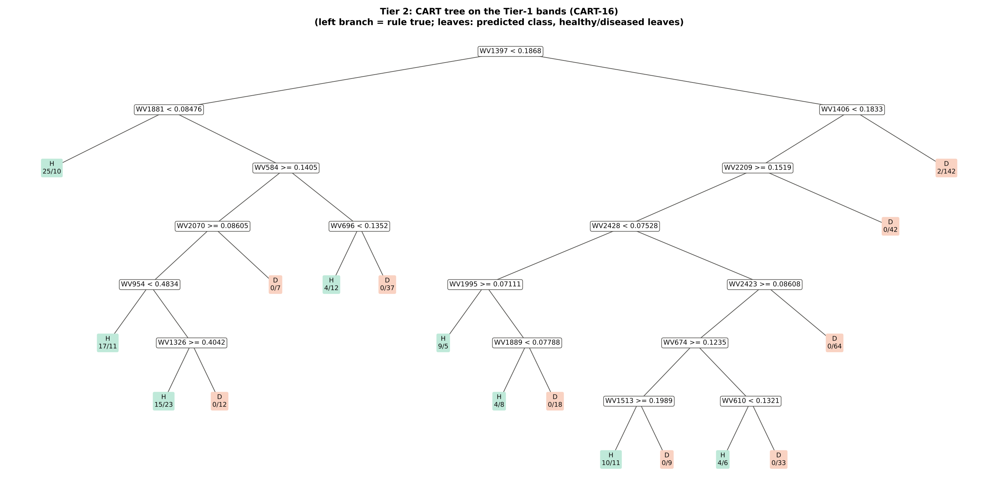
Figure 6 (as in Das et al. 2020 Fig. 6). CART tree

Table 3.2 Tree nodes (rpart frame)
Node | Depth | Split variable | Rule (left branch of the parent) | Leaves | Healthy | Diseased | Predicted class
1 | 0 | WV1397 | root | 540 | 90 | 450 | H
2 | 1 | WV1881 | WV1397< 0.1868 | 173 | 61 | 112 | H
4 | 2 | leaf | WV1881< 0.08476 | 35 | 25 | 10 | H
5 | 2 | WV584 | WV1881>=0.08476 | 138 | 36 | 102 | H
10 | 3 | WV2070 | WV584>=0.1405 | 85 | 32 | 53 | H
20 | 4 | WV954 | WV2070>=0.08605 | 78 | 32 | 46 | H
40 | 5 | leaf | WV954< 0.4834 | 28 | 17 | 11 | H
41 | 5 | WV1326 | WV954>=0.4834 | 50 | 15 | 35 | H
82 | 6 | leaf | WV1326>=0.4042 | 38 | 15 | 23 | H
83 | 6 | leaf | WV1326< 0.4042 | 12 | 0 | 12 | D
21 | 4 | leaf | WV2070< 0.08605 | 7 | 0 | 7 | D
11 | 3 | WV696 | WV584< 0.1405 | 53 | 4 | 49 | D
22 | 4 | leaf | WV696< 0.1352 | 16 | 4 | 12 | H
23 | 4 | leaf | WV696>=0.1352 | 37 | 0 | 37 | D
3 | 1 | WV1406 | WV1397>=0.1868 | 367 | 29 | 338 | D
6 | 2 | WV2209 | WV1406< 0.1833 | 223 | 27 | 196 | D
12 | 3 | WV2428 | WV2209>=0.1519 | 181 | 27 | 154 | D
24 | 4 | WV1995 | WV2428< 0.07528 | 44 | 13 | 31 | H
48 | 5 | leaf | WV1995>=0.07111 | 14 | 9 | 5 | H
49 | 5 | WV1889 | WV1995< 0.07111 | 30 | 4 | 26 | D
98 | 6 | leaf | WV1889< 0.07788 | 12 | 4 | 8 | H
99 | 6 | leaf | WV1889>=0.07788 | 18 | 0 | 18 | D
25 | 4 | WV2423 | WV2428>=0.07528 | 137 | 14 | 123 | D
50 | 5 | WV674 | WV2423>=0.08608 | 73 | 14 | 59 | H
100 | 6 | WV1513 | WV674>=0.1235 | 30 | 10 | 20 | H
200 | 7 | leaf | WV1513>=0.1989 | 21 | 10 | 11 | H
201 | 7 | leaf | WV1513< 0.1989 | 9 | 0 | 9 | D
101 | 6 | WV610 | WV674< 0.1235 | 43 | 4 | 39 | D
202 | 7 | leaf | WV610< 0.1321 | 10 | 4 | 6 | H
203 | 7 | leaf | WV610>=0.1321 | 33 | 0 | 33 | D
51 | 5 | leaf | WV2423< 0.08608 | 64 | 0 | 64 | D
13 | 3 | leaf | WV2209< 0.1519 | 42 | 0 | 42 | D
7 | 2 | leaf | WV1406>=0.1833 | 144 | 2 | 142 | D

Table 3.3 Complexity-parameter table (plot-grouped 9-fold CV)
CP | Number of splits | Relative error | Cross-validated error (plot-grouped) | SE of CV error
0.4289 | 0.0000 | 1.0000 | 1.1000 | 0.0445
0.0322 | 1.0000 | 0.5711 | 0.6689 | 0.0664
0.0252 | 3.0000 | 0.5067 | 0.7800 | 0.0711
0.0200 | 9.0000 | 0.3333 | 0.7644 | 0.0704
0.0200 | 10.00 | 0.3133 | 0.7467 | 0.0698
0.0178 | 12.00 | 0.2733 | 0.7444 | 0.0698
0.0156 | 13.00 | 0.2556 | 0.7467 | 0.0691
0.0133 | 14.00 | 0.2400 | 0.7733 | 0.0704
0.0100 | 16.00 | 0.2133 | 0.8133 | 0.0730
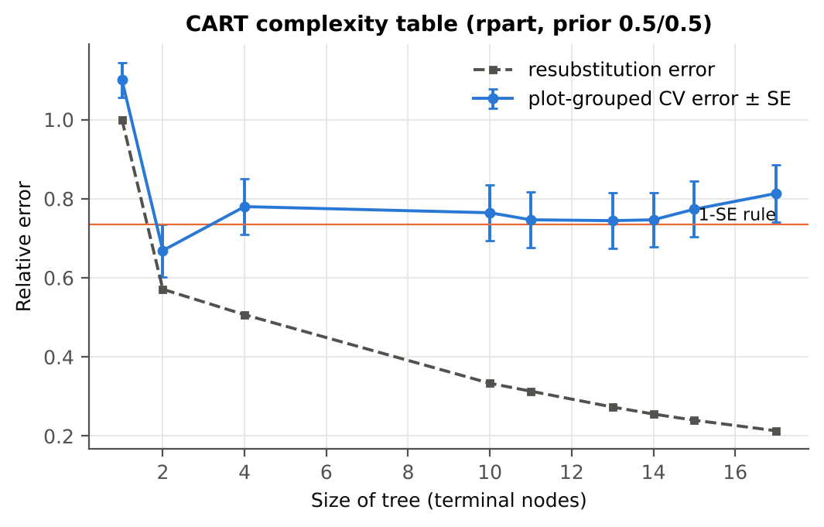

Table 3.4 Selected band sets
Tree | Bands | Wavelengths (nm)
CART-16 | 16 | 1397, 1881, 1406, 584, 2209, 2070, 696, 2428, 954, 1995, 2423, 1326, 1889, 674, 1513, 610
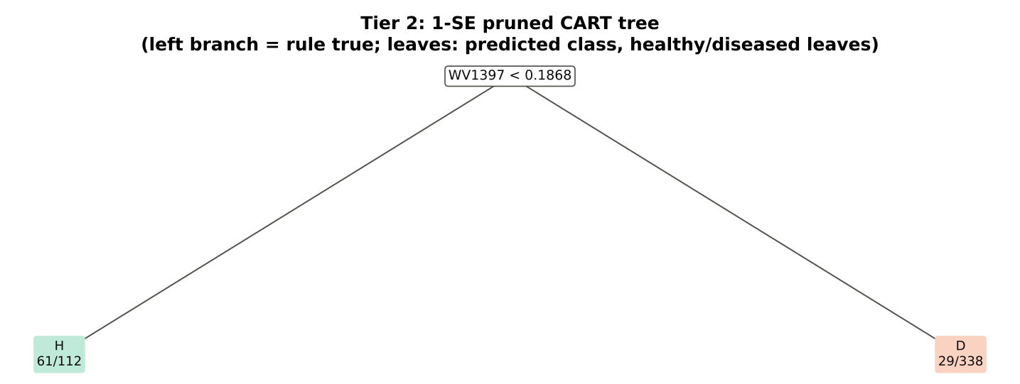
CART-1 (1-SE) | 1 | 1397

Table 3.5 Cross-check of the CART result with scikit-learn
Item | rpart (R) | scikit-learn (balanced class weights) | Agreement
Root split | WV1397< 0.1868 | WV1397 < 0.18676 | identical variable
Split of the left child | WV1881< 0.08476 | WV1881 | identical variable
Bands used by the trees | 16 bands (cp = 0.01) | 27 bands (depth ≤ 8) | 14 of 16 rpart bands within ±5 nm
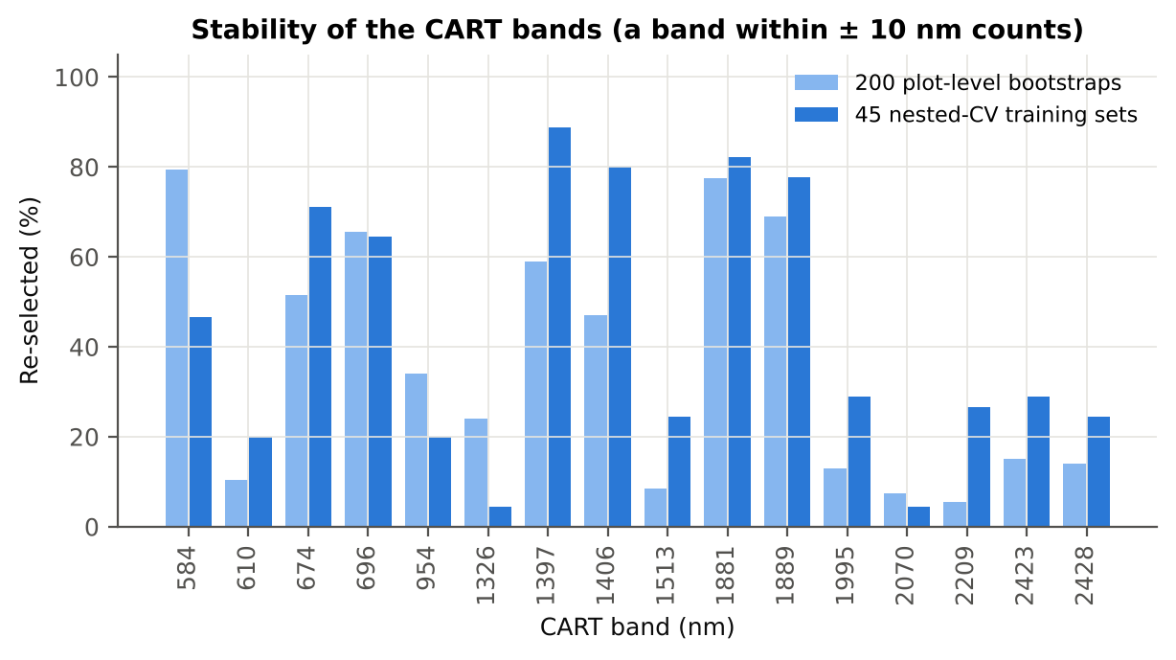

Figure 6b. Re-selection frequency of each CART band

Cross-checks for this step
Step | What was checked | Method | Result | Status
Tier 2 | CART implementation | rpart (R) vs scikit-learn DecisionTreeClassifier | root variable rpart 'WV1397< 0.1868' vs sklearn 'WV1397 < 0.1868' | PASS
Tier 2 | Stability of the selected bands | 200 plot-level bootstrap trees; 45 nested-CV training sets | 1397 nm 89 %; 1881 nm 82 %; 1406 nm 80 % | PASS

07_Tier3_JM
Step 4 · Tier 3 — Jeffries–Matusita (J–M) distance
J–M = 2(1 − e^(−α)) on the 0–2 scale of the thresholds 1.90 / 1.94 used by Das et al.; √J–M (Eq. 1 printed in the paper, 0–√2) is also given.

Result in brief
Tier 3: J–M = 1.86 on the CART bands and 1.86 on the RF bands: neither set reaches the 1.90 separability threshold (Das et al. used 1.94).

What was done
α (Bhattacharyya distance) = ⅛ (μH − μD)ᵀ [(ΣH + ΣD)/2]⁻¹ (μH − μD) + ½ ln( |(ΣH + ΣD)/2| / √(|ΣH| |ΣD|) ), computed with class means and covariance matrices of the selected bands (Cholesky factorisation; checked against explicit inverse and determinants). Classes are 'separable' when J–M ≥ 1.90 (Das et al. used ≥ 1.94, 97 % of 2).
Table 1 (as in Das et al. 2020). J–M distance between healthy and diseased leaves (CART-16 bands)
 | Healthy | Diseased
Healthy | – | –
Diseased | 1.8641 | –

Table 4.1 Healthy vs diseased separability (formulas: J–M, √J–M and the threshold tests)
Band set | Bands | α (Bhattacharyya) | J–M (0–2) (Excel) | √J–M (Excel) | ≥ 1.90 ? (Excel) | ≥ 1.94 ? (Excel)
CART-16 | 16 | 2.6890 | 1.8641 | 1.3653 | not separable | not separable
CART-1 (1-SE) | 1 | 0.2006 | 0.3635 | 0.6029 | not separable | not separable

Table 4.2 J–M and QDA BA as the CART bands are added (order of first use in the tree)
Features used | CART feature added | CART J–M | CART QDA BA
1 | WV1397 | 0.3635 | 64.8%
2 | WV1881 | 0.6175 | 64.3%
3 | WV1406 | 0.7033 | 63.0%
4 | WV584 | 0.7637 | 61.0%
5 | WV2209 | 0.8913 | 64.4%
6 | WV2070 | 1.0614 | 64.8%
7 | WV696 | 1.2773 | 72.2%
8 | WV2428 | 1.3722 | 74.1%
9 | WV954 | 1.4892 | 73.2%
10 | WV1995 | 1.5626 | 73.9%
11 | WV2423 | 1.5930 | 74.0%
12 | WV1326 | 1.6186 | 73.2%
13 | WV1889 | 1.7230 | 73.1%
14 | WV674 | 1.7738 | 74.1%
15 | WV1513 | 1.8345 | 73.3%
16 | WV610 | 1.8641 | 73.3%
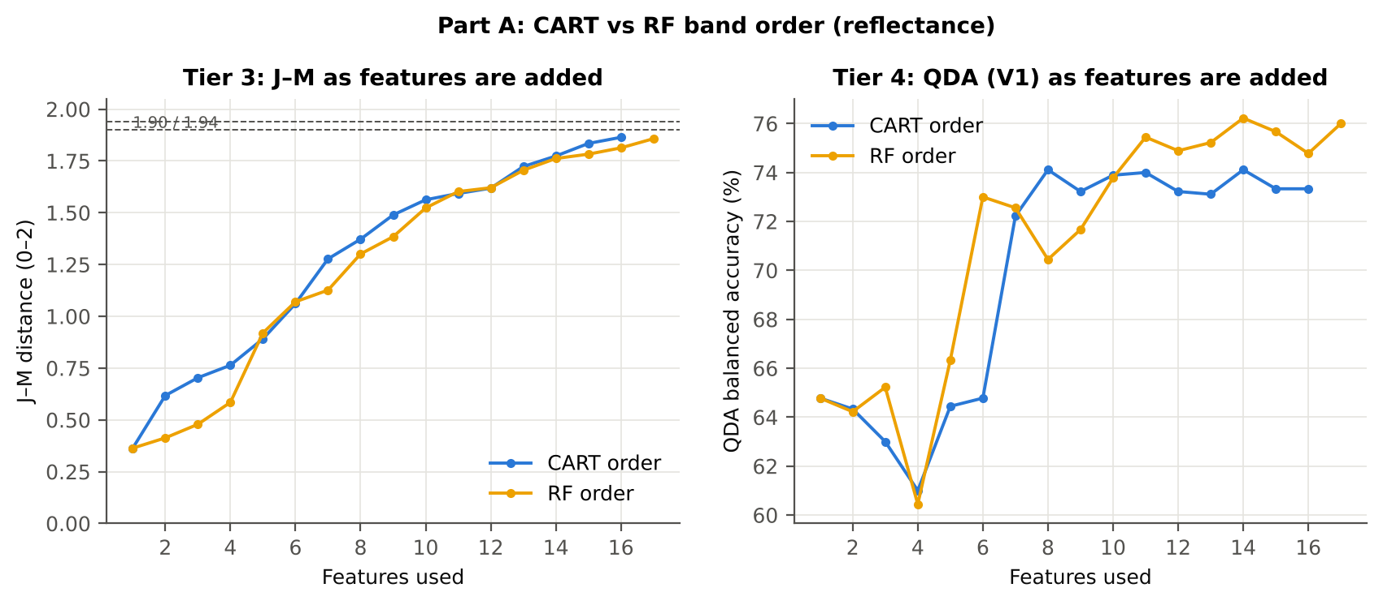

Table 4.3 Numerical diagnostics
Diagnostic | Value
Condition number of healthy covariance | 589645.71
Condition number of diseased covariance | 2.576E+06
J–M of the healthy class with itself (must be 0) | 0.0000

Cross-checks for this step
Step | What was checked | Method | Result | Status
Tier 3 | J–M implementation (Part A (raw reflectance)) | Cholesky/log-det vs explicit inverse/determinant | |Δα| = 5.2e-13 | PASS
Tier 3 | Invertibility of the class covariances | condition number of the class correlation matrices of every selected set | max 1.6e+07 (well below the ~1e12 limit of double precision) | PASS
Tier 3 | J–M is scale-invariant | J–M on raw vs standardised features of every selected set | max |ΔJ–M| = 1.9e-11 | PASS
Tier 3 | J–M formula | J–M of the healthy class with itself (must be 0) | 0.0e+00 | PASS

09_Validation
Step 6 · Validation of the complete four-tier pipeline
From the protocol of Das et al. (bands chosen on all leaves, leaf-level CV) to honest estimates for new plots and new dates.

Result in brief
QDA on CART bands, equal priors: V1 73.3 %, V3 70.0 %, V4 67.6 %, V5 (leave-one-date-out on new plots) 49.9 %. Leaf-level CV is optimistic here (V1 − V3 > 3 points): plot effects and selection bias matter.

What was done
Das et al. selected bands on all data and validated QDA by 10-fold CV on the same data (V1). Here the pipeline is also validated with folds grouped by plot (V2), with the whole pipeline nested inside plot-grouped folds (V3, 9-fold × 5 = 45 folds), on independent hold-out plots (V4, 10 splits), with random under-sampling instead of equal priors (V3-RUS) and on an unseen date in unseen plots (V5, additional). All rows: QDA on CART-selected bands.
Table 6.1 Validation results (mean over repeats; SD over repeats)
Scheme | Priors | repeats | OA | BA | BA_SD | kappa | AUC | PA_H | PA_D | UA_H | UA_D
V1 · leaf-level 10-fold, bands fixed | equal (corrected) | 1 | 66.7% | 73.3% |  | 0.2800 | 0.8561 | 83.3% | 63.3% | 31.3% | 95.0%
V2 · plot-grouped 9-fold, bands fixed | equal (corrected) | 1 | 63.1% | 66.3% |  | 0.1976 | 0.7343 | 71.1% | 61.6% | 27.0% | 91.4%
V3 · nested plot-grouped 9-fold × 5 = 45 folds | equal (corrected) | 5 | 66.5% | 70.0% | 2.2% | 0.2489 | 0.7568 | 75.1% | 64.8% | 29.9% | 92.9%
V4 · 30 % plot hold-out × 10 | equal (corrected) | 10 | 68.3% | 67.6% | 11.5% | 0.2696 | 0.7304 | 66.9% | 68.2% | 35.4% | 89.1%
V5 · leave-one-date-out on new plots (14 units) | equal (corrected) | 10 | 66.5% | 49.9% |  | -0.0013 | 0.4979 | 0.8% | 99.0% | 16.7% | 67.0%
V1 · leaf-level 10-fold, bands fixed | sample (uncorrected) | 1 | 72.0% | 75.2% |  | 0.3338 | 0.8561 | 80.0% | 70.4% | 35.1% | 94.6%
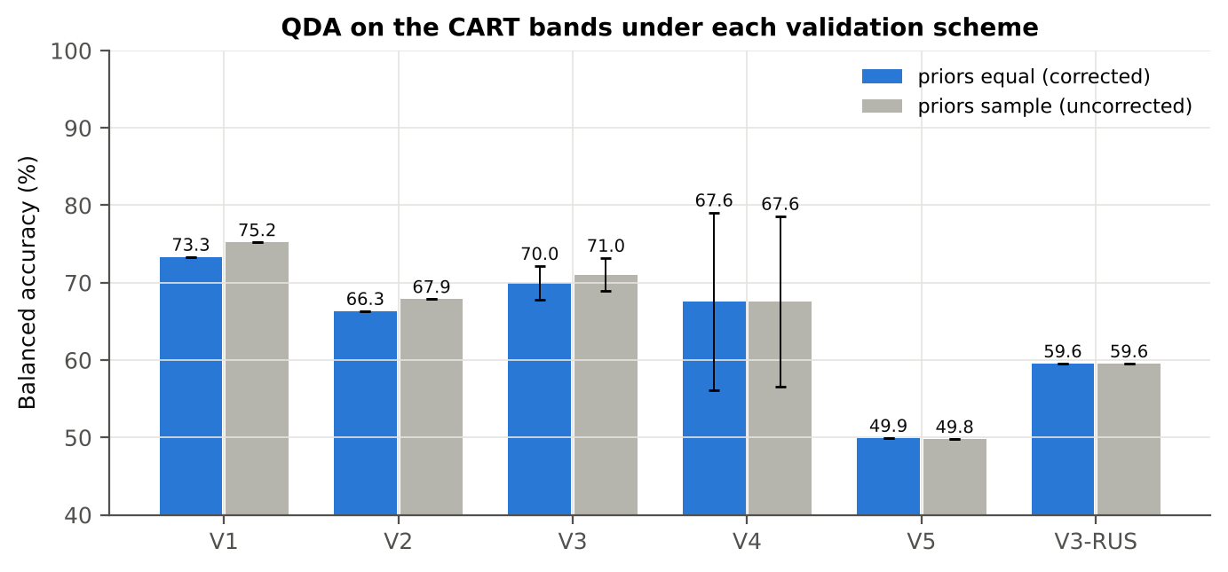
V2 · plot-grouped 9-fold, bands fixed | sample (uncorrected) | 1 | 69.4% | 67.9% |  | 0.2454 | 0.7337 | 65.6% | 70.2% | 30.6% | 91.1%
V3 · nested plot-grouped 9-fold × 5 = 45 folds | sample (uncorrected) | 5 | 74.1% | 71.0% | 2.2% | 0.3107 | 0.7573 | 66.4% | 75.6% | 35.3% | 91.9%
V4 · 30 % plot hold-out × 10 | sample (uncorrected) | 10 | 74.7% | 67.6% | 11.0% | 0.3180 | 0.7308 | 57.0% | 78.2% | 41.8% | 88.5%
V5 · leave-one-date-out on new plots (14 units) | sample (uncorrected) | 10 | 66.8% | 49.8% |  | -0.0051 | 0.4979 | 0.0% | 99.6% | 0.0% | 67.0%
V3-RUS · nested + random under-sampling | equal (corrected) | 1 | 54.8% | 59.6% |  | 0.1051 | 0.6524 | 66.7% | 52.4% | 21.9% | 88.7%
V3-RUS · nested + random under-sampling | sample (uncorrected) | 1 | 54.8% | 59.6% |  | 0.1051 | 0.6524 | 66.7% | 52.4% | 21.9% | 88.7%

Table 6.2 Error matrix, V3 (nested plot-grouped CV, 5 repeats pooled) — QDA on CART bands, equal priors
Classified \ Reference | Healthy | Diseased | Row total | User's accuracy (%)
Healthy | 338 | 792 | 1130 | 29.91
Diseased | 112 | 1458 | 1570 | 92.87
Column total | 450 | 2250 | 2700
Producer's accuracy (%) | 75.11 | 64.80
Overall accuracy (%) | 66.52
Balanced accuracy (%) | 69.96
Cohen's κ | 0.249
F1 healthy | 0.428
F1 diseased | 0.763

Table 6.3 Error matrix, V4 (independent hold-out plots, 10 splits pooled) — QDA on CART bands, equal priors
Classified \ Reference | Healthy | Diseased | Row total | User's accuracy (%)
Healthy | 203 | 433 | 636 | 31.92
Diseased | 103 | 947 | 1050 | 90.19
Column total | 306 | 1380 | 1686
Producer's accuracy (%) | 66.34 | 68.62
Overall accuracy (%) | 68.21
Balanced accuracy (%) | 67.48
Cohen's κ | 0.246
F1 healthy | 0.431
F1 diseased | 0.779

Table 6.4 Error matrix, V5 (leave-one-date-out on new plots, 14 units pooled) — QDA on CART bands, equal priors
Classified \ Reference | Healthy | Diseased | Row total | User's accuracy (%)
Healthy | 2 | 11 | 13 | 15.38
Diseased | 169 | 769 | 938 | 81.98
Column total | 171 | 780 | 951
Producer's accuracy (%) | 1.17 | 98.59
Overall accuracy (%) | 81.07
Balanced accuracy (%) | 49.88
Cohen's κ | -0.004
F1 healthy | 0.022
F1 diseased | 0.895

Table 6.5 Sensitivity to the band set (full pipeline repeated)
Band set | CART bands | BA V1 | BA V3 nested | BA V4 hold-out | CART bands (nm)
400–2500 nm (main: 350–399 removed) | 16 | 73.3% | 70.0% | 67.6% | 584, 610, 674, 696, 954, 1326, 1397, 1406, 1513, 1881, 1889, 1995, 2070, 2209, 2423, 2428
350–2500 nm (nothing removed) | 16 | 73.3% | 69.3% | 67.3% | 584, 610, 674, 696, 954, 1326, 1397, 1406, 1513, 1881, 1889, 1995, 2070, 2209, 2423, 2428
450–2450 nm (both detector edges trimmed) | 16 | 73.3% | 70.4% | 70.4% | 584, 610, 674, 696, 954, 1326, 1397, 1406, 1513, 1881, 1889, 1995, 2070, 2209, 2423, 2428

10_A1_RF_Importance
Part A1 · Random Forest as the Tier-2 band selector (instead of CART)
Input: the 1683 FDR-significant bands of Tier 1 (same as CART).

What was done
A Balanced Random Forest (1000 trees, √1683 candidate bands per split, each tree grown on a balanced bootstrap of 90 + 90 leaves) was fitted to all leaves; band importance = mean decrease in Gini impurity (MDI). Because neighbouring bands are almost identical, bands were picked as importance peaks: local maxima of the importance spectrum, at least 10 nm apart. The 17 highest peaks form the RF band set (the CART set of Das et al. had 17 bands); the 10 highest a smaller set. Checks: a second forest with another seed, R randomForest, permutation importance, and an ordinary class-weighted forest.
Table A1.1 RF band set: the 17 highest importance peaks
Rank | Band (nm) | Importance × 1000 | Region | Mean healthy | Mean diseased | Welch t | q (BH) | Mixed model significant | Nearest CART band | Distance (nm)
1 | 1397.00 | 3.9009 | Water band I (1350–1430) | 0.1802 | 0.2118 | 9.9436 | 1.004E-17 | yes | 1397.00 | 0.0000
2 | 585.00 | 2.8750 | Green (500–599) | 0.1577 | 0.1664 | 2.3931 | 0.0240 | no | 584.00 | 1.0000
3 | 1369.00 | 2.8710 | Water band I (1350–1430) | 0.3292 | 0.3565 | 7.2929 | 4.612E-11 | yes | 1397.00 | 28.00
4 | 1411.00 | 2.8034 | Water band I (1350–1430) | 0.1339 | 0.1638 | 9.7977 | 1.004E-17 | yes | 1406.00 | 5.0000
5 | 1880.00 | 2.5158 | Water band II (1800–1950) | 0.1032 | 0.1321 | 9.6120 | 1.056E-17 | yes | 1881.00 | 1.0000
6 | 1380.00 | 2.4708 | Water band I (1350–1430) | 0.2828 | 0.3124 | 8.5244 | 3.324E-14 | yes | 1397.00 | 17.00
7 | 1452.00 | 2.1849 | SWIR-1 (1431–1799) | 0.1149 | 0.1430 | 9.4647 | 1.822E-17 | yes | 1406.00 | 46.00
8 | 2035.00 | 2.0541 | SWIR-2 (1951–2349) | 0.0822 | 0.1081 | 8.9934 | 1.130E-16 | yes | 2070.00 | 35.00
9 | 1850.00 | 2.0352 | Water band II (1800–1950) | 0.2107 | 0.2423 | 8.7879 | 1.874E-15 | yes | 1881.00 | 31.00
10 | 596.00 | 1.9804 | Green (500–599) | 0.1504 | 0.1611 | 3.0663 | 0.0036 | no | 584.00 | 12.00
11 | 1868.00 | 1.9745 | Water band II (1800–1950) | 0.1538 | 0.1856 | 9.6596 | 1.486E-17 | yes | 1881.00 | 13.00
12 | 1351.00 | 1.8281 | Water band I (1350–1430) | 0.3633 | 0.3886 | 6.3103 | 7.125E-09 | yes | 1326.00 | 25.00
13 | 2003.00 | 1.8026 | SWIR-2 (1951–2349) | 0.0702 | 0.0933 | 8.4279 | 3.715E-15 | yes | 1995.00 | 8.0000
14 | 686.00 | 1.6567 | Red edge (680–759) | 0.1103 | 0.1297 | 6.7018 | 4.309E-10 | yes | 696.00 | 10.00
15 | 1324.00 | 1.6404 | NIR (760–1349) | 0.4073 | 0.4301 | 5.0227 | 2.978E-06 | yes | 1326.00 | 2.0000
16 | 1508.00 | 1.6053 | SWIR-1 (1431–1799) | 0.1659 | 0.1960 | 9.4987 | 3.293E-17 | yes | 1513.00 | 5.0000
17 | 676.00 | 1.5566 | Red (600–679) | 0.1005 | 0.1179 | 6.3957 | 2.184E-09 | no | 674.00 | 2.0000

Table A1.2 The CART bands seen through the RF importance
CART band (nm) | Region | RF importance rank (of 1683) | RF importance × 1000 | Nearest RF-17 band | Distance (nm)
584.00 | Green (500–599) | 48 | 1.9833 | 585.00 | 1.0000
610.00 | Red (600–679) | 228 | 1.0028 | 596.00 | 14.00
674.00 | Red (600–679) | 205 | 1.0537 | 676.00 | 2.0000
696.00 | Red edge (680–759) | 190 | 1.1017 | 686.00 | 10.00
954.00 | NIR (760–1349) | 1162 | 0.3313 | 686.00 | 268.00
1326.00 | NIR (760–1349) | 206 | 1.0509 | 1324.00 | 2.0000
1397.00 | Water band I (1350–1430) | 1 | 3.9009 | 1397.00 | 0.0000
1406.00 | Water band I (1350–1430) | 15 | 2.5901 | 1411.00 | 5.0000
1513.00 | SWIR-1 (1431–1799) | 701 | 0.5069 | 1508.00 | 5.0000
1881.00 | Water band II (1800–1950) | 47 | 1.9937 | 1880.00 | 1.0000
1889.00 | Water band II (1800–1950) | 37 | 2.1458 | 1880.00 | 9.0000
1995.00 | SWIR-2 (1951–2349) | 202 | 1.0608 | 2003.00 | 8.0000
2070.00 | SWIR-2 (1951–2349) | 665 | 0.5262 | 2035.00 | 35.00
2209.00 | SWIR-2 (1951–2349) | 1492 | 0.2036 | 2035.00 | 174.00
2423.00 | SWIR-2 end (2350–2500) | 696 | 0.5103 | 2035.00 | 388.00
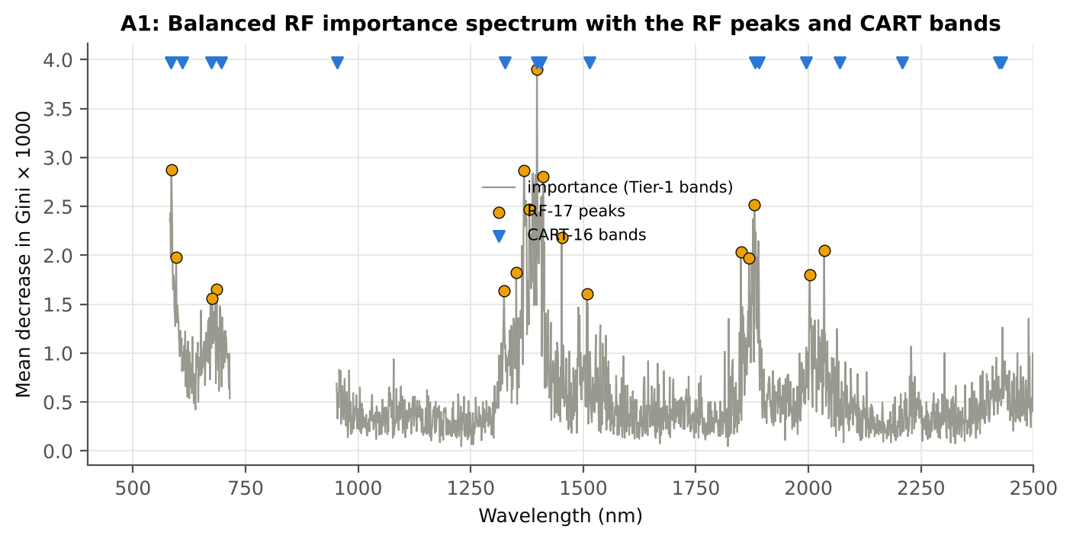
2428.00 | SWIR-2 end (2350–2500) | 794 | 0.4641 | 2035.00 | 393.00

Figure A1. RF importance spectrum with the RF peaks (orange) and the CART bands (blue triangles)

Table A1.3 Checks of the RF importance
Check | Value | Result | Status
Reproducibility: importance of seed 42 vs seed 7 (Spearman ρ) | 0.573 | 14 of 17 peaks within ±10 nm | PASS
R randomForest (stratified sampsize 90 + 90), mean decrease in Gini | ρ = 0.603 | 12 of 17 peaks within ±10 nm; R out-of-bag BA 0.704 | PASS
Permutation importance (drop in AUC, 5 plot-grouped folds) vs Gini, top-50 bands | ρ = 0.17 | shuffling one band hardly changes the forest because its neighbours carry the same information | FLAG
Ordinary RF with class weights only (no balanced bootstrap), out-of-bag | BA 0.697 | healthy recall 0.51: class weights alone leave the forest biased | PASS

12_A3_CART_vs_RF
Part A3 · CART vs RF as classifiers and as band selectors — honest validation
Same folds everywhere: V1 leaf-level 10-fold; V3 nested plot-grouped 9-fold × 5 = 45 folds; V4 30 % plot hold-out × 10; V5 leave-one-date-out on new plots.

Result in brief
CART vs RF: as classifiers RF beats CART by 5.1 points (V3, RF better in 32 of 45 folds, p = 0.003); as band selectors for QDA the RF bands give +7.8 points vs the CART bands (p = 5.6e-05). RF selection is more stable than CART selection (Jaccard ±10 nm 0.45 vs 0.27).

What was done
Four pipelines on identical folds. CART classifier: the rpart tree itself predicts. RF classifier: a Balanced RF (500 trees) on the Tier-1 bands predicts. QDA on CART bands: Tier 4 of the paper. QDA on RF bands: QDA on the 17 RF importance peaks. In V3, V4 and V5, Tier 1 and band selection are repeated inside every training set. Paired Wilcoxon signed-rank tests compare pipelines over the 45 V3 folds and the 10 V4 splits.
Table A3.1 Validation results (mean over repeats; SD over repeats)
Pipeline | Scheme | repeats | OA | BA | BA_SD | kappa | AUC | PA_H | PA_D | UA_H | UA_D
CART classifier | V1 | 1 | 71.7% | 63.4% |  | 0.2086 | 0.6490 | 51.1% | 75.8% | 29.7% | 88.6%
CART classifier | V3 | 5 | 69.2% | 62.6% | 1.3% | 0.1850 | 0.6395 | 52.7% | 72.5% | 27.7% | 88.5%
CART classifier | V4 | 10 | 71.7% | 60.9% | 6.1% | 0.1808 | 0.6332 | 43.6% | 78.3% | 30.6% | 86.0%
CART classifier | V5 | 10 | 71.5% | 51.1% |  | 0.0184 | 0.5039 | 14.8% | 93.4% | 29.6% | 67.5%
RF classifier | V1 | 1 | 77.2% | 70.8% |  | 0.3363 | 0.7819 | 61.1% | 80.4% | 38.5% | 91.2%
RF classifier | V3 | 5 | 74.9% | 67.0% | 0.7% | 0.2730 | 0.7246 | 55.1% | 78.8% | 34.3% | 89.8%
RF classifier | V4 | 10 | 77.3% | 68.8% | 5.4% | 0.3260 | 0.7404 | 55.2% | 82.5% | 41.6% | 89.1%
RF classifier | V5 | 10 | 66.4% | 49.8% |  | -0.0032 | 0.7249 | 2.1% | 97.4% | 23.8% | 67.0%
QDA on CART features | V1 | 1 | 66.7% | 73.3% |  | 0.2800 | 0.8561 | 83.3% | 63.3% | 31.3% | 95.0%
QDA on CART features | V3 | 5 | 66.5% | 70.0% | 2.2% | 0.2489 | 0.7568 | 75.1% | 64.8% | 29.9% | 92.9%
QDA on CART features | V4 | 10 | 68.3% | 67.6% | 11.5% | 0.2696 | 0.7304 | 66.9% | 68.2% | 35.4% | 89.1%
QDA on CART features | V5 | 10 | 66.5% | 49.9% |  | -0.0013 | 0.4979 | 0.8% | 99.0% | 16.7% | 67.0%
QDA on RF features | V1 | 1 | 74.8% | 76.0% |  | 0.3645 | 0.8779 | 77.8% | 74.2% | 37.6% | 94.4%
QDA on RF features | V3 | 5 | 82.5% | 77.8% | 2.9% | 0.4746 | 0.8218 | 70.7% | 84.8% | 49.7% | 93.5%
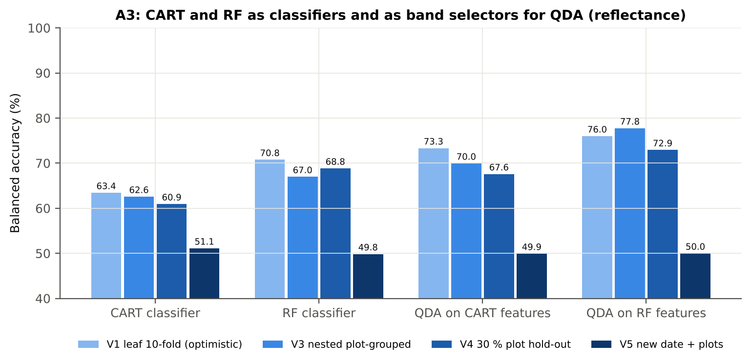
QDA on RF features | V4 | 10 | 79.8% | 72.9% | 10.1% | 0.4448 | 0.7854 | 62.4% | 83.5% | 56.9% | 90.5%
QDA on RF features | V5 | 10 | 67.0% | 50.0% |  | 0.0000 | 0.5381 | 0.0% | 100.0% |  | 67.0%

Table A3.2 Paired comparisons (same folds; positive = first pipeline better)
Comparison | Units | n | Mean difference | SD | First better | Second better | Ties | Wilcoxon p
RF classifier − CART classifier | V3 nested (folds) | 45 | 5.1% | 10.6% | 32 | 13 | 0 | 0.0035
RF classifier − CART classifier | V4 hold-out (splits) | 10 | 7.9% | 3.9% | 10 | 0 | 0 | 0.0020
QDA on RF features − QDA on CART features | V3 nested (folds) | 45 | 7.8% | 10.4% | 33 | 12 | 0 | 5.574E-05
QDA on RF features − QDA on CART features | V4 hold-out (splits) | 10 | 5.3% | 11.2% | 7 | 3 | 0 | 0.1602
QDA on CART features − CART classifier | V3 nested (folds) | 45 | 9.3% | 16.3% | 32 | 13 | 0 | 9.040E-04
QDA on CART features − CART classifier | V4 hold-out (splits) | 10 | 6.6% | 11.1% | 7 | 3 | 0 | 0.1602
QDA on RF features − RF classifier | V3 nested (folds) | 45 | 12.0% | 13.3% | 37 | 7 | 1 | 7.610E-06
QDA on RF features − RF classifier | V4 hold-out (splits) | 10 | 4.1% | 10.4% | 7 | 3 | 0 | 0.1934

Error matrix — CART classifier, V4 hold-out plots (10 splits pooled)
Classified \ Reference | Healthy | Diseased | Row total | User's accuracy (%)
Healthy | 130 | 296 | 426 | 30.52
Diseased | 176 | 1084 | 1260 | 86.03
Column total | 306 | 1380 | 1686
Producer's accuracy (%) | 42.48 | 78.55
Overall accuracy (%) | 72.00
Balanced accuracy (%) | 60.52
Cohen's κ | 0.182
F1 healthy | 0.355
F1 diseased | 0.821

Error matrix — RF classifier, V4 hold-out plots (10 splits pooled)
Classified \ Reference | Healthy | Diseased | Row total | User's accuracy (%)
Healthy | 166 | 239 | 405 | 40.99
Diseased | 140 | 1141 | 1281 | 89.07
Column total | 306 | 1380 | 1686
Producer's accuracy (%) | 54.25 | 82.68
Overall accuracy (%) | 77.52
Balanced accuracy (%) | 68.46
Cohen's κ | 0.328
F1 healthy | 0.467
F1 diseased | 0.858

Error matrix — QDA on CART features, V4 hold-out plots (10 splits pooled)
Classified \ Reference | Healthy | Diseased | Row total | User's accuracy (%)
Healthy | 203 | 433 | 636 | 31.92
Diseased | 103 | 947 | 1050 | 90.19
Column total | 306 | 1380 | 1686
Producer's accuracy (%) | 66.34 | 68.62
Overall accuracy (%) | 68.21
Balanced accuracy (%) | 67.48
Cohen's κ | 0.246
F1 healthy | 0.431
F1 diseased | 0.779

Error matrix — QDA on RF features, V4 hold-out plots (10 splits pooled)
Classified \ Reference | Healthy | Diseased | Row total | User's accuracy (%)
Healthy | 190 | 224 | 414 | 45.89
Diseased | 116 | 1156 | 1272 | 90.88
Column total | 306 | 1380 | 1686
Producer's accuracy (%) | 62.09 | 83.77
Overall accuracy (%) | 79.83
Balanced accuracy (%) | 72.93
Cohen's κ | 0.403
F1 healthy | 0.528
F1 diseased | 0.872

13_A4_Band_Stability
Part A4 · Stability of the CART and RF band sets
Re-selection in the 45 nested training sets of V3 (a band counts if a band within ± 10 nm is selected).

Result in brief
Mean pairwise Jaccard (±10 nm): RF 0.45, CART 0.27 over 45 nested training sets.
Table A4.1 The CART-16 bands
Feature | Type | Re-selected by CART (±10 nm) | Re-selected by RF (±10 nm)
WV1397 | Raw reflectance | 88.9% | 91.1%
WV1881 | Raw reflectance | 82.2% | 88.9%
WV1406 | Raw reflectance | 80.0% | 86.7%
WV584 | Raw reflectance | 46.7% | 55.6%
WV2209 | Raw reflectance | 26.7% | 0.0%
WV2070 | Raw reflectance | 4.4% | 15.6%
WV696 | Raw reflectance | 64.4% | 48.9%
WV2428 | Raw reflectance | 24.4% | 8.9%
WV954 | Raw reflectance | 20.0% | 0.0%
WV1995 | Raw reflectance | 28.9% | 40.0%
WV2423 | Raw reflectance | 28.9% | 8.9%
WV1326 | Raw reflectance | 4.4% | 57.8%
WV1889 | Raw reflectance | 77.8% | 93.3%
WV674 | Raw reflectance | 71.1% | 57.8%
WV1513 | Raw reflectance | 24.4% | 24.4%
WV610 | Raw reflectance | 20.0% | 42.2%

Table A4.2 The RF-17 bands
Feature | Type | Re-selected by CART (±10 nm) | Re-selected by RF (±10 nm)
WV1397 | Raw reflectance | 88.9% | 91.1%
WV585 | Raw reflectance | 46.7% | 57.8%
WV1369 | Raw reflectance | 28.9% | 95.6%
WV1411 | Raw reflectance | 60.0% | 86.7%
WV1880 | Raw reflectance | 82.2% | 86.7%
WV1380 | Raw reflectance | 37.8% | 100.0%
WV1452 | Raw reflectance | 4.4% | 20.0%
WV2035 | Raw reflectance | 8.9% | 42.2%
WV1850 | Raw reflectance | 6.7% | 44.4%
WV596 | Raw reflectance | 37.8% | 62.2%
WV1868 | Raw reflectance | 40.0% | 84.4%
WV1351 | Raw reflectance | 22.2% | 86.7%
WV2003 | Raw reflectance | 28.9% | 55.6%
WV686 | Raw reflectance | 84.4% | 60.0%
WV1324 | Raw reflectance | 4.4% | 55.6%
WV1508 | Raw reflectance | 28.9% | 31.1%
WV676 | Raw reflectance | 73.3% | 57.8%

Table A4.3 Stability index
Method | Training sets | Mean features | Range | Unique features (union) | Selected in all sets (exact) | Stability index (exact) = all / union | Selected in all sets (±10 nm) | Stability index (±10 nm) | Mean pairwise Jaccard (±10 nm) | SD Jaccard
CART | 45 | 14.00 | 9–19 | 318 | 0 | 0.0000 | 0 | 0.0000 | 0.2654 | 0.1312
RF | 45 | 17.00 | 17–17 | 405 | 0 | 0.0000 | 9 | 0.0222 | 0.4533 | 0.1667
Stability index (exact) = bands selected in all 45 training sets ÷ all bands ever selected; the ±10 nm version counts a band as re-selected when a band within 10 nm is chosen; the mean pairwise Jaccard index (±10 nm) compares every pair of training sets.
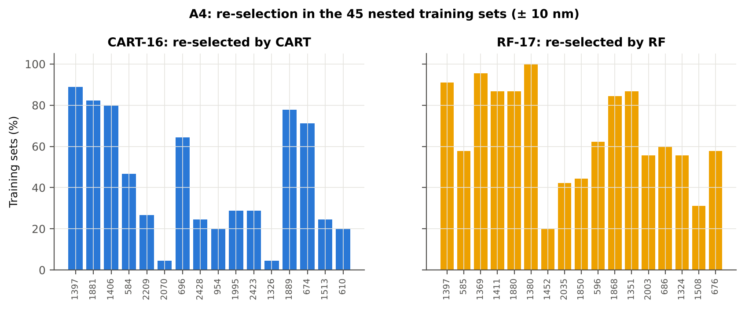

Table A4.4 Bands most often selected by CART (exact band)
Feature | Type | Times selected (exact) | Share of training sets
WV1397 | Raw reflectance | 30 | 66.7%
WV1406 | Raw reflectance | 17 | 37.8%
WV1881 | Raw reflectance | 14 | 31.1%
WV674 | Raw reflectance | 14 | 31.1%
WV2209 | Raw reflectance | 10 | 22.2%
WV686 | Raw reflectance | 9 | 20.0%
WV1879 | Raw reflectance | 9 | 20.0%
WV599 | Raw reflectance | 8 | 17.8%
WV2428 | Raw reflectance | 8 | 17.8%
WV2240 | Raw reflectance | 7 | 15.6%
WV1372 | Raw reflectance | 7 | 15.6%
WV693 | Raw reflectance | 6 | 13.3%
WV677 | Raw reflectance | 6 | 13.3%
WV692 | Raw reflectance | 6 | 13.3%
WV1875 | Raw reflectance | 6 | 13.3%
WV1726 | Raw reflectance | 6 | 13.3%
WV690 | Raw reflectance | 5 | 11.1%
WV2271 | Raw reflectance | 5 | 11.1%
WV685 | Raw reflectance | 5 | 11.1%
WV1405 | Raw reflectance | 4 | 8.9%
WV1513 | Raw reflectance | 4 | 8.9%
WV671 | Raw reflectance | 4 | 8.9%
WV1375 | Raw reflectance | 4 | 8.9%
WV1500 | Raw reflectance | 4 | 8.9%
WV1384 | Raw reflectance | 4 | 8.9%
WV1882 | Raw reflectance | 4 | 8.9%
WV1387 | Raw reflectance | 4 | 8.9%
WV2494 | Raw reflectance | 4 | 8.9%
WV1794 | Raw reflectance | 4 | 8.9%
WV2462 | Raw reflectance | 4 | 8.9%

Table A4.5 Bands most often selected by RF (exact band)
Feature | Type | Times selected (exact) | Share of training sets
WV1888 | Raw reflectance | 8 | 17.8%
WV1373 | Raw reflectance | 8 | 17.8%
WV1388 | Raw reflectance | 7 | 15.6%
WV1393 | Raw reflectance | 7 | 15.6%
WV1405 | Raw reflectance | 6 | 13.3%
WV1383 | Raw reflectance | 6 | 13.3%
WV1360 | Raw reflectance | 6 | 13.3%
WV1417 | Raw reflectance | 6 | 13.3%
WV2022 | Raw reflectance | 6 | 13.3%
WV1882 | Raw reflectance | 6 | 13.3%
WV1407 | Raw reflectance | 6 | 13.3%
WV2018 | Raw reflectance | 6 | 13.3%
WV1372 | Raw reflectance | 5 | 11.1%
WV1342 | Raw reflectance | 5 | 11.1%
WV1369 | Raw reflectance | 5 | 11.1%
WV1377 | Raw reflectance | 5 | 11.1%
WV674 | Raw reflectance | 5 | 11.1%
WV1392 | Raw reflectance | 5 | 11.1%
WV1386 | Raw reflectance | 5 | 11.1%
WV1397 | Raw reflectance | 5 | 11.1%
WV1367 | Raw reflectance | 5 | 11.1%
WV1351 | Raw reflectance | 5 | 11.1%
WV1348 | Raw reflectance | 5 | 11.1%
WV1380 | Raw reflectance | 5 | 11.1%
WV1414 | Raw reflectance | 4 | 8.9%
WV1354 | Raw reflectance | 4 | 8.9%
WV1875 | Raw reflectance | 4 | 8.9%
WV1889 | Raw reflectance | 4 | 8.9%
WV1371 | Raw reflectance | 4 | 8.9%
WV591 | Raw reflectance | 4 | 8.9%

14_K0_Denoising
Step K0 · Spectral smoothing / denoising and detector joins
Splice correction, Savitzky–Golay smoothing and derivatives; guard zones at the detector joins.

What was done
1. Splice correction: the ASD records 350–1000 nm (VNIR), 1001–1800 nm (SWIR-1) and 1801–2500 nm (SWIR-2) with three detectors. For each join a straight line was fitted to the 10 nm before the join and the next detector was shifted so that it continues this line at join + 1 nm. 2. Smoothing: Savitzky–Golay filter (window 11, order 2); first derivative SG(15, 2), second derivative SG(21, 2). 3. Guard zones: bands next to the joins are excluded from feature ranking (reflectance 990–1010 and 1795–1835 nm; first derivative 988–1012 and 1793–1837 nm; second derivative 985–1015 and 1790–1840 nm) because the filter windows straddle the join and a date-dependent start-up bump follows 1801 nm.
Table K0.1 Splice offsets added to the following detector (reflectance)
Join | Offset Healthy (mean) | SD (neg) | Offset Diseased (mean) | SD (pos)
1000/1001 nm | 0.0014 | 4.535E-04 | 0.0014 | 4.292E-04
1800/1801 nm | -2.147E-04 | 9.711E-05 | -2.235E-04 | 1.549E-04

Table K0.2 Spectral slope just before and just after the 1800/1801 nm join (reflectance × 10⁵ per nm)
Date | Slope 1786-1800 Healthy | Slope 1786-1800 Diseased | Slope 1801-1815 Healthy | Slope 1801-1815 Diseased
03-03-2026 | -15.02 | -15.62 | 13.84 | 15.02
13-03-2026 | -9.7315 | -9.2987 | -1.0890 | 3.3612
A healthy spectrum falls smoothly across the join; a slope that turns upward right after the join, or a class difference that changes with the date, marks the start-up artefact.

Table K0.3 Noise removed by the Savitzky–Golay filter
Range (nm) | Noise (SD raw - smoothed)
350-399 | 0.0043
400-499 | 5.532E-04
500-599 | 7.375E-05
600-679 | 3.368E-05
680-759 | 3.847E-05
760-1349 | 3.606E-05
1350-1430 | 1.410E-05
1431-1799 | 8.449E-06
1800-1950 | 1.250E-05
1951-2349 | 1.186E-05
2350-2500 | 5.595E-05

Table K0.4 Smoothing preserves the signal
Check of the smoothing | Value
Correlation of class-mean spectra, raw vs smoothed — healthy | 0.999993
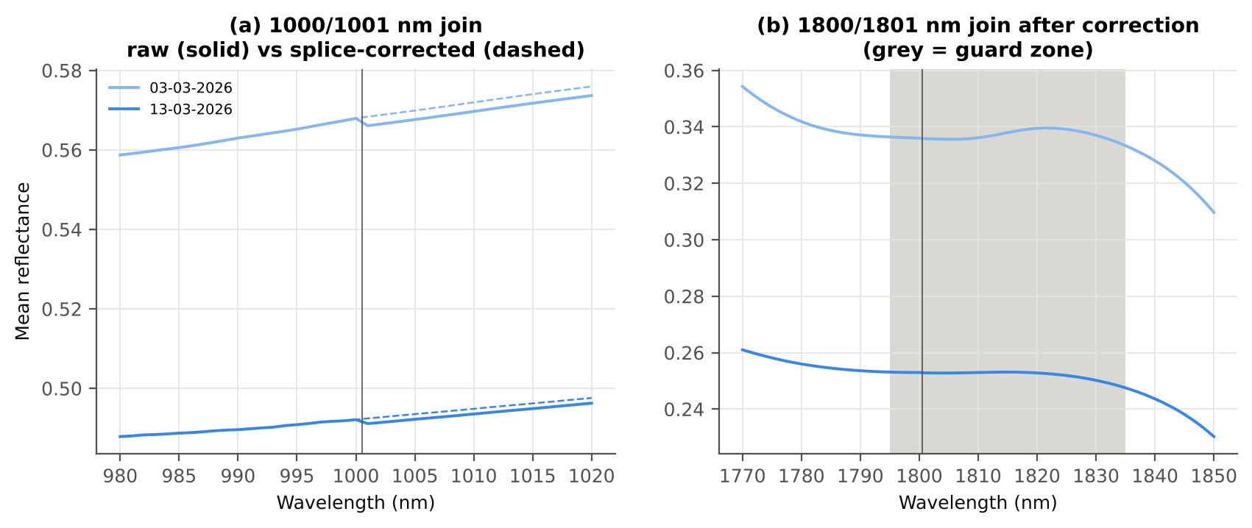
Correlation of class-mean spectra, raw vs smoothed — diseased | 0.999993
Largest change of the all-leaf mean spectrum (reflectance) | 0.001442
Tier-1 significant bands: raw vs smoothed | 1683 vs 1683

Cross-checks for this step
Step | What was checked | Method | Result | Status
K0 | Smoothing preserves the signal | class-mean spectra raw vs smoothed; Tier-1 counts | r ≥ 0.999993; 1683 (raw) vs 1683 (smoothed) significant bands | PASS
K0 | Detector artefact at the 1800/1801 nm join | slope just before vs just after the join, by date and class | start-up bump detected → guard zones applied | FLAG

15_K1_Band_Reflectance
Step K1 · Band reflectance — which single bands are disease-sensitive
Splice-corrected, smoothed reflectance at every band 400–2500 nm (guard zones excluded from the ranking).

Result in brief
1683 of 2101 smoothed bands significant; 978 bands with AUC ≥ 0.70; best band 1393 nm (AUC 0.77).

What was done
For every band: Welch's t-test with BH-FDR, Hedges' g (standardised mean difference, bias-corrected), the area under the ROC curve (AUC, direction-free: 0.5 = no separation, 1 = perfect) and a threshold classifier (Youden's J; the threshold and its direction are chosen on training plots and applied to test plots: plot-grouped CV (V3) and hold-out (V4)).
Table K1.1 Band-reflectance sensitivity
Summary | Value
Bands tested | 2101
Significant (Welch + FDR), smoothed spectra | 1683
Significant, raw spectra (Tier 1) | 1683
Bands with AUC ≥ 0.70 (outside guard zones) | 978
Highest AUC (outside guard zones) | 0.767 at 1393 nm

Table K1.2 Most sensitive band in each spectral region (K1 features)
Wavelength (nm) | Region | AUC | Direction | Hedges g | Welch t | q (BH) | Mean healthy | Mean diseased | BA plot-grouped CV | BA hold-out
498.00 | 400–499 | 0.5506 | D > H | 0.2100 | 2.0473 | 0.0528 | 0.1123 | 0.1194 | 47.1% | 38.2%
599.00 | 500–599 | 0.5880 | D > H | 0.3086 | 3.2186 | 0.0022 | 0.1492 | 0.1603 | 56.9% | 53.7%
679.00 | 600–679 | 0.6628 | D > H | 0.5393 | 6.4544 | 1.620E-09 | 0.1019 | 0.1195 | 59.0% | 60.3%
688.00 | 680–759 | 0.6730 | D > H | 0.5589 | 6.6888 | 4.745E-10 | 0.1156 | 0.1359 | 61.1% | 62.6%
1349.00 | 760–1349 | 0.7104 | D > H | 0.6925 | 6.2188 | 1.132E-08 | 0.3677 | 0.3930 | 64.5% | 64.9%
1393.00 | 1350–1430 | 0.7666 | D > H | 0.7830 | 9.8502 | 1.361E-17 | 0.2037 | 0.2353 | 70.1% | 71.8%
1431.00 | 1431–1799 | 0.7529 | D > H | 0.6845 | 9.5470 | 1.383E-17 | 0.1176 | 0.1458 | 64.8% | 67.4%
1877.00 | 1800–1950 | 0.7628 | D > H | 0.6667 | 9.7362 | 7.986E-18 | 0.1160 | 0.1460 | 65.0% | 68.8%
2063.00 | 1951–2349 | 0.7483 | D > H | 0.6304 | 9.2223 | 3.789E-17 | 0.0960 | 0.1233 | 65.2% | 68.2%
2362.00 | 2350–2500 | 0.7108 | D > H | 0.4768 | 6.9950 | 3.861E-11 | 0.0956 | 0.1243 | 60.0% | 64.1%

Table K1.3 Fifteen most sensitive bands overall
Wavelength (nm) | Mean healthy | Mean diseased | Welch t | q (BH) | Hedges g | AUC | Direction
1393.00 | 0.2037 | 0.2353 | 9.8502 | 1.361E-17 | 0.7830 | 0.7666 | D > H
1395.00 | 0.1922 | 0.2239 | 9.9294 | 8.782E-18 | 0.7765 | 0.7665 | D > H
1394.00 | 0.1979 | 0.2295 | 9.8942 | 1.041E-17 | 0.7799 | 0.7664 | D > H
1392.00 | 0.2097 | 0.2413 | 9.7966 | 1.383E-17 | 0.7858 | 0.7661 | D > H
1396.00 | 0.1868 | 0.2184 | 9.9563 | 7.986E-18 | 0.7728 | 0.7661 | D > H
1397.00 | 0.1817 | 0.2132 | 9.9758 | 7.986E-18 | 0.7689 | 0.7660 | D > H
1400.00 | 0.1677 | 0.1990 | 9.9965 | 7.986E-18 | 0.7566 | 0.7659 | D > H
1398.00 | 0.1767 | 0.2082 | 9.9884 | 7.986E-18 | 0.7649 | 0.7659 | D > H
1399.00 | 0.1721 | 0.2035 | 9.9951 | 7.986E-18 | 0.7608 | 0.7659 | D > H
1391.00 | 0.2159 | 0.2474 | 9.7333 | 1.430E-17 | 0.7881 | 0.7658 | D > H
1401.00 | 0.1636 | 0.1948 | 9.9937 | 7.986E-18 | 0.7524 | 0.7652 | D > H
1402.00 | 0.1597 | 0.1908 | 9.9870 | 7.986E-18 | 0.7483 | 0.7650 | D > H
1403.00 | 0.1561 | 0.1871 | 9.9771 | 7.986E-18 | 0.7442 | 0.7645 | D > H
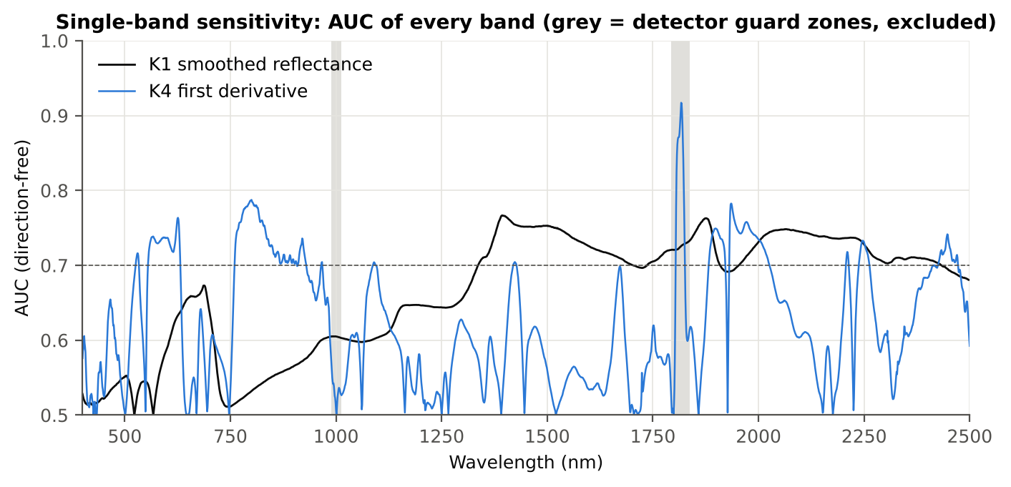
1390.00 | 0.2221 | 0.2536 | 9.6600 | 2.438E-17 | 0.7899 | 0.7641 | D > H
1404.00 | 0.1528 | 0.1836 | 9.9644 | 7.986E-18 | 0.7401 | 0.7641 | D > H

Figure K1. AUC of every band: reflectance (K1, black) and first derivative (K4, blue)

16_K2_Continuum_Removal
Step K2 · Continuum-removed absorption parameters
Six absorption features; continuum = upper convex hull of each window (Clark & Roush 1984; Kokaly & Clark 1999).

Result in brief
Most sensitive continuum-removed parameter: CR3 water 970 width (AUC 0.85, BA plot-grouped CV 76.8 %).

What was done
Within each window the reflectance was divided by its upper convex hull (continuum). From the continuum-removed curve: depth (1 − minimum), position (wavelength of the minimum), area (sum of 1 − CR, nm), width (full width at half depth, nm) and symmetry (share of the area left of the position). Statistics as in K1, plus a linear mixed model (q) and the plot intraclass correlation (ICC).
Table K2.1 Absorption windows
Feature | From (nm) | To (nm) | Absorber
CR1 blue | 400 | 548 | chlorophyll / carotenoid (≈ 495 nm)
CR2 red | 548 | 765 | chlorophyll a/b, red well (≈ 675 nm)
CR3 water 970 | 914 | 1069 | leaf water (≈ 970 nm)
CR4 water 1200 | 1069 | 1258 | leaf water (≈ 1160–1200 nm)
CR5 water 1450 | 1258 | 1721 | leaf water (≈ 1450 nm)
CR6 water 1940 | 1721 | 2304 | leaf water (≈ 1940 nm)

Table K2.2 All 30 continuum-removed parameters, ranked by AUC
Feature | Mean healthy | Mean diseased | Welch t | q (BH) | Hedges g | AUC | Direction | Threshold | Rule | BA all leaves | BA plot-grouped CV | BA hold-out | Mixed-model q | ICC plot
CR3 water 970 width | 64.21 | 60.82 | -14.50 | 3.620E-36 | -0.9805 | 0.8460 | D < H | 63.50 | diseased if < thr | 76.8% | 76.8% | 78.1% | 0.0019 | 0.2919
CR3 water 970 area | 2.6457 | 2.1197 | -7.9120 | 1.076E-11 | -0.8658 | 0.7357 | D < H | 2.5425 | diseased if < thr | 68.2% | 67.1% | 66.9% | 0.0019 | 0.1231
CR3 water 970 depth | 0.0393 | 0.0330 | -6.7076 | 3.172E-09 | -0.7455 | 0.7012 | D < H | 0.0376 | diseased if < thr | 65.7% | 63.9% | 63.8% | 0.0019 | 0.0965
CR5 water 1450 depth | 0.7021 | 0.6538 | -7.6463 | 1.076E-11 | -0.6661 | 0.7007 | D < H | 0.7058 | diseased if < thr | 64.4% | 61.2% | 60.3% | 0.0036 | 0.0995
CR5 water 1450 area | 128.27 | 117.19 | -6.4282 | 9.668E-09 | -0.6824 | 0.6741 | D < H | 125.87 | diseased if < thr | 62.8% | 59.2% | 58.2% | 0.0019 | 0.0755
CR6 water 1940 area | 183.59 | 168.91 | -4.8867 | 6.635E-06 | -0.5778 | 0.6706 | D < H | 174.02 | diseased if < thr | 64.9% | 63.8% | 62.4% | 0.0155 | 0.1516
CR2 red depth | 0.7432 | 0.6981 | -6.5540 | 3.172E-09 | -0.5640 | 0.6671 | D < H | 0.7828 | diseased if < thr | 61.9% | 57.8% | 57.6% | 0.0173 | 0.1374
CR4 water 1200 depth | 0.0712 | 0.0631 | -5.6719 | 2.700E-07 | -0.6107 | 0.6671 | D < H | 0.0565 | diseased if < thr | 62.1% | 57.6% | 60.3% | 0.0096 | 0.0993
CR6 water 1940 position | 1918.30 | 1920.60 | 4.5191 | 3.095E-05 | 0.6103 | 0.6670 | D > H | 1921.50 | diseased if > thr | 61.4% | 56.8% | 57.3% | 0.0173 | 0.1348
CR3 water 970 symmetry | 0.3849 | 0.3961 | 5.7207 | 1.855E-07 | 0.5377 | 0.6656 | D > H | 0.4031 | diseased if > thr | 65.0% | 60.8% | 63.9% | 0.0019 | 0.0201
CR6 water 1940 width | 232.37 | 223.88 | -3.5436 | 8.877E-04 | -0.3646 | 0.6632 | D < H | 226.50 | diseased if < thr | 62.0% | 56.8% | 58.3% | 0.1050 | 0.1698
CR4 water 1200 position | 1161.27 | 1161.75 | 4.9699 | 3.841E-06 | 0.4374 | 0.6610 | D > H | 1161.50 | diseased if > thr | 63.8% | 63.8% | 61.5% | 0.0436 | 0.1735
CR4 water 1200 area | 5.4843 | 4.8819 | -5.4949 | 5.064E-07 | -0.5576 | 0.6575 | D < H | 4.4725 | diseased if < thr | 62.6% | 58.9% | 62.1% | 0.0239 | 0.1427
CR1 blue depth | 0.3516 | 0.3104 | -5.1191 | 3.088E-06 | -0.6037 | 0.6534 | D < H | 0.3603 | diseased if < thr | 61.9% | 58.6% | 57.8% | 0.0127 | 0.1744
CR2 red area | 85.21 | 78.22 | -5.9693 | 5.774E-08 | -0.5464 | 0.6489 | D < H | 76.26 | diseased if < thr | 61.7% | 59.8% | 59.8% | 0.0218 | 0.1286
CR6 water 1940 depth | 0.7496 | 0.7175 | -4.9776 | 4.397E-06 | -0.5351 | 0.6480 | D < H | 0.7702 | diseased if < thr | 63.2% | 61.1% | 64.1% | 0.0231 | 0.1679
CR4 water 1200 width | 77.96 | 77.95 | -0.0036 | 0.9971 | -3.411E-04 | 0.6337 | D > H | 80.50 | diseased if > thr | 61.1% | 58.6% | 59.5% | 0.9222 | 0.2870
CR1 blue area | 27.33 | 24.20 | -4.3716 | 4.806E-05 | -0.5121 | 0.6308 | D < H | 27.63 | diseased if < thr | 60.4% | 57.5% | 58.9% | 0.0337 | 0.2123
CR6 water 1940 symmetry | 0.2678 | 0.2731 | 2.6945 | 0.0110 | 0.3482 | 0.6089 | D > H | 0.2737 | diseased if > thr | 61.0% | 58.8% | 56.2% | 0.1584 | 0.1743
CR5 water 1450 width | 169.17 | 166.00 | -3.0853 | 0.0035 | -0.3247 | 0.6030 | D < H | 165.50 | diseased if < thr | 58.8% | 55.8% | 55.8% | 0.1027 | 0.0787
CR4 water 1200 symmetry | 0.2818 | 0.2855 | 3.1434 | 0.0028 | 0.2436 | 0.5979 | D > H | 0.2792 | diseased if > thr | 58.7% | 54.9% | 54.8% | 0.4068 | 0.1749
CR1 blue position | 493.91 | 492.84 | -3.3342 | 0.0017 | -0.3071 | 0.5953 | D < H | 493.50 | diseased if < thr | 57.3% | 54.4% | 55.0% | 0.1106 | 0.0827
CR2 red width | 123.69 | 119.79 | -3.8707 | 2.735E-04 | -0.3569 | 0.5942 | D < H | 118.50 | diseased if < thr | 59.3% | 58.9% | 57.3% | 0.1269 | 0.1172
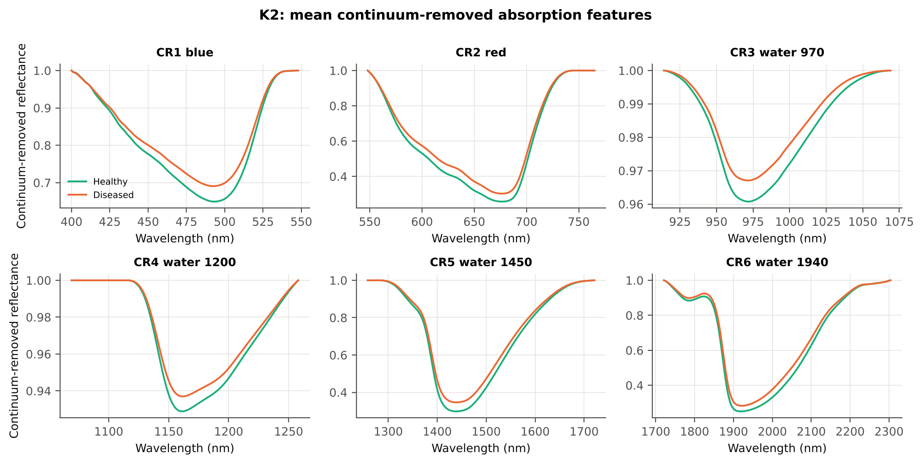
CR1 blue symmetry | 0.6827 | 0.6767 | -2.5920 | 0.0136 | -0.2435 | 0.5703 | D < H | 0.6686 | diseased if < thr | 56.0% | 48.2% | 48.4% | 0.1027 | 0.0136
CR5 water 1450 position | 1438.32 | 1438.54 | 0.9673 | 0.4020 | 0.1000 | 0.5326 | D > H | 1438.50 | diseased if > thr | 54.0% | 50.6% | 47.7% | 0.7794 | 0.1930
CR1 blue width | 81.01 | 81.22 | 0.3755 | 0.7864 | 0.0332 | 0.5313 | D > H | 87.50 | diseased if > thr | 55.7% | 51.4% | 51.0% | 0.9222 | 0.2943
CR3 water 970 position | 971.87 | 971.58 | -1.8881 | 0.0753 | -0.1456 | 0.5139 | D > H | 972.50 | diseased if > thr | 55.6% | 51.8% | 52.9% | 0.6884 | 0.1214
CR2 red symmetry | 0.7286 | 0.7282 | -0.2539 | 0.8275 | -0.0264 | 0.5128 | D < H | 0.7222 | diseased if < thr | 55.4% | 47.0% | 47.8% | 0.6899 | 0.3182
CR2 red position | 676.76 | 676.62 | -0.5793 | 0.6500 | -0.0634 | 0.5121 | D < H | 674.50 | diseased if < thr | 53.0% | 43.0% | 44.1% | 0.6899 | 0.3518
CR5 water 1450 symmetry | 0.3449 | 0.3447 | -0.2872 | 0.8275 | -0.0287 | 0.5076 | D > H | 0.3501 | diseased if > thr | 53.6% | 41.6% | 45.9% | 0.9222 | 0.2338

Cross-checks for this step
Step | What was checked | Method | Result | Status
K2 | Convex hull | monotone-chain upper hull vs SciPy ConvexHull, 20 leaves × 6 windows | max |Δ continuum| = 0.0e+00 | PASS

17_K3_Vegetation_Indices
Step K3 · Disease-sensitive spectral (vegetation) indices — the 31 indices of the flowering-stage workbook
Computed from splice-corrected, smoothed reflectance at the nearest 1 nm band.

Result in brief
Most sensitive index: ARI (AUC 0.77, BA plot-grouped CV 67.2 %).
Table K3.1 The 31 indices
Index | Name | Equation (as computed) | Reference
WI | Water Index | R900 / R970 | Peñuelas et al., 1997
mCARI1 | Modified Chlorophyll Absorption in Reflectance Index 1 | 1.2[2.5(R761 − R651) − 1.3(R761 − R581)] | Haboudane et al., 2004
MTVI1 | Modified Triangular Vegetation Index 1 | 1.2[1.2(R761 − R581) − 2.5(R651 − R581)] | Haboudane et al., 2004
MTVI2 | Modified Triangular Vegetation Index 2 | 1.5[1.2(R761 − R581) − 2.5(R651 − R581)] / √[(2R761 + 1)² − (6R761 − 5√R651) − 0.5] | Haboudane et al., 2004
SR900 | Simple Ratio Index 900 | R900 / R680 | Jordan, 1969
SR850 | Simple Ratio Index 850 | R850 / R680 | Jordan, 1969
GNDVI | Green NDVI | (R850 − R580) / (R850 + R580) | Gitelson and Merzlyak, 1996
PRI | Photochemical Reflectance Index | (R531 − R570) / (R531 + R570) | Gamon et al., 1992
RARSa | Ratio Analysis of Reflectance Spectra, chlorophyll a | R675 / R700 | Chappelle et al., 1992
RARSb | Ratio Analysis of Reflectance Spectra, chlorophyll b | R675 / (R700 × R650) | Chappelle et al., 1992
RARSc | Ratio Analysis of Reflectance Spectra, carotenoids | R750 / R700 | Chappelle et al., 1992
PSSRa | Pigment Specific Simple Ratio a | R800 / R680 | Blackburn, 1998
NDVI780 | Normalized Difference Vegetation Index 780 | (R780 − R670) / (R780 + R670) | Raun et al., 2001
SIPI | Structure Insensitive Pigment Index | (R800 − R445) / (R800 − R680) | Peñuelas et al., 1995
NCPI | Normalized Chlorophyll Pigment Ratio Index | (R670 − R450) / (R670 + R450) | Peñuelas et al., 1994
NPQI | Normalized Phaeophytinization Index | (R415 − R435) / (R415 + R435) | Barnes et al., 1992
PSRI | Plant Senescence Reflectance Index | (R680 − R500) / R750 | Merzlyak et al., 1999
WI/ND | Ratio of WI and NDVI | (R900 / R970) / [(R900 − R680) / (R900 + R680)] | Peñuelas et al., 1997
TCARI | Transformed Chlorophyll Absorption in Reflectance Index | 3[(R700 − R670) − 0.2(R700 − R550)(R700 / R670)] | Haboudane et al., 2002
VIGreen | Green Vegetation Index | (R760 − R550) / (R760 + R550) | Gitelson et al., 2002
RVS1 | Red-Edge Vegetation Stress Index 1 | R651 + R750 | Merton, 1998
RVS2 | Red-Edge Vegetation Stress Index 2 | (R651 + R750) / (R651 − R750) | Merton, 1998
TVI | Triangle Vegetation Index | 0.5[120(R761 − R581) − 200(R651 − R581)] | Broge and Leblanc, 2001
RDVI | Renormalized Difference Vegetation Index | (R761 − R651) / √(R761 + R651) | Roujean and Breon, 1995
NDVI850 | Normalized Difference Vegetation Index 850 | (R850 − R651) / (R850 + R651) | Raun et al., 2001
SR761 | Simple Ratio Index 761 | R761 / R651 | Jordan, 1969
NDVI761 | Normalized Difference Vegetation Index 761 | (R761 − R651) / (R761 + R651) | Raun et al., 2001
PPR | Plant Pigment Ratio | R550 / R450 | Metternicht, 2003
NWI2 | Normalized Water Index 2 | (R970 − R850) / (R970 + R850) | Babar et al., 2006
NRI | Nitrogen Reflectance Index | (R570 − R670) / (R570 + R670) | Bausch and Duke, 1996
ARI | Anthocyanin Reflectance Index | 1/R550 − 1/R700 | Gitelson et al., 2001

Table K3.2 Sensitivity of the 31 indices to white rust, ranked by AUC
Feature | Mean healthy | Mean diseased | Welch t | q (BH) | Hedges g | AUC | Direction | Threshold | Rule | BA all leaves | BA plot-grouped CV | BA hold-out | Mixed-model q | ICC plot
ARI | -0.0498 | 0.4845 | 9.0888 | 5.478E-15 | 0.9015 | 0.7659 | D > H | 0.4266 | diseased if > thr | 71.3% | 67.2% | 66.7% | 2.771E-04 | 0.1196
PSRI | -0.0200 | 7.505E-04 | 5.2237 | 1.520E-06 | 0.4397 | 0.7623 | D > H | -0.0086 | diseased if > thr | 74.4% | 73.4% | 73.6% | 0.0432 | 0.1615
NWI2 | -0.0237 | -0.0158 | 9.7819 | 4.471E-17 | 0.8410 | 0.7472 | D > H | -0.0209 | diseased if > thr | 68.6% | 66.6% | 65.9% | 0.0050 | 0.2024
WI | 1.0462 | 1.0347 | -9.0137 | 5.478E-15 | -0.8478 | 0.7424 | D < H | 1.0419 | diseased if < thr | 68.0% | 66.1% | 65.4% | 0.0030 | 0.1664
NRI | 0.2914 | 0.2296 | -7.2138 | 2.967E-10 | -0.8021 | 0.7113 | D < H | 0.2965 | diseased if < thr | 65.7% | 62.6% | 64.0% | 0.0011 | 0.1348
NCPI | -0.0344 | 0.0178 | 3.8446 | 2.751E-04 | 0.4238 | 0.7113 | D > H | 0.0031 | diseased if > thr | 68.7% | 65.6% | 66.2% | 0.0696 | 0.2128
SIPI | 0.9879 | 1.0215 | 3.2293 | 0.0019 | 0.2685 | 0.7001 | D > H | 1.0085 | diseased if > thr | 68.3% | 66.3% | 67.2% | 0.1754 | 0.1827
PRI | 0.0143 | 0.0026 | -4.0619 | 1.553E-04 | -0.4749 | 0.6476 | D < H | 0.0049 | diseased if < thr | 62.0% | 59.8% | 57.1% | 0.0464 | 0.1639
NDVI780 | 0.6700 | 0.6270 | -5.6769 | 3.099E-07 | -0.5282 | 0.6463 | D < H | 0.7144 | diseased if < thr | 61.7% | 61.1% | 59.4% | 0.0415 | 0.1641
PSSRa | 5.1378 | 4.4884 | -4.9779 | 5.561E-06 | -0.6059 | 0.6461 | D < H | 5.8454 | diseased if < thr | 62.0% | 61.0% | 60.7% | 0.0353 | 0.1828
RVS2 | -1.5938 | -1.7530 | -6.1006 | 1.704E-08 | -0.4102 | 0.6451 | D < H | -1.7300 | diseased if < thr | 60.2% | 56.4% | 57.3% | 0.0590 | 0.1141
MTVI2 | 0.5445 | 0.4976 | -5.3066 | 1.520E-06 | -0.5610 | 0.6435 | D < H | 0.5722 | diseased if < thr | 61.0% | 58.6% | 56.2% | 0.0168 | 0.0896
NDVI761 | 0.6363 | 0.5926 | -5.6223 | 3.432E-07 | -0.5205 | 0.6429 | D < H | 0.5802 | diseased if < thr | 60.0% | 55.4% | 56.5% | 0.0422 | 0.1555
SR761 | 4.6664 | 4.1137 | -4.7606 | 1.146E-05 | -0.5503 | 0.6429 | D < H | 3.7638 | diseased if < thr | 60.0% | 55.4% | 56.5% | 0.0415 | 0.1659
SR850 | 5.1354 | 4.5160 | -4.8134 | 1.031E-05 | -0.5851 | 0.6409 | D < H | 5.8490 | diseased if < thr | 61.4% | 60.4% | 59.2% | 0.0353 | 0.1839
SR900 | 5.1217 | 4.5228 | -4.7081 | 1.386E-05 | -0.5726 | 0.6376 | D < H | 5.7517 | diseased if < thr | 61.3% | 60.7% | 60.3% | 0.0353 | 0.1824
NDVI850 | 0.6375 | 0.5989 | -5.1785 | 1.842E-06 | -0.4880 | 0.6318 | D < H | 0.5823 | diseased if < thr | 60.0% | 56.2% | 57.8% | 0.0463 | 0.1589
RARSc | 2.5483 | 2.3283 | -4.0397 | 1.594E-04 | -0.4720 | 0.6225 | D < H | 2.0165 | diseased if < thr | 59.1% | 52.9% | 55.9% | 0.0463 | 0.1142
WI/ND | 1.5900 | 1.6934 | 5.1295 | 1.667E-06 | 0.3719 | 0.6131 | D > H | 1.5016 | diseased if > thr | 59.3% | 54.9% | 56.2% | 0.0833 | 0.1303
RDVI | 0.4995 | 0.4702 | -4.2736 | 6.829E-05 | -0.4481 | 0.6110 | D < H | 0.5067 | diseased if < thr | 59.3% | 57.5% | 55.7% | 0.0463 | 0.1026
RARSb | 4.5399 | 4.2248 | -3.2283 | 0.0020 | -0.3501 | 0.6074 | D < H | 4.4513 | diseased if < thr | 60.0% | 57.3% | 57.4% | 0.1497 | 0.1410
MTVI1 | 0.6445 | 0.6004 | -3.8938 | 2.486E-04 | -0.4620 | 0.6014 | D < H | 0.6765 | diseased if < thr | 60.2% | 59.5% | 54.3% | 0.0353 | 0.0833
mCARI1 | 0.6445 | 0.6004 | -3.8938 | 2.486E-04 | -0.4620 | 0.6014 | D < H | 0.6765 | diseased if < thr | 60.2% | 59.5% | 54.3% | 0.0353 | 0.0833
TVI | 25.60 | 24.02 | -3.5627 | 7.380E-04 | -0.4273 | 0.5915 | D < H | 28.00 | diseased if < thr | 59.1% | 57.0% | 53.8% | 0.0432 | 0.0823
PPR | 1.9529 | 1.8324 | -2.6138 | 0.0121 | -0.3417 | 0.5885 | D < H | 2.1283 | diseased if < thr | 59.3% | 58.6% | 59.8% | 0.1337 | 0.2763
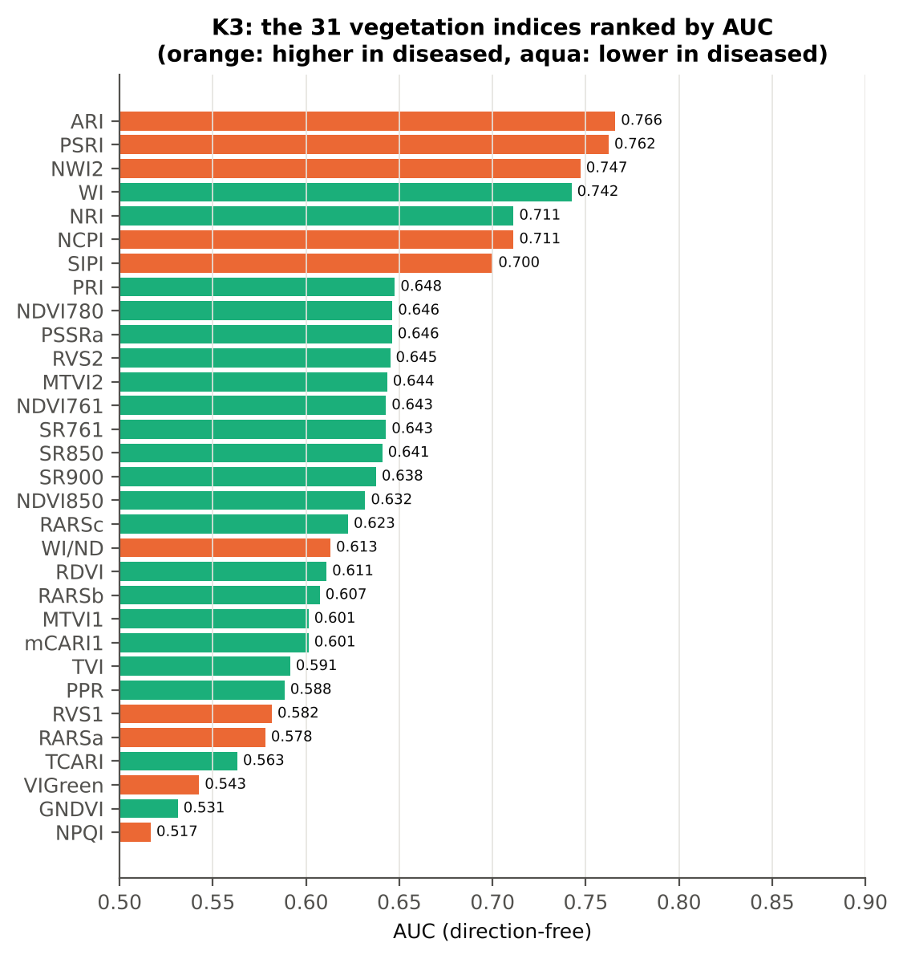
RVS1 | 0.6132 | 0.6285 | 2.0738 | 0.0463 | 0.2662 | 0.5817 | D > H | 0.5831 | diseased if > thr | 58.6% | 53.6% | 48.4% | 0.2520 | 0.2949
RARSa | 0.5004 | 0.5278 | 2.9676 | 0.0045 | 0.3495 | 0.5782 | D > H | 0.4674 | diseased if > thr | 58.1% | 56.2% | 57.3% | 0.0833 | 0.1507
TCARI | 0.3069 | 0.2902 | -1.7062 | 0.1003 | -0.2167 | 0.5632 | D < H | 0.3138 | diseased if < thr | 57.1% | 54.7% | 54.4% | 0.1873 | 0.1348
VIGreen | 0.4278 | 0.4339 | 0.8820 | 0.3918 | 0.0877 | 0.5427 | D > H | 0.4963 | diseased if > thr | 56.6% | 51.4% | 48.5% | 0.4574 | 0.2660
GNDVI | 0.5129 | 0.5035 | -1.2951 | 0.2109 | -0.1329 | 0.5312 | D < H | 0.4466 | diseased if < thr | 55.2% | 50.2% | 45.0% | 0.8207 | 0.2098
NPQI | -0.0017 | -0.0019 | -0.0407 | 0.9676 | -0.0050 | 0.5167 | D > H | -0.0021 | diseased if > thr | 56.7% | 48.1% | 48.7% | 0.9539 | 0.3222

Cross-check: indices recomputed by Excel formulas for ten leaves
Table K3.3 Reflectance input (splice-corrected, smoothed)
Leaf row | R415 | R435 | R445 | R450 | R500 | R531 | R550 | R570 | R580 | R581 | R650 | R651 | R670 | R675 | R680 | R700 | R750 | R760 | R761 | R780 | R800 | R850 | R900 | R970
1.0000 | 0.3105 | 0.2728 | 0.2552 | 0.2483 | 0.1887 | 0.2676 | 0.2724 | 0.2247 | 0.1949 | 0.1927 | 0.1217 | 0.1210 | 0.1090 | 0.1098 | 0.1125 | 0.1990 | 0.6549 | 0.6612 | 0.6614 | 0.6593 | 0.6574 | 0.6524 | 0.6494 | 0.6103
60.00 | 0.0995 | 0.1005 | 0.1013 | 0.1024 | 0.1110 | 0.1904 | 0.2058 | 0.1844 | 0.1668 | 0.1655 | 0.1126 | 0.1118 | 0.0996 | 0.1002 | 0.1030 | 0.2054 | 0.4486 | 0.4501 | 0.4501 | 0.4486 | 0.4483 | 0.4460 | 0.4434 | 0.4175
120.00 | 0.0884 | 0.0888 | 0.0892 | 0.0899 | 0.0959 | 0.1530 | 0.1701 | 0.1526 | 0.1377 | 0.1366 | 0.1020 | 0.1015 | 0.0930 | 0.0933 | 0.0949 | 0.1685 | 0.4941 | 0.5001 | 0.5004 | 0.5021 | 0.5030 | 0.5025 | 0.5005 | 0.4819
180.00 | 0.0806 | 0.0821 | 0.0819 | 0.0825 | 0.0884 | 0.1580 | 0.1778 | 0.1567 | 0.1385 | 0.1372 | 0.0940 | 0.0934 | 0.0826 | 0.0829 | 0.0848 | 0.1768 | 0.5239 | 0.5293 | 0.5296 | 0.5306 | 0.5310 | 0.5292 | 0.5258 | 0.5029
240.00 | 0.0674 | 0.0644 | 0.0646 | 0.0658 | 0.0819 | 0.1805 | 0.2005 | 0.1817 | 0.1642 | 0.1629 | 0.0989 | 0.0978 | 0.0783 | 0.0783 | 0.0818 | 0.2279 | 0.4409 | 0.4436 | 0.4438 | 0.4457 | 0.4483 | 0.4527 | 0.4543 | 0.4407
300.00 | 0.0730 | 0.0714 | 0.0720 | 0.0735 | 0.0863 | 0.1638 | 0.1806 | 0.1620 | 0.1455 | 0.1443 | 0.0978 | 0.0970 | 0.0828 | 0.0835 | 0.0872 | 0.2016 | 0.5074 | 0.5111 | 0.5113 | 0.5116 | 0.5129 | 0.5132 | 0.5116 | 0.4888
360.00 | 0.0957 | 0.0988 | 0.1001 | 0.1016 | 0.1122 | 0.1668 | 0.1799 | 0.1653 | 0.1531 | 0.1522 | 0.1215 | 0.1210 | 0.1109 | 0.1114 | 0.1140 | 0.1934 | 0.5107 | 0.5167 | 0.5170 | 0.5188 | 0.5208 | 0.5222 | 0.5216 | 0.4966
420.00 | 0.1060 | 0.1109 | 0.1127 | 0.1142 | 0.1271 | 0.1972 | 0.2129 | 0.1967 | 0.1818 | 0.1807 | 0.1381 | 0.1374 | 0.1233 | 0.1239 | 0.1273 | 0.2284 | 0.5022 | 0.5059 | 0.5061 | 0.5071 | 0.5091 | 0.5102 | 0.5093 | 0.4816
480.00 | 0.0965 | 0.0971 | 0.0989 | 0.1003 | 0.1206 | 0.1972 | 0.2192 | 0.2160 | 0.2084 | 0.2078 | 0.1795 | 0.1789 | 0.1653 | 0.1662 | 0.1704 | 0.2865 | 0.4497 | 0.4538 | 0.4541 | 0.4595 | 0.4656 | 0.4778 | 0.4859 | 0.4805
540.00 | 0.1387 | 0.1388 | 0.1391 | 0.1399 | 0.1478 | 0.2159 | 0.2330 | 0.2205 | 0.2069 | 0.2059 | 0.1585 | 0.1579 | 0.1466 | 0.1472 | 0.1501 | 0.2662 | 0.4906 | 0.4949 | 0.4953 | 0.4997 | 0.5052 | 0.5156 | 0.5223 | 0.5138

Table K3.4 Indices by Excel formula, Python value and difference
Leaf row | NDVI780 | PRI | TCARI | MTVI2 | ARI | WI/ND | NWI2 | PSRI | RARSb | Python NDVI780 | Python PRI | Python TCARI | Python MTVI2 | Python ARI | Python WI/ND | Python NWI2 | Python PSRI | Python RARSb | Max |Excel − Python|
1.0000 | 0.71628 | 0.08715 | 0.35052 | 0.68137 | -1.35357 | 1.50971 | -0.03330 | -0.11642 | 4.53259 | 0.71628 | 0.08715 | 0.35052 | 0.68137 | -1.35357 | 1.50971 | -0.03330 | -0.11642 | 4.53259 | 0.0E+00
60.00 | 0.63669 | 0.01597 | 0.31790 | 0.49446 | -0.01143 | 1.70470 | -0.03296 | -0.01791 | 4.33498 | 0.63669 | 0.01597 | 0.31790 | 0.49446 | -0.01143 | 1.70470 | -0.03296 | -0.01791 | 4.33498 | 8.9E-16
120.00 | 0.68742 | 0.00123 | 0.22821 | 0.54347 | -0.05792 | 1.52466 | -0.02090 | -0.00207 | 5.42889 | 0.68742 | 0.00123 | 0.22821 | 0.54347 | -0.05792 | 1.52466 | -0.02090 | -0.00207 | 5.42889 | 3.6E-15
180.00 | 0.73054 | 0.00409 | 0.28393 | 0.60203 | -0.03240 | 1.44762 | -0.02552 | -0.00683 | 4.98949 | 0.73054 | 0.00409 | 0.28393 | 0.60203 | -0.03240 | 1.44762 | -0.02552 | -0.00683 | 4.98949 | 9.0E-16
240.00 | 0.70110 | -0.00346 | 0.40093 | 0.53483 | 0.59882 | 1.48346 | -0.01338 | -0.00034 | 3.47366 | 0.70110 | -0.00346 | 0.40093 | 0.53483 | 0.59882 | 1.48346 | -0.01338 | -0.00034 | 3.47366 | 6.4E-17
300.00 | 0.72140 | 0.00569 | 0.32566 | 0.58100 | 0.57780 | 1.47652 | -0.02444 | 0.00159 | 4.23923 | 0.72140 | 0.00569 | 0.32566 | 0.58100 | 0.57780 | 1.47652 | -0.02444 | 0.00159 | 4.23923 | 8.6E-17
360.00 | 0.64764 | 0.00445 | 0.23317 | 0.51293 | 0.38856 | 1.63746 | -0.02508 | 0.00340 | 4.73886 | 0.64764 | 0.00445 | 0.23317 | 0.51293 | 0.38856 | 1.63746 | -0.02508 | 0.00340 | 4.73886 | 1.7E-16
420.00 | 0.60873 | 0.00126 | 0.29800 | 0.48648 | 0.31937 | 1.76194 | -0.02880 | 0.00035 | 3.92935 | 0.60873 | 0.00126 | 0.29800 | 0.48648 | 0.31937 | 1.76194 | -0.02880 | 0.00035 | 3.92935 | 1.8E-15
480.00 | 0.47075 | -0.04562 | 0.29355 | 0.34688 | 1.07071 | 2.10339 | 0.00288 | 0.11072 | 3.23147 | 0.47075 | -0.04562 | 0.29355 | 0.34688 | 1.07071 | 2.10339 | 0.00288 | 0.11072 | 3.23147 | 0.0E+00
540.00 | 0.54633 | -0.01045 | 0.32270 | 0.44532 | 0.53512 | 1.83675 | -0.00176 | 0.00474 | 3.48825 | 0.54633 | -0.01045 | 0.32270 | 0.44532 | 0.53512 | 1.83675 | -0.00176 | 0.00474 | 3.48825 | 0.0E+00
Largest difference over all ten leaves: |  |  |  | 3.6E-15

Cross-checks for this step
Step | What was checked | Method | Result | Status
K3 | Duplicated indices | mCARI1 vs MTVI1; SR761 vs NDVI761 | max |mCARI1 − MTVI1| = 3.3e-16 (algebraically identical); AUC SR761 0.6429 = NDVI761 0.6429 (monotone transform) | PASS

18_K3b_Optimised_Index
Step K3b (extra) · Optimised two-band index — exhaustive NDSI / DI search
NDSI(i, j) = (Ri − Rj)/(Ri + Rj); DI(i, j) = Ri − Rj; all band pairs on a 5 nm grid (guard zones excluded), best pair refined at 1 nm.

Result in brief
Best join-free two-band index: NDSI(553,1881) (AUC 0.79); honest nested BA 58.0 % (CV) / 63.7 % (hold-out).
Every pair of bands on a 5 nm grid (407 bands, 82,621 pairs) was scored by AUC. Choosing the best of so many pairs on all leaves is optimistic, so the search was repeated inside 19 training sets (V3 repeat 1 and the 10 V4 splits) and the chosen pair was tested on the held-out plots (honest estimate).
Table K3b.1 Ten best pairs of each form (5 nm grid, all leaves)
Index | Band i (nm) | Band j (nm) | AUC
NDSI(1790, 1840) | 1790.00 | 1840.00 | 0.8503
NDSI(1785, 1840) | 1785.00 | 1840.00 | 0.8423
NDSI(1790, 1845) | 1790.00 | 1845.00 | 0.8305
NDSI(1780, 1840) | 1780.00 | 1840.00 | 0.8286
NDSI(1785, 1845) | 1785.00 | 1845.00 | 0.8250
NDSI(1780, 1845) | 1780.00 | 1845.00 | 0.8141
NDSI(1790, 1850) | 1790.00 | 1850.00 | 0.8101
NDSI(1775, 1840) | 1775.00 | 1840.00 | 0.8071
NDSI(1785, 1850) | 1785.00 | 1850.00 | 0.8063
NDSI(1780, 1850) | 1780.00 | 1850.00 | 0.7996
DI(575, 695) | 575.00 | 695.00 | 0.7890
DI(570, 695) | 570.00 | 695.00 | 0.7881
DI(580, 695) | 580.00 | 695.00 | 0.7880
DI(795, 805) | 795.00 | 805.00 | 0.7870
DI(795, 800) | 795.00 | 800.00 | 0.7867
DI(790, 805) | 790.00 | 805.00 | 0.7854
DI(800, 805) | 800.00 | 805.00 | 0.7848
DI(550, 1380) | 550.00 | 1380.00 | 0.7848
DI(565, 695) | 565.00 | 695.00 | 0.7845
DI(790, 800) | 790.00 | 800.00 | 0.7844

Table K3b.2 The refined best indices (1 nm)
Feature | Mean healthy | Mean diseased | Welch t | q (BH) | Hedges g | AUC | Direction | Threshold | Rule | BA all leaves | BA plot-grouped CV | BA hold-out | Mixed-model q | ICC plot
NDSI(1794,1836) | 0.0163 | 0.0116 | -14.69 | 2.396E-32 | -1.3016 | 0.8739 | D < H | 0.0141 | diseased if < thr | 79.1% | 76.3% | 76.8% | 8.731E-07 | 0.1801
DI(580,693) | 0.0233 | 0.0088 | -10.17 | 4.627E-20 | -0.8287 | 0.8006 | D < H | 0.0138 | diseased if < thr | 76.6% | 75.5% | 74.4% | 1.801E-05 | 0.1107
* the threshold is chosen on training plots, but the pair itself was found on all leaves (optimistic) — see Table K3b.3.

Table K3b.3 Honest (nested) validation of the search
Index form | BA plot-grouped CV (search inside folds) | BA hold-out (search inside training plots) | Hold-out SD | Pairs chosen in the 19 training sets
NDSI | 73.9% | 67.6% | 5.1% | (1790, 1840) × 14; (2210, 2225) × 1; (615, 690) × 1; (2220, 2225) × 1; (555, 705) × 1; (2205, 2225) × 1
DI | 52.1% | 61.7% | 6.3% | (580, 695) × 2; (800, 805) × 2; (1790, 1840) × 2; (505, 685) × 2; (1925, 1945) × 2; (575, 695) × 1; (965, 985) × 1; (750, 840) × 1; (740, 1030) × 1; (540, 1375) × 1; (1670, 1675) × 1; (620, 630) × 1; (2205, 2215) × 1; (795, 800) × 1

Table K3b.4 Is the separation the same on every measurement date?
Pair | AUC all leaves | AUC 03-03-2026 | AUC 13-03-2026 | Direction by date
NDSI(1794, 1836) | 0.8739 | 1.0000 | 0.8519 | same on all dates
DI(580, 693) | 0.8006 | 0.5901 | 0.8563 | same on all dates

Without the guard zones the best NDSI pair would be (1815, 1820) nm with AUC 0.934 — a band inside a detector-join guard zone (start-up artefact).

Additional step K3b-JF · search repeated without pairs that straddle a detector join
The best all-pair index NDSI(1794,1836) brackets a detector join, so part of its separation can come from the splice step and the date-dependent start-up rise after 1801 nm (sheet 14). Pairs with one band on each side of the 1000/1001 or 1800/1801 nm join and both within 100 nm of it were therefore excluded (571 of 82,621 pairs) and the search, refinement and nested validation were repeated. The join-free result is the one recommended for interpretation.
Table K3b.5 Ten best join-free pairs of each form (5 nm grid, all leaves)
Index | Band i (nm) | Band j (nm) | AUC
NDSI(550, 1880) | 550.00 | 1880.00 | 0.7939
NDSI(555, 1880) | 555.00 | 1880.00 | 0.7938
NDSI(545, 1880) | 545.00 | 1880.00 | 0.7927
NDSI(555, 1885) | 555.00 | 1885.00 | 0.7925
NDSI(550, 1885) | 550.00 | 1885.00 | 0.7923
NDSI(545, 1885) | 545.00 | 1885.00 | 0.7913
NDSI(560, 1880) | 560.00 | 1880.00 | 0.7909
NDSI(470, 2465) | 470.00 | 2465.00 | 0.7908
NDSI(550, 1875) | 550.00 | 1875.00 | 0.7907
NDSI(475, 2465) | 475.00 | 2465.00 | 0.7905
DI(575, 695) | 575.00 | 695.00 | 0.7890
DI(570, 695) | 570.00 | 695.00 | 0.7881
DI(580, 695) | 580.00 | 695.00 | 0.7880
DI(795, 805) | 795.00 | 805.00 | 0.7870
DI(795, 800) | 795.00 | 800.00 | 0.7867
DI(790, 805) | 790.00 | 805.00 | 0.7854
DI(800, 805) | 800.00 | 805.00 | 0.7848
...
Table K3b.6 The refined best join-free indices (1 nm)
Feature | Mean healthy | Mean diseased | Welch t | q (BH) | Hedges g | AUC | Direction | Threshold | Rule
NDSI(553,1881) | 0.3359 | 0.2259 | -10.49 | 2.578E-19 | -1.1126 | 0.7947 | D < H | 0.2877 | diseased if < thr
DI(580,693) | 0.0233 | 0.0088 | -10.17 | 9.254E-20 | -0.8287 | 0.8006 | D < H | 0.0138 | diseased if < thr

Table K3b.7 Honest (nested) validation of the join-free search
Index form | BA plot-grouped CV (search inside folds) | BA hold-out (search inside training plots) | Hold-out SD | Pairs chosen in the 19 training sets
NDSI | 58.0% | 63.7% | 5.5% | (2210, 2225) × 2; (550, 705) × 2; (2205, 2225) × 2; (555, 705) × 2; (585, 695) × 1; (580, 695) × 1; (470, 2465) × 1; (555, 1880) × 1; (745, 985) × 1; (505, 685) × 1; (545, 1875) × 1; (615, 690) × 1; (1385, 1735) × 1; (2220, 2225) × 1; (795, 800) × 1
DI | 54.1% | 62.3% | 6.3% | (575, 695) × 3; (580, 695) × 2; (800, 805) × 2; (505, 685) × 2; (1925, 1945) × 2; (965, 985) × 1; (750, 840) × 1; (740, 1030) × 1; (540, 1375) × 1; (1670, 1675) × 1; (620, 630) × 1; (2205, 2215) × 1; (795, 800) × 1

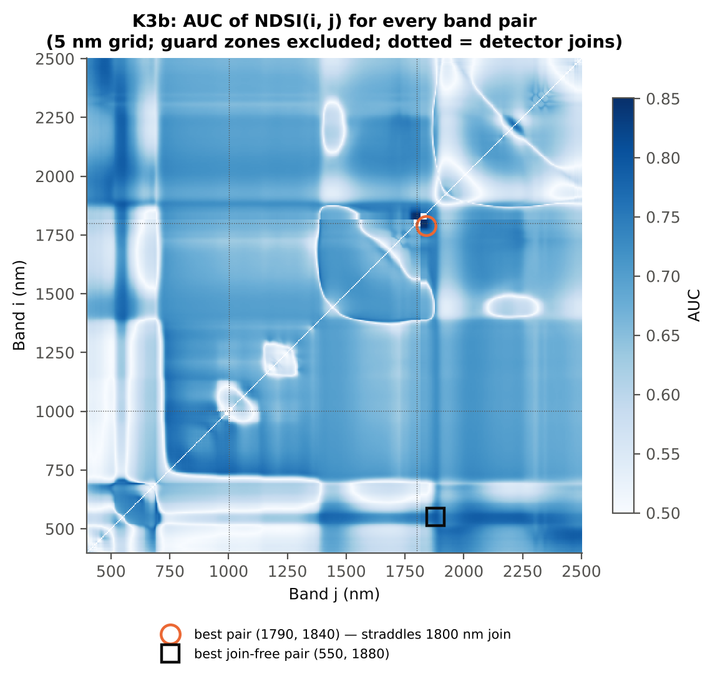
Table K3b.8 Join-free best pairs on each date
Pair | AUC all leaves | AUC 03-03-2026 | AUC 13-03-2026 | Direction by date
NDSI(553, 1881) | 0.7947 | 0.8395 | 0.7908 | same on all dates
DI(580, 693) | 0.8006 | 0.5901 | 0.8563 | same on all dates

Cross-checks for this step
Step | What was checked | Method | Result | Status
K3b | NDSI vs simple ratio | AUC of NDSI and Ri/Rj on 1998 random pairs | max |ΔAUC| = 0.0e+00 | PASS
K3b | Selection optimism | search repeated inside training plots | honest BA 73.9 % (CV) / 67.6 % (hold-out) vs 79.1 % on all leaves | FLAG
...

19_K4_Derivatives
...
Table K4.3 Twenty derivative-based edge parameters, ranked by AUC
Dy (yellow-edge amplitude) | -0.0020 | -0.0015 | 6.7109 | 2.737E-09 | 0.7600 | 0.7342 | D > H | -0.0015 | diseased if > thr
Rg/Ro | 2.0972 | 1.7827 | -6.9239 | 1.633E-09 | -0.8700 | 0.7210 | D < H | 2.1267 | diseased if < thr
(Rg − Ro)/(Rg + Ro) | 0.3440 | 0.2701 | -7.7290 | 4.152E-11 | -0.8287 | 0.7210 | D < H | 0.3604 | diseased if < thr
Db (blue-edge amplitude) | 0.0032 | 0.0028 | -4.6214 | 2.454E-05 | -0.5817 | 0.6718 | D < H | 0.0033 | diseased if < thr
Ro (red well reflectance) | 0.0997 | 0.1168 | 6.3308 | 5.208E-09 | 0.5300 | 0.6584 | D > H | 0.0939 | diseased if > thr
λy (yellow-edge position, nm) | 570.32 | 570.91 | 6.4368 | 4.333E-09 | 0.5722 | 0.6540 | D > H | 570.50 | diseased if > thr
λg (green peak position, nm) | 551.63 | 552.89 | 2.9532 | 0.0058 | 0.3563 | 0.6316 | D > H | 553.50 | diseased if > thr
λb (blue-edge position, nm) | 520.97 | 520.50 | -3.5556 | 0.0011 | -0.3781 | 0.6173 | D < H | 520.50 | diseased if < thr
SDb (blue-edge area) | 0.0763 | 0.0686 | -3.0866 | 0.0044 | -0.4028 | 0.6150 | D < H | 0.0587 | diseased if < thr
Dr = REV (red-edge amplitude) | 0.0104 | 0.0099 | -3.0722 | 0.0044 | -0.3740 | 0.5835 | D < H | 0.0106 | diseased if < thr
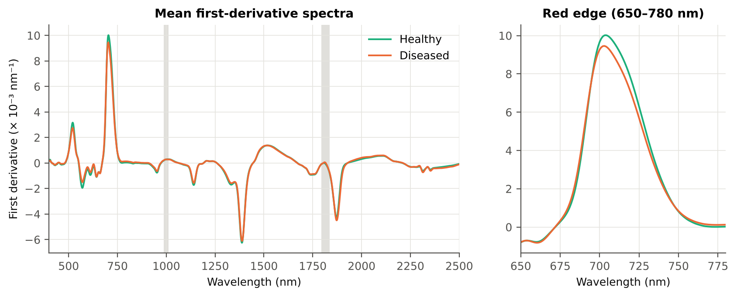
SDr (red-edge area) | 0.4022 | 0.3826 | -2.9138 | 0.0061 | -0.3526 | 0.5716 | D < H | 0.4395 | diseased if < thr
λr = REP (red-edge position, nm) | 704.77 | 703.64 | -2.1759 | 0.0418 | -0.2424 | 0.5706 | D < H | 700.50 | diseased if < thr
SDr/SDb | 5.5795 | 5.9163 | 2.0032 | 0.0589 | 0.2167 | 0.5604 | D > H | 6.0483 | diseased if > thr
(SDr − SDb)/(SDr + SDb) | 0.6810 | 0.6952 | 1.6807 | 0.1059 | 0.1948 | 0.5604 | D > H | 0.7162 | diseased if > thr
REP, linear 4-point (nm) | 713.80 | 713.04 | -1.9346 | 0.0648 | -0.2044 | 0.5585 | D < H | 713.07 | diseased if < thr
Rg (green peak reflectance) | 0.2040 | 0.2013 | -0.5894 | 0.5859 | -0.0661 | 0.5427 | D < H | 0.1988 | diseased if < thr
λo (red well position, nm) | 671.42 | 671.36 | -0.3137 | 0.7543 | -0.0339 | 0.5154 | D < H | 670.50 | diseased if < thr
...

20_K4b_REIP
...
Table K4b.3 REIP shift by date, growth stage and variety
Stratum | Level | Method | n healthy | n diseased | Mean REIP healthy (nm) | Mean REIP diseased (nm) | Shift D − H (nm) | Welch p | AUC
Date | 03-03-2026 | REIP – maximum first derivative | 9 | 45 | 710.22 | 702.53 | -7.6889 | 0.0045 | 0.8556
Date | 03-03-2026 | REIP – linear 4-point interpolation | 9 | 45 | 715.11 | 712.33 | -2.7748 | 0.2018 | 0.8000
Date | 03-03-2026 | REIP – Lagrangian interpolation | 9 | 45 | 710.26 | 702.53 | -7.7372 | 0.0046 | 0.8568
Date | 03-03-2026 | REIP – linear extrapolation | 9 | 45 | 710.47 | 698.59 | -11.88 | 0.0078 | 0.8617
Date | 13-03-2026 | REIP – maximum first derivative | 81 | 405 | 704.16 | 703.77 | -0.3926 | 0.4175 | 0.5372
Date | 13-03-2026 | REIP – linear 4-point interpolation | 81 | 405 | 713.65 | 713.11 | -0.5357 | 0.1568 | 0.5307
Date | 13-03-2026 | REIP – Lagrangian interpolation | 81 | 405 | 704.14 | 703.78 | -0.3602 | 0.4495 | 0.5361
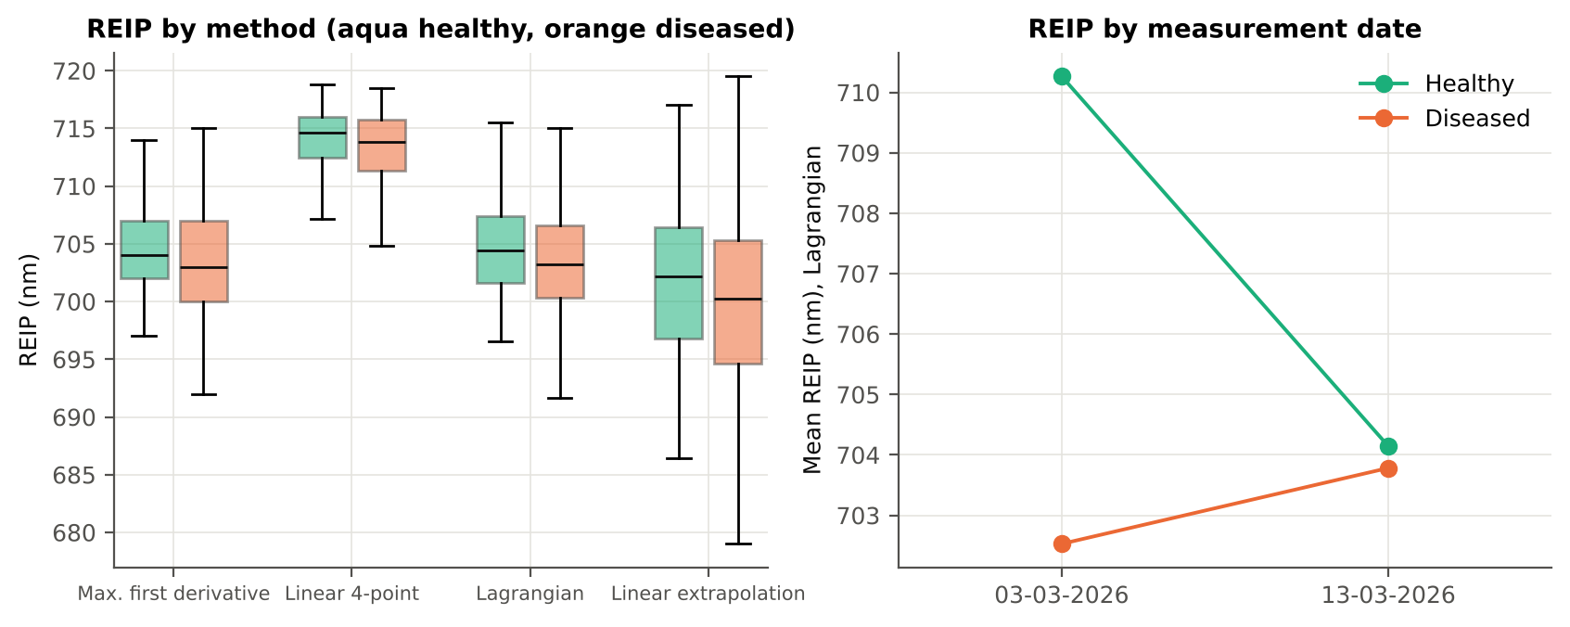
Date | 13-03-2026 | REIP – linear extrapolation | 81 | 405 | 701.06 | 700.32 | -0.7338 | 0.3427 | 0.5358
Growth stage | Pod formation | REIP – maximum first derivative | 90 | 450 | 704.77 | 703.64 | -1.1222 | 0.0313 | 0.5706
Growth stage | Pod formation | REIP – linear 4-point interpolation | 90 | 450 | 713.80 | 713.04 | -0.7596 | 0.0551 | 0.5585
Growth stage | Pod formation | REIP – Lagrangian interpolation | 90 | 450 | 704.76 | 703.66 | -1.0979 | 0.0337 | 0.5707
Growth stage | Pod formation | REIP – linear extrapolation | 90 | 450 | 702.00 | 700.15 | -1.8484 | 0.0275 | 0.5704
Variety | V1 | REIP – maximum first derivative | 36 | 180 | 705.42 | 702.94 | -2.4778 | 0.0088 | 0.6346
Variety | V1 | REIP – linear 4-point interpolation | 36 | 180 | 713.93 | 712.59 | -1.3399 | 0.0660 | 0.6093
Variety | V1 | REIP – Lagrangian interpolation | 36 | 180 | 705.41 | 702.98 | -2.4300 | 0.0102 | 0.6326
Variety | V1 | REIP – linear extrapolation | 36 | 180 | 703.10 | 699.06 | -4.0418 | 0.0083 | 0.6380
Variety | V2 | REIP – maximum first derivative | 27 | 135 | 703.93 | 704.51 | 0.5852 | 0.4483 | 0.5346
Variety | V2 | REIP – linear 4-point interpolation | 27 | 135 | 713.73 | 713.82 | 0.0887 | 0.8766 | 0.5281
Variety | V2 | REIP – Lagrangian interpolation | 27 | 135 | 703.89 | 704.53 | 0.6412 | 0.3899 | 0.5383
Variety | V2 | REIP – linear extrapolation | 27 | 135 | 700.74 | 701.66 | 0.9192 | 0.4600 | 0.5361
Variety | V3 | REIP – maximum first derivative | 27 | 135 | 704.74 | 703.72 | -1.0222 | 0.2890 | 0.5765
Variety | V3 | REIP – linear 4-point interpolation | 27 | 135 | 713.69 | 712.86 | -0.8342 | 0.2488 | 0.5657
Variety | V3 | REIP – Lagrangian interpolation | 27 | 135 | 704.76 | 703.70 | -1.0608 | 0.2679 | 0.5783
Variety | V3 | REIP – linear extrapolation | 27 | 135 | 701.78 | 700.09 | -1.6917 | 0.2697 | 0.5676

21_K6_Correlation
...
r(λ) = Pearson correlation between the band value and the 0/1 disease status (point-biserial r), for the smoothed reflectance and the first derivative, on all leaves and separately on each date. r is a monotone function of Student's t, so the ranking matches Tier 1; the per-date curves show whether the sign is stable over time.
First derivative | 400–499 | 466.00 | 0.0528 | 0.3050 | yes
First derivative | 500–599 | 567.00 | 0.2770 | 7.931E-10 | yes
First derivative | 600–679 | 624.00 | 0.2663 | 3.055E-09 | yes
First derivative | 680–759 | 759.00 | 0.2569 | 1.008E-08 | yes
First derivative | 760–1349 | 797.00 | 0.3525 | 8.345E-15 | yes
First derivative | 1350–1430 | 1423.00 | -0.2541 | 1.381E-08 | yes
First derivative | 1431–1799 | 1431.00 | -0.2239 | 6.148E-07 | yes
First derivative | 1800–1950 | 1891.00 | -0.2963 | 5.354E-11 | yes
First derivative | 1951–2349 | 2007.00 | 0.2864 | 2.378E-10 | yes
First derivative | 2350–2500 | 2448.00 | -0.2268 | 4.305E-07 | yes
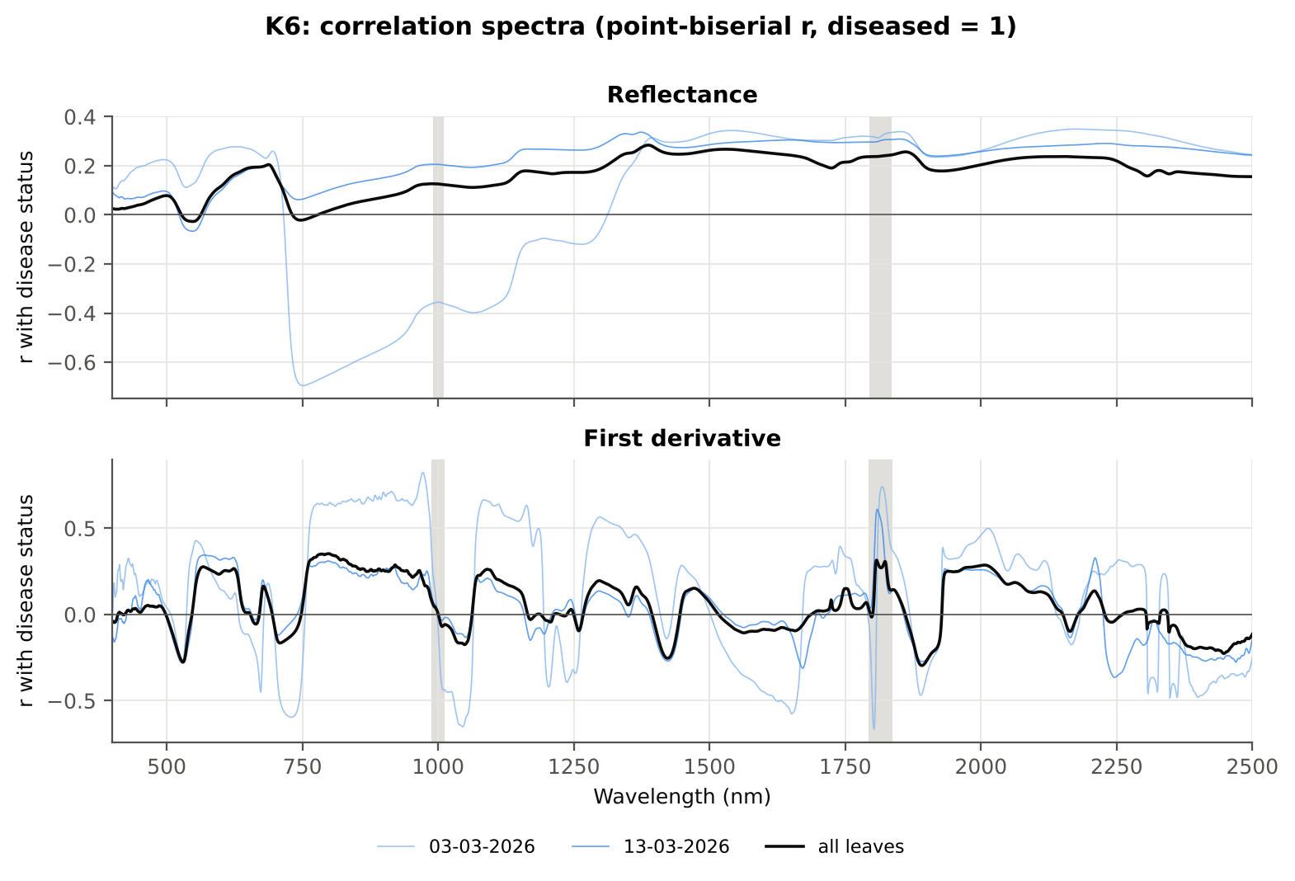

Cross-checks for this step
Step | What was checked | Method | Result | Status
K6 | Correlation vs t-test | |r_pb| vs |Welch t| across bands (Spearman) | ρ = 0.9128 (r_pb is a monotone function of Student's t) | PASS

22_K5_CART_vs_RF
...
Table K5.2 CART vs RF on each feature group (mean over repeats)
K1–K4 combined pool | 4151 | CART | Hold-out | 10 | 71.9% | 6.8% | 0.7399 | 0.3760
K1–K4 combined pool | 4151 | RF | Hold-out | 10 | 72.9% | 5.4% | 0.8350 | 0.4129
K4 incl. guard-zone bands (artefact test) | 2121 | CART | CV | 5 | 79.6% | 2.6% | 0.8354 | 0.5334
K4 incl. guard-zone bands (artefact test) | 2121 | RF | CV | 5 | 85.2% | 1.0% | 0.9376 | 0.6930
K4 incl. guard-zone bands (artefact test) | 2121 | CART | Hold-out | 10 | 76.6% | 5.7% | 0.7871 | 0.4868
K4 incl. guard-zone bands (artefact test) | 2121 | RF | Hold-out | 10 | 81.5% | 4.2% | 0.9297 | 0.5992
K-selected (top 15 non-redundant, chosen inside each training set) | 15 | CART | CV | 5 | 73.5% | 1.6% | 0.7476 | 0.3884
K-selected (top 15 non-redundant, chosen inside each training set) | 15 | RF | CV | 5 | 75.1% | 0.9% | 0.8812 | 0.4570
K-selected (top 15 non-redundant, chosen inside each training set) | 15 | QDA | CV | 5 | 70.4% | 0.7% | 0.7826 | 0.2472
K-selected (top 15 non-redundant, chosen inside each training set) | 15 | CART | Hold-out | 10 | 70.8% | 3.6% | 0.7139 | 0.3545
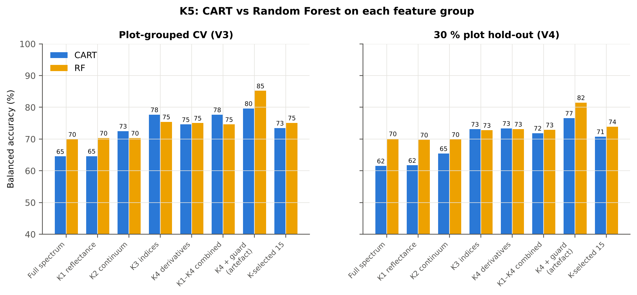
K-selected (top 15 non-redundant, chosen inside each training set) | 15 | RF | Hold-out | 10 | 73.9% | 5.6% | 0.8665 | 0.4236
K-selected (top 15 non-redundant, chosen inside each training set) | 15 | QDA | Hold-out | 10 | 68.8% | 7.2% | 0.7429 | 0.2561

Table K5.3 Paired comparison RF vs CART (same folds)
Feature group | Units | n | RF − CART (BA) | SD | RF better | CART better | Wilcoxon p
Full spectrum (raw reflectance) | CV (45 folds) | 45 | 6.2% | 8.0% | 37 | 8 | 3.968E-05
Full spectrum (raw reflectance) | Hold-out (10 splits) | 10 | 8.6% | 4.7% | 9 | 0 | 0.0039
...

25_C2_Tier2
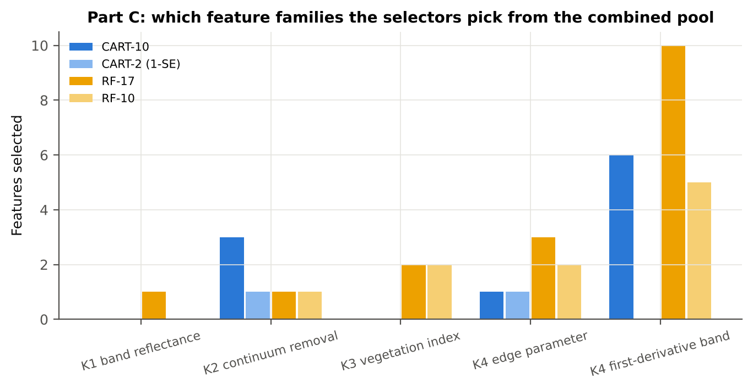
...
Table C2.2 The selected features
D1_984 | K4 first-derivative band | yes |  | 1.627E-04 | 1.918E-04 | 3.4539 | 0.0013 | 0.6296
D1_2458 | K4 first-derivative band | yes |  | -2.062E-04 | -2.865E-04 | -8.1268 | 3.944E-14 | 0.7077
D1_636 | K4 first-derivative band | yes |  | -6.997E-04 | -6.211E-04 | 2.4108 | 0.0267 | 0.6001
SDr/SDy | K4 edge parameter |  | yes | -10.14 | -16.41 | -3.3322 | 0.0016 | 0.7730
PSRI | K3 vegetation index |  | yes | -0.0200 | 7.505E-04 | 5.2237 | 9.978E-07 | 0.7623
D1_806 | K4 first-derivative band |  | yes | 3.073E-05 | 1.165E-04 | 10.75 | 1.021E-18 | 0.7797
ARI | K3 vegetation index |  | yes | -0.0498 | 0.4845 | 9.0888 | 3.198E-15 | 0.7659
D1_625 | K4 first-derivative band |  | yes | -2.852E-04 | -1.464E-04 | 9.0682 | 5.876E-16 | 0.7629
D1_2208 | K4 first-derivative band |  | yes | 3.591E-06 | 2.374E-05 | 4.3180 | 5.209E-05 | 0.7084
D1_796 | K4 first-derivative band |  | yes | 4.260E-05 | 1.349E-04 | 10.87 | 9.421E-19 | 0.7853
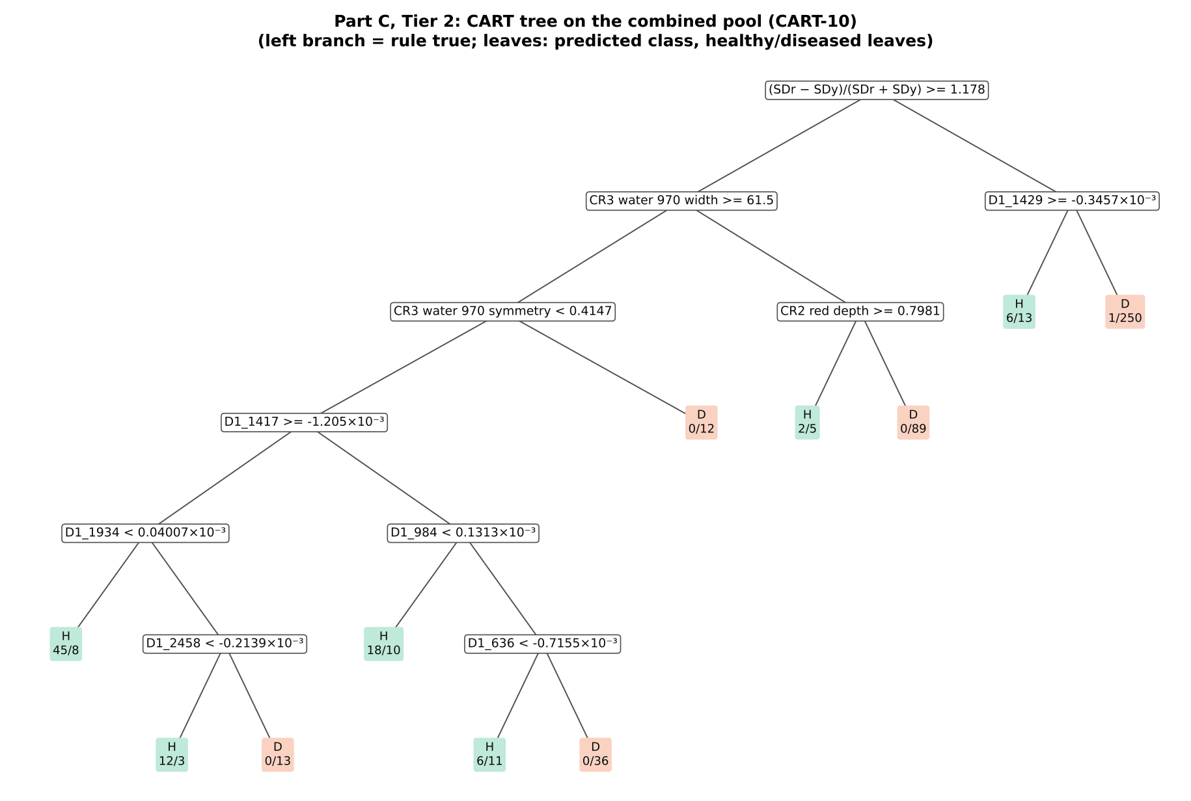
D1_601 | K4 first-derivative band |  | yes | -5.671E-04 | -3.912E-04 | 6.9548 | 2.863E-10 | 0.7368
D1_785 | K4 first-derivative band |  | yes | 3.506E-05 | 1.332E-04 | 10.18 | 1.481E-17 | 0.7769
D1_561 | K4 first-derivative band |  | yes | -0.0013 | -9.357E-04 | 6.2771 | 1.260E-08 | 0.7326
D1_1935 | K4 first-derivative band |  | yes | 3.921E-05 | 6.891E-05 | 10.18 | 9.421E-19 | 0.7825
SDy (yellow-edge area) | K4 edge parameter |  | yes | -0.0419 | -0.0311 | 6.2340 | 1.534E-08 | 0.7354
D1_591 | K4 first-derivative band |  | yes | -6.368E-04 | -4.557E-04 | 6.3839 | 5.959E-09 | 0.7373
R1368 | K1 band reflectance |  | yes | 0.3334 | 0.3605 | 7.1728 | 1.210E-10 | 0.7263
D1_1420 | K4 first-derivative band |  | yes | -8.986E-04 | -9.855E-04 | -5.6658 | 2.371E-07 | 0.7015
...
Table C2.3 Tree nodes (rpart frame)
32 | 5 | leaf | D1_1934< 4.007e-05 | 53 | 45 | 8 | H
33 | 5 | D1_2458 | D1_1934>=4.007e-05 | 28 | 12 | 16 | H
66 | 6 | leaf | D1_2458< -0.0002139 | 15 | 12 | 3 | H
67 | 6 | leaf | D1_2458>=-0.0002139 | 13 | 0 | 13 | D
17 | 4 | D1_984 | D1_1417< -0.001205 | 81 | 24 | 57 | H
34 | 5 | leaf | D1_984< 0.0001313 | 28 | 18 | 10 | H
35 | 5 | D1_636 | D1_984>=0.0001313 | 53 | 6 | 47 | D
70 | 6 | leaf | D1_636< -0.0007155 | 17 | 6 | 11 | H
71 | 6 | leaf | D1_636>=-0.0007155 | 36 | 0 | 36 | D
9 | 3 | leaf | CR3 water 970 symmetry>=0.4147 | 12 | 0 | 12 | D
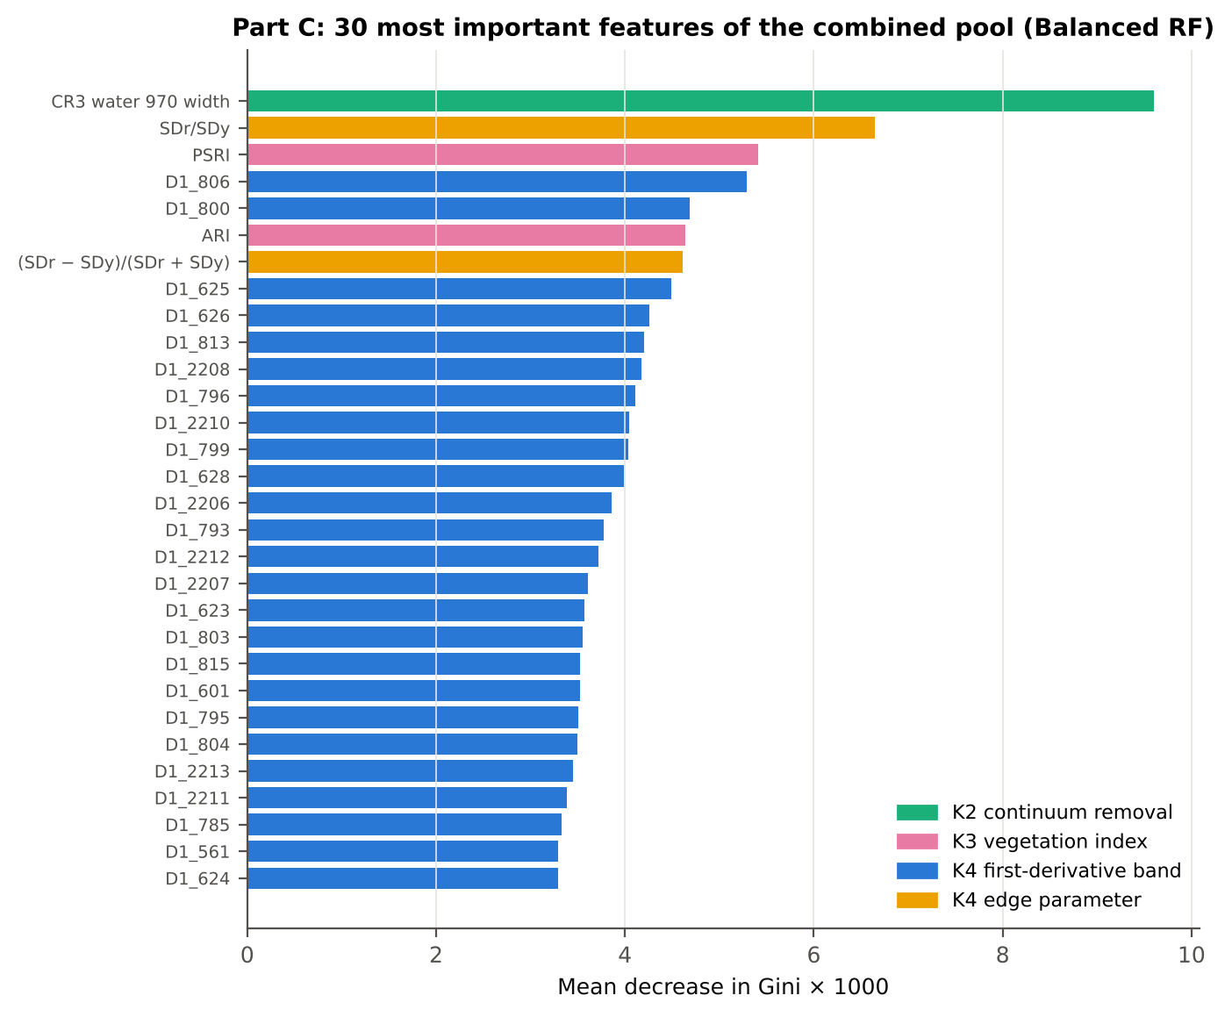
5 | 2 | CR2 red depth | CR3 water 970 width< 61.5 | 96 | 2 | 94 | D
10 | 3 | leaf | CR2 red depth>=0.7981 | 7 | 2 | 5 | H
11 | 3 | leaf | CR2 red depth< 0.7981 | 89 | 0 | 89 | D
3 | 1 | D1_1429 | (SDr − SDy)/(SDr + SDy)< 1.178 | 270 | 7 | 263 | D
6 | 2 | leaf | D1_1429>=-0.0003457 | 19 | 6 | 13 | H
7 | 2 | leaf | D1_1429< -0.0003457 | 251 | 1 | 250 | D

Table C2.4 Complexity-parameter table (plot-grouped CV)
CP | nsplit | rel error | xerror | xstd
0.5067 | 0.0000 | 1.0000 | 1.1000 | 0.0445
0.1867 | 1.0000 | 0.4933 | 0.6667 | 0.0541
0.0378 | 2.0000 | 0.3067 | 0.4867 | 0.0549
0.0267 | 3.0000 | 0.2689 | 0.4956 | 0.0567
0.0144 | 7.0000 | 0.1622 | 0.5378 | 0.0626
0.0111 | 9.0000 | 0.1333 | 0.5800 | 0.0657
0.0100 | 10.00 | 0.1222 | 0.5822 | 0.0657

26_C3_Tier3_JM
...
Table C3.2 J–M and QDA BA as features are added
6 | D1_1417 | 1.1189 | 81.4% | (SDr − SDy)/(SDr + SDy) | 1.8503 | 75.6%
7 | D1_1934 | 1.2694 | 80.7% | D1_625 | 1.8813 | 75.7%
8 | D1_984 | 1.3181 | 81.8% | D1_2208 | 1.9029 | 75.8%
9 | D1_2458 | 1.4397 | 81.0% | D1_796 | 1.9099 | 76.0%
10 | D1_636 | 1.4783 | 80.6% | D1_601 | 1.9294 | 74.6%
11 |  |  |  | D1_785 | 1.9397 | 75.2%
12 |  |  |  | D1_561 | 1.9468 | 76.0%
13 |  |  |  | D1_1935 | 1.9511 | 75.3%
14 |  |  |  | SDy (yellow-edge area) | 1.9630 | 74.7%
15 |  |  |  | D1_591 | 1.9674 | 74.9%
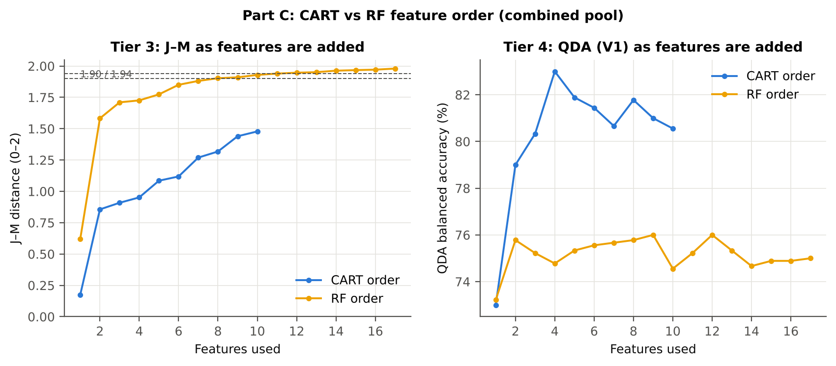
16 |  |  |  | R1368 | 1.9711 | 74.9%
17 |  |  |  | D1_1420 | 1.9798 | 75.0%

28_C5_Validation
...
Result in brief
RF classifier | V1 | 1 | 84.6% | 81.4% |  | 0.5320 | 0.9181 | 76.7% | 86.2% | 52.7% | 94.9%
RF classifier | V3 | 5 | 82.0% | 73.8% | 0.8% | 0.4239 | 0.8585 | 61.3% | 86.2% | 47.1% | 91.8%
RF classifier | V4 | 10 | 80.0% | 73.7% | 5.1% | 0.4146 | 0.8352 | 63.2% | 84.1% | 48.2% | 91.0%
RF classifier | V5 | 10 | 60.9% | 64.2% |  | 0.1509 | 0.8257 | 40.7% | 80.3% | 44.0% | 71.6%
QDA on CART features | V1 | 1 | 75.7% | 80.6% |  | 0.4117 | 0.9070 | 87.8% | 73.3% | 39.7% | 96.8%
QDA on CART features | V3 | 5 | 70.2% | 74.4% | 3.6% | 0.3143 | 0.7917 | 80.7% | 68.1% | 33.8% | 94.6%
QDA on CART features | V4 | 10 | 66.1% | 69.3% | 8.6% | 0.2626 | 0.7713 | 74.8% | 63.8% | 33.1% | 91.3%
QDA on CART features | V5 | 10 | 56.0% | 54.5% |  | 0.0594 | 0.6044 | 27.2% | 77.2% | 32.0% | 70.9%
QDA on RF features | V1 | 1 | 65.0% | 75.0% |  | 0.2841 | 0.8901 | 90.0% | 60.0% | 31.0% | 96.8%
QDA on RF features | V3 | 5 | 65.0% | 69.9% | 1.2% | 0.2402 | 0.7736 | 77.3% | 62.5% | 29.2% | 93.2%
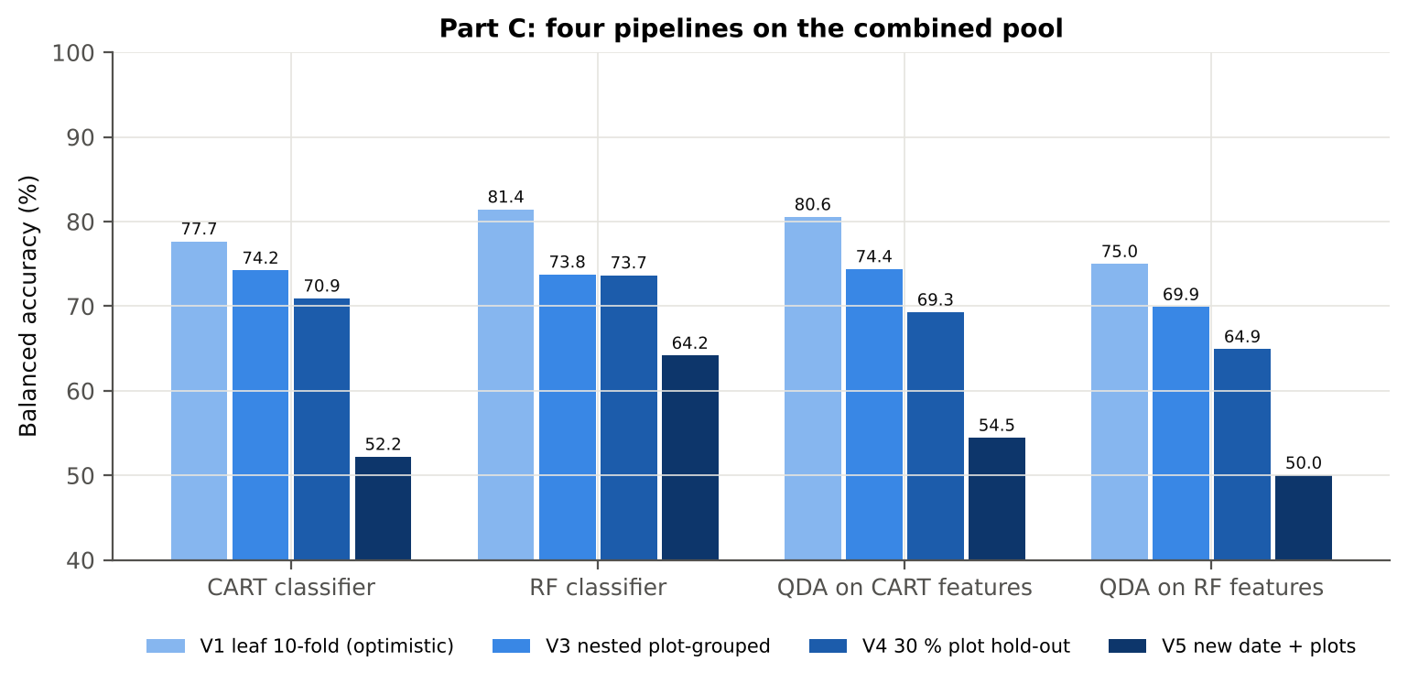
QDA on RF features | V4 | 10 | 65.6% | 64.9% | 7.3% | 0.2162 | 0.7043 | 63.8% | 66.0% | 31.3% | 88.6%
QDA on RF features | V5 | 10 | 67.0% | 50.0% |  | 0.0000 | 0.5381 | 0.0% | 100.0% |  | 67.0%

Table C5.2 Paired comparisons within this pool
Comparison | Units | n | Mean difference | SD | First better | Second better | Ties | Wilcoxon p
RF classifier − CART classifier | V3 nested (folds) | 45 | -0.4% | 8.5% | 18 | 24 | 3 | 0.6844
RF classifier − CART classifier | V4 hold-out (splits) | 10 | 2.7% | 4.7% | 8 | 2 | 0 | 0.1055
QDA on RF features − QDA on CART features | V3 nested (folds) | 45 | -4.4% | 9.3% | 13 | 30 | 2 | 0.0019
...

29_C6_Stability
...
Table C6.3 Re-selection of the all-leaf CART features
D1_636 | K4 first-derivative band | 6.7% | 46.7%

Table C6.4 Re-selection of the all-leaf RF features
Feature | Type | Re-selected by CART (±10 nm) | Re-selected by RF (±10 nm)
CR3 water 970 width | K2 continuum removal | 95.6% | 100.0%
SDr/SDy | K4 edge parameter | 46.7% | 100.0%
PSRI | K3 vegetation index | 24.4% | 91.1%
D1_806 | K4 first-derivative band | 2.2% | 100.0%
ARI | K3 vegetation index | 11.1% | 88.9%
(SDr − SDy)/(SDr + SDy) | K4 edge parameter | 57.8% | 100.0%
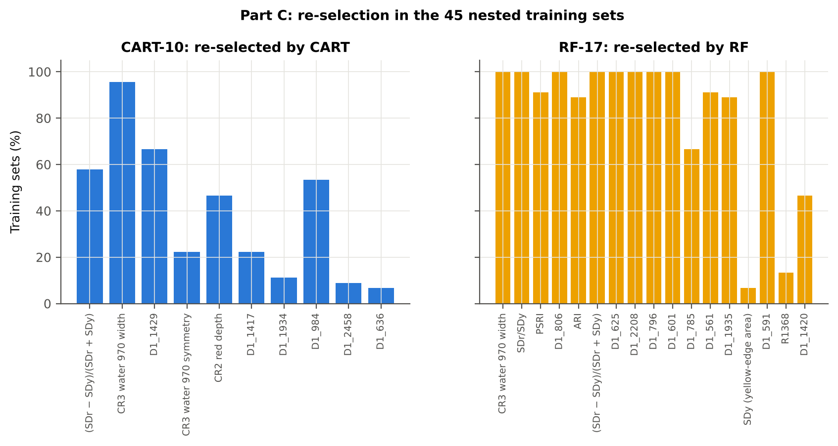
D1_625 | K4 first-derivative band | 2.2% | 100.0%
D1_2208 | K4 first-derivative band | 24.4% | 100.0%
D1_796 | K4 first-derivative band | 11.1% | 100.0%
D1_601 | K4 first-derivative band | 0.0% | 100.0%
D1_785 | K4 first-derivative band | 17.8% | 66.7%
D1_561 | K4 first-derivative band | 0.0% | 91.1%
D1_1935 | K4 first-derivative band | 11.1% | 88.9%
SDy (yellow-edge area) | K4 edge parameter | 0.0% | 6.7%
D1_591 | K4 first-derivative band | 0.0% | 100.0%
R1368 | K1 band reflectance | 2.2% | 13.3%
D1_1420 | K4 first-derivative band | 60.0% | 46.7%
...

31_V5_Transfer
...
Result in brief
Reflectance (Part A) | CART classifier | 13-03-2026 | 5 | 5 | 147.00 | 49.6% | 0.3%
Reflectance (Part A) | RF classifier | 03-03-2026 | 9 | 2 | 24.00 | 50.0% | 0.0%
Reflectance (Part A) | RF classifier | 13-03-2026 | 5 | 5 | 147.00 | 50.2% | 1.0%
Reflectance (Part A) | QDA on CART features | 03-03-2026 | 9 | 2 | 24.00 | 50.0% | 0.0%
Reflectance (Part A) | QDA on CART features | 13-03-2026 | 5 | 5 | 147.00 | 49.8% | 1.4%
Reflectance (Part A) | QDA on RF features | 03-03-2026 | 9 | 2 | 24.00 | 50.0% | 0.0%
Reflectance (Part A) | QDA on RF features | 13-03-2026 | 5 | 5 | 147.00 | 50.0% | 0.0%
Combined pool (Part C) | CART classifier | 03-03-2026 | 9 | 2 | 24.00 | 49.2% | 1.2%
Combined pool (Part C) | CART classifier | 13-03-2026 | 5 | 5 | 147.00 | 51.6% | 1.8%
Combined pool (Part C) | RF classifier | 03-03-2026 | 9 | 2 | 24.00 | 50.0% | 0.0%
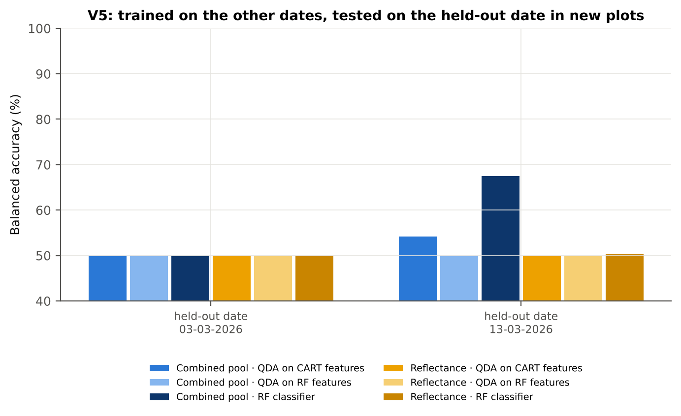
Combined pool (Part C) | RF classifier | 13-03-2026 | 5 | 5 | 147.00 | 67.5% | 7.1%
Combined pool (Part C) | QDA on CART features | 03-03-2026 | 9 | 2 | 24.00 | 50.0% | 0.0%
Combined pool (Part C) | QDA on CART features | 13-03-2026 | 5 | 5 | 147.00 | 54.2% | 2.8%
Combined pool (Part C) | QDA on RF features | 03-03-2026 | 9 | 2 | 24.00 | 50.0% | 0.0%
Combined pool (Part C) | QDA on RF features | 13-03-2026 | 5 | 5 | 147.00 | 50.0% | 0.0%

37_ChartData
...
Figure 3. Mean reflectance (healthy vs diseased)
 | Mean healthy | Mean diseased
400.00 | 0.1110 | 0.1156
401.00 | 0.1113 | 0.1160
402.00 | 0.1115 | 0.1161
403.00 | 0.1120 | 0.1165
404.00 | 0.1127 | 0.1171
405.00 | 0.1134 | 0.1176
406.00 | 0.1135 | 0.1174
407.00 | 0.1130 | 0.1170
408.00 | 0.1127 | 0.1170
409.00 | 0.1131 | 0.1173
410.00 | 0.1137 | 0.1177
411.00 | 0.1140 | 0.1179
412.00 | 0.1140 | 0.1179
413.00 | 0.1143 | 0.1183
414.00 | 0.1141 | 0.1182
415.00 | 0.1134 | 0.1177
416.00 | 0.1129 | 0.1173
417.00 | 0.1134 | 0.1178
418.00 | 0.1138 | 0.1180
419.00 | 0.1138 | 0.1179
420.00 | 0.1137 | 0.1179
421.00 | 0.1134 | 0.1176
422.00 | 0.1132 | 0.1173
423.00 | 0.1132 | 0.1172
424.00 | 0.1134 | 0.1174
425.00 | 0.1137 | 0.1177
426.00 | 0.1137 | 0.1178
427.00 | 0.1131 | 0.1174
428.00 | 0.1127 | 0.1171
429.00 | 0.1123 | 0.1167
430.00 | 0.1119 | 0.1162
431.00 | 0.1122 | 0.1165
432.00 | 0.1122 | 0.1165
433.00 | 0.1117 | 0.1162
434.00 | 0.1112 | 0.1158
435.00 | 0.1114 | 0.1159
436.00 | 0.1116 | 0.1161
437.00 | 0.1115 | 0.1160
438.00 | 0.1113 | 0.1158
439.00 | 0.1109 | 0.1155
440.00 | 0.1107 | 0.1154
441.00 | 0.1108 | 0.1155
442.00 | 0.1106 | 0.1154
443.00 | 0.1106 | 0.1154
444.00 | 0.1106 | 0.1156
445.00 | 0.1105 | 0.1155
446.00 | 0.1104 | 0.1155
447.00 | 0.1105 | 0.1155
448.00 | 0.1106 | 0.1157
449.00 | 0.1106 | 0.1157
...
−log10 q mixed model | q = 0.05 line | RF importance × 1000 | K1 AUC | D1 AUC
0.0710 | 1.3010 | 0.0000 | 0.5281 | 0.5760
0.0710 | 1.3010 | 0.0000 | 0.5254 | 0.5856
0.0710 | 1.3010 | 0.0000 | 0.5231 | 0.5882
0.0698 | 1.3010 | 0.0000 | 0.5209 | 0.6007
0.0679 | 1.3010 | 0.0000 | 0.5196 | 0.6056
0.0650 | 1.3010 | 0.0000 | 0.5184 | 0.5961
0.0641 | 1.3010 | 0.0000 | 0.5171 | 0.5911
0.0659 | 1.3010 | 0.0000 | 0.5158 | 0.5842
0.0681 | 1.3010 | 0.0000 | 0.5154 | 0.5653
0.0673 | 1.3010 | 0.0000 | 0.5154 | 0.5469
0.0650 | 1.3010 | 0.0000 | 0.5145 | 0.5338
0.0641 | 1.3010 | 0.0000 | 0.5145 | 0.5209
0.0641 | 1.3010 | 0.0000 | 0.5136 | 0.5152
0.0625 | 1.3010 | 0.0000 | 0.5140 | 0.5132
0.0667 | 1.3010 | 0.0000 | 0.5152 | 0.5139
0.0710 | 1.3010 | 0.0000 | 0.5155 | 0.5128
0.0710 | 1.3010 | 0.0000 | 0.5160 | 0.5103
0.0714 | 1.3010 | 0.0000 | 0.5162 | 0.5144
0.0710 | 1.3010 | 0.0000 | 0.5167 | 0.5216
Figure 5b. −log10(p) against wavelength
 | −log10 p Welch | −log10 q Welch | −log10 q mixed model | q = 0.05 line
400.00 | 0.2496 | 0.2206 | 0.0710 | 1.3010
401.00 | 0.2565 | 0.2268 | 0.0710 | 1.3010
402.00 | 0.2568 | 0.2268 | 0.0710 | 1.3010
403.00 | 0.2492 | 0.2204 | 0.0698 | 1.3010
404.00 | 0.2399 | 0.2126 | 0.0679 | 1.3010
405.00 | 0.2315 | 0.2054 | 0.0650 | 1.3010
406.00 | 0.2152 | 0.1915 | 0.0641 | 1.3010
407.00 | 0.2256 | 0.2007 | 0.0659 | 1.3010
408.00 | 0.2458 | 0.2179 | 0.0681 | 1.3010
409.00 | 0.2426 | 0.2151 | 0.0673 | 1.3010
410.00 | 0.2323 | 0.2057 | 0.0650 | 1.3010
411.00 | 0.2263 | 0.2012 | 0.0641 | 1.3010
412.00 | 0.2280 | 0.2022 | 0.0641 | 1.3010
413.00 | 0.2314 | 0.2054 | 0.0625 | 1.3010
414.00 | 0.2485 | 0.2199 | 0.0667 | 1.3010
415.00 | 0.2683 | 0.2364 | 0.0710 | 1.3010
416.00 | 0.2761 | 0.2416 | 0.0710 | 1.3010
417.00 | 0.2770 | 0.2421 | 0.0714 | 1.3010
418.00 | 0.2683 | 0.2364 | 0.0710 | 1.3010
419.00 | 0.2603 | 0.2294 | 0.0696 | 1.3010
420.00 | 0.2706 | 0.2376 | 0.0701 | 1.3010
421.00 | 0.2732 | 0.2393 | 0.0701 | 1.3010
422.00 | 0.2683 | 0.2364 | 0.0695 | 1.3010
423.00 | 0.2630 | 0.2319 | 0.0681 | 1.3010
424.00 | 0.2707 | 0.2376 | 0.0697 | 1.3010
425.00 | 0.2824 | 0.2464 | 0.0710 | 1.3010
426.00 | 0.2941 | 0.2566 | 0.0732 | 1.3010
427.00 | 0.3051 | 0.2669 | 0.0760 | 1.3010
428.00 | 0.3216 | 0.2823 | 0.0791 | 1.3010
429.00 | 0.3267 | 0.2872 | 0.0796 | 1.3010
430.00 | 0.3180 | 0.2793 | 0.0769 | 1.3010
431.00 | 0.3193 | 0.2804 | 0.0762 | 1.3010
432.00 | 0.3293 | 0.2895 | 0.0784 | 1.3010
433.00 | 0.3482 | 0.3070 | 0.0827 | 1.3010
434.00 | 0.3707 | 0.3277 | 0.0864 | 1.3010
435.00 | 0.3639 | 0.3213 | 0.0853 | 1.3010
436.00 | 0.3619 | 0.3199 | 0.0853 | 1.3010
437.00 | 0.3737 | 0.3305 | 0.0868 | 1.3010
438.00 | 0.3783 | 0.3348 | 0.0872 | 1.3010
439.00 | 0.3922 | 0.3481 | 0.0909 | 1.3010
440.00 | 0.4072 | 0.3619 | 0.0945 | 1.3010
441.00 | 0.4149 | 0.3692 | 0.0945 | 1.3010
442.00 | 0.4261 | 0.3795 | 0.0976 | 1.3010
443.00 | 0.4400 | 0.3926 | 0.1009 | 1.3010
444.00 | 0.4552 | 0.4067 | 0.1033 | 1.3010
445.00 | 0.4694 | 0.4202 | 0.1065 | 1.3010
446.00 | 0.4771 | 0.4275 | 0.1083 | 1.3010
447.00 | 0.4819 | 0.4317 | 0.1090 | 1.3010
448.00 | 0.4874 | 0.4366 | 0.1091 | 1.3010
449.00 | 0.4952 | 0.4436 | 0.1106 | 1.3010
...
0.0696 | 1.3010 | 0.0000 | 0.5159 | 0.5263
0.0701 | 1.3010 | 0.0000 | 0.5151 | 0.5260
0.0701 | 1.3010 | 0.0000 | 0.5145 | 0.5284
0.0695 | 1.3010 | 0.0000 | 0.5140 | 0.5261
0.0681 | 1.3010 | 0.0000 | 0.5139 | 0.5202
0.0697 | 1.3010 | 0.0000 | 0.5145 | 0.5175
0.0710 | 1.3010 | 0.0000 | 0.5151 | 0.5109
0.0732 | 1.3010 | 0.0000 | 0.5161 | 0.5009
0.0760 | 1.3010 | 0.0000 | 0.5169 | 0.5069
0.0791 | 1.3010 | 0.0000 | 0.5170 | 0.5170
0.0796 | 1.3010 | 0.0000 | 0.5167 | 0.5179
0.0769 | 1.3010 | 0.0000 | 0.5165 | 0.5143
0.0762 | 1.3010 | 0.0000 | 0.5163 | 0.5010
0.0784 | 1.3010 | 0.0000 | 0.5159 | 0.5022
0.0827 | 1.3010 | 0.0000 | 0.5160 | 0.5002
0.0864 | 1.3010 | 0.0000 | 0.5159 | 0.5021
0.0853 | 1.3010 | 0.0000 | 0.5162 | 0.5140
0.0853 | 1.3010 | 0.0000 | 0.5169 | 0.5306
0.0868 | 1.3010 | 0.0000 | 0.5174 | 0.5470
0.0872 | 1.3010 | 0.0000 | 0.5177 | 0.5560
Figure 5. Balanced subsets with a significant difference (%)
 | Balanced subsets significant (%)
400.00 | 0.1000
401.00 | 0.1000
402.00 | 0.2000
403.00 | 0.1000
404.00 | 0.1000
405.00 | 0.1000
406.00 | 0.1000
407.00 | 0.1000
408.00 | 0.1000
409.00 | 0.1000
410.00 | 0.1000
411.00 | 0.1000
412.00 | 0.1000
413.00 | 0.1000
414.00 | 0.1000
415.00 | 0.1000
416.00 | 0.1000
417.00 | 0.1000
418.00 | 0.1000
419.00 | 0.1000
420.00 | 0.1000
421.00 | 0.1000
422.00 | 0.1000
423.00 | 0.1000
424.00 | 0.1000
425.00 | 0.1000
426.00 | 0.1000
427.00 | 0.1000
428.00 | 0.1000
429.00 | 0.1000
430.00 | 0.1000
431.00 | 0.1000
432.00 | 0.1000
433.00 | 0.3000
434.00 | 0.4000
435.00 | 0.3000
436.00 | 0.3000
437.00 | 0.5000
438.00 | 0.4000
439.00 | 0.5000
440.00 | 0.6000
441.00 | 0.6000
442.00 | 0.6000
443.00 | 0.6000
444.00 | 1.0000
445.00 | 1.1000
446.00 | 1.3000
447.00 | 1.3000
448.00 | 1.3000
449.00 | 1.3000
...
0.0909 | 1.3010 | 0.0000 | 0.5180 | 0.5573
0.0945 | 1.3010 | 0.0000 | 0.5186 | 0.5566
0.0945 | 1.3010 | 0.0000 | 0.5196 | 0.5599
0.0976 | 1.3010 | 0.0000 | 0.5200 | 0.5693
0.1009 | 1.3010 | 0.0000 | 0.5209 | 0.5710
0.1033 | 1.3010 | 0.0000 | 0.5214 | 0.5640
0.1065 | 1.3010 | 0.0000 | 0.5220 | 0.5557
0.1083 | 1.3010 | 0.0000 | 0.5223 | 0.5456
0.1090 | 1.3010 | 0.0000 | 0.5225 | 0.5376
0.1091 | 1.3010 | 0.0000 | 0.5225 | 0.5345
0.1106 | 1.3010 | 0.0000 | 0.5221 | 0.5292
0.1116 | 1.3010 | 0.0000 | 0.5217 | 0.5263
0.1125 | 1.3010 | 0.0000 | 0.5221 | 0.5247
0.1138 | 1.3010 | 0.0000 | 0.5224 | 0.5257
0.1151 | 1.3010 | 0.0000 | 0.5229 | 0.5317
0.1174 | 1.3010 | 0.0000 | 0.5238 | 0.5417
0.1204 | 1.3010 | 0.0000 | 0.5245 | 0.5526
0.1219 | 1.3010 | 0.0000 | 0.5249 | 0.5652
0.1246 | 1.3010 | 0.0000 | 0.5255 | 0.5798
0.1273 | 1.3010 | 0.0000 | 0.5261 | 0.5949
Figure A1. RF importance spectrum
 | RF importance × 1000
400.00 | 0.0000
401.00 | 0.0000
402.00 | 0.0000
403.00 | 0.0000
404.00 | 0.0000
405.00 | 0.0000
406.00 | 0.0000
407.00 | 0.0000
408.00 | 0.0000
409.00 | 0.0000
410.00 | 0.0000
411.00 | 0.0000
412.00 | 0.0000
413.00 | 0.0000
414.00 | 0.0000
415.00 | 0.0000
416.00 | 0.0000
417.00 | 0.0000
418.00 | 0.0000
419.00 | 0.0000
420.00 | 0.0000
421.00 | 0.0000
422.00 | 0.0000
423.00 | 0.0000
424.00 | 0.0000
425.00 | 0.0000
426.00 | 0.0000
427.00 | 0.0000
428.00 | 0.0000
429.00 | 0.0000
430.00 | 0.0000
431.00 | 0.0000
432.00 | 0.0000
433.00 | 0.0000
434.00 | 0.0000
435.00 | 0.0000
436.00 | 0.0000
437.00 | 0.0000
438.00 | 0.0000
439.00 | 0.0000
440.00 | 0.0000
441.00 | 0.0000
442.00 | 0.0000
443.00 | 0.0000
444.00 | 0.0000
445.00 | 0.0000
446.00 | 0.0000
447.00 | 0.0000
448.00 | 0.0000
449.00 | 0.0000
...
0.1289 | 1.3010 | 0.0000 | 0.5268 | 0.6120
0.1325 | 1.3010 | 0.0000 | 0.5279 | 0.6245
0.1371 | 1.3010 | 0.0000 | 0.5284 | 0.6316
0.1412 | 1.3010 | 0.0000 | 0.5294 | 0.6389
0.1457 | 1.3010 | 0.0000 | 0.5304 | 0.6434
0.1492 | 1.3010 | 0.0000 | 0.5312 | 0.6479
0.1538 | 1.3010 | 0.0000 | 0.5320 | 0.6526
0.1597 | 1.3010 | 0.0000 | 0.5326 | 0.6544
0.1621 | 1.3010 | 0.0000 | 0.5337 | 0.6496
0.1658 | 1.3010 | 0.0000 | 0.5342 | 0.6449
0.1711 | 1.3010 | 0.0000 | 0.5346 | 0.6432
0.1733 | 1.3010 | 0.0000 | 0.5353 | 0.6427
0.1765 | 1.3010 | 0.0000 | 0.5360 | 0.6353
0.1808 | 1.3010 | 0.0000 | 0.5366 | 0.6242
0.1849 | 1.3010 | 0.0000 | 0.5371 | 0.6194
0.1881 | 1.3010 | 0.0000 | 0.5375 | 0.6200
0.1910 | 1.3010 | 0.0000 | 0.5380 | 0.6121
0.1957 | 1.3010 | 0.0000 | 0.5387 | 0.6022
0.2019 | 1.3010 | 0.0000 | 0.5392 | 0.6032
0.2035 | 1.3010 | 0.0000 | 0.5395 | 0.5999
Figure K1. AUC of every band
 | K1 AUC | D1 AUC
400.00 | 0.5281 | 0.5760
401.00 | 0.5254 | 0.5856
402.00 | 0.5231 | 0.5882
403.00 | 0.5209 | 0.6007
404.00 | 0.5196 | 0.6056
405.00 | 0.5184 | 0.5961
406.00 | 0.5171 | 0.5911
407.00 | 0.5158 | 0.5842
408.00 | 0.5154 | 0.5653
409.00 | 0.5154 | 0.5469
410.00 | 0.5145 | 0.5338
411.00 | 0.5145 | 0.5209
412.00 | 0.5136 | 0.5152
413.00 | 0.5140 | 0.5132
414.00 | 0.5152 | 0.5139
415.00 | 0.5155 | 0.5128
416.00 | 0.5160 | 0.5103
417.00 | 0.5162 | 0.5144
418.00 | 0.5167 | 0.5216
419.00 | 0.5159 | 0.5263
420.00 | 0.5151 | 0.5260
421.00 | 0.5145 | 0.5284
422.00 | 0.5140 | 0.5261
423.00 | 0.5139 | 0.5202
424.00 | 0.5145 | 0.5175
425.00 | 0.5151 | 0.5109
426.00 | 0.5161 | 0.5009
427.00 | 0.5169 | 0.5069
428.00 | 0.5170 | 0.5170
429.00 | 0.5167 | 0.5179
430.00 | 0.5165 | 0.5143
431.00 | 0.5163 | 0.5010
432.00 | 0.5159 | 0.5022
433.00 | 0.5160 | 0.5002
434.00 | 0.5159 | 0.5021
435.00 | 0.5162 | 0.5140
436.00 | 0.5169 | 0.5306
437.00 | 0.5174 | 0.5470
438.00 | 0.5177 | 0.5560
439.00 | 0.5180 | 0.5573
440.00 | 0.5186 | 0.5566
441.00 | 0.5196 | 0.5599
442.00 | 0.5200 | 0.5693
443.00 | 0.5209 | 0.5710
444.00 | 0.5214 | 0.5640
445.00 | 0.5220 | 0.5557
446.00 | 0.5223 | 0.5456
447.00 | 0.5225 | 0.5376
448.00 | 0.5225 | 0.5345
449.00 | 0.5221 | 0.5292
...
0.2060 | 1.3010 | 0.0000 | 0.5399 | 0.5906
0.2117 | 1.3010 | 0.0000 | 0.5406 | 0.5817
0.2152 | 1.3010 | 0.0000 | 0.5416 | 0.5809
0.2168 | 1.3010 | 0.0000 | 0.5420 | 0.5771
0.2205 | 1.3010 | 0.0000 | 0.5424 | 0.5733
0.2275 | 1.3010 | 0.0000 | 0.5428 | 0.5743
0.2307 | 1.3010 | 0.0000 | 0.5434 | 0.5801
0.2324 | 1.3010 | 0.0000 | 0.5441 | 0.5771
0.2353 | 1.3010 | 0.0000 | 0.5447 | 0.5711
0.2411 | 1.3010 | 0.0000 | 0.5453 | 0.5626
0.2442 | 1.3010 | 0.0000 | 0.5465 | 0.5538
0.2474 | 1.3010 | 0.0000 | 0.5472 | 0.5492
0.2535 | 1.3010 | 0.0000 | 0.5479 | 0.5425
0.2573 | 1.3010 | 0.0000 | 0.5480 | 0.5377
0.2586 | 1.3010 | 0.0000 | 0.5486 | 0.5320
0.2587 | 1.3010 | 0.0000 | 0.5490 | 0.5263
0.2590 | 1.3010 | 0.0000 | 0.5492 | 0.5222
0.2618 | 1.3010 | 0.0000 | 0.5497 | 0.5190
0.2645 | 1.3010 | 0.0000 | 0.5500 | 0.5141
0.2645 | 1.3010 | 0.0000 | 0.5506 | 0.5095
Figure A3. Balanced accuracy by pipeline and validation scheme (Part A)
0.2645 | 1.3010 | 0.0000 | 0.5505 | 0.5064
0.2631 | 1.3010 | 0.0000 | 0.5514 | 0.5040
0.2612 | 1.3010 | 0.0000 | 0.5514 | 0.5007
0.2612 | 1.3010 | 0.0000 | 0.5522 | 0.5037
0.2580 | 1.3010 | 0.0000 | 0.5525 | 0.5099
0.2531 | 1.3010 | 0.0000 | 0.5526 | 0.5166
0.2481 | 1.3010 | 0.0000 | 0.5519 | 0.5240
0.2419 | 1.3010 | 0.0000 | 0.5507 | 0.5329
0.2338 | 1.3010 | 0.0000 | 0.5499 | 0.5427
0.2250 | 1.3010 | 0.0000 | 0.5485 | 0.5546
0.2149 | 1.3010 | 0.0000 | 0.5471 | 0.5669
0.2030 | 1.3010 | 0.0000 | 0.5457 | 0.5779
0.1896 | 1.3010 | 0.0000 | 0.5436 | 0.5879
0.1765 | 1.3010 | 0.0000 | 0.5412 | 0.5977
0.1647 | 1.3010 | 0.0000 | 0.5379 | 0.6089
0.1492 | 1.3010 | 0.0000 | 0.5356 | 0.6197
0.1324 | 1.3010 | 0.0000 | 0.5318 | 0.6298
0.1164 | 1.3010 | 0.0000 | 0.5288 | 0.6393
0.1017 | 1.3010 | 0.0000 | 0.5247 | 0.6477
0.0853 | 1.3010 | 0.0000 | 0.5211 | 0.6549
0.0694 | 1.3010 | 0.0000 | 0.5171 | 0.6616
0.0530 | 1.3010 | 0.0000 | 0.5125 | 0.6680
0.0353 | 1.3010 | 0.0000 | 0.5078 | 0.6745
0.0183 | 1.3010 | 0.0000 | 0.5025 | 0.6801
0.0038 | 1.3010 | 0.0000 | 0.5010 | 0.6860
0.0083 | 1.3010 | 0.0000 | 0.5049 | 0.6912
0.0224 | 1.3010 | 0.0000 | 0.5090 | 0.6968
0.0380 | 1.3010 | 0.0000 | 0.5136 | 0.7022
...

