01_Summary
Summary — results of every step
Balanced accuracy (BA) = mean of healthy and diseased recall; it is the headline metric because the classes are imbalanced (1 : 4.9).

Key numbers
Item | Result
Leaf spectra analysed (healthy / diseased) | 428 (72 / 356); 48 plots (12 / 36); 1 date: 11-02-2026; growth stages: Flowering, Vegetative; varieties: V1, V2, V3
Tier 1 — bands significant (Welch + FDR) | 216 of 2101
Tier 2 — CART bands (rpart, prior 0.5/0.5) | 17: 518, 2380, 2350, 2364, 2267, 2328, 2374, 521, 563, 2332, 526, 555, 2346, 528, 2397, 2316, 570 nm
Tier 2 — RF bands (top-17 MDI peaks) | 517, 528, 567, 587, 552, 2408, 541, 2267, 2393, 2304, 2289, 2348, 2377, 2337, 2277, 2323, 2361 nm
Tier 3 — J–M healthy vs diseased (CART / RF bands) | 1.720 / 1.831 (threshold 1.90)
Tier 4 — QDA equal priors, 10-fold CV (V1): BA CART / RF bands | 82.7 % / 86.9 %
Honest estimate (V3 nested plot-grouped CV): QDA on CART bands | BA 81.1 ± 2.9 %
Part C — combined pool: features / Tier-1 significant | 4150 / 1374
Part C — CART features | 4: CR6 water 1940 symmetry, D1_903, D1_871, R432
Part C — QDA on RF-17 features (V3 / V4) | 88.3 % / 84.3 %

Table Z.1 All approaches side by side (ranked by the honest V3 balanced accuracy)
Approach | BA V1 (leaf 10-fold) | BA V3 (nested CV) | SD V3 | BA V4 (hold-out plots) | SD V4 | BA V5 (new variety) | AUC V3 | κ V3
K5 · K4 incl. guard bands (artefact): RF |  | 95.6% | 0.7% | 94.1% | 4.4% |  | 0.994 | 0.836
K5 · K-selected 15: CART |  | 92.3% | 1.8% | 90.3% | 4.7% |  | 0.940 | 0.749
K5 · K1–K4 combined: RF |  | 92.2% | 0.3% | 91.2% | 5.2% |  | 0.976 | 0.760
Part C · combined-pool four-tier: QDA on CART-4 (CART-selected) | 94.5% | 92.1% | 1.1% | 90.5% | 3.2% | 90.6% | 0.974 | 0.744
Part C · combined-pool four-tier: RF classifier (Balanced RF) | 93.2% | 91.8% | 0.7% | 90.8% | 5.1% | 93.6% | 0.976 | 0.757
K5 · K4 derivatives + edge: RF |  | 91.6% | 0.6% | 90.1% | 5.8% |  | 0.975 | 0.741
K5 · K-selected 15: RF |  | 91.3% | 0.6% | 91.6% | 3.8% |  | 0.977 | 0.760
Part C · combined-pool four-tier: CART classifier (rpart) | 94.1% | 91.1% | 2.4% | 87.4% | 4.7% | 90.4% | 0.925 | 0.727
K5 · K1–K4 combined: CART |  | 90.7% | 1.5% | 86.7% | 4.1% |  | 0.919 | 0.730
K5 · K-selected 15: QDA |  | 89.5% | 1.0% | 87.8% | 2.5% |  | 0.964 | 0.740
K5 · K2 continuum removal: CART |  | 89.3% | 1.4% | 83.1% | 7.0% |  | 0.872 | 0.674
Part C · combined-pool four-tier: QDA on RF-17 (RF-selected) | 91.2% | 88.3% | 0.8% | 84.3% | 6.9% | 84.8% | 0.968 | 0.746
K5 · K4 incl. guard bands (artefact): CART |  | 88.1% | 1.0% | 86.0% | 5.9% |  | 0.888 | 0.675
Single feature · K2 best single parameter: CR6 water 1940 symmetry (threshold) | 89.0% | 87.9% |  | 88.5% |  |  | 0.916
K5 · K2 continuum removal: RF |  | 87.8% | 0.3% | 89.4% | 4.9% |  | 0.955 | 0.680
Single feature · K3b optimised NDSI, all pairs — brackets the 1800 nm join (search nested) |  | 87.7% |  | 85.5% | 5.5%
Single feature · K3b optimised NDSI, join-free pairs (search nested) |  | 87.7% |  | 85.4% | 5.5%
K5 · K4 derivatives + edge: CART |  | 87.3% | 1.5% | 81.6% | 7.7% |  | 0.874 | 0.653
Part A · reflectance four-tier: QDA on CART-17 (CART-selected) | 82.7% | 81.1% | 2.9% | 76.0% | 8.6% | 76.9% | 0.886 | 0.565
Part A · reflectance four-tier: QDA on RF-17 (RF-selected) | 86.9% | 77.4% | 2.8% | 72.8% | 12.7% | 71.6% | 0.859 | 0.453
K5 · full raw spectrum: RF |  | 69.9% | 1.6% | 64.9% | 9.2% |  | 0.767 | 0.322
K5 · K1 reflectance: RF |  | 69.1% | 2.4% | 66.0% | 7.1% |  | 0.772 | 0.312
Single feature · K3 best single index: NWI2 (threshold) | 66.3% | 63.9% |  | 62.3% |  |  | 0.684
K5 · K3 vegetation indices: RF |  | 63.8% | 1.5% | 61.2% | 6.0% |  | 0.699 | 0.222
K5 · K1 reflectance: CART |  | 60.7% | 2.4% | 59.3% | 3.7% |  | 0.628 | 0.167
Part A · reflectance four-tier: RF classifier (Balanced RF) | 57.3% | 59.9% | 3.6% | 57.1% | 5.5% | 58.7% | 0.639 | 0.142
K5 · full raw spectrum: CART |  | 59.8% | 2.6% | 59.2% | 5.3% |  | 0.627 | 0.152
K5 · K3 vegetation indices: CART |  | 59.7% | 2.4% | 56.7% | 7.5% |  | 0.604 | 0.144
Single feature · K4 best edge parameter: Rg (green peak reflectance) (threshold) | 60.6% | 56.2% |  | 59.0% |  |  | 0.631
Part A · reflectance four-tier: CART classifier (rpart) | 57.9% | 55.9% | 2.6% | 54.6% | 7.0% | 54.5% | 0.579 | 0.084
Single feature · REIP best method: REIP – maximum first derivative (threshold) | 53.1% | 43.8% |  | 44.0% |  |  | 0.524
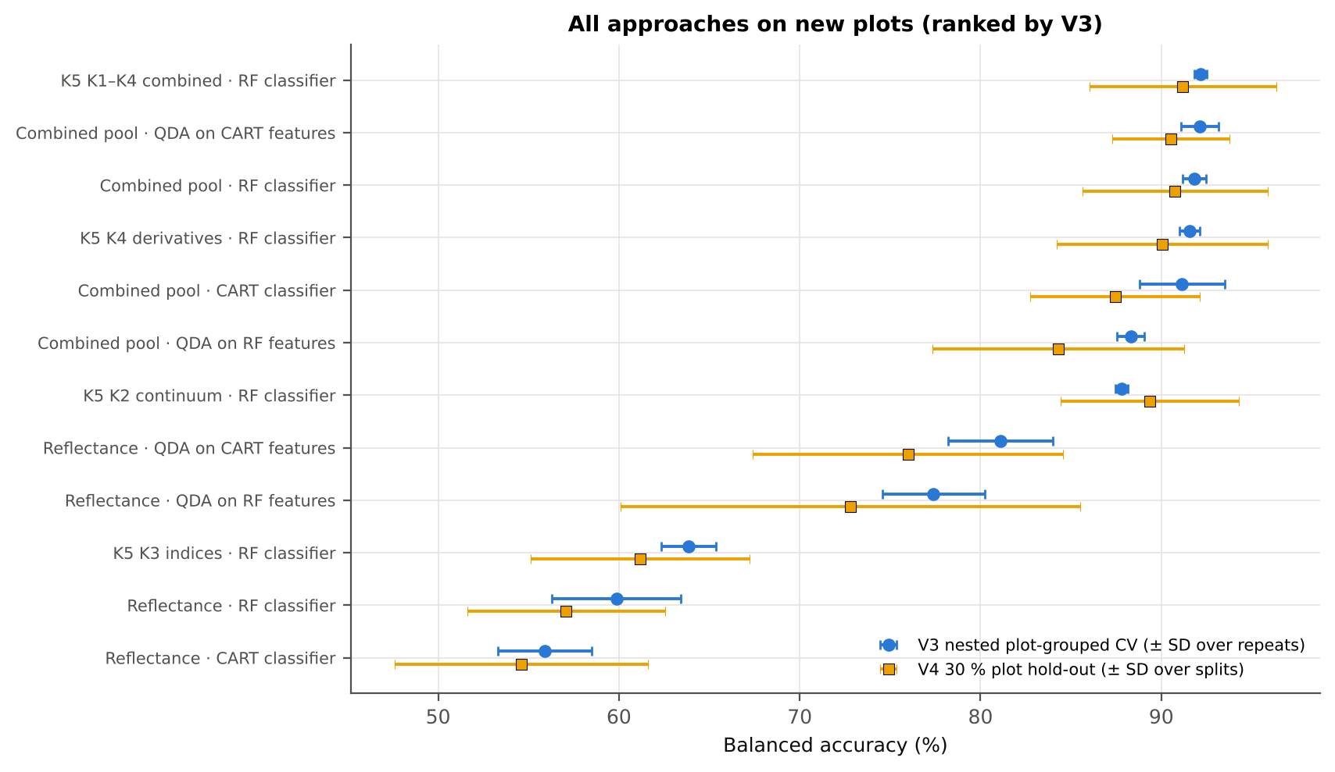
V1 = leaf-level 10-fold CV with features chosen on all leaves (the paper's protocol; optimistic). V3 = nested plot-grouped CV (10-fold × 5 = 50 folds), V4 = 30 % of plots held out × 10, V5 = leave-one-variety-out (3 units: train on the other varieties, test on all leaves of the held-out variety); in V3–V5 every selection step is repeated inside the training set. Single features: threshold chosen on training plots.

Conclusions
1. Subset: date 11-02-2026 only — 428 leaves (72 healthy, 356 diseased; imbalance 1 : 4.9), 12 healthy and 36 diseased plots, date 11-02-2026.
2. Tier 1: healthy and white-rust leaves differ significantly at 216 of 2101 bands (Welch + BH-FDR); 0 bands remain significant with a random plot effect and 0 in ≥ 95 % of 1000 balanced subsets. The most sensitive single band (smoothed reflectance) reaches AUC 0.64 at 777 nm.
3. Tier 2: CART (rpart, prior 0.5/0.5) selected 17 bands (root 518 nm): 518, 2380, 2350, 2364, 2267, 2328, 2374, 521, 563, 2332, 526, 555, 2346, 528, 2397, 2316, 570 nm. The Balanced RF importance peaks (RF-17) were 517, 528, 567, 587, 552, 2408, 541, 2267, 2393, 2304, 2289, 2348, 2377, 2337, 2277, 2323, 2361 nm.
4. Tier 3: J–M = 1.72 on the CART bands and 1.83 on the RF bands: neither set reaches the 1.90 separability threshold (Das et al. used 1.94).
5. Tier 4: QDA with equal priors on the CART bands gives BA 82.7 % in the paper's protocol (V1; healthy recall 72.2 %, diseased recall 93.3 %) and 81.1 % ± 2.9 % (V3 nested, plot-grouped) / 76.0 % (V4 hold-out plots) on new plots.
6. CART vs RF: as classifiers RF beats CART by 4.6 points (V3, RF better in 33 of 50 folds, p = 0.005); as band selectors for QDA the RF bands give -2.8 points vs the CART bands (p = 0.205). RF selection is more stable than CART selection (Jaccard ±10 nm 0.39 vs 0.27).
7. Disease-sensitive features (Part K): the strongest group for RF is K4 derivatives + edge parameters (BA 91.6 %, V3) vs 69.1 % for reflectance; best single features: first derivative at 872 nm (AUC 0.90), CR6 water 1940 symmetry (AUC 0.92), NWI2 (AUC 0.68), Rg (green peak reflectance) (AUC 0.63). REIP (maximum first derivative) shifts by +0.2 nm in diseased leaves (AUC 0.52).
8. Part C (four tiers on the combined K1 + K2–K4 pool, 4150 features, 1374 significant): CART chose 4 features, RF 17 (J–M 1.49 / 1.93); QDA on the RF features reaches 88.3 % (V3) / 84.3 % (V4), +10.9 points vs QDA on RF reflectance bands; best pipeline on the pool: QDA on CART features (92.1 %, V3).
9. Transfer (V5, leave-one-variety-out): QDA on CART reflectance bands 76.9 %, QDA on combined-pool RF features 84.8 % (close to the V3 estimate, 88.3 %), i.e. features chosen on two varieties transfer well to the third. Best pipeline under transfer: combined pool: RF classifier (93.6 %).
10. Compared with all dates, stages and varieties pooled (V3: reflectance QDA-CART 72.0 %, combined-pool QDA-RF 83.7 %; J–M 1.27), this subset gives 81.1 % and 88.3 % (J–M 1.72): analysing it separately improves discrimination.

Recommendations
Use first-derivative and continuum-removed features rather than single reflectance bands for this subset; the four-tier selection with RF importance on the combined pool and a QDA or RF classifier is the recommended pipeline.
Report balanced accuracy with both class recalls and the priors used; the classes are imbalanced (1 : 4.9) and equal priors / balanced sampling were applied throughout.
Base conclusions on the plot-grouped estimates (V3 10-fold × 5 = 50 folds, V4 10 hold-outs), not on the leaf-level V1 estimate.
Interpret features near the ASD detector joins (≈ 1000 and 1800 nm) with care; guard zones were excluded from the rankings.
For application to a new variety, the most robust pipeline here was combined pool: RF classifier (V5 BA 93.6 %).

02_Design
Workflow, validation design and model settings
Figure 2 of Das et al. (2020), extended with the corrections and the CART-vs-RF, Part K and Part C steps.
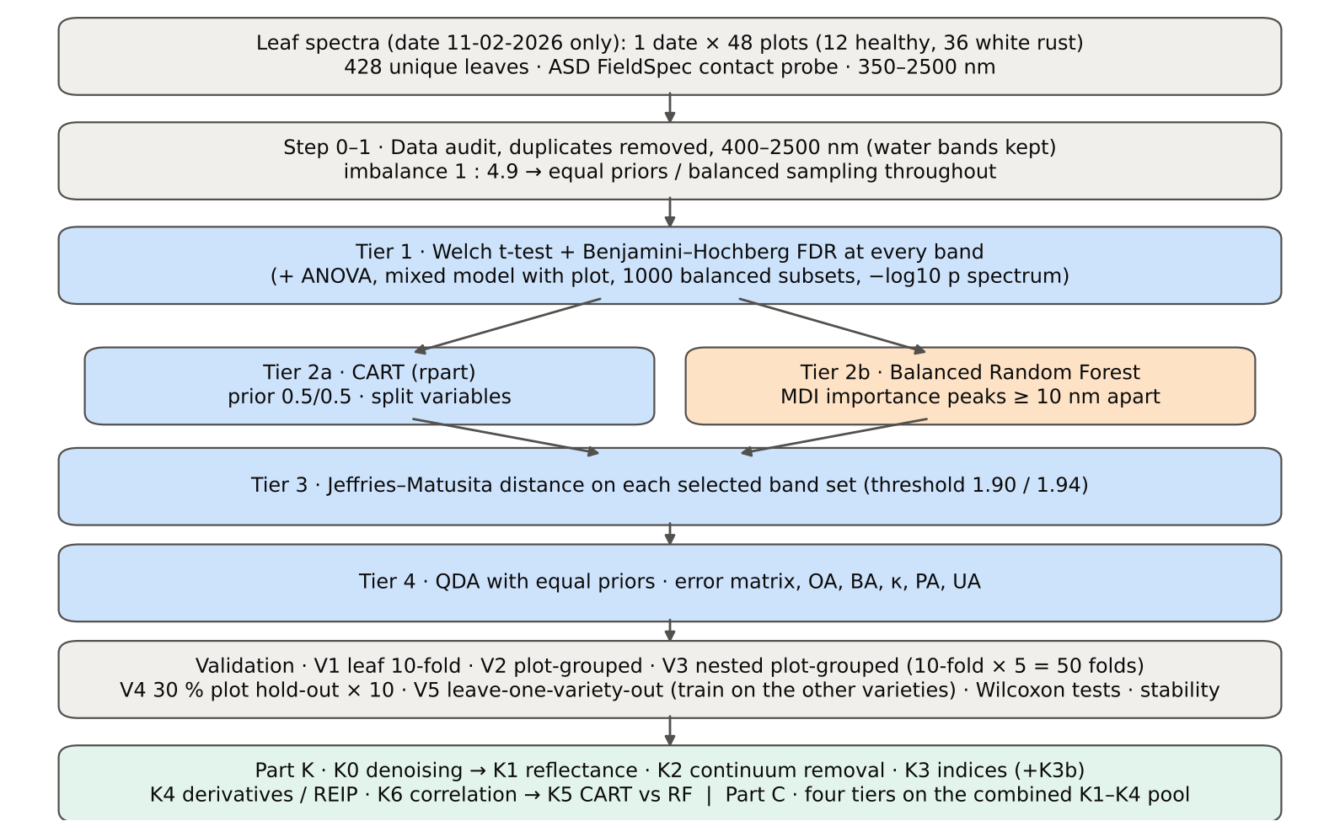

Table 2.1 Corrections applied to the protocol of Das et al. (2020) and why
Issue | Correction | Why
Class imbalance (72 healthy : 356 diseased = 1 : 4.9) | QDA/LDA with equal prior probabilities; rpart prior = c(0.5, 0.5); Balanced RF (each tree on a balanced bootstrap); balanced accuracy as headline metric; 1000 balanced subsets in Tier 1 | without it every classifier favours 'diseased' and overall accuracy is inflated
Two classes only | Welch t-test instead of one-way ANOVA + Tukey HSD (ANOVA reported for comparison: identical ranking) | Tukey HSD is for many pairs; Welch allows unequal variances (Levene)
Multiple testing (2101 bands) | Benjamini–Hochberg FDR (q < 0.05); uncorrected counts reported | 2101 tests at α = 0.05 give ≈ 105 false positives
Pseudo-replication (leaves nested in plots) | mixed model with random plot intercept; every honest validation grouped by plot | leaves of one plot are not independent
Selection bias | Tier 1, band selection and classifier refitted inside every training set (nested V3, V4, V5) | selecting bands on all leaves and validating on the same leaves is optimistic
Water-absorption bands | kept (contact probe with its own light source; no atmospheric path) | Das et al. removed them for canopy measurements
Detector edge 350–399 nm | removed (noise 131 × the 500–699 nm level); sensitivity run with 350–2500 nm | noise could be chosen by CART
Detector joins 1000/1001 and 1800/1801 nm (Part K) | splice correction; guard zones excluded from feature ranking (reported with and without) | instrument artefacts must not be read as disease
Exact duplicate spectra | 75 copies (13-03-2026, block 2) and 4 unnamed copies (plot 27, 11-02-2026) removed from the four files before the subset was taken; 4 of them belong to this subset (0 block-2, 4 unnamed); sensitivity run with the unnamed copies kept | a duplicate in both training and test inflates V1
Subset | date 11-02-2026 only: 428 of 2264 leaf spectra; folds, Tier 1–4, Part K and Part C rebuilt for this subset only | each date, stage and variety analysed separately as requested

Table 2.2 Validation design (identical folds in every step; sheet 36_Folds)
Scheme | Folds | What is refitted | Purpose
V1 · leaf-level 10-fold CV | StratifiedKFold, seed 42 | bands fixed (chosen on all leaves); classifier refitted | reproduces the paper (optimistic: leaves of a plot in train and test)
V2 · plot-grouped 10-fold CV | StratifiedGroupKFold, seed 42 | bands fixed; classifier refitted | removes plot leakage, keeps selection bias
V3 · nested plot-grouped CV, 10-fold × 5 = 50 folds | StratifiedGroupKFold, seeds 101–105; k = min(10, plots of the smaller class = 12) so every test fold holds both classes | Tier 1 + selection + classifier refitted | honest estimate for new plots
V4 · hold-out of 30 % of plots × 10 | 4 healthy + 11 diseased plots per split, default_rng(2026) | everything refitted on the remaining plots | independent test plots
V5 · new variety (additional; single date, so no date transfer) | train: the other varieties; test: all leaves of the held-out variety | everything refitted | transfer to an unseen variety (its plots are unseen too)

Table 2.3 CART and Random Forest settings
Setting | CART | Random Forest
Algorithm | rpart 4.1.23 in R 4.3.3 (recursive partitioning, as Das et al.) | BalancedRandomForestClassifier (imbalanced-learn 0.14, scikit-learn 1.9)
Split criterion | Gini | Gini
Imbalance correction | prior = c(0.5, 0.5) | sampling_strategy = 'all', replacement = True, bootstrap = False (balanced bootstrap per tree)
Size / randomness | minsplit 20, minbucket 7, cp 0.01, maxcompete 0, maxsurrogate 0 | 500 trees (1000 for importance), max_features = √p, random_state 42
Pruning | default tree used; 1-SE tree from plot-grouped 10-fold CV of cp | —
Band selection | split variables of the tree | top-17 / top-10 MDI importance peaks (+ a set the size of the CART set), local maxima ≥ 10 nm apart
Prediction | class of the terminal node (prior-adjusted) | majority vote (probability > 0.5)

04_Step1_Preprocessing
Step 1 · Pre-processing — band set, noise and outlier screening
Das et al. (2020) removed 1350–1430, 1800–1950 and 2350–2500 nm (atmospheric water, canopy). Here the contact probe has its own light source, so water bands are kept.

What was done
Noise of every band = SD of the residual after Savitzky–Golay smoothing (window 11, order 2). The 350–399 nm detector edge is far noisier than the rest and was removed; everything else (400–2500 nm, 2101 bands) was analysed on the raw (unsmoothed) reflectance in Tiers 1–4, as in Das et al. Outliers were screened with the spectral angle (SAM) to the class median spectrum and flagged, not removed (diseased leaves are expected to vary more).
Table 1.1 Band-set decision
Range (nm) | Bands | Decision | Reason
350–399 | 50 | Removed | detector edge: noise ×131 of the 500–699 nm level
400–1349 | 950 | Retained | visible, red edge, NIR
1350–1430 | 81 | Retained | water band I — contact probe (Das et al. removed it)
1431–1799 | 369 | Retained | SWIR-1
1800–1950 | 151 | Retained | water band II — contact probe (Das et al. removed it)
1951–2349 | 399 | Retained | SWIR-2
2350–2500 | 151 | Retained | SWIR-2 end — contact probe (Das et al. removed it)
Bands analysed (Excel) | 2101

Table 1.2 Noise level by spectral region
Range (nm) | Noise (SD of SG residual) | Ratio to 500–699 nm
350–399 | 0.0070 | 130.69
400–499 | 8.517E-04 | 15.88
500–699 | 5.362E-05 | 1.0000
700–1000 | 7.783E-05 | 1.4515
1001–1349 | 6.175E-05 | 1.1516
1350–1430 | 1.877E-05 | 0.3501
1431–1799 | 1.177E-05 | 0.2196
1800–1950 | 2.019E-05 | 0.3765
1951–2349 | 1.746E-05 | 0.3256
2350–2500 | 8.659E-05 | 1.6149

Table 1.3 Outlier screening: spectral angle to the class median
Class | Leaves | Median SAM (rad) | 95th pct (rad) | Max (rad) | Leaves > 0.15 rad
Healthy | 72 | 0.0406 | 0.0865 | 0.1921 | 1
Diseased | 356 | 0.0404 | 0.0934 | 0.3572 | 3

Table 1.4 Ten most deviating spectra (flagged, kept)
Plot | Class | Date | Growth stage | File | SAM (rad) | R1985 (leaf) | R1985 (class median)
13 | Diseased | 11-02-2026 | Vegetative | Mustard00083.asd.sco | 0.3572 | 0.1321 | 0.0627
10 | Healthy | 11-02-2026 | Vegetative | Mustard00059.asd.sco | 0.1921 | 0.0958 | 0.0632
45 | Diseased | 11-02-2026 | Vegetative | Mustard00404.asd.sco | 0.1859 | 0.1133 | 0.0627
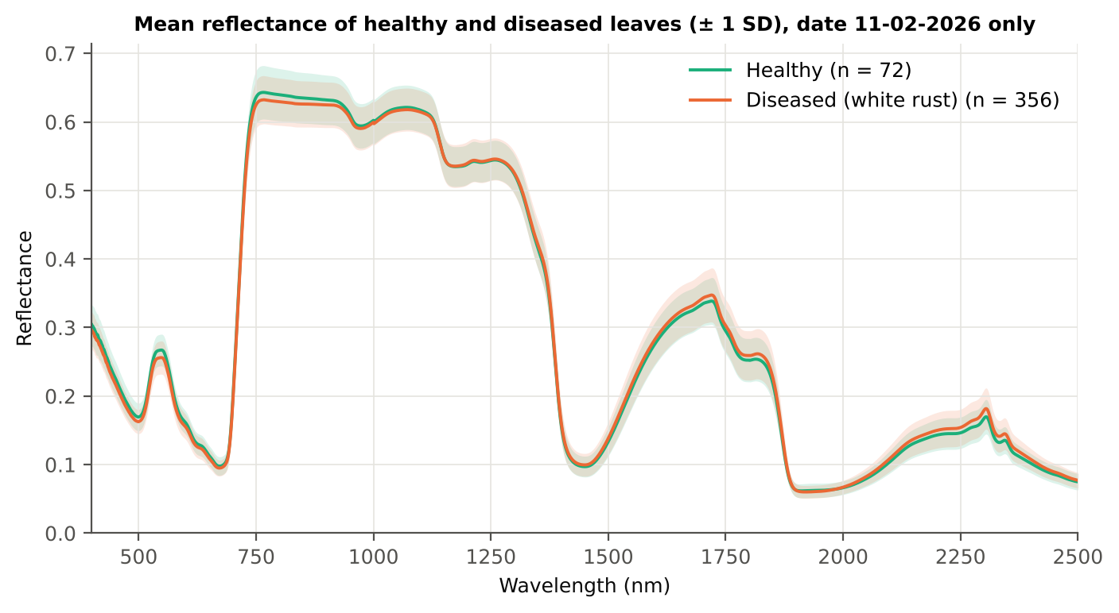
24 | Diseased | 11-02-2026 | Flowering | Mustard00186.asd.sco | 0.1554 | 0.1150 | 0.0627
22 | Diseased | 11-02-2026 | Vegetative | Mustard00160.asd.sco | 0.1326 | 0.1102 | 0.0627
10 | Healthy | 11-02-2026 | Vegetative | Mustard00063.asd.sco | 0.1211 | 0.0899 | 0.0632
21 | Diseased | 11-02-2026 | Vegetative | Mustard00144.asd.sco | 0.1177 | 0.0482 | 0.0627
38 | Diseased | 11-02-2026 | Vegetative | Mustard00333.asd.sco | 0.1163 | 0.0590 | 0.0627
41 | Diseased | 11-02-2026 | Flowering | Mustard00357.asd.sco | 0.1159 | 0.0957 | 0.0627
11 | Healthy | 11-02-2026 | Vegetative | Mustard00069.asd.sco | 0.1152 | 0.1041 | 0.0632

Figure 3 (as in Das et al. 2020). Mean reflectance of healthy and diseased leaves

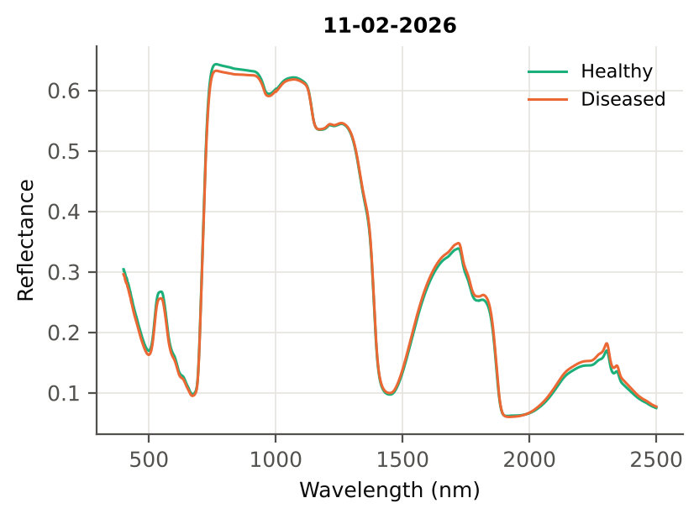

Native Excel chart of the same data: sheet 37_ChartData, columns A–C.
Table 1.5 Sensitivity: the unnamed duplicate spectra of plot 27 kept vs removed (QDA on CART bands)
Data | CART bands | BA V1 | BA V3 | BA V4
main: exact duplicates removed (n = 428) | 17 | 82.7% | 81.1% | 76.0%
4 unnamed plot-27 copies kept (n = 432) | 17 | 82.6% | 80.3% | 70.9%

05_Tier1_Ttest
Step 2 · Tier 1 — Welch's t-test at every band with Benjamini–Hochberg FDR
Das et al. (2020) used one-way ANOVA (p < 0.05) + Tukey HSD for 14 genotypes; with two classes the equivalent is a t-test.

Result in brief
Tier 1: healthy and white-rust leaves differ significantly at 216 of 2101 bands (Welch + BH-FDR); 0 bands remain significant with a random plot effect and 0 in ≥ 95 % of 1000 balanced subsets. The most sensitive single band (smoothed reflectance) reaches AUC 0.64 at 777 nm.
Uncorrected, 851 bands have p < 0.05; ANOVA + FDR gives 310 (same ranking as Welch).

What was done
At each of the 2101 bands the mean reflectance of healthy (n = 72) and diseased (n = 356) leaves was compared with Welch's t-test (unequal variances; Levene's test shows unequal variances at many bands) and the p-values were adjusted with the Benjamini–Hochberg false-discovery rate. Bands with q < 0.05 go to Tier 2. Because 356 diseased leaves give high power even for tiny differences, the test was repeated on 1000 balanced random subsets (72 vs 72), and a linear mixed model with a random plot intercept checks pseudo-replication.
Table 2.1 Number of significant bands
Test | Significant bands | Bands tested | Share (Excel)
Welch t-test + BH-FDR q < 0.05 (used for Tier 2) | 216 | 2101 | 10.3%
One-way ANOVA p < 0.05, uncorrected (rule of Das et al.) | 821 | 2101 | 39.1%
One-way ANOVA + BH-FDR q < 0.05 | 310 | 2101 | 14.8%
Welch t-test p < 0.05, uncorrected | 851 | 2101 | 40.5%
Mixed model (random plot effect) + BH-FDR q < 0.05 | 0 | 2101 | 0.0%
Balanced subsets (72 vs 72): significant in ≥ 95 % of 1000 subsets | 0 | 2101 | 0.0%
Levene test p < 0.05 (unequal variances → Welch) | 109 | 2101 | 5.2%

Table 2.2 Contiguous ranges (Welch + FDR)
Range (nm) | Bands | Result
400–516 | 117 | not significant
517–587 | 71 | significant
588–2266 | 1679 | not significant
2267–2411 | 145 | significant
2412–2500 | 89 | not significant

Table 2.3 Significance by spectral region
Region | Bands | Welch+FDR significant | Mixed-model significant | Band of max |t| | Max t | Mean diff (D − H)
Blue (400–499) | 100 | 0 | 0 | 435.00 | -2.7945 | -0.0093
Green (500–599) | 100 | 71 | 0 | 541.00 | -3.6584 | -0.0110
Red (600–679) | 80 | 0 | 0 | 600.00 | -2.7303 | -0.0061
Red edge (680–759) | 80 | 0 | 0 | 726.00 | -2.5355 | -0.0102
NIR (760–1349) | 590 | 0 | 0 | 760.00 | -2.1995 | -0.0110
Water band I (1350–1430) | 81 | 0 | 0 | 1361.00 | 1.4228 | 0.0059
SWIR-1 (1431–1799) | 369 | 0 | 0 | 1717.00 | 1.9351 | 0.0088
Water band II (1800–1950) | 151 | 0 | 0 | 1839.00 | 2.1876 | 0.0091
SWIR-2 (1951–2349) | 399 | 83 | 0 | 2344.00 | 3.6001 | 0.0095
SWIR-2 end (2350–2500) | 151 | 62 | 0 | 2350.00 | 3.5255 | 0.0090

Table 2.4 Fifteen most significant bands
Wavelength (nm) | Mean healthy | Mean diseased | Diff (D − H) | Welch t | Welch df | q (BH) | Hedges g | Mixed-model q
541.00 | 0.2662 | 0.2552 | -0.0110 | -3.6584 | 104.38 | 0.0199 | -0.4601 | 0.4062
542.00 | 0.2664 | 0.2554 | -0.0110 | -3.6557 | 104.40 | 0.0199 | -0.4597 | 0.4062
538.00 | 0.2650 | 0.2541 | -0.0109 | -3.6466 | 104.33 | 0.0199 | -0.4588 | 0.4062
543.00 | 0.2666 | 0.2556 | -0.0110 | -3.6432 | 104.40 | 0.0199 | -0.4581 | 0.4062
539.00 | 0.2655 | 0.2546 | -0.0109 | -3.6393 | 104.33 | 0.0199 | -0.4579 | 0.4062
544.00 | 0.2668 | 0.2558 | -0.0110 | -3.6367 | 104.41 | 0.0199 | -0.4573 | 0.4062
540.00 | 0.2659 | 0.2550 | -0.0109 | -3.6303 | 104.31 | 0.0199 | -0.4569 | 0.4062
550.00 | 0.2669 | 0.2559 | -0.0110 | -3.6298 | 104.50 | 0.0199 | -0.4560 | 0.4062
549.00 | 0.2671 | 0.2561 | -0.0110 | -3.6294 | 104.48 | 0.0199 | -0.4560 | 0.4062
537.00 | 0.2642 | 0.2535 | -0.0108 | -3.6282 | 104.25 | 0.0199 | -0.4569 | 0.4062
545.00 | 0.2669 | 0.2559 | -0.0110 | -3.6275 | 104.41 | 0.0199 | -0.4561 | 0.4062
551.00 | 0.2666 | 0.2556 | -0.0110 | -3.6267 | 104.52 | 0.0199 | -0.4555 | 0.4062
553.00 | 0.2652 | 0.2542 | -0.0110 | -3.6264 | 104.55 | 0.0199 | -0.4553 | 0.4062
554.00 | 0.2639 | 0.2530 | -0.0109 | -3.6259 | 104.64 | 0.0199 | -0.4549 | 0.4062
552.00 | 0.2661 | 0.2551 | -0.0110 | -3.6236 | 104.51 | 0.0199 | -0.4552 | 0.4062

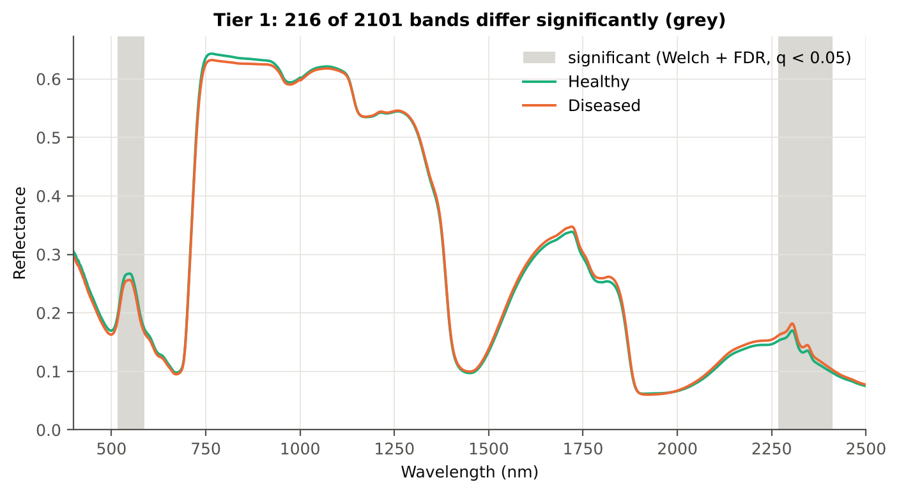
Table 2.5 Tier 1 on 1000 balanced subsets
Balanced-subset check (imbalance) | Value
Balanced random subsets drawn | 1000
Leaves per subset (healthy + diseased) | 72 + 72
Significant bands per subset — median | 0.0000
— minimum | 0
— maximum | 1343
Bands significant in 100 % of subsets | 0
Bands significant in ≥ 95 % of subsets | 0
Bands never significant | 236

Figure 4 (as in Das et al. 2020 Fig. 4). Bands where healthy and diseased leaves differ (grey)

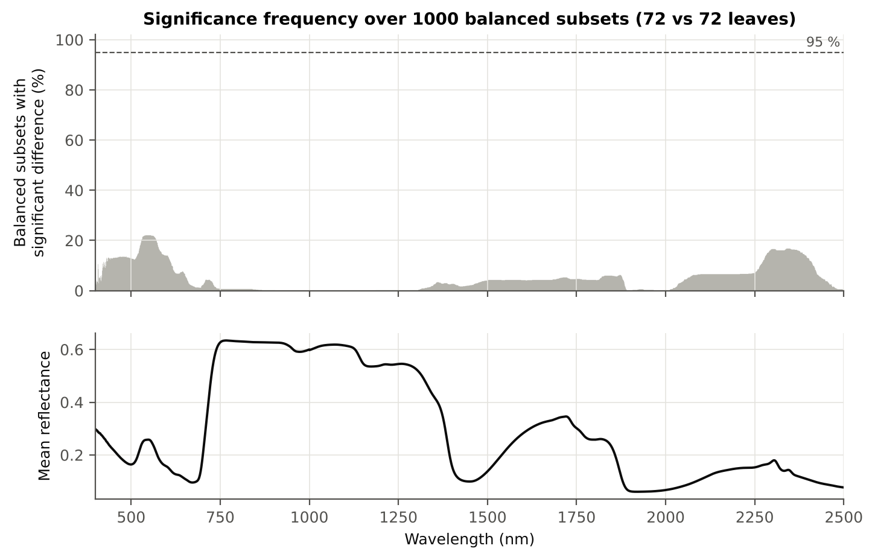

Figure 5 (as in Das et al. 2020 Fig. 5). Significance frequency (balanced subsets) and mean reflectance

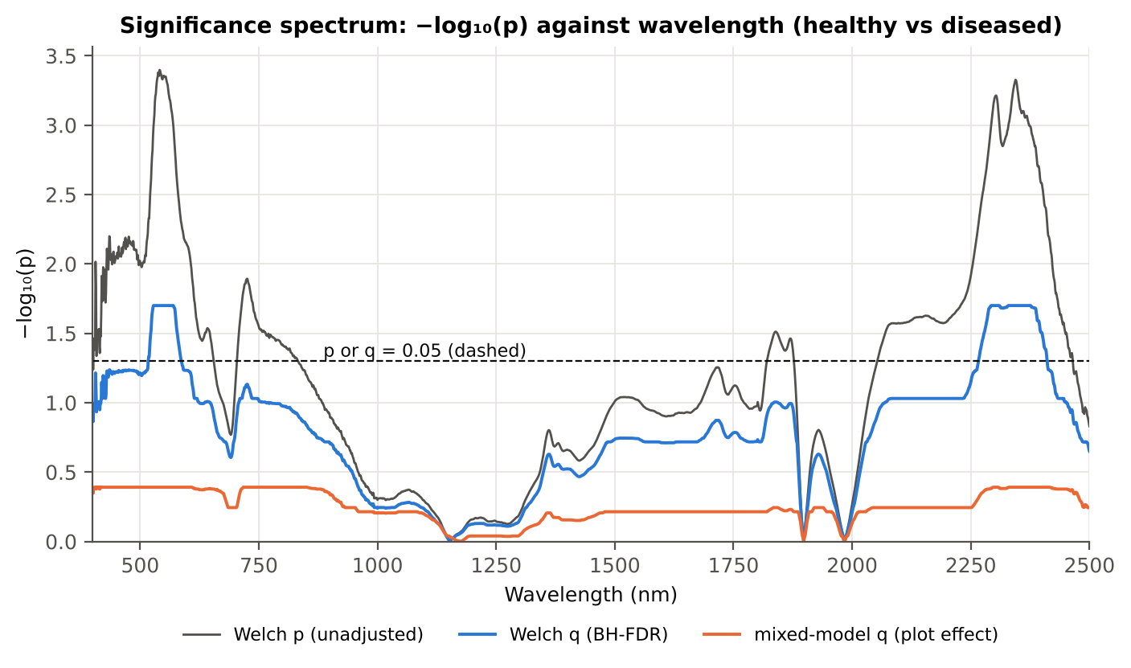

Figure 5b. −log₁₀(p) against wavelength

Native Excel versions of Figures 3–5b: sheet 37_ChartData (charts placed beside the data).
Cross-checks for this step
Step | What was checked | Method | Result | Status
Tier 1 | Training sets with < 2 FDR-significant features (nested V3/V4/V5) | fallback: uncorrected p < 0.05, else the 20 smallest p | 22 of 63 training sets: V3 #2 → uncorrected p (498); V3 #3 → uncorrected p (514); V3 #5 → uncorrected p (510); V3 #6 → uncorrected p (405); V3 #11 → uncorrected p (604); V3 #16 → uncorrected p (352); V3 #24 → uncorrected p (508); V3 #25 → uncorrected p (442) … | FLAG
Tier 1 | Mixed model implementation | R nlme::lme vs Python statsmodels MixedLM (Powell), every 50th band | Spearman ρ of p-values 1.000 (statsmodels uses a Wald z-test, nlme a t-test with 46 df, so nlme p-values are larger) | PASS
Tier 1 | Welch t-statistic | SciPy ttest_ind(equal_var=False) vs vectorised formula | max |Δt| = 8.9e-16 | PASS
Tier 1 | Benjamini–Hochberg q-values | statsmodels multipletests vs own step-up | max |Δq| = 1.1e-16 | PASS
Tier 1 | ANOVA equivalence | one-way ANOVA F (SciPy, every 50th band) vs Student t² | max relative |F − t²| = 1.9e-13 | PASS
Tier 1 | Class imbalance | 1000 balanced subsets (72 vs 72 leaves) | median 0 significant bands per subset vs 216 on all leaves | PASS
Tier 1 | Pseudo-replication | linear mixed model v ~ Disease + (1|plot), REML, R nlme::lme (t-test, 46 df), BH-FDR | 0 of 2101 bands significant (Welch: 216); plot ICC median 0.130 | PASS

06_Tier2_CART
Step 3 · Tier 2 — CART band selection with equal priors (rpart)
Das et al. (2020): 'To apply this technique we used the method rpart from package rpart' — the split variables are the selected wavelengths.

Result in brief
Tier 2: CART (rpart, prior 0.5/0.5) selected 17 bands (root 518 nm): 518, 2380, 2350, 2364, 2267, 2328, 2374, 521, 563, 2332, 526, 555, 2346, 528, 2397, 2316, 570 nm. The Balanced RF importance peaks (RF-17) were 517, 528, 567, 587, 552, 2408, 541, 2267, 2393, 2304, 2289, 2348, 2377, 2337, 2277, 2323, 2361 nm.
Re-selection of each CART band in plot-level bootstraps and in the nested training sets is shown in Table 3.1 and Figure 6b; bands re-selected in < 50 % of the training sets should not be interpreted individually.

What was done
Input: the 216 FDR-significant bands of Tier 1 (raw reflectance). rpart (R 4.3.3, rpart 4.1.23) with method = 'class', prior = c(0.5, 0.5) (imbalance correction), split = 'gini', minsplit 20, minbucket 7, cp 0.01, no competitor or surrogate splits. The wavelengths used as split variables form the CART band set. The complexity parameter was cross-validated with plot-grouped folds; the 1-SE tree gives a smaller alternative set. Stability: rpart refitted on 200 plot-level bootstrap samples and inside the 50 nested training sets of V3 (a band counts as re-selected if a band within ± 10 nm is chosen).
Table 3.1 The 17 wavelengths selected by CART
Band (nm) | Region | First used at node | Tree depth | Mean healthy | Mean diseased | Welch t | q (BH) | Bootstrap re-selection (±10 nm) | Nested-CV re-selection (±10 nm) | Mixed model significant | Interpretation
518.00 | Green (500–599) | 1 | 0 | 0.2013 | 0.1937 | -2.8915 | 0.0467 | 97.0% | 76.0% | no | green peak: chlorosis / pigment ratio change
521.00 | Green (500–599) | 12 | 3 | 0.2141 | 0.2060 | -3.0222 | 0.0354 | 98.0% | 82.0% | no | green peak: chlorosis / pigment ratio change
526.00 | Green (500–599) | 25 | 4 | 0.2363 | 0.2273 | -3.2553 | 0.0217 | 99.5% | 64.0% | no | green peak: chlorosis / pigment ratio change
528.00 | Green (500–599) | 50 | 5 | 0.2443 | 0.2348 | -3.3757 | 0.0199 | 96.0% | 64.0% | no | green peak: chlorosis / pigment ratio change
555.00 | Green (500–599) | 28 | 4 | 0.2624 | 0.2516 | -3.6135 | 0.0199 | 73.5% | 34.0% | no | green peak: chlorosis / pigment ratio change
563.00 | Green (500–599) | 14 | 3 | 0.2426 | 0.2325 | -3.5099 | 0.0199 | 73.5% | 38.0% | no | green peak: chlorosis / pigment ratio change
570.00 | Green (500–599) | 101 | 6 | 0.2185 | 0.2094 | -3.3776 | 0.0199 | 75.5% | 34.0% | no | green peak: chlorosis / pigment ratio change
2267.00 | SWIR-2 (1951–2349) | 7 | 2 | 0.1520 | 0.1610 | 2.8734 | 0.0481 | 78.5% | 46.0% | no | SWIR-2: water wing, protein / cellulose / lignin
2316.00 | SWIR-2 (1951–2349) | 69 | 6 | 0.1513 | 0.1612 | 3.2755 | 0.0208 | 38.5% | 26.0% | no | SWIR-2: water wing, protein / cellulose / lignin
2328.00 | SWIR-2 (1951–2349) | 8 | 3 | 0.1336 | 0.1425 | 3.3554 | 0.0201 | 35.5% | 46.0% | no | SWIR-2: water wing, protein / cellulose / lignin
2332.00 | SWIR-2 (1951–2349) | 17 | 4 | 0.1323 | 0.1412 | 3.4112 | 0.0199 | 36.5% | 48.0% | no | SWIR-2: water wing, protein / cellulose / lignin
2346.00 | SWIR-2 (1951–2349) | 34 | 5 | 0.1351 | 0.1445 | 3.5933 | 0.0199 | 61.0% | 74.0% | no | SWIR-2: water wing, protein / cellulose / lignin
2350.00 | SWIR-2 end (2350–2500) | 3 | 1 | 0.1318 | 0.1408 | 3.5255 | 0.0199 | 65.5% | 74.0% | no | cellulose/lignin; detector edge with higher noise
2364.00 | SWIR-2 end (2350–2500) | 4 | 2 | 0.1164 | 0.1239 | 3.4167 | 0.0199 | 56.5% | 34.0% | no | cellulose/lignin; detector edge with higher noise
2374.00 | SWIR-2 end (2350–2500) | 10 | 3 | 0.1121 | 0.1192 | 3.3775 | 0.0199 | 66.5% | 56.0% | no | cellulose/lignin; detector edge with higher noise
2380.00 | SWIR-2 end (2350–2500) | 2 | 1 | 0.1097 | 0.1165 | 3.3249 | 0.0206 | 68.0% | 54.0% | no | cellulose/lignin; detector edge with higher noise
2397.00 | SWIR-2 end (2350–2500) | 57 | 5 | 0.1030 | 0.1089 | 3.0875 | 0.0309 | 73.0% | 36.0% | no | cellulose/lignin; detector edge with higher noise

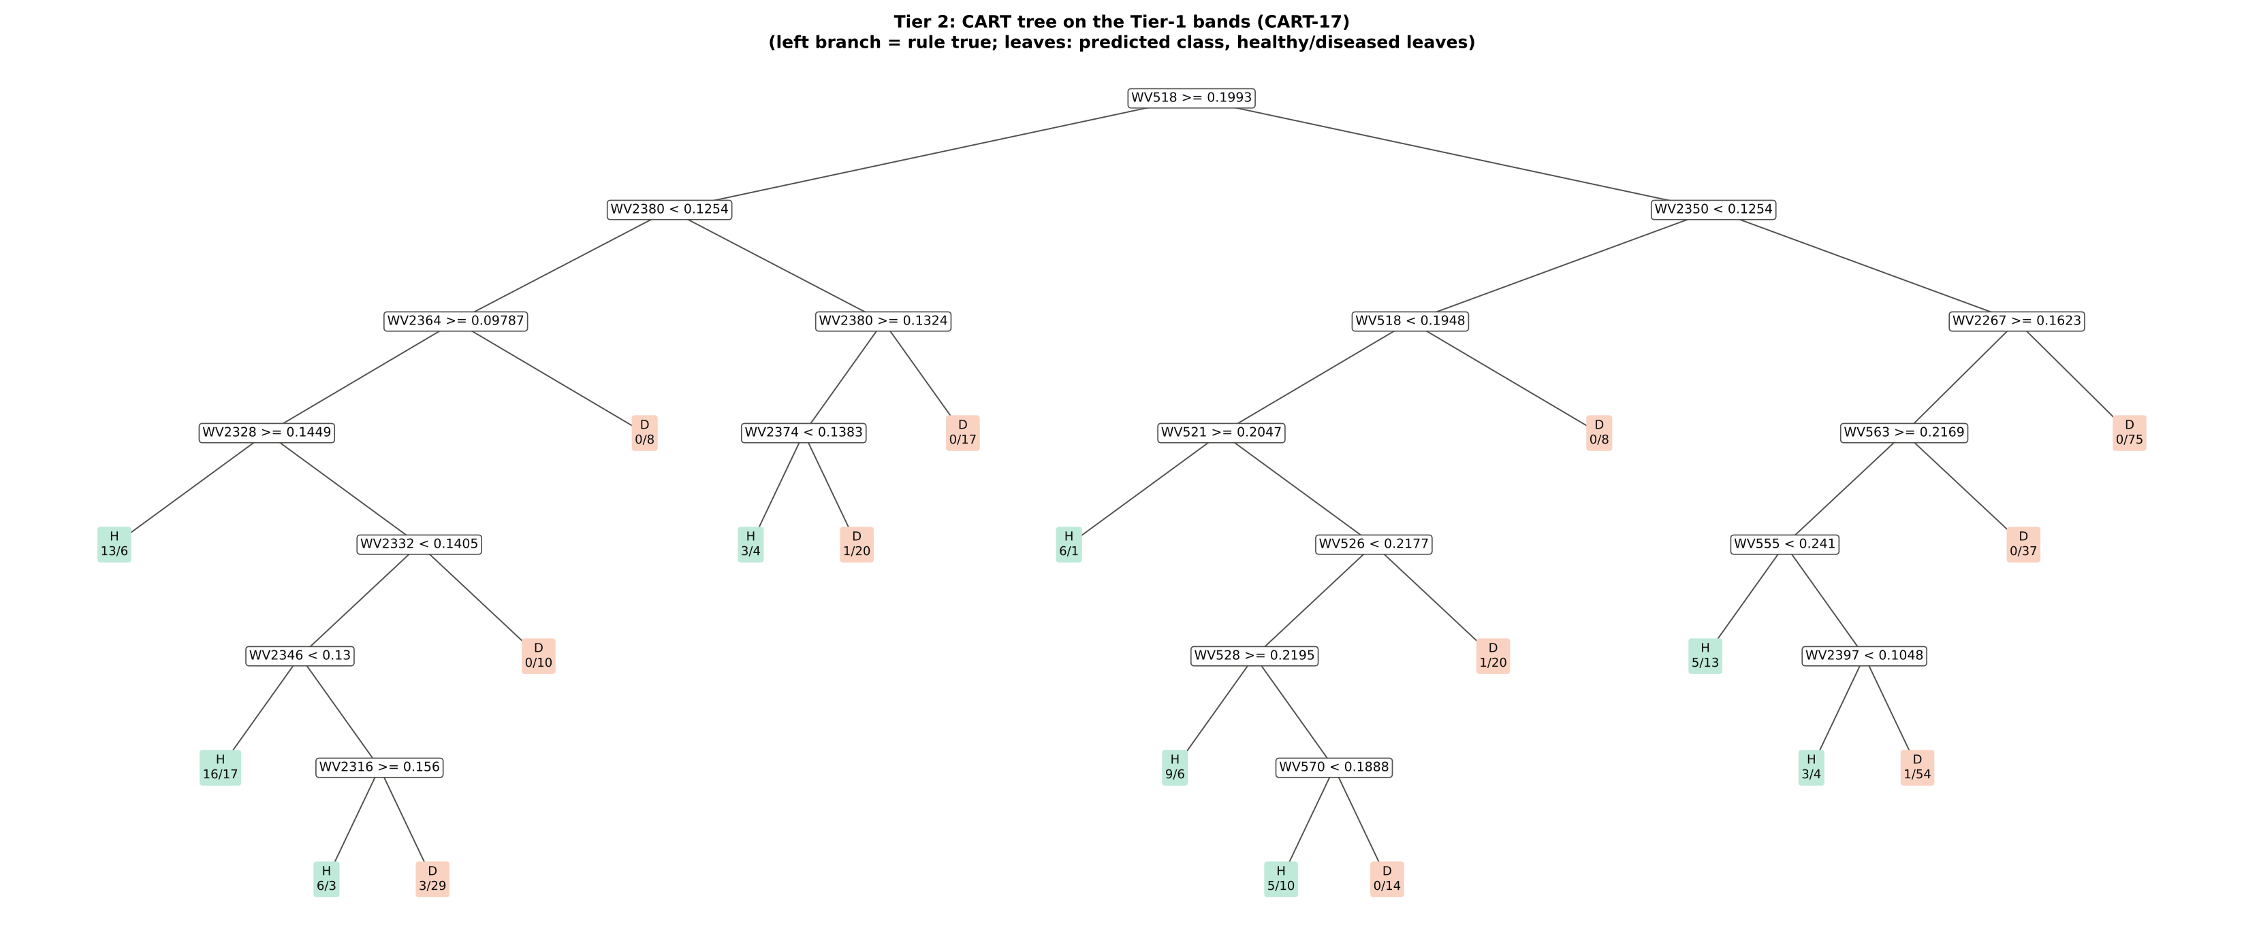
Figure 6 (as in Das et al. 2020 Fig. 6). CART tree

Table 3.2 Tree nodes (rpart frame)
Node | Depth | Split variable | Rule (left branch of the parent) | Leaves | Healthy | Diseased | Predicted class
1 | 0 | WV518 | root | 428 | 72 | 356 | H
2 | 1 | WV2380 | WV518>=0.1993 | 156 | 42 | 114 | H
4 | 2 | WV2364 | WV2380< 0.1254 | 111 | 38 | 73 | H
8 | 3 | WV2328 | WV2364>=0.09787 | 103 | 38 | 65 | H
16 | 4 | leaf | WV2328>=0.1449 | 19 | 13 | 6 | H
17 | 4 | WV2332 | WV2328< 0.1449 | 84 | 25 | 59 | H
34 | 5 | WV2346 | WV2332< 0.1405 | 74 | 25 | 49 | H
68 | 6 | leaf | WV2346< 0.13 | 33 | 16 | 17 | H
69 | 6 | WV2316 | WV2346>=0.13 | 41 | 9 | 32 | H
138 | 7 | leaf | WV2316>=0.156 | 9 | 6 | 3 | H
139 | 7 | leaf | WV2316< 0.156 | 32 | 3 | 29 | D
35 | 5 | leaf | WV2332>=0.1405 | 10 | 0 | 10 | D
9 | 3 | leaf | WV2364< 0.09787 | 8 | 0 | 8 | D
5 | 2 | WV2380 | WV2380>=0.1254 | 45 | 4 | 41 | D
10 | 3 | WV2374 | WV2380>=0.1324 | 28 | 4 | 24 | D
20 | 4 | leaf | WV2374< 0.1383 | 7 | 3 | 4 | H
21 | 4 | leaf | WV2374>=0.1383 | 21 | 1 | 20 | D
11 | 3 | leaf | WV2380< 0.1324 | 17 | 0 | 17 | D
3 | 1 | WV2350 | WV518< 0.1993 | 272 | 30 | 242 | D
6 | 2 | WV518 | WV2350< 0.1254 | 80 | 21 | 59 | H
12 | 3 | WV521 | WV518< 0.1948 | 72 | 21 | 51 | H
24 | 4 | leaf | WV521>=0.2047 | 7 | 6 | 1 | H
25 | 4 | WV526 | WV521< 0.2047 | 65 | 15 | 50 | H
50 | 5 | WV528 | WV526< 0.2177 | 44 | 14 | 30 | H
100 | 6 | leaf | WV528>=0.2195 | 15 | 9 | 6 | H
101 | 6 | WV570 | WV528< 0.2195 | 29 | 5 | 24 | H
202 | 7 | leaf | WV570< 0.1888 | 15 | 5 | 10 | H
203 | 7 | leaf | WV570>=0.1888 | 14 | 0 | 14 | D
51 | 5 | leaf | WV526>=0.2177 | 21 | 1 | 20 | D
13 | 3 | leaf | WV518>=0.1948 | 8 | 0 | 8 | D
7 | 2 | WV2267 | WV2350>=0.1254 | 192 | 9 | 183 | D
14 | 3 | WV563 | WV2267>=0.1623 | 117 | 9 | 108 | D
28 | 4 | WV555 | WV563>=0.2169 | 80 | 9 | 71 | D
56 | 5 | leaf | WV555< 0.241 | 18 | 5 | 13 | H
57 | 5 | WV2397 | WV555>=0.241 | 62 | 4 | 58 | D
114 | 6 | leaf | WV2397< 0.1048 | 7 | 3 | 4 | H
115 | 6 | leaf | WV2397>=0.1048 | 55 | 1 | 54 | D
29 | 4 | leaf | WV563< 0.2169 | 37 | 0 | 37 | D
15 | 3 | leaf | WV2267< 0.1623 | 75 | 0 | 75 | D

Table 3.3 Complexity-parameter table (plot-grouped 10-fold CV)
CP | Number of splits | Relative error | Cross-validated error (plot-grouped) | SE of CV error
0.2631 | 0.0000 | 1.0000 | 1.1067 | 0.0761
0.1259 | 1.0000 | 0.7369 | 0.9257 | 0.0858
0.0596 | 2.0000 | 0.6110 | 0.7854 | 0.0679
0.0225 | 3.0000 | 0.5513 | 0.7820 | 0.0723
0.0225 | 4.0000 | 0.5289 | 0.9316 | 0.0840
0.0211 | 5.0000 | 0.5064 | 0.9316 | 0.0840
0.0197 | 7.0000 | 0.4641 | 0.9482 | 0.0856
0.0152 | 9.0000 | 0.4248 | 1.0006 | 0.0904
0.0140 | 11.00 | 0.3944 | 1.0119 | 0.0902
0.0110 | 15.00 | 0.3265 | 1.0286 | 0.0909
0.0100 | 19.00 | 0.2631 | 1.0732 | 0.0921
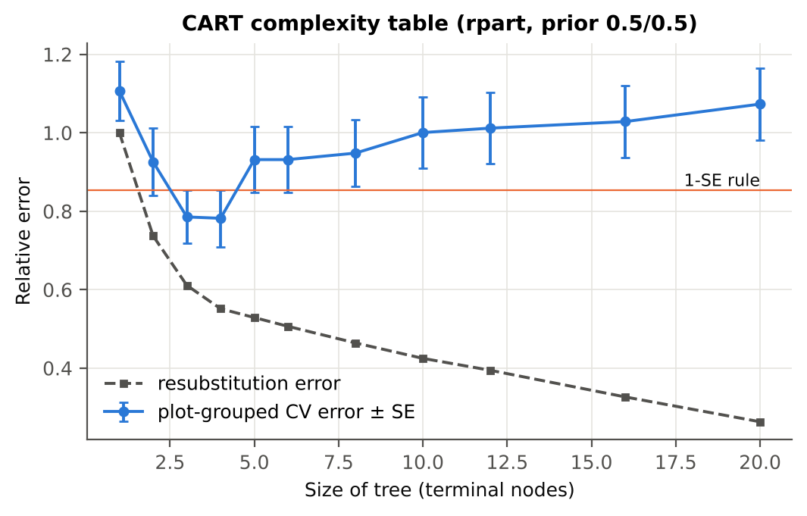

Table 3.4 Selected band sets
Tree | Bands | Wavelengths (nm)
CART-17 | 17 | 518, 2380, 2350, 2364, 2267, 2328, 2374, 521, 563, 2332, 526, 555, 2346, 528, 2397, 2316, 570
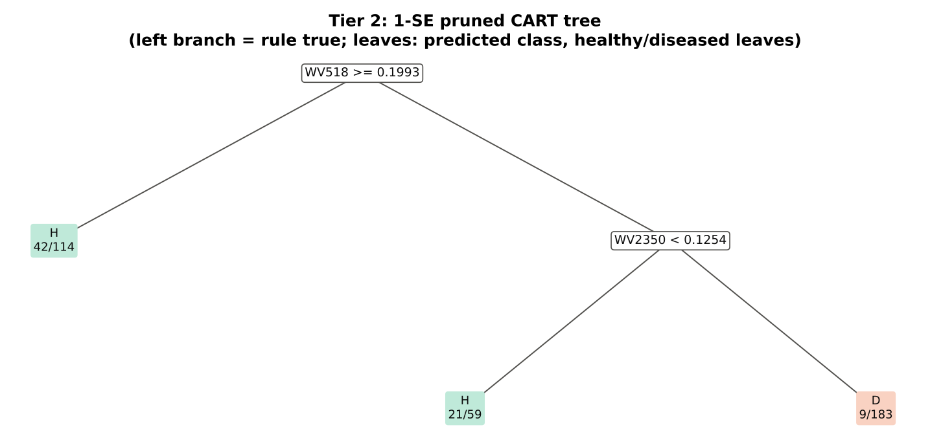
CART-2 (1-SE) | 2 | 518, 2350

Table 3.5 Cross-check of the CART result with scikit-learn
Item | rpart (R) | scikit-learn (balanced class weights) | Agreement
Root split | WV518>=0.1993 | WV518 < 0.19927 | identical variable
Split of the left child | WV2380< 0.1254 | WV2352 | different
Bands used by the trees | 17 bands (cp = 0.01) | 23 bands (depth ≤ 8) | 13 of 17 rpart bands within ±5 nm
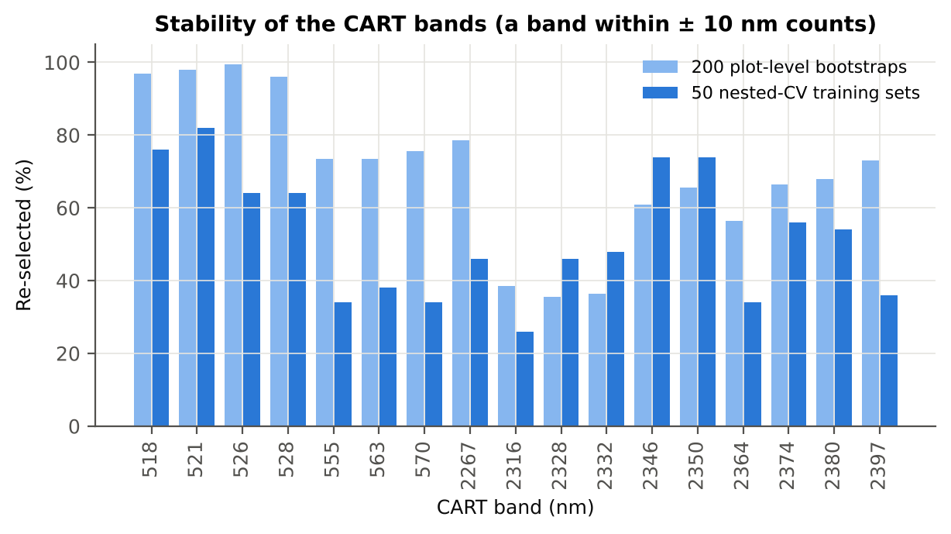

Figure 6b. Re-selection frequency of each CART band

Cross-checks for this step
Step | What was checked | Method | Result | Status
Tier 2 | CART implementation | rpart (R) vs scikit-learn DecisionTreeClassifier | root variable rpart 'WV518>=0.1993' vs sklearn 'WV518 < 0.1993' | PASS
Tier 2 | Stability of the selected bands | 200 plot-level bootstrap trees; 50 nested-CV training sets | 521 nm 82 %; 518 nm 76 %; 2346 nm 74 % | PASS

07_Tier3_JM
Step 4 · Tier 3 — Jeffries–Matusita (J–M) distance
J–M = 2(1 − e^(−α)) on the 0–2 scale of the thresholds 1.90 / 1.94 used by Das et al.; √J–M (Eq. 1 printed in the paper, 0–√2) is also given.

Result in brief
Tier 3: J–M = 1.72 on the CART bands and 1.83 on the RF bands: neither set reaches the 1.90 separability threshold (Das et al. used 1.94).

What was done
α (Bhattacharyya distance) = ⅛ (μH − μD)ᵀ [(ΣH + ΣD)/2]⁻¹ (μH − μD) + ½ ln( |(ΣH + ΣD)/2| / √(|ΣH| |ΣD|) ), computed with class means and covariance matrices of the selected bands (Cholesky factorisation; checked against explicit inverse and determinants). Classes are 'separable' when J–M ≥ 1.90 (Das et al. used ≥ 1.94, 97 % of 2).
Table 1 (as in Das et al. 2020). J–M distance between healthy and diseased leaves (CART-17 bands)
 | Healthy | Diseased
Healthy | – | –
Diseased | 1.7199 | –

Table 4.1 Healthy vs diseased separability (formulas: J–M, √J–M and the threshold tests)
Band set | Bands | α (Bhattacharyya) | J–M (0–2) (Excel) | √J–M (Excel) | ≥ 1.90 ? (Excel) | ≥ 1.94 ? (Excel)
CART-17 | 17 | 1.9658 | 1.7199 | 1.3115 | not separable | not separable
CART-2 (1-SE) | 2 | 0.0684 | 0.1323 | 0.3637 | not separable | not separable

Table 4.2 J–M and QDA BA as the CART bands are added (order of first use in the tree)
Features used | CART feature added | CART J–M | CART QDA BA
1 | WV518 | 0.0345 | 59.1%
2 | WV2380 | 0.1435 | 62.6%
3 | WV2350 | 0.1501 | 63.8%
4 | WV2364 | 0.2294 | 67.2%
5 | WV2267 | 0.9168 | 85.1%
6 | WV2328 | 1.0144 | 86.0%
7 | WV2374 | 1.0421 | 85.1%
8 | WV521 | 1.0872 | 84.9%
9 | WV563 | 1.2295 | 86.0%
10 | WV2332 | 1.2625 | 85.9%
11 | WV526 | 1.3122 | 85.4%
12 | WV555 | 1.3408 | 81.7%
13 | WV2346 | 1.5454 | 83.3%
14 | WV528 | 1.5852 | 83.3%
15 | WV2397 | 1.6242 | 81.5%
16 | WV2316 | 1.6983 | 82.7%
17 | WV570 | 1.7199 | 82.7%
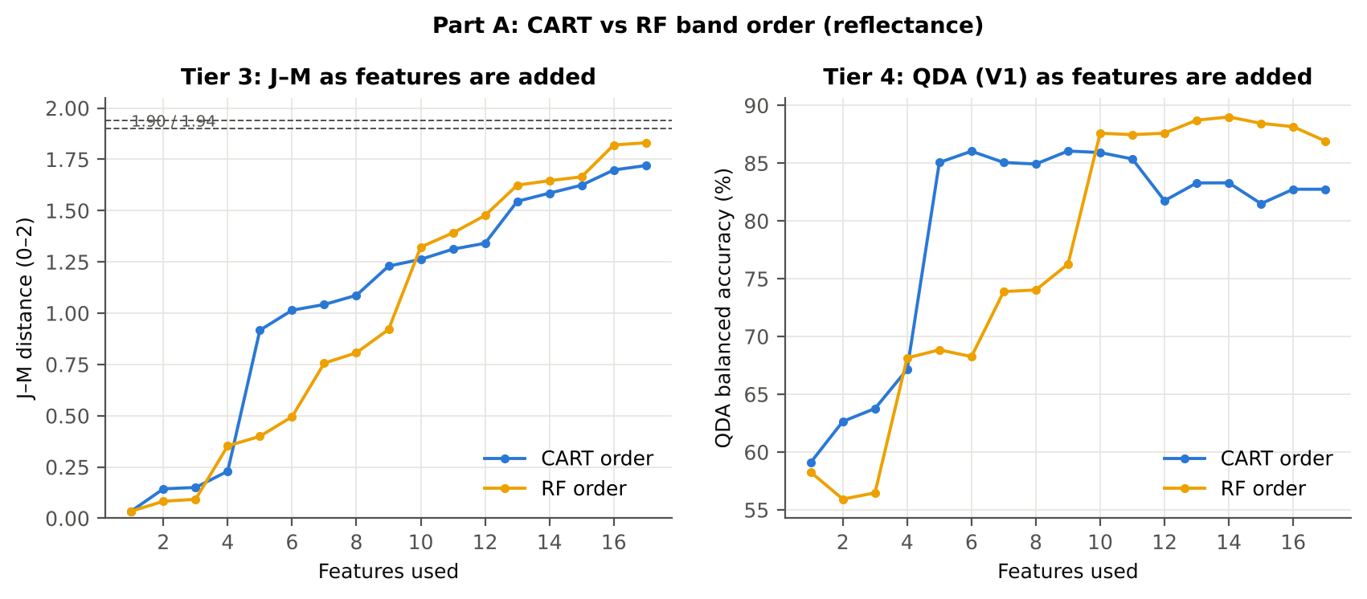

Table 4.3 Numerical diagnostics
Diagnostic | Value
Condition number of healthy covariance | 1.870E+06
Condition number of diseased covariance | 1.193E+06
J–M of the healthy class with itself (must be 0) | 0.0000

Cross-checks for this step
Step | What was checked | Method | Result | Status
Tier 3 | J–M implementation (Part A (raw reflectance)) | Cholesky/log-det vs explicit inverse/determinant | |Δα| = 2.7e-12 | PASS
Tier 3 | Invertibility of the class covariances | condition number of the class correlation matrices of every selected set | max 3.5e+06 (well below the ~1e12 limit of double precision) | PASS
Tier 3 | J–M is scale-invariant | J–M on raw vs standardised features of every selected set | max |ΔJ–M| = 6.2e-12 | PASS
Tier 3 | J–M formula | J–M of the healthy class with itself (must be 0) | 0.0e+00 | PASS

09_Validation
Step 6 · Validation of the complete four-tier pipeline
From the protocol of Das et al. (bands chosen on all leaves, leaf-level CV) to honest estimates for new plots and new dates.

Result in brief
QDA on CART bands, equal priors: V1 82.7 %, V3 81.1 %, V4 76.0 %, V5 (leave-one-variety-out (train on the other varieties)) 76.9 %. V1 and the plot-grouped estimates agree within 3 points: selection bias and plot leakage are small.

What was done
Das et al. selected bands on all data and validated QDA by 10-fold CV on the same data (V1). Here the pipeline is also validated with folds grouped by plot (V2), with the whole pipeline nested inside plot-grouped folds (V3, 10-fold × 5 = 50 folds), on independent hold-out plots (V4, 10 splits), with random under-sampling instead of equal priors (V3-RUS) and on an unseen variety (V5, additional). All rows: QDA on CART-selected bands.
Table 6.1 Validation results (mean over repeats; SD over repeats)
Scheme | Priors | repeats | OA | BA | BA_SD | kappa | AUC | PA_H | PA_D | UA_H | UA_D
V1 · leaf-level 10-fold, bands fixed | equal (corrected) | 1 | 89.7% | 82.7% |  | 0.6406 | 0.9364 | 72.2% | 93.3% | 68.4% | 94.3%
V2 · plot-grouped 10-fold, bands fixed | equal (corrected) | 1 | 88.8% | 82.2% |  | 0.6163 | 0.9253 | 72.2% | 92.1% | 65.0% | 94.3%
V3 · nested plot-grouped 10-fold × 5 = 50 folds | equal (corrected) | 5 | 86.4% | 81.1% | 2.9% | 0.5653 | 0.8862 | 73.1% | 89.2% | 58.4% | 94.2%
V4 · 30 % plot hold-out × 10 | equal (corrected) | 10 | 83.2% | 76.0% | 8.6% | 0.5156 | 0.8443 | 64.8% | 87.2% | 63.7% | 91.2%
V5 · leave-one-variety-out (train on the other varieties) (3 units) | equal (corrected) | 1 | 82.7% | 76.9% |  | 0.4651 | 0.8448 | 68.1% | 85.7% | 49.0% | 93.0%
V1 · leaf-level 10-fold, bands fixed | sample (uncorrected) | 1 | 89.0% | 76.2% |  | 0.5720 | 0.9365 | 56.9% | 95.5% | 71.9% | 91.6%
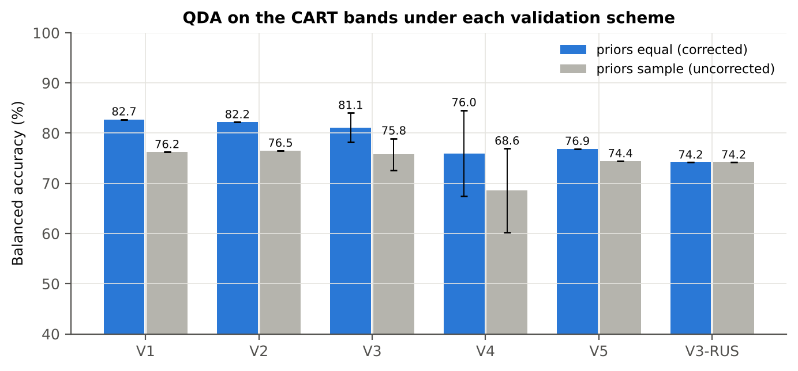
V2 · plot-grouped 10-fold, bands fixed | sample (uncorrected) | 1 | 88.6% | 76.5% |  | 0.5644 | 0.9251 | 58.3% | 94.7% | 68.9% | 91.8%
V3 · nested plot-grouped 10-fold × 5 = 50 folds | sample (uncorrected) | 5 | 88.5% | 75.8% | 3.2% | 0.5560 | 0.8863 | 56.7% | 94.9% | 69.6% | 91.5%
V4 · 30 % plot hold-out × 10 | sample (uncorrected) | 10 | 84.5% | 68.6% | 8.4% | 0.4306 | 0.8443 | 42.9% | 94.2% | 68.8% | 87.4%
V5 · leave-one-variety-out (train on the other varieties) (3 units) | sample (uncorrected) | 1 | 87.9% | 74.4% |  | 0.5294 | 0.8448 | 54.2% | 94.7% | 67.2% | 91.1%
V3-RUS · nested + random under-sampling | equal (corrected) | 1 | 73.6% | 74.2% |  | 0.3387 | 0.7976 | 75.0% | 73.3% | 36.2% | 93.5%
V3-RUS · nested + random under-sampling | sample (uncorrected) | 1 | 73.6% | 74.2% |  | 0.3387 | 0.7976 | 75.0% | 73.3% | 36.2% | 93.5%

Table 6.2 Error matrix, V3 (nested plot-grouped CV, 5 repeats pooled) — QDA on CART bands, equal priors
Classified \ Reference | Healthy | Diseased | Row total | User's accuracy (%)
Healthy | 263 | 193 | 456 | 57.68
Diseased | 97 | 1587 | 1684 | 94.24
Column total | 360 | 1780 | 2140
Producer's accuracy (%) | 73.06 | 89.16
Overall accuracy (%) | 86.45
Balanced accuracy (%) | 81.11
Cohen's κ | 0.562
F1 healthy | 0.645
F1 diseased | 0.916

Table 6.3 Error matrix, V4 (independent hold-out plots, 10 splits pooled) — QDA on CART bands, equal priors
Classified \ Reference | Healthy | Diseased | Row total | User's accuracy (%)
Healthy | 166 | 140 | 306 | 54.25
Diseased | 89 | 928 | 1017 | 91.25
Column total | 255 | 1068 | 1323
Producer's accuracy (%) | 65.10 | 86.89
Overall accuracy (%) | 82.69
Balanced accuracy (%) | 75.99
Cohen's κ | 0.483
F1 healthy | 0.592
F1 diseased | 0.890

Table 6.4 Error matrix, V5 (leave-one-variety-out (train on the other varieties), 3 units pooled) — QDA on CART bands, equal priors
Classified \ Reference | Healthy | Diseased | Row total | User's accuracy (%)
Healthy | 49 | 51 | 100 | 49.00
Diseased | 23 | 305 | 328 | 92.99
Column total | 72 | 356 | 428
Producer's accuracy (%) | 68.06 | 85.67
Overall accuracy (%) | 82.71
Balanced accuracy (%) | 76.86
Cohen's κ | 0.465
F1 healthy | 0.570
F1 diseased | 0.892

Table 6.5 Sensitivity to the band set (full pipeline repeated)
Band set | CART bands | BA V1 | BA V3 nested | BA V4 hold-out | CART bands (nm)
400–2500 nm (main: 350–399 removed) | 17 | 82.7% | 81.1% | 76.0% | 518, 521, 526, 528, 555, 563, 570, 2267, 2316, 2328, 2332, 2346, 2350, 2364, 2374, 2380, 2397
350–2500 nm (nothing removed) | 9 | 81.9% | 82.3% | 75.3% | 350, 351, 354, 369, 375, 383, 516, 577, 2279
450–2450 nm (both detector edges trimmed) | 17 | 82.9% | 81.1% | 78.6% | 518, 521, 526, 528, 555, 563, 570, 2266, 2316, 2328, 2332, 2346, 2350, 2364, 2374, 2380, 2397

10_A1_RF_Importance
Part A1 · Random Forest as the Tier-2 band selector (instead of CART)
Input: the 216 FDR-significant bands of Tier 1 (same as CART).

What was done
A Balanced Random Forest (1000 trees, √216 candidate bands per split, each tree grown on a balanced bootstrap of 72 + 72 leaves) was fitted to all leaves; band importance = mean decrease in Gini impurity (MDI). Because neighbouring bands are almost identical, bands were picked as importance peaks: local maxima of the importance spectrum, at least 10 nm apart. The 17 highest peaks form the RF band set (the CART set of Das et al. had 17 bands); the 10 highest a smaller set. Checks: a second forest with another seed, R randomForest, permutation importance, and an ordinary class-weighted forest.
Table A1.1 RF band set: the 17 highest importance peaks
Rank | Band (nm) | Importance × 1000 | Region | Mean healthy | Mean diseased | Welch t | q (BH) | Mixed model significant | Nearest CART band | Distance (nm)
1 | 517.00 | 12.14 | Green (500–599) | 0.1974 | 0.1899 | -2.8630 | 0.0500 | no | 518.00 | 1.0000
2 | 528.00 | 8.7991 | Green (500–599) | 0.2443 | 0.2348 | -3.3757 | 0.0199 | no | 528.00 | 0.0000
3 | 567.00 | 6.9260 | Green (500–599) | 0.2294 | 0.2199 | -3.4443 | 0.0199 | no | 570.00 | 3.0000
4 | 587.00 | 6.8846 | Green (500–599) | 0.1734 | 0.1667 | -2.8582 | 0.0500 | no | 570.00 | 17.00
5 | 552.00 | 6.5677 | Green (500–599) | 0.2661 | 0.2551 | -3.6236 | 0.0199 | no | 555.00 | 3.0000
6 | 2408.00 | 6.1377 | SWIR-2 end (2350–2500) | 0.0986 | 0.1040 | 2.9450 | 0.0413 | no | 2397.00 | 11.00
7 | 541.00 | 5.5264 | Green (500–599) | 0.2662 | 0.2552 | -3.6584 | 0.0199 | no | 528.00 | 13.00
8 | 2267.00 | 5.4228 | SWIR-2 (1951–2349) | 0.1520 | 0.1610 | 2.8734 | 0.0481 | no | 2267.00 | 0.0000
9 | 2393.00 | 5.2664 | SWIR-2 end (2350–2500) | 0.1045 | 0.1106 | 3.1693 | 0.0257 | no | 2397.00 | 4.0000
10 | 2304.00 | 4.9603 | SWIR-2 (1951–2349) | 0.1697 | 0.1817 | 3.5222 | 0.0199 | no | 2316.00 | 12.00
11 | 2289.00 | 4.9194 | SWIR-2 (1951–2349) | 0.1580 | 0.1685 | 3.2847 | 0.0208 | no | 2267.00 | 22.00
12 | 2348.00 | 4.8622 | SWIR-2 (1951–2349) | 0.1339 | 0.1431 | 3.5625 | 0.0199 | no | 2350.00 | 2.0000
13 | 2377.00 | 4.6061 | SWIR-2 end (2350–2500) | 0.1109 | 0.1179 | 3.3605 | 0.0201 | no | 2380.00 | 3.0000
14 | 2337.00 | 4.4554 | SWIR-2 (1951–2349) | 0.1331 | 0.1422 | 3.5083 | 0.0199 | no | 2332.00 | 5.0000
15 | 2277.00 | 4.3617 | SWIR-2 (1951–2349) | 0.1549 | 0.1646 | 3.0514 | 0.0327 | no | 2267.00 | 10.00
16 | 2323.00 | 4.1659 | SWIR-2 (1951–2349) | 0.1381 | 0.1472 | 3.3142 | 0.0206 | no | 2328.00 | 5.0000
17 | 2361.00 | 4.0024 | SWIR-2 end (2350–2500) | 0.1182 | 0.1260 | 3.4483 | 0.0199 | no | 2364.00 | 3.0000

Table A1.2 The CART bands seen through the RF importance
CART band (nm) | Region | RF importance rank (of 216) | RF importance × 1000 | Nearest RF-17 band | Distance (nm)
518.00 | Green (500–599) | 2 | 11.14 | 517.00 | 1.0000
521.00 | Green (500–599) | 5 | 9.1365 | 517.00 | 4.0000
526.00 | Green (500–599) | 7 | 8.2112 | 528.00 | 2.0000
528.00 | Green (500–599) | 6 | 8.7991 | 528.00 | 0.0000
555.00 | Green (500–599) | 34 | 5.5967 | 552.00 | 3.0000
563.00 | Green (500–599) | 70 | 4.9120 | 567.00 | 4.0000
570.00 | Green (500–599) | 60 | 5.0704 | 567.00 | 3.0000
2267.00 | SWIR-2 (1951–2349) | 43 | 5.4228 | 2267.00 | 0.0000
2316.00 | SWIR-2 (1951–2349) | 216 | 2.3736 | 2323.00 | 7.0000
2328.00 | SWIR-2 (1951–2349) | 204 | 3.0896 | 2323.00 | 5.0000
2332.00 | SWIR-2 (1951–2349) | 215 | 2.3843 | 2337.00 | 5.0000
2346.00 | SWIR-2 (1951–2349) | 107 | 4.3297 | 2348.00 | 2.0000
2350.00 | SWIR-2 end (2350–2500) | 168 | 3.6045 | 2348.00 | 2.0000
2364.00 | SWIR-2 end (2350–2500) | 195 | 3.2646 | 2361.00 | 3.0000
2374.00 | SWIR-2 end (2350–2500) | 141 | 3.9565 | 2377.00 | 3.0000
2380.00 | SWIR-2 end (2350–2500) | 144 | 3.8804 | 2377.00 | 3.0000
2397.00 | SWIR-2 end (2350–2500) | 82 | 4.8265 | 2393.00 | 4.0000
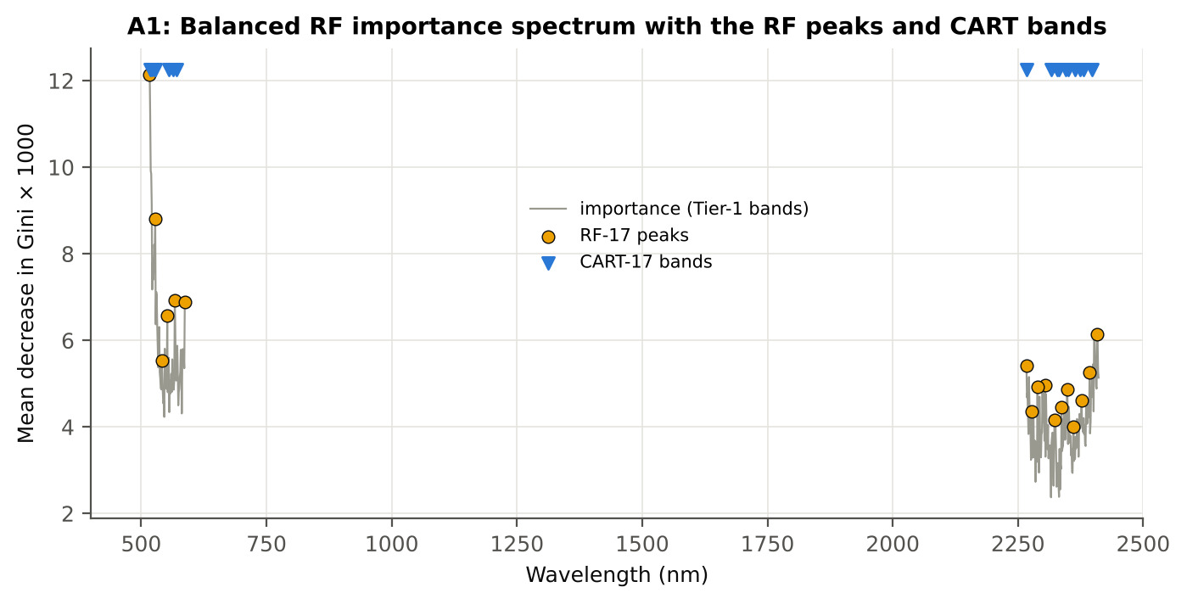

Figure A1. RF importance spectrum with the RF peaks (orange) and the CART bands (blue triangles)

Table A1.3 Checks of the RF importance
Check | Value | Result | Status
Reproducibility: importance of seed 42 vs seed 7 (Spearman ρ) | 0.805 | 17 of 17 peaks within ±10 nm | PASS
R randomForest (stratified sampsize 72 + 72), mean decrease in Gini | ρ = 0.815 | 17 of 17 peaks within ±10 nm; R out-of-bag BA 0.575 | PASS
Permutation importance (drop in AUC, 5 plot-grouped folds) vs Gini, top-50 bands | ρ = 0.49 | permutation and Gini rankings agree | PASS
Ordinary RF with class weights only (no balanced bootstrap), out-of-bag | BA 0.546 | healthy recall 0.28: class weights alone leave the forest biased | PASS

12_A3_CART_vs_RF
Part A3 · CART vs RF as classifiers and as band selectors — honest validation
Same folds everywhere: V1 leaf-level 10-fold; V3 nested plot-grouped 10-fold × 5 = 50 folds; V4 30 % plot hold-out × 10; V5 leave-one-variety-out (train on the other varieties).

Result in brief
CART vs RF: as classifiers RF beats CART by 4.6 points (V3, RF better in 33 of 50 folds, p = 0.005); as band selectors for QDA the RF bands give -2.8 points vs the CART bands (p = 0.205). RF selection is more stable than CART selection (Jaccard ±10 nm 0.39 vs 0.27).

What was done
Four pipelines on identical folds. CART classifier: the rpart tree itself predicts. RF classifier: a Balanced RF (500 trees) on the Tier-1 bands predicts. QDA on CART bands: Tier 4 of the paper. QDA on RF bands: QDA on the 17 RF importance peaks. In V3, V4 and V5, Tier 1 and band selection are repeated inside every training set. Paired Wilcoxon signed-rank tests compare pipelines over the 50 V3 folds and the 10 V4 splits.
Table A3.1 Validation results (mean over repeats; SD over repeats)
Pipeline | Scheme | repeats | OA | BA | BA_SD | kappa | AUC | PA_H | PA_D | UA_H | UA_D
CART classifier | V1 | 1 | 65.9% | 57.9% |  | 0.1146 | 0.5958 | 45.8% | 69.9% | 23.6% | 86.5%
CART classifier | V3 | 5 | 63.9% | 55.9% | 2.6% | 0.0843 | 0.5788 | 43.9% | 67.9% | 21.7% | 85.7%
CART classifier | V4 | 10 | 63.2% | 54.6% | 7.0% | 0.0743 | 0.5529 | 40.5% | 68.7% | 23.9% | 82.7%
CART classifier | V5 | 1 | 63.1% | 54.5% |  | 0.0644 | 0.5650 | 41.7% | 67.4% | 20.5% | 85.1%
RF classifier | V1 | 1 | 65.0% | 57.3% |  | 0.1048 | 0.6246 | 45.8% | 68.8% | 22.9% | 86.3%
RF classifier | V3 | 5 | 66.4% | 59.9% | 3.6% | 0.1415 | 0.6391 | 50.0% | 69.7% | 25.1% | 87.3%
RF classifier | V4 | 10 | 64.3% | 57.1% | 5.5% | 0.1177 | 0.5985 | 45.6% | 68.6% | 26.9% | 83.9%
RF classifier | V5 | 1 | 63.6% | 58.7% |  | 0.1179 | 0.6487 | 51.4% | 66.0% | 23.4% | 87.0%
QDA on CART features | V1 | 1 | 89.7% | 82.7% |  | 0.6406 | 0.9364 | 72.2% | 93.3% | 68.4% | 94.3%
QDA on CART features | V3 | 5 | 86.4% | 81.1% | 2.9% | 0.5653 | 0.8862 | 73.1% | 89.2% | 58.4% | 94.2%
QDA on CART features | V4 | 10 | 83.2% | 76.0% | 8.6% | 0.5156 | 0.8443 | 64.8% | 87.2% | 63.7% | 91.2%
QDA on CART features | V5 | 1 | 82.7% | 76.9% |  | 0.4651 | 0.8448 | 68.1% | 85.7% | 49.0% | 93.0%
QDA on RF features | V1 | 1 | 91.1% | 86.9% |  | 0.6994 | 0.9581 | 80.6% | 93.3% | 70.7% | 96.0%
QDA on RF features | V3 | 5 | 81.2% | 77.4% | 2.8% | 0.4530 | 0.8588 | 71.7% | 83.1% | 46.9% | 93.5%
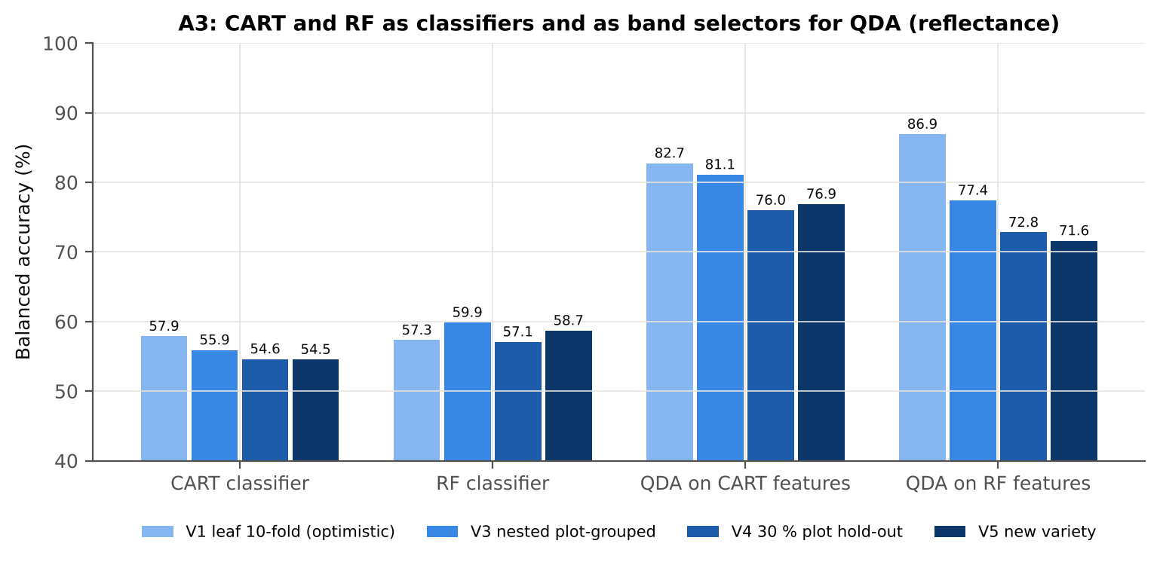
QDA on RF features | V4 | 10 | 82.7% | 72.8% | 12.7% | 0.4650 | 0.8133 | 56.8% | 88.8% | 59.0% | 89.8%
QDA on RF features | V5 | 1 | 82.2% | 71.6% |  | 0.4050 | 0.7609 | 55.6% | 87.6% | 47.6% | 90.7%

Table A3.2 Paired comparisons (same folds; positive = first pipeline better)
Comparison | Units | n | Mean difference | SD | First better | Second better | Ties | Wilcoxon p
RF classifier − CART classifier | V3 nested (folds) | 50 | 4.6% | 11.3% | 33 | 15 | 2 | 0.0053
RF classifier − CART classifier | V4 hold-out (splits) | 10 | 2.5% | 7.6% | 7 | 3 | 0 | 0.3750
QDA on RF features − QDA on CART features | V3 nested (folds) | 50 | -2.8% | 14.2% | 23 | 25 | 2 | 0.2052
QDA on RF features − QDA on CART features | V4 hold-out (splits) | 10 | -3.2% | 13.4% | 4 | 6 | 0 | 0.7129
QDA on CART features − CART classifier | V3 nested (folds) | 50 | 24.4% | 11.9% | 49 | 1 | 0 | 8.029E-10
QDA on CART features − CART classifier | V4 hold-out (splits) | 10 | 21.4% | 9.1% | 10 | 0 | 0 | 0.0020
QDA on RF features − RF classifier | V3 nested (folds) | 50 | 17.0% | 16.7% | 41 | 9 | 0 | 2.172E-07
QDA on RF features − RF classifier | V4 hold-out (splits) | 10 | 15.7% | 11.5% | 9 | 1 | 0 | 0.0039

Error matrix — CART classifier, V4 hold-out plots (10 splits pooled)
Classified \ Reference | Healthy | Diseased | Row total | User's accuracy (%)
Healthy | 102 | 338 | 440 | 23.18
Diseased | 153 | 730 | 883 | 82.67
Column total | 255 | 1068 | 1323
Producer's accuracy (%) | 40.00 | 68.35
Overall accuracy (%) | 62.89
Balanced accuracy (%) | 54.18
Cohen's κ | 0.065
F1 healthy | 0.294
F1 diseased | 0.748

Error matrix — RF classifier, V4 hold-out plots (10 splits pooled)
Classified \ Reference | Healthy | Diseased | Row total | User's accuracy (%)
Healthy | 117 | 341 | 458 | 25.55
Diseased | 138 | 727 | 865 | 84.05
Column total | 255 | 1068 | 1323
Producer's accuracy (%) | 45.88 | 68.07
Overall accuracy (%) | 63.79
Balanced accuracy (%) | 56.98
Cohen's κ | 0.107
F1 healthy | 0.328
F1 diseased | 0.752

Error matrix — QDA on CART features, V4 hold-out plots (10 splits pooled)
Classified \ Reference | Healthy | Diseased | Row total | User's accuracy (%)
Healthy | 166 | 140 | 306 | 54.25
Diseased | 89 | 928 | 1017 | 91.25
Column total | 255 | 1068 | 1323
Producer's accuracy (%) | 65.10 | 86.89
Overall accuracy (%) | 82.69
Balanced accuracy (%) | 75.99
Cohen's κ | 0.483
F1 healthy | 0.592
F1 diseased | 0.890

Error matrix — QDA on RF features, V4 hold-out plots (10 splits pooled)
Classified \ Reference | Healthy | Diseased | Row total | User's accuracy (%)
Healthy | 147 | 127 | 274 | 53.65
Diseased | 108 | 941 | 1049 | 89.70
Column total | 255 | 1068 | 1323
Producer's accuracy (%) | 57.65 | 88.11
Overall accuracy (%) | 82.24
Balanced accuracy (%) | 72.88
Cohen's κ | 0.445
F1 healthy | 0.556
F1 diseased | 0.889

13_A4_Band_Stability
Part A4 · Stability of the CART and RF band sets
Re-selection in the 50 nested training sets of V3 (a band counts if a band within ± 10 nm is selected).

Result in brief
Mean pairwise Jaccard (±10 nm): RF 0.39, CART 0.27 over 50 nested training sets.
Table A4.1 The CART-17 bands
Feature | Type | Re-selected by CART (±10 nm) | Re-selected by RF (±10 nm)
WV518 | Raw reflectance | 76.0% | 84.0%
WV2380 | Raw reflectance | 54.0% | 68.0%
WV2350 | Raw reflectance | 74.0% | 82.0%
WV2364 | Raw reflectance | 34.0% | 62.0%
WV2267 | Raw reflectance | 46.0% | 30.0%
WV2328 | Raw reflectance | 46.0% | 40.0%
WV2374 | Raw reflectance | 56.0% | 64.0%
WV521 | Raw reflectance | 82.0% | 90.0%
WV563 | Raw reflectance | 38.0% | 76.0%
WV2332 | Raw reflectance | 48.0% | 44.0%
WV526 | Raw reflectance | 64.0% | 94.0%
WV555 | Raw reflectance | 34.0% | 82.0%
WV2346 | Raw reflectance | 74.0% | 84.0%
WV528 | Raw reflectance | 64.0% | 92.0%
WV2397 | Raw reflectance | 36.0% | 70.0%
WV2316 | Raw reflectance | 26.0% | 46.0%
WV570 | Raw reflectance | 34.0% | 60.0%

Table A4.2 The RF-17 bands
Feature | Type | Re-selected by CART (±10 nm) | Re-selected by RF (±10 nm)
WV517 | Raw reflectance | 76.0% | 84.0%
WV528 | Raw reflectance | 64.0% | 92.0%
WV567 | Raw reflectance | 36.0% | 64.0%
WV587 | Raw reflectance | 16.0% | 24.0%
WV552 | Raw reflectance | 36.0% | 80.0%
WV2408 | Raw reflectance | 48.0% | 74.0%
WV541 | Raw reflectance | 42.0% | 84.0%
WV2267 | Raw reflectance | 46.0% | 30.0%
WV2393 | Raw reflectance | 30.0% | 66.0%
WV2304 | Raw reflectance | 34.0% | 60.0%
WV2289 | Raw reflectance | 38.0% | 44.0%
WV2348 | Raw reflectance | 74.0% | 82.0%
WV2377 | Raw reflectance | 56.0% | 68.0%
WV2337 | Raw reflectance | 60.0% | 60.0%
WV2277 | Raw reflectance | 36.0% | 40.0%
WV2323 | Raw reflectance | 46.0% | 36.0%
WV2361 | Raw reflectance | 34.0% | 64.0%

Table A4.3 Stability index
Method | Training sets | Mean features | Range | Unique features (union) | Selected in all sets (exact) | Stability index (exact) = all / union | Selected in all sets (±10 nm) | Stability index (±10 nm) | Mean pairwise Jaccard (±10 nm) | SD Jaccard
CART | 50 | 14.14 | 8–21 | 342 | 0 | 0.0000 | 0 | 0.0000 | 0.2693 | 0.1671
RF | 50 | 15.56 | 3–17 | 368 | 0 | 0.0000 | 0 | 0.0000 | 0.3906 | 0.1957
Stability index (exact) = bands selected in all 50 training sets ÷ all bands ever selected; the ±10 nm version counts a band as re-selected when a band within 10 nm is chosen; the mean pairwise Jaccard index (±10 nm) compares every pair of training sets.
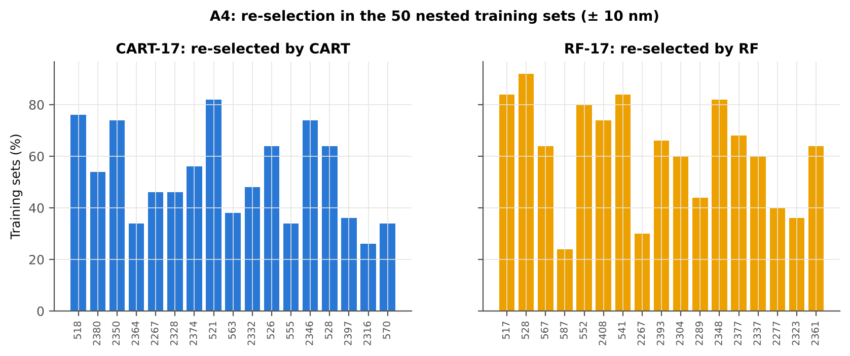

Table A4.4 Bands most often selected by CART (exact band)
Feature | Type | Times selected (exact) | Share of training sets
WV2346 | Raw reflectance | 17 | 34.0%
WV2330 | Raw reflectance | 14 | 28.0%
WV732 | Raw reflectance | 12 | 24.0%
WV515 | Raw reflectance | 10 | 20.0%
WV2380 | Raw reflectance | 9 | 18.0%
WV406 | Raw reflectance | 9 | 18.0%
WV2348 | Raw reflectance | 8 | 16.0%
WV2298 | Raw reflectance | 7 | 14.0%
WV518 | Raw reflectance | 7 | 14.0%
WV2299 | Raw reflectance | 7 | 14.0%
WV519 | Raw reflectance | 7 | 14.0%
WV433 | Raw reflectance | 7 | 14.0%
WV553 | Raw reflectance | 6 | 12.0%
WV2399 | Raw reflectance | 6 | 12.0%
WV727 | Raw reflectance | 6 | 12.0%
WV531 | Raw reflectance | 6 | 12.0%
WV524 | Raw reflectance | 6 | 12.0%
WV523 | Raw reflectance | 6 | 12.0%
WV2349 | Raw reflectance | 5 | 10.0%
WV436 | Raw reflectance | 5 | 10.0%
WV2261 | Raw reflectance | 5 | 10.0%
WV2321 | Raw reflectance | 5 | 10.0%
WV2362 | Raw reflectance | 5 | 10.0%
WV427 | Raw reflectance | 5 | 10.0%
WV726 | Raw reflectance | 5 | 10.0%
WV525 | Raw reflectance | 5 | 10.0%
WV2272 | Raw reflectance | 5 | 10.0%
WV434 | Raw reflectance | 5 | 10.0%
WV2374 | Raw reflectance | 5 | 10.0%
WV539 | Raw reflectance | 5 | 10.0%

Table A4.5 Bands most often selected by RF (exact band)
Feature | Type | Times selected (exact) | Share of training sets
WV406 | Raw reflectance | 9 | 18.0%
WV2409 | Raw reflectance | 8 | 16.0%
WV553 | Raw reflectance | 7 | 14.0%
WV728 | Raw reflectance | 7 | 14.0%
WV552 | Raw reflectance | 7 | 14.0%
WV2302 | Raw reflectance | 6 | 12.0%
WV469 | Raw reflectance | 6 | 12.0%
WV2347 | Raw reflectance | 6 | 12.0%
WV520 | Raw reflectance | 6 | 12.0%
WV534 | Raw reflectance | 6 | 12.0%
WV607 | Raw reflectance | 6 | 12.0%
WV2380 | Raw reflectance | 6 | 12.0%
WV570 | Raw reflectance | 5 | 10.0%
WV528 | Raw reflectance | 5 | 10.0%
WV524 | Raw reflectance | 5 | 10.0%
WV2362 | Raw reflectance | 5 | 10.0%
WV2346 | Raw reflectance | 5 | 10.0%
WV2401 | Raw reflectance | 5 | 10.0%
WV518 | Raw reflectance | 5 | 10.0%
WV2301 | Raw reflectance | 5 | 10.0%
WV532 | Raw reflectance | 5 | 10.0%
WV551 | Raw reflectance | 5 | 10.0%
WV522 | Raw reflectance | 5 | 10.0%
WV2348 | Raw reflectance | 5 | 10.0%
WV2351 | Raw reflectance | 4 | 8.0%
WV2385 | Raw reflectance | 4 | 8.0%
WV443 | Raw reflectance | 4 | 8.0%
WV2313 | Raw reflectance | 4 | 8.0%
WV421 | Raw reflectance | 4 | 8.0%
WV495 | Raw reflectance | 4 | 8.0%

14_K0_Denoising
Step K0 · Spectral smoothing / denoising and detector joins
Splice correction, Savitzky–Golay smoothing and derivatives; guard zones at the detector joins.

What was done
1. Splice correction: the ASD records 350–1000 nm (VNIR), 1001–1800 nm (SWIR-1) and 1801–2500 nm (SWIR-2) with three detectors. For each join a straight line was fitted to the 10 nm before the join and the next detector was shifted so that it continues this line at join + 1 nm. 2. Smoothing: Savitzky–Golay filter (window 11, order 2); first derivative SG(15, 2), second derivative SG(21, 2). 3. Guard zones: bands next to the joins are excluded from feature ranking (reflectance 990–1010 and 1795–1835 nm; first derivative 988–1012 and 1793–1837 nm; second derivative 985–1015 and 1790–1840 nm) because the filter windows straddle the join and a date-dependent start-up bump follows 1801 nm.
Table K0.1 Splice offsets added to the following detector (reflectance)
Join | Offset Healthy (mean) | SD (neg) | Offset Diseased (mean) | SD (pos)
1000/1001 nm | 0.0024 | 4.440E-04 | 0.0025 | 4.372E-04
1800/1801 nm | 1.929E-04 | 1.386E-04 | 8.327E-05 | 1.699E-04

Table K0.2 Spectral slope just before and just after the 1800/1801 nm join (reflectance × 10⁵ per nm)
Date | Slope 1786-1800 Healthy | Slope 1786-1800 Diseased | Slope 1801-1815 Healthy | Slope 1801-1815 Diseased
11-02-2026 | -9.1506 | -8.3093 | 13.67 | 19.17
A healthy spectrum falls smoothly across the join; a slope that turns upward right after the join, or a class difference that changes with the date, marks the start-up artefact.

Table K0.3 Noise removed by the Savitzky–Golay filter
Range (nm) | Noise (SD raw - smoothed)
350-399 | 0.0070
400-499 | 8.517E-04
500-599 | 6.775E-05
600-679 | 2.538E-05
680-759 | 3.805E-05
760-1349 | 2.636E-05
1350-1430 | 1.877E-05
1431-1799 | 1.129E-05
1800-1950 | 1.472E-05
1951-2349 | 1.746E-05
2350-2500 | 8.659E-05

Table K0.4 Smoothing preserves the signal
Check of the smoothing | Value
Correlation of class-mean spectra, raw vs smoothed — healthy | 0.999987
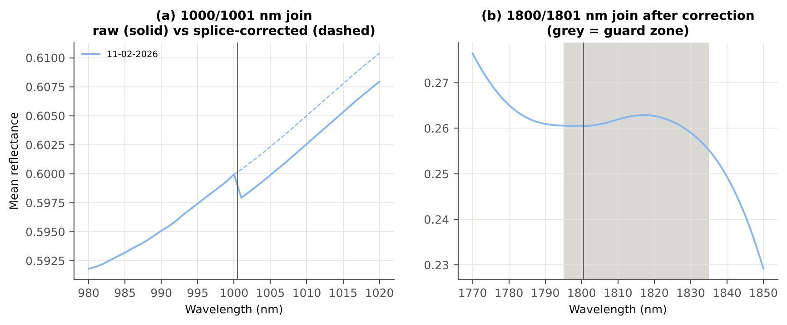
Correlation of class-mean spectra, raw vs smoothed — diseased | 0.999986
Largest change of the all-leaf mean spectrum (reflectance) | 0.002620
Tier-1 significant bands: raw vs smoothed | 216 vs 217

Cross-checks for this step
Step | What was checked | Method | Result | Status
K0 | Smoothing preserves the signal | class-mean spectra raw vs smoothed; Tier-1 counts | r ≥ 0.999986; 216 (raw) vs 217 (smoothed) significant bands | PASS
K0 | Detector artefact at the 1800/1801 nm join | slope just before vs just after the join, by date and class | no bump detected; guard zones applied as precaution | PASS

15_K1_Band_Reflectance
Step K1 · Band reflectance — which single bands are disease-sensitive
Splice-corrected, smoothed reflectance at every band 400–2500 nm (guard zones excluded from the ranking).

Result in brief
217 of 2101 smoothed bands significant; 0 bands with AUC ≥ 0.70; best band 777 nm (AUC 0.64).

What was done
For every band: Welch's t-test with BH-FDR, Hedges' g (standardised mean difference, bias-corrected), the area under the ROC curve (AUC, direction-free: 0.5 = no separation, 1 = perfect) and a threshold classifier (Youden's J; the threshold and its direction are chosen on training plots and applied to test plots: plot-grouped CV (V3) and hold-out (V4)).
Table K1.1 Band-reflectance sensitivity
Summary | Value
Bands tested | 2101
Significant (Welch + FDR), smoothed spectra | 217
Significant, raw spectra (Tier 1) | 216
Bands with AUC ≥ 0.70 (outside guard zones) | 0
Highest AUC (outside guard zones) | 0.641 at 777 nm

Table K1.2 Most sensitive band in each spectral region (K1 features)
Wavelength (nm) | Region | AUC | Direction | Hedges g | Welch t | q (BH) | Mean healthy | Mean diseased | BA plot-grouped CV | BA hold-out
478.00 | 400–499 | 0.6061 | D < H | -0.3973 | -2.7661 | 0.0575 | 0.1858 | 0.1782 | 59.9% | 61.2%
539.00 | 500–599 | 0.6326 | D < H | -0.4586 | -3.6443 | 0.0182 | 0.2655 | 0.2546 | 57.2% | 58.5%
602.00 | 600–679 | 0.6114 | D < H | -0.3351 | -2.7118 | 0.0586 | 0.1591 | 0.1530 | 58.2% | 58.4%
748.00 | 680–759 | 0.6404 | D < H | -0.3122 | -2.2456 | 0.0919 | 0.6332 | 0.6222 | 58.5% | 56.0%
777.00 | 760–1349 | 0.6411 | D < H | -0.3001 | -2.1636 | 0.0989 | 0.6420 | 0.6313 | 63.0% | 60.9%
1362.00 | 1350–1430 | 0.5521 | D > H | 0.1716 | 1.4550 | 0.2226 | 0.3926 | 0.3986 | 51.7% | 47.2%
1715.00 | 1431–1799 | 0.5662 | D > H | 0.2325 | 1.9739 | 0.1239 | 0.3402 | 0.3490 | 53.0% | 48.2%
1839.00 | 1800–1950 | 0.5698 | D > H | 0.2579 | 2.2044 | 0.0967 | 0.2431 | 0.2522 | 52.1% | 48.8%
2346.00 | 1951–2349 | 0.6187 | D > H | 0.4202 | 3.6289 | 0.0182 | 0.1376 | 0.1470 | 60.1% | 59.0%
2350.00 | 2350–2500 | 0.6169 | D > H | 0.4135 | 3.5638 | 0.0182 | 0.1344 | 0.1433 | 58.9% | 57.8%

Table K1.3 Fifteen most sensitive bands overall
Wavelength (nm) | Mean healthy | Mean diseased | Welch t | q (BH) | Hedges g | AUC | Direction
777.00 | 0.6420 | 0.6313 | -2.1636 | 0.0989 | -0.3001 | 0.6411 | D < H
780.00 | 0.6416 | 0.6310 | -2.1536 | 0.0992 | -0.2986 | 0.6410 | D < H
776.00 | 0.6422 | 0.6314 | -2.1646 | 0.0989 | -0.3003 | 0.6410 | D < H
778.00 | 0.6419 | 0.6312 | -2.1596 | 0.0989 | -0.2995 | 0.6410 | D < H
781.00 | 0.6415 | 0.6309 | -2.1514 | 0.0994 | -0.2983 | 0.6410 | D < H
779.00 | 0.6418 | 0.6311 | -2.1553 | 0.0990 | -0.2989 | 0.6409 | D < H
775.00 | 0.6423 | 0.6316 | -2.1629 | 0.0989 | -0.3001 | 0.6408 | D < H
774.00 | 0.6424 | 0.6317 | -2.1635 | 0.0989 | -0.3002 | 0.6408 | D < H
782.00 | 0.6414 | 0.6308 | -2.1477 | 0.0994 | -0.2977 | 0.6407 | D < H
771.00 | 0.6428 | 0.6320 | -2.1642 | 0.0989 | -0.3004 | 0.6406 | D < H
762.00 | 0.6429 | 0.6320 | -2.1924 | 0.0971 | -0.3035 | 0.6406 | D < H
761.00 | 0.6428 | 0.6318 | -2.1947 | 0.0970 | -0.3039 | 0.6405 | D < H
763.00 | 0.6430 | 0.6321 | -2.1875 | 0.0977 | -0.3029 | 0.6405 | D < H
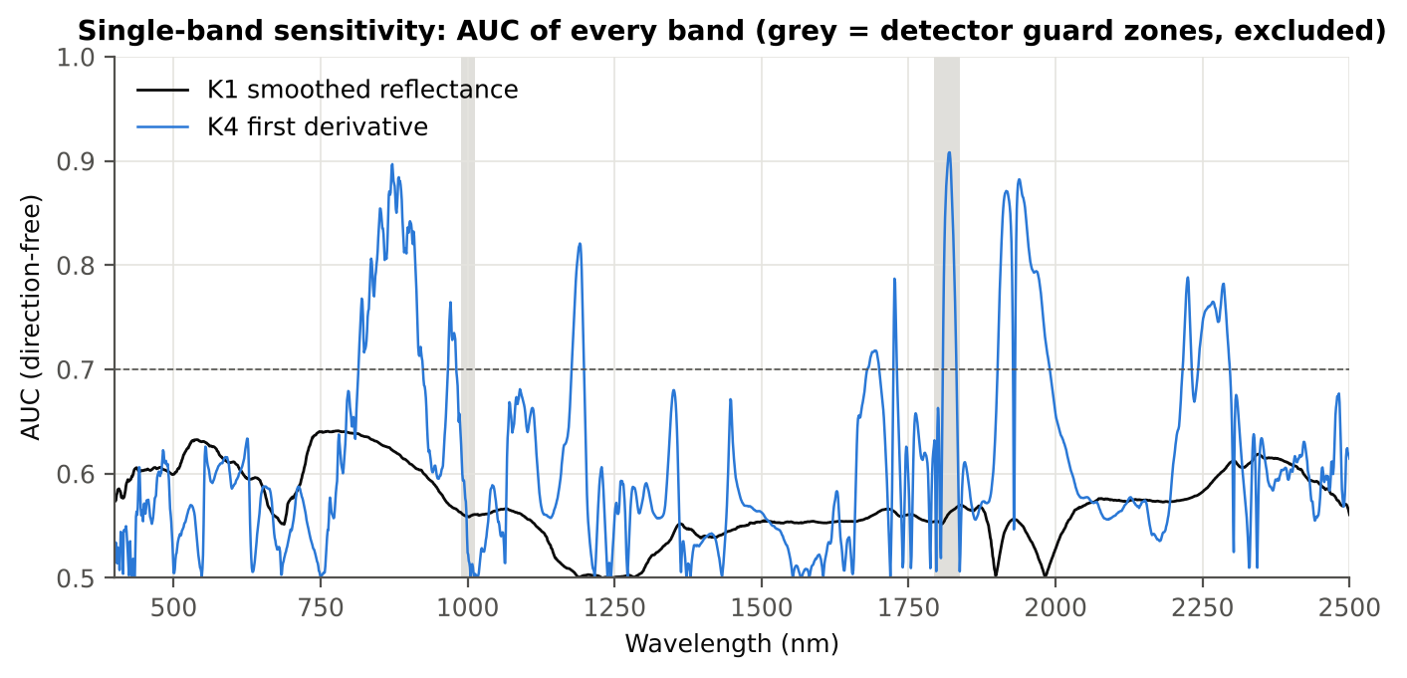
783.00 | 0.6413 | 0.6307 | -2.1438 | 0.0994 | -0.2972 | 0.6405 | D < H
773.00 | 0.6425 | 0.6318 | -2.1644 | 0.0989 | -0.3003 | 0.6404 | D < H

Figure K1. AUC of every band: reflectance (K1, black) and first derivative (K4, blue)

16_K2_Continuum_Removal
Step K2 · Continuum-removed absorption parameters
Six absorption features; continuum = upper convex hull of each window (Clark & Roush 1984; Kokaly & Clark 1999).

Result in brief
Most sensitive continuum-removed parameter: CR6 water 1940 symmetry (AUC 0.92, BA plot-grouped CV 87.9 %).

What was done
Within each window the reflectance was divided by its upper convex hull (continuum). From the continuum-removed curve: depth (1 − minimum), position (wavelength of the minimum), area (sum of 1 − CR, nm), width (full width at half depth, nm) and symmetry (share of the area left of the position). Statistics as in K1, plus a linear mixed model (q) and the plot intraclass correlation (ICC).
Table K2.1 Absorption windows
Feature | From (nm) | To (nm) | Absorber
CR1 blue | 400 | 548 | chlorophyll / carotenoid (≈ 495 nm)
CR2 red | 548 | 765 | chlorophyll a/b, red well (≈ 675 nm)
CR3 water 970 | 914 | 1069 | leaf water (≈ 970 nm)
CR4 water 1200 | 1069 | 1258 | leaf water (≈ 1160–1200 nm)
CR5 water 1450 | 1258 | 1721 | leaf water (≈ 1450 nm)
CR6 water 1940 | 1721 | 2304 | leaf water (≈ 1940 nm)

Table K2.2 All 30 continuum-removed parameters, ranked by AUC
Feature | Mean healthy | Mean diseased | Welch t | q (BH) | Hedges g | AUC | Direction | Threshold | Rule | BA all leaves | BA plot-grouped CV | BA hold-out | Mixed-model q | ICC plot
CR6 water 1940 symmetry | 0.2152 | 0.2309 | 15.79 | 2.248E-28 | 1.9205 | 0.9160 | D > H | 0.2238 | diseased if > thr | 89.0% | 87.9% | 88.5% | 6.217E-09 | 0.3815
CR6 water 1940 position | 1905.60 | 1911.21 | 11.51 | 6.188E-19 | 1.4898 | 0.8568 | D > H | 1906.50 | diseased if > thr | 81.1% | 80.5% | 81.0% | 1.125E-07 | 0.2586
CR3 water 970 width | 64.89 | 63.37 | -8.2628 | 1.353E-12 | -0.8681 | 0.7465 | D < H | 63.50 | diseased if < thr | 69.8% | 69.2% | 66.0% | 0.0423 | 0.6339
CR3 water 970 position | 972.32 | 971.64 | -5.1134 | 1.169E-05 | -0.6836 | 0.6779 | D < H | 972.50 | diseased if < thr | 62.6% | 60.1% | 62.0% | 0.0163 | 0.2380
CR5 water 1450 symmetry | 0.3455 | 0.3424 | -4.2234 | 2.768E-04 | -0.4605 | 0.6591 | D < H | 0.3438 | diseased if < thr | 62.8% | 57.7% | 59.2% | 0.0423 | 0.1141
CR4 water 1200 width | 68.90 | 67.75 | -3.1234 | 0.0117 | -0.4174 | 0.6213 | D < H | 68.50 | diseased if < thr | 60.3% | 57.5% | 55.7% | 0.1903 | 0.1772
CR5 water 1450 position | 1444.15 | 1443.57 | -2.7613 | 0.0287 | -0.3187 | 0.6036 | D < H | 1443.50 | diseased if < thr | 59.3% | 58.3% | 58.7% | 0.1912 | 0.1086
CR3 water 970 area | 3.7337 | 3.5055 | -2.4292 | 0.0630 | -0.2994 | 0.5930 | D < H | 3.6171 | diseased if < thr | 59.6% | 58.5% | 54.3% | 0.5954 | 0.2632
CR6 water 1940 area | 248.58 | 250.82 | 1.7656 | 0.2077 | 0.2413 | 0.5807 | D > H | 250.11 | diseased if > thr | 59.4% | 56.4% | 56.0% | 0.5423 | 0.1398
CR6 water 1940 depth | 0.7742 | 0.7850 | 1.9888 | 0.1650 | 0.2648 | 0.5765 | D > H | 0.7595 | diseased if > thr | 57.9% | 54.8% | 52.0% | 0.2933 | 0.0397
CR4 water 1200 position | 1161.22 | 1161.07 | -1.8583 | 0.1986 | -0.2563 | 0.5697 | D < H | 1161.50 | diseased if < thr | 57.5% | 57.5% | 59.9% | 0.2344 | 0.0117
CR3 water 970 depth | 0.0545 | 0.0524 | -1.6593 | 0.2309 | -0.2073 | 0.5666 | D < H | 0.0531 | diseased if < thr | 58.2% | 58.1% | 53.8% | 0.8309 | 0.2266
CR1 blue width | 78.21 | 78.84 | 1.4031 | 0.3238 | 0.1734 | 0.5614 | D > H | 78.50 | diseased if > thr | 55.8% | 50.5% | 50.9% | 0.8309 | 0.1506
CR4 water 1200 area | 6.6300 | 6.4116 | -1.3155 | 0.3238 | -0.1674 | 0.5529 | D < H | 6.5649 | diseased if < thr | 56.4% | 52.0% | 48.7% | 0.8309 | 0.2023
CR1 blue position | 497.92 | 497.60 | -1.7480 | 0.2077 | -0.1996 | 0.5528 | D < H | 497.50 | diseased if < thr | 54.9% | 54.9% | 50.5% | 0.8309 | 0.2433
CR5 water 1450 area | 164.19 | 162.58 | -1.1306 | 0.3914 | -0.1470 | 0.5499 | D < H | 168.15 | diseased if < thr | 58.9% | 56.8% | 49.8% | 0.8309 | 0.2042
CR5 water 1450 width | 192.99 | 191.46 | -1.3058 | 0.3238 | -0.1664 | 0.5492 | D < H | 192.50 | diseased if < thr | 55.0% | 51.2% | 47.8% | 0.8309 | 0.1755
CR5 water 1450 depth | 0.7863 | 0.7834 | -0.7089 | 0.5539 | -0.0959 | 0.5463 | D < H | 0.8045 | diseased if < thr | 56.4% | 52.5% | 47.4% | 0.8309 | 0.1451
CR4 water 1200 depth | 0.0905 | 0.0884 | -1.0265 | 0.4386 | -0.1293 | 0.5436 | D < H | 0.0920 | diseased if < thr | 55.8% | 50.5% | 48.5% | 0.8309 | 0.2052
CR4 water 1200 symmetry | 0.2962 | 0.2973 | 1.2794 | 0.3238 | 0.1706 | 0.5415 | D > H | 0.2910 | diseased if > thr | 57.4% | 56.6% | 54.1% | 0.8309 | 0.0994
CR2 red position | 678.32 | 677.90 | -1.4791 | 0.3042 | -0.1769 | 0.5369 | D < H | 674.50 | diseased if < thr | 53.7% | 49.2% | 45.5% | 0.8309 | 0.1856
CR6 water 1940 width | 290.75 | 289.13 | -0.7783 | 0.5539 | -0.0940 | 0.5344 | D < H | 284.50 | diseased if < thr | 54.3% | 50.9% | 45.9% | 0.8309 | 0.1476
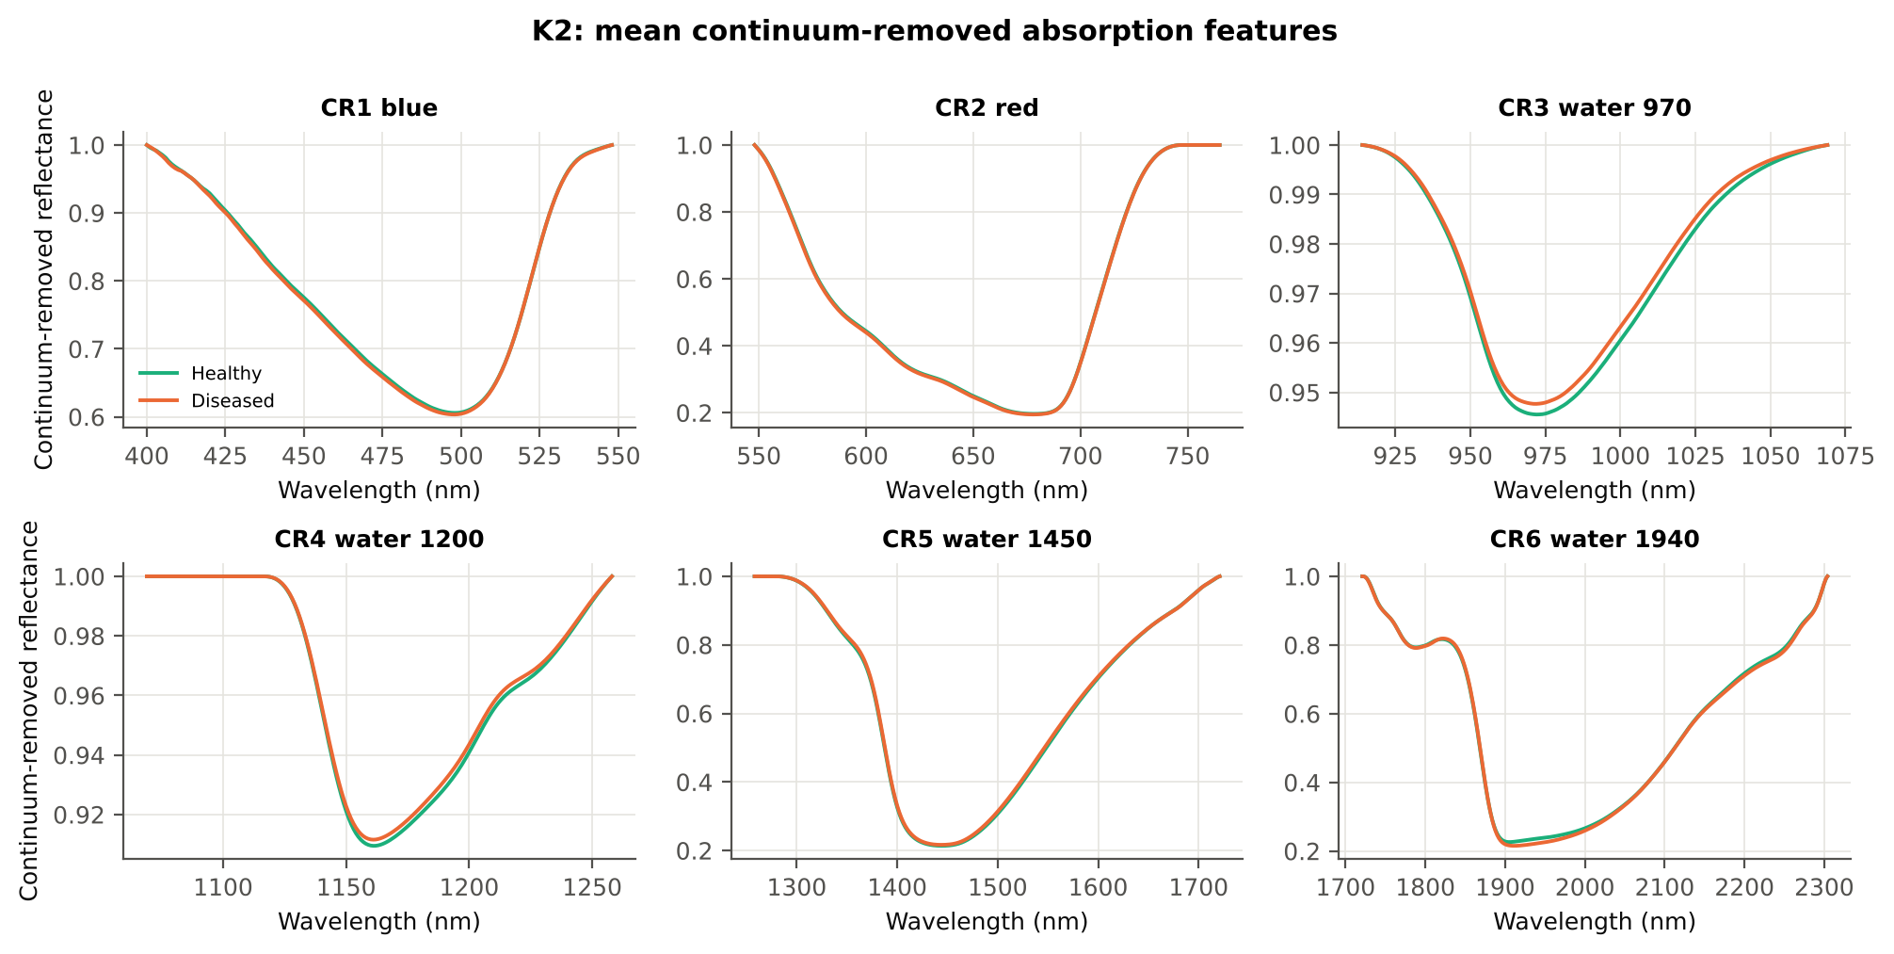
CR2 red width | 133.68 | 134.00 | 0.7866 | 0.5539 | 0.0978 | 0.5297 | D > H | 134.50 | diseased if > thr | 54.2% | 49.8% | 49.1% | 0.8309 | 0.2053
CR2 red area | 99.31 | 99.82 | 0.7363 | 0.5539 | 0.1020 | 0.5249 | D > H | 96.95 | diseased if > thr | 54.5% | 47.9% | 48.2% | 0.8309 | 0.0672
CR2 red symmetry | 0.7298 | 0.7271 | -1.2746 | 0.3238 | -0.1478 | 0.5222 | D < H | 0.7244 | diseased if < thr | 55.5% | 47.9% | 46.2% | 0.8309 | 0.2810
CR1 blue area | 30.40 | 30.77 | 0.7653 | 0.5539 | 0.1152 | 0.5209 | D > H | 25.05 | diseased if > thr | 55.7% | 46.2% | 46.7% | 0.8309 | 0.0968
CR1 blue depth | 0.3946 | 0.3970 | 0.4529 | 0.6742 | 0.0699 | 0.5139 | D > H | 0.3808 | diseased if > thr | 56.2% | 46.0% | 47.6% | 0.8309 | 0.1555
CR1 blue symmetry | 0.6897 | 0.6888 | -0.6008 | 0.6102 | -0.0726 | 0.5125 | D < H | 0.6999 | diseased if < thr | 53.2% | 43.7% | 44.9% | 0.8309 | 0.0966
CR3 water 970 symmetry | 0.3852 | 0.3851 | -0.0705 | 0.9439 | -0.0103 | 0.5056 | D < H | 0.3921 | diseased if < thr | 54.5% | 45.6% | 50.1% | 0.8842 | 0.0231
CR2 red depth | 0.8038 | 0.8057 | 0.4577 | 0.6742 | 0.0687 | 0.5014 | D < H | 0.8234 | diseased if < thr | 57.7% | 45.9% | 50.9% | 0.8309 | 0.0662

Cross-checks for this step
Step | What was checked | Method | Result | Status
K2 | Convex hull | monotone-chain upper hull vs SciPy ConvexHull, 20 leaves × 6 windows | max |Δ continuum| = 0.0e+00 | PASS

17_K3_Vegetation_Indices
Step K3 · Disease-sensitive spectral (vegetation) indices — the 31 indices of the flowering-stage workbook
Computed from splice-corrected, smoothed reflectance at the nearest 1 nm band.

Result in brief
Most sensitive index: NWI2 (AUC 0.68, BA plot-grouped CV 63.9 %).
Table K3.1 The 31 indices
Index | Name | Equation (as computed) | Reference
WI | Water Index | R900 / R970 | Peñuelas et al., 1997
mCARI1 | Modified Chlorophyll Absorption in Reflectance Index 1 | 1.2[2.5(R761 − R651) − 1.3(R761 − R581)] | Haboudane et al., 2004
MTVI1 | Modified Triangular Vegetation Index 1 | 1.2[1.2(R761 − R581) − 2.5(R651 − R581)] | Haboudane et al., 2004
MTVI2 | Modified Triangular Vegetation Index 2 | 1.5[1.2(R761 − R581) − 2.5(R651 − R581)] / √[(2R761 + 1)² − (6R761 − 5√R651) − 0.5] | Haboudane et al., 2004
SR900 | Simple Ratio Index 900 | R900 / R680 | Jordan, 1969
SR850 | Simple Ratio Index 850 | R850 / R680 | Jordan, 1969
GNDVI | Green NDVI | (R850 − R580) / (R850 + R580) | Gitelson and Merzlyak, 1996
PRI | Photochemical Reflectance Index | (R531 − R570) / (R531 + R570) | Gamon et al., 1992
RARSa | Ratio Analysis of Reflectance Spectra, chlorophyll a | R675 / R700 | Chappelle et al., 1992
RARSb | Ratio Analysis of Reflectance Spectra, chlorophyll b | R675 / (R700 × R650) | Chappelle et al., 1992
RARSc | Ratio Analysis of Reflectance Spectra, carotenoids | R750 / R700 | Chappelle et al., 1992
PSSRa | Pigment Specific Simple Ratio a | R800 / R680 | Blackburn, 1998
NDVI780 | Normalized Difference Vegetation Index 780 | (R780 − R670) / (R780 + R670) | Raun et al., 2001
SIPI | Structure Insensitive Pigment Index | (R800 − R445) / (R800 − R680) | Peñuelas et al., 1995
NCPI | Normalized Chlorophyll Pigment Ratio Index | (R670 − R450) / (R670 + R450) | Peñuelas et al., 1994
NPQI | Normalized Phaeophytinization Index | (R415 − R435) / (R415 + R435) | Barnes et al., 1992
PSRI | Plant Senescence Reflectance Index | (R680 − R500) / R750 | Merzlyak et al., 1999
WI/ND | Ratio of WI and NDVI | (R900 / R970) / [(R900 − R680) / (R900 + R680)] | Peñuelas et al., 1997
TCARI | Transformed Chlorophyll Absorption in Reflectance Index | 3[(R700 − R670) − 0.2(R700 − R550)(R700 / R670)] | Haboudane et al., 2002
VIGreen | Green Vegetation Index | (R760 − R550) / (R760 + R550) | Gitelson et al., 2002
RVS1 | Red-Edge Vegetation Stress Index 1 | R651 + R750 | Merton, 1998
RVS2 | Red-Edge Vegetation Stress Index 2 | (R651 + R750) / (R651 − R750) | Merton, 1998
TVI | Triangle Vegetation Index | 0.5[120(R761 − R581) − 200(R651 − R581)] | Broge and Leblanc, 2001
RDVI | Renormalized Difference Vegetation Index | (R761 − R651) / √(R761 + R651) | Roujean and Breon, 1995
NDVI850 | Normalized Difference Vegetation Index 850 | (R850 − R651) / (R850 + R651) | Raun et al., 2001
SR761 | Simple Ratio Index 761 | R761 / R651 | Jordan, 1969
NDVI761 | Normalized Difference Vegetation Index 761 | (R761 − R651) / (R761 + R651) | Raun et al., 2001
PPR | Plant Pigment Ratio | R550 / R450 | Metternicht, 2003
NWI2 | Normalized Water Index 2 | (R970 − R850) / (R970 + R850) | Babar et al., 2006
NRI | Nitrogen Reflectance Index | (R570 − R670) / (R570 + R670) | Bausch and Duke, 1996
ARI | Anthocyanin Reflectance Index | 1/R550 − 1/R700 | Gitelson et al., 2001

Table K3.2 Sensitivity of the 31 indices to white rust, ranked by AUC
Feature | Mean healthy | Mean diseased | Welch t | q (BH) | Hedges g | AUC | Direction | Threshold | Rule | BA all leaves | BA plot-grouped CV | BA hold-out | Mixed-model q | ICC plot
NWI2 | -0.0330 | -0.0292 | 4.7883 | 1.740E-04 | 0.6062 | 0.6838 | D > H | -0.0310 | diseased if > thr | 66.3% | 63.9% | 62.3% | 0.2539 | 0.3542
RVS1 | 0.7484 | 0.7335 | -3.0723 | 0.0222 | -0.3955 | 0.6710 | D < H | 0.7457 | diseased if < thr | 64.8% | 60.9% | 61.3% | 0.2539 | 0.0768
WI | 1.0634 | 1.0582 | -3.2403 | 0.0222 | -0.4079 | 0.6274 | D < H | 1.0628 | diseased if < thr | 61.9% | 60.6% | 55.4% | 0.4528 | 0.3043
NPQI | 0.0631 | 0.0669 | 3.0531 | 0.0222 | 0.3780 | 0.6165 | D > H | 0.0708 | diseased if > thr | 61.6% | 59.0% | 57.8% | 0.4528 | 0.1917
mCARI1 | 0.8763 | 0.8608 | -1.7256 | 0.2722 | -0.2535 | 0.5979 | D < H | 0.9350 | diseased if < thr | 58.4% | 50.6% | 52.0% | 0.4528 | 0.0726
MTVI1 | 0.8763 | 0.8608 | -1.7256 | 0.2722 | -0.2535 | 0.5979 | D < H | 0.9350 | diseased if < thr | 58.4% | 50.6% | 52.0% | 0.4528 | 0.0726
TVI | 34.71 | 34.15 | -1.5533 | 0.2797 | -0.2279 | 0.5941 | D < H | 34.18 | diseased if < thr | 58.7% | 52.3% | 52.6% | 0.4528 | 0.0646
PSRI | -0.1104 | -0.1058 | 2.4921 | 0.0881 | 0.3328 | 0.5930 | D > H | -0.1092 | diseased if > thr | 60.1% | 54.8% | 57.6% | 0.4528 | 0.1324
RARSb | 4.6038 | 4.7699 | 2.4178 | 0.0881 | 0.2628 | 0.5808 | D > H | 4.6860 | diseased if > thr | 57.1% | 51.3% | 53.1% | 0.5542 | 0.1790
VIGreen | 0.4129 | 0.4236 | 2.0674 | 0.1830 | 0.2759 | 0.5735 | D > H | 0.4169 | diseased if > thr | 57.0% | 52.5% | 54.8% | 0.5542 | 0.1776
GNDVI | 0.5453 | 0.5551 | 1.7834 | 0.2722 | 0.2423 | 0.5682 | D > H | 0.5352 | diseased if > thr | 58.5% | 57.1% | 57.8% | 0.5542 | 0.1258
NCPI | -0.3971 | -0.3936 | 1.4276 | 0.3234 | 0.1871 | 0.5580 | D > H | -0.3926 | diseased if > thr | 56.9% | 54.1% | 48.1% | 0.7041 | 0.2873
SIPI | 0.7488 | 0.7569 | 1.5669 | 0.2797 | 0.2078 | 0.5567 | D > H | 0.7331 | diseased if > thr | 58.5% | 56.8% | 57.9% | 0.5542 | 0.0592
TCARI | 0.3667 | 0.3548 | -1.5423 | 0.2797 | -0.2154 | 0.5511 | D < H | 0.3462 | diseased if < thr | 56.1% | 51.4% | 48.7% | 0.6068 | 0.2500
WI/ND | 1.4669 | 1.4500 | -1.5559 | 0.2797 | -0.2259 | 0.5495 | D < H | 1.4677 | diseased if < thr | 58.3% | 56.7% | 54.5% | 0.4528 | 0.0313
MTVI2 | 0.6866 | 0.6832 | -0.5125 | 0.7098 | -0.0760 | 0.5404 | D < H | 0.7210 | diseased if < thr | 59.8% | 59.8% | 52.4% | 0.7242 | 0.0570
NDVI850 | 0.6988 | 0.7046 | 1.1281 | 0.4944 | 0.1628 | 0.5373 | D > H | 0.6841 | diseased if > thr | 56.7% | 52.6% | 51.0% | 0.7041 | 0.0574
RDVI | 0.6099 | 0.6080 | -0.3504 | 0.7511 | -0.0514 | 0.5370 | D < H | 0.6402 | diseased if < thr | 58.3% | 57.3% | 53.3% | 0.8102 | 0.0543
NRI | 0.3815 | 0.3754 | -1.0052 | 0.4944 | -0.1493 | 0.5311 | D < H | 0.4157 | diseased if < thr | 56.4% | 54.3% | 47.1% | 0.7041 | 0.2716
PRI | 0.0750 | 0.0762 | 1.0352 | 0.4944 | 0.1200 | 0.5308 | D > H | 0.0835 | diseased if > thr | 56.3% | 53.5% | 48.6% | 0.8597 | 0.2684
NDVI761 | 0.7017 | 0.7068 | 0.9670 | 0.4961 | 0.1389 | 0.5304 | D > H | 0.6868 | diseased if > thr | 56.0% | 50.0% | 50.9% | 0.7041 | 0.0586
SR761 | 5.8210 | 5.9117 | 0.8369 | 0.5703 | 0.1168 | 0.5304 | D > H | 5.3850 | diseased if > thr | 56.0% | 50.0% | 50.9% | 0.7242 | 0.0665
RVS2 | -1.4360 | -1.4240 | 1.0020 | 0.4944 | 0.1464 | 0.5300 | D > H | -1.4530 | diseased if > thr | 55.8% | 50.4% | 50.7% | 0.7041 | 0.0546
ARI | -1.5385 | -1.5079 | 1.0905 | 0.4944 | 0.1219 | 0.5207 | D > H | -1.4258 | diseased if > thr | 55.0% | 48.6% | 50.5% | 0.7041 | 0.0653
RARSc | 3.3773 | 3.4005 | 0.5000 | 0.7098 | 0.0647 | 0.5190 | D > H | 3.2254 | diseased if > thr | 54.0% | 48.2% | 48.5% | 0.8597 | 0.1094
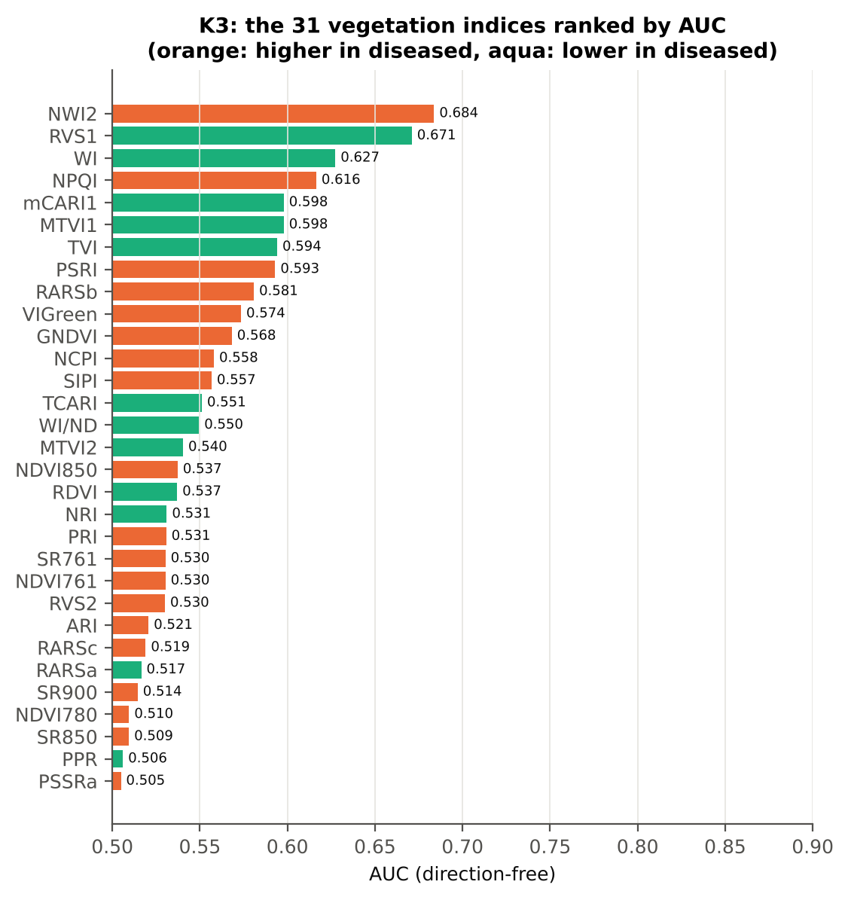
RARSa | 0.5171 | 0.5144 | -0.3818 | 0.7511 | -0.0568 | 0.5165 | D < H | 0.5641 | diseased if < thr | 55.5% | 47.3% | 46.3% | 0.8597 | 0.2393
SR900 | 6.4725 | 6.5369 | 0.5134 | 0.7098 | 0.0763 | 0.5145 | D > H | 5.8236 | diseased if > thr | 57.5% | 50.7% | 48.5% | 0.8155 | 0.0776
NDVI780 | 0.7342 | 0.7377 | 0.7035 | 0.6517 | 0.1057 | 0.5096 | D > H | 0.7364 | diseased if > thr | 55.6% | 43.9% | 48.8% | 0.7242 | 0.0472
SR850 | 6.5030 | 6.5499 | 0.3711 | 0.7511 | 0.0552 | 0.5095 | D > H | 6.0140 | diseased if > thr | 56.8% | 47.7% | 50.5% | 0.8597 | 0.0791
PPR | 1.1871 | 1.1780 | -0.5982 | 0.7098 | -0.0897 | 0.5060 | D < H | 1.1913 | diseased if < thr | 55.3% | 43.6% | 47.7% | 0.7242 | 0.1547
PSSRa | 6.5505 | 6.5851 | 0.2694 | 0.7882 | 0.0400 | 0.5049 | D > H | 5.9253 | diseased if > thr | 56.3% | 47.4% | 50.3% | 0.8597 | 0.0800

Cross-check: indices recomputed by Excel formulas for ten leaves
Table K3.3 Reflectance input (splice-corrected, smoothed)
Leaf row | R415 | R435 | R445 | R450 | R500 | R531 | R550 | R570 | R580 | R581 | R650 | R651 | R670 | R675 | R680 | R700 | R750 | R760 | R761 | R780 | R800 | R850 | R900 | R970
1.0000 | 0.2828 | 0.2489 | 0.2309 | 0.2228 | 0.1616 | 0.2276 | 0.2385 | 0.1940 | 0.1660 | 0.1640 | 0.1032 | 0.1025 | 0.0903 | 0.0901 | 0.0913 | 0.1704 | 0.6468 | 0.6554 | 0.6557 | 0.6552 | 0.6528 | 0.6476 | 0.6439 | 0.5988
48.00 | 0.2473 | 0.2121 | 0.1957 | 0.1887 | 0.1407 | 0.2200 | 0.2314 | 0.1847 | 0.1552 | 0.1531 | 0.0919 | 0.0912 | 0.0807 | 0.0815 | 0.0839 | 0.1610 | 0.6429 | 0.6510 | 0.6513 | 0.6503 | 0.6481 | 0.6432 | 0.6401 | 0.6014
95.00 | 0.2495 | 0.2190 | 0.2028 | 0.1959 | 0.1444 | 0.2276 | 0.2443 | 0.1977 | 0.1672 | 0.1651 | 0.0983 | 0.0975 | 0.0820 | 0.0816 | 0.0825 | 0.1708 | 0.6198 | 0.6274 | 0.6277 | 0.6281 | 0.6269 | 0.6243 | 0.6231 | 0.5890
143.00 | 0.2301 | 0.2067 | 0.1920 | 0.1860 | 0.1361 | 0.2165 | 0.2330 | 0.1865 | 0.1563 | 0.1541 | 0.0902 | 0.0894 | 0.0765 | 0.0765 | 0.0779 | 0.1611 | 0.6168 | 0.6241 | 0.6243 | 0.6243 | 0.6221 | 0.6169 | 0.6137 | 0.5709
190.00 | 0.2635 | 0.2269 | 0.2112 | 0.2050 | 0.1570 | 0.2686 | 0.2830 | 0.2272 | 0.1914 | 0.1888 | 0.1073 | 0.1064 | 0.0904 | 0.0900 | 0.0912 | 0.2000 | 0.6451 | 0.6500 | 0.6501 | 0.6481 | 0.6452 | 0.6403 | 0.6379 | 0.6117
238.00 | 0.3005 | 0.2566 | 0.2370 | 0.2287 | 0.1697 | 0.2425 | 0.2490 | 0.2032 | 0.1744 | 0.1724 | 0.1090 | 0.1083 | 0.0985 | 0.0993 | 0.1016 | 0.1780 | 0.6268 | 0.6335 | 0.6336 | 0.6315 | 0.6294 | 0.6251 | 0.6235 | 0.5910
285.00 | 0.2558 | 0.2183 | 0.2025 | 0.1958 | 0.1475 | 0.2170 | 0.2257 | 0.1829 | 0.1560 | 0.1541 | 0.0968 | 0.0962 | 0.0879 | 0.0894 | 0.0926 | 0.1660 | 0.5846 | 0.5898 | 0.5899 | 0.5882 | 0.5869 | 0.5860 | 0.5868 | 0.5590
333.00 | 0.3047 | 0.2729 | 0.2565 | 0.2502 | 0.1917 | 0.2620 | 0.2663 | 0.2208 | 0.1927 | 0.1907 | 0.1246 | 0.1238 | 0.1103 | 0.1115 | 0.1152 | 0.2004 | 0.6418 | 0.6473 | 0.6474 | 0.6449 | 0.6440 | 0.6413 | 0.6403 | 0.5839
380.00 | 0.2881 | 0.2488 | 0.2310 | 0.2241 | 0.1683 | 0.2645 | 0.2848 | 0.2373 | 0.2039 | 0.2015 | 0.1188 | 0.1178 | 0.1003 | 0.1001 | 0.1015 | 0.2119 | 0.5951 | 0.5996 | 0.5998 | 0.5993 | 0.5985 | 0.5971 | 0.5977 | 0.5727
428.00 | 0.2543 | 0.2225 | 0.2068 | 0.1999 | 0.1514 | 0.2515 | 0.2648 | 0.2133 | 0.1793 | 0.1769 | 0.1004 | 0.0995 | 0.0856 | 0.0862 | 0.0886 | 0.1862 | 0.6037 | 0.6082 | 0.6082 | 0.6066 | 0.6045 | 0.6004 | 0.5987 | 0.5712

Table K3.4 Indices by Excel formula, Python value and difference
Leaf row | NDVI780 | PRI | TCARI | MTVI2 | ARI | WI/ND | NWI2 | PSRI | RARSb | Python NDVI780 | Python PRI | Python TCARI | Python MTVI2 | Python ARI | Python WI/ND | Python NWI2 | Python PSRI | Python RARSb | Max |Excel − Python|
1.0000 | 0.75776 | 0.07980 | 0.31732 | 0.70449 | -1.67629 | 1.43071 | -0.03917 | -0.10862 | 5.12837 | 0.75776 | 0.07980 | 0.31732 | 0.70449 | -1.67629 | 1.43071 | -0.03917 | -0.10862 | 5.12837 | 0.0E+00
48.00 | 0.77931 | 0.08734 | 0.32536 | 0.72796 | -1.88813 | 1.38544 | -0.03356 | -0.08844 | 5.50896 | 0.77931 | 0.08734 | 0.32536 | 0.72796 | -1.88813 | 1.38544 | -0.03356 | -0.08844 | 5.50896 | 0.0E+00
95.00 | 0.76901 | 0.07026 | 0.35829 | 0.70392 | -1.76182 | 1.38086 | -0.02907 | -0.09982 | 4.86025 | 0.76901 | 0.07026 | 0.35829 | 0.70392 | -1.76182 | 1.38086 | -0.02907 | -0.09982 | 4.86025 | 0.0E+00
143.00 | 0.78159 | 0.07436 | 0.34442 | 0.71721 | -1.91680 | 1.38759 | -0.03876 | -0.09437 | 5.26839 | 0.78159 | 0.07436 | 0.34442 | 0.71721 | -1.91680 | 1.38759 | -0.03876 | -0.09437 | 5.26839 | 0.0E+00
190.00 | 0.75510 | 0.08342 | 0.43872 | 0.71754 | -1.46700 | 1.39068 | -0.02283 | -0.10196 | 4.19413 | 0.75510 | 0.08342 | 0.43872 | 0.71754 | -1.46700 | 1.39068 | -0.02283 | -0.10196 | 4.19413 | 0.0E+00
238.00 | 0.73016 | 0.08811 | 0.31544 | 0.67922 | -1.60275 | 1.46585 | -0.02800 | -0.10853 | 5.12157 | 0.73016 | 0.08811 | 0.31544 | 0.67922 | -1.60275 | 1.46585 | -0.02800 | -0.10853 | 5.12157 | 0.0E+00
285.00 | 0.74002 | 0.08538 | 0.30205 | 0.66569 | -1.59251 | 1.44320 | -0.02357 | -0.09380 | 5.56174 | 0.74002 | 0.08538 | 0.30205 | 0.66569 | -1.59251 | 1.44320 | -0.02357 | -0.09380 | 5.56174 | 0.0E+00
333.00 | 0.70789 | 0.08541 | 0.34220 | 0.66017 | -1.23451 | 1.57784 | -0.04685 | -0.11909 | 4.46519 | 0.70789 | 0.08541 | 0.34220 | 0.66017 | -1.23451 | 1.57784 | -0.04685 | -0.11909 | 4.46519 | 0.0E+00
380.00 | 0.71315 | 0.05415 | 0.42694 | 0.65795 | -1.20897 | 1.47037 | -0.02085 | -0.11232 | 3.97721 | 0.71315 | 0.05415 | 0.42694 | 0.65795 | -1.20897 | 1.47037 | -0.02085 | -0.11232 | 3.97721 | 0.0E+00
428.00 | 0.75271 | 0.08210 | 0.40446 | 0.69715 | -1.59536 | 1.41209 | -0.02489 | -0.10408 | 4.61259 | 0.75271 | 0.08210 | 0.40446 | 0.69715 | -1.59536 | 1.41209 | -0.02489 | -0.10408 | 4.61259 | 0.0E+00
Largest difference over all ten leaves: |  |  |  | 0.0E+00

Cross-checks for this step
Step | What was checked | Method | Result | Status
K3 | Duplicated indices | mCARI1 vs MTVI1; SR761 vs NDVI761 | max |mCARI1 − MTVI1| = 4.4e-16 (algebraically identical); AUC SR761 0.5304 = NDVI761 0.5304 (monotone transform) | PASS

18_K3b_Optimised_Index
Step K3b (extra) · Optimised two-band index — exhaustive NDSI / DI search
NDSI(i, j) = (Ri − Rj)/(Ri + Rj); DI(i, j) = Ri − Rj; all band pairs on a 5 nm grid (guard zones excluded), best pair refined at 1 nm.

Result in brief
Best join-free two-band index: NDSI(1928,2493) (AUC 0.94); honest nested BA 87.7 % (CV) / 85.4 % (hold-out).
Every pair of bands on a 5 nm grid (407 bands, 82,621 pairs) was scored by AUC. Choosing the best of so many pairs on all leaves is optimistic, so the search was repeated inside 20 training sets (V3 repeat 1 and the 10 V4 splits) and the chosen pair was tested on the held-out plots (honest estimate).
Table K3b.1 Ten best pairs of each form (5 nm grid, all leaves)
Index | Band i (nm) | Band j (nm) | AUC
NDSI(1930, 2495) | 1930.00 | 2495.00 | 0.9371
NDSI(1935, 2495) | 1935.00 | 2495.00 | 0.9364
NDSI(1925, 2495) | 1925.00 | 2495.00 | 0.9364
NDSI(1920, 2495) | 1920.00 | 2495.00 | 0.9344
NDSI(1940, 2495) | 1940.00 | 2495.00 | 0.9343
NDSI(1945, 2495) | 1945.00 | 2495.00 | 0.9330
NDSI(1930, 2490) | 1930.00 | 2490.00 | 0.9313
NDSI(1925, 2490) | 1925.00 | 2490.00 | 0.9313
NDSI(1915, 2495) | 1915.00 | 2495.00 | 0.9310
NDSI(1935, 2490) | 1935.00 | 2490.00 | 0.9308
DI(885, 890) | 885.00 | 890.00 | 0.9024
DI(870, 875) | 870.00 | 875.00 | 0.8912
DI(865, 875) | 865.00 | 875.00 | 0.8873
DI(1935, 1940) | 1935.00 | 1940.00 | 0.8850
DI(880, 890) | 880.00 | 890.00 | 0.8841
DI(865, 890) | 865.00 | 890.00 | 0.8832
DI(870, 890) | 870.00 | 890.00 | 0.8828
DI(1935, 1945) | 1935.00 | 1945.00 | 0.8785
DI(1930, 2495) | 1930.00 | 2495.00 | 0.8782
DI(865, 880) | 865.00 | 880.00 | 0.8774

Table K3b.2 The refined best indices (1 nm)
Feature | Mean healthy | Mean diseased | Welch t | q (BH) | Hedges g | AUC | Direction | Threshold | Rule | BA all leaves | BA plot-grouped CV | BA hold-out | Mixed-model q | ICC plot
NDSI(1928,2493) | -0.0966 | -0.1267 | -18.11 | 2.083E-37 | -1.8868 | 0.9388 | D < H | -0.1115 | diseased if < thr | 88.5% | 87.5% | 88.7% | 1.756E-10 | 0.3336
DI(885,886) | 7.498E-05 | 1.875E-05 | -15.88 | 5.659E-29 | -2.1086 | 0.9272 | D < H | 4.449E-05 | diseased if < thr | 86.4% | 83.7% | 83.4% | 4.691E-11 | 0.4083
* the threshold is chosen on training plots, but the pair itself was found on all leaves (optimistic) — see Table K3b.3.

Table K3b.3 Honest (nested) validation of the search
Index form | BA plot-grouped CV (search inside folds) | BA hold-out (search inside training plots) | Hold-out SD | Pairs chosen in the 20 training sets
NDSI | 87.7% | 85.5% | 5.5% | (1930, 2495) × 14; (1935, 2495) × 3; (885, 890) × 2; (1925, 2495) × 1
DI | 79.6% | 78.6% | 6.1% | (885, 890) × 17; (1915, 1925) × 2; (1910, 1925) × 1

Table K3b.4 Is the separation the same on every measurement date?
Pair | AUC all leaves | AUC 11-02-2026 | Direction by date
NDSI(1928, 2493) | 0.9388 | 0.9388 | same on all dates
DI(885, 886) | 0.9272 | 0.9272 | same on all dates

Without the guard zones the best NDSI pair would be (1930, 2495) nm with AUC 0.937 — no band inside a guard zone, so the guard zones do not change the result here.

Additional step K3b-JF · search repeated without pairs that straddle a detector join
The best all-pair index NDSI(1928,2493) does not straddle a detector join; the join-free search is shown as a check. Pairs with one band on each side of the 1000/1001 or 1800/1801 nm join and both within 100 nm of it were therefore excluded (571 of 82,621 pairs) and the search, refinement and nested validation were repeated.
Table K3b.5 Ten best join-free pairs of each form (5 nm grid, all leaves)
Index | Band i (nm) | Band j (nm) | AUC
NDSI(1930, 2495) | 1930.00 | 2495.00 | 0.9371
NDSI(1935, 2495) | 1935.00 | 2495.00 | 0.9364
NDSI(1925, 2495) | 1925.00 | 2495.00 | 0.9364
NDSI(1920, 2495) | 1920.00 | 2495.00 | 0.9344
NDSI(1940, 2495) | 1940.00 | 2495.00 | 0.9343
...
Table K3b.7 Honest (nested) validation of the join-free search
Index form | BA plot-grouped CV (search inside folds) | BA hold-out (search inside training plots) | Hold-out SD | Pairs chosen in the 20 training sets
NDSI | 87.7% | 85.4% | 5.5% | (1930, 2495) × 13; (885, 890) × 3; (1935, 2495) × 3; (1925, 2495) × 1
DI | 79.6% | 78.6% | 6.1% | (885, 890) × 17; (1915, 1925) × 2; (1910, 1925) × 1

Table K3b.8 Join-free best pairs on each date
Pair | AUC all leaves | AUC 11-02-2026 | Direction by date
NDSI(1928, 2493) | 0.9388 | 0.9388 | same on all dates
DI(885, 886) | 0.9272 | 0.9272 | same on all dates
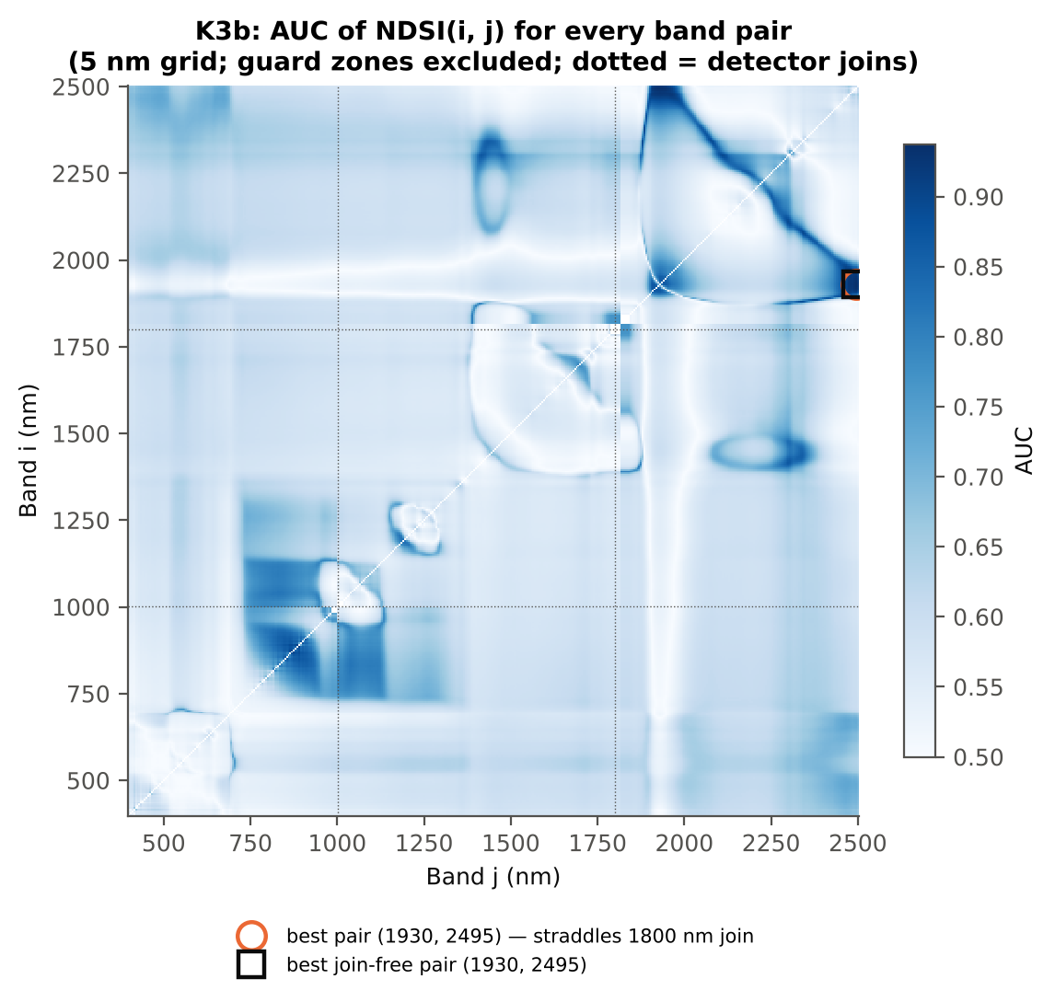

Cross-checks for this step
Step | What was checked | Method | Result | Status
K3b | NDSI vs simple ratio | AUC of NDSI and Ri/Rj on 1998 random pairs | max |ΔAUC| = 0.0e+00 | PASS
K3b | Selection optimism | search repeated inside training plots | honest BA 87.7 % (CV) / 85.5 % (hold-out) vs 88.5 % on all leaves | PASS
K3b | Best pair straddles a detector join? | pairs with one band on each side of the 1000/1001 or 1800/1801 nm join (within 100 nm) excluded and the search repeated | all-pair best NDSI(1928,2493) does not straddle a join (same as the join-free search); join-free best NDSI(1928,2493) (AUC 0.939; honest BA 87.7 % CV) | PASS

19_K4_Derivatives
...
Table K4.3 Twenty derivative-based edge parameters, ranked by AUC
Dy (yellow-edge amplitude) | -0.0035 | -0.0034 | 2.8745 | 0.0252 | 0.4210 | 0.5962 | D > H | -0.0034 | diseased if > thr
SDr/SDy | -6.4874 | -6.6872 | -2.7371 | 0.0290 | -0.3527 | 0.5938 | D < H | -6.6302 | diseased if < thr
(SDr − SDy)/(SDr + SDy) | 1.3684 | 1.3551 | -2.6789 | 0.0290 | -0.3694 | 0.5938 | D < H | 1.3552 | diseased if < thr
SDr (red-edge area) | 0.5426 | 0.5344 | -1.4370 | 0.2568 | -0.2099 | 0.5929 | D < H | 0.5335 | diseased if < thr
Dr = REV (red-edge amplitude) | 0.0134 | 0.0132 | -1.5903 | 0.2304 | -0.2318 | 0.5773 | D < H | 0.0143 | diseased if < thr
Ro (red well reflectance) | 0.0977 | 0.0948 | -1.7262 | 0.2037 | -0.2465 | 0.5614 | D < H | 0.1004 | diseased if < thr
Db (blue-edge amplitude) | 0.0042 | 0.0041 | -1.8394 | 0.1975 | -0.2713 | 0.5577 | D < H | 0.0050 | diseased if < thr
λb (blue-edge position, nm) | 522.29 | 522.16 | -1.7009 | 0.2037 | -0.1969 | 0.5453 | D < H | 521.50 | diseased if < thr
SDb (blue-edge area) | 0.0764 | 0.0737 | -1.2691 | 0.3194 | -0.1839 | 0.5446 | D < H | 0.0711 | diseased if < thr
λo (red well position, nm) | 672.60 | 672.21 | -1.4998 | 0.2479 | -0.1703 | 0.5392 | D < H | 670.50 | diseased if < thr
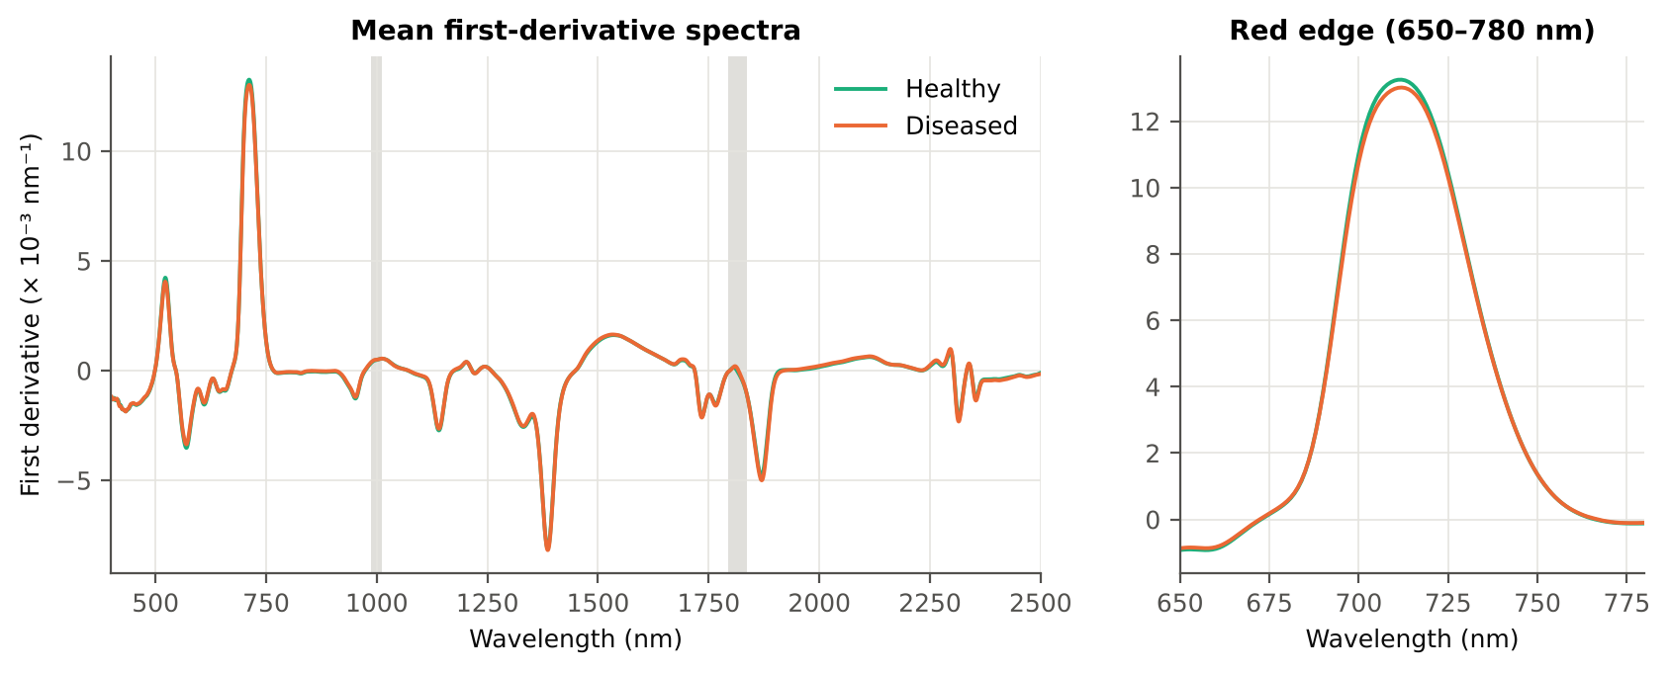
SDr/SDb | 7.3944 | 7.8505 | 1.0771 | 0.3885 | 0.0684 | 0.5333 | D > H | 7.5300 | diseased if > thr
(SDr − SDb)/(SDr + SDb) | 0.7546 | 0.7590 | 0.8197 | 0.4962 | 0.1102 | 0.5333 | D > H | 0.7655 | diseased if > thr
Rg/Ro | 2.7724 | 2.7253 | -1.0615 | 0.3885 | -0.1643 | 0.5259 | D < H | 3.0198 | diseased if < thr
(Rg − Ro)/(Rg + Ro) | 0.4653 | 0.4603 | -0.8071 | 0.4962 | -0.1209 | 0.5259 | D < H | 0.5025 | diseased if < thr
λr = REP (red-edge position, nm) | 711.35 | 711.58 | 0.5474 | 0.6503 | 0.0696 | 0.5236 | D > H | 713.50 | diseased if > thr
λg (green peak position, nm) | 546.40 | 546.40 | 0.0037 | 0.9970 | 4.970E-04 | 0.5201 | D < H | 549.50 | diseased if < thr
REP, linear 4-point (nm) | 717.01 | 717.04 | 0.2294 | 0.8621 | 0.0290 | 0.5151 | D > H | 716.59 | diseased if > thr
...

20_K4b_REIP
...
Table K4b.3 REIP shift by date, growth stage and variety
Stratum | Level | Method | n healthy | n diseased | Mean REIP healthy (nm) | Mean REIP diseased (nm) | Shift D − H (nm) | Welch p | AUC
Date | 11-02-2026 | REIP – maximum first derivative | 72 | 356 | 711.35 | 711.58 | 0.2314 | 0.5853 | 0.5236
Date | 11-02-2026 | REIP – linear 4-point interpolation | 72 | 356 | 717.01 | 717.04 | 0.0296 | 0.8190 | 0.5151
Date | 11-02-2026 | REIP – Lagrangian interpolation | 72 | 356 | 711.37 | 711.59 | 0.2267 | 0.5921 | 0.5216
Date | 11-02-2026 | REIP – linear extrapolation | 72 | 356 | 711.45 | 711.71 | 0.2540 | 0.6539 | 0.5129
Growth stage | Flowering | REIP – maximum first derivative | 9 | 45 | 712.78 | 713.04 | 0.2667 | 0.7824 | 0.5938
Growth stage | Flowering | REIP – linear 4-point interpolation | 9 | 45 | 717.30 | 717.25 | -0.0495 | 0.8860 | 0.5457
Growth stage | Flowering | REIP – Lagrangian interpolation | 9 | 45 | 712.75 | 713.04 | 0.2924 | 0.7429 | 0.6272
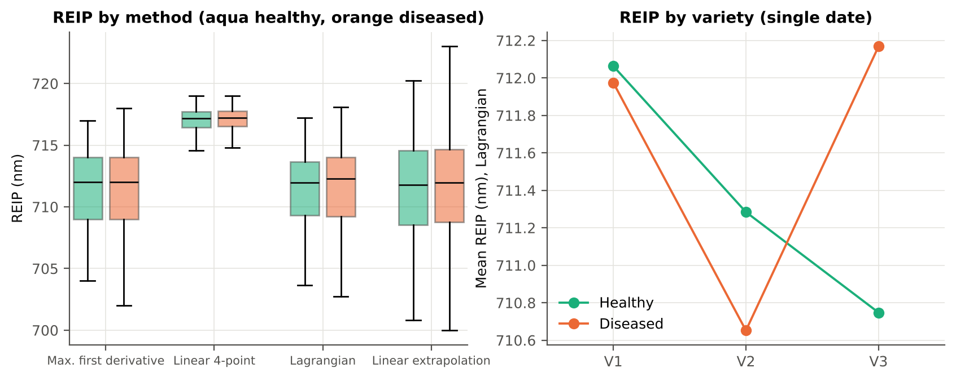
Growth stage | Flowering | REIP – linear extrapolation | 9 | 45 | 713.78 | 714.43 | 0.6566 | 0.6525 | 0.5383
Growth stage | Vegetative | REIP – maximum first derivative | 63 | 311 | 711.14 | 711.37 | 0.2237 | 0.6268 | 0.5205
Growth stage | Vegetative | REIP – linear 4-point interpolation | 63 | 311 | 716.97 | 717.01 | 0.0406 | 0.7716 | 0.5186
Growth stage | Vegetative | REIP – Lagrangian interpolation | 63 | 311 | 711.17 | 711.38 | 0.2147 | 0.6422 | 0.5164
Growth stage | Vegetative | REIP – linear extrapolation | 63 | 311 | 711.12 | 711.31 | 0.1914 | 0.7505 | 0.5138
Variety | V1 | REIP – maximum first derivative | 24 | 120 | 712.08 | 711.98 | -0.1083 | 0.8789 | 0.5064
Variety | V1 | REIP – linear 4-point interpolation | 24 | 120 | 717.24 | 717.08 | -0.1585 | 0.4712 | 0.5372
Variety | V1 | REIP – Lagrangian interpolation | 24 | 120 | 712.06 | 711.97 | -0.0888 | 0.9003 | 0.5139
Variety | V1 | REIP – linear extrapolation | 24 | 120 | 712.57 | 712.29 | -0.2791 | 0.7794 | 0.5236
Variety | V2 | REIP – maximum first derivative | 24 | 120 | 711.29 | 710.63 | -0.6583 | 0.3773 | 0.5497
Variety | V2 | REIP – linear 4-point interpolation | 24 | 120 | 716.98 | 716.75 | -0.2301 | 0.3077 | 0.5503
Variety | V2 | REIP – Lagrangian interpolation | 24 | 120 | 711.28 | 710.65 | -0.6321 | 0.3790 | 0.5510
Variety | V2 | REIP – linear extrapolation | 24 | 120 | 711.16 | 710.33 | -0.8312 | 0.3788 | 0.5483
Variety | V3 | REIP – maximum first derivative | 24 | 116 | 710.67 | 712.15 | 1.4799 | 0.0557 | 0.6185
Variety | V3 | REIP – linear 4-point interpolation | 24 | 116 | 716.81 | 717.30 | 0.4863 | 0.0412 | 0.6376
Variety | V3 | REIP – Lagrangian interpolation | 24 | 116 | 710.75 | 712.17 | 1.4204 | 0.0751 | 0.6042
Variety | V3 | REIP – linear extrapolation | 24 | 116 | 710.63 | 712.53 | 1.8996 | 0.0645 | 0.6099

21_K6_Correlation
...
r(λ) = Pearson correlation between the band value and the 0/1 disease status (point-biserial r), for the smoothed reflectance and the first derivative, on all leaves and separately on each date. r is a monotone function of Student's t, so the ranking matches Tier 1; the per-date curves show whether the sign is stable over time (this subset has a single date).
First derivative | 400–499 | 483.00 | 0.1566 | 0.0036 | yes
First derivative | 500–599 | 588.00 | 0.1720 | 0.0013 | yes
First derivative | 600–679 | 625.00 | 0.1889 | 3.613E-04 | yes
First derivative | 680–759 | 706.00 | -0.0948 | 0.0886 | yes
First derivative | 760–1349 | 872.00 | 0.5564 | 7.789E-33 | yes
First derivative | 1350–1430 | 1350.00 | 0.1988 | 1.583E-04 | yes
First derivative | 1431–1799 | 1727.00 | -0.3004 | 2.128E-09 | yes
First derivative | 1800–1950 | 1917.00 | -0.4554 | 1.188E-21 | yes
First derivative | 1951–2349 | 1951.00 | 0.3945 | 3.767E-16 | yes
First derivative | 2350–2500 | 2479.00 | -0.2315 | 7.366E-06 | yes
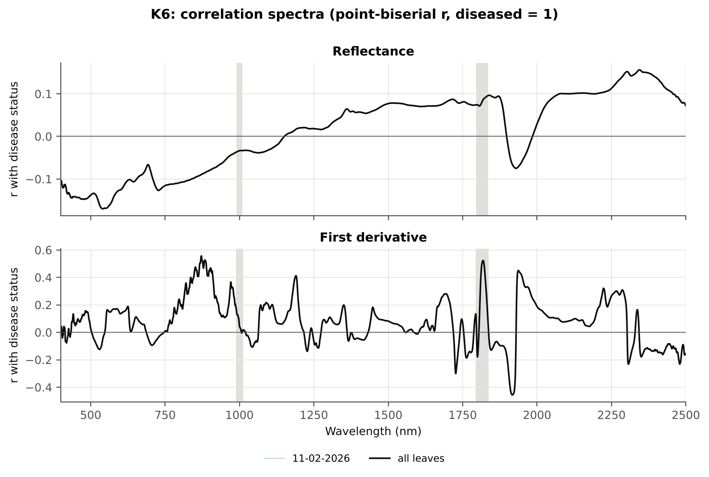

Cross-checks for this step
Step | What was checked | Method | Result | Status
K6 | Correlation vs t-test | |r_pb| vs |Welch t| across bands (Spearman) | ρ = 0.9840 (r_pb is a monotone function of Student's t) | PASS

22_K5_CART_vs_RF
...
Table K5.2 CART vs RF on each feature group (mean over repeats)
K1–K4 combined pool | 4151 | CART | Hold-out | 10 | 86.7% | 4.1% | 0.8705 | 0.6490
K1–K4 combined pool | 4151 | RF | Hold-out | 10 | 91.2% | 5.2% | 0.9685 | 0.7598
K4 incl. guard-zone bands (artefact test) | 2121 | CART | CV | 5 | 88.1% | 1.0% | 0.8876 | 0.6752
K4 incl. guard-zone bands (artefact test) | 2121 | RF | CV | 5 | 95.6% | 0.7% | 0.9943 | 0.8361
K4 incl. guard-zone bands (artefact test) | 2121 | CART | Hold-out | 10 | 86.0% | 5.9% | 0.8778 | 0.6703
K4 incl. guard-zone bands (artefact test) | 2121 | RF | Hold-out | 10 | 94.1% | 4.4% | 0.9876 | 0.8128
K-selected (top 15 non-redundant, chosen inside each training set) | 15 | CART | CV | 5 | 92.3% | 1.8% | 0.9403 | 0.7493
K-selected (top 15 non-redundant, chosen inside each training set) | 15 | RF | CV | 5 | 91.3% | 0.6% | 0.9768 | 0.7602
K-selected (top 15 non-redundant, chosen inside each training set) | 15 | QDA | CV | 5 | 89.5% | 1.0% | 0.9637 | 0.7401
K-selected (top 15 non-redundant, chosen inside each training set) | 15 | CART | Hold-out | 10 | 90.3% | 4.7% | 0.9159 | 0.7057
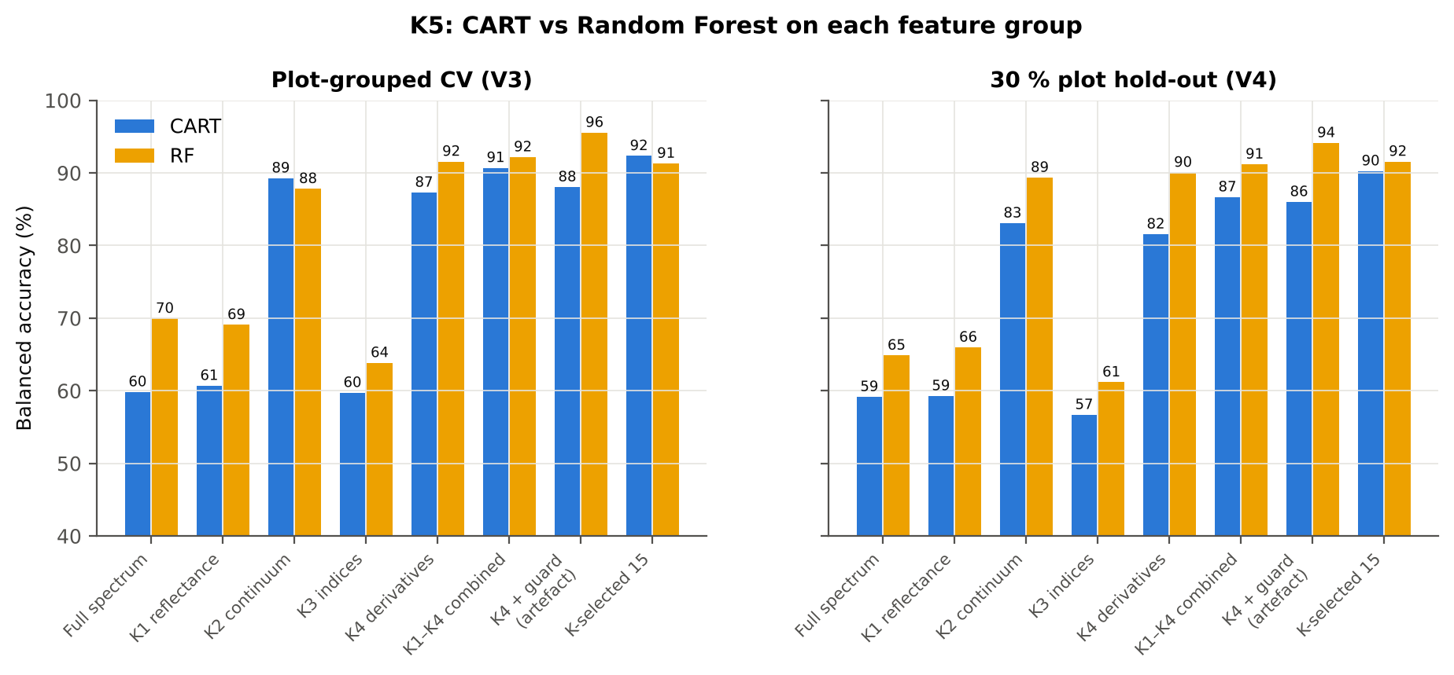
K-selected (top 15 non-redundant, chosen inside each training set) | 15 | RF | Hold-out | 10 | 91.6% | 3.8% | 0.9804 | 0.7878
K-selected (top 15 non-redundant, chosen inside each training set) | 15 | QDA | Hold-out | 10 | 87.8% | 2.5% | 0.9705 | 0.7669

Table K5.3 Paired comparison RF vs CART (same folds)
Feature group | Units | n | RF − CART (BA) | SD | RF better | CART better | Wilcoxon p
Full spectrum (raw reflectance) | CV (50 folds) | 50 | 10.1% | 14.1% | 38 | 12 | 3.754E-05
Full spectrum (raw reflectance) | Hold-out (10 splits) | 10 | 5.7% | 8.5% | 7 | 2 | 0.0742
...

25_C2_Tier2
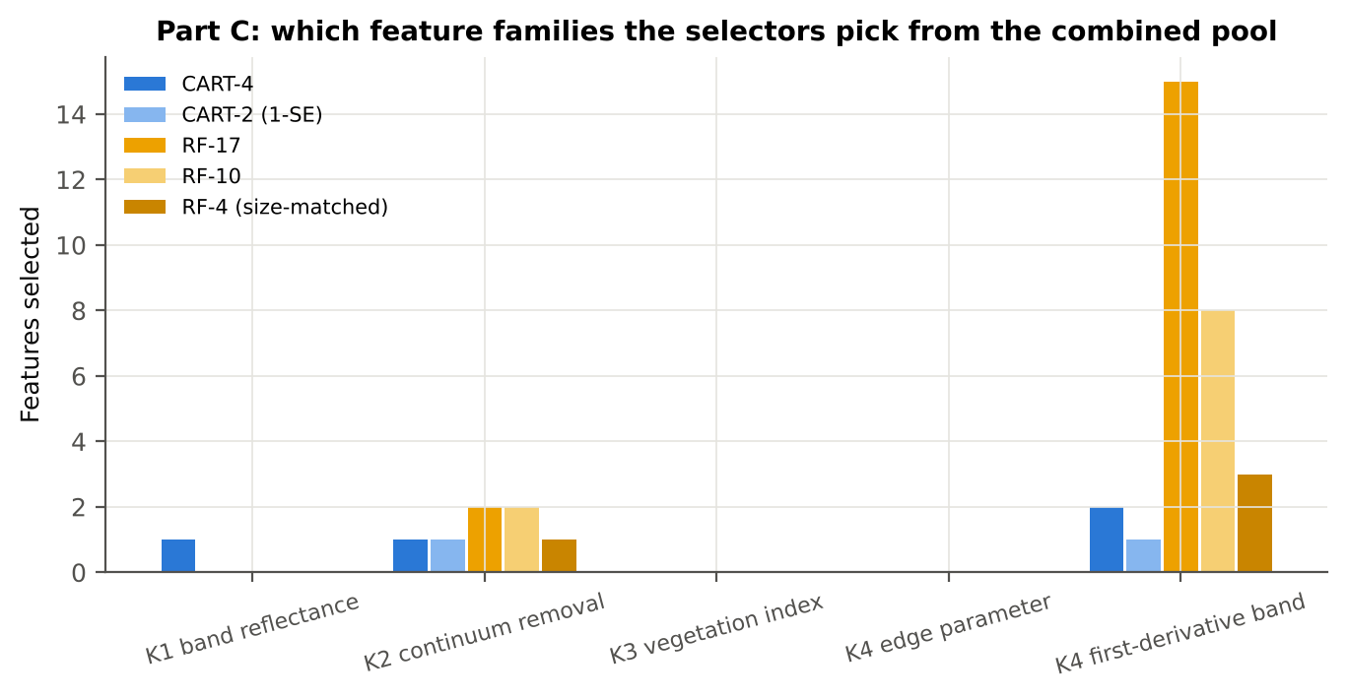
...
Table C2.2 The selected features
D1_871 | K4 first-derivative band | yes |  | -6.686E-05 | -2.639E-05 | 13.73 | 9.025E-22 | 0.8952
R432 | K1 band reflectance | yes |  | 0.2567 | 0.2476 | -2.6793 | 0.0299 | 0.6017
D1_872 | K4 first-derivative band |  | yes | -6.783E-05 | -2.713E-05 | 13.80 | 9.025E-22 | 0.8968
D1_1943 | K4 first-derivative band |  | yes | 7.961E-06 | 3.470E-05 | 11.00 | 1.093E-17 | 0.8679
D1_1916 | K4 first-derivative band |  | yes | 2.026E-05 | -2.550E-05 | -11.50 | 1.553E-18 | 0.8711
D1_885 | K4 first-derivative band |  | yes | -7.279E-05 | -3.390E-05 | 12.24 | 3.638E-19 | 0.8807
D1_1954 | K4 first-derivative band |  | yes | 2.124E-05 | 5.503E-05 | 9.0930 | 1.175E-13 | 0.8175
D1_851 | K4 first-derivative band |  | yes | -4.973E-05 | -1.186E-05 | 12.12 | 1.762E-19 | 0.8543
CR6 water 1940 position | K2 continuum removal |  | yes | 1905.60 | 1911.21 | 11.51 | 4.505E-18 | 0.8568
D1_1906 | K4 first-derivative band |  | yes | -8.449E-05 | -1.799E-04 | -8.1285 | 1.383E-11 | 0.7916
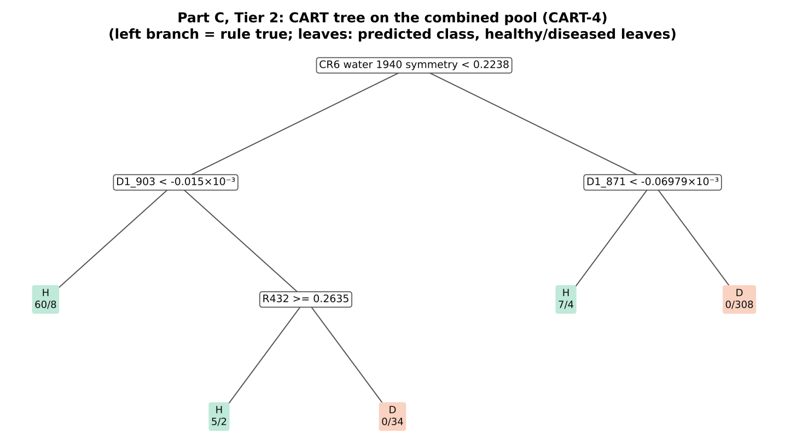
D1_1192 | K4 first-derivative band |  | yes | 1.820E-04 | 2.139E-04 | 10.45 | 8.666E-17 | 0.8193
D1_2228 | K4 first-derivative band |  | yes | 2.651E-06 | 1.681E-05 | 6.9924 | 3.335E-09 | 0.7553
D1_1971 | K4 first-derivative band |  | yes | 6.188E-05 | 1.101E-04 | 8.1387 | 1.213E-11 | 0.7887
D1_1726 | K4 first-derivative band |  | yes | -0.0011 | -0.0011 | -5.8901 | 7.920E-07 | 0.7870
D1_1927 | K4 first-derivative band |  | yes | 2.699E-05 | 1.866E-05 | -6.2148 | 1.953E-07 | 0.7429
D1_2281 | K4 first-derivative band |  | yes | 2.129E-04 | 2.773E-04 | 6.7909 | 9.826E-09 | 0.7615
D1_2337 | K4 first-derivative band |  | yes | 2.522E-04 | 3.024E-04 | 3.3873 | 0.0055 | 0.6378

Table C2.3 Tree nodes (rpart frame)
Node | Depth | Split variable | Rule | Leaves | Healthy | Diseased | Predicted class
1 | 0 | CR6 water 1940 symmetry | root | 428 | 72 | 356 | H
2 | 1 | D1_903 | CR6 water 1940 symmetry< 0.2238 | 109 | 65 | 44 | H
4 | 2 | leaf | D1_903< -1.5e-05 | 68 | 60 | 8 | H
5 | 2 | R432 | D1_903>=-1.5e-05 | 41 | 5 | 36 | D
10 | 3 | leaf | R432>=0.2635 | 7 | 5 | 2 | H
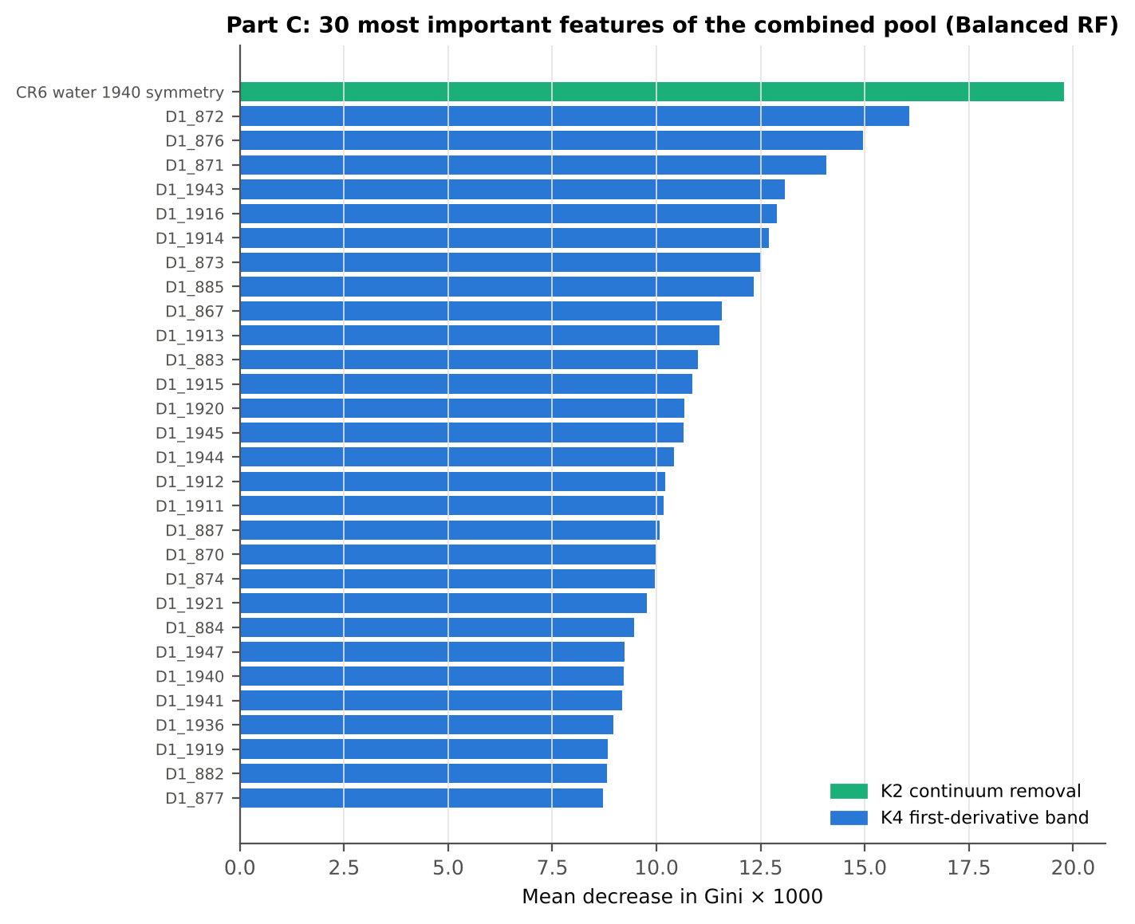
11 | 3 | leaf | R432< 0.2635 | 34 | 0 | 34 | D
3 | 1 | D1_871 | CR6 water 1940 symmetry>=0.2238 | 319 | 7 | 312 | D
6 | 2 | leaf | D1_871< -6.979e-05 | 11 | 7 | 4 | H
7 | 2 | leaf | D1_871>=-6.979e-05 | 308 | 0 | 308 | D

Table C2.4 Complexity-parameter table (plot-grouped CV)
CP | nsplit | rel error | xerror | xstd
0.7792 | 0.0000 | 1.0000 | 1.1067 | 0.0761
0.0860 | 1.0000 | 0.2208 | 0.2459 | 0.0422
0.0478 | 2.0000 | 0.1348 | 0.2043 | 0.0353
0.0100 | 4.0000 | 0.0393 | 0.1703 | 0.0386

26_C3_Tier3_JM
...
Table C3.2 J–M and QDA BA as features are added
7 | D1_851 | 1.6591 | 93.3%
8 | D1_903 | 1.6766 | 92.6%
9 | CR6 water 1940 position | 1.7376 | 93.0%
10 | D1_1906 | 1.7964 | 93.7%
11 | D1_1192 | 1.8226 | 93.6%
12 | D1_2228 | 1.8433 | 91.3%
13 | D1_1971 | 1.8730 | 92.5%
14 | D1_1726 | 1.8852 | 92.2%
15 | D1_1927 | 1.8962 | 91.4%
16 | D1_2281 | 1.9138 | 91.4%
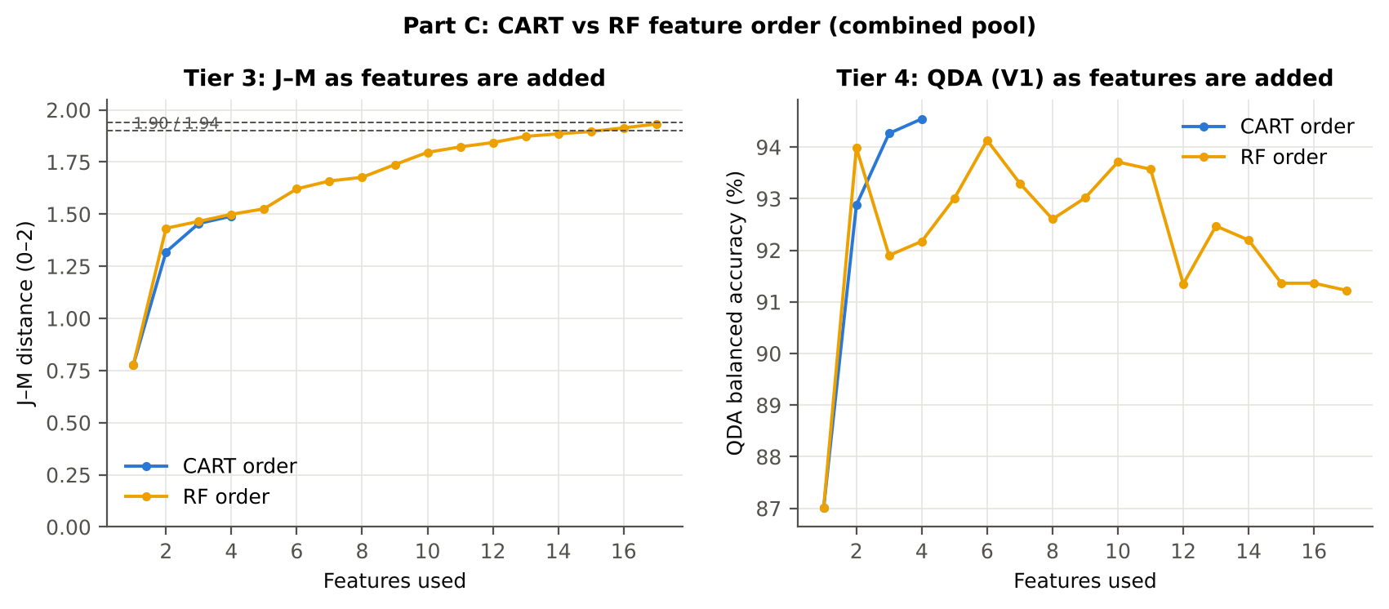
17 | D1_2337 | 1.9323 | 91.2%

28_C5_Validation
...
Result in brief
RF classifier | V1 | 1 | 93.2% | 93.2% |  | 0.7809 | 0.9866 | 93.1% | 93.3% | 73.6% | 98.5%
RF classifier | V3 | 5 | 92.5% | 91.8% | 0.7% | 0.7568 | 0.9762 | 90.8% | 92.8% | 71.9% | 98.0%
RF classifier | V4 | 10 | 90.9% | 90.8% | 5.1% | 0.7471 | 0.9707 | 90.9% | 90.6% | 74.4% | 97.8%
RF classifier | V5 | 1 | 92.1% | 93.6% |  | 0.7543 | 0.9795 | 95.8% | 91.3% | 69.0% | 99.1%
QDA on CART features | V1 | 1 | 93.7% | 94.5% |  | 0.7981 | 0.9845 | 95.8% | 93.3% | 74.2% | 99.1%
QDA on CART features | V3 | 5 | 91.9% | 92.1% | 1.1% | 0.7435 | 0.9740 | 92.5% | 91.7% | 69.4% | 98.4%
QDA on CART features | V4 | 10 | 90.8% | 90.5% | 3.2% | 0.7465 | 0.9711 | 90.2% | 90.9% | 75.5% | 97.7%
QDA on CART features | V5 | 1 | 90.9% | 90.6% |  | 0.7140 | 0.9743 | 90.3% | 91.0% | 67.0% | 97.9%
QDA on RF features | V1 | 1 | 93.7% | 91.2% |  | 0.7853 | 0.9846 | 87.5% | 94.9% | 77.8% | 97.4%
QDA on RF features | V3 | 5 | 92.7% | 88.3% | 0.8% | 0.7464 | 0.9685 | 81.7% | 94.9% | 76.7% | 96.2%
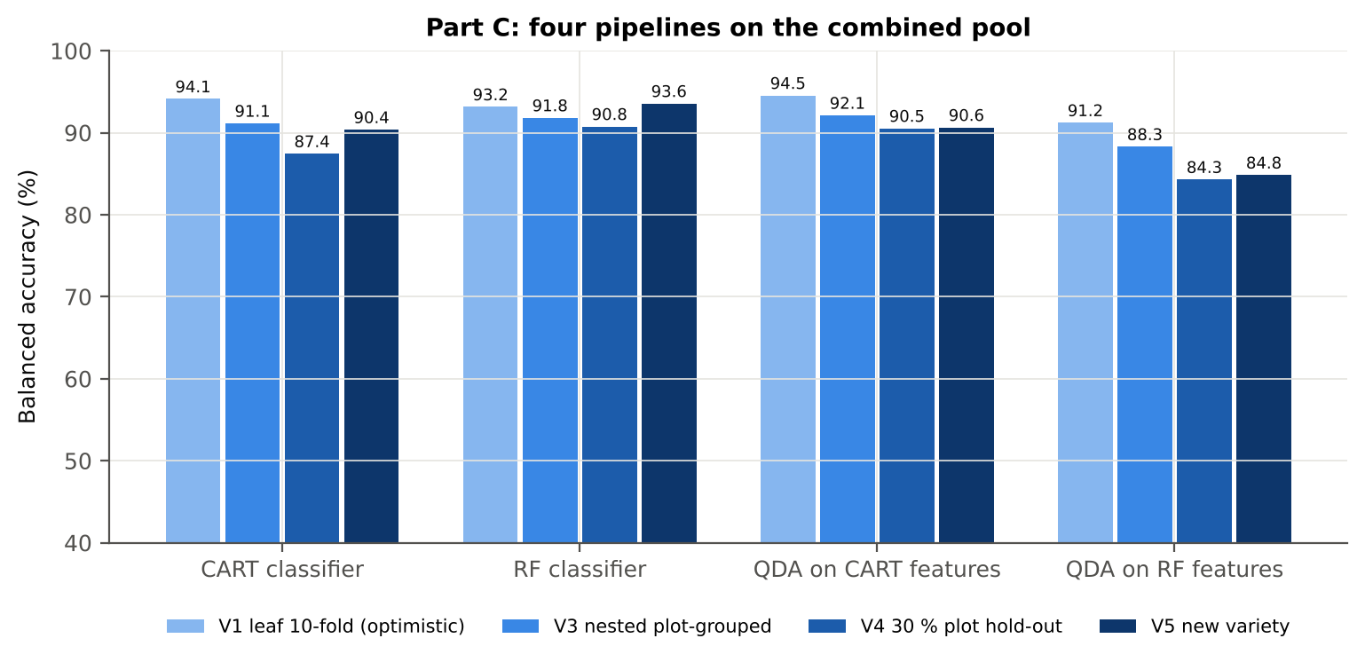
QDA on RF features | V4 | 10 | 92.2% | 84.3% | 6.9% | 0.7274 | 0.9712 | 71.6% | 97.0% | 88.1% | 93.6%
QDA on RF features | V5 | 1 | 92.3% | 84.8% |  | 0.7166 | 0.9647 | 73.6% | 96.1% | 79.1% | 94.7%

Table C5.2 Paired comparisons within this pool
Comparison | Units | n | Mean difference | SD | First better | Second better | Ties | Wilcoxon p
RF classifier − CART classifier | V3 nested (folds) | 50 | 0.5% | 7.6% | 23 | 19 | 8 | 0.9203
RF classifier − CART classifier | V4 hold-out (splits) | 10 | 3.3% | 6.8% | 9 | 1 | 0 | 0.0840
QDA on RF features − QDA on CART features | V3 nested (folds) | 50 | -4.2% | 8.0% | 13 | 26 | 11 | 0.0017
...

29_C6_Stability
...
Table C6.4 Re-selection of the all-leaf RF features
Feature | Type | Re-selected by CART (±10 nm) | Re-selected by RF (±10 nm)
CR6 water 1940 symmetry | K2 continuum removal | 100.0% | 100.0%
D1_872 | K4 first-derivative band | 90.0% | 100.0%
D1_1943 | K4 first-derivative band | 8.0% | 100.0%
D1_1916 | K4 first-derivative band | 6.0% | 100.0%
D1_885 | K4 first-derivative band | 0.0% | 100.0%
D1_1954 | K4 first-derivative band | 8.0% | 100.0%
D1_851 | K4 first-derivative band | 4.0% | 100.0%
D1_903 | K4 first-derivative band | 92.0% | 100.0%
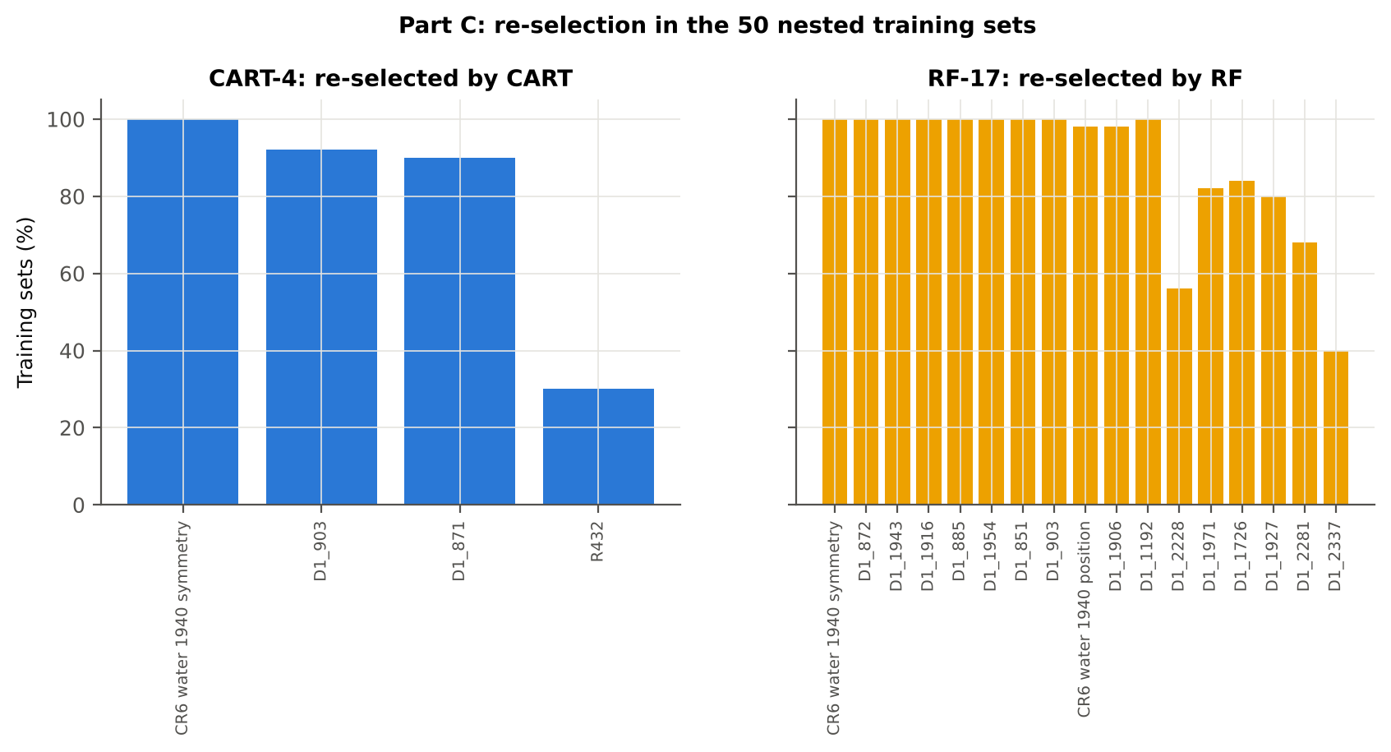
CR6 water 1940 position | K2 continuum removal | 0.0% | 98.0%
D1_1906 | K4 first-derivative band | 0.0% | 98.0%
D1_1192 | K4 first-derivative band | 0.0% | 100.0%
D1_2228 | K4 first-derivative band | 0.0% | 56.0%
D1_1971 | K4 first-derivative band | 0.0% | 82.0%
D1_1726 | K4 first-derivative band | 0.0% | 84.0%
D1_1927 | K4 first-derivative band | 6.0% | 80.0%
D1_2281 | K4 first-derivative band | 0.0% | 68.0%
D1_2337 | K4 first-derivative band | 0.0% | 40.0%
...

31_V5_Transfer
...
Result in brief
Reflectance (Part A) | QDA on CART features | V1 | 1 | 1 | 144.00 | 61.7%
Reflectance (Part A) | QDA on CART features | V2 | 1 | 1 | 144.00 | 78.3%
Reflectance (Part A) | QDA on CART features | V3 | 1 | 1 | 140.00 | 90.7%
Reflectance (Part A) | QDA on RF features | V1 | 1 | 1 | 144.00 | 63.3%
Reflectance (Part A) | QDA on RF features | V2 | 1 | 1 | 144.00 | 72.1%
Reflectance (Part A) | QDA on RF features | V3 | 1 | 1 | 140.00 | 79.3%
Combined pool (Part C) | CART classifier | V1 | 1 | 1 | 144.00 | 87.5%
Combined pool (Part C) | CART classifier | V2 | 1 | 1 | 144.00 | 93.3%
Combined pool (Part C) | CART classifier | V3 | 1 | 1 | 140.00 | 90.2%
Combined pool (Part C) | RF classifier | V1 | 1 | 1 | 144.00 | 94.6%
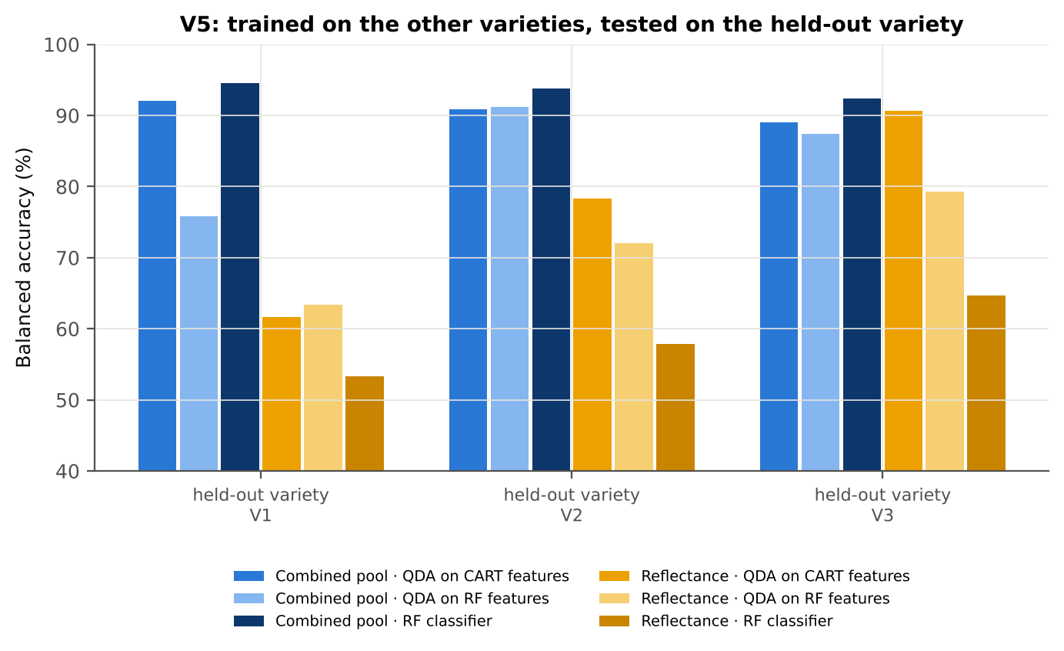
Combined pool (Part C) | RF classifier | V2 | 1 | 1 | 144.00 | 93.8%
Combined pool (Part C) | RF classifier | V3 | 1 | 1 | 140.00 | 92.4%
Combined pool (Part C) | QDA on CART features | V1 | 1 | 1 | 144.00 | 92.1%
Combined pool (Part C) | QDA on CART features | V2 | 1 | 1 | 144.00 | 90.8%
Combined pool (Part C) | QDA on CART features | V3 | 1 | 1 | 140.00 | 89.1%
Combined pool (Part C) | QDA on RF features | V1 | 1 | 1 | 144.00 | 75.8%
Combined pool (Part C) | QDA on RF features | V2 | 1 | 1 | 144.00 | 91.3%
Combined pool (Part C) | QDA on RF features | V3 | 1 | 1 | 140.00 | 87.4%

37_ChartData
...
Figure 3. Mean reflectance (healthy vs diseased)
 | Mean healthy | Mean diseased
400.00 | 0.3041 | 0.2959
401.00 | 0.3018 | 0.2944
402.00 | 0.3022 | 0.2941
403.00 | 0.3010 | 0.2927
404.00 | 0.2996 | 0.2916
405.00 | 0.2989 | 0.2908
406.00 | 0.2973 | 0.2871
407.00 | 0.2954 | 0.2859
408.00 | 0.2937 | 0.2858
409.00 | 0.2921 | 0.2835
410.00 | 0.2904 | 0.2819
411.00 | 0.2898 | 0.2814
412.00 | 0.2899 | 0.2815
413.00 | 0.2888 | 0.2804
414.00 | 0.2866 | 0.2787
415.00 | 0.2843 | 0.2766
416.00 | 0.2828 | 0.2745
417.00 | 0.2820 | 0.2738
418.00 | 0.2812 | 0.2725
419.00 | 0.2800 | 0.2705
420.00 | 0.2780 | 0.2692
421.00 | 0.2762 | 0.2672
422.00 | 0.2748 | 0.2653
423.00 | 0.2732 | 0.2640
424.00 | 0.2703 | 0.2617
425.00 | 0.2689 | 0.2601
426.00 | 0.2683 | 0.2591
427.00 | 0.2661 | 0.2578
428.00 | 0.2642 | 0.2557
429.00 | 0.2622 | 0.2532
430.00 | 0.2601 | 0.2507
431.00 | 0.2581 | 0.2489
432.00 | 0.2567 | 0.2479
433.00 | 0.2552 | 0.2465
434.00 | 0.2530 | 0.2440
435.00 | 0.2517 | 0.2423
436.00 | 0.2497 | 0.2404
437.00 | 0.2470 | 0.2381
438.00 | 0.2450 | 0.2363
439.00 | 0.2436 | 0.2348
440.00 | 0.2422 | 0.2334
441.00 | 0.2404 | 0.2319
442.00 | 0.2387 | 0.2301
443.00 | 0.2370 | 0.2282
444.00 | 0.2353 | 0.2266
445.00 | 0.2340 | 0.2254
446.00 | 0.2323 | 0.2239
447.00 | 0.2308 | 0.2223
448.00 | 0.2294 | 0.2209
449.00 | 0.2279 | 0.2193
...
−log10 q mixed model | q = 0.05 line | RF importance × 1000 | K1 AUC | D1 AUC
0.3821 | 1.3010 | 0.0000 | 0.5762 | 0.5339
0.3489 | 1.3010 | 0.0000 | 0.5736 | 0.5275
0.3879 | 1.3010 | 0.0000 | 0.5752 | 0.5337
0.3913 | 1.3010 | 0.0000 | 0.5797 | 0.5164
0.3815 | 1.3010 | 0.0000 | 0.5812 | 0.5140
0.3821 | 1.3010 | 0.0000 | 0.5846 | 0.5293
0.3913 | 1.3010 | 0.0000 | 0.5852 | 0.5226
0.3913 | 1.3010 | 0.0000 | 0.5855 | 0.5191
0.3780 | 1.3010 | 0.0000 | 0.5841 | 0.5075
0.3913 | 1.3010 | 0.0000 | 0.5834 | 0.5211
0.3913 | 1.3010 | 0.0000 | 0.5819 | 0.5442
0.3889 | 1.3010 | 0.0000 | 0.5773 | 0.5419
0.3913 | 1.3010 | 0.0000 | 0.5769 | 0.5297
0.3913 | 1.3010 | 0.0000 | 0.5780 | 0.5375
0.3789 | 1.3010 | 0.0000 | 0.5764 | 0.5039
0.3780 | 1.3010 | 0.0000 | 0.5768 | 0.5453
0.3913 | 1.3010 | 0.0000 | 0.5779 | 0.5459
0.3889 | 1.3010 | 0.0000 | 0.5806 | 0.5451
0.3913 | 1.3010 | 0.0000 | 0.5838 | 0.5465
Figure 5b. −log10(p) against wavelength
 | −log10 p Welch | −log10 q Welch | −log10 q mixed model | q = 0.05 line
400.00 | 1.4309 | 0.9859 | 0.3821 | 1.3010
401.00 | 1.2395 | 0.8650 | 0.3489 | 1.3010
402.00 | 1.4290 | 0.9846 | 0.3879 | 1.3010
403.00 | 1.4642 | 0.9949 | 0.3913 | 1.3010
404.00 | 1.3813 | 0.9635 | 0.3815 | 1.3010
405.00 | 1.3847 | 0.9653 | 0.3821 | 1.3010
406.00 | 2.0157 | 1.2145 | 0.3913 | 1.3010
407.00 | 1.8237 | 1.0875 | 0.3913 | 1.3010
408.00 | 1.3369 | 0.9351 | 0.3780 | 1.3010
409.00 | 1.5079 | 1.0048 | 0.3913 | 1.3010
410.00 | 1.5120 | 1.0048 | 0.3913 | 1.3010
411.00 | 1.4841 | 0.9985 | 0.3889 | 1.3010
412.00 | 1.5090 | 1.0048 | 0.3913 | 1.3010
413.00 | 1.5313 | 1.0076 | 0.3913 | 1.3010
414.00 | 1.4070 | 0.9738 | 0.3789 | 1.3010
415.00 | 1.3582 | 0.9495 | 0.3780 | 1.3010
416.00 | 1.5309 | 1.0076 | 0.3913 | 1.3010
417.00 | 1.4760 | 0.9962 | 0.3889 | 1.3010
418.00 | 1.6386 | 1.0308 | 0.3913 | 1.3010
419.00 | 1.9130 | 1.1481 | 0.3913 | 1.3010
420.00 | 1.7296 | 1.0308 | 0.3913 | 1.3010
421.00 | 1.8233 | 1.0875 | 0.3913 | 1.3010
422.00 | 1.9763 | 1.1954 | 0.3913 | 1.3010
423.00 | 1.9359 | 1.1662 | 0.3913 | 1.3010
424.00 | 1.7404 | 1.0337 | 0.3913 | 1.3010
425.00 | 1.8236 | 1.0875 | 0.3913 | 1.3010
426.00 | 1.9604 | 1.1850 | 0.3913 | 1.3010
427.00 | 1.7221 | 1.0308 | 0.3913 | 1.3010
428.00 | 1.7850 | 1.0636 | 0.3913 | 1.3010
429.00 | 1.9816 | 1.1982 | 0.3913 | 1.3010
430.00 | 2.1099 | 1.2288 | 0.3913 | 1.3010
431.00 | 2.0473 | 1.2232 | 0.3913 | 1.3010
432.00 | 1.9647 | 1.1875 | 0.3913 | 1.3010
433.00 | 1.9597 | 1.1850 | 0.3913 | 1.3010
434.00 | 2.0708 | 1.2232 | 0.3913 | 1.3010
435.00 | 2.1999 | 1.2368 | 0.3913 | 1.3010
436.00 | 2.1956 | 1.2368 | 0.3913 | 1.3010
437.00 | 2.0779 | 1.2232 | 0.3913 | 1.3010
438.00 | 2.0286 | 1.2148 | 0.3913 | 1.3010
439.00 | 2.0619 | 1.2232 | 0.3913 | 1.3010
440.00 | 2.0696 | 1.2232 | 0.3913 | 1.3010
441.00 | 1.9974 | 1.2052 | 0.3913 | 1.3010
442.00 | 2.0322 | 1.2161 | 0.3913 | 1.3010
443.00 | 2.0819 | 1.2234 | 0.3913 | 1.3010
444.00 | 2.0885 | 1.2234 | 0.3913 | 1.3010
445.00 | 2.0252 | 1.2148 | 0.3913 | 1.3010
446.00 | 2.0069 | 1.2112 | 0.3913 | 1.3010
447.00 | 2.0198 | 1.2148 | 0.3913 | 1.3010
448.00 | 2.0387 | 1.2187 | 0.3913 | 1.3010
449.00 | 2.0567 | 1.2232 | 0.3913 | 1.3010
...
0.3913 | 1.3010 | 0.0000 | 0.5884 | 0.5496
0.3913 | 1.3010 | 0.0000 | 0.5911 | 0.5442
0.3913 | 1.3010 | 0.0000 | 0.5921 | 0.5345
0.3913 | 1.3010 | 0.0000 | 0.5942 | 0.5247
0.3913 | 1.3010 | 0.0000 | 0.5942 | 0.5124
0.3913 | 1.3010 | 0.0000 | 0.5927 | 0.5024
0.3913 | 1.3010 | 0.0000 | 0.5935 | 0.5222
0.3913 | 1.3010 | 0.0000 | 0.5939 | 0.5352
0.3913 | 1.3010 | 0.0000 | 0.5944 | 0.5171
0.3913 | 1.3010 | 0.0000 | 0.5958 | 0.5090
0.3913 | 1.3010 | 0.0000 | 0.5976 | 0.5015
0.3913 | 1.3010 | 0.0000 | 0.5976 | 0.5109
0.3913 | 1.3010 | 0.0000 | 0.5990 | 0.5183
0.3913 | 1.3010 | 0.0000 | 0.6017 | 0.5076
0.3913 | 1.3010 | 0.0000 | 0.6035 | 0.5014
0.3913 | 1.3010 | 0.0000 | 0.6046 | 0.5015
0.3913 | 1.3010 | 0.0000 | 0.6048 | 0.5325
0.3913 | 1.3010 | 0.0000 | 0.6055 | 0.5587
0.3913 | 1.3010 | 0.0000 | 0.6057 | 0.5636
0.3913 | 1.3010 | 0.0000 | 0.6051 | 0.5604
Figure 5. Balanced subsets with a significant difference (%)
 | Balanced subsets significant (%)
400.00 | 4.2000
401.00 | 2.6000
402.00 | 3.4000
403.00 | 4.1000
404.00 | 3.7000
405.00 | 3.6000
406.00 | 10.7000
407.00 | 8.7000
408.00 | 3.1000
409.00 | 5.1000
410.00 | 5.5000
411.00 | 5.1000
412.00 | 5.4000
413.00 | 6.0000
414.00 | 4.4000
415.00 | 3.9000
416.00 | 6.2000
417.00 | 5.4000
418.00 | 8.1000
419.00 | 10.9000
420.00 | 9.2000
421.00 | 9.8000
422.00 | 11.6000
423.00 | 11.0000
424.00 | 9.4000
425.00 | 10.3000
426.00 | 11.5000
427.00 | 9.2000
428.00 | 9.9000
429.00 | 11.7000
430.00 | 13.2000
431.00 | 12.8000
432.00 | 11.9000
433.00 | 11.8000
434.00 | 13.1000
435.00 | 13.3000
436.00 | 13.3000
437.00 | 13.1000
438.00 | 12.8000
439.00 | 13.0000
440.00 | 13.1000
441.00 | 12.5000
442.00 | 13.0000
443.00 | 13.1000
444.00 | 13.1000
445.00 | 12.9000
446.00 | 12.9000
447.00 | 13.0000
448.00 | 13.1000
449.00 | 13.2000
...
0.3913 | 1.3010 | 0.0000 | 0.6039 | 0.5675
0.3913 | 1.3010 | 0.0000 | 0.6026 | 0.5866
0.3913 | 1.3010 | 0.0000 | 0.6022 | 0.6061
0.3913 | 1.3010 | 0.0000 | 0.6025 | 0.6059
0.3913 | 1.3010 | 0.0000 | 0.6028 | 0.5877
0.3913 | 1.3010 | 0.0000 | 0.6023 | 0.5672
0.3913 | 1.3010 | 0.0000 | 0.6026 | 0.5599
0.3913 | 1.3010 | 0.0000 | 0.6031 | 0.5627
0.3913 | 1.3010 | 0.0000 | 0.6029 | 0.5650
0.3913 | 1.3010 | 0.0000 | 0.6027 | 0.5543
0.3913 | 1.3010 | 0.0000 | 0.6030 | 0.5673
0.3913 | 1.3010 | 0.0000 | 0.6032 | 0.5714
0.3913 | 1.3010 | 0.0000 | 0.6036 | 0.5650
0.3913 | 1.3010 | 0.0000 | 0.6034 | 0.5616
0.3913 | 1.3010 | 0.0000 | 0.6036 | 0.5663
0.3913 | 1.3010 | 0.0000 | 0.6036 | 0.5743
0.3913 | 1.3010 | 0.0000 | 0.6041 | 0.5728
0.3913 | 1.3010 | 0.0000 | 0.6045 | 0.5745
0.3913 | 1.3010 | 0.0000 | 0.6039 | 0.5750
0.3913 | 1.3010 | 0.0000 | 0.6037 | 0.5705
Figure A1. RF importance spectrum
 | RF importance × 1000
400.00 | 0.0000
401.00 | 0.0000
402.00 | 0.0000
403.00 | 0.0000
404.00 | 0.0000
405.00 | 0.0000
406.00 | 0.0000
407.00 | 0.0000
408.00 | 0.0000
409.00 | 0.0000
410.00 | 0.0000
411.00 | 0.0000
412.00 | 0.0000
413.00 | 0.0000
414.00 | 0.0000
415.00 | 0.0000
416.00 | 0.0000
417.00 | 0.0000
418.00 | 0.0000
419.00 | 0.0000
420.00 | 0.0000
421.00 | 0.0000
422.00 | 0.0000
423.00 | 0.0000
424.00 | 0.0000
425.00 | 0.0000
426.00 | 0.0000
427.00 | 0.0000
428.00 | 0.0000
429.00 | 0.0000
430.00 | 0.0000
431.00 | 0.0000
432.00 | 0.0000
433.00 | 0.0000
434.00 | 0.0000
435.00 | 0.0000
436.00 | 0.0000
437.00 | 0.0000
438.00 | 0.0000
439.00 | 0.0000
440.00 | 0.0000
441.00 | 0.0000
442.00 | 0.0000
443.00 | 0.0000
444.00 | 0.0000
445.00 | 0.0000
446.00 | 0.0000
447.00 | 0.0000
448.00 | 0.0000
449.00 | 0.0000
...
0.3913 | 1.3010 | 0.0000 | 0.6035 | 0.5655
0.3913 | 1.3010 | 0.0000 | 0.6031 | 0.5587
0.3913 | 1.3010 | 0.0000 | 0.6031 | 0.5569
0.3913 | 1.3010 | 0.0000 | 0.6036 | 0.5546
0.3913 | 1.3010 | 0.0000 | 0.6040 | 0.5518
0.3913 | 1.3010 | 0.0000 | 0.6042 | 0.5543
0.3913 | 1.3010 | 0.0000 | 0.6050 | 0.5574
0.3913 | 1.3010 | 0.0000 | 0.6055 | 0.5632
0.3913 | 1.3010 | 0.0000 | 0.6058 | 0.5703
0.3913 | 1.3010 | 0.0000 | 0.6059 | 0.5764
0.3913 | 1.3010 | 0.0000 | 0.6059 | 0.5774
0.3913 | 1.3010 | 0.0000 | 0.6053 | 0.5790
0.3913 | 1.3010 | 0.0000 | 0.6046 | 0.5886
0.3913 | 1.3010 | 0.0000 | 0.6049 | 0.5962
0.3913 | 1.3010 | 0.0000 | 0.6050 | 0.5990
0.3913 | 1.3010 | 0.0000 | 0.6053 | 0.6008
0.3913 | 1.3010 | 0.0000 | 0.6056 | 0.6020
0.3913 | 1.3010 | 0.0000 | 0.6060 | 0.5993
0.3913 | 1.3010 | 0.0000 | 0.6059 | 0.5977
0.3913 | 1.3010 | 0.0000 | 0.6061 | 0.6004
Figure K1. AUC of every band
 | K1 AUC | D1 AUC
400.00 | 0.5762 | 0.5339
401.00 | 0.5736 | 0.5275
402.00 | 0.5752 | 0.5337
403.00 | 0.5797 | 0.5164
404.00 | 0.5812 | 0.5140
405.00 | 0.5846 | 0.5293
406.00 | 0.5852 | 0.5226
407.00 | 0.5855 | 0.5191
408.00 | 0.5841 | 0.5075
409.00 | 0.5834 | 0.5211
410.00 | 0.5819 | 0.5442
411.00 | 0.5773 | 0.5419
412.00 | 0.5769 | 0.5297
413.00 | 0.5780 | 0.5375
414.00 | 0.5764 | 0.5039
415.00 | 0.5768 | 0.5453
416.00 | 0.5779 | 0.5459
417.00 | 0.5806 | 0.5451
418.00 | 0.5838 | 0.5465
419.00 | 0.5884 | 0.5496
420.00 | 0.5911 | 0.5442
421.00 | 0.5921 | 0.5345
422.00 | 0.5942 | 0.5247
423.00 | 0.5942 | 0.5124
424.00 | 0.5927 | 0.5024
425.00 | 0.5935 | 0.5222
426.00 | 0.5939 | 0.5352
427.00 | 0.5944 | 0.5171
428.00 | 0.5958 | 0.5090
429.00 | 0.5976 | 0.5015
430.00 | 0.5976 | 0.5109
431.00 | 0.5990 | 0.5183
432.00 | 0.6017 | 0.5076
433.00 | 0.6035 | 0.5014
434.00 | 0.6046 | 0.5015
435.00 | 0.6048 | 0.5325
436.00 | 0.6055 | 0.5587
437.00 | 0.6057 | 0.5636
438.00 | 0.6051 | 0.5604
439.00 | 0.6039 | 0.5675
440.00 | 0.6026 | 0.5866
441.00 | 0.6022 | 0.6061
442.00 | 0.6025 | 0.6059
443.00 | 0.6028 | 0.5877
444.00 | 0.6023 | 0.5672
445.00 | 0.6026 | 0.5599
446.00 | 0.6031 | 0.5627
447.00 | 0.6029 | 0.5650
448.00 | 0.6027 | 0.5543
449.00 | 0.6030 | 0.5673
...
0.3913 | 1.3010 | 0.0000 | 0.6056 | 0.6007
0.3913 | 1.3010 | 0.0000 | 0.6049 | 0.6071
0.3913 | 1.3010 | 0.0000 | 0.6043 | 0.6156
0.3913 | 1.3010 | 0.0000 | 0.6041 | 0.6225
0.3913 | 1.3010 | 0.0000 | 0.6039 | 0.6210
0.3913 | 1.3010 | 0.0000 | 0.6037 | 0.6130
0.3913 | 1.3010 | 0.0000 | 0.6036 | 0.6099
0.3913 | 1.3010 | 0.0000 | 0.6035 | 0.6116
0.3913 | 1.3010 | 0.0000 | 0.6030 | 0.6122
0.3913 | 1.3010 | 0.0000 | 0.6027 | 0.6089
0.3913 | 1.3010 | 0.0000 | 0.6026 | 0.6080
0.3913 | 1.3010 | 0.0000 | 0.6020 | 0.6092
0.3913 | 1.3010 | 0.0000 | 0.6021 | 0.6019
0.3913 | 1.3010 | 0.0000 | 0.6017 | 0.5939
0.3913 | 1.3010 | 0.0000 | 0.6011 | 0.5797
0.3913 | 1.3010 | 0.0000 | 0.6006 | 0.5664
0.3913 | 1.3010 | 0.0000 | 0.6003 | 0.5607
0.3913 | 1.3010 | 0.0000 | 0.5998 | 0.5536
0.3913 | 1.3010 | 0.0000 | 0.5994 | 0.5430
0.3913 | 1.3010 | 0.0000 | 0.5991 | 0.5327
Figure A3. Balanced accuracy by pipeline and validation scheme (Part A)
0.3913 | 1.3010 | 0.0000 | 0.5995 | 0.5195
0.3913 | 1.3010 | 0.0000 | 0.5994 | 0.5047
0.3913 | 1.3010 | 0.0000 | 0.5995 | 0.5046
0.3913 | 1.3010 | 0.0000 | 0.6005 | 0.5083
0.3913 | 1.3010 | 0.0000 | 0.6014 | 0.5171
0.3913 | 1.3010 | 0.0000 | 0.6014 | 0.5224
0.3913 | 1.3010 | 0.0000 | 0.6018 | 0.5238
0.3913 | 1.3010 | 0.0000 | 0.6032 | 0.5285
0.3913 | 1.3010 | 0.0000 | 0.6045 | 0.5336
0.3913 | 1.3010 | 0.0000 | 0.6049 | 0.5366
0.3913 | 1.3010 | 0.0000 | 0.6049 | 0.5389
0.3913 | 1.3010 | 0.0000 | 0.6064 | 0.5404
0.3913 | 1.3010 | 0.0000 | 0.6075 | 0.5422
0.3913 | 1.3010 | 0.0000 | 0.6099 | 0.5405
0.3913 | 1.3010 | 0.0000 | 0.6107 | 0.5416
0.3913 | 1.3010 | 0.0000 | 0.6129 | 0.5451
0.3913 | 1.3010 | 0.0000 | 0.6141 | 0.5461
0.3913 | 1.3010 | 0.0000 | 0.6161 | 0.5476
0.3913 | 1.3010 | 12.14 | 0.6181 | 0.5488
0.3913 | 1.3010 | 11.14 | 0.6187 | 0.5517
0.3913 | 1.3010 | 9.9137 | 0.6201 | 0.5529
0.3913 | 1.3010 | 9.8522 | 0.6209 | 0.5534
0.3913 | 1.3010 | 9.1365 | 0.6219 | 0.5556
0.3913 | 1.3010 | 7.1749 | 0.6231 | 0.5580
0.3913 | 1.3010 | 7.8027 | 0.6239 | 0.5605
0.3913 | 1.3010 | 7.3991 | 0.6244 | 0.5623
0.3913 | 1.3010 | 7.6462 | 0.6245 | 0.5647
0.3913 | 1.3010 | 8.2112 | 0.6262 | 0.5662
...

