01_Summary
Summary — results of every step
Balanced accuracy (BA) = mean of healthy and diseased recall; it is the headline metric because the classes are imbalanced (1 : 5.0).

Key numbers
Item | Result
Leaf spectra analysed (healthy / diseased) | 648 (108 / 540); 48 plots (12 / 36); 1 date: 03-03-2026; growth stages: Flowering, Pod formation; varieties: V1, V2, V3
Tier 1 — bands significant (Welch + FDR) | 2050 of 2101
Tier 2 — CART bands (rpart, prior 0.5/0.5) | 7: 754, 613, 2160, 1200, 1886, 746, 1019 nm
Tier 2 — RF bands (top-17 MDI peaks) | 758, 745, 770, 1988, 788, 2021, 803, 2006, 1894, 733, 2442, 815, 711, 1967, 2042, 723, 590 nm
Tier 3 — J–M healthy vs diseased (CART / RF bands) | 1.501 / 1.928 (threshold 1.90)
Tier 4 — QDA equal priors, 10-fold CV (V1): BA CART / RF bands | 84.3 % / 84.4 %
Honest estimate (V3 nested plot-grouped CV): QDA on CART bands | BA 84.3 ± 2.9 %
Part C — combined pool: features / Tier-1 significant | 4150 / 3774
Part C — CART features | 5: CR3 water 970 width, D1_1073, PRI, D1_1658, D1_1744
Part C — QDA on RF-17 features (V3 / V4) | 93.1 % / 90.9 %

Table Z.1 All approaches side by side (ranked by the honest V3 balanced accuracy)
Approach | BA V1 (leaf 10-fold) | BA V3 (nested CV) | SD V3 | BA V4 (hold-out plots) | SD V4 | BA V5 (new variety) | AUC V3 | κ V3
Part C · combined-pool four-tier: QDA on CART-5 (CART-selected) | 97.0% | 94.8% | 1.1% | 94.6% | 2.6% | 96.4% | 0.988 | 0.845
Part C · combined-pool four-tier: QDA on RF-17 (RF-selected) | 95.1% | 93.1% | 1.4% | 90.9% | 4.0% | 88.9% | 0.978 | 0.865
K5 · K-selected 15: QDA |  | 92.2% | 1.2% | 87.1% | 6.1% |  | 0.961 | 0.777
K5 · K4 incl. guard bands (artefact): RF |  | 92.1% | 0.6% | 93.6% | 5.6% |  | 0.981 | 0.764
K5 · K2 continuum removal: RF |  | 90.4% | 0.4% | 90.1% | 5.1% |  | 0.963 | 0.704
K5 · K4 derivatives + edge: RF |  | 90.0% | 1.0% | 89.7% | 4.6% |  | 0.971 | 0.713
K5 · K4 incl. guard bands (artefact): CART |  | 89.9% | 1.6% | 90.9% | 4.8% |  | 0.904 | 0.726
K5 · K1–K4 combined: CART |  | 89.9% | 1.1% | 90.2% | 3.0% |  | 0.915 | 0.729
K5 · K1–K4 combined: RF |  | 89.6% | 1.1% | 88.8% | 4.9% |  | 0.966 | 0.714
Part C · combined-pool four-tier: CART classifier (rpart) | 91.7% | 89.0% | 1.2% | 90.1% | 3.3% | 91.0% | 0.914 | 0.713
K5 · K2 continuum removal: CART |  | 88.9% | 1.2% | 90.5% | 2.8% |  | 0.900 | 0.646
K5 · K-selected 15: RF |  | 88.7% | 0.7% | 88.3% | 4.7% |  | 0.957 | 0.661
Part C · combined-pool four-tier: RF classifier (Balanced RF) | 92.8% | 88.6% | 1.6% | 88.3% | 5.3% | 89.6% | 0.963 | 0.691
K5 · K4 derivatives + edge: CART |  | 86.3% | 2.9% | 85.9% | 4.4% |  | 0.839 | 0.646
Part A · reflectance four-tier: QDA on RF-17 (RF-selected) | 84.4% | 86.2% | 1.6% | 84.6% | 3.5% | 84.7% | 0.928 | 0.569
Part A · reflectance four-tier: QDA on CART-7 (CART-selected) | 84.3% | 84.3% | 2.9% | 81.2% | 7.9% | 84.2% | 0.906 | 0.499
K5 · K-selected 15: CART |  | 84.0% | 1.9% | 82.6% | 7.1% |  | 0.841 | 0.565
Single feature · K2 best single parameter: CR6 water 1940 area (threshold) | 81.9% | 80.3% |  | 80.9% |  |  | 0.886
K5 · K3 vegetation indices: RF |  | 79.7% | 0.7% | 77.8% | 7.1% |  | 0.895 | 0.487
Part A · reflectance four-tier: RF classifier (Balanced RF) | 80.6% | 79.5% | 0.7% | 76.7% | 7.6% | 78.2% | 0.879 | 0.480
Single feature · K3 best single index: NWI2 (threshold) | 80.3% | 79.3% |  | 78.3% |  |  | 0.869
K5 · full raw spectrum: RF |  | 78.9% | 0.6% | 77.4% | 6.9% |  | 0.878 | 0.475
K5 · K1 reflectance: RF |  | 78.7% | 0.7% | 77.2% | 7.4% |  | 0.878 | 0.470
Single feature · K4 best edge parameter: SDr (red-edge area) (threshold) | 79.0% | 78.1% |  | 76.9% |  |  | 0.843
K5 · K3 vegetation indices: CART |  | 77.6% | 1.9% | 76.4% | 5.6% |  | 0.802 | 0.432
Single feature · K3b optimised NDSI, join-free pairs (search nested) |  | 76.1% |  | 77.8% | 3.9%
Single feature · K3b optimised NDSI, all pairs — brackets the 1800 nm join (search nested) |  | 76.1% |  | 77.8% | 3.9%
K5 · K1 reflectance: CART |  | 75.6% | 1.0% | 72.9% | 6.7% |  | 0.759 | 0.424
K5 · full raw spectrum: CART |  | 74.7% | 0.9% | 72.0% | 5.6% |  | 0.760 | 0.402
Part A · reflectance four-tier: CART classifier (rpart) | 74.6% | 74.4% | 1.3% | 72.0% | 5.5% | 73.2% | 0.758 | 0.396
Single feature · REIP best method: REIP – linear extrapolation (threshold) | 74.4% | 73.3% |  | 71.6% |  |  | 0.778
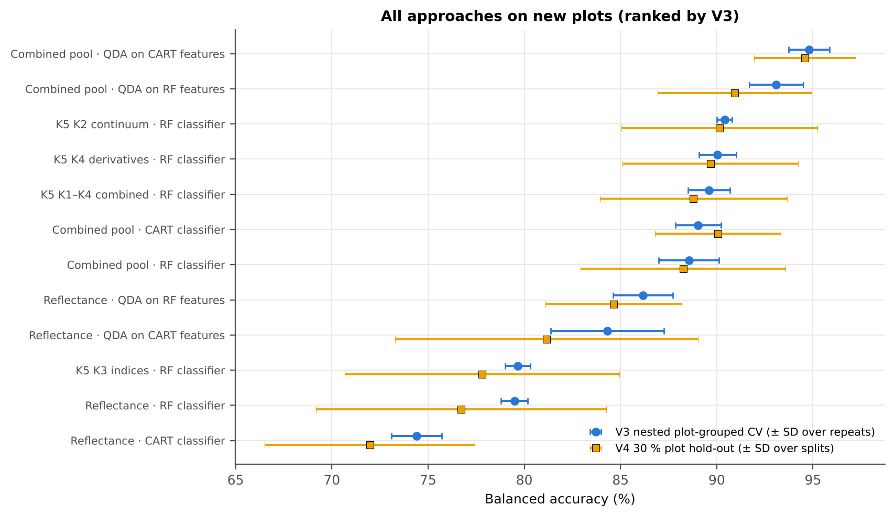
V1 = leaf-level 10-fold CV with features chosen on all leaves (the paper's protocol; optimistic). V3 = nested plot-grouped CV (10-fold × 5 = 50 folds), V4 = 30 % of plots held out × 10, V5 = leave-one-variety-out (3 units: train on the other varieties, test on all leaves of the held-out variety); in V3–V5 every selection step is repeated inside the training set. Single features: threshold chosen on training plots.

Conclusions
1. Subset: date 03-03-2026 only — 648 leaves (108 healthy, 540 diseased; imbalance 1 : 5.0), 12 healthy and 36 diseased plots, date 03-03-2026.
2. Tier 1: healthy and white-rust leaves differ significantly at 2050 of 2101 bands (Welch + BH-FDR); 2010 bands remain significant with a random plot effect and 1890 in ≥ 95 % of 1000 balanced subsets. The most sensitive single band (smoothed reflectance) reaches AUC 0.84 at 1999 nm.
3. Tier 2: CART (rpart, prior 0.5/0.5) selected 7 bands (root 754 nm): 754, 613, 2160, 1200, 1886, 746, 1019 nm. The Balanced RF importance peaks (RF-17) were 758, 745, 770, 1988, 788, 2021, 803, 2006, 1894, 733, 2442, 815, 711, 1967, 2042, 723, 590 nm.
4. Tier 3: J–M = 1.50 on the CART bands and 1.93 on the RF bands: only the RF bands reach the 1.90 separability threshold (but not 1.94, the threshold of Das et al.).
5. Tier 4: QDA with equal priors on the CART bands gives BA 84.3 % in the paper's protocol (V1; healthy recall 91.7 %, diseased recall 76.9 %) and 84.3 % ± 2.9 % (V3 nested, plot-grouped) / 81.2 % (V4 hold-out plots) on new plots.
6. CART vs RF: as classifiers RF beats CART by 5.9 points (V3, RF better in 38 of 50 folds, p = 2.3e-06); as band selectors for QDA the RF bands give +1.8 points vs the CART bands (p = 0.259). RF selection is more stable than CART selection (Jaccard ±10 nm 0.67 vs 0.29).
7. Disease-sensitive features (Part K): the strongest group for RF is K2 continuum removal (BA 90.4 %, V3) vs 78.7 % for reflectance; best single features: first derivative at 884 nm (AUC 0.90), CR6 water 1940 area (AUC 0.89), NWI2 (AUC 0.87), SDr (red-edge area) (AUC 0.84). REIP (linear extrapolation) shifts by -7.8 nm in diseased leaves (AUC 0.78).
8. Part C (four tiers on the combined K1 + K2–K4 pool, 4150 features, 3774 significant): CART chose 5 features, RF 17 (J–M 1.65 / 1.92); QDA on the RF features reaches 93.1 % (V3) / 90.9 % (V4), +6.9 points vs QDA on RF reflectance bands; best pipeline on the pool: QDA on CART features (94.8 %, V3).
9. Transfer (V5, leave-one-variety-out): QDA on CART reflectance bands 84.2 %, QDA on combined-pool RF features 88.9 % (close to the V3 estimate, 93.1 %), i.e. features chosen on two varieties transfer well to the third. Best pipeline under transfer: combined pool: QDA on CART features (96.4 %).
10. Compared with all dates, stages and varieties pooled (V3: reflectance QDA-CART 72.0 %, combined-pool QDA-RF 83.7 %; J–M 1.27), this subset gives 84.3 % and 93.1 % (J–M 1.50): analysing it separately improves discrimination.

Recommendations
Use first-derivative and continuum-removed features rather than single reflectance bands for this subset; the four-tier selection with RF importance on the combined pool and a QDA or RF classifier is the recommended pipeline.
Report balanced accuracy with both class recalls and the priors used; the classes are imbalanced (1 : 5.0) and equal priors / balanced sampling were applied throughout.
Base conclusions on the plot-grouped estimates (V3 10-fold × 5 = 50 folds, V4 10 hold-outs), not on the leaf-level V1 estimate.
Interpret features near the ASD detector joins (≈ 1000 and 1800 nm) with care; guard zones were excluded from the rankings.
For application to a new variety, the most robust pipeline here was combined pool: QDA on CART features (V5 BA 96.4 %).

02_Design
Workflow, validation design and model settings
Figure 2 of Das et al. (2020), extended with the corrections and the CART-vs-RF, Part K and Part C steps.
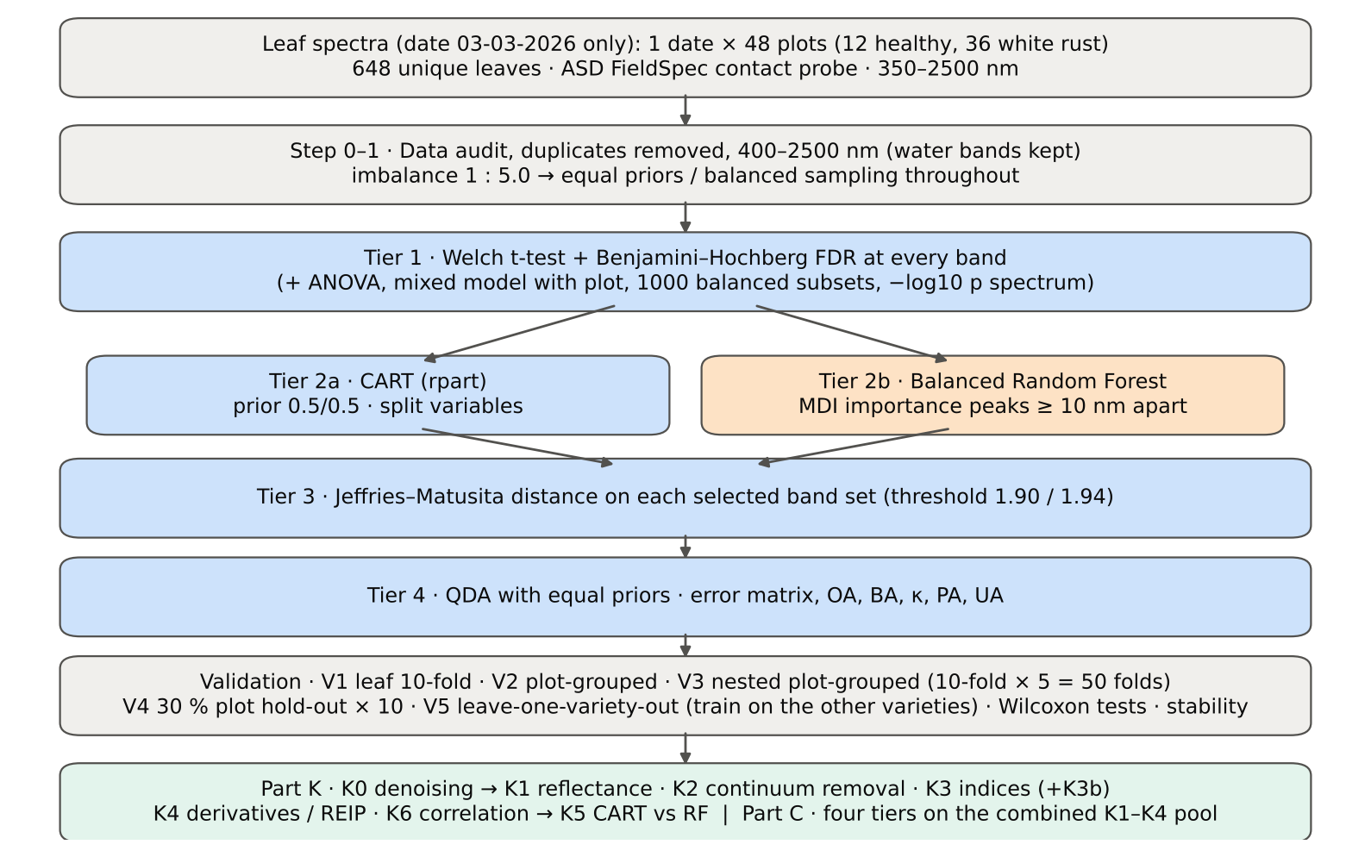

Table 2.1 Corrections applied to the protocol of Das et al. (2020) and why
Issue | Correction | Why
Class imbalance (108 healthy : 540 diseased = 1 : 5.0) | QDA/LDA with equal prior probabilities; rpart prior = c(0.5, 0.5); Balanced RF (each tree on a balanced bootstrap); balanced accuracy as headline metric; 1000 balanced subsets in Tier 1 | without it every classifier favours 'diseased' and overall accuracy is inflated
Two classes only | Welch t-test instead of one-way ANOVA + Tukey HSD (ANOVA reported for comparison: identical ranking) | Tukey HSD is for many pairs; Welch allows unequal variances (Levene)
Multiple testing (2101 bands) | Benjamini–Hochberg FDR (q < 0.05); uncorrected counts reported | 2101 tests at α = 0.05 give ≈ 105 false positives
Pseudo-replication (leaves nested in plots) | mixed model with random plot intercept; every honest validation grouped by plot | leaves of one plot are not independent
Selection bias | Tier 1, band selection and classifier refitted inside every training set (nested V3, V4, V5) | selecting bands on all leaves and validating on the same leaves is optimistic
Water-absorption bands | kept (contact probe with its own light source; no atmospheric path) | Das et al. removed them for canopy measurements
Detector edge 350–399 nm | removed (noise 138 × the 500–699 nm level); sensitivity run with 350–2500 nm | noise could be chosen by CART
Detector joins 1000/1001 and 1800/1801 nm (Part K) | splice correction; guard zones excluded from feature ranking (reported with and without) | instrument artefacts must not be read as disease
Exact duplicate spectra | 75 copies (13-03-2026, block 2) and 4 unnamed copies (plot 27, 11-02-2026) removed from the four files before the subset was taken; 0 of them belong to this subset (0 block-2, 0 unnamed) | a duplicate in both training and test inflates V1
Subset | date 03-03-2026 only: 648 of 2264 leaf spectra; folds, Tier 1–4, Part K and Part C rebuilt for this subset only | each date, stage and variety analysed separately as requested

Table 2.2 Validation design (identical folds in every step; sheet 36_Folds)
Scheme | Folds | What is refitted | Purpose
V1 · leaf-level 10-fold CV | StratifiedKFold, seed 42 | bands fixed (chosen on all leaves); classifier refitted | reproduces the paper (optimistic: leaves of a plot in train and test)
V2 · plot-grouped 10-fold CV | StratifiedGroupKFold, seed 42 | bands fixed; classifier refitted | removes plot leakage, keeps selection bias
V3 · nested plot-grouped CV, 10-fold × 5 = 50 folds | StratifiedGroupKFold, seeds 101–105; k = min(10, plots of the smaller class = 12) so every test fold holds both classes | Tier 1 + selection + classifier refitted | honest estimate for new plots
V4 · hold-out of 30 % of plots × 10 | 4 healthy + 11 diseased plots per split, default_rng(2026) | everything refitted on the remaining plots | independent test plots
V5 · new variety (additional; single date, so no date transfer) | train: the other varieties; test: all leaves of the held-out variety | everything refitted | transfer to an unseen variety (its plots are unseen too)

Table 2.3 CART and Random Forest settings
Setting | CART | Random Forest
Algorithm | rpart 4.1.23 in R 4.3.3 (recursive partitioning, as Das et al.) | BalancedRandomForestClassifier (imbalanced-learn 0.14, scikit-learn 1.9)
Split criterion | Gini | Gini
Imbalance correction | prior = c(0.5, 0.5) | sampling_strategy = 'all', replacement = True, bootstrap = False (balanced bootstrap per tree)
Size / randomness | minsplit 20, minbucket 7, cp 0.01, maxcompete 0, maxsurrogate 0 | 500 trees (1000 for importance), max_features = √p, random_state 42
Pruning | default tree used; 1-SE tree from plot-grouped 10-fold CV of cp | —
Band selection | split variables of the tree | top-17 / top-10 MDI importance peaks (+ a set the size of the CART set), local maxima ≥ 10 nm apart
Prediction | class of the terminal node (prior-adjusted) | majority vote (probability > 0.5)

04_Step1_Preprocessing
Step 1 · Pre-processing — band set, noise and outlier screening
Das et al. (2020) removed 1350–1430, 1800–1950 and 2350–2500 nm (atmospheric water, canopy). Here the contact probe has its own light source, so water bands are kept.

What was done
Noise of every band = SD of the residual after Savitzky–Golay smoothing (window 11, order 2). The 350–399 nm detector edge is far noisier than the rest and was removed; everything else (400–2500 nm, 2101 bands) was analysed on the raw (unsmoothed) reflectance in Tiers 1–4, as in Das et al. Outliers were screened with the spectral angle (SAM) to the class median spectrum and flagged, not removed (diseased leaves are expected to vary more).
Table 1.1 Band-set decision
Range (nm) | Bands | Decision | Reason
350–399 | 50 | Removed | detector edge: noise ×138 of the 500–699 nm level
400–1349 | 950 | Retained | visible, red edge, NIR
1350–1430 | 81 | Retained | water band I — contact probe (Das et al. removed it)
1431–1799 | 369 | Retained | SWIR-1
1800–1950 | 151 | Retained | water band II — contact probe (Das et al. removed it)
1951–2349 | 399 | Retained | SWIR-2
2350–2500 | 151 | Retained | SWIR-2 end — contact probe (Das et al. removed it)
Bands analysed (Excel) | 2101

Table 1.2 Noise level by spectral region
Range (nm) | Noise (SD of SG residual) | Ratio to 500–699 nm
350–399 | 0.0074 | 138.39
400–499 | 8.540E-04 | 15.93
500–699 | 5.362E-05 | 1.0000
700–1000 | 7.235E-05 | 1.3493
1001–1349 | 5.326E-05 | 0.9932
1350–1430 | 1.739E-05 | 0.3243
1431–1799 | 1.333E-05 | 0.2486
1800–1950 | 2.285E-05 | 0.4262
1951–2349 | 2.227E-05 | 0.4154
2350–2500 | 9.014E-05 | 1.6810

Table 1.3 Outlier screening: spectral angle to the class median
Class | Leaves | Median SAM (rad) | 95th pct (rad) | Max (rad) | Leaves > 0.15 rad
Healthy | 108 | 0.0416 | 0.0979 | 0.1409 | 0
Diseased | 540 | 0.0619 | 0.1894 | 0.5292 | 43

Table 1.4 Ten most deviating spectra (flagged, kept)
Plot | Class | Date | Growth stage | File | SAM (rad) | R1985 (leaf) | R1985 (class median)
24 | Diseased | 03-03-2026 | Pod formation | Mustard00277.asd.sco | 0.5292 | 0.5961 | 0.0863
17 | Diseased | 03-03-2026 | Flowering | Mustard00177.asd.sco | 0.4012 | 0.3910 | 0.0863
40 | Diseased | 03-03-2026 | Flowering | Mustard00528.asd.sco | 0.3993 | 0.3920 | 0.0863
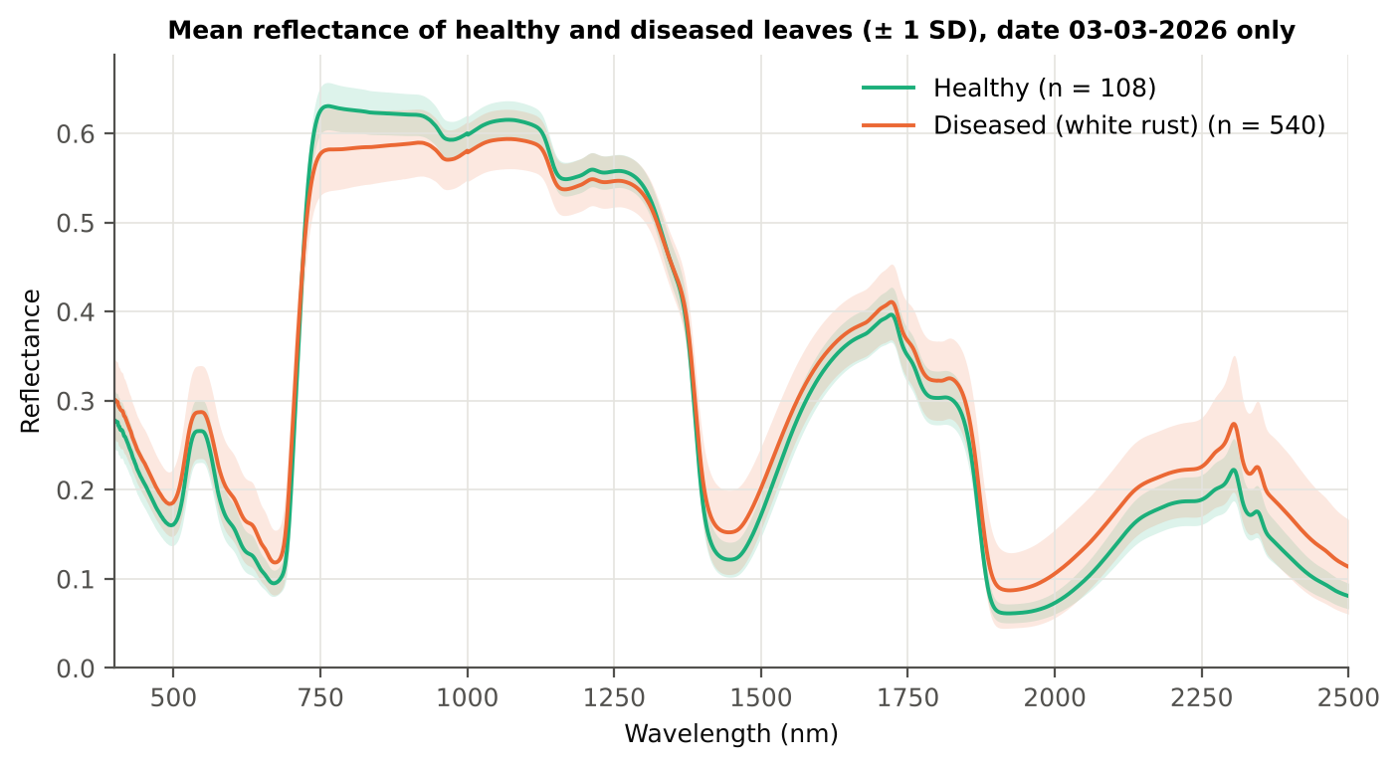
24 | Diseased | 03-03-2026 | Pod formation | Mustard00283.asd.sco | 0.3894 | 0.3580 | 0.0863
41 | Diseased | 03-03-2026 | Pod formation | Mustard00537.asd.sco | 0.3746 | 0.3589 | 0.0863
42 | Diseased | 03-03-2026 | Flowering | Mustard00546.asd.sco | 0.3583 | 0.3328 | 0.0863
38 | Diseased | 03-03-2026 | Flowering | Mustard00494.asd.sco | 0.3540 | 0.3066 | 0.0863
41 | Diseased | 03-03-2026 | Pod formation | Mustard00529.asd.sco | 0.3076 | 0.3241 | 0.0863
34 | Diseased | 03-03-2026 | Pod formation | Mustard00427.asd.sco | 0.3008 | 0.2401 | 0.0863
35 | Diseased | 03-03-2026 | Flowering | Mustard00440.asd.sco | 0.2691 | 0.2224 | 0.0863

Figure 3 (as in Das et al. 2020). Mean reflectance of healthy and diseased leaves

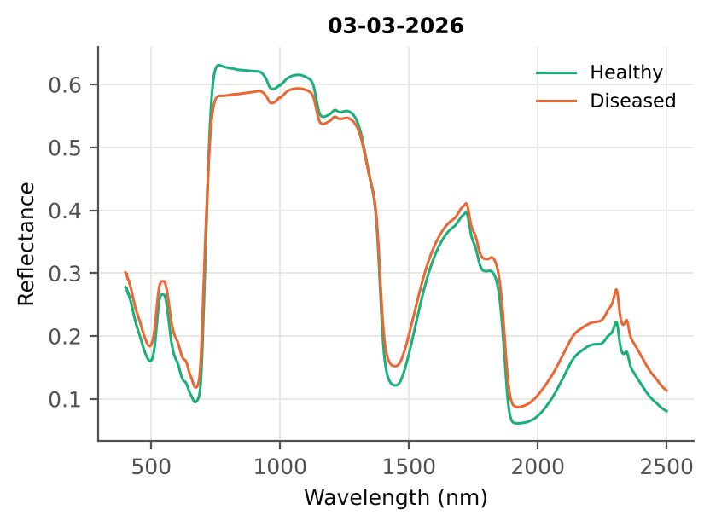

Native Excel chart of the same data: sheet 37_ChartData, columns A–C.
Table 1.5 Duplicate sensitivity run not applicable: the 4 unnamed plot-27 copies (11-02-2026) are not part of this subset.

05_Tier1_Ttest
Step 2 · Tier 1 — Welch's t-test at every band with Benjamini–Hochberg FDR
Das et al. (2020) used one-way ANOVA (p < 0.05) + Tukey HSD for 14 genotypes; with two classes the equivalent is a t-test.

Result in brief
Tier 1: healthy and white-rust leaves differ significantly at 2050 of 2101 bands (Welch + BH-FDR); 2010 bands remain significant with a random plot effect and 1890 in ≥ 95 % of 1000 balanced subsets. The most sensitive single band (smoothed reflectance) reaches AUC 0.84 at 1999 nm.
Uncorrected, 2051 bands have p < 0.05; ANOVA + FDR gives 2043 (same ranking as Welch).

What was done
At each of the 2101 bands the mean reflectance of healthy (n = 108) and diseased (n = 540) leaves was compared with Welch's t-test (unequal variances; Levene's test shows unequal variances at many bands) and the p-values were adjusted with the Benjamini–Hochberg false-discovery rate. Bands with q < 0.05 go to Tier 2. Because 540 diseased leaves give high power even for tiny differences, the test was repeated on 1000 balanced random subsets (108 vs 108), and a linear mixed model with a random plot intercept checks pseudo-replication.
Table 2.1 Number of significant bands
Test | Significant bands | Bands tested | Share (Excel)
Welch t-test + BH-FDR q < 0.05 (used for Tier 2) | 2050 | 2101 | 97.6%
One-way ANOVA p < 0.05, uncorrected (rule of Das et al.) | 2043 | 2101 | 97.2%
One-way ANOVA + BH-FDR q < 0.05 | 2043 | 2101 | 97.2%
Welch t-test p < 0.05, uncorrected | 2051 | 2101 | 97.6%
Mixed model (random plot effect) + BH-FDR q < 0.05 | 2010 | 2101 | 95.7%
Balanced subsets (108 vs 108): significant in ≥ 95 % of 1000 subsets | 1890 | 2101 | 90.0%
Levene test p < 0.05 (unequal variances → Welch) | 1790 | 2101 | 85.2%

Table 2.2 Contiguous ranges (Welch + FDR)
Range (nm) | Bands | Result
400–716 | 317 | significant
717–722 | 6 | not significant
723–1324 | 602 | significant
1325–1369 | 45 | not significant
1370–2500 | 1131 | significant

Table 2.3 Significance by spectral region
Region | Bands | Welch+FDR significant | Mixed-model significant | Band of max |t| | Max t | Mean diff (D − H)
Blue (400–499) | 100 | 100 | 100 | 499.00 | 8.9780 | 0.0249
Green (500–599) | 100 | 100 | 100 | 599.00 | 10.07 | 0.0335
Red (600–679) | 80 | 80 | 80 | 653.00 | 11.78 | 0.0294
Red edge (680–759) | 80 | 74 | 67 | 755.00 | -15.06 | -0.0491
NIR (760–1349) | 590 | 565 | 542 | 760.00 | -15.03 | -0.0491
Water band I (1350–1430) | 81 | 61 | 51 | 1430.00 | 10.67 | 0.0300
SWIR-1 (1431–1799) | 369 | 369 | 369 | 1454.00 | 11.06 | 0.0309
Water band II (1800–1950) | 151 | 151 | 151 | 1891.00 | 12.86 | 0.0319
SWIR-2 (1951–2349) | 399 | 399 | 399 | 2019.00 | 13.50 | 0.0347
SWIR-2 end (2350–2500) | 151 | 151 | 151 | 2444.00 | 12.74 | 0.0401

Table 2.4 Fifteen most significant bands
Wavelength (nm) | Mean healthy | Mean diseased | Diff (D − H) | Welch t | Welch df | q (BH) | Hedges g | Mixed-model q
755.00 | 0.6291 | 0.5799 | -0.0491 | -15.06 | 260.76 | 9.124E-35 | -1.1109 | 2.636E-04
757.00 | 0.6298 | 0.5807 | -0.0492 | -15.06 | 260.53 | 9.124E-35 | -1.1113 | 2.636E-04
756.00 | 0.6295 | 0.5803 | -0.0492 | -15.06 | 260.58 | 9.124E-35 | -1.1111 | 2.636E-04
758.00 | 0.6301 | 0.5809 | -0.0492 | -15.06 | 260.47 | 9.124E-35 | -1.1112 | 2.636E-04
759.00 | 0.6303 | 0.5811 | -0.0491 | -15.05 | 260.29 | 9.124E-35 | -1.1106 | 2.636E-04
754.00 | 0.6285 | 0.5795 | -0.0491 | -15.04 | 261.06 | 9.124E-35 | -1.1090 | 2.636E-04
760.00 | 0.6304 | 0.5813 | -0.0491 | -15.03 | 260.17 | 9.124E-35 | -1.1100 | 2.636E-04
761.00 | 0.6305 | 0.5815 | -0.0490 | -15.02 | 259.96 | 9.124E-35 | -1.1095 | 2.636E-04
762.00 | 0.6306 | 0.5817 | -0.0490 | -15.01 | 259.63 | 9.309E-35 | -1.1091 | 2.636E-04
753.00 | 0.6279 | 0.5790 | -0.0489 | -15.01 | 261.25 | 9.124E-35 | -1.1059 | 2.636E-04
763.00 | 0.6306 | 0.5818 | -0.0488 | -14.99 | 259.19 | 9.641E-35 | -1.1083 | 2.636E-04
764.00 | 0.6306 | 0.5819 | -0.0487 | -14.97 | 258.90 | 1.014E-34 | -1.1076 | 2.636E-04
752.00 | 0.6272 | 0.5785 | -0.0487 | -14.96 | 261.31 | 9.641E-35 | -1.1026 | 2.636E-04
765.00 | 0.6306 | 0.5820 | -0.0486 | -14.96 | 258.61 | 1.021E-34 | -1.1072 | 2.636E-04
766.00 | 0.6305 | 0.5820 | -0.0485 | -14.94 | 258.25 | 1.079E-34 | -1.1071 | 2.636E-04

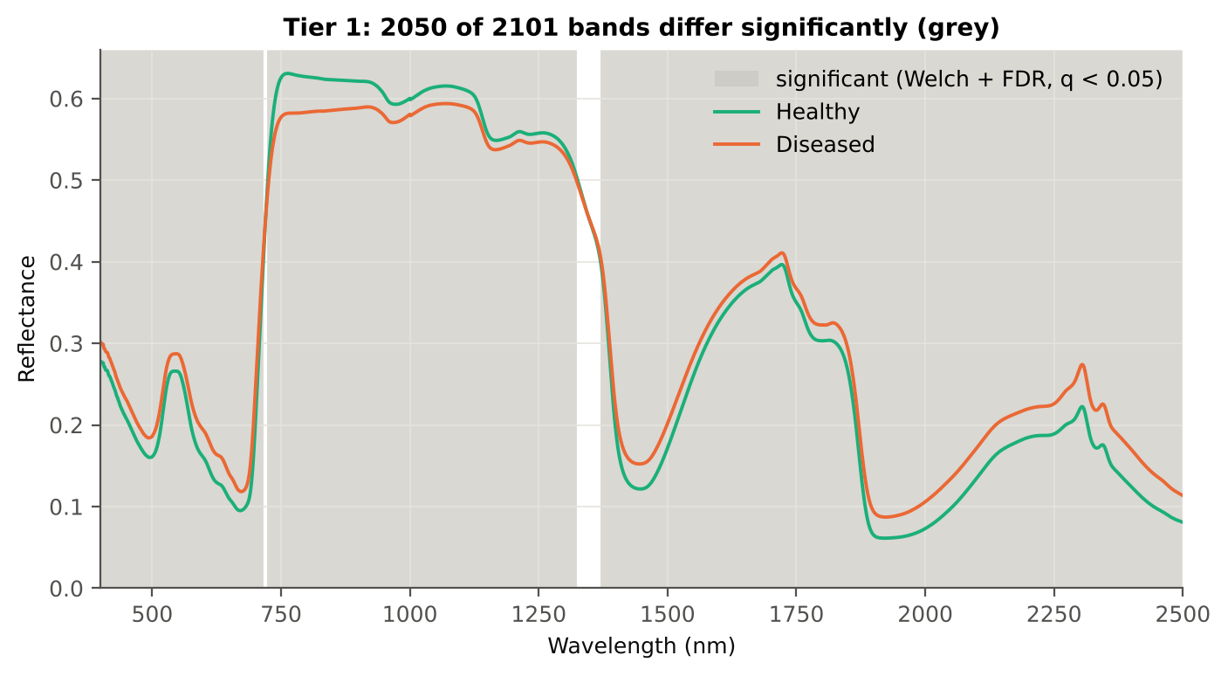
Table 2.5 Tier 1 on 1000 balanced subsets
Balanced-subset check (imbalance) | Value
Balanced random subsets drawn | 1000
Leaves per subset (healthy + diseased) | 108 + 108
Significant bands per subset — median | 2033.00
— minimum | 1810
— maximum | 2053
Bands significant in 100 % of subsets | 1577
Bands significant in ≥ 95 % of subsets | 1890
Bands never significant | 0

Figure 4 (as in Das et al. 2020 Fig. 4). Bands where healthy and diseased leaves differ (grey)

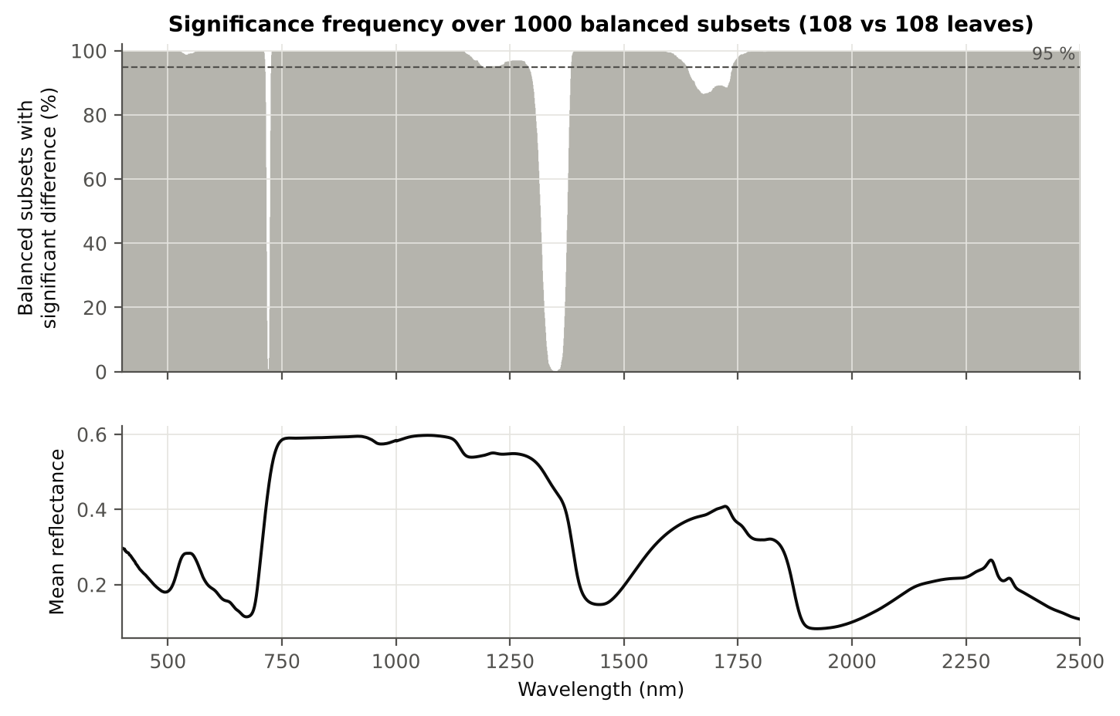

Figure 5 (as in Das et al. 2020 Fig. 5). Significance frequency (balanced subsets) and mean reflectance

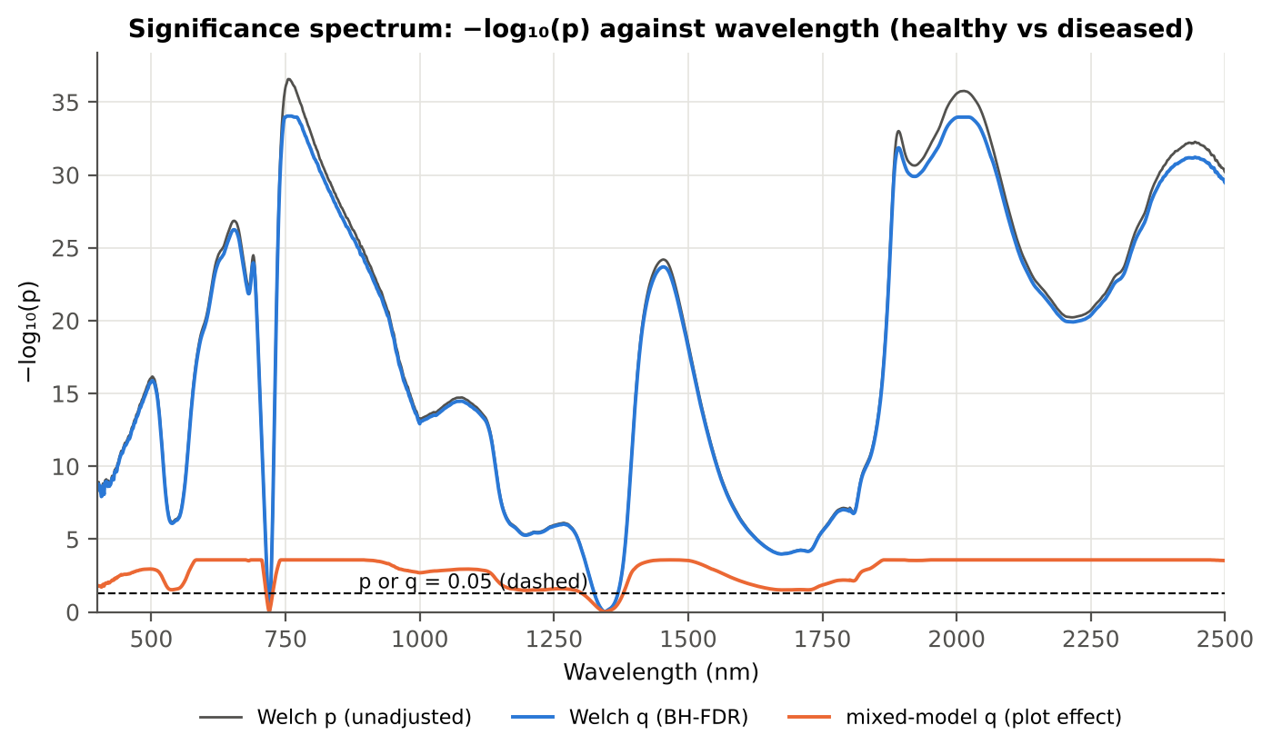

Figure 5b. −log₁₀(p) against wavelength

Native Excel versions of Figures 3–5b: sheet 37_ChartData (charts placed beside the data).
Cross-checks for this step
Step | What was checked | Method | Result | Status
Tier 1 | Training sets with < 2 FDR-significant features (nested V3/V4/V5) | fallback: uncorrected p < 0.05, else the 20 smallest p | 0 of 63 training sets | PASS
Tier 1 | Mixed model implementation | R nlme::lme vs Python statsmodels MixedLM (Powell), every 50th band | Spearman ρ of p-values 1.000 (statsmodels uses a Wald z-test, nlme a t-test with 46 df, so nlme p-values are larger) | PASS
Tier 1 | Welch t-statistic | SciPy ttest_ind(equal_var=False) vs vectorised formula | max |Δt| = 3.6e-15 | PASS
Tier 1 | Benjamini–Hochberg q-values | statsmodels multipletests vs own step-up | max |Δq| = 1.1e-16 | PASS
Tier 1 | ANOVA equivalence | one-way ANOVA F (SciPy, every 50th band) vs Student t² | max relative |F − t²| = 2.5e-14 | PASS
Tier 1 | Class imbalance | 1000 balanced subsets (108 vs 108 leaves) | median 2033 significant bands per subset vs 2050 on all leaves | PASS
Tier 1 | Pseudo-replication | linear mixed model v ~ Disease + (1|plot), REML, R nlme::lme (t-test, 46 df), BH-FDR | 2010 of 2101 bands significant (Welch: 2050); plot ICC median 0.166 | PASS

06_Tier2_CART
Step 3 · Tier 2 — CART band selection with equal priors (rpart)
Das et al. (2020): 'To apply this technique we used the method rpart from package rpart' — the split variables are the selected wavelengths.

Result in brief
Tier 2: CART (rpart, prior 0.5/0.5) selected 7 bands (root 754 nm): 754, 613, 2160, 1200, 1886, 746, 1019 nm. The Balanced RF importance peaks (RF-17) were 758, 745, 770, 1988, 788, 2021, 803, 2006, 1894, 733, 2442, 815, 711, 1967, 2042, 723, 590 nm.
Re-selection of each CART band in plot-level bootstraps and in the nested training sets is shown in Table 3.1 and Figure 6b; bands re-selected in < 50 % of the training sets should not be interpreted individually.

What was done
Input: the 2050 FDR-significant bands of Tier 1 (raw reflectance). rpart (R 4.3.3, rpart 4.1.23) with method = 'class', prior = c(0.5, 0.5) (imbalance correction), split = 'gini', minsplit 20, minbucket 7, cp 0.01, no competitor or surrogate splits. The wavelengths used as split variables form the CART band set. The complexity parameter was cross-validated with plot-grouped folds; the 1-SE tree gives a smaller alternative set. Stability: rpart refitted on 200 plot-level bootstrap samples and inside the 50 nested training sets of V3 (a band counts as re-selected if a band within ± 10 nm is chosen).
Table 3.1 The 7 wavelengths selected by CART
Band (nm) | Region | First used at node | Tree depth | Mean healthy | Mean diseased | Welch t | q (BH) | Bootstrap re-selection (±10 nm) | Nested-CV re-selection (±10 nm) | Mixed model significant | Interpretation
613.00 | Red (600–679) | 2 | 1 | 0.1418 | 0.1759 | 10.82 | 7.499E-23 | 14.0% | 54.0% | yes | chlorophyll-a absorption well
746.00 | Red edge (680–759) | 8 | 3 | 0.6196 | 0.5726 | -14.58 | 3.066E-34 | 94.5% | 100.0% | yes | red edge: chlorophyll loss and leaf structure
754.00 | Red edge (680–759) | 1 | 0 | 0.6285 | 0.5795 | -15.04 | 9.124E-35 | 93.0% | 96.0% | yes | red edge: chlorophyll loss and leaf structure
1019.00 | NIR (760–1349) | 17 | 4 | 0.6061 | 0.5859 | -8.1486 | 3.994E-14 | 27.0% | 36.0% | yes | NIR plateau: mesophyll structure / cell damage
1200.00 | NIR (760–1349) | 4 | 2 | 0.5552 | 0.5446 | -4.6949 | 5.254E-06 | 3.0% | 4.0% | yes | NIR plateau: mesophyll structure / cell damage
1886.00 | Water band II (1800–1950) | 5 | 2 | 0.0906 | 0.1241 | 12.69 | 9.713E-32 | 23.0% | 26.0% | yes | leaf water absorption (O–H, ≈1940 nm)
2160.00 | SWIR-2 (1951–2349) | 3 | 1 | 0.1736 | 0.2096 | 10.69 | 1.675E-22 | 3.5% | 32.0% | yes | SWIR-2: water wing, protein / cellulose / lignin

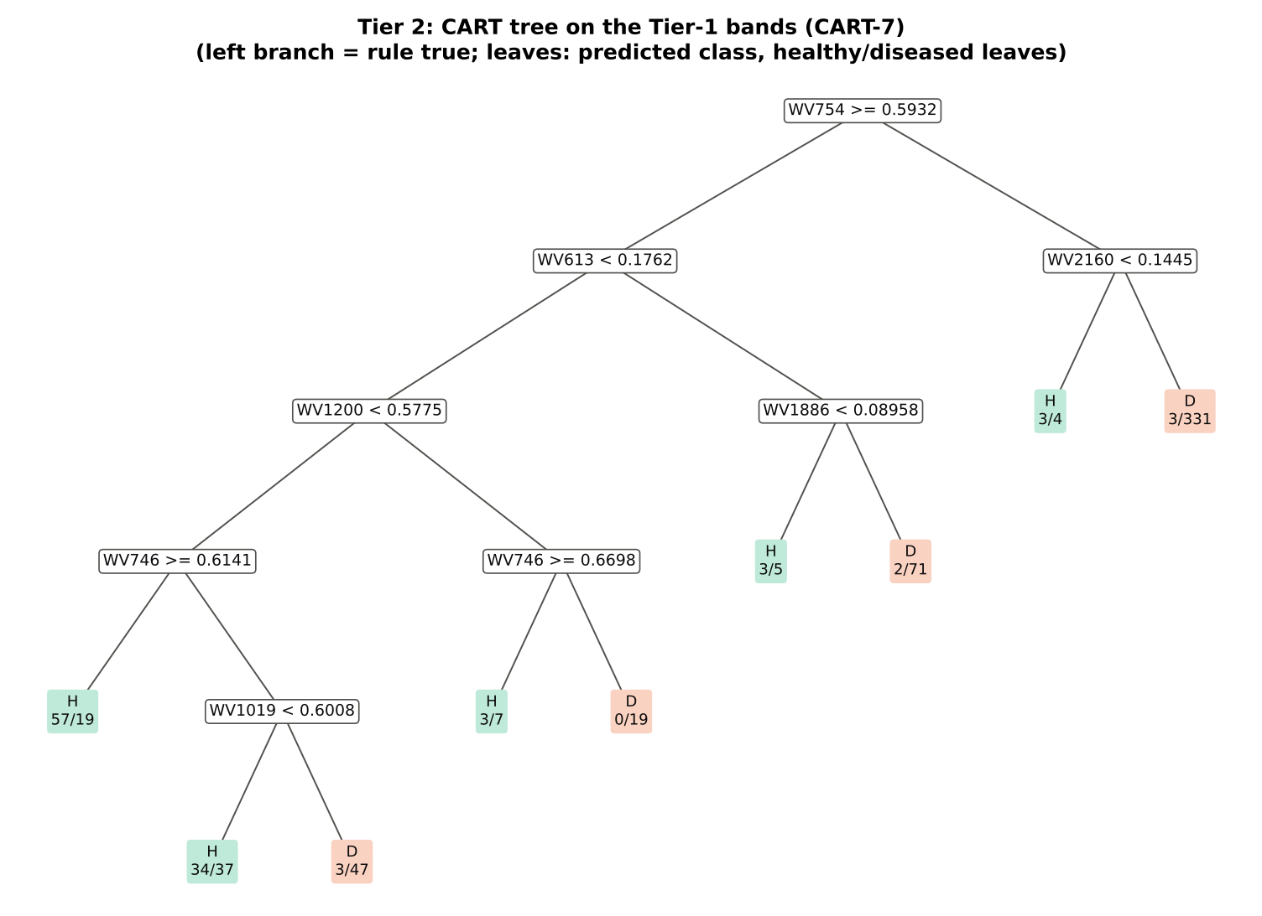
Figure 6 (as in Das et al. 2020 Fig. 6). CART tree

Table 3.2 Tree nodes (rpart frame)
Node | Depth | Split variable | Rule (left branch of the parent) | Leaves | Healthy | Diseased | Predicted class
1 | 0 | WV754 | root | 648 | 108 | 540 | H
2 | 1 | WV613 | WV754>=0.5932 | 307 | 102 | 205 | H
4 | 2 | WV1200 | WV613< 0.1762 | 226 | 97 | 129 | H
8 | 3 | WV746 | WV1200< 0.5775 | 197 | 94 | 103 | H
16 | 4 | leaf | WV746>=0.6141 | 76 | 57 | 19 | H
17 | 4 | WV1019 | WV746< 0.6141 | 121 | 37 | 84 | H
34 | 5 | leaf | WV1019< 0.6008 | 71 | 34 | 37 | H
35 | 5 | leaf | WV1019>=0.6008 | 50 | 3 | 47 | D
9 | 3 | WV746 | WV1200>=0.5775 | 29 | 3 | 26 | D
18 | 4 | leaf | WV746>=0.6698 | 10 | 3 | 7 | H
19 | 4 | leaf | WV746< 0.6698 | 19 | 0 | 19 | D
5 | 2 | WV1886 | WV613>=0.1762 | 81 | 5 | 76 | D
10 | 3 | leaf | WV1886< 0.08958 | 8 | 3 | 5 | H
11 | 3 | leaf | WV1886>=0.08958 | 73 | 2 | 71 | D
3 | 1 | WV2160 | WV754< 0.5932 | 341 | 6 | 335 | D
6 | 2 | leaf | WV2160< 0.1445 | 7 | 3 | 4 | H
7 | 2 | leaf | WV2160>=0.1445 | 334 | 3 | 331 | D

Table 3.3 Complexity-parameter table (plot-grouped 10-fold CV)
CP | Number of splits | Relative error | Cross-validated error (plot-grouped) | SE of CV error
0.5648 | 0.0000 | 1.0000 | 1.1667 | 0.0503
0.0944 | 1.0000 | 0.4352 | 0.5111 | 0.0397
0.0265 | 2.0000 | 0.3407 | 0.4481 | 0.0458
0.0204 | 5.0000 | 0.2611 | 0.5111 | 0.0543
0.0185 | 6.0000 | 0.2407 | 0.5130 | 0.0517
0.0148 | 7.0000 | 0.2222 | 0.5241 | 0.0537
0.0100 | 8.0000 | 0.2074 | 0.5259 | 0.0568
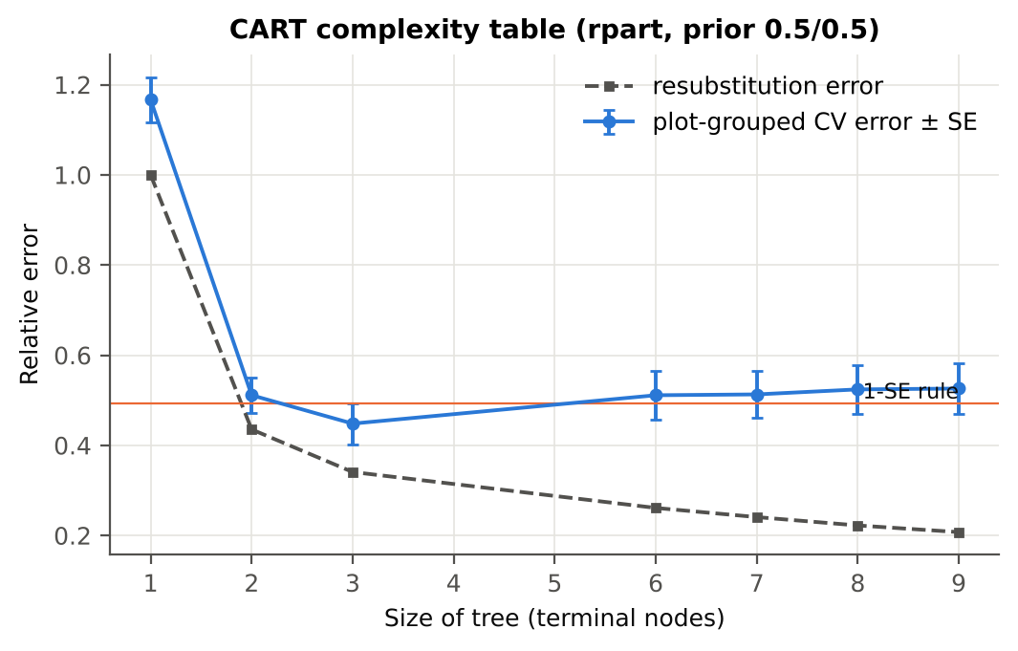

Table 3.4 Selected band sets
Tree | Bands | Wavelengths (nm)
CART-7 | 7 | 754, 613, 2160, 1200, 1886, 746, 1019
CART-2 (1-SE) | 2 | 754, 613
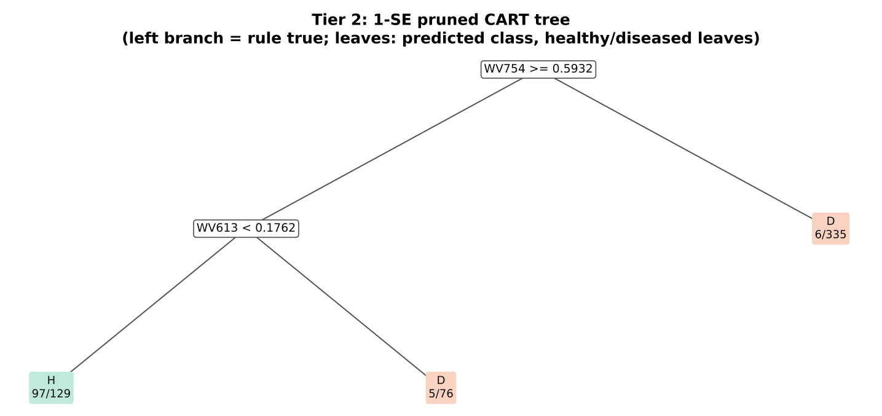

Table 3.5 Cross-check of the CART result with scikit-learn
Item | rpart (R) | scikit-learn (balanced class weights) | Agreement
Root split | WV754>=0.5932 | WV754 < 0.59319 | identical variable
Split of the left child | WV613< 0.1762 | WV2262 | different
Bands used by the trees | 7 bands (cp = 0.01) | 23 bands (depth ≤ 8) | 4 of 7 rpart bands within ±5 nm

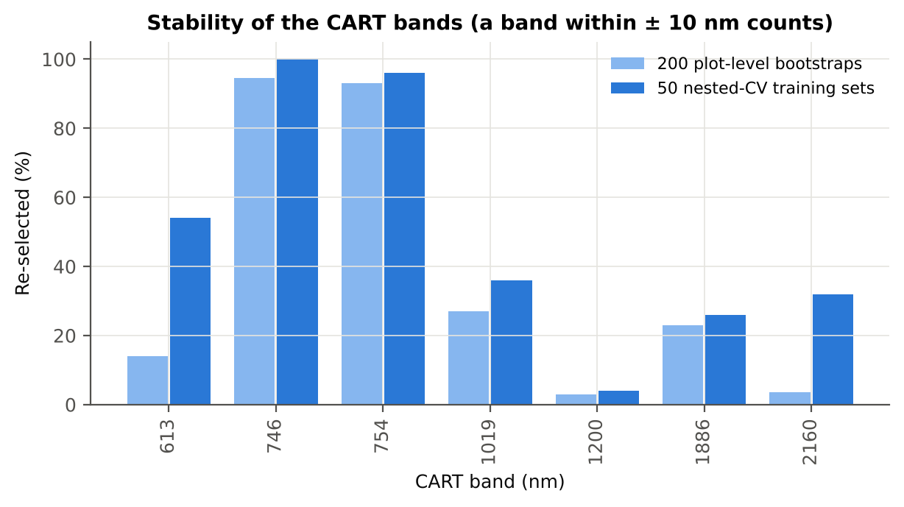
Figure 6b. Re-selection frequency of each CART band

Cross-checks for this step
Step | What was checked | Method | Result | Status
Tier 2 | CART implementation | rpart (R) vs scikit-learn DecisionTreeClassifier | root variable rpart 'WV754>=0.5932' vs sklearn 'WV754 < 0.5932' | PASS
Tier 2 | Stability of the selected bands | 200 plot-level bootstrap trees; 50 nested-CV training sets | 746 nm 100 %; 754 nm 96 %; 613 nm 54 % | PASS

07_Tier3_JM
Step 4 · Tier 3 — Jeffries–Matusita (J–M) distance
J–M = 2(1 − e^(−α)) on the 0–2 scale of the thresholds 1.90 / 1.94 used by Das et al.; √J–M (Eq. 1 printed in the paper, 0–√2) is also given.

Result in brief
Tier 3: J–M = 1.50 on the CART bands and 1.93 on the RF bands: only the RF bands reach the 1.90 separability threshold (but not 1.94, the threshold of Das et al.).

What was done
α (Bhattacharyya distance) = ⅛ (μH − μD)ᵀ [(ΣH + ΣD)/2]⁻¹ (μH − μD) + ½ ln( |(ΣH + ΣD)/2| / √(|ΣH| |ΣD|) ), computed with class means and covariance matrices of the selected bands (Cholesky factorisation; checked against explicit inverse and determinants). Classes are 'separable' when J–M ≥ 1.90 (Das et al. used ≥ 1.94, 97 % of 2).
Table 1 (as in Das et al. 2020). J–M distance between healthy and diseased leaves (CART-7 bands)
 | Healthy | Diseased
Healthy | – | –
Diseased | 1.5013 | –

Table 4.1 Healthy vs diseased separability (formulas: J–M, √J–M and the threshold tests)
Band set | Bands | α (Bhattacharyya) | J–M (0–2) (Excel) | √J–M (Excel) | ≥ 1.90 ? (Excel) | ≥ 1.94 ? (Excel)
CART-7 | 7 | 1.3889 | 1.5013 | 1.2253 | not separable | not separable
CART-2 (1-SE) | 2 | 0.4734 | 0.7543 | 0.8685 | not separable | not separable

Table 4.2 J–M and QDA BA as the CART bands are added (order of first use in the tree)
Features used | CART feature added | CART J–M | CART QDA BA
1 | WV754 | 0.4931 | 76.9%
2 | WV613 | 0.7543 | 79.3%
3 | WV2160 | 0.8368 | 78.7%
4 | WV1200 | 0.9720 | 77.2%
5 | WV1886 | 1.2717 | 76.8%
6 | WV746 | 1.3852 | 78.5%
7 | WV1019 | 1.5013 | 84.3%
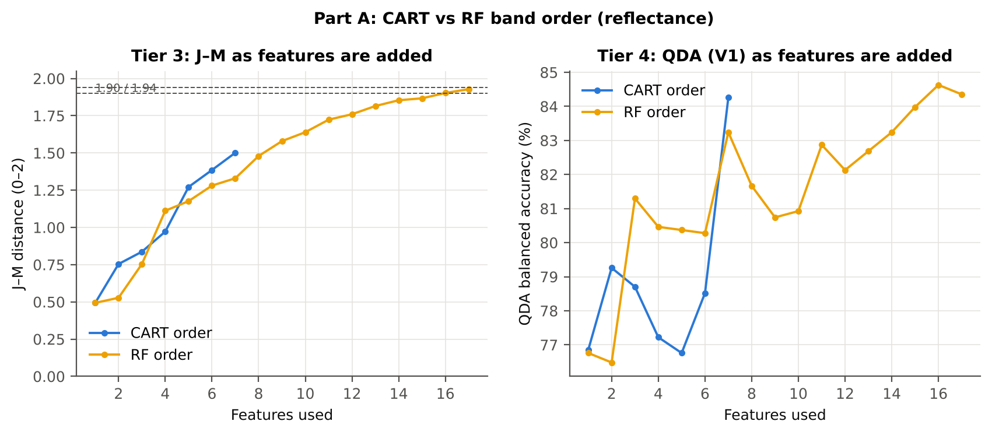

Table 4.3 Numerical diagnostics
Diagnostic | Value
Condition number of healthy covariance | 3373.86
Condition number of diseased covariance | 8619.02
J–M of the healthy class with itself (must be 0) | 0.0000

Cross-checks for this step
Step | What was checked | Method | Result | Status
Tier 3 | J–M implementation (Part A (raw reflectance)) | Cholesky/log-det vs explicit inverse/determinant | |Δα| = 1.0e-14 | PASS
Tier 3 | Invertibility of the class covariances | condition number of the class correlation matrices of every selected set | max 3.3e+07 (well below the ~1e12 limit of double precision) | PASS
Tier 3 | J–M is scale-invariant | J–M on raw vs standardised features of every selected set | max |ΔJ–M| = 8.2e-12 | PASS
Tier 3 | J–M formula | J–M of the healthy class with itself (must be 0) | 0.0e+00 | PASS

09_Validation
Step 6 · Validation of the complete four-tier pipeline
From the protocol of Das et al. (bands chosen on all leaves, leaf-level CV) to honest estimates for new plots and new dates.

Result in brief
QDA on CART bands, equal priors: V1 84.3 %, V3 84.3 %, V4 81.2 %, V5 (leave-one-variety-out (train on the other varieties)) 84.2 %. V1 and the plot-grouped estimates agree within 3 points: selection bias and plot leakage are small.

What was done
Das et al. selected bands on all data and validated QDA by 10-fold CV on the same data (V1). Here the pipeline is also validated with folds grouped by plot (V2), with the whole pipeline nested inside plot-grouped folds (V3, 10-fold × 5 = 50 folds), on independent hold-out plots (V4, 10 splits), with random under-sampling instead of equal priors (V3-RUS) and on an unseen variety (V5, additional). All rows: QDA on CART-selected bands.
Table 6.1 Validation results (mean over repeats; SD over repeats)
Scheme | Priors | repeats | OA | BA | BA_SD | kappa | AUC | PA_H | PA_D | UA_H | UA_D
V1 · leaf-level 10-fold, bands fixed | equal (corrected) | 1 | 79.3% | 84.3% |  | 0.4793 | 0.9175 | 91.7% | 76.9% | 44.2% | 97.9%
V2 · plot-grouped 10-fold, bands fixed | equal (corrected) | 1 | 77.5% | 83.1% |  | 0.4497 | 0.9047 | 91.7% | 74.6% | 41.9% | 97.8%
V3 · nested plot-grouped 10-fold × 5 = 50 folds | equal (corrected) | 5 | 80.6% | 84.3% | 2.9% | 0.4991 | 0.9063 | 89.8% | 78.8% | 46.3% | 97.5%
V4 · 30 % plot hold-out × 10 | equal (corrected) | 10 | 79.4% | 81.2% | 7.9% | 0.4902 | 0.8794 | 83.9% | 78.4% | 49.0% | 95.6%
V5 · leave-one-variety-out (train on the other varieties) (3 units) | equal (corrected) | 1 | 79.8% | 84.2% |  | 0.4843 | 0.9059 | 90.7% | 77.6% | 44.7% | 97.7%
V1 · leaf-level 10-fold, bands fixed | sample (uncorrected) | 1 | 84.9% | 83.5% |  | 0.5518 | 0.9175 | 81.5% | 85.6% | 53.0% | 95.9%
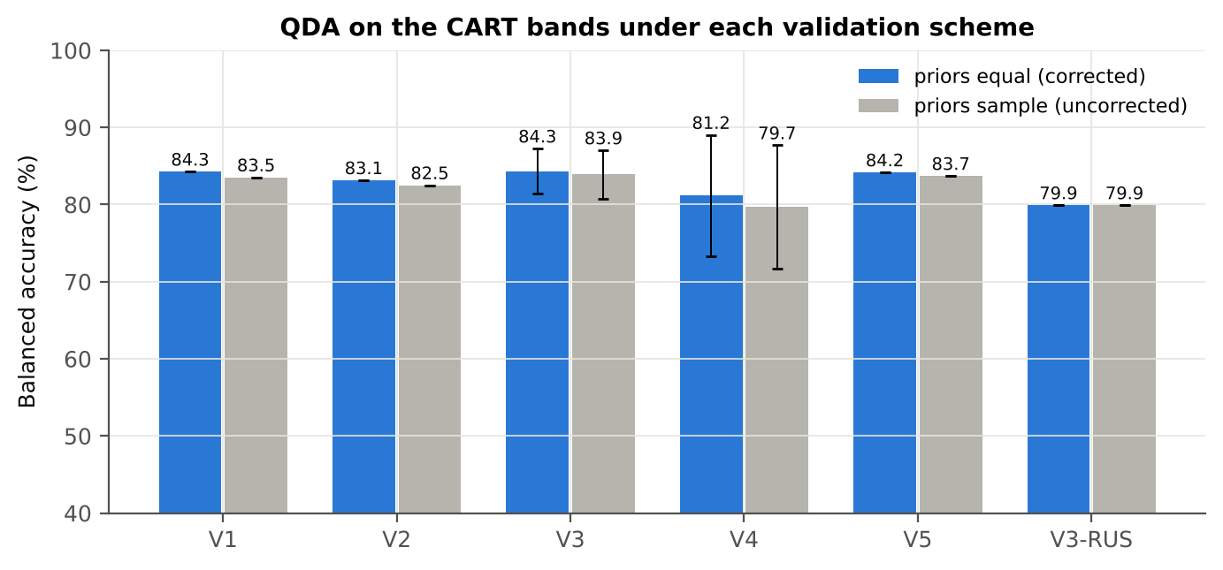
V2 · plot-grouped 10-fold, bands fixed | sample (uncorrected) | 1 | 83.8% | 82.5% |  | 0.5270 | 0.9038 | 80.6% | 84.4% | 50.9% | 95.6%
V3 · nested plot-grouped 10-fold × 5 = 50 folds | sample (uncorrected) | 5 | 85.3% | 83.9% | 3.1% | 0.5633 | 0.9059 | 81.9% | 86.0% | 54.2% | 95.9%
V4 · 30 % plot hold-out × 10 | sample (uncorrected) | 10 | 83.4% | 79.7% | 8.0% | 0.5241 | 0.8794 | 73.9% | 85.5% | 55.4% | 93.7%
V5 · leave-one-variety-out (train on the other varieties) (3 units) | sample (uncorrected) | 1 | 84.0% | 83.7% |  | 0.5385 | 0.9059 | 83.3% | 84.1% | 51.1% | 96.2%
V3-RUS · nested + random under-sampling | equal (corrected) | 1 | 72.1% | 79.9% |  | 0.3730 | 0.8737 | 91.7% | 68.1% | 36.5% | 97.6%
V3-RUS · nested + random under-sampling | sample (uncorrected) | 1 | 72.1% | 79.9% |  | 0.3730 | 0.8737 | 91.7% | 68.1% | 36.5% | 97.6%

Table 6.2 Error matrix, V3 (nested plot-grouped CV, 5 repeats pooled) — QDA on CART bands, equal priors
Classified \ Reference | Healthy | Diseased | Row total | User's accuracy (%)
Healthy | 485 | 572 | 1057 | 45.88
Diseased | 55 | 2128 | 2183 | 97.48
Column total | 540 | 2700 | 3240
Producer's accuracy (%) | 89.81 | 78.81
Overall accuracy (%) | 80.65
Balanced accuracy (%) | 84.31
Cohen's κ | 0.496
F1 healthy | 0.607
F1 diseased | 0.872

Table 6.3 Error matrix, V4 (independent hold-out plots, 10 splits pooled) — QDA on CART bands, equal priors
Classified \ Reference | Healthy | Diseased | Row total | User's accuracy (%)
Healthy | 302 | 356 | 658 | 45.90
Diseased | 58 | 1294 | 1352 | 95.71
Column total | 360 | 1650 | 2010
Producer's accuracy (%) | 83.89 | 78.42
Overall accuracy (%) | 79.40
Balanced accuracy (%) | 81.16
Cohen's κ | 0.471
F1 healthy | 0.593
F1 diseased | 0.862

Table 6.4 Error matrix, V5 (leave-one-variety-out (train on the other varieties), 3 units pooled) — QDA on CART bands, equal priors
Classified \ Reference | Healthy | Diseased | Row total | User's accuracy (%)
Healthy | 98 | 121 | 219 | 44.75
Diseased | 10 | 419 | 429 | 97.67
Column total | 108 | 540 | 648
Producer's accuracy (%) | 90.74 | 77.59
Overall accuracy (%) | 79.78
Balanced accuracy (%) | 84.17
Cohen's κ | 0.484
F1 healthy | 0.599
F1 diseased | 0.865

Table 6.5 Sensitivity to the band set (full pipeline repeated)
Band set | CART bands | BA V1 | BA V3 nested | BA V4 hold-out | CART bands (nm)
400–2500 nm (main: 350–399 removed) | 7 | 84.3% | 84.3% | 81.2% | 613, 746, 754, 1019, 1200, 1886, 2160
350–2500 nm (nothing removed) | 13 | 86.3% | 84.1% | 85.1% | 350, 351, 355, 359, 613, 692, 716, 726, 754, 1186, 1427, 1925, 2160
450–2450 nm (both detector edges trimmed) | 7 | 84.3% | 84.7% | 81.7% | 613, 746, 754, 1019, 1200, 1886, 2160

10_A1_RF_Importance
Part A1 · Random Forest as the Tier-2 band selector (instead of CART)
Input: the 2050 FDR-significant bands of Tier 1 (same as CART).

What was done
A Balanced Random Forest (1000 trees, √2050 candidate bands per split, each tree grown on a balanced bootstrap of 108 + 108 leaves) was fitted to all leaves; band importance = mean decrease in Gini impurity (MDI). Because neighbouring bands are almost identical, bands were picked as importance peaks: local maxima of the importance spectrum, at least 10 nm apart. The 17 highest peaks form the RF band set (the CART set of Das et al. had 17 bands); the 10 highest a smaller set. Checks: a second forest with another seed, R randomForest, permutation importance, and an ordinary class-weighted forest.
Table A1.1 RF band set: the 17 highest importance peaks
Rank | Band (nm) | Importance × 1000 | Region | Mean healthy | Mean diseased | Welch t | q (BH) | Mixed model significant | Nearest CART band | Distance (nm)
1 | 758.00 | 8.2522 | Red edge (680–759) | 0.6301 | 0.5809 | -15.06 | 9.124E-35 | yes | 754.00 | 4.0000
2 | 745.00 | 7.1074 | Red edge (680–759) | 0.6177 | 0.5713 | -14.46 | 7.146E-34 | yes | 746.00 | 1.0000
3 | 770.00 | 5.2248 | NIR (760–1349) | 0.6300 | 0.5820 | -14.86 | 1.079E-34 | yes | 754.00 | 16.00
4 | 1988.00 | 4.5787 | SWIR-2 (1951–2349) | 0.0691 | 0.1006 | 13.31 | 2.509E-34 | yes | 1886.00 | 102.00
5 | 788.00 | 4.2876 | NIR (760–1349) | 0.6275 | 0.5823 | -14.35 | 2.372E-33 | yes | 754.00 | 34.00
6 | 2021.00 | 2.9965 | SWIR-2 (1951–2349) | 0.0819 | 0.1167 | 13.50 | 1.079E-34 | yes | 1886.00 | 135.00
7 | 803.00 | 2.9690 | NIR (760–1349) | 0.6263 | 0.5833 | -13.90 | 6.636E-32 | yes | 754.00 | 49.00
8 | 2006.00 | 2.9191 | SWIR-2 (1951–2349) | 0.0753 | 0.1088 | 13.47 | 1.079E-34 | yes | 1886.00 | 120.00
9 | 1894.00 | 2.4326 | Water band II (1800–1950) | 0.0712 | 0.1021 | 12.83 | 1.630E-32 | yes | 1886.00 | 8.0000
10 | 733.00 | 2.0725 | Red edge (680–759) | 0.5709 | 0.5378 | -10.58 | 2.438E-21 | yes | 746.00 | 13.00
11 | 2442.00 | 2.0323 | SWIR-2 end (2350–2500) | 0.1004 | 0.1408 | 12.73 | 6.636E-32 | yes | 2160.00 | 282.00
12 | 815.00 | 1.9256 | NIR (760–1349) | 0.6253 | 0.5840 | -13.57 | 6.082E-31 | yes | 754.00 | 61.00
13 | 711.00 | 1.9244 | Red edge (680–759) | 0.3406 | 0.3643 | 5.3665 | 2.866E-07 | yes | 746.00 | 35.00
14 | 1967.00 | 1.7083 | SWIR-2 (1951–2349) | 0.0645 | 0.0933 | 12.89 | 9.819E-33 | yes | 1886.00 | 81.00
15 | 2042.00 | 1.6004 | SWIR-2 (1951–2349) | 0.0932 | 0.1294 | 13.36 | 4.482E-34 | yes | 2160.00 | 118.00
16 | 723.00 | 1.5297 | Red edge (680–759) | 0.4870 | 0.4774 | -2.7562 | 0.0066 | no | 746.00 | 23.00
17 | 590.00 | 1.4565 | Green (500–599) | 0.1686 | 0.2019 | 9.7441 | 4.151E-19 | yes | 613.00 | 23.00

Table A1.2 The CART bands seen through the RF importance
CART band (nm) | Region | RF importance rank (of 2050) | RF importance × 1000 | Nearest RF-17 band | Distance (nm)
613.00 | Red (600–679) | 283 | 0.7928 | 590.00 | 23.00
746.00 | Red edge (680–759) | 7 | 6.3040 | 745.00 | 1.0000
754.00 | Red edge (680–759) | 13 | 5.4139 | 758.00 | 4.0000
1019.00 | NIR (760–1349) | 497 | 0.4810 | 815.00 | 204.00
1200.00 | NIR (760–1349) | 1013 | 0.2391 | 815.00 | 385.00
1886.00 | Water band II (1800–1950) | 322 | 0.7185 | 1894.00 | 8.0000
2160.00 | SWIR-2 (1951–2349) | 1029 | 0.2346 | 2042.00 | 118.00

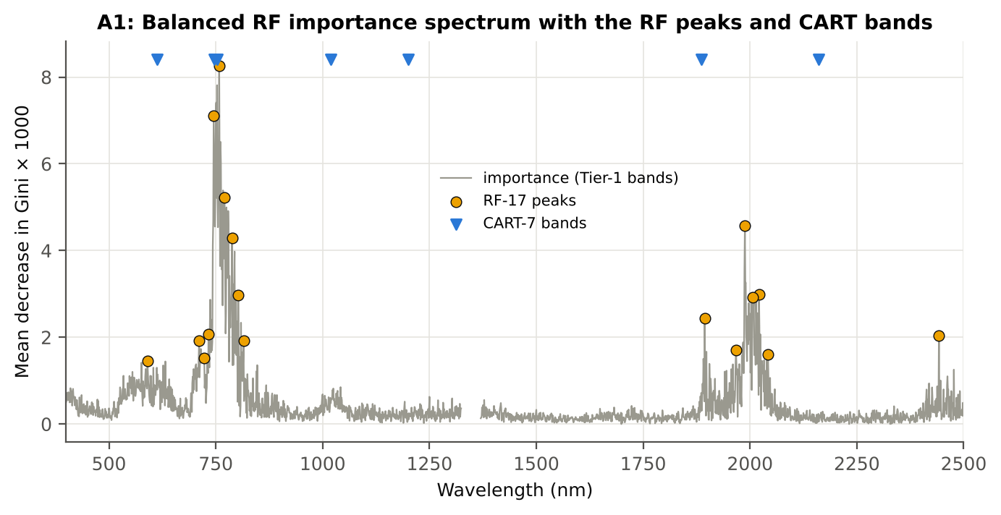
Figure A1. RF importance spectrum with the RF peaks (orange) and the CART bands (blue triangles)

Table A1.3 Checks of the RF importance
Check | Value | Result | Status
Reproducibility: importance of seed 42 vs seed 7 (Spearman ρ) | 0.654 | 13 of 17 peaks within ±10 nm | PASS
R randomForest (stratified sampsize 108 + 108), mean decrease in Gini | ρ = 0.669 | 15 of 17 peaks within ±10 nm; R out-of-bag BA 0.822 | PASS
Permutation importance (drop in AUC, 5 plot-grouped folds) vs Gini, top-50 bands | ρ = 0.49 | permutation and Gini rankings agree | PASS
Ordinary RF with class weights only (no balanced bootstrap), out-of-bag | BA 0.794 | healthy recall 0.69 | PASS

12_A3_CART_vs_RF
Part A3 · CART vs RF as classifiers and as band selectors — honest validation
Same folds everywhere: V1 leaf-level 10-fold; V3 nested plot-grouped 10-fold × 5 = 50 folds; V4 30 % plot hold-out × 10; V5 leave-one-variety-out (train on the other varieties).

Result in brief
CART vs RF: as classifiers RF beats CART by 5.9 points (V3, RF better in 38 of 50 folds, p = 2.3e-06); as band selectors for QDA the RF bands give +1.8 points vs the CART bands (p = 0.259). RF selection is more stable than CART selection (Jaccard ±10 nm 0.67 vs 0.29).

What was done
Four pipelines on identical folds. CART classifier: the rpart tree itself predicts. RF classifier: a Balanced RF (500 trees) on the Tier-1 bands predicts. QDA on CART bands: Tier 4 of the paper. QDA on RF bands: QDA on the 17 RF importance peaks. In V3, V4 and V5, Tier 1 and band selection are repeated inside every training set. Paired Wilcoxon signed-rank tests compare pipelines over the 50 V3 folds and the 10 V4 splits.
Table A3.1 Validation results (mean over repeats; SD over repeats)
Pipeline | Scheme | repeats | OA | BA | BA_SD | kappa | AUC | PA_H | PA_D | UA_H | UA_D
CART classifier | V1 | 1 | 79.9% | 74.6% |  | 0.4055 | 0.7530 | 66.7% | 82.6% | 43.4% | 92.5%
CART classifier | V3 | 5 | 79.3% | 74.4% | 1.3% | 0.3961 | 0.7584 | 67.0% | 81.8% | 42.4% | 92.6%
CART classifier | V4 | 10 | 80.2% | 72.0% | 5.5% | 0.3972 | 0.7163 | 59.2% | 84.8% | 47.7% | 90.6%
CART classifier | V5 | 1 | 79.5% | 73.2% |  | 0.3862 | 0.7586 | 63.9% | 82.6% | 42.3% | 92.0%
RF classifier | V1 | 1 | 81.9% | 80.6% |  | 0.4853 | 0.8979 | 78.7% | 82.6% | 47.5% | 95.1%
RF classifier | V3 | 5 | 82.2% | 79.5% | 0.7% | 0.4795 | 0.8793 | 75.4% | 83.6% | 47.9% | 94.4%
RF classifier | V4 | 10 | 82.6% | 76.7% | 7.6% | 0.4766 | 0.8683 | 67.5% | 85.9% | 52.9% | 92.5%
RF classifier | V5 | 1 | 81.6% | 78.2% |  | 0.4607 | 0.8742 | 73.1% | 83.3% | 46.7% | 93.9%
QDA on CART features | V1 | 1 | 79.3% | 84.3% |  | 0.4793 | 0.9175 | 91.7% | 76.9% | 44.2% | 97.9%
QDA on CART features | V3 | 5 | 80.6% | 84.3% | 2.9% | 0.4991 | 0.9063 | 89.8% | 78.8% | 46.3% | 97.5%
QDA on CART features | V4 | 10 | 79.4% | 81.2% | 7.9% | 0.4902 | 0.8794 | 83.9% | 78.4% | 49.0% | 95.6%
QDA on CART features | V5 | 1 | 79.8% | 84.2% |  | 0.4843 | 0.9059 | 90.7% | 77.6% | 44.7% | 97.7%
QDA on RF features | V1 | 1 | 80.7% | 84.4% |  | 0.4973 | 0.9171 | 89.8% | 78.9% | 46.0% | 97.5%
QDA on RF features | V3 | 5 | 84.7% | 86.2% | 1.6% | 0.5688 | 0.9278 | 88.3% | 84.0% | 52.6% | 97.3%
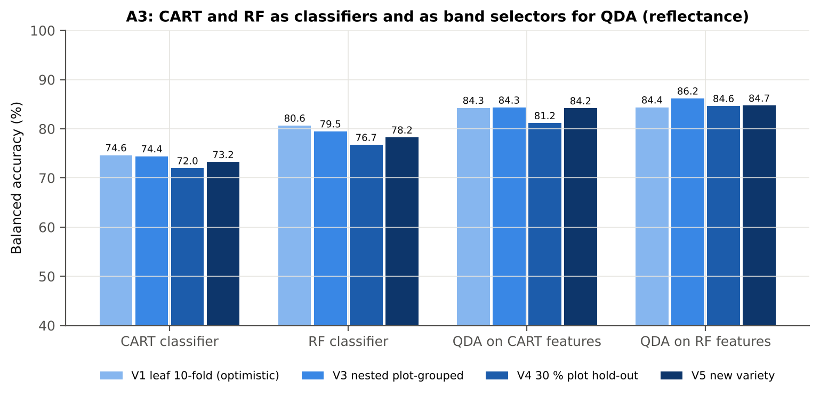
QDA on RF features | V4 | 10 | 87.6% | 84.6% | 3.5% | 0.6289 | 0.9159 | 80.0% | 89.3% | 63.9% | 95.4%
QDA on RF features | V5 | 1 | 85.0% | 84.7% |  | 0.5631 | 0.9121 | 84.3% | 85.2% | 53.2% | 96.4%

Table A3.2 Paired comparisons (same folds; positive = first pipeline better)
Comparison | Units | n | Mean difference | SD | First better | Second better | Ties | Wilcoxon p
RF classifier − CART classifier | V3 nested (folds) | 50 | 5.9% | 7.4% | 38 | 7 | 5 | 2.305E-06
RF classifier − CART classifier | V4 hold-out (splits) | 10 | 4.7% | 7.6% | 8 | 2 | 0 | 0.0488
QDA on RF features − QDA on CART features | V3 nested (folds) | 50 | 1.8% | 8.1% | 25 | 23 | 2 | 0.2591
QDA on RF features − QDA on CART features | V4 hold-out (splits) | 10 | 3.5% | 7.5% | 6 | 4 | 0 | 0.2324
QDA on CART features − CART classifier | V3 nested (folds) | 50 | 10.4% | 10.1% | 42 | 7 | 1 | 1.144E-07
QDA on CART features − CART classifier | V4 hold-out (splits) | 10 | 9.2% | 9.6% | 8 | 2 | 0 | 0.0098
QDA on RF features − RF classifier | V3 nested (folds) | 50 | 6.3% | 11.0% | 31 | 19 | 0 | 7.803E-04
QDA on RF features − RF classifier | V4 hold-out (splits) | 10 | 7.9% | 6.1% | 8 | 2 | 0 | 0.0098

Error matrix — CART classifier, V4 hold-out plots (10 splits pooled)
Classified \ Reference | Healthy | Diseased | Row total | User's accuracy (%)
Healthy | 213 | 251 | 464 | 45.91
Diseased | 147 | 1399 | 1546 | 90.49
Column total | 360 | 1650 | 2010
Producer's accuracy (%) | 59.17 | 84.79
Overall accuracy (%) | 80.20
Balanced accuracy (%) | 71.98
Cohen's κ | 0.395
F1 healthy | 0.517
F1 diseased | 0.875

Error matrix — RF classifier, V4 hold-out plots (10 splits pooled)
Classified \ Reference | Healthy | Diseased | Row total | User's accuracy (%)
Healthy | 243 | 232 | 475 | 51.16
Diseased | 117 | 1418 | 1535 | 92.38
Column total | 360 | 1650 | 2010
Producer's accuracy (%) | 67.50 | 85.94
Overall accuracy (%) | 82.64
Balanced accuracy (%) | 76.72
Cohen's κ | 0.475
F1 healthy | 0.582
F1 diseased | 0.890

Error matrix — QDA on CART features, V4 hold-out plots (10 splits pooled)
Classified \ Reference | Healthy | Diseased | Row total | User's accuracy (%)
Healthy | 302 | 356 | 658 | 45.90
Diseased | 58 | 1294 | 1352 | 95.71
Column total | 360 | 1650 | 2010
Producer's accuracy (%) | 83.89 | 78.42
Overall accuracy (%) | 79.40
Balanced accuracy (%) | 81.16
Cohen's κ | 0.471
F1 healthy | 0.593
F1 diseased | 0.862

Error matrix — QDA on RF features, V4 hold-out plots (10 splits pooled)
Classified \ Reference | Healthy | Diseased | Row total | User's accuracy (%)
Healthy | 288 | 177 | 465 | 61.94
Diseased | 72 | 1473 | 1545 | 95.34
Column total | 360 | 1650 | 2010
Producer's accuracy (%) | 80.00 | 89.27
Overall accuracy (%) | 87.61
Balanced accuracy (%) | 84.64
Cohen's κ | 0.622
F1 healthy | 0.698
F1 diseased | 0.922

13_A4_Band_Stability
Part A4 · Stability of the CART and RF band sets
Re-selection in the 50 nested training sets of V3 (a band counts if a band within ± 10 nm is selected).

Result in brief
Mean pairwise Jaccard (±10 nm): RF 0.67, CART 0.29 over 50 nested training sets.
Table A4.1 The CART-7 bands
Feature | Type | Re-selected by CART (±10 nm) | Re-selected by RF (±10 nm)
WV754 | Raw reflectance | 96.0% | 100.0%
WV613 | Raw reflectance | 54.0% | 14.0%
WV2160 | Raw reflectance | 32.0% | 0.0%
WV1200 | Raw reflectance | 4.0% | 0.0%
WV1886 | Raw reflectance | 26.0% | 82.0%
WV746 | Raw reflectance | 100.0% | 100.0%
WV1019 | Raw reflectance | 36.0% | 0.0%

Table A4.2 The RF-17 bands
Feature | Type | Re-selected by CART (±10 nm) | Re-selected by RF (±10 nm)
WV758 | Raw reflectance | 94.0% | 100.0%
WV745 | Raw reflectance | 100.0% | 100.0%
WV770 | Raw reflectance | 10.0% | 100.0%
WV1988 | Raw reflectance | 8.0% | 100.0%
WV788 | Raw reflectance | 20.0% | 100.0%
WV2021 | Raw reflectance | 36.0% | 94.0%
WV803 | Raw reflectance | 18.0% | 100.0%
WV2006 | Raw reflectance | 10.0% | 100.0%
WV1894 | Raw reflectance | 20.0% | 88.0%
WV733 | Raw reflectance | 72.0% | 76.0%
WV2442 | Raw reflectance | 0.0% | 16.0%
WV815 | Raw reflectance | 0.0% | 90.0%
WV711 | Raw reflectance | 38.0% | 70.0%
WV1967 | Raw reflectance | 10.0% | 88.0%
WV2042 | Raw reflectance | 4.0% | 44.0%
WV723 | Raw reflectance | 48.0% | 28.0%
WV590 | Raw reflectance | 14.0% | 24.0%

Table A4.3 Stability index
Method | Training sets | Mean features | Range | Unique features (union) | Selected in all sets (exact) | Stability index (exact) = all / union | Selected in all sets (±10 nm) | Stability index (±10 nm) | Mean pairwise Jaccard (±10 nm) | SD Jaccard
CART | 50 | 10.00 | 6–16 | 189 | 0 | 0.0000 | 7 | 0.0370 | 0.2904 | 0.1120
RF | 50 | 17.00 | 17–17 | 306 | 0 | 0.0000 | 91 | 0.2974 | 0.6745 | 0.0891
Stability index (exact) = bands selected in all 50 training sets ÷ all bands ever selected; the ±10 nm version counts a band as re-selected when a band within 10 nm is chosen; the mean pairwise Jaccard index (±10 nm) compares every pair of training sets.
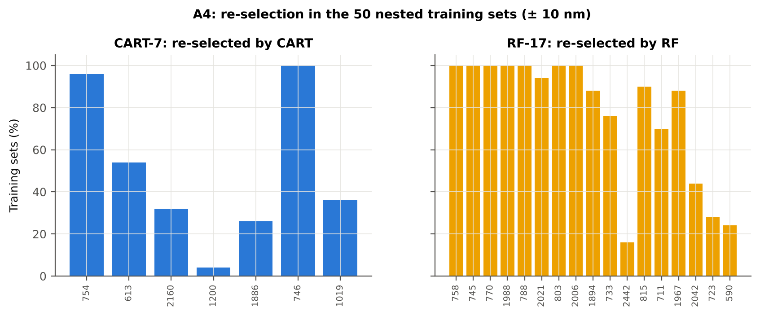

Table A4.4 Bands most often selected by CART (exact band)
Feature | Type | Times selected (exact) | Share of training sets
WV754 | Raw reflectance | 30 | 60.0%
WV613 | Raw reflectance | 21 | 42.0%
WV2160 | Raw reflectance | 16 | 32.0%
WV2017 | Raw reflectance | 13 | 26.0%
WV400 | Raw reflectance | 12 | 24.0%
WV747 | Raw reflectance | 11 | 22.0%
WV1019 | Raw reflectance | 11 | 22.0%
WV746 | Raw reflectance | 10 | 20.0%
WV748 | Raw reflectance | 9 | 18.0%
WV736 | Raw reflectance | 9 | 18.0%
WV1030 | Raw reflectance | 9 | 18.0%
WV796 | Raw reflectance | 8 | 16.0%
WV709 | Raw reflectance | 8 | 16.0%
WV740 | Raw reflectance | 8 | 16.0%
WV723 | Raw reflectance | 8 | 16.0%
WV729 | Raw reflectance | 7 | 14.0%
WV1408 | Raw reflectance | 7 | 14.0%
WV702 | Raw reflectance | 7 | 14.0%
WV1886 | Raw reflectance | 7 | 14.0%
WV755 | Raw reflectance | 7 | 14.0%
WV1666 | Raw reflectance | 6 | 12.0%
WV745 | Raw reflectance | 6 | 12.0%
WV596 | Raw reflectance | 5 | 10.0%
WV1000 | Raw reflectance | 5 | 10.0%
WV726 | Raw reflectance | 5 | 10.0%
WV734 | Raw reflectance | 5 | 10.0%
WV752 | Raw reflectance | 4 | 8.0%
WV725 | Raw reflectance | 4 | 8.0%
WV558 | Raw reflectance | 4 | 8.0%
WV749 | Raw reflectance | 4 | 8.0%

Table A4.5 Bands most often selected by RF (exact band)
Feature | Type | Times selected (exact) | Share of training sets
WV745 | Raw reflectance | 13 | 26.0%
WV755 | Raw reflectance | 13 | 26.0%
WV2019 | Raw reflectance | 12 | 24.0%
WV807 | Raw reflectance | 11 | 22.0%
WV775 | Raw reflectance | 10 | 20.0%
WV2017 | Raw reflectance | 10 | 20.0%
WV1894 | Raw reflectance | 10 | 20.0%
WV796 | Raw reflectance | 9 | 18.0%
WV1969 | Raw reflectance | 8 | 16.0%
WV2006 | Raw reflectance | 8 | 16.0%
WV2007 | Raw reflectance | 8 | 16.0%
WV772 | Raw reflectance | 8 | 16.0%
WV1982 | Raw reflectance | 8 | 16.0%
WV1999 | Raw reflectance | 7 | 14.0%
WV811 | Raw reflectance | 7 | 14.0%
WV786 | Raw reflectance | 7 | 14.0%
WV1991 | Raw reflectance | 7 | 14.0%
WV788 | Raw reflectance | 7 | 14.0%
WV781 | Raw reflectance | 7 | 14.0%
WV1992 | Raw reflectance | 7 | 14.0%
WV2003 | Raw reflectance | 7 | 14.0%
WV758 | Raw reflectance | 6 | 12.0%
WV1973 | Raw reflectance | 6 | 12.0%
WV771 | Raw reflectance | 6 | 12.0%
WV1891 | Raw reflectance | 6 | 12.0%
WV2013 | Raw reflectance | 6 | 12.0%
WV2029 | Raw reflectance | 6 | 12.0%
WV757 | Raw reflectance | 6 | 12.0%
WV2037 | Raw reflectance | 6 | 12.0%
WV1890 | Raw reflectance | 6 | 12.0%

14_K0_Denoising
Step K0 · Spectral smoothing / denoising and detector joins
Splice correction, Savitzky–Golay smoothing and derivatives; guard zones at the detector joins.

What was done
1. Splice correction: the ASD records 350–1000 nm (VNIR), 1001–1800 nm (SWIR-1) and 1801–2500 nm (SWIR-2) with three detectors. For each join a straight line was fitted to the 10 nm before the join and the next detector was shifted so that it continues this line at join + 1 nm. 2. Smoothing: Savitzky–Golay filter (window 11, order 2); first derivative SG(15, 2), second derivative SG(21, 2). 3. Guard zones: bands next to the joins are excluded from feature ranking (reflectance 990–1010 and 1795–1835 nm; first derivative 988–1012 and 1793–1837 nm; second derivative 985–1015 and 1790–1840 nm) because the filter windows straddle the join and a date-dependent start-up bump follows 1801 nm.
Table K0.1 Splice offsets added to the following detector (reflectance)
Join | Offset Healthy (mean) | SD (neg) | Offset Diseased (mean) | SD (pos)
1000/1001 nm | 0.0019 | 3.679E-04 | 0.0022 | 4.009E-04
1800/1801 nm | -1.523E-04 | 1.366E-04 | -3.640E-04 | 2.193E-04

Table K0.2 Spectral slope just before and just after the 1800/1801 nm join (reflectance × 10⁵ per nm)
Date | Slope 1786-1800 Healthy | Slope 1786-1800 Diseased | Slope 1801-1815 Healthy | Slope 1801-1815 Diseased
03-03-2026 | -12.50 | -13.58 | 5.6895 | 10.78
A healthy spectrum falls smoothly across the join; a slope that turns upward right after the join, or a class difference that changes with the date, marks the start-up artefact.

Table K0.3 Noise removed by the Savitzky–Golay filter
Range (nm) | Noise (SD raw - smoothed)
350-399 | 0.0074
400-499 | 8.540E-04
500-599 | 6.595E-05
600-679 | 2.935E-05
680-759 | 4.128E-05
760-1349 | 2.887E-05
1350-1430 | 1.739E-05
1431-1799 | 1.267E-05
1800-1950 | 1.550E-05
1951-2349 | 2.227E-05
2350-2500 | 9.014E-05

Table K0.4 Smoothing preserves the signal
Check of the smoothing | Value
Correlation of class-mean spectra, raw vs smoothed — healthy | 0.999991
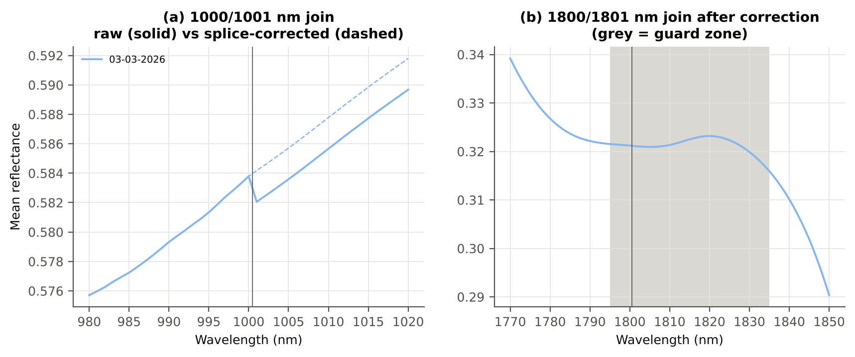
Correlation of class-mean spectra, raw vs smoothed — diseased | 0.999986
Largest change of the all-leaf mean spectrum (reflectance) | 0.002166
Tier-1 significant bands: raw vs smoothed | 2050 vs 2051

Cross-checks for this step
Step | What was checked | Method | Result | Status
K0 | Smoothing preserves the signal | class-mean spectra raw vs smoothed; Tier-1 counts | r ≥ 0.999986; 2050 (raw) vs 2051 (smoothed) significant bands | PASS
K0 | Detector artefact at the 1800/1801 nm join | slope just before vs just after the join, by date and class | no bump detected; guard zones applied as precaution | PASS

15_K1_Band_Reflectance
Step K1 · Band reflectance — which single bands are disease-sensitive
Splice-corrected, smoothed reflectance at every band 400–2500 nm (guard zones excluded from the ranking).

Result in brief
2051 of 2101 smoothed bands significant; 1329 bands with AUC ≥ 0.70; best band 1999 nm (AUC 0.84).

What was done
For every band: Welch's t-test with BH-FDR, Hedges' g (standardised mean difference, bias-corrected), the area under the ROC curve (AUC, direction-free: 0.5 = no separation, 1 = perfect) and a threshold classifier (Youden's J; the threshold and its direction are chosen on training plots and applied to test plots: plot-grouped CV (V3) and hold-out (V4)).
Table K1.1 Band-reflectance sensitivity
Summary | Value
Bands tested | 2101
Significant (Welch + FDR), smoothed spectra | 2051
Significant, raw spectra (Tier 1) | 2050
Bands with AUC ≥ 0.70 (outside guard zones) | 1329
Highest AUC (outside guard zones) | 0.842 at 1999 nm

Table K1.2 Most sensitive band in each spectral region (K1 features)
Wavelength (nm) | Region | AUC | Direction | Hedges g | Welch t | q (BH) | Mean healthy | Mean diseased | BA plot-grouped CV | BA hold-out
499.00 | 400–499 | 0.7189 | D > H | 0.6975 | 8.9882 | 1.613E-16 | 0.1606 | 0.1855 | 67.9% | 64.9%
599.00 | 500–599 | 0.7338 | D > H | 0.7220 | 10.08 | 2.982E-20 | 0.1605 | 0.1940 | 68.7% | 67.7%
653.00 | 600–679 | 0.7614 | D > H | 0.7482 | 11.78 | 5.809E-27 | 0.1069 | 0.1363 | 70.7% | 69.1%
755.00 | 680–759 | 0.8264 | D < H | -1.1100 | -15.05 | 6.552E-35 | 0.6291 | 0.5800 | 77.1% | 78.2%
760.00 | 760–1349 | 0.8259 | D < H | -1.1102 | -15.03 | 6.552E-35 | 0.6304 | 0.5813 | 75.8% | 77.2%
1430.00 | 1350–1430 | 0.7539 | D > H | 0.6862 | 10.82 | 1.320E-23 | 0.1271 | 0.1573 | 66.9% | 66.4%
1454.00 | 1431–1799 | 0.7650 | D > H | 0.7081 | 11.22 | 5.153E-25 | 0.1240 | 0.1551 | 66.4% | 66.9%
1893.00 | 1800–1950 | 0.8292 | D > H | 0.6876 | 12.89 | 9.558E-33 | 0.0746 | 0.1058 | 75.9% | 75.7%
1999.00 | 1951–2349 | 0.8422 | D > H | 0.7215 | 13.47 | 7.203E-35 | 0.0744 | 0.1072 | 75.3% | 74.7%
2446.00 | 2350–2500 | 0.8181 | D > H | 0.7019 | 12.76 | 4.657E-32 | 0.1006 | 0.1405 | 73.6% | 72.6%

Table K1.3 Fifteen most sensitive bands overall
Wavelength (nm) | Mean healthy | Mean diseased | Welch t | q (BH) | Hedges g | AUC | Direction
1999.00 | 0.0744 | 0.1072 | 13.47 | 7.203E-35 | 0.7215 | 0.8422 | D > H
1998.00 | 0.0741 | 0.1067 | 13.46 | 7.621E-35 | 0.7205 | 0.8420 | D > H
1997.00 | 0.0737 | 0.1062 | 13.45 | 8.151E-35 | 0.7196 | 0.8419 | D > H
2000.00 | 0.0748 | 0.1076 | 13.48 | 7.013E-35 | 0.7224 | 0.8419 | D > H
2001.00 | 0.0752 | 0.1081 | 13.49 | 6.799E-35 | 0.7233 | 0.8419 | D > H
1996.00 | 0.0734 | 0.1058 | 13.44 | 8.640E-35 | 0.7186 | 0.8417 | D > H
2002.00 | 0.0755 | 0.1086 | 13.49 | 6.726E-35 | 0.7242 | 0.8416 | D > H
1994.00 | 0.0727 | 0.1049 | 13.41 | 9.896E-35 | 0.7167 | 0.8416 | D > H
1995.00 | 0.0731 | 0.1053 | 13.43 | 9.223E-35 | 0.7177 | 0.8416 | D > H
2003.00 | 0.0759 | 0.1091 | 13.50 | 6.726E-35 | 0.7251 | 0.8414 | D > H
1993.00 | 0.0724 | 0.1044 | 13.40 | 1.082E-34 | 0.7158 | 0.8412 | D > H
2004.00 | 0.0763 | 0.1096 | 13.51 | 6.621E-35 | 0.7261 | 0.8412 | D > H
1992.00 | 0.0721 | 0.1040 | 13.39 | 1.166E-34 | 0.7148 | 0.8411 | D > H
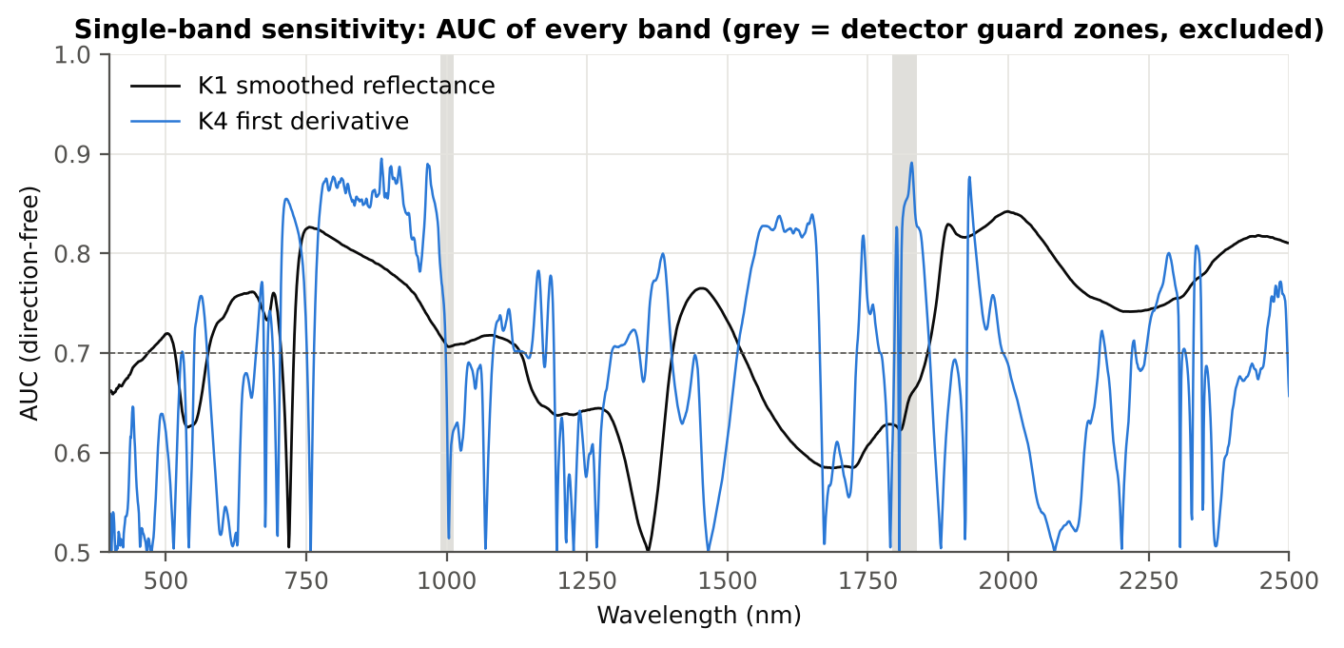
2005.00 | 0.0767 | 0.1101 | 13.52 | 6.552E-35 | 0.7270 | 0.8410 | D > H
2006.00 | 0.0771 | 0.1106 | 13.52 | 6.552E-35 | 0.7278 | 0.8410 | D > H

Figure K1. AUC of every band: reflectance (K1, black) and first derivative (K4, blue)

16_K2_Continuum_Removal
Step K2 · Continuum-removed absorption parameters
Six absorption features; continuum = upper convex hull of each window (Clark & Roush 1984; Kokaly & Clark 1999).

Result in brief
Most sensitive continuum-removed parameter: CR6 water 1940 area (AUC 0.89, BA plot-grouped CV 80.3 %).

What was done
Within each window the reflectance was divided by its upper convex hull (continuum). From the continuum-removed curve: depth (1 − minimum), position (wavelength of the minimum), area (sum of 1 − CR, nm), width (full width at half depth, nm) and symmetry (share of the area left of the position). Statistics as in K1, plus a linear mixed model (q) and the plot intraclass correlation (ICC).
Table K2.1 Absorption windows
Feature | From (nm) | To (nm) | Absorber
CR1 blue | 400 | 548 | chlorophyll / carotenoid (≈ 495 nm)
CR2 red | 548 | 765 | chlorophyll a/b, red well (≈ 675 nm)
CR3 water 970 | 914 | 1069 | leaf water (≈ 970 nm)
CR4 water 1200 | 1069 | 1258 | leaf water (≈ 1160–1200 nm)
CR5 water 1450 | 1258 | 1721 | leaf water (≈ 1450 nm)
CR6 water 1940 | 1721 | 2304 | leaf water (≈ 1940 nm)

Table K2.2 All 30 continuum-removed parameters, ranked by AUC
Feature | Mean healthy | Mean diseased | Welch t | q (BH) | Hedges g | AUC | Direction | Threshold | Rule | BA all leaves | BA plot-grouped CV | BA hold-out | Mixed-model q | ICC plot
CR6 water 1940 area | 249.62 | 230.97 | -18.07 | 1.783E-53 | -1.1165 | 0.8856 | D < H | 243.28 | diseased if < thr | 81.9% | 80.3% | 80.9% | 1.866E-06 | 0.2409
CR3 water 970 position | 971.57 | 968.68 | -20.72 | 2.466E-60 | -1.3948 | 0.8733 | D < H | 969.50 | diseased if < thr | 86.9% | 86.5% | 88.9% | 2.824E-05 | 0.7045
CR3 water 970 width | 64.00 | 56.90 | -27.56 | 3.527E-108 | -1.4829 | 0.8677 | D < H | 61.50 | diseased if < thr | 89.5% | 89.2% | 91.6% | 2.464E-05 | 0.7666
CR2 red area | 98.73 | 85.76 | -15.36 | 3.010E-40 | -1.0075 | 0.8224 | D < H | 90.95 | diseased if < thr | 77.0% | 75.7% | 72.4% | 1.335E-06 | 0.1423
CR3 water 970 area | 2.9031 | 2.2076 | -12.29 | 1.133E-24 | -1.1794 | 0.8132 | D < H | 2.4910 | diseased if < thr | 75.1% | 73.7% | 74.4% | 1.944E-06 | 0.2893
CR5 water 1450 depth | 0.7523 | 0.6910 | -13.36 | 4.516E-33 | -0.8468 | 0.7995 | D < H | 0.7297 | diseased if < thr | 73.1% | 70.9% | 71.0% | 5.817E-05 | 0.2185
CR2 red width | 132.16 | 122.64 | -13.42 | 4.516E-33 | -0.8655 | 0.7995 | D < H | 127.50 | diseased if < thr | 75.2% | 73.3% | 72.4% | 1.074E-06 | 0.0610
CR2 red depth | 0.8060 | 0.7477 | -13.69 | 2.573E-35 | -0.8201 | 0.7906 | D < H | 0.7856 | diseased if < thr | 73.0% | 69.4% | 69.3% | 4.873E-05 | 0.1874
CR6 water 1940 depth | 0.8144 | 0.7637 | -12.74 | 1.996E-30 | -0.8248 | 0.7903 | D < H | 0.8051 | diseased if < thr | 72.5% | 70.6% | 68.9% | 7.374E-05 | 0.2138
CR5 water 1450 area | 149.92 | 136.68 | -11.20 | 3.859E-23 | -0.8662 | 0.7676 | D < H | 140.29 | diseased if < thr | 70.5% | 67.1% | 66.8% | 4.373E-05 | 0.2139
CR2 red symmetry | 0.7117 | 0.7267 | 9.4451 | 7.324E-17 | 0.9073 | 0.7506 | D > H | 0.7202 | diseased if > thr | 69.7% | 67.2% | 67.6% | 1.866E-06 | 0.1194
CR5 water 1450 symmetry | 0.3415 | 0.3351 | -9.6041 | 1.472E-17 | -0.8541 | 0.7471 | D < H | 0.3421 | diseased if < thr | 68.2% | 64.0% | 64.5% | 2.503E-05 | 0.1754
CR3 water 970 depth | 0.0431 | 0.0362 | -8.7124 | 7.002E-15 | -0.8642 | 0.7388 | D < H | 0.0376 | diseased if < thr | 68.9% | 67.0% | 67.8% | 2.503E-05 | 0.1809
CR1 blue symmetry | 0.6846 | 0.6736 | -8.2070 | 1.266E-13 | -0.8279 | 0.7308 | D < H | 0.6804 | diseased if < thr | 68.4% | 65.6% | 65.6% | 1.674E-06 | 0.0697
CR1 blue position | 495.69 | 494.00 | -8.4809 | 9.637E-15 | -0.7172 | 0.7145 | D < H | 495.50 | diseased if < thr | 67.0% | 67.0% | 65.5% | 6.059E-04 | 0.2482
CR1 blue depth | 0.4096 | 0.3737 | -8.0673 | 1.317E-13 | -0.7071 | 0.7062 | D < H | 0.4120 | diseased if < thr | 67.6% | 67.6% | 66.0% | 3.588E-04 | 0.1983
CR5 water 1450 position | 1442.76 | 1441.19 | -7.3787 | 5.905E-12 | -0.6173 | 0.7020 | D < H | 1442.50 | diseased if < thr | 64.0% | 61.5% | 59.8% | 3.588E-04 | 0.1231
CR4 water 1200 position | 1160.17 | 1159.66 | -8.5557 | 6.512E-15 | -0.7175 | 0.6946 | D < H | 1159.50 | diseased if < thr | 65.7% | 65.7% | 65.9% | 1.530E-04 | 0.1631
CR4 water 1200 width | 62.51 | 60.41 | -7.4495 | 5.115E-12 | -0.6553 | 0.6924 | D < H | 61.50 | diseased if < thr | 64.9% | 63.3% | 63.9% | 4.830E-04 | 0.1724
CR1 blue area | 31.39 | 28.52 | -7.1908 | 2.512E-11 | -0.6653 | 0.6906 | D < H | 30.25 | diseased if < thr | 65.5% | 61.4% | 62.4% | 2.254E-04 | 0.1395
CR6 water 1940 symmetry | 0.2356 | 0.2439 | 8.0832 | 9.871E-14 | 0.6725 | 0.6852 | D > H | 0.2444 | diseased if > thr | 65.4% | 62.2% | 62.4% | 0.0014 | 0.2582
CR2 red position | 675.25 | 676.45 | 5.5900 | 1.360E-07 | 0.6222 | 0.6698 | D > H | 675.50 | diseased if > thr | 62.3% | 58.3% | 60.1% | 4.830E-04 | 0.1452
CR4 water 1200 area | 4.9071 | 4.3105 | -5.7860 | 4.854E-08 | -0.5851 | 0.6646 | D < H | 4.4749 | diseased if < thr | 63.6% | 62.1% | 62.1% | 0.0010 | 0.1519
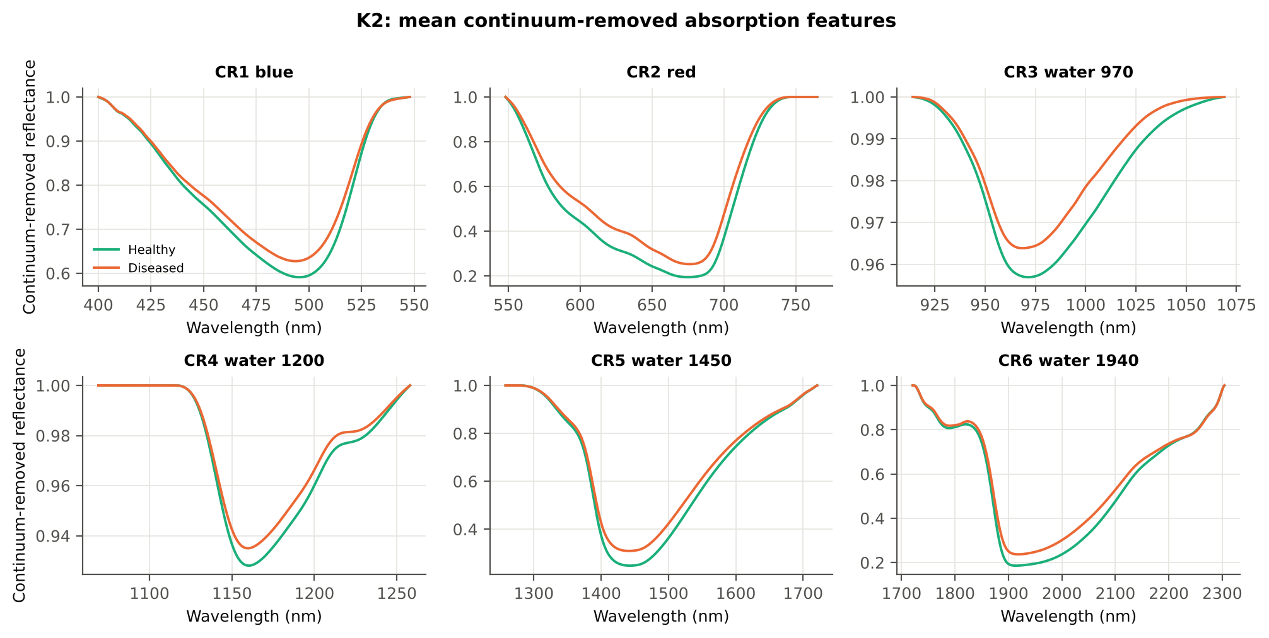
CR6 water 1940 position | 1913.47 | 1916.40 | 6.6221 | 4.839E-10 | 0.5816 | 0.6558 | D > H | 1917.50 | diseased if > thr | 62.7% | 60.1% | 61.1% | 0.0036 | 0.2322
CR4 water 1200 depth | 0.0719 | 0.0650 | -5.3849 | 3.039E-07 | -0.5396 | 0.6523 | D < H | 0.0648 | diseased if < thr | 63.0% | 62.4% | 60.2% | 0.0018 | 0.1428
CR6 water 1940 width | 271.45 | 267.28 | -3.0986 | 0.0024 | -0.2448 | 0.6286 | D < H | 263.50 | diseased if < thr | 61.5% | 61.5% | 61.8% | 0.1007 | 0.0938
CR5 water 1450 width | 180.78 | 178.70 | -2.7116 | 0.0079 | -0.2552 | 0.5906 | D < H | 176.50 | diseased if < thr | 58.6% | 58.3% | 59.6% | 0.0532 | 0.0467
CR4 water 1200 symmetry | 0.3064 | 0.3105 | 3.9112 | 1.359E-04 | 0.2911 | 0.5845 | D > H | 0.3120 | diseased if > thr | 58.0% | 54.8% | 55.1% | 0.0532 | 0.0932
CR3 water 970 symmetry | 0.3823 | 0.3803 | -1.4901 | 0.1428 | -0.1413 | 0.5647 | D < H | 0.3793 | diseased if < thr | 58.9% | 57.4% | 55.3% | 0.3348 | 0.0896
CR1 blue width | 79.29 | 78.79 | -1.2054 | 0.2297 | -0.1153 | 0.5331 | D < H | 75.50 | diseased if < thr | 53.6% | 49.4% | 47.8% | 0.4498 | 0.1185

Cross-checks for this step
Step | What was checked | Method | Result | Status
K2 | Convex hull | monotone-chain upper hull vs SciPy ConvexHull, 20 leaves × 6 windows | max |Δ continuum| = 0.0e+00 | PASS

17_K3_Vegetation_Indices
Step K3 · Disease-sensitive spectral (vegetation) indices — the 31 indices of the flowering-stage workbook
Computed from splice-corrected, smoothed reflectance at the nearest 1 nm band.

Result in brief
Most sensitive index: NWI2 (AUC 0.87, BA plot-grouped CV 79.3 %).
Table K3.1 The 31 indices
Index | Name | Equation (as computed) | Reference
WI | Water Index | R900 / R970 | Peñuelas et al., 1997
mCARI1 | Modified Chlorophyll Absorption in Reflectance Index 1 | 1.2[2.5(R761 − R651) − 1.3(R761 − R581)] | Haboudane et al., 2004
MTVI1 | Modified Triangular Vegetation Index 1 | 1.2[1.2(R761 − R581) − 2.5(R651 − R581)] | Haboudane et al., 2004
MTVI2 | Modified Triangular Vegetation Index 2 | 1.5[1.2(R761 − R581) − 2.5(R651 − R581)] / √[(2R761 + 1)² − (6R761 − 5√R651) − 0.5] | Haboudane et al., 2004
SR900 | Simple Ratio Index 900 | R900 / R680 | Jordan, 1969
SR850 | Simple Ratio Index 850 | R850 / R680 | Jordan, 1969
GNDVI | Green NDVI | (R850 − R580) / (R850 + R580) | Gitelson and Merzlyak, 1996
PRI | Photochemical Reflectance Index | (R531 − R570) / (R531 + R570) | Gamon et al., 1992
RARSa | Ratio Analysis of Reflectance Spectra, chlorophyll a | R675 / R700 | Chappelle et al., 1992
RARSb | Ratio Analysis of Reflectance Spectra, chlorophyll b | R675 / (R700 × R650) | Chappelle et al., 1992
RARSc | Ratio Analysis of Reflectance Spectra, carotenoids | R750 / R700 | Chappelle et al., 1992
PSSRa | Pigment Specific Simple Ratio a | R800 / R680 | Blackburn, 1998
NDVI780 | Normalized Difference Vegetation Index 780 | (R780 − R670) / (R780 + R670) | Raun et al., 2001
SIPI | Structure Insensitive Pigment Index | (R800 − R445) / (R800 − R680) | Peñuelas et al., 1995
NCPI | Normalized Chlorophyll Pigment Ratio Index | (R670 − R450) / (R670 + R450) | Peñuelas et al., 1994
NPQI | Normalized Phaeophytinization Index | (R415 − R435) / (R415 + R435) | Barnes et al., 1992
PSRI | Plant Senescence Reflectance Index | (R680 − R500) / R750 | Merzlyak et al., 1999
WI/ND | Ratio of WI and NDVI | (R900 / R970) / [(R900 − R680) / (R900 + R680)] | Peñuelas et al., 1997
TCARI | Transformed Chlorophyll Absorption in Reflectance Index | 3[(R700 − R670) − 0.2(R700 − R550)(R700 / R670)] | Haboudane et al., 2002
VIGreen | Green Vegetation Index | (R760 − R550) / (R760 + R550) | Gitelson et al., 2002
RVS1 | Red-Edge Vegetation Stress Index 1 | R651 + R750 | Merton, 1998
RVS2 | Red-Edge Vegetation Stress Index 2 | (R651 + R750) / (R651 − R750) | Merton, 1998
TVI | Triangle Vegetation Index | 0.5[120(R761 − R581) − 200(R651 − R581)] | Broge and Leblanc, 2001
RDVI | Renormalized Difference Vegetation Index | (R761 − R651) / √(R761 + R651) | Roujean and Breon, 1995
NDVI850 | Normalized Difference Vegetation Index 850 | (R850 − R651) / (R850 + R651) | Raun et al., 2001
SR761 | Simple Ratio Index 761 | R761 / R651 | Jordan, 1969
NDVI761 | Normalized Difference Vegetation Index 761 | (R761 − R651) / (R761 + R651) | Raun et al., 2001
PPR | Plant Pigment Ratio | R550 / R450 | Metternicht, 2003
NWI2 | Normalized Water Index 2 | (R970 − R850) / (R970 + R850) | Babar et al., 2006
NRI | Nitrogen Reflectance Index | (R570 − R670) / (R570 + R670) | Bausch and Duke, 1996
ARI | Anthocyanin Reflectance Index | 1/R550 − 1/R700 | Gitelson et al., 2001

Table K3.2 Sensitivity of the 31 indices to white rust, ranked by AUC
Feature | Mean healthy | Mean diseased | Welch t | q (BH) | Hedges g | AUC | Direction | Threshold | Rule | BA all leaves | BA plot-grouped CV | BA hold-out | Mixed-model q | ICC plot
NWI2 | -0.0246 | -0.0126 | 18.28 | 2.762E-49 | 1.2785 | 0.8685 | D > H | -0.0207 | diseased if > thr | 80.3% | 79.3% | 78.3% | 4.382E-06 | 0.4472
TVI | 34.35 | 29.73 | -17.52 | 5.024E-49 | -1.1438 | 0.8490 | D < H | 31.87 | diseased if < thr | 80.0% | 78.9% | 78.8% | 2.587E-06 | 0.2927
RDVI | 0.6075 | 0.5234 | -17.72 | 2.918E-50 | -1.1284 | 0.8477 | D < H | 0.5628 | diseased if < thr | 78.7% | 77.1% | 76.6% | 4.754E-07 | 0.2034
WI | 1.0476 | 1.0308 | -15.42 | 1.400E-36 | -1.2280 | 0.8428 | D < H | 1.0409 | diseased if < thr | 77.8% | 76.8% | 76.8% | 4.382E-06 | 0.3976
MTVI2 | 0.6919 | 0.5997 | -16.87 | 2.970E-47 | -1.0762 | 0.8381 | D < H | 0.6660 | diseased if < thr | 76.6% | 71.5% | 73.0% | 1.406E-06 | 0.2156
MTVI1 | 0.8696 | 0.7603 | -16.46 | 9.057E-45 | -1.0817 | 0.8376 | D < H | 0.8010 | diseased if < thr | 78.4% | 75.3% | 75.9% | 4.836E-06 | 0.2989
mCARI1 | 0.8696 | 0.7603 | -16.46 | 9.057E-45 | -1.0817 | 0.8376 | D < H | 0.8010 | diseased if < thr | 78.4% | 75.3% | 75.9% | 4.836E-06 | 0.2989
RVS2 | -1.4231 | -1.6832 | -12.85 | 1.956E-33 | -0.6641 | 0.8181 | D < H | -1.4782 | diseased if < thr | 76.3% | 73.7% | 73.0% | 3.967E-05 | 0.0936
SR761 | 5.9604 | 4.5458 | -13.50 | 2.399E-29 | -1.1694 | 0.8162 | D < H | 5.2069 | diseased if < thr | 76.1% | 73.1% | 73.6% | 1.683E-07 | 0.1894
NDVI761 | 0.7072 | 0.6187 | -15.33 | 6.393E-41 | -0.9822 | 0.8162 | D < H | 0.6778 | diseased if < thr | 76.1% | 73.1% | 73.6% | 1.352E-06 | 0.1555
RARSc | 3.2187 | 2.5436 | -12.78 | 3.904E-27 | -1.1176 | 0.8077 | D < H | 2.6867 | diseased if < thr | 74.8% | 72.5% | 70.3% | 9.351E-08 | 0.1379
ARI | -1.3265 | -0.8091 | 12.47 | 1.699E-26 | 1.0610 | 0.8059 | D > H | -1.1822 | diseased if > thr | 75.3% | 74.1% | 70.5% | 9.351E-08 | 0.1182
NDVI850 | 0.7043 | 0.6216 | -14.68 | 5.676E-38 | -0.9580 | 0.8058 | D < H | 0.6735 | diseased if < thr | 75.6% | 73.8% | 72.6% | 1.509E-06 | 0.1524
PRI | 0.0813 | 0.0628 | -15.21 | 9.499E-41 | -0.9648 | 0.8030 | D < H | 0.0676 | diseased if < thr | 75.5% | 72.4% | 71.8% | 9.351E-08 | 0.0641
NDVI780 | 0.7376 | 0.6627 | -14.34 | 3.195E-37 | -0.9104 | 0.7995 | D < H | 0.7099 | diseased if < thr | 75.3% | 74.2% | 73.3% | 5.748E-06 | 0.1911
NCPI | -0.3733 | -0.3297 | 13.73 | 3.358E-37 | 0.7364 | 0.7903 | D > H | -0.3593 | diseased if > thr | 74.3% | 70.8% | 71.5% | 5.748E-06 | 0.0853
PSSRa | 6.5029 | 5.1592 | -12.07 | 5.176E-25 | -1.0601 | 0.7873 | D < H | 5.7155 | diseased if < thr | 73.1% | 71.5% | 69.9% | 4.041E-06 | 0.2558
SR850 | 6.4639 | 5.1750 | -11.76 | 3.992E-24 | -1.0343 | 0.7816 | D < H | 5.7240 | diseased if < thr | 72.9% | 71.3% | 70.2% | 4.591E-06 | 0.2522
GNDVI | 0.5415 | 0.4608 | -12.56 | 3.096E-28 | -0.9313 | 0.7808 | D < H | 0.4911 | diseased if < thr | 73.7% | 71.7% | 70.5% | 2.612E-06 | 0.1580
SR900 | 6.4450 | 5.1956 | -11.52 | 1.959E-23 | -1.0132 | 0.7772 | D < H | 5.7401 | diseased if < thr | 72.7% | 70.8% | 70.0% | 5.087E-06 | 0.2490
VIGreen | 0.4092 | 0.3421 | -11.18 | 2.229E-23 | -0.8677 | 0.7612 | D < H | 0.3541 | diseased if < thr | 72.1% | 70.4% | 68.7% | 5.748E-06 | 0.1644
WI/ND | 1.4453 | 1.5909 | 10.62 | 4.851E-24 | 0.5840 | 0.7393 | D > H | 1.4811 | diseased if > thr | 70.6% | 67.9% | 66.6% | 4.455E-04 | 0.1163
RARSb | 4.5467 | 3.7992 | -8.5449 | 5.921E-15 | -0.7606 | 0.7329 | D < H | 3.9281 | diseased if < thr | 70.7% | 69.6% | 66.9% | 5.748E-06 | 0.0981
SIPI | 0.7806 | 0.7477 | -8.3544 | 5.892E-15 | -0.6245 | 0.7063 | D < H | 0.7752 | diseased if < thr | 67.1% | 65.9% | 63.5% | 7.575E-04 | 0.1759
PSRI | -0.1000 | -0.1132 | -6.6450 | 1.437E-10 | -0.4363 | 0.6836 | D < H | -0.1036 | diseased if < thr | 65.0% | 61.1% | 60.5% | 0.0148 | 0.1716
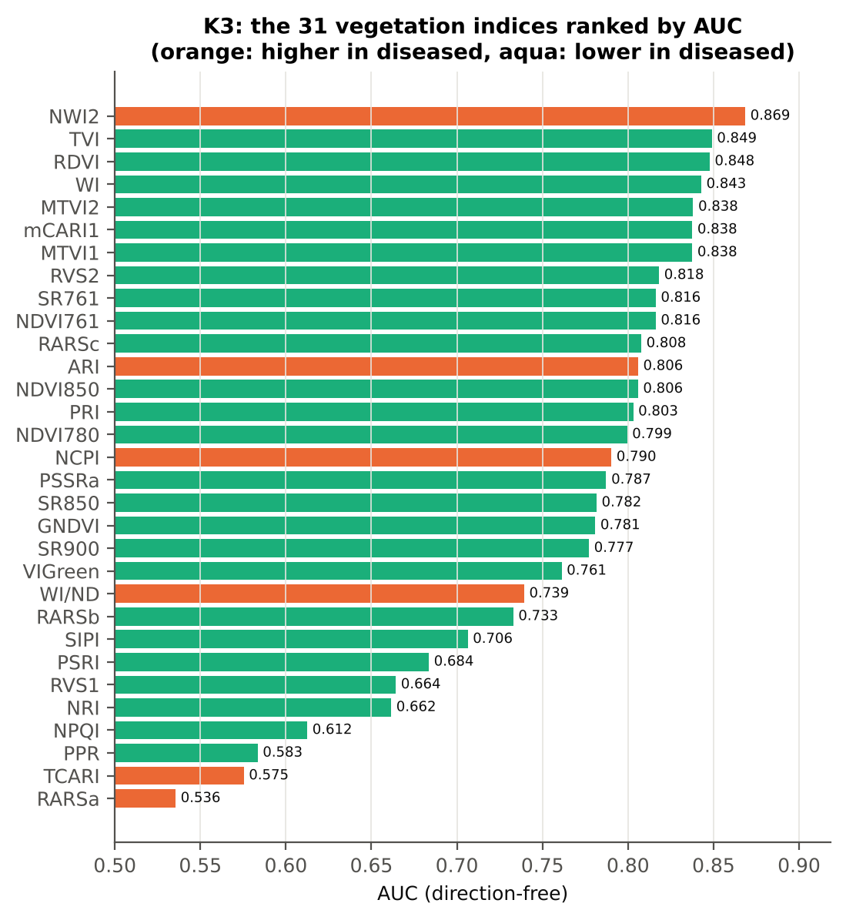
RVS1 | 0.7338 | 0.7151 | -4.6267 | 6.826E-06 | -0.3464 | 0.6643 | D < H | 0.7029 | diseased if < thr | 68.0% | 65.5% | 65.0% | 0.1173 | 0.3373
NRI | 0.3914 | 0.3544 | -6.7631 | 1.476E-10 | -0.5472 | 0.6615 | D < H | 0.3590 | diseased if < thr | 62.5% | 58.4% | 58.5% | 0.0059 | 0.2286
NPQI | 0.0693 | 0.0647 | -3.8141 | 2.092E-04 | -0.3537 | 0.6125 | D < H | 0.0642 | diseased if < thr | 60.9% | 59.3% | 57.9% | 0.0365 | 0.1448
PPR | 1.2862 | 1.2489 | -2.5473 | 0.0122 | -0.2579 | 0.5835 | D < H | 1.2380 | diseased if < thr | 59.0% | 55.8% | 55.4% | 0.1420 | 0.1782
TCARI | 0.3963 | 0.4222 | 2.7258 | 0.0076 | 0.2534 | 0.5754 | D > H | 0.4567 | diseased if > thr | 60.4% | 59.8% | 56.3% | 0.1420 | 0.1678
RARSa | 0.4853 | 0.4952 | 1.6277 | 0.1053 | 0.1478 | 0.5355 | D > H | 0.5202 | diseased if > thr | 55.7% | 53.8% | 49.7% | 0.3763 | 0.1630

Cross-check: indices recomputed by Excel formulas for ten leaves
Table K3.3 Reflectance input (splice-corrected, smoothed)
Leaf row | R415 | R435 | R445 | R450 | R500 | R531 | R550 | R570 | R580 | R581 | R650 | R651 | R670 | R675 | R680 | R700 | R750 | R760 | R761 | R780 | R800 | R850 | R900 | R970
1.0000 | 0.2436 | 0.2148 | 0.1989 | 0.1932 | 0.1479 | 0.2657 | 0.2823 | 0.2250 | 0.1869 | 0.1842 | 0.0997 | 0.0987 | 0.0832 | 0.0839 | 0.0863 | 0.1964 | 0.6877 | 0.6938 | 0.6939 | 0.6913 | 0.6879 | 0.6810 | 0.6770 | 0.6437
72.00 | 0.2883 | 0.2530 | 0.2367 | 0.2299 | 0.1766 | 0.2626 | 0.2719 | 0.2275 | 0.1981 | 0.1960 | 0.1191 | 0.1183 | 0.1059 | 0.1061 | 0.1080 | 0.2132 | 0.5788 | 0.5834 | 0.5835 | 0.5833 | 0.5835 | 0.5848 | 0.5870 | 0.5683
144.00 | 0.2384 | 0.2082 | 0.1942 | 0.1884 | 0.1457 | 0.2439 | 0.2598 | 0.2173 | 0.1868 | 0.1845 | 0.1080 | 0.1069 | 0.0861 | 0.0853 | 0.0865 | 0.2101 | 0.6105 | 0.6153 | 0.6155 | 0.6153 | 0.6145 | 0.6126 | 0.6119 | 0.5786
216.00 | 0.2491 | 0.2278 | 0.2163 | 0.2124 | 0.1769 | 0.3101 | 0.3244 | 0.2746 | 0.2387 | 0.2360 | 0.1304 | 0.1291 | 0.1026 | 0.1017 | 0.1038 | 0.2580 | 0.5528 | 0.5546 | 0.5546 | 0.5543 | 0.5549 | 0.5564 | 0.5585 | 0.5403
288.00 | 0.2701 | 0.2332 | 0.2191 | 0.2133 | 0.1719 | 0.2880 | 0.3032 | 0.2603 | 0.2282 | 0.2257 | 0.1270 | 0.1258 | 0.1036 | 0.1026 | 0.1041 | 0.2518 | 0.5407 | 0.5440 | 0.5442 | 0.5456 | 0.5475 | 0.5517 | 0.5558 | 0.5425
360.00 | 0.2653 | 0.2405 | 0.2276 | 0.2235 | 0.1926 | 0.3265 | 0.3371 | 0.2930 | 0.2607 | 0.2582 | 0.1513 | 0.1497 | 0.1176 | 0.1176 | 0.1225 | 0.3008 | 0.6022 | 0.6044 | 0.6045 | 0.6049 | 0.6074 | 0.6121 | 0.6160 | 0.5917
432.00 | 0.2888 | 0.2481 | 0.2314 | 0.2242 | 0.1733 | 0.2516 | 0.2563 | 0.2149 | 0.1885 | 0.1865 | 0.1192 | 0.1185 | 0.1090 | 0.1098 | 0.1122 | 0.2037 | 0.5335 | 0.5368 | 0.5368 | 0.5363 | 0.5368 | 0.5395 | 0.5431 | 0.5374
504.00 | 0.3149 | 0.2587 | 0.2437 | 0.2410 | 0.2057 | 0.3224 | 0.3226 | 0.2722 | 0.2403 | 0.2377 | 0.1358 | 0.1345 | 0.1101 | 0.1103 | 0.1150 | 0.2504 | 0.5518 | 0.5535 | 0.5534 | 0.5515 | 0.5514 | 0.5519 | 0.5538 | 0.5353
576.00 | 0.3397 | 0.3151 | 0.2981 | 0.2905 | 0.2248 | 0.2610 | 0.2458 | 0.2435 | 0.2418 | 0.2416 | 0.3172 | 0.3159 | 0.2540 | 0.2462 | 0.2478 | 0.4707 | 0.6173 | 0.6200 | 0.6202 | 0.6223 | 0.6240 | 0.6240 | 0.6235 | 0.5843
648.00 | 0.2957 | 0.2660 | 0.2512 | 0.2451 | 0.1973 | 0.2999 | 0.3093 | 0.2634 | 0.2323 | 0.2299 | 0.1432 | 0.1420 | 0.1174 | 0.1170 | 0.1197 | 0.2580 | 0.6683 | 0.6718 | 0.6718 | 0.6692 | 0.6675 | 0.6636 | 0.6611 | 0.6248

Table K3.4 Indices by Excel formula, Python value and difference
Leaf row | NDVI780 | PRI | TCARI | MTVI2 | ARI | WI/ND | NWI2 | PSRI | RARSb | Python NDVI780 | Python PRI | Python TCARI | Python MTVI2 | Python ARI | Python WI/ND | Python NWI2 | Python PSRI | Python RARSb | Max |Excel − Python|
1.0000 | 0.78522 | 0.08302 | 0.46136 | 0.76644 | -1.55076 | 1.35920 | -0.02815 | -0.08949 | 4.28279 | 0.78522 | 0.08302 | 0.46136 | 0.76644 | -1.55076 | 1.35920 | -0.02815 | -0.08949 | 4.28279 | 0.0E+00
72.00 | 0.69262 | 0.07167 | 0.39273 | 0.63626 | -1.01239 | 1.49892 | -0.01437 | -0.11848 | 4.17994 | 0.69262 | 0.07167 | 0.39273 | 0.63626 | -1.01239 | 1.49892 | -0.01437 | -0.11848 | 4.17994 | 0.0E+00
144.00 | 0.75455 | 0.05770 | 0.44473 | 0.68584 | -0.91113 | 1.40562 | -0.02849 | -0.09697 | 3.75920 | 0.75455 | 0.05770 | 0.44473 | 0.68584 | -0.91113 | 1.40562 | -0.02849 | -0.09697 | 3.75920 | 0.0E+00
216.00 | 0.68770 | 0.06085 | 0.56654 | 0.62670 | -0.79221 | 1.50575 | -0.01471 | -0.13218 | 3.02164 | 0.68770 | 0.06085 | 0.56654 | 0.62670 | -0.79221 | 1.50575 | -0.01471 | -0.13218 | 3.02164 | 0.0E+00
288.00 | 0.68088 | 0.05059 | 0.51955 | 0.61573 | -0.67440 | 1.49679 | -0.00836 | -0.12543 | 3.20962 | 0.68088 | 0.05059 | 0.51955 | 0.61573 | -0.67440 | 1.49679 | -0.00836 | -0.12543 | 3.20962 | 0.0E+00
360.00 | 0.67448 | 0.05395 | 0.60532 | 0.62848 | -0.35886 | 1.55818 | -0.01697 | -0.11629 | 2.58366 | 0.67448 | 0.05395 | 0.60532 | 0.62848 | -0.35886 | 1.55818 | -0.01697 | -0.11629 | 2.58366 | 0.0E+00
432.00 | 0.66224 | 0.07855 | 0.34316 | 0.58382 | -1.00782 | 1.53665 | -0.00190 | -0.11455 | 4.52361 | 0.66224 | 0.07855 | 0.34316 | 0.58382 | -1.00782 | 1.53665 | -0.00190 | -0.11455 | 4.52361 | 0.0E+00
504.00 | 0.66709 | 0.08442 | 0.51925 | 0.61006 | -0.89448 | 1.57687 | -0.01527 | -0.16433 | 3.24563 | 0.66709 | 0.08442 | 0.51925 | 0.61006 | -0.89448 | 1.57687 | -0.01527 | -0.16433 | 3.24563 | 0.0E+00
576.00 | 0.42035 | 0.03471 | 0.40003 | 0.21204 | 1.94394 | 2.47503 | -0.03284 | 0.03731 | 1.64879 | 0.42035 | 0.03471 | 0.40003 | 0.21204 | 1.94394 | 2.47503 | -0.03284 | 0.03731 | 1.64879 | 0.0E+00
648.00 | 0.70142 | 0.06480 | 0.48935 | 0.66705 | -0.64273 | 1.52618 | -0.03014 | -0.11605 | 3.16606 | 0.70142 | 0.06480 | 0.48935 | 0.66705 | -0.64273 | 1.52618 | -0.03014 | -0.11605 | 3.16606 | 0.0E+00
Largest difference over all ten leaves: |  |  |  | 0.0E+00

Cross-checks for this step
Step | What was checked | Method | Result | Status
K3 | Duplicated indices | mCARI1 vs MTVI1; SR761 vs NDVI761 | max |mCARI1 − MTVI1| = 4.4e-16 (algebraically identical); AUC SR761 0.8162 = NDVI761 0.8162 (monotone transform) | PASS

18_K3b_Optimised_Index
Step K3b (extra) · Optimised two-band index — exhaustive NDSI / DI search
NDSI(i, j) = (Ri − Rj)/(Ri + Rj); DI(i, j) = Ri − Rj; all band pairs on a 5 nm grid (guard zones excluded), best pair refined at 1 nm.

Result in brief
Best join-free two-band index: NDSI(2081,2315) (AUC 0.91); honest nested BA 76.1 % (CV) / 77.8 % (hold-out).
Every pair of bands on a 5 nm grid (407 bands, 82,621 pairs) was scored by AUC. Choosing the best of so many pairs on all leaves is optimistic, so the search was repeated inside 20 training sets (V3 repeat 1 and the 10 V4 splits) and the chosen pair was tested on the held-out plots (honest estimate).
Table K3b.1 Ten best pairs of each form (5 nm grid, all leaves)
Index | Band i (nm) | Band j (nm) | AUC
NDSI(2080, 2315) | 2080.00 | 2315.00 | 0.9141
NDSI(2080, 2320) | 2080.00 | 2320.00 | 0.9122
NDSI(2085, 2315) | 2085.00 | 2315.00 | 0.9115
NDSI(2075, 2315) | 2075.00 | 2315.00 | 0.9107
NDSI(2080, 2310) | 2080.00 | 2310.00 | 0.9106
NDSI(2085, 2310) | 2085.00 | 2310.00 | 0.9105
NDSI(2075, 2320) | 2075.00 | 2320.00 | 0.9104
NDSI(2060, 2350) | 2060.00 | 2350.00 | 0.9085
NDSI(2075, 2325) | 2075.00 | 2325.00 | 0.9083
NDSI(2075, 2310) | 2075.00 | 2310.00 | 0.9072
DI(965, 970) | 965.00 | 970.00 | 0.9005
DI(880, 885) | 880.00 | 885.00 | 0.9003
DI(900, 905) | 900.00 | 905.00 | 0.8953
DI(880, 890) | 880.00 | 890.00 | 0.8945
DI(895, 905) | 895.00 | 905.00 | 0.8914
DI(810, 815) | 810.00 | 815.00 | 0.8908
DI(960, 970) | 960.00 | 970.00 | 0.8864
DI(780, 785) | 780.00 | 785.00 | 0.8856
DI(770, 985) | 770.00 | 985.00 | 0.8851
DI(780, 985) | 780.00 | 985.00 | 0.8850

Table K3b.2 The refined best indices (1 nm)
Feature | Mean healthy | Mean diseased | Welch t | q (BH) | Hedges g | AUC | Direction | Threshold | Rule | BA all leaves | BA plot-grouped CV | BA hold-out | Mixed-model q | ICC plot
DI(966,968) | 2.945E-04 | -3.174E-06 | -24.99 | 3.910E-78 | -1.6698 | 0.9152 | D < H | 1.362E-04 | diseased if < thr | 87.7% | 85.7% | 88.3% | 1.853E-07 | 0.6594
NDSI(2081,2315) | -0.2486 | -0.2281 | 19.03 | 8.751E-48 | 1.5575 | 0.9143 | D > H | -0.2401 | diseased if > thr | 84.3% | 82.2% | 83.3% | 4.831E-10 | 0.2635
* the threshold is chosen on training plots, but the pair itself was found on all leaves (optimistic) — see Table K3b.3.

Table K3b.3 Honest (nested) validation of the search
Index form | BA plot-grouped CV (search inside folds) | BA hold-out (search inside training plots) | Hold-out SD | Pairs chosen in the 20 training sets
NDSI | 76.1% | 77.8% | 3.9% | (965, 970) × 4; (2085, 2315) × 4; (2080, 2315) × 3; (880, 885) × 3; (2060, 2350) × 2; (2070, 2315) × 2; (2055, 2350) × 1; (2075, 2315) × 1
DI | 80.2% | 81.2% | 5.6% | (880, 885) × 10; (965, 970) × 10

Table K3b.4 Is the separation the same on every measurement date?
Pair | AUC all leaves | AUC 03-03-2026 | Direction by date
NDSI(2081, 2315) | 0.9143 | 0.9143 | same on all dates
DI(966, 968) | 0.9152 | 0.9152 | same on all dates

Without the guard zones the best NDSI pair would be (2080, 2315) nm with AUC 0.914 — no band inside a guard zone, so the guard zones do not change the result here.

Additional step K3b-JF · search repeated without pairs that straddle a detector join
The best all-pair index DI(966,968) does not straddle a detector join; the join-free search is shown as a check. Pairs with one band on each side of the 1000/1001 or 1800/1801 nm join and both within 100 nm of it were therefore excluded (571 of 82,621 pairs) and the search, refinement and nested validation were repeated.
Table K3b.5 Ten best join-free pairs of each form (5 nm grid, all leaves)
Index | Band i (nm) | Band j (nm) | AUC
NDSI(2080, 2315) | 2080.00 | 2315.00 | 0.9141
NDSI(2080, 2320) | 2080.00 | 2320.00 | 0.9122
NDSI(2085, 2315) | 2085.00 | 2315.00 | 0.9115
NDSI(2075, 2315) | 2075.00 | 2315.00 | 0.9107
NDSI(2080, 2310) | 2080.00 | 2310.00 | 0.9106
NDSI(2085, 2310) | 2085.00 | 2310.00 | 0.9105
NDSI(2075, 2320) | 2075.00 | 2320.00 | 0.9104
NDSI(2060, 2350) | 2060.00 | 2350.00 | 0.9085
NDSI(2075, 2325) | 2075.00 | 2325.00 | 0.9083
NDSI(2075, 2310) | 2075.00 | 2310.00 | 0.9072
DI(965, 970) | 965.00 | 970.00 | 0.9005
DI(880, 885) | 880.00 | 885.00 | 0.9003
DI(900, 905) | 900.00 | 905.00 | 0.8953
DI(880, 890) | 880.00 | 890.00 | 0.8945
DI(895, 905) | 895.00 | 905.00 | 0.8914
DI(810, 815) | 810.00 | 815.00 | 0.8908
DI(960, 970) | 960.00 | 970.00 | 0.8864
DI(780, 785) | 780.00 | 785.00 | 0.8856
DI(770, 985) | 770.00 | 985.00 | 0.8851
DI(780, 985) | 780.00 | 985.00 | 0.8850

Table K3b.6 The refined best join-free indices (1 nm)
Feature | Mean healthy | Mean diseased | Welch t | q (BH) | Hedges g | AUC | Direction | Threshold | Rule | BA all leaves | BA plot-grouped CV | BA hold-out | Mixed-model q | ICC plot
NDSI(2081,2315) | -0.2486 | -0.2281 | 19.03 | 8.751E-48 | 1.5575 | 0.9143 | D > H | -0.2401 | diseased if > thr | 84.3% | 82.2% | 83.3% | 4.831E-10 | 0.2635
DI(966,968) | 2.945E-04 | -3.174E-06 | -24.99 | 3.910E-78 | -1.6698 | 0.9152 | D < H | 1.362E-04 | diseased if < thr | 87.7% | 85.7% | 88.3% | 1.853E-07 | 0.6594

Table K3b.7 Honest (nested) validation of the join-free search
Index form | BA plot-grouped CV (search inside folds) | BA hold-out (search inside training plots) | Hold-out SD | Pairs chosen in the 20 training sets
NDSI | 76.1% | 77.8% | 3.9% | (965, 970) × 4; (2085, 2315) × 4; (2080, 2315) × 3; (880, 885) × 3; (2060, 2350) × 2; (2070, 2315) × 2; (2055, 2350) × 1; (2075, 2315) × 1
DI | 80.2% | 81.2% | 5.6% | (880, 885) × 10; (965, 970) × 10

Table K3b.8 Join-free best pairs on each date
Pair | AUC all leaves | AUC 03-03-2026 | Direction by date
NDSI(2081, 2315) | 0.9143 | 0.9143 | same on all dates
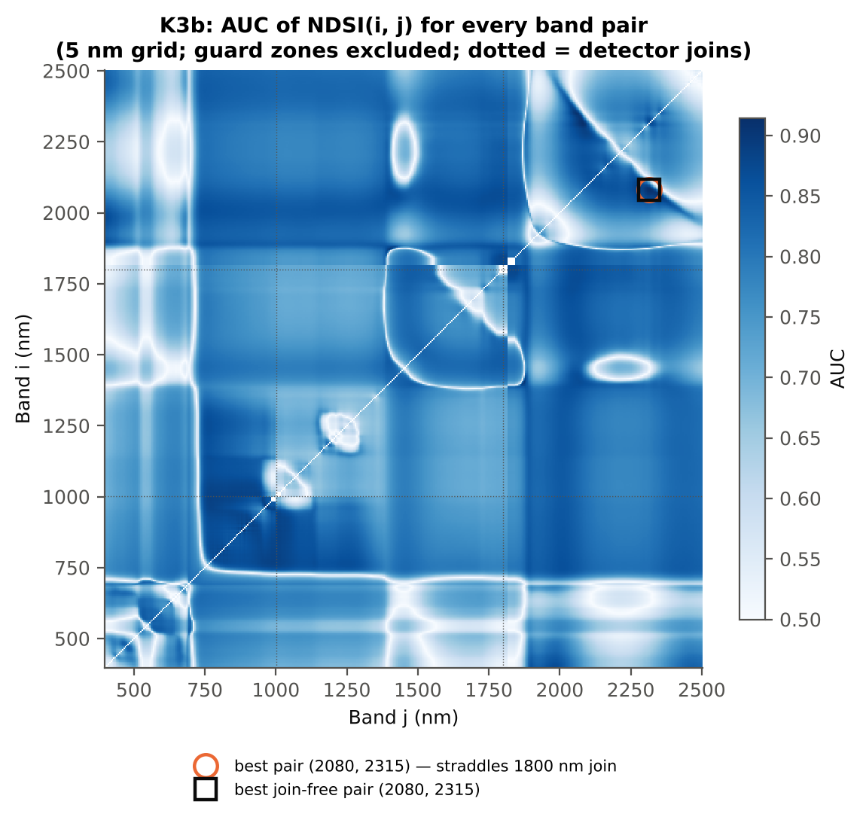
DI(966, 968) | 0.9152 | 0.9152 | same on all dates

Cross-checks for this step
Step | What was checked | Method | Result | Status
K3b | NDSI vs simple ratio | AUC of NDSI and Ri/Rj on 1998 random pairs | max |ΔAUC| = 0.0e+00 | PASS
K3b | Selection optimism | search repeated inside training plots | honest BA 76.1 % (CV) / 77.8 % (hold-out) vs 84.3 % on all leaves | FLAG
K3b | Best pair straddles a detector join? | pairs with one band on each side of the 1000/1001 or 1800/1801 nm join (within 100 nm) excluded and the search repeated | all-pair best DI(966,968) does not straddle a join (same as the join-free search); join-free best NDSI(2081,2315) (AUC 0.914; honest BA 76.1 % CV) | PASS

19_K4_Derivatives
Step K4 · First-derivative spectra and edge parameters
Savitzky–Golay first derivative (window 15) and second derivative (window 21) of the splice-corrected spectra; 20 edge parameters (Gong et al. 2002; Guyot & Baret 1988).

Result in brief
Best first-derivative band outside the guard zones: 884 nm (AUC 0.90); best edge parameter SDr (red-edge area) (AUC 0.84).
Band-wise: every first- and second-derivative band was tested as in K1 (bands in the guard zones are reported but excluded from the ranking). Edge parameters from the first derivative: amplitude (maximum/minimum D1), position and area (sum of D1) of the blue (490–530 nm), yellow (550–582 nm) and red (680–760 nm) edges; green peak and red well reflectance and position; the linear four-point REP; and six ratios.
Table K4.1 Band-wise derivative sensitivity
Derivative | Bands | Significant (FDR) | Best AUC outside guard | at (nm) | Guard zones (nm) | Best AUC inside guard (excluded)
First derivative (SG 15, 2) | 2101 | 1775 | 0.8951 | 884.00 | 988–1012, 1793–1837 | 0.891 at 1828 nm
Second derivative (SG 21, 2) | 2101 | 1784 | 0.8968 | 1734.00 | 985–1015, 1790–1840 | 0.956 at 1796 nm

Table K4.2 Most sensitive derivative band per region (K4 features)
Derivative | Band (nm) | Region (nm) | AUC | Direction | Hedges g | q (BH)
D1 | 441.00 | 400–499 | 0.6462 | D > H | 0.4653 | 2.086E-07
D1 | 563.00 | 500–599 | 0.7573 | D > H | 0.8395 | 1.119E-22
D1 | 671.00 | 600–679 | 0.7713 | D < H | -0.8168 | 4.202E-24
D1 | 715.00 | 680–759 | 0.8547 | D < H | -1.2148 | 2.113E-47
D1 | 884.00 | 760–1349 | 0.8951 | D > H | 1.3828 | 9.454E-64
D1 | 1385.00 | 1350–1430 | 0.7998 | D > H | 0.8821 | 2.862E-37
D1 | 1651.00 | 1431–1799 | 0.8390 | D < H | -1.1339 | 1.123E-36
D1 | 1931.00 | 1800–1950 | 0.8768 | D > H | 0.9546 | 5.903E-51
D1 | 2335.00 | 1951–2349 | 0.8078 | D > H | 0.6895 | 8.574E-32
D1 | 2485.00 | 2350–2500 | 0.7717 | D < H | -0.7890 | 1.921E-29
D2 | 449.00 | 400–499 | 0.6872 | D < H | -0.6354 | 1.182E-09
D2 | 573.00 | 500–599 | 0.8878 | D < H | -1.2779 | 1.431E-49
D2 | 658.00 | 600–679 | 0.8218 | D < H | -0.7852 | 7.694E-30
D2 | 730.00 | 680–759 | 0.8646 | D > H | 1.2789 | 5.422E-47
D2 | 881.00 | 760–1349 | 0.8915 | D > H | 1.8749 | 9.648E-31
D2 | 1359.00 | 1350–1430 | 0.8471 | D > H | 1.0715 | 6.973E-45
D2 | 1734.00 | 1431–1799 | 0.8968 | D > H | 1.6484 | 5.063E-36
D2 | 1880.00 | 1800–1950 | 0.7759 | D < H | -0.7470 | 1.019E-28
D2 | 2044.00 | 1951–2349 | 0.8615 | D < H | -1.1313 | 2.152E-41
D2 | 2355.00 | 2350–2500 | 0.8168 | D > H | 0.9056 | 1.081E-34

Table K4.3 Twenty derivative-based edge parameters, ranked by AUC
Feature | Mean healthy | Mean diseased | Welch t | q (BH) | Hedges g | AUC | Direction | Threshold | Rule | BA all leaves | BA plot-grouped CV | BA hold-out | Mixed-model q | ICC plot
SDr (red-edge area) | 0.5316 | 0.4596 | -17.28 | 5.218E-47 | -1.1532 | 0.8431 | D < H | 0.4874 | diseased if < thr | 79.0% | 78.1% | 76.9% | 8.651E-06 | 0.3238
λr = REP (red-edge position, nm) | 709.06 | 704.20 | -10.38 | 2.928E-19 | -0.9727 | 0.7671 | D < H | 705.50 | diseased if < thr | 72.0% | 71.9% | 70.6% | 3.042E-08 | 0.0563
Dr = REV (red-edge amplitude) | 0.0133 | 0.0120 | -12.03 | 1.732E-26 | -0.8351 | 0.7652 | D < H | 0.0125 | diseased if < thr | 73.4% | 72.0% | 72.6% | 7.779E-04 | 0.3595
λo (red well position, nm) | 670.57 | 672.48 | 9.9853 | 2.563E-18 | 0.9504 | 0.7599 | D > H | 671.50 | diseased if > thr
REP, linear 4-point (nm) | 715.90 | 712.88 | -9.4207 | 2.406E-18 | -0.6265 | 0.7457 | D < H | 714.91 | diseased if < thr
Ro (red well reflectance) | 0.0949 | 0.1181 | 11.01 | 5.139E-24 | 0.6888 | 0.7443 | D > H | 0.1011 | diseased if > thr
Dy (yellow-edge amplitude) | -0.0035 | -0.0030 | 9.3496 | 2.834E-17 | 0.7565 | 0.7291 | D > H | -0.0032 | diseased if > thr
λb (blue-edge position, nm) | 521.28 | 520.17 | -9.7371 | 1.239E-18 | -0.7279 | 0.7262 | D < H | 520.50 | diseased if < thr
SDy (yellow-edge area) | -0.0834 | -0.0724 | 9.2060 | 4.871E-17 | 0.7224 | 0.7228 | D > H | -0.0798 | diseased if > thr
Rg/Ro | 2.8368 | 2.5305 | -8.0759 | 1.512E-13 | -0.7210 | 0.7049 | D < H | 2.6587 | diseased if < thr
(Rg − Ro)/(Rg + Ro) | 0.4746 | 0.4238 | -8.9275 | 1.993E-16 | -0.6738 | 0.7049 | D < H | 0.4534 | diseased if < thr
λy (yellow-edge position, nm) | 569.65 | 570.19 | 7.3868 | 1.486E-12 | 0.4649 | 0.6866 | D > H | 570.50 | diseased if > thr
Rg (green peak reflectance) | 0.2663 | 0.2880 | 5.2636 | 4.909E-07 | 0.4297 | 0.6281 | D > H | 0.3031 | diseased if > thr
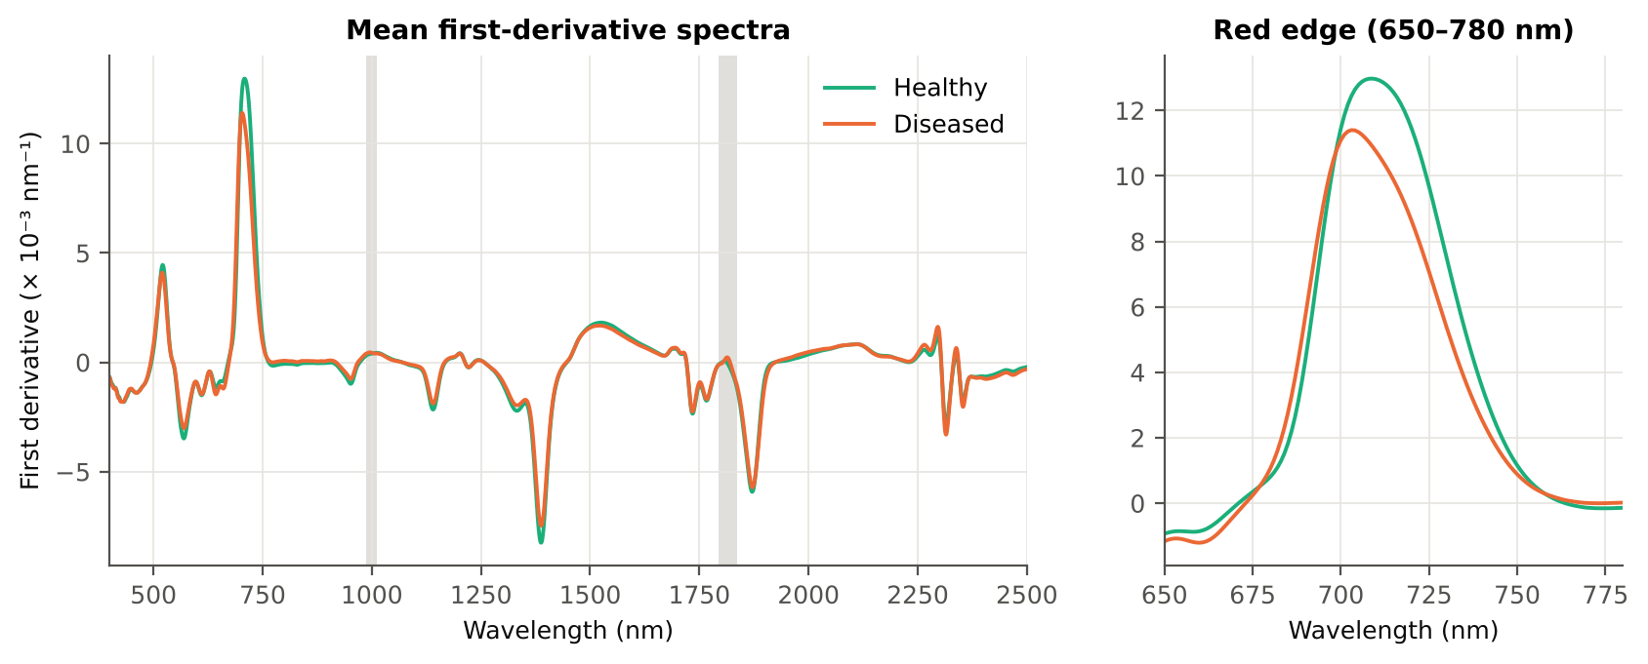
SDr/SDb | 6.2487 | 5.6515 | -3.6174 | 4.792E-04 | -0.3221 | 0.6243 | D < H | 5.2415 | diseased if < thr
(SDr − SDb)/(SDr + SDb) | 0.7123 | 0.6748 | -5.2639 | 4.909E-07 | -0.4250 | 0.6243 | D < H | 0.6796 | diseased if < thr
Db (blue-edge amplitude) | 0.0045 | 0.0041 | -3.6447 | 4.642E-04 | -0.3269 | 0.6112 | D < H | 0.0040 | diseased if < thr
λg (green peak position, nm) | 544.45 | 544.89 | 1.0503 | 0.3278 | 0.0965 | 0.5544 | D > H | 548.50 | diseased if > thr
SDb (blue-edge area) | 0.0902 | 0.0896 | -0.2079 | 0.8355 | -0.0189 | 0.5172 | D < H | 0.0738 | diseased if < thr
SDr/SDy | -6.4448 | -8.1679 | -1.1505 | 0.2947 | -0.0542 | 0.5093 | D > H | -5.9417 | diseased if > thr
(SDr − SDy)/(SDr + SDy) | 1.3735 | 1.3753 | 0.2943 | 0.8093 | 0.0236 | 0.5093 | D > H | 1.4047 | diseased if > thr
...

20_K4b_REIP
...
Table K4b.3 REIP shift by date, growth stage and variety
Stratum | Level | Method | n healthy | n diseased | Mean REIP healthy (nm) | Mean REIP diseased (nm) | Shift D − H (nm) | Welch p | AUC
Date | 03-03-2026 | REIP – maximum first derivative | 108 | 540 | 709.06 | 704.20 | -4.8593 | 5.856E-20 | 0.7671
Date | 03-03-2026 | REIP – linear 4-point interpolation | 108 | 540 | 715.90 | 712.88 | -3.0184 | 7.218E-19 | 0.7457
Date | 03-03-2026 | REIP – Lagrangian interpolation | 108 | 540 | 709.09 | 704.20 | -4.8920 | 3.192E-20 | 0.7688
Date | 03-03-2026 | REIP – linear extrapolation | 108 | 540 | 709.00 | 701.21 | -7.7843 | 9.226E-23 | 0.7784
Growth stage | Flowering | REIP – maximum first derivative | 99 | 495 | 708.95 | 704.35 | -4.6020 | 7.516E-18 | 0.7569
Growth stage | Flowering | REIP – linear 4-point interpolation | 99 | 495 | 715.97 | 712.93 | -3.0406 | 1.157E-21 | 0.7396
Growth stage | Flowering | REIP – Lagrangian interpolation | 99 | 495 | 708.99 | 704.35 | -4.6333 | 3.765E-18 | 0.7585
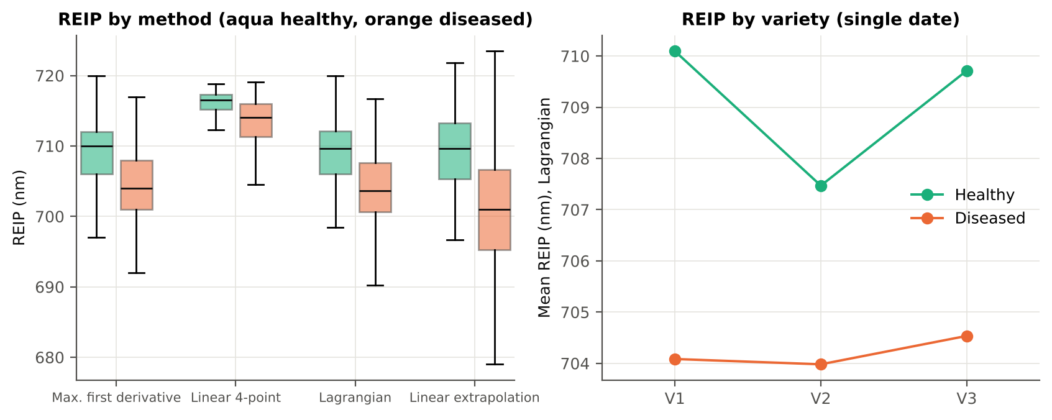
Growth stage | Flowering | REIP – linear extrapolation | 99 | 495 | 708.86 | 701.45 | -7.4119 | 2.309E-21 | 0.7690
Growth stage | Pod formation | REIP – maximum first derivative | 9 | 45 | 710.22 | 702.53 | -7.6889 | 0.0045 | 0.8556
Growth stage | Pod formation | REIP – linear 4-point interpolation | 9 | 45 | 715.11 | 712.33 | -2.7748 | 0.2018 | 0.8000
Growth stage | Pod formation | REIP – Lagrangian interpolation | 9 | 45 | 710.26 | 702.53 | -7.7372 | 0.0046 | 0.8568
Growth stage | Pod formation | REIP – linear extrapolation | 9 | 45 | 710.47 | 698.59 | -11.88 | 0.0078 | 0.8617
Variety | V1 | REIP – maximum first derivative | 36 | 180 | 710.06 | 704.07 | -5.9889 | 4.026E-10 | 0.8241
Variety | V1 | REIP – linear 4-point interpolation | 36 | 180 | 716.11 | 712.97 | -3.1402 | 4.431E-06 | 0.7869
Variety | V1 | REIP – Lagrangian interpolation | 36 | 180 | 710.09 | 704.08 | -6.0095 | 3.694E-10 | 0.8248
Variety | V1 | REIP – linear extrapolation | 36 | 180 | 710.26 | 700.94 | -9.3146 | 6.145E-11 | 0.8319
Variety | V2 | REIP – maximum first derivative | 36 | 180 | 707.42 | 703.99 | -3.4222 | 6.605E-05 | 0.7040
Variety | V2 | REIP – linear 4-point interpolation | 36 | 180 | 715.34 | 712.74 | -2.6055 | 2.781E-06 | 0.6884
Variety | V2 | REIP – Lagrangian interpolation | 36 | 180 | 707.47 | 703.98 | -3.4880 | 4.503E-05 | 0.7077
Variety | V2 | REIP – linear extrapolation | 36 | 180 | 706.84 | 700.81 | -6.0316 | 4.655E-06 | 0.7216
Variety | V3 | REIP – maximum first derivative | 36 | 180 | 709.69 | 704.53 | -5.1667 | 1.250E-08 | 0.7718
Variety | V3 | REIP – linear 4-point interpolation | 36 | 180 | 716.25 | 712.94 | -3.3095 | 1.108E-10 | 0.7631
Variety | V3 | REIP – Lagrangian interpolation | 36 | 180 | 709.71 | 704.54 | -5.1784 | 1.206E-08 | 0.7731
Variety | V3 | REIP – linear extrapolation | 36 | 180 | 709.90 | 701.89 | -8.0066 | 2.151E-09 | 0.7812

21_K6_Correlation
...
r(λ) = Pearson correlation between the band value and the 0/1 disease status (point-biserial r), for the smoothed reflectance and the first derivative, on all leaves and separately on each date. r is a monotone function of Student's t, so the ranking matches Tier 1; the per-date curves show whether the sign is stable over time (this subset has a single date).
First derivative | 400–499 | 442.00 | 0.1740 | 1.279E-05 | yes
First derivative | 500–599 | 563.00 | 0.2993 | 2.803E-14 | yes
First derivative | 600–679 | 672.00 | -0.2966 | 4.989E-14 | yes
First derivative | 680–759 | 723.00 | -0.4236 | 2.638E-28 | yes
First derivative | 760–1349 | 969.00 | 0.4928 | 1.276E-37 | yes
First derivative | 1350–1430 | 1385.00 | 0.3130 | 1.494E-15 | yes
First derivative | 1431–1799 | 1651.00 | -0.3901 | 4.546E-24 | yes
First derivative | 1800–1950 | 1929.00 | 0.3529 | 1.204E-19 | yes
First derivative | 1951–2349 | 1974.00 | 0.2824 | 8.623E-13 | yes
First derivative | 2350–2500 | 2485.00 | -0.2828 | 8.013E-13 | yes
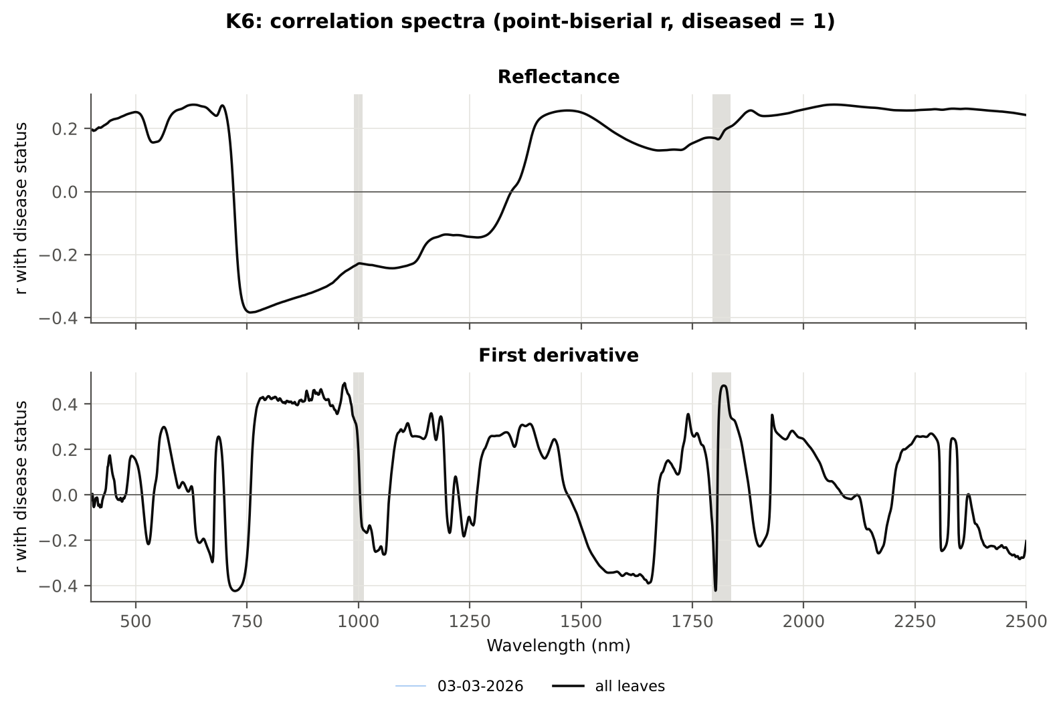

Cross-checks for this step
Step | What was checked | Method | Result | Status
K6 | Correlation vs t-test | |r_pb| vs |Welch t| across bands (Spearman) | ρ = 0.8897 (r_pb is a monotone function of Student's t) | PASS

22_K5_CART_vs_RF
...
Table K5.2 CART vs RF on each feature group (mean over repeats)
K1–K4 combined pool | 4151 | CART | Hold-out | 10 | 90.2% | 3.0% | 0.9152 | 0.7942
K1–K4 combined pool | 4151 | RF | Hold-out | 10 | 88.8% | 4.9% | 0.9673 | 0.7556
K4 incl. guard-zone bands (artefact test) | 2121 | CART | CV | 5 | 89.9% | 1.6% | 0.9037 | 0.7258
K4 incl. guard-zone bands (artefact test) | 2121 | RF | CV | 5 | 92.1% | 0.6% | 0.9813 | 0.7641
K4 incl. guard-zone bands (artefact test) | 2121 | CART | Hold-out | 10 | 90.9% | 4.8% | 0.9182 | 0.8179
K4 incl. guard-zone bands (artefact test) | 2121 | RF | Hold-out | 10 | 93.6% | 5.6% | 0.9915 | 0.8664
K-selected (top 15 non-redundant, chosen inside each training set) | 15 | CART | CV | 5 | 84.0% | 1.9% | 0.8407 | 0.5653
K-selected (top 15 non-redundant, chosen inside each training set) | 15 | RF | CV | 5 | 88.7% | 0.7% | 0.9572 | 0.6614
K-selected (top 15 non-redundant, chosen inside each training set) | 15 | QDA | CV | 5 | 92.2% | 1.2% | 0.9615 | 0.7767
K-selected (top 15 non-redundant, chosen inside each training set) | 15 | CART | Hold-out | 10 | 82.6% | 7.1% | 0.8688 | 0.6013
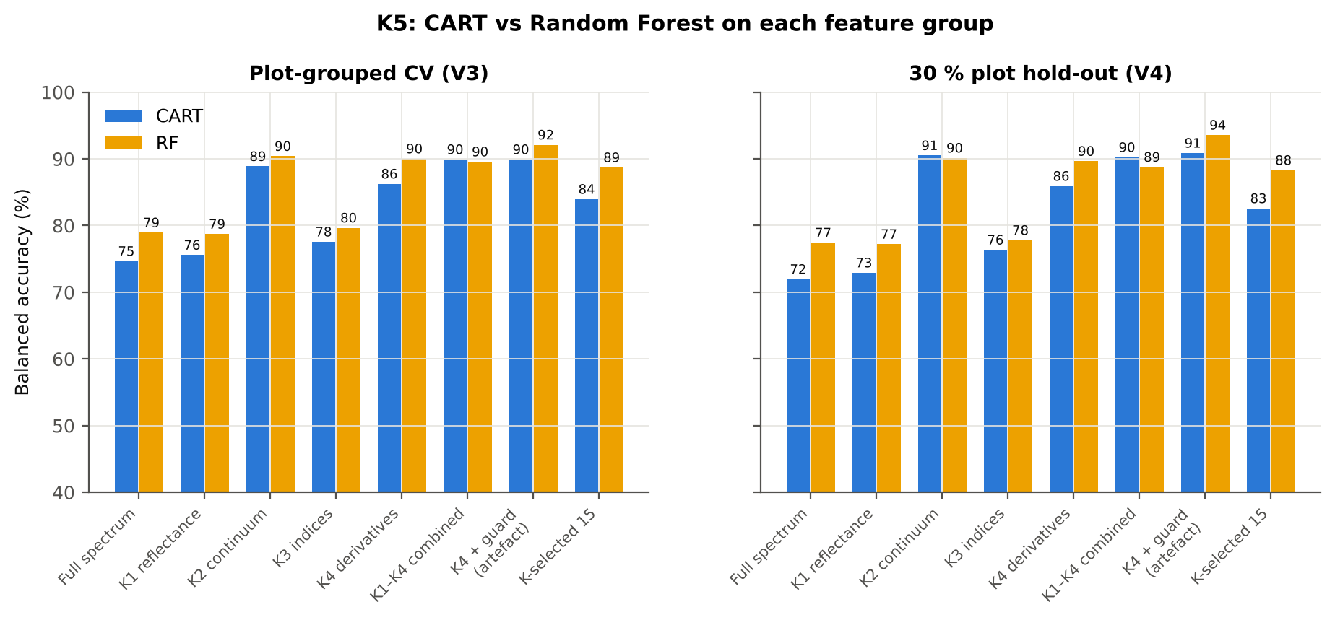
K-selected (top 15 non-redundant, chosen inside each training set) | 15 | RF | Hold-out | 10 | 88.3% | 4.7% | 0.9670 | 0.7202
K-selected (top 15 non-redundant, chosen inside each training set) | 15 | QDA | Hold-out | 10 | 87.1% | 6.1% | 0.9338 | 0.7113

Table K5.3 Paired comparison RF vs CART (same folds)
Feature group | Units | n | RF − CART (BA) | SD | RF better | CART better | Wilcoxon p
Full spectrum (raw reflectance) | CV (50 folds) | 50 | 5.1% | 7.1% | 38 | 7 | 6.145E-06
Full spectrum (raw reflectance) | Hold-out (10 splits) | 10 | 5.5% | 7.0% | 8 | 2 | 0.0195
...

25_C2_Tier2
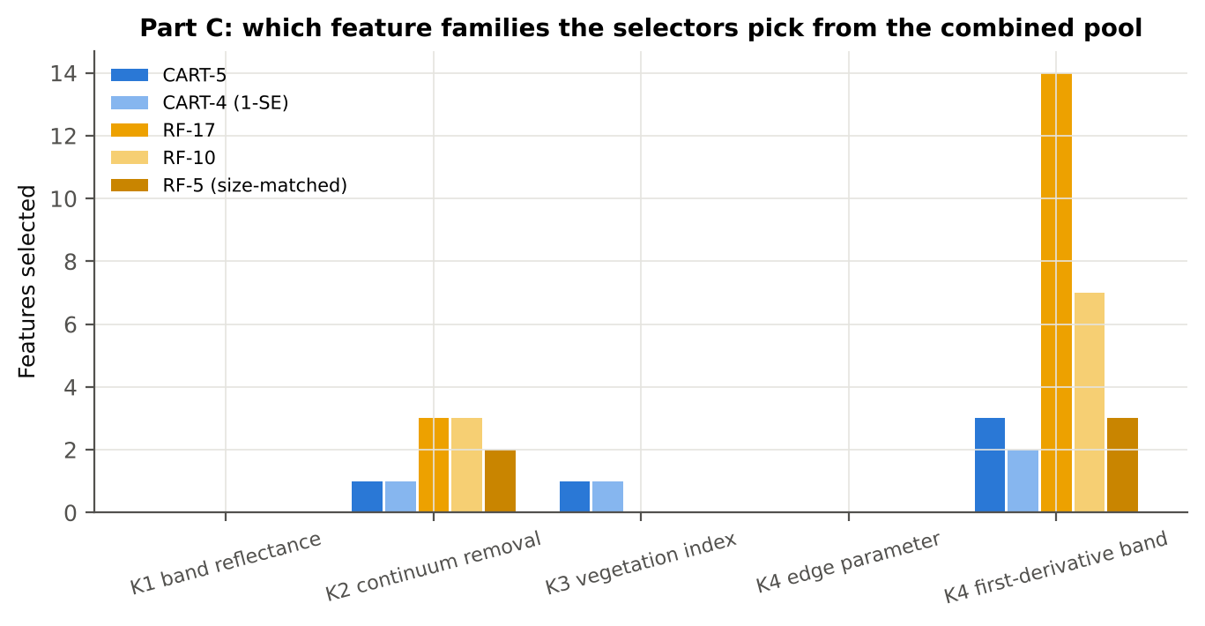
...
Table C2.2 The selected features
D1_1744 | K4 first-derivative band | yes |  | -0.0015 | -0.0013 | 13.33 | 1.889E-31 | 0.8042
D1_973 | K4 first-derivative band |  | yes | 1.048E-05 | 1.201E-04 | 22.55 | 6.821E-71 | 0.8658
D1_911 | K4 first-derivative band |  | yes | -2.882E-05 | 7.255E-05 | 21.11 | 1.067E-64 | 0.8706
CR3 water 970 position | K2 continuum removal |  | yes | 971.57 | 968.68 | -20.72 | 2.353E-59 | 0.8733
D1_898 | K4 first-derivative band |  | yes | -2.456E-05 | 7.319E-05 | 20.65 | 8.359E-61 | 0.8774
D1_886 | K4 first-derivative band |  | yes | -4.008E-05 | 5.329E-05 | 20.00 | 3.111E-57 | 0.8832
CR6 water 1940 area | K2 continuum removal |  | yes | 249.62 | 230.97 | -18.07 | 1.057E-52 | 0.8856
D1_984 | K4 first-derivative band |  | yes | 2.594E-04 | 3.567E-04 | 15.80 | 1.109E-38 | 0.8318
D1_1067 | K4 first-derivative band |  | yes | 1.938E-05 | 1.454E-05 | -2.1826 | 0.0336 | 0.5571
D1_799 | K4 first-derivative band |  | yes | -7.298E-05 | 7.315E-05 | 19.44 | 2.579E-55 | 0.8750
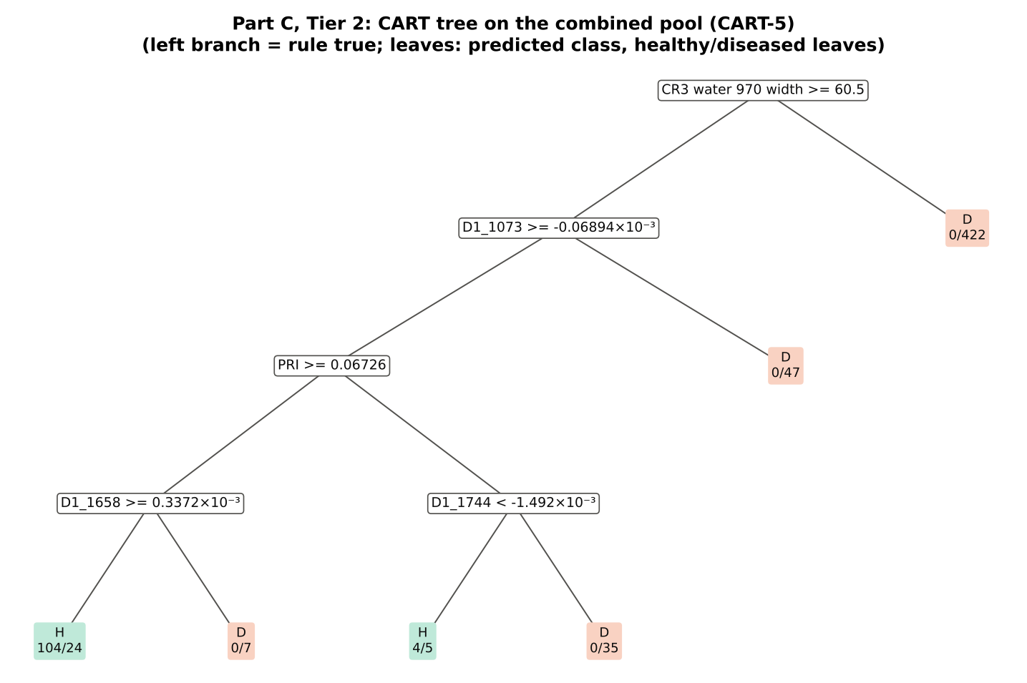
D1_813 | K4 first-derivative band |  | yes | -7.715E-05 | 5.610E-05 | 19.16 | 9.812E-54 | 0.8754
D1_1653 | K4 first-derivative band |  | yes | 4.543E-04 | 4.093E-04 | -14.71 | 2.227E-34 | 0.8345
D1_785 | K4 first-derivative band |  | yes | -1.145E-04 | 4.018E-05 | 19.16 | 6.145E-54 | 0.8751
D1_868 | K4 first-derivative band |  | yes | -3.363E-05 | 5.656E-05 | 18.37 | 4.187E-51 | 0.8621
D1_825 | K4 first-derivative band |  | yes | -1.039E-04 | 2.129E-05 | 18.46 | 7.647E-51 | 0.8680
D1_1077 | K4 first-derivative band |  | yes | -5.159E-05 | -3.700E-05 | 5.2341 | 4.680E-07 | 0.6393
D1_720 | K4 first-derivative band |  | yes | 0.0115 | 0.0086 | -16.75 | 1.123E-41 | 0.8499

Table C2.3 Tree nodes (rpart frame)
Node | Depth | Split variable | Rule | Leaves | Healthy | Diseased | Predicted class
1 | 0 | CR3 water 970 width | root | 648 | 108 | 540 | H
2 | 1 | D1_1073 | CR3 water 970 width>=60.5 | 226 | 108 | 118 | H
4 | 2 | PRI | D1_1073>=-6.894e-05 | 179 | 108 | 71 | H
8 | 3 | D1_1658 | PRI>=0.06726 | 135 | 104 | 31 | H
16 | 4 | leaf | D1_1658>=0.0003372 | 128 | 104 | 24 | H
17 | 4 | leaf | D1_1658< 0.0003372 | 7 | 0 | 7 | D
9 | 3 | D1_1744 | PRI< 0.06726 | 44 | 4 | 40 | D
18 | 4 | leaf | D1_1744< -0.001492 | 9 | 4 | 5 | H
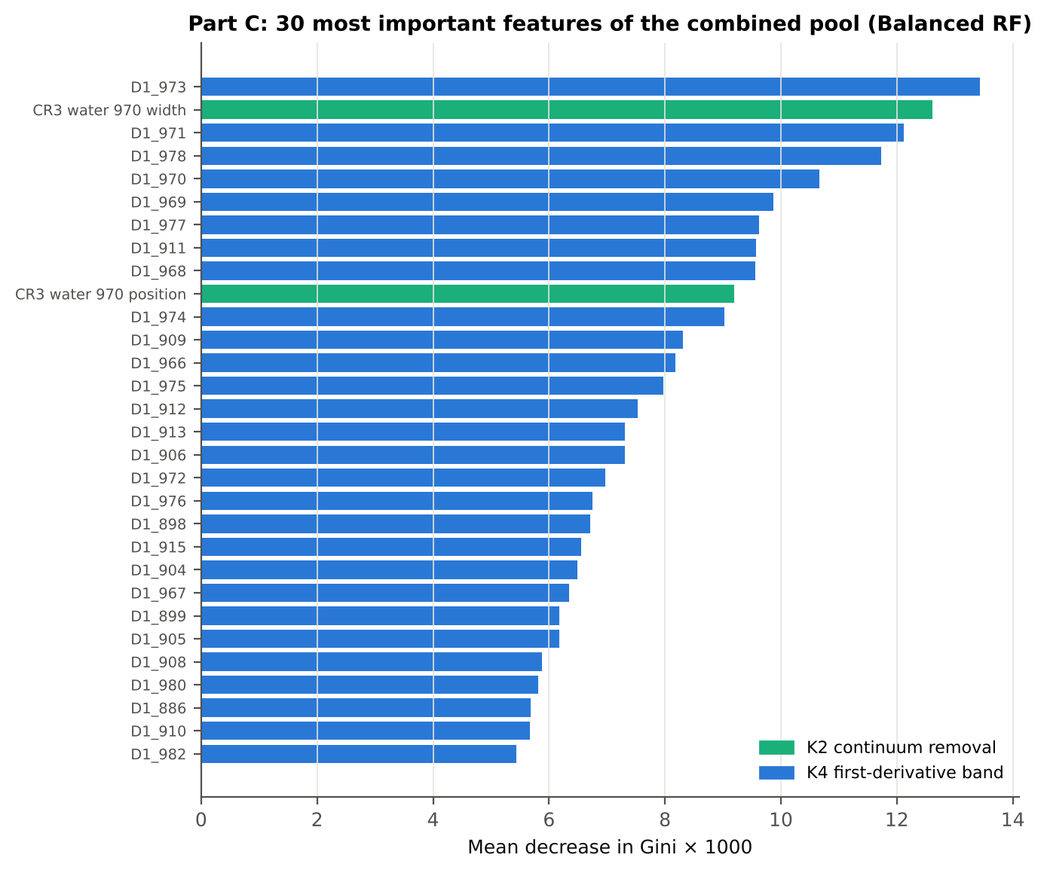
19 | 4 | leaf | D1_1744>=-0.001492 | 35 | 0 | 35 | D
5 | 2 | leaf | D1_1073< -6.894e-05 | 47 | 0 | 47 | D
3 | 1 | leaf | CR3 water 970 width< 60.5 | 422 | 0 | 422 | D

Table C2.4 Complexity-parameter table (plot-grouped CV)
CP | nsplit | rel error | xerror | xstd
0.7815 | 0.0000 | 1.0000 | 1.1667 | 0.0503
0.0870 | 1.0000 | 0.2185 | 0.2407 | 0.0237
0.0370 | 2.0000 | 0.1315 | 0.2593 | 0.0326
0.0278 | 3.0000 | 0.0944 | 0.2352 | 0.0332
0.0130 | 4.0000 | 0.0667 | 0.1926 | 0.0345
0.0100 | 5.0000 | 0.0537 | 0.1870 | 0.0344

26_C3_Tier3_JM
...
Table C3.2 J–M and QDA BA as features are added
6 | D1_886 | 1.3772 | 93.4%
7 | CR6 water 1940 area | 1.4648 | 94.4%
8 | D1_984 | 1.5657 | 96.3%
9 | D1_1067 | 1.7860 | 96.6%
10 | D1_799 | 1.7961 | 95.9%
11 | D1_813 | 1.8031 | 95.9%
12 | D1_1653 | 1.8271 | 96.3%
13 | D1_785 | 1.8397 | 95.9%
14 | D1_868 | 1.8637 | 95.8%
15 | D1_825 | 1.8806 | 95.2%
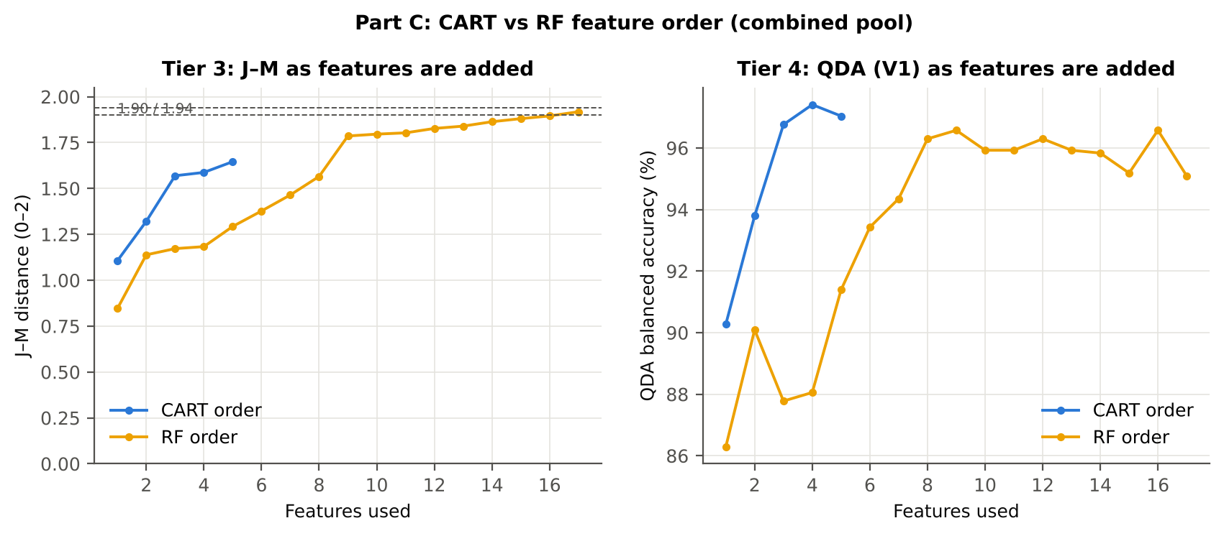
16 | D1_1077 | 1.8953 | 96.6%
17 | D1_720 | 1.9181 | 95.1%

28_C5_Validation
...
Result in brief
RF classifier | V1 | 1 | 92.9% | 92.8% |  | 0.7700 | 0.9763 | 92.6% | 93.0% | 72.5% | 98.4%
RF classifier | V3 | 5 | 90.4% | 88.6% | 1.6% | 0.6912 | 0.9626 | 85.7% | 91.4% | 66.5% | 97.0%
RF classifier | V4 | 10 | 92.5% | 88.3% | 5.3% | 0.7481 | 0.9643 | 81.7% | 94.8% | 79.4% | 96.0%
RF classifier | V5 | 1 | 90.7% | 89.6% |  | 0.7039 | 0.9655 | 88.0% | 91.3% | 66.9% | 97.4%
QDA on CART features | V1 | 1 | 96.9% | 97.0% |  | 0.8944 | 0.9956 | 97.2% | 96.9% | 86.1% | 99.4%
QDA on CART features | V3 | 5 | 95.4% | 94.8% | 1.1% | 0.8445 | 0.9883 | 93.9% | 95.7% | 81.6% | 98.7%
QDA on CART features | V4 | 10 | 96.3% | 94.6% | 2.6% | 0.8766 | 0.9890 | 91.9% | 97.2% | 88.6% | 98.2%
QDA on CART features | V5 | 1 | 96.5% | 96.4% |  | 0.8789 | 0.9926 | 96.3% | 96.5% | 84.6% | 99.2%
QDA on RF features | V1 | 1 | 97.4% | 95.1% |  | 0.9052 | 0.9861 | 91.7% | 98.5% | 92.5% | 98.3%
QDA on RF features | V3 | 5 | 96.3% | 93.1% | 1.4% | 0.8651 | 0.9776 | 88.3% | 97.9% | 89.2% | 97.7%
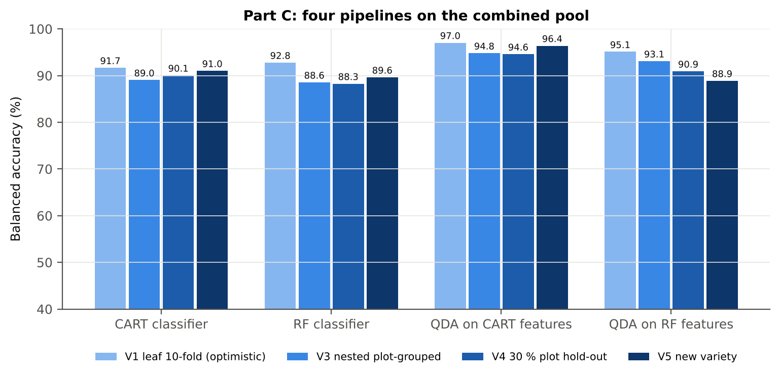
QDA on RF features | V4 | 10 | 96.0% | 90.9% | 4.0% | 0.8567 | 0.9719 | 83.1% | 98.8% | 94.2% | 96.4%
QDA on RF features | V5 | 1 | 95.1% | 88.9% |  | 0.8140 | 0.9779 | 79.6% | 98.1% | 89.6% | 96.0%

Table C5.2 Paired comparisons within this pool
Comparison | Units | n | Mean difference | SD | First better | Second better | Ties | Wilcoxon p
RF classifier − CART classifier | V3 nested (folds) | 50 | -0.1% | 6.3% | 25 | 21 | 4 | 0.7184
RF classifier − CART classifier | V4 hold-out (splits) | 10 | -1.8% | 5.5% | 4 | 6 | 0 | 0.4922
QDA on RF features − QDA on CART features | V3 nested (folds) | 50 | -1.9% | 6.4% | 16 | 26 | 8 | 0.0427
...

29_C6_Stability
...
Table C6.4 Re-selection of the all-leaf RF features
Feature | Type | Re-selected by CART (±10 nm) | Re-selected by RF (±10 nm)
D1_973 | K4 first-derivative band | 6.0% | 100.0%
CR3 water 970 width | K2 continuum removal | 100.0% | 100.0%
D1_911 | K4 first-derivative band | 0.0% | 100.0%
CR3 water 970 position | K2 continuum removal | 10.0% | 98.0%
D1_898 | K4 first-derivative band | 0.0% | 100.0%
D1_886 | K4 first-derivative band | 0.0% | 100.0%
CR6 water 1940 area | K2 continuum removal | 4.0% | 62.0%
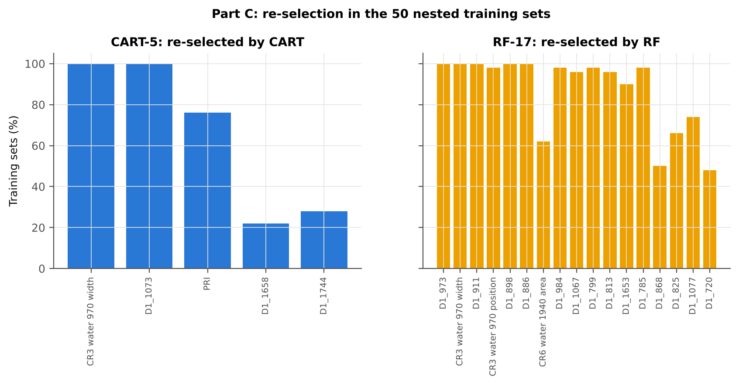
D1_984 | K4 first-derivative band | 6.0% | 98.0%
D1_1067 | K4 first-derivative band | 100.0% | 96.0%
D1_799 | K4 first-derivative band | 0.0% | 98.0%
D1_813 | K4 first-derivative band | 2.0% | 96.0%
D1_1653 | K4 first-derivative band | 22.0% | 90.0%
D1_785 | K4 first-derivative band | 0.0% | 98.0%
D1_868 | K4 first-derivative band | 0.0% | 50.0%
D1_825 | K4 first-derivative band | 0.0% | 66.0%
D1_1077 | K4 first-derivative band | 100.0% | 74.0%
D1_720 | K4 first-derivative band | 0.0% | 48.0%
...

31_V5_Transfer
...
Result in brief
Reflectance (Part A) | QDA on CART features | V1 | 1 | 1 | 216.00 | 76.1%
Reflectance (Part A) | QDA on CART features | V2 | 1 | 1 | 216.00 | 84.4%
Reflectance (Part A) | QDA on CART features | V3 | 1 | 1 | 216.00 | 91.9%
Reflectance (Part A) | QDA on RF features | V1 | 1 | 1 | 216.00 | 87.5%
Reflectance (Part A) | QDA on RF features | V2 | 1 | 1 | 216.00 | 81.4%
Reflectance (Part A) | QDA on RF features | V3 | 1 | 1 | 216.00 | 85.3%
Combined pool (Part C) | CART classifier | V1 | 1 | 1 | 216.00 | 90.6%
Combined pool (Part C) | CART classifier | V2 | 1 | 1 | 216.00 | 89.4%
Combined pool (Part C) | CART classifier | V3 | 1 | 1 | 216.00 | 93.1%
Combined pool (Part C) | RF classifier | V1 | 1 | 1 | 216.00 | 90.8%
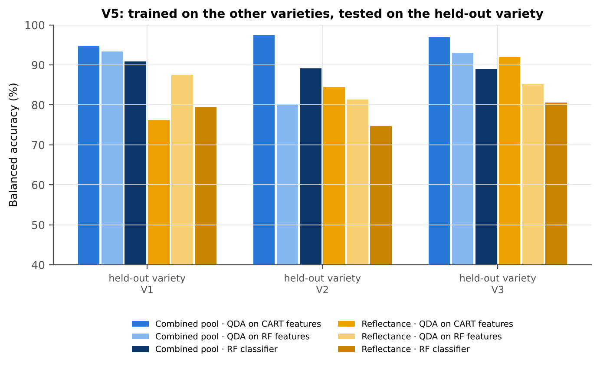
Combined pool (Part C) | RF classifier | V2 | 1 | 1 | 216.00 | 89.2%
Combined pool (Part C) | RF classifier | V3 | 1 | 1 | 216.00 | 88.9%
Combined pool (Part C) | QDA on CART features | V1 | 1 | 1 | 216.00 | 94.7%
Combined pool (Part C) | QDA on CART features | V2 | 1 | 1 | 216.00 | 97.5%
Combined pool (Part C) | QDA on CART features | V3 | 1 | 1 | 216.00 | 96.9%
Combined pool (Part C) | QDA on RF features | V1 | 1 | 1 | 216.00 | 93.3%
Combined pool (Part C) | QDA on RF features | V2 | 1 | 1 | 216.00 | 80.3%
Combined pool (Part C) | QDA on RF features | V3 | 1 | 1 | 216.00 | 93.1%

37_ChartData
...
Figure 3. Mean reflectance (healthy vs diseased)
 | Mean healthy | Mean diseased
400.00 | 0.2780 | 0.3011
401.00 | 0.2775 | 0.3007
402.00 | 0.2766 | 0.2998
403.00 | 0.2763 | 0.2991
404.00 | 0.2763 | 0.2990
405.00 | 0.2759 | 0.2987
406.00 | 0.2723 | 0.2948
407.00 | 0.2712 | 0.2932
408.00 | 0.2710 | 0.2930
409.00 | 0.2682 | 0.2910
410.00 | 0.2671 | 0.2899
411.00 | 0.2670 | 0.2893
412.00 | 0.2672 | 0.2889
413.00 | 0.2663 | 0.2887
414.00 | 0.2647 | 0.2872
415.00 | 0.2625 | 0.2849
416.00 | 0.2603 | 0.2828
417.00 | 0.2598 | 0.2822
418.00 | 0.2590 | 0.2811
419.00 | 0.2574 | 0.2793
420.00 | 0.2557 | 0.2779
421.00 | 0.2540 | 0.2759
422.00 | 0.2524 | 0.2739
423.00 | 0.2508 | 0.2724
424.00 | 0.2488 | 0.2704
425.00 | 0.2469 | 0.2685
426.00 | 0.2454 | 0.2672
427.00 | 0.2442 | 0.2660
428.00 | 0.2423 | 0.2639
429.00 | 0.2400 | 0.2614
430.00 | 0.2377 | 0.2590
431.00 | 0.2358 | 0.2574
432.00 | 0.2344 | 0.2561
433.00 | 0.2329 | 0.2545
434.00 | 0.2307 | 0.2524
435.00 | 0.2293 | 0.2508
436.00 | 0.2275 | 0.2491
437.00 | 0.2253 | 0.2472
438.00 | 0.2234 | 0.2453
439.00 | 0.2221 | 0.2440
440.00 | 0.2208 | 0.2429
441.00 | 0.2193 | 0.2416
442.00 | 0.2178 | 0.2401
443.00 | 0.2163 | 0.2387
444.00 | 0.2148 | 0.2374
445.00 | 0.2138 | 0.2363
446.00 | 0.2125 | 0.2350
447.00 | 0.2111 | 0.2338
448.00 | 0.2100 | 0.2328
449.00 | 0.2087 | 0.2316
...
−log10 q mixed model | q = 0.05 line | RF importance × 1000 | K1 AUC | D1 AUC
1.7785 | 1.3010 | 0.5161 | 0.6612 | 0.5377
1.8075 | 1.3010 | 0.7210 | 0.6619 | 0.5388
1.8049 | 1.3010 | 0.7026 | 0.6623 | 0.5140
1.7786 | 1.3010 | 0.5908 | 0.6617 | 0.5017
1.7700 | 1.3010 | 0.5480 | 0.6605 | 0.5132
1.7849 | 1.3010 | 0.7337 | 0.6588 | 0.5366
1.7470 | 1.3010 | 0.5773 | 0.6588 | 0.5402
1.7114 | 1.3010 | 0.7230 | 0.6602 | 0.5388
1.7357 | 1.3010 | 0.4984 | 0.6603 | 0.5290
1.8526 | 1.3010 | 0.6165 | 0.6606 | 0.5129
1.8962 | 1.3010 | 0.8266 | 0.6609 | 0.5017
1.8450 | 1.3010 | 0.5066 | 0.6621 | 0.5012
1.7849 | 1.3010 | 0.5744 | 0.6642 | 0.5010
1.9096 | 1.3010 | 0.7595 | 0.6647 | 0.5057
1.9551 | 1.3010 | 0.4231 | 0.6645 | 0.5037
1.9566 | 1.3010 | 0.5658 | 0.6651 | 0.5091
1.9947 | 1.3010 | 0.8109 | 0.6668 | 0.5205
1.9888 | 1.3010 | 0.6258 | 0.6681 | 0.5179
1.9708 | 1.3010 | 0.6343 | 0.6675 | 0.5099
Figure 5b. −log10(p) against wavelength
 | −log10 p Welch | −log10 q Welch | −log10 q mixed model | q = 0.05 line
400.00 | 8.6426 | 8.5085 | 1.7785 | 1.3010
401.00 | 8.7611 | 8.6254 | 1.8075 | 1.3010
402.00 | 8.9249 | 8.7854 | 1.8049 | 1.3010
403.00 | 8.6435 | 8.5092 | 1.7786 | 1.3010
404.00 | 8.4641 | 8.3328 | 1.7700 | 1.3010
405.00 | 8.6040 | 8.4708 | 1.7849 | 1.3010
406.00 | 8.3463 | 8.2161 | 1.7470 | 1.3010
407.00 | 8.0521 | 7.9256 | 1.7114 | 1.3010
408.00 | 8.0850 | 7.9576 | 1.7357 | 1.3010
409.00 | 8.6819 | 8.5470 | 1.8526 | 1.3010
410.00 | 8.8213 | 8.6838 | 1.8962 | 1.3010
411.00 | 8.4971 | 8.3656 | 1.8450 | 1.3010
412.00 | 8.2003 | 8.0716 | 1.7849 | 1.3010
413.00 | 8.8500 | 8.7122 | 1.9096 | 1.3010
414.00 | 9.0404 | 8.8984 | 1.9551 | 1.3010
415.00 | 8.9751 | 8.8351 | 1.9566 | 1.3010
416.00 | 9.1097 | 8.9668 | 1.9947 | 1.3010
417.00 | 9.0609 | 8.9186 | 1.9888 | 1.3010
418.00 | 8.8656 | 8.7273 | 1.9708 | 1.3010
419.00 | 8.7528 | 8.6173 | 1.9811 | 1.3010
420.00 | 9.0195 | 8.8783 | 2.0558 | 1.3010
421.00 | 8.9152 | 8.7761 | 2.0297 | 1.3010
422.00 | 8.7700 | 8.6337 | 2.0009 | 1.3010
423.00 | 8.8530 | 8.7150 | 2.0445 | 1.3010
424.00 | 8.8869 | 8.7480 | 2.0746 | 1.3010
425.00 | 9.0194 | 8.8783 | 2.1053 | 1.3010
426.00 | 9.2116 | 9.0679 | 2.1439 | 1.3010
427.00 | 9.3429 | 9.1968 | 2.1885 | 1.3010
428.00 | 9.3422 | 9.1964 | 2.1907 | 1.3010
429.00 | 9.2503 | 9.1060 | 2.1796 | 1.3010
430.00 | 9.2263 | 9.0822 | 2.1900 | 1.3010
431.00 | 9.6193 | 9.4707 | 2.2827 | 1.3010
432.00 | 9.7649 | 9.6151 | 2.3078 | 1.3010
433.00 | 9.7654 | 9.6153 | 2.3029 | 1.3010
434.00 | 9.8787 | 9.7262 | 2.3389 | 1.3010
435.00 | 9.7668 | 9.6161 | 2.3194 | 1.3010
436.00 | 9.8653 | 9.7131 | 2.3424 | 1.3010
437.00 | 10.1770 | 10.0216 | 2.4118 | 1.3010
438.00 | 10.2558 | 10.0992 | 2.4239 | 1.3010
439.00 | 10.3547 | 10.1972 | 2.4409 | 1.3010
440.00 | 10.5107 | 10.3511 | 2.4694 | 1.3010
441.00 | 10.6916 | 10.5297 | 2.4976 | 1.3010
442.00 | 10.7917 | 10.6288 | 2.5141 | 1.3010
443.00 | 10.9294 | 10.7651 | 2.5464 | 1.3010
444.00 | 11.0568 | 10.8910 | 2.5739 | 1.3010
445.00 | 11.0335 | 10.8683 | 2.5533 | 1.3010
446.00 | 11.0596 | 10.8934 | 2.5477 | 1.3010
447.00 | 11.1612 | 10.9938 | 2.5571 | 1.3010
448.00 | 11.3065 | 11.1379 | 2.5739 | 1.3010
449.00 | 11.4018 | 11.2325 | 2.5819 | 1.3010
...
1.9811 | 1.3010 | 0.5952 | 0.6673 | 0.5067
2.0558 | 1.3010 | 0.4298 | 0.6669 | 0.5133
2.0297 | 1.3010 | 0.6219 | 0.6667 | 0.5108
2.0009 | 1.3010 | 0.5233 | 0.6671 | 0.5094
2.0445 | 1.3010 | 0.4158 | 0.6682 | 0.5090
2.0746 | 1.3010 | 0.3366 | 0.6694 | 0.5050
2.1053 | 1.3010 | 0.5554 | 0.6701 | 0.5185
2.1439 | 1.3010 | 0.4406 | 0.6713 | 0.5247
2.1885 | 1.3010 | 0.3360 | 0.6721 | 0.5293
2.1907 | 1.3010 | 0.1912 | 0.6729 | 0.5357
2.1796 | 1.3010 | 0.2147 | 0.6733 | 0.5363
2.1900 | 1.3010 | 0.1755 | 0.6744 | 0.5363
2.2827 | 1.3010 | 0.6160 | 0.6746 | 0.5390
2.3078 | 1.3010 | 0.4585 | 0.6747 | 0.5438
2.3029 | 1.3010 | 0.2646 | 0.6759 | 0.5522
2.3389 | 1.3010 | 0.3317 | 0.6773 | 0.5670
2.3194 | 1.3010 | 0.4236 | 0.6779 | 0.5862
2.3424 | 1.3010 | 0.6686 | 0.6784 | 0.6034
2.4118 | 1.3010 | 0.2650 | 0.6795 | 0.6161
2.4239 | 1.3010 | 0.2439 | 0.6808 | 0.6150
Figure 5. Balanced subsets with a significant difference (%)
 | Balanced subsets significant (%)
400.00 | 100.00
401.00 | 100.00
402.00 | 100.00
403.00 | 100.00
404.00 | 100.00
405.00 | 100.00
406.00 | 100.00
407.00 | 99.90
408.00 | 99.90
409.00 | 100.00
410.00 | 100.00
411.00 | 100.00
412.00 | 99.90
413.00 | 100.00
414.00 | 100.00
415.00 | 100.00
416.00 | 100.00
417.00 | 100.00
418.00 | 100.00
419.00 | 100.00
420.00 | 100.00
421.00 | 100.00
422.00 | 100.00
423.00 | 100.00
424.00 | 100.00
425.00 | 100.00
426.00 | 100.00
427.00 | 100.00
428.00 | 100.00
429.00 | 100.00
430.00 | 100.00
431.00 | 100.00
432.00 | 100.00
433.00 | 100.00
434.00 | 100.00
435.00 | 100.00
436.00 | 100.00
437.00 | 100.00
438.00 | 100.00
439.00 | 100.00
440.00 | 100.00
441.00 | 100.00
442.00 | 100.00
443.00 | 100.00
444.00 | 100.00
445.00 | 100.00
446.00 | 100.00
447.00 | 100.00
448.00 | 100.00
449.00 | 100.00
...
2.4409 | 1.3010 | 0.3071 | 0.6824 | 0.6265
2.4694 | 1.3010 | 0.2850 | 0.6838 | 0.6404
2.4976 | 1.3010 | 0.4606 | 0.6852 | 0.6462
2.5141 | 1.3010 | 0.2553 | 0.6859 | 0.6453
2.5464 | 1.3010 | 0.3398 | 0.6867 | 0.6301
2.5739 | 1.3010 | 0.4038 | 0.6872 | 0.6152
2.5533 | 1.3010 | 0.4169 | 0.6878 | 0.6056
2.5477 | 1.3010 | 0.2121 | 0.6882 | 0.5909
2.5571 | 1.3010 | 0.4285 | 0.6890 | 0.5763
2.5739 | 1.3010 | 0.3416 | 0.6895 | 0.5654
2.5819 | 1.3010 | 0.5261 | 0.6901 | 0.5577
2.5924 | 1.3010 | 0.1633 | 0.6905 | 0.5508
2.5956 | 1.3010 | 0.3219 | 0.6913 | 0.5461
2.5818 | 1.3010 | 0.1995 | 0.6915 | 0.5390
2.5861 | 1.3010 | 0.3052 | 0.6918 | 0.5231
2.5948 | 1.3010 | 0.3749 | 0.6920 | 0.5056
2.5983 | 1.3010 | 0.4146 | 0.6922 | 0.5091
2.6034 | 1.3010 | 0.3433 | 0.6925 | 0.5193
2.6200 | 1.3010 | 0.2700 | 0.6928 | 0.5243
2.6315 | 1.3010 | 0.2297 | 0.6932 | 0.5234
Figure A1. RF importance spectrum
 | RF importance × 1000
400.00 | 0.5161
401.00 | 0.7210
402.00 | 0.7026
403.00 | 0.5908
404.00 | 0.5480
405.00 | 0.7337
406.00 | 0.5773
407.00 | 0.7230
408.00 | 0.4984
409.00 | 0.6165
410.00 | 0.8266
411.00 | 0.5066
412.00 | 0.5744
413.00 | 0.7595
414.00 | 0.4231
415.00 | 0.5658
416.00 | 0.8109
417.00 | 0.6258
418.00 | 0.6343
419.00 | 0.5952
420.00 | 0.4298
421.00 | 0.6219
422.00 | 0.5233
423.00 | 0.4158
424.00 | 0.3366
425.00 | 0.5554
426.00 | 0.4406
427.00 | 0.3360
428.00 | 0.1912
429.00 | 0.2147
430.00 | 0.1755
431.00 | 0.6160
432.00 | 0.4585
433.00 | 0.2646
434.00 | 0.3317
435.00 | 0.4236
436.00 | 0.6686
437.00 | 0.2650
438.00 | 0.2439
439.00 | 0.3071
440.00 | 0.2850
441.00 | 0.4606
442.00 | 0.2553
443.00 | 0.3398
444.00 | 0.4038
445.00 | 0.4169
446.00 | 0.2121
447.00 | 0.4285
448.00 | 0.3416
449.00 | 0.5261
...
2.6225 | 1.3010 | 0.3934 | 0.6938 | 0.5198
2.6317 | 1.3010 | 0.5039 | 0.6945 | 0.5187
2.6491 | 1.3010 | 0.2723 | 0.6950 | 0.5171
2.6690 | 1.3010 | 0.4748 | 0.6956 | 0.5144
2.6953 | 1.3010 | 0.2049 | 0.6962 | 0.5122
2.7084 | 1.3010 | 0.4063 | 0.6969 | 0.5099
2.7122 | 1.3010 | 0.3242 | 0.6978 | 0.5046
2.7155 | 1.3010 | 0.2817 | 0.6985 | 0.5002
2.7468 | 1.3010 | 0.2978 | 0.6994 | 0.5053
2.7668 | 1.3010 | 0.2627 | 0.6999 | 0.5120
2.7697 | 1.3010 | 0.1889 | 0.7008 | 0.5140
2.7767 | 1.3010 | 0.3338 | 0.7015 | 0.5125
2.7985 | 1.3010 | 0.2737 | 0.7020 | 0.5083
2.8185 | 1.3010 | 0.3634 | 0.7022 | 0.5025
2.8280 | 1.3010 | 0.5659 | 0.7029 | 0.5024
2.8291 | 1.3010 | 0.1693 | 0.7035 | 0.5060
2.8365 | 1.3010 | 0.5323 | 0.7042 | 0.5020
2.8510 | 1.3010 | 0.2263 | 0.7045 | 0.5068
2.8683 | 1.3010 | 0.3860 | 0.7050 | 0.5110
2.8849 | 1.3010 | 0.1569 | 0.7057 | 0.5150
Figure K1. AUC of every band
 | K1 AUC | D1 AUC
400.00 | 0.6612 | 0.5377
401.00 | 0.6619 | 0.5388
402.00 | 0.6623 | 0.5140
403.00 | 0.6617 | 0.5017
404.00 | 0.6605 | 0.5132
405.00 | 0.6588 | 0.5366
406.00 | 0.6588 | 0.5402
407.00 | 0.6602 | 0.5388
408.00 | 0.6603 | 0.5290
409.00 | 0.6606 | 0.5129
410.00 | 0.6609 | 0.5017
411.00 | 0.6621 | 0.5012
412.00 | 0.6642 | 0.5010
413.00 | 0.6647 | 0.5057
414.00 | 0.6645 | 0.5037
415.00 | 0.6651 | 0.5091
416.00 | 0.6668 | 0.5205
417.00 | 0.6681 | 0.5179
418.00 | 0.6675 | 0.5099
419.00 | 0.6673 | 0.5067
420.00 | 0.6669 | 0.5133
421.00 | 0.6667 | 0.5108
422.00 | 0.6671 | 0.5094
423.00 | 0.6682 | 0.5090
424.00 | 0.6694 | 0.5050
425.00 | 0.6701 | 0.5185
426.00 | 0.6713 | 0.5247
427.00 | 0.6721 | 0.5293
428.00 | 0.6729 | 0.5357
429.00 | 0.6733 | 0.5363
430.00 | 0.6744 | 0.5363
431.00 | 0.6746 | 0.5390
432.00 | 0.6747 | 0.5438
433.00 | 0.6759 | 0.5522
434.00 | 0.6773 | 0.5670
435.00 | 0.6779 | 0.5862
436.00 | 0.6784 | 0.6034
437.00 | 0.6795 | 0.6161
438.00 | 0.6808 | 0.6150
439.00 | 0.6824 | 0.6265
440.00 | 0.6838 | 0.6404
441.00 | 0.6852 | 0.6462
442.00 | 0.6859 | 0.6453
443.00 | 0.6867 | 0.6301
444.00 | 0.6872 | 0.6152
445.00 | 0.6878 | 0.6056
446.00 | 0.6882 | 0.5909
447.00 | 0.6890 | 0.5763
448.00 | 0.6895 | 0.5654
449.00 | 0.6901 | 0.5577
...
2.8911 | 1.3010 | 0.3193 | 0.7062 | 0.5226
2.8867 | 1.3010 | 0.1691 | 0.7070 | 0.5347
2.8977 | 1.3010 | 0.1722 | 0.7075 | 0.5442
2.9097 | 1.3010 | 0.2259 | 0.7081 | 0.5539
2.9172 | 1.3010 | 0.1618 | 0.7087 | 0.5669
2.9188 | 1.3010 | 0.2491 | 0.7092 | 0.5794
2.9271 | 1.3010 | 0.3438 | 0.7099 | 0.5940
2.9332 | 1.3010 | 0.1797 | 0.7103 | 0.6057
2.9362 | 1.3010 | 0.1123 | 0.7110 | 0.6148
2.9381 | 1.3010 | 0.1169 | 0.7116 | 0.6244
2.9430 | 1.3010 | 0.1333 | 0.7124 | 0.6320
2.9487 | 1.3010 | 0.2135 | 0.7128 | 0.6366
2.9487 | 1.3010 | 0.3527 | 0.7133 | 0.6384
2.9500 | 1.3010 | 0.1866 | 0.7139 | 0.6390
2.9487 | 1.3010 | 0.2936 | 0.7148 | 0.6387
2.9481 | 1.3010 | 0.2611 | 0.7153 | 0.6388
2.9531 | 1.3010 | 0.1418 | 0.7159 | 0.6367
2.9567 | 1.3010 | 0.2067 | 0.7167 | 0.6334
2.9560 | 1.3010 | 0.2196 | 0.7171 | 0.6314
2.9545 | 1.3010 | 0.1464 | 0.7183 | 0.6284
Figure A3. Balanced accuracy by pipeline and validation scheme (Part A)
2.9500 | 1.3010 | 0.2024 | 0.7189 | 0.6245
2.9487 | 1.3010 | 0.3623 | 0.7194 | 0.6205
2.9481 | 1.3010 | 0.3122 | 0.7192 | 0.6143
2.9464 | 1.3010 | 0.1889 | 0.7192 | 0.6082
2.9408 | 1.3010 | 0.1407 | 0.7197 | 0.6025
2.9332 | 1.3010 | 0.1459 | 0.7195 | 0.5975
2.9246 | 1.3010 | 0.1806 | 0.7191 | 0.5915
2.9196 | 1.3010 | 0.0904 | 0.7187 | 0.5839
2.9067 | 1.3010 | 0.1990 | 0.7178 | 0.5762
2.8880 | 1.3010 | 0.2814 | 0.7172 | 0.5681
2.8767 | 1.3010 | 0.2261 | 0.7162 | 0.5578
2.8639 | 1.3010 | 0.3637 | 0.7145 | 0.5478
2.8457 | 1.3010 | 0.3750 | 0.7129 | 0.5369
2.8202 | 1.3010 | 0.5168 | 0.7110 | 0.5247
2.7867 | 1.3010 | 0.3648 | 0.7095 | 0.5103
2.7542 | 1.3010 | 0.1726 | 0.7068 | 0.5038
2.7164 | 1.3010 | 0.2217 | 0.7040 | 0.5194
2.6619 | 1.3010 | 0.3537 | 0.7012 | 0.5369
2.6078 | 1.3010 | 0.3242 | 0.6975 | 0.5546
2.5523 | 1.3010 | 0.1743 | 0.6940 | 0.5726
2.4876 | 1.3010 | 0.1485 | 0.6896 | 0.5904
2.4145 | 1.3010 | 0.3437 | 0.6847 | 0.6075
2.3330 | 1.3010 | 0.5079 | 0.6799 | 0.6242
2.2482 | 1.3010 | 0.2512 | 0.6750 | 0.6406
2.1729 | 1.3010 | 0.5978 | 0.6703 | 0.6540
2.0969 | 1.3010 | 0.4428 | 0.6653 | 0.6674
2.0164 | 1.3010 | 0.4629 | 0.6598 | 0.6788
1.9386 | 1.3010 | 0.8459 | 0.6547 | 0.6885
...

