01_Summary
Summary — results of every step
Balanced accuracy (BA) = mean of healthy and diseased recall; it is the headline metric because the classes are imbalanced (1 : 5.1).

Key numbers
Item | Result
Leaf spectra analysed (healthy / diseased) | 766 (126 / 640); 16 plots (4 / 12); 4 dates: 11-02-2026, 24-02-2026, 03-03-2026, 13-03-2026; growth stages: Flowering, Pod formation, Vegetative; varieties: V2
Tier 1 — bands significant (Welch + FDR) | 1087 of 2101
Tier 2 — CART bands (rpart, prior 0.5/0.5) | 19: 1895, 2421, 701, 1944, 1463, 1584, 1889, 648, 1861, 507, 506, 2158, 691, 2374, 1396, 1508, 1788, 1378, 1981 nm
Tier 2 — RF bands (top-17 MDI peaks) | 1895, 1931, 1951, 1987, 1997, 1969, 1379, 701, 689, 1919, 2007, 711, 491, 615, 657, 513, 645 nm
Tier 3 — J–M healthy vs diseased (CART / RF bands) | 1.813 / 1.821 (threshold 1.90)
Tier 4 — QDA equal priors, 10-fold CV (V1): BA CART / RF bands | 81.6 % / 78.1 %
Honest estimate (V3 nested plot-grouped CV): QDA on CART bands | BA 70.9 ± 1.5 %
Part C — combined pool: features / Tier-1 significant | 4150 / 2046
Part C — CART features | 11: CR3 water 970 width, D1_2224, D1_1838, D1_619, D1_1082, R705, D1_1102, D1_1788, D1_968, CR6 water 1940 symmetry, R685
Part C — QDA on RF-17 features (V3 / V4) | 75.9 % / 71.8 %

Table Z.1 All approaches side by side (ranked by the honest V3 balanced accuracy)
Approach | BA V1 (leaf 10-fold) | BA V3 (nested CV) | SD V3 | BA V4 (hold-out plots) | SD V4 | BA V5 (new date + plots) | AUC V3 | κ V3
K5 · K4 incl. guard bands (artefact): RF |  | 81.1% | 1.0% | 78.6% | 8.0% |  | 0.911 | 0.513
Part C · combined-pool four-tier: RF classifier (Balanced RF) | 84.7% | 80.1% | 1.8% | 74.2% | 4.6% | 55.8% | 0.851 | 0.497
K5 · K1–K4 combined: RF |  | 79.2% | 1.4% | 75.3% | 5.2% |  | 0.864 | 0.496
K5 · K4 derivatives + edge: RF |  | 78.3% | 0.7% | 75.1% | 4.8% |  | 0.863 | 0.489
K5 · K4 incl. guard bands (artefact): CART |  | 76.8% | 2.0% | 76.6% | 5.7% |  | 0.764 | 0.444
Part C · combined-pool four-tier: QDA on RF-17 (RF-selected) | 85.7% | 75.9% | 2.0% | 71.8% | 8.3% | 57.8% | 0.833 | 0.427
Part C · combined-pool four-tier: CART classifier (rpart) | 80.0% | 75.2% | 3.3% | 75.3% | 7.1% | 57.5% | 0.792 | 0.416
K5 · K2 continuum removal: RF |  | 75.0% | 1.2% | 73.1% | 7.1% |  | 0.866 | 0.444
K5 · K1–K4 combined: CART |  | 75.0% | 1.1% | 73.0% | 6.7% |  | 0.761 | 0.429
K5 · K-selected 15: RF |  | 74.6% | 1.0% | 70.1% | 8.0% |  | 0.829 | 0.421
K5 · K2 continuum removal: CART |  | 73.8% | 1.6% | 73.0% | 4.7% |  | 0.767 | 0.394
Part C · combined-pool four-tier: QDA on CART-11 (CART-selected) | 82.7% | 73.7% | 2.6% | 75.8% | 3.5% | 60.2% | 0.832 | 0.301
Single feature · K3b optimised NDSI, all pairs — brackets the 1800 nm join (search nested) |  | 73.6% |  | 75.0% | 5.1%
Single feature · K2 best single parameter: CR3 water 970 width (threshold) | 72.5% | 72.5% |  | 69.6% |  |  | 0.767
K5 · K-selected 15: CART |  | 71.7% | 2.0% | 66.7% | 9.2% |  | 0.776 | 0.336
K5 · K-selected 15: QDA |  | 71.4% | 1.8% | 72.5% | 6.0% |  | 0.811 | 0.298
Part A · reflectance four-tier: QDA on RF-17 (RF-selected) | 78.1% | 71.4% | 3.1% | 68.1% | 5.5% | 56.6% | 0.803 | 0.266
Part A · reflectance four-tier: QDA on CART-19 (CART-selected) | 81.6% | 70.9% | 1.5% | 69.7% | 7.5% | 52.1% | 0.805 | 0.260
K5 · K4 derivatives + edge: CART |  | 67.2% | 1.9% | 63.5% | 7.0% |  | 0.685 | 0.296
K5 · K1 reflectance: RF |  | 64.9% | 1.3% | 61.3% | 3.8% |  | 0.729 | 0.240
Single feature · K3 best single index: NWI2 (threshold) | 64.9% | 64.3% |  | 62.4% |  |  | 0.673
K5 · full raw spectrum: RF |  | 64.3% | 1.8% | 62.1% | 6.4% |  | 0.722 | 0.226
Single feature · K3b optimised NDSI, join-free pairs (search nested) |  | 64.1% |  | 60.0% | 2.8%
Part A · reflectance four-tier: RF classifier (Balanced RF) | 67.8% | 63.7% | 1.1% | 63.3% | 3.7% | 49.4% | 0.715 | 0.212
K5 · K1 reflectance: CART |  | 62.7% | 1.1% | 60.1% | 3.1% |  | 0.619 | 0.200
Part A · reflectance four-tier: CART classifier (rpart) | 62.6% | 62.3% | 2.7% | 60.1% | 3.9% | 51.4% | 0.601 | 0.189
K5 · full raw spectrum: CART |  | 61.9% | 2.0% | 58.6% | 4.6% |  | 0.626 | 0.184
K5 · K3 vegetation indices: CART |  | 57.4% | 1.2% | 53.6% | 6.1% |  | 0.601 | 0.110
K5 · K3 vegetation indices: RF |  | 57.0% | 1.1% | 51.5% | 7.4% |  | 0.652 | 0.111
Single feature · K4 best edge parameter: Ro (red well reflectance) (threshold) | 61.8% | 56.5% |  | 55.0% |  |  | 0.644
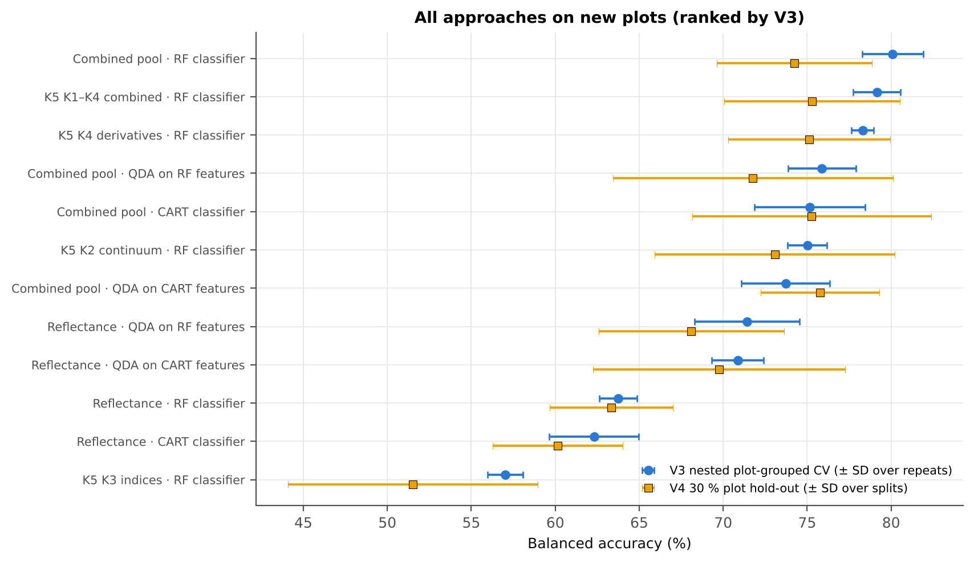
Single feature · REIP best method: REIP – linear extrapolation (threshold) | 59.0% | 55.4% |  | 57.3% |  |  | 0.608
V1 = leaf-level 10-fold CV with features chosen on all leaves (the paper's protocol; optimistic). V3 = nested plot-grouped CV (4-fold × 5 = 20 folds), V4 = 30 % of plots held out × 10, V5 = leave-one-date-out on new plots (40 units: 10 V4 splits × 4 dates); in V3–V5 every selection step is repeated inside the training set. Single features: threshold chosen on training plots.

Conclusions
1. Subset: variety V2 only — 766 leaves (126 healthy, 640 diseased; imbalance 1 : 5.1), 4 healthy and 12 diseased plots, dates 11-02-2026, 24-02-2026, 03-03-2026, 13-03-2026.
2. Tier 1: healthy and white-rust leaves differ significantly at 1087 of 2101 bands (Welch + BH-FDR); 907 bands remain significant with a random plot effect and 644 in ≥ 95 % of 1000 balanced subsets. The most sensitive single band (smoothed reflectance) reaches AUC 0.69 at 1895 nm.
3. Tier 2: CART (rpart, prior 0.5/0.5) selected 19 bands (root 1895 nm): 1895, 2421, 701, 1944, 1463, 1584, 1889, 648, 1861, 507, 506, 2158, 691, 2374, 1396, 1508, 1788, 1378, 1981 nm. The Balanced RF importance peaks (RF-17) were 1895, 1931, 1951, 1987, 1997, 1969, 1379, 701, 689, 1919, 2007, 711, 491, 615, 657, 513, 645 nm.
4. Tier 3: J–M = 1.81 on the CART bands and 1.82 on the RF bands: neither set reaches the 1.90 separability threshold (Das et al. used 1.94).
5. Tier 4: QDA with equal priors on the CART bands gives BA 81.6 % in the paper's protocol (V1; healthy recall 87.3 %, diseased recall 75.9 %) and 70.9 % ± 1.5 % (V3 nested, plot-grouped) / 69.7 % (V4 hold-out plots) on new plots.
6. CART vs RF: as classifiers RF and CART perform alike (+1.6 points; V3, RF better in 9 of 20 folds, p = 0.295); as band selectors for QDA the RF bands give +0.6 points vs the CART bands (p = 0.575). RF selection is more stable than CART selection (Jaccard ±10 nm 0.56 vs 0.27).
7. Disease-sensitive features (Part K): the strongest group for RF is K4 derivatives + edge parameters (BA 78.3 %, V3) vs 64.9 % for reflectance; best single features: first derivative at 884 nm (AUC 0.75), CR3 water 970 width (AUC 0.77), NWI2 (AUC 0.67), Ro (red well reflectance) (AUC 0.64). REIP (linear extrapolation) shifts by -2.8 nm in diseased leaves (AUC 0.61).
8. Part C (four tiers on the combined K1 + K2–K4 pool, 4150 features, 2046 significant): CART chose 11 features, RF 17 (J–M 1.44 / 1.87); QDA on the RF features reaches 75.9 % (V3) / 71.8 % (V4), +4.5 points vs QDA on RF reflectance bands; best pipeline on the pool: RF classifier (80.1 %, V3).
9. Transfer (V5, leave-one-date-out on new plots): QDA on CART reflectance bands 52.1 %, QDA on combined-pool RF features 57.8 % — a clear drop from the V3 estimate (75.9 %); the date/stage effect limits transfer. Best pipeline under transfer: combined pool: QDA on CART features (60.2 %).
10. Compared with all dates, stages and varieties pooled (V3: reflectance QDA-CART 72.0 %, combined-pool QDA-RF 83.7 %; J–M 1.27), this subset gives 70.9 % and 75.9 % (J–M 1.81): discrimination is lower than in the pooled analysis (fewer leaves and plots).

Recommendations
Use first-derivative and continuum-removed features rather than single reflectance bands for this subset; the four-tier selection with RF importance on the combined pool and a QDA or RF classifier is the recommended pipeline.
Report balanced accuracy with both class recalls and the priors used; the classes are imbalanced (1 : 5.1) and equal priors / balanced sampling were applied throughout.
Base conclusions on the plot-grouped estimates (V3 4-fold × 5 = 20 folds, V4 10 hold-outs), not on the leaf-level V1 estimate.
Interpret features near the ASD detector joins (≈ 1000 and 1800 nm) with care; guard zones were excluded from the rankings.
For application to a new date, the most robust pipeline here was combined pool: QDA on CART features (V5 BA 60.2 %); accuracy on an unseen date is much lower than within the date, so calibrate with leaves of the target date or growth stage.
Only 4 healthy plots are in this subset: validation folds hold few healthy plots each, so the SDs of V3/V4 are large and the results should be confirmed with more healthy plots.

02_Design
Workflow, validation design and model settings
Figure 2 of Das et al. (2020), extended with the corrections and the CART-vs-RF, Part K and Part C steps.
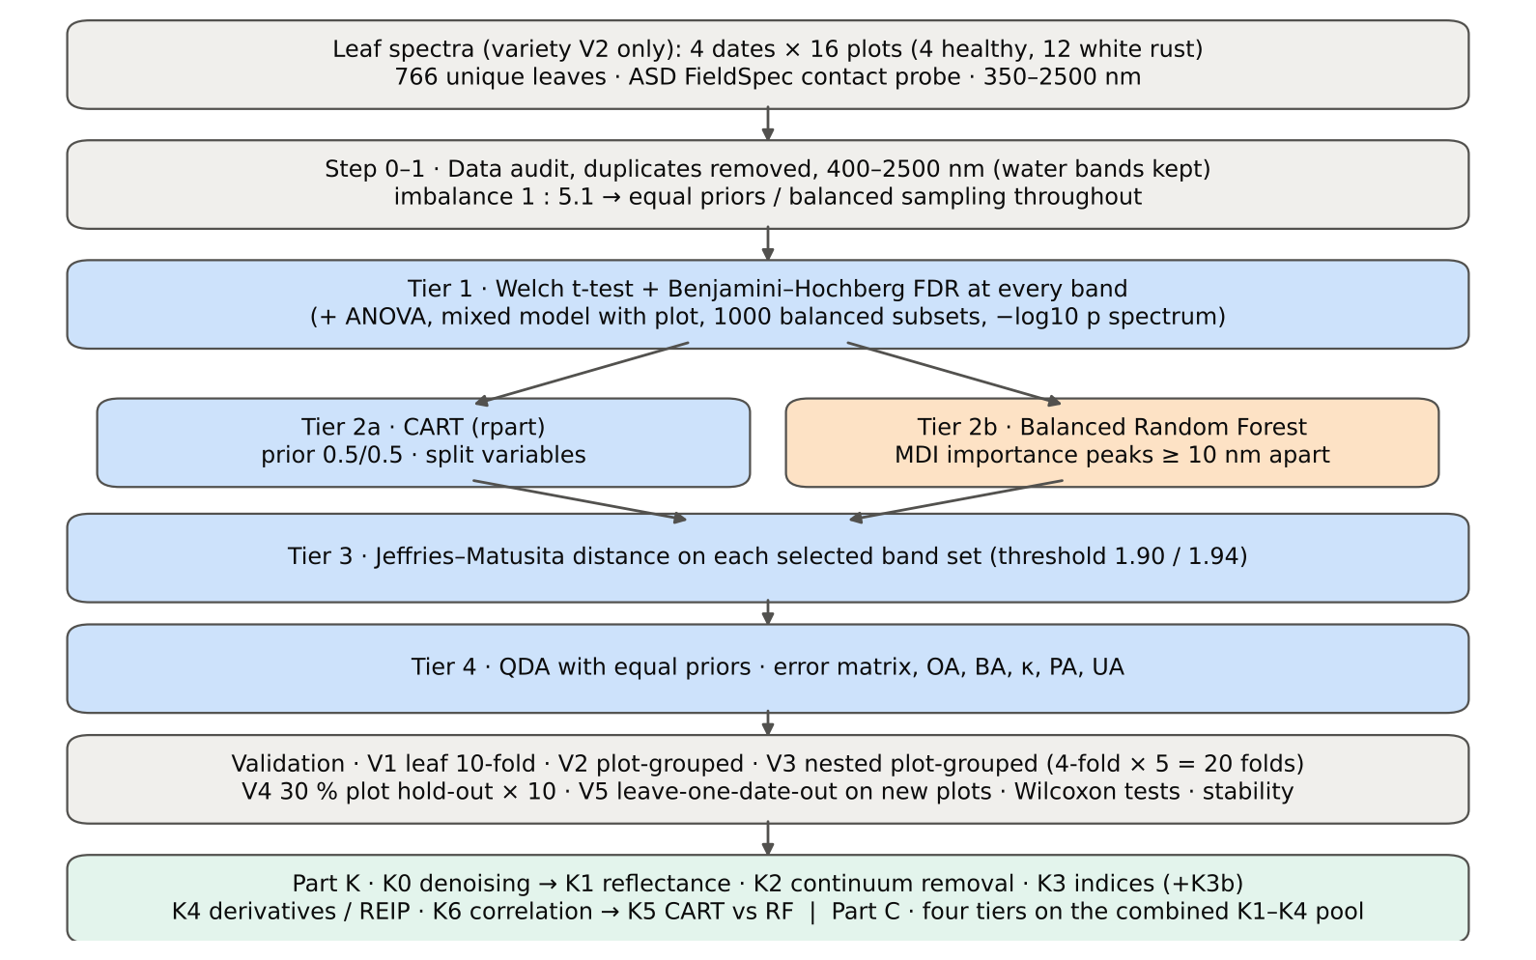

Table 2.1 Corrections applied to the protocol of Das et al. (2020) and why
Issue | Correction | Why
Class imbalance (126 healthy : 640 diseased = 1 : 5.1) | QDA/LDA with equal prior probabilities; rpart prior = c(0.5, 0.5); Balanced RF (each tree on a balanced bootstrap); balanced accuracy as headline metric; 1000 balanced subsets in Tier 1 | without it every classifier favours 'diseased' and overall accuracy is inflated
Two classes only | Welch t-test instead of one-way ANOVA + Tukey HSD (ANOVA reported for comparison: identical ranking) | Tukey HSD is for many pairs; Welch allows unequal variances (Levene)
Multiple testing (2101 bands) | Benjamini–Hochberg FDR (q < 0.05); uncorrected counts reported | 2101 tests at α = 0.05 give ≈ 105 false positives
Pseudo-replication (leaves nested in plots, plots measured on 4 dates) | mixed model with random plot intercept; every honest validation grouped by plot across all dates | leaves of one plot are not independent
Selection bias | Tier 1, band selection and classifier refitted inside every training set (nested V3, V4, V5) | selecting bands on all leaves and validating on the same leaves is optimistic
Water-absorption bands | kept (contact probe with its own light source; no atmospheric path) | Das et al. removed them for canopy measurements
Detector edge 350–399 nm | removed (noise 116 × the 500–699 nm level); sensitivity run with 350–2500 nm | noise could be chosen by CART
Detector joins 1000/1001 and 1800/1801 nm (Part K) | splice correction; guard zones excluded from feature ranking (reported with and without) | instrument artefacts must not be read as disease
Exact duplicate spectra | 75 copies (13-03-2026, block 2) and 4 unnamed copies (plot 27, 11-02-2026) removed from the four files before the subset was taken; 30 of them belong to this subset (30 block-2, 0 unnamed) | a duplicate in both training and test inflates V1
Subset | variety V2 only: 766 of 2264 leaf spectra; folds, Tier 1–4, Part K and Part C rebuilt for this subset only | each date, stage and variety analysed separately as requested

Table 2.2 Validation design (identical folds in every step; sheet 36_Folds)
Scheme | Folds | What is refitted | Purpose
V1 · leaf-level 10-fold CV | StratifiedKFold, seed 42 | bands fixed (chosen on all leaves); classifier refitted | reproduces the paper (optimistic: leaves of a plot in train and test)
V2 · plot-grouped 4-fold CV | StratifiedGroupKFold, seed 42 | bands fixed; classifier refitted | removes plot leakage, keeps selection bias
V3 · nested plot-grouped CV, 4-fold × 5 = 20 folds | StratifiedGroupKFold, seeds 101–105; k = min(10, plots of the smaller class = 4) so every test fold holds both classes | Tier 1 + selection + classifier refitted | honest estimate for new plots
V4 · hold-out of 30 % of plots × 10 | 1 healthy + 4 diseased plots per split, default_rng(2026) | everything refitted on the remaining plots | independent test plots
V5 · new date and new plots (additional) | train: other dates × V4 training plots; test: held-out date × V4 test plots | everything refitted | transfer to an unseen date and unseen plots

Table 2.3 CART and Random Forest settings
Setting | CART | Random Forest
Algorithm | rpart 4.1.23 in R 4.3.3 (recursive partitioning, as Das et al.) | BalancedRandomForestClassifier (imbalanced-learn 0.14, scikit-learn 1.9)
Split criterion | Gini | Gini
Imbalance correction | prior = c(0.5, 0.5) | sampling_strategy = 'all', replacement = True, bootstrap = False (balanced bootstrap per tree)
Size / randomness | minsplit 20, minbucket 7, cp 0.01, maxcompete 0, maxsurrogate 0 | 500 trees (1000 for importance), max_features = √p, random_state 42
Pruning | default tree used; 1-SE tree from plot-grouped 4-fold CV of cp | —
Band selection | split variables of the tree | top-17 / top-10 MDI importance peaks (+ a set the size of the CART set), local maxima ≥ 10 nm apart
Prediction | class of the terminal node (prior-adjusted) | majority vote (probability > 0.5)

04_Step1_Preprocessing
Step 1 · Pre-processing — band set, noise and outlier screening
Das et al. (2020) removed 1350–1430, 1800–1950 and 2350–2500 nm (atmospheric water, canopy). Here the contact probe has its own light source, so water bands are kept.

What was done
Noise of every band = SD of the residual after Savitzky–Golay smoothing (window 11, order 2). The 350–399 nm detector edge is far noisier than the rest and was removed; everything else (400–2500 nm, 2101 bands) was analysed on the raw (unsmoothed) reflectance in Tiers 1–4, as in Das et al. Outliers were screened with the spectral angle (SAM) to the class median spectrum and flagged, not removed (diseased leaves are expected to vary more).
Table 1.1 Band-set decision
Range (nm) | Bands | Decision | Reason
350–399 | 50 | Removed | detector edge: noise ×116 of the 500–699 nm level
400–1349 | 950 | Retained | visible, red edge, NIR
1350–1430 | 81 | Retained | water band I — contact probe (Das et al. removed it)
1431–1799 | 369 | Retained | SWIR-1
1800–1950 | 151 | Retained | water band II — contact probe (Das et al. removed it)
1951–2349 | 399 | Retained | SWIR-2
2350–2500 | 151 | Retained | SWIR-2 end — contact probe (Das et al. removed it)
Bands analysed (Excel) | 2101

Table 1.2 Noise level by spectral region
Range (nm) | Noise (SD of SG residual) | Ratio to 500–699 nm
350–399 | 0.0065 | 116.32
400–499 | 7.781E-04 | 13.96
500–699 | 5.572E-05 | 1.0000
700–1000 | 6.999E-05 | 1.2562
1001–1349 | 5.152E-05 | 0.9246
1350–1430 | 1.692E-05 | 0.3036
1431–1799 | 1.142E-05 | 0.2049
1800–1950 | 1.895E-05 | 0.3400
1951–2349 | 1.751E-05 | 0.3143
2350–2500 | 7.942E-05 | 1.4253

Table 1.3 Outlier screening: spectral angle to the class median
Class | Leaves | Median SAM (rad) | 95th pct (rad) | Max (rad) | Leaves > 0.15 rad
Healthy | 126 | 0.0696 | 0.1151 | 0.1690 | 1
Diseased | 640 | 0.0783 | 0.1732 | 0.4593 | 48

Table 1.4 Ten most deviating spectra (flagged, kept)
Plot | Class | Date | Growth stage | File | SAM (rad) | R1985 (leaf) | R1985 (class median)
17 | Diseased | 03-03-2026 | Flowering | Mustard00177.asd.sco | 0.4593 | 0.3910 | 0.0724
42 | Diseased | 03-03-2026 | Flowering | Mustard00546.asd.sco | 0.4168 | 0.3328 | 0.0724
35 | Diseased | 03-03-2026 | Flowering | Mustard00440.asd.sco | 0.3286 | 0.2224 | 0.0724
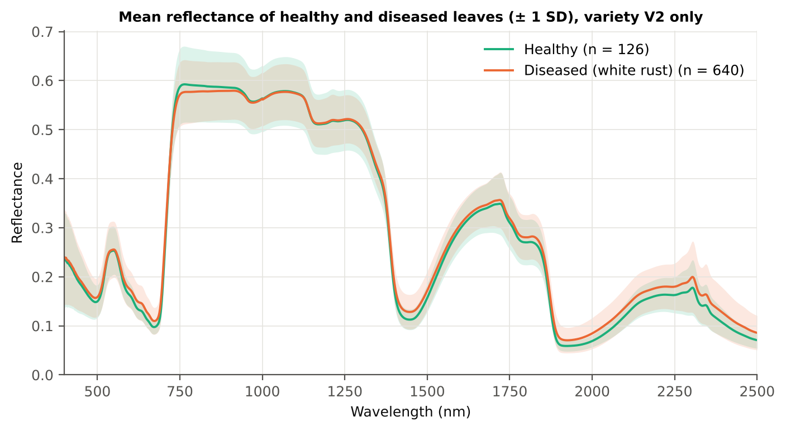
13 | Diseased | 11-02-2026 | Vegetative | Mustard00083.asd.sco | 0.3185 | 0.1321 | 0.0724
45 | Diseased | 03-03-2026 | Flowering | Mustard00600.asd.sco | 0.2737 | 0.1752 | 0.0724
35 | Diseased | 03-03-2026 | Flowering | Mustard00443.asd.sco | 0.2675 | 0.2064 | 0.0724
42 | Diseased | 03-03-2026 | Flowering | Mustard00558.asd.sco | 0.2585 | 0.1740 | 0.0724
19 | Diseased | 13-03-2026 | Pod formation | Mustard00198.asd.sco | 0.2571 | 0.1703 | 0.0724
39 | Diseased | 03-03-2026 | Flowering | Mustard00510.asd.sco | 0.2555 | 0.2035 | 0.0724
13 | Diseased | 03-03-2026 | Flowering | Mustard00111.asd.sco | 0.2530 | 0.1714 | 0.0724

Figure 3 (as in Das et al. 2020). Mean reflectance of healthy and diseased leaves

Native Excel chart of the same data: sheet 37_ChartData, columns A–C.
Table 1.5 Duplicate sensitivity run not applicable: the 4 unnamed plot-27 copies (11-02-2026) are not part of this subset.

05_Tier1_Ttest
Step 2 · Tier 1 — Welch's t-test at every band with Benjamini–Hochberg FDR
Das et al. (2020) used one-way ANOVA (p < 0.05) + Tukey HSD for 14 genotypes; with two classes the equivalent is a t-test.

Result in brief
Tier 1: healthy and white-rust leaves differ significantly at 1087 of 2101 bands (Welch + BH-FDR); 907 bands remain significant with a random plot effect and 644 in ≥ 95 % of 1000 balanced subsets. The most sensitive single band (smoothed reflectance) reaches AUC 0.69 at 1895 nm.
Uncorrected, 1183 bands have p < 0.05; ANOVA + FDR gives 1130 (same ranking as Welch).

What was done
At each of the 2101 bands the mean reflectance of healthy (n = 126) and diseased (n = 640) leaves was compared with Welch's t-test (unequal variances; Levene's test shows unequal variances at many bands) and the p-values were adjusted with the Benjamini–Hochberg false-discovery rate. Bands with q < 0.05 go to Tier 2. Because 640 diseased leaves give high power even for tiny differences, the test was repeated on 1000 balanced random subsets (126 vs 126), and a linear mixed model with a random plot intercept checks pseudo-replication.
Table 2.1 Number of significant bands
Test | Significant bands | Bands tested | Share (Excel)
Welch t-test + BH-FDR q < 0.05 (used for Tier 2) | 1087 | 2101 | 51.7%
One-way ANOVA p < 0.05, uncorrected (rule of Das et al.) | 1219 | 2101 | 58.0%
One-way ANOVA + BH-FDR q < 0.05 | 1130 | 2101 | 53.8%
Welch t-test p < 0.05, uncorrected | 1183 | 2101 | 56.3%
Mixed model (random plot effect) + BH-FDR q < 0.05 | 907 | 2101 | 43.2%
Balanced subsets (126 vs 126): significant in ≥ 95 % of 1000 subsets | 644 | 2101 | 30.7%
Levene test p < 0.05 (unequal variances → Welch) | 1096 | 2101 | 52.2%

Table 2.2 Contiguous ranges (Welch + FDR)
Range (nm) | Bands | Result
400–488 | 89 | not significant
489–514 | 26 | significant
515–572 | 58 | not significant
573–712 | 140 | significant
713–1377 | 665 | not significant
1378–1585 | 208 | significant
1586–1787 | 202 | not significant
1788–2500 | 713 | significant

Table 2.3 Significance by spectral region
Region | Bands | Welch+FDR significant | Mixed-model significant | Band of max |t| | Max t | Mean diff (D − H)
Blue (400–499) | 100 | 11 | 0 | 499.00 | 2.5958 | 0.0088
Green (500–599) | 100 | 42 | 0 | 599.00 | 4.7033 | 0.0125
Red (600–679) | 80 | 80 | 70 | 658.00 | 7.6671 | 0.0143
Red edge (680–759) | 80 | 33 | 22 | 690.00 | 8.1431 | 0.0169
NIR (760–1349) | 590 | 0 | 0 | 760.00 | -2.1503 | -0.0160
Water band I (1350–1430) | 81 | 53 | 44 | 1430.00 | 6.6563 | 0.0156
SWIR-1 (1431–1799) | 369 | 167 | 110 | 1441.00 | 6.7121 | 0.0156
Water band II (1800–1950) | 151 | 151 | 111 | 1894.00 | 9.3694 | 0.0151
SWIR-2 (1951–2349) | 399 | 399 | 399 | 1998.00 | 9.3093 | 0.0154
SWIR-2 end (2350–2500) | 151 | 151 | 151 | 2494.00 | 7.3382 | 0.0153

Table 2.4 Fifteen most significant bands
Wavelength (nm) | Mean healthy | Mean diseased | Diff (D − H) | Welch t | Welch df | q (BH) | Hedges g | Mixed-model q
1894.00 | 0.0677 | 0.0829 | 0.0151 | 9.3694 | 506.78 | 4.478E-17 | 0.5270 | 0.0207
1893.00 | 0.0691 | 0.0845 | 0.0154 | 9.3685 | 502.42 | 4.478E-17 | 0.5284 | 0.0207
1895.00 | 0.0665 | 0.0814 | 0.0149 | 9.3573 | 509.73 | 4.478E-17 | 0.5254 | 0.0207
1892.00 | 0.0707 | 0.0863 | 0.0156 | 9.3521 | 496.35 | 4.478E-17 | 0.5296 | 0.0207
1896.00 | 0.0654 | 0.0801 | 0.0147 | 9.3315 | 511.14 | 4.478E-17 | 0.5235 | 0.0207
1891.00 | 0.0724 | 0.0883 | 0.0158 | 9.3200 | 488.58 | 4.478E-17 | 0.5304 | 0.0207
1998.00 | 0.0684 | 0.0838 | 0.0154 | 9.3093 | 500.37 | 4.478E-17 | 0.5258 | 0.0207
1999.00 | 0.0687 | 0.0842 | 0.0155 | 9.3092 | 499.49 | 4.478E-17 | 0.5261 | 0.0207
1997.00 | 0.0681 | 0.0835 | 0.0154 | 9.3083 | 501.16 | 4.478E-17 | 0.5254 | 0.0207
2000.00 | 0.0690 | 0.0845 | 0.0156 | 9.3078 | 498.50 | 4.478E-17 | 0.5263 | 0.0207
1996.00 | 0.0678 | 0.0831 | 0.0153 | 9.3065 | 501.85 | 4.478E-17 | 0.5251 | 0.0207
2001.00 | 0.0693 | 0.0849 | 0.0156 | 9.3053 | 497.43 | 4.478E-17 | 0.5265 | 0.0207
1995.00 | 0.0675 | 0.0828 | 0.0153 | 9.3037 | 502.42 | 4.478E-17 | 0.5248 | 0.0207
2002.00 | 0.0696 | 0.0853 | 0.0157 | 9.3018 | 496.27 | 4.478E-17 | 0.5267 | 0.0207
1994.00 | 0.0672 | 0.0824 | 0.0152 | 9.2995 | 502.89 | 4.478E-17 | 0.5244 | 0.0207

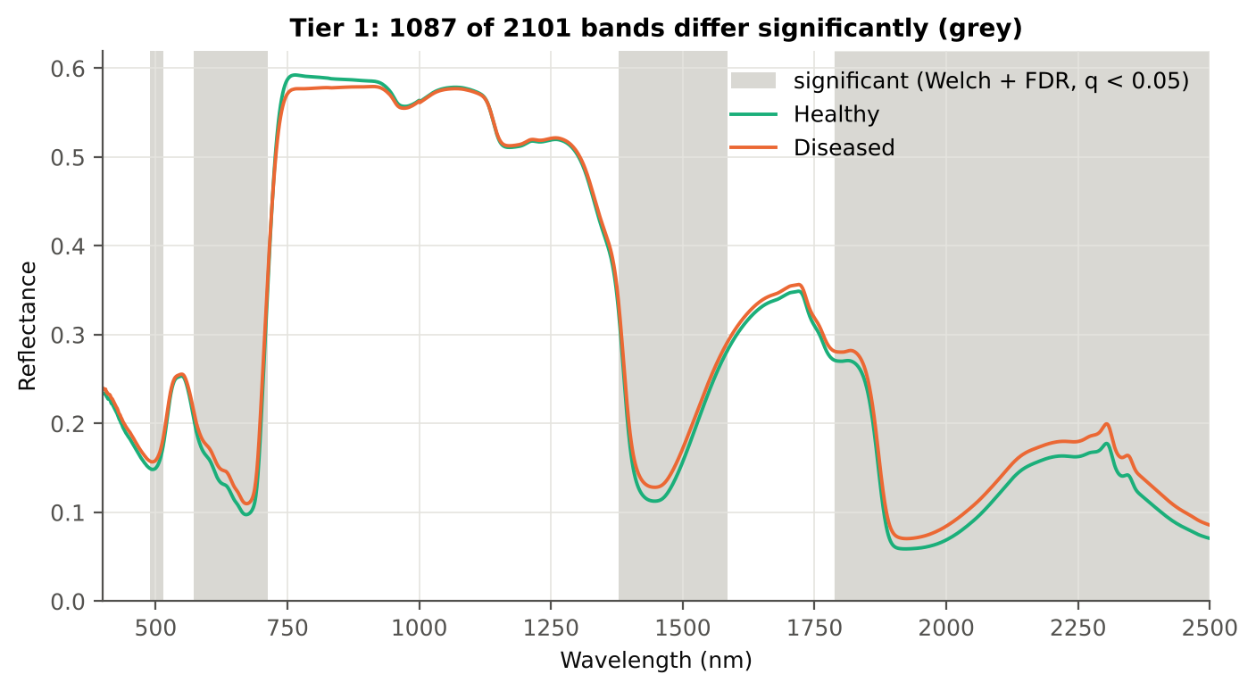
Table 2.5 Tier 1 on 1000 balanced subsets
Balanced-subset check (imbalance) | Value
Balanced random subsets drawn | 1000
Leaves per subset (healthy + diseased) | 126 + 126
Significant bands per subset — median | 985.00
— minimum | 421
— maximum | 1497
Bands significant in 100 % of subsets | 351
Bands significant in ≥ 95 % of subsets | 644
Bands never significant | 388

Figure 4 (as in Das et al. 2020 Fig. 4). Bands where healthy and diseased leaves differ (grey)

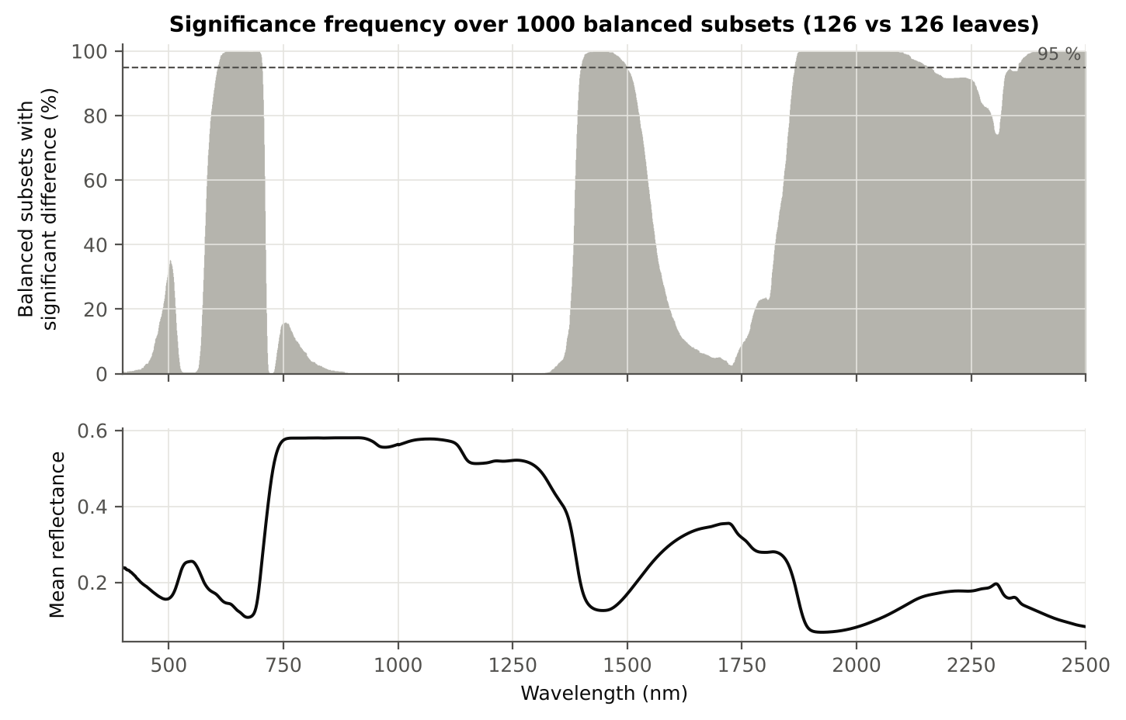

Figure 5 (as in Das et al. 2020 Fig. 5). Significance frequency (balanced subsets) and mean reflectance

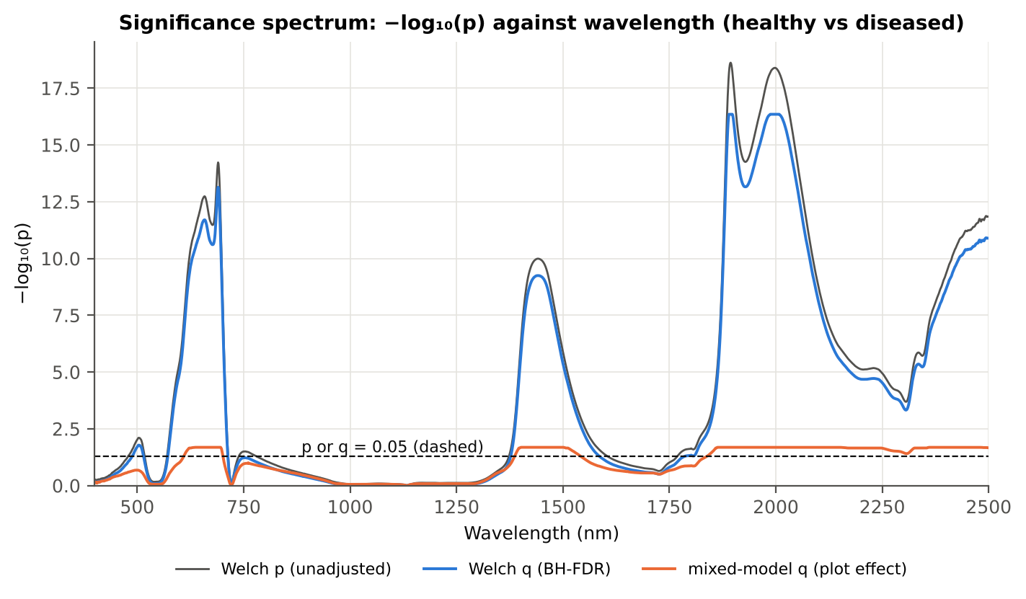

Figure 5b. −log₁₀(p) against wavelength

Native Excel versions of Figures 3–5b: sheet 37_ChartData (charts placed beside the data).
Cross-checks for this step
Step | What was checked | Method | Result | Status
Tier 1 | Training sets with < 2 FDR-significant features (nested V3/V4/V5) | fallback: uncorrected p < 0.05, else the 20 smallest p | 1 of 70 training sets: V5 #39 → uncorrected p (446) | FLAG
Tier 1 | Mixed model implementation | R nlme::lme vs Python statsmodels MixedLM (Powell), every 50th band | Spearman ρ of p-values 1.000 (statsmodels uses a Wald z-test, nlme a t-test with 14 df, so nlme p-values are larger) | PASS
Tier 1 | Welch t-statistic | SciPy ttest_ind(equal_var=False) vs vectorised formula | max |Δt| = 1.8e-15 | PASS
Tier 1 | Benjamini–Hochberg q-values | statsmodels multipletests vs own step-up | max |Δq| = 2.2e-16 | PASS
Tier 1 | ANOVA equivalence | one-way ANOVA F (SciPy, every 50th band) vs Student t² | max relative |F − t²| = 1.2e-13 | PASS
Tier 1 | Class imbalance | 1000 balanced subsets (126 vs 126 leaves) | median 985 significant bands per subset vs 1087 on all leaves | PASS
Tier 1 | Pseudo-replication | linear mixed model v ~ Disease + (1|plot), REML, R nlme::lme (t-test, 14 df), BH-FDR | 907 of 2101 bands significant (Welch: 1087); plot ICC median 0.012 | PASS

06_Tier2_CART
Step 3 · Tier 2 — CART band selection with equal priors (rpart)
Das et al. (2020): 'To apply this technique we used the method rpart from package rpart' — the split variables are the selected wavelengths.

Result in brief
Tier 2: CART (rpart, prior 0.5/0.5) selected 19 bands (root 1895 nm): 1895, 2421, 701, 1944, 1463, 1584, 1889, 648, 1861, 507, 506, 2158, 691, 2374, 1396, 1508, 1788, 1378, 1981 nm. The Balanced RF importance peaks (RF-17) were 1895, 1931, 1951, 1987, 1997, 1969, 1379, 701, 689, 1919, 2007, 711, 491, 615, 657, 513, 645 nm.
Re-selection of each CART band in plot-level bootstraps and in the nested training sets is shown in Table 3.1 and Figure 6b; bands re-selected in < 50 % of the training sets should not be interpreted individually.

What was done
Input: the 1087 FDR-significant bands of Tier 1 (raw reflectance). rpart (R 4.3.3, rpart 4.1.23) with method = 'class', prior = c(0.5, 0.5) (imbalance correction), split = 'gini', minsplit 20, minbucket 7, cp 0.01, no competitor or surrogate splits. The wavelengths used as split variables form the CART band set. The complexity parameter was cross-validated with plot-grouped folds; the 1-SE tree gives a smaller alternative set. Stability: rpart refitted on 200 plot-level bootstrap samples and inside the 20 nested training sets of V3 (a band counts as re-selected if a band within ± 10 nm is chosen).
Table 3.1 The 19 wavelengths selected by CART
Band (nm) | Region | First used at node | Tree depth | Mean healthy | Mean diseased | Welch t | q (BH) | Bootstrap re-selection (±10 nm) | Nested-CV re-selection (±10 nm) | Mixed model significant | Interpretation
506.00 | Green (500–599) | 42 | 5 | 0.1557 | 0.1647 | 2.6759 | 0.0169 | 43.5% | 0.0% | no | green peak: chlorosis / pigment ratio change
507.00 | Green (500–599) | 40 | 5 | 0.1572 | 0.1662 | 2.6584 | 0.0177 | 43.5% | 0.0% | no | green peak: chlorosis / pigment ratio change
648.00 | Red (600–679) | 20 | 4 | 0.1152 | 0.1300 | 7.4721 | 6.575E-12 | 43.0% | 70.0% | yes | chlorophyll-a absorption well
691.00 | Red edge (680–759) | 81 | 6 | 0.1231 | 0.1407 | 8.1288 | 8.224E-14 | 66.0% | 70.0% | yes | red edge: chlorophyll loss and leaf structure
701.00 | Red edge (680–759) | 3 | 1 | 0.2145 | 0.2340 | 5.8998 | 4.437E-08 | 83.5% | 80.0% | yes | red edge: chlorophyll loss and leaf structure
1378.00 | Water band I (1350–1430) | 345 | 8 | 0.3279 | 0.3375 | 2.2949 | 0.0456 | 70.5% | 60.0% | no | leaf water absorption (≈1400 nm)
1396.00 | Water band I (1350–1430) | 86 | 6 | 0.1969 | 0.2113 | 4.5021 | 2.983E-05 | 57.5% | 60.0% | yes | leaf water absorption (≈1400 nm)
1463.00 | SWIR-1 (1431–1799) | 6 | 2 | 0.1161 | 0.1318 | 6.4922 | 1.838E-09 | 11.0% | 15.0% | yes | SWIR-1: water, dry matter
1508.00 | SWIR-1 (1431–1799) | 168 | 7 | 0.1693 | 0.1837 | 4.6277 | 1.829E-05 | 19.0% | 15.0% | yes | SWIR-1: water, dry matter
1584.00 | SWIR-1 (1431–1799) | 10 | 3 | 0.2816 | 0.2908 | 2.2650 | 0.0483 | 49.0% | 15.0% | no | SWIR-1: water, dry matter
1788.00 | SWIR-1 (1431–1799) | 172 | 7 | 0.2712 | 0.2814 | 2.2480 | 0.0499 | 32.0% | 10.0% | no | SWIR-1: water, dry matter
1861.00 | Water band II (1800–1950) | 21 | 4 | 0.2002 | 0.2163 | 4.4408 | 3.832E-05 | 47.5% | 60.0% | yes | leaf water absorption (O–H, ≈1940 nm)
1889.00 | Water band II (1800–1950) | 12 | 3 | 0.0766 | 0.0929 | 9.1933 | 6.008E-17 | 86.0% | 75.0% | yes | leaf water absorption (O–H, ≈1940 nm)
1895.00 | Water band II (1800–1950) | 1 | 0 | 0.0665 | 0.0814 | 9.3573 | 4.478E-17 | 83.0% | 75.0% | yes | leaf water absorption (O–H, ≈1940 nm)
1944.00 | Water band II (1800–1950) | 5 | 2 | 0.0596 | 0.0716 | 8.3021 | 1.855E-14 | 20.5% | 35.0% | yes | leaf water absorption (O–H, ≈1940 nm)
1981.00 | SWIR-2 (1951–2349) | 690 | 9 | 0.0642 | 0.0785 | 9.1669 | 6.008E-17 | 30.0% | 35.0% | yes | SWIR-2: water wing, protein / cellulose / lignin
2158.00 | SWIR-2 (1951–2349) | 43 | 5 | 0.1530 | 0.1693 | 4.9665 | 4.329E-06 | 6.0% | 20.0% | yes | SWIR-2: water wing, protein / cellulose / lignin
2374.00 | SWIR-2 end (2350–2500) | 84 | 6 | 0.1170 | 0.1380 | 5.9127 | 3.924E-08 | 12.0% | 25.0% | yes | cellulose/lignin; detector edge with higher noise
2421.00 | SWIR-2 end (2350–2500) | 2 | 1 | 0.0939 | 0.1132 | 6.8322 | 2.280E-10 | 23.0% | 5.0% | yes | cellulose/lignin; detector edge with higher noise

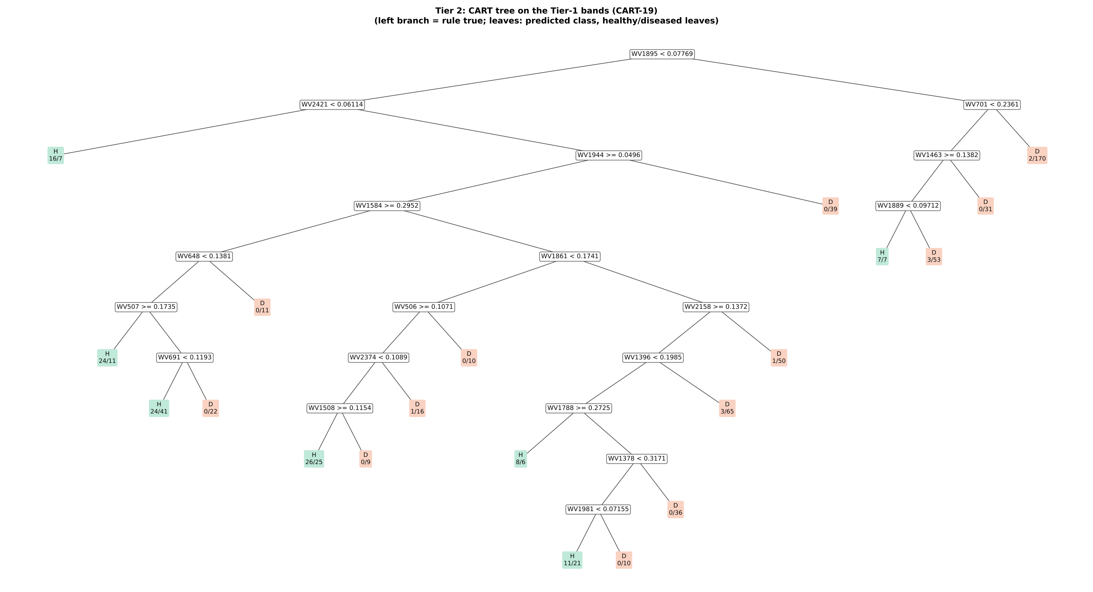
Figure 6 (as in Das et al. 2020 Fig. 6). CART tree

Table 3.2 Tree nodes (rpart frame)
Node | Depth | Split variable | Rule (left branch of the parent) | Leaves | Healthy | Diseased | Predicted class
1 | 0 | WV1895 | root | 766 | 126 | 640 | H
2 | 1 | WV2421 | WV1895< 0.07769 | 493 | 114 | 379 | H
4 | 2 | leaf | WV2421< 0.06114 | 23 | 16 | 7 | H
5 | 2 | WV1944 | WV2421>=0.06114 | 470 | 98 | 372 | H
10 | 3 | WV1584 | WV1944>=0.0496 | 431 | 98 | 333 | H
20 | 4 | WV648 | WV1584>=0.2952 | 133 | 48 | 85 | H
40 | 5 | WV507 | WV648< 0.1381 | 122 | 48 | 74 | H
80 | 6 | leaf | WV507>=0.1735 | 35 | 24 | 11 | H
81 | 6 | WV691 | WV507< 0.1735 | 87 | 24 | 63 | H
162 | 7 | leaf | WV691< 0.1193 | 65 | 24 | 41 | H
163 | 7 | leaf | WV691>=0.1193 | 22 | 0 | 22 | D
41 | 5 | leaf | WV648>=0.1381 | 11 | 0 | 11 | D
21 | 4 | WV1861 | WV1584< 0.2952 | 298 | 50 | 248 | H
42 | 5 | WV506 | WV1861< 0.1741 | 87 | 27 | 60 | H
84 | 6 | WV2374 | WV506>=0.1071 | 77 | 27 | 50 | H
168 | 7 | WV1508 | WV2374< 0.1089 | 60 | 26 | 34 | H
336 | 8 | leaf | WV1508>=0.1154 | 51 | 26 | 25 | H
337 | 8 | leaf | WV1508< 0.1154 | 9 | 0 | 9 | D
169 | 7 | leaf | WV2374>=0.1089 | 17 | 1 | 16 | D
85 | 6 | leaf | WV506< 0.1071 | 10 | 0 | 10 | D
43 | 5 | WV2158 | WV1861>=0.1741 | 211 | 23 | 188 | D
86 | 6 | WV1396 | WV2158>=0.1372 | 160 | 22 | 138 | D
172 | 7 | WV1788 | WV1396< 0.1985 | 92 | 19 | 73 | H
344 | 8 | leaf | WV1788>=0.2725 | 14 | 8 | 6 | H
345 | 8 | WV1378 | WV1788< 0.2725 | 78 | 11 | 67 | D
690 | 9 | WV1981 | WV1378< 0.3171 | 42 | 11 | 31 | H
1380 | 10 | leaf | WV1981< 0.07155 | 32 | 11 | 21 | H
1381 | 10 | leaf | WV1981>=0.07155 | 10 | 0 | 10 | D
691 | 9 | leaf | WV1378>=0.3171 | 36 | 0 | 36 | D
173 | 7 | leaf | WV1396>=0.1985 | 68 | 3 | 65 | D
87 | 6 | leaf | WV2158< 0.1372 | 51 | 1 | 50 | D
11 | 3 | leaf | WV1944< 0.0496 | 39 | 0 | 39 | D
3 | 1 | WV701 | WV1895>=0.07769 | 273 | 12 | 261 | D
6 | 2 | WV1463 | WV701< 0.2361 | 101 | 10 | 91 | D
12 | 3 | WV1889 | WV1463>=0.1382 | 70 | 10 | 60 | D
24 | 4 | leaf | WV1889< 0.09712 | 14 | 7 | 7 | H
25 | 4 | leaf | WV1889>=0.09712 | 56 | 3 | 53 | D
13 | 3 | leaf | WV1463< 0.1382 | 31 | 0 | 31 | D
7 | 2 | leaf | WV701>=0.2361 | 172 | 2 | 170 | D

Table 3.3 Complexity-parameter table (plot-grouped 4-fold CV)
CP | Number of splits | Relative error | Cross-validated error (plot-grouped) | SE of CV error
0.3126 | 0.0000 | 1.0000 | 1.0476 | 0.0608
0.0305 | 1.0000 | 0.6874 | 0.7977 | 0.0371
0.0184 | 5.0000 | 0.5153 | 0.7615 | 0.0567
0.0172 | 9.0000 | 0.4223 | 0.8013 | 0.0592
0.0172 | 10.00 | 0.4051 | 0.8268 | 0.0607
0.0163 | 12.00 | 0.3707 | 0.8268 | 0.0607
0.0156 | 14.00 | 0.3380 | 0.8191 | 0.0612
0.0149 | 15.00 | 0.3224 | 0.8191 | 0.0612
0.0141 | 18.00 | 0.2778 | 0.8160 | 0.0612
0.0100 | 19.00 | 0.2637 | 0.7974 | 0.0617
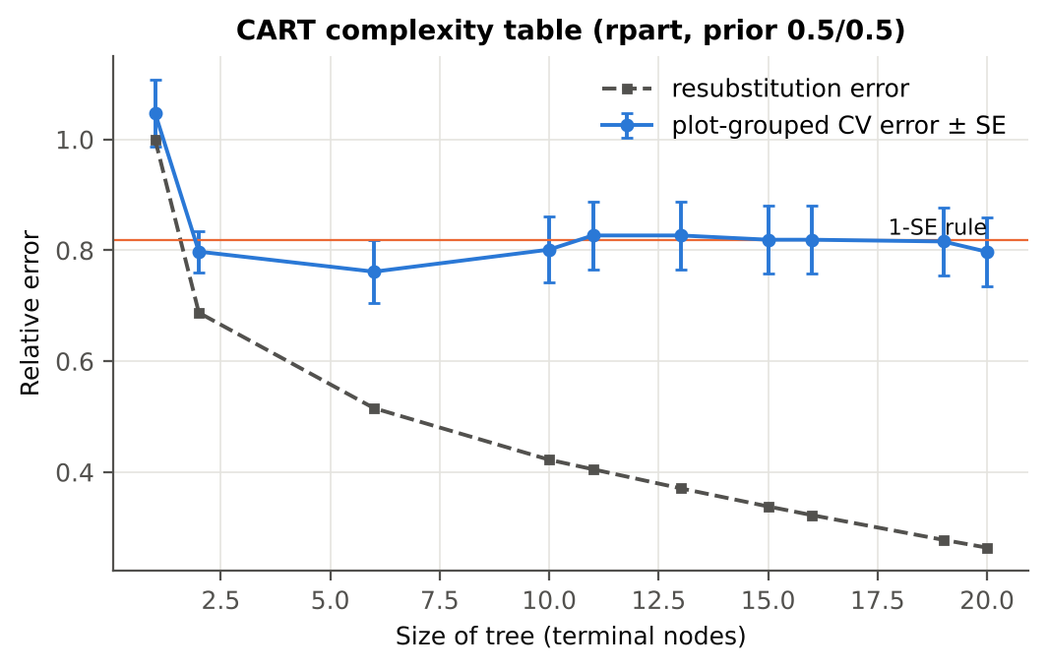

Table 3.4 Selected band sets
Tree | Bands | Wavelengths (nm)
CART-19 | 19 | 1895, 2421, 701, 1944, 1463, 1584, 1889, 648, 1861, 507, 506, 2158, 691, 2374, 1396, 1508, 1788, 1378, 1981
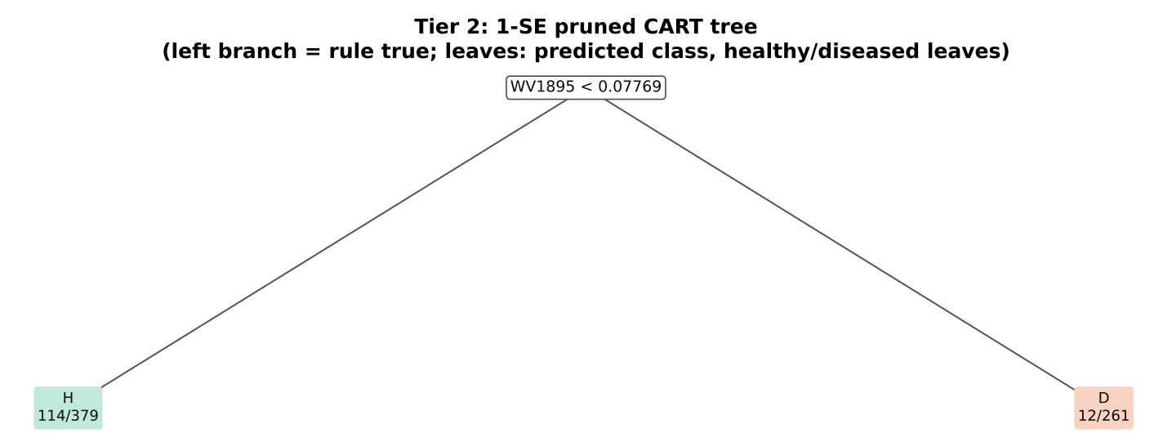
CART-1 (1-SE) | 1 | 1895

Table 3.5 Cross-check of the CART result with scikit-learn
Item | rpart (R) | scikit-learn (balanced class weights) | Agreement
Root split | WV1895< 0.07769 | WV1895 < 0.077691 | identical variable
Split of the left child | WV2421< 0.06114 | WV2422 | different
Bands used by the trees | 19 bands (cp = 0.01) | 28 bands (depth ≤ 8) | 15 of 19 rpart bands within ±5 nm
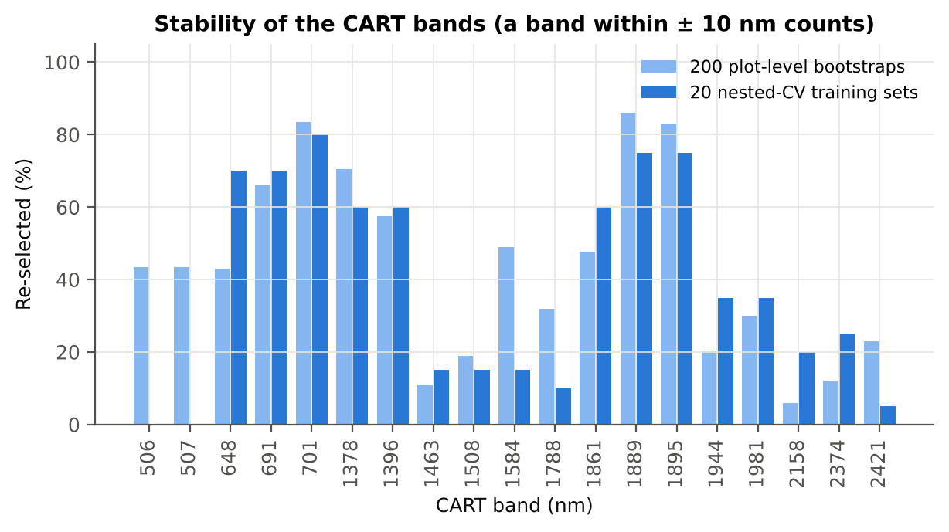

Figure 6b. Re-selection frequency of each CART band

Cross-checks for this step
Step | What was checked | Method | Result | Status
Tier 2 | CART implementation | rpart (R) vs scikit-learn DecisionTreeClassifier | root variable rpart 'WV1895< 0.07769' vs sklearn 'WV1895 < 0.07769' | PASS
Tier 2 | Stability of the selected bands | 200 plot-level bootstrap trees; 20 nested-CV training sets | 701 nm 80 %; 1889 nm 75 %; 1895 nm 75 % | PASS

07_Tier3_JM
Step 4 · Tier 3 — Jeffries–Matusita (J–M) distance
J–M = 2(1 − e^(−α)) on the 0–2 scale of the thresholds 1.90 / 1.94 used by Das et al.; √J–M (Eq. 1 printed in the paper, 0–√2) is also given.

Result in brief
Tier 3: J–M = 1.81 on the CART bands and 1.82 on the RF bands: neither set reaches the 1.90 separability threshold (Das et al. used 1.94).

What was done
α (Bhattacharyya distance) = ⅛ (μH − μD)ᵀ [(ΣH + ΣD)/2]⁻¹ (μH − μD) + ½ ln( |(ΣH + ΣD)/2| / √(|ΣH| |ΣD|) ), computed with class means and covariance matrices of the selected bands (Cholesky factorisation; checked against explicit inverse and determinants). Classes are 'separable' when J–M ≥ 1.90 (Das et al. used ≥ 1.94, 97 % of 2).
Table 1 (as in Das et al. 2020). J–M distance between healthy and diseased leaves (CART-19 bands)
 | Healthy | Diseased
Healthy | – | –
Diseased | 1.8133 | –

Table 4.1 Healthy vs diseased separability (formulas: J–M, √J–M and the threshold tests)
Band set | Bands | α (Bhattacharyya) | J–M (0–2) (Excel) | √J–M (Excel) | ≥ 1.90 ? (Excel) | ≥ 1.94 ? (Excel)
CART-19 | 19 | 2.3715 | 1.8133 | 1.3466 | not separable | not separable
CART-1 (1-SE) | 1 | 0.2552 | 0.4505 | 0.6712 | not separable | not separable

Table 4.2 J–M and QDA BA as the CART bands are added (order of first use in the tree)
Features used | CART feature added | CART J–M | CART QDA BA
1 | WV1895 | 0.4505 | 60.9%
2 | WV2421 | 0.4712 | 62.1%
3 | WV701 | 0.5248 | 62.7%
4 | WV1944 | 0.5370 | 61.4%
5 | WV1463 | 0.7783 | 64.7%
6 | WV1584 | 0.8840 | 67.0%
7 | WV1889 | 0.9353 | 65.4%
8 | WV648 | 1.0744 | 64.9%
9 | WV1861 | 1.1588 | 65.3%
10 | WV507 | 1.3467 | 66.6%
11 | WV506 | 1.4083 | 68.7%
12 | WV2158 | 1.4322 | 68.6%
13 | WV691 | 1.4726 | 69.4%
14 | WV2374 | 1.5107 | 69.7%
15 | WV1396 | 1.5624 | 72.9%
16 | WV1508 | 1.6417 | 76.1%
17 | WV1788 | 1.7466 | 81.6%
18 | WV1378 | 1.7750 | 82.7%
19 | WV1981 | 1.8133 | 81.6%
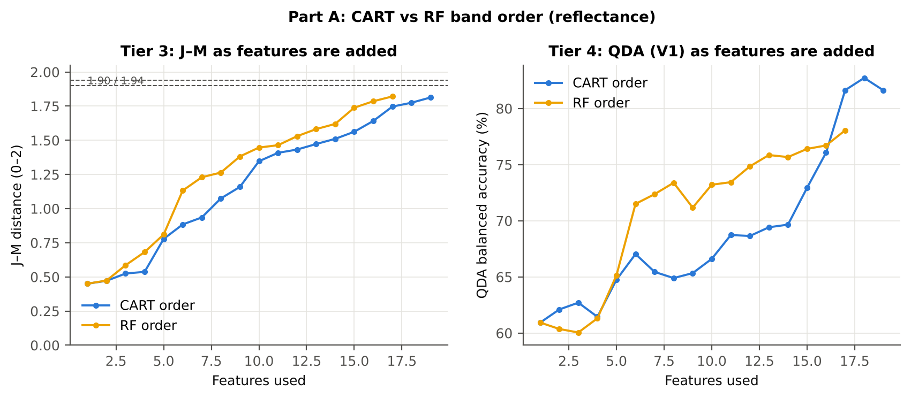

Table 4.3 Numerical diagnostics
Diagnostic | Value
Condition number of healthy covariance | 521296.62
Condition number of diseased covariance | 614141.59
J–M of the healthy class with itself (must be 0) | 0.0000

Cross-checks for this step
Step | What was checked | Method | Result | Status
Tier 3 | J–M implementation (Part A (raw reflectance)) | Cholesky/log-det vs explicit inverse/determinant | |Δα| = 1.7e-13 | PASS
Tier 3 | Invertibility of the class covariances | condition number of the class correlation matrices of every selected set | max 3.9e+07 (well below the ~1e12 limit of double precision) | PASS
Tier 3 | J–M is scale-invariant | J–M on raw vs standardised features of every selected set | max |ΔJ–M| = 7.1e-12 | PASS
Tier 3 | J–M formula | J–M of the healthy class with itself (must be 0) | 0.0e+00 | PASS

09_Validation
Step 6 · Validation of the complete four-tier pipeline
From the protocol of Das et al. (bands chosen on all leaves, leaf-level CV) to honest estimates for new plots and new dates.

Result in brief
QDA on CART bands, equal priors: V1 81.6 %, V3 70.9 %, V4 69.7 %, V5 (leave-one-date-out on new plots) 52.1 %. Leaf-level CV is optimistic here (V1 − V3 > 3 points): plot effects and selection bias matter.

What was done
Das et al. selected bands on all data and validated QDA by 10-fold CV on the same data (V1). Here the pipeline is also validated with folds grouped by plot (V2), with the whole pipeline nested inside plot-grouped folds (V3, 4-fold × 5 = 20 folds), on independent hold-out plots (V4, 10 splits), with random under-sampling instead of equal priors (V3-RUS) and on an unseen date in unseen plots (V5, additional). All rows: QDA on CART-selected bands.
Table 6.1 Validation results (mean over repeats; SD over repeats)
Scheme | Priors | repeats | OA | BA | BA_SD | kappa | AUC | PA_H | PA_D | UA_H | UA_D
V1 · leaf-level 10-fold, bands fixed | equal (corrected) | 1 | 77.8% | 81.6% |  | 0.4392 | 0.9110 | 87.3% | 75.9% | 41.7% | 96.8%
V2 · plot-grouped 4-fold, bands fixed | equal (corrected) | 1 | 77.9% | 75.3% |  | 0.3869 | 0.8234 | 71.4% | 79.2% | 40.4% | 93.4%
V3 · nested plot-grouped 4-fold × 5 = 20 folds | equal (corrected) | 5 | 67.2% | 70.9% | 1.5% | 0.2604 | 0.8049 | 76.3% | 65.4% | 30.5% | 93.4%
V4 · 30 % plot hold-out × 10 | equal (corrected) | 10 | 70.5% | 69.7% | 7.5% | 0.2401 | 0.7816 | 68.9% | 70.6% | 27.4% | 93.9%
V5 · leave-one-date-out on new plots (40 units) | equal (corrected) | 10 | 63.5% | 52.1% | 6.2% | 0.0328 | 0.5612 | 36.6% | 67.7% | 15.8% | 87.1%
V1 · leaf-level 10-fold, bands fixed | sample (uncorrected) | 1 | 83.4% | 83.7% |  | 0.5278 | 0.9110 | 84.1% | 83.3% | 49.8% | 96.4%
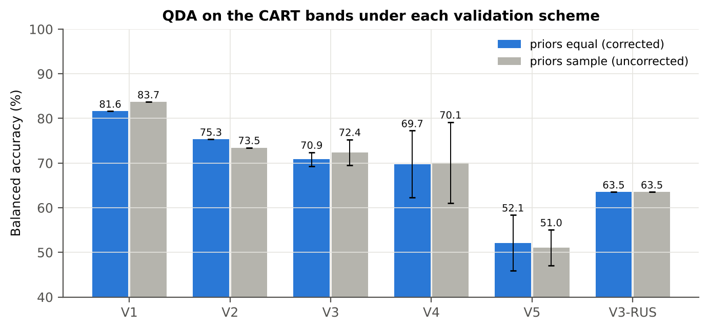
V2 · plot-grouped 4-fold, bands fixed | sample (uncorrected) | 1 | 80.7% | 73.5% |  | 0.4003 | 0.8232 | 62.7% | 84.2% | 43.9% | 92.0%
V3 · nested plot-grouped 4-fold × 5 = 20 folds | sample (uncorrected) | 5 | 75.7% | 72.4% | 2.9% | 0.3363 | 0.8046 | 67.5% | 77.3% | 37.0% | 92.4%
V4 · 30 % plot hold-out × 10 | sample (uncorrected) | 10 | 77.0% | 70.1% | 9.1% | 0.2907 | 0.7813 | 60.7% | 79.4% | 32.6% | 93.0%
V5 · leave-one-date-out on new plots (40 units) | sample (uncorrected) | 10 | 68.1% | 51.0% | 4.0% | 0.0199 | 0.5617 | 27.7% | 74.3% | 15.2% | 86.7%
V3-RUS · nested + random under-sampling | equal (corrected) | 1 | 51.8% | 63.5% |  | 0.1337 | 0.6937 | 81.0% | 46.1% | 22.8% | 92.5%
V3-RUS · nested + random under-sampling | sample (uncorrected) | 1 | 51.8% | 63.5% |  | 0.1337 | 0.6937 | 81.0% | 46.1% | 22.8% | 92.5%

Table 6.2 Error matrix, V3 (nested plot-grouped CV, 5 repeats pooled) — QDA on CART bands, equal priors
Classified \ Reference | Healthy | Diseased | Row total | User's accuracy (%)
Healthy | 481 | 1108 | 1589 | 30.27
Diseased | 149 | 2092 | 2241 | 93.35
Column total | 630 | 3200 | 3830
Producer's accuracy (%) | 76.35 | 65.38
Overall accuracy (%) | 67.18
Balanced accuracy (%) | 70.86
Cohen's κ | 0.259
F1 healthy | 0.434
F1 diseased | 0.769

Table 6.3 Error matrix, V4 (independent hold-out plots, 10 splits pooled) — QDA on CART bands, equal priors
Classified \ Reference | Healthy | Diseased | Row total | User's accuracy (%)
Healthy | 234 | 630 | 864 | 27.08
Diseased | 102 | 1510 | 1612 | 93.67
Column total | 336 | 2140 | 2476
Producer's accuracy (%) | 69.64 | 70.56
Overall accuracy (%) | 70.44
Balanced accuracy (%) | 70.10
Cohen's κ | 0.242
F1 healthy | 0.390
F1 diseased | 0.805

Table 6.4 Error matrix, V5 (leave-one-date-out on new plots, 40 units pooled) — QDA on CART bands, equal priors
Classified \ Reference | Healthy | Diseased | Row total | User's accuracy (%)
Healthy | 124 | 694 | 818 | 15.16
Diseased | 212 | 1446 | 1658 | 87.21
Column total | 336 | 2140 | 2476
Producer's accuracy (%) | 36.90 | 67.57
Overall accuracy (%) | 63.41
Balanced accuracy (%) | 52.24
Cohen's κ | 0.028
F1 healthy | 0.215
F1 diseased | 0.761

Table 6.5 Sensitivity to the band set (full pipeline repeated)
Band set | CART bands | BA V1 | BA V3 nested | BA V4 hold-out | CART bands (nm)
400–2500 nm (main: 350–399 removed) | 19 | 81.6% | 70.9% | 69.7% | 506, 507, 648, 691, 701, 1378, 1396, 1463, 1508, 1584, 1788, 1861, 1889, 1895, 1944, 1981, 2158, 2374, 2421
350–2500 nm (nothing removed) | 19 | 81.8% | 71.1% | 70.5% | 506, 507, 648, 691, 701, 1378, 1396, 1463, 1508, 1584, 1791, 1861, 1889, 1895, 1944, 1981, 2158, 2374, 2421
450–2450 nm (both detector edges trimmed) | 19 | 81.6% | 70.5% | 69.7% | 506, 507, 648, 691, 701, 1378, 1396, 1463, 1508, 1584, 1788, 1861, 1889, 1895, 1944, 1981, 2158, 2374, 2421

10_A1_RF_Importance
Part A1 · Random Forest as the Tier-2 band selector (instead of CART)
Input: the 1087 FDR-significant bands of Tier 1 (same as CART).

What was done
A Balanced Random Forest (1000 trees, √1087 candidate bands per split, each tree grown on a balanced bootstrap of 126 + 126 leaves) was fitted to all leaves; band importance = mean decrease in Gini impurity (MDI). Because neighbouring bands are almost identical, bands were picked as importance peaks: local maxima of the importance spectrum, at least 10 nm apart. The 17 highest peaks form the RF band set (the CART set of Das et al. had 17 bands); the 10 highest a smaller set. Checks: a second forest with another seed, R randomForest, permutation importance, and an ordinary class-weighted forest.
Table A1.1 RF band set: the 17 highest importance peaks
Rank | Band (nm) | Importance × 1000 | Region | Mean healthy | Mean diseased | Welch t | q (BH) | Mixed model significant | Nearest CART band | Distance (nm)
1 | 1895.00 | 3.8086 | Water band II (1800–1950) | 0.0665 | 0.0814 | 9.3573 | 4.478E-17 | yes | 1895.00 | 0.0000
2 | 1931.00 | 2.8002 | Water band II (1800–1950) | 0.0590 | 0.0706 | 8.1003 | 6.826E-14 | yes | 1944.00 | 13.00
3 | 1951.00 | 2.7886 | SWIR-2 (1951–2349) | 0.0600 | 0.0724 | 8.4704 | 5.750E-15 | yes | 1944.00 | 7.0000
4 | 1987.00 | 2.6584 | SWIR-2 (1951–2349) | 0.0655 | 0.0802 | 9.2483 | 4.478E-17 | yes | 1981.00 | 6.0000
5 | 1997.00 | 2.5974 | SWIR-2 (1951–2349) | 0.0681 | 0.0835 | 9.3083 | 4.478E-17 | yes | 1981.00 | 16.00
6 | 1969.00 | 2.5770 | SWIR-2 (1951–2349) | 0.0621 | 0.0755 | 8.8896 | 3.259E-16 | yes | 1981.00 | 12.00
7 | 1379.00 | 2.4109 | Water band I (1350–1430) | 0.3215 | 0.3314 | 2.3789 | 0.0371 | no | 1378.00 | 1.0000
8 | 701.00 | 2.3982 | Red edge (680–759) | 0.2145 | 0.2340 | 5.8998 | 4.437E-08 | yes | 701.00 | 0.0000
9 | 689.00 | 2.2733 | Red edge (680–759) | 0.1146 | 0.1307 | 8.1055 | 9.327E-14 | yes | 691.00 | 2.0000
10 | 1919.00 | 2.1936 | Water band II (1800–1950) | 0.0589 | 0.0706 | 8.2082 | 3.415E-14 | yes | 1895.00 | 24.00
11 | 2007.00 | 2.0497 | SWIR-2 (1951–2349) | 0.0712 | 0.0872 | 9.2678 | 4.478E-17 | yes | 1981.00 | 26.00
12 | 711.00 | 1.8722 | Red edge (680–759) | 0.3359 | 0.3475 | 2.8086 | 0.0117 | no | 701.00 | 10.00
13 | 491.00 | 1.8467 | Blue (400–499) | 0.1488 | 0.1571 | 2.3244 | 0.0422 | no | 506.00 | 15.00
14 | 615.00 | 1.8335 | Red (600–679) | 0.1415 | 0.1559 | 6.1445 | 1.101E-08 | yes | 648.00 | 33.00
15 | 657.00 | 1.8281 | Red (600–679) | 0.1073 | 0.1218 | 7.6622 | 2.029E-12 | yes | 648.00 | 9.0000
16 | 513.00 | 1.8094 | Green (500–599) | 0.1711 | 0.1797 | 2.3897 | 0.0357 | no | 507.00 | 6.0000
17 | 645.00 | 1.7229 | Red (600–679) | 0.1187 | 0.1338 | 7.3923 | 1.074E-11 | yes | 648.00 | 3.0000

Table A1.2 The CART bands seen through the RF importance
CART band (nm) | Region | RF importance rank (of 1087) | RF importance × 1000 | Nearest RF-17 band | Distance (nm)
506.00 | Green (500–599) | 85 | 1.7789 | 513.00 | 7.0000
507.00 | Green (500–599) | 226 | 1.3481 | 513.00 | 6.0000
648.00 | Red (600–679) | 300 | 1.1956 | 645.00 | 3.0000
691.00 | Red edge (680–759) | 50 | 1.9886 | 689.00 | 2.0000
701.00 | Red edge (680–759) | 22 | 2.3982 | 701.00 | 0.0000
1378.00 | Water band I (1350–1430) | 28 | 2.2759 | 1379.00 | 1.0000
1396.00 | Water band I (1350–1430) | 253 | 1.2868 | 1379.00 | 17.00
1463.00 | SWIR-1 (1431–1799) | 691 | 0.6099 | 1379.00 | 84.00
1508.00 | SWIR-1 (1431–1799) | 587 | 0.6966 | 1379.00 | 129.00
1584.00 | SWIR-1 (1431–1799) | 232 | 1.3342 | 1379.00 | 205.00
1788.00 | SWIR-1 (1431–1799) | 239 | 1.3060 | 1895.00 | 107.00
1861.00 | Water band II (1800–1950) | 318 | 1.1524 | 1895.00 | 34.00
1889.00 | Water band II (1800–1950) | 17 | 2.5218 | 1895.00 | 6.0000
1895.00 | Water band II (1800–1950) | 1 | 3.8086 | 1895.00 | 0.0000
1944.00 | Water band II (1800–1950) | 227 | 1.3465 | 1951.00 | 7.0000
1981.00 | SWIR-2 (1951–2349) | 29 | 2.2748 | 1987.00 | 6.0000
2158.00 | SWIR-2 (1951–2349) | 873 | 0.4630 | 2007.00 | 151.00
2374.00 | SWIR-2 end (2350–2500) | 966 | 0.3930 | 2007.00 | 367.00
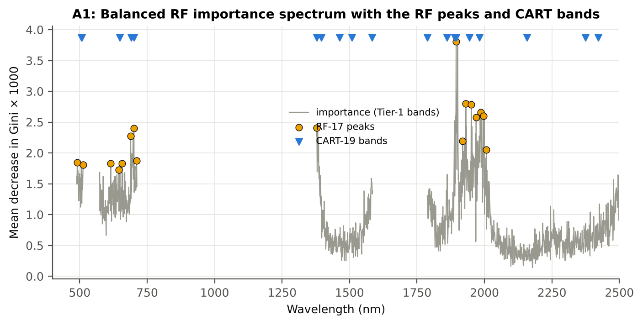
2421.00 | SWIR-2 end (2350–2500) | 569 | 0.7205 | 2007.00 | 414.00

Figure A1. RF importance spectrum with the RF peaks (orange) and the CART bands (blue triangles)

Table A1.3 Checks of the RF importance
Check | Value | Result | Status
Reproducibility: importance of seed 42 vs seed 7 (Spearman ρ) | 0.818 | 14 of 17 peaks within ±10 nm | PASS
R randomForest (stratified sampsize 126 + 126), mean decrease in Gini | ρ = 0.816 | 15 of 17 peaks within ±10 nm; R out-of-bag BA 0.679 | PASS
Permutation importance (drop in AUC, 4 plot-grouped folds) vs Gini, top-50 bands | ρ = -0.18 | shuffling one band hardly changes the forest because its neighbours carry the same information | FLAG
Ordinary RF with class weights only (no balanced bootstrap), out-of-bag | BA 0.663 | healthy recall 0.42: class weights alone leave the forest biased | PASS

12_A3_CART_vs_RF
Part A3 · CART vs RF as classifiers and as band selectors — honest validation
Same folds everywhere: V1 leaf-level 10-fold; V3 nested plot-grouped 4-fold × 5 = 20 folds; V4 30 % plot hold-out × 10; V5 leave-one-date-out on new plots.

Result in brief
CART vs RF: as classifiers RF and CART perform alike (+1.6 points; V3, RF better in 9 of 20 folds, p = 0.295); as band selectors for QDA the RF bands give +0.6 points vs the CART bands (p = 0.575). RF selection is more stable than CART selection (Jaccard ±10 nm 0.56 vs 0.27).

What was done
Four pipelines on identical folds. CART classifier: the rpart tree itself predicts. RF classifier: a Balanced RF (500 trees) on the Tier-1 bands predicts. QDA on CART bands: Tier 4 of the paper. QDA on RF bands: QDA on the 17 RF importance peaks. In V3, V4 and V5, Tier 1 and band selection are repeated inside every training set. Paired Wilcoxon signed-rank tests compare pipelines over the 20 V3 folds and the 10 V4 splits.
Table A3.1 Validation results (mean over repeats; SD over repeats)
Pipeline | Scheme | repeats | OA | BA | BA_SD | kappa | AUC | PA_H | PA_D | UA_H | UA_D
CART classifier | V1 | 1 | 72.1% | 62.6% |  | 0.1982 | 0.6282 | 48.4% | 76.7% | 29.0% | 88.3%
CART classifier | V3 | 5 | 70.9% | 62.3% | 2.7% | 0.1885 | 0.6006 | 49.5% | 75.1% | 28.1% | 88.3%
CART classifier | V4 | 10 | 70.7% | 60.1% | 3.9% | 0.1402 | 0.6086 | 45.6% | 74.7% | 22.2% | 89.7%
CART classifier | V5 | 10 | 65.6% | 51.4% | 3.2% | 0.0183 | 0.5240 | 32.0% | 70.9% | 14.6% | 86.9%
RF classifier | V1 | 1 | 73.4% | 67.8% |  | 0.2688 | 0.7470 | 59.5% | 76.1% | 32.9% | 90.5%
RF classifier | V3 | 5 | 71.9% | 63.7% | 1.1% | 0.2120 | 0.7148 | 51.6% | 75.9% | 29.7% | 88.8%
RF classifier | V4 | 10 | 72.8% | 63.3% | 3.7% | 0.1878 | 0.6869 | 50.4% | 76.3% | 25.2% | 90.8%
RF classifier | V5 | 10 | 65.0% | 49.4% | 2.1% | -0.0090 | 0.5449 | 28.0% | 70.9% | 13.0% | 86.2%
QDA on CART features | V1 | 1 | 77.8% | 81.6% |  | 0.4392 | 0.9110 | 87.3% | 75.9% | 41.7% | 96.8%
QDA on CART features | V3 | 5 | 67.2% | 70.9% | 1.5% | 0.2604 | 0.8049 | 76.3% | 65.4% | 30.5% | 93.4%
QDA on CART features | V4 | 10 | 70.5% | 69.7% | 7.5% | 0.2401 | 0.7816 | 68.9% | 70.6% | 27.4% | 93.9%
QDA on CART features | V5 | 10 | 63.5% | 52.1% | 6.2% | 0.0328 | 0.5612 | 36.6% | 67.7% | 15.8% | 87.1%
QDA on RF features | V1 | 1 | 69.7% | 78.1% |  | 0.3374 | 0.8763 | 90.5% | 65.6% | 34.1% | 97.2%
QDA on RF features | V3 | 5 | 67.4% | 71.4% | 3.1% | 0.2664 | 0.8026 | 77.5% | 65.4% | 30.7% | 93.6%
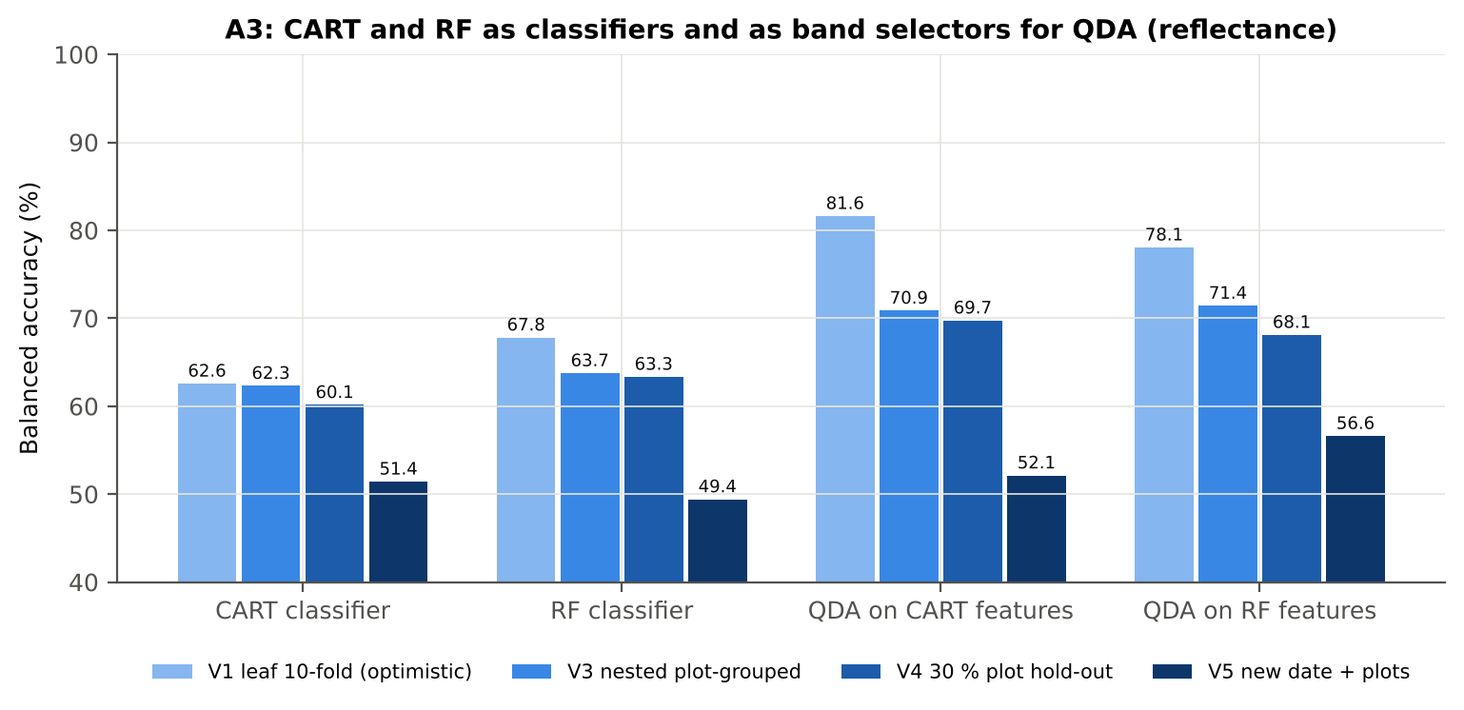
QDA on RF features | V4 | 10 | 66.7% | 68.1% | 5.5% | 0.2093 | 0.7572 | 70.1% | 66.1% | 25.2% | 93.5%
QDA on RF features | V5 | 10 | 71.2% | 56.6% | 4.5% | 0.0948 | 0.6045 | 36.6% | 76.6% | 19.6% | 88.6%

Table A3.2 Paired comparisons (same folds; positive = first pipeline better)
Comparison | Units | n | Mean difference | SD | First better | Second better | Ties | Wilcoxon p
RF classifier − CART classifier | V3 nested (folds) | 20 | 1.6% | 4.2% | 9 | 10 | 1 | 0.2952
RF classifier − CART classifier | V4 hold-out (splits) | 10 | 3.2% | 4.7% | 7 | 3 | 0 | 0.0840
QDA on RF features − QDA on CART features | V3 nested (folds) | 20 | 0.6% | 7.8% | 11 | 9 | 0 | 0.5754
QDA on RF features − QDA on CART features | V4 hold-out (splits) | 10 | -1.6% | 4.4% | 4 | 6 | 0 | 0.4922
QDA on CART features − CART classifier | V3 nested (folds) | 20 | 8.4% | 7.4% | 17 | 3 | 0 | 2.917E-04
QDA on CART features − CART classifier | V4 hold-out (splits) | 10 | 9.6% | 8.3% | 9 | 1 | 0 | 0.0137
QDA on RF features − RF classifier | V3 nested (folds) | 20 | 7.4% | 7.1% | 15 | 5 | 0 | 7.763E-04
QDA on RF features − RF classifier | V4 hold-out (splits) | 10 | 4.8% | 6.1% | 7 | 3 | 0 | 0.0645

Error matrix — CART classifier, V4 hold-out plots (10 splits pooled)
Classified \ Reference | Healthy | Diseased | Row total | User's accuracy (%)
Healthy | 152 | 540 | 692 | 21.97
Diseased | 184 | 1600 | 1784 | 89.69
Column total | 336 | 2140 | 2476
Producer's accuracy (%) | 45.24 | 74.77
Overall accuracy (%) | 70.76
Balanced accuracy (%) | 60.00
Cohen's κ | 0.138
F1 healthy | 0.296
F1 diseased | 0.815

Error matrix — RF classifier, V4 hold-out plots (10 splits pooled)
Classified \ Reference | Healthy | Diseased | Row total | User's accuracy (%)
Healthy | 169 | 506 | 675 | 25.04
Diseased | 167 | 1634 | 1801 | 90.73
Column total | 336 | 2140 | 2476
Producer's accuracy (%) | 50.30 | 76.36
Overall accuracy (%) | 72.82
Balanced accuracy (%) | 63.33
Cohen's κ | 0.187
F1 healthy | 0.334
F1 diseased | 0.829

Error matrix — QDA on CART features, V4 hold-out plots (10 splits pooled)
Classified \ Reference | Healthy | Diseased | Row total | User's accuracy (%)
Healthy | 234 | 630 | 864 | 27.08
Diseased | 102 | 1510 | 1612 | 93.67
Column total | 336 | 2140 | 2476
Producer's accuracy (%) | 69.64 | 70.56
Overall accuracy (%) | 70.44
Balanced accuracy (%) | 70.10
Cohen's κ | 0.242
F1 healthy | 0.390
F1 diseased | 0.805

Error matrix — QDA on RF features, V4 hold-out plots (10 splits pooled)
Classified \ Reference | Healthy | Diseased | Row total | User's accuracy (%)
Healthy | 237 | 726 | 963 | 24.61
Diseased | 99 | 1414 | 1513 | 93.46
Column total | 336 | 2140 | 2476
Producer's accuracy (%) | 70.54 | 66.07
Overall accuracy (%) | 66.68
Balanced accuracy (%) | 68.31
Cohen's κ | 0.205
F1 healthy | 0.365
F1 diseased | 0.774

13_A4_Band_Stability
Part A4 · Stability of the CART and RF band sets
Re-selection in the 20 nested training sets of V3 (a band counts if a band within ± 10 nm is selected).

Result in brief
Mean pairwise Jaccard (±10 nm): RF 0.56, CART 0.27 over 20 nested training sets.
Table A4.1 The CART-19 bands
Feature | Type | Re-selected by CART (±10 nm) | Re-selected by RF (±10 nm)
WV1895 | Raw reflectance | 75.0% | 100.0%
WV2421 | Raw reflectance | 5.0% | 0.0%
WV701 | Raw reflectance | 80.0% | 95.0%
WV1944 | Raw reflectance | 35.0% | 80.0%
WV1463 | Raw reflectance | 15.0% | 0.0%
WV1584 | Raw reflectance | 15.0% | 15.0%
WV1889 | Raw reflectance | 75.0% | 100.0%
WV648 | Raw reflectance | 70.0% | 65.0%
WV1861 | Raw reflectance | 60.0% | 5.0%
WV507 | Raw reflectance | 0.0% | 20.0%
WV506 | Raw reflectance | 0.0% | 30.0%
WV2158 | Raw reflectance | 20.0% | 0.0%
WV691 | Raw reflectance | 70.0% | 95.0%
WV2374 | Raw reflectance | 25.0% | 0.0%
WV1396 | Raw reflectance | 60.0% | 30.0%
WV1508 | Raw reflectance | 15.0% | 0.0%
WV1788 | Raw reflectance | 10.0% | 5.0%
WV1378 | Raw reflectance | 60.0% | 75.0%
WV1981 | Raw reflectance | 35.0% | 90.0%

Table A4.2 The RF-17 bands
Feature | Type | Re-selected by CART (±10 nm) | Re-selected by RF (±10 nm)
WV1895 | Raw reflectance | 75.0% | 100.0%
WV1931 | Raw reflectance | 30.0% | 95.0%
WV1951 | Raw reflectance | 35.0% | 85.0%
WV1987 | Raw reflectance | 35.0% | 90.0%
WV1997 | Raw reflectance | 20.0% | 90.0%
WV1969 | Raw reflectance | 10.0% | 75.0%
WV1379 | Raw reflectance | 70.0% | 85.0%
WV701 | Raw reflectance | 80.0% | 95.0%
WV689 | Raw reflectance | 65.0% | 95.0%
WV1919 | Raw reflectance | 45.0% | 75.0%
WV2007 | Raw reflectance | 20.0% | 75.0%
WV711 | Raw reflectance | 65.0% | 55.0%
WV491 | Raw reflectance | 25.0% | 10.0%
WV615 | Raw reflectance | 30.0% | 70.0%
WV657 | Raw reflectance | 65.0% | 90.0%
WV513 | Raw reflectance | 0.0% | 20.0%
WV645 | Raw reflectance | 70.0% | 65.0%

Table A4.3 Stability index
Method | Training sets | Mean features | Range | Unique features (union) | Selected in all sets (exact) | Stability index (exact) = all / union | Selected in all sets (±10 nm) | Stability index (±10 nm) | Mean pairwise Jaccard (±10 nm) | SD Jaccard
CART | 20 | 17.05 | 14–21 | 200 | 0 | 0.0000 | 0 | 0.0000 | 0.2706 | 0.1594
RF | 20 | 17.00 | 17–17 | 194 | 0 | 0.0000 | 16 | 0.0825 | 0.5594 | 0.1243
Stability index (exact) = bands selected in all 20 training sets ÷ all bands ever selected; the ±10 nm version counts a band as re-selected when a band within 10 nm is chosen; the mean pairwise Jaccard index (±10 nm) compares every pair of training sets.
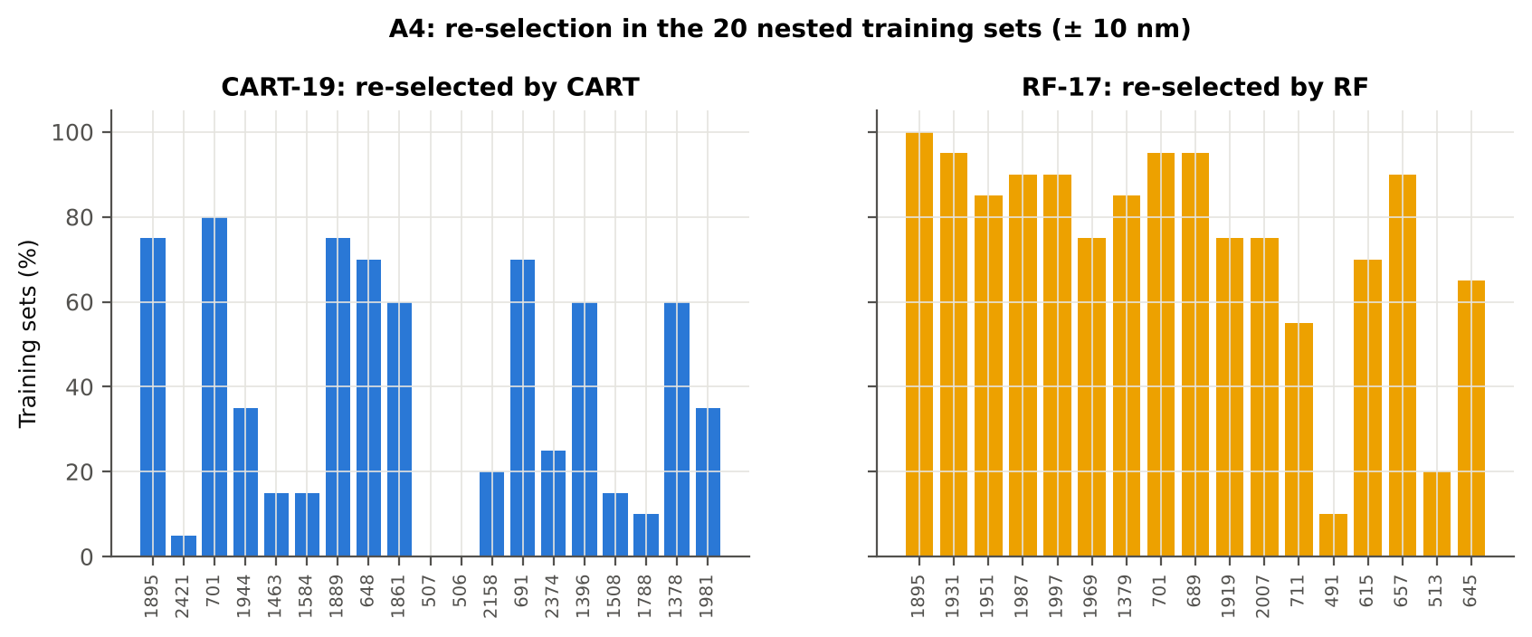

Table A4.4 Bands most often selected by CART (exact band)
Feature | Type | Times selected (exact) | Share of training sets
WV1888 | Raw reflectance | 6 | 30.0%
WV1895 | Raw reflectance | 5 | 25.0%
WV705 | Raw reflectance | 5 | 25.0%
WV1387 | Raw reflectance | 5 | 25.0%
WV1863 | Raw reflectance | 5 | 25.0%
WV1898 | Raw reflectance | 5 | 25.0%
WV648 | Raw reflectance | 5 | 25.0%
WV683 | Raw reflectance | 5 | 25.0%
WV2397 | Raw reflectance | 4 | 20.0%
WV488 | Raw reflectance | 4 | 20.0%
WV1862 | Raw reflectance | 4 | 20.0%
WV1389 | Raw reflectance | 4 | 20.0%
WV2499 | Raw reflectance | 4 | 20.0%
WV1881 | Raw reflectance | 4 | 20.0%
WV2367 | Raw reflectance | 4 | 20.0%
WV650 | Raw reflectance | 4 | 20.0%
WV2261 | Raw reflectance | 3 | 15.0%
WV609 | Raw reflectance | 3 | 15.0%
WV649 | Raw reflectance | 3 | 15.0%
WV699 | Raw reflectance | 3 | 15.0%
WV1447 | Raw reflectance | 3 | 15.0%
WV711 | Raw reflectance | 3 | 15.0%
WV697 | Raw reflectance | 3 | 15.0%
WV640 | Raw reflectance | 3 | 15.0%
WV1426 | Raw reflectance | 3 | 15.0%
WV1954 | Raw reflectance | 3 | 15.0%
WV689 | Raw reflectance | 3 | 15.0%
WV2500 | Raw reflectance | 3 | 15.0%
WV702 | Raw reflectance | 3 | 15.0%
WV703 | Raw reflectance | 3 | 15.0%

Table A4.5 Bands most often selected by RF (exact band)
Feature | Type | Times selected (exact) | Share of training sets
WV1906 | Raw reflectance | 5 | 25.0%
WV697 | Raw reflectance | 5 | 25.0%
WV1985 | Raw reflectance | 5 | 25.0%
WV1945 | Raw reflectance | 4 | 20.0%
WV1967 | Raw reflectance | 4 | 20.0%
WV1955 | Raw reflectance | 4 | 20.0%
WV1893 | Raw reflectance | 4 | 20.0%
WV1384 | Raw reflectance | 4 | 20.0%
WV698 | Raw reflectance | 4 | 20.0%
WV2495 | Raw reflectance | 4 | 20.0%
WV1993 | Raw reflectance | 4 | 20.0%
WV1894 | Raw reflectance | 3 | 15.0%
WV1919 | Raw reflectance | 3 | 15.0%
WV660 | Raw reflectance | 3 | 15.0%
WV1931 | Raw reflectance | 3 | 15.0%
WV1986 | Raw reflectance | 3 | 15.0%
WV1980 | Raw reflectance | 3 | 15.0%
WV670 | Raw reflectance | 3 | 15.0%
WV651 | Raw reflectance | 3 | 15.0%
WV621 | Raw reflectance | 3 | 15.0%
WV1888 | Raw reflectance | 3 | 15.0%
WV607 | Raw reflectance | 3 | 15.0%
WV1999 | Raw reflectance | 3 | 15.0%
WV1935 | Raw reflectance | 3 | 15.0%
WV665 | Raw reflectance | 3 | 15.0%
WV1983 | Raw reflectance | 3 | 15.0%
WV710 | Raw reflectance | 3 | 15.0%
WV1895 | Raw reflectance | 3 | 15.0%
WV689 | Raw reflectance | 3 | 15.0%
WV1960 | Raw reflectance | 3 | 15.0%

14_K0_Denoising
Step K0 · Spectral smoothing / denoising and detector joins
Splice correction, Savitzky–Golay smoothing and derivatives; guard zones at the detector joins.

What was done
1. Splice correction: the ASD records 350–1000 nm (VNIR), 1001–1800 nm (SWIR-1) and 1801–2500 nm (SWIR-2) with three detectors. For each join a straight line was fitted to the 10 nm before the join and the next detector was shifted so that it continues this line at join + 1 nm. 2. Smoothing: Savitzky–Golay filter (window 11, order 2); first derivative SG(15, 2), second derivative SG(21, 2). 3. Guard zones: bands next to the joins are excluded from feature ranking (reflectance 990–1010 and 1795–1835 nm; first derivative 988–1012 and 1793–1837 nm; second derivative 985–1015 and 1790–1840 nm) because the filter windows straddle the join and a date-dependent start-up bump follows 1801 nm.
Table K0.1 Splice offsets added to the following detector (reflectance)
Join | Offset Healthy (mean) | SD (neg) | Offset Diseased (mean) | SD (pos)
1000/1001 nm | 0.0019 | 5.644E-04 | 0.0020 | 5.597E-04
1800/1801 nm | -5.907E-05 | 2.098E-04 | -1.208E-04 | 2.566E-04

Table K0.2 Spectral slope just before and just after the 1800/1801 nm join (reflectance × 10⁵ per nm)
Date | Slope 1786-1800 Healthy | Slope 1786-1800 Diseased | Slope 1801-1815 Healthy | Slope 1801-1815 Diseased
11-02-2026 | -9.2509 | -8.2185 | 11.30 | 18.24
24-02-2026 | -12.73 | -8.2251 | 15.35 | 18.91
03-03-2026 | -12.70 | -13.36 | 2.8452 | 10.18
13-03-2026 | -8.4973 | -9.4009 | -0.6739 | 3.3598
A healthy spectrum falls smoothly across the join; a slope that turns upward right after the join, or a class difference that changes with the date, marks the start-up artefact.

Table K0.3 Noise removed by the Savitzky–Golay filter
Range (nm) | Noise (SD raw - smoothed)
350-399 | 0.0065
400-499 | 7.781E-04
500-599 | 6.926E-05
600-679 | 3.009E-05
680-759 | 4.029E-05
760-1349 | 3.011E-05
1350-1430 | 1.692E-05
1431-1799 | 1.099E-05
1800-1950 | 1.430E-05
1951-2349 | 1.751E-05
2350-2500 | 7.942E-05

Table K0.4 Smoothing preserves the signal
Check of the smoothing | Value
Correlation of class-mean spectra, raw vs smoothed — healthy | 0.999990
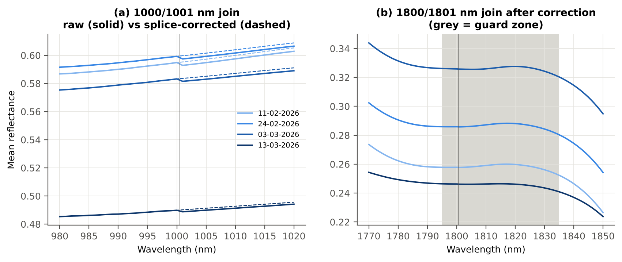
Correlation of class-mean spectra, raw vs smoothed — diseased | 0.999988
Largest change of the all-leaf mean spectrum (reflectance) | 0.002043
Tier-1 significant bands: raw vs smoothed | 1087 vs 1093

Cross-checks for this step
Step | What was checked | Method | Result | Status
K0 | Smoothing preserves the signal | class-mean spectra raw vs smoothed; Tier-1 counts | r ≥ 0.999988; 1087 (raw) vs 1093 (smoothed) significant bands | PASS
K0 | Detector artefact at the 1800/1801 nm join | slope just before vs just after the join, by date and class | start-up bump detected → guard zones applied | FLAG

15_K1_Band_Reflectance
Step K1 · Band reflectance — which single bands are disease-sensitive
Splice-corrected, smoothed reflectance at every band 400–2500 nm (guard zones excluded from the ranking).

Result in brief
1093 of 2101 smoothed bands significant; 0 bands with AUC ≥ 0.70; best band 1895 nm (AUC 0.69).

What was done
For every band: Welch's t-test with BH-FDR, Hedges' g (standardised mean difference, bias-corrected), the area under the ROC curve (AUC, direction-free: 0.5 = no separation, 1 = perfect) and a threshold classifier (Youden's J; the threshold and its direction are chosen on training plots and applied to test plots: plot-grouped CV (V3) and hold-out (V4)).
Table K1.1 Band-reflectance sensitivity
Summary | Value
Bands tested | 2101
Significant (Welch + FDR), smoothed spectra | 1093
Significant, raw spectra (Tier 1) | 1087
Bands with AUC ≥ 0.70 (outside guard zones) | 0
Highest AUC (outside guard zones) | 0.688 at 1895 nm

Table K1.2 Most sensitive band in each spectral region (K1 features)
Wavelength (nm) | Region | AUC | Direction | Hedges g | Welch t | q (BH) | Mean healthy | Mean diseased | BA plot-grouped CV | BA hold-out
497.00 | 400–499 | 0.5564 | D > H | 0.2243 | 2.5410 | 0.0242 | 0.1486 | 0.1573 | 52.0% | 50.6%
599.00 | 500–599 | 0.5842 | D > H | 0.3439 | 4.7038 | 1.220E-05 | 0.1617 | 0.1742 | 53.1% | 57.0%
660.00 | 600–679 | 0.6510 | D > H | 0.4942 | 7.6541 | 2.102E-12 | 0.1042 | 0.1183 | 59.9% | 60.6%
689.00 | 680–759 | 0.6528 | D > H | 0.5066 | 8.1043 | 9.249E-14 | 0.1146 | 0.1308 | 61.7% | 61.9%
760.00 | 760–1349 | 0.5961 | D < H | -0.2343 | -2.1486 | 0.0617 | 0.5920 | 0.5761 | 57.4% | 56.0%
1430.00 | 1350–1430 | 0.6355 | D > H | 0.4740 | 6.7766 | 3.743E-10 | 0.1177 | 0.1334 | 59.1% | 57.2%
1431.00 | 1431–1799 | 0.6356 | D > H | 0.4741 | 6.7869 | 3.525E-10 | 0.1173 | 0.1330 | 59.1% | 57.7%
1895.00 | 1800–1950 | 0.6876 | D > H | 0.5301 | 9.4412 | 2.264E-17 | 0.0683 | 0.0833 | 63.1% | 60.8%
1990.00 | 1951–2349 | 0.6793 | D > H | 0.5273 | 9.3528 | 2.264E-17 | 0.0680 | 0.0830 | 63.0% | 61.4%
2498.00 | 2350–2500 | 0.6305 | D > H | 0.4572 | 7.3126 | 1.410E-11 | 0.0729 | 0.0880 | 57.8% | 55.1%

Table K1.3 Fifteen most sensitive bands overall
Wavelength (nm) | Mean healthy | Mean diseased | Welch t | q (BH) | Hedges g | AUC | Direction
1895.00 | 0.0683 | 0.0833 | 9.4412 | 2.264E-17 | 0.5301 | 0.6876 | D > H
1894.00 | 0.0696 | 0.0848 | 9.4599 | 2.264E-17 | 0.5319 | 0.6871 | D > H
1896.00 | 0.0673 | 0.0820 | 9.4103 | 2.264E-17 | 0.5282 | 0.6869 | D > H
1893.00 | 0.0710 | 0.0864 | 9.4643 | 2.264E-17 | 0.5333 | 0.6868 | D > H
1892.00 | 0.0725 | 0.0882 | 9.4527 | 2.264E-17 | 0.5345 | 0.6862 | D > H
1897.00 | 0.0663 | 0.0808 | 9.3689 | 2.264E-17 | 0.5260 | 0.6860 | D > H
1891.00 | 0.0743 | 0.0902 | 9.4233 | 2.264E-17 | 0.5354 | 0.6852 | D > H
1898.00 | 0.0655 | 0.0798 | 9.3185 | 2.344E-17 | 0.5236 | 0.6848 | D > H
1890.00 | 0.0763 | 0.0924 | 9.3744 | 2.264E-17 | 0.5358 | 0.6841 | D > H
1899.00 | 0.0648 | 0.0789 | 9.2613 | 2.873E-17 | 0.5212 | 0.6831 | D > H
1889.00 | 0.0784 | 0.0948 | 9.3052 | 2.723E-17 | 0.5358 | 0.6818 | D > H
1900.00 | 0.0642 | 0.0780 | 9.1992 | 4.033E-17 | 0.5186 | 0.6814 | D > H
1888.00 | 0.0808 | 0.0974 | 9.2146 | 4.479E-17 | 0.5353 | 0.6809 | D > H
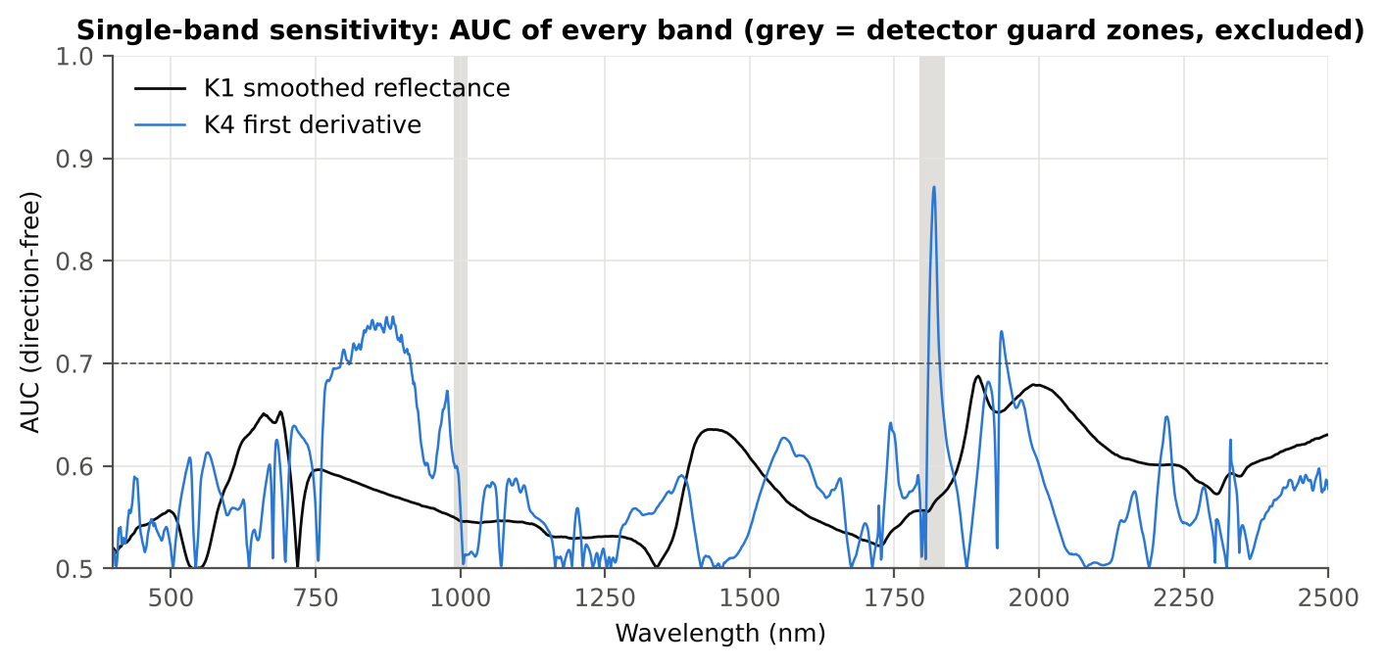
1901.00 | 0.0636 | 0.0773 | 9.1342 | 5.838E-17 | 0.5161 | 0.6802 | D > H
1990.00 | 0.0680 | 0.0830 | 9.3528 | 2.264E-17 | 0.5273 | 0.6793 | D > H

Figure K1. AUC of every band: reflectance (K1, black) and first derivative (K4, blue)

16_K2_Continuum_Removal
Step K2 · Continuum-removed absorption parameters
Six absorption features; continuum = upper convex hull of each window (Clark & Roush 1984; Kokaly & Clark 1999).

Result in brief
Most sensitive continuum-removed parameter: CR3 water 970 width (AUC 0.77, BA plot-grouped CV 72.5 %).

What was done
Within each window the reflectance was divided by its upper convex hull (continuum). From the continuum-removed curve: depth (1 − minimum), position (wavelength of the minimum), area (sum of 1 − CR, nm), width (full width at half depth, nm) and symmetry (share of the area left of the position). Statistics as in K1, plus a linear mixed model (q) and the plot intraclass correlation (ICC).
Table K2.1 Absorption windows
Feature | From (nm) | To (nm) | Absorber
CR1 blue | 400 | 548 | chlorophyll / carotenoid (≈ 495 nm)
CR2 red | 548 | 765 | chlorophyll a/b, red well (≈ 675 nm)
CR3 water 970 | 914 | 1069 | leaf water (≈ 970 nm)
CR4 water 1200 | 1069 | 1258 | leaf water (≈ 1160–1200 nm)
CR5 water 1450 | 1258 | 1721 | leaf water (≈ 1450 nm)
CR6 water 1940 | 1721 | 2304 | leaf water (≈ 1940 nm)

Table K2.2 All 30 continuum-removed parameters, ranked by AUC
Feature | Mean healthy | Mean diseased | Welch t | q (BH) | Hedges g | AUC | Direction | Threshold | Rule | BA all leaves | BA plot-grouped CV | BA hold-out | Mixed-model q | ICC plot
CR3 water 970 width | 64.44 | 61.22 | -14.40 | 8.115E-38 | -0.8254 | 0.7673 | D < H | 63.50 | diseased if < thr | 72.5% | 72.5% | 69.6% | 0.0105 | 0.1092
CR6 water 1940 position | 1913.06 | 1916.75 | 6.0231 | 5.822E-08 | 0.6839 | 0.6606 | D > H | 1913.50 | diseased if > thr | 61.7% | 59.6% | 60.2% | 0.0105 | 0.0658
CR6 water 1940 symmetry | 0.2407 | 0.2511 | 4.4823 | 3.825E-05 | 0.4982 | 0.6455 | D > H | 0.2263 | diseased if > thr | 64.7% | 62.1% | 65.8% | 0.0171 | 0.0398
CR2 red area | 93.65 | 87.51 | -6.7371 | 1.618E-09 | -0.5003 | 0.6423 | D < H | 91.04 | diseased if < thr | 63.5% | 61.7% | 61.1% | 0.0046 | 5.960E-05
CR2 red depth | 0.7858 | 0.7542 | -6.4420 | 5.373E-09 | -0.4622 | 0.6387 | D < H | 0.7945 | diseased if < thr | 61.9% | 57.7% | 55.5% | 0.0105 | 0.0102
CR6 water 1940 depth | 0.7887 | 0.7624 | -5.6138 | 2.520E-07 | -0.4528 | 0.6353 | D < H | 0.7849 | diseased if < thr | 61.0% | 57.1% | 54.4% | 0.0151 | 0.0223
CR3 water 970 area | 3.0472 | 2.6988 | -4.8354 | 9.033E-06 | -0.4348 | 0.6352 | D < H | 2.4910 | diseased if < thr | 63.0% | 61.8% | 60.1% | 0.0151 | 0.0190
CR5 water 1450 depth | 0.7466 | 0.7157 | -6.1244 | 2.576E-08 | -0.4539 | 0.6243 | D < H | 0.7294 | diseased if < thr | 61.9% | 60.9% | 60.8% | 0.0105 | 0.0088
CR2 red width | 128.87 | 124.75 | -6.0375 | 3.055E-08 | -0.4309 | 0.6232 | D < H | 126.50 | diseased if < thr | 60.1% | 59.1% | 60.4% | 0.0105 | 0.0111
CR1 blue depth | 0.3933 | 0.3648 | -4.9129 | 6.893E-06 | -0.4213 | 0.6209 | D < H | 0.4006 | diseased if < thr | 59.9% | 56.5% | 51.4% | 0.0364 | 0.0437
CR1 blue area | 30.19 | 27.87 | -4.6596 | 1.737E-05 | -0.4076 | 0.6158 | D < H | 32.32 | diseased if < thr | 60.6% | 59.8% | 56.2% | 0.0364 | 0.0379
CR6 water 1940 area | 228.83 | 219.24 | -2.8714 | 0.0079 | -0.2569 | 0.6031 | D < H | 243.05 | diseased if < thr | 62.0% | 59.5% | 57.9% | 0.0413 | 1.764E-05
CR3 water 970 depth | 0.0450 | 0.0416 | -3.4261 | 0.0016 | -0.3190 | 0.5955 | D < H | 0.0368 | diseased if < thr | 60.1% | 57.9% | 57.7% | 0.0364 | 0.0116
CR3 water 970 position | 971.62 | 970.88 | -4.2694 | 7.349E-05 | -0.3516 | 0.5887 | D < H | 968.50 | diseased if < thr | 56.7% | 52.8% | 52.3% | 0.0928 | 0.0567
CR5 water 1450 area | 146.72 | 140.52 | -3.5770 | 0.0010 | -0.3049 | 0.5820 | D < H | 133.99 | diseased if < thr | 58.7% | 57.5% | 57.7% | 0.0223 | 8.236E-05
CR3 water 970 symmetry | 0.3805 | 0.3864 | 3.3306 | 0.0021 | 0.3441 | 0.5781 | D > H | 0.3600 | diseased if > thr | 57.8% | 55.0% | 54.3% | 0.0855 | 0.0464
CR2 red symmetry | 0.7247 | 0.7289 | 2.6428 | 0.0141 | 0.2465 | 0.5721 | D > H | 0.7391 | diseased if > thr | 57.5% | 56.8% | 54.8% | 0.2878 | 0.0901
CR1 blue symmetry | 0.6819 | 0.6776 | -2.8974 | 0.0078 | -0.2541 | 0.5666 | D < H | 0.6801 | diseased if < thr | 56.0% | 52.4% | 51.4% | 0.0413 | 3.266E-05
CR5 water 1450 symmetry | 0.3436 | 0.3417 | -2.8565 | 0.0079 | -0.2419 | 0.5658 | D < H | 0.3425 | diseased if < thr | 56.5% | 54.0% | 53.7% | 0.0855 | 0.0090
CR4 water 1200 depth | 0.0766 | 0.0733 | -2.1681 | 0.0472 | -0.2097 | 0.5577 | D < H | 0.0648 | diseased if < thr | 56.6% | 55.7% | 55.5% | 0.1658 | 0.0147
CR4 water 1200 area | 5.5473 | 5.2839 | -2.0613 | 0.0556 | -0.2040 | 0.5518 | D < H | 4.5091 | diseased if < thr | 54.9% | 50.9% | 52.3% | 0.1809 | 0.0164
CR1 blue position | 495.40 | 494.87 | -2.1333 | 0.0488 | -0.1898 | 0.5418 | D < H | 491.50 | diseased if < thr | 53.2% | 51.4% | 50.3% | 0.3150 | 0.0354
CR4 water 1200 position | 1160.74 | 1160.86 | 1.2448 | 0.2599 | 0.1070 | 0.5371 | D > H | 1161.50 | diseased if > thr | 53.8% | 50.3% | 50.4% | 0.3796 | 8.758E-05
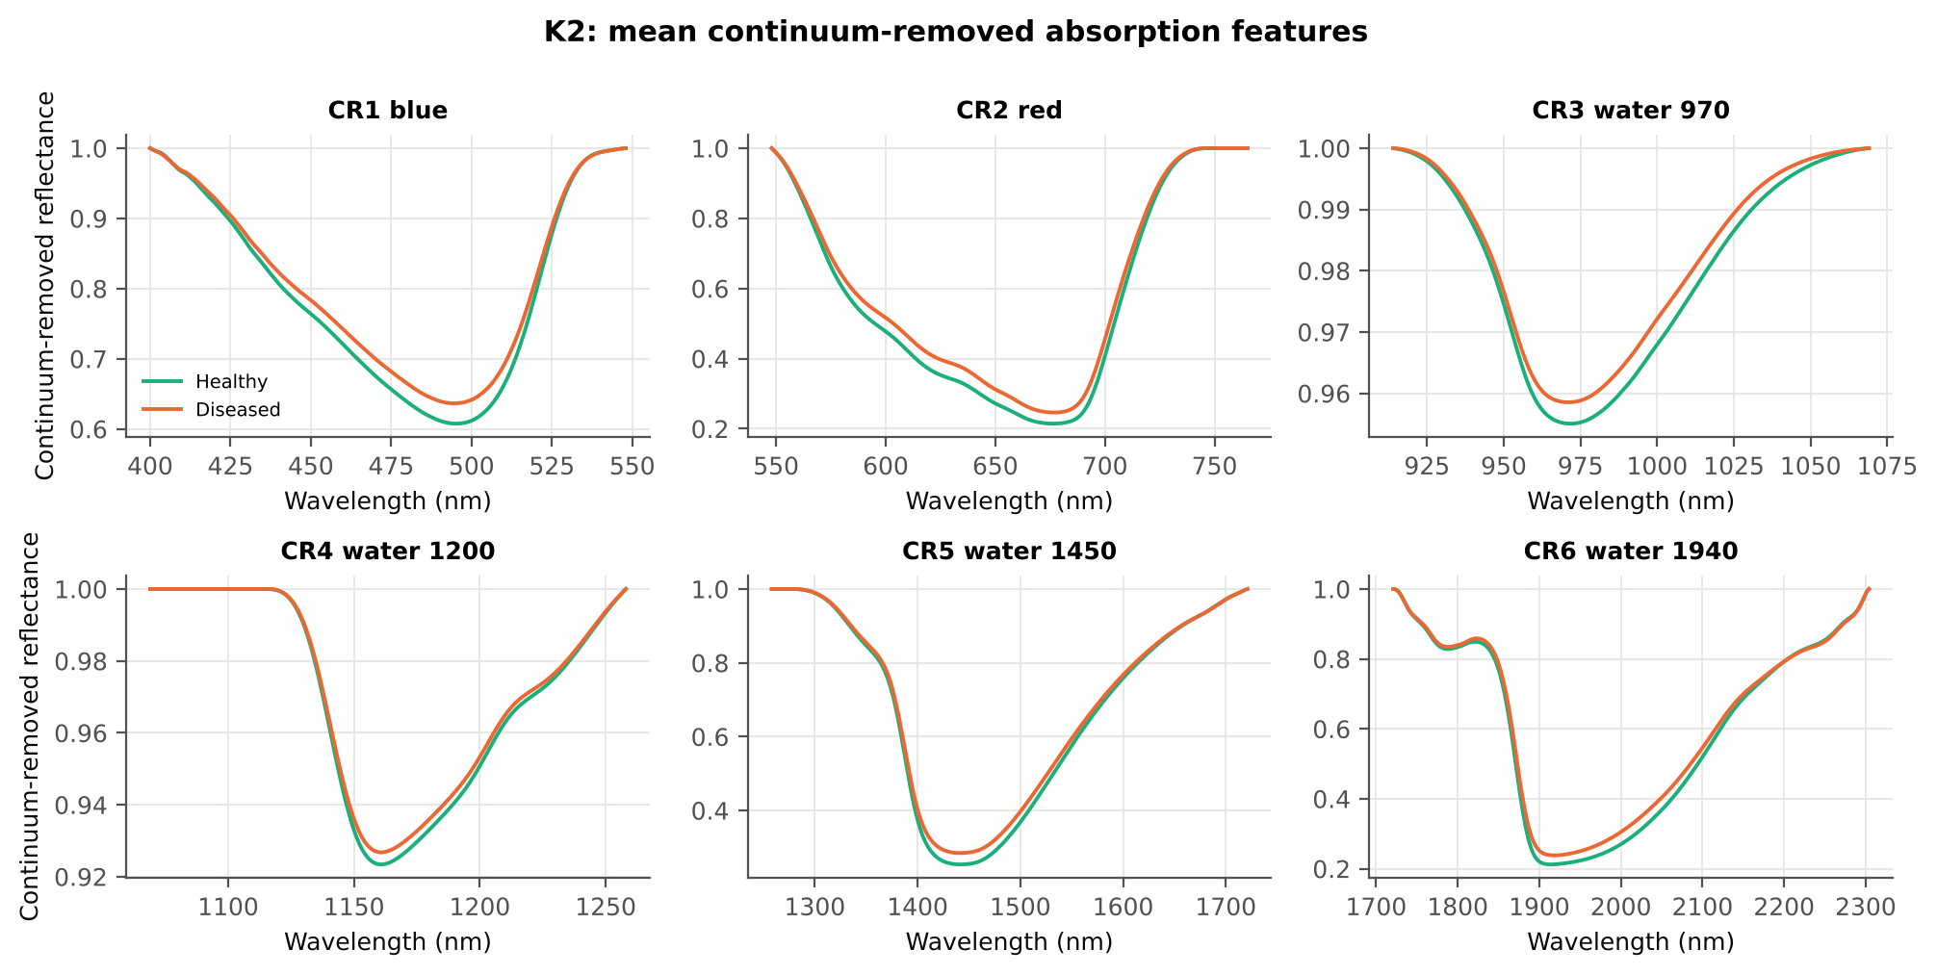
CR1 blue width | 79.40 | 78.58 | -1.9910 | 0.0622 | -0.1581 | 0.5371 | D < H | 77.50 | diseased if < thr | 55.3% | 51.2% | 52.0% | 0.5188 | 0.1206
CR2 red position | 676.75 | 676.97 | 0.9905 | 0.3593 | 0.1064 | 0.5286 | D > H | 675.50 | diseased if > thr | 55.4% | 48.1% | 52.2% | 0.5822 | 0.0845
CR6 water 1940 width | 262.48 | 259.71 | -1.0585 | 0.3359 | -0.0952 | 0.5262 | D < H | 231.50 | diseased if < thr | 54.3% | 49.3% | 47.9% | 0.4592 | 0.0055
CR5 water 1450 position | 1441.67 | 1441.45 | -0.7184 | 0.5072 | -0.0685 | 0.5211 | D < H | 1443.50 | diseased if < thr | 53.1% | 50.0% | 49.6% | 0.5822 | 0.0084
CR4 water 1200 symmetry | 0.2958 | 0.2973 | 1.2397 | 0.2599 | 0.1137 | 0.5189 | D > H | 0.2877 | diseased if > thr | 53.2% | 50.5% | 50.4% | 0.4110 | 0.0091
CR5 water 1450 width | 179.86 | 179.38 | -0.4282 | 0.6921 | -0.0407 | 0.5044 | D < H | 164.50 | diseased if < thr | 53.3% | 47.9% | 46.5% | 0.7177 | 0.0023
CR4 water 1200 width | 68.88 | 68.61 | -0.3558 | 0.7224 | -0.0334 | 0.5004 | D > H | 80.50 | diseased if > thr | 52.9% | 47.3% | 48.8% | 0.7368 | 2.461E-05

Cross-checks for this step
Step | What was checked | Method | Result | Status
K2 | Convex hull | monotone-chain upper hull vs SciPy ConvexHull, 20 leaves × 6 windows | max |Δ continuum| = 0.0e+00 | PASS

17_K3_Vegetation_Indices
Step K3 · Disease-sensitive spectral (vegetation) indices — the 31 indices of the flowering-stage workbook
Computed from splice-corrected, smoothed reflectance at the nearest 1 nm band.

Result in brief
Most sensitive index: NWI2 (AUC 0.67, BA plot-grouped CV 64.3 %).
Table K3.1 The 31 indices
Index | Name | Equation (as computed) | Reference
WI | Water Index | R900 / R970 | Peñuelas et al., 1997
mCARI1 | Modified Chlorophyll Absorption in Reflectance Index 1 | 1.2[2.5(R761 − R651) − 1.3(R761 − R581)] | Haboudane et al., 2004
MTVI1 | Modified Triangular Vegetation Index 1 | 1.2[1.2(R761 − R581) − 2.5(R651 − R581)] | Haboudane et al., 2004
MTVI2 | Modified Triangular Vegetation Index 2 | 1.5[1.2(R761 − R581) − 2.5(R651 − R581)] / √[(2R761 + 1)² − (6R761 − 5√R651) − 0.5] | Haboudane et al., 2004
SR900 | Simple Ratio Index 900 | R900 / R680 | Jordan, 1969
SR850 | Simple Ratio Index 850 | R850 / R680 | Jordan, 1969
GNDVI | Green NDVI | (R850 − R580) / (R850 + R580) | Gitelson and Merzlyak, 1996
PRI | Photochemical Reflectance Index | (R531 − R570) / (R531 + R570) | Gamon et al., 1992
RARSa | Ratio Analysis of Reflectance Spectra, chlorophyll a | R675 / R700 | Chappelle et al., 1992
RARSb | Ratio Analysis of Reflectance Spectra, chlorophyll b | R675 / (R700 × R650) | Chappelle et al., 1992
RARSc | Ratio Analysis of Reflectance Spectra, carotenoids | R750 / R700 | Chappelle et al., 1992
PSSRa | Pigment Specific Simple Ratio a | R800 / R680 | Blackburn, 1998
NDVI780 | Normalized Difference Vegetation Index 780 | (R780 − R670) / (R780 + R670) | Raun et al., 2001
SIPI | Structure Insensitive Pigment Index | (R800 − R445) / (R800 − R680) | Peñuelas et al., 1995
NCPI | Normalized Chlorophyll Pigment Ratio Index | (R670 − R450) / (R670 + R450) | Peñuelas et al., 1994
NPQI | Normalized Phaeophytinization Index | (R415 − R435) / (R415 + R435) | Barnes et al., 1992
PSRI | Plant Senescence Reflectance Index | (R680 − R500) / R750 | Merzlyak et al., 1999
WI/ND | Ratio of WI and NDVI | (R900 / R970) / [(R900 − R680) / (R900 + R680)] | Peñuelas et al., 1997
TCARI | Transformed Chlorophyll Absorption in Reflectance Index | 3[(R700 − R670) − 0.2(R700 − R550)(R700 / R670)] | Haboudane et al., 2002
VIGreen | Green Vegetation Index | (R760 − R550) / (R760 + R550) | Gitelson et al., 2002
RVS1 | Red-Edge Vegetation Stress Index 1 | R651 + R750 | Merton, 1998
RVS2 | Red-Edge Vegetation Stress Index 2 | (R651 + R750) / (R651 − R750) | Merton, 1998
TVI | Triangle Vegetation Index | 0.5[120(R761 − R581) − 200(R651 − R581)] | Broge and Leblanc, 2001
RDVI | Renormalized Difference Vegetation Index | (R761 − R651) / √(R761 + R651) | Roujean and Breon, 1995
NDVI850 | Normalized Difference Vegetation Index 850 | (R850 − R651) / (R850 + R651) | Raun et al., 2001
SR761 | Simple Ratio Index 761 | R761 / R651 | Jordan, 1969
NDVI761 | Normalized Difference Vegetation Index 761 | (R761 − R651) / (R761 + R651) | Raun et al., 2001
PPR | Plant Pigment Ratio | R550 / R450 | Metternicht, 2003
NWI2 | Normalized Water Index 2 | (R970 − R850) / (R970 + R850) | Babar et al., 2006
NRI | Nitrogen Reflectance Index | (R570 − R670) / (R570 + R670) | Bausch and Duke, 1996
ARI | Anthocyanin Reflectance Index | 1/R550 − 1/R700 | Gitelson et al., 2001

Table K3.2 Sensitivity of the 31 indices to white rust, ranked by AUC
Feature | Mean healthy | Mean diseased | Welch t | q (BH) | Hedges g | AUC | Direction | Threshold | Rule | BA all leaves | BA plot-grouped CV | BA hold-out | Mixed-model q | ICC plot
NWI2 | -0.0263 | -0.0202 | 8.1046 | 8.023E-13 | 0.6167 | 0.6726 | D > H | -0.0210 | diseased if > thr | 64.9% | 64.3% | 62.4% | 0.0079 | 0.0662
RVS2 | -1.4890 | -1.6107 | -7.5864 | 3.131E-12 | -0.4488 | 0.6506 | D < H | -1.4807 | diseased if < thr | 64.7% | 63.5% | 64.0% | 0.0033 | 0.0032
NDVI761 | 0.6781 | 0.6376 | -7.2029 | 6.005E-11 | -0.5157 | 0.6500 | D < H | 0.6778 | diseased if < thr | 64.7% | 63.0% | 63.6% | 0.0033 | 0.0040
SR761 | 5.3567 | 4.7736 | -6.2252 | 1.305E-08 | -0.5170 | 0.6500 | D < H | 5.2076 | diseased if < thr | 64.7% | 63.0% | 63.6% | 0.0033 | 0.0043
WI | 1.0511 | 1.0430 | -6.1700 | 1.526E-08 | -0.5161 | 0.6453 | D < H | 1.0408 | diseased if < thr | 62.6% | 58.8% | 58.6% | 0.0089 | 0.0418
NDVI850 | 0.6766 | 0.6395 | -6.8634 | 3.620E-10 | -0.4952 | 0.6429 | D < H | 0.6768 | diseased if < thr | 64.0% | 62.2% | 62.2% | 0.0033 | 0.0082
NDVI780 | 0.7137 | 0.6777 | -6.6262 | 1.213E-09 | -0.4840 | 0.6424 | D < H | 0.7083 | diseased if < thr | 63.0% | 60.9% | 60.1% | 0.0033 | 0.0108
RARSc | 2.9399 | 2.6661 | -5.5896 | 2.539E-07 | -0.4862 | 0.6386 | D < H | 2.6965 | diseased if < thr | 61.5% | 59.0% | 60.4% | 0.0033 | 0.0124
RDVI | 0.5694 | 0.5345 | -5.3091 | 7.424E-07 | -0.4565 | 0.6372 | D < H | 0.5650 | diseased if < thr | 63.5% | 58.2% | 57.3% | 0.0033 | 5.464E-05
PSSRa | 6.0037 | 5.4083 | -5.5565 | 2.579E-07 | -0.4674 | 0.6353 | D < H | 5.4638 | diseased if < thr | 62.4% | 59.5% | 57.8% | 0.0063 | 0.0208
MTVI2 | 0.6417 | 0.5974 | -4.9699 | 2.951E-06 | -0.4304 | 0.6329 | D < H | 0.6364 | diseased if < thr | 61.4% | 57.0% | 54.8% | 0.0033 | 6.737E-05
SR850 | 5.9769 | 5.4112 | -5.3871 | 5.409E-07 | -0.4532 | 0.6315 | D < H | 5.4636 | diseased if < thr | 62.3% | 59.2% | 57.7% | 0.0075 | 0.0211
ARI | -0.9138 | -0.5493 | 4.9743 | 2.951E-06 | 0.4130 | 0.6280 | D > H | -0.9813 | diseased if > thr | 61.8% | 59.4% | 60.7% | 0.0033 | 2.360E-05
SR900 | 5.9585 | 5.4150 | -5.2301 | 9.779E-07 | -0.4401 | 0.6279 | D < H | 5.5424 | diseased if < thr | 61.8% | 58.6% | 56.6% | 0.0079 | 0.0210
TVI | 31.59 | 29.59 | -3.9098 | 2.132E-04 | -0.3752 | 0.6214 | D < H | 33.30 | diseased if < thr | 62.3% | 57.6% | 55.4% | 0.0055 | 7.443E-05
MTVI1 | 0.8002 | 0.7496 | -3.8027 | 2.883E-04 | -0.3621 | 0.6186 | D < H | 0.8456 | diseased if < thr | 62.5% | 61.6% | 57.5% | 0.0060 | 1.434E-04
mCARI1 | 0.8002 | 0.7496 | -3.8027 | 2.883E-04 | -0.3621 | 0.6186 | D < H | 0.8456 | diseased if < thr | 62.5% | 61.6% | 57.5% | 0.0060 | 1.434E-04
WI/ND | 1.4967 | 1.5684 | 5.6921 | 1.071E-07 | 0.3721 | 0.6138 | D > H | 1.5032 | diseased if > thr | 61.1% | 58.2% | 55.5% | 0.0113 | 0.0123
PRI | 0.0562 | 0.0462 | -3.1366 | 0.0028 | -0.2894 | 0.6075 | D < H | 0.0687 | diseased if < thr | 60.7% | 57.5% | 60.8% | 0.0165 | 2.932E-05
RARSb | 4.3699 | 4.0514 | -4.2125 | 6.513E-05 | -0.3599 | 0.6050 | D < H | 3.5809 | diseased if < thr | 59.8% | 59.0% | 60.9% | 0.0823 | 0.0635
NRI | 0.3664 | 0.3309 | -4.4756 | 2.247E-05 | -0.3674 | 0.5949 | D < H | 0.2985 | diseased if < thr | 57.9% | 52.2% | 48.5% | 0.0347 | 0.0338
NCPI | -0.2725 | -0.2437 | 1.6321 | 0.1294 | 0.1516 | 0.5923 | D > H | -0.3674 | diseased if > thr | 60.9% | 59.3% | 58.9% | 0.1911 | 1.496E-05
GNDVI | 0.5223 | 0.4987 | -4.6616 | 9.803E-06 | -0.3448 | 0.5862 | D < H | 0.4938 | diseased if < thr | 58.4% | 56.2% | 56.3% | 0.0558 | 0.0385
RVS1 | 0.6996 | 0.6983 | -0.1642 | 0.9298 | -0.0180 | 0.5465 | D < H | 0.7089 | diseased if < thr | 58.7% | 57.6% | 54.8% | 0.9632 | 0.0307
NPQI | 0.0454 | 0.0435 | -0.4933 | 0.6891 | -0.0498 | 0.5427 | D < H | 0.0600 | diseased if < thr | 57.1% | 56.4% | 58.1% | 0.7530 | 0.0155
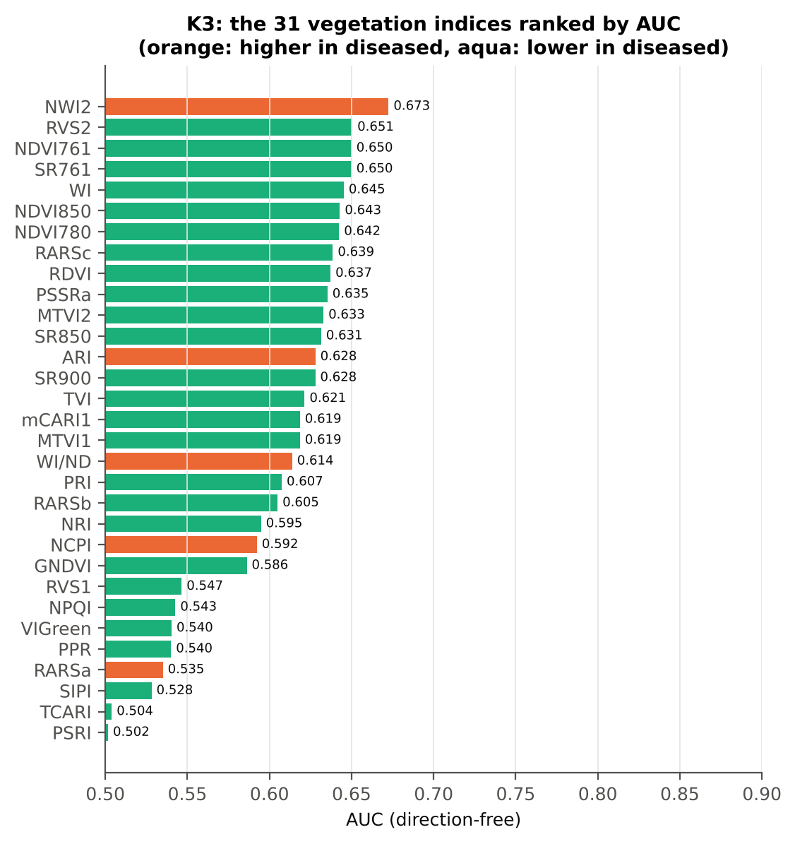
VIGreen | 0.4038 | 0.3908 | -2.4498 | 0.0202 | -0.1828 | 0.5404 | D < H | 0.3513 | diseased if < thr | 57.1% | 53.7% | 51.8% | 0.3243 | 0.0409
PPR | 1.4928 | 1.4210 | -1.9313 | 0.0713 | -0.2182 | 0.5401 | D < H | 1.8767 | diseased if < thr | 54.7% | 47.6% | 47.3% | 0.2254 | 0.0446
RARSa | 0.4870 | 0.4972 | 1.5615 | 0.1432 | 0.1464 | 0.5351 | D > H | 0.4388 | diseased if > thr | 56.0% | 48.8% | 52.4% | 0.6038 | 0.1091
SIPI | 0.8355 | 0.8347 | -0.0710 | 0.9588 | -0.0061 | 0.5282 | D < H | 0.7615 | diseased if < thr | 56.3% | 53.4% | 51.7% | 0.9829 | 3.223E-05
TCARI | 0.3799 | 0.3804 | 0.0517 | 0.9588 | 0.0047 | 0.5039 | D < H | 0.3140 | diseased if < thr | 52.6% | 44.9% | 46.0% | 0.9946 | 0.0914
PSRI | -0.0794 | -0.0764 | 0.6249 | 0.6116 | 0.0508 | 0.5017 | D < H | -0.1171 | diseased if < thr | 55.2% | 52.1% | 50.2% | 0.7005 | 3.095E-05

Cross-check: indices recomputed by Excel formulas for ten leaves
Table K3.3 Reflectance input (splice-corrected, smoothed)
Leaf row | R415 | R435 | R445 | R450 | R500 | R531 | R550 | R570 | R580 | R581 | R650 | R651 | R670 | R675 | R680 | R700 | R750 | R760 | R761 | R780 | R800 | R850 | R900 | R970
1.0000 | 0.2828 | 0.2489 | 0.2309 | 0.2228 | 0.1616 | 0.2276 | 0.2385 | 0.1940 | 0.1660 | 0.1640 | 0.1032 | 0.1025 | 0.0903 | 0.0901 | 0.0913 | 0.1704 | 0.6468 | 0.6554 | 0.6557 | 0.6552 | 0.6528 | 0.6476 | 0.6439 | 0.5988
86.00 | 0.2822 | 0.2494 | 0.2336 | 0.2269 | 0.1721 | 0.2551 | 0.2703 | 0.2353 | 0.2092 | 0.2072 | 0.1348 | 0.1335 | 0.1068 | 0.1050 | 0.1058 | 0.2392 | 0.6123 | 0.6170 | 0.6171 | 0.6176 | 0.6176 | 0.6171 | 0.6176 | 0.5805
171.00 | 0.2557 | 0.2185 | 0.2022 | 0.1957 | 0.1511 | 0.2548 | 0.2668 | 0.2161 | 0.1821 | 0.1796 | 0.1027 | 0.1017 | 0.0846 | 0.0850 | 0.0874 | 0.1900 | 0.6381 | 0.6436 | 0.6437 | 0.6418 | 0.6403 | 0.6366 | 0.6346 | 0.6042
256.00 | 0.2755 | 0.2402 | 0.2240 | 0.2178 | 0.1672 | 0.2588 | 0.2757 | 0.2324 | 0.2018 | 0.1996 | 0.1182 | 0.1173 | 0.0996 | 0.0993 | 0.1010 | 0.2177 | 0.5759 | 0.5811 | 0.5814 | 0.5833 | 0.5848 | 0.5886 | 0.5924 | 0.5713
341.00 | 0.2531 | 0.2290 | 0.2141 | 0.2079 | 0.1580 | 0.2775 | 0.2968 | 0.2418 | 0.2041 | 0.2014 | 0.1131 | 0.1120 | 0.0916 | 0.0911 | 0.0924 | 0.2134 | 0.6450 | 0.6495 | 0.6495 | 0.6472 | 0.6440 | 0.6378 | 0.6339 | 0.6043
426.00 | 0.2834 | 0.2515 | 0.2369 | 0.2302 | 0.1765 | 0.2444 | 0.2540 | 0.2150 | 0.1888 | 0.1870 | 0.1225 | 0.1217 | 0.1074 | 0.1072 | 0.1086 | 0.2010 | 0.6038 | 0.6112 | 0.6115 | 0.6133 | 0.6149 | 0.6178 | 0.6206 | 0.5955
511.00 | 0.3550 | 0.3190 | 0.3012 | 0.2925 | 0.2288 | 0.2616 | 0.2589 | 0.2418 | 0.2286 | 0.2275 | 0.1841 | 0.1832 | 0.1646 | 0.1635 | 0.1645 | 0.2716 | 0.4882 | 0.4932 | 0.4936 | 0.4992 | 0.5054 | 0.5189 | 0.5305 | 0.5247
596.00 | 0.0929 | 0.0951 | 0.0960 | 0.0962 | 0.1016 | 0.1531 | 0.1689 | 0.1513 | 0.1370 | 0.1361 | 0.1049 | 0.1045 | 0.0983 | 0.0985 | 0.0996 | 0.1655 | 0.5092 | 0.5170 | 0.5174 | 0.5201 | 0.5205 | 0.5199 | 0.5174 | 0.4947
681.00 | 0.0879 | 0.0882 | 0.0887 | 0.0895 | 0.0950 | 0.1494 | 0.1629 | 0.1450 | 0.1309 | 0.1299 | 0.0960 | 0.0956 | 0.0889 | 0.0898 | 0.0924 | 0.1649 | 0.5095 | 0.5160 | 0.5163 | 0.5179 | 0.5197 | 0.5208 | 0.5201 | 0.4962
766.00 | 0.1387 | 0.1388 | 0.1391 | 0.1399 | 0.1478 | 0.2159 | 0.2330 | 0.2205 | 0.2069 | 0.2059 | 0.1585 | 0.1579 | 0.1466 | 0.1472 | 0.1501 | 0.2662 | 0.4906 | 0.4949 | 0.4953 | 0.4997 | 0.5052 | 0.5156 | 0.5223 | 0.5138

Table K3.4 Indices by Excel formula, Python value and difference
Leaf row | NDVI780 | PRI | TCARI | MTVI2 | ARI | WI/ND | NWI2 | PSRI | RARSb | Python NDVI780 | Python PRI | Python TCARI | Python MTVI2 | Python ARI | Python WI/ND | Python NWI2 | Python PSRI | Python RARSb | Max |Excel − Python|
1.0000 | 0.75776 | 0.07980 | 0.31732 | 0.70449 | -1.67629 | 1.43071 | -0.03917 | -0.10862 | 5.12837 | 0.75776 | 0.07980 | 0.31732 | 0.70449 | -1.67629 | 1.43071 | -0.03917 | -0.10862 | 5.12837 | 0.0E+00
86.00 | 0.70520 | 0.04045 | 0.43901 | 0.62705 | -0.48198 | 1.50400 | -0.03053 | -0.10820 | 3.25842 | 0.70520 | 0.04045 | 0.43901 | 0.62705 | -0.48198 | 1.50400 | -0.03053 | -0.10820 | 3.25842 | 0.0E+00
171.00 | 0.76715 | 0.08229 | 0.41985 | 0.71839 | -1.51455 | 1.38608 | -0.02613 | -0.09978 | 4.35770 | 0.76715 | 0.08229 | 0.41985 | 0.71839 | -1.51455 | 1.38608 | -0.02613 | -0.09978 | 4.35770 | 0.0E+00
256.00 | 0.70822 | 0.05378 | 0.43024 | 0.64268 | -0.96665 | 1.46329 | -0.01497 | -0.11486 | 3.86002 | 0.70822 | 0.05378 | 0.43024 | 0.64268 | -0.96665 | 1.46329 | -0.01497 | -0.11486 | 3.86002 | 0.0E+00
341.00 | 0.75198 | 0.06874 | 0.48191 | 0.71349 | -1.31750 | 1.40690 | -0.02692 | -0.10164 | 3.77206 | 0.75198 | 0.06874 | 0.48191 | 0.71349 | -1.31750 | 1.40690 | -0.02692 | -0.10164 | 3.77206 | 0.0E+00
426.00 | 0.70201 | 0.06406 | 0.34038 | 0.63595 | -1.03663 | 1.48443 | -0.01843 | -0.11246 | 4.35301 | 0.70201 | 0.06406 | 0.34038 | 0.63595 | -1.03663 | 1.48443 | -0.01843 | -0.11246 | 4.35301 | 0.0E+00
511.00 | 0.50402 | 0.03937 | 0.30844 | 0.39786 | 0.18126 | 1.92009 | 0.00554 | -0.13158 | 3.26863 | 0.50402 | 0.03937 | 0.30844 | 0.39786 | 0.18126 | 1.92009 | 0.00554 | -0.13158 | 3.26863 | 1.5E-16
596.00 | 0.68200 | 0.00601 | 0.20508 | 0.54859 | -0.12183 | 1.54440 | -0.02484 | -0.00388 | 5.67221 | 0.68200 | 0.00601 | 0.20508 | 0.54859 | -0.12183 | 1.54440 | -0.02484 | -0.00388 | 5.67221 | 8.6E-16
681.00 | 0.70692 | 0.01491 | 0.22568 | 0.57144 | 0.07277 | 1.50096 | -0.02427 | -0.00519 | 5.67328 | 0.70692 | 0.01491 | 0.22568 | 0.57144 | 0.07277 | 1.50096 | -0.02427 | -0.00519 | 5.67328 | 1.8E-15
766.00 | 0.54633 | -0.01045 | 0.32270 | 0.44532 | 0.53512 | 1.83675 | -0.00176 | 0.00474 | 3.48825 | 0.54633 | -0.01045 | 0.32270 | 0.44532 | 0.53512 | 1.83675 | -0.00176 | 0.00474 | 3.48825 | 0.0E+00
Largest difference over all ten leaves: |  |  |  | 1.8E-15

Cross-checks for this step
Step | What was checked | Method | Result | Status
K3 | Duplicated indices | mCARI1 vs MTVI1; SR761 vs NDVI761 | max |mCARI1 − MTVI1| = 4.4e-16 (algebraically identical); AUC SR761 0.6500 = NDVI761 0.6500 (monotone transform) | PASS

18_K3b_Optimised_Index
Step K3b (extra) · Optimised two-band index — exhaustive NDSI / DI search
NDSI(i, j) = (Ri − Rj)/(Ri + Rj); DI(i, j) = Ri − Rj; all band pairs on a 5 nm grid (guard zones excluded), best pair refined at 1 nm.

Result in brief
Best join-free two-band index: NDSI(872,873) (AUC 0.75); honest nested BA 64.1 % (CV) / 60.0 % (hold-out).
Every pair of bands on a 5 nm grid (407 bands, 82,621 pairs) was scored by AUC. Choosing the best of so many pairs on all leaves is optimistic, so the search was repeated inside 14 training sets (V3 repeat 1 and the 10 V4 splits) and the chosen pair was tested on the held-out plots (honest estimate).
Table K3b.1 Ten best pairs of each form (5 nm grid, all leaves)
Index | Band i (nm) | Band j (nm) | AUC
NDSI(1790, 1840) | 1790.00 | 1840.00 | 0.8267
NDSI(1785, 1840) | 1785.00 | 1840.00 | 0.8209
NDSI(1780, 1840) | 1780.00 | 1840.00 | 0.8046
NDSI(1790, 1845) | 1790.00 | 1845.00 | 0.7947
NDSI(1785, 1845) | 1785.00 | 1845.00 | 0.7895
NDSI(1780, 1845) | 1780.00 | 1845.00 | 0.7738
NDSI(1775, 1840) | 1775.00 | 1840.00 | 0.7712
NDSI(1790, 1850) | 1790.00 | 1850.00 | 0.7576
NDSI(1785, 1850) | 1785.00 | 1850.00 | 0.7545
NDSI(870, 875) | 870.00 | 875.00 | 0.7492
DI(1790, 1840) | 1790.00 | 1840.00 | 0.7775
DI(1785, 1840) | 1785.00 | 1840.00 | 0.7646
DI(845, 850) | 845.00 | 850.00 | 0.7524
DI(870, 875) | 870.00 | 875.00 | 0.7514
DI(835, 840) | 835.00 | 840.00 | 0.7476
DI(885, 890) | 885.00 | 890.00 | 0.7443
DI(880, 890) | 880.00 | 890.00 | 0.7438
DI(870, 890) | 870.00 | 890.00 | 0.7423
DI(845, 890) | 845.00 | 890.00 | 0.7423
DI(835, 915) | 835.00 | 915.00 | 0.7420

Table K3b.2 The refined best indices (1 nm)
Feature | Mean healthy | Mean diseased | Welch t | q (BH) | Hedges g | AUC | Direction | Threshold | Rule | BA all leaves | BA plot-grouped CV | BA hold-out | Mixed-model q | ICC plot
NDSI(1794,1837) | 0.0190 | 0.0131 | -15.35 | 4.873E-37 | -1.1888 | 0.8350 | D < H | 0.0156 | diseased if < thr | 79.1% | 78.1% | 77.1% | 3.584E-04 | 0.1417
DI(1794,1836) | 0.0091 | 0.0061 | -12.31 | 5.127E-26 | -1.1172 | 0.8072 | D < H | 0.0071 | diseased if < thr | 74.3% | 71.0% | 69.8% | 3.584E-04 | 0.1422
...
Table K3b.7 Honest (nested) validation of the join-free search
Index form | BA plot-grouped CV (search inside folds) | BA hold-out (search inside training plots) | Hold-out SD | Pairs chosen in the 14 training sets
NDSI | 64.1% | 60.0% | 2.8% | (1525, 1875) × 3; (845, 850) × 3; (1545, 1880) × 2; (1550, 1875) × 1; (1530, 1875) × 1; (1535, 1875) × 1; (885, 890) × 1; (1520, 1880) × 1; (835, 840) × 1
DI | 62.3% | 60.8% | 3.1% | (845, 850) × 8; (1930, 1940) × 3; (835, 840) × 1; (870, 875) × 1; (745, 1035) × 1

Table K3b.8 Join-free best pairs on each date
Pair | AUC all leaves | AUC 11-02-2026 | AUC 24-02-2026 | AUC 03-03-2026 | AUC 13-03-2026 | Direction by date
NDSI(872, 873) | 0.7541 | 0.9285 | 0.7369 | 0.8693 | 0.6096 | same on all dates
DI(849, 850) | 0.7592 | 0.8427 | 0.8285 | 0.8083 | 0.6333 | same on all dates
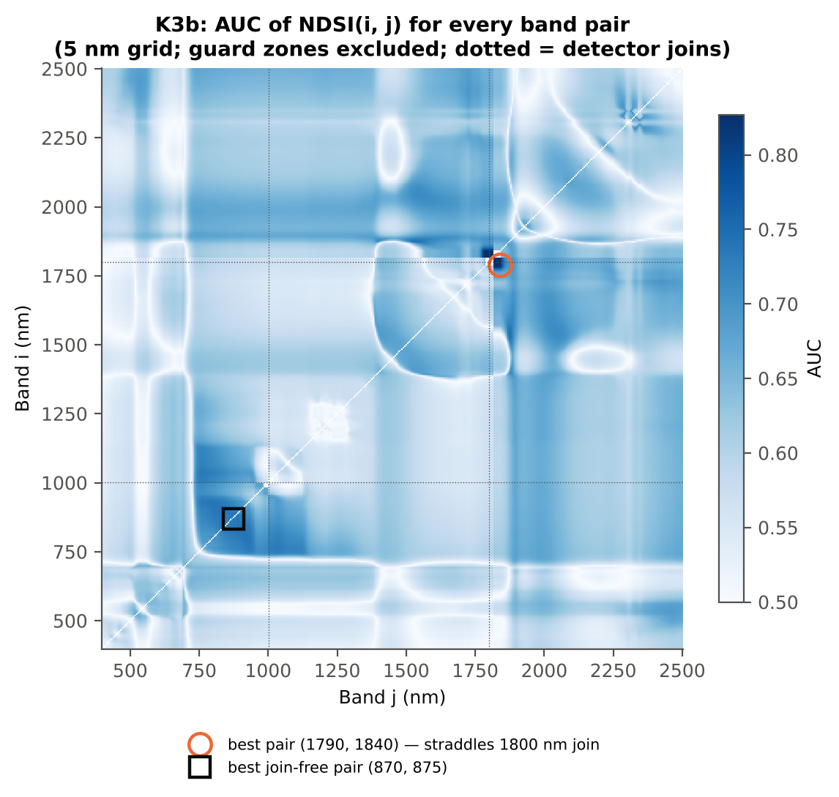

Cross-checks for this step
Step | What was checked | Method | Result | Status
K3b | NDSI vs simple ratio | AUC of NDSI and Ri/Rj on 1998 random pairs | max |ΔAUC| = 0.0e+00 | PASS
K3b | Selection optimism | search repeated inside training plots | honest BA 73.6 % (CV) / 75.0 % (hold-out) vs 79.1 % on all leaves | FLAG
K3b | Best pair straddles a detector join? | pairs with one band on each side of the 1000/1001 or 1800/1801 nm join (within 100 nm) excluded and the search repeated | all-pair best NDSI(1794,1837) brackets a detector join → treated as artefact-prone; join-free best NDSI(872,873) (AUC 0.754; honest BA 64.1 % CV) | FLAG

19_K4_Derivatives
...
Table K4.3 Twenty derivative-based edge parameters, ranked by AUC
λr = REP (red-edge position, nm) | 707.17 | 705.42 | -3.9904 | 2.680E-04 | -0.3605 | 0.6044 | D < H | 703.50 | diseased if < thr
SDy (yellow-edge area) | -0.0725 | -0.0640 | 3.5125 | 0.0011 | 0.3214 | 0.6033 | D > H | -0.0753 | diseased if > thr
λy (yellow-edge position, nm) | 570.08 | 570.42 | 4.8628 | 1.626E-05 | 0.2886 | 0.6006 | D > H | 570.50 | diseased if > thr
Rg/Ro | 2.6421 | 2.4203 | -4.1522 | 1.642E-04 | -0.3709 | 0.5998 | D < H | 2.1119 | diseased if < thr
(Rg − Ro)/(Rg + Ro) | 0.4382 | 0.3948 | -4.7445 | 2.222E-05 | -0.3827 | 0.5998 | D < H | 0.3573 | diseased if < thr
Dr = REV (red-edge amplitude) | 0.0125 | 0.0119 | -3.1332 | 0.0034 | -0.3001 | 0.5995 | D < H | 0.0128 | diseased if < thr
REP, linear 4-point (nm) | 715.20 | 714.00 | -4.6840 | 2.222E-05 | -0.3347 | 0.5958 | D < H | 715.31 | diseased if < thr
λo (red well position, nm) | 671.86 | 672.40 | 2.8411 | 0.0071 | 0.2592 | 0.5803 | D > H | 672.50 | diseased if > thr
Db (blue-edge amplitude) | 0.0042 | 0.0039 | -2.9889 | 0.0049 | -0.2774 | 0.5781 | D < H | 0.0031 | diseased if < thr
λb (blue-edge position, nm) | 521.33 | 520.96 | -3.4792 | 0.0011 | -0.2825 | 0.5685 | D < H | 520.50 | diseased if < thr
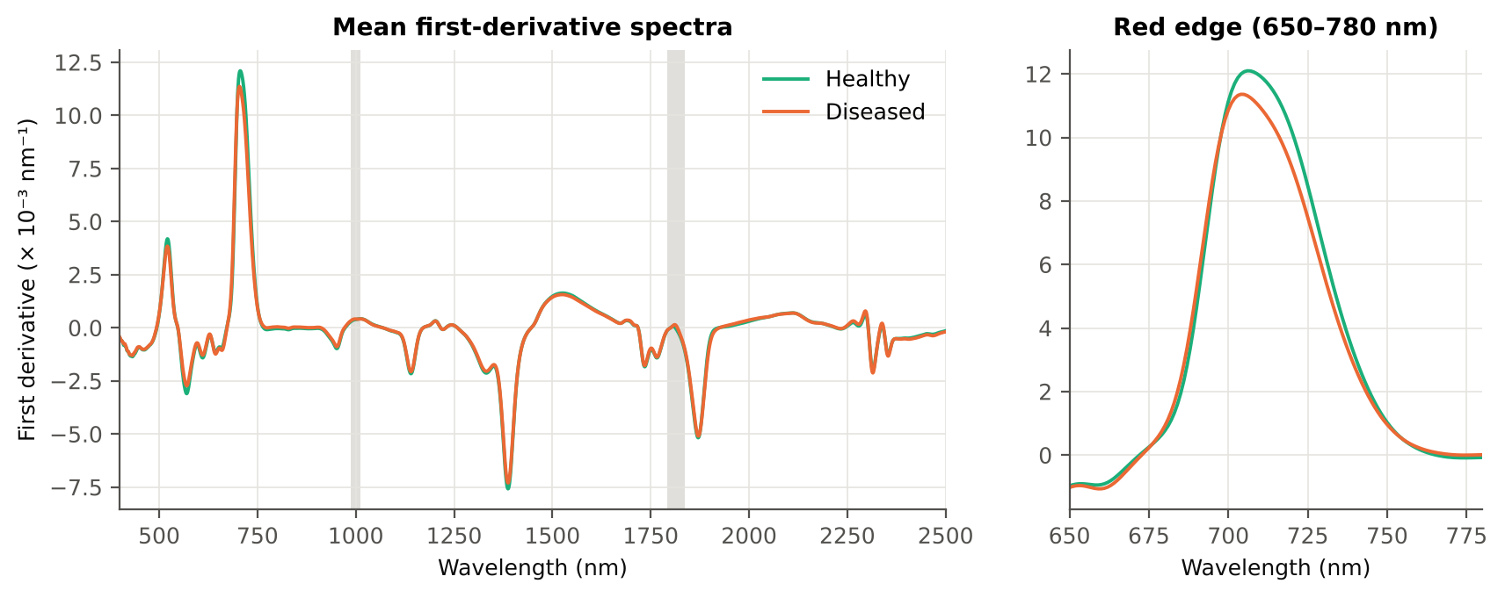
SDb (blue-edge area) | 0.0873 | 0.0824 | -2.0260 | 0.0552 | -0.1888 | 0.5611 | D < H | 0.0749 | diseased if < thr
(SDr − SDy)/(SDr + SDy) | 1.3383 | 1.3131 | -2.7052 | 0.0098 | -0.2203 | 0.5550 | D < H | 1.1797 | diseased if < thr
SDr/SDy | -7.4651 | -9.2676 | -4.1960 | 1.216E-04 | -0.2020 | 0.5519 | D < H | -12.13 | diseased if < thr
λg (green peak position, nm) | 547.71 | 548.13 | 0.9322 | 0.3915 | 0.0839 | 0.5371 | D > H | 548.50 | diseased if > thr
SDr/SDb | 5.9719 | 6.2399 | 1.0117 | 0.3671 | 0.0516 | 0.5195 | D > H | 5.9363 | diseased if > thr
(SDr − SDb)/(SDr + SDb) | 0.6984 | 0.6996 | 0.1827 | 0.8553 | 0.0164 | 0.5195 | D > H | 0.7117 | diseased if > thr
Rg (green peak reflectance) | 0.2540 | 0.2563 | 0.4632 | 0.6776 | 0.0407 | 0.5009 | D > H | 0.3290 | diseased if > thr
...

20_K4b_REIP
...
Table K4b.3 REIP shift by date, growth stage and variety
Date | 03-03-2026 | REIP – linear 4-point interpolation | 36 | 180 | 715.34 | 712.74 | -2.6055 | 2.781E-06 | 0.6884
Date | 03-03-2026 | REIP – Lagrangian interpolation | 36 | 180 | 707.47 | 703.98 | -3.4880 | 4.503E-05 | 0.7077
Date | 03-03-2026 | REIP – linear extrapolation | 36 | 180 | 706.84 | 700.81 | -6.0316 | 4.655E-06 | 0.7216
Date | 11-02-2026 | REIP – maximum first derivative | 24 | 120 | 711.29 | 710.63 | -0.6583 | 0.3773 | 0.5497
Date | 11-02-2026 | REIP – linear 4-point interpolation | 24 | 120 | 716.98 | 716.75 | -0.2301 | 0.3077 | 0.5503
Date | 11-02-2026 | REIP – Lagrangian interpolation | 24 | 120 | 711.28 | 710.65 | -0.6321 | 0.3790 | 0.5510
Date | 11-02-2026 | REIP – linear extrapolation | 24 | 120 | 711.16 | 710.33 | -0.8312 | 0.3788 | 0.5483
Date | 13-03-2026 | REIP – maximum first derivative | 36 | 180 | 704.03 | 704.06 | 0.0278 | 0.9668 | 0.5069
Date | 13-03-2026 | REIP – linear 4-point interpolation | 36 | 180 | 713.67 | 713.50 | -0.1729 | 0.7378 | 0.5028
Date | 13-03-2026 | REIP – Lagrangian interpolation | 36 | 180 | 704.00 | 704.06 | 0.0579 | 0.9295 | 0.5048
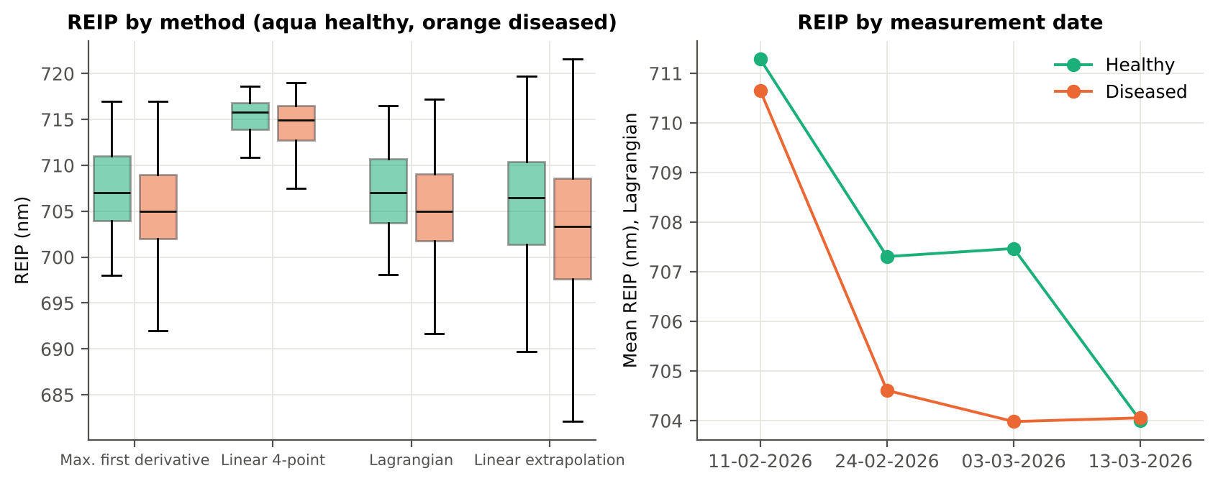
Date | 13-03-2026 | REIP – linear extrapolation | 36 | 180 | 700.83 | 700.88 | 0.0534 | 0.9608 | 0.5022
Date | 24-02-2026 | REIP – maximum first derivative | 30 | 160 | 707.33 | 704.63 | -2.7021 | 5.688E-04 | 0.6949
Date | 24-02-2026 | REIP – linear 4-point interpolation | 30 | 160 | 715.45 | 713.92 | -1.5324 | 6.870E-05 | 0.6881
Date | 24-02-2026 | REIP – Lagrangian interpolation | 30 | 160 | 707.31 | 704.61 | -2.6982 | 5.088E-04 | 0.6967
Date | 24-02-2026 | REIP – linear extrapolation | 30 | 160 | 706.23 | 702.15 | -4.0777 | 4.577E-04 | 0.6900
Growth stage | Flowering | REIP – maximum first derivative | 63 | 315 | 707.10 | 704.13 | -2.9651 | 2.136E-06 | 0.6842
Growth stage | Flowering | REIP – linear 4-point interpolation | 63 | 315 | 715.13 | 713.07 | -2.0604 | 2.517E-07 | 0.6656
Growth stage | Flowering | REIP – Lagrangian interpolation | 63 | 315 | 707.09 | 704.10 | -2.9836 | 1.616E-06 | 0.6851
Growth stage | Flowering | REIP – linear extrapolation | 63 | 315 | 705.98 | 701.04 | -4.9367 | 3.657E-07 | 0.6889
Growth stage | Pod formation | REIP – maximum first derivative | 27 | 135 | 703.93 | 704.51 | 0.5852 | 0.4483 | 0.5346
Growth stage | Pod formation | REIP – linear 4-point interpolation | 27 | 135 | 713.73 | 713.82 | 0.0887 | 0.8766 | 0.5281
Growth stage | Pod formation | REIP – Lagrangian interpolation | 27 | 135 | 703.89 | 704.53 | 0.6412 | 0.3899 | 0.5383
Growth stage | Pod formation | REIP – linear extrapolation | 27 | 135 | 700.74 | 701.66 | 0.9192 | 0.4600 | 0.5361
Growth stage | Vegetative | REIP – maximum first derivative | 36 | 190 | 709.72 | 708.19 | -1.5327 | 0.0398 | 0.5938
Growth stage | Vegetative | REIP – linear 4-point interpolation | 36 | 190 | 716.43 | 715.67 | -0.7666 | 0.0077 | 0.5981
Growth stage | Vegetative | REIP – Lagrangian interpolation | 36 | 190 | 709.76 | 708.20 | -1.5593 | 0.0330 | 0.5971
Growth stage | Vegetative | REIP – linear extrapolation | 36 | 190 | 709.28 | 707.03 | -2.2514 | 0.0212 | 0.5994
Variety | V2 | REIP – maximum first derivative | 126 | 640 | 707.17 | 705.42 | -1.7510 | 9.380E-05 | 0.6044
Variety | V2 | REIP – linear 4-point interpolation | 126 | 640 | 715.20 | 714.00 | -1.2037 | 4.443E-06 | 0.5958
Variety | V2 | REIP – Lagrangian interpolation | 126 | 640 | 707.17 | 705.41 | -1.7556 | 7.759E-05 | 0.6050
Variety | V2 | REIP – linear extrapolation | 126 | 640 | 705.80 | 702.95 | -2.8499 | 2.083E-05 | 0.6082

21_K6_Correlation
...
r(λ) = Pearson correlation between the band value and the 0/1 disease status (point-biserial r), for the smoothed reflectance and the first derivative, on all leaves and separately on each date. r is a monotone function of Student's t, so the ranking matches Tier 1; the per-date curves show whether the sign is stable over time.
First derivative | 400–499 | 496.00 | 0.0468 | 0.2949 | no
First derivative | 500–599 | 566.00 | 0.1344 | 9.958E-04 | yes
First derivative | 600–679 | 669.00 | -0.1339 | 0.0010 | no
First derivative | 680–759 | 715.00 | -0.1692 | 1.767E-05 | yes
First derivative | 760–1349 | 884.00 | 0.2810 | 2.696E-13 | yes
First derivative | 1350–1430 | 1376.00 | 0.0950 | 0.0222 | no
First derivative | 1431–1799 | 1749.00 | 0.1626 | 3.982E-05 | yes
First derivative | 1800–1950 | 1936.00 | 0.2271 | 2.446E-09 | yes
First derivative | 1951–2349 | 1951.00 | 0.2048 | 9.987E-08 | yes
First derivative | 2350–2500 | 2483.00 | -0.1396 | 5.720E-04 | yes
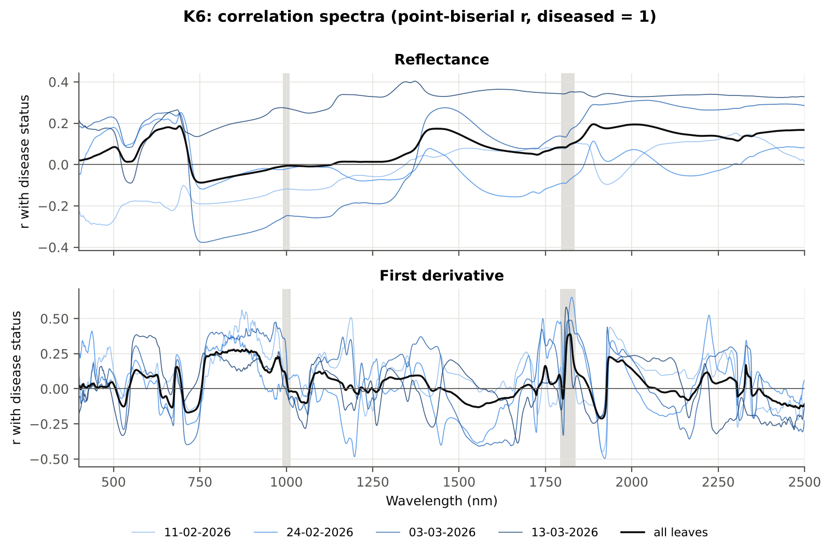

Cross-checks for this step
Step | What was checked | Method | Result | Status
K6 | Correlation vs t-test | |r_pb| vs |Welch t| across bands (Spearman) | ρ = 0.9967 (r_pb is a monotone function of Student's t) | PASS

22_K5_CART_vs_RF
...
Table K5.2 CART vs RF on each feature group (mean over repeats)
K1–K4 combined pool | 4151 | CART | Hold-out | 10 | 73.0% | 6.7% | 0.7430 | 0.3765
K1–K4 combined pool | 4151 | RF | Hold-out | 10 | 75.3% | 5.2% | 0.8367 | 0.4020
K4 incl. guard-zone bands (artefact test) | 2121 | CART | CV | 5 | 76.8% | 2.0% | 0.7643 | 0.4441
K4 incl. guard-zone bands (artefact test) | 2121 | RF | CV | 5 | 81.1% | 1.0% | 0.9107 | 0.5134
K4 incl. guard-zone bands (artefact test) | 2121 | CART | Hold-out | 10 | 76.6% | 5.7% | 0.7810 | 0.3877
K4 incl. guard-zone bands (artefact test) | 2121 | RF | Hold-out | 10 | 78.6% | 8.0% | 0.9127 | 0.4447
K-selected (top 15 non-redundant, chosen inside each training set) | 15 | CART | CV | 5 | 71.7% | 2.0% | 0.7758 | 0.3361
K-selected (top 15 non-redundant, chosen inside each training set) | 15 | RF | CV | 5 | 74.6% | 1.0% | 0.8287 | 0.4212
K-selected (top 15 non-redundant, chosen inside each training set) | 15 | QDA | CV | 5 | 71.4% | 1.8% | 0.8107 | 0.2980
K-selected (top 15 non-redundant, chosen inside each training set) | 15 | CART | Hold-out | 10 | 66.7% | 9.2% | 0.7011 | 0.2206
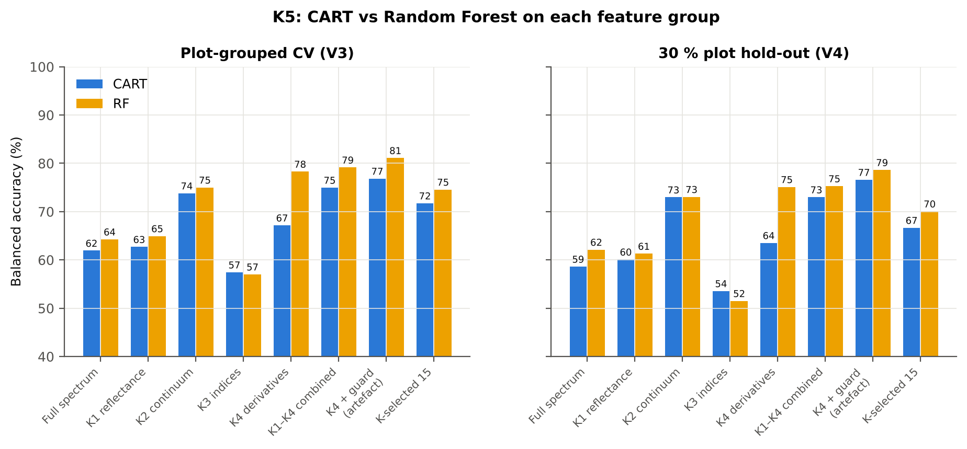
K-selected (top 15 non-redundant, chosen inside each training set) | 15 | RF | Hold-out | 10 | 70.1% | 8.0% | 0.7850 | 0.3072
K-selected (top 15 non-redundant, chosen inside each training set) | 15 | QDA | Hold-out | 10 | 72.5% | 6.0% | 0.8122 | 0.3006

Table K5.3 Paired comparison RF vs CART (same folds)
Feature group | Units | n | RF − CART (BA) | SD | RF better | CART better | Wilcoxon p
Full spectrum (raw reflectance) | CV (20 folds) | 20 | 2.5% | 5.7% | 12 | 8 | 0.0928
Full spectrum (raw reflectance) | Hold-out (10 splits) | 10 | 3.5% | 6.9% | 7 | 3 | 0.0840
...

25_C2_Tier2
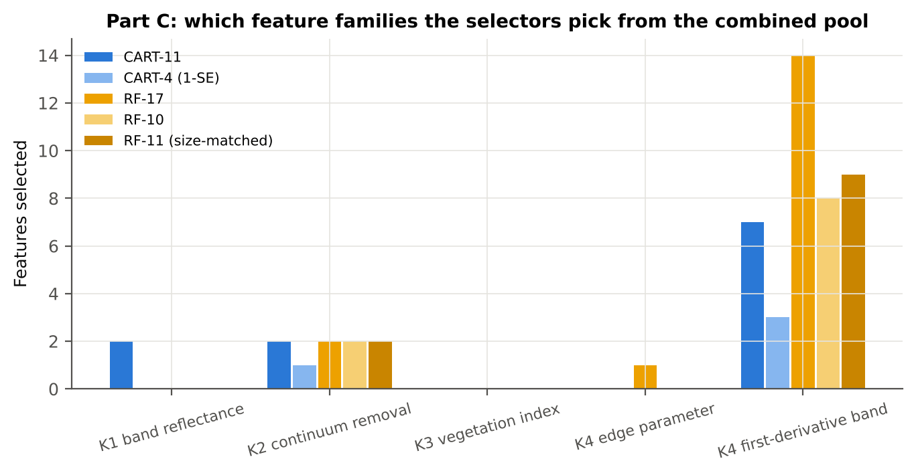
...
Table C2.2 The selected features
D1_1102 | K4 first-derivative band | yes |  | -2.110E-04 | -1.929E-04 | 3.1737 | 0.0045 | 0.5762
D1_1788 | K4 first-derivative band | yes |  | -2.663E-04 | -2.508E-04 | 2.3497 | 0.0413 | 0.5819
D1_968 | K4 first-derivative band | yes |  | -1.487E-04 | -9.709E-05 | 7.5855 | 6.080E-12 | 0.6455
CR6 water 1940 symmetry | K2 continuum removal | yes | yes | 0.2407 | 0.2511 | 4.4823 | 4.807E-05 | 0.6455
R685 | K1 band reflectance | yes |  | 0.1051 | 0.1187 | 7.6607 | 1.842E-12 | 0.6477
D1_2220 | K4 first-derivative band |  | yes | 9.046E-08 | 2.115E-05 | 3.6953 | 8.086E-04 | 0.6476
D1_872 | K4 first-derivative band |  | yes | -4.176E-05 | 9.197E-06 | 11.33 | 1.575E-22 | 0.7443
D1_1935 | K4 first-derivative band |  | yes | 3.582E-05 | 6.248E-05 | 10.56 | 1.644E-21 | 0.7314
D1_861 | K4 first-derivative band |  | yes | -2.492E-05 | 2.682E-05 | 10.99 | 9.876E-22 | 0.7387
D1_884 | K4 first-derivative band |  | yes | -4.461E-05 | 7.638E-06 | 11.68 | 2.488E-23 | 0.7456
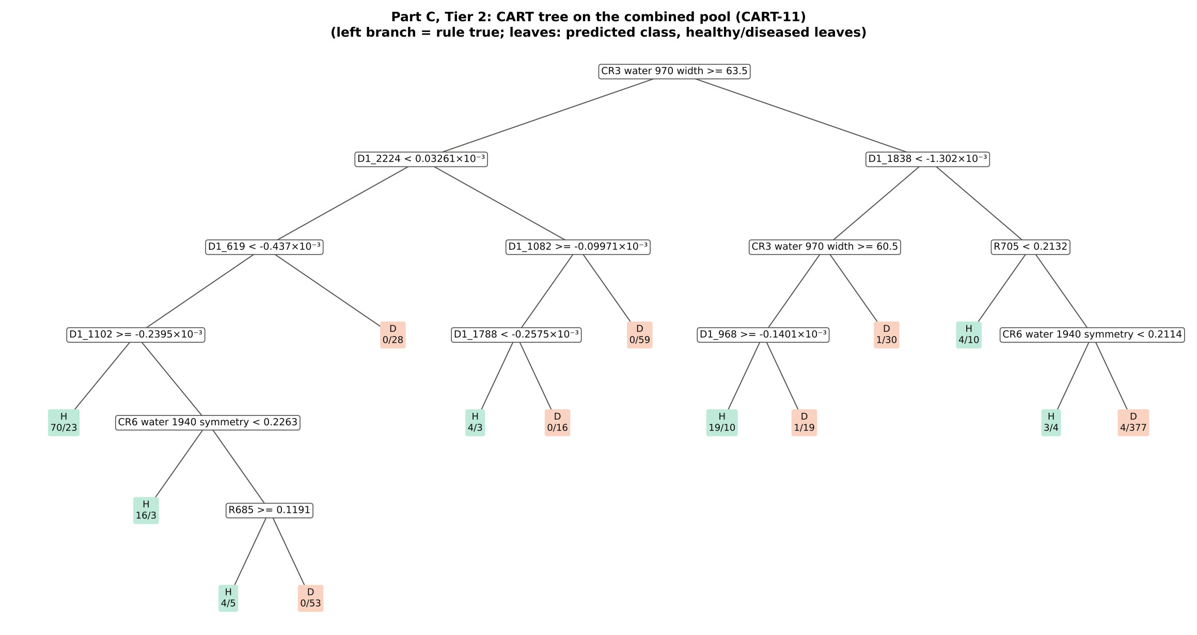
D1_1917 | K4 first-derivative band |  | yes | -3.523E-05 | -8.965E-05 | -7.9412 | 5.832E-13 | 0.6756
D1_2210 | K4 first-derivative band |  | yes | 7.051E-05 | 8.954E-05 | 3.2526 | 0.0035 | 0.6077
D1_847 | K4 first-derivative band |  | yes | -2.758E-05 | 3.149E-05 | 11.08 | 6.440E-22 | 0.7412
D1_1743 | K4 first-derivative band |  | yes | -0.0014 | -0.0013 | 2.3052 | 0.0459 | 0.6416
D1_907 | K4 first-derivative band |  | yes | -3.156E-05 | 2.059E-05 | 11.26 | 1.358E-22 | 0.7117
D1_987 | K4 first-derivative band |  | yes | 2.813E-04 | 3.213E-04 | 4.2936 | 9.122E-05 | 0.6088
D1_1062 | K4 first-derivative band |  | yes | 4.059E-05 | 3.287E-05 | -2.4419 | 0.0327 | 0.5747
SDr/SDy | K4 edge parameter |  | yes | -7.4651 | -9.2676 | -4.1960 | 9.948E-05 | 0.5519
D1_1791 | K4 first-derivative band |  | yes | -1.605E-04 | -1.494E-04 | 2.6613 | 0.0190 | 0.5912
...
Table C2.3 Tree nodes (rpart frame)
5 | 2 | D1_1082 | D1_2224>=3.261e-05 | 82 | 4 | 78 | D
10 | 3 | D1_1788 | D1_1082>=-9.971e-05 | 23 | 4 | 19 | H
20 | 4 | leaf | D1_1788< -0.0002575 | 7 | 4 | 3 | H
21 | 4 | leaf | D1_1788>=-0.0002575 | 16 | 0 | 16 | D
11 | 3 | leaf | D1_1082< -9.971e-05 | 59 | 0 | 59 | D
3 | 1 | D1_1838 | CR3 water 970 width< 63.5 | 482 | 32 | 450 | D
6 | 2 | CR3 water 970 width | D1_1838< -0.001302 | 80 | 21 | 59 | H
12 | 3 | D1_968 | CR3 water 970 width>=60.5 | 49 | 20 | 29 | H
24 | 4 | leaf | D1_968>=-0.0001401 | 29 | 19 | 10 | H
25 | 4 | leaf | D1_968< -0.0001401 | 20 | 1 | 19 | D
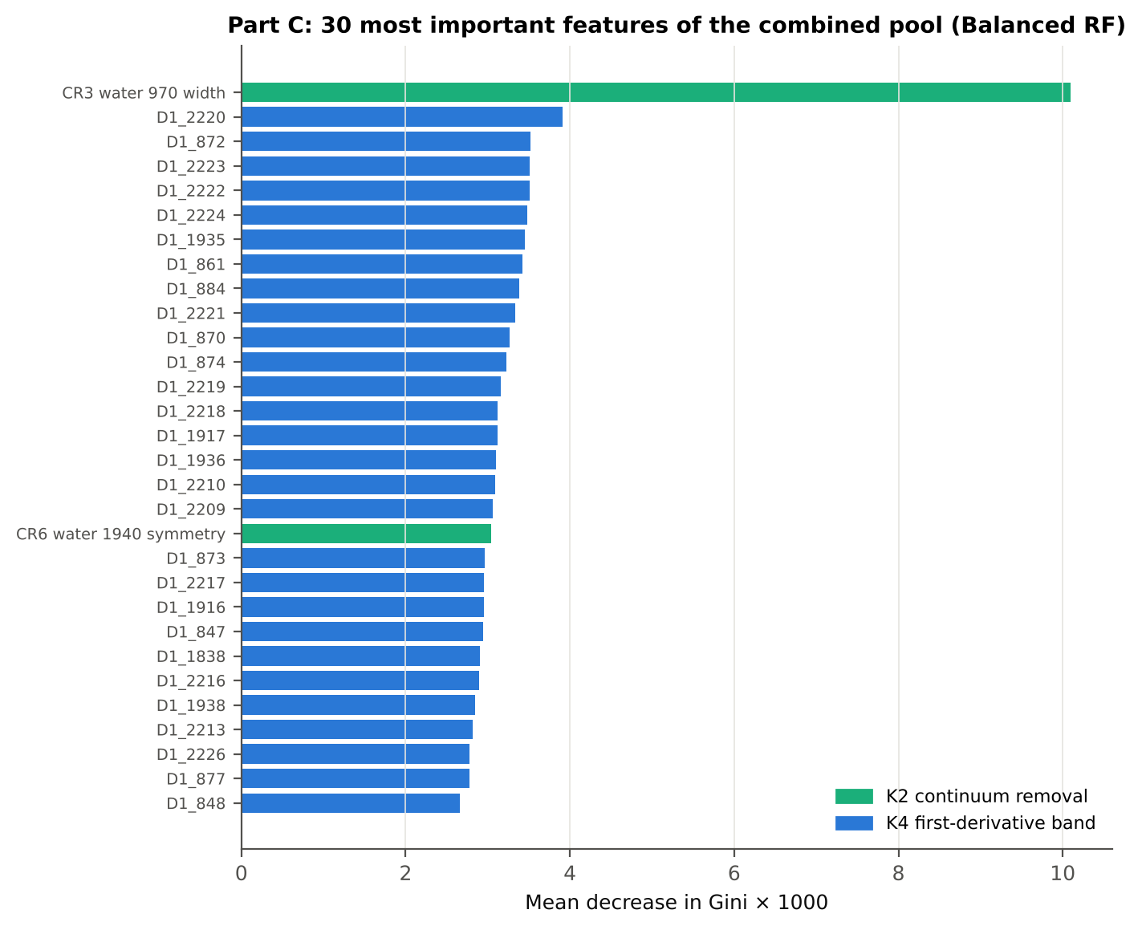
13 | 3 | leaf | CR3 water 970 width< 60.5 | 31 | 1 | 30 | D
7 | 2 | R705 | D1_1838>=-0.001302 | 402 | 11 | 391 | D
14 | 3 | leaf | R705< 0.2132 | 14 | 4 | 10 | H
15 | 3 | CR6 water 1940 symmetry | R705>=0.2132 | 388 | 7 | 381 | D
30 | 4 | leaf | CR6 water 1940 symmetry< 0.2114 | 7 | 3 | 4 | H
31 | 4 | leaf | CR6 water 1940 symmetry>=0.2114 | 381 | 4 | 377 | D

Table C2.4 Complexity-parameter table (plot-grouped CV)
CP | nsplit | rel error | xerror | xstd
0.4492 | 0.0000 | 1.0000 | 1.0476 | 0.0608
0.0901 | 1.0000 | 0.5508 | 0.6406 | 0.0416
0.0745 | 2.0000 | 0.4607 | 0.5816 | 0.0504
0.0438 | 3.0000 | 0.3862 | 0.5328 | 0.0488
0.0389 | 4.0000 | 0.3425 | 0.5141 | 0.0488
0.0294 | 5.0000 | 0.3035 | 0.5033 | 0.0493
0.0239 | 7.0000 | 0.2447 | 0.5000 | 0.0488
0.0218 | 8.0000 | 0.2207 | 0.4937 | 0.0482
0.0168 | 9.0000 | 0.1990 | 0.5068 | 0.0508
0.0135 | 11.00 | 0.1653 | 0.5036 | 0.0508
0.0100 | 13.00 | 0.1382 | 0.4818 | 0.0507

26_C3_Tier3_JM
...
Table C3.2 J–M and QDA BA as features are added
6 | R705 | 1.1142 | 78.6% | D1_884 | 0.9717 | 74.8%
7 | D1_1102 | 1.1488 | 78.5% | D1_1917 | 1.0472 | 77.0%
8 | D1_1788 | 1.2349 | 78.6% | D1_2210 | 1.1221 | 78.2%
9 | D1_968 | 1.2664 | 79.0% | CR6 water 1940 symmetry | 1.3449 | 75.4%
10 | CR6 water 1940 symmetry | 1.3738 | 82.2% | D1_847 | 1.3886 | 78.0%
11 | R685 | 1.4370 | 82.7% | D1_1838 | 1.4243 | 77.4%
12 |  |  |  | D1_1743 | 1.4621 | 77.9%
13 |  |  |  | D1_907 | 1.5116 | 80.0%
14 |  |  |  | D1_987 | 1.5589 | 81.1%
15 |  |  |  | D1_1062 | 1.6147 | 82.5%
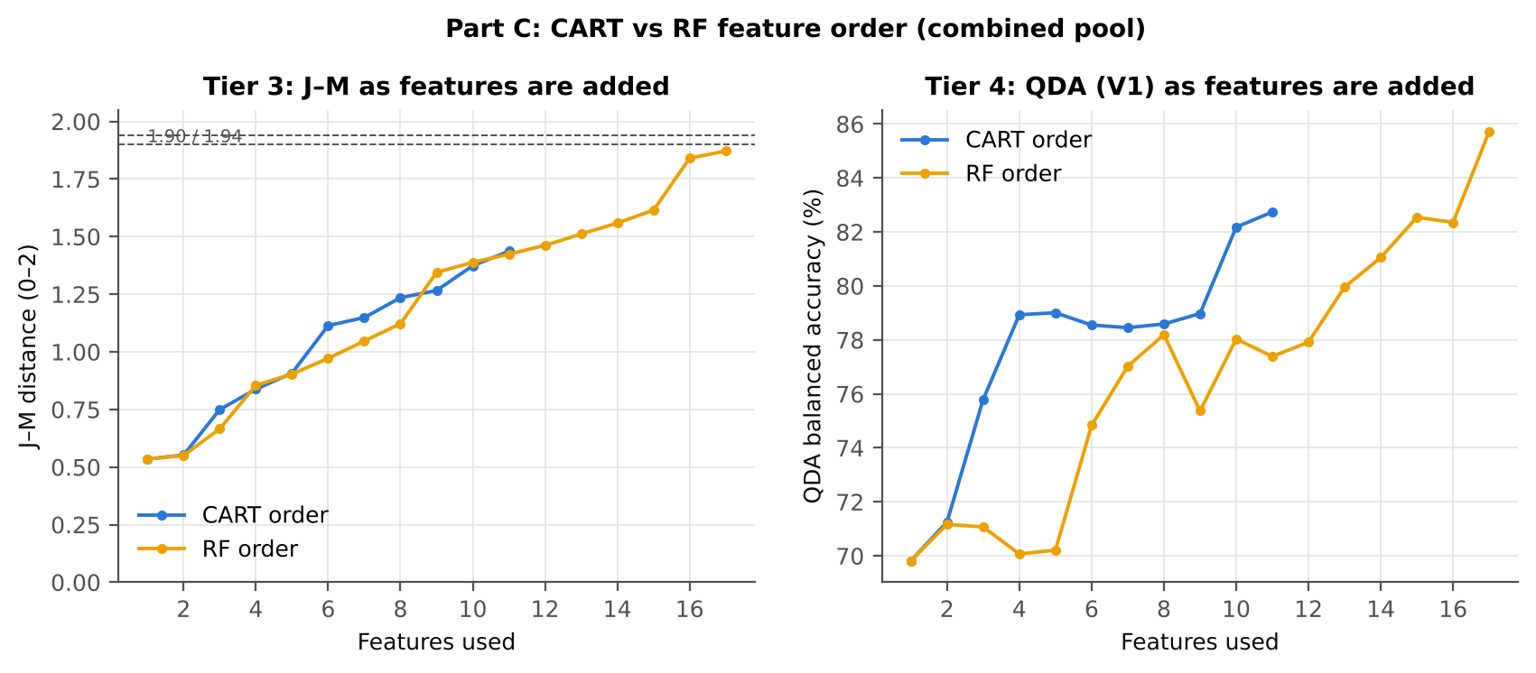
16 |  |  |  | SDr/SDy | 1.8406 | 82.4%
17 |  |  |  | D1_1791 | 1.8716 | 85.7%

28_C5_Validation
...
Result in brief
RF classifier | V1 | 1 | 87.7% | 84.7% |  | 0.6085 | 0.9122 | 80.2% | 89.2% | 59.4% | 95.8%
RF classifier | V3 | 5 | 83.2% | 80.1% | 1.8% | 0.4974 | 0.8508 | 75.4% | 84.8% | 49.5% | 94.6%
RF classifier | V4 | 10 | 81.0% | 74.2% | 4.6% | 0.3755 | 0.8215 | 65.0% | 83.5% | 38.9% | 93.9%
RF classifier | V5 | 10 | 68.3% | 55.8% | 3.6% | 0.0812 | 0.5873 | 38.6% | 72.9% | 18.5% | 88.4%
QDA on CART features | V1 | 1 | 77.5% | 82.7% |  | 0.4449 | 0.9048 | 90.5% | 75.0% | 41.6% | 97.6%
QDA on CART features | V3 | 5 | 69.3% | 73.7% | 2.6% | 0.3006 | 0.8325 | 80.3% | 67.1% | 32.7% | 94.5%
QDA on CART features | V4 | 10 | 69.2% | 75.8% | 3.5% | 0.2854 | 0.8514 | 84.9% | 66.6% | 29.1% | 96.9%
QDA on CART features | V5 | 10 | 63.8% | 60.2% | 6.2% | 0.1174 | 0.6131 | 55.3% | 65.0% | 20.0% | 90.5%
QDA on RF features | V1 | 1 | 80.9% | 85.7% |  | 0.5075 | 0.9376 | 92.9% | 78.6% | 46.1% | 98.2%
QDA on RF features | V3 | 5 | 80.9% | 75.9% | 2.0% | 0.4270 | 0.8334 | 68.4% | 83.3% | 44.8% | 93.1%
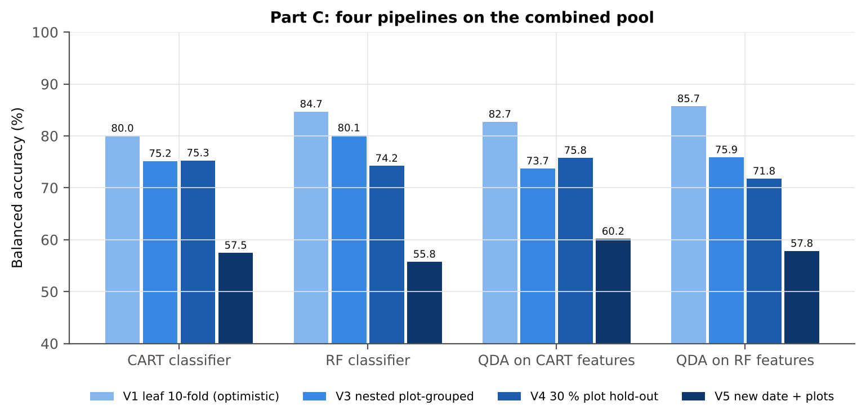
QDA on RF features | V4 | 10 | 81.6% | 71.8% | 8.3% | 0.3472 | 0.7998 | 58.5% | 85.1% | 38.8% | 93.2%
QDA on RF features | V5 | 10 | 76.3% | 57.8% | 4.5% | 0.1316 | 0.6254 | 32.5% | 83.2% | 23.2% | 88.7%

Table C5.2 Paired comparisons within this pool
Comparison | Units | n | Mean difference | SD | First better | Second better | Ties | Wilcoxon p
RF classifier − CART classifier | V3 nested (folds) | 20 | 5.5% | 8.5% | 16 | 4 | 0 | 0.0123
RF classifier − CART classifier | V4 hold-out (splits) | 10 | -1.0% | 4.9% | 2 | 7 | 1 | 0.3594
QDA on RF features − QDA on CART features | V3 nested (folds) | 20 | 2.3% | 6.8% | 13 | 7 | 0 | 0.0928
...

29_C6_Stability
...
Table C6.3 Re-selection of the all-leaf CART features
CR6 water 1940 symmetry | K2 continuum removal | 20.0% | 65.0%
R685 | K1 band reflectance | 0.0% | 0.0%

Table C6.4 Re-selection of the all-leaf RF features
Feature | Type | Re-selected by CART (±10 nm) | Re-selected by RF (±10 nm)
CR3 water 970 width | K2 continuum removal | 100.0% | 100.0%
D1_2220 | K4 first-derivative band | 90.0% | 100.0%
D1_872 | K4 first-derivative band | 15.0% | 85.0%
D1_1935 | K4 first-derivative band | 35.0% | 90.0%
D1_861 | K4 first-derivative band | 20.0% | 70.0%
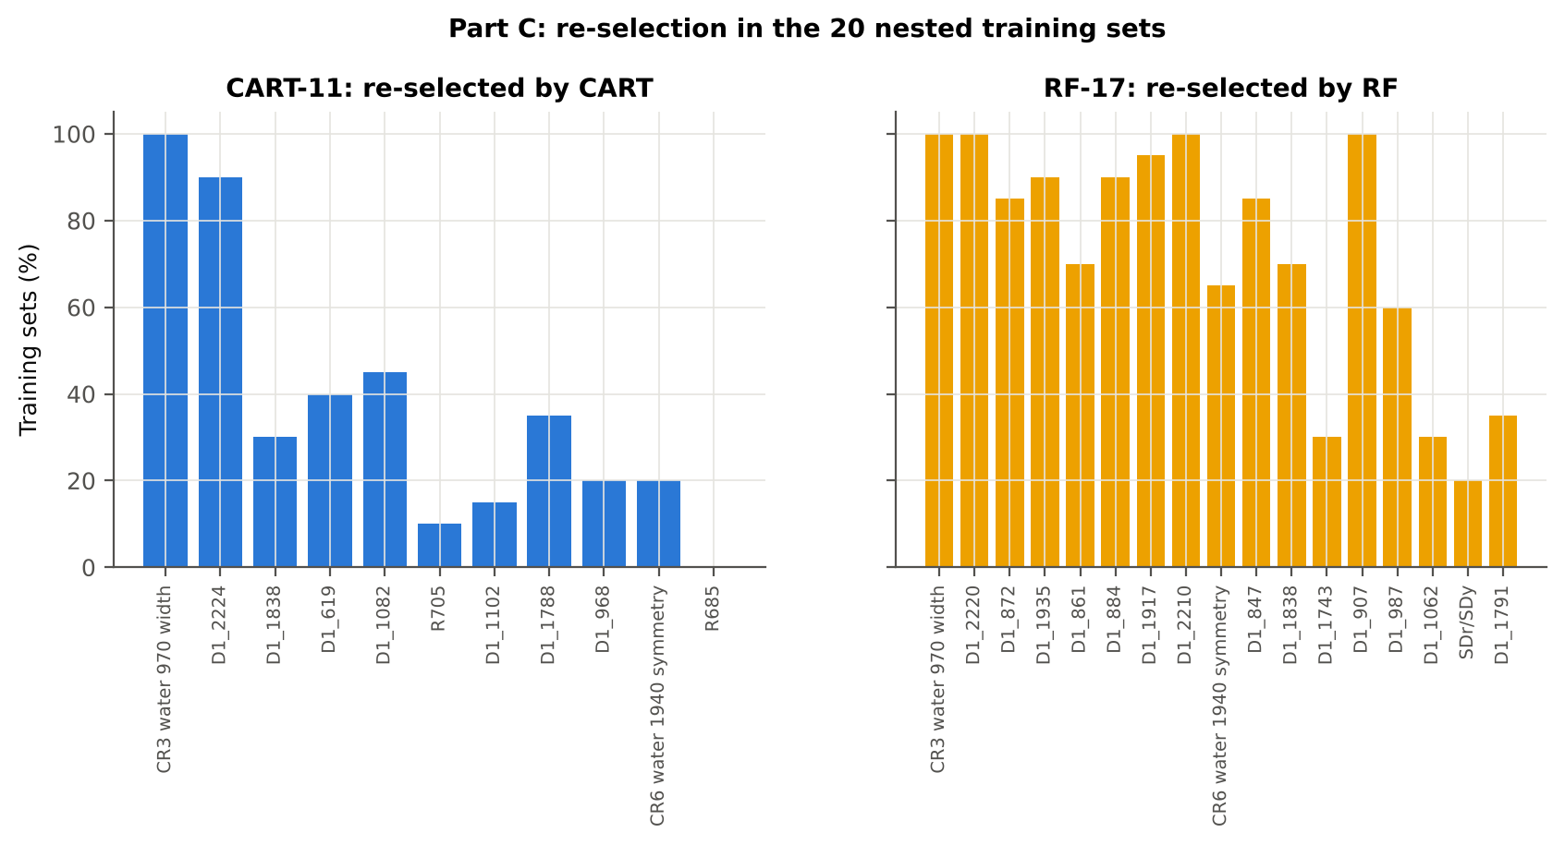
D1_884 | K4 first-derivative band | 15.0% | 90.0%
D1_1917 | K4 first-derivative band | 45.0% | 95.0%
D1_2210 | K4 first-derivative band | 10.0% | 100.0%
CR6 water 1940 symmetry | K2 continuum removal | 20.0% | 65.0%
D1_847 | K4 first-derivative band | 15.0% | 85.0%
D1_1838 | K4 first-derivative band | 30.0% | 70.0%
D1_1743 | K4 first-derivative band | 30.0% | 30.0%
D1_907 | K4 first-derivative band | 20.0% | 100.0%
D1_987 | K4 first-derivative band | 0.0% | 60.0%
D1_1062 | K4 first-derivative band | 0.0% | 30.0%
SDr/SDy | K4 edge parameter | 60.0% | 20.0%
D1_1791 | K4 first-derivative band | 35.0% | 35.0%
...

31_V5_Transfer
...
Result in brief
Reflectance (Part A) | QDA on RF features | 11-02-2026 | 10 | 10 | 48.00 | 56.8% | 13.6%
Reflectance (Part A) | QDA on RF features | 24-02-2026 | 10 | 10 | 61.60 | 52.7% | 20.1%
Reflectance (Part A) | QDA on RF features | 03-03-2026 | 10 | 10 | 69.00 | 63.0% | 18.4%
Reflectance (Part A) | QDA on RF features | 13-03-2026 | 10 | 10 | 69.00 | 50.0% | 0.0%
Combined pool (Part C) | CART classifier | 11-02-2026 | 10 | 10 | 48.00 | 54.3% | 8.1%
Combined pool (Part C) | CART classifier | 24-02-2026 | 10 | 10 | 61.60 | 60.8% | 23.2%
Combined pool (Part C) | CART classifier | 03-03-2026 | 10 | 10 | 69.00 | 59.8% | 13.7%
Combined pool (Part C) | CART classifier | 13-03-2026 | 10 | 10 | 69.00 | 50.7% | 1.8%
Combined pool (Part C) | RF classifier | 11-02-2026 | 10 | 10 | 48.00 | 60.0% | 6.8%
Combined pool (Part C) | RF classifier | 24-02-2026 | 10 | 10 | 61.60 | 54.0% | 18.0%
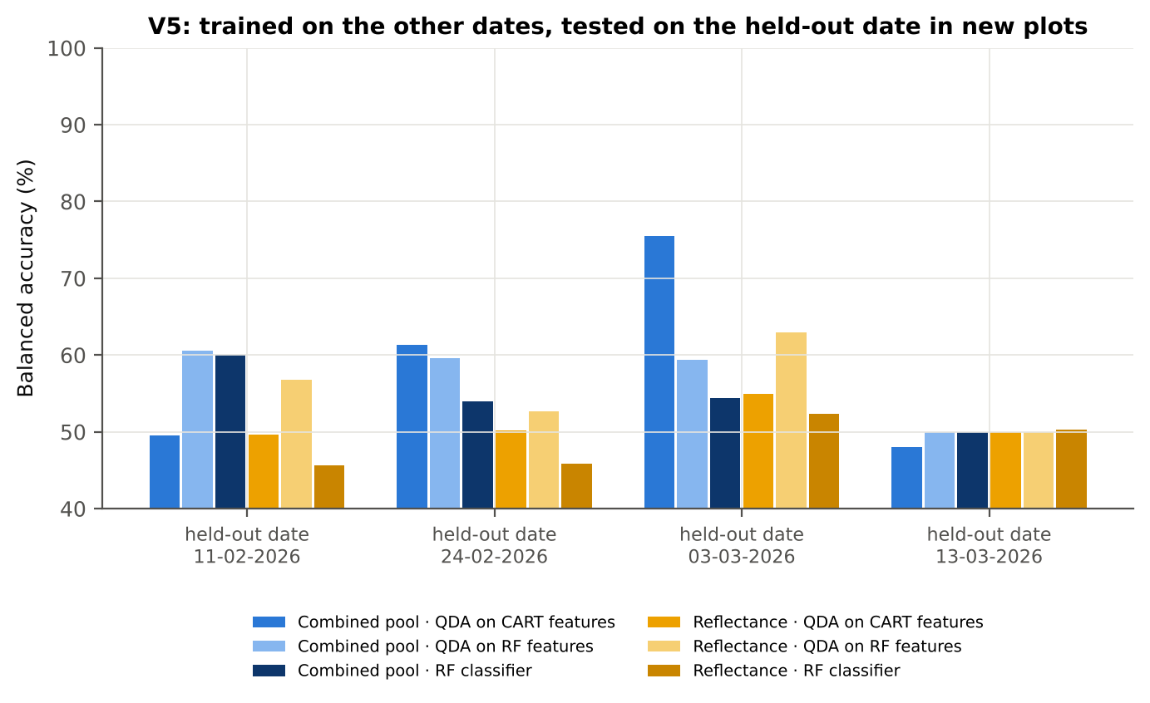
Combined pool (Part C) | RF classifier | 03-03-2026 | 10 | 10 | 69.00 | 54.4% | 9.3%
Combined pool (Part C) | RF classifier | 13-03-2026 | 10 | 10 | 69.00 | 49.9% | 0.3%
Combined pool (Part C) | QDA on CART features | 11-02-2026 | 10 | 10 | 48.00 | 49.5% | 9.7%
Combined pool (Part C) | QDA on CART features | 24-02-2026 | 10 | 10 | 61.60 | 61.4% | 17.0%
Combined pool (Part C) | QDA on CART features | 03-03-2026 | 10 | 10 | 69.00 | 75.5% | 15.2%
Combined pool (Part C) | QDA on CART features | 13-03-2026 | 10 | 10 | 69.00 | 48.0% | 6.4%
Combined pool (Part C) | QDA on RF features | 11-02-2026 | 10 | 10 | 48.00 | 60.6% | 18.1%
Combined pool (Part C) | QDA on RF features | 24-02-2026 | 10 | 10 | 61.60 | 59.6% | 17.0%
Combined pool (Part C) | QDA on RF features | 03-03-2026 | 10 | 10 | 69.00 | 59.4% | 10.7%
Combined pool (Part C) | QDA on RF features | 13-03-2026 | 10 | 10 | 69.00 | 50.0% | 0.0%

37_ChartData
...
Figure 3. Mean reflectance (healthy vs diseased)
 | Mean healthy | Mean diseased
400.00 | 0.2345 | 0.2400
401.00 | 0.2338 | 0.2397
402.00 | 0.2336 | 0.2390
403.00 | 0.2336 | 0.2385
404.00 | 0.2336 | 0.2386
405.00 | 0.2333 | 0.2387
406.00 | 0.2315 | 0.2361
407.00 | 0.2303 | 0.2352
408.00 | 0.2295 | 0.2351
409.00 | 0.2283 | 0.2337
410.00 | 0.2275 | 0.2331
411.00 | 0.2275 | 0.2330
412.00 | 0.2277 | 0.2329
413.00 | 0.2270 | 0.2324
414.00 | 0.2257 | 0.2313
415.00 | 0.2240 | 0.2299
416.00 | 0.2225 | 0.2284
417.00 | 0.2222 | 0.2281
418.00 | 0.2216 | 0.2275
419.00 | 0.2204 | 0.2263
420.00 | 0.2194 | 0.2253
421.00 | 0.2182 | 0.2240
422.00 | 0.2170 | 0.2226
423.00 | 0.2157 | 0.2215
424.00 | 0.2143 | 0.2202
425.00 | 0.2132 | 0.2190
426.00 | 0.2123 | 0.2182
427.00 | 0.2110 | 0.2171
428.00 | 0.2095 | 0.2156
429.00 | 0.2077 | 0.2138
430.00 | 0.2061 | 0.2121
431.00 | 0.2048 | 0.2110
432.00 | 0.2038 | 0.2101
433.00 | 0.2026 | 0.2090
434.00 | 0.2008 | 0.2073
435.00 | 0.1999 | 0.2062
436.00 | 0.1987 | 0.2050
437.00 | 0.1970 | 0.2035
438.00 | 0.1956 | 0.2022
439.00 | 0.1944 | 0.2011
440.00 | 0.1934 | 0.2002
441.00 | 0.1922 | 0.1993
442.00 | 0.1911 | 0.1982
443.00 | 0.1900 | 0.1971
444.00 | 0.1889 | 0.1961
445.00 | 0.1881 | 0.1953
446.00 | 0.1871 | 0.1944
447.00 | 0.1862 | 0.1935
448.00 | 0.1853 | 0.1927
449.00 | 0.1844 | 0.1917
...
−log10 q mixed model | q = 0.05 line | RF importance × 1000 | K1 AUC | D1 AUC
0.1413 | 1.3010 | 0.0000 | 0.5195 | 0.5128
0.1592 | 1.3010 | 0.0000 | 0.5198 | 0.5124
0.1405 | 1.3010 | 0.0000 | 0.5188 | 0.5168
0.1236 | 1.3010 | 0.0000 | 0.5169 | 0.5125
0.1260 | 1.3010 | 0.0000 | 0.5160 | 0.5032
0.1415 | 1.3010 | 0.0000 | 0.5155 | 0.5029
0.1128 | 1.3010 | 0.0000 | 0.5157 | 0.5022
0.1260 | 1.3010 | 0.0000 | 0.5172 | 0.5077
0.1592 | 1.3010 | 0.0000 | 0.5182 | 0.5163
0.1531 | 1.3010 | 0.0000 | 0.5187 | 0.5314
0.1629 | 1.3010 | 0.0000 | 0.5194 | 0.5393
0.1623 | 1.3010 | 0.0000 | 0.5209 | 0.5386
0.1486 | 1.3010 | 0.0000 | 0.5215 | 0.5371
0.1627 | 1.3010 | 0.0000 | 0.5211 | 0.5404
0.1763 | 1.3010 | 0.0000 | 0.5217 | 0.5320
0.1874 | 1.3010 | 0.0000 | 0.5227 | 0.5236
0.1916 | 1.3010 | 0.0000 | 0.5241 | 0.5265
0.1946 | 1.3010 | 0.0000 | 0.5251 | 0.5282
0.1963 | 1.3010 | 0.0000 | 0.5253 | 0.5298
Figure 5b. −log10(p) against wavelength
 | −log10 p Welch | −log10 q Welch | −log10 q mixed model | q = 0.05 line
400.00 | 0.2478 | 0.1562 | 0.1413 | 1.3010
401.00 | 0.2720 | 0.1766 | 0.1592 | 1.3010
402.00 | 0.2477 | 0.1562 | 0.1405 | 1.3010
403.00 | 0.2262 | 0.1380 | 0.1236 | 1.3010
404.00 | 0.2306 | 0.1412 | 0.1260 | 1.3010
405.00 | 0.2518 | 0.1593 | 0.1415 | 1.3010
406.00 | 0.2133 | 0.1272 | 0.1128 | 1.3010
407.00 | 0.2304 | 0.1412 | 0.1260 | 1.3010
408.00 | 0.2719 | 0.1766 | 0.1592 | 1.3010
409.00 | 0.2632 | 0.1694 | 0.1531 | 1.3010
410.00 | 0.2779 | 0.1813 | 0.1629 | 1.3010
411.00 | 0.2758 | 0.1795 | 0.1623 | 1.3010
412.00 | 0.2556 | 0.1628 | 0.1486 | 1.3010
413.00 | 0.2714 | 0.1764 | 0.1627 | 1.3010
414.00 | 0.2925 | 0.1943 | 0.1763 | 1.3010
415.00 | 0.3072 | 0.2074 | 0.1874 | 1.3010
416.00 | 0.3118 | 0.2110 | 0.1916 | 1.3010
417.00 | 0.3162 | 0.2152 | 0.1946 | 1.3010
418.00 | 0.3176 | 0.2161 | 0.1963 | 1.3010
419.00 | 0.3196 | 0.2176 | 0.2017 | 1.3010
420.00 | 0.3294 | 0.2257 | 0.2096 | 1.3010
421.00 | 0.3210 | 0.2184 | 0.2017 | 1.3010
422.00 | 0.3181 | 0.2163 | 0.1968 | 1.3010
423.00 | 0.3345 | 0.2301 | 0.2123 | 1.3010
424.00 | 0.3448 | 0.2388 | 0.2205 | 1.3010
425.00 | 0.3481 | 0.2416 | 0.2200 | 1.3010
426.00 | 0.3537 | 0.2463 | 0.2224 | 1.3010
427.00 | 0.3728 | 0.2636 | 0.2385 | 1.3010
428.00 | 0.3854 | 0.2741 | 0.2477 | 1.3010
429.00 | 0.3866 | 0.2750 | 0.2479 | 1.3010
430.00 | 0.3850 | 0.2739 | 0.2471 | 1.3010
431.00 | 0.4074 | 0.2937 | 0.2626 | 1.3010
432.00 | 0.4234 | 0.3081 | 0.2737 | 1.3010
433.00 | 0.4362 | 0.3190 | 0.2819 | 1.3010
434.00 | 0.4533 | 0.3338 | 0.2918 | 1.3010
435.00 | 0.4424 | 0.3244 | 0.2841 | 1.3010
436.00 | 0.4496 | 0.3308 | 0.2876 | 1.3010
437.00 | 0.4810 | 0.3589 | 0.3066 | 1.3010
438.00 | 0.4977 | 0.3737 | 0.3177 | 1.3010
439.00 | 0.5134 | 0.3880 | 0.3267 | 1.3010
440.00 | 0.5369 | 0.4085 | 0.3413 | 1.3010
441.00 | 0.5674 | 0.4359 | 0.3593 | 1.3010
442.00 | 0.5723 | 0.4399 | 0.3600 | 1.3010
443.00 | 0.5840 | 0.4508 | 0.3662 | 1.3010
444.00 | 0.6039 | 0.4686 | 0.3776 | 1.3010
445.00 | 0.6117 | 0.4754 | 0.3805 | 1.3010
446.00 | 0.6281 | 0.4898 | 0.3863 | 1.3010
447.00 | 0.6468 | 0.5054 | 0.3932 | 1.3010
448.00 | 0.6610 | 0.5169 | 0.4001 | 1.3010
449.00 | 0.6727 | 0.5267 | 0.4044 | 1.3010
...
0.2017 | 1.3010 | 0.0000 | 0.5250 | 0.5284
0.2096 | 1.3010 | 0.0000 | 0.5253 | 0.5246
0.2017 | 1.3010 | 0.0000 | 0.5256 | 0.5244
0.1968 | 1.3010 | 0.0000 | 0.5253 | 0.5274
0.2123 | 1.3010 | 0.0000 | 0.5254 | 0.5310
0.2205 | 1.3010 | 0.0000 | 0.5256 | 0.5371
0.2200 | 1.3010 | 0.0000 | 0.5263 | 0.5431
0.2224 | 1.3010 | 0.0000 | 0.5273 | 0.5490
0.2385 | 1.3010 | 0.0000 | 0.5276 | 0.5534
0.2477 | 1.3010 | 0.0000 | 0.5281 | 0.5572
0.2479 | 1.3010 | 0.0000 | 0.5291 | 0.5554
0.2471 | 1.3010 | 0.0000 | 0.5304 | 0.5540
0.2626 | 1.3010 | 0.0000 | 0.5315 | 0.5554
0.2737 | 1.3010 | 0.0000 | 0.5319 | 0.5591
0.2819 | 1.3010 | 0.0000 | 0.5326 | 0.5626
0.2918 | 1.3010 | 0.0000 | 0.5332 | 0.5688
0.2841 | 1.3010 | 0.0000 | 0.5338 | 0.5772
0.2876 | 1.3010 | 0.0000 | 0.5342 | 0.5848
0.3066 | 1.3010 | 0.0000 | 0.5351 | 0.5896
0.3177 | 1.3010 | 0.0000 | 0.5362 | 0.5881
Figure 5. Balanced subsets with a significant difference (%)
 | Balanced subsets significant (%)
400.00 | 0.7000
401.00 | 0.8000
402.00 | 0.8000
403.00 | 0.5000
404.00 | 0.6000
405.00 | 0.7000
406.00 | 0.5000
407.00 | 0.5000
408.00 | 0.8000
409.00 | 0.7000
410.00 | 0.9000
411.00 | 0.9000
412.00 | 0.7000
413.00 | 0.9000
414.00 | 0.9000
415.00 | 0.9000
416.00 | 0.9000
417.00 | 0.9000
418.00 | 0.9000
419.00 | 0.9000
420.00 | 1.0000
421.00 | 1.0000
422.00 | 0.9000
423.00 | 1.0000
424.00 | 1.1000
425.00 | 1.2000
426.00 | 1.1000
427.00 | 1.3000
428.00 | 1.3000
429.00 | 1.3000
430.00 | 1.2000
431.00 | 1.3000
432.00 | 1.4000
433.00 | 1.4000
434.00 | 1.4000
435.00 | 1.4000
436.00 | 1.4000
437.00 | 1.4000
438.00 | 1.4000
439.00 | 1.5000
440.00 | 1.8000
441.00 | 1.9000
442.00 | 1.9000
443.00 | 1.9000
444.00 | 2.0000
445.00 | 2.4000
446.00 | 2.5000
447.00 | 2.7000
448.00 | 2.9000
449.00 | 3.1000
...
0.3267 | 1.3010 | 0.0000 | 0.5372 | 0.5873
0.3413 | 1.3010 | 0.0000 | 0.5385 | 0.5879
0.3593 | 1.3010 | 0.0000 | 0.5392 | 0.5875
0.3600 | 1.3010 | 0.0000 | 0.5396 | 0.5873
0.3662 | 1.3010 | 0.0000 | 0.5401 | 0.5789
0.3776 | 1.3010 | 0.0000 | 0.5406 | 0.5682
0.3805 | 1.3010 | 0.0000 | 0.5408 | 0.5594
0.3863 | 1.3010 | 0.0000 | 0.5409 | 0.5487
0.3932 | 1.3010 | 0.0000 | 0.5412 | 0.5387
0.4001 | 1.3010 | 0.0000 | 0.5415 | 0.5331
0.4044 | 1.3010 | 0.0000 | 0.5416 | 0.5318
0.4102 | 1.3010 | 0.0000 | 0.5418 | 0.5283
0.4166 | 1.3010 | 0.0000 | 0.5420 | 0.5251
0.4176 | 1.3010 | 0.0000 | 0.5420 | 0.5231
0.4196 | 1.3010 | 0.0000 | 0.5421 | 0.5207
0.4231 | 1.3010 | 0.0000 | 0.5424 | 0.5177
0.4285 | 1.3010 | 0.0000 | 0.5422 | 0.5159
0.4335 | 1.3010 | 0.0000 | 0.5424 | 0.5178
0.4406 | 1.3010 | 0.0000 | 0.5427 | 0.5197
0.4464 | 1.3010 | 0.0000 | 0.5428 | 0.5226
Figure A1. RF importance spectrum
 | RF importance × 1000
400.00 | 0.0000
401.00 | 0.0000
402.00 | 0.0000
403.00 | 0.0000
404.00 | 0.0000
405.00 | 0.0000
406.00 | 0.0000
407.00 | 0.0000
408.00 | 0.0000
409.00 | 0.0000
410.00 | 0.0000
411.00 | 0.0000
412.00 | 0.0000
413.00 | 0.0000
414.00 | 0.0000
415.00 | 0.0000
416.00 | 0.0000
417.00 | 0.0000
418.00 | 0.0000
419.00 | 0.0000
420.00 | 0.0000
421.00 | 0.0000
422.00 | 0.0000
423.00 | 0.0000
424.00 | 0.0000
425.00 | 0.0000
426.00 | 0.0000
427.00 | 0.0000
428.00 | 0.0000
429.00 | 0.0000
430.00 | 0.0000
431.00 | 0.0000
432.00 | 0.0000
433.00 | 0.0000
434.00 | 0.0000
435.00 | 0.0000
436.00 | 0.0000
437.00 | 0.0000
438.00 | 0.0000
439.00 | 0.0000
440.00 | 0.0000
441.00 | 0.0000
442.00 | 0.0000
443.00 | 0.0000
444.00 | 0.0000
445.00 | 0.0000
446.00 | 0.0000
447.00 | 0.0000
448.00 | 0.0000
449.00 | 0.0000
...
0.4495 | 1.3010 | 0.0000 | 0.5431 | 0.5279
0.4591 | 1.3010 | 0.0000 | 0.5433 | 0.5327
0.4653 | 1.3010 | 0.0000 | 0.5436 | 0.5362
0.4691 | 1.3010 | 0.0000 | 0.5439 | 0.5384
0.4830 | 1.3010 | 0.0000 | 0.5443 | 0.5426
0.4925 | 1.3010 | 0.0000 | 0.5446 | 0.5450
0.4982 | 1.3010 | 0.0000 | 0.5450 | 0.5461
0.5043 | 1.3010 | 0.0000 | 0.5453 | 0.5481
0.5120 | 1.3010 | 0.0000 | 0.5460 | 0.5480
0.5198 | 1.3010 | 0.0000 | 0.5466 | 0.5459
0.5272 | 1.3010 | 0.0000 | 0.5469 | 0.5439
0.5380 | 1.3010 | 0.0000 | 0.5474 | 0.5414
0.5456 | 1.3010 | 0.0000 | 0.5477 | 0.5421
0.5523 | 1.3010 | 0.0000 | 0.5480 | 0.5443
0.5556 | 1.3010 | 0.0000 | 0.5483 | 0.5424
0.5559 | 1.3010 | 0.0000 | 0.5486 | 0.5398
0.5607 | 1.3010 | 0.0000 | 0.5488 | 0.5381
0.5672 | 1.3010 | 0.0000 | 0.5492 | 0.5367
0.5775 | 1.3010 | 0.0000 | 0.5497 | 0.5354
0.5872 | 1.3010 | 0.0000 | 0.5500 | 0.5346
Figure K1. AUC of every band
 | K1 AUC | D1 AUC
400.00 | 0.5195 | 0.5128
401.00 | 0.5198 | 0.5124
402.00 | 0.5188 | 0.5168
403.00 | 0.5169 | 0.5125
404.00 | 0.5160 | 0.5032
405.00 | 0.5155 | 0.5029
406.00 | 0.5157 | 0.5022
407.00 | 0.5172 | 0.5077
408.00 | 0.5182 | 0.5163
409.00 | 0.5187 | 0.5314
410.00 | 0.5194 | 0.5393
411.00 | 0.5209 | 0.5386
412.00 | 0.5215 | 0.5371
413.00 | 0.5211 | 0.5404
414.00 | 0.5217 | 0.5320
415.00 | 0.5227 | 0.5236
416.00 | 0.5241 | 0.5265
417.00 | 0.5251 | 0.5282
418.00 | 0.5253 | 0.5298
419.00 | 0.5250 | 0.5284
420.00 | 0.5253 | 0.5246
421.00 | 0.5256 | 0.5244
422.00 | 0.5253 | 0.5274
423.00 | 0.5254 | 0.5310
424.00 | 0.5256 | 0.5371
425.00 | 0.5263 | 0.5431
426.00 | 0.5273 | 0.5490
427.00 | 0.5276 | 0.5534
428.00 | 0.5281 | 0.5572
429.00 | 0.5291 | 0.5554
430.00 | 0.5304 | 0.5540
431.00 | 0.5315 | 0.5554
432.00 | 0.5319 | 0.5591
433.00 | 0.5326 | 0.5626
434.00 | 0.5332 | 0.5688
435.00 | 0.5338 | 0.5772
436.00 | 0.5342 | 0.5848
437.00 | 0.5351 | 0.5896
438.00 | 0.5362 | 0.5881
439.00 | 0.5372 | 0.5873
440.00 | 0.5385 | 0.5879
441.00 | 0.5392 | 0.5875
442.00 | 0.5396 | 0.5873
443.00 | 0.5401 | 0.5789
444.00 | 0.5406 | 0.5682
445.00 | 0.5408 | 0.5594
446.00 | 0.5409 | 0.5487
447.00 | 0.5412 | 0.5387
448.00 | 0.5415 | 0.5331
449.00 | 0.5416 | 0.5318
...
0.5947 | 1.3010 | 0.0000 | 0.5505 | 0.5328
0.5978 | 1.3010 | 0.0000 | 0.5510 | 0.5315
0.6008 | 1.3010 | 0.0000 | 0.5513 | 0.5309
0.6050 | 1.3010 | 0.0000 | 0.5517 | 0.5297
0.6121 | 1.3010 | 0.0000 | 0.5521 | 0.5278
0.6195 | 1.3010 | 0.0000 | 0.5525 | 0.5273
0.6246 | 1.3010 | 0.0000 | 0.5526 | 0.5280
0.6292 | 1.3010 | 0.0000 | 0.5532 | 0.5300
0.6352 | 1.3010 | 0.0000 | 0.5534 | 0.5328
0.6430 | 1.3010 | 0.0000 | 0.5536 | 0.5360
0.6473 | 1.3010 | 1.6230 | 0.5536 | 0.5377
0.6504 | 1.3010 | 1.4921 | 0.5541 | 0.5388
0.6559 | 1.3010 | 1.8467 | 0.5545 | 0.5398
0.6626 | 1.3010 | 1.5105 | 0.5547 | 0.5406
0.6680 | 1.3010 | 1.7178 | 0.5554 | 0.5398
0.6735 | 1.3010 | 1.6465 | 0.5558 | 0.5380
0.6763 | 1.3010 | 1.6085 | 0.5564 | 0.5351
0.6786 | 1.3010 | 1.2280 | 0.5563 | 0.5317
0.6789 | 1.3010 | 1.2597 | 0.5564 | 0.5292
0.6796 | 1.3010 | 1.2272 | 0.5563 | 0.5257
Figure A3. Balanced accuracy by pipeline and validation scheme (Part A)
0.6796 | 1.3010 | 1.5540 | 0.5560 | 0.5230
0.6787 | 1.3010 | 1.6650 | 0.5555 | 0.5187
0.6787 | 1.3010 | 1.3974 | 0.5551 | 0.5128
0.6787 | 1.3010 | 1.5959 | 0.5549 | 0.5085
0.6763 | 1.3010 | 1.1219 | 0.5543 | 0.5041
0.6685 | 1.3010 | 1.2285 | 0.5536 | 0.5007
0.6593 | 1.3010 | 1.3928 | 0.5532 | 0.5061
0.6506 | 1.3010 | 1.7789 | 0.5522 | 0.5125
0.6404 | 1.3010 | 1.3481 | 0.5511 | 0.5193
0.6281 | 1.3010 | 1.1823 | 0.5501 | 0.5258
0.6174 | 1.3010 | 1.5202 | 0.5487 | 0.5312
0.6001 | 1.3010 | 1.6447 | 0.5473 | 0.5360
0.5819 | 1.3010 | 1.4105 | 0.5457 | 0.5406
0.5627 | 1.3010 | 1.6993 | 0.5442 | 0.5459
0.5444 | 1.3010 | 1.8094 | 0.5425 | 0.5510
0.5163 | 1.3010 | 1.7450 | 0.5403 | 0.5557
0.4892 | 1.3010 | 0.0000 | 0.5379 | 0.5597
0.4576 | 1.3010 | 0.0000 | 0.5355 | 0.5632
0.4228 | 1.3010 | 0.0000 | 0.5330 | 0.5673
0.3899 | 1.3010 | 0.0000 | 0.5309 | 0.5708
0.3574 | 1.3010 | 0.0000 | 0.5284 | 0.5738
0.3186 | 1.3010 | 0.0000 | 0.5261 | 0.5768
0.2837 | 1.3010 | 0.0000 | 0.5234 | 0.5797
0.2511 | 1.3010 | 0.0000 | 0.5211 | 0.5830
0.2199 | 1.3010 | 0.0000 | 0.5189 | 0.5859
0.1901 | 1.3010 | 0.0000 | 0.5166 | 0.5890
0.1629 | 1.3010 | 0.0000 | 0.5144 | 0.5919
0.1400 | 1.3010 | 0.0000 | 0.5124 | 0.5941
...

