Sheet1
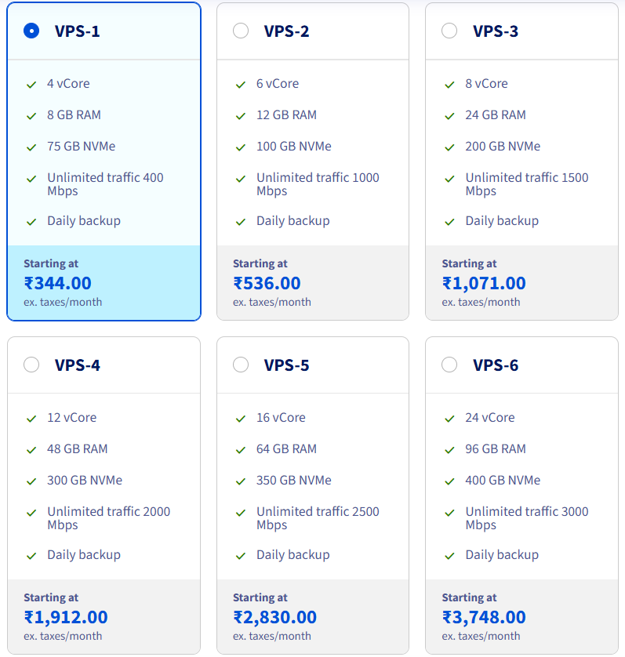
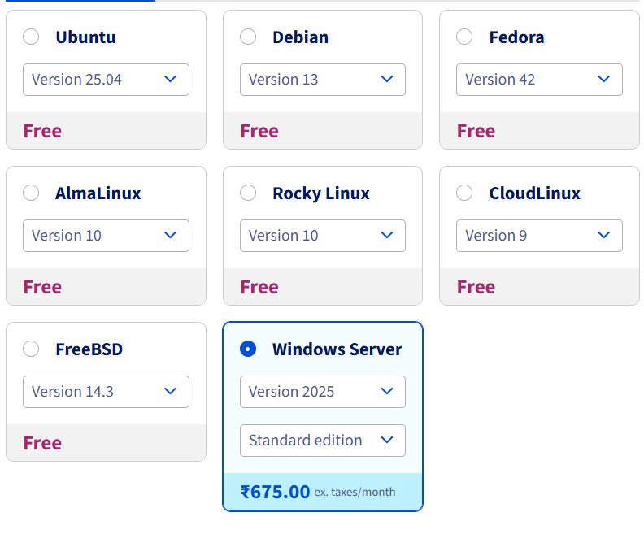
 | Name
 | OVHcloud
https://www.ovhcloud.com/en-in/vps/configurator/
Data center are not in US

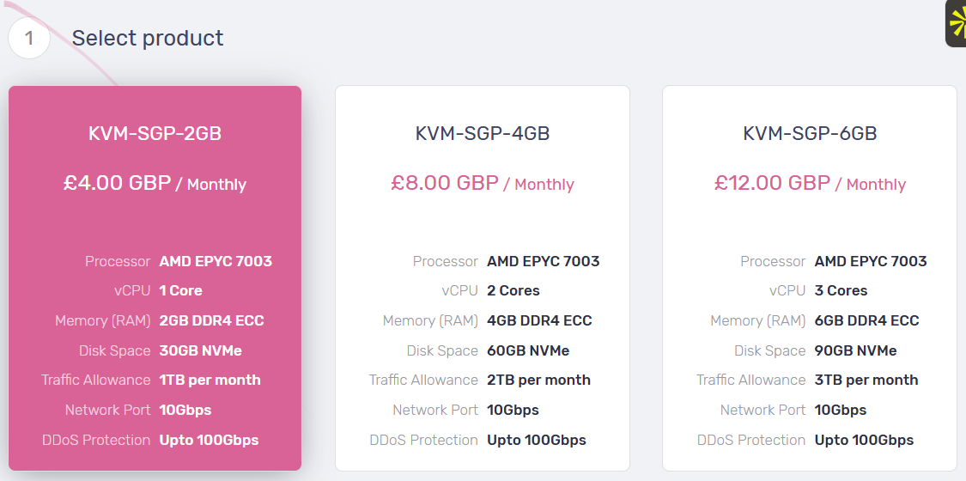
 | Vebble
Data center are not in US

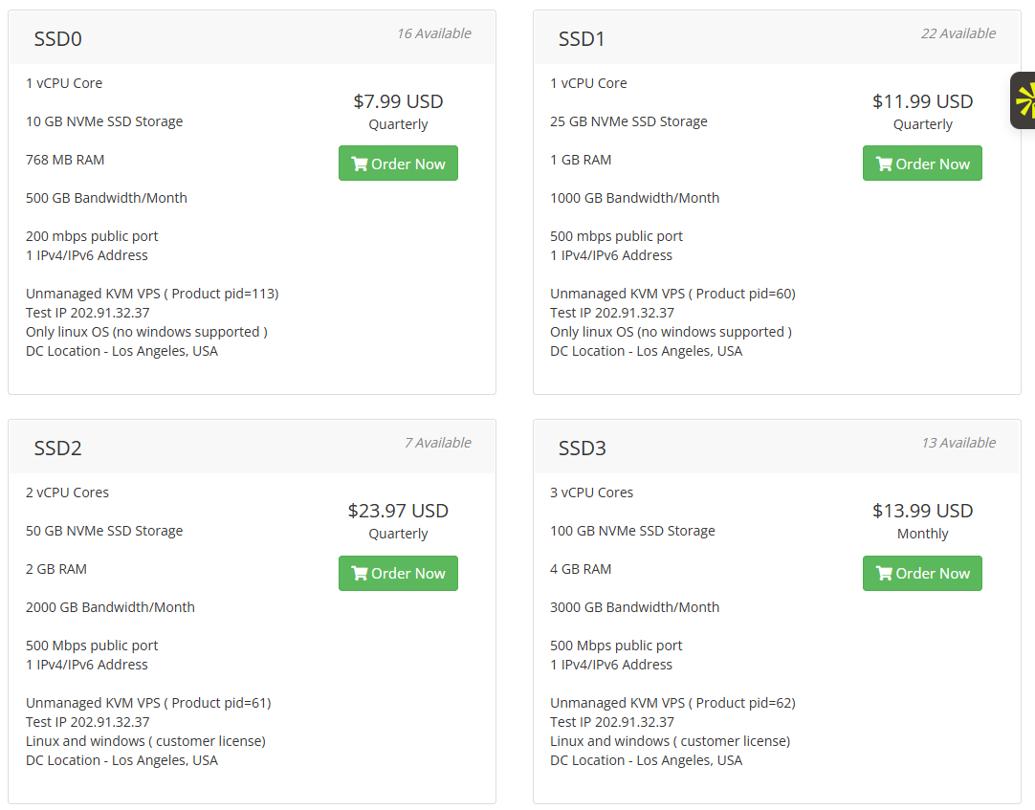
 | HostDare
US supported
https://bill.hostdare.com/store/los-angeles-ssd-kvm

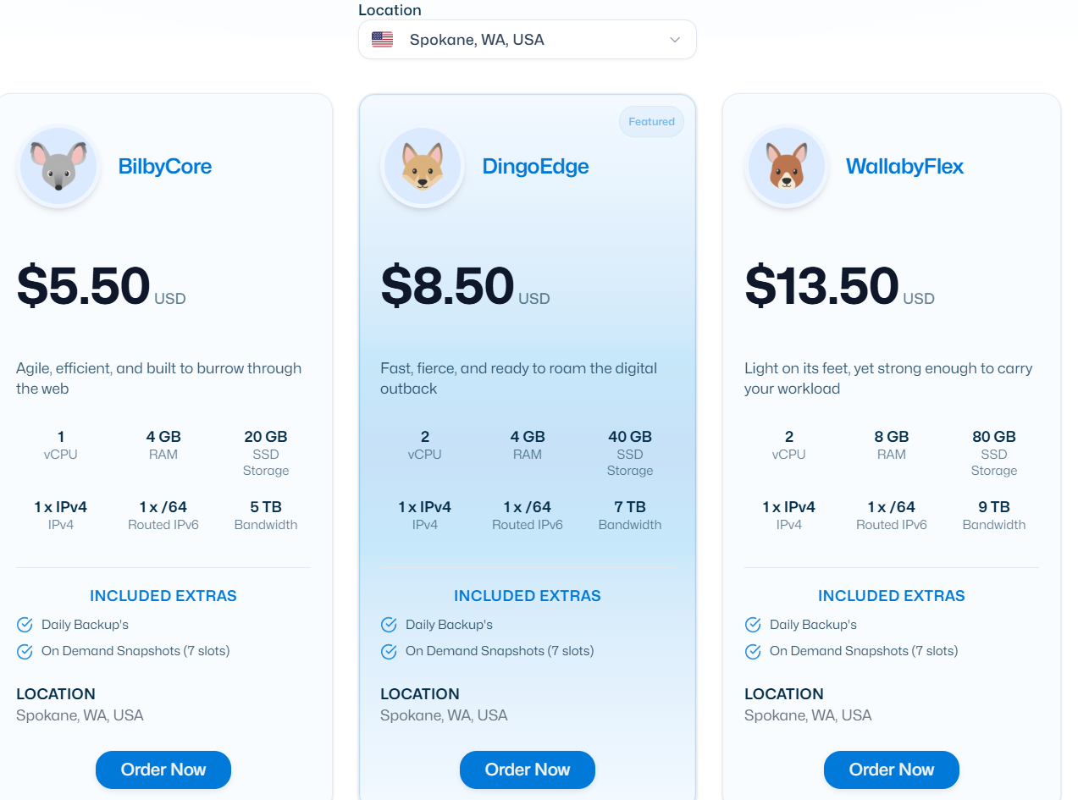
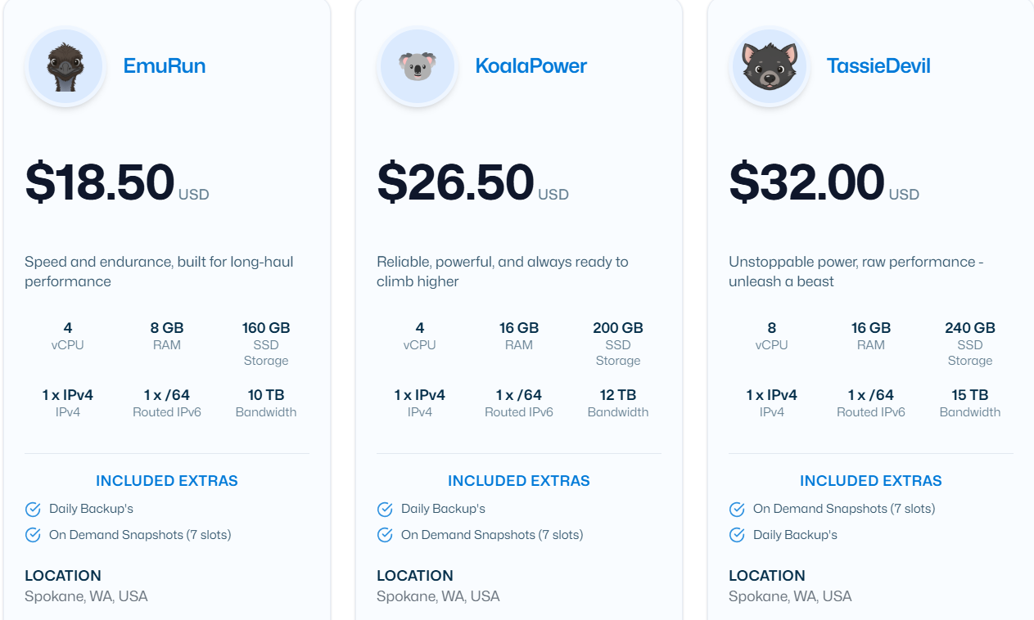

 | HostBilby
https://www.hostbilby.com/value-vps
Windows not supported

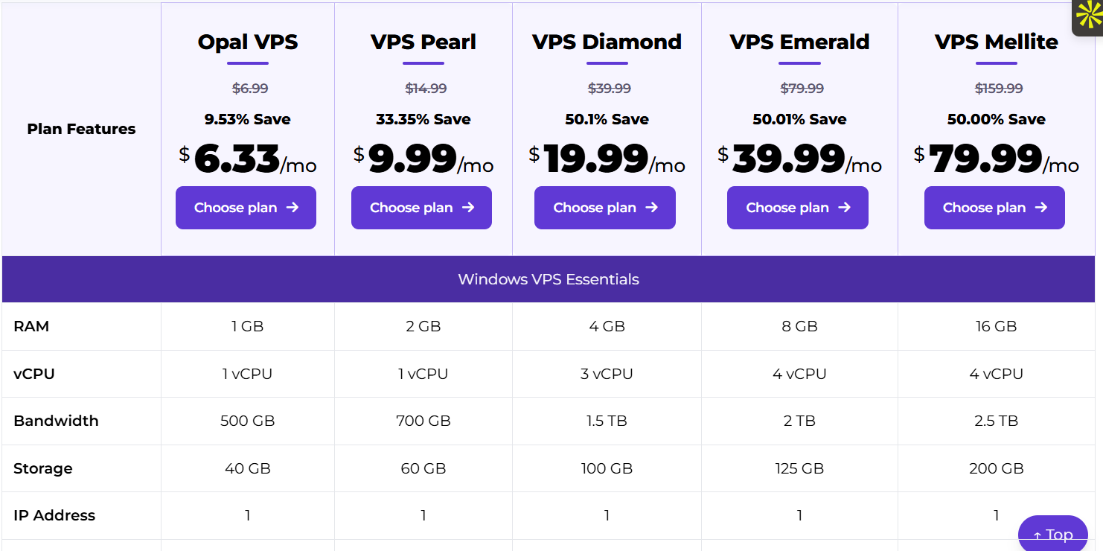
 | ACCU Web Hosting
https://www.accuwebhosting.com/vps-hosting/windows/classic-features-comparison

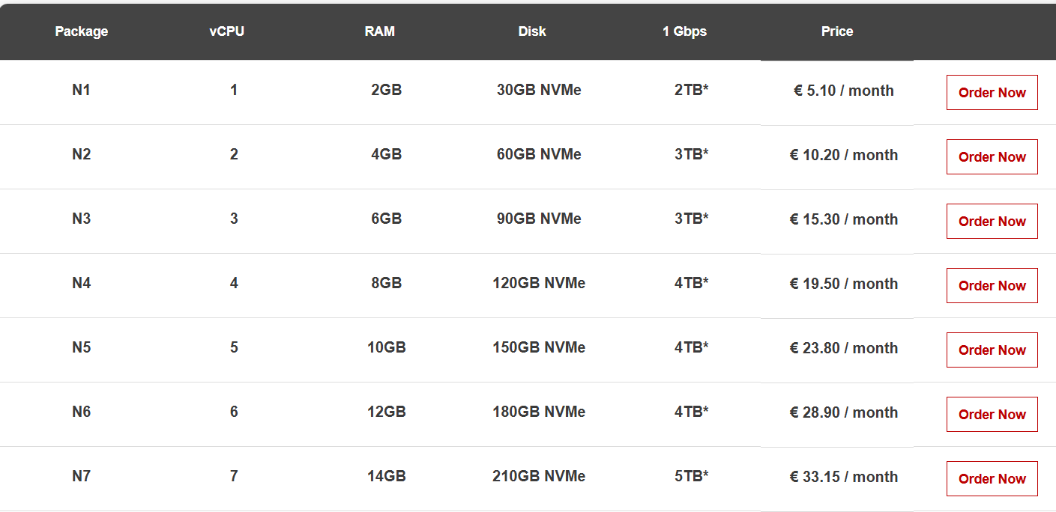

 | MivoCloud
https://mivocloud.com/nvme-vps
Windows pricing
Windows cost extra

 | Nextcloud | Nextcloud Hub combines key Nextcloud products — Files, Talk, Groupware, Office and Assistant — into a single platform, optimizing the flow of collaboration. |  | A CRM type software | Hosted On a server

https://aws.amazon.com/s3/ | Amazon S3 | Amazon Simple Storage Service (Amazon S3) is an object storage service offering industry-leading scalability, data availability, security, and performance. Millions of customers of all sizes and industries store, manage, analyze, and protect any amount of data for virtually any use case, such as data lakes, cloud-native applications, and mobile apps. With cost-effective storage classes and easy-to-use management features, you can optimize costs, organize and analyze data, and configure fine-tuned access controls to meet specific business and compliance requirements. |  | A storage solution

https://www.backblaze.com/cloud-storage | BlackBlaze | A storage solution | Cheeper then Amazon S3

https://r2-calculator.cloudflare.com/ | Cloud Flare R2 | A storage solution | Much cheeper

