Sheet1
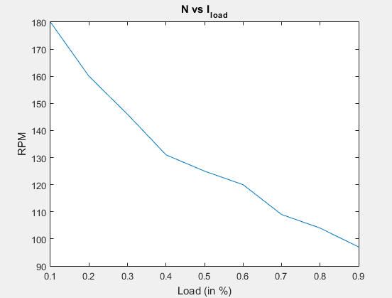
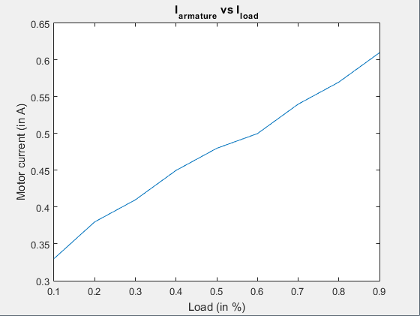
ExpID | 2
2.1 Constant Voltage, RPM vs Load
Constant PWM = 0.3% duty cycle at 60kHz
Load | Generator Terminal Voltage | Load Current (mA) | Generator Induced Voltage = Terminal Voltage + I_load^2 * Ra | RPM | Motor Current (A) | Generator Power (mW) | Motor (at Wheel) Power = Couple efficiency * Generator Power (mW) | Torque (at Wheel) = Power/ Angular velocity (mN-m) | Torque in kgf-cm
0.1 | 6.7 | 0.03 | 6.7081 | 180 | 0.33 | 0.201243 | 0.201243 | 0.010681687898 | 0.108922903
0.2 | 5.8 | 0.06 | 5.8324 | 160 | 0.38 | 0.349944 | 0.349944 | 0.02089633758 | 0.2130833416
0.3 | 4.82 | 0.09 | 4.8929 | 146 | 0.41 | 0.440361 | 0.440361 | 0.028816922607 | 0.29385083105
0.4 | 3.69 | 0.12 | 3.8196 | 131 | 0.45 | 0.458352 | 0.458352 | 0.033428696455 | 0.34087783655
0.5 | 2.9 | 0.15 | 3.1025 | 125 | 0.48 | 0.465375 | 0.465375 | 0.035570063694 | 0.3627137054
0.6 | 2.4 | 0.18 | 2.6916 | 120 | 0.5 | 0.484488 | 0.484488 | 0.03857388535 | 0.39334416174
0.7 | 1.5 | 0.21 | 1.8969 | 109 | 0.54 | 0.398349 | 0.398349 | 0.034916350143 | 0.35604768235
0.8 | 1.03 | 0.24 | 1.5484 | 104 | 0.57 | 0.371616 | 0.371616 | 0.034139147477 | 0.34812242078
0.9 | 0.24 | 0.27 | 0.8961 | 97 | 0.61 | 0.241947 | 0.241947 | 0.02383088187 | 0.24300736542
 |  |  |  |  |  |  | (Say both are equal)

Graph Plots of 2.1
 |  |  |  |  | Three characteristics graph of DC motor
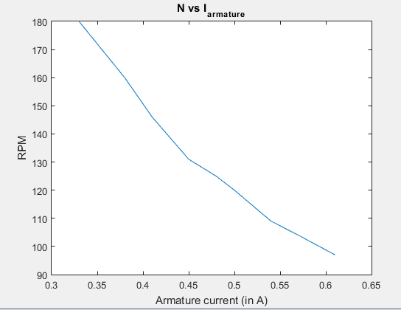
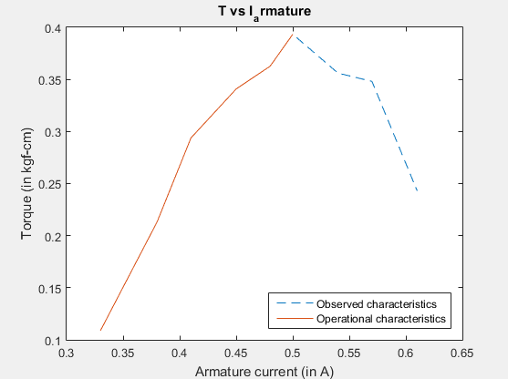
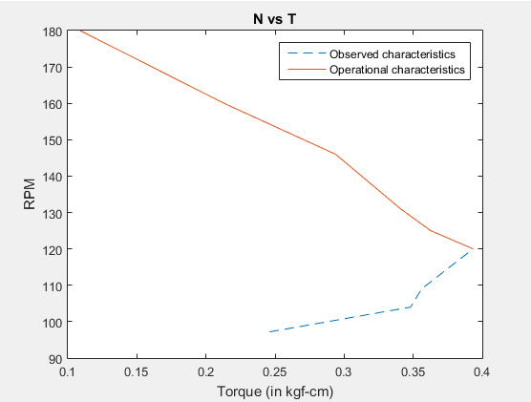

 | N vs Ia : |  |  |  | T vs Ia : |  |  | N vs T
 | Expected : **No idea** (Must be similar to N vs T) |  |  |  | Expected : linear with positive slope |  |  | Expected : Lineaer with negative slope
 | Result : Similar to N vs T |  |  |  | Result : Satisfactory |  |  | Result : Satisfactory
NOTE : The plots ( N vs T & T vs Ia) seem suspicious about their nature. According to it tf the motor load is increased above the point of stall torque its torque decreases

