Sheet1
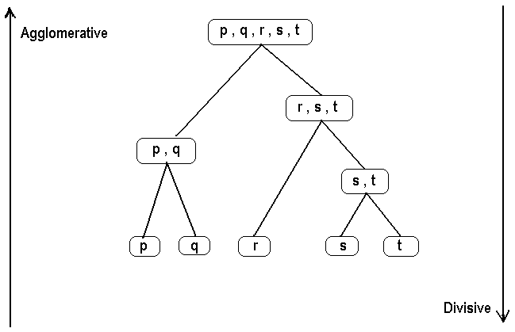
Hierarchichal Clustering
Agglomerative clustering | Row | V1 | V2
 | 1 | 2 | 2
 | 2 | 5.5 | 4
 | 3 | 5 | 5
 | 4 | 1.5 | 2.5
 | 5 | 1 | 1
 | 6 | 7 | 5
 | 7 | 5.75 | 6.5

Dissimilarity Matrix |  | 1 | 2 | 3 | 4 | 5 | 6 | 7
 | 1 | 0 | 4.0311288741 | 4.2426406871 | 0.70710678119 | 1.4142135624 | 5.8309518948 | 5.8576872569
 | 2 | 4.0311288741 | 0 | 1.1180339887 | 4.2720018727 | 5.4083269132 | 1.8027756377 | 2.5124689053
 | 3 | 4.2426406871 | 1.1180339887 | 0 | 4.3011626335 | 5.6568542495 | 2 | 1.6770509831
 | 4 | 0.70710678119 | 4.2720018727 | 4.3011626335 | 0 | 1.5811388301 | 6.0415229868 | 5.836308765
 | 5 | 1.4142135624 | 5.4083269132 | 5.6568542495 | 1.5811388301 | 0 | 7.2111025509 | 7.2672209269
 | 6 | 5.8309518948 | 1.8027756377 | 2 | 6.0415229868 | 7.2111025509 | 0 | 5.153882032
 | 7 | 5.8576872569 | 2.5124689053 | 1.6770509831 | 5.836308765 | 7.2672209269 | 5.153882032 | 0

Hierarichal Clustering: Agglomerative
1. Every point is a unique cluster
2. Points that are close by (similar) should form one cluster
3. Clusters that are close (similar) to each other should be one group (Cluster)
4.We keep on aggregating clusters untill we end up with just one cluster
How to define similar points, clusters?
d(i,j) dissimilarity
d(i,j) = sqrt((x1-x2)^2+(y1-y2)^2) -> Points
Hierarchichal clustering
Step 1

 | {a,b}, c,d,e | 4 clusters |  | Threshold for combining is a dissimilarity of 2
Step 2

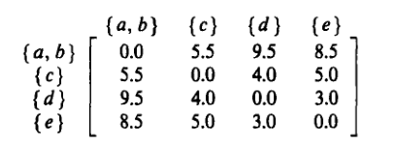

 | {d,e} will be combined |  |  | Threshold for combining is a dissimilarity of 3
 | {d,e},{a,b},c
Step 3

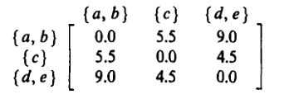

 | Merge c with {d,e} |  |  | Threshold for combining is a dissimilarity of 4.5
Step 4

 | Combine {a,b} with {c,d,e} |  |  | Threshold for combining is a dissimilarity of 7.83
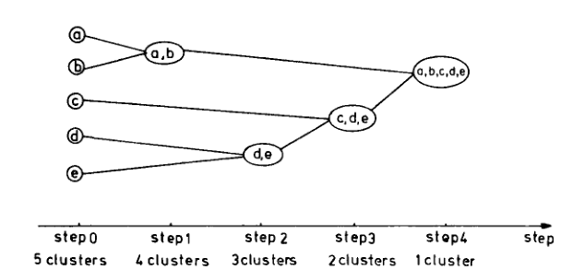

Threshold for combining --> |  |  | 2 |  | 3 | 4.5 |  | 7.83

Different Variations: Depending on how cluster distance is defined
Single linkage

Complete Linkage

 |  |  |  |  |  |  | ankit4685@gmail.com

And many more….

