Duval Triangle
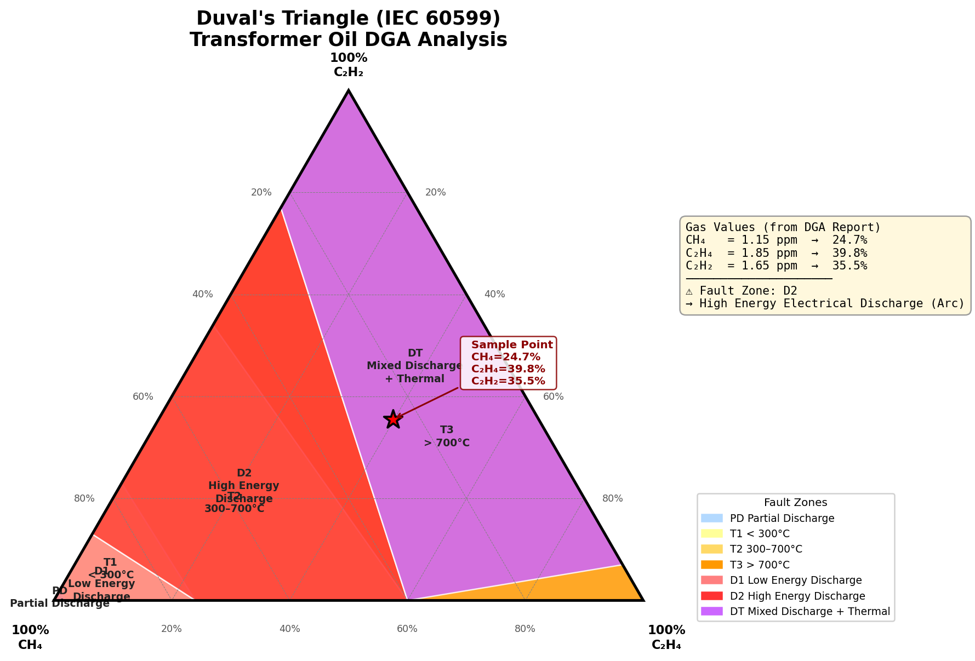
Duval's Triangle — IEC 60599 Fault Zone Analysis

Gas | Value (ppm) | % Contribution
Methane (CH₄) | 1.15 | 24.73%
Ethylene (C₂H₄) | 1.85 | 39.78%
Acetylene (C₂H₂) | 1.65 | 35.48%
Total | 4.65 | 100.00%

Duval Zone | D2 | High Energy Electrical Discharge (Arc)

