Sheet1
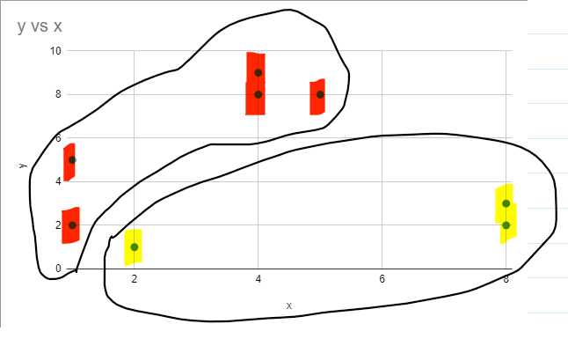
individuals | x | y
A | 1 | 5 |  | c1 | (1,10)
B | 1 | 2 |  | c2 | (5,8)
C | 5 | 8 |  | c3 | (9,2)
D | 4 | 8
E | 4 | 9
F | 8 | 3
G | 8 | 2
H | 2 | 1

1st iteration |  |  |  |  | new cluster
individual | C1 | C2 | C3 |  | individuals | x | y
A | 5 | 5 | 8.544003745 |  | A | 1 | 5 | c1 | (3, 6.4)
B | 8 | 7.211102551 | 8 |  | B | 1 | 2 | c2 | (6, 2)
C | 4.472135955 | 0 | 7.211102551 |  | C | 5 | 8
D | 3.605551275 | 1 | 7.810249676 |  | D | 4 | 8
E | 3.16227766 | 1.414213562 | 8.602325267 |  | E | 4 | 9
F | 9.899494937 | 5.830951895 | 1.414213562 |  | F | 8 | 3
G | 10.63014581 | 6.708203932 | 1 |  | G | 8 | 2
H | 9.055385138 | 7.615773106 | 7.071067812 |  | H | 2 | 1

y vs x
2nd iteration
individual | C1 | C2
A | 2.441311123 | 5.830951895
B | 4.833218389 | 5
C | 2.561249695 | 6.08276253
D | 1.886796226 | 6.32455532
E | 2.785677655 | 7.280109889
F | 6.046486583 | 2.236067977
G | 6.660330322 | 2
H | 5.491812087 | 4.123105626

