Optimal
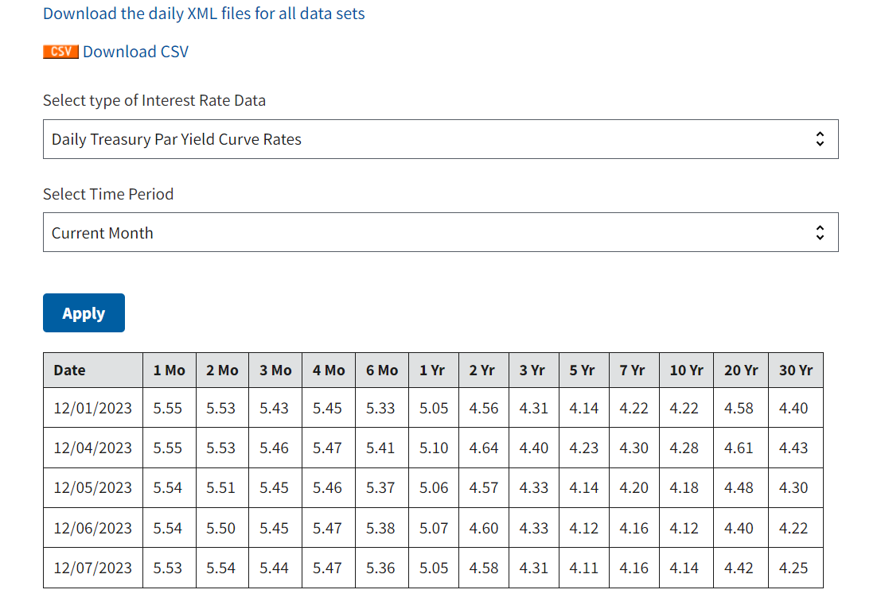
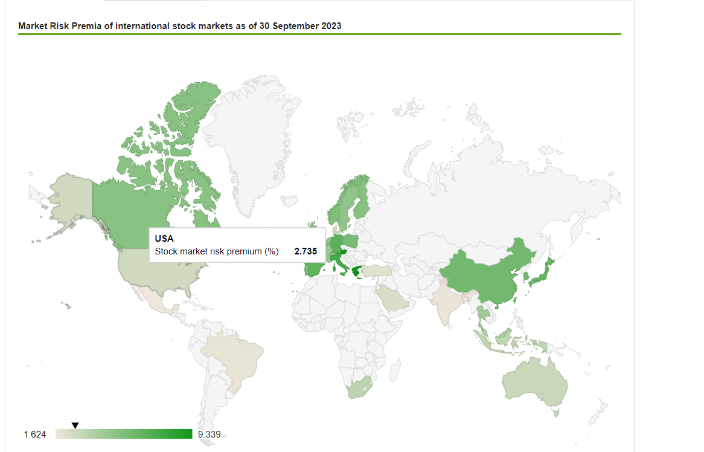
 | Prospective |  |  |  |  | Prospective
 | Annualized |  |  |  |  | Annualized
Ticker | alpha | beta | sigma(e ) | w |  | alpha | beta | sigma(e ) | E(R ) | sigma | slope
MPW | 0.00% | 1.1252054988 | 28.77% | 10.03% | Portfolio | 0.00% | 1.3035 | 9.80% | 8.75% | 25.43% | 0.1266
CLF | 0.00% | 1.7707175899 | 53.18% | 4.62%
RUN | 0.00% | 2.0546549134 | 69.96% | 3.10%
KGC | 0.00% | 0.97302779683 | 46.56% | 3.31%
VFC | 0.00% | 1.3732512747 | 25.31% | 15.81%
GPS | 0.00% | 1.7471753542 | 50.00% | 5.15%
VIAV | 0.00% | 0.94660397899 | 26.94% | 9.62%
IQ | 0.00% | 0.65381438942 | 73.34% | 0.90%
AGI | 0.00% | 1.0851324455 | 39.18% | 5.21%
PLNT | 0.00% | 1.2537088607 | 31.84% | 9.12%
JWN | 0.00% | 1.9945042037 | 59.83% | 4.11%
DEI | 0.00% | 1.0560975207 | 23.76% | 13.80%
MODG | 0.00% | 1.547343011 | 34.36% | 9.66%
MAT | 0.00% | 1.0946179457 | 38.09% | 5.56%
 |  |  |  | 100.00%

rf | 5.53% | Yield on the most recent 1 month Treasury security
MRP | 2.735% | Estimate from market risk premia
E(rM) | 8.27%
sigmaM | 19.00%

Orders
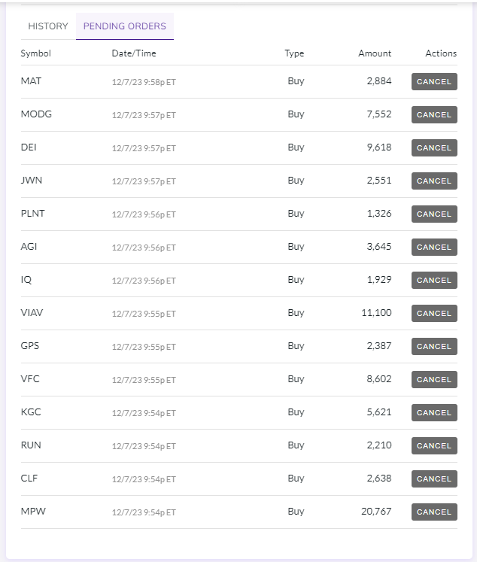
Exhibit A. Table lisitng the stocks, precents and dollars to be invested

Total amount to be Invested: |  |  | $1,000,000

 |  |  |  |  | Orders placed |  |  | Orders Executed
Ticker | Company Name | % to be invested | $ to be invested | Last Trade | Shares (rounded down to the nearest full share) | $ invested | % invested | Trade Price | Commision | $ invested | % invested
 | Cash | 1.00% | $10,000.00 |  |  | $10,000.00 | 1.00% |  |  | $16,051.72 | 1.61%
MPW | Medical Properties Trust, Inc. | 9.93% | $99,266.90 | $4.78 | 20767 | $99,266.90 | 9.93% | $4.75 | $7.00 | $98,650.89 | 9.87%
CLF | Cleveland-Cliffs Inc. | 4.57% | $45,723.04 | $17.33 | 2638 | $45,723.04 | 4.57% | $17.29 | $7.00 | $45,624.51 | 4.56%
RUN | Sunrun Inc. | 3.06% | $30,646.75 | $13.87 | 2210 | $30,646.75 | 3.06% | $13.72 | $7.00 | $30,322.31 | 3.03%
KGC | Kinross Gold Corporation | 3.28% | $32,769.92 | $5.83 | 5621 | $32,769.92 | 3.28% | $5.67 | $7.00 | $31,877.58 | 3.19%
VFC | V.F. Corporation | 15.66% | $156,558.30 | $18.20 | 8602 | $156,558.30 | 15.66% | $18.21 | $7.00 | $156,651.32 | 15.67%
GPS | The Gap, Inc. | 5.10% | $51,013.77 | $21.37 | 2387 | $51,013.77 | 5.10% | $21.33 | $7.00 | $50,925.28 | 5.09%
VIAV | Viavi Solutions Inc. | 9.52% | $95,241.41 | $8.58 | 11100 | $95,241.41 | 9.52% | $8.55 | $7.00 | $94,915.40 | 9.49%
IQ | iQIYI, Inc. | 0.89% | $8,874.33 | $4.60 | 1929 | $8,874.33 | 0.89% | $4.57 | $7.00 | $8,823.45 | 0.88%
AGI | Alamos Gold Inc. | 5.16% | $51,614.13 | $14.16 | 3645 | $51,614.13 | 5.16% | $13.73 | $7.00 | $50,053.75 | 5.01%
PLNT | Planet Fitness, Inc. | 9.03% | $90,265.37 | $68.05 | 1326 | $90,265.37 | 9.03% | $68.06 | $7.00 | $90,285.64 | 9.03%
JWN | Nordstrom, Inc. | 4.07% | $40,687.15 | $15.95 | 2551 | $40,687.15 | 4.07% | $15.85 | $7.00 | $40,439.06 | 4.04%
DEI | Douglas Emmett, Inc. | 13.66% | $136,574.31 | $14.20 | 9618 | $136,574.31 | 13.66% | $14.07 | $7.00 | $135,330.98 | 13.53%
MODG | Topgolf Callaway Brands Corp. | 9.57% | $95,681.28 | $12.67 | 7552 | $95,681.28 | 9.57% | $12.60 | $7.00 | $95,159.65 | 9.52%
MAT | Mattel, Inc. | 5.51% | $55,083.33 | $19.10 | 2884 | $55,083.33 | 5.51% | $19.03 | $7.00 | $54,888.45 | 5.49%
 |  | 100.00% | $1,000,000.00 |  |  | $1,000,000.00 | 100.00% |  | $98.00 | $1,000,000.00 | 100.00%

