Dashboard
 | Sum of Money Spent ($) | Sum of Returns
AUSTRALIA | 1060.5 | 0
CANADA | 1179.5 | 298.67873303
SINGAPORE | 2174.5 | 162.54545455
UK | 10.75 | 0
UNITED KINGDOM | 3970.35 | 459.02564103
UNITED STATES | 14232.65 | 2895.324435
US | 11.25 | 0
USA | 75.75 | 0
Category wise profitability
 | Total
Class Registration | 637.26388509
Fitness | 105.6
Membership Management | 183.38461538
Parks and Recreation | 2000
Reservations | 260.93687708
Scheduling | 628.3888861

Channel wise Retuns
 | Total
Capterra | 3196.7885494
GetApp | 170.28571429
Software Advice | 448.5

Month / Week wise Time Series Analysis Google
 | Sum of Cost ($) | Sum of Clicks | Sum of Impressions | Sum of Payment ($) | Sum of Leads | Sum of Prospects
5 | 154.79 | 15 | 319 | 2168 | 1 | 2
6 | 192.58 | 19 | 373 |  | 0 | 1
7 | 216.13 | 21 | 364 | 980 | 0 | 1
8 | 235.3 | 35 | 671 | 1788 | 0 | 2
9 | 190.9 | 22 | 478 |  | 0 | 1
10 | 141.4 | 14 | 407 | 980 | 0 | 1
11 | 258.2 | 34 | 503 |  | 3 | 1
12 | 184.36 | 22 | 468 |  | 1 | 0
13 | 308.73 | 46 | 659 | 2388 | 1 | 4
14 | 172.11 | 39 | 586 |  | 0 | 0
15 | 176.96 | 29 | 461 |  | 2 | 0
16 | 137.21 | 24 | 324 | 2388 | 1 | 4
17 | 87.38 | 19 | 328 |  | 1 | 1
18 | 103.26 | 17 | 487 |  | 1 | 0
19 | 229.37 | 31 | 537 | 1188 | 1 | 3
Month / Week wise Time Series Analysis Listing site
 | Sum of Money Spent ($) | Sum of Clicks | Sum of Leads | Sum of Prospects
1 | 162.25 | 21
2 | 1047.25 | 137 | 3
3 | 1479 | 187 | 14 | 7
4 | 1476 | 188 | 14 | 3
5 | 344 | 59 | 4 | 2
6 | 56.25 | 7 | 1
6 | 1025 | 141 | 10 | 4
7 | 1644 | 201 | 17 | 1
8 | 1181.75 | 165 | 8 | 4
9 | 624.75 | 109 | 7 | 1
10 | 55.4 | 6
10 | 560 | 87 | 9 | 6
11 | 725.75 | 102 | 12 | 4
12 | 706.3 | 93 | 8 | 4
13 | 572.2 | 73 | 8 | 1
14 | 445.3 | 47 | 1 | 1
15 | 21.5 | 2
16 | 441.25 | 58 | 5 | 3
17 | 479.25 | 70 | 4 | 1
18 | 841.5 | 91 | 7 | 2
19 | 85.25 | 8 | 1 | 1
23 | 110.5 | 12 | 2
28 | 91.5 | 10 | 1
32 | 103.25 | 14 | 4 | 4
36 | 68 | 8
41 | 38.25 | 7 | 1
43 | 24 | 12
44 | 277.5 | 67
45 | 645.5 | 65 | 3 | 3
46 | 2593 | 209 | 4
47 | 266.5 | 63 | 1
48 | 378.75 | 43 | 1 | 1
49 | 153.75 | 19
49 | 468.25 | 60 | 3
50 | 809.85 | 96 | 6 | 3
51 | 786.3 | 96 | 4 | 3
52 | 1164.5 | 140 | 4 | 2
53 | 761.9 | 101 | 5 | 3

Keyword wise profitability
 | Total
pool reservation system | 25.567440647
reservation management system | 233.54851956
yoga studio booking software | 49.513730592
yoga studio software | 18.093207432

Steps Followed
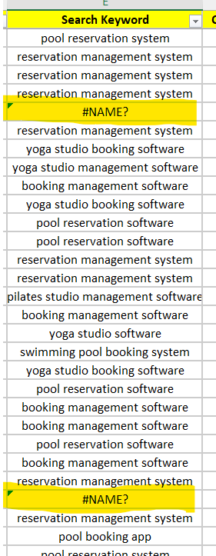
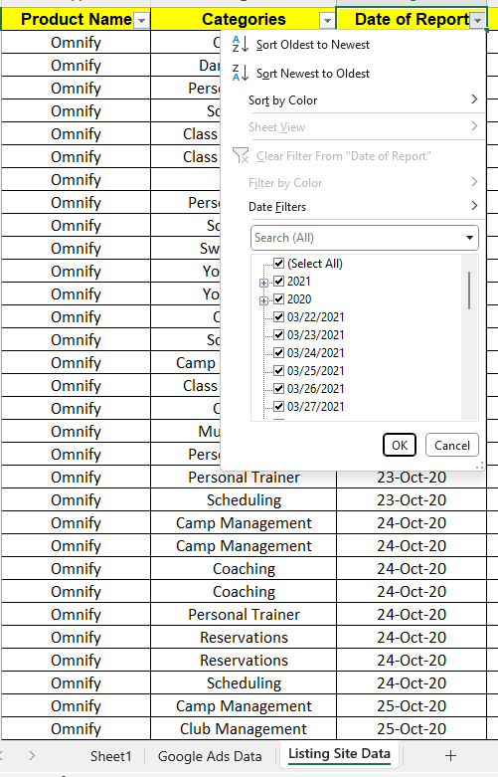
Sr no | Step
1 | Understood the dataset
2 | Alignment & Formating correctly
3 | Clean the dataset / Formatting the dataset
3A | Checked each column by using filter option weather datset is in correct format or is there any differences
3B | Date column wether they all rows are in correct format
3C | Like thuis checked all columns by using filter & found in "Search Keyword" column there was data where formula was wrongly applied due to which what data was not coming in output (#NAME?)
3D | Used formula =TEXT(A1, "dd-mmm-yy") to correct the date format
4 | Added "Returns" column in both datasheet
5 | Added $ sign in both sheets where cost is involved since it is US data
6 | Started with finding insights as per instruction

Profitable channel
Channel wise Retuns

Row Labels | Sum of Returns
Capterra | 3196.7885494
GetApp | 170.28571429
Software Advice | 448.5
Grand Total | 3815.5742637

Keyword wise profitability
Keyword wise profitability

Row Labels | Sum of Returns
pool reservation system | 25.567440647
reservation management system | 233.54851956
yoga studio booking software | 49.513730592
yoga studio software | 18.093207432
Grand Total | 326.72289824

Category wise profitability
Category wise profitability

Row Labels | Sum of Returns
Class Registration | 637.26388509
Fitness | 105.6
Membership Management | 183.38461538
Parks and Recreation | 2000
Reservations | 260.93687708
Scheduling | 628.3888861
Grand Total | 3815.5742637

Impact of geography
Row Labels | Sum of Money Spent ($) | Sum of Returns
AUSTRALIA | 1060.5 | 0
CANADA | 1179.5 | 298.67873303
SINGAPORE | 2174.5 | 162.54545455
UK | 10.75 | 0
UNITED KINGDOM | 3970.35 | 459.02564103
UNITED STATES | 14232.65 | 2895.324435
US | 11.25 | 0
USA | 75.75 | 0
Grand Total | 22715.25 | 3815.5742637

Google ads Time series graphs
Row Labels | Sum of Cost ($) | Sum of Clicks | Sum of Impressions | Sum of Payment ($) | Sum of Leads | Sum of Prospects
Jan
5 | 154.79 | 15 | 319 | 2168 | 1 | 2
Feb
6 | 192.58 | 19 | 373 |  | 0 | 1
7 | 216.13 | 21 | 364 | 980 | 0 | 1
8 | 235.3 | 35 | 671 | 1788 | 0 | 2
9 | 190.9 | 22 | 478 |  | 0 | 1
Mar
10 | 141.4 | 14 | 407 | 980 | 0 | 1
11 | 258.2 | 34 | 503 |  | 3 | 1
12 | 184.36 | 22 | 468 |  | 1 | 0
13 | 308.73 | 46 | 659 | 2388 | 1 | 4
14 | 172.11 | 39 | 586 |  | 0 | 0
Apr
15 | 176.96 | 29 | 461 |  | 2 | 0
16 | 137.21 | 24 | 324 | 2388 | 1 | 4
17 | 87.38 | 19 | 328 |  | 1 | 1
18 | 103.26 | 17 | 487 |  | 1 | 0
Month / Week wise Time Series Analysis
 | Sum of Cost ($) | Sum of Clicks | Sum of Impressions | Sum of Payment ($) | Sum of Leads | Sum of Prospects
5 | 154.79 | 15 | 319 | 2168 | 1 | 2
6 | 192.58 | 19 | 373 |  | 0 | 1
7 | 216.13 | 21 | 364 | 980 | 0 | 1
8 | 235.3 | 35 | 671 | 1788 | 0 | 2
9 | 190.9 | 22 | 478 |  | 0 | 1
10 | 141.4 | 14 | 407 | 980 | 0 | 1
11 | 258.2 | 34 | 503 |  | 3 | 1
12 | 184.36 | 22 | 468 |  | 1 | 0
13 | 308.73 | 46 | 659 | 2388 | 1 | 4
14 | 172.11 | 39 | 586 |  | 0 | 0
15 | 176.96 | 29 | 461 |  | 2 | 0
16 | 137.21 | 24 | 324 | 2388 | 1 | 4
17 | 87.38 | 19 | 328 |  | 1 | 1
18 | 103.26 | 17 | 487 |  | 1 | 0
19 | 229.37 | 31 | 537 | 1188 | 1 | 3
May
19 | 229.37 | 31 | 537 | 1188 | 1 | 3
Grand Total | 2788.68 | 387 | 6965 | 11880 | 12 | 21

Listing Site Time series graphs
Row Labels | Sum of Money Spent ($) | Sum of Clicks | Sum of Leads | Sum of Prospects
Jan
1 | 162.25 | 21
2 | 1047.25 | 137 | 3
3 | 1479 | 187 | 14 | 7
4 | 1476 | 188 | 14 | 3
5 | 344 | 59 | 4 | 2
6 | 56.25 | 7 | 1
Feb
6 | 1025 | 141 | 10 | 4
7 | 1644 | 201 | 17 | 1
8 | 1181.75 | 165 | 8 | 4
9 | 624.75 | 109 | 7 | 1
10 | 55.4 | 6
Mar
10 | 560 | 87 | 9 | 6
11 | 725.75 | 102 | 12 | 4
12 | 706.3 | 93 | 8 | 4
13 | 572.2 | 73 | 8 | 1
14 | 445.3 | 47 | 1 | 1
Apr
15 | 21.5 | 2
16 | 441.25 | 58 | 5 | 3
17 | 479.25 | 70 | 4 | 1
18 | 841.5 | 91 | 7 | 2
May
19 | 85.25 | 8 | 1 | 1
Jun
23 | 110.5 | 12 | 2
Jul
28 | 91.5 | 10 | 1
Aug
32 | 103.25 | 14 | 4 | 4
Sep
36 | 68 | 8
Oct
41 | 38.25 | 7 | 1
43 | 24 | 12
44 | 277.5 | 67
Nov
45 | 645.5 | 65 | 3 | 3
46 | 2593 | 209 | 4
47 | 266.5 | 63 | 1
48 | 378.75 | 43 | 1 | 1
49 | 153.75 | 19
Dec
49 | 468.25 | 60 | 3
50 | 809.85 | 96 | 6 | 3
51 | 786.3 | 96 | 4 | 3
52 | 1164.5 | 140 | 4 | 2
53 | 761.9 | 101 | 5 | 3
Month / Week wise Time Series Analysis
 | Sum of Money Spent ($) | Sum of Clicks | Sum of Leads | Sum of Prospects
1 | 162.25 | 21
2 | 1047.25 | 137 | 3
3 | 1479 | 187 | 14 | 7
4 | 1476 | 188 | 14 | 3
5 | 344 | 59 | 4 | 2
6 | 56.25 | 7 | 1
6 | 1025 | 141 | 10 | 4
7 | 1644 | 201 | 17 | 1
8 | 1181.75 | 165 | 8 | 4
9 | 624.75 | 109 | 7 | 1
10 | 55.4 | 6
10 | 560 | 87 | 9 | 6
11 | 725.75 | 102 | 12 | 4
12 | 706.3 | 93 | 8 | 4
13 | 572.2 | 73 | 8 | 1
14 | 445.3 | 47 | 1 | 1
15 | 21.5 | 2
16 | 441.25 | 58 | 5 | 3
17 | 479.25 | 70 | 4 | 1
18 | 841.5 | 91 | 7 | 2
19 | 85.25 | 8 | 1 | 1
23 | 110.5 | 12 | 2
28 | 91.5 | 10 | 1
32 | 103.25 | 14 | 4 | 4
36 | 68 | 8
41 | 38.25 | 7 | 1
43 | 24 | 12
44 | 277.5 | 67
45 | 645.5 | 65 | 3 | 3
46 | 2593 | 209 | 4
47 | 266.5 | 63 | 1
48 | 378.75 | 43 | 1 | 1
49 | 153.75 | 19
49 | 468.25 | 60 | 3
50 | 809.85 | 96 | 6 | 3
51 | 786.3 | 96 | 4 | 3
52 | 1164.5 | 140 | 4 | 2
53 | 761.9 | 101 | 5 | 3
Grand Total | 22715.25 | 2874 | 172 | 64

