Sheet1
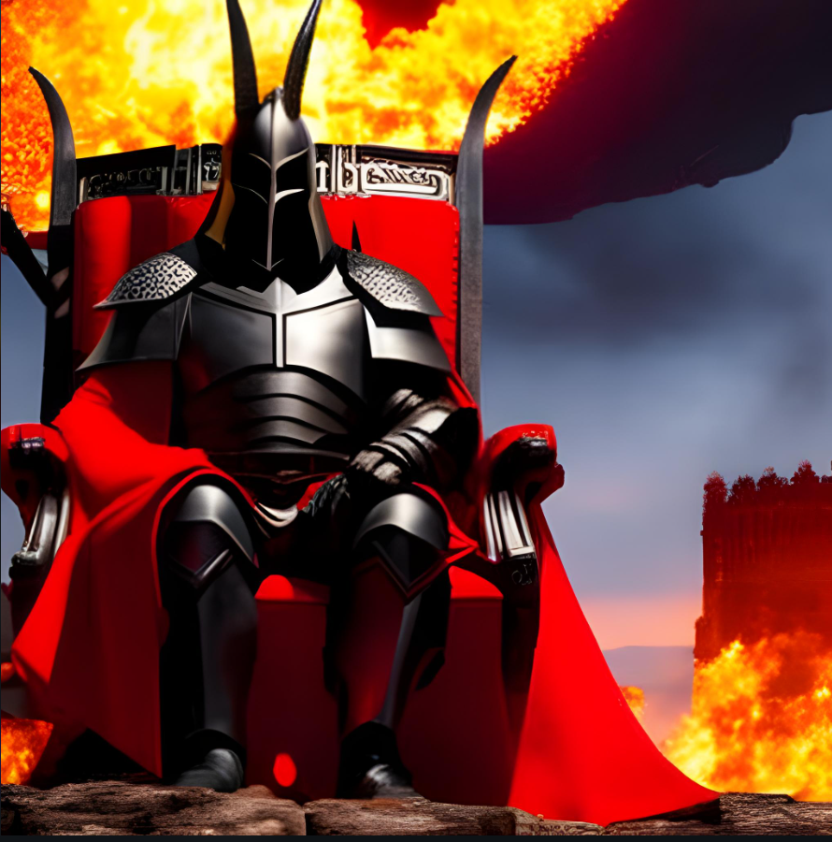


Morgarath the Conqueror |  | Lilithra, the Veiled Mistress


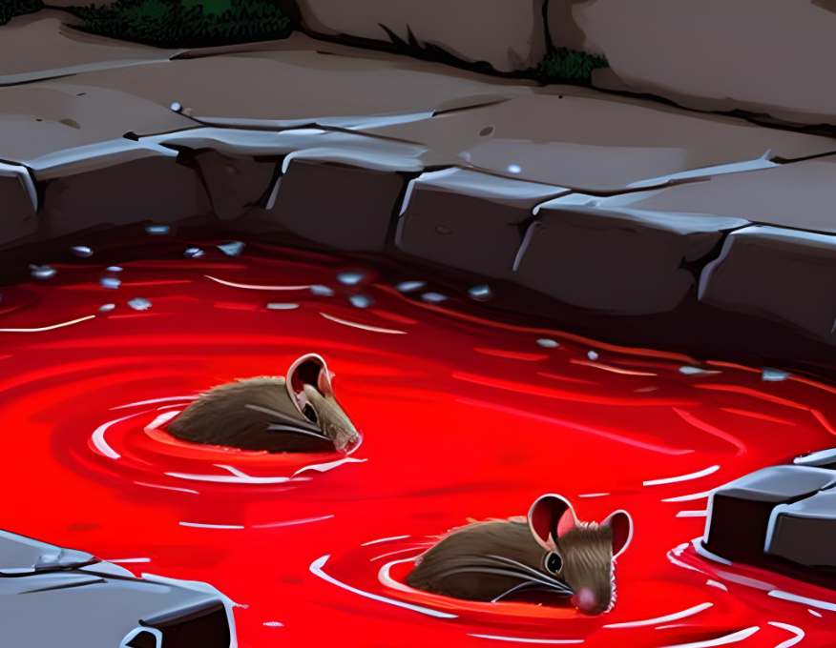
 | The Morgarath Plague

