Dashboard
Dismissals:
Dismissals is when the team player returns back to pavilion post playing his part. This can be because of wicket taken in multiple forms.
INDIAN BATSMEN
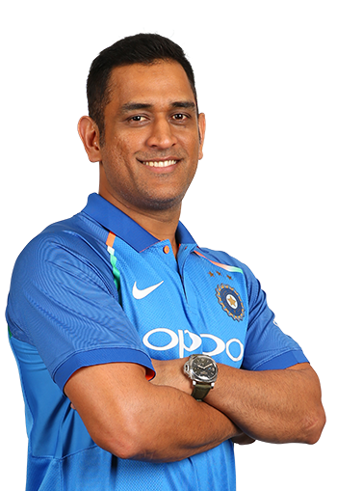

V/S
Batting Average:
A players batting average is the total number of runs they scored divided by the number of times they were out. Averages are usually represented in 2 dcimal places.
LEFT ARM PACE

Left Arm Pace:
Pace bowlers or fast bowlers rely on speed to get a batsmen out. These type
of bowlers can be further classified on the basis of average speed which they
bowl. Most of them are Medium Fast to Fast in international level cricket.

Batting average
 | Batting average
MS Dhoni | 24.77
Kedar Jadhav | 62
Rohit Sharma | 51.9
Shikhar Dhawan | 34.4
Virat Kohli | 100
Dismissals
 | Dismissals
MS Dhoni | 9
Kedar Jadhav | 1
Rohit Sharma | 10
Shikhar Dhawan | 12
Virat Kohli | 5

