part 2
 | Energy consumption per capita in KWh/year

Per capita energy usage in different countries in kwh
 | Countries | My value | Std. value | in MJ
1 | INDIA | 4774 | 6924 | 24926.4
2 | UK |  | 32250 | 116100 | Country | enrgy usage in kwh | energy usage in MJ
3 | USA |  | 79897 | 287629.2 | Myself | 4774 | 17189.85
4 | ITALY |  | 29239 | 105260.4 | India | 6924 | 24926.24
5 | GERMANY |  | 43703 | 157330.8 | USA | 79897 | 287629.2
6 | FRANCE |  | 41281 | 148611.6 | China | 27452 | 98827.2
7 | JAPAN |  | 40889 | 147200.4 | Ethiopia | 777 | 2797.2
8 | CANADA |  | 105540 | 379944
9 | EGYPT |  | 10753 | 38710.8
10 | CONGO |  | 5659 | 20372.4
11 | KENYA |  | 1906 | 6861.6
12 | SOUTH AFRICA |  | 25620 | 92232
13 | NIGERIA |  | 473 | 1702.8
14 | CHINA |  | 27452 | 98827.2
15 | THAILAND |  | 22399 | 80636.4
16 | VIETNAM |  | 11862 | 42703.2
17 | BANGLADESH |  | 2995 | 10782
Per capita energy usage in different countries in MJ
18 | IRAN |  | 41354 | 148874.4
19 | NEPAL |  | 1721 | 6195.6
20 | PAKISTAN |  | 4567 | 16441.2
21 | SRILANKA |  | 4672 | 16819.2
22 | UAE |  | 137318 | 494344.8
23 | MEXICO |  | 16811 | 60519.6
24 | BRAZIL |  | 16325 | 58770
25 | ARGENTINA |  | 21480 | 77328
26 | ETHIOPIA |  | 777 | 2797.2
27 | LIBERIA |  | 1038 | 3736.8
28 | UGANDA |  | 716 | 2577.6
29 | CAMBODIA |  | 2933 | 10558.8
30 | BHUTAN |  | 33586 | 120909.6
31 | AFGHANISTAN |  | 1010 | 3636

part 3
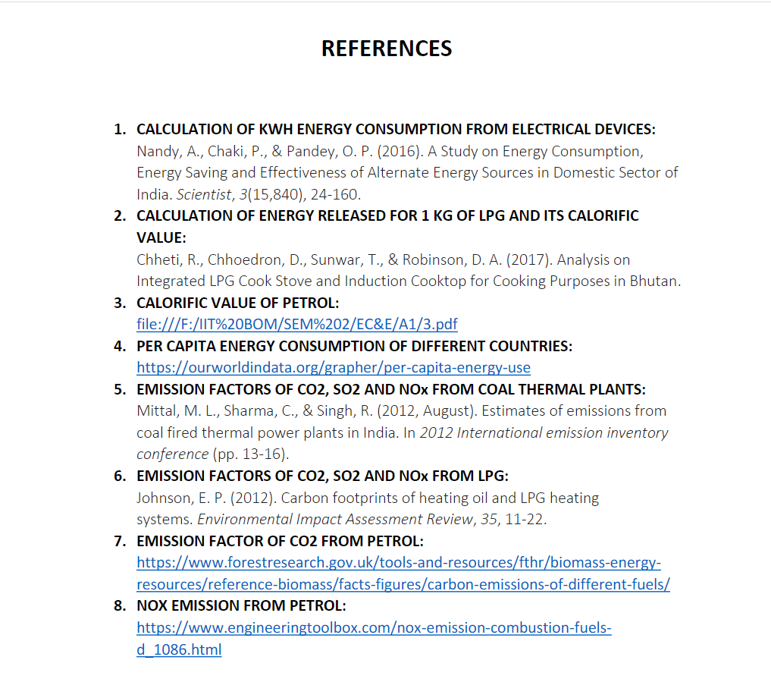
 |  | AVERAGE POLLUTANT EMISSIONS PER YEAR in kg

Typical values | CO2 kg/kwh | SO2 g/kwh | NOx g/kwh
ELECTRICITY | 0.85 | 8.04 | 2.42
COOKING | 0.2272 | 0.0007 | 0.1692 |  | petrol:
 | CO2 g/gallon of petrol | SO2 kg/L | NOx (kg/L) of petrol |  | 1 gallon | 3.78 | Litres
TRANSPORTATION | 8887 | 0.00024 | 0.013 |  | Total petrol consumed in a year | 14 | Litres

 | Energy in kwh |  | ELECTRICITY | COOKING | TRANSPORTATION | TOTAL
ELECTRICITY | 4140.136998 | CO2 | 3519.1164483 | 107.37427652 | 32.914814815 | 3659.4055396 | kg/year
COOKING | 472.59804805 | SO2 | 33.286701464 | 0.00033081863363 | 0.00336 | 33.290392283 | kg/year
TRANSPORTATION | 162.22222222 | Nox | 10.019131535 | 0.079963589729 | 0.182 | 10.099095125 | kg/year
 |  |  |  |  | TOTAL | 3702.795027 | kg/year

References

emissions from electricity | Moti.L.Mittal, Department of Environment and occupational health
emissions from cooking | Eric.P.Johnson,2012, Carbon footprints of heating oil and LPG heating systems
emissions from transportation CO2 | https://www.epa.gov/greenvehicles/greenhouse-gas-emissions-typical-passenger-vehicle
NOx | http://www.orientjchem.org/vol35no1/the-main-components-of-vehicle-exhaust-gases-and-their-effective-catalytic-neutralization/#:~:text=The%20exhaust%20gases%20of%20vehicles,1%20liter%20of%20fuel%20(tab.

