Cat
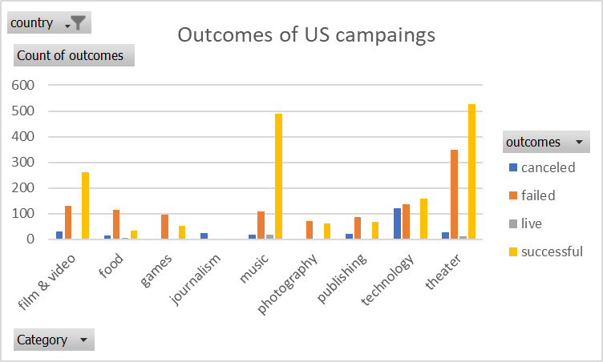
country | US

Count of outcomes | Column Labels
Row Labels | canceled | failed | live | successful | Grand Total
theater | 26 | 349 | 12 | 525 | 912
Grand Total | 26 | 349 | 12 | 525 | 912
Outcomes of US campaings

Sub
Category | (All)
country | GB

Count of outcomes | Column Labels
Row Labels | failed | live | successful | Grand Total
plays | 70 | 6 | 238 | 314
Grand Total | 70 | 6 | 238 | 314

Theater Outcomes by Launch Date
Category | theater
Years | (All)

Count of outcomes | Column Labels
Row Labels | successful | failed | canceled | live | Grand Total
Jan | 56 | 36 | 3 | 1 | 96
Feb | 80 | 34 | 3 | 7 | 124
Mar | 61 | 36 | 2 | 7 | 106
Apr | 64 | 42 | 2 |  | 108
May | 110 | 52 | 5 | 1 | 168
Jun | 96 | 50 | 4 | 1 | 151
Jul | 85 | 53 | 3 | 2 | 143
Aug | 75 | 47 | 3 | 1 | 126
Sep | 56 | 32 | 5 |  | 93
Theater Outcomes Based on Launch Date
 | successful | failed | canceled | live
Jan | 56 | 36 | 3 | 1
Feb | 80 | 34 | 3 | 7
Mar | 61 | 36 | 2 | 7
Apr | 64 | 42 | 2
May | 110 | 52 | 5 | 1
Jun | 96 | 50 | 4 | 1
Jul | 85 | 53 | 3 | 2
Aug | 75 | 47 | 3 | 1
Sep | 56 | 32 | 5
Oct | 65 | 43 | 4
Nov | 57 | 32 | 1 | 2
Dec | 34 | 36 | 2 | 2
Oct | 65 | 43 | 4 |  | 112
Nov | 57 | 32 | 1 | 2 | 92
Dec | 34 | 36 | 2 | 2 | 74
Grand Total | 839 | 493 | 37 | 24 | 1393

Outcomes Based on Goals
Goal | Number Successful | Number Failed | Number Canceled | Total Projects | Percentage Succesful | Percentage Failed | Percentage Canceled
Less Than 1000 | 322 | 113 | 18 | 453 | 71.08% | 24.94% | 3.97%
1000 to 4999 | 932 | 420 | 60 | 1412 | 66.01% | 29.75% | 4.25%
5000 to 9999 | 381 | 283 | 52 | 716 | 53.21% | 39.53% | 7.26%
10000 to 14999 | 168 | 144 | 40 | 352 | 47.73% | 40.91% | 11.36%
15000 to 19999 | 94 | 90 | 17 | 201 | 46.77% | 44.78% | 8.46%
20000 to 24999 | 62 | 72 | 14 | 148 | 41.89% | 48.65% | 9.46%
25000 to 29999 | 55 | 64 | 18 | 137 | 40.15% | 46.72% | 13.14%
30000 to 34999 | 32 | 37 | 13 | 82 | 39.02% | 45.12% | 15.85%
35000 to 39999 | 26 | 22 | 7 | 55 | 47.27% | 40.00% | 12.73%
40000 to 44999 | 21 | 16 | 6 | 43 | 48.84% | 37.21% | 13.95%
45000 to 49999 | 6 | 11 | 4 | 21 | 28.57% | 52.38% | 19.05%
50000 or More | 86 | 258 | 100 | 444 | 19.37% | 58.11% | 22.52%
Outcomes Based on Goal

 |  |  |  |  |  |  |  | Outcomes_vs_Goals

