Cat
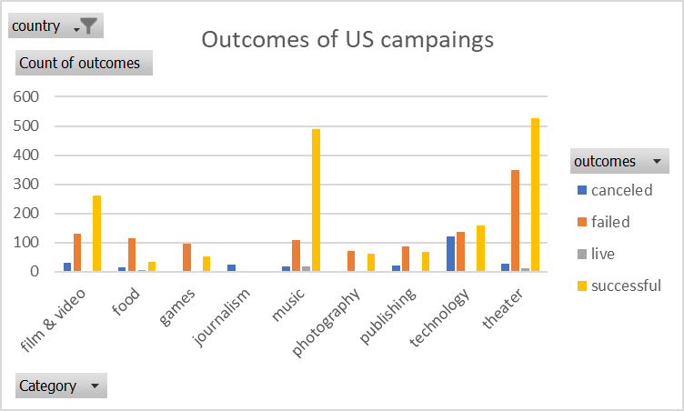
country | US

Count of outcomes | Column Labels
Row Labels | canceled | failed | live | successful | Grand Total
theater | 26 | 349 | 12 | 525 | 912
Grand Total | 26 | 349 | 12 | 525 | 912
Outcomes of US campaings

Sub
Category | (All)
country | GB

Count of outcomes | Column Labels
Row Labels | failed | live | successful | Grand Total
plays | 70 | 6 | 238 | 314
Grand Total | 70 | 6 | 238 | 314

Sheet7
Category | theater
Years | (All)

Count of outcomes | Column Labels
Row Labels | canceled | failed | live | successful | Grand Total
Jan | 3 | 36 | 1 | 56 | 96
Feb | 3 | 34 | 7 | 80 | 124
Mar | 2 | 36 | 7 | 61 | 106
Apr | 2 | 42 |  | 64 | 108
May | 5 | 52 | 1 | 110 | 168
Jun | 4 | 50 | 1 | 96 | 151
Jul | 3 | 53 | 2 | 85 | 143
Aug | 3 | 47 | 1 | 75 | 126
Sep | 5 | 32 |  | 56 | 93
Oct | 4 | 43 |  | 65 | 112
Nov | 1 | 32 | 2 | 57 | 92
Dec | 2 | 36 | 2 | 34 | 74
Grand Total | 37 | 493 | 24 | 839 | 1393

 | canceled | failed | live | successful
Jan | 3 | 36 | 1 | 56
Feb | 3 | 34 | 7 | 80
Mar | 2 | 36 | 7 | 61
Apr | 2 | 42 |  | 64
May | 5 | 52 | 1 | 110
Jun | 4 | 50 | 1 | 96
Jul | 3 | 53 | 2 | 85
Aug | 3 | 47 | 1 | 75
Sep | 5 | 32 |  | 56
Oct | 4 | 43 |  | 65
Nov | 1 | 32 | 2 | 57
Dec | 2 | 36 | 2 | 34

