Sheet1
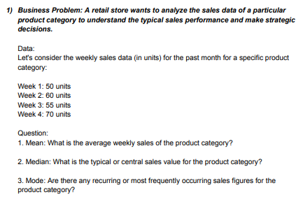

50 |  |  | Mean | 58.75
60 |  |  | Median | 57.5
55 |  |  | Min | 50
70 |  |  | Max | 70
 |  |  | Mode | #N/A


15 | 10
25 | 25
30 | 20
10 | 10 |  |  | MEAN | 17
15 | 15 |  |  | MEDIAN | 15
15 | 25 |  |  | MODE | 10
20 | 20
10 | 10
15 | 10
20 | 20

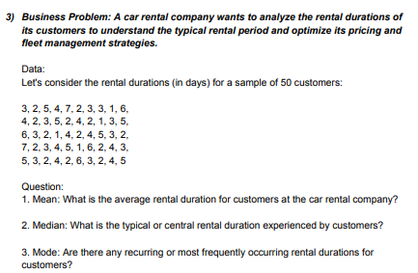

 | 3 | 2 | 3 | 5 |  | MEAN | 3.44
 | 2 | 4 | 2 | 2 |  | MODE | 2
 | 5 | 2 | 7 | 2 |  | MEDIAN | 3
 | 4 | 1 | 2 | 4
 | 7 | 3 | 3 | 5
 | 2 | 5 | 4 | 4
 | 3 | 6 | 5 | 3
 | 3 | 3 | 1 | 5
 | 1 | 2 | 6 | 3
 | 6 | 1 | 2 | 2
 | 4 | 4 | 4 | 6
 | 2 | 2 | 3
 | 3 | 4 | 5


 | 120 |  | RANGE | 35 |  | MIN | 105
 | 110 |  | VARIANCE | 123.33333333 |  | MAX | 140
 | 130 |  | S.D | 11.105554166
 | 115
 | 125
 | 105
 | 135
 | 115
 | 125
 | 140

 | 500 | 800 | 700 |  | MIN | 400
 | 700 | 450 | 600 |  | MAX | 800
 | 400 | 700 | 500
 | 600 | 550 | 800
 | 550 | 600 | 550 |  | RANGE | 400
 | 750 | 400 | 650 |  | VARIANCE | 13163.793103
 | 650 | 650 | 400 |  | S.D | 114.73357444
 | 500 | 500 | 600
 | 600 | 750 | 750
 | 550 | 550 | 550

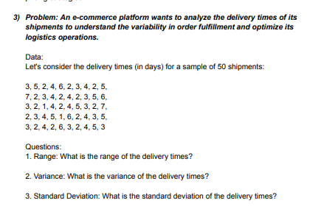
3 | 7 | 3 | 2 | 3 |  | MIN | 1
5 | 2 | 2 | 3 | 2 |  | MAX | 7
2 | 3 | 1 | 4 | 4
4 | 4 | 4 | 5 | 2
6 | 2 | 2 | 1 | 6 |  | RANGE | 6
2 | 4 | 4 | 6 | 3 |  | VARIANCE | 2.3363265306
3 | 2 | 5 | 2 | 2 |  | S.D | 1.5285046714
4 | 3 | 2 | 4 | 4
2 | 5 | 3 | 3 | 5
5 | 6 | 7 | 5 | 3


 | 120 | 140 |  | MIN | 110 |  | RANGE | 45
 | 150 | 130 |  | MAX | 155 |  | MEAN | 132.5
 | 110 | 155
 | 135 | 115
 | 125 | 145
 | 130 | 135

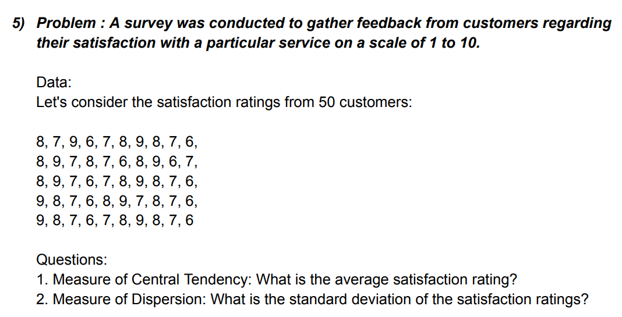

 | 8 | 8 | 8 | 9 | 9 |  | MEAN | 7.5
 | 7 | 9 | 9 | 8 | 8 |  | S.D | 1.035098339
 | 9 | 7 | 7 | 7 | 7
 | 6 | 8 | 6 | 6 | 6
 | 7 | 7 | 7 | 8 | 7
 | 8 | 6 | 8 | 9 | 8
 | 9 | 8 | 9 | 7 | 9
 | 8 | 9 | 8 | 8 | 8
 | 7 | 6 | 7 | 7 | 7
 | 6 | 7 | 6 | 6 | 6

 | 10 | 13 | 25 | 16 | 15
 | 15 | 10 | 18 | 14 | 13 |  | MEAN | 16.71 |  | MIN | 8
 | 12 | 18 | 16 | 18 | 16 |  | RANGE | 19 |  | MAX | 27
 | 18 | 16 | 13 | 20 | 14 |  | S.D | 4.0782621571
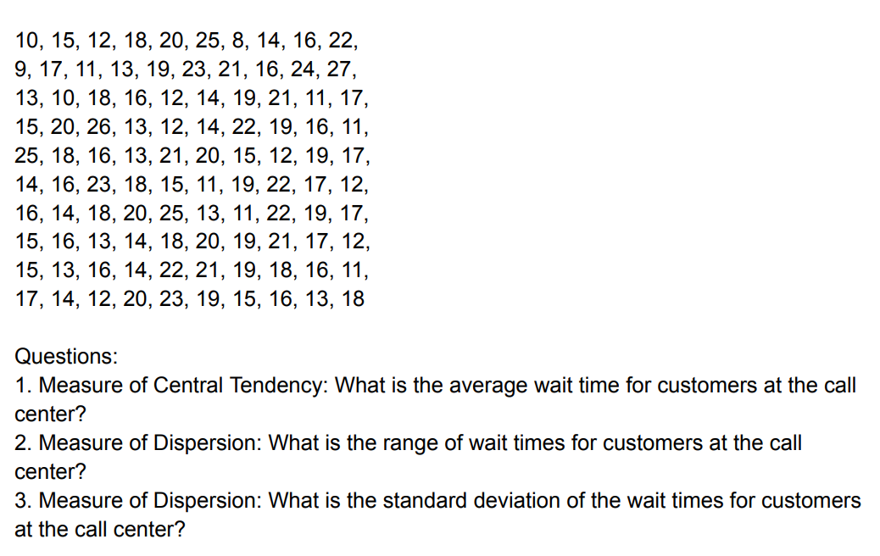
 | 20 | 12 | 21 | 25 | 22
 | 25 | 14 | 20 | 13 | 21
 | 8 | 19 | 15 | 11 | 19
 | 14 | 21 | 12 | 22 | 18
 | 16 | 11 | 19 | 19 | 16
 | 22 | 17 | 17 | 17 | 11
 | 9 | 15 | 14 | 15 | 17
 | 17 | 20 | 16 | 13 | 14
 | 11 | 26 | 13 | 16 | 12
 | 13 | 13 | 14 | 14 | 20
 | 19 | 12 | 18 | 18 | 23
 | 21 | 14 | 20 | 20 | 19
 | 23 | 22 | 19 | 19 | 15
 | 16 | 19 | 21 | 21 | 16
 | 24 | 16 | 17 | 17 | 13
 | 27 | 11 | 12 | 12 | 18

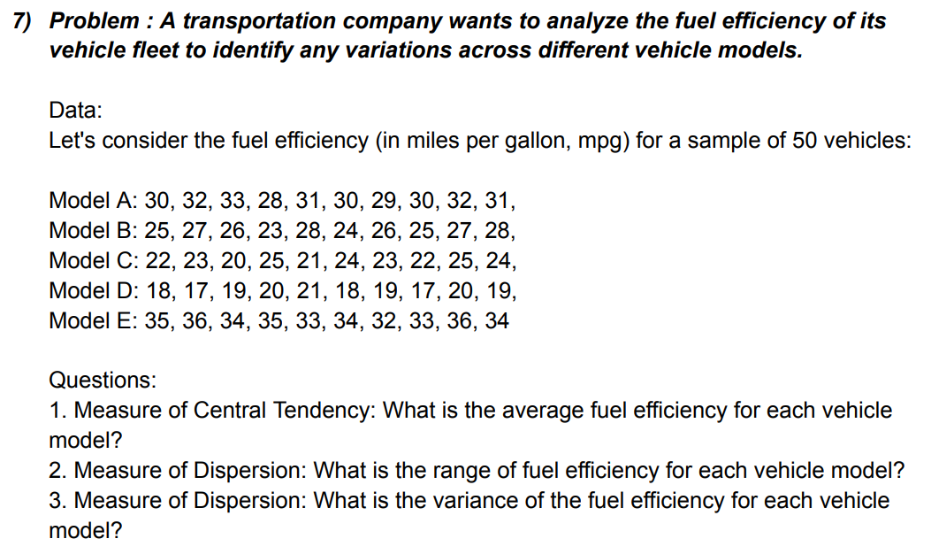
 | 30 | 32 | 33 | 28 | 31 | 30 | 29 | 30 | 32 | 31
 | 25 | 27 | 26 | 23 | 28 | 24 | 26 | 25 | 27 | 28
 | 22 | 23 | 20 | 25 | 21 | 24 | 23 | 22 | 25 | 24
 | 18 | 17 | 19 | 20 | 21 | 18 | 19 | 17 | 20 | 19
 | 35 | 36 | 34 | 35 | 33 | 34 | 32 | 33 | 36 | 34

 |  | MIN | 17 |  |  | MEAN | 26.48
 |  | MAX | 36 |  |  | RANGE | 19
 |  |  |  |  |  | VARIANCE | 32.417959184

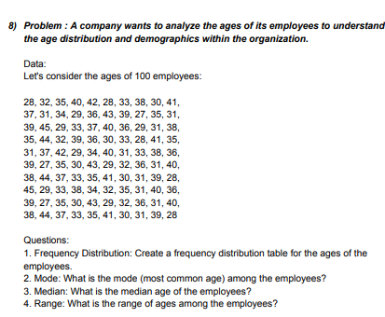
 | 28 | 32 | 35 | 40 | 42
 | 28 | 33 | 38 | 30 | 41
 | 37 | 31 | 34 | 29 | 36
 | 43 | 39 | 27 | 35 | 31 | AGE LIMIT | BIN
 | 39 | 45 | 29 | 33 | 37 | 20-25 | 25 |  | Bin | Frequency
 | 40 | 36 | 29 | 31 | 38 | 25-30 | 30 |  | 25 | 0%
 | 35 | 44 | 32 | 39 | 36 | 30-35 | 35 |  | 30 | 2100%
 | 30 | 33 | 28 | 41 | 35 | 35-40 | 40 |  | 35 | 34
 | 31 | 37 | 42 | 29 | 34 | 40-45 | 45 |  | 40 | 31
 | 40 | 31 | 33 | 38 | 36 | 45-50 | 50 |  | 45 | 14
 | 39 | 27 | 35 | 30 | 43 |  |  |  | 50 | 0
 | 29 | 32 | 36 | 31 | 40 |  |  |  | More | 0
 | 38 | 44 | 37 | 33 | 35 | MIN | 27 |  |  | MODE | 31
 | 41 | 30 | 31 | 39 | 28 | MAX | 45 |  |  | MEDIAN | 35
 | 45 | 29 | 33 | 38 | 34 |  |  |  |  | RANGE | 18
 | 32 | 35 | 31 | 40 | 36
 | 39 | 27 | 35 | 30 | 43
 | 29 | 32 | 36 | 31 | 40
 | 38 | 44 | 37 | 33 | 35
 | 41 | 30 | 31 | 39 | 28

 |  |  |  |  |  |  |  |  |  |  |  |  | BIN
 |  | 56 | 40 | 28 | 73 | 52 | 61 | 35 | 40 | 47 | 65 |  | 20
 |  | 52 | 44 | 38 | 60 | 56 | 40 | 36 | 49 | 68 | 57 |  | 30
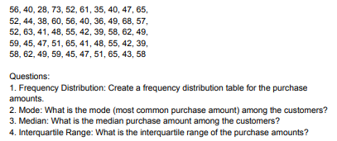
 |  | 52 | 63 | 41 | 48 | 55 | 42 | 39 | 58 | 62 | 49 |  | 40
 |  | 59 | 45 | 47 | 51 | 65 | 41 | 48 | 55 | 42 | 39 |  | 50
 |  | 58 | 62 | 49 | 59 | 45 | 47 | 51 | 65 | 43 | 58 |  | 60
 |  |  |  |  |  |  |  |  |  |  |  |  | 70

 |  | Q1 | 42.25
 |  | MIN | 28 |  | Bin | Frequency | Bin | Frequency
 |  | MAX | 73 |  | 20 | 0 | 50 | 16
 |  | Q3 | 58 |  | 30 | 1 | 60 | 16
 |  |  |  |  | 40 | 8 | 40 | 8
 |  | MODE | 40 |  | 50 | 16 | 70 | 8
 |  | MEDIAN | 50 |  | 60 | 16 | 30 | 1
 |  | I.RANGE | 15.75 |  | 70 | 8 | More | 1
 |  |  |  |  | More | 1 | 20 | 0

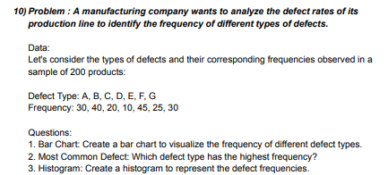

 |  | Defect Type: | A | B | C | D | E | F | G
 |  | Frequency: | 30 | 40 | 20 | 10 | 45 | 25 | 30

Histogram
 |  | bin
 |  | 10 |  | Bin | Frequency | Bin | Frequency
 |  | 20 |  | 10 | 1 | 30 | 3
 |  | 30 |  | 20 | 1 | 10 | 1
 |  | 40 |  | 30 | 3 | 20 | 1
 |  | 50 |  | 40 | 1 | 40 | 1
 |  |  |  | 50 | 1 | 50 | 1
 |  |  |  | More | 0 | More | 0

Histogram

 |  | 4 | 5 | 3 | 4 | 4 | 3 | 2 | 5 | 4 | 3
 |  | 5 | 4 | 2 | 3 | 4 | 5 | 3 | 4 | 5 | 3
 |  | 4 | 3 | 2 | 4 | 5 | 3 | 4 | 5 | 4 | 3
 |  | 3 | 4 | 5 | 2 | 3 | 4 | 4 | 3 | 5 | 4
 |  | 3 | 4 | 5 | 4 | 2 | 3 | 4 | 5 | 3 | 4
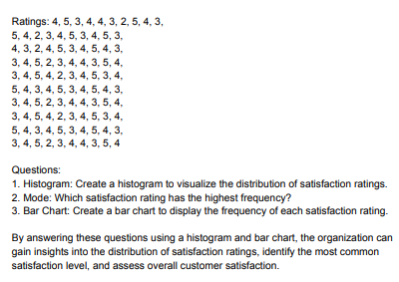
 |  | 5 | 4 | 3 | 4 | 5 | 3 | 4 | 5 | 4 | 3
 |  | 3 | 4 | 5 | 2 | 3 | 4 | 4 | 3 | 5 | 4
 |  | 3 | 4 | 5 | 4 | 2 | 3 | 4 | 5 | 3 | 4
 |  | 5 | 4 | 3 | 4 | 5 | 3 | 4 | 5 | 4 | 3
 |  | 3 | 4 | 5 | 2 | 3 | 4 | 4 | 3 | 5 | 4

 |  | MODE | 4 |  | Bin | Frequency | Cumulative % | Bin | Frequency | Cumulative %
 |  |  |  |  | 4 | 77 | 77% | 4 | 77 | 77%
 |  |  |  |  | More | 23 | 100% | More | 23 | 100%

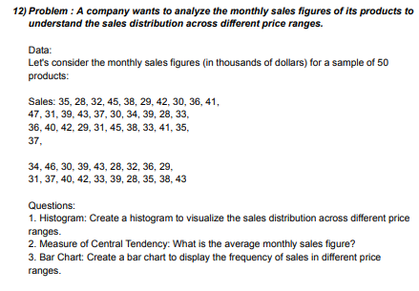
Histogram
 |  | 35 | 28 | 32 | 45 | 38
 |  | 29 | 42 | 30 | 36 | 41 | PRICE RANGE | BIN
 |  | 47 | 31 | 39 | 43 | 37
 |  | 30 | 34 | 39 | 28 | 33 | 20-25 | 25
 |  | 36 | 40 | 42 | 29 | 31 | 25-30 | 30
 |  | 45 | 38 | 33 | 41 | 35 | 30-35 | 35
 |  | 37 | 34 | 46 | 30 | 39 | 35-40 | 40
 |  | 43 | 28 | 32 | 36 | 29 | 40-45 | 45
 |  | 31 | 37 | 40 | 42 | 33 | 45-50 | 50
 |  | 39 | 28 | 35 | 38 | 43

 |  | MIN | 28 |  | Bin | Frequency | Bin | Frequency
 |  | MAX | 47 |  | 25 | 0 | 40 | 15
 |  | MEAN | 36.14 |  | 30 | 10 | 35 | 13
 |  | RANGE | 19 |  | 35 | 13 | 30 | 10
 |  |  |  |  | 40 | 15 | 45 | 10
 |  |  |  |  | 45 | 10 | 50 | 2
 |  |  |  |  | 50 | 2 | 25 | 0
 |  |  |  |  | More | 0 | More | 0

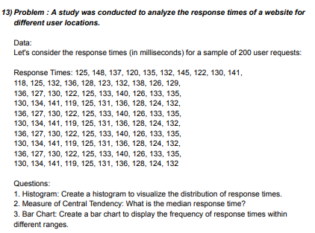
Histogram
 |  | 125 | 148 | 137 | 120 | 135 | 132 | 145 | 122 | 130 | 141
 |  | 118 | 125 | 132 | 136 | 128 | 123 | 132 | 138 | 126 | 129
 |  | 136 | 127 | 130 | 122 | 125 | 133 | 140 | 126 | 133 | 135
 |  | 130 | 134 | 141 | 119 | 125 | 131 | 136 | 128 | 124 | 132
 |  | 136 | 127 | 130 | 122 | 125 | 133 | 140 | 126 | 133 | 135
 |  | 130 | 134 | 141 | 119 | 125 | 131 | 136 | 128 | 124 | 132
 |  | 136 | 127 | 130 | 122 | 125 | 133 | 140 | 126 | 133 | 135
 |  | 130 | 134 | 141 | 119 | 125 | 131 | 136 | 128 | 124 | 132
 |  | 136 | 127 | 130 | 122 | 125 | 133 | 140 | 126 | 133 | 135
BAR CHART
 |  | 130 | 134 | 141 | 119 | 125 | 131 | 136 | 128 | 124 | 132

 |  | MEDIAN | 130.5 | limit | BIN
 |  |  |  | 110-120 | 120 | Bin | Frequency | Bin | Frequency
 |  | MIN | 118 | 120-130 | 130 | 120 | 6 | 130 | 44
 |  | MAX | 148 | 130-140 | 140 | 130 | 44 | 140 | 43
 |  | RANGE | 30 | 140-150 | 150 | 140 | 43 | 150 | 7
 |  |  |  |  |  | 150 | 7 | 120 | 6
 |  |  |  |  |  | More | 0 | More | 0

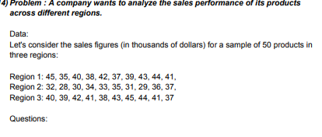
 |  |  |  |  |  |  |  |  |  |  |  |  | MIN | MAX | RANGE | MEAN
 |  | Region 1: | 45 | 35 | 40 | 38 | 42 | 37 | 39 | 43 | 44 | 41 | 35 | 45 | 10 | 40.4
 |  | Region 2: | 32 | 28 | 30 | 34 | 33 | 35 | 31 | 29 | 36 | 37 | 28 | 37 | 9 | 32.5
 |  | Region 3: | 40 | 39 | 42 | 41 | 38 | 43 | 45 | 44 | 41 | 37 | 37 | 45 | 8 | 41

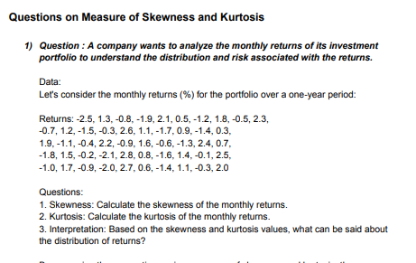
 |  | -2.5 | -0.7 | 1.9 | -1.8 | -1
 |  | 1.3 | 1.2 | -1.1 | 1.5 | 1.7
 |  | -0.8 | -1.5 | -0.4 | -0.2 | -0.9
 |  | -1.9 | -0.3 | 2.2 | -2.1 | -2
 |  | 2.1 | 2.6 | -0.9 | 2.8 | 2.7
 |  | 0.5 | 1.1 | 1.6 | 0.8 | 0.6
 |  | -1.2 | -1.7 | -0.6 | -1.6 | -1.4
 |  | 1.8 | 0.9 | -1.3 | 1.4 | 1.1
The skewness of a distribution is 0.0545, it indicates that the distribution is very close to 0, the distribution can be considered approximately symmetrical, with only a slight rightward skew.
The kurtosis is -1.3042, it suggests that the distribution is platykurtic. This means the distribution has lighter tails and a flatter peak compared to a normal distribution.
 |  | -0.5 | -1.4 | 2.4 | -0.1 | -0.3
 |  | 2.3 | 0.3 | 0.7 | 2.5 | 2

 |  |  |  | SKEWNESS | 0.054546017084
 |  |  |  | KURTOSIS | -1.3042496426

 |  |  | 2.5 | 4.8 | 3.2 | 2.1 | 4.5 | 2.9 | 2.3 | 3.1
 |  |  | 4.2 | 3.9 | 2.8 | 4.1 | 2.6 | 2.4 | 4.7 | 3.3
 |  |  | 2.7 | 3 | 4.3 | 3.7 | 2.2 | 3.6 | 4 | 2.7
 |  |  | 3.8 | 3.5 | 3.2 | 4.4 | 2 | 3.4 | 3.1 | 2.9
 |  |  | 4.6 | 3.3 | 2.5 | 4.9 | 2.8 | 3 | 4.2 | 3.9
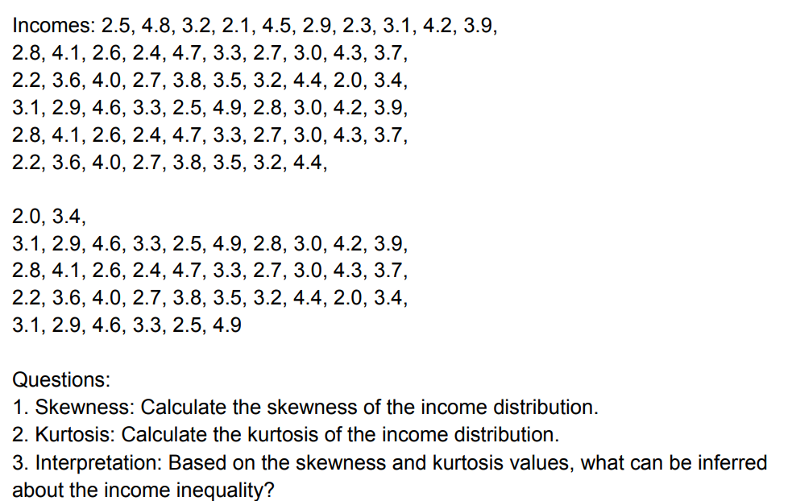
 |  |  | 2.8 | 4.1 | 2.6 | 2.4 | 4.7 | 3.3 | 2.7 | 3
 |  |  | 4.3 | 3.7 | 2.2 | 3.6 | 4 | 2.7 | 3.8 | 3.5
 |  |  | 3.2 | 4.4 | 2 | 3.4 | 3.1 | 2.9 | 4.6 | 3.3
 |  |  | 2.5 | 4.9 | 2.8 | 3 | 4.2 | 3.9 | 2.8 | 4.1
 |  |  | 2.6 | 2.4 | 4.7 | 3.3 | 2.7 | 3 | 4.3 | 3.7
 |  |  | 2.2 | 3.6 | 4 | 2.7 | 3.8 | 3.5 | 3.2 | 4.4
 |  |  | 2 | 3.4 | 3.1 | 2.9 | 4.6 | 3.3 | 2.5 | 4.9
A skewness value of 0.224 indicates a slightly positively skewed distribution, meaning that the distribution is slightly skewed to the right.
A kurtosis value of -0.931 suggests a distribution that is slightly platykurtic, meaning it has fewer and less extreme outliers than a normal distribution.

 |  |  | SKEWNESS | 0.22402536455
 |  |  | KURTOSIS | -0.93120912453

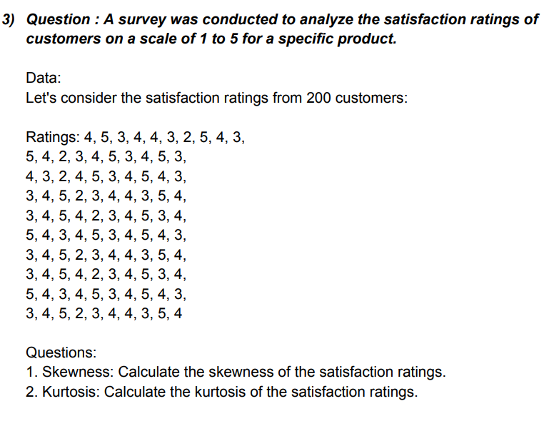
 |  | 4 | 5 | 3 | 4 | 4 | 3 | 2 | 5 | 4 | 3
 |  | 5 | 4 | 2 | 3 | 4 | 5 | 3 | 4 | 5 | 3
 |  | 4 | 3 | 2 | 4 | 5 | 3 | 4 | 5 | 4 | 3
 |  | 3 | 4 | 5 | 2 | 3 | 4 | 4 | 3 | 5 | 4
 |  | 3 | 4 | 5 | 4 | 2 | 3 | 4 | 5 | 3 | 4
 |  | 5 | 4 | 3 | 4 | 5 | 3 | 4 | 5 | 4 | 3
 |  | 3 | 4 | 5 | 2 | 3 | 4 | 4 | 3 | 5 | 4
 |  | 3 | 4 | 5 | 4 | 2 | 3 | 4 | 5 | 3 | 4
 |  | 5 | 4 | 3 | 4 | 5 | 3 | 4 | 5 | 4 | 3
 |  | 3 | 4 | 5 | 2 | 3 | 4 | 4 | 3 | 5 | 4
A skewness of -0.2109 suggests that the data is slightly negatively skewed, meaning it has a longer left tail. A kurtosis of -0.7452 indicates that the distribution is platykurtic, meaning it's less peaked and has lighter tails compared to a normal distribution.
 |  | SKEWNESS | -0.21090973977
 |  | KURTOSIS | -0.74525627212

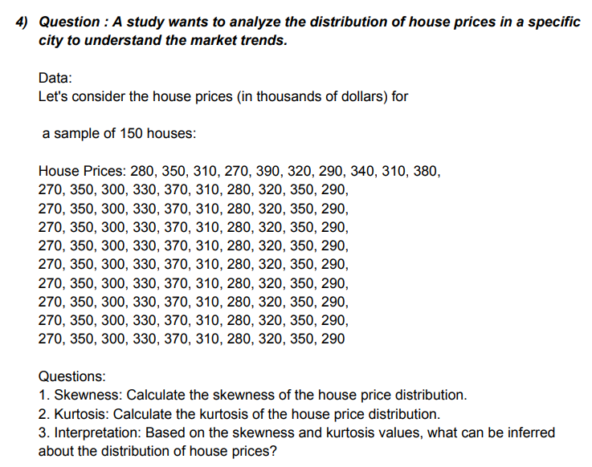
 | 280 | 350 | 310 | 270 | 390 | 320 | 290 | 340 | 310 | 380
 | 270 | 350 | 300 | 330 | 370 | 310 | 280 | 320 | 350 | 290
 | 270 | 350 | 300 | 330 | 370 | 310 | 280 | 320 | 350 | 290
 | 270 | 350 | 300 | 330 | 370 | 310 | 280 | 320 | 350 | 290
 | 270 | 350 | 300 | 330 | 370 | 310 | 280 | 320 | 350 | 290
 | 270 | 350 | 300 | 330 | 370 | 310 | 280 | 320 | 350 | 290
 | 270 | 350 | 300 | 330 | 370 | 310 | 280 | 320 | 350 | 290
 | 270 | 350 | 300 | 330 | 370 | 310 | 280 | 320 | 350 | 290
 | 270 | 350 | 300 | 330 | 370 | 310 | 280 | 320 | 350 | 290
 | 270 | 350 | 300 | 330 | 370 | 310 | 280 | 320 | 350 | 290

a skewness of 0.209 indicates a slight right skew.
and kurtosis value of -1.037 suggests a distribution that is slightly flatter and has lighter tails compared to a normal distribution.
 |  | SKEWNESS | 0.2092186248
 |  | KURTOSIS | -1.0374244845

 |  | 12 | 18 | 15 | 22 | 20 | 14 | 16 | 21 | 19 | 17
 |  | 22 | 19 | 13 | 16 | 21 | 22 | 17 | 19 | 22 | 18
 |  | 14 | 20 | 19 | 17 | 22 | 18 | 15 | 21 | 20 | 16
 |  | 12 | 18 | 15 | 22 | 20 | 14 | 16 | 21 | 19 | 17
 |  | 22 | 19 | 13 | 16 | 21 | 22 | 17 | 19 | 22 | 18
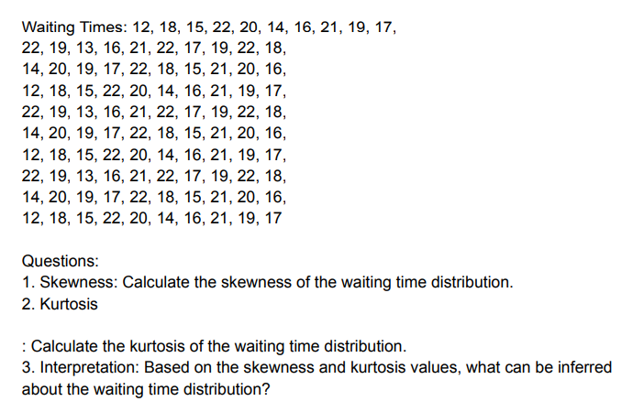
 |  | 14 | 20 | 19 | 17 | 22 | 18 | 15 | 21 | 20 | 16
 |  | 12 | 18 | 15 | 22 | 20 | 14 | 16 | 21 | 19 | 17
 |  | 22 | 19 | 13 | 16 | 21 | 22 | 17 | 19 | 22 | 18
 |  | 14 | 20 | 19 | 17 | 22 | 18 | 15 | 21 | 20 | 16
 |  | 12 | 18 | 15 | 22 | 20 | 14 | 16 | 21 | 19 | 17

A skewness value of -0.335 indicates a slight left skew (negative skew), meaning the distribution has a longer tail on the left side compared to the right.
A kurtosis value of -0.881 indicates platykurtic distribution, which means the tails of the distribution are lighter than that of a normal distribution. This implies fewer outliers or extreme values compared to a normal distribution.
 |  | SKEWNESS | -0.33501287222
 |  | KURTOSIS | -0.88101144669

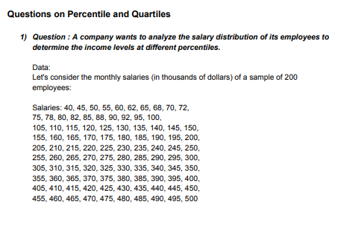
 | 40 | 45 | 50 | 55 | 60 | 62 | 65 | 68 | 70 | 72
 | 75 | 78 | 80 | 82 | 85 | 88 | 90 | 92 | 95 | 100
 | 105 | 110 | 115 | 120 | 125 | 130 | 135 | 140 | 145 | 150
 | 155 | 160 | 165 | 170 | 175 | 180 | 185 | 190 | 195 | 200
 | 205 | 210 | 215 | 220 | 225 | 230 | 235 | 240 | 245 | 250
 | 255 | 260 | 265 | 270 | 275 | 280 | 285 | 290 | 295 | 300
 | 305 | 310 | 315 | 320 | 325 | 330 | 335 | 340 | 345 | 350
 | 355 | 360 | 365 | 370 | 375 | 380 | 385 | 390 | 395 | 400
 | 405 | 410 | 415 | 420 | 425 | 430 | 435 | 440 | 445 | 450
 | 455 | 460 | 465 | 470 | 475 | 480 | 485 | 490 | 495 | 500

 | QUARTILES | quartile (Q1), | 128.75 |  | Percentiles: | 10th percentile | 74.7
 |  | median (Q2) | 252.5 |  |  | 25th percentile | 128.75
 |  | third quartile (Q3) | 376.25 |  |  | 75th percentile | 376.25
 |  |  |  |  |  | 90th percentile | 500
The income distribution is positively skewed, as the median is less than the mean (which is likely above 267.5).A considerable proportion of employees (15%) have incomes below 94.55, while only a smaller percentage (15%) have incomes above 440.75.The interquartile range (IQR), which is the range between the first and third quartiles (Q1 and Q3), is 391.25 - 143.75 = 247.5. This range captures the middle 50% of the data, indicating the spread of incomes within this range.

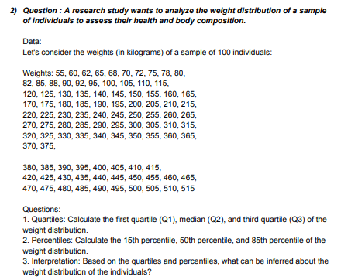

 | 55 | 60 | 62 | 65 | 68 | 70 | 72 | 75 | 78 | 80
 | 82 | 85 | 88 | 90 | 92 | 95 | 100 | 105 | 110 | 115
 | 120 | 125 | 130 | 135 | 140 | 145 | 150 | 155 | 160 | 165
 | 170 | 175 | 180 | 185 | 190 | 195 | 200 | 205 | 210 | 215
 | 220 | 225 | 230 | 235 | 240 | 245 | 250 | 255 | 260 | 265
 | 270 | 275 | 280 | 285 | 290 | 295 | 300 | 305 | 310 | 315
 | 320 | 325 | 330 | 335 | 340 | 345 | 350 | 355 | 360 | 365
 | 370 | 375 | 380 | 385 | 390 | 395 | 400 | 405 | 410 | 415
 | 420 | 425 | 430 | 435 | 440 | 445 | 450 | 455 | 460 | 465
 | 470 | 475 | 480 | 485 | 490 | 495 | 500 | 505 | 510 | 515

 | QUARTILES | quartile (Q1), | 143.75 |  | Percentiles: | 15th percentile | 94.55
 |  | median (Q2) | 267.5 |  |  | 50th percentile | 267.5
 |  | third quartile (Q3) | 391.25 |  |  | 85th percentile | 440.75
The weight distribution is positively skewed, as the median is less than the mean (which is likely above 267.5).A significant portion of individuals (15%) have weights below 94.55, while only a small percentage (15%) have weights above 440.75.The interquartile range (IQR), which is the range between the first and third quartiles (Q1 and Q3), is 391.25 - 143.75 = 247.5. This range captures the middle 50% of the data.

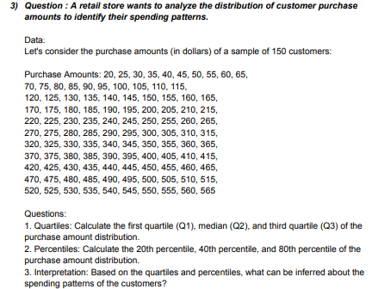
 |  | 20 | 25 | 30 | 35 | 40 | 45 | 50 | 55 | 60 | 65
 |  | 70 | 75 | 80 | 85 | 90 | 95 | 100 | 105 | 110 | 115
 |  | 120 | 125 | 130 | 135 | 140 | 145 | 150 | 155 | 160 | 165
 |  | 170 | 175 | 180 | 185 | 190 | 195 | 200 | 205 | 210 | 215
 |  | 220 | 225 | 230 | 235 | 240 | 245 | 250 | 255 | 260 | 265
 |  | 270 | 275 | 280 | 285 | 290 | 295 | 300 | 305 | 310 | 315
 |  | 320 | 325 | 330 | 335 | 340 | 345 | 350 | 355 | 360 | 365
 |  | 370 | 375 | 380 | 385 | 390 | 395 | 400 | 405 | 410 | 415
 |  | 420 | 425 | 430 | 435 | 440 | 445 | 450 | 455 | 460 | 465
 |  | 470 | 475 | 480 | 485 | 490 | 495 | 500 | 505 | 510 | 515
 |  | 520 | 525 | 530 | 535 | 540 | 545 | 550 | 555 | 560 | 565

 |  |  | QUARTILES | quartile (Q1), | 156.25 |  | Percentiles: | 20th percentile | 129
 |  |  |  | median (Q2) | 292.5 |  |  | 40th percentile | 238
 |  |  |  | third quartile (Q3) | 428.75 |  |  | 80th percentile | 456
Median (Q2): The median spending of the customers is $292.50. This means that half of the customers spend less than $292.50, and the other half spend more.
First Quartile (Q1): The first quartile spending is $156.25. This indicates that 25% of the customers spend less than $156.25.
Third Quartile (Q3): The third quartile spending is $428.75. This implies that 75% of the customers spend less than $428.75.
Percentiles:
20th Percentile: The spending at the 20th percentile is $129. This suggests that 20% of the customers spend less than $129.
40th Percentile: The spending at the 40th percentile is $238. This indicates that 40% of the customers spend less than $238.
80th Percentile: The spending at the 80th percentile is $456. This implies that 80% of the customers spend less than $456.


 |  | 15 | 20 | 25 | 30 | 35 | 40 | 45 | 50 | 55 | 60 | 65 | 70
 |  | 75 | 80 | 85 | 90 | 95 | 100 | 105 | 110 | 115 | 120 | 125 | 130
 |  | 135 | 140 | 145 | 150 | 155 | 160 | 165 | 170 | 175 | 180 | 185 | 190
 |  | 195 | 200 | 205 | 210 | 215 | 220 | 225 | 230 | 235 | 240 | 245 | 250
 |  | 255 | 260 | 265 | 270 | 275 | 280 | 285 | 290 | 295 | 300 | 305 | 310
 |  | 315 | 320 | 325 | 330 | 335 | 340 | 345 | 350 | 355 | 360 | 365 | 370
 |  | 375 | 380 | 385 | 390 | 395 | 400 | 405 | 410 | 415 | 420 | 425 | 430
 |  | 435 | 440 | 445 | 450 | 455 | 460 | 465 | 470 | 475 | 480 | 485 | 490
 |  | 495 | 500 | 505 | 510 | 515 | 520 | 525 | 530 | 535 | 540 | 545 | 550
 |  | 555 | 560 | 565 | 570 | 575 | 580 | 585 | 590 | 595 | 600 | 605 | 610

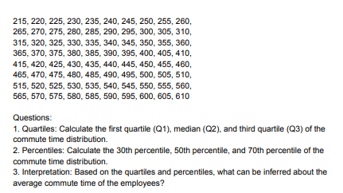
 |  |  | QUARTILES | quartile (Q1), | 163.75 |  | Percentiles: | 30th percentile | 193.5
 |  |  |  | median (Q2) | 312.5 |  |  | 50th percentile | 312.5
 |  |  |  | third quartile (Q3) | 461.25 |  |  | 70th percentile | 431.5

The distribution of the commute times among the employees. The range between Q1 and Q3 (interquartile range) is from 163.75 to 461.25, capturing the middle 50% of the data. The median being closer to Q1 than Q3 suggests a slight skewness towards shorter commute times, but the presence of outliers could also affect this interpretation.

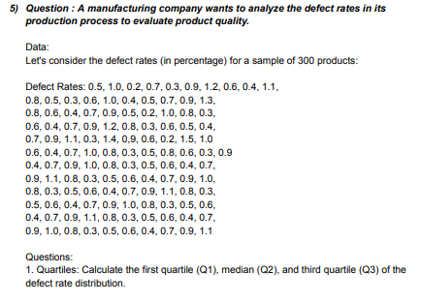
 |  |  | 0.5 | 1 | 0.2 | 0.7 | 0.3 | 0.9 | 1.2 | 0.6 | 0.4 | 1.1 | 0.8 | 0.5
 |  |  | 0.3 | 0.6 | 1 | 0.4 | 0.5 | 0.7 | 0.9 | 1.3 | 0.8 | 0.6 | 0.4 | 0.7
 |  |  | 0.9 | 0.5 | 0.2 | 1 | 0.8 | 0.3 | 0.6 | 0.4 | 0.7 | 0.9 | 1.2 | 0.8
 |  |  | 0.3 | 0.6 | 0.5 | 0.4 | 0.7 | 0.9 | 1.1 | 0.3 | 1.4 | 0.9 | 0.6 | 0.2
 |  |  | 1.5 | 1 | 0.6 | 0.4 | 0.7 | 1 | 0.8 | 0.3 | 0.5 | 0.8 | 0.6 | 0.3
 |  |  | 0.9 | 0.4 | 0.7 | 0.9 | 1 | 0.8 | 0.3 | 0.5 | 0.6 | 0.4 | 0.7 | 0.9
 |  |  | 1.1 | 0.8 | 0.3 | 0.5 | 0.6 | 0.4 | 0.7 | 0.9 | 1 | 0.8 | 0.3 | 0.5
 |  |  | 0.6 | 0.4 | 0.7 | 0.9 | 1.1 | 0.8 | 0.3 | 0.5 | 0.6 | 0.4 | 0.7 | 0.9
 |  |  | 1 | 0.8 | 0.3 | 0.5 | 0.6 | 0.4 | 0.7 | 0.9 | 1.1 | 0.8 | 0.3 | 0.5
 |  |  | 0.6 | 0.4 | 0.7 | 0.9 | 1 | 0.8 | 0.3 | 0.5 | 0.6 | 0.4 | 0.7 | 0.9
 |  |  | 1.1

 |  |  | QUARTILES | quartile (Q1), | 0.4 |  | Percentiles: | 25th percentile | 0.4
 |  |  |  | median (Q2) | 0.7 |  |  | 50th percentile | 0.3
 |  |  |  | third quartile (Q3) | 0.9 |  |  | 75th percentile | 0.9

Q1 (the first quartile) is the value below which 25% of the data falls. Here, Q1 is 0.4.
Q2 (the second quartile), also known as the median, is the value that separates the higher half from the lower half of the data. Q2 is 0.3.
Q3 (the third quartile) is the value below which 75% of the data falls. Q3 is 0.9.
From these values, we can infer the following about the quality of the products:
Median (Q2) being at 0.3 indicates that half of the products have quality measures below 0.3 and half have measures above 0.3.
The first quartile (Q1) being at 0.4 suggests that 25% of the products have quality measures lower than 0.4, indicating a relatively low quality for this portion of products.
The third quartile (Q3) being at 0.9 implies that 75% of the products have quality measures lower than 0.9, indicating a higher quality for most of the products.
Therefore, it can be inferred that the quality of the products varies, with a significant portion being of lower quality (below Q2) and a majority having relatively higher quality (above Q2).

