Variable importance
Variables Importance Graph

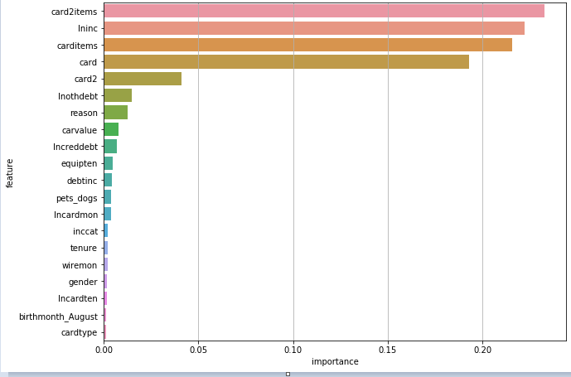

 | We can see that card2items, carditems, card, lninc, card2 are the factors that contribute most to the AMOUNT SPEND BY CARD

Residual plot
Residuals Distribution

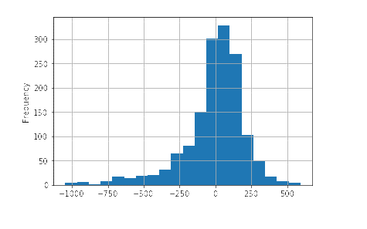

 | Almost NORMAL DISTRIBUTION meaning that the residuals are random and our model explain all trends in the dataset

Decile Analysis
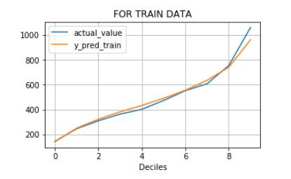
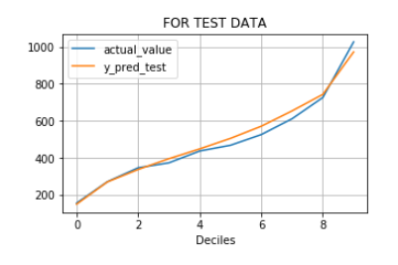
For Train Data |  |  | For Test Data

Deciles | actual_value | y_pred_train | Deciles | actual_value | y_pred_test
0 | 144.35438571 | 141.72120827 | 0 | 155.87494333 | 150.01838142
1 | 245.89119714 | 250.37361058 | 1 | 271.49146333 | 270.35285994
2 | 309.93537143 | 322.47452145 | 2 | 346.45713333 | 337.45677712
3 | 363.83791429 | 382.45197118 | 3 | 373.4182 | 395.70203054
4 | 402.06217143 | 433.01657324 | 4 | 437.1558 | 448.64115303
5 | 473.06677143 | 490.5976338 | 5 | 468.20386667 | 505.42028432
6 | 552.47884914 | 555.46589574 | 6 | 525.8196 | 571.01178409
7 | 607.55418286 | 635.31779757 | 7 | 611.41086533 | 653.80113018
8 | 754.32905429 | 740.60154906 | 8 | 726.02236 | 743.03776278
9 | 1060.2117554 | 961.70089225 | 9 | 1026.328344 | 972.12130971

