Variable Importance plot
Top 10 Features as per Importance

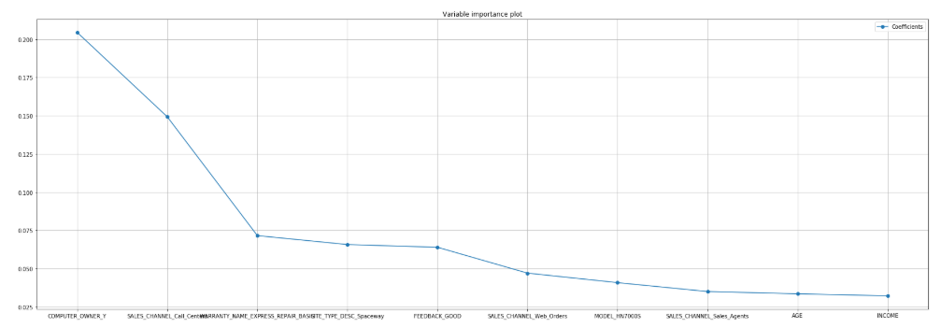
FEATURE | COEFFICIENT
COMPUTER_OWNER_Y | 0.204389
SALES_CHANNEL_Call_Centers | 0.149224
WARRANTY_NAME_EXPRESS_REPAIR_BASIC | 0.071563
SITE_TYPE_DESC_Spaceway | 0.065735
FEEDBACK_GOOD | 0.063963
SALES_CHANNEL_Web_Orders | 0.047052
MODEL_HN7000S | 0.040827
SALES_CHANNEL_Sales_Agents | 0.035023
AGE | 0.033515
INCOME | 0.032198

Analysis
 |  |  |  |  | ANALYSIS

Strategies
FINDINGS
Features | Overall | KM3_1 | KM3_2 | KM3_3
Seg_size | 19819 | 3062 | 10042 | 6715
Seg_Pct | 100 | 15.449820879 | 50.668550381 | 33.88162874
AGE | 7.01E-16 | 0.23645617601 | -0.23328647036 | 0.24104749433
GENDER | 1.65E-15 | -0.013875144682 | 0.021823458548 | -0.026309080823
Cluster 1
15 % (Middle aged / Family users)
--> Middle/Old Age Customers
--> Mostly men
--> Comes in Low income bracket
--> Computer Owner
--> Telephone Model : DW6000 / DW7000
--> Customers acquired through Call Centres / Web Orders
--> Service Plan used Professional , Professional_Plus, Proplus
INCOME | 1.68E-15 | -0.019354065943 | -0.02670407317 | 0.048760156767
==> As these Customers are mostly Family people we should send them with family plans .
==> Most of them own Computer so we should target sales through Web Orders as they are most likely to observe them.
==> These Customers have given negative feedback of our company so we should try contacing them through various channels like E mail, Calls to get their opinion on improving our service.
MARITAL_STATUS | 1.56E-14 | -0.15780041046 | 0.1487795926 | -0.1505375744
PRESENCE_OF_CHILDREN | 3.04E-14 | 0.11955079896 | -0.14725579374 | 0.1657003923
UPGRADE_STATUS | -7.12E-14 | -0.47103482477 | 0.21159766008 | -0.1016463245
COMPUTER_OWNER_Y | -9.86E-14 | 0.59849305882 | -0.61439092974 | 0.6458865183
DIRECT_INDIRECT_CHANNEL_Indirect | -4.83E-15 | -0.074389083258 | 0.054344254734 | -0.047348567849
FEEDBACK_GOOD | -2.04E-14 | -0.41660046602 | 0.40733793447 | -0.4191894134
MODEL_DW4020 | -3.82E-14 | -0.18487473688 | 0.17999604685 | -0.18487473688
MODEL_DW6000 | -1.61E-14 | 1.0153590605 | -0.14399376091 | -0.24766107167
MODEL_DW7000 | 2.24E-14 | 0.55440305371 | -0.21882734316 | 0.074442595619
MODEL_HN7000S | -2.48E-14 | -0.31330933946 | 0.33836081404 | -0.36313717009
MODEL_HN9000 | -2.18E-14 | -0.61384893147 | -0.19444220683 | 0.57069159629
MODEL_UNK | -7.56E-15 | -0.21294151788 | 0.20755228491 | -0.21328564666
SALES_CHANNEL_Call_Centers | 7.91E-14 | 0.52267058146 | -0.51630445841 | 0.53377692494
Cluster 2
50 % (Young Aged Users)
--> Younger/ Middle aged customers
--> Mostly Female
--> Comes in Low income bracket
--> Respond with positive Feedback
--> Telehpone Model: DW4020, HN7000S, HN9000 , UNK
--> Non Computer Owner
--> Customers acquired through Retail / Others / Sales Agents
--> Service Plan used Home/ Power150/ Pro
SALES_CHANNEL_Retail_others | -9.31E-15 | -0.27907187543 | 0.27016891192 | -0.27677112895
SALES_CHANNEL_Sales_Agents | 4.05E-14 | -0.45078488393 | 0.34056105748 | -0.30373951223
SALES_CHANNEL_Web_Orders | 1.07E-14 | 0.27251624169 | -0.27185031397 | 0.28227492492
==> As most Customers fall in Younger Population in this category we can target them through Basic/ Basic Ltd. service plans as it might be suitable for them.
==> Most of them are not Computer User so we should focus on contacting them through Call sales representitives / Retail etc.
SERVICE_PLAN_Basic_Ltd | 8.46E-15 | -0.29680698352 | 0.098983827775 | -0.012683933728
SERVICE_PLAN_Elite | -3.84E-15 | -0.54043037268 | -0.25240860334 | 0.62389947816
SERVICE_PLAN_Home | -2.83E-15 | -0.32106743757 | 0.017252885537 | 0.1206038745
SERVICE_PLAN_Power15 | 1.11E-14 | -0.17865360124 | -0.17635283333 | 0.34519322104
SERVICE_PLAN_Power150 | 2.61E-14 | -0.25834477072 | 0.25152726781 | -0.25834477072
SERVICE_PLAN_Pro | -2.59E-15 | -0.28274760868 | 0.13424222801 | -0.071822379144
SERVICE_PLAN_Professional | -4.56E-14 | 1.1000706526 | -0.20080922861 | -0.20132391132
SERVICE_PLAN_Professional_Plus | 1.89E-14 | 0.88131033968 | -0.16104149073 | -0.16104149073
SERVICE_PLAN_Proplus | 5.11E-14 | 0.0071036716639 | 0.25832634019 | -0.38955540593
SERVICE_PLAN_SO | 3.08E-14 | 1.3719882871 | -0.2507028785 | -0.2507028785
SITE_TYPE_DESC_Spaceway | -5.37E-14 | 0.39993545945 | -0.40609089471 | 0.42492366163
Cluster 3
33 % (Middle Aged High income group)
--> Mostly OMiddle/Old aged customers
--> Income on the Higher Side
---> Respond with negative Feedback
--> Telehpone Model: DW7000, HN9000
--> Regular Computer Users
--> Customers acquired through Call Centres / Web Orders
--> Service Plan used Elite/ Home/ Power15
WARRANTY_NAME_Broadband_Remote | 7.59E-15 | 0.051279023442 | -0.042060745934 | 0.03951714682
==> As these mostly include High income group people we can try to push Elite , Professional and Professional_Plus service plans on them.
==> These Customers have given negative feedback of our company so we should try contacing them through various channels like E mail, Calls to get their opinion on improving our service.
WARRANTY_NAME_EXPRESS_REPAIR_BASIC | 2.47E-14 | 0.35618847531 | -0.36220821318 | 0.37924732172
WARRANTY_NAME_EXPRESS_REPAIR_HOME | 1.15E-15 | -0.035410370421 | 0.031833556913 | -0.031458827147
WARRANTY_NAME_EXPRESS_REPAIR_HOME_WITH_COMMITMENT_WITH_TERM | -4.79E-15 | -0.050792983324 | 0.049452598881 | -0.050792983324
WARRANTY_NAME_SRVC_ASSUR_PLUS_NEW_CUST | -1.11E-15 | 0.0058607861959 | -0.037613621176 | 0.053577104471
WARRANTY_NAME_SRVC_ASSUR_STD_EXISTING_CUST_NO_COMMIT | -2.06E-15 | -0.029300155998 | 0.028526949332 | -0.029300155998
WARRANTY_NAME_SRVC_ASSUR_STD_NEW_CUST | 7.39E-15 | 0.098031915462 | -0.11826521865 | 0.13215868959
WARRANTY_NAME_Spaceway | 4.04E-15 | 0.034872917688 | -0.026587444385 | 0.02385856181

