SRplot_024
group | A | A | A | B | B | B | SRplot - Science & Research Plot
sample | A-1 | A-2 | A-3 | B-1 | B-2 | B-3 | http://www.bioinformatics.com.cn/plot_basic_cluster_heatmap_plot_024_en
ICA1 | 5.7 | 11.7 | 9.9 | 5.7 | 4.5 | 3.2
DBNDD1 | 9.43 | 10.67 | 9.39 | 3.4 | 2.5 | 2.3 | Output Preview
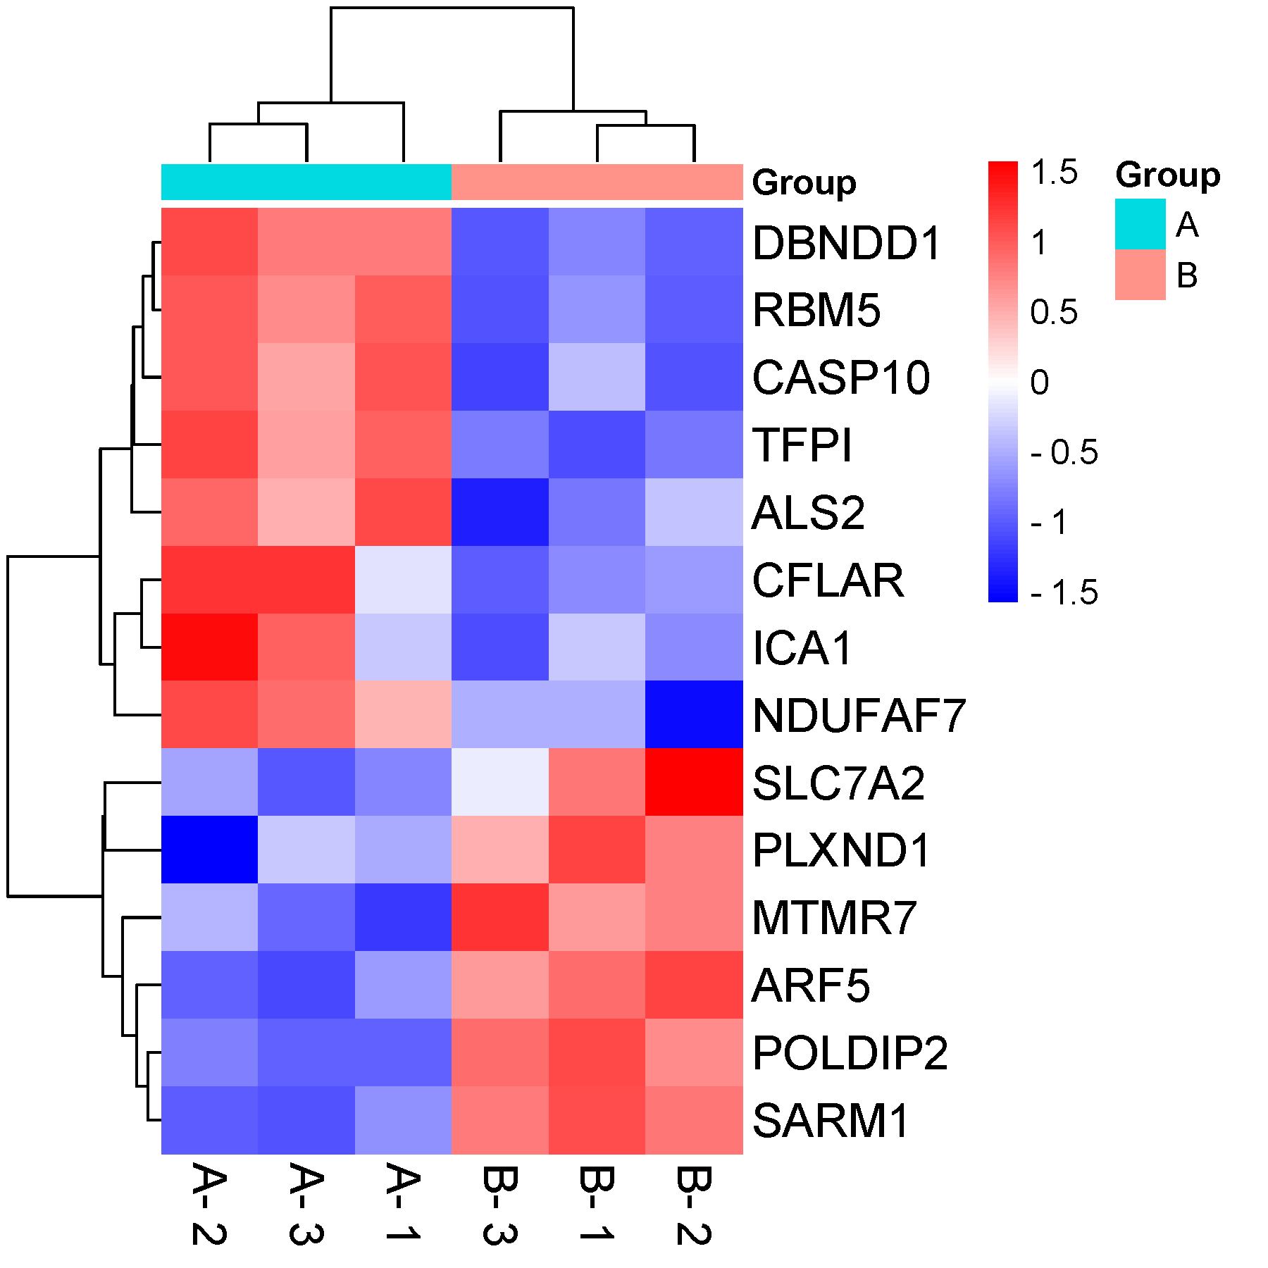
ALS2 | 10.59 | 9.89 | 8.5 | 4.2 | 5.75 | 2.5
CASP10 | 10.38 | 10.2 | 8.5 | 5.1 | 2.8 | 2.4
CFLAR | 5.75 | 10.85 | 10.9 | 3.9 | 4.2 | 2.8
TFPI | 9.82 | 10.45 | 8.5 | 2.5 | 3.4 | 3.5
NDUFAF7 | 8.9 | 11.02 | 10.33 | 5.75 | 2.4 | 5.75
RBM5 | 10.59 | 10.67 | 9.94 | 6.55 | 5.75 | 5.55
MTMR7 | 2.5 | 5.2 | 3.5 | 9.21 | 9.76 | 11.47
SLC7A2 | 3.5 | 4.2 | 2.5 | 9.21 | 11.78 | 5.75
ARF5 | 4.5 | 3.2 | 2.7 | 9.89 | 10.72 | 8.81
SARM1 | 3.5 | 2.2 | 1.9 | 10.85 | 9.76 | 9.73
POLDIP2 | 3.5 | 4.2 | 3.5 | 11.33 | 9.76 | 10.49
PLXND1 | 5.1 | 1.2 | 5.75 | 11.22 | 9.76 | 8.81

 |  |  |  |  |  |  | Note: 1, Change different algorithms to have a better view. 2, If group name is truncated, download the svg format file, open with inkscape. Choose object size when you saved as pdf.

 |  |  |  |  |  |  | Questions or Cooperations, Contact us:
 |  |  |  |  |  |  | ding@bioinformatics.com.cn

