12. EDA Summary
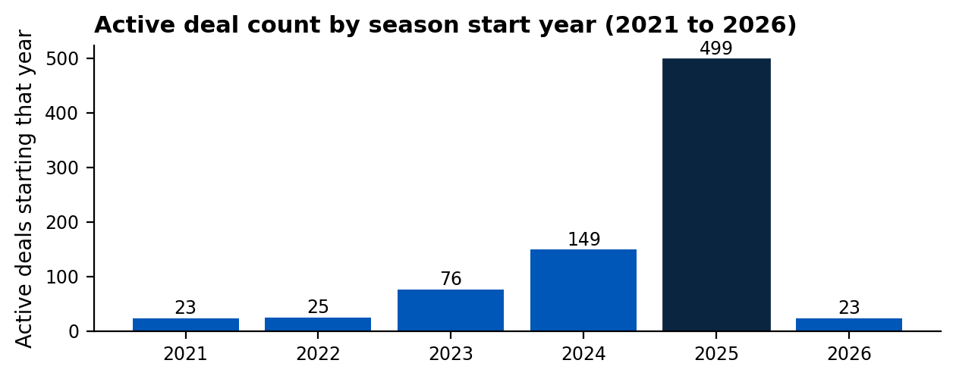
Sponsorship Type
Sponsorship Type | COUNTA of Simulated Sponsor | MEDIAN of Simulated Deal Value
Major Partner | 107 | 2,000,000.00
Official Sponsor | 643 | 400,000.00
Official Supplier | 10 | 1,250,000.00
Regional Partner | 28 | 1,000,000.00
Title Sponsor | 12 | 750,000.00

Sponsor Inventory
Sponsor Inventory Cleaned | COUNTA of Simulated Sponsor | MEDIAN of Simulated Deal Value
Back of Shirt Sponsor | 15 | 500,000.00
Back of Shorts Sponsor | 8 | 200,000.00
Competiton Naming Rights | 2 | 50,250,000.00
N/A | 681 | 500,000.00
Principal Shirt Sponsor | 31 | 11,000,000.00
Sleeve Sponsor | 27 | 2,000,000.00
Stadium Naming Rights | 4 | 30,000,000.00
Stand Title Sponsor | 6 | 450,000.00
Training Kit Sponsor | 26 | 2,000,000.00

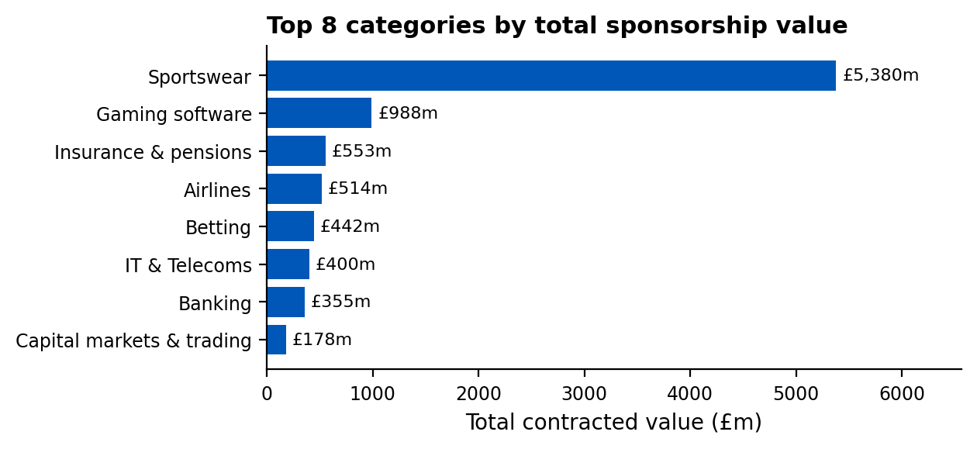
Category
Category Cleaned | SUM of Simulated Deal Value | Percentage
Sportswear & Equipment | 5,432,500,000.00 | 50.15%
Betting & Gaming | 1,461,550,000.00 | 13.49%
Financial Services | 1,312,350,000.00 | 12.12%
Technology & IT | 802,050,000.00 | 7.40%
Travel & Tourism | 720,600,000.00 | 6.65%
Alcoholic Beverages | 206,700,000.00 | 1.91%
Professional & Business Services | 165,450,000.00 | 1.53%
Retail & Fashion | 158,850,000.00 | 1.47%
Beverages (Non-Alcoholic) | 127,400,000.00 | 1.18%
Automotive | 98,350,000.00 | 0.91%
Food | 62,800,000.00 | 0.58%
Real Estate & Construction | 60,500,000.00 | 0.56%
Home & Garden | 52,900,000.00 | 0.49%
Cosmetics & Personal Care | 49,300,000.00 | 0.46%
Logistics & Delivery | 31,650,000.00 | 0.29%
Industrial Goods & Services | 29,200,000.00 | 0.27%
Health & Wellness | 20,300,000.00 | 0.19%
Entertainment & Leisure | 13,850,000.00 | 0.13%
Energy & Utilities | 11,800,000.00 | 0.11%
Media & Broadcasting | 4,750,000.00 | 0.04%
Construction | 4,500,000.00 | 0.04%
Education | 2,400,000.00 | 0.02%
Other | 2,050,000.00 | 0.02%
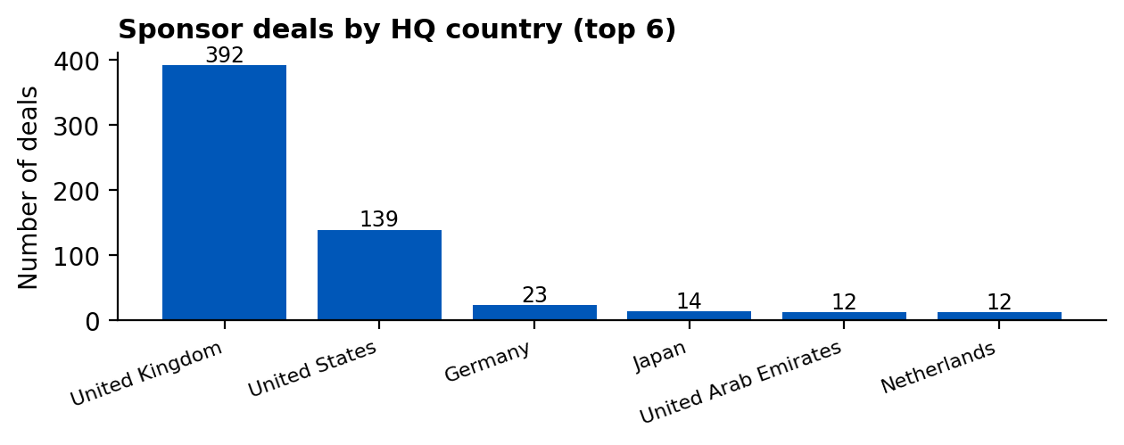
Sponsor Location
Sponsor Location Cleaned | SUM of Simulated Deal Value | Percentage
Germany | 3,634,150,000.00 | 33.55%
United States | 3,528,700,000.00 | 32.58%
United Kingdom | 857,700,000.00 | 7.92%
United Arab Emirates | 551,000,000.00 | 5.09%
MNC | 428,800,000.00 | 3.96%
Hong Kong | 407,500,000.00 | 3.76%
France | 321,700,000.00 | 2.97%
Saudi Arabia | 152,000,000.00 | 1.40%
Japan | 96,400,000.00 | 0.89%
Vietnam | 71,000,000.00 | 0.66%
Denmark | 71,000,000.00 | 0.66%
Seychelles | 70,500,000.00 | 0.65%
Curacao | 65,600,000.00 | 0.61%
Malta | 60,100,000.00 | 0.55%
China | 59,000,000.00 | 0.54%
Greece | 50,500,000.00 | 0.47%
South Korea | 40,000,000.00 | 0.37%
Malaysia | 39,400,000.00 | 0.36%
Ireland | 33,200,000.00 | 0.31%
Sweden | 33,000,000.00 | 0.30%
Philippines | 32,000,000.00 | 0.30%
Spain | 24,300,000.00 | 0.22%
Singapore | 21,000,000.00 | 0.19%
Italy | 19,000,000.00 | 0.18%
Cyprus | 17,400,000.00 | 0.16%
India | 16,000,000.00 | 0.15%
Rwanda | 15,000,000.00 | 0.14%
Australia | 13,900,000.00 | 0.13%
Isle of Man | 11,000,000.00 | 0.10%
Netherlands | 10,000,000.00 | 0.09%
Austria | 9,700,000.00 | 0.09%
Switzerland | 9,300,000.00 | 0.09%
South Africa | 6,700,000.00 | 0.06%
Turkey | 6,600,000.00 | 0.06%
Luxembourg | 6,000,000.00 | 0.06%
Chile | 6,000,000.00 | 0.06%
Thailand | 4,300,000.00 | 0.04%
Ukraine | 3,000,000.00 | 0.03%
Nigeria | 3,000,000.00 | 0.03%
Israel | 3,000,000.00 | 0.03%
Czech Republic | 2,500,000.00 | 0.02%
Mauritius | 2,000,000.00 | 0.02%
Maldives | 2,000,000.00 | 0.02%
Egypt | 2,000,000.00 | 0.02%
British Virgin Islands | 2,000,000.00 | 0.02%
Argentina | 2,000,000.00 | 0.02%
Mexico | 1,500,000.00 | 0.01%
Dominica | 1,500,000.00 | 0.01%
Belgium | 1,100,000.00 | 0.01%
Canada | 1,050,000.00 | 0.01%
Taiwan | 1,000,000.00 | 0.01%
Poland | 1,000,000.00 | 0.01%
Peru | 1,000,000.00 | 0.01%
Mongolia | 1,000,000.00 | 0.01%
Serbia | 500,000.00 | 0.00%
Uzbekistan | 400,000.00 | 0.00%
Panama | 400,000.00 | 0.00%
Slovakia | 200,000.00 | 0.00%
Myanmar | 200,000.00 | 0.00%

Sponsor Location - Grouped Region Summary
Grouped Sponsor Location | Ranking | SUM of Simulated Deal Value | Percentage
United Kingdom | 6 | 3,634,150,000.00 | 0.3355074872
United States | 5 | 3,528,700,000.00 | 0.3257722632
MNC | 4 | 857,700,000.00 | 0.07918351521
Germany | 3 | 551,000,000.00 | 0.05086873834
Japan | 2 | 428,800,000.00 | 0.03958714156
Others | 1 | 1,831,450,000.00 | 0.1690808545
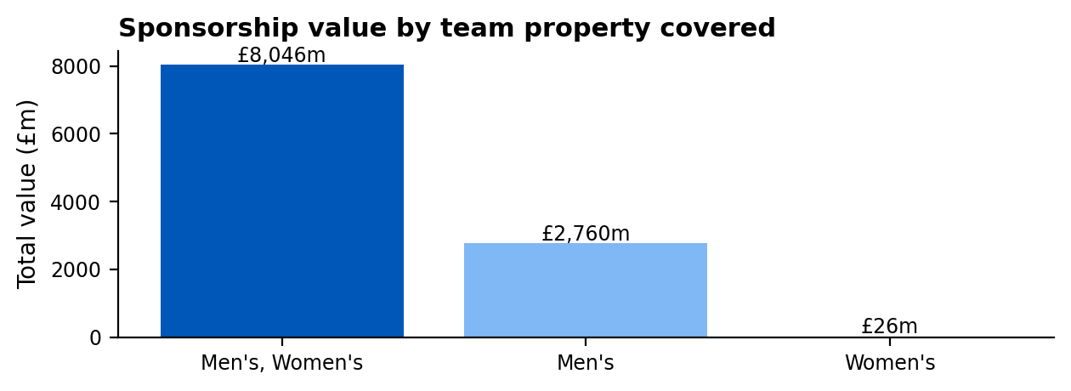
Properties
Properties Cleaned | SUM of Simulated Deal Value | MEDIAN of Simulated Deal Value | AVERAGE of Deal Length
Both | 8,045,700,000.00 | 2,000,000.00 | 2.4242424242
Men's | 2,760,150,000.00 | 400,000.00 | 1.8777372263
Women's | 25,950,000.00 | 300,000.00 | 1.6

Rights Holder Location
Rights Holder Location | SUM of Simulated Deal Value | MEDIAN of Simulated Deal Value | AVERAGE of Deal Length
England | 10,737,100,000.00 | 500,000.00 | 1.9891598916
Scotland | 75,300,000.00 | 200,000.00 | 2.119047619
Ireland | 10,400,000.00 | 500,000.00 | 3.3333333333
Wales | 9,000,000.00 | 1,000,000.00 | 3.4285714286

