bar
Bar Graph
A Bar Graph (also called Bar Chart) is a graphical display of data using bars of different heights.

 |  | Table: Favorite Type of Movie
 |  | Comedy | Action | Romance | Drama | SciFi
 |  | 4 | 5 | 6 | 1 | 4

People vs. Fruit

Example: Nicest Fruit
A survey of 145 people asked them "Which is the nicest fruit?":

 | Fruit | Apple | Orange | Banana | Kiwifruit | Blueberry | Grapes
 | People | 35 | 30 | 10 | 25 | 40 | 5

Students vs. Grade

Example: Student Grades
In a recent test, this many students got these grades:

 | Grade | A | B | C | D
 | Students | 4 | 12 | 10 | 2

pie
Pie Graph
Pie Chart: a special chart that uses "pie slices" to show relative sizes of data. A Pie Chart is a circle divided into sectors that each represent a proportion of the whole.

 |  | Table: Favorite Type of Movie
 |  | Comedy | Action | Romance | Drama | SciFi
 |  | 4 | 5 | 6 | 1 | 4

 |  | Comedy | Action | Romance | Drama | SciFi | Total
 |  | 4 | 5 | 6 | 1 | 4 | 20
 |  | 0.2 | 0.25 | 0.3 | 0.05 | 0.2 | 1
 |  | 72 | 90 | 108 | 18 | 72 | 360

Example: Nicest Fruit
A survey of 145 people asked them "Which is the nicest fruit?":

People:
 | Fruit | Apple | Orange | Banana | Kiwifruit | Blueberry | Grapes
 | People: | 35 | 30 | 10 | 25 | 40 | 5

Example: Student Grades
In a recent test, this many students got these grades:

 | Grade | A | B | C | D
 | Students | 4 | 12 | 10 | 2

dot
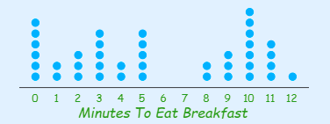
Dot Graph
A Dot Plot is a graphical display of data using dots.

 | Minutes | 0 | 1 | 2 | 3 | 4 | 5 | 6 | 7 | 8 | 9 | 10 | 11 | 12
 | People | 6 | 2 | 3 | 5 | 2 | 5 | 0 | 0 | 2 | 3 | 7 | 4 | 1

line
Line Graph
Line Graph: a graph that shows information that is connected in some way (such as change over time)

 | Table: Facts I got Correct
 | Day 1 | Day 2 | Day 3 | Day 4
 | 3 | 4 | 12 | 15

 | Year | 1920 | 1930 | 1940 | 1950 | 1960 | 1970 | 1980 | 1990 | 2000 | 2010
 | Unemployment_Rate | 9.8 | 12 | 8 | 7.2 | 6.9 | 7 | 6.5 | 6.2 | 5.5 | 6.3

Unemployment_Rate vs. Year

scatter
Scatter plot
A Scatter (XY) Plot has points that show the relationship between two sets of data.
Ice Cream Sales vs. Temperature °C

Ice Cream Sales vs Temperature
Temperature °C | Ice Cream Sales
11.9° | $185
14.2° | $215
15.2° | $332
16.4° | $325
17.2° | $408
18.1° | $421
18.5° | $406
19.4° | $412
22.1° | $522
22.6° | $445
23.4° | $544
25.1° | $614

Line of best fit
as close as possible to all points

1) find the slope of a line and 2) find the y-intercept of a line.

In general, the slope intercept form assumes the formula: y = mx + b.
M is the slope (lesson on slope)
Mnemonic : 'm' means 'move'
B is the y-intercept (lesson on the y-intercept)
Mnemonic: 'b' means where the line begins.

y = 5x + 3 is an example of the Slope Intercept Form and represents the equation of a line with a slope of 5 and and a y-intercept of 3.
y = −2x + 6 represents the equation of a line with a slope of −2 and and a y-intercept of 6.

histogram
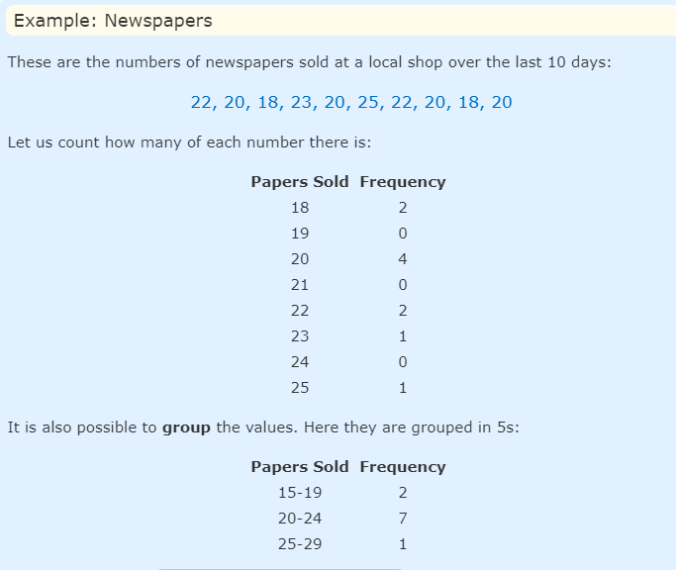
Histogram
Histogram: a graphical display of data using bars of different heights.

 | Height
 | 286
 | 276
 | 266
 | 236
 | 147
 | 145
 | 123
 | 450
 | 145
 | 145
 | 123
 | 153
 | 123
 | 338
 | 328
 | 328
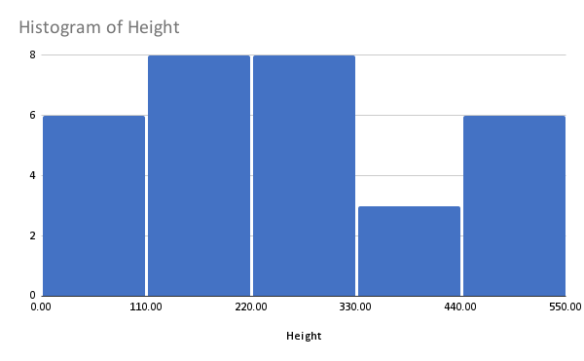
 | 345
 | 33
 | 0
 | 33
 | 500
 | 500
 | 74
 | 74
 | 74
 | 454
 | 454
 | 454
 | 232
 | 232
 | 350

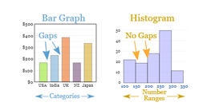

Frequency
Frequency is how often something occurs.

Frequency Distribution
By counting frequencies we can make a Frequency Distribution table.

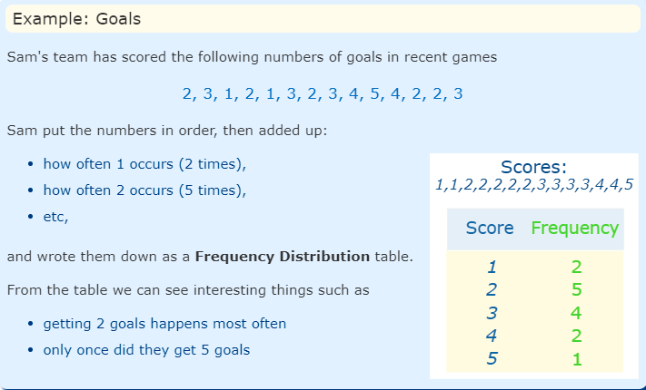
Frequency vs. Score

 |  | Score | Frequency
 |  | 1 | 2
 |  | 2 | 5
 |  | 3 | 4
 |  | 4 | 2
 |  | 5 | 1

bar graph

stem & leaf
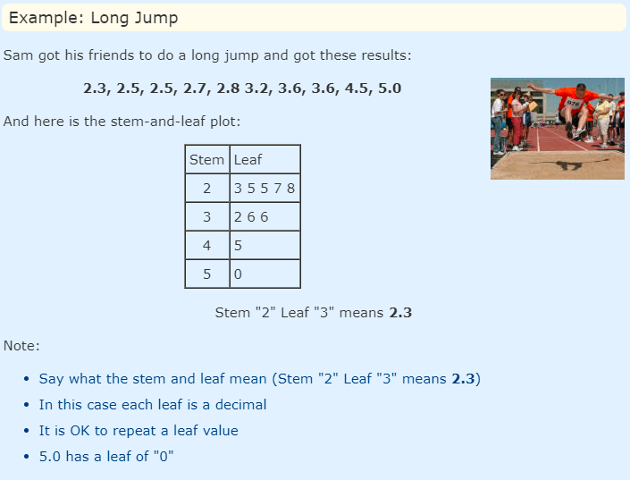
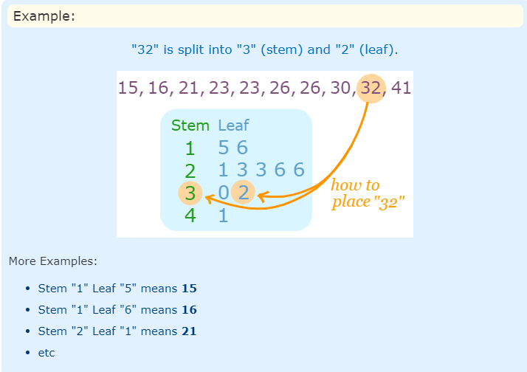
Stem and leaf plots
A Stem and Leaf Plot is a special table where each data value is split into a "stem" (the first digit or digits) and a "leaf" (usually the last digit). Like in this example:

cumulative
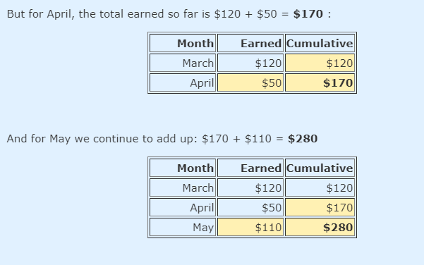
Cumulative
Cumulative means "how much so far".

Think of the word "accumulate" which means to gather together.

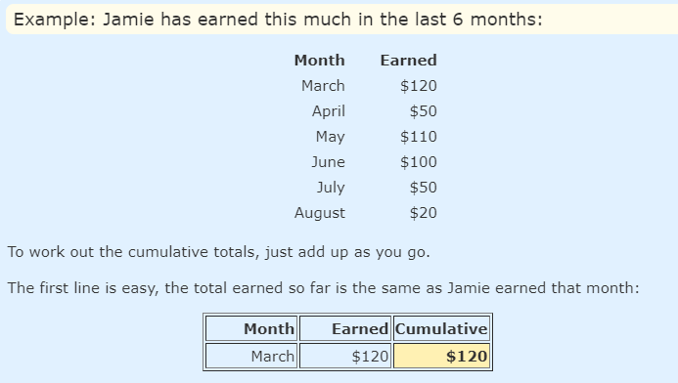

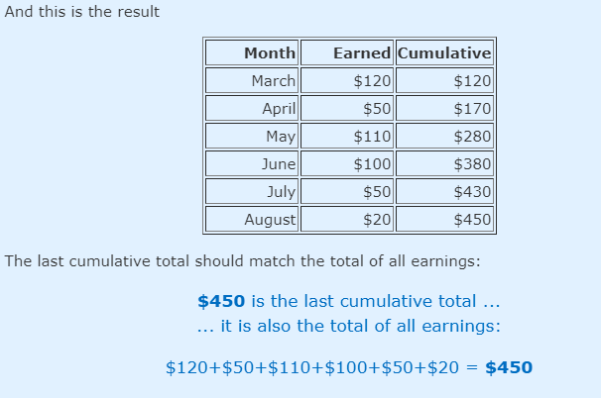

Cumulative vs. Month

 | Month | Earned | Cumulative
 | March | $120 | $120
 | April | $50 | $170
 | May | $110 | $280
 | June | $100 | $380
 | July | $50 | $430
 | August | $20 | $450

pictographs
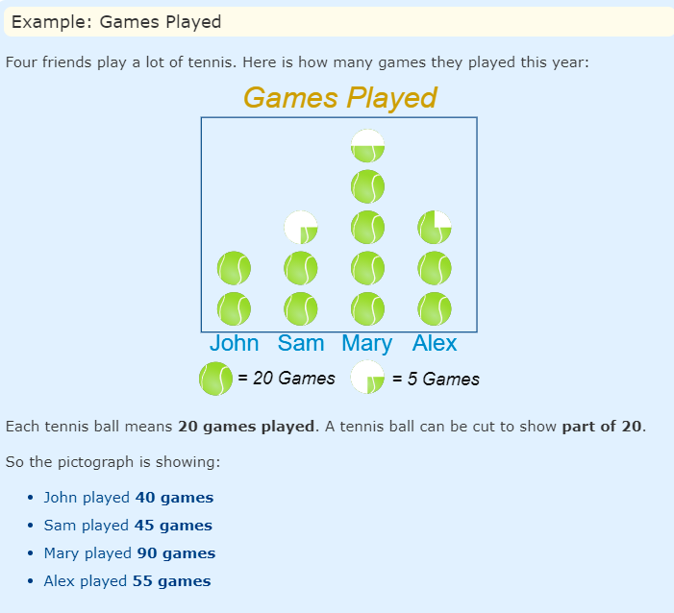
Pictographs
A Pictograph is a way of showing data using images.
Each image stands for a certain number of things.

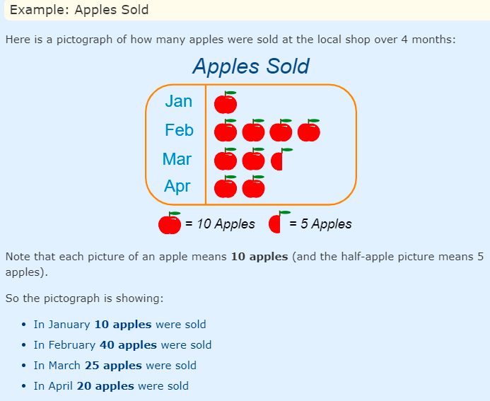

Pictographs can also be vertical, like this:

