Backlog Properties
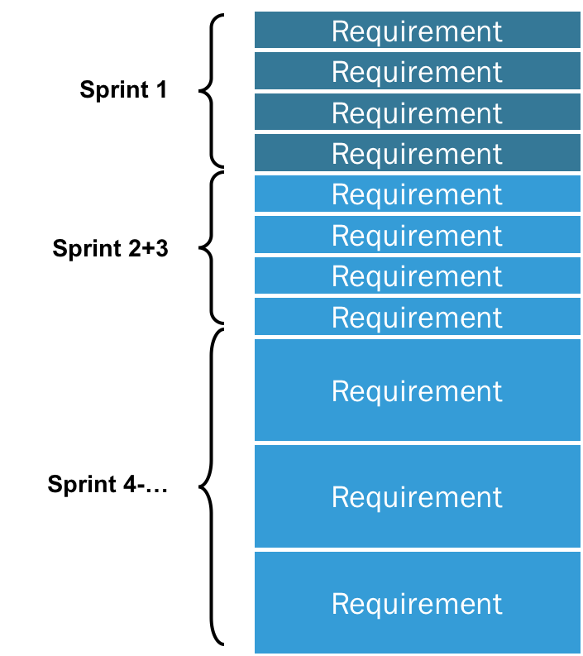
 | Product Backlog properties
1 | single source of requirements of any changes
2 | responsible by Product Owner: content, availability and ordering
3 | dynamic, never complete
4 | evolves as the product and environment will be used to evolve
5 | ongoing backlog refinement: review and revise

