Arch
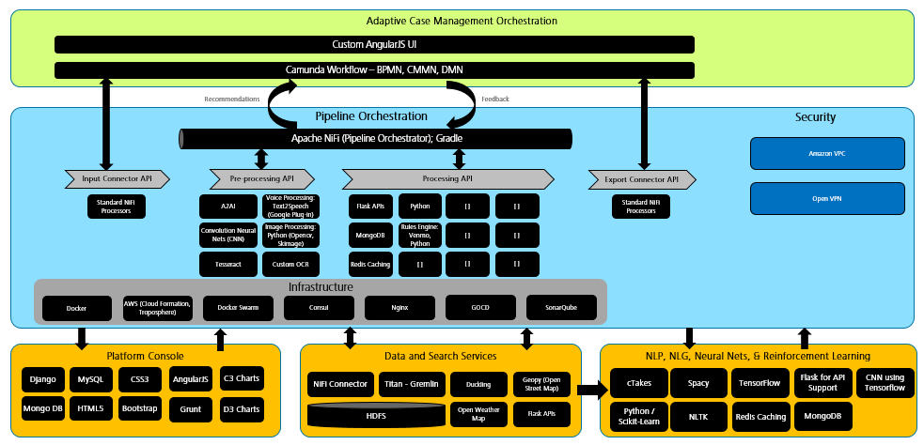
Intake Platform Architecture

Functional Architecture

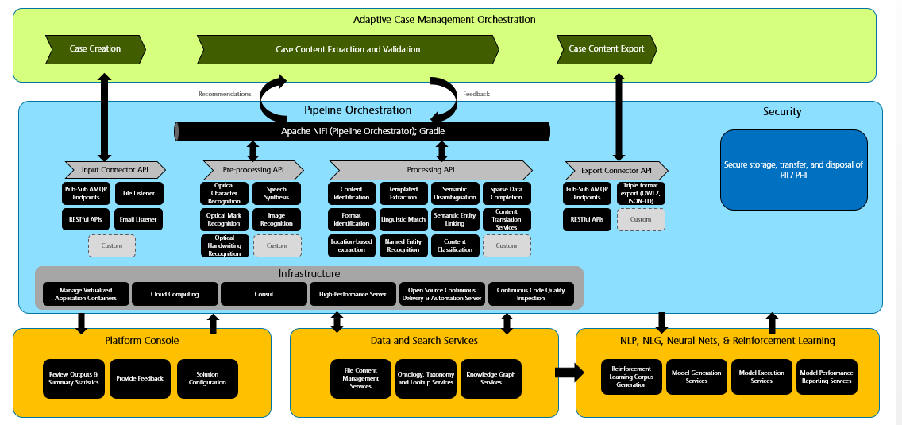

C

H
I

Technical Architecture

