PPTSF
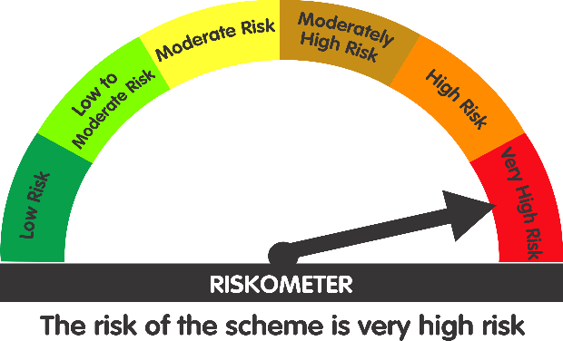
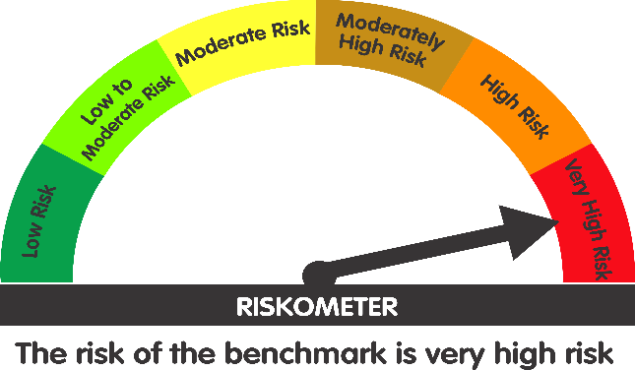
 | Parag Parikh ELSS Tax Saver Fund (An open ended equity linked saving scheme with a statutory lock in of 3 years and tax benefit)

 | Monthly Portfolio Statement as on July 31, 2026
 | Name of the Instrument | ISIN | Industry / Rating | Quantity | Market/Fair Value (Rs. in Lakhs) | % to Net Assets | YTM~ | YTC^
 | Equity & Equity related
 | (a) Listed / awaiting listing on Stock Exchanges
HDFB03 | HDFC Bank Limited | INE040A01034 | Banks | 5,771,785 | 43,181.61 | 7.58%
BAJA01 | Bajaj Holdings & Investment Limited | INE118A01012 | Finance | 352,751 | 40,012.55 | 7.02%
PGCI01 | Power Grid Corporation of India Limited | INE752E01010 | Power | 13,647,455 | 38,792.89 | 6.81%
COAL01 | Coal India Limited | INE522F01014 | Consumable Fuels | 8,209,670 | 34,000.35 | 5.97%
MASC01 | Maharashtra Scooters Limited | INE288A01013 | Finance | 236,313 | 30,741.96 | 5.39%
IBCL05 | ICICI Bank Limited | INE090A01021 | Banks | 2,035,120 | 29,212.11 | 5.13%
ITCL02 | ITC Limited | INE154A01025 | Diversified FMCG | 10,322,837 | 29,007.17 | 5.09%
HCLT02 | HCL Technologies Limited | INE860A01027 | IT - Software | 1,915,041 | 25,793.69 | 4.53%
KOMA03 | Kotak Mahindra Bank Limited | INE237A01036 | Banks | 6,089,925 | 23,768.98 | 4.17%
MAUD01 | Maruti Suzuki India Limited | INE585B01010 | Automobiles | 159,145 | 22,652.70 | 3.97%
MAHI02 | Mahindra & Mahindra Limited | INE101A01026 | Automobiles | 641,849 | 21,813.24 | 3.83%
BTVL02 | Bharti Airtel Limited | INE397D01024 | Telecom - Services | 1,048,262 | 20,671.73 | 3.63%
UTIB02 | Axis Bank Limited | INE238A01034 | Banks | 1,598,937 | 19,658.93 | 3.45%
INFS02 | Infosys Limited | INE009A01021 | IT - Software | 1,701,022 | 19,223.25 | 3.37%
CPIL02 | CCL Products (India) Limited | INE421D01022 | Agricultural Food & other Products | 1,401,976 | 16,197.03 | 2.84%
CMSI01 | CMS Info System Limited | INE925R01014 | Commercial Services & Supplies | 6,041,949 | 15,932.62 | 2.80%
TCSL01 | Tata Consultancy Services Limited | INE467B01029 | IT - Software | 455,117 | 10,766.25 | 1.89%
CHEL02 | Zydus Lifesciences Limited | INE010B01027 | Pharmaceuticals & Biotechnology | 812,832 | 9,158.99 | 1.61%
WIPR02 | Wipro Limited | INE075A01022 | IT - Software | 4,658,682 | 8,555.67 | 1.50%
CIPL03 | Cipla Limited | INE059A01026 | Pharmaceuticals & Biotechnology | 549,910 | 8,101.27 | 1.42%
DRRL03 | Dr. Reddy's Laboratories Limited | INE089A01031 | Pharmaceuticals & Biotechnology | 609,491 | 6,997.57 | 1.23%
CNAF02 | Zydus Wellness Limited | INE768C01028 | Food Products | 1,163,620 | 6,720.49 | 1.18%
SESH01 | Seshaasai Technologies Limited | INE04VU01023 | Financial Technology (Fintech) | 1,728,951 | 5,984.76 | 1.05%
WCPA02 | West Coast Paper Mills Limited | INE976A01021 | Paper, Forest & Jute Products | 947,665 | 5,396.95 | 0.95%
IEEL02 | Indian Energy Exchange Limited | INE022Q01020 | Capital Markets | 3,951,545 | 5,225.52 | 0.92%
VSTI01 | VST Industries Limited | INE710A01016 | Cigarettes & Tobacco Products | 2,309,159 | 5,114.79 | 0.90%
SMIL02 | Sharda Motor Industries Ltd. | INE597I01028 | Auto Components | 345,303 | 3,008.63 | 0.53%
IGAS02 | Indraprastha Gas Limited | INE203G01027 | Gas | 1,766,326 | 2,684.46 | 0.47%
EIDP03 | EID Parry India Limited | INE126A01031 | Food Products | 352,567 | 2,679.69 | 0.47%
NAHR01 | Narayana Hrudayalaya Limited | INE410P01011 | Healthcare Services | 104,790 | 2,126.40 | 0.37%
GREA03 | The Great Eastern Shipping Company Limited | INE017A01032 | Transport Services | 134,254 | 1,812.97 | 0.32%
CDSL01 | Central Depository Services (India) Limited | INE736A01011 | Capital Markets | 103,262 | 1,376.48 | 0.24%
SWEN01 | Swaraj Engines Limited | INE277A01016 | Industrial Products | 31,709 | 1,150.62 | 0.20%
ITAG01 | Sundrop Brands Ltd | INE209A01019 | Agricultural Food & other Products | 162,516 | 1,081.46 | 0.19%
BINL01 | Indus Towers Limited | INE121J01017 | Telecom - Services | 150,000 | 586.65 | 0.10%
PLNG01 | Petronet LNG Limited | INE347G01014 | Gas | 200,000 | 561.50 | 0.10%
MAGL01 | Mahanagar Gas Limited | INE002S01010 | Gas | 41,044 | 459.90 | 0.08%
ICRA01 | ICRA Limited | INE725G01011 | Capital Markets | 5,803 | 284.55 | 0.05%
NESC02 | Nesco Limited | INE317F01035 | Commercial Services & Supplies | 15,060 | 160.36 | 0.03%
MAAU01 | CIE Automotive India Limited | INE536H01010 | Auto Components | 34,765 | 142.05 | 0.02%
SSML02 | Siyaram Silk Mills Limited | INE076B01028 | Textiles & Apparels | 18,249 | 109.91 | 0.02%
 | Sub Total |  |  |  | 520,908.70 | 91.42%
 | (b) Reits
EOPR01 | Embassy Office Parks REIT | INE041025011 | Realty | 3,212,391 | 14,069.95 | 2.47%
BRFI01 | Brookfield India Real Estate Trust | INE0FDU25010 | Realty | 4,069,460 | 13,896.39 | 2.44%
 | Sub Total |  |  |  | 27,966.34 | 4.91%
 | (c) Unlisted |  |  |  | NIL | NIL
 | Sub Total |  |  |  | NIL | NIL
 | Total |  |  |  | 548,875.04 | 96.33%
 | Money Market Instruments
 | Treasury Bill
TBIL2611 | 364 Days Tbill (MD 15/01/2027) | IN002025Z419 | Sovereign | 1,000,000 | 975.08 | 0.17% | 5.59%
TBIL2676 | 364 Days Tbill (MD 01/07/2027) | IN002026Z136 | Sovereign | 500,000 | 475.16 | 0.08% | 5.71%
 | Sub Total |  |  |  | 1,450.24 | 0.25%
 | Total |  |  |  | 1,450.24 | 0.25%
 | Reverse Repo / TREPS
TRP_030826 | TRP_030826 |  |  |  | 17,345.30 | 3.04% | 4.94%
 | Sub Total |  |  |  | 17,345.30 | 3.04%
 | Total |  |  |  | 17,345.30 | 3.04%
 | Net Receivables / (Payables) |  |  |  | 2,285.40 | 0.38%
 | GRAND TOTAL |  |  |  | 569,955.98 | 100.00%

 | # Traded
 | ~ Yield to Maturity (YTM) as on July 31, 2026
 | ^ Pursuant to AMFI circular no. 135/BP/91/2020-21, Yield to Call (YTC) for AT-1 bonds and Tier-2 bonds as on July 31, 2026

 | Notes:
 | 1. Total value provided for securities classified as below investment grade or default and its percentage to NAV - NIL
 | Name of security | ISIN Code | Net receivable/ market value | Net receivable/ market value | Total amount due (including principal and interest)
 |  |  | (Rs. in Lakhs) | (as % to NAV) | (Rs. in Lakhs)
 | NIL | NIL | NIL | NIL | NIL

 | 2. Total value and percentage of Illiquid Equity Shares: Nil

 | 3. Plan wise per unit Net Asset Value are as follows: (Rs.)
 | Plan / Option | 2026-06-30 | 2026-07-31
 | Parag Parikh ELSS Tax Saver Fund-Direct Plan | 31.743 | 32.3078
 | Parag Parikh ELSS Tax Saver Fund-Regular Plan | 29.2293 | 29.7198

 | 4. Total IDCW* (Net) declared during the period ended 31 July 2026- Nil

 | 5. Total Bonus declared during the period ended 31 July 2026 - Nil

 | 6. Total outstanding exposure in derivative instruments as on 31 July 2026 - Nil
 | (Gross exposure means sum of all long and short positions in derivatives)

 | 7. Total investment in Foreign Securities / ADRs / GDRs as on 31 July 2026 - Nil

 | 8. Total Commission paid in the month of Jul 2026: Rs.14655897.82

 | 9. Total Brokerage paid for Buying/ Selling of Investment for Jul 2026 is Rs.508.47

 | 10. Portfolio Turnover Ratio : 20.14

 | 11. Repo transactions in corporate debt securities during the period ending 31 July 2026 - Nil

 | 12. Deviation from the valuation prices given by valuation agencies: NIL

 | Lumpsum Investment Performance (Compounded annual returns)
 | Date | Scheme |  | Benchmark | Index | Value of Investment of Rs. 10,000/-
 |  | PPTSF | PPTSF (Direct Plan) | Nifty 500 (TRI) | Nifty 50 (TRI) | PPTSF | PPTSF (Direct Plan) | Nifty 500 (TRI) | Nifty 50 (TRI)
 | Since Inception (24 July, 2019) | 16.77% | 18.17% | 15.51% | 12.93% | 29720 | 32308 | 27534 | 23493
 | July 31, 2025 to July 31,2026 (Last 1 Year) | -6.49% | -5.45% | 3.37% | -0.43% | 9351 | 9455 | 10337 | 9957
 | July 31, 2023 to July 31, 2026 (Last 3 Years) | 10.23% | 11.45% | 12.29% | 8.56% | 13397 | 13846 | 14163 | 12798
 | July 30, 2021 to July 31, 2026 (Last 5 Years) | 12.01% | 13.34% | 12.53% | 10.39% | 17644 | 18714 | 18055 | 16405

 | SIP Investment Performance - Parag Parikh ELSS Tax Saver Fund - Regular Plan - Growth
 |  | Since Inception (24 July, 2019) | July 31, 2025 to July 31,2026 (Last 1 Year) | July 31, 2023 to July 31, 2026 (Last 3 Years) | July 30, 2021 to July 31, 2026 (Last 5 Years)
 | Total Amount Invested | 850000 | 120000 | 360000 | 600000
 | Market value of Investment | 1398508 | 116863 | 376095 | 749945
 | Returns (Annualised) (%) | 13.81 | -4.83 | 2.87 | 8.86
 | Nifty 500 (TRI) Returns (Annualised) (%) | 14.55 | 5.89 | 7.33 | 11.22
 | Nifty 50 (TRI) Returns (Annualised) (%) | 11.60 | -0.61 | 4.40 | 8.16

 | SIP Investment Performance - Parag Parikh ELSS Tax Saver Fund - Direct Plan - Growth
 |  | Since Inception (24 July, 2019) | July 31, 2025 to July 31,2026 (Last 1 Year) | July 31, 2023 to July 31, 2026 (Last 3 Years) | July 30, 2021 to July 31, 2026 (Last 5 Years)
 | Total Amount Invested | 850000 | 120000 | 360000 | 600000
 | Market value of Investment | 1472213 | 117554 | 382852 | 774495
 | Returns (Annualised) (%) | 15.23 | -3.77 | 4.04 | 10.16
 | Nifty 500 (TRI) Returns (Annualised) (%) | 14.55 | 5.89 | 7.33 | 11.22
 | Nifty 50 (TRI) Returns (Annualised) (%) | 11.60 | -0.61 | 4.40 | 8.16

 | Quantitative indicators
 | Standard Deviation | 11.37%
 | Standard Deviation( Benchmark ) | 15.29%
 | Sharpe Ratio | 0.48
 | Beta | 0.70
 | Information Ratio | -0.41
 | Treynor Ratio | 0.08
 | VaR | -4.42%
 | Risk free rate of return (FIMMDA MIBOR) | 5.01%

 | Debt Quants as on as on July 31, 2026
 | Macaulay Duration (years) | 0.0545

 | This Product is suitable for investors who are seeking*
 | - Long term capital appreciation
 | - Investment predominantly in equity and equity related securities.
 | * Investors should consult their financial advisers if in doubt about whether the product is suitable for them.

 | Scheme's Riskometer | AMFI Tier 1 Benchmark's Riskometer
 |  | (Nifty 500 TRI)

