Overview
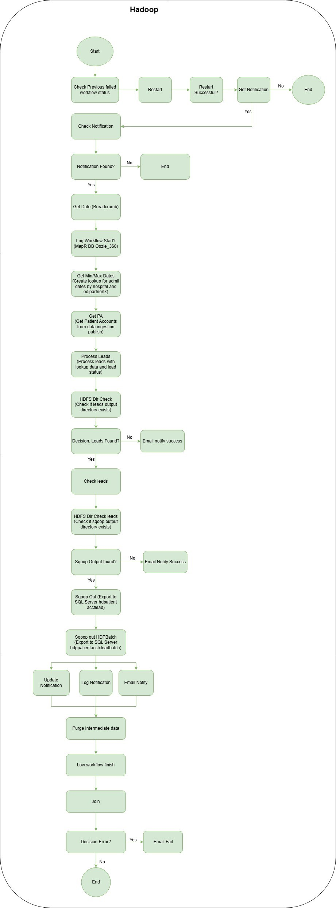
Stage | Hadoop Flow Description | Databricks Flow Description | Match Status | Notes/Comments
Stage 1: Workflow Initialization | First, the workflow checks MapR DB for previously failed workflows and attempts to restart them automatically. Next, it retrieves notification from MapR DB leadpropagation runstatus table based on notification type and category. | First, the pipeline retrieves the breadcrumb (batch identifier) from Cosmos DB runstatus table for multiple notification types (ie_xref_lsb_propagation, es_xref_lsb_propagation, globalmrnmerge_xref_lsb_propagation, fc_xref_lsb_propagation, hfc_xref_lsb_propagation, ie_propagation_famc, es_propagation_famc, fc_propagation_famc, chc_xref_lsb_propagation). Then it sets the breadcrumb and notification type variables. Note: Failed workflow handling is managed by the master pipeline. | Similar | Hadoop has explicit failed workflow restart logic and gets notification from MapR DB. Databricks relies on master pipeline for failure handling and uses Cosmos DB with multi-notification type support. No impact on data.
Stage 2: Create Min/Max Admit Date Lookup | The system creates lookup tables for minimum and maximum search duration by hospital and by EDI partner FK. It reads hospital, hospital provider numbers, EDI submitters, EDI partners, EDI partner types (commercial/Tricare), EDI partner 270 settings, and overrides. It aggregates min/max search duration values and writes to Parquet output. | The system creates the same lookup tables using identical logic. It reads the same reference data and aggregates min/max search duration values. The output is written to Parquet format with business cycle appended to the path. | Similar | Same logical purpose and implementation - creating admit date lookup tables for filtering leads by date range.
Stage 3: Get Patient Accounts | The system identifies self-pay patient accounts eligible for lead propagation. It filters patient accounts with totalcharges > 0 and admitdate within past 1 year. It enriches with V-SNAP flags (commercial, Medicare, Medicaid), hospital attributes, Global MRN IDs, and PermIDs. It validates SSN, MRN, and Clustered Account FK. Finally, it propagates leads by joining LSB lead data with patient accounts on identity types (Global MRN ID, PermID, SSN, Medical Rec Num, Clustered Acct FK) and writes output by dataset type. | The system performs the same patient account identification and lead propagation logic. However, for CHC datasets, it uses a 2-year lookback period instead of 1 year. It also includes hospital FK in joins for Global MRN and PermID matching for better accuracy. The output structure is similar but uses dataset-specific paths. | Different | Same core logic but Databricks has enhanced date filtering for CHC (2 years vs 1 year) and includes hospital FK in identity joins for better matching accuracy.
Stage 4: Process Leads | The system processes propagated leads through multiple filtering stages: extracts and explodes leads from input, filters blacklisted partner policy IDs, checks mode configuration, filters by coverage ID length and admit date range, filters commercial/Tricare EDI partners, checks if hospital provider numbers are enabled, filters by minimum charges by partner, filters if exists in Found Coverage, applies walling off logic, adds EDI data source FK, processes OHI batch, and performs best lead selection. Finally, it writes processed leads to output directory. | The system processes leads through the same filtering stages with additional enhancements: includes BCBS coverage prefix filtering, filters past billing deadline dates, and filters known coverages. The processing logic is identical but includes these additional quality checks. The output includes return value, notification type, and updated breadcrumb for downstream activities. | Different | Same core processing logic but Databricks adds BCBS prefix filtering, billing deadline filtering, and known coverage filtering for improved lead quality.
Stage 5: Check Leads (Conditional) | The system checks if processed leads output directory exists and contains data. If data exists, it filters out leads that have already been sent, creates unique IDs, and prepares data for SQL Server export. It writes checked leads to sqoop output directory. | The system performs the same lead checking logic but only for non-CHC notification types. For CHC, the checking is handled differently. The output structure is similar with dataset-specific paths. | Different | Same logical purpose but Databricks has conditional logic based on notification type (CHC vs non-CHC) with different handling paths.
Stage 6: Push Leads to SQL Server (Conditional) | The system exports processed leads to SQL Server using Sqoop. It exports to two tables: hdppatientacctxlead (with all lead columns) and hdppatientacctxleadbatch (with breadcrumb only). The export uses field delimiter \001 and 10 mappers. | The system performs the same SQL Server export but uses Databricks JDBC push instead of Sqoop. It exports to the same tables with the same structure. Additionally, it includes database sharding logic to split large datasets into multiple files based on maxRecordsPerFile parameter, and then moves sharded files to final location. | Similar | Same export logic but Databricks uses JDBC push instead of Sqoop and includes database sharding for better performance with large datasets.
Stage 7: Update Notification and Cleanup | The system updates MapR DB notification tracker to mark lead propagation as complete. It logs notification to NFS, sends email notification, purges intermediate data older than retention period, and logs workflow completion to MapR DB operations log. | The system updates Cosmos DB notification tracker to mark processing as complete. It deletes trigger file from ADLS and updates notification status to 'processed'. Final status logging is handled by the master pipeline. | Similar | Hadoop performs file-based cleanup, sends email notifications, and manages its own logging. Databricks uses Cosmos DB for notifications, manages trigger file lifecycle, and relies on master pipeline for final status logging.

