HighOptic
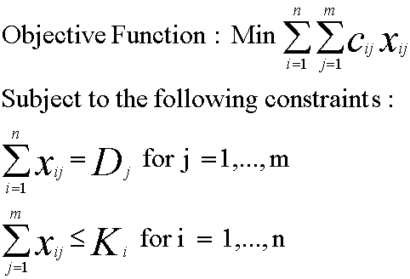
Inputs - Costs, Capacities, Demands (Table 5-2 for HighOptic)
 | Demand City Production and Transportation Cost per 1000 Units |  |  |  |  |  | Fixed | Capacity
Supply City | Atlanta | Boston | Chicago | Denver | Omaha | Portland | Cost ($)
Baltimore | 1,675 | 400 | 685 | 1,630 | 1,160 | 2,800 | 7,650 | 18
Cheyenne | 1,460 | 1,940 | 970 | 100 | 495 | 1,200 | 3,500 | 24
Salt Lake | 1,925 | 2,400 | 1,425 | 500 | 950 | 800 | 5,000 | 27
Memphis | 380 | 1,355 | 543 | 1,045 | 665 | 2,321 | 4,100 | 22
Wichita | 922 | 1,646 | 700 | 508 | 311 | 1,797 | 2,200 | 31
Demand | 10 | 8 | 14 | 6 | 7 | 11

Decision Variables
 | Demand City - Production Allocation (1000 Units) |  |  |  |  |  | Plants
Supply City | Atlanta | Boston | Chicago | Denver | Omaha | Portland | (1=open)
Baltimore | 0 | 0 | 0 | 0 | 0 | 0
Cheyenne | 0 | 0 | 0 | 6 | 7 | 0 | 1
Salt Lake | 0 | 0 | 0 | 0 | 0 | 11 | 1
Memphis | 0 | 0 | 0 | 0 | 0 | 0
Wichita | 0 | 0 | 0 | 0 | 0 | 0

Constraints |  |  |  | Guess feasible? |  | yes
Supply City | Excess Capacity
Baltimore | 18
Cheyenne | 11
Salt Lake | 16
Memphis | 22
Wichita | 31

 | Atlanta | Boston | Chicago | Denver | Omaha | Portland
Unmet Demand | 10 | 8 | 14 | 0 | 0 | 0

Objective Function
Cost = | $21,416 |  | Cost of guess allocation = |  |  | $51
Improvement on optimization = |  |  |  |  |  | $(21,365)

Linear Program Formulations
Model Inputs:
n = | Number of potential factory locations
m = | Number of markets or demand points
Dj = | Annual demand from market j
Ki = | Potential capacity of factory i
fi = | Annualized fixed cost of keeping factory i open
cij = | Cost of producing and shipping one unit from factory i to market j
 | (cost includes production, inventory, and transportation)

Decision Variables:
yi = | 1 if factory i is open, 0 otherwise.
xij = | Quantity shipped from factory i to market j

Location & Allocation
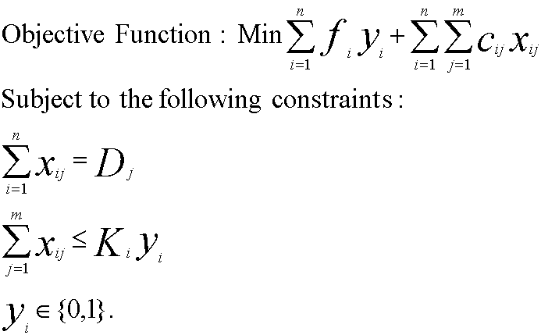
Inputs - Costs, Capacities, Demands (for TelecomOptic)
 | Demand City Production and Transportation Cost per 1000 Units |  |  |  |  |  | Fixed | Capacity
Supply City | Atlanta | Boston | Chicago | Denver | Omaha | Portland | Cost ($)
Baltimore | 1,675 | 400 | 685 | 1,630 | 1,160 | 2,800 | 7,650 | 18
Cheyenne | 1,460 | 1,940 | 970 | 100 | 495 | 1,200 | 3,500 | 24
Salt Lake | 1,925 | 2,400 | 1,425 | 500 | 950 | 800 | 5,000 | 27
Memphis | 380 | 1,355 | 543 | 1,045 | 665 | 2,321 | 4,100 | 22
Wichita | 922 | 1,646 | 700 | 508 | 311 | 1,797 | 2,200 | 31
Demand | 10 | 8 | 14 | 6 | 7 | 11

Decision Variables
 | Demand City - Production Allocation (1000 Units) |  |  |  |  |  | Plants
Supply City | Atlanta | Boston | Chicago | Denver | Omaha | Portland | (1=open)
Baltimore | 0 | 8 | 2 | 0 | 0 | 0 | 1
Cheyenne | 0 | 0 | 0 | 6 | 7 | 11 | 1
Salt Lake | 0 | 0 | 0 | 0 | 0 | 0 | 0
Memphis | 10 | 0 | 12 | 0 | 0 | 0 | 1
Wichita | 0 | 0 | 0 | 0 | 0 | 0 | 0

Constraints
Supply City | Excess Capacity
Baltimore | 8
Cheyenne | 0
Salt Lake | 0
Memphis | 0
Wichita | 0

 | Atlanta | Boston | Chicago | Denver | Omaha | Portland
Unmet Demand | 0 | 0 | 0 | 0 | 0 | 0

Objective Function
Cost = | $47,401 |  | Cost with your Plant Choice= |  |  | $22,450
Improvement on location and allocation optimization = |  |  |  |  |  | $(24,951)

Linear Program Formulations
Model Inputs:
n = | Number of potential factory locations
m = | Number of markets or demand points
Dj = | Annual demand from market j
Ki = | Potential capacity of factory i
fi = | Annualized fixed cost of keeping factory i open
cij = | Cost of producing and shipping one unit from factory i to market j
 | (cost includes production, inventory, and transportation)

Decision Variables:
yi = | 1 if factory i is open, 0 otherwise.
xij = | Quantity shipped from factory i to market j

Figure 5-9, 5-10, 5-11, & 5-12
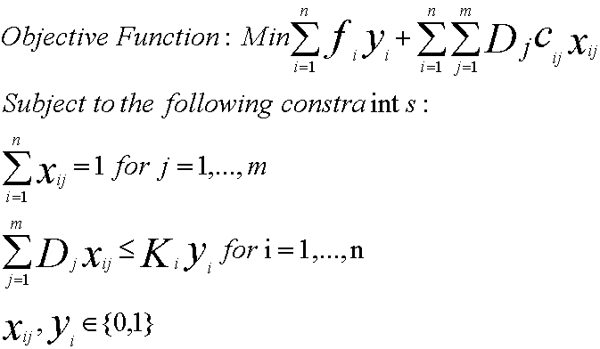
Inputs - Costs, Capacities, Demands (for TelecomOptic)
 | Demand City Production and Transportation Cost per 1000 Units |  |  |  |  |  | Fixed
Supply City | Atlanta | Boston | Chicago | Denver | Omaha | Portland | Cost ($) | Capacity
Baltimore | 1,675 | 400 | 685 | 1,630 | 1,160 | 2,800 | 7,650 | 18
Cheyenne | 1,460 | 1,940 | 970 | 100 | 495 | 1,200 | 3,500 | 24
Salt Lake | 1,925 | 2,400 | 1,425 | 500 | 950 | 800 | 5,000 | 27
Memphis | 380 | 1,355 | 543 | 1,045 | 665 | 2,321 | 4,100 | 22
Wichita | 922 | 1,646 | 700 | 508 | 311 | 1,797 | 2,200 | 31
Demand | 10 | 8 | 14 | 6 | 7 | 11

Decision Variables
 | Demand City Supplied (1 indicates Cities Supplied) |  |  |  |  |  | Plants
Supply City | Atlanta | Boston | Chicago | Denver | Omaha | Portland | (1=open)
Baltimore | 0 | 0 | 0 | 0 | 0 | 0 | 0
Cheyenne | 0 | 0 | 0 | 0 | 0 | 0 | 0
Salt Lake | 0 | 0 | 0 | 0 | 0 | 0 | 0
Memphis | 0 | 0 | 0 | 0 | 0 | 0 | 0
Wichita | 0 | 0 | 0 | 0 | 0 | 0 | 0

Resulting Production Allocation
 | Demand City - Production Allocation (1000 Units)
Supply City | Atlanta | Boston | Chicago | Denver | Omaha | Portland
Baltimore | 0 | 0 | 0 | 0 | 0 | 0
Cheyenne | 0 | 0 | 0 | 0 | 0 | 0
Salt Lake | 0 | 0 | 0 | 0 | 0 | 0
Memphis | 0 | 0 | 0 | 0 | 0 | 0
Wichita | 0 | 0 | 0 | 0 | 0 | 0

Constraints
Supply City | Excess Capacity
Baltimore | 0
Cheyenne | 0
Salt Lake | 0
Memphis | 0
Wichita | 0

 | Atlanta | Boston | Chicago | Denver | Omaha | Portland
Demand | 0 | 0 | 0 | 0 | 0 | 0

Objective Function
Cost = | $- |  | Optimal Location&Allocation Cost= |  |  |  | $-
Cost penalty for single sourcing = |  |  |  |  |  |  | $-

Linear Program Formulations
Model Inputs:
n = | Number of potential factory locations
m = | Number of markets or demand points
Dj = | Annual demand from market j
Ki = | Potential capacity of factory i
fi = | Annualized fixed cost of keeping factory i open
cij = | Cost of producing and shipping one unit from factory i to market j
 | (cost includes production, inventory, and transportation)

Decision Variables:
yi = | 1 if factory i is open, 0 otherwise.
xij = | Quantity shipped from factory i to market j

