VC_Cover
R.1 |  |  | VideoCutter |  |  |  | Process
 |  |  |  |  |  |  | Screen Design
Requirement |  |  |  | Function name | Project General Information |  | Create Date | 2016-07-01 | Creator | Dang Pham Phuong Anh
 |  |  |  |  |  |  | Update Date | 2016-10-01 | Updater | Dang Pham Phuong Anh

 | 1. Overview
 | VideoCutter is a web application with the main function of splitting a user's uploaded video into frames. The model below shows the interaction between the user and the system as well
 | as the flow of data. VideoCutter's functionality requires three screens. The first screen will allow the user to play a sample video and upload a video from their local host onto the server
 | via HTTP. The second screen will show the output in form of frames and allow the user to pick frames either for download or addition of border. The third screen will enable the user to
 | choose a border and add it to an individual frame.

Click (Add Border) button
Click (Download) button
Click (Go Back) button
Click (Upload) button
Upload Video screen
Add Border
screen
View Frames
screen
Browser
HTTP
Server
Local Host
Click (Download) button

 | 2. Screen list

 |  | No | Screen ID | Screen Name |  | UC Name
 |  | 1 | SCR_VC_001 | Upload |  | UC_VC_001 Upload Videos
 |  | 2 | SCR_VC_002 | View Frames |  | UC_VC_002 View Frames
 |  | 3 | SCR_VC_003 | Add Border |  | UC_VC_003 Add Borders

SCR_VC_001
S001 |  |  | VideoCutter |  |  |  |  |  |  |  |  |  |  | Process
 |  |  |  |  |  |  |  |  |  |  |  |  |  | Screen Design
Screen ID |  |  |  | SCR_VC_001 |  | Function name |  |  | Upload Videos |  |  |  |  | Create Date | 2016-07-01 | Creator | Dang Pham Phuong Anh
 |  |  |  |  |  |  |  |  |  |  |  |  |  | Update Date | 2016-10-01 | Updater | Dang Pham Phuong Anh
1. Overview
This screen will enable the user to preview their uploaded video and split it into frames.

2. Screen Design

 | 2.1. Screen image

 |  |  |  |  |  |  | Please Upload Your Video |  |  |  |  | Upload

 |  |  |  |  |  |  | Preview

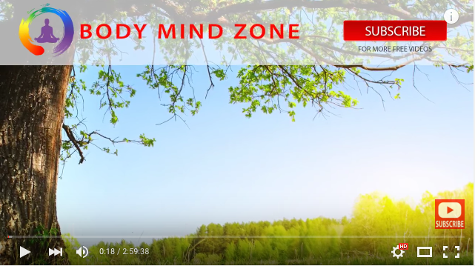

 |  |  |  |  |  |  |  |  |  |  |  |  |  | View Frames

2.2. Screen items

# | Item name |  |  |  | Control |  | Data type | I/O |  | Required | Default Value |  | Range Value | Description
1 | Please Upload Your Video |  |  |  | Static Label |  | Text | O |  |  | Please Upload Your Video |  |  | Displays the message to the user
2 | Upload |  |  |  | Button |  |  |  |  |  |  |  |  | Allows access to the user's local host to upload a video
3 | Preview |  |  |  | Static Label |  | Text | O |  |  | Preview |  |  | The user's video will appear here after upload
4 | Sample Video Preview |  |  |  | Video Player |  | Video | O |  |  | Empty |  |  | Allows the user to view the sample video
5 | View Frames |  |  |  | Button |  |  |  |  |  |  |  |  | Tells the system to split the video into frames

 | 2.3. Main screen interaction

 | 1) | The buttons will function as follow:
 |  | -Upload
 |  |  | +Accesses the user's local host and allows the user to browse their files and choose a video for upload onto the server
 |  | -View Frames
 |  |  | +Splits the video into frames and directs the user onto Screen 2, SCR_VC_002, upon completion of the cutting process
 |  |  | +If the file chosen is of the incorrect type or exceeds the maximum file size, the screen should display an error message
 | 2) | Video Player will be controlled by clicking on the moving image to play/stop. Without any files on the screen, the space will be empty.

SCR_VC_003
S003 |  |  | VideoCutter |  |  |  |  |  |  |  |  |  |  |  | Process
 |  |  |  |  |  |  |  |  |  |  |  |  |  |  | Screen Design
Screen ID |  |  |  | SCR_VC_003 |  | Function name |  |  | Add Border |  |  |  |  |  | Create Date |  | 2016-07-01 | Creator | Dang Pham Phuong Anh
 |  |  |  |  |  |  |  |  |  |  |  |  |  |  | Update Date |  | 2016-10-01 | Updater | Dang Pham Phuong Anh

1. Overview
Add Border screen will enable the user to add border to a previously selected frame.

2. Screen Design

 | 2.1. Screen image

 |  |  |  |  |  |  | Please Select a Border |  |  |  |  | Border Blue

 |  |  |  |  |  |  | Preview

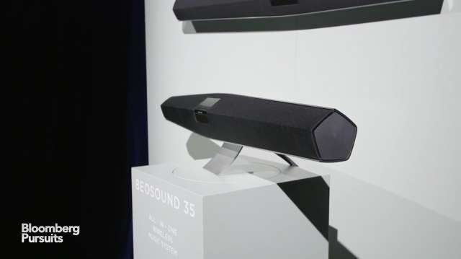

 |  |  |  |  |  |  |  |  |  |  |  |  |  | Download

 | 2.2. Screen items
 | # | Item name |  |  | Control |  |  | Data type | I/O | Required | Default Value |  | Range Value |  |  | Description
 | 1 | Choose Border |  |  | Dropdown Menu |  |  |  | I |  |  |  |  |  |  | This dropdown menu allows the user to choose a border from several types of designs to add to the previously selected frame.
 | 2 | Frame |  |  | Dynamic Label |  |  | Image | O |  |  |  |  |  |  | This is the previously selected frame
 | 3 | Border |  |  |  |  |  |  | O |  | empty |  |  |  |  | This is a dynamic border which shows how the picture will look like with the border selected from the dropdown menu
 | 4 | Download |  |  | Button |  |  |  |  |  |  |  |  |  |  | This button allows the user to download the frame with the border
 | 5 | Please Select a border |  |  | Static Label |  |  |  | O |  |  |  |  |  |  | The label tells the user to refer to the dropdown menu to choose a border design

 | 2.3. Main screen interaction
 | 1) The download button enables the user to download the frame with the border
 |  | -if the user has left the dropdown menu unchanged, the frame downloaded on the local host will remain unchanged as well
 |  | -if download clicked before the border is chosen, an error message should show up and read "Please select a border first".

 | 2)The dropdown menu provides user with choice of borders to add to the frame
 |  | -the preview field changes the border and allows the user to see the changes in real time, before download

 | 2.4. Screen displaying

